Sheet1
Substructure | Substructure in Molecule | Compound ID | Activity label | p_value | Compounds with substr. | Comp. with substr. active | Comp. with substr. inactive
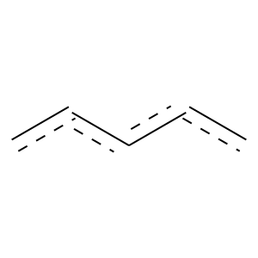 | 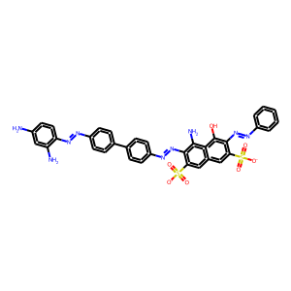 | 1 | 1 | 0.0003276629571 | 1014 | 910 | 104
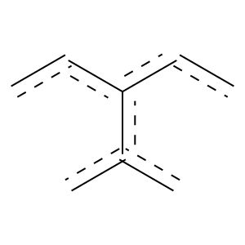 | 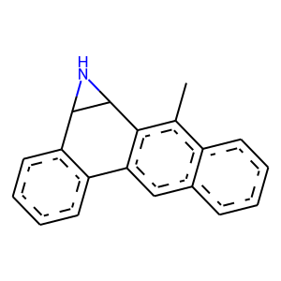 | 5 | 1 | 1.1886702347E-06 | 157 | 154 | 3
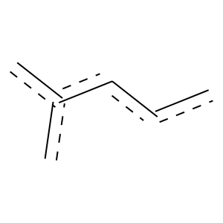 |  | 5 | 1 | 3.5352955111E-13 | 489 | 469 | 20
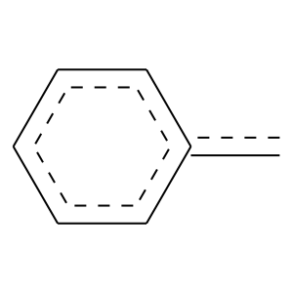 |  | 5 | 1 | 1.0689907452E-12 | 300 | 294 | 6
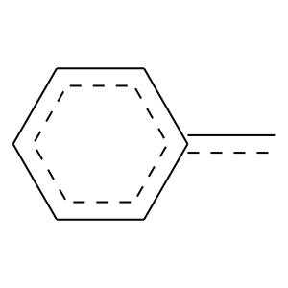 |  | 5 | 1 | 8.3302487769E-20 | 446 | 438 | 8
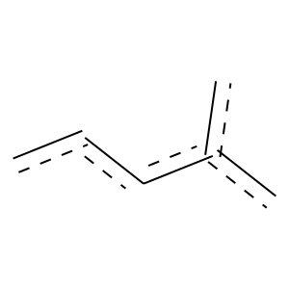 |  | 5 | 1 | 5.9207776121E-23 | 543 | 532 | 11
 |  | 5 | 1 | 0.03591763714 | 244 | 224 | 20
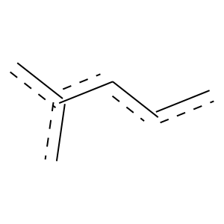 | 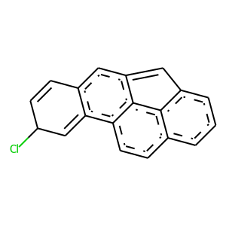 | 11 | 1 | 2.0270683263E-10 | 303 | 294 | 9
 |  | 11 | 1 | 1.3557391057E-13 | 385 | 374 | 11
 |  | 11 | 1 | 1.0076802272E-06 | 186 | 181 | 5
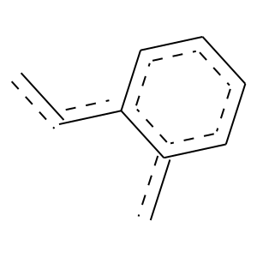 |  | 11 | 1 | 0.00066588322345 | 136 | 131 | 5
 |  | 11 | 1 | 0.0012734427077 | 454 | 415 | 39
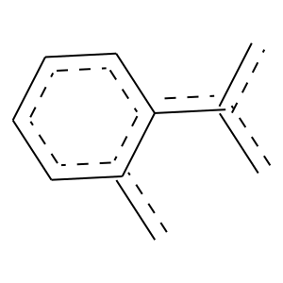 | 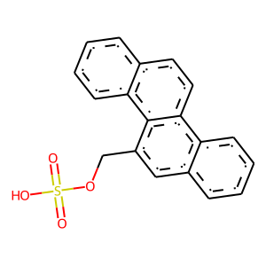 | 15 | 1 | 1.3793932448E-05 | 125 | 123 | 2
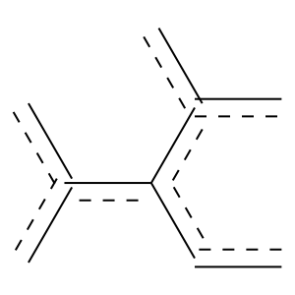 |  | 15 | 1 | 4.3128354132E-06 | 133 | 131 | 2
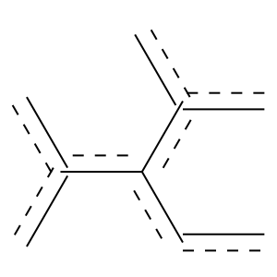 |  | 15 | 1 | 1.1405839786E-05 | 110 | 109 | 1
 |  | 15 | 1 | 1.8445140475E-08 | 170 | 168 | 2
 |  | 15 | 1 | 3.5683687668E-07 | 150 | 148 | 2
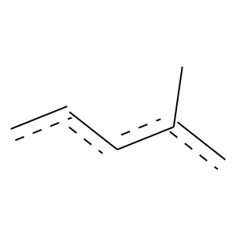 | 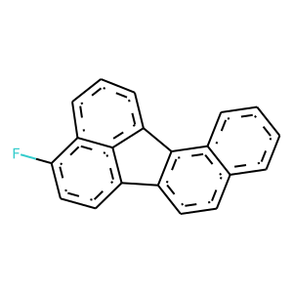 | 21 | 1 | 0.0023778342594 | 114 | 110 | 4
 | 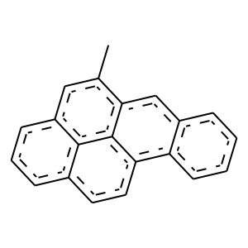 | 22 | 1 | 0.0013584735396 | 106 | 103 | 3
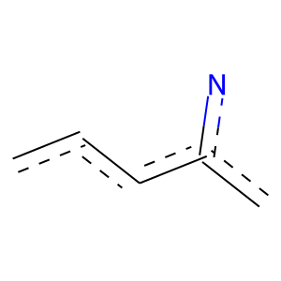 | 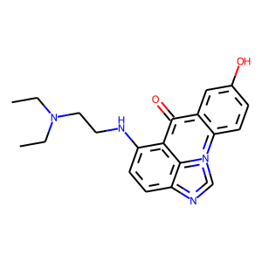 | 26 | 1 | 0.015045214495 | 121 | 115 | 6
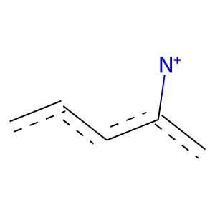 | 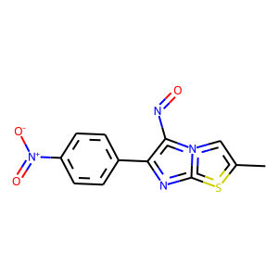 | 37 | 1 | 0.002790813956 | 256 | 238 | 18
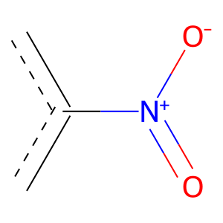 |  | 37 | 1 | 0.023502649595 | 319 | 291 | 28

