Sheet1
Substructure | Substructure in Molecule | Compound ID | Activity label | p_value | Compounds with substr. | Comp. with substr. active | Comp. with substr. inactive
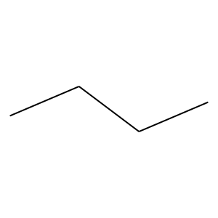 | 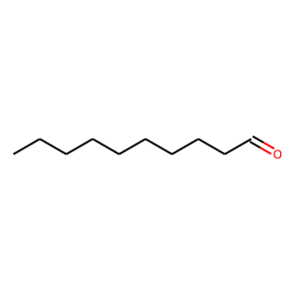 | 0 | 0 | 3.1052904594E-27 | 506 | 49 | 457
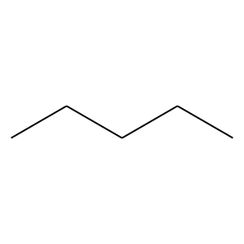 |  | 0 | 0 | 8.1919726933E-27 | 322 | 18 | 304
 |  | 0 | 0 | 4.1842170445E-13 | 381 | 51 | 330
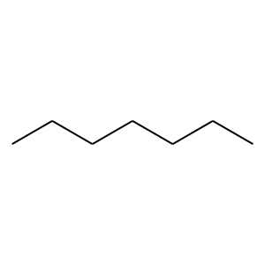 |  | 0 | 0 | 4.8880566087E-10 | 263 | 33 | 230
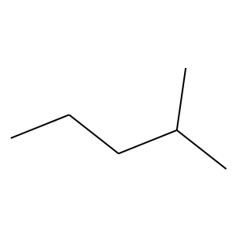 | 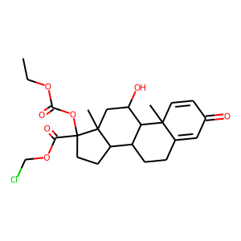 | 5 | 1 | 2.3539336928E-75 | 174 | 168 | 6
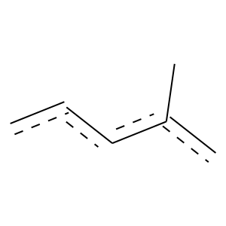 | 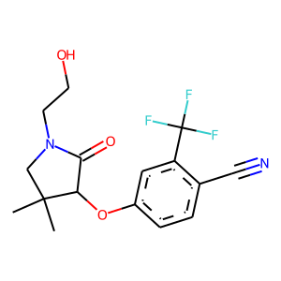 | 14 | 1 | 5.0964762474E-104 | 353 | 306 | 47
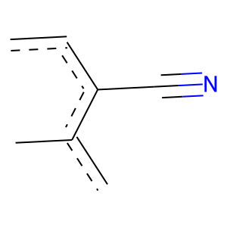 |  | 14 | 1 | 0 | 207 | 207 | 0
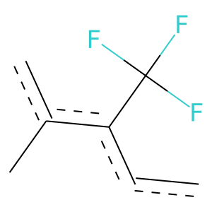 |  | 14 | 1 | 0 | 216 | 216 | 0
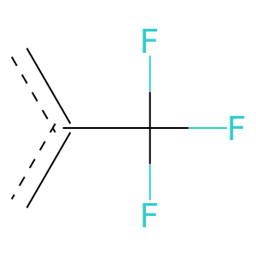 |  | 14 | 1 | 3.9812307947E-269 | 568 | 560 | 8
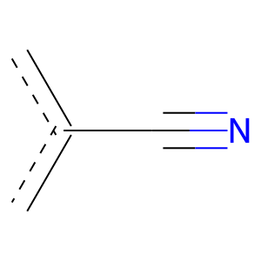 |  | 14 | 1 | 8.2289692222E-117 | 397 | 344 | 53
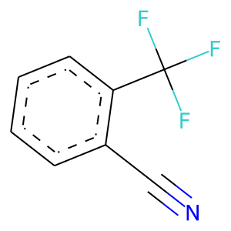 | 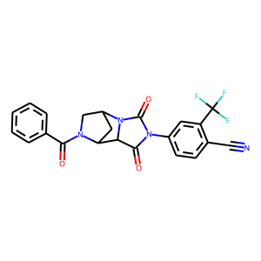 | 16 | 1 | 0 | 207 | 207 | 0
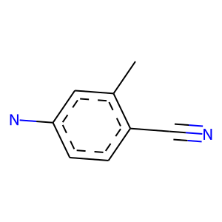 |  | 16 | 1 | 0 | 108 | 108 | 0
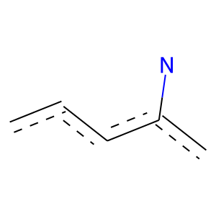 |  | 16 | 1 | 3.7419658445E-99 | 268 | 248 | 20
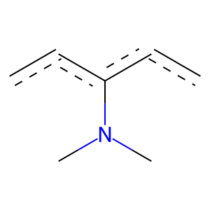 |  | 16 | 1 | 5.1296364107E-49 | 130 | 121 | 9
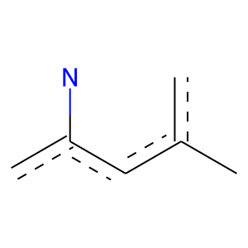 |  | 16 | 1 | 0 | 141 | 141 | 0
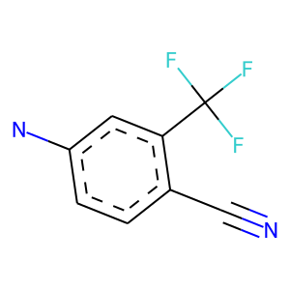 |  | 16 | 1 | 0 | 108 | 108 | 0
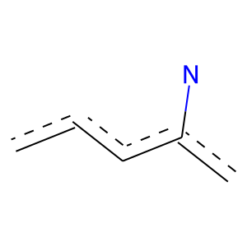 | 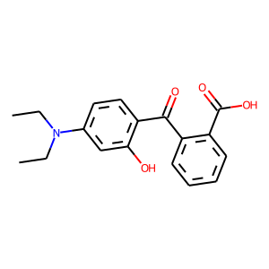 | 17 | 1 | 5.2225703531E-29 | 118 | 97 | 21
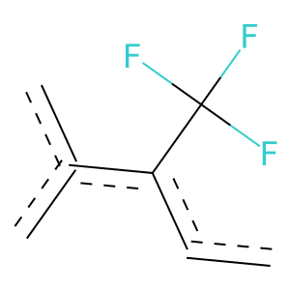 | 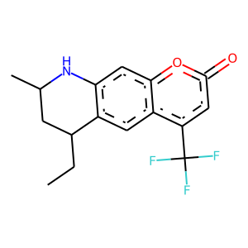 | 19 | 1 | 0 | 223 | 223 | 0
 | 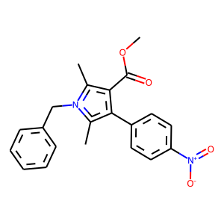 | 23 | 1 | 8.5942219822E-65 | 172 | 160 | 12
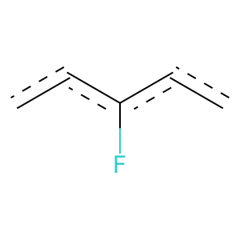 | 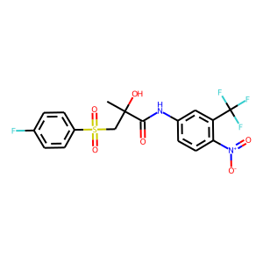 | 26 | 1 | 3.7163599527E-25 | 118 | 93 | 25
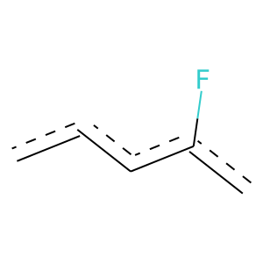 |  | 26 | 1 | 9.0543772736E-47 | 176 | 148 | 28
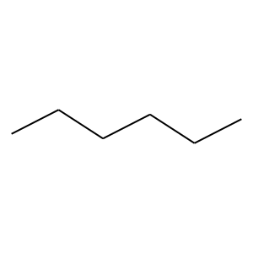 | 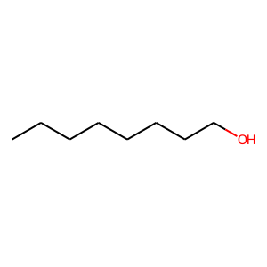 | 42 | 0 | 8.1927220019E-26 | 267 | 11 | 256
 |  | 42 | 0 | 3.1475604648E-24 | 210 | 5 | 205
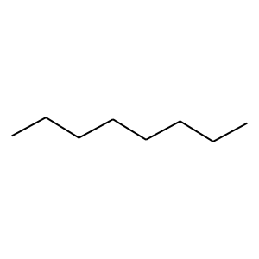 | 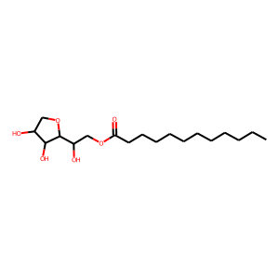 | 45 | 0 | 1.8378676482E-21 | 191 | 5 | 186
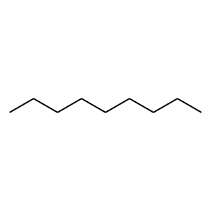 |  | 45 | 0 | 5.0287378909E-18 | 142 | 2 | 140
 |  | 45 | 0 | 5.0243387307E-12 | 145 | 8 | 137
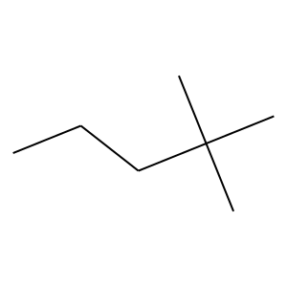 | 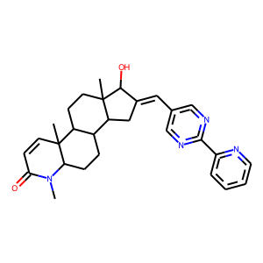 | 47 | 1 | 1.3361578684E-51 | 119 | 115 | 4
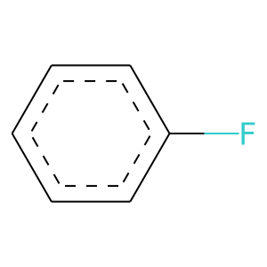 | 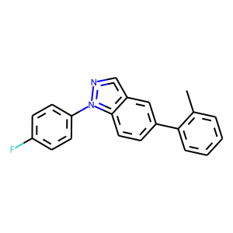 | 65 | 1 | 1.1323155635E-25 | 117 | 93 | 24
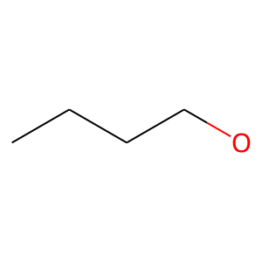 | 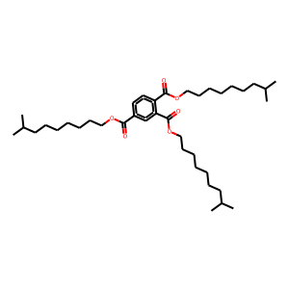 | 67 | 0 | 9.6517305051E-06 | 101 | 9 | 92
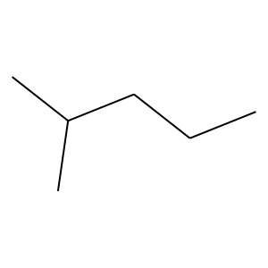 | 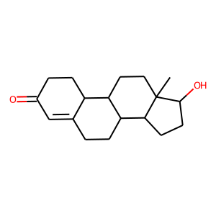 | 111 | 1 | 3.862463673E-47 | 110 | 106 | 4
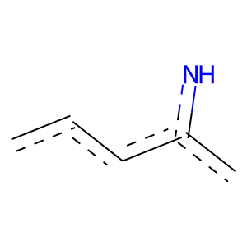 | 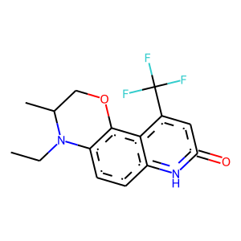 | 116 | 1 | 2.5164305367E-50 | 109 | 107 | 2
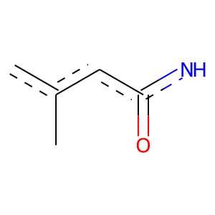 |  | 116 | 1 | 0 | 138 | 138 | 0
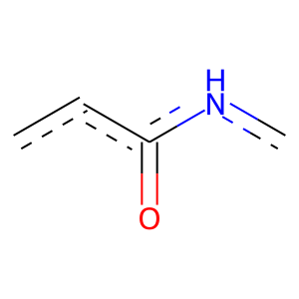 |  | 116 | 1 | 8.8106746442E-77 | 157 | 156 | 1
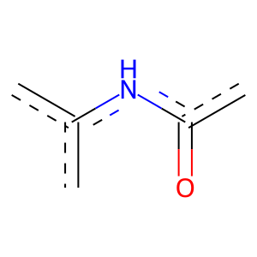 |  | 116 | 1 | 0 | 159 | 159 | 0
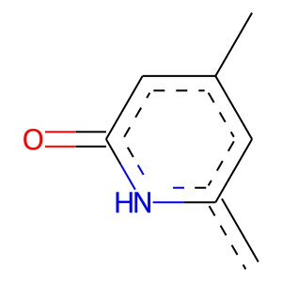 | 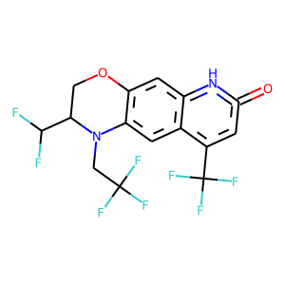 | 117 | 1 | 0 | 138 | 138 | 0
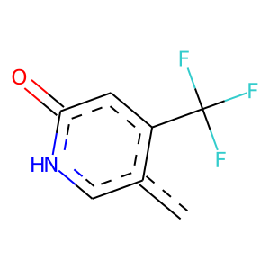 |  | 117 | 1 | 0 | 114 | 114 | 0
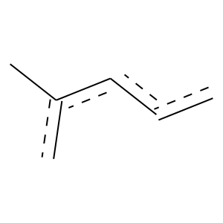 | 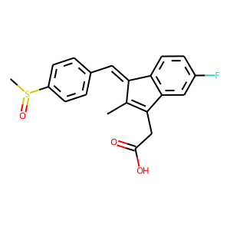 | 170 | 1 | 3.3541290587E-34 | 142 | 116 | 26

