Sheet1
Substructure | Substructure in Molecule | Compound ID | Activity label | p_value | Compounds with substr. | Comp. with substr. active | Comp. with substr. inactive
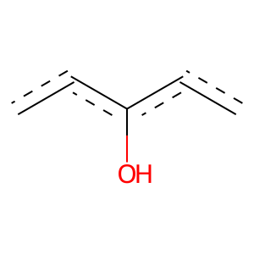 | 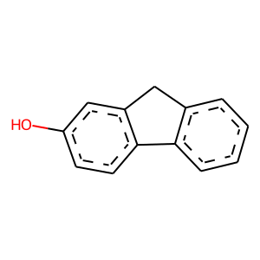 | 8 | 1 | 5.6509988574E-244 | 594 | 566 | 28
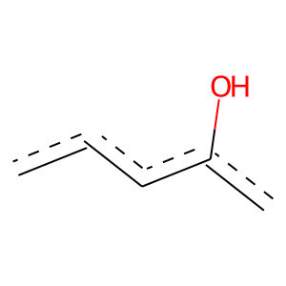 |  | 8 | 1 | 0 | 925 | 875 | 50
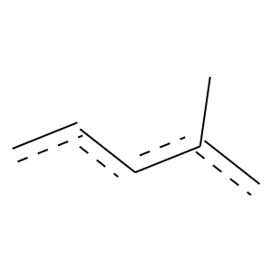 |  | 8 | 1 | 5.7341993032E-109 | 277 | 261 | 16
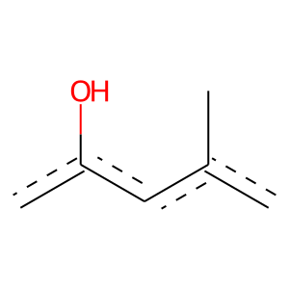 |  | 8 | 1 | 0 | 147 | 147 | 0
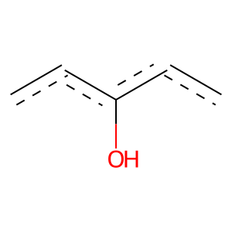 | 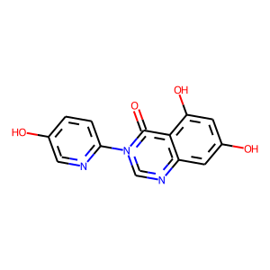 | 10 | 1 | 5.171508004E-56 | 142 | 134 | 8
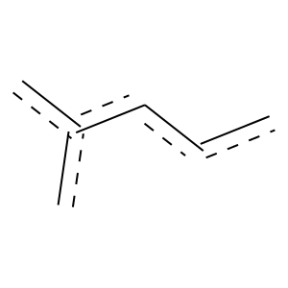 | 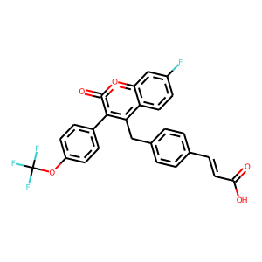 | 12 | 1 | 2.2171876148E-76 | 215 | 197 | 18
 |  | 12 | 1 | 8.8030425618E-140 | 347 | 329 | 18
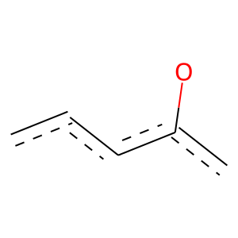 |  | 12 | 1 | 3.798471721E-94 | 536 | 400 | 136
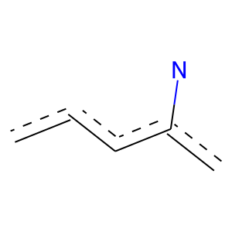 | 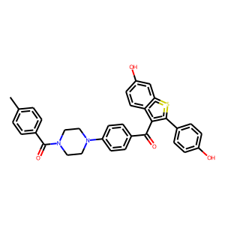 | 13 | 1 | 3.0950932693E-38 | 105 | 97 | 8
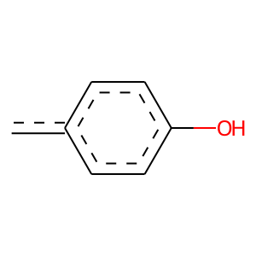 |  | 13 | 1 | 0 | 133 | 133 | 0
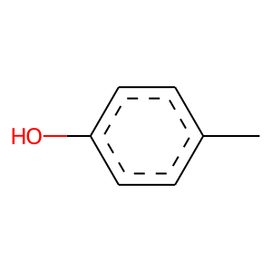 |  | 13 | 1 | 0 | 182 | 182 | 0
 |  | 13 | 1 | 1.8077976334E-189 | 510 | 473 | 37
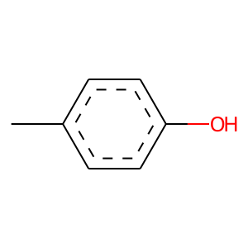 | 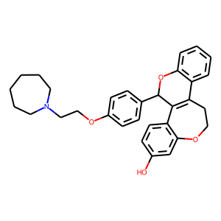 | 15 | 1 | 7.7114019211E-69 | 142 | 141 | 1
 |  | 15 | 1 | 2.472814306E-120 | 269 | 262 | 7
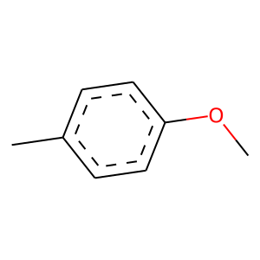 |  | 15 | 1 | 0 | 142 | 142 | 0
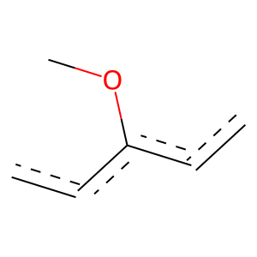 |  | 15 | 1 | 2.094636693E-83 | 320 | 268 | 52
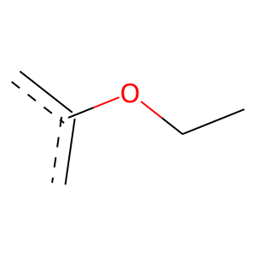 |  | 15 | 1 | 1.8654482664E-103 | 278 | 258 | 20
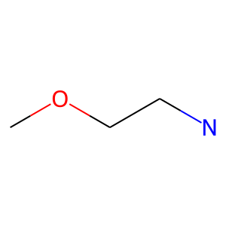 |  | 15 | 1 | 3.4184679534E-96 | 209 | 205 | 4
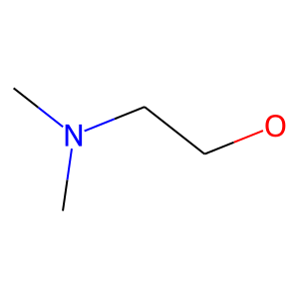 |  | 15 | 1 | 9.8482817923E-93 | 206 | 201 | 5
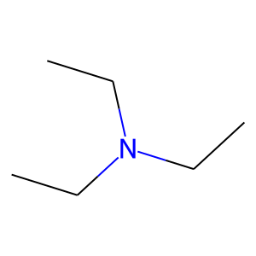 |  | 15 | 1 | 2.5365548888E-58 | 279 | 219 | 60
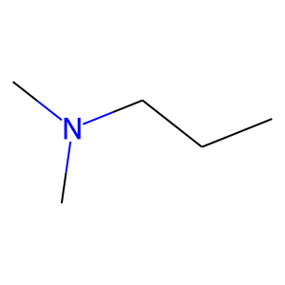 |  | 15 | 1 | 2.3400181948E-78 | 225 | 205 | 20
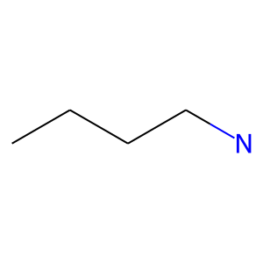 |  | 15 | 1 | 2.1206607908E-63 | 266 | 217 | 49
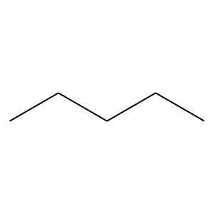 |  | 15 | 1 | 5.7618150916E-39 | 267 | 189 | 78
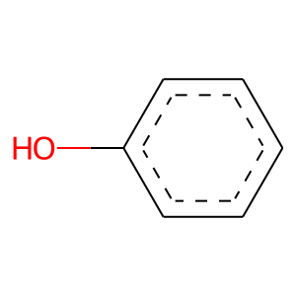 | 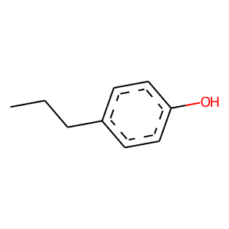 | 18 | 1 | 1.8971618604E-190 | 509 | 473 | 36
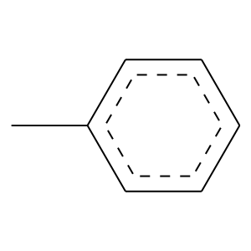 | 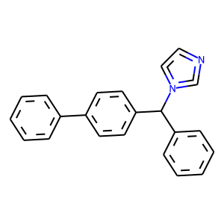 | 19 | 1 | 1.2898954763E-24 | 115 | 91 | 24
 |  | 19 | 1 | 3.9635899081E-31 | 133 | 108 | 25
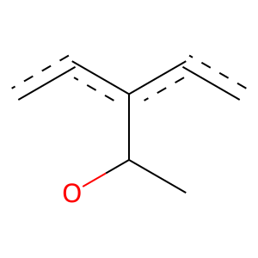 | 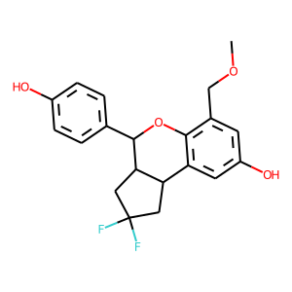 | 27 | 1 | 3.2059759718E-59 | 123 | 122 | 1
 |  | 27 | 1 | 0 | 131 | 131 | 0
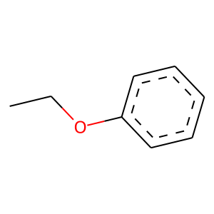 | 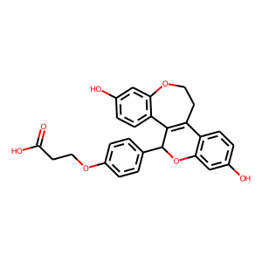 | 41 | 1 | 8.6921630362E-107 | 256 | 245 | 11
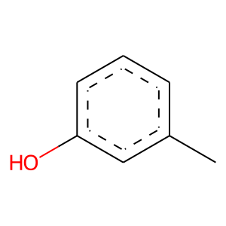 | 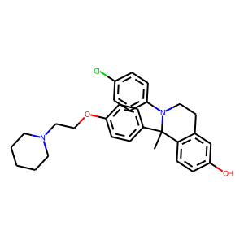 | 53 | 1 | 0 | 143 | 143 | 0
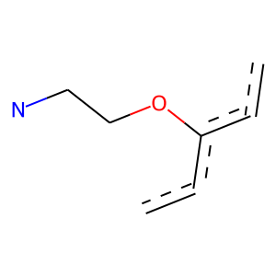 |  | 53 | 1 | 3.1885486422E-93 | 199 | 196 | 3
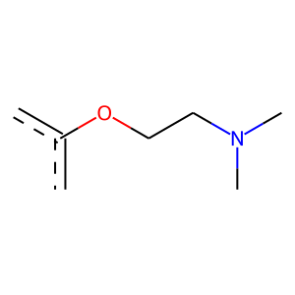 |  | 53 | 1 | 1.0110101234E-96 | 197 | 196 | 1
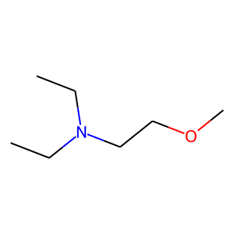 |  | 53 | 1 | 2.3828857071E-91 | 191 | 189 | 2
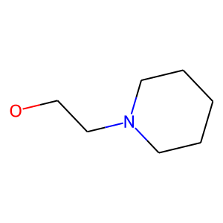 |  | 53 | 1 | 8.5207564619E-86 | 180 | 178 | 2
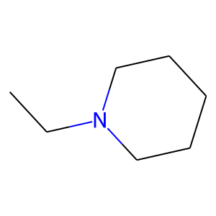 |  | 53 | 1 | 7.1570213899E-89 | 202 | 196 | 6
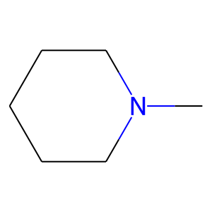 |  | 53 | 1 | 1.3869844084E-61 | 166 | 154 | 12
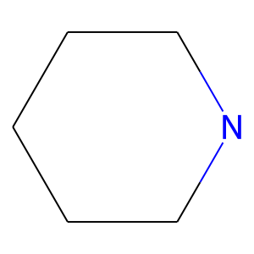 |  | 53 | 1 | 8.4587902021E-54 | 172 | 152 | 20
 | 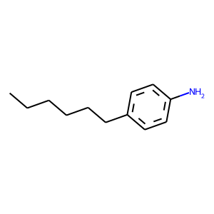 | 62 | 0 | 0.017682968086 | 316 | 68 | 248
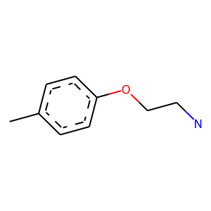 | 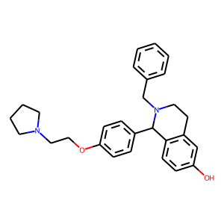 | 63 | 1 | 0 | 115 | 115 | 0
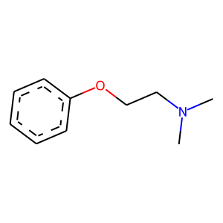 |  | 63 | 1 | 3.4775820871E-94 | 192 | 191 | 1
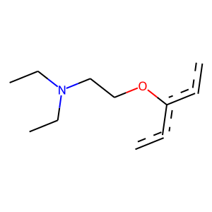 |  | 63 | 1 | 1.3199755283E-88 | 181 | 180 | 1
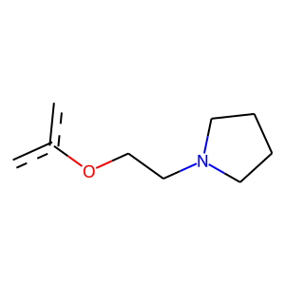 |  | 63 | 1 | 4.6794864039E-85 | 174 | 173 | 1
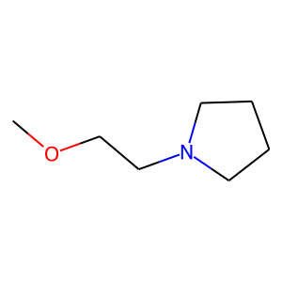 |  | 63 | 1 | 8.8941053805E-84 | 176 | 174 | 2
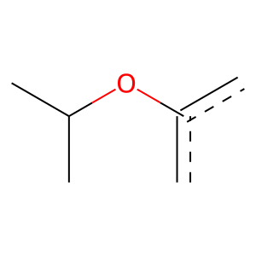 |  | 66 | 1 | 4.6232265478E-52 | 113 | 111 | 2
 |  | 66 | 1 | 1.6886922322E-28 | 115 | 95 | 20
 |  | 71 | 0 | 0.0018147373595 | 257 | 49 | 208
 |  | 71 | 0 | 0.0018664376451 | 203 | 36 | 167
 |  | 74 | 0 | 0.0055452381926 | 184 | 33 | 151
 |  | 74 | 0 | 0.021726857921 | 134 | 23 | 111
 |  | 82 | 1 | 1.1556586184E-39 | 108 | 100 | 8
 |  | 240 | 0 | 0.036951349508 | 101 | 16 | 85

