Sheet1
Substructure | Substructure in Molecule | Compound ID | Activity label | p_value | Compounds with substr. | Comp. with substr. active | Comp. with substr. inactive
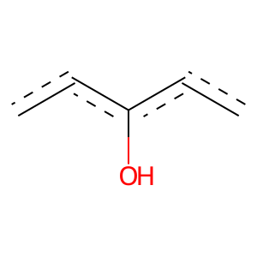 | 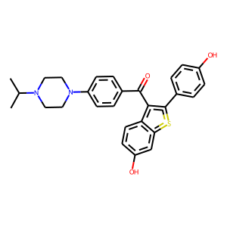 | 4 | 1 | 1.6519790876E-260 | 568 | 536 | 32
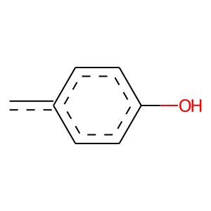 |  | 4 | 1 | 0 | 123 | 123 | 0
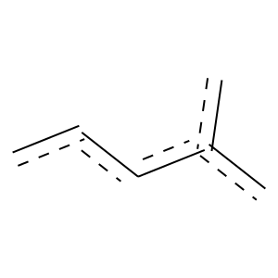 |  | 4 | 1 | 7.4683928497E-88 | 204 | 189 | 15
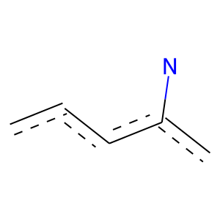 |  | 4 | 1 | 8.3910017663E-36 | 120 | 99 | 21
 |  | 4 | 1 | 4.1254310301E-130 | 339 | 303 | 36
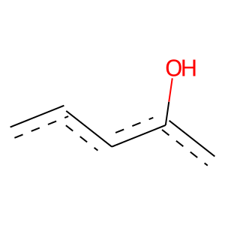 |  | 4 | 1 | 0 | 917 | 851 | 66
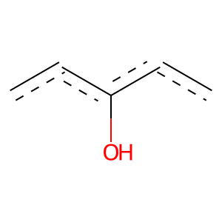 |  | 4 | 1 | 1.2067574971E-208 | 526 | 475 | 51
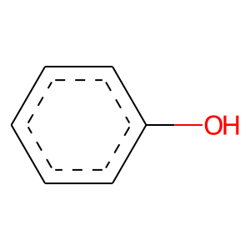 | 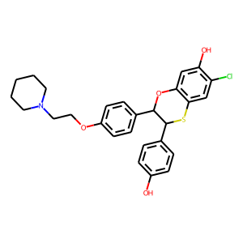 | 9 | 1 | 1.589577345E-209 | 525 | 475 | 50
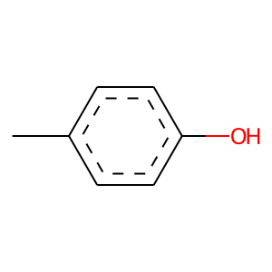 |  | 9 | 1 | 2.8642030167E-77 | 144 | 142 | 2
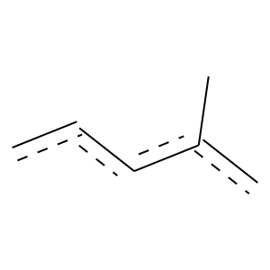 |  | 9 | 1 | 1.0964921912E-118 | 269 | 251 | 18
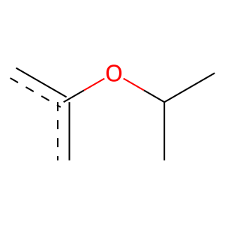 |  | 9 | 1 | 4.5776558569E-64 | 117 | 116 | 1
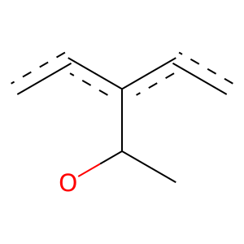 |  | 9 | 1 | 3.3851805842E-67 | 130 | 127 | 3
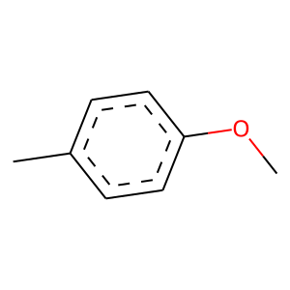 |  | 9 | 1 | 2.7473118828E-74 | 146 | 142 | 4
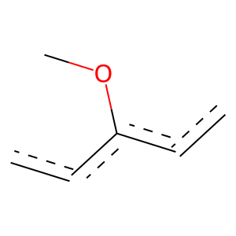 |  | 9 | 1 | 1.184993994E-78 | 313 | 244 | 69
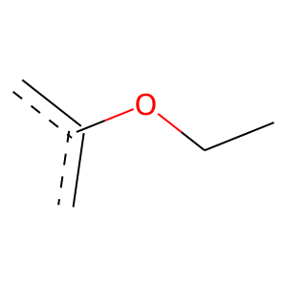 |  | 9 | 1 | 7.5717289049E-91 | 271 | 232 | 39
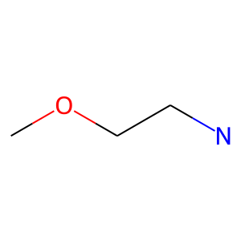 |  | 9 | 1 | 1.8271677425E-100 | 209 | 200 | 9
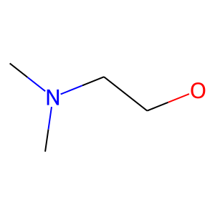 |  | 9 | 1 | 8.4075967155E-95 | 208 | 196 | 12
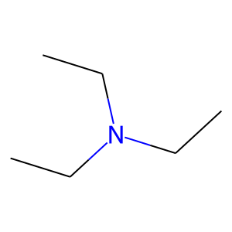 |  | 9 | 1 | 8.4179652076E-56 | 283 | 204 | 79
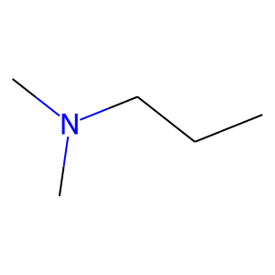 |  | 9 | 1 | 1.4482892535E-79 | 215 | 190 | 25
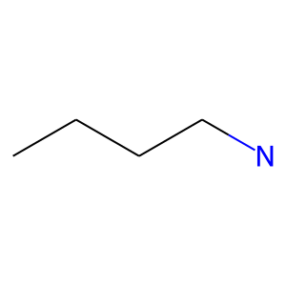 |  | 9 | 1 | 2.8900989086E-60 | 265 | 200 | 65
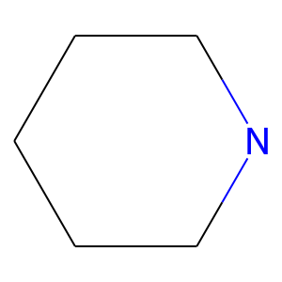 |  | 9 | 1 | 3.8200897311E-55 | 163 | 140 | 23
 | 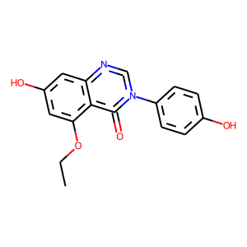 | 17 | 1 | 1.4265559998E-71 | 154 | 146 | 8
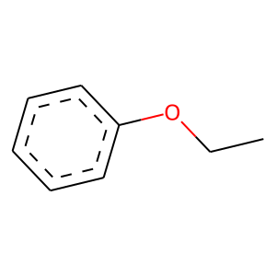 | 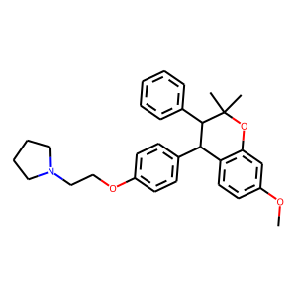 | 20 | 1 | 7.4335637958E-98 | 247 | 223 | 24
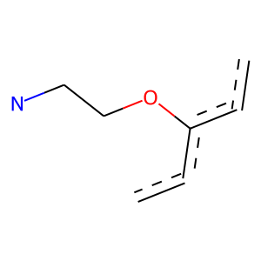 |  | 20 | 1 | 6.7688239635E-99 | 203 | 195 | 8
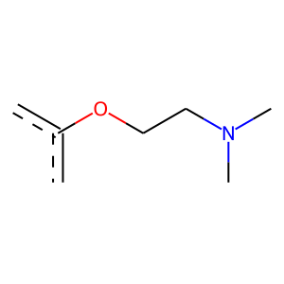 |  | 20 | 1 | 2.2902530285E-100 | 199 | 193 | 6
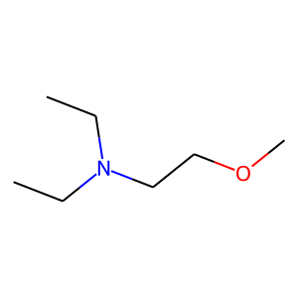 |  | 20 | 1 | 7.2804314645E-93 | 189 | 182 | 7
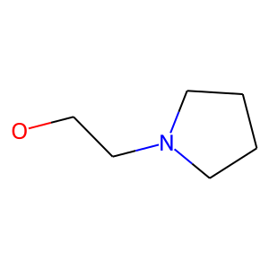 |  | 20 | 1 | 1.0177906053E-85 | 173 | 167 | 6
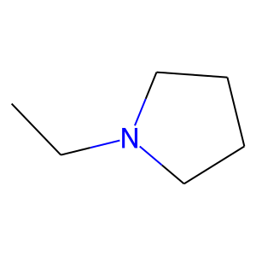 |  | 20 | 1 | 1.0223490223E-88 | 194 | 183 | 11
 | 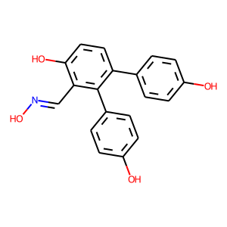 | 22 | 1 | 5.0202215598E-96 | 264 | 232 | 32
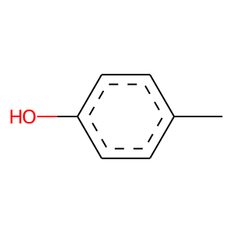 |  | 22 | 1 | 7.6824730983E-101 | 181 | 180 | 1
 | 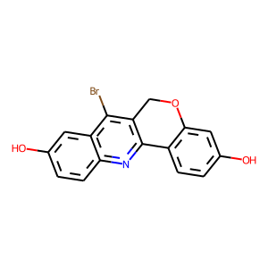 | 27 | 1 | 7.6812979431E-74 | 138 | 136 | 2
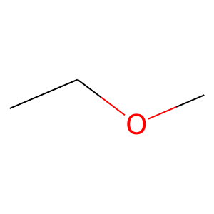 | 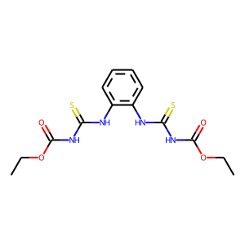 | 41 | 0 | 4.2128906229E-07 | 122 | 7 | 115
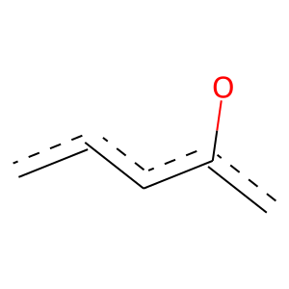 | 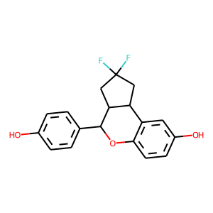 | 44 | 1 | 1.522548363E-31 | 120 | 95 | 25
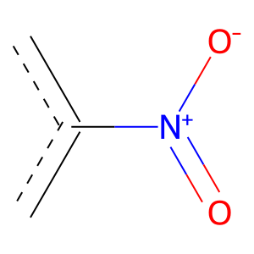 | 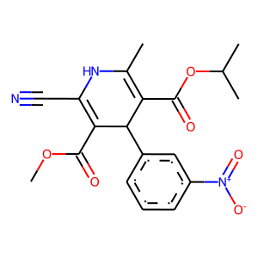 | 58 | 0 | 0.012566143833 | 105 | 12 | 93
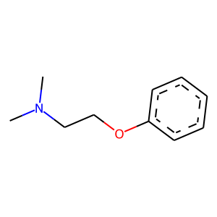 | 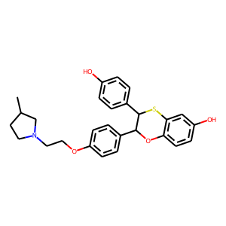 | 74 | 1 | 1.1287156888E-98 | 196 | 190 | 6
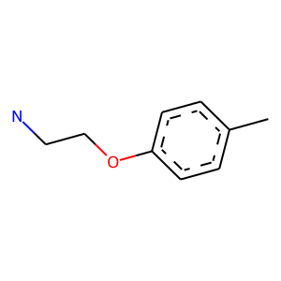 |  | 74 | 1 | 1.2946238055E-59 | 120 | 116 | 4
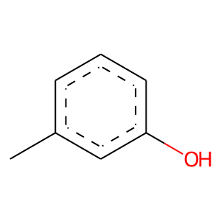 | 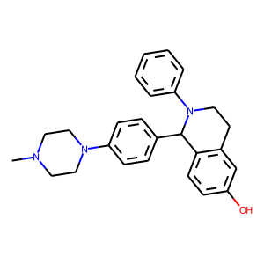 | 113 | 1 | 2.4798538652E-68 | 132 | 129 | 3
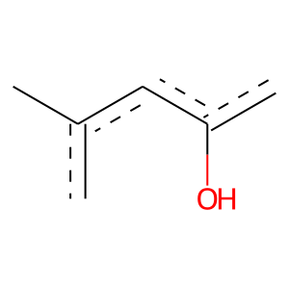 |  | 113 | 1 | 4.5187178278E-68 | 135 | 131 | 4
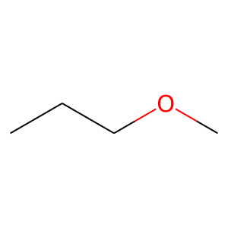 | 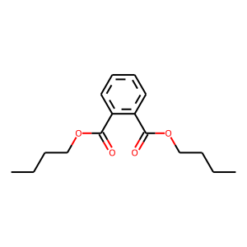 | 134 | 0 | 3.4215868728E-08 | 101 | 3 | 98
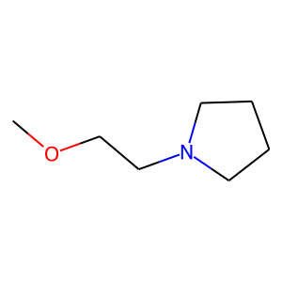 | 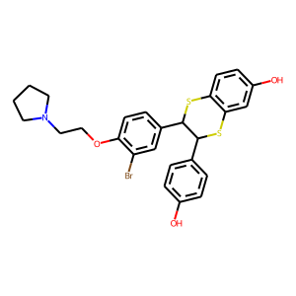 | 157 | 1 | 2.3679928775E-85 | 169 | 164 | 5
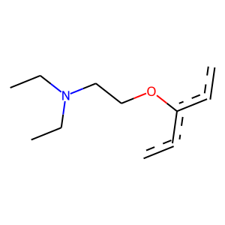 |  | 158 | 1 | 2.3996579851E-91 | 183 | 177 | 6
 |  | 158 | 1 | 6.4527413592E-86 | 170 | 165 | 5
 |  | 158 | 1 | 6.6666964154E-66 | 158 | 145 | 13

