Sheet1
Substructure | Substructure in Molecule | Compound ID | Activity label | p_value | Compounds with substr. | Comp. with substr. active | Comp. with substr. inactive
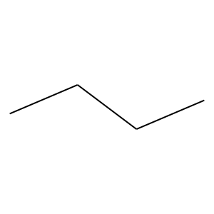 | 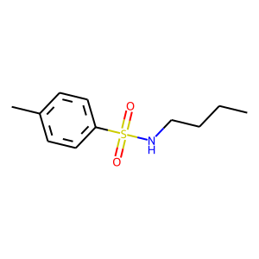 | 5 | 0 | 7.1575137437E-18 | 489 | 53 | 436
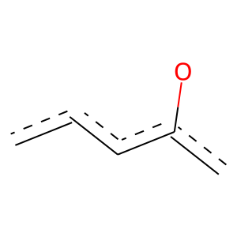 | 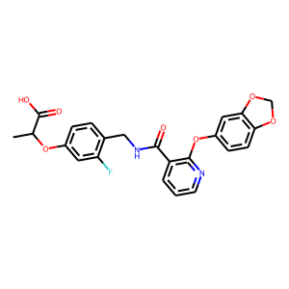 | 7 | 1 | 2.4274741943E-77 | 406 | 297 | 109
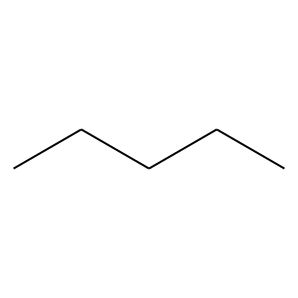 | 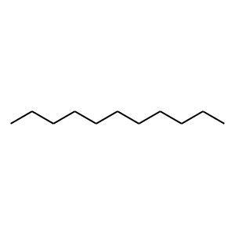 | 8 | 0 | 9.6197327814E-17 | 303 | 23 | 280
 |  | 8 | 0 | 4.5905608574E-10 | 355 | 45 | 310
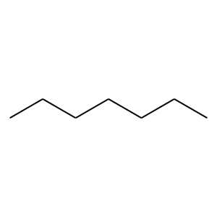 |  | 8 | 0 | 1.245409255E-17 | 223 | 10 | 213
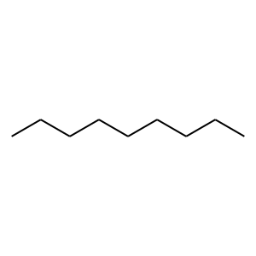 |  | 8 | 0 | 9.8317925788E-11 | 120 | 4 | 116
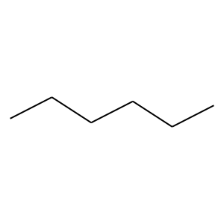 | 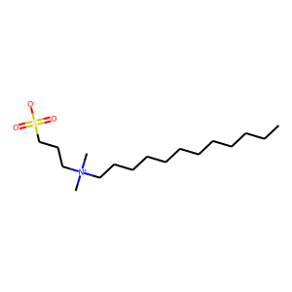 | 9 | 0 | 2.4443344932E-14 | 255 | 19 | 236
 |  | 9 | 0 | 2.4681870316E-14 | 195 | 10 | 185
 |  | 9 | 0 | 1.2472211057E-10 | 127 | 5 | 122
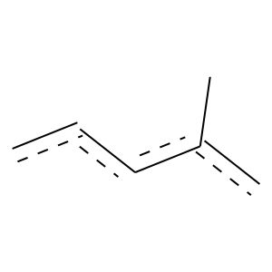 | 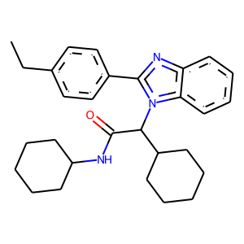 | 16 | 1 | 1.8321485677E-71 | 181 | 166 | 15
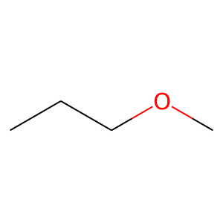 | 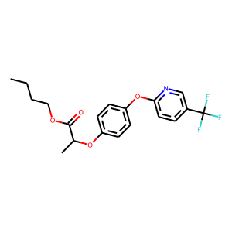 | 19 | 0 | 1.8345187911E-08 | 109 | 5 | 104
 | 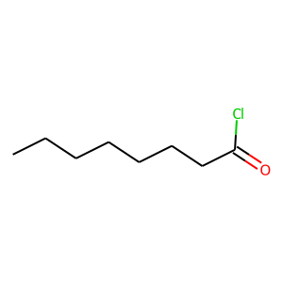 | 40 | 0 | 4.420445922E-07 | 136 | 11 | 125
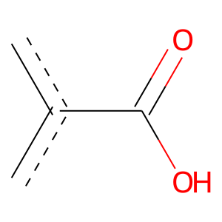 | 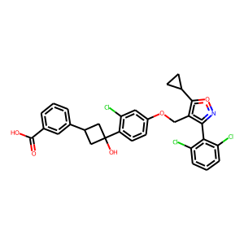 | 46 | 1 | 1.4178668707E-35 | 182 | 134 | 48
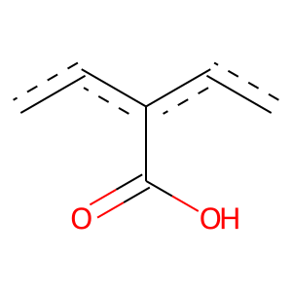 |  | 46 | 1 | 2.6892645174E-36 | 116 | 99 | 17
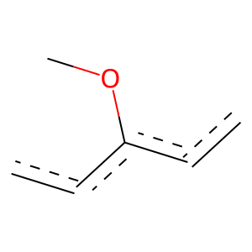 |  | 46 | 1 | 8.3687811733E-50 | 122 | 113 | 9
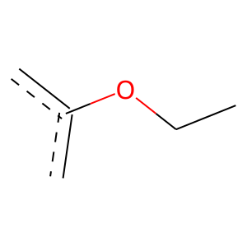 |  | 46 | 1 | 0 | 121 | 121 | 0
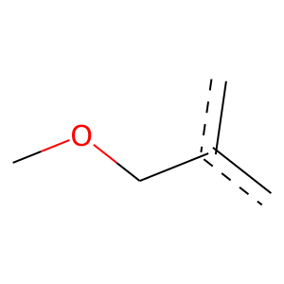 |  | 46 | 1 | 0 | 135 | 135 | 0
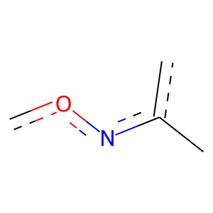 |  | 46 | 1 | 2.0392292373E-56 | 108 | 107 | 1
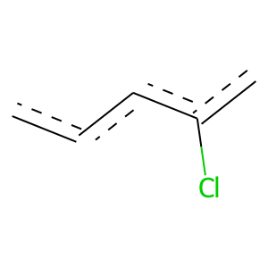 |  | 46 | 1 | 9.9115912416E-38 | 183 | 137 | 46
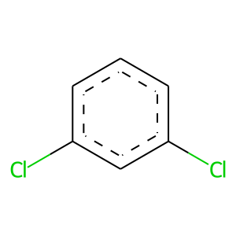 |  | 46 | 1 | 1.0123995133E-45 | 125 | 112 | 13
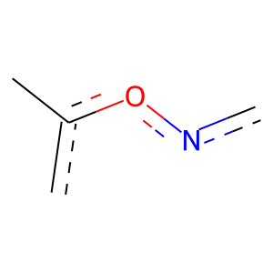 | 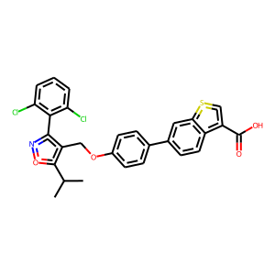 | 79 | 1 | 0 | 101 | 101 | 0
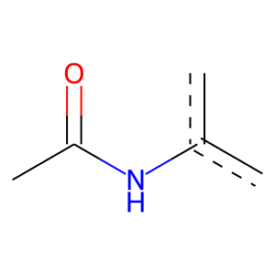 | 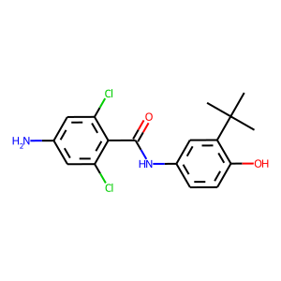 | 106 | 1 | 1.7768479801E-54 | 112 | 109 | 3
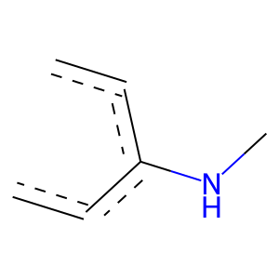 |  | 106 | 1 | 1.8644207404E-28 | 126 | 97 | 29
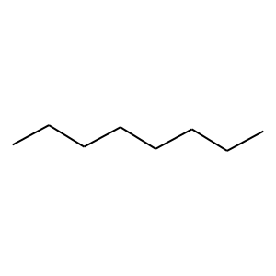 | 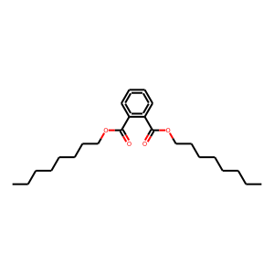 | 159 | 0 | 8.2807399096E-14 | 176 | 8 | 168

