Sheet1
Substructure | Substructure in Molecule | Compound ID | Activity label | p_value | Compounds with substr. | Comp. with substr. active | Comp. with substr. inactive
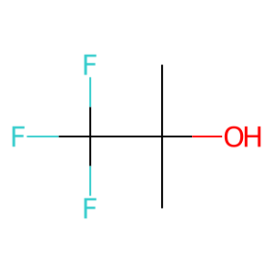 | 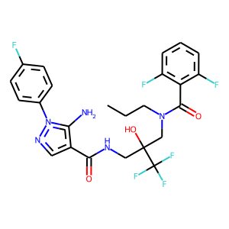 | 0 | 1 | 3.9789898698E-66 | 207 | 195 | 12
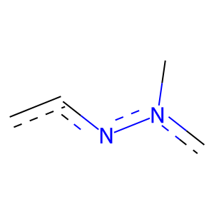 |  | 0 | 1 | 9.6876274769E-146 | 359 | 356 | 3
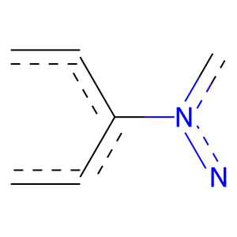 |  | 0 | 1 | 2.3947944328E-133 | 335 | 331 | 4
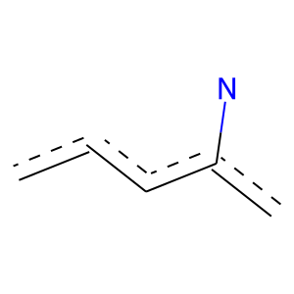 |  | 0 | 1 | 2.0392944905E-133 | 340 | 335 | 5
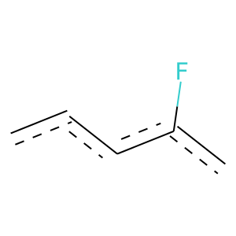 |  | 0 | 1 | 1.1500989596E-174 | 613 | 561 | 52
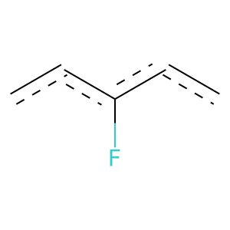 |  | 0 | 1 | 1.4322522575E-121 | 410 | 379 | 31
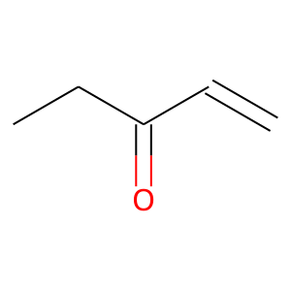 | 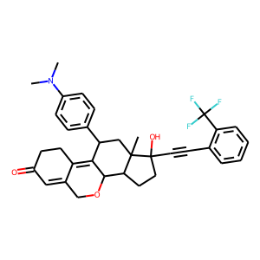 | 1 | 1 | 3.4730964806E-65 | 165 | 163 | 2
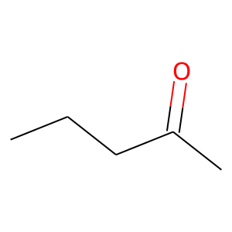 |  | 1 | 1 | 0 | 104 | 104 | 0
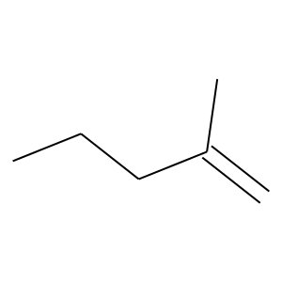 |  | 1 | 1 | 0 | 104 | 104 | 0
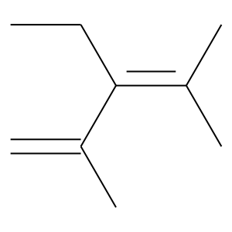 |  | 1 | 1 | 0 | 102 | 102 | 0
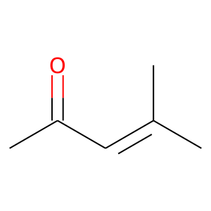 |  | 1 | 1 | 0 | 104 | 104 | 0
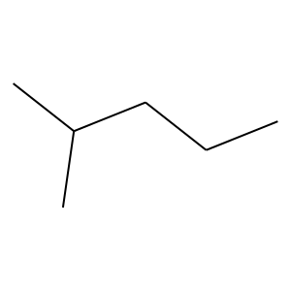 |  | 1 | 1 | 2.4933532651E-66 | 181 | 176 | 5
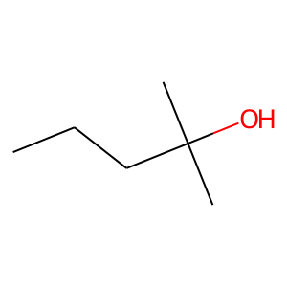 |  | 1 | 1 | 0 | 104 | 104 | 0
 |  | 1 | 1 | 6.6153463451E-46 | 143 | 135 | 8
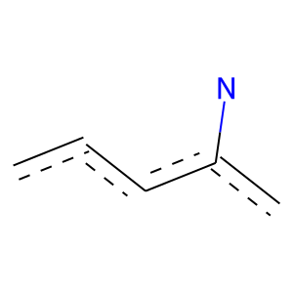 |  | 1 | 1 | 1.8771034152E-22 | 107 | 91 | 16
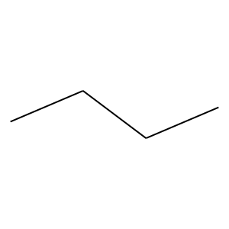 | 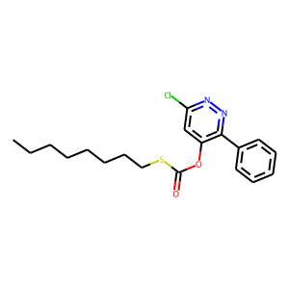 | 2 | 0 | 2.3582358884E-46 | 491 | 40 | 451
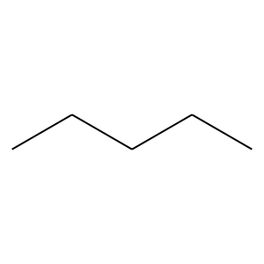 |  | 2 | 0 | 1.1095324519E-35 | 311 | 18 | 293
 |  | 2 | 0 | 2.2417420815E-41 | 338 | 17 | 321
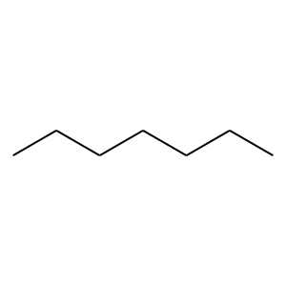 |  | 2 | 0 | 2.916604686E-32 | 232 | 8 | 224
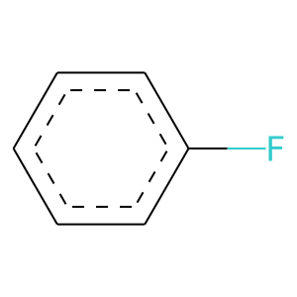 | 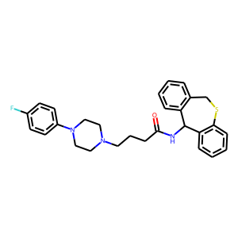 | 4 | 1 | 1.7189380854E-122 | 409 | 379 | 30
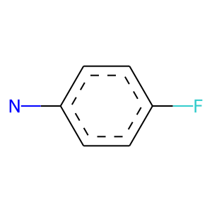 |  | 4 | 1 | 0 | 298 | 298 | 0
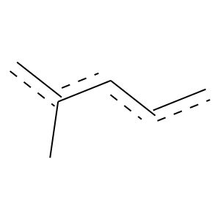 |  | 4 | 1 | 5.2974717082E-27 | 102 | 92 | 10
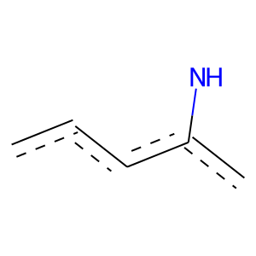 | 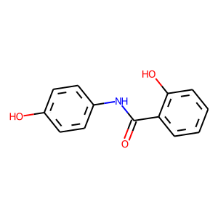 | 14 | 1 | 4.9094988689E-31 | 222 | 170 | 52
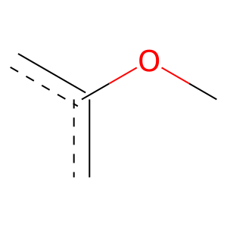 | 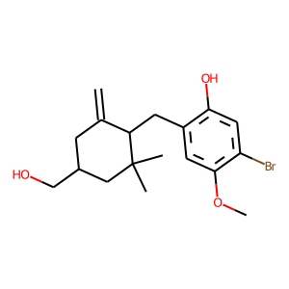 | 15 | 1 | 3.538185058E-47 | 374 | 279 | 95
 | 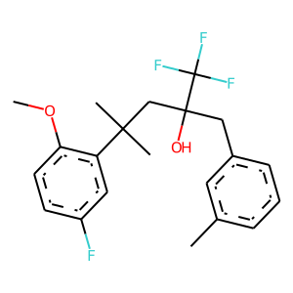 | 20 | 1 | 2.3131732564E-58 | 223 | 200 | 23
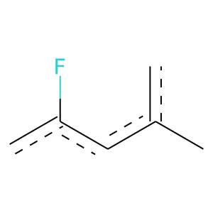 |  | 20 | 1 | 4.4076919051E-35 | 129 | 117 | 12
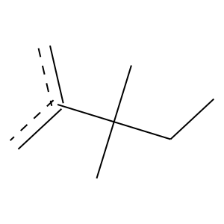 |  | 20 | 1 | 1.1811876077E-49 | 166 | 154 | 12
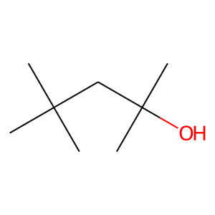 |  | 20 | 1 | 6.8544859177E-45 | 154 | 142 | 12
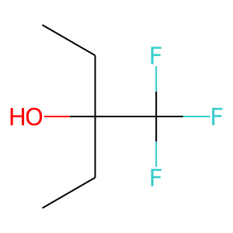 |  | 20 | 1 | 5.6070886149E-43 | 121 | 117 | 4
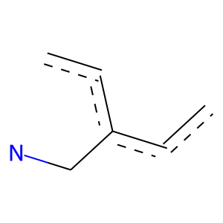 | 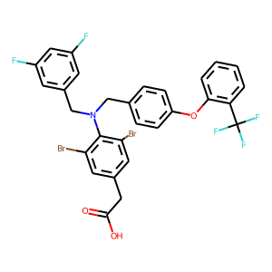 | 21 | 1 | 3.0214079137E-30 | 104 | 96 | 8
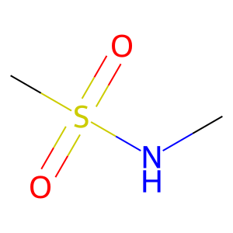 | 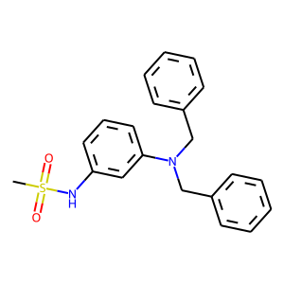 | 22 | 1 | 1.2113809242E-44 | 125 | 121 | 4
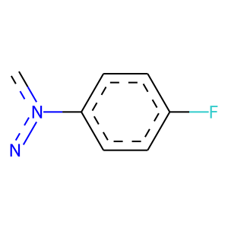 | 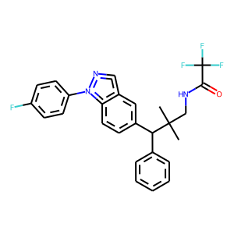 | 24 | 1 | 0 | 294 | 294 | 0
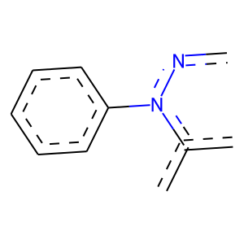 |  | 24 | 1 | 0 | 143 | 143 | 0
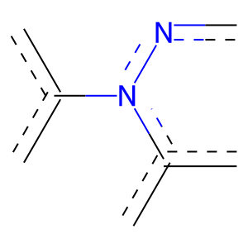 |  | 24 | 1 | 1.4366991476E-71 | 180 | 178 | 2
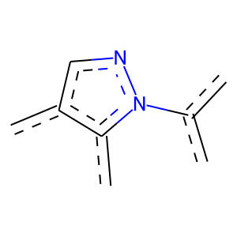 |  | 24 | 1 | 0 | 116 | 116 | 0
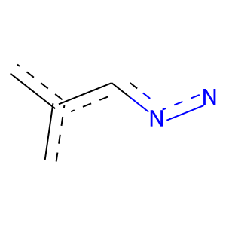 |  | 24 | 1 | 0 | 122 | 122 | 0
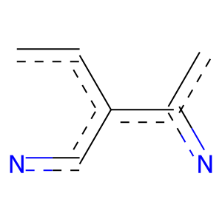 |  | 24 | 1 | 0 | 122 | 122 | 0
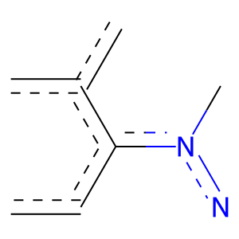 |  | 24 | 1 | 0 | 117 | 117 | 0
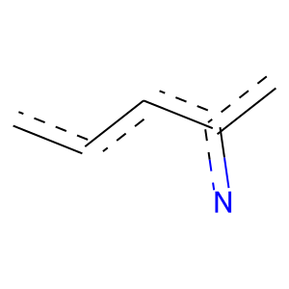 |  | 24 | 1 | 1.4637960465E-52 | 148 | 143 | 5
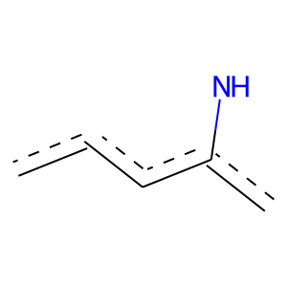 | 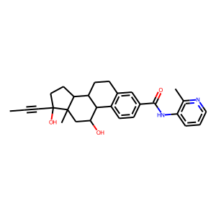 | 29 | 1 | 9.5175385444E-35 | 160 | 137 | 23
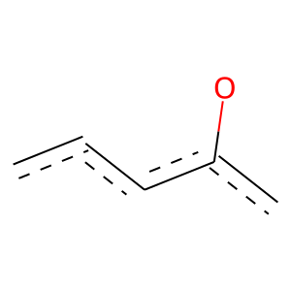 | 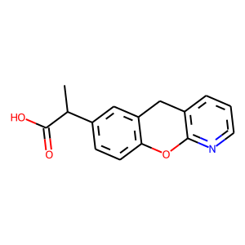 | 45 | 1 | 2.7017805142E-29 | 114 | 102 | 12
 |  | 47 | 1 | 0 | 128 | 128 | 0
 |  | 47 | 1 | 0 | 109 | 109 | 0
 |  | 47 | 1 | 0 | 114 | 114 | 0
 |  | 47 | 1 | 0 | 114 | 114 | 0
 |  | 47 | 1 | 0 | 117 | 117 | 0
 |  | 47 | 1 | 0 | 116 | 116 | 0
 |  | 47 | 1 | 1.6139942154E-87 | 248 | 239 | 9
 |  | 47 | 1 | 4.3250406404E-81 | 251 | 237 | 14
 |  | 51 | 0 | 1.8039482021E-32 | 258 | 12 | 246
 |  | 51 | 0 | 1.2528386143E-26 | 201 | 8 | 193
 |  | 51 | 0 | 8.4348060618E-19 | 139 | 5 | 134
 |  | 51 | 0 | 2.3481632524E-20 | 134 | 3 | 131
 |  | 53 | 1 | 0 | 107 | 107 | 0
 |  | 53 | 1 | 3.0814806724E-39 | 112 | 108 | 4
 |  | 58 | 1 | 7.2510359696E-16 | 147 | 106 | 41
 |  | 63 | 1 | 0 | 148 | 148 | 0
 |  | 63 | 1 | 0 | 148 | 148 | 0
 |  | 63 | 1 | 0 | 148 | 148 | 0
 |  | 63 | 1 | 0 | 147 | 147 | 0
 |  | 63 | 1 | 0 | 147 | 147 | 0
 |  | 63 | 1 | 0 | 147 | 147 | 0
 |  | 63 | 1 | 0 | 147 | 147 | 0
 |  | 63 | 1 | 0 | 173 | 173 | 0
 |  | 63 | 1 | 0 | 111 | 111 | 0
 |  | 63 | 1 | 0 | 104 | 104 | 0
 |  | 65 | 0 | 9.4145304939E-24 | 185 | 8 | 177
 |  | 65 | 0 | 4.9509134879E-13 | 101 | 4 | 97
 |  | 65 | 0 | 1.7797971679E-14 | 148 | 11 | 137
 |  | 66 | 1 | 6.43341611E-34 | 126 | 114 | 12
 |  | 76 | 1 | 0 | 147 | 147 | 0
 |  | 76 | 1 | 0 | 147 | 147 | 0
 |  | 76 | 1 | 0 | 147 | 147 | 0
 |  | 76 | 1 | 0 | 147 | 147 | 0
 |  | 76 | 1 | 0 | 147 | 147 | 0
 |  | 82 | 1 | 2.2752568155E-51 | 160 | 151 | 9
 |  | 87 | 1 | 3.9499210225E-15 | 101 | 79 | 22
 |  | 87 | 1 | 5.6099091297E-21 | 126 | 101 | 25
 |  | 102 | 1 | 2.6598524337E-16 | 107 | 84 | 23
 |  | 107 | 1 | 2.5925884008E-61 | 169 | 164 | 5
 |  | 107 | 1 | 0 | 122 | 122 | 0
 |  | 107 | 1 | 0 | 122 | 122 | 0
 |  | 107 | 1 | 0 | 124 | 124 | 0
 |  | 107 | 1 | 0 | 151 | 151 | 0
 |  | 107 | 1 | 0 | 151 | 151 | 0
 |  | 108 | 1 | 0 | 104 | 104 | 0
 |  | 108 | 1 | 0 | 104 | 104 | 0
 |  | 108 | 1 | 0 | 102 | 102 | 0
 |  | 116 | 1 | 0 | 147 | 147 | 0
 |  | 189 | 1 | 0 | 122 | 122 | 0
 |  | 189 | 1 | 0 | 122 | 122 | 0
 |  | 189 | 1 | 0 | 124 | 124 | 0
 |  | 189 | 1 | 0 | 122 | 122 | 0
 |  | 213 | 1 | 0 | 122 | 122 | 0
 |  | 354 | 1 | 0 | 112 | 112 | 0

