Sheet1
Substructure | Substructure in Molecule | Compound ID | Activity label | p_value | Compounds with substr. | Comp. with substr. active | Comp. with substr. inactive
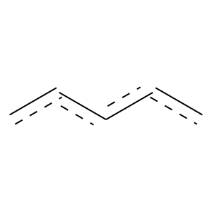 | 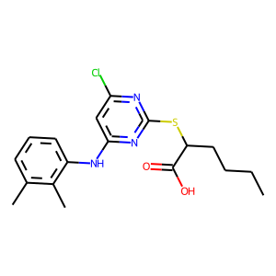 | 0 | 1 | 0.0010402202678 | 335 | 297 | 38
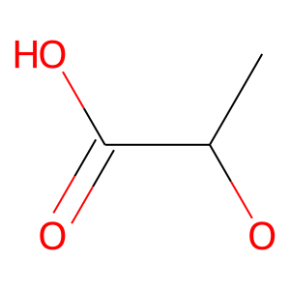 | 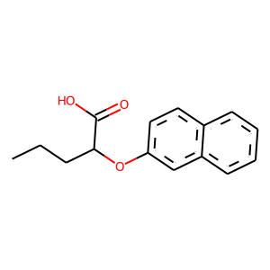 | 1 | 1 | 8.2586062741E-06 | 235 | 217 | 18
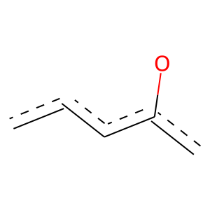 |  | 1 | 1 | 1.3680014572E-06 | 695 | 611 | 84
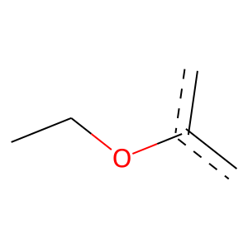 | 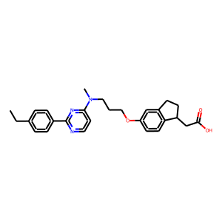 | 2 | 1 | 2.4049043078E-08 | 460 | 417 | 43
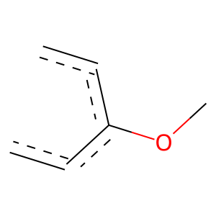 |  | 2 | 1 | 0.00017043148209 | 325 | 291 | 34
 | 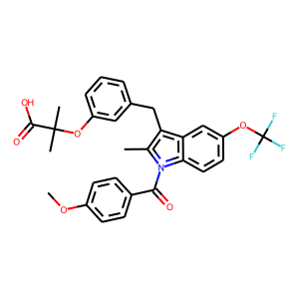 | 4 | 1 | 1.5686395181E-05 | 223 | 206 | 17
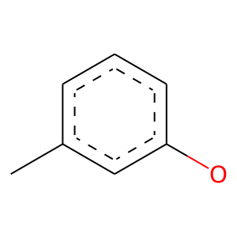 |  | 4 | 1 | 7.5018504381E-10 | 128 | 127 | 1
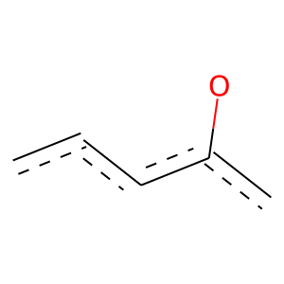 |  | 4 | 1 | 0.00015815645059 | 243 | 221 | 22
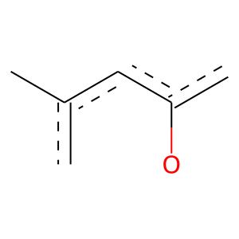 |  | 4 | 1 | 4.8782246373E-10 | 130 | 129 | 1
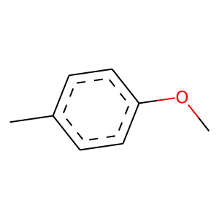 | 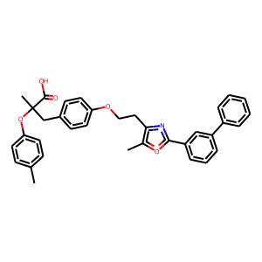 | 5 | 1 | 1.0319537826E-10 | 227 | 218 | 9
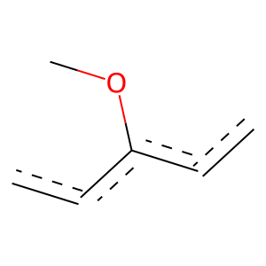 |  | 5 | 1 | 2.847037824E-10 | 318 | 298 | 20
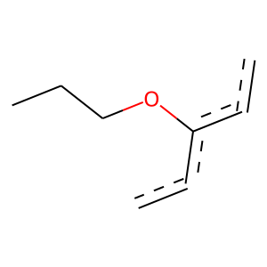 |  | 5 | 1 | 5.4674154611E-08 | 108 | 107 | 1
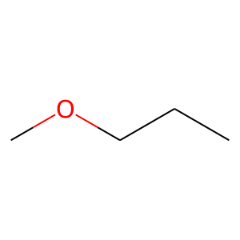 |  | 5 | 1 | 2.9099547849E-17 | 236 | 233 | 3
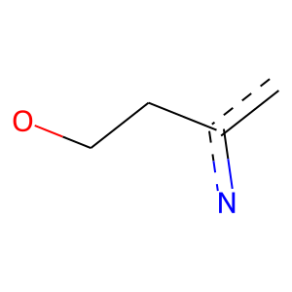 |  | 5 | 1 | 2.9346849475E-16 | 225 | 222 | 3
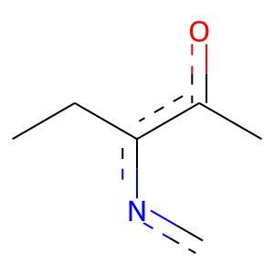 |  | 5 | 1 | 3.8867332016E-05 | 239 | 219 | 20
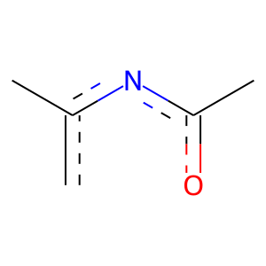 |  | 5 | 1 | 1.2571227096E-07 | 317 | 292 | 25
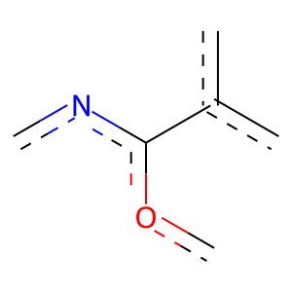 |  | 5 | 1 | 1.4200378094E-07 | 301 | 278 | 23
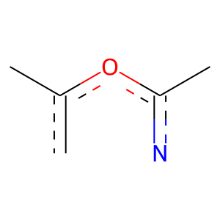 |  | 5 | 1 | 9.1741327131E-08 | 304 | 281 | 23
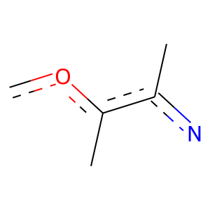 |  | 5 | 1 | 4.40693434E-08 | 309 | 286 | 23
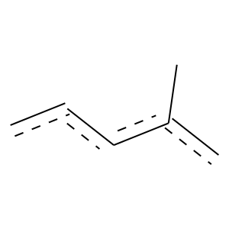 |  | 5 | 1 | 7.6508130344E-09 | 289 | 270 | 19
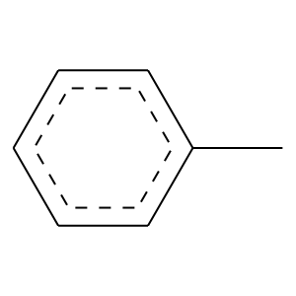 |  | 5 | 1 | 1.0282694969E-07 | 240 | 225 | 15
 | 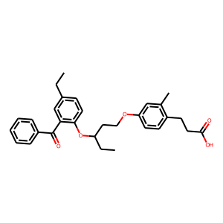 | 7 | 1 | 7.2659577361E-09 | 352 | 325 | 27
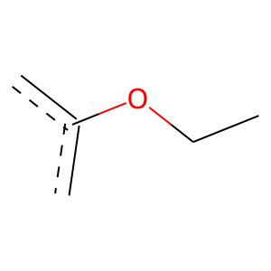 | 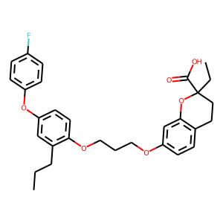 | 9 | 1 | 0.028147679758 | 207 | 184 | 23
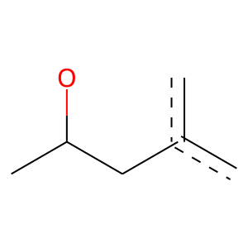 | 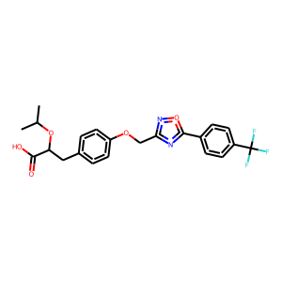 | 10 | 1 | 0.00034809158111 | 179 | 165 | 14
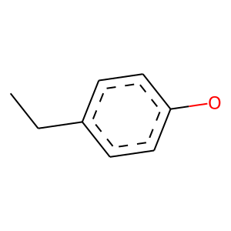 |  | 10 | 1 | 1.0930367673E-05 | 135 | 129 | 6
 |  | 10 | 1 | 0 | 149 | 149 | 0
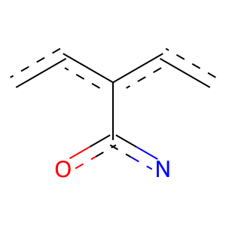 |  | 10 | 1 | 8.9889177316E-09 | 296 | 276 | 20
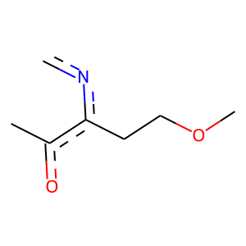 | 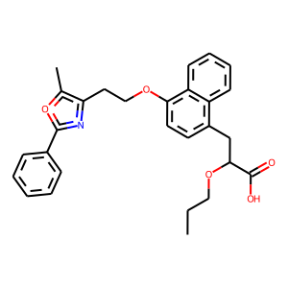 | 31 | 1 | 9.1498665113E-18 | 212 | 211 | 1
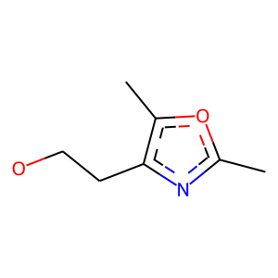 |  | 31 | 1 | 2.1898895441E-17 | 208 | 207 | 1
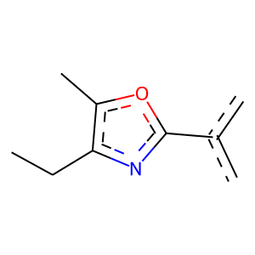 |  | 31 | 1 | 1.9654640078E-05 | 229 | 211 | 18
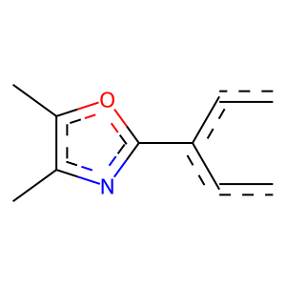 |  | 31 | 1 | 1.0681076027E-07 | 264 | 246 | 18
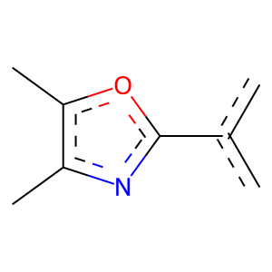 |  | 31 | 1 | 5.5019974535E-08 | 292 | 271 | 21
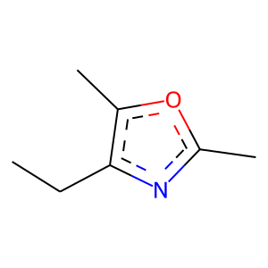 |  | 31 | 1 | 6.7339690316E-05 | 235 | 215 | 20
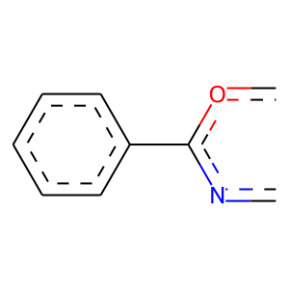 |  | 31 | 1 | 9.7570340434E-05 | 180 | 167 | 13
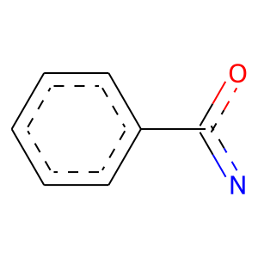 |  | 31 | 1 | 6.1989227871E-05 | 183 | 170 | 13
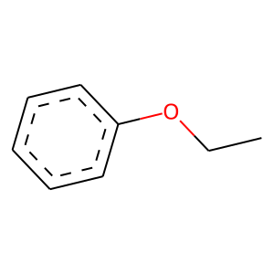 | 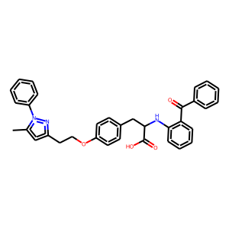 | 33 | 1 | 2.0465341646E-06 | 221 | 206 | 15
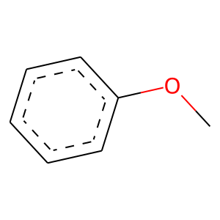 | 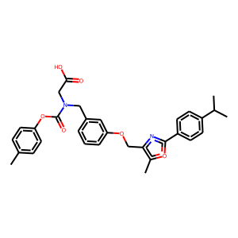 | 35 | 1 | 0.021247566656 | 135 | 123 | 12
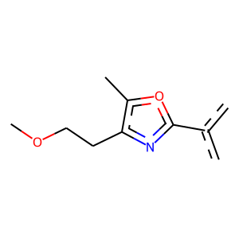 | 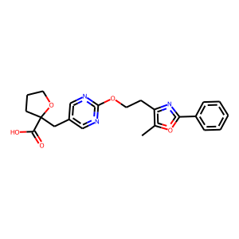 | 36 | 1 | 5.2392487725E-17 | 204 | 203 | 1
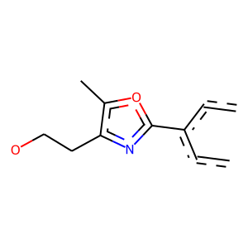 |  | 36 | 1 | 3.2839041765E-15 | 185 | 184 | 1
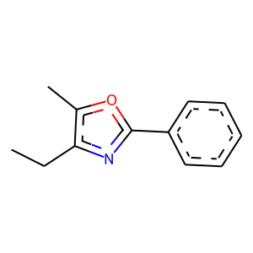 |  | 36 | 1 | 4.5964828728E-05 | 161 | 151 | 10
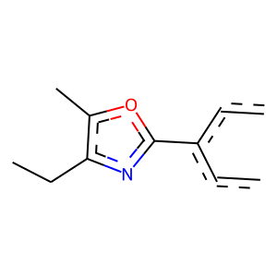 |  | 36 | 1 | 1.728251684E-05 | 207 | 192 | 15
 |  | 36 | 1 | 5.2392487725E-17 | 204 | 203 | 1
 |  | 36 | 1 | 0.00017764927546 | 176 | 163 | 13
 |  | 41 | 1 | 5.2193980593E-12 | 178 | 175 | 3
 |  | 52 | 1 | 6.0217745339E-13 | 161 | 160 | 1

