Sheet1
Substructure | Substructure in Molecule | Compound ID | Activity label | p_value | Compounds with substr. | Comp. with substr. active | Comp. with substr. inactive
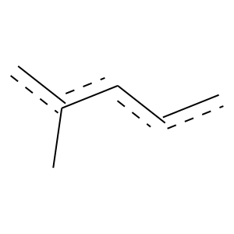 | 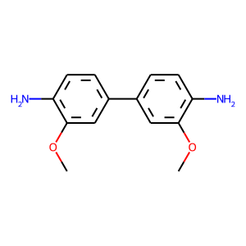 | 13 | 1 | 5.7027709176E-119 | 315 | 284 | 31
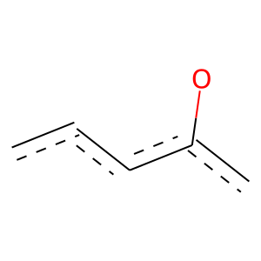 | 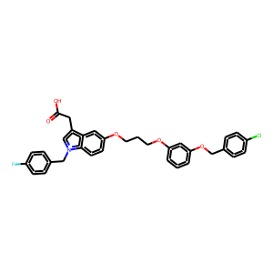 | 16 | 1 | 2.8749410981E-140 | 703 | 519 | 184
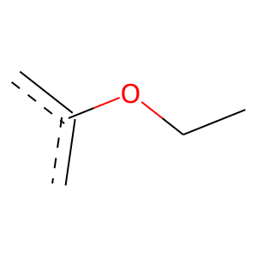 |  | 16 | 1 | 8.5287366339E-69 | 220 | 187 | 33
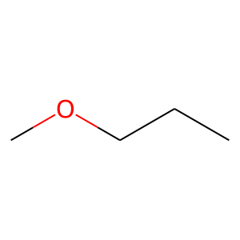 |  | 16 | 1 | 1.3725464203E-81 | 187 | 176 | 11
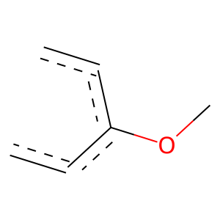 |  | 16 | 1 | 2.1207195589E-113 | 259 | 244 | 15
 |  | 16 | 1 | 4.3863639131E-99 | 184 | 183 | 1
 | 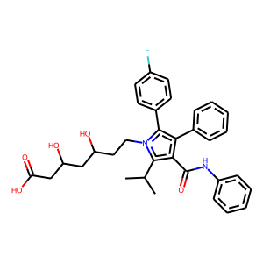 | 26 | 1 | 4.8847574578E-29 | 149 | 109 | 40
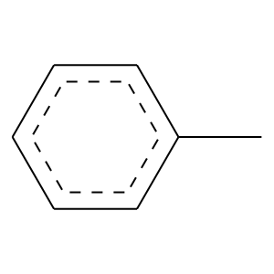 |  | 26 | 1 | 4.2386424305E-21 | 120 | 85 | 35
 | 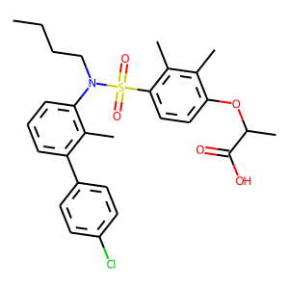 | 33 | 1 | 4.7753111688E-150 | 497 | 418 | 79
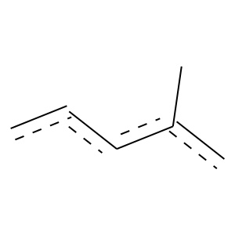 | 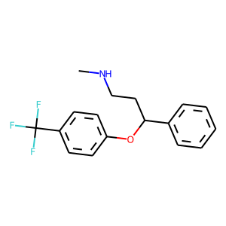 | 43 | 1 | 1.9725942703E-55 | 247 | 189 | 58
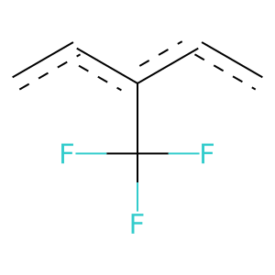 |  | 43 | 1 | 3.648357911E-64 | 125 | 123 | 2
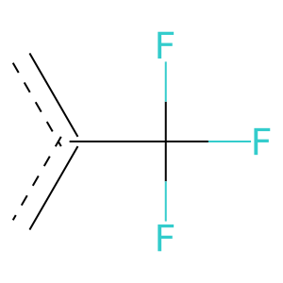 |  | 43 | 1 | 4.4473982007E-73 | 214 | 187 | 27
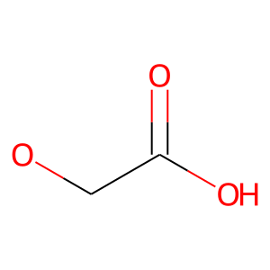 | 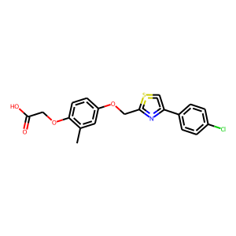 | 44 | 1 | 2.5967415865E-85 | 200 | 187 | 13
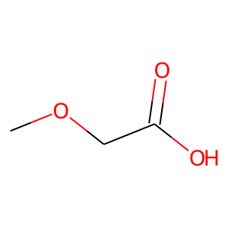 |  | 44 | 1 | 2.2874019622E-90 | 194 | 186 | 8
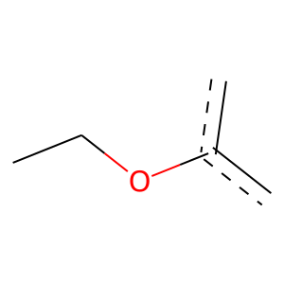 |  | 44 | 1 | 4.6742217819E-75 | 189 | 173 | 16
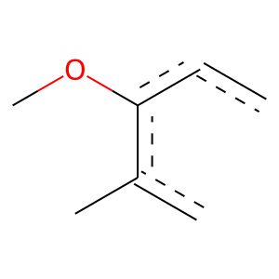 |  | 44 | 1 | 3.7445888744E-68 | 136 | 133 | 3
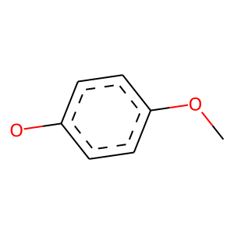 |  | 44 | 1 | 2.8645054911E-54 | 107 | 105 | 2
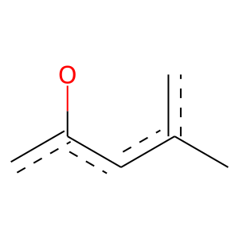 |  | 44 | 1 | 5.0750826981E-75 | 159 | 153 | 6
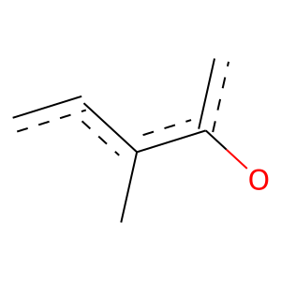 |  | 44 | 1 | 7.4462615962E-93 | 181 | 178 | 3
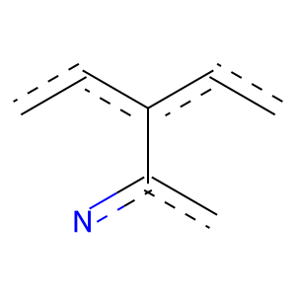 | 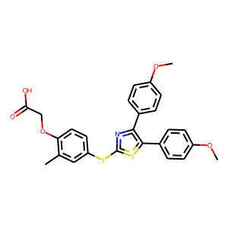 | 48 | 1 | 3.5148309131E-53 | 112 | 108 | 4
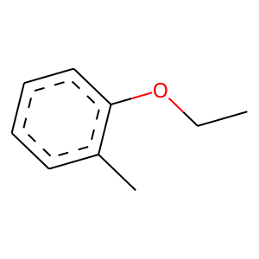 |  | 48 | 1 | 8.1475337105E-66 | 128 | 126 | 2
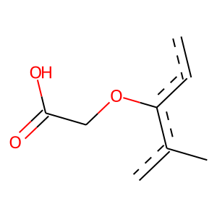 |  | 48 | 1 | 8.1475337105E-66 | 128 | 126 | 2
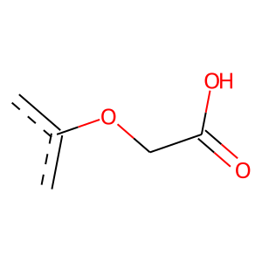 |  | 48 | 1 | 4.7281657765E-88 | 176 | 172 | 4
 | 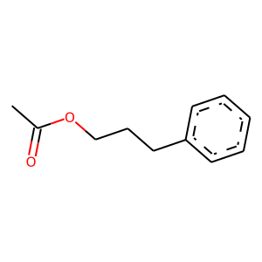 | 51 | 0 | 7.7860825951E-06 | 108 | 8 | 100
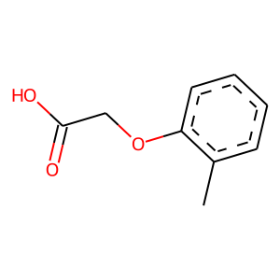 | 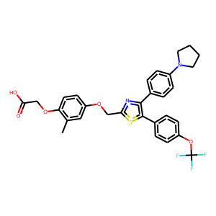 | 96 | 1 | 1.7506699397E-67 | 127 | 126 | 1
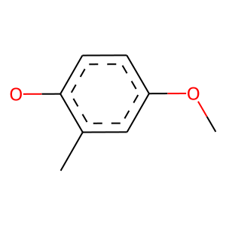 |  | 96 | 1 | 0 | 103 | 103 | 0
 | 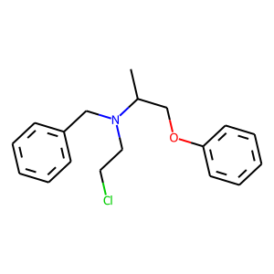 | 98 | 1 | 2.3453105154E-48 | 239 | 177 | 62
 | 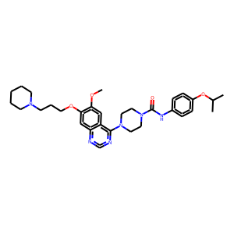 | 114 | 1 | 6.2386829972E-61 | 136 | 129 | 7
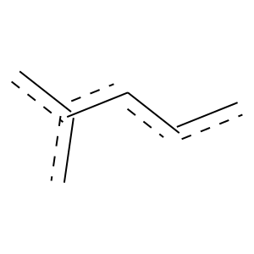 | 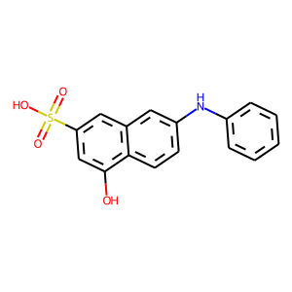 | 123 | 1 | 2.5392572977E-34 | 111 | 94 | 17
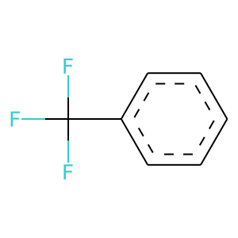 | 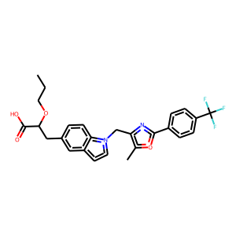 | 124 | 1 | 3.648357911E-64 | 125 | 123 | 2

