Sheet1
Substructure | Substructure in Molecule | Compound ID | Activity label | p_value | Compounds with substr. | Comp. with substr. active | Comp. with substr. inactive
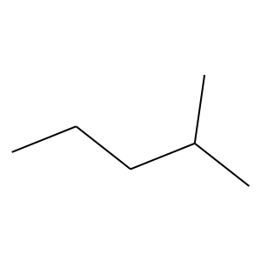 | 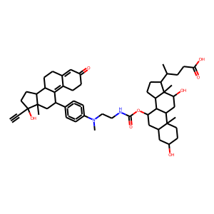 | 2 | 1 | 5.1501907824E-41 | 147 | 117 | 30
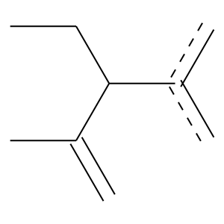 |  | 2 | 1 | 0 | 103 | 103 | 0
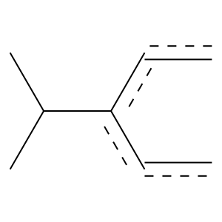 |  | 2 | 1 | 2.633382033E-54 | 101 | 99 | 2
 |  | 2 | 1 | 4.1943240315E-74 | 166 | 154 | 12
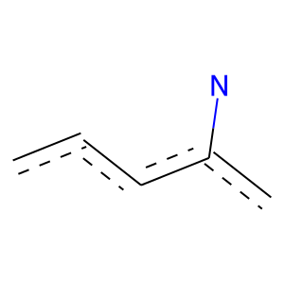 |  | 2 | 1 | 2.1224361463E-77 | 213 | 185 | 28
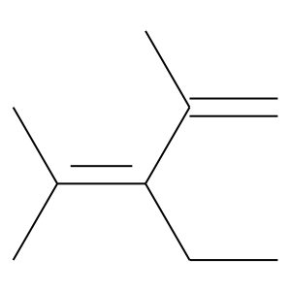 |  | 2 | 1 | 0 | 114 | 114 | 0
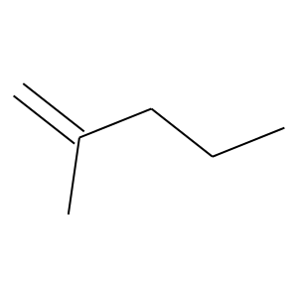 |  | 2 | 1 | 0 | 118 | 118 | 0
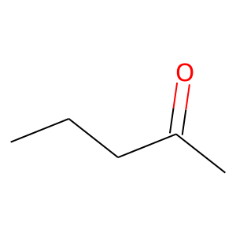 |  | 2 | 1 | 0 | 118 | 118 | 0
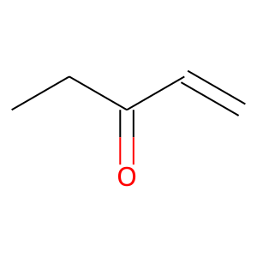 |  | 2 | 1 | 1.2444204646E-55 | 138 | 124 | 14
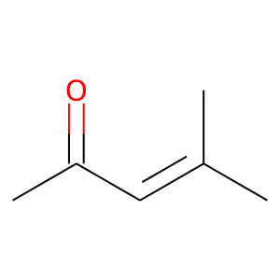 |  | 2 | 1 | 0 | 118 | 118 | 0
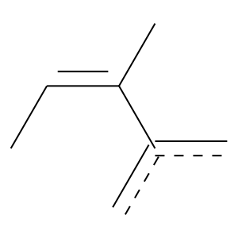 | 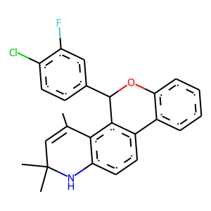 | 4 | 1 | 0 | 158 | 158 | 0
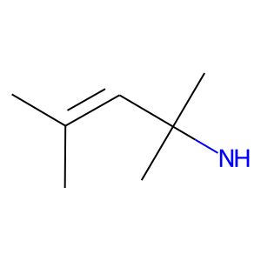 |  | 4 | 1 | 1.6623378041E-112 | 196 | 195 | 1
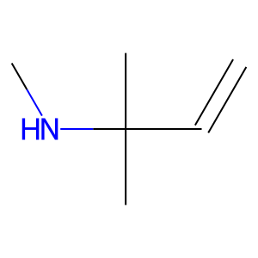 |  | 4 | 1 | 4.2983244665E-126 | 219 | 218 | 1
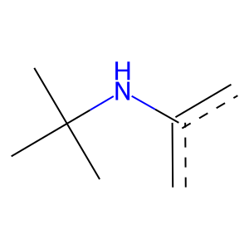 |  | 4 | 1 | 1.1026183974E-126 | 220 | 219 | 1
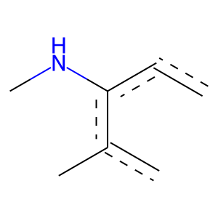 |  | 4 | 1 | 0 | 155 | 155 | 0
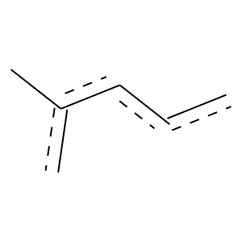 |  | 4 | 1 | 3.5233631886E-117 | 276 | 252 | 24
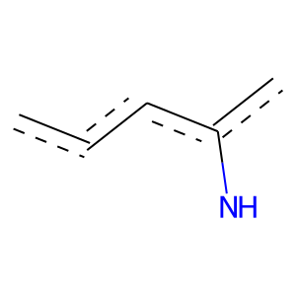 |  | 4 | 1 | 4.957530892E-140 | 269 | 261 | 8
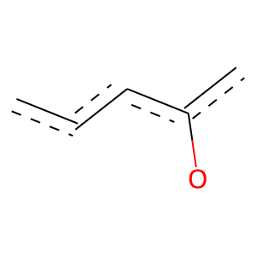 |  | 4 | 1 | 8.3189494319E-39 | 102 | 90 | 12
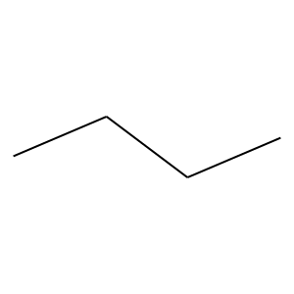 | 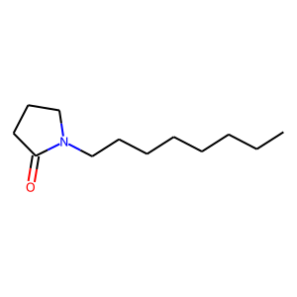 | 7 | 0 | 1.379550708E-14 | 494 | 51 | 443
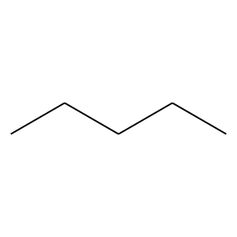 |  | 7 | 0 | 1.2060282288E-09 | 323 | 33 | 290
 |  | 7 | 0 | 4.8454601145E-07 | 366 | 47 | 319
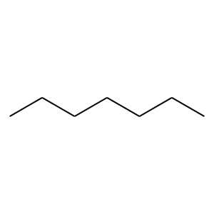 |  | 7 | 0 | 6.2987556589E-09 | 247 | 22 | 225
 | 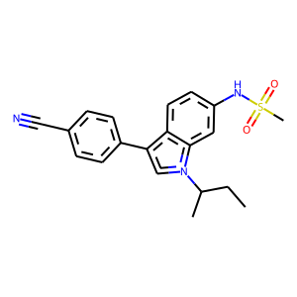 | 11 | 1 | 7.6354716494E-164 | 345 | 326 | 19
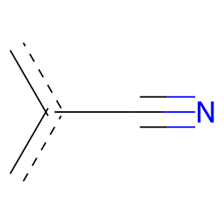 | 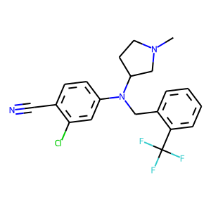 | 12 | 1 | 2.8036969901E-51 | 135 | 119 | 16
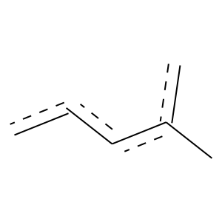 |  | 12 | 1 | 1.5828864017E-48 | 112 | 103 | 9
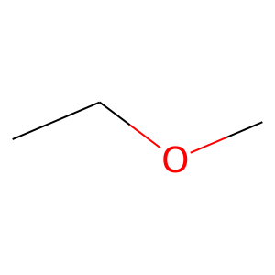 | 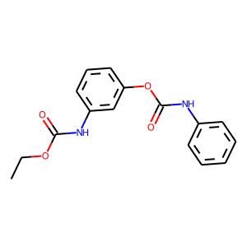 | 15 | 0 | 0.0088537841257 | 122 | 14 | 108
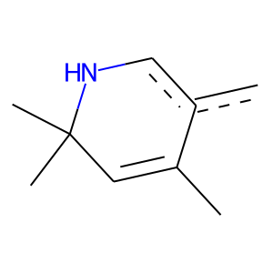 | 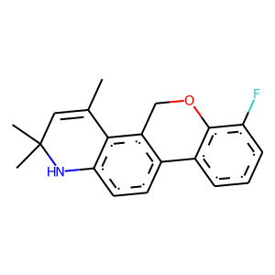 | 26 | 1 | 0 | 158 | 158 | 0
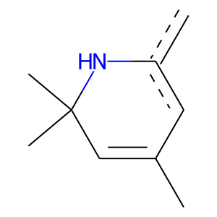 |  | 26 | 1 | 1.6623378041E-112 | 196 | 195 | 1
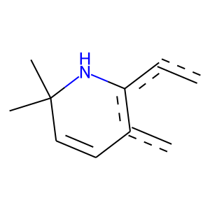 |  | 26 | 1 | 0 | 153 | 153 | 0
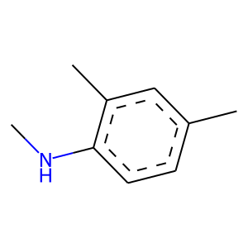 |  | 26 | 1 | 0 | 152 | 152 | 0
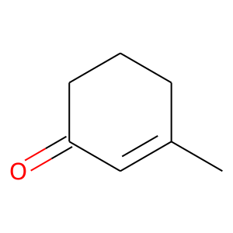 | 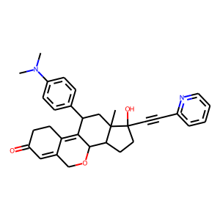 | 30 | 1 | 0 | 118 | 118 | 0
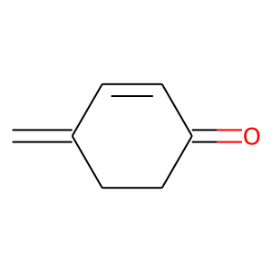 |  | 30 | 1 | 0 | 118 | 118 | 0
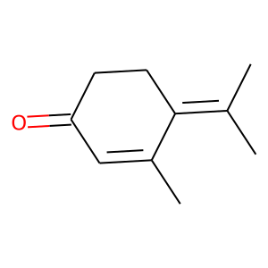 |  | 30 | 1 | 0 | 114 | 114 | 0
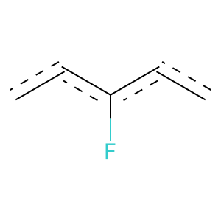 | 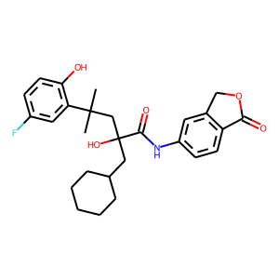 | 37 | 1 | 1.5951446083E-80 | 183 | 169 | 14
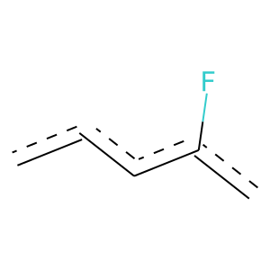 |  | 37 | 1 | 6.3675355787E-90 | 272 | 229 | 43
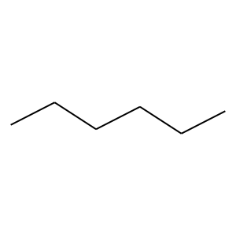 | 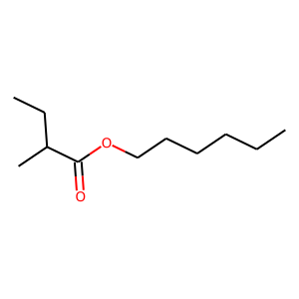 | 38 | 0 | 2.4074205289E-10 | 270 | 23 | 247
 | 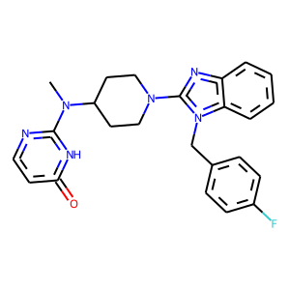 | 40 | 1 | 4.7447922515E-27 | 120 | 89 | 31
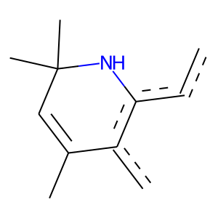 | 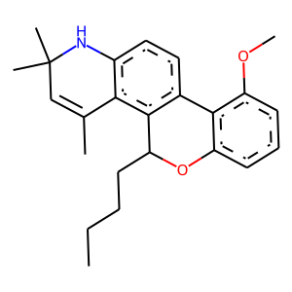 | 60 | 1 | 0 | 153 | 153 | 0
 | 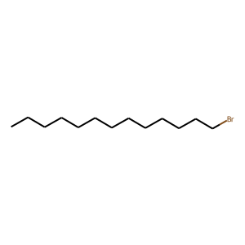 | 68 | 0 | 1.7221170415E-11 | 215 | 13 | 202
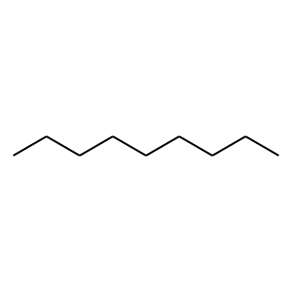 |  | 68 | 0 | 2.765380286E-07 | 143 | 9 | 134
 |  | 68 | 0 | 5.2472406191E-05 | 138 | 12 | 126
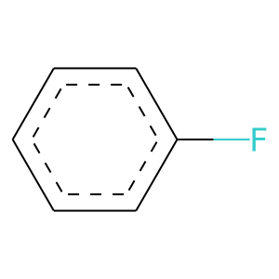 | 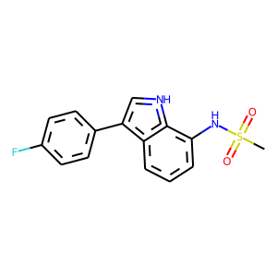 | 73 | 1 | 1.6390526485E-27 | 119 | 89 | 30
 |  | 75 | 1 | 4.618171528E-39 | 119 | 100 | 19
 |  | 81 | 0 | 9.2531014725E-10 | 197 | 13 | 184

