Sheet1
Substructure | Substructure in Molecule | Compound ID | Activity label | p_value | Compounds with substr. | Comp. with substr. active | Comp. with substr. inactive
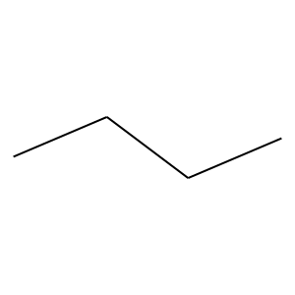 | 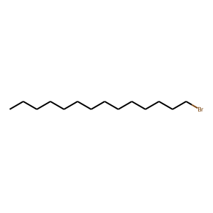 | 0 | 0 | 3.3917715877E-26 | 472 | 23 | 449
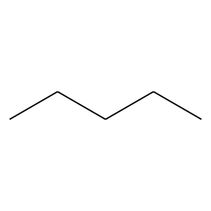 |  | 0 | 0 | 4.242733133E-21 | 306 | 10 | 296
 |  | 0 | 0 | 5.4614862877E-20 | 339 | 15 | 324
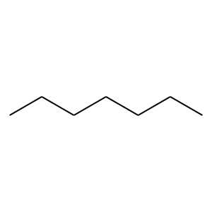 |  | 0 | 0 | 6.7834093192E-16 | 226 | 7 | 219
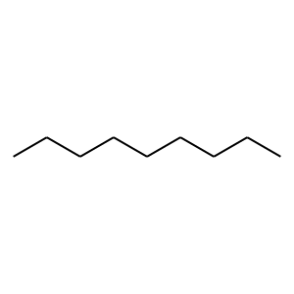 |  | 0 | 0 | 6.0838549879E-11 | 128 | 2 | 126
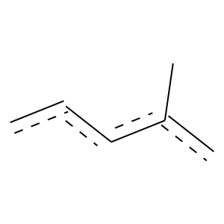 | 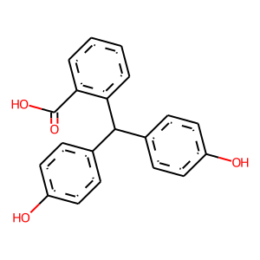 | 2 | 1 | 3.8263648466E-18 | 70 | 53 | 17
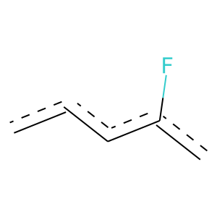 | 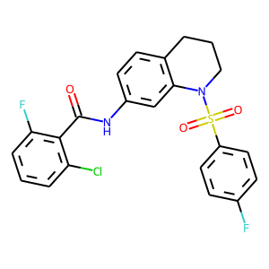 | 8 | 1 | 1.1924984091E-16 | 67 | 50 | 17
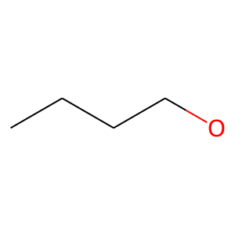 | 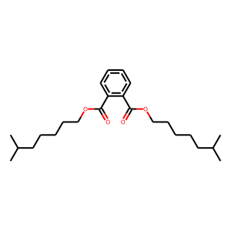 | 9 | 0 | 0.0030784634542 | 98 | 8 | 90
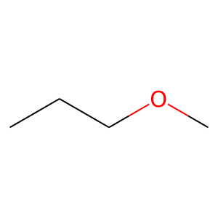 |  | 9 | 0 | 2.144884725E-05 | 109 | 6 | 103
 | 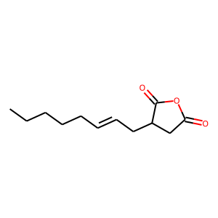 | 13 | 0 | 0 | 62 | 0 | 62
 | 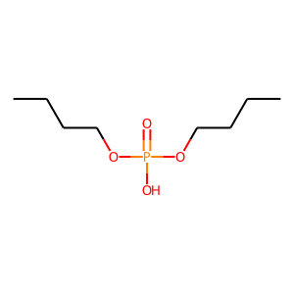 | 33 | 0 | 0.0051214723385 | 60 | 3 | 57
 | 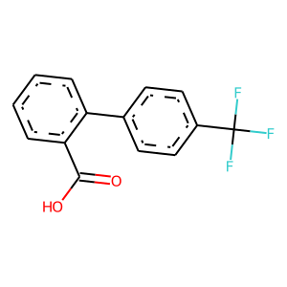 | 37 | 1 | 2.6197954404E-29 | 76 | 66 | 10
 |  | 37 | 1 | 1.0522807795E-18 | 77 | 57 | 20
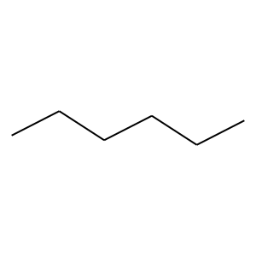 | 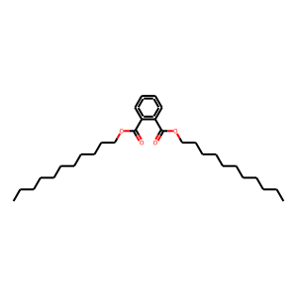 | 48 | 0 | 4.8444585289E-17 | 256 | 9 | 247
 |  | 48 | 0 | 4.0112769582E-14 | 199 | 6 | 193
 |  | 48 | 0 | 2.2561682788E-11 | 132 | 2 | 130
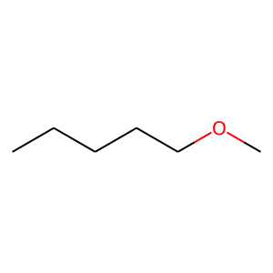 |  | 48 | 0 | 0.0063490423721 | 59 | 3 | 56
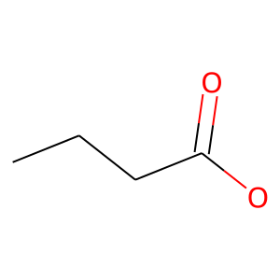 | 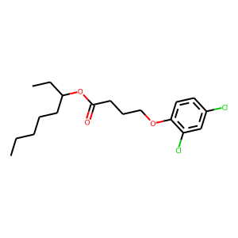 | 90 | 0 | 0 | 71 | 0 | 71
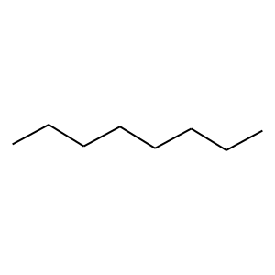 | 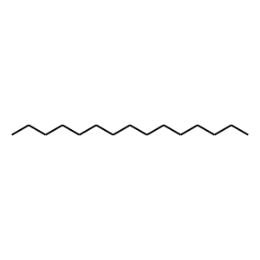 | 95 | 0 | 3.2667945277E-12 | 180 | 6 | 174
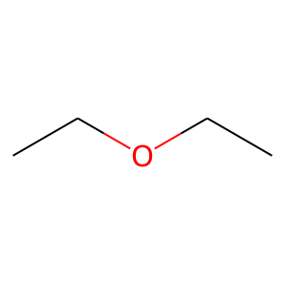 | 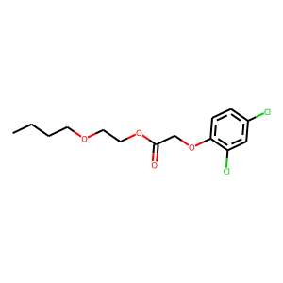 | 111 | 0 | 0.00016114965809 | 67 | 2 | 65
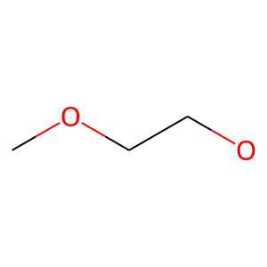 |  | 111 | 0 | 0.00046370861066 | 53 | 1 | 52
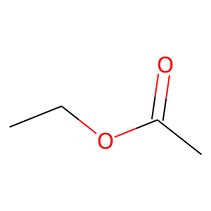 |  | 111 | 0 | 0.0016411903577 | 57 | 2 | 55
 | 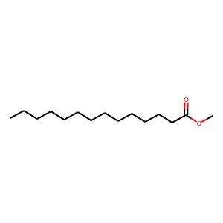 | 148 | 0 | 2.8483412659E-06 | 84 | 2 | 82
 |  | 148 | 0 | 3.8486359371E-10 | 131 | 3 | 128
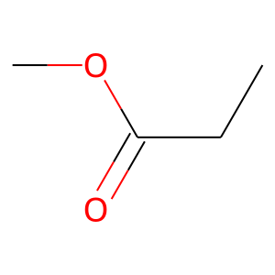 | 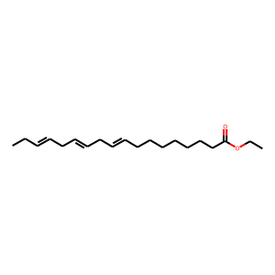 | 167 | 0 | 0.0071277689228 | 80 | 6 | 74
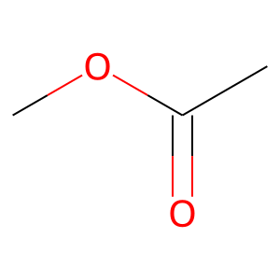 | 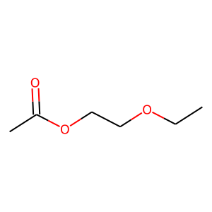 | 187 | 0 | 0.0051331895007 | 52 | 2 | 50

