Sheet1
Substructure | Substructure in Molecule | Compound ID | Activity label | p_value | Compounds with substr. | Comp. with substr. active | Comp. with substr. inactive
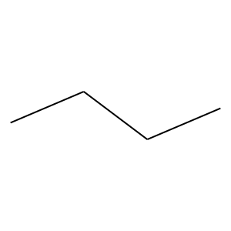 | 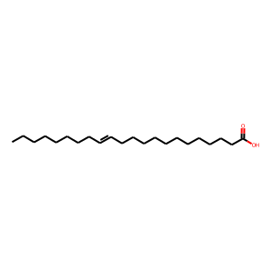 | 1 | 0 | 4.5966407369E-20 | 431 | 32 | 399
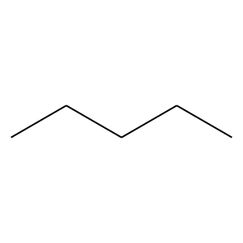 |  | 1 | 0 | 7.1507504945E-20 | 268 | 10 | 258
 |  | 1 | 0 | 2.8314248804E-20 | 280 | 11 | 269
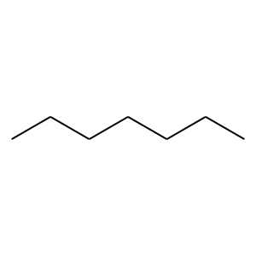 |  | 1 | 0 | 2.6075439123E-16 | 183 | 4 | 179
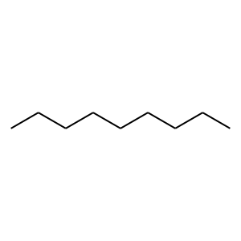 |  | 1 | 0 | 0 | 106 | 0 | 106
 |  | 1 | 0 | 4.8317312953E-12 | 116 | 1 | 115
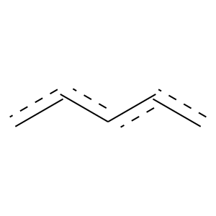 | 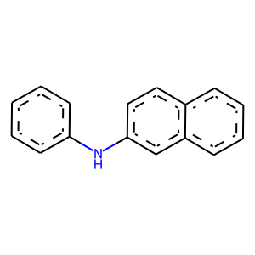 | 7 | 0 | 7.3126212547E-05 | 490 | 80 | 410
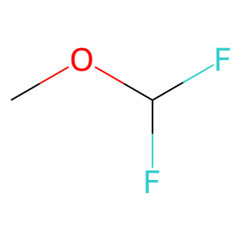 | 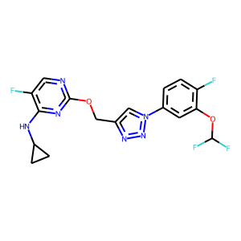 | 8 | 1 | 1.2050053076E-65 | 126 | 123 | 3
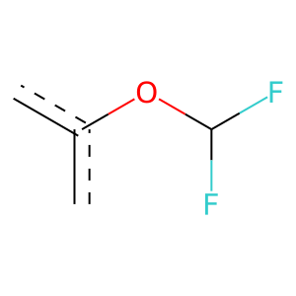 |  | 8 | 1 | 3.4367551673E-56 | 106 | 104 | 2
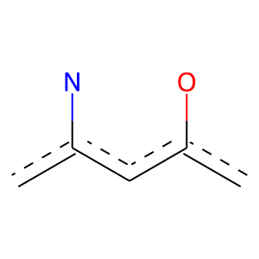 |  | 8 | 1 | 6.4428753962E-58 | 109 | 107 | 2
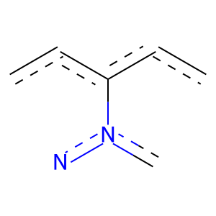 |  | 8 | 1 | 4.337353704E-215 | 460 | 435 | 25
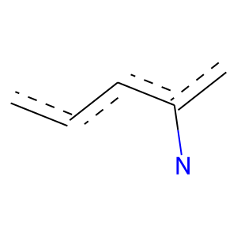 |  | 8 | 1 | 6.5171124196E-195 | 393 | 378 | 15
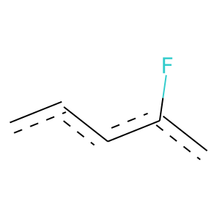 |  | 8 | 1 | 2.9331181881E-132 | 263 | 254 | 9
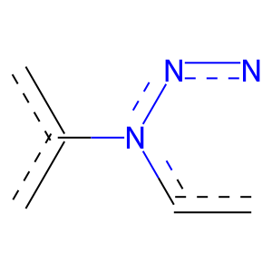 |  | 8 | 1 | 2.8336267429E-226 | 483 | 457 | 26
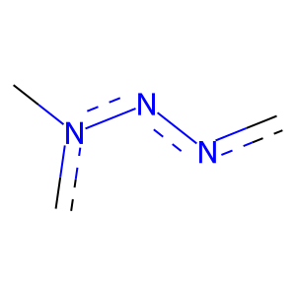 |  | 8 | 1 | 4.3954973856E-248 | 537 | 506 | 31
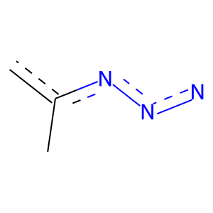 |  | 8 | 1 | 3.5301588967E-244 | 530 | 499 | 31
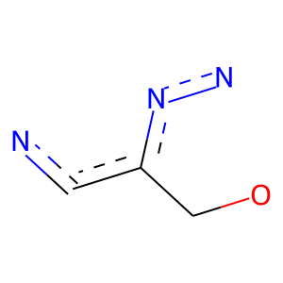 |  | 8 | 1 | 3.4783893324E-230 | 496 | 468 | 28
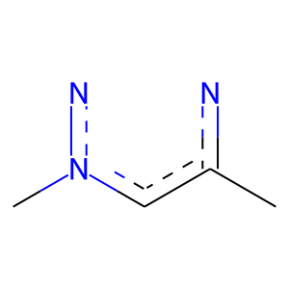 |  | 8 | 1 | 3.5301588967E-244 | 530 | 499 | 31
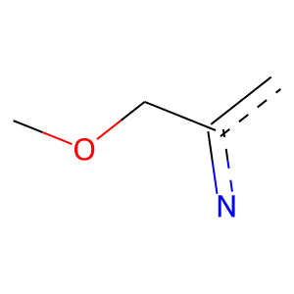 |  | 8 | 1 | 3.4783893324E-230 | 496 | 468 | 28
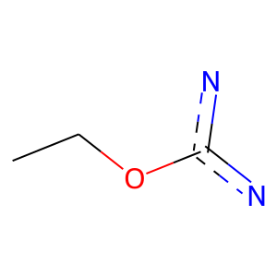 |  | 8 | 1 | 8.8127090757E-212 | 463 | 435 | 28
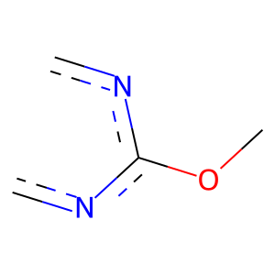 |  | 8 | 1 | 1.3096471245E-82 | 169 | 162 | 7
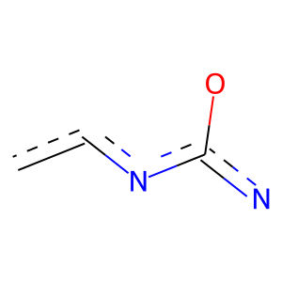 |  | 8 | 1 | 3.8187979037E-165 | 334 | 321 | 13
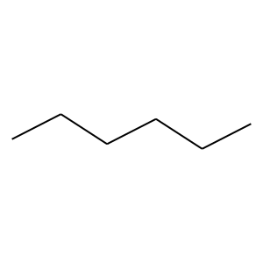 | 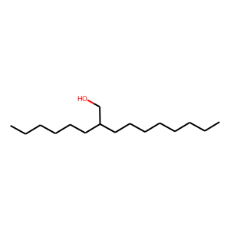 | 11 | 0 | 7.6539286458E-18 | 224 | 7 | 217
 |  | 11 | 0 | 2.5833175631E-13 | 175 | 6 | 169
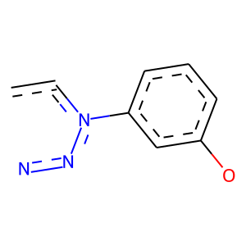 | 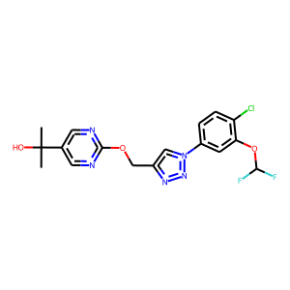 | 14 | 1 | 6.4428753962E-58 | 109 | 107 | 2
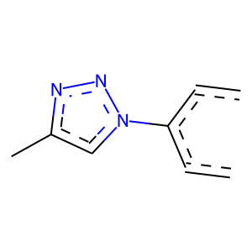 |  | 14 | 1 | 3.5711512929E-211 | 453 | 428 | 25
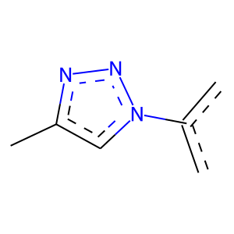 |  | 14 | 1 | 2.342326155E-222 | 476 | 450 | 26
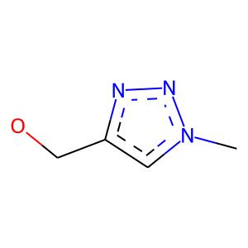 |  | 14 | 1 | 3.4783893324E-230 | 496 | 468 | 28
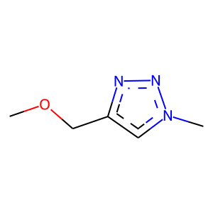 |  | 14 | 1 | 3.4783893324E-230 | 496 | 468 | 28
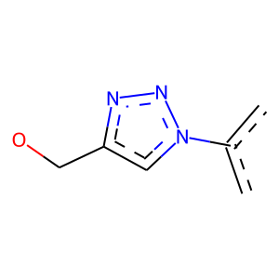 |  | 14 | 1 | 2.1337112789E-208 | 442 | 419 | 23
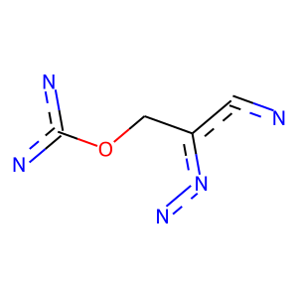 |  | 14 | 1 | 8.9809961989E-207 | 454 | 426 | 28
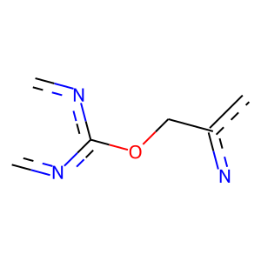 |  | 14 | 1 | 7.3600480428E-125 | 286 | 265 | 21
 |  | 14 | 1 | 3.6320626984E-128 | 292 | 271 | 21
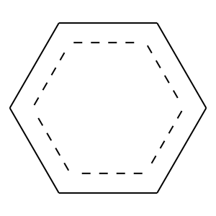 | 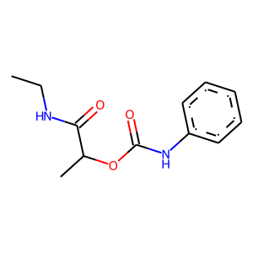 | 18 | 0 | 8.2124196183E-05 | 489 | 80 | 409
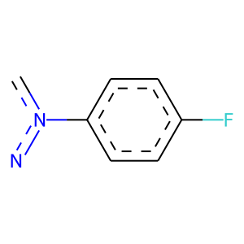 | 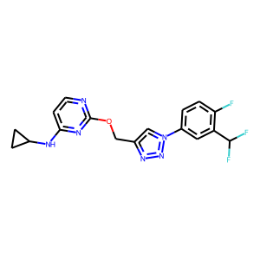 | 25 | 1 | 1.4895943546E-123 | 234 | 229 | 5
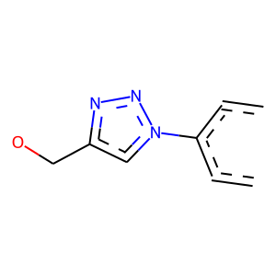 |  | 25 | 1 | 3.3007612958E-197 | 419 | 397 | 22
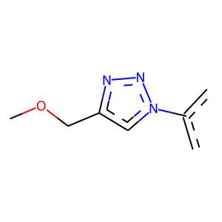 |  | 25 | 1 | 2.1337112789E-208 | 442 | 419 | 23
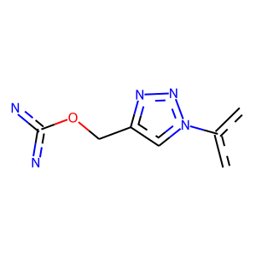 |  | 25 | 1 | 6.6755578441E-185 | 400 | 377 | 23
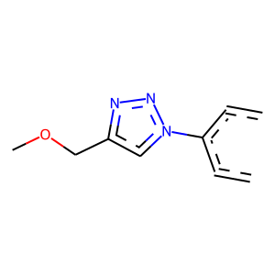 |  | 25 | 1 | 3.3007612958E-197 | 419 | 397 | 22
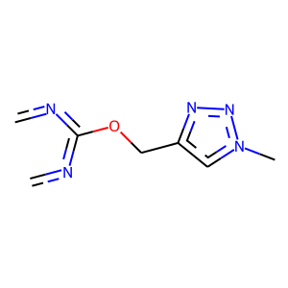 |  | 25 | 1 | 6.5038544581E-81 | 166 | 159 | 7
 |  | 25 | 1 | 6.5038544581E-81 | 166 | 159 | 7
 |  | 25 | 1 | 6.0487806463E-51 | 134 | 119 | 15
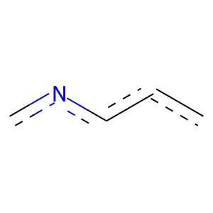 |  | 25 | 1 | 8.1222173823E-46 | 134 | 115 | 19
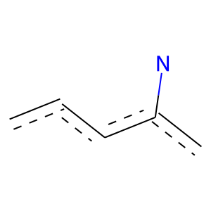 | 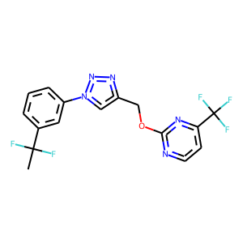 | 57 | 1 | 1.9513747039E-25 | 130 | 93 | 37
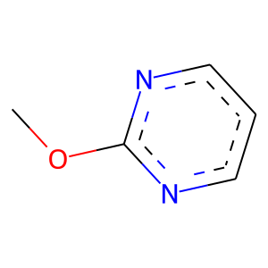 |  | 57 | 1 | 5.2686814848E-50 | 105 | 100 | 5
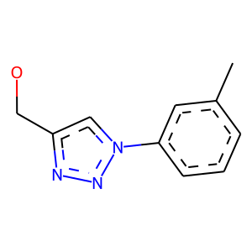 | 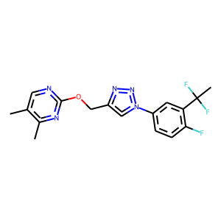 | 61 | 1 | 0 | 103 | 103 | 0
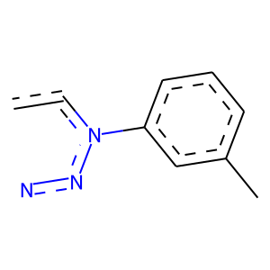 |  | 61 | 1 | 0 | 109 | 109 | 0
 |  | 61 | 1 | 0 | 115 | 115 | 0
 |  | 68 | 1 | 2.7805056664E-130 | 266 | 255 | 11
 |  | 68 | 1 | 6.8525198802E-127 | 260 | 249 | 11
 |  | 68 | 1 | 7.3600480428E-125 | 286 | 265 | 21
 |  | 76 | 0 | 7.9976812307E-13 | 153 | 4 | 149
 |  | 157 | 0 | 0 | 112 | 0 | 112
 |  | 187 | 0 | 0.034079052007 | 113 | 14 | 99

