Sheet1
Substructure | Substructure in Molecule | Compound ID | Activity label | p_value | Compounds with substr. | Comp. with substr. active | Comp. with substr. inactive
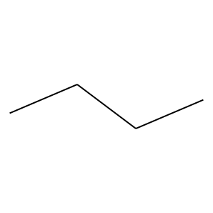 | 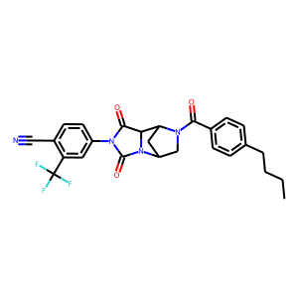 | 3 | 0 | 8.0720700239E-29 | 502 | 48 | 454
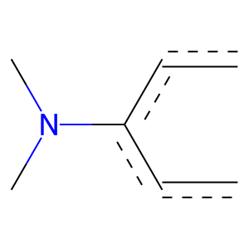 |  | 3 | 1 | 4.3683293133E-56 | 134 | 129 | 5
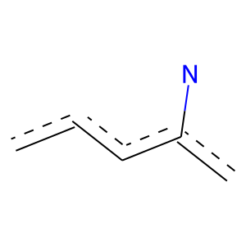 |  | 3 | 1 | 3.0180592132E-99 | 270 | 251 | 19
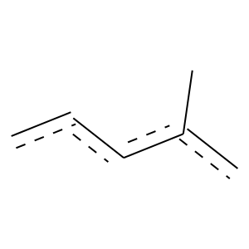 |  | 3 | 1 | 5.7541795006E-123 | 351 | 322 | 29
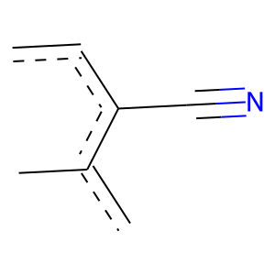 |  | 3 | 1 | 1.1123933933E-100 | 217 | 214 | 3
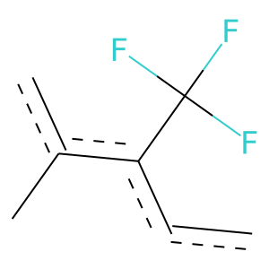 |  | 3 | 1 | 1.5034517569E-103 | 227 | 223 | 4
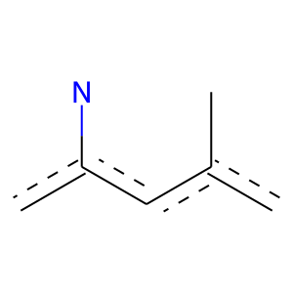 |  | 3 | 1 | 4.6269334466E-68 | 151 | 148 | 3
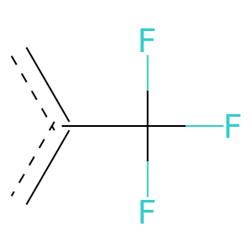 |  | 3 | 1 | 1.3314939337E-259 | 592 | 576 | 16
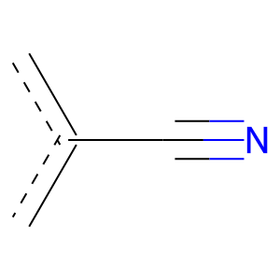 |  | 3 | 1 | 2.7580463882E-134 | 396 | 360 | 36
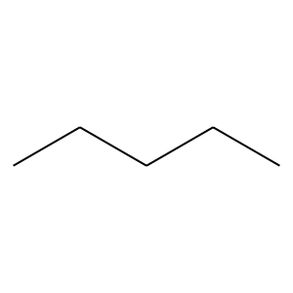 | 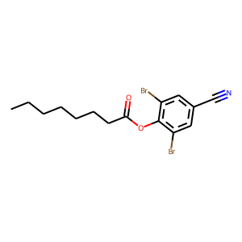 | 11 | 0 | 6.0567269786E-26 | 320 | 20 | 300
 |  | 11 | 0 | 1.1963948776E-16 | 383 | 46 | 337
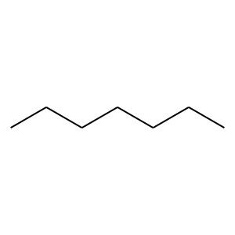 |  | 11 | 0 | 4.4653693454E-05 | 137 | 18 | 119
 |  | 11 | 0 | 0.00045747058428 | 192 | 33 | 159
 | 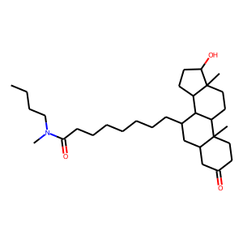 | 13 | 0 | 4.0460962202E-15 | 268 | 26 | 242
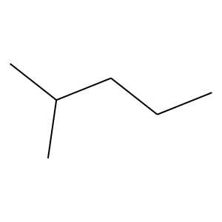 |  | 13 | 1 | 7.6944487427E-26 | 110 | 90 | 20
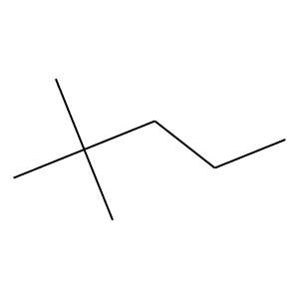 |  | 13 | 1 | 7.1066393812E-28 | 122 | 99 | 23
 |  | 13 | 1 | 3.2986303679E-53 | 181 | 158 | 23
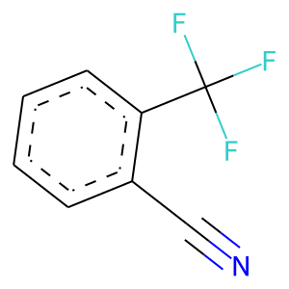 | 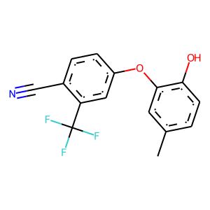 | 26 | 1 | 1.1123933933E-100 | 217 | 214 | 3
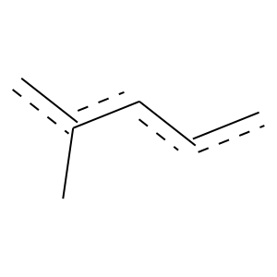 | 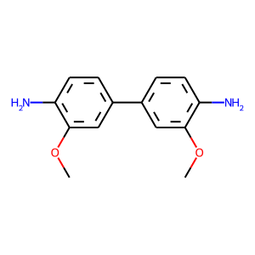 | 30 | 1 | 4.0327599724E-51 | 171 | 150 | 21
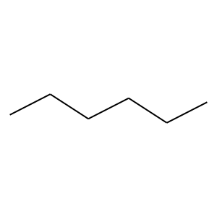 | 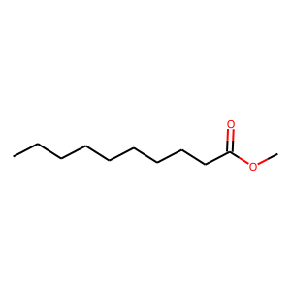 | 36 | 0 | 4.6636300179E-22 | 266 | 16 | 250
 |  | 36 | 0 | 1.4752593396E-19 | 209 | 10 | 199
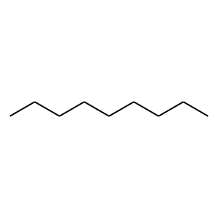 |  | 36 | 0 | 4.122355833E-15 | 143 | 5 | 138
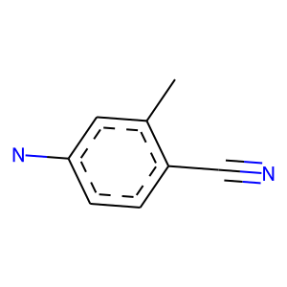 | 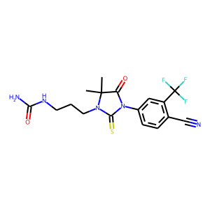 | 42 | 1 | 2.2891577172E-50 | 115 | 112 | 3
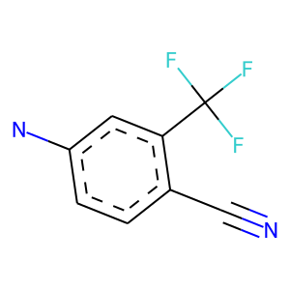 |  | 42 | 1 | 2.2891577172E-50 | 115 | 112 | 3
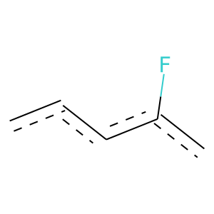 | 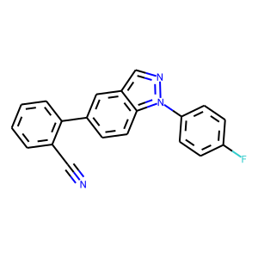 | 53 | 1 | 4.7458978845E-39 | 175 | 141 | 34
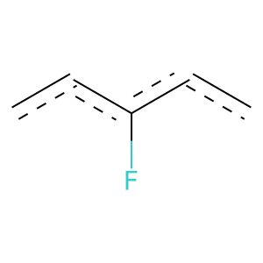 |  | 53 | 1 | 2.608579995E-22 | 115 | 89 | 26
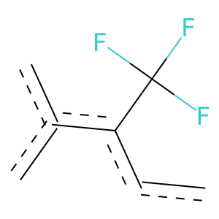 | 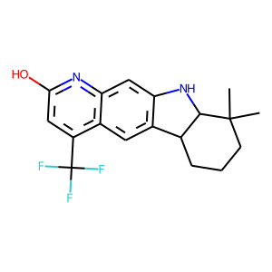 | 66 | 1 | 3.0709627366E-111 | 229 | 228 | 1
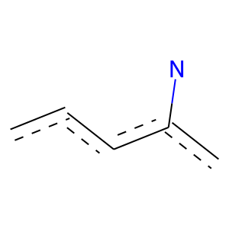 | 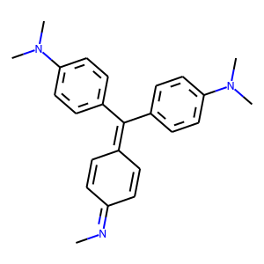 | 79 | 1 | 9.2002847864E-28 | 117 | 96 | 21
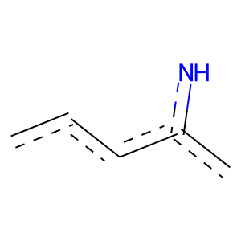 | 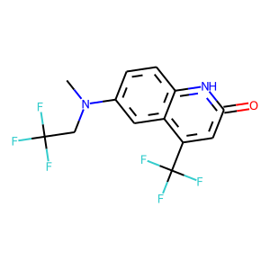 | 80 | 1 | 1.3113280811E-47 | 113 | 109 | 4
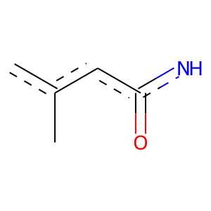 |  | 80 | 1 | 1.2040730275E-64 | 140 | 138 | 2
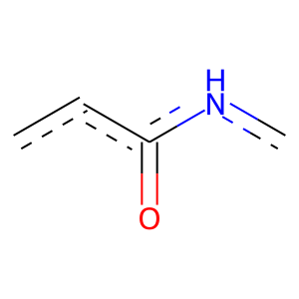 |  | 80 | 1 | 1.7987222828E-74 | 164 | 161 | 3
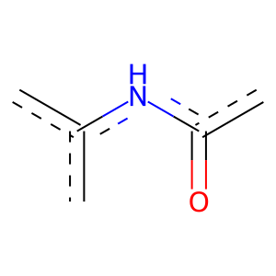 |  | 80 | 1 | 1.5561699968E-77 | 166 | 164 | 2
 | 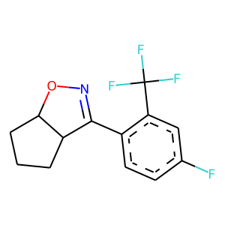 | 82 | 1 | 5.8779763388E-38 | 146 | 123 | 23
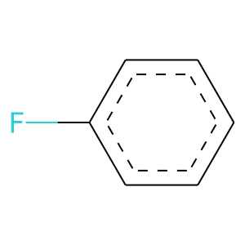 | 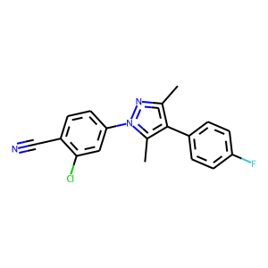 | 93 | 1 | 8.5623454774E-23 | 114 | 89 | 25
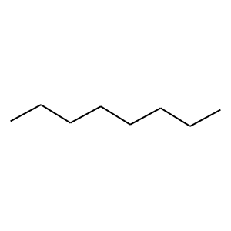 | 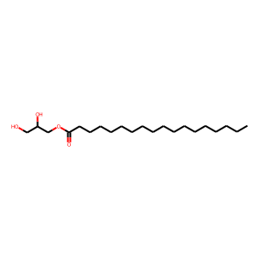 | 141 | 0 | 4.0398388366E-18 | 192 | 9 | 183
 |  | 141 | 0 | 4.5199394433E-13 | 149 | 8 | 141
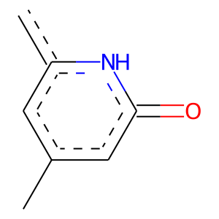 | 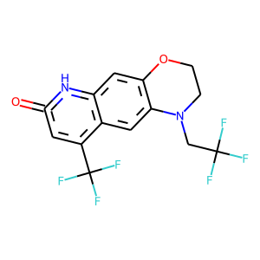 | 214 | 1 | 1.2040730275E-64 | 140 | 138 | 2
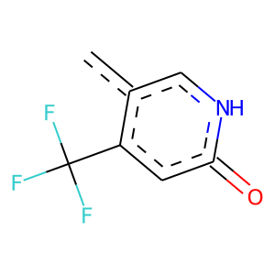 |  | 214 | 1 | 6.9395666207E-53 | 112 | 111 | 1

