Sheet1
Substructure | Substructure in Molecule | Compound ID | Activity label | p_value | Compounds with substr. | Comp. with substr. active | Comp. with substr. inactive
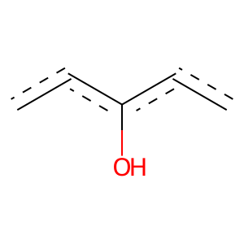 | 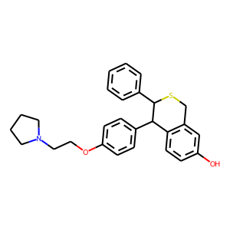 | 0 | 1 | 2.5861661591E-263 | 600 | 567 | 33
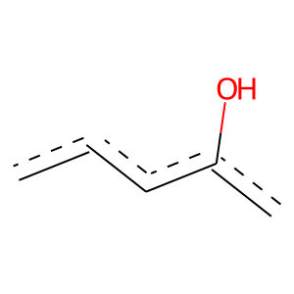 |  | 0 | 1 | 0 | 939 | 878 | 61
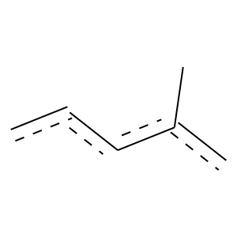 |  | 0 | 1 | 7.8038602001E-40 | 92 | 87 | 5
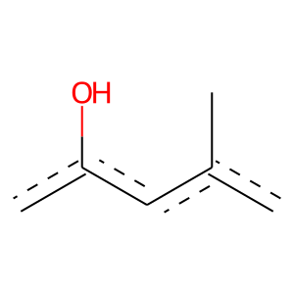 |  | 0 | 1 | 2.5365664106E-69 | 140 | 137 | 3
 |  | 0 | 1 | 8.8172579492E-116 | 275 | 257 | 18
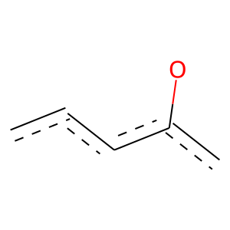 |  | 0 | 1 | 9.9255650931E-98 | 555 | 396 | 159
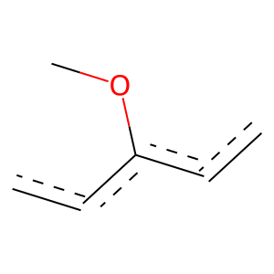 |  | 0 | 1 | 1.4071559337E-94 | 335 | 277 | 58
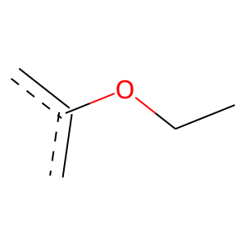 |  | 0 | 1 | 1.3349129005E-107 | 298 | 266 | 32
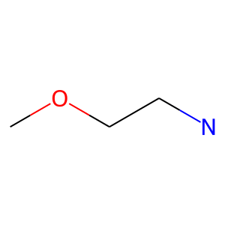 |  | 0 | 1 | 1.7293832201E-104 | 219 | 212 | 7
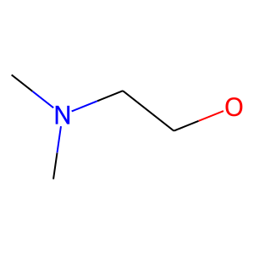 |  | 0 | 1 | 1.4161882505E-101 | 217 | 209 | 8
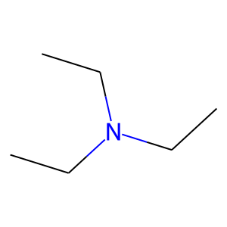 |  | 0 | 1 | 4.0439470928E-63 | 286 | 219 | 67
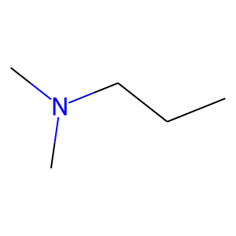 |  | 0 | 1 | 4.6468535379E-86 | 229 | 207 | 22
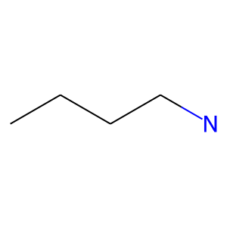 |  | 0 | 1 | 6.9458382846E-69 | 273 | 218 | 55
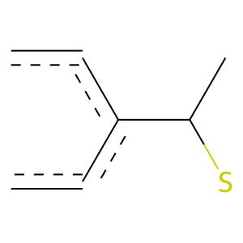 |  | 0 | 1 | 2.6363496576E-31 | 63 | 62 | 1
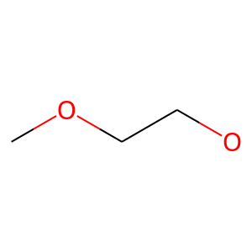 | 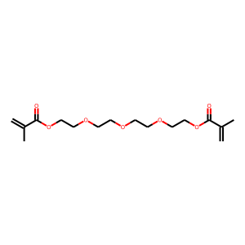 | 2 | 0 | 0.00010844730742 | 62 | 2 | 60
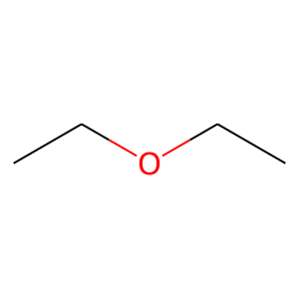 |  | 2 | 0 | 1.3960323109E-06 | 77 | 2 | 75
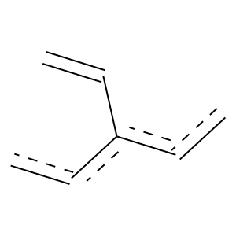 | 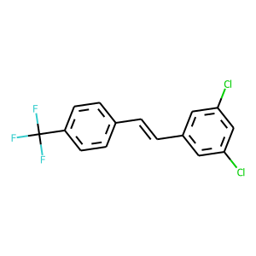 | 4 | 1 | 3.9492747552E-18 | 99 | 72 | 27
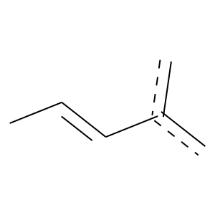 | 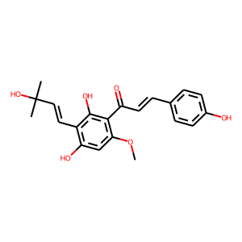 | 5 | 1 | 1.700015614E-16 | 83 | 62 | 21
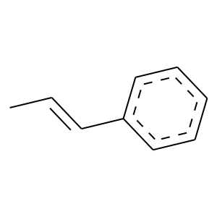 |  | 5 | 1 | 1.3388203545E-21 | 65 | 57 | 8
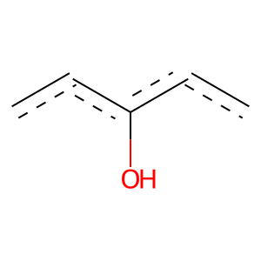 |  | 5 | 1 | 5.5958967315E-204 | 519 | 475 | 44
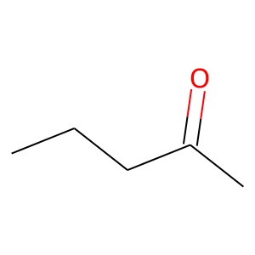 | 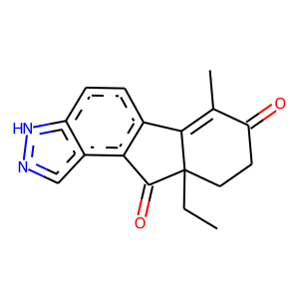 | 6 | 1 | 1.6971333753E-33 | 67 | 66 | 1
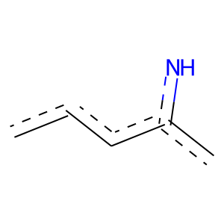 |  | 6 | 1 | 3.9049690997E-27 | 65 | 61 | 4
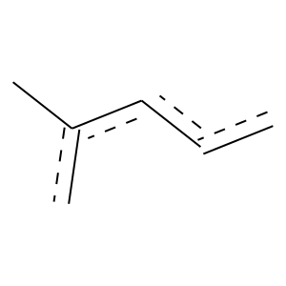 |  | 6 | 1 | 7.7118605125E-110 | 278 | 255 | 23
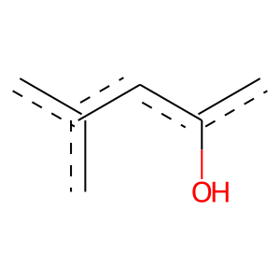 | 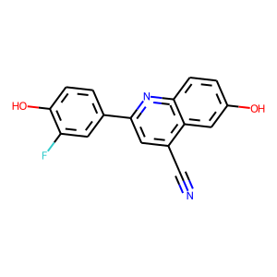 | 9 | 1 | 0 | 52 | 52 | 0
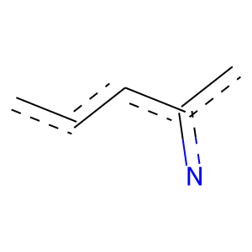 |  | 9 | 1 | 1.1461285666E-16 | 55 | 47 | 8
 |  | 9 | 1 | 8.5320366878E-143 | 350 | 324 | 26
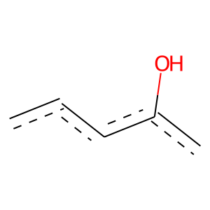 |  | 9 | 1 | 3.6594122956E-40 | 216 | 157 | 59
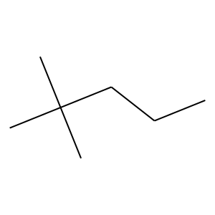 | 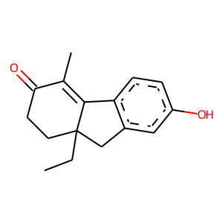 | 10 | 1 | 0 | 58 | 58 | 0
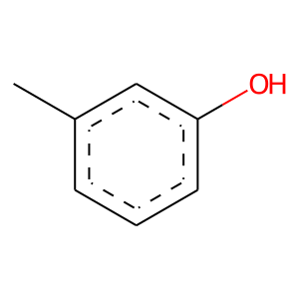 |  | 10 | 1 | 1.0950019633E-67 | 137 | 134 | 3
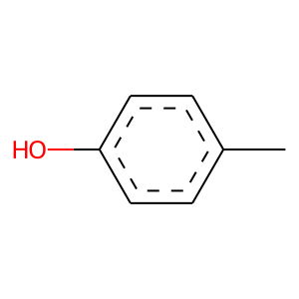 |  | 10 | 1 | 8.8996067868E-69 | 139 | 136 | 3
 | 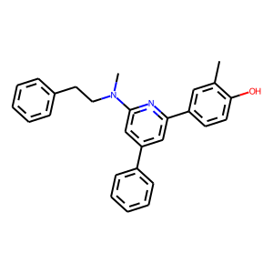 | 14 | 1 | 6.9350105147E-31 | 141 | 108 | 33
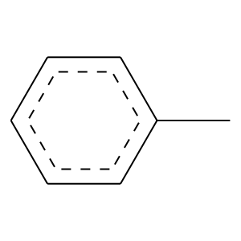 |  | 14 | 1 | 5.8571022583E-25 | 117 | 89 | 28
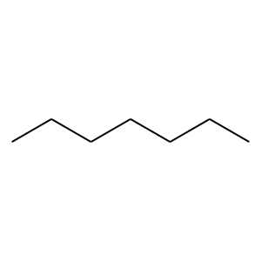 | 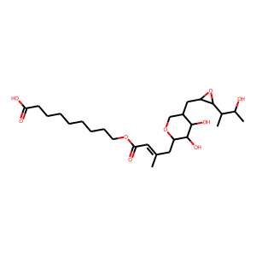 | 15 | 0 | 0.011532207236 | 235 | 39 | 196
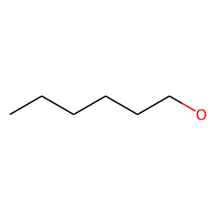 |  | 15 | 0 | 0.016094795149 | 51 | 3 | 48
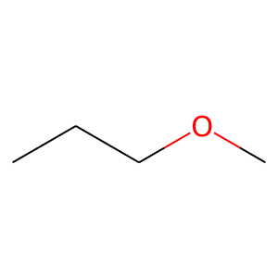 |  | 15 | 0 | 3.8126018201E-06 | 89 | 4 | 85
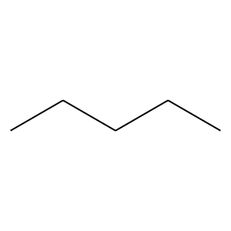 | 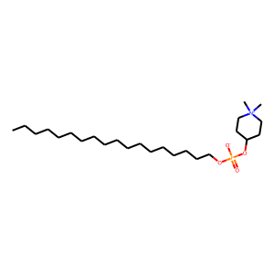 | 16 | 0 | 4.0294589965E-05 | 315 | 48 | 267
 |  | 16 | 0 | 7.4845235635E-05 | 203 | 26 | 177
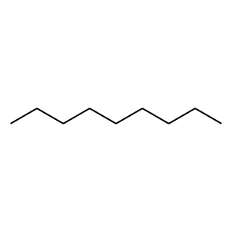 |  | 16 | 0 | 0.005334686416 | 134 | 17 | 117
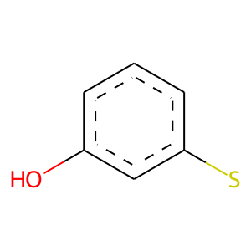 | 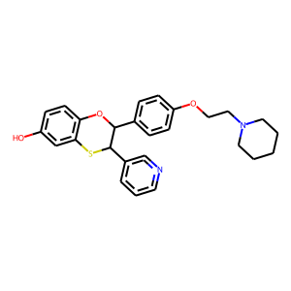 | 18 | 1 | 0 | 66 | 66 | 0
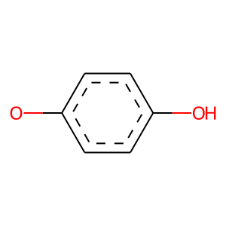 |  | 18 | 1 | 4.4381747254E-40 | 79 | 78 | 1
 |  | 18 | 1 | 3.1258296148E-26 | 122 | 93 | 29
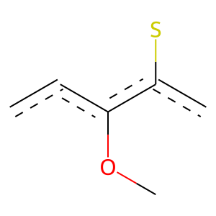 |  | 18 | 1 | 0 | 61 | 61 | 0
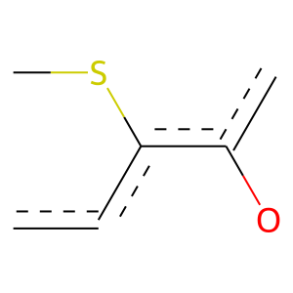 |  | 18 | 1 | 0 | 63 | 63 | 0
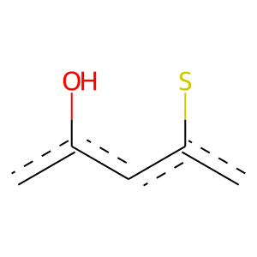 |  | 18 | 1 | 0 | 68 | 68 | 0
 |  | 18 | 1 | 7.4702839902E-32 | 64 | 63 | 1
 |  | 18 | 1 | 0 | 65 | 65 | 0
 |  | 18 | 1 | 0 | 66 | 66 | 0
 |  | 18 | 1 | 5.1580630955E-56 | 119 | 115 | 4
 |  | 18 | 1 | 8.0153181714E-65 | 128 | 126 | 2
 |  | 18 | 1 | 1.2734020286E-51 | 100 | 99 | 1
 |  | 18 | 1 | 6.9589853787E-74 | 152 | 148 | 4
 |  | 18 | 1 | 3.0778171942E-113 | 276 | 256 | 20
 |  | 18 | 1 | 1.6650147773E-101 | 210 | 204 | 6
 |  | 18 | 1 | 2.1805558583E-104 | 208 | 204 | 4
 |  | 18 | 1 | 1.8041999762E-97 | 199 | 194 | 5
 |  | 18 | 1 | 7.7172535016E-92 | 185 | 181 | 4
 |  | 18 | 1 | 3.3869587915E-96 | 207 | 199 | 8
 |  | 18 | 1 | 4.439129911E-71 | 175 | 162 | 13
 |  | 18 | 1 | 2.5987636513E-61 | 180 | 158 | 22
 |  | 19 | 1 | 6.573730405E-205 | 518 | 475 | 43
 |  | 21 | 1 | 0 | 63 | 63 | 0
 |  | 21 | 1 | 0 | 141 | 141 | 0
 |  | 21 | 1 | 3.5733035812E-94 | 219 | 206 | 13
 |  | 21 | 1 | 0 | 70 | 70 | 0
 |  | 24 | 0 | 3.2498274064E-05 | 258 | 36 | 222
 |  | 24 | 0 | 0.00037692827844 | 184 | 24 | 160
 |  | 24 | 1 | 3.4845010149E-10 | 60 | 43 | 17
 |  | 26 | 0 | 5.7522462477E-05 | 79 | 4 | 75
 |  | 32 | 0 | 0.00018942448939 | 94 | 7 | 87
 |  | 38 | 1 | 1.478901868E-23 | 61 | 56 | 5
 |  | 40 | 1 | 1.440285488E-42 | 106 | 98 | 8
 |  | 41 | 1 | 5.6428529656E-21 | 56 | 51 | 5
 |  | 41 | 1 | 1.4464927545E-16 | 64 | 52 | 12
 |  | 46 | 0 | 6.0319261533E-05 | 111 | 9 | 102
 |  | 49 | 1 | 0 | 183 | 183 | 0
 |  | 51 | 0 | 0.002985599475 | 64 | 4 | 60
 |  | 52 | 1 | 5.3431970406E-37 | 98 | 89 | 9
 |  | 53 | 1 | 2.3077144438E-58 | 142 | 132 | 10
 |  | 53 | 1 | 0 | 78 | 78 | 0
 |  | 73 | 1 | 1.8437818398E-20 | 55 | 50 | 5
 |  | 75 | 1 | 3.4686114547E-20 | 67 | 57 | 10
 |  | 81 | 1 | 1.1675606732E-89 | 181 | 177 | 4
 |  | 81 | 1 | 1.2400906598E-25 | 65 | 60 | 5
 |  | 81 | 1 | 1.2802657965E-21 | 77 | 64 | 13
 |  | 87 | 1 | 1.8688698925E-23 | 58 | 54 | 4
 |  | 87 | 1 | 1.5418510629E-30 | 80 | 73 | 7
 |  | 97 | 1 | 5.3087121967E-72 | 137 | 136 | 1
 |  | 104 | 0 | 0.00049955513864 | 90 | 7 | 83
 |  | 105 | 1 | 7.1623077855E-17 | 53 | 46 | 7
 |  | 113 | 1 | 3.0141499305E-36 | 79 | 76 | 3
 |  | 113 | 1 | 6.833326327E-20 | 64 | 55 | 9
 |  | 113 | 1 | 1.5368328636E-24 | 54 | 52 | 2
 |  | 113 | 1 | 1.4881775788E-56 | 120 | 116 | 4
 |  | 113 | 1 | 3.3317534176E-102 | 204 | 200 | 4
 |  | 113 | 1 | 1.4505739067E-94 | 190 | 186 | 4
 |  | 113 | 1 | 1.2587992044E-90 | 179 | 176 | 3
 |  | 130 | 1 | 0 | 60 | 60 | 0
 |  | 130 | 1 | 0 | 59 | 59 | 0
 |  | 130 | 1 | 0 | 60 | 60 | 0
 |  | 130 | 1 | 0 | 66 | 66 | 0
 |  | 130 | 1 | 0 | 56 | 56 | 0
 |  | 130 | 1 | 2.2488697195E-43 | 85 | 84 | 1
 |  | 131 | 0 | 0.0056066042059 | 55 | 3 | 52
 |  | 131 | 0 | 0.03516158812 | 66 | 6 | 60
 |  | 131 | 0 | 2.9151869864E-05 | 58 | 1 | 57
 |  | 131 | 0 | 8.0818800228E-07 | 87 | 3 | 84
 |  | 144 | 1 | 0 | 62 | 62 | 0
 |  | 155 | 1 | 0 | 53 | 53 | 0
 |  | 155 | 1 | 0 | 61 | 61 | 0
 |  | 155 | 1 | 0 | 59 | 59 | 0
 |  | 155 | 1 | 0 | 51 | 51 | 0
 |  | 155 | 1 | 0 | 54 | 54 | 0
 |  | 155 | 1 | 0 | 56 | 56 | 0
 |  | 164 | 0 | 0 | 55 | 0 | 55
 |  | 183 | 0 | 8.7265495153E-06 | 62 | 1 | 61
 |  | 184 | 1 | 0 | 59 | 59 | 0
 |  | 184 | 1 | 0 | 52 | 52 | 0
 |  | 184 | 1 | 0 | 59 | 59 | 0
 |  | 186 | 1 | 6.362856422E-19 | 52 | 47 | 5
 |  | 237 | 0 | 0.0049851513272 | 62 | 4 | 58
 |  | 260 | 1 | 3.2809751422E-30 | 61 | 60 | 1
 |  | 331 | 1 | 0 | 52 | 52 | 0
 |  | 407 | 1 | 0 | 51 | 51 | 0
 |  | 437 | 0 | 0.0014046082781 | 53 | 2 | 51

