Sheet1
Substructure | Substructure in Molecule | Compound ID | Activity label | p_value | Compounds with substr. | Comp. with substr. active | Comp. with substr. inactive
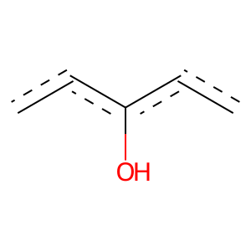 | 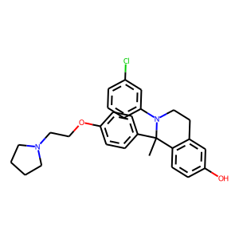 | 0 | 1 | 4.7031914395E-270 | 575 | 545 | 30
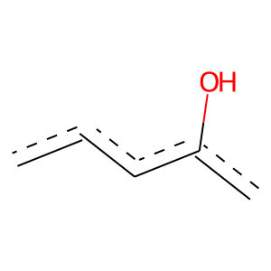 |  | 0 | 1 | 0 | 921 | 847 | 74
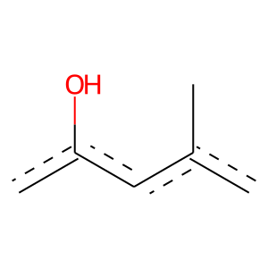 |  | 0 | 1 | 2.0719926544E-76 | 138 | 137 | 1
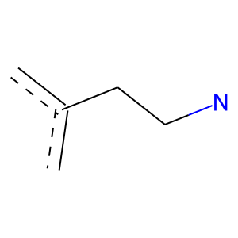 |  | 0 | 1 | 2.7953392944E-24 | 72 | 62 | 10
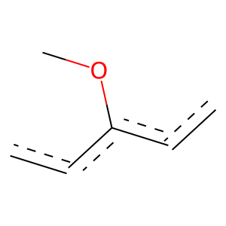 |  | 0 | 1 | 1.1001275191E-84 | 307 | 246 | 61
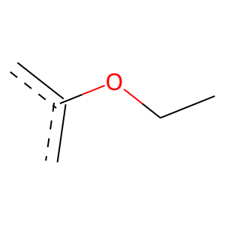 |  | 0 | 1 | 7.9742601325E-98 | 271 | 237 | 34
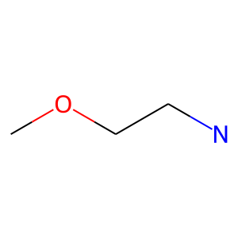 |  | 0 | 1 | 1.5837677893E-109 | 207 | 203 | 4
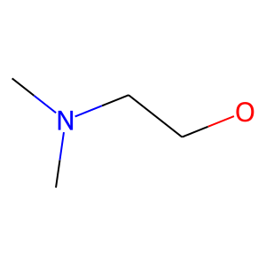 |  | 0 | 1 | 5.2098886772E-103 | 206 | 199 | 7
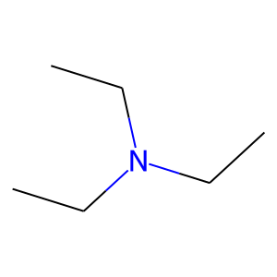 |  | 0 | 1 | 6.6677378907E-59 | 281 | 206 | 75
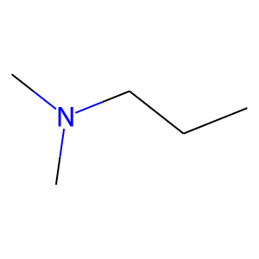 |  | 0 | 1 | 3.0896916091E-86 | 211 | 192 | 19
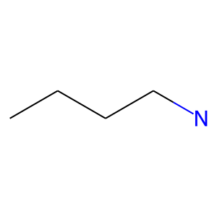 |  | 0 | 1 | 3.8146540533E-63 | 264 | 202 | 62
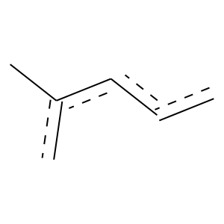 | 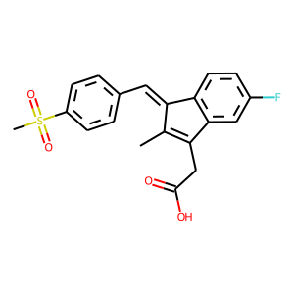 | 1 | 1 | 2.1486850113E-103 | 269 | 240 | 29
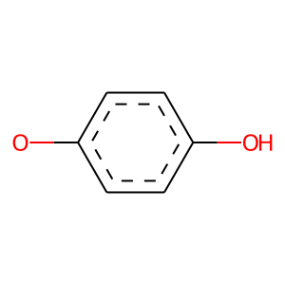 | 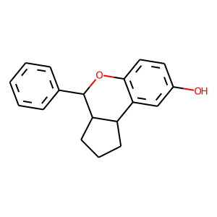 | 4 | 1 | 2.2593693449E-41 | 81 | 79 | 2
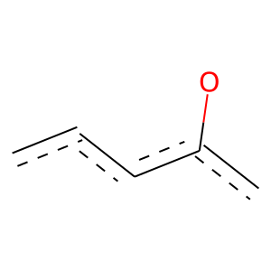 |  | 4 | 1 | 9.3884697733E-35 | 120 | 98 | 22
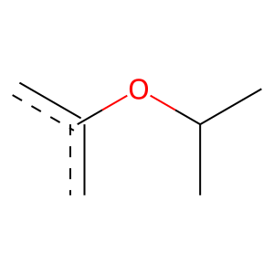 |  | 4 | 1 | 3.5257601405E-63 | 119 | 117 | 2
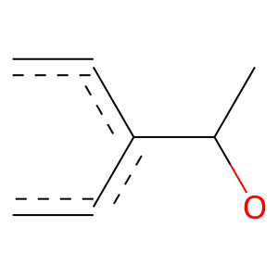 |  | 4 | 1 | 1.6398152056E-69 | 130 | 128 | 2
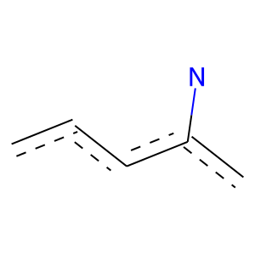 | 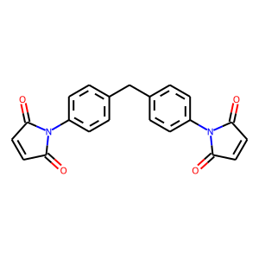 | 7 | 1 | 3.7294992381E-45 | 119 | 106 | 13
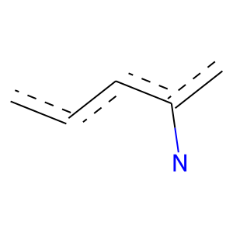 | 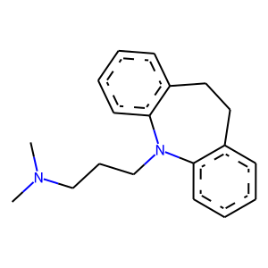 | 8 | 0 | 0.020286149886 | 54 | 3 | 51
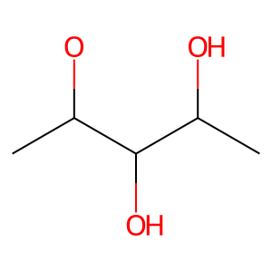 | 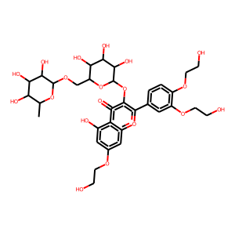 | 11 | 0 | 0.00055170732761 | 52 | 1 | 51
 |  | 11 | 1 | 3.5161700467E-142 | 349 | 317 | 32
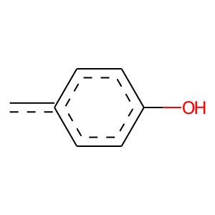 | 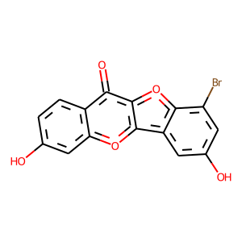 | 13 | 1 | 0 | 117 | 117 | 0
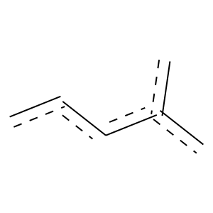 |  | 13 | 1 | 3.283866719E-79 | 198 | 179 | 19
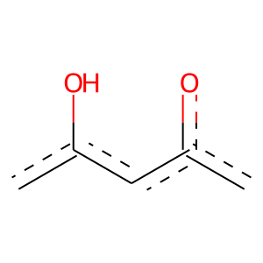 |  | 13 | 1 | 3.5754162988E-30 | 58 | 57 | 1
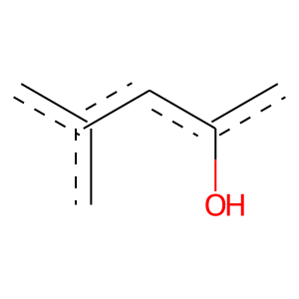 |  | 13 | 1 | 0 | 59 | 59 | 0
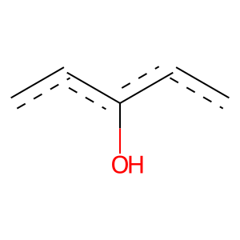 |  | 13 | 1 | 2.9840710618E-69 | 158 | 147 | 11
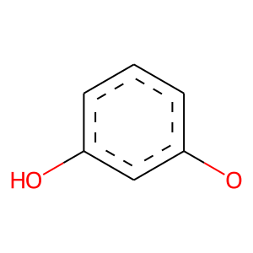 | 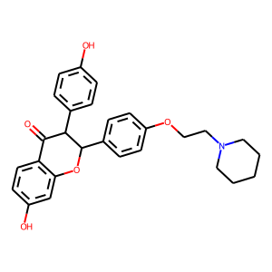 | 15 | 1 | 4.200118916E-31 | 63 | 61 | 2
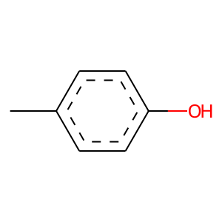 |  | 15 | 1 | 5.2843721236E-77 | 143 | 141 | 2
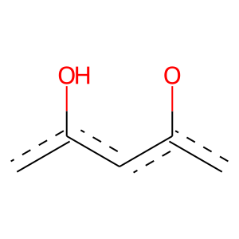 |  | 15 | 1 | 1.9356020124E-39 | 84 | 80 | 4
 |  | 15 | 1 | 7.0366473881E-129 | 274 | 260 | 14
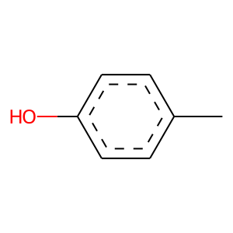 |  | 15 | 1 | 1.9932378019E-76 | 142 | 140 | 2
 |  | 15 | 1 | 2.3297643614E-197 | 532 | 469 | 63
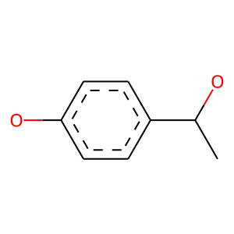 |  | 15 | 1 | 0 | 99 | 99 | 0
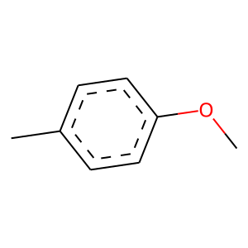 |  | 15 | 1 | 0 | 152 | 152 | 0
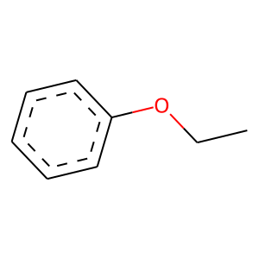 |  | 15 | 1 | 2.5914332117E-105 | 246 | 227 | 19
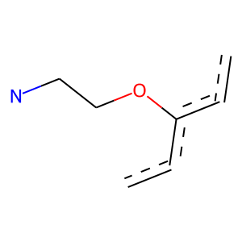 |  | 15 | 1 | 4.4679669784E-107 | 199 | 196 | 3
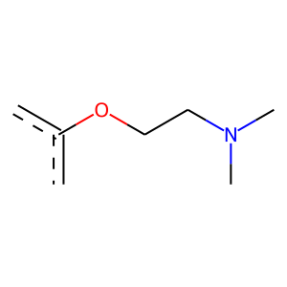 |  | 15 | 1 | 4.7212588404E-110 | 196 | 195 | 1
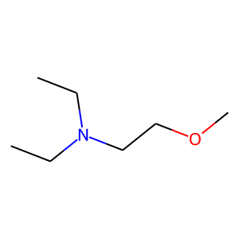 |  | 15 | 1 | 7.8859826811E-102 | 186 | 184 | 2
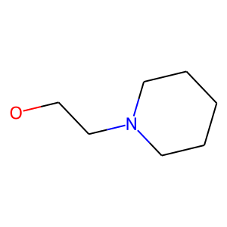 |  | 15 | 1 | 9.6866671884E-94 | 172 | 170 | 2
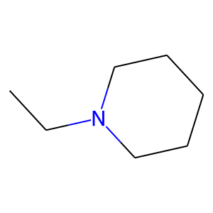 |  | 15 | 1 | 4.5427403215E-95 | 192 | 185 | 7
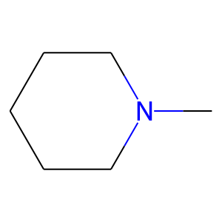 |  | 15 | 1 | 1.7485844759E-63 | 153 | 140 | 13
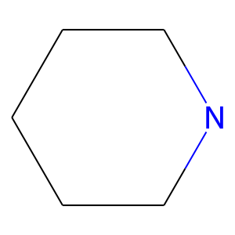 |  | 15 | 1 | 4.7283255503E-54 | 158 | 136 | 22
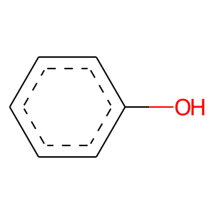 | 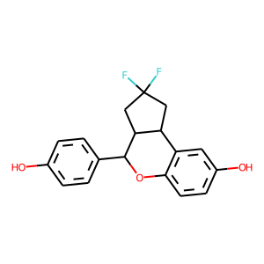 | 17 | 1 | 3.7324873865E-198 | 531 | 469 | 62
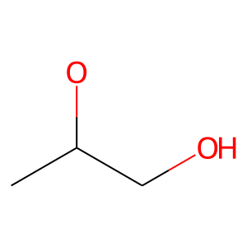 | 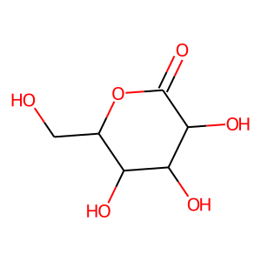 | 20 | 0 | 1.1404711682E-05 | 66 | 1 | 65
 |  | 26 | 0 | 0 | 62 | 0 | 62
 |  | 30 | 1 | 1.4546626099E-103 | 189 | 187 | 2
 |  | 31 | 0 | 0.021769575835 | 67 | 5 | 62
 |  | 32 | 0 | 5.6012518195E-07 | 119 | 6 | 113
 |  | 40 | 0 | 0.0071102787257 | 72 | 5 | 67
 |  | 40 | 0 | 8.3971394601E-05 | 91 | 5 | 86
 |  | 44 | 0 | 2.8194756914E-06 | 71 | 1 | 70
 |  | 48 | 1 | 0 | 51 | 51 | 0
 |  | 48 | 1 | 0 | 123 | 123 | 0
 |  | 48 | 1 | 9.9031291585E-108 | 192 | 191 | 1
 |  | 48 | 1 | 1.3189683636E-99 | 178 | 177 | 1
 |  | 48 | 1 | 8.3521319213E-94 | 168 | 167 | 1
 |  | 48 | 1 | 1.9787363477E-91 | 168 | 166 | 2
 |  | 50 | 0 | 0.018299514228 | 239 | 37 | 202
 |  | 50 | 0 | 0.024375776936 | 60 | 4 | 56
 |  | 50 | 0 | 3.8473341314E-06 | 96 | 4 | 92
 |  | 51 | 1 | 4.3971412424E-35 | 140 | 109 | 31
 |  | 51 | 1 | 7.6146829352E-16 | 64 | 50 | 14
 |  | 51 | 1 | 6.221636417E-15 | 60 | 47 | 13
 |  | 51 | 1 | 2.5157074184E-18 | 67 | 54 | 13
 |  | 52 | 1 | 6.6565100915E-30 | 64 | 61 | 3
 |  | 52 | 1 | 2.3157839293E-26 | 76 | 66 | 10
 |  | 53 | 1 | 2.2191230425E-33 | 67 | 65 | 2
 |  | 53 | 1 | 2.354870918E-35 | 67 | 66 | 1
 |  | 55 | 1 | 6.0152135715E-14 | 70 | 51 | 19
 |  | 55 | 1 | 3.7679681967E-18 | 97 | 69 | 28
 |  | 66 | 1 | 1.3262770996E-31 | 70 | 66 | 4
 |  | 69 | 0 | 0.0008720145503 | 59 | 2 | 57
 |  | 75 | 1 | 1.16541654E-37 | 71 | 70 | 1
 |  | 75 | 1 | 1.6573210899E-36 | 69 | 68 | 1
 |  | 84 | 0 | 0 | 57 | 0 | 57
 |  | 89 | 0 | 0.035924561684 | 301 | 51 | 250
 |  | 89 | 0 | 0.0037830664148 | 112 | 11 | 101
 |  | 90 | 1 | 3.0599151896E-16 | 54 | 45 | 9
 |  | 91 | 1 | 0 | 88 | 88 | 0
 |  | 91 | 1 | 0 | 51 | 51 | 0
 |  | 91 | 1 | 0 | 66 | 66 | 0
 |  | 102 | 0 | 0.00055170732761 | 52 | 1 | 51
 |  | 105 | 1 | 0 | 134 | 134 | 0
 |  | 118 | 1 | 4.3281992829E-35 | 70 | 68 | 2
 |  | 118 | 1 | 4.6778824846E-22 | 58 | 52 | 6
 |  | 129 | 0 | 0 | 106 | 0 | 106
 |  | 129 | 0 | 0 | 53 | 0 | 53
 |  | 130 | 1 | 4.674110799E-13 | 68 | 49 | 19
 |  | 134 | 0 | 0.011156781111 | 70 | 5 | 65
 |  | 147 | 1 | 6.2478968022E-36 | 68 | 67 | 1
 |  | 147 | 1 | 6.7959252293E-35 | 87 | 79 | 8
 |  | 147 | 1 | 7.6729262319E-21 | 63 | 54 | 9
 |  | 153 | 0 | 0.0024641614937 | 96 | 8 | 88
 |  | 173 | 0 | 6.2294580926E-05 | 69 | 2 | 67
 |  | 175 | 1 | 0 | 83 | 83 | 0
 |  | 175 | 1 | 0 | 59 | 59 | 0
 |  | 175 | 1 | 0 | 70 | 70 | 0
 |  | 175 | 1 | 0 | 70 | 70 | 0
 |  | 175 | 1 | 0 | 53 | 53 | 0
 |  | 175 | 1 | 1.2591410525E-33 | 64 | 63 | 1
 |  | 175 | 1 | 4.7413534103E-33 | 63 | 62 | 1
 |  | 175 | 1 | 4.7413534103E-33 | 63 | 62 | 1
 |  | 175 | 1 | 2.354870918E-35 | 67 | 66 | 1
 |  | 175 | 1 | 0 | 54 | 54 | 0
 |  | 175 | 1 | 0 | 68 | 68 | 0
 |  | 175 | 1 | 0 | 56 | 56 | 0
 |  | 175 | 1 | 9.5078706548E-31 | 59 | 58 | 1
 |  | 221 | 1 | 0 | 62 | 62 | 0
 |  | 227 | 1 | 0 | 60 | 60 | 0
 |  | 227 | 1 | 0 | 52 | 52 | 0
 |  | 227 | 1 | 0 | 61 | 61 | 0
 |  | 243 | 1 | 6.8353161324E-20 | 99 | 72 | 27
 |  | 334 | 0 | 0.041496557703 | 218 | 34 | 184
 |  | 334 | 0 | 0.035305296063 | 159 | 22 | 137
 |  | 338 | 1 | 0 | 55 | 55 | 0
 |  | 409 | 0 | 0 | 62 | 0 | 62
 |  | 425 | 1 | 0 | 54 | 54 | 0
 |  | 460 | 1 | 2.7567323951E-21 | 54 | 49 | 5
 |  | 489 | 1 | 2.6761554405E-27 | 53 | 52 | 1
 |  | 489 | 1 | 0 | 62 | 62 | 0
 |  | 489 | 1 | 0 | 62 | 62 | 0
 |  | 489 | 1 | 0 | 65 | 65 | 0
 |  | 654 | 0 | 2.6306262286E-05 | 63 | 1 | 62

