Sheet1
Substructure | Substructure in Molecule | Compound ID | Activity label | p_value | Compounds with substr. | Comp. with substr. active | Comp. with substr. inactive
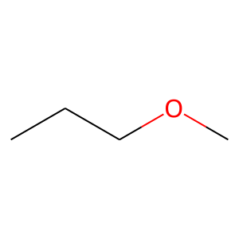 | 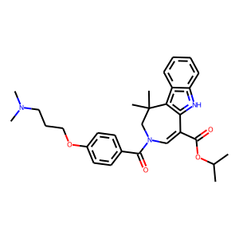 | 0 | 1 | 8.8619706797E-15 | 55 | 43 | 12
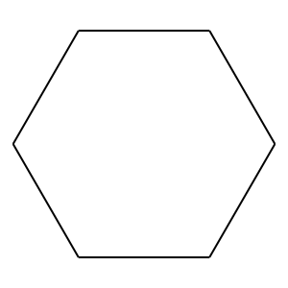 | 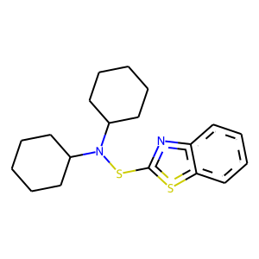 | 1 | 1 | 4.8289764875E-22 | 111 | 78 | 33
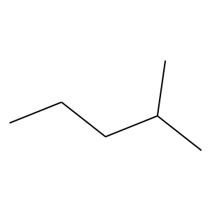 | 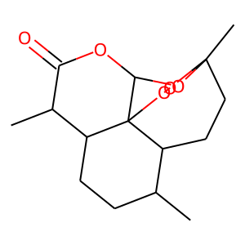 | 6 | 1 | 8.6645387048E-30 | 74 | 66 | 8
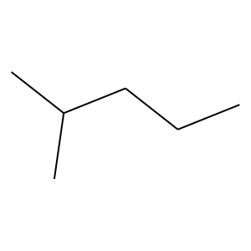 |  | 6 | 1 | 4.2733101289E-27 | 83 | 69 | 14
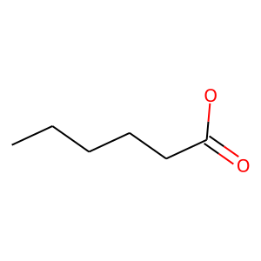 | 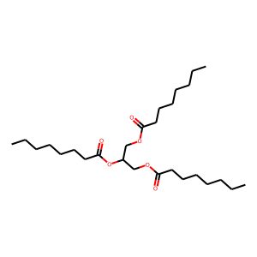 | 7 | 0 | 0.040919024066 | 53 | 3 | 50
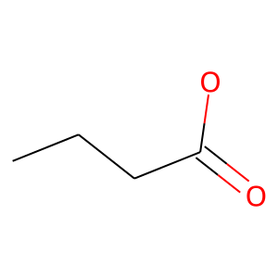 |  | 7 | 0 | 0.039573919992 | 80 | 7 | 73
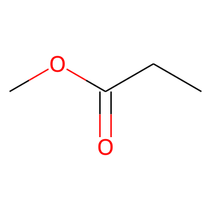 |  | 7 | 0 | 0.00094525700074 | 85 | 5 | 80
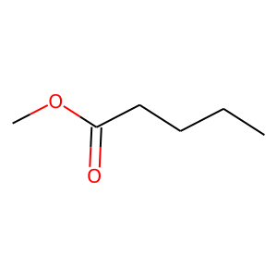 |  | 7 | 0 | 0.0012968585836 | 51 | 1 | 50
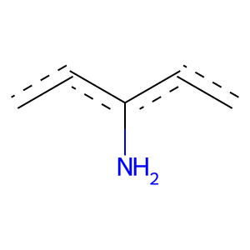 | 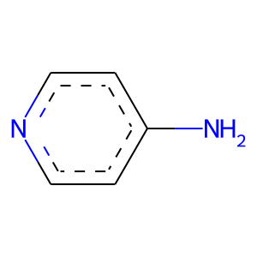 | 8 | 0 | 0.0077873137863 | 75 | 5 | 70
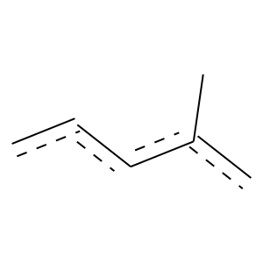 | 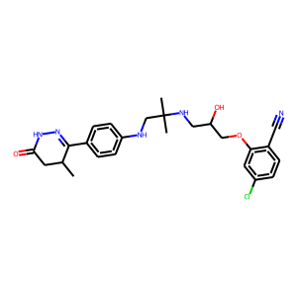 | 19 | 1 | 1.2179065863E-62 | 181 | 153 | 28
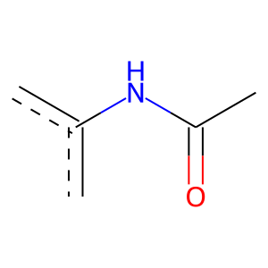 | 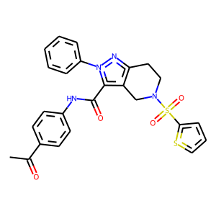 | 22 | 1 | 8.2136531226E-46 | 110 | 99 | 11
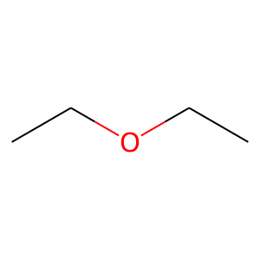 | 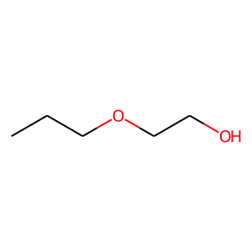 | 23 | 0 | 3.6124150957E-06 | 74 | 1 | 73
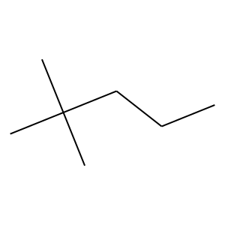 | 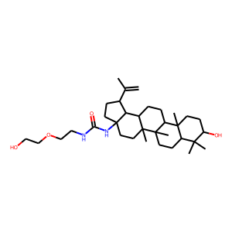 | 24 | 1 | 2.3012565726E-20 | 68 | 55 | 13
 |  | 24 | 1 | 1.0956507112E-22 | 83 | 65 | 18
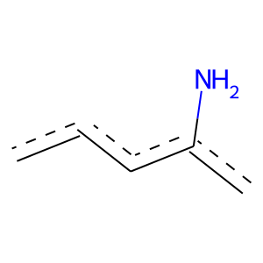 | 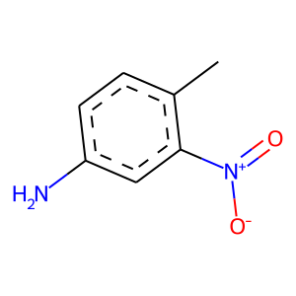 | 28 | 0 | 0.0004263257434 | 96 | 6 | 90
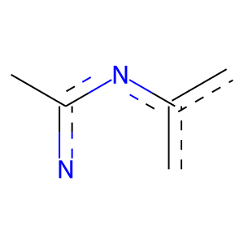 | 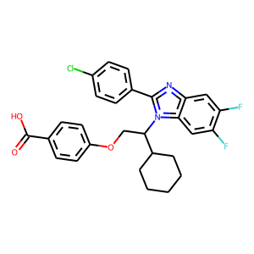 | 42 | 1 | 2.8113607591E-31 | 57 | 56 | 1
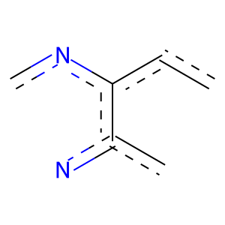 |  | 42 | 1 | 2.2601428596E-26 | 52 | 50 | 2
 |  | 42 | 1 | 1.0228844924E-31 | 61 | 59 | 2
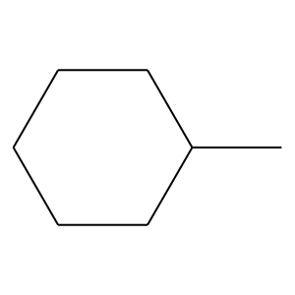 |  | 42 | 1 | 1.0228844924E-31 | 61 | 59 | 2
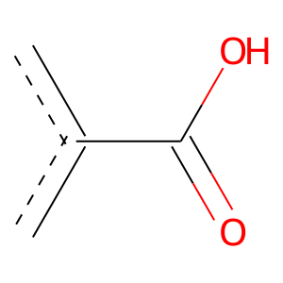 |  | 42 | 1 | 3.9790636653E-47 | 189 | 143 | 46
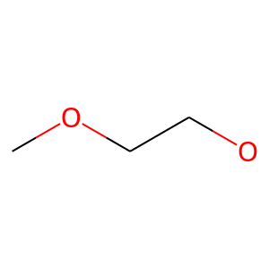 | 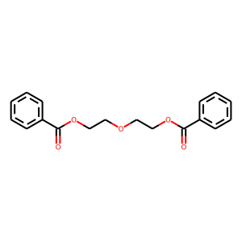 | 69 | 0 | 0.00010220068215 | 61 | 1 | 60
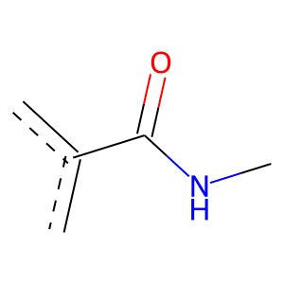 | 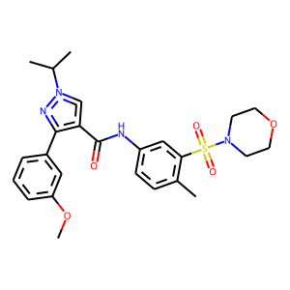 | 70 | 1 | 4.4275794651E-34 | 89 | 78 | 11
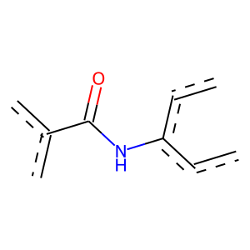 |  | 70 | 1 | 1.3146751601E-30 | 65 | 61 | 4
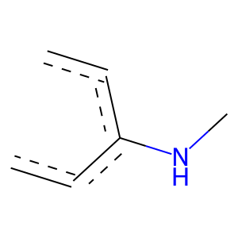 |  | 70 | 1 | 5.8765380743E-32 | 126 | 96 | 30
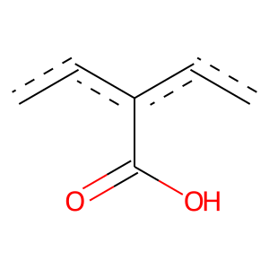 | 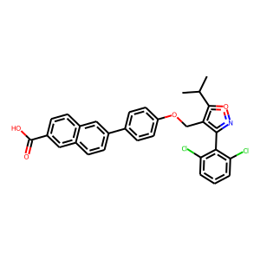 | 79 | 1 | 5.8100230259E-43 | 117 | 101 | 16
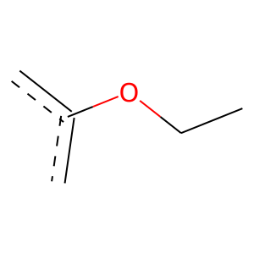 |  | 79 | 1 | 1.5035375446E-70 | 122 | 121 | 1
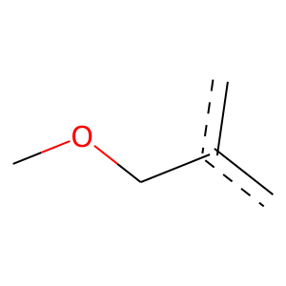 |  | 79 | 1 | 0 | 134 | 134 | 0
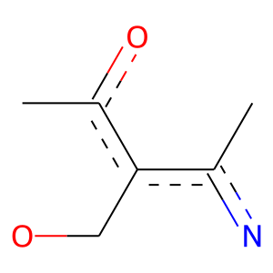 |  | 79 | 1 | 0 | 66 | 66 | 0
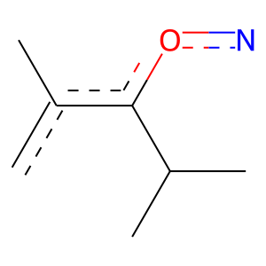 |  | 79 | 1 | 0 | 91 | 91 | 0
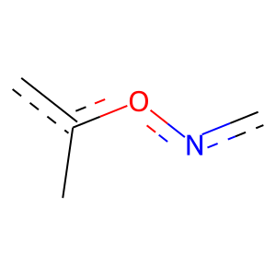 |  | 79 | 1 | 0 | 98 | 98 | 0
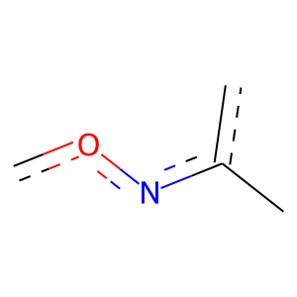 |  | 79 | 1 | 1.1185062104E-62 | 109 | 108 | 1
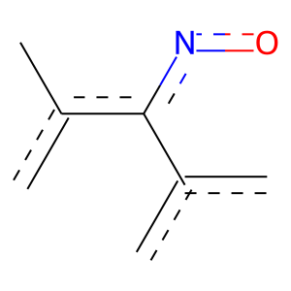 |  | 79 | 1 | 0 | 100 | 100 | 0
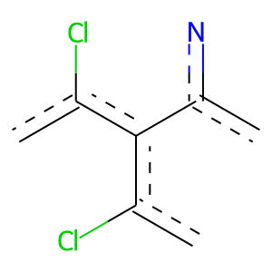 |  | 79 | 1 | 0 | 102 | 102 | 0
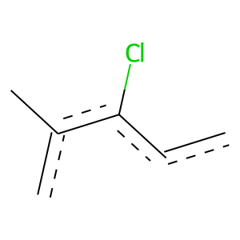 |  | 79 | 1 | 0 | 97 | 97 | 0
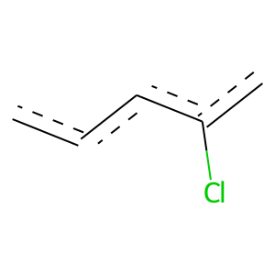 |  | 79 | 1 | 8.6000051828E-43 | 184 | 136 | 48
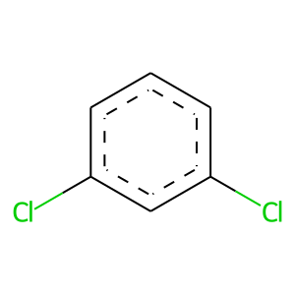 |  | 79 | 1 | 5.7185512051E-57 | 127 | 117 | 10
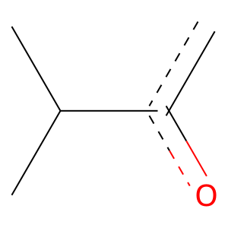 |  | 79 | 1 | 0 | 94 | 94 | 0
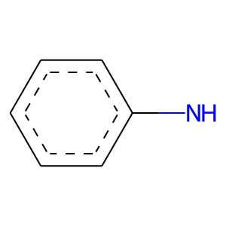 |  | 93 | 1 | 6.5038255983E-12 | 57 | 41 | 16
 |  | 93 | 1 | 2.2809420051E-13 | 62 | 45 | 17
 |  | 104 | 1 | 1.1107787355E-41 | 95 | 87 | 8
 |  | 104 | 1 | 1.6916586742E-47 | 118 | 105 | 13
 |  | 104 | 1 | 2.5527980365E-42 | 85 | 81 | 4
 |  | 104 | 1 | 0 | 79 | 79 | 0
 |  | 104 | 1 | 0 | 95 | 95 | 0
 |  | 104 | 1 | 0 | 97 | 97 | 0
 |  | 104 | 1 | 0 | 97 | 97 | 0
 |  | 104 | 1 | 0 | 97 | 97 | 0
 |  | 105 | 0 | 0.0095745444327 | 74 | 5 | 69
 |  | 108 | 0 | 0.00028345114085 | 57 | 1 | 56
 |  | 115 | 1 | 1.8525081357E-13 | 66 | 47 | 19
 |  | 129 | 1 | 2.8113607591E-31 | 57 | 56 | 1
 |  | 129 | 1 | 7.1512411776E-29 | 53 | 52 | 1
 |  | 129 | 1 | 2.8113607591E-31 | 57 | 56 | 1
 |  | 129 | 1 | 1.1232998687E-30 | 56 | 55 | 1
 |  | 147 | 0 | 0.00052274372083 | 109 | 8 | 101
 |  | 162 | 1 | 5.9660429647E-19 | 61 | 50 | 11
 |  | 162 | 1 | 3.7602457127E-28 | 55 | 53 | 2
 |  | 167 | 1 | 2.8285447505E-13 | 54 | 41 | 13
 |  | 172 | 1 | 5.3306109396E-10 | 51 | 36 | 15
 |  | 177 | 1 | 0 | 59 | 59 | 0
 |  | 177 | 1 | 0 | 60 | 60 | 0
 |  | 177 | 1 | 0 | 60 | 60 | 0
 |  | 177 | 1 | 0 | 62 | 62 | 0
 |  | 177 | 1 | 0 | 62 | 62 | 0
 |  | 177 | 1 | 0 | 57 | 57 | 0
 |  | 216 | 0 | 0.0035073320497 | 56 | 2 | 54
 |  | 325 | 1 | 0 | 51 | 51 | 0
 |  | 325 | 1 | 0 | 59 | 59 | 0
 |  | 325 | 1 | 0 | 59 | 59 | 0
 |  | 325 | 1 | 0 | 56 | 56 | 0
 |  | 402 | 1 | 2.8534801589E-28 | 52 | 51 | 1
 |  | 402 | 1 | 0 | 79 | 79 | 0
 |  | 402 | 1 | 7.8878641532E-26 | 54 | 51 | 3
 |  | 402 | 1 | 1.1381713456E-27 | 51 | 50 | 1

