Sheet1
Substructure | Substructure in Molecule | Compound ID | Activity label | p_value | Compounds with substr. | Comp. with substr. active | Comp. with substr. inactive
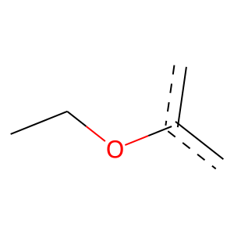 | 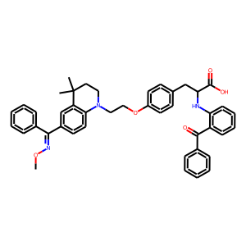 | 0 | 1 | 1.2917648946E-15 | 450 | 441 | 9
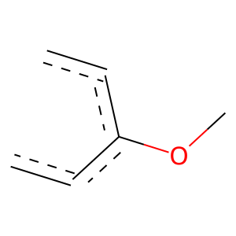 |  | 0 | 1 | 8.4277728569E-11 | 312 | 306 | 6
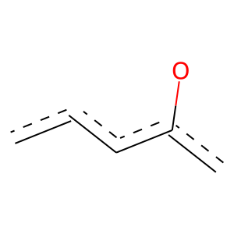 |  | 0 | 1 | 6.4254933734E-07 | 692 | 647 | 45
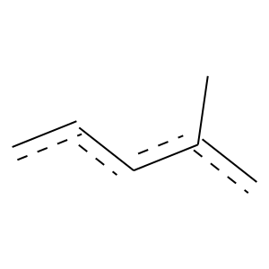 |  | 0 | 1 | 0.030045454201 | 469 | 431 | 38
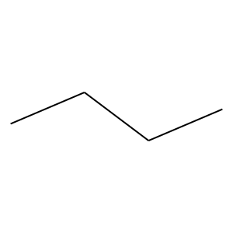 | 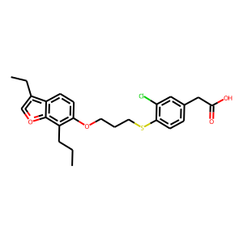 | 1 | 1 | 8.2461403889E-05 | 119 | 118 | 1
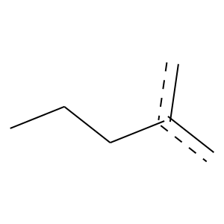 |  | 1 | 1 | 0 | 66 | 66 | 0
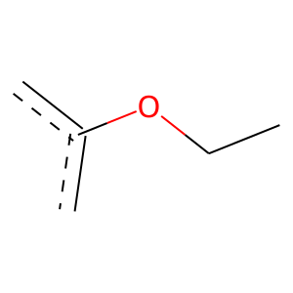 |  | 1 | 1 | 9.618251824E-06 | 201 | 196 | 5
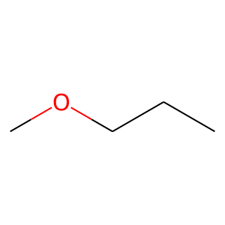 |  | 1 | 1 | 7.6433495091E-07 | 237 | 231 | 6
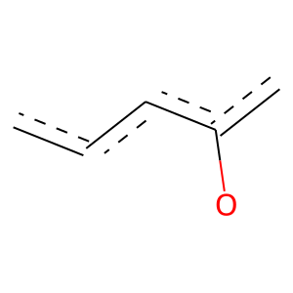 |  | 1 | 1 | 1.4056801399E-10 | 354 | 345 | 9
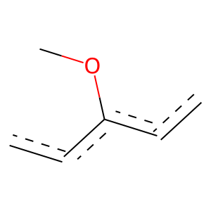 | 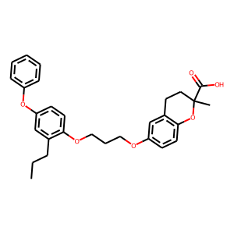 | 2 | 1 | 0 | 64 | 64 | 0
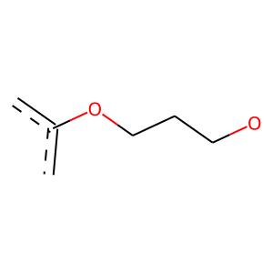 |  | 2 | 1 | 0.00038681521677 | 125 | 123 | 2
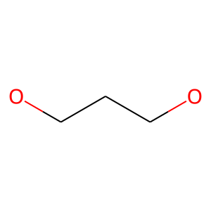 |  | 2 | 1 | 9.5524639963E-05 | 152 | 149 | 3
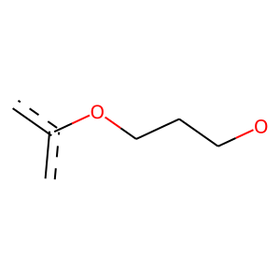 |  | 2 | 1 | 0.00017741096918 | 147 | 144 | 3
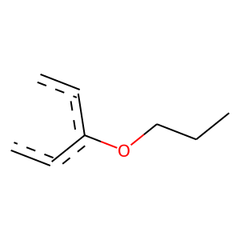 |  | 2 | 1 | 0.0016021963633 | 129 | 126 | 3
 |  | 2 | 1 | 4.8066878928E-07 | 323 | 311 | 12
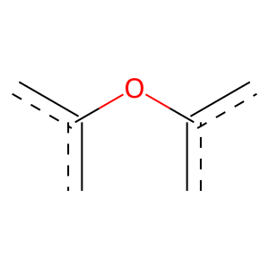 |  | 2 | 1 | 0.041589900039 | 72 | 71 | 1
 |  | 2 | 1 | 0.00024564483638 | 238 | 228 | 10
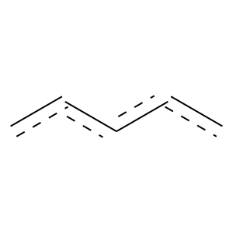 | 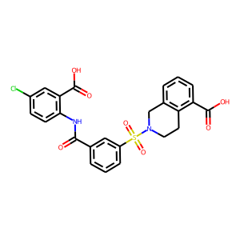 | 3 | 1 | 0.0058415919297 | 346 | 323 | 23
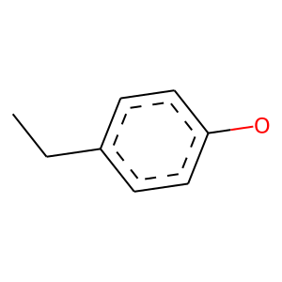 | 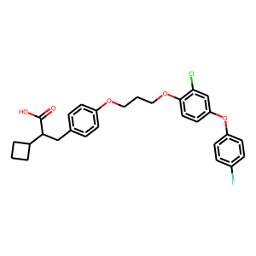 | 4 | 1 | 0.00017930519096 | 131 | 129 | 2
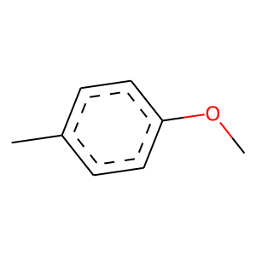 |  | 4 | 1 | 2.7909073136E-08 | 216 | 213 | 3
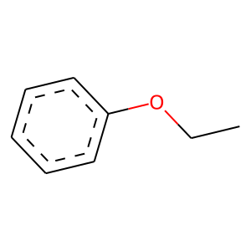 |  | 4 | 1 | 4.1158174644E-08 | 213 | 210 | 3
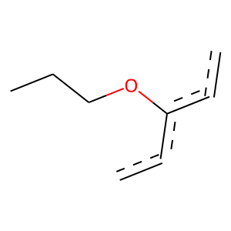 |  | 4 | 1 | 0 | 87 | 87 | 0
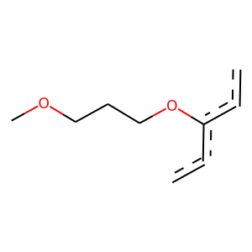 |  | 4 | 1 | 0 | 59 | 59 | 0
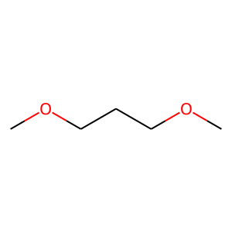 |  | 4 | 1 | 0.00010814215704 | 151 | 148 | 3
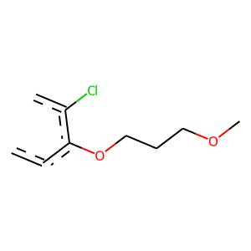 |  | 4 | 1 | 0 | 58 | 58 | 0
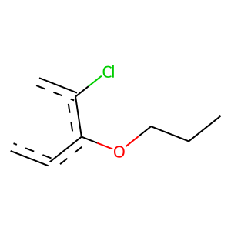 |  | 4 | 1 | 0 | 60 | 60 | 0
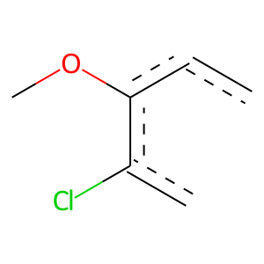 |  | 4 | 1 | 0 | 65 | 65 | 0
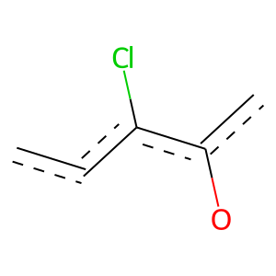 |  | 4 | 1 | 0 | 71 | 71 | 0
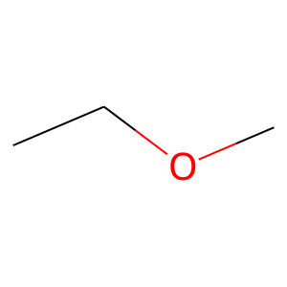 | 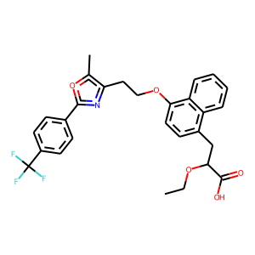 | 5 | 1 | 0.0070595960012 | 102 | 100 | 2
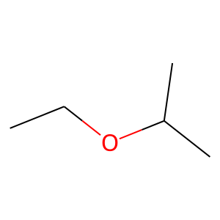 |  | 5 | 1 | 0.0079950751332 | 101 | 99 | 2
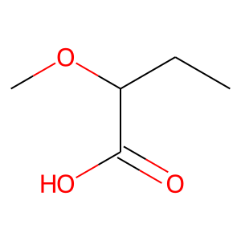 |  | 5 | 1 | 0.0029407042307 | 109 | 107 | 2
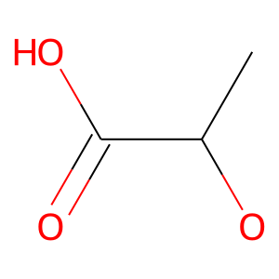 |  | 5 | 1 | 3.0577806215E-09 | 233 | 230 | 3
 |  | 5 | 1 | 0 | 229 | 229 | 0
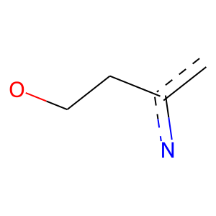 |  | 5 | 1 | 0 | 217 | 217 | 0
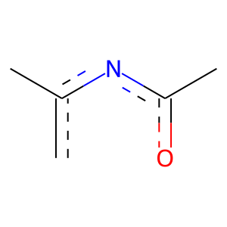 |  | 5 | 1 | 0.0074060196697 | 312 | 292 | 20
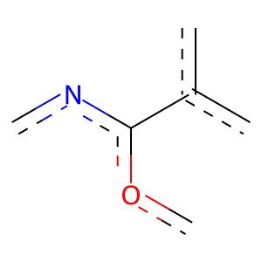 |  | 5 | 1 | 0.0053611082775 | 295 | 277 | 18
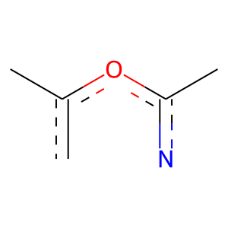 |  | 5 | 1 | 0.0035392842154 | 300 | 282 | 18
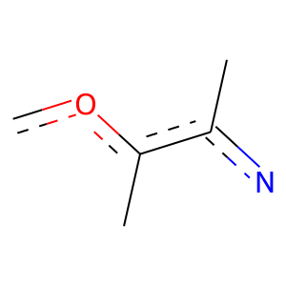 |  | 5 | 1 | 0.0021367249642 | 306 | 288 | 18
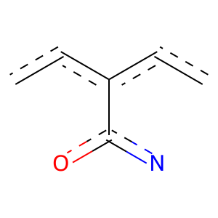 |  | 5 | 1 | 0.0014119504718 | 289 | 273 | 16
 | 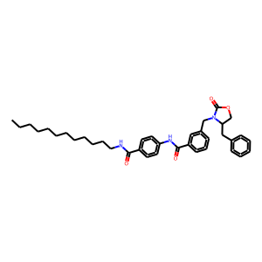 | 7 | 1 | 8.4571892337E-05 | 223 | 215 | 8
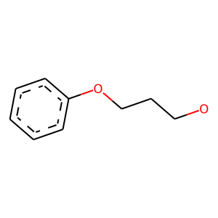 | 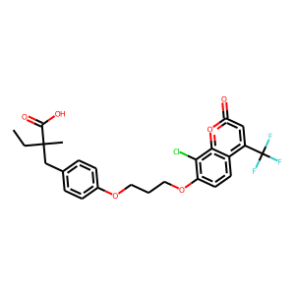 | 10 | 1 | 0 | 59 | 59 | 0
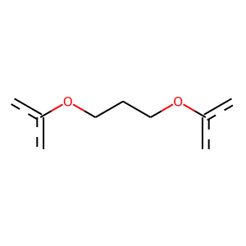 |  | 10 | 1 | 0.0007317583404 | 120 | 118 | 2
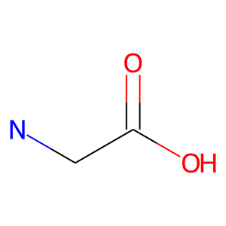 | 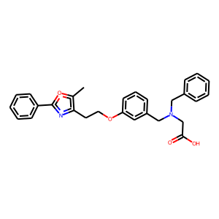 | 11 | 1 | 0 | 77 | 77 | 0
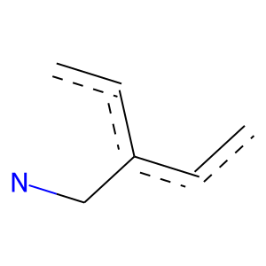 |  | 11 | 1 | 0 | 67 | 67 | 0
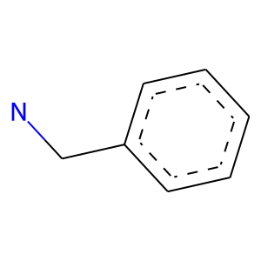 |  | 11 | 1 | 0 | 65 | 65 | 0
 |  | 11 | 1 | 1.4234915923E-05 | 132 | 131 | 1
 |  | 11 | 1 | 0.00026349189155 | 128 | 126 | 2
 |  | 11 | 1 | 9.4770031162E-06 | 135 | 134 | 1
 |  | 11 | 1 | 0 | 69 | 69 | 0
 |  | 11 | 1 | 0 | 169 | 169 | 0
 |  | 11 | 1 | 0 | 207 | 207 | 0
 |  | 11 | 1 | 0 | 203 | 203 | 0
 |  | 11 | 1 | 0.002596200854 | 260 | 246 | 14
 |  | 11 | 1 | 0.0016838488293 | 287 | 271 | 16
 |  | 11 | 1 | 0.00021384620647 | 287 | 273 | 14
 |  | 11 | 1 | 0.00067002718101 | 240 | 229 | 11
 |  | 12 | 1 | 0.010248887334 | 99 | 97 | 2
 |  | 12 | 1 | 0.02746505143 | 91 | 89 | 2
 |  | 12 | 1 | 9.7840003551E-07 | 171 | 169 | 2
 |  | 12 | 1 | 0.024298253544 | 92 | 90 | 2
 |  | 12 | 1 | 0.014854473193 | 96 | 94 | 2
 |  | 14 | 1 | 0.047761328541 | 161 | 153 | 8
 |  | 14 | 1 | 0.045032344247 | 184 | 174 | 10
 |  | 18 | 1 | 0.043915766678 | 101 | 98 | 3
 |  | 18 | 1 | 0 | 57 | 57 | 0
 |  | 18 | 1 | 0 | 64 | 64 | 0
 |  | 21 | 1 | 0 | 94 | 94 | 0
 |  | 21 | 1 | 0 | 102 | 102 | 0
 |  | 21 | 1 | 0 | 81 | 81 | 0
 |  | 21 | 1 | 0 | 155 | 155 | 0
 |  | 21 | 1 | 0 | 198 | 198 | 0
 |  | 21 | 1 | 0 | 179 | 179 | 0
 |  | 21 | 1 | 0 | 198 | 198 | 0
 |  | 22 | 1 | 0 | 91 | 91 | 0
 |  | 28 | 1 | 0.036545199201 | 73 | 72 | 1
 |  | 28 | 1 | 0 | 60 | 60 | 0
 |  | 28 | 1 | 0 | 151 | 151 | 0
 |  | 34 | 1 | 0 | 53 | 53 | 0
 |  | 34 | 1 | 0.016758962306 | 79 | 78 | 1
 |  | 38 | 1 | 0 | 69 | 69 | 0
 |  | 41 | 1 | 0 | 54 | 54 | 0
 |  | 41 | 1 | 0 | 54 | 54 | 0
 |  | 46 | 1 | 0.036545199201 | 73 | 72 | 1
 |  | 63 | 1 | 0 | 54 | 54 | 0
 |  | 64 | 1 | 0 | 81 | 81 | 0

