Sheet1
Substructure | Substructure in Molecule | Compound ID | Activity label | p_value | Compounds with substr. | Comp. with substr. active | Comp. with substr. inactive
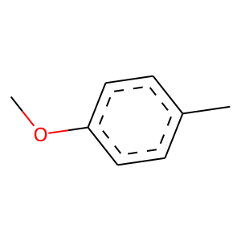 | 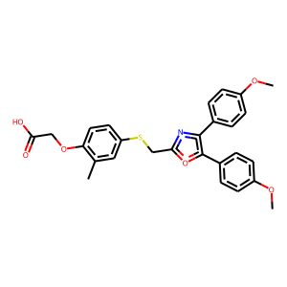 | 1 | 1 | 7.068911984E-31 | 55 | 53 | 2
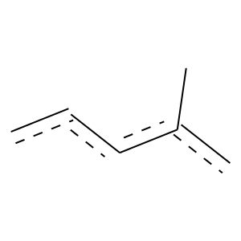 |  | 1 | 1 | 4.9539105284E-147 | 321 | 287 | 34
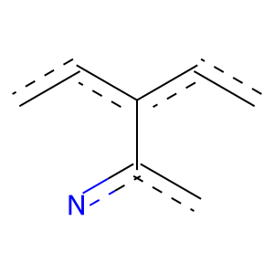 |  | 1 | 1 | 1.0980999512E-59 | 111 | 105 | 6
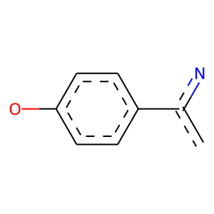 |  | 1 | 1 | 7.6423806716E-35 | 58 | 57 | 1
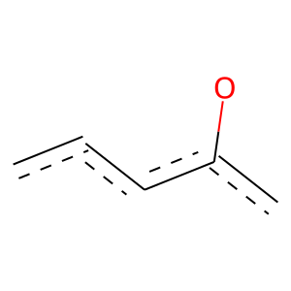 |  | 1 | 1 | 0 | 696 | 502 | 194
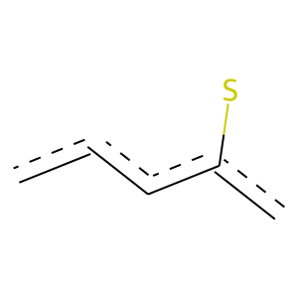 |  | 1 | 1 | 3.3110120316E-15 | 56 | 42 | 14
 |  | 1 | 1 | 3.6627401558E-192 | 513 | 427 | 86
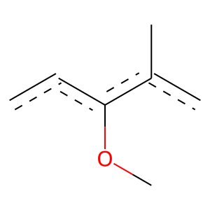 |  | 1 | 1 | 9.9317859105E-82 | 136 | 133 | 3
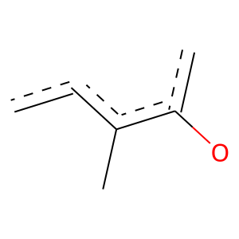 |  | 1 | 1 | 5.4734909177E-109 | 174 | 172 | 2
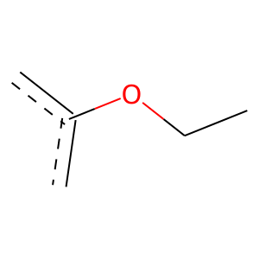 |  | 1 | 1 | 5.8276571851E-91 | 194 | 175 | 19
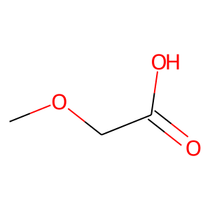 |  | 1 | 1 | 4.7056114479E-107 | 196 | 186 | 10
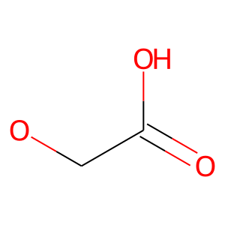 |  | 1 | 1 | 6.622654426E-103 | 203 | 188 | 15
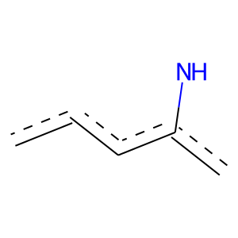 | 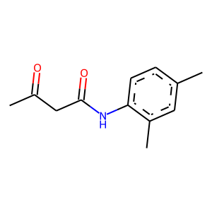 | 3 | 1 | 7.0077554057E-15 | 61 | 44 | 17
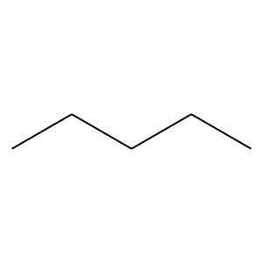 | 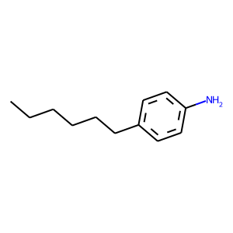 | 5 | 0 | 0.013729473305 | 368 | 49 | 319
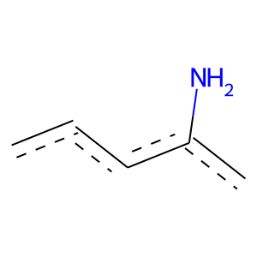 |  | 5 | 0 | 0.0010658502386 | 91 | 4 | 87
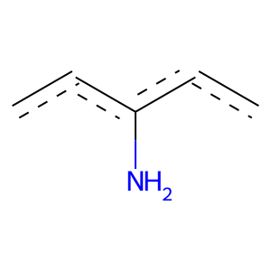 |  | 5 | 0 | 0.0077057384932 | 72 | 3 | 69
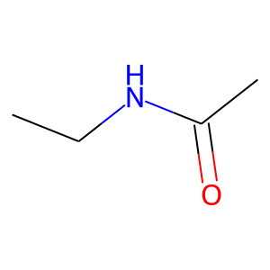 | 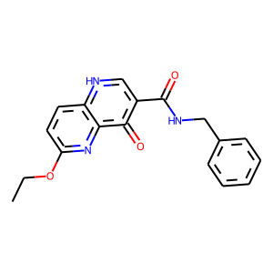 | 7 | 1 | 3.1489902641E-30 | 54 | 52 | 2
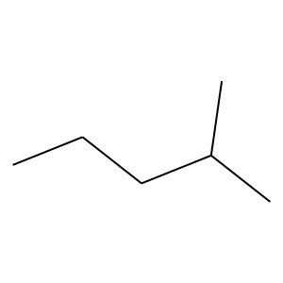 | 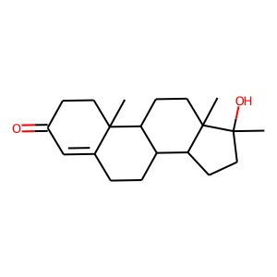 | 10 | 1 | 4.5180104298E-17 | 67 | 49 | 18
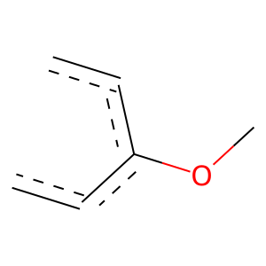 | 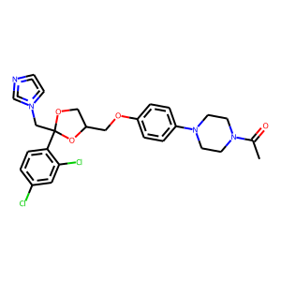 | 26 | 1 | 2.2490632178E-56 | 229 | 164 | 65
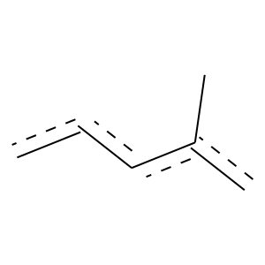 | 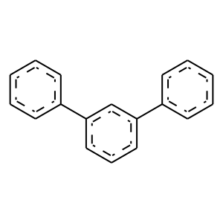 | 30 | 1 | 2.5608861053E-37 | 150 | 108 | 42
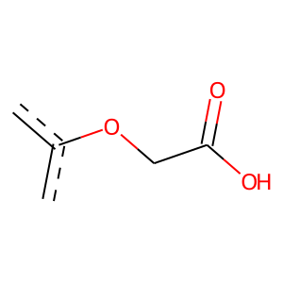 | 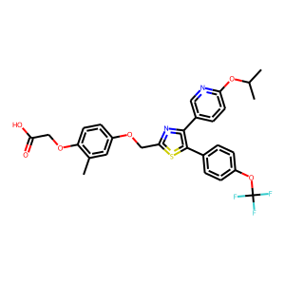 | 43 | 1 | 1.1914310717E-105 | 179 | 174 | 5
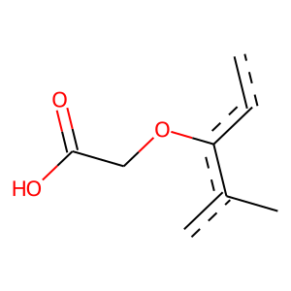 |  | 43 | 1 | 5.1406959391E-78 | 127 | 125 | 2
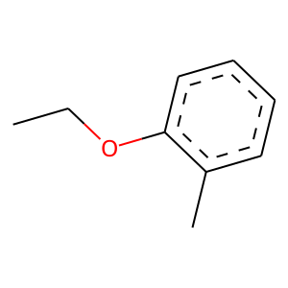 |  | 43 | 1 | 1.0285669753E-79 | 126 | 125 | 1
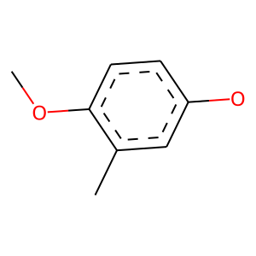 |  | 43 | 1 | 0 | 92 | 92 | 0
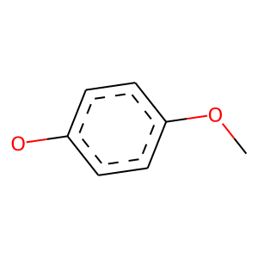 |  | 43 | 1 | 3.0512215803E-62 | 103 | 101 | 2
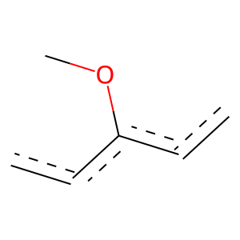 |  | 43 | 1 | 7.4003116653E-139 | 265 | 248 | 17
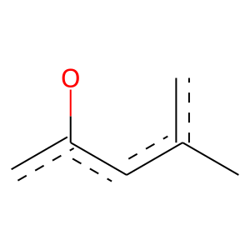 |  | 43 | 1 | 1.0612481773E-88 | 156 | 150 | 6
 |  | 43 | 1 | 3.7895823804E-112 | 175 | 174 | 1
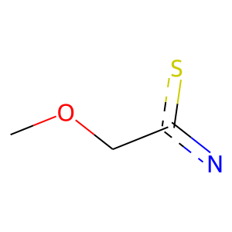 |  | 43 | 1 | 0 | 80 | 80 | 0
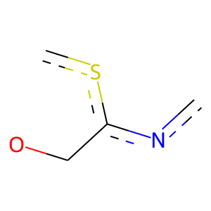 |  | 43 | 1 | 0 | 71 | 71 | 0
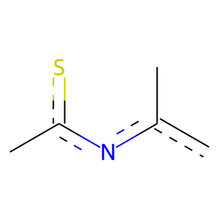 |  | 43 | 1 | 0 | 71 | 71 | 0
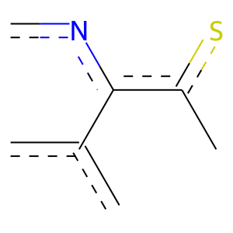 |  | 43 | 1 | 4.9303446108E-46 | 75 | 74 | 1
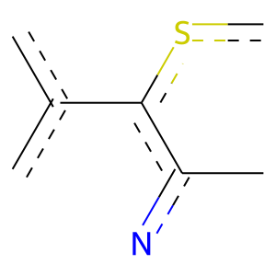 |  | 43 | 1 | 2.2483833429E-45 | 74 | 73 | 1
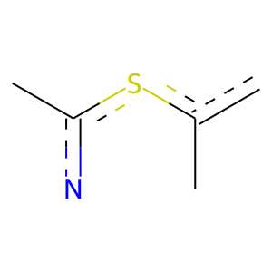 |  | 43 | 1 | 0 | 71 | 71 | 0
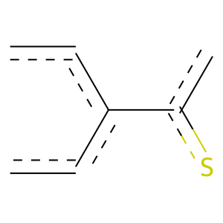 |  | 43 | 1 | 1.3469261592E-42 | 73 | 71 | 2
 |  | 43 | 1 | 3.8053099229E-49 | 89 | 85 | 4
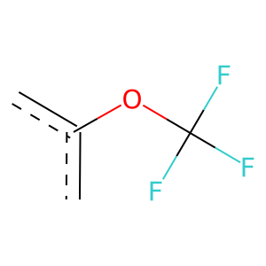 |  | 43 | 1 | 6.3900281207E-33 | 61 | 58 | 3
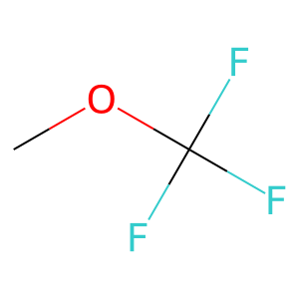 |  | 43 | 1 | 2.2052021469E-34 | 66 | 62 | 4
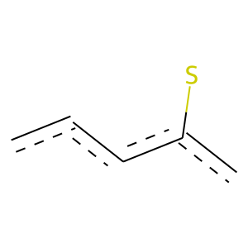 | 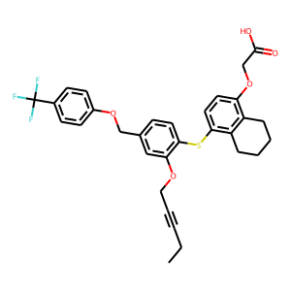 | 48 | 1 | 3.1489902641E-30 | 54 | 52 | 2
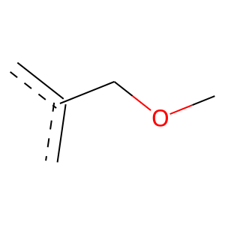 |  | 48 | 1 | 3.2470198303E-32 | 54 | 53 | 1
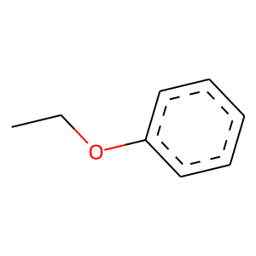 |  | 48 | 1 | 0 | 60 | 60 | 0
 |  | 48 | 1 | 1.7589231799E-63 | 250 | 181 | 69
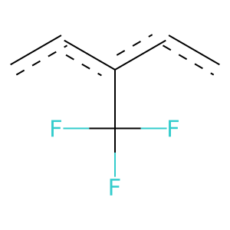 |  | 48 | 1 | 4.3630370368E-75 | 129 | 125 | 4
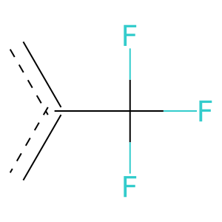 |  | 48 | 1 | 5.0334071542E-82 | 220 | 183 | 37
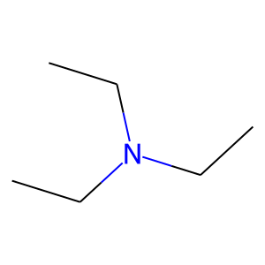 |  | 54 | 0 | 0.015018687016 | 77 | 4 | 73
 |  | 60 | 0 | 0.02999405942 | 277 | 35 | 242
 |  | 60 | 0 | 0.0031204580814 | 215 | 22 | 193
 |  | 60 | 0 | 3.2788719027E-05 | 241 | 21 | 220
 |  | 60 | 0 | 0.00042110651739 | 137 | 9 | 128
 |  | 60 | 0 | 0 | 72 | 0 | 72
 |  | 70 | 0 | 3.5181491764E-05 | 190 | 14 | 176
 |  | 70 | 0 | 3.6557906383E-05 | 143 | 8 | 135
 |  | 70 | 0 | 0.00021935151312 | 108 | 5 | 103
 |  | 71 | 0 | 0 | 74 | 0 | 74
 |  | 71 | 0 | 0 | 54 | 0 | 54
 |  | 71 | 0 | 0 | 61 | 0 | 61
 |  | 89 | 1 | 2.2596080959E-69 | 147 | 133 | 14
 |  | 89 | 1 | 6.4591105818E-96 | 197 | 180 | 17
 |  | 89 | 1 | 9.7524180641E-51 | 97 | 91 | 6
 |  | 89 | 1 | 8.6807774993E-50 | 84 | 82 | 2
 |  | 89 | 1 | 8.3985806361E-89 | 225 | 191 | 34
 |  | 94 | 0 | 1.1092360855E-05 | 94 | 2 | 92
 |  | 94 | 0 | 0 | 64 | 0 | 64
 |  | 109 | 0 | 0.011373254866 | 70 | 3 | 67
 |  | 116 | 1 | 4.1553686408E-33 | 64 | 60 | 4
 |  | 116 | 1 | 3.3196828551E-27 | 62 | 55 | 7
 |  | 116 | 1 | 3.0864247917E-28 | 66 | 58 | 8
 |  | 146 | 1 | 2.1753958697E-50 | 88 | 85 | 3
 |  | 146 | 1 | 2.5190550591E-28 | 59 | 54 | 5
 |  | 152 | 1 | 2.8951365556E-39 | 91 | 80 | 11
 |  | 152 | 1 | 1.4729556744E-31 | 53 | 52 | 1
 |  | 152 | 1 | 0 | 54 | 54 | 0
 |  | 152 | 1 | 0 | 51 | 51 | 0
 |  | 152 | 1 | 4.4501607268E-40 | 90 | 80 | 10
 |  | 152 | 1 | 3.2206903635E-43 | 111 | 94 | 17
 |  | 156 | 1 | 8.6061163741E-23 | 57 | 49 | 8
 |  | 156 | 1 | 1.6891051691E-22 | 52 | 46 | 6
 |  | 156 | 1 | 1.0016219264E-23 | 54 | 48 | 6
 |  | 156 | 1 | 0 | 82 | 82 | 0
 |  | 156 | 1 | 1.2560550305E-52 | 85 | 84 | 1
 |  | 156 | 1 | 1.7226058163E-76 | 128 | 125 | 3
 |  | 157 | 1 | 1.081707371E-43 | 91 | 83 | 8
 |  | 157 | 1 | 4.555672695E-28 | 89 | 70 | 19
 |  | 157 | 1 | 3.3196828551E-27 | 62 | 55 | 7
 |  | 157 | 1 | 5.0026146168E-55 | 92 | 90 | 2
 |  | 157 | 1 | 0 | 64 | 64 | 0
 |  | 167 | 1 | 1.0285669753E-79 | 126 | 125 | 1
 |  | 167 | 1 | 0 | 91 | 91 | 0
 |  | 167 | 1 | 0 | 91 | 91 | 0
 |  | 167 | 1 | 0 | 79 | 79 | 0
 |  | 167 | 1 | 0 | 89 | 89 | 0
 |  | 167 | 1 | 0 | 98 | 98 | 0
 |  | 167 | 1 | 7.068911984E-31 | 55 | 53 | 2
 |  | 167 | 1 | 7.068911984E-31 | 55 | 53 | 2
 |  | 168 | 1 | 0 | 66 | 66 | 0
 |  | 168 | 1 | 0 | 66 | 66 | 0
 |  | 168 | 1 | 0 | 65 | 65 | 0
 |  | 168 | 1 | 0 | 64 | 64 | 0
 |  | 168 | 1 | 4.4218180239E-42 | 69 | 68 | 1
 |  | 168 | 1 | 0 | 67 | 67 | 0
 |  | 168 | 1 | 0 | 72 | 72 | 0
 |  | 168 | 1 | 0 | 64 | 64 | 0
 |  | 176 | 1 | 1.5762821369E-33 | 56 | 55 | 1
 |  | 199 | 1 | 0 | 73 | 73 | 0
 |  | 205 | 1 | 0 | 55 | 55 | 0
 |  | 216 | 1 | 0 | 59 | 59 | 0
 |  | 219 | 1 | 8.1407164218E-37 | 61 | 60 | 1
 |  | 219 | 1 | 0 | 55 | 55 | 0
 |  | 219 | 1 | 0 | 52 | 52 | 0
 |  | 219 | 1 | 0 | 61 | 61 | 0
 |  | 219 | 1 | 0 | 58 | 58 | 0
 |  | 219 | 1 | 0 | 57 | 57 | 0
 |  | 231 | 0 | 0.025459319904 | 57 | 2 | 55
 |  | 231 | 0 | 0 | 59 | 0 | 59
 |  | 235 | 1 | 0 | 61 | 61 | 0
 |  | 255 | 1 | 2.400488355E-17 | 54 | 43 | 11
 |  | 273 | 1 | 0 | 61 | 61 | 0

