Sheet1
Substructure | Substructure in Molecule | Compound ID | Activity label | p_value | Compounds with substr. | Comp. with substr. active | Comp. with substr. inactive
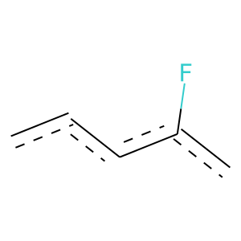 | 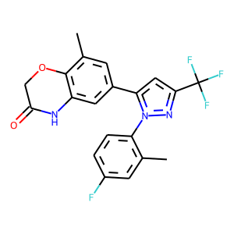 | 0 | 1 | 1.1973940763E-88 | 272 | 234 | 38
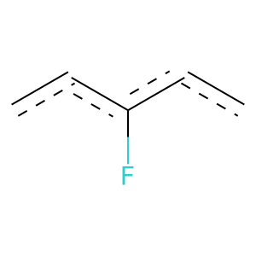 |  | 0 | 1 | 4.8712496685E-75 | 183 | 169 | 14
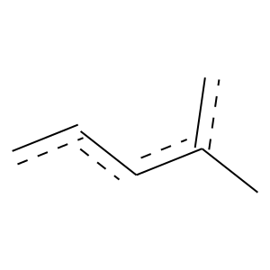 | 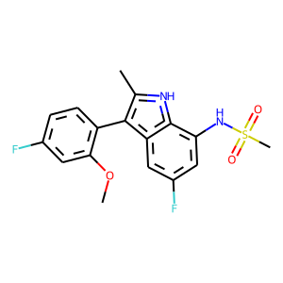 | 1 | 1 | 1.1543267131E-120 | 278 | 261 | 17
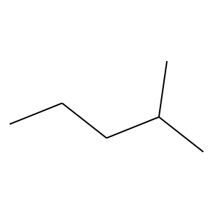 | 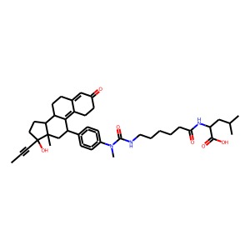 | 2 | 1 | 4.6986078524E-61 | 145 | 135 | 10
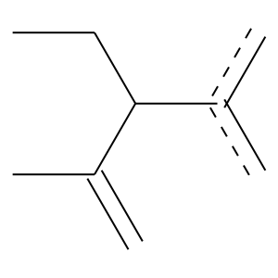 |  | 2 | 1 | 0 | 105 | 105 | 0
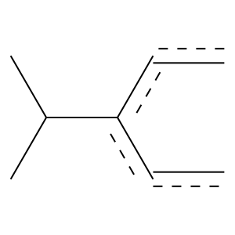 |  | 2 | 1 | 1.1450275902E-52 | 104 | 102 | 2
 |  | 2 | 1 | 1.0338727952E-78 | 172 | 164 | 8
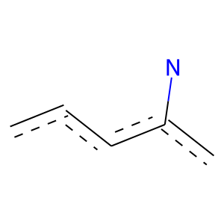 |  | 2 | 1 | 7.7505869477E-76 | 214 | 189 | 25
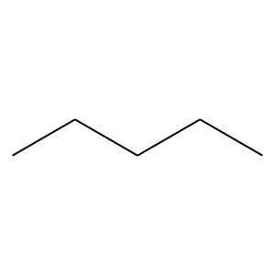 |  | 2 | 0 | 2.1663134026E-18 | 366 | 29 | 337
 |  | 2 | 0 | 0.00016639013266 | 154 | 18 | 136
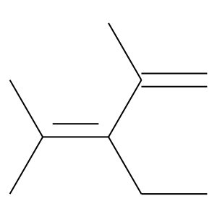 |  | 2 | 1 | 0 | 115 | 115 | 0
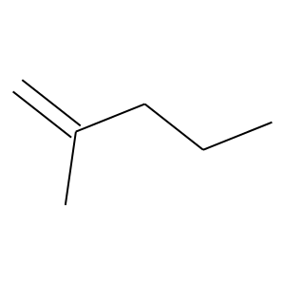 |  | 2 | 1 | 0 | 118 | 118 | 0
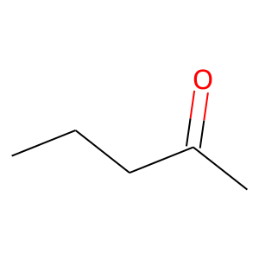 |  | 2 | 1 | 0 | 118 | 118 | 0
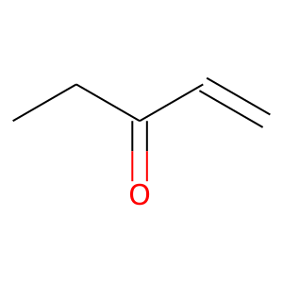 |  | 2 | 1 | 2.0367583159E-67 | 138 | 134 | 4
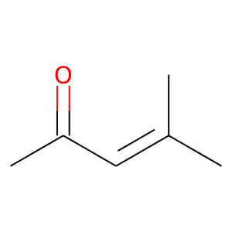 |  | 2 | 1 | 0 | 118 | 118 | 0
 | 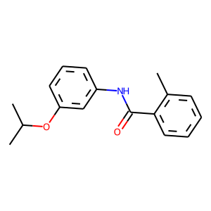 | 5 | 0 | 0.031345468112 | 110 | 15 | 95
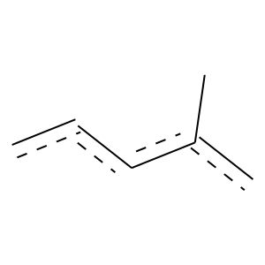 | 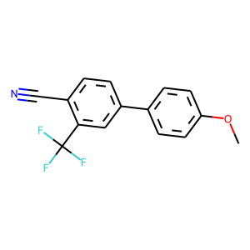 | 8 | 1 | 7.0467238834E-149 | 346 | 324 | 22
 |  | 8 | 1 | 1.0782715214E-52 | 111 | 107 | 4
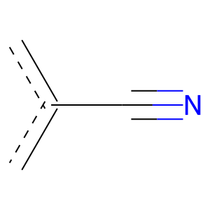 |  | 8 | 1 | 8.8260679189E-54 | 134 | 123 | 11
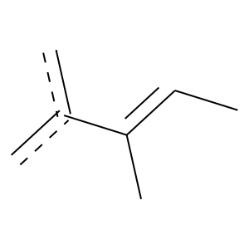 | 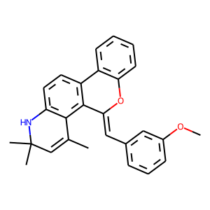 | 9 | 1 | 0 | 159 | 159 | 0
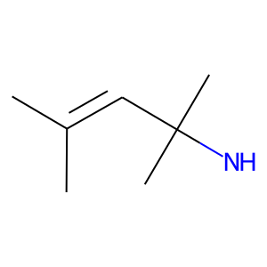 |  | 9 | 1 | 3.1633929471E-108 | 200 | 199 | 1
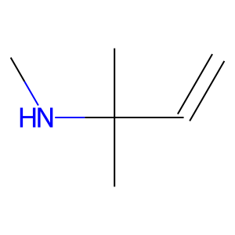 |  | 9 | 1 | 1.7271153828E-120 | 222 | 221 | 1
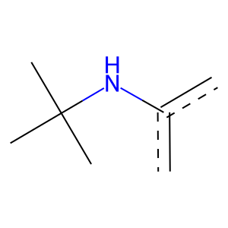 |  | 9 | 1 | 4.7842257092E-121 | 223 | 222 | 1
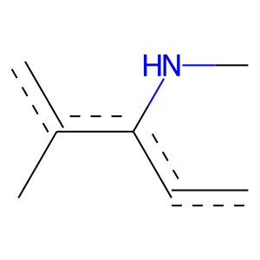 |  | 9 | 1 | 0 | 156 | 156 | 0
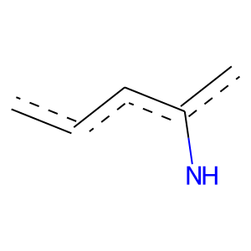 |  | 9 | 1 | 8.7745866697E-135 | 268 | 262 | 6
 | 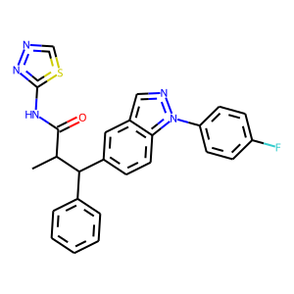 | 16 | 1 | 4.3061209374E-28 | 120 | 93 | 27
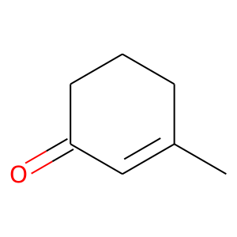 | 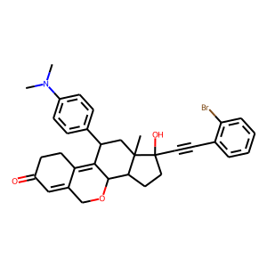 | 22 | 1 | 0 | 118 | 118 | 0
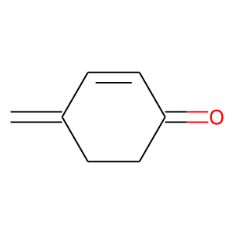 |  | 22 | 1 | 0 | 118 | 118 | 0
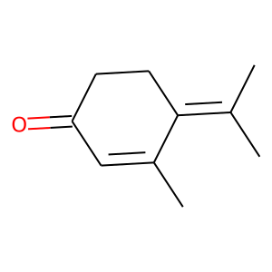 |  | 22 | 1 | 0 | 115 | 115 | 0
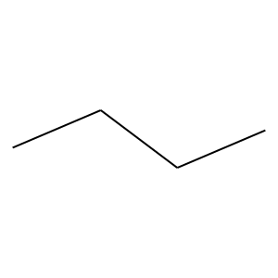 | 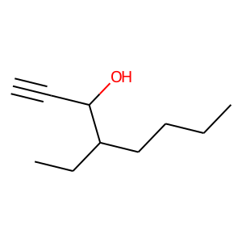 | 24 | 0 | 2.3548925779E-32 | 491 | 28 | 463
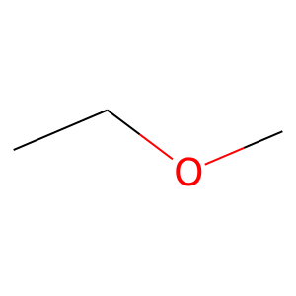 | 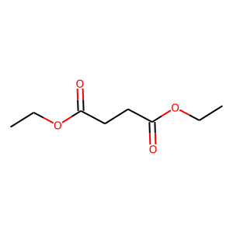 | 30 | 0 | 0.0029728792093 | 123 | 15 | 108
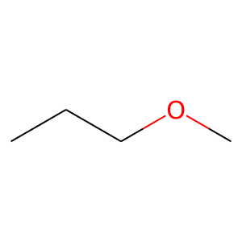 | 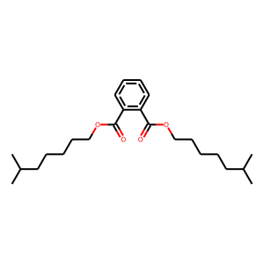 | 31 | 0 | 2.3494629754E-05 | 106 | 8 | 98
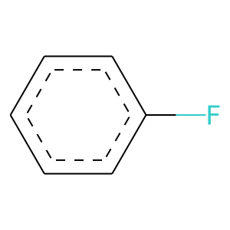 | 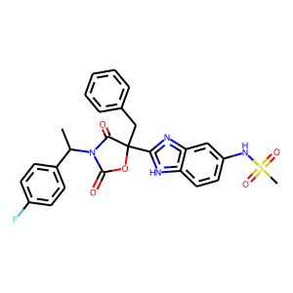 | 54 | 1 | 1.3317859258E-28 | 119 | 93 | 26
 | 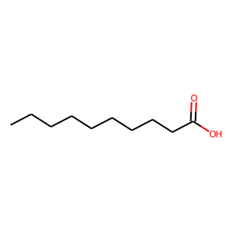 | 55 | 0 | 2.6738355999E-28 | 319 | 10 | 309
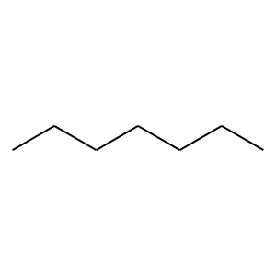 |  | 55 | 0 | 5.8654876631E-23 | 212 | 3 | 209
 |  | 55 | 0 | 3.2182139906E-20 | 244 | 9 | 235
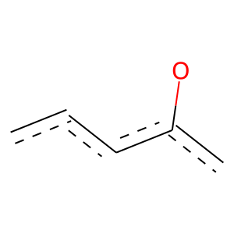 | 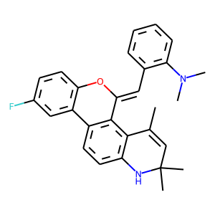 | 56 | 1 | 3.1310036293E-41 | 115 | 102 | 13
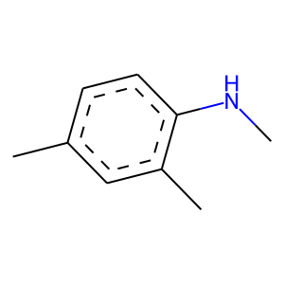 |  | 56 | 1 | 0 | 153 | 153 | 0
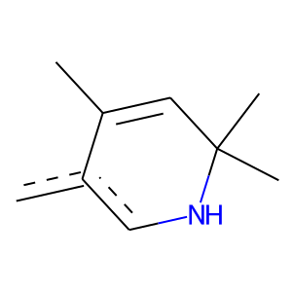 |  | 56 | 1 | 0 | 159 | 159 | 0
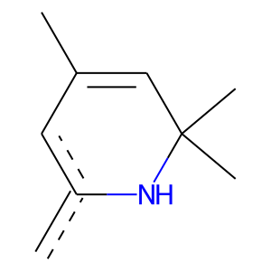 |  | 56 | 1 | 3.1633929471E-108 | 200 | 199 | 1
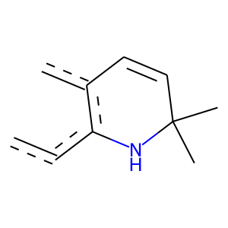 |  | 56 | 1 | 0 | 154 | 154 | 0
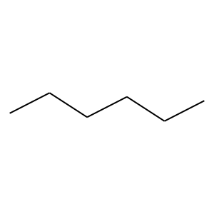 | 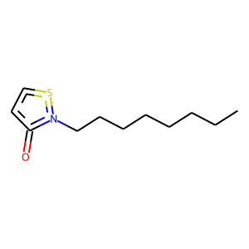 | 70 | 0 | 3.1581977989E-25 | 268 | 7 | 261
 |  | 70 | 0 | 3.0727498563E-20 | 191 | 3 | 188
 |  | 88 | 1 | 3.8223322595E-23 | 121 | 88 | 33
 |  | 92 | 0 | 4.1960845332E-16 | 138 | 1 | 137
 |  | 111 | 1 | 0 | 154 | 154 | 0
 |  | 112 | 0 | 5.5503626852E-12 | 135 | 4 | 131

