Sheet1
Substructure | Substructure in Molecule | Compound ID | Activity label | p_value | Compounds with substr. | Comp. with substr. active | Comp. with substr. inactive
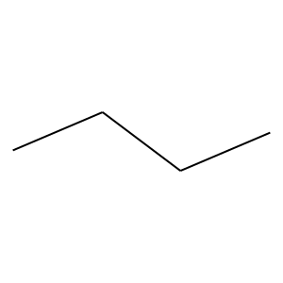 | 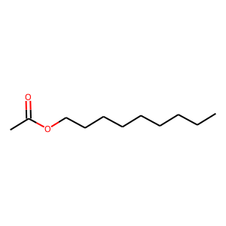 | 4 | 0 | 1.1135514374E-08 | 462 | 28 | 434
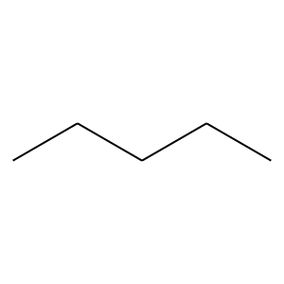 |  | 4 | 0 | 5.3174983007E-05 | 299 | 19 | 280
 |  | 4 | 0 | 8.0504339044E-05 | 323 | 22 | 301
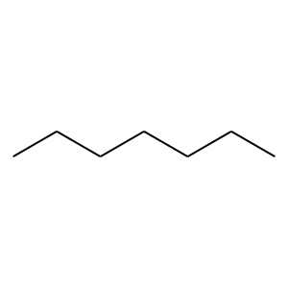 |  | 4 | 0 | 0.00034452012798 | 215 | 12 | 203
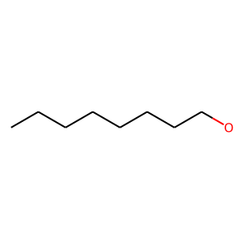 |  | 4 | 0 | 0 | 26 | 0 | 26
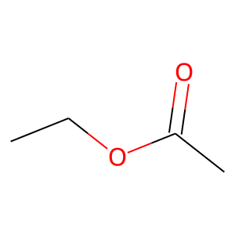 |  | 4 | 0 | 0 | 22 | 0 | 22
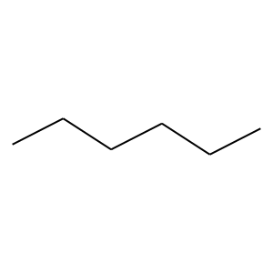 | 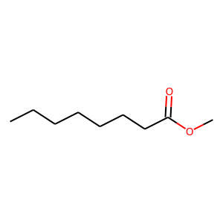 | 5 | 0 | 0.00024879755443 | 247 | 15 | 232
 |  | 5 | 0 | 0.00062849793402 | 190 | 10 | 180
 |  | 5 | 0 | 0.0030012796988 | 76 | 1 | 75
 |  | 5 | 0 | 0.00022854363781 | 120 | 3 | 117
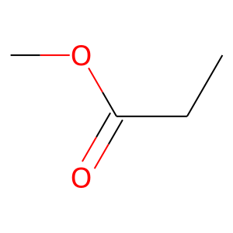 |  | 5 | 0 | 0 | 21 | 0 | 21
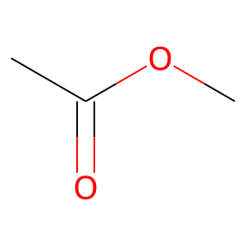 |  | 5 | 0 | 0 | 31 | 0 | 31
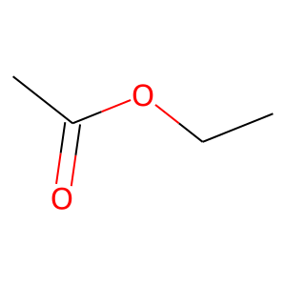 | 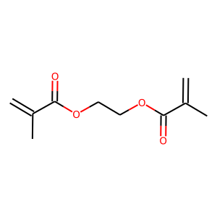 | 9 | 0 | 0 | 24 | 0 | 24
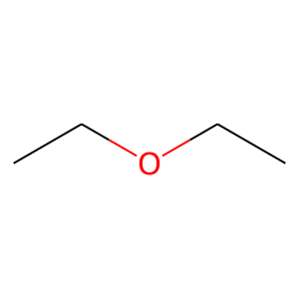 | 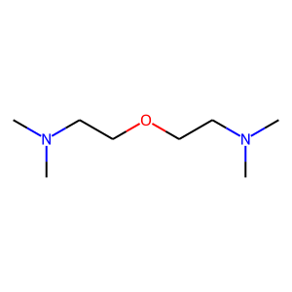 | 11 | 0 | 0.014616393013 | 66 | 1 | 65
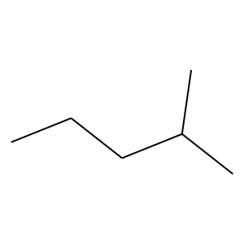 | 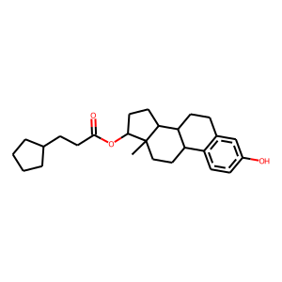 | 15 | 1 | 1.1353881241E-12 | 29 | 24 | 5
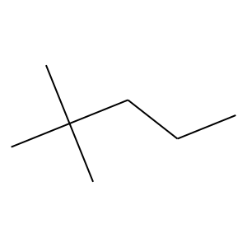 |  | 15 | 1 | 4.7265024423E-17 | 31 | 28 | 3
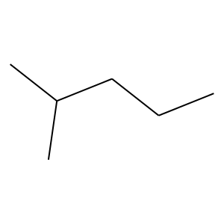 |  | 15 | 1 | 4.2185586523E-24 | 45 | 40 | 5
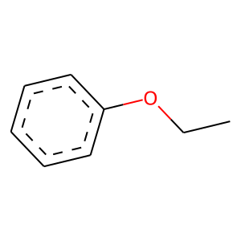 | 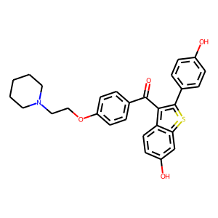 | 24 | 1 | 3.2743822096E-07 | 21 | 16 | 5
 |  | 24 | 1 | 1.2489838549E-24 | 76 | 55 | 21
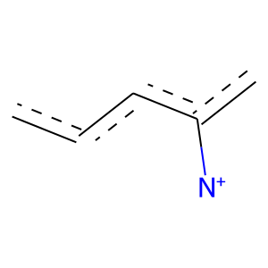 | 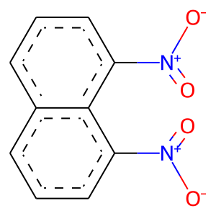 | 32 | 0 | 0 | 25 | 0 | 25
 | 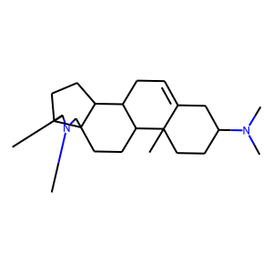 | 37 | 1 | 5.219320476E-31 | 63 | 54 | 9
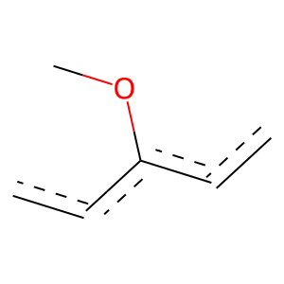 | 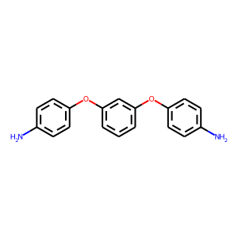 | 42 | 1 | 4.0352443045E-16 | 47 | 35 | 12
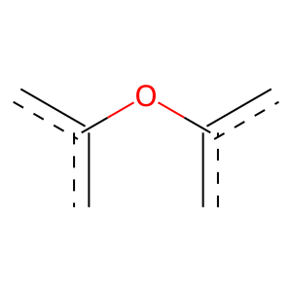 |  | 42 | 1 | 5.9595257339E-11 | 32 | 24 | 8
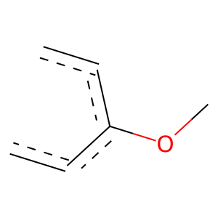 |  | 42 | 1 | 6.117627844E-12 | 26 | 22 | 4
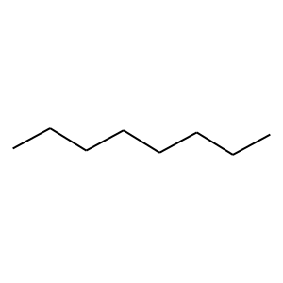 | 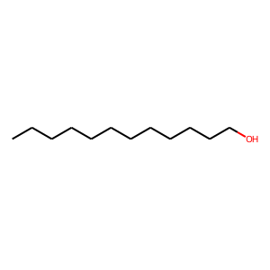 | 50 | 0 | 0.0018482021729 | 171 | 9 | 162
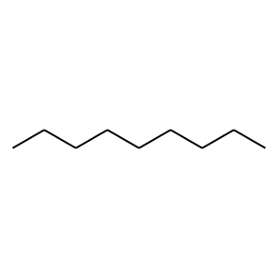 |  | 50 | 0 | 9.7829939243E-06 | 127 | 2 | 125
 |  | 50 | 0 | 9.7829939243E-06 | 127 | 2 | 125
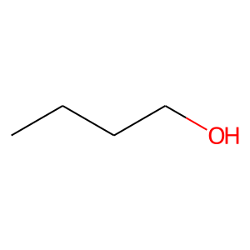 |  | 50 | 0 | 0 | 21 | 0 | 21
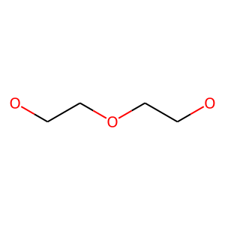 | 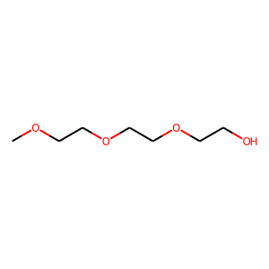 | 62 | 0 | 0 | 28 | 0 | 28
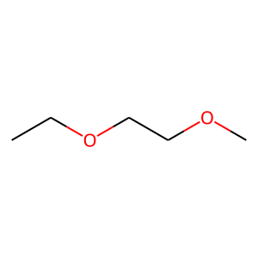 |  | 62 | 0 | 0 | 32 | 0 | 32
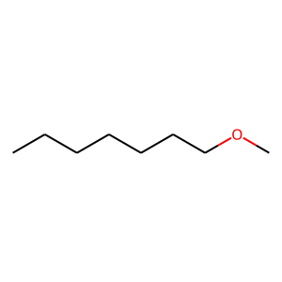 | 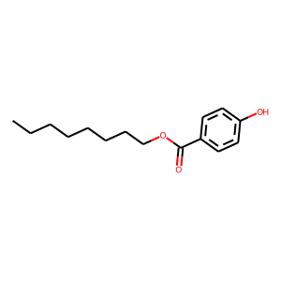 | 66 | 0 | 0 | 26 | 0 | 26
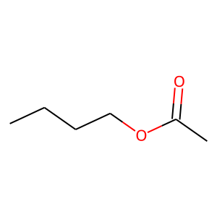 |  | 66 | 0 | 0 | 22 | 0 | 22
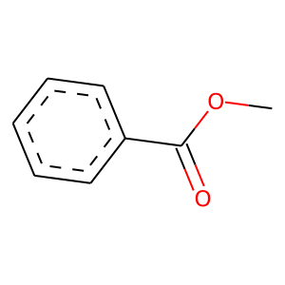 |  | 66 | 0 | 0 | 23 | 0 | 23
 | 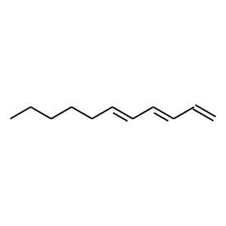 | 68 | 0 | 0 | 56 | 0 | 56
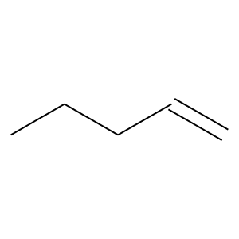 |  | 68 | 0 | 0 | 39 | 0 | 39
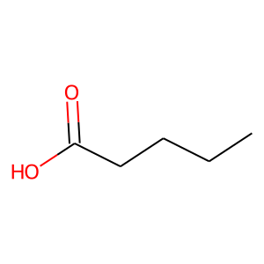 | 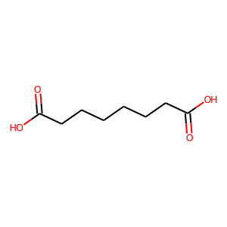 | 79 | 0 | 0 | 32 | 0 | 32
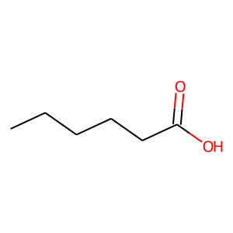 |  | 79 | 0 | 0 | 27 | 0 | 27
 | 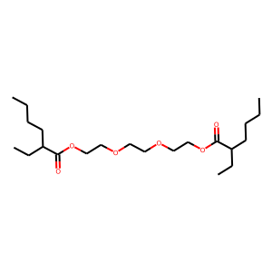 | 88 | 0 | 0 | 43 | 0 | 43
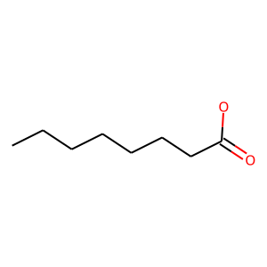 | 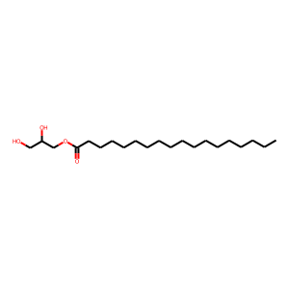 | 89 | 0 | 0 | 38 | 0 | 38
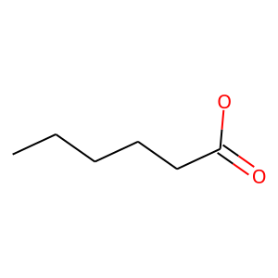 |  | 89 | 0 | 0 | 44 | 0 | 44
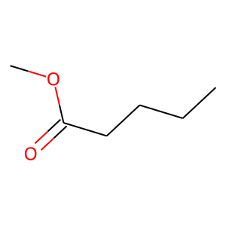 |  | 89 | 0 | 0 | 44 | 0 | 44
 | 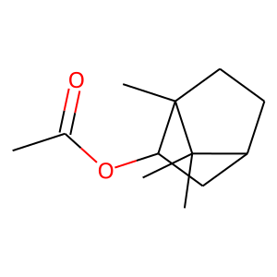 | 97 | 1 | 1.3793512043E-15 | 29 | 26 | 3
 | 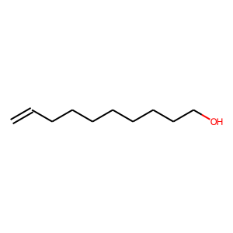 | 101 | 0 | 0 | 23 | 0 | 23
 |  | 101 | 0 | 0 | 41 | 0 | 41
 |  | 102 | 0 | 0 | 36 | 0 | 36
 |  | 102 | 0 | 0 | 40 | 0 | 40
 |  | 102 | 0 | 0 | 30 | 0 | 30
 |  | 102 | 0 | 0 | 24 | 0 | 24
 |  | 102 | 0 | 0 | 38 | 0 | 38
 |  | 116 | 0 | 0 | 31 | 0 | 31
 |  | 116 | 0 | 0 | 29 | 0 | 29
 |  | 116 | 0 | 0 | 23 | 0 | 23
 |  | 120 | 0 | 0 | 28 | 0 | 28
 |  | 136 | 0 | 0 | 24 | 0 | 24
 |  | 136 | 0 | 0 | 28 | 0 | 28
 |  | 136 | 0 | 0 | 26 | 0 | 26
 |  | 136 | 0 | 0 | 37 | 0 | 37
 |  | 214 | 0 | 0 | 30 | 0 | 30
 |  | 214 | 0 | 0 | 23 | 0 | 23
 |  | 221 | 0 | 0 | 22 | 0 | 22
 |  | 234 | 1 | 4.428951735E-06 | 21 | 15 | 6
 |  | 250 | 0 | 0 | 23 | 0 | 23
 |  | 270 | 1 | 7.541944743E-20 | 37 | 33 | 4
 |  | 270 | 1 | 1.119894474E-12 | 25 | 22 | 3
 |  | 270 | 1 | 1.119894474E-12 | 25 | 22 | 3
 |  | 270 | 1 | 1.6805385221E-15 | 35 | 29 | 6
 |  | 282 | 1 | 7.7817827336E-09 | 27 | 20 | 7
 |  | 323 | 1 | 3.2743822096E-07 | 21 | 16 | 5
 |  | 328 | 0 | 0 | 22 | 0 | 22
 |  | 340 | 1 | 2.5578335896E-16 | 30 | 27 | 3
 |  | 340 | 1 | 5.9073383907E-12 | 24 | 21 | 3
 |  | 381 | 0 | 0 | 34 | 0 | 34
 |  | 381 | 0 | 0 | 29 | 0 | 29
 |  | 389 | 0 | 0 | 22 | 0 | 22
 |  | 414 | 1 | 1.197751193E-12 | 27 | 23 | 4
 |  | 414 | 1 | 1.197751193E-12 | 27 | 23 | 4
 |  | 490 | 0 | 0 | 21 | 0 | 21

