Cum. Returns
 | XOM | NKE | AMZN | GS | V
1/29/10 | $0.94 | $0.96 | $0.93 | $0.88 | $0.94
2/26/10 | $0.96 | $1.02 | $0.88 | $0.93 | $0.98
3/31/10 | $0.99 | $1.12 | $1.01 | $1.01 | $1.04
4/30/10 | $1.00 | $1.15 | $1.02 | $0.86 | $1.03
5/28/10 | $0.90 | $1.10 | $0.93 | $0.86 | $0.83
6/30/10 | $0.85 | $1.03 | $0.81 | $0.78 | $0.81
7/30/10 | $0.89 | $1.12 | $0.88 | $0.90 | $0.84
8/31/10 | $0.89 | $1.07 | $0.93 | $0.82 | $0.79
9/30/10 | $0.93 | $1.23 | $1.17 | $0.86 | $0.85
10/29/10 | $1.00 | $1.25 | $1.23 | $0.96 | $0.90
11/30/10 | $1.05 | $1.32 | $1.30 | $0.93 | $0.85
12/31/10 | $1.10 | $1.31 | $1.34 | $1.01 | $0.81
1/31/11 | $1.22 | $1.27 | $1.26 | $0.98 | $0.80
2/28/11 | $1.30 | $1.37 | $1.29 | $0.98 | $0.84
3/31/11 | $1.27 | $1.17 | $1.34 | $0.95 | $0.85
4/29/11 | $1.33 | $1.27 | $1.46 | $0.90 | $0.90
5/31/11 | $1.27 | $1.30 | $1.46 | $0.85 | $0.94
6/30/11 | $1.24 | $1.39 | $1.52 | $0.80 | $0.97
7/29/11 | $1.22 | $1.40 | $1.65 | $0.81 | $0.99
8/31/11 | $1.13 | $1.34 | $1.60 | $0.70 | $1.02
9/30/11 | $1.11 | $1.33 | $1.61 | $0.57 | $0.99
10/31/11 | $1.20 | $1.50 | $1.59 | $0.66 | $1.08
11/30/11 | $1.24 | $1.49 | $1.43 | $0.58 | $1.13
12/30/11 | $1.31 | $1.50 | $1.29 | $0.55 | $1.18
1/31/12 | $1.29 | $1.62 | $1.45 | $0.67 | $1.17
2/29/12 | $1.34 | $1.68 | $1.34 | $0.70 | $1.35
3/30/12 | $1.34 | $1.70 | $1.51 | $0.75 | $1.37
4/30/12 | $1.34 | $1.75 | $1.72 | $0.70 | $1.43
5/31/12 | $1.23 | $1.70 | $1.58 | $0.58 | $1.34
6/29/12 | $1.34 | $1.38 | $1.70 | $0.58 | $1.44
7/31/12 | $1.36 | $1.46 | $1.73 | $0.61 | $1.50
8/31/12 | $1.37 | $1.53 | $1.85 | $0.65 | $1.50
9/28/12 | $1.44 | $1.49 | $1.89 | $0.70 | $1.57
10/31/12 | $1.43 | $1.44 | $1.73 | $0.75 | $1.62
11/30/12 | $1.39 | $1.54 | $1.87 | $0.72 | $1.75
12/31/12 | $1.37 | $1.63 | $1.86 | $0.78 | $1.77
1/31/13 | $1.42 | $1.71 | $1.97 | $0.91 | $1.85
2/28/13 | $1.43 | $1.73 | $1.96 | $0.92 | $1.86
3/28/13 | $1.43 | $1.87 | $1.98 | $0.91 | $1.99
4/30/13 | $1.42 | $2.02 | $1.89 | $0.90 | $1.97
5/31/13 | $1.45 | $1.96 | $2.00 | $1.00 | $2.09
6/28/13 | $1.45 | $2.03 | $2.06 | $0.94 | $2.15
7/31/13 | $1.50 | $2.00 | $2.24 | $1.01 | $2.08
8/30/13 | $1.41 | $2.01 | $2.09 | $0.94 | $2.05
9/30/13 | $1.39 | $2.32 | $2.32 | $0.98 | $2.25
10/31/13 | $1.45 | $2.42 | $2.71 | $1.00 | $2.31
11/29/13 | $1.52 | $2.53 | $2.93 | $1.05 | $2.40
12/31/13 | $1.65 | $2.52 | $2.96 | $1.10 | $2.62
1/31/14 | $1.50 | $2.34 | $2.67 | $1.02 | $2.54
2/28/14 | $1.58 | $2.52 | $2.69 | $1.04 | $2.67
...
Date | XOM | NKE | AMZN | GS | V
2010-01-29 | $0.94 | $0.96 | $0.93 | $0.88 | $0.94
2010-02-26 | $0.96 | $1.02 | $0.88 | $0.93 | $0.98
2010-03-31 | $0.99 | $1.12 | $1.01 | $1.01 | $1.04
2010-04-30 | $1.00 | $1.15 | $1.02 | $0.86 | $1.03
2010-05-28 | $0.90 | $1.10 | $0.93 | $0.86 | $0.83
2010-06-30 | $0.85 | $1.03 | $0.81 | $0.78 | $0.81
2010-07-30 | $0.89 | $1.12 | $0.88 | $0.90 | $0.84
2010-08-31 | $0.89 | $1.07 | $0.93 | $0.82 | $0.79 | u
2010-09-30 | $0.93 | $1.23 | $1.17 | $0.86 | $0.85
2010-10-29 | $1.00 | $1.25 | $1.23 | $0.96 | $0.90
2010-11-30 | $1.05 | $1.32 | $1.30 | $0.93 | $0.85
2010-12-31 | $1.10 | $1.31 | $1.34 | $1.01 | $0.81
2011-01-31 | $1.22 | $1.27 | $1.26 | $0.98 | $0.80
2011-02-28 | $1.30 | $1.37 | $1.29 | $0.98 | $0.84
2011-03-31 | $1.27 | $1.17 | $1.34 | $0.95 | $0.85
2011-04-29 | $1.33 | $1.27 | $1.46 | $0.90 | $0.90
2011-05-31 | $1.27 | $1.30 | $1.46 | $0.85 | $0.94
2011-06-30 | $1.24 | $1.39 | $1.52 | $0.80 | $0.97
2011-07-29 | $1.22 | $1.40 | $1.65 | $0.81 | $0.99
2011-08-31 | $1.13 | $1.34 | $1.60 | $0.70 | $1.02
2011-09-30 | $1.11 | $1.33 | $1.61 | $0.57 | $0.99
2011-10-31 | $1.20 | $1.50 | $1.59 | $0.66 | $1.08
2011-11-30 | $1.24 | $1.49 | $1.43 | $0.58 | $1.13
2011-12-30 | $1.31 | $1.50 | $1.29 | $0.55 | $1.18
2012-01-31 | $1.29 | $1.62 | $1.45 | $0.67 | $1.17
2012-02-29 | $1.34 | $1.68 | $1.34 | $0.70 | $1.35
2012-03-30 | $1.34 | $1.70 | $1.51 | $0.75 | $1.37
2012-04-30 | $1.34 | $1.75 | $1.72 | $0.70 | $1.43
2012-05-31 | $1.23 | $1.70 | $1.58 | $0.58 | $1.34
2012-06-29 | $1.34 | $1.38 | $1.70 | $0.58 | $1.44
2012-07-31 | $1.36 | $1.46 | $1.73 | $0.61 | $1.50
2012-08-31 | $1.37 | $1.53 | $1.85 | $0.65 | $1.50
2012-09-28 | $1.44 | $1.49 | $1.89 | $0.70 | $1.57
2012-10-31 | $1.43 | $1.44 | $1.73 | $0.75 | $1.62
2012-11-30 | $1.39 | $1.54 | $1.87 | $0.72 | $1.75
2012-12-31 | $1.37 | $1.63 | $1.86 | $0.78 | $1.77
2013-01-31 | $1.42 | $1.71 | $1.97 | $0.91 | $1.85
2013-02-28 | $1.43 | $1.73 | $1.96 | $0.92 | $1.86
2013-03-28 | $1.43 | $1.87 | $1.98 | $0.91 | $1.99
2013-04-30 | $1.42 | $2.02 | $1.89 | $0.90 | $1.97
2013-05-31 | $1.45 | $1.96 | $2.00 | $1.00 | $2.09
2013-06-28 | $1.45 | $2.03 | $2.06 | $0.94 | $2.15
2013-07-31 | $1.50 | $2.00 | $2.24 | $1.01 | $2.08
2013-08-30 | $1.41 | $2.01 | $2.09 | $0.94 | $2.05
2013-09-30 | $1.39 | $2.32 | $2.32 | $0.98 | $2.25
2013-10-31 | $1.45 | $2.42 | $2.71 | $1.00 | $2.31
2013-11-29 | $1.52 | $2.53 | $2.93 | $1.05 | $2.40
...

Efficient Frontier
...
 | XOM | NKE | AMZN | GS | V | Sum of weights
Min Variance Weights | 20.75% | 7.34% | 31.99% | 24.78% | 15.14% | 100%
E(r_p) | 1.43%
Sd_p | 5.57%

Trials | Sd_p (X) | E(r_p) (Y)
Min Variance Weights | 4.95% | 1.48%
1 | 5.20% | 16.52%
2 | 5.63% | 16.85%
3 | 6.12% | 18.49%
4 | 5.42% | 18.76%
Efficient Frontier Graph
 | E(r_p) (Y) |  | Min Var |  | XOM |  | NKE |  | AMZN |  | GS |  | V
5.20% | 16.52% | 4.95% | 1.48% | 7.11% | 0.88% | 6.99% | 1.61% | 8.75% | 2.00% | 8.48% | 0.94% | 5.85% | 1.68%
5.63% | 16.85%
6.12% | 18.49%
5.42% | 18.76%
5.45% | 18.55%
5.34% | 18.09%
5.64% | 16.38%
5.22% | 16.37%
5.11% | 19.00%
5.47% | 17.16%
5.47% | 17.55%
5.10% | 16.14%
5.91% | 16.50%
5.52% | 15.71%
5.56% | 17.63%
5.06% | 18.23%
5.71% | 17.49%
6.23% | 15.33%
5.26% | 16.93%
5.58% | 15.37%
5.62% | 13.97%
5.48% | 16.82%
5.41% | 19.17%
5.59% | 16.70%
5.40% | 15.33%
5.75% | 15.46%
5.74% | 16.30%
5.00% | 17.64%
5.40% | 18.45%
5.67% | 18.20%
5.18% | 17.02%
5.17% | 19.10%
5.24% | 17.68%
5.48% | 18.12%
5.04% | 18.41%
5.43% | 17.74%
5.24% | 18.85%
5.42% | 16.40%
5.35% | 17.96%
5.17% | 17.39%
5.43% | 17.87%
5.32% | 15.07%
5.49% | 17.39%
5.43% | 15.93%
5.78% | 16.38%
5.26% | 18.02%
5.29% | 16.40%
5.12% | 17.16%
5.19% | 17.12%
5.22% | 15.31%
...
5 | 5.45% | 18.55%
6 | 5.34% | 18.09%
7 | 5.64% | 16.38%
8 | 5.22% | 16.37%
9 | 5.11% | 19.00%
10 | 5.47% | 17.16%
11 | 5.47% | 17.55%
12 | 5.10% | 16.14%
13 | 5.91% | 16.50%
14 | 5.52% | 15.71%
15 | 5.56% | 17.63%
16 | 5.06% | 18.23%
17 | 5.71% | 17.49%
18 | 6.23% | 15.33%
19 | 5.26% | 16.93%
20 | 5.58% | 15.37%
21 | 5.62% | 13.97%
22 | 5.48% | 16.82%
23 | 5.41% | 19.17%
24 | 5.59% | 16.70%
25 | 5.40% | 15.33%
26 | 5.75% | 15.46%
27 | 5.74% | 16.30%
28 | 5.00% | 17.64%
29 | 5.40% | 18.45%
30 | 5.67% | 18.20%
31 | 5.18% | 17.02%
32 | 5.17% | 19.10%
33 | 5.24% | 17.68%
34 | 5.48% | 18.12%
35 | 5.04% | 18.41%
36 | 5.43% | 17.74%
37 | 5.24% | 18.85%
38 | 5.42% | 16.40%
39 | 5.35% | 17.96%
40 | 5.17% | 17.39%
41 | 5.43% | 17.87%
42 | 5.32% | 15.07%
43 | 5.49% | 17.39%
44 | 5.43% | 15.93%
45 | 5.78% | 16.38%
46 | 5.26% | 18.02%
47 | 5.29% | 16.40%
48 | 5.12% | 17.16%
49 | 5.19% | 17.12%
...

Sheet2
...
 |  |  |  | Actual |  |  | actual | actual
 | 60% |  |  | 30% |  |  | 40% | 30%
 | 40% |  |  | 20% |  |  | 40% | 65%
 | 100% |  | Tan_weight | 50% |  |  | 80% | 95%

 | Scale |  |  | 60.00% |  |  | 0.5:0.5 | 31.58%
 |  |  |  | 40.00% |  |  |  | 68.42%

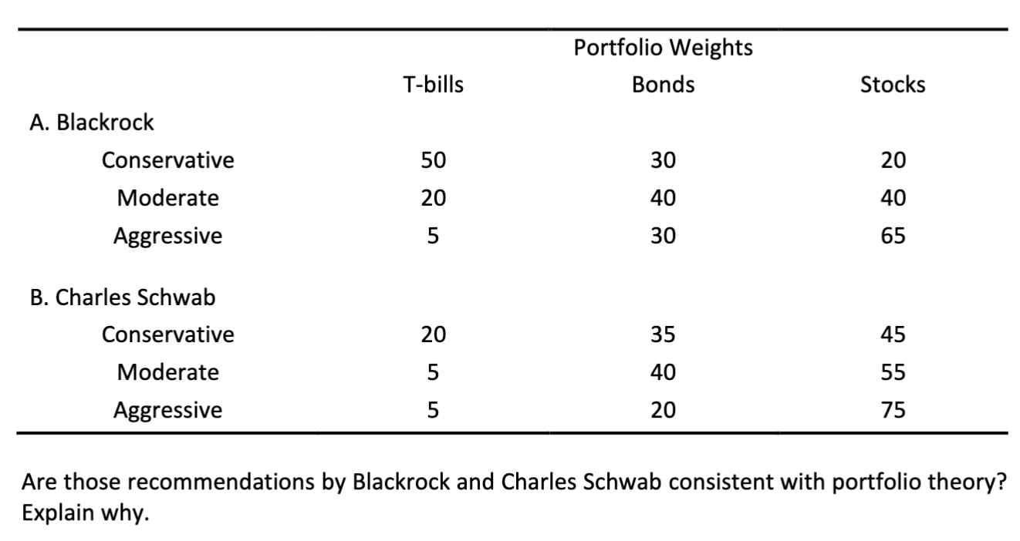

 |  | 0.35 |  | 0.4 |  | 0.2
 |  | 0.45 |  | 0.55 |  | 0.75
 |  | 43.75% |  | 42.11% |  | 21.05%
 |  | 56.25% |  | 57.89% |  | 78.95%

 | ER | Signma |  |  |  | ER | Signma
20% | 0.40% | 0.00% |  | T-bills | 5% | 0.10% | 0.00%
40% | 2.90% | 2.40% |  | Bonds | 30% | 2.18% | 1.80%
40% | 4.80% | 5.60% |  | Stocks | 65% | 7.80% | 9.10%
Portfolio | 7.70% | 8.00% |  |  | Portfolio | 9.98% | 10.90%
Sharpe | 0.713 |  |  |  | Sharpe | 0.732

 | ER | Signma |  |  |  | ER | Signma
5% | 0.10% | 0% |  | T-bills | 5% | 0.40% | 0%
40% | 2.90% | 2% |  | Bonds | 20% | 1.40% | 2%
55% | 6.60% | 8% |  | Stocks | 75% | 5.40% | 6%
Portfolio | 9.50% | 10.10% |  |  | Portfolio | 6.80% | 8.00%
Sharpe | 0.7430 |  |  |  | Sharpe | 0.6842

