hmo_hits
gene | function | accession | aa length | hits (> 85%) | hits (85% identity and length) | notes
blon_2331 | sugar transporter | YP_002323767 | 507 | 74 | 74
blon_2332 | sugar transporter | YP_002323768 | 510 | 21 | 21
blon_2333 | integrase | YP_002323769 | 451 | 74 | 44
blon_2334 | glycoside hydrolase | YP_002323770 | 1023 | 73 | 69
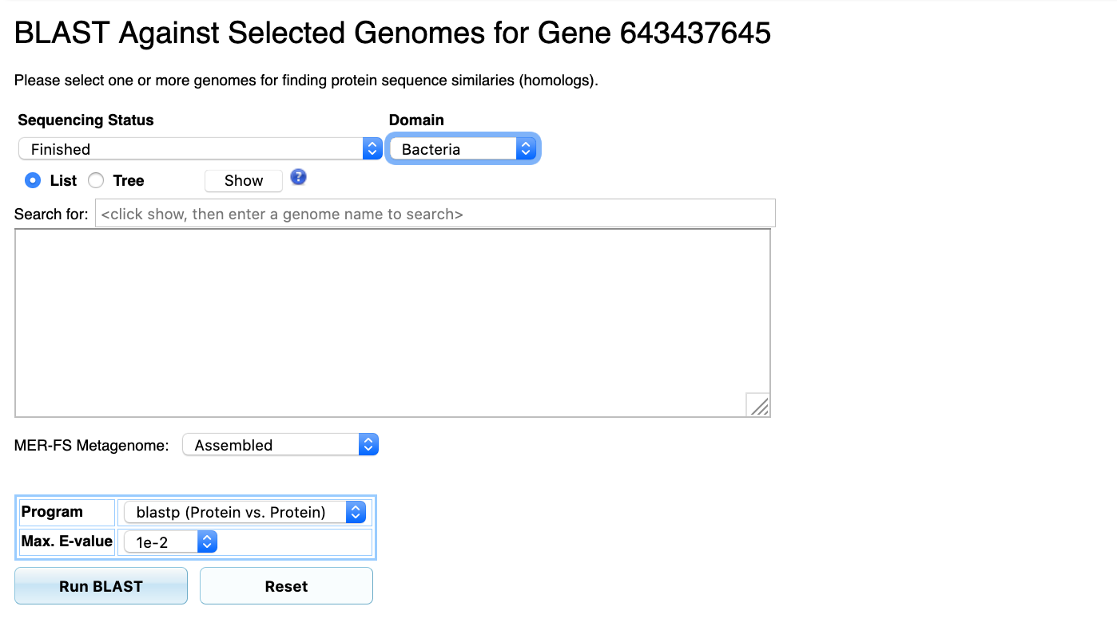
blon_2335 | fucosidase | YP_002323771 | 782 | 23 | 21 | all 100%
blon_2336 | fucosidase | YP_002323772 | 478 | 31 | 31 | all 100%
blon_2337 | RbsD/FucU transport | YP_002323773 | 145 | 31 | 31 | all 100%
blon_2338 | synthetase | YP_002323774 | 298 | 92 | 91
blon_2339 | dehydrogenase | YP_002323775 | 263 | 87 | 83
blon_2340 | dehydratase | YP_002323776 | 425 | 80 | 35
blon_2341 | hypothetical | YP_002323777 | 219 | 18 | 18 | all 100%
blon_2342 | carbohydrate ABC transporter | YP_002323778 | 320 | 22 | 22
blon_2343 | carbohydrate ABC transporter | YP_002323779 | 317 | 22 | 22
blon_2344 | carbohydrate ABC transporter | YP_002323780 | 530 | 17 | 11
blon_2345 | carbohydrate ABC transporter | YP_002323781 | 320 | 22 | 22
blon_2346 | carbohydrate ABC transporter | YP_002323782 | 317 | 22 | 22
blon_2347 | carbohydrate ABC transporter | YP_002323783 | 531 | 19 | 13
blon_2348 | sialidase | YP_002323784 | 394 | 21 | 20 | all 100%
blon_2349 | synthetase | YP_002323785 | 318 | 21 | 20
blon_2350 | carbohydrate ABC transporter | YP_002323786 | 530 | 21 | 12
blon_2351 | carbohydrate ABC transporter | YP_002323787 | 534 | 48 | 35
blon_2352 | carbohydrate ABC transporter | YP_002323788 | 532 | 47 | 35
blon_2353 | hypothetical | YP_002323789 | 40 | 3 | 3 | all 100%
blon_2354 | carbohydrate ABC transporter | YP_002323790 | 531 | 46 | 35
blon_2355 | glycoside hydrolase | YP_002323791 | 651 | 21 | 21
blon_2356 | hydrolase | YP_002323792 | 246 | 22 | 21
blon_2357 | carbohydrate ABC transporter | YP_002323793 | 430 | 21 | 21
blon_2358 | beta-lactamase | YP_002323794 | 439 | 21 | 21 | all 100%
blon_2359 | carbohydrate ABC transporter | YP_002323795 | 272 | 21 | 21 | all 100%
blon_2360 | carbohydrate ABC transporter | YP_002323796 | 315 | 21 | 21
blon_2361 | carbohydrate ABC transporter | YP_002323797 | 372 | 21 | 20 | all identical

