hinh 10 node
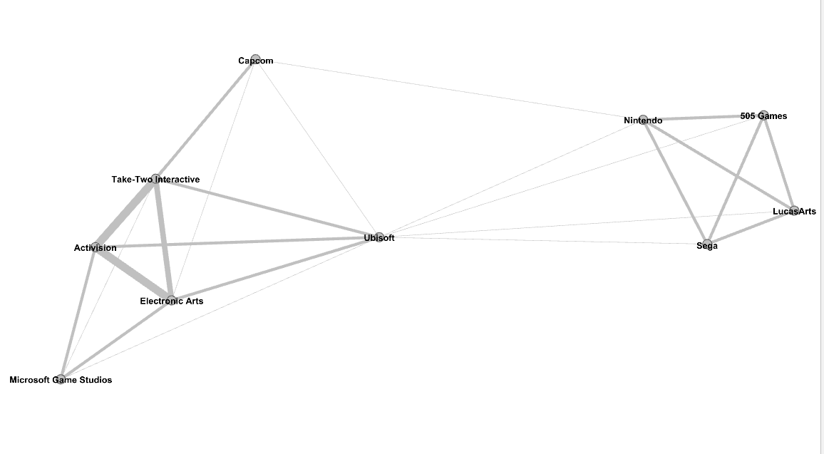

Nintendo | A
Sega | B
LucasArts | C
505 Games | D
Capcom | E
Ubisoft | F
Electronic Arts | G
Microsoft Game Studios | H
Activision | I
Take-Two Interactive | K

page rank
 | Nintendo | Sega | LucasArts | 505 Games | Capcom | Ubisoft | Electronic Arts | Microsoft Game Studios | Activision | Take-Two Interactive
0 | 1 | 1 | 1 | 1 | 1 | 1 | 1 | 1 | 1 | 1
1 | 1.0519444444 | 0.848275 | 0.8160334375 | 0.77694054297 | 0.92444444444 | 1.7272515195 | 1.0227848657 | 0.82700273734 | 0.98989637459 | 0.98817875827
2 | 0.98905027408 | 0.81977482761 | 0.82056987301 | 0.82984110565 | 1.0021060655 | 1.699295343 | 0.99285789002 | 0.81554761851 | 0.99092713489 | 0.99139435892
3 | 1.0057615196 | 0.83218079591 | 0.83464811703 | 0.83566960695 | 0.98440804646 | 1.6991941259 | 0.988127336 | 0.81545574629 | 0.98763184734 | 0.98699222038
4 | 1.0096097486 | 0.83705561883 | 0.83756721296 | 0.83797045424 | 0.98512664218 | 1.6999833444 | 0.9869959493 | 0.81402938542 | 0.98658474495 | 0.98651547413
5 | 1.011951585 | 0.83863750626 | 0.83886494358 | 0.83905502257 | 0.98540398841 | 1.7005165034 | 0.98653129611 | 0.81374169401 | 0.98646107538 | 0.98645182759
6 | 1.0128914773 | 0.83935388039 | 0.83945777946 | 0.8395433653 | 0.98574161972 | 1.7009436932 | 0.98653606097 | 0.813751006 | 0.98655078732 | 0.98656761047
7 | 1.0133712003 | 0.83970552945 | 0.83975817632 | 0.83980382366 | 0.98597749127 | 1.7012969743 | 0.98664643749 | 0.81383806957 | 0.98668119903 | 0.98670050909
8 | 1.0136385711 | 0.83990352966 | 0.83993441724 | 0.83996216838 | 0.98615593639 | 1.7015679653 | 0.98676563052 | 0.81392868874 | 0.98679924044 | 0.98681602477
9 | 1.0138076749 | 0.84002897034 | 0.84004906287 | 0.84006752795 | 0.98628695053 | 1.7017716167 | 0.98686609794 | 0.81400470665 | 0.98689361752 | 0.98690680829
10 | 1.0139225882 | 0.84011449046 | 0.84012839382 | 0.84014132782 | 0.98638348867 | 1.7019229873 | 0.98694443665 | 0.81406379765 | 0.98696563274 | 0.9869756329
11 | 1.0140040092 | 0.84017516844 | 0.84018510804 | 0.84019441134 | 0.98645458042 | 1.7020349578 | 0.98700359684 | 0.81410837264 | 0.98701952293 | 0.98702698423
12 | 1.0140628958 | 0.84021908617 | 0.84022630653 | 0.84023308426 | 0.98650694525 | 1.7021175962 | 0.98704766685 | 0.81414156033 | 0.9870595037 | 0.98706503201
13 | 1.0141059078 | 0.84025117562 | 0.8402564603 | 0.84026142771 | 0.98654551748 | 1.7021785243 | 0.98708029569 | 0.81416612641 | 0.98708905062 | 0.98709313378
14 | 1.0141374691 | 0.84027472602 | 0.84027860748 | 0.84028225819 | 0.98657393102 | 1.7022234247 | 0.98710438715 | 0.81418426283 | 0.98711084835 | 0.98711385983
15 | 1.0141606772 | 0.84029204474 | 0.84029490016 | 0.84029758658 | 0.98659486162 | 1.7022565066 | 0.98712215278 | 0.81419763643 | 0.98712691643 | 0.98712913605
16 | 1.0141777595 | 0.84030479261 | 0.84030689476 | 0.84030887275 | 0.98661028008 | 1.7022808784 | 0.98713524612 | 0.81420749261 | 0.98713875661 | 0.98714039211
17 | 1.0141903385 | 0.84031417998 | 0.8403157281 | 0.84031718486 | 0.98662163808 | 1.7022988326 | 0.98714489346 | 0.81421475469 | 0.98714747991 | 0.98714868484
18 | 1.0141996032 | 0.84032109407 | 0.84032223434 | 0.84032330736 | 0.98663000496 | 1.7023120588 | 0.98715200088 | 0.81422010482 | 0.98715390635 | 0.98715479401
19 | 1.0142064276 | 0.84032618697 | 0.8403270269 | 0.8403278173 | 0.98663616842 | 1.7023218019 | 0.98715723682 | 0.81422404617 | 0.98715864053 | 0.98715929444
20 | 1.0142114546 | 0.84032993852 | 0.84033055724 | 0.84033113948 | 0.98664070875 | 1.7023289793 | 0.98716109395 | 0.81422694963 | 0.98716212802 | 0.98716260973
21 | 1.0142151577 | 0.84033270207 | 0.84033315785 | 0.84033358675 | 0.98664405338 | 1.7023342665 | 0.98716393534 | 0.81422908848 | 0.9871646971 | 0.98716505195
22 | 1.0142178855 | 0.84033473783 | 0.84033507357 | 0.84033538952 | 0.98664651721 | 1.7023381613 | 0.98716602847 | 0.81423066408 | 0.98716658961 | 0.98716685102
23 | 1.014219895 | 0.84033623746 | 0.84033648479 | 0.84033671753 | 0.98664833219 | 1.7023410304 | 0.98716757037 | 0.81423182475 | 0.98716798374 | 0.98716817631
24 | 1.0142213753 | 0.84033734217 | 0.84033752436 | 0.84033769582 | 0.9866496692 | 1.702343144 | 0.98716870622 | 0.81423267975 | 0.98716901073 | 0.98716915258

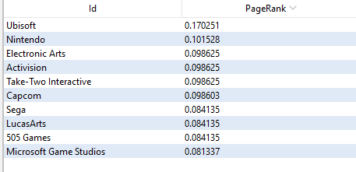
 | Ubisoft | 1.702343144
 | Nintendo | 1.0142213753
 | Take-Two Interactive | 0.98716915258
 | Electronic Arts | 0.98716870622
 | Activision | 0.98716901073
 | Capcom | 0.9866496692
 | Sega | 0.84033734217
 | LucasArts | 0.84033752436
 | 505 Games | 0.84033769582
 | Microsoft Game Studios | 0.81423267975

