Sheet1
By Michael Pan 7th Dec 2018
Pipeline:
1. remove null value 2. Inspect the label distribution and selectively choose labels (fake and real in our project) 3. word stemming 4. word embedding feature extraction 5. classifier learning
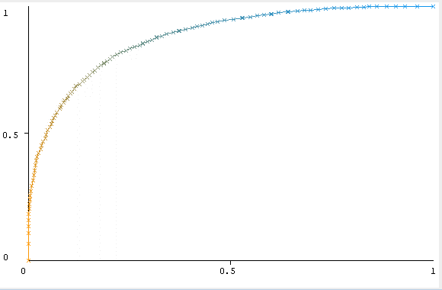
Model | Accuracy (10cv)( (50 feature compression)) | Accuracy (10cv)( (20 feature compression)) | Accuracy(Expended Feature) | Accuracy(Wang expended) | Confusion Matrix(50 features compression) | Confusion Matrix(Expended) | Confusion matrix (Wang) | ROC (fake,50 features compression) | AUC | ROC(
Random Forest | 77.46 | 77.67 | 78.01 | 71.69 | a b <-- classified as | a b <-- classified as | a b <-- classified as |  | 0.879
 |  |  |  |  | 2944 856 | a = fake | 3048 716 | a = fake | 3844 1170 | a = fake
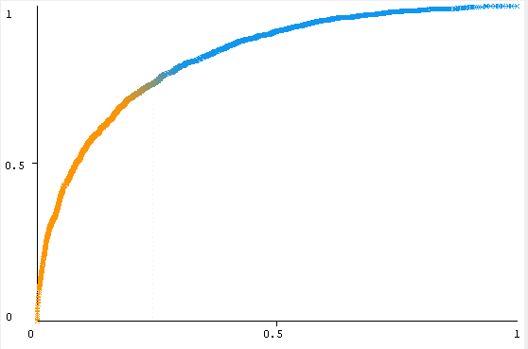
 |  |  |  |  | 712 3082 | b = real | 942 2851 | b = real | 1687 3355 | b = real
AdaBoost + Random Forest | 78.34 | 78.26 | 78.79 | 72.55 | a b <-- classified as | a b <-- classified as | a b <-- classified as |  | 0.852
 |  |  |  |  | 2853 947 | a = fake | 3026 738 | a = fake | 3797 1217 | a = fake
 |  |  |  |  | 918 2876 | b = real | 885 2908 | b = real | 1558 3484 | b = real
Naïve Bayes | 70.19 | 72.02 | 69.13 | 65.11 | a b <-- classified as | a b <-- classified as | a b <-- classified as | NA
 |  |  |  |  | 2145 1655 | a = fake | 2155 1609 | a = fake | 2408 2606 | a = fake
 |  |  |  |  | 580 3214 | b = real | 732 3061 | b = real | 922 4120 | b = real
3-Nearest Neighbour | 64.89 | 64.05 | 64.76 | 60.68 | a b <-- classified as | a b <-- classified as | a b <-- classified as | NA
 |  |  |  |  | 2613 1187 | a = fake | 2519 1245 | a = fake | 3256 1758 | a = fake
 |  |  |  |  | 956 2838 | b = real | 910 2883 | b = real | 1554 3488 | b = real

