Sheet1
By Michael Pan 7th Dec 2018
Pipeline:
1. remove null value 2. Inspect the label distribution and selectively choose labels (fake and real in our project) 3. word stemming 4. word embedding feature extraction 5. classifier learning
Model | Accuracy (10cv)( (50 feature compression)) | Accuracy (10cv)( (20 feature compression)) | Confusion Matrix(50 features compression) | ROC (fake,50 features compression) | AUC
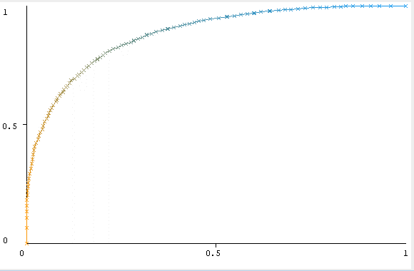
Random Forest | 79.352 | 79.47 | a b <-- classified as |  | 0.879
 |  |  | 2944 856 | a = fake
 |  |  | 712 3082 | b = real
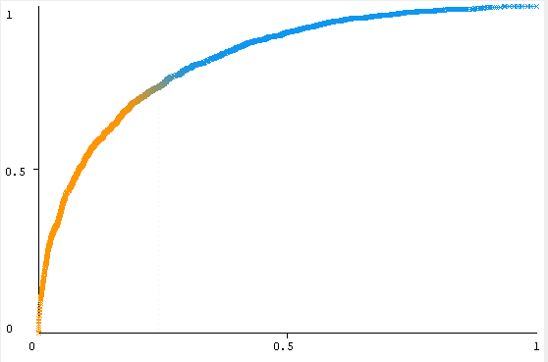
AdaBoost + Random Forest | 75.44 | 79.56 | a b <-- classified as |  | 0.852
 |  |  | 2853 947 | a = fake
 |  |  | 918 2876 | b = real
Naïve Bayes | 70.57 | 72.01 | a b <-- classified as | NA
 |  |  | 2145 1655 | a = fake
 |  |  | 580 3214 | b = real
3-Nearest Neighbour | 71.78 | 71.58 | a b <-- classified as | NA
 |  |  | 2613 1187 | a = fake
 |  |  | 956 2838 | b = real

