Instructions
Instructions for Roster Form

This form is to be used when we adjust someone's pattern of work or contracted hours within the same role and maintaining the same employment type. Any change in title, employment type or salary requires a new Contract (please go through TMS to raise a new job). You must select all the drop downs on this form in order to complete this. DO NOT print this out and write it all manually, otherwise we cannot run automatic checks on the paperwork, and it will be rejected. If putting together a Roster to go with a contract for a New or Existing Team Member, please use this Roster Form. Please look out for flags and follow the instructions they stipulate.

Please enter the Team Member's current employment Status (New Status if for a contract)

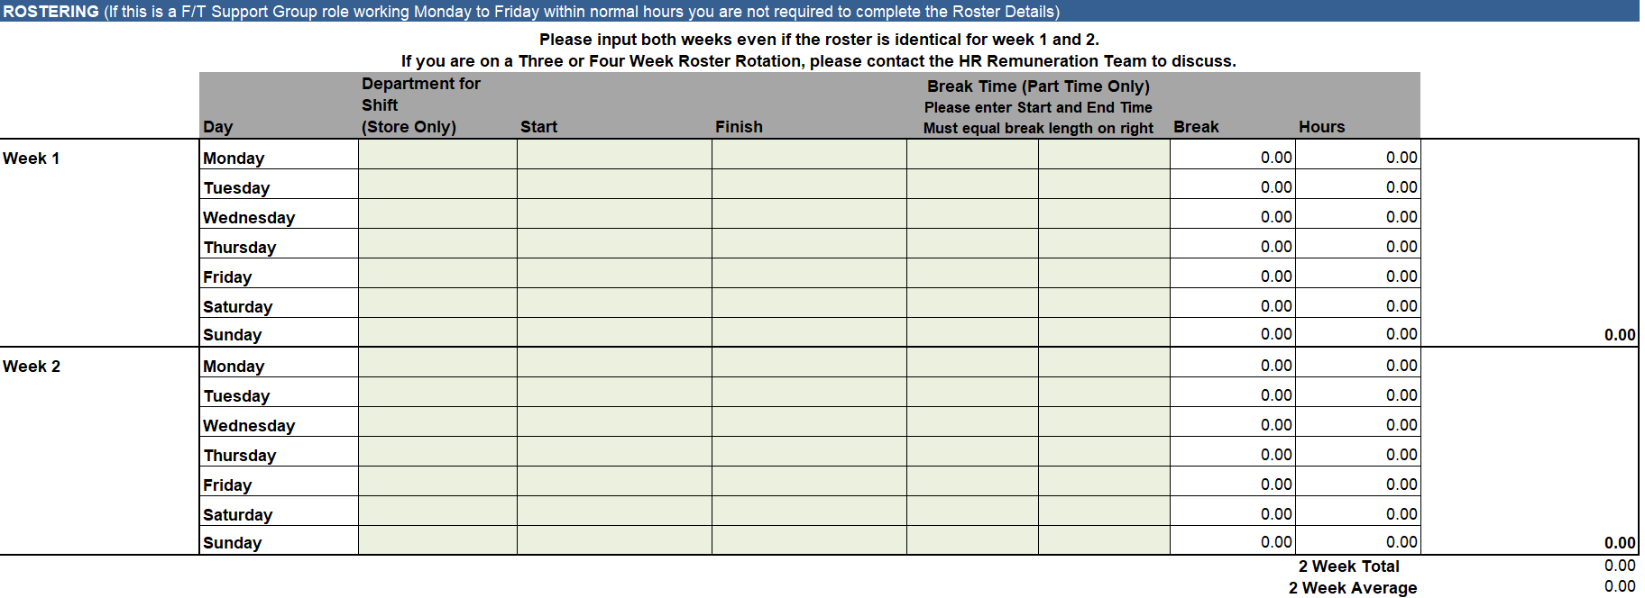
Using the drop down arrow on the bottom right corner of the cell, enter the Team Members New Roster. The first drop down "Department for Shift" is required for stores and is a NEW requirement. This is to support the roll out of Dayforce. Please select where the individual should be rostered for that shift within the store. Note: this is slightly different from the current system you use. Please consult with your Regional Manager if you are unsure which option to choose.

Please be sure to enter both weeks roster, even if the roster is identical for week 1 and week 2.

Once the rostered hours have been entered, the allocated break length will appear in the 'Break' column on the right. This dictates the break length that must be assigned to that shift. 0.5 is equal to 30 minutes, 0.75 is equal to 45 minutes, 1.0 is equal to 1 hour.

Enter the Break Start and Finish Time - This is a requirement for Part Time Team Members only.
Break times refer to unpaid meal breaks. You must ensure that team members take their break during their allocated break time slot where reasonably practicable.

Rules are in place to ensure legislative requirements are met. Some of these rules are negotiable if requested by the team member. Other rules are Non Negoitable and can not be broken.

Use the Roster Check at the bootm of the form to see if you have broken a rule. All Broken Rules will appear in RED stating ERROR

If Rules 1-4 are broken, please reconsider the roster and make changes if possible

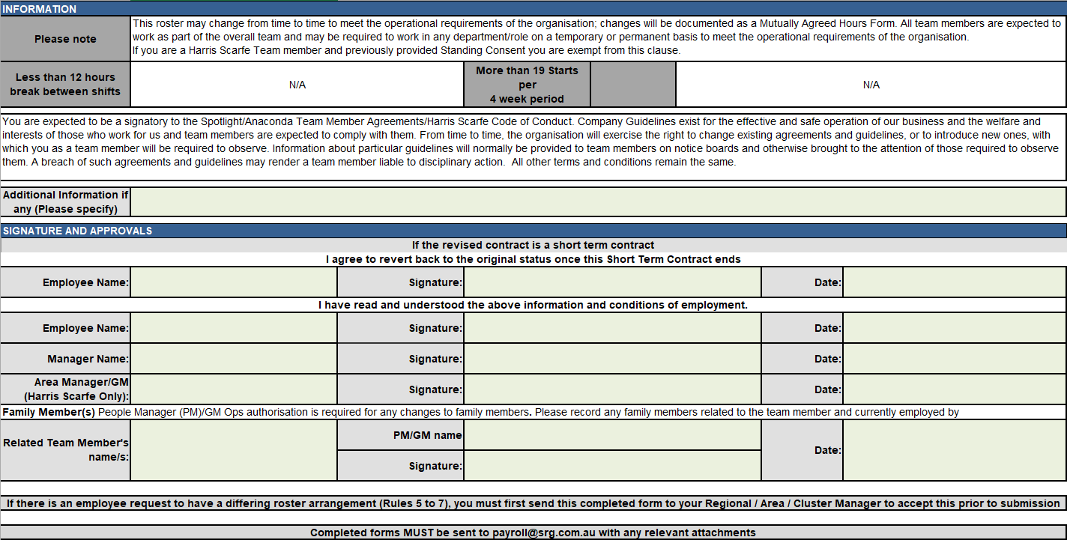
Rules 5, 6 & 7 can be broken, only if a Team Member has requested to do this. Documentation in the form of a letter from the Team Member is required to make this adjustement.

Rules 8 - 21 Must Not Be Broken. If these rules are broken the roster will not be approved as workplace legistation has been breached.

This form is to be printed and signed by both the Team Member and Manager on a single page to ensure signature field reflets what is agreed to to above. The signed document is to be forwarded to the Payroll department. The original document is to be provided to the Team Member. All Signatures and approvals MUST be recorded on the document. This cannot be done as an email. A Store Manager must have their Regional / Cluster or Area Manager sign the document as their manager. *Harris Scarfe COS forms require an Area Manager's signature.

