2019-03-18_KR
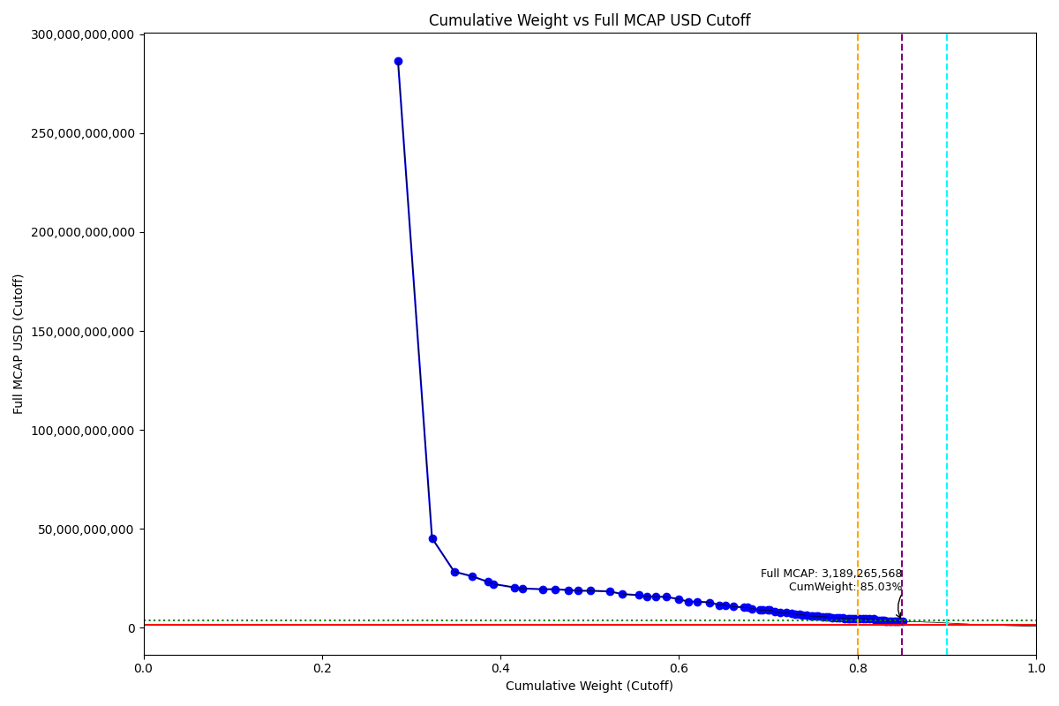
Date | Internal_Number | Instrument_Name | ENTITY_QID | Country | Free_Float_MCAP_USD_Cutoff_Company | Full_MCAP_USD_Cutoff_Company | Weight_Cutoff | CumWeight_Cutoff | Size | Case
2019-03-18 | KR002D | Samsung Electronics Co Ltd | E004YRA1J | KR | 2.5062482987E+11 | 2.863267432E+11 | 0.28520817303 | 0.28520817303 | Standard | Inside
2019-03-18 | KR00EP | SK HYNIX INC | E004YRBCK | KR | 33464880487 | 45308530310 | 0.038082648992 | 0.32329082202 | Standard | Inside
2019-03-18 | KR18H1 | HYUNDAI MOTOR PF.2 | E004YR9Z4 | KR | 21827395935 | 28386045598 | 0.024839325457 | 0.34813014748 | Standard | Inside
2019-03-18 | KR005G | LG Chem Ltd | E004YMVY2 | KR | 17830008875 | 26001350640 | 0.020290344972 | 0.36842049245 | Standard | Inside
2019-03-18 | KR063K | Celltrion | E004YM5UC | KR | 15596283835 | 23198399279 | 0.017748391574 | 0.38616888403 | Standard | Inside
2019-03-18 | KR70EW | SAMSUNG BIOLOGICS | E004YNP4A | KR | 5529747682.5 | 22118990730 | 0.0062927892447 | 0.39246167327 | Standard | Inside
2019-03-18 | KR003E | POSCO | E004YRDSS | KR | 20387116554 | 20387116554 | 0.023200304091 | 0.41566197736 | Standard | Inside
2019-03-18 | KR009K | Korea Electric Power Corp | E004YRDHG | KR | 7956510492 | 19891276474 | 0.0090544174028 | 0.42471639476 | Standard | Inside
2019-03-18 | KR00NY | NAVER CORP | E004YQLMC | KR | 19489167642 | 19489167642 | 0.02217844856 | 0.44689484332 | Standard | Inside
2019-03-18 | KR507N | SAMSUNG C&T CORP | E004YNK41 | KR | 12229169808 | 19479403963 | 0.013916654549 | 0.46081149787 | Standard | Inside
2019-03-18 | KR007I | Hyundai Mobis | E004YMUS3 | KR | 13454124199 | 19083864112 | 0.015310638553 | 0.47612213643 | Standard | Inside
2019-03-18 | KR048N | SK TELECOM | E004YRC5Y | KR | 9163733293.2 | 18701495432 | 0.010428223062 | 0.48655035949 | Standard | Inside
2019-03-18 | KR05Q6 | LG H&H | E004YNLDW | KR | 12812434970 | 18700329648 | 0.014580403593 | 0.50113076308 | Standard | Inside
2019-03-18 | KR00AL | Shinhan Financial Group Co Ltd | E004YRBW7 | KR | 18403251628 | 18403251628 | 0.02094268863 | 0.52207345171 | Standard | Inside
2019-03-18 | KR053J | SK HOLDINGS | E004YQLKO | KR | 12664080830 | 17046817648 | 0.014411578289 | 0.53648503 | Standard | Inside
2019-03-18 | KR008J | KB Financial Group Inc | E004YMD23 | KR | 16486744981 | 16486744981 | 0.018761726114 | 0.55524675611 | Standard | Inside
2019-03-18 | KR503J | SAMSUNG SDS | E004YN6Y7 | KR | 8109557845.9 | 15857563250 | 0.0092285835307 | 0.56447533964 | Standard | Inside
2019-03-18 | KR00BM | Samsung Life Insurance Co Ltd | E004YM8OF | KR | 8520348137.4 | 15772580780 | 0.0096960581565 | 0.5741713978 | Standard | Inside
2019-03-18 | KR00HS | SK INNOVATION | E004YRDLT | KR | 10433868237 | 15596052279 | 0.011873622015 | 0.58604501981 | Standard | Inside
2019-03-18 | KR00OZ | Samsung SDI Co Ltd | E004YRAIG | KR | 11677269584 | 14520355116 | 0.013288598443 | 0.59933361826 | Standard | Inside
2019-03-18 | KR17UD | SAMSUNG FIRE & MAR.IN.PF | E004YR81J | KR | 9445251522.3 | 13250000413 | 0.010748587568 | 0.61008220583 | Standard | Inside
2019-03-18 | KR00GR | Kia Motors Corp | E004YPZDH | KR | 8709913625.5 | 13172888121 | 0.0099117815011 | 0.61999398733 | Standard | Inside
2019-03-18 | KR00S3 | KT&G Corp | E004YQUWE | KR | 12877999630 | 12877999630 | 0.014655015422 | 0.63464900275 | Standard | Inside
2019-03-18 | KR00DO | LG Corp | E004YO9SG | KR | 8892224793.9 | 11506502063 | 0.010119249513 | 0.64476825226 | Standard | Inside
2019-03-18 | KR17RA | AMOREPACIFIC PF. | E004YMTGJ | KR | 6647498138.9 | 11441696867 | 0.0075647764047 | 0.65233302867 | Standard | Inside
2019-03-18 | KR18N7 | LG ELECTRONICS PF. | E004YPU7R | KR | 7239388944.2 | 10693144421 | 0.0082383413316 | 0.66057137 | Standard | Inside
2019-03-18 | KR06L2 | Hana Financial G | E004YR9JS | KR | 10370786700 | 10370786700 | 0.011801835952 | 0.67237320595 | Standard | Inside
2019-03-18 | KR03N1 | S-Oil | E004YRBGO | KR | 3890984630.1 | 10260014088 | 0.0044278957445 | 0.67680110169 | Standard | Inside
2019-03-18 | KR03Q4 | LOTTE CHEMICAL CORPORATION | E004YNK5N | KR | 4613710439.2 | 9721260933.9 | 0.0052503494006 | 0.6820514511 | Standard | Inside
2019-03-18 | KR05BR | NCsoft | E004YQNUI | KR | 7112307077 | 8988129757.3 | 0.0080937236288 | 0.69014517472 | Standard | Inside
2019-03-18 | KR718R | NETMARBLE CORP | E004YRR5G | KR | 2607180302.2 | 8919535758.4 | 0.0029669411891 | 0.69311211591 | Standard | Inside
2019-03-18 | KR00IT | WOORI FINANCIAL GROUP | E004YRS86 | KR | 5346037837 | 8895237665.6 | 0.0060837295541 | 0.69919584547 | Standard | Inside
2019-03-18 | KR71EX | CELLTRION HEALTHCARE | E004YTOAD | KR | 2373994903.8 | 8894698028.5 | 0.0027015788885 | 0.70189742436 | Standard | Inside
2019-03-18 | KR006H | Hyundai Heavy Industries Co Lt | E004YRDQK | KR | 5050058354.9 | 8086562618 | 0.0057469083086 | 0.70764433266 | Standard | Inside
2019-03-18 | KR056M | KAKAO CORP | E004YNJQ0 | KR | 5090489254.6 | 7673333214.6 | 0.0057929182073 | 0.71343725087 | Standard | Inside
2019-03-18 | KR03JX | Korea Zinc | E004YQFR7 | KR | 5597831076.1 | 7658819368 | 0.0063702673634 | 0.71980751824 | Standard | Inside
2019-03-18 | KR00KV | Samsung Electro-Mechanics Co L | E004YMCFN | KR | 5422484582.2 | 7105863690.5 | 0.0061707250706 | 0.72597824331 | Standard | Inside
2019-03-18 | KR001C | Industrial Bank of Korea | E004YR9YX | KR | 3346970433.8 | 6945363008.5 | 0.0038088138478 | 0.72978705715 | Standard | Inside
2019-03-18 | KR00FQ | LG Display Co Ltd | E004YP8J8 | KR | 4198160825.3 | 6760323390.2 | 0.0047774587207 | 0.73456451587 | Standard | Inside
2019-03-18 | KR04VA | KT Corp | E004YRDSX | KR | 3236339005.6 | 6604773480.7 | 0.0036829165553 | 0.73824743243 | Standard | Inside
2019-03-18 | KR04IX | COWAY CO | E004YMY3K | KR | 4374821083 | 6207180878.2 | 0.0049784960615 | 0.74322592849 | Standard | Inside
2019-03-18 | KR00LW | HYUNDAI STEEL CO | E004YOZBR | KR | 3788247125.4 | 5914515418.2 | 0.0043109816461 | 0.74753691014 | Standard | Inside
2019-03-18 | KR04DS | HANON SYSTEMS | E004YNK42 | KR | 1773221797 | 5908769733.6 | 0.0020179060047 | 0.74955481614 | Standard | Inside
2019-03-18 | KR055L | Kangwon Land | E004YSJFY | KR | 3431935412.2 | 5877608172.9 | 0.0039055030157 | 0.75346031916 | Standard | Inside
2019-03-18 | KR04YD | LG Uplus | E004YQBMC | KR | 2438183657.6 | 5822847768.5 | 0.0027746249518 | 0.75623494411 | Standard | Inside
2019-03-18 | KR01AM | Hyundai Eng&Con | E004YNAZX | KR | 3685576445.8 | 5663147581.2 | 0.004194143594 | 0.7604290877 | Standard | Inside
2019-03-18 | KR02O1 | LOTTE CORP | E004YN6Y2 | KR | 3969468636.8 | 5503214524.9 | 0.0045172096412 | 0.76494629734 | Standard | Inside
2019-03-18 | KR01ZB | AMOREG | E004YNAXW | KR | 2477352405.8 | 5373866390 | 0.0028191985366 | 0.76776549588 | Standard | Inside
2019-03-18 | KR70SA | HYUNDAI HEAVY INDUSTRIES HLDS | E004YOXDC | KR | 3612145848.8 | 5227418015.7 | 0.0041105804194 | 0.7718760763 | Standard | Inside
2019-03-18 | KR03KY | Samsung Heavy In | E004YMCFI | KR | 3898895655.3 | 5130800967.6 | 0.0044368984002 | 0.7763129747 | Standard | Inside
2019-03-18 | KR10EQ | HanmiPharm | E004YNZZK | KR | 2597018270.9 | 5102196995.8 | 0.0029553769144 | 0.77926835162 | Standard | Inside
2019-03-18 | KR1J61 | MIRAE ASSET SECURITIES 2PREF | E004YMXTQ | KR | 3713934976.8 | 4886096815.7 | 0.004226415276 | 0.78349476689 | Standard | Inside
2019-03-18 | KR00U5 | Lotte Shopping Co Ltd | E004YMWXF | KR | 2029637002.2 | 4775616475.7 | 0.0023097035582 | 0.78580447045 | Standard | Inside
2019-03-18 | KR20LY | HANKOOK TIRE | E004YMH7B | KR | 3019467873.9 | 4708354707.5 | 0.0034361197025 | 0.78924059015 | Standard | Inside
2019-03-18 | KR03FT | HANMI SCIENCE | E004YO1NM | KR | 2212983070.9 | 4690510960 | 0.0025183492751 | 0.79175893943 | Standard | Inside
2019-03-18 | KR06K1 | HYUNDAI GLOVIS CO LTD | E004YOW20 | KR | 2695770999.7 | 4651088681.2 | 0.0030677563836 | 0.79482669581 | Standard | Inside
2019-03-18 | KR057N | CJ ENM | E004YM7P3 | KR | 2276335655.4 | 4645582776.7 | 0.0025904437874 | 0.7974171396 | Standard | Inside
2019-03-18 | KR70UC | SILLAJEN | E004YMLZB | KR | 4365369835.7 | 4603849225.6 | 0.0049677406509 | 0.80238488025 | Standard | Inside
2019-03-18 | KR02XA | DB Insurance | E004YMV0L | KR | 3653269788.3 | 4563734901 | 0.0041573789893 | 0.80654225924 | Standard | Inside
2019-03-18 | KR51IZ | CJ CHEIL JEDANG 1P | E004YR8PS | KR | 2522243658.2 | 4462942432.9 | 0.0028702842654 | 0.8094125435 | Standard | Inside
2019-03-18 | KR17P8 | E-MART | E004YOMJ4 | KR | 3209815605.5 | 4461175268.2 | 0.0036527332311 | 0.81306527673 | Standard | Inside
2019-03-18 | KR06EV | GS Holdings | E004YNP8D | KR | 4195028474 | 4427938013.5 | 0.0047738941409 | 0.81783917088 | Standard | Inside
2019-03-18 | KR058O | Korea Gas | E004YRAEB | KR | 1233590332.8 | 4111968089.2 | 0.0014038116067 | 0.81924298248 | Standard | Inside
2019-03-18 | KR209M | VIROMED | E004YPXP3 | KR | 3536702714.7 | 3941054952.8 | 0.0040247270007 | 0.82326770948 | Standard | Inside
2019-03-18 | KR70ZH | ORION KR | E004YPQMA | KR | 2108833939.3 | 3919037240.9 | 0.0023998287615 | 0.82566753824 | Standard | Inside
2019-03-18 | KR00ZA | CJ LOGISTICS | E004YOZBB | KR | 2306026228.4 | 3853653456.5 | 0.0026242313178 | 0.82829176956 | Standard | Inside
2019-03-18 | KR108K | POSCO CHEMTECH | E004YNHIC | KR | 1447422531.8 | 3618556329.5 | 0.0016471501891 | 0.82993891975 | Standard | Inside
2019-03-18 | KR04T8 | Samsung Card | E004YMS6W | KR | 986304340.97 | 3507483431.6 | 0.0011224029929 | 0.83106132274 | Standard | Inside
2019-03-18 | KR03ZD | S-1 Corporation | E004YSJDN | KR | 1998028734.3 | 3446065426.6 | 0.002273733713 | 0.83333505646 | Standard | Inside
2019-03-18 | KR02ZC | NH INV&SEC | E004YOR8Y | KR | 1809596159.7 | 3413090381.1 | 0.002059299611 | 0.83539435607 | Standard | Inside
2019-03-18 | KR03HV | HANWHA CHEMICAL | E004YOD2O | KR | 2154527124.9 | 3393490510.2 | 0.002451827081 | 0.83784618315 | Standard | Inside
2019-03-18 | KR068P | Kr Inv Holdings | E004YR7YF | KR | 2570380059.3 | 3388160941.7 | 0.0029250629361 | 0.84077124609 | Standard | Inside
2019-03-18 | KR50AQ | CJ PF | E004YP194 | KR | 2009305825.6 | 3373347435.8 | 0.0022865669131 | 0.843057813 | Standard | Inside
2019-03-18 | KR71H0 | BGF RETAIL | E004YU4RW | KR | 1693883885.5 | 3273205575.9 | 0.0019276203741 | 0.84498543337 | Standard | Inside
2019-03-18 | KR101D | HANWHA LIFE | E004YO4LE | KR | 1505721065.5 | 3220104930.6 | 0.0017134932498 | 0.84669892662 | Standard | Inside
2019-03-18 | KR19UF | KOREA AEROSPACE INDS. | E004YNLX5 | KR | 3189265567.7 | 3189265567.7 | 0.0036293475245 | 0.85032827415 | Standard | Inside

2019-06-24_KR
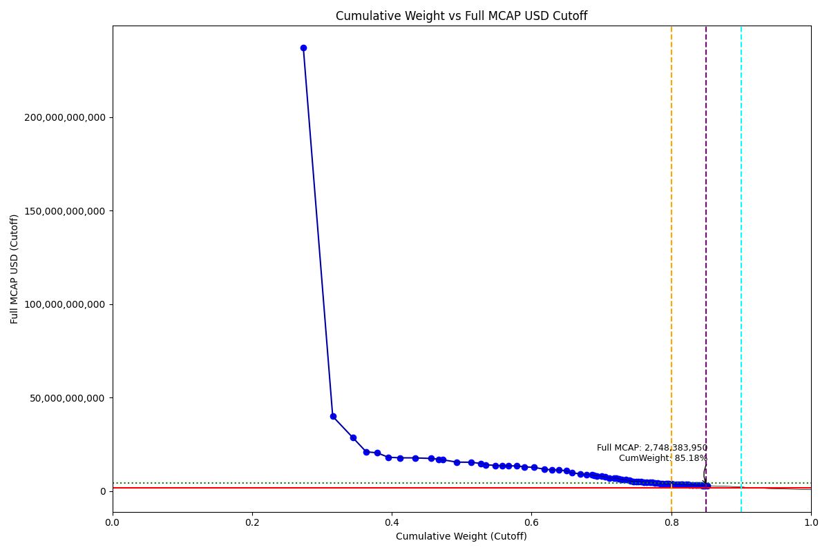
Date | ENTITY_QID | Country | Internal_Number | Instrument_Name | Free_Float_MCAP_USD_Cutoff_Company | Full_MCAP_USD_Cutoff_Company | Weight_Cutoff | CumWeight_Cutoff | Size | Case | Shadow_Company
2019-06-24 | E004YRA1J | KR | KR002D | Samsung Electronics Co Ltd | 2.0761779205E+11 | 2.3708062365E+11 | 0.27343605303 | 0.27343605303 | Standard | Inside
2019-06-24 | E004YRBCK | KR | KR00EP | SK HYNIX INC | 31905139331 | 39916350971 | 0.042019594197 | 0.31545564723 | Standard | Inside
2019-06-24 | E004YR9Z4 | KR | KR004F | Hyundai Motor Co | 21924330084 | 28510093656 | 0.028874703966 | 0.34433035119 | Standard | Inside
2019-06-24 | E004YMVY2 | KR | KR005G | LG Chem Ltd | 14400168007 | 20980870947 | 0.018965258536 | 0.36329560973 | Standard | Inside
2019-06-24 | E004YM5UC | KR | KR063K | Celltrion | 11849849068 | 20413176689 | 0.015606446472 | 0.3789020562 | Standard | Inside
2019-06-24 | E004YNLDW | KR | KR05Q6 | LG H&H | 12341637692 | 18044968473 | 0.016254140192 | 0.39515619639 | Standard | Inside
2019-06-24 | E004YMUS3 | KR | KR007I | Hyundai Mobis | 12392642317 | 17736714351 | 0.016321314124 | 0.41147751052 | Standard | Inside
2019-06-24 | E004YRBW7 | KR | KR00AL | Shinhan Financial Group Co Ltd | 16801237798 | 17698554512 | 0.022127507013 | 0.43360501753 | Standard | Inside
2019-06-24 | E004YRDSS | KR | KR003E | POSCO | 17386789154 | 17386789154 | 0.022898687797 | 0.45650370533 | Standard | Inside
2019-06-24 | E004YRC5Y | KR | KR048N | SK TELECOM | 8322008587 | 16983690009 | 0.01096022243 | 0.46746392776 | Standard | Inside
2019-06-24 | E004YNP4A | KR | KR70EW | SAMSUNG BIOLOGICS | 4178388010.2 | 16666884764 | 0.0055030058565 | 0.47296693361 | Standard | Inside
2019-06-24 | E004YQLMC | KR | KR00NY | NAVER CORP | 15430224117 | 15430224117 | 0.020321859405 | 0.49328879302 | Standard | Inside
2019-06-24 | E004YMD23 | KR | KR008J | KB Financial Group Inc | 15376982598 | 15376982598 | 0.020251739447 | 0.51354053247 | Standard | Inside
2019-06-24 | E004YNK41 | KR | KR507N | SAMSUNG C&T CORP | 10548069983 | 14701142834 | 0.013891981968 | 0.52743251443 | Standard | Inside
2019-06-24 | E004YRDHG | KR | KR009K | Korea Electric Power Corp | 5605946149.4 | 14014865545 | 0.0073831234475 | 0.53481563788 | Standard | Inside
2019-06-24 | E004YQLKO | KR | KR053J | SK HOLDINGS | 10160471894 | 13676769274 | 0.013381508898 | 0.54819714678 | Standard | Inside
2019-06-24 | E004YM8OF | KR | KR00BM | Samsung Life Insurance Co Ltd | 7329946375.1 | 13568949232 | 0.0096536601511 | 0.55785080693 | Standard | Inside
2019-06-24 | E004YN6Y7 | KR | KR503J | SAMSUNG SDS | 6877843792 | 13449049261 | 0.0090582335998 | 0.56690904053 | Standard | Inside
2019-06-24 | E004YPZDH | KR | KR00GR | Kia Motors Corp | 8855782056.7 | 13393499783 | 0.011663210885 | 0.57857225142 | Standard | Inside
2019-06-24 | E004YRDLT | KR | KR80Q9 | SK INNOVATION PREFERRED | 8656589529.2 | 12935323598 | 0.011400871044 | 0.58997312246 | Standard | Inside
2019-06-24 | E004YRAIG | KR | KR00OZ | Samsung SDI Co Ltd | 10145766200 | 12615973887 | 0.013362141256 | 0.60333526372 | Standard | Inside
2019-06-24 | E004YQUWE | KR | KR00S3 | KT&G Corp | 11643218261 | 11643218261 | 0.015334310294 | 0.61866957401 | Standard | Inside
2019-06-24 | E004YR81J | KR | KR17UD | SAMSUNG FIRE & MAR.IN.PF | 8058264772.6 | 11287975974 | 0.010612867481 | 0.62928244149 | Standard | Inside
2019-06-24 | E004YPU7R | KR | KR18N7 | LG ELECTRONICS PF. | 7622756503 | 11259232556 | 0.010039295914 | 0.6393217374 | Standard | Inside
2019-06-24 | E004YO9SG | KR | KR60S9 | LG PF. | 8330618691.5 | 10743578423 | 0.01097156208 | 0.65029329948 | Standard | Inside
2019-06-24 | E004YMTGJ | KR | KR17RA | AMOREPACIFIC PF. | 5617008125 | 9669244623.7 | 0.0073976922517 | 0.65769099174 | Standard | Inside
2019-06-24 | E004YR9JS | KR | KR06L2 | Hana Financial G | 9151304793.7 | 9151304793.7 | 0.012052419199 | 0.66974341093 | Standard | Inside
2019-06-24 | E004YQNUI | KR | KR05BR | NCsoft | 6949981829.6 | 8782992328.6 | 0.0091532405839 | 0.67889665152 | Standard | Inside
2019-06-24 | E004YNJQ0 | KR | KR056M | KAKAO CORP | 5783752536.5 | 8717034719.7 | 0.0076172973891 | 0.68651394891 | Standard | Inside
2019-06-24 | E004YRR5G | KR | KR718R | NETMARBLE CORP | 2400630906.7 | 8173751810.5 | 0.0031616704592 | 0.68967561937 | Standard | Inside
2019-06-24 | E004YRBGO | KR | KR03N1 | S-Oil | 3074337180.1 | 8097360737.1 | 0.0040489527219 | 0.69372457209 | Standard | Inside
2019-06-24 | E004YRS86 | KR | KR00IT | WOORI FINANCIAL GROUP | 5470002911.8 | 7889806594.3 | 0.0072040839637 | 0.70092865605 | Standard | Inside
2019-06-24 | E004YNK5N | KR | KR03Q4 | LOTTE CHEMICAL CORPORATION | 3523993295.6 | 7425186042.2 | 0.0046411572349 | 0.70556981329 | Standard | Inside
2019-06-24 | E004YRDQK | KR | KR006H | KOREA SHIPBUILDING & OFFSHORE | 4360572259.2 | 6982501616 | 0.0057429455142 | 0.7113127588 | Standard | Inside
2019-06-24 | E004YQFR7 | KR | KR03JX | Korea Zinc | 5060764873.2 | 6924018160.1 | 0.0066651107239 | 0.71797786953 | Standard | Inside
2019-06-24 | E004YTOAD | KR | KR71EX | CELLTRION HEALTHCARE | 2660013313.2 | 6846881115.1 | 0.0035032813623 | 0.72148115089 | Standard | Inside
2019-06-24 | E004YR9YX | KR | KR001C | Industrial Bank of Korea | 3056816134.4 | 6512177533.9 | 0.004025877216 | 0.7255070281 | Standard | Inside
2019-06-24 | E004YRDSX | KR | KR04VA | KT Corp | 3002681479.9 | 6127921387.5 | 0.003954580984 | 0.72946160909 | Standard | Inside
2019-06-24 | E004YMCFN | KR | KR00KV | Samsung Electro-Mechanics Co L | 4556246508.2 | 5970706995.4 | 0.0060006517243 | 0.73546226081 | Standard | Inside
2019-06-24 | E004YSJFY | KR | KR055L | Kangwon Land | 3256851428.8 | 5577755486.8 | 0.0042893269946 | 0.73975158781 | Standard | Inside
2019-06-24 | E004YNK42 | KR | KR04DS | HANON SYSTEMS | 1560297509.3 | 5199258611.4 | 0.0020549375286 | 0.74180652534 | Standard | Inside
2019-06-24 | E004YP8J8 | KR | KR00FQ | LG Display Co Ltd | 3190450155.6 | 5137600894.7 | 0.0042018754237 | 0.74600840076 | Standard | Inside
2019-06-24 | E004YOW20 | KR | KR06K1 | HYUNDAI GLOVIS CO LTD | 2965636177.5 | 5116694578.1 | 0.0039057917103 | 0.74991419247 | Standard | Inside
2019-06-24 | E004YQBMC | KR | KR04YD | LG Uplus | 2141435908.5 | 5114157525.5 | 0.0028203063758 | 0.75273449885 | Standard | Inside
2019-06-24 | E004YMY3K | KR | KR04IX | WOONGJIN COWAY | 3312170019.5 | 4963539666.6 | 0.0043621824901 | 0.75709668134 | Standard | Inside
2019-06-24 | E004YNAZX | KR | KR01AM | Hyundai Eng&Con | 3127722614.4 | 4805965910.2 | 0.0041192622184 | 0.76121594355 | Standard | Inside
2019-06-24 | E004YOZBR | KR | KR00LW | HYUNDAI STEEL CO | 2928120998.5 | 4571617484 | 0.0038563836015 | 0.76507232716 | Standard | Inside
2019-06-24 | E004YMXTQ | KR | KR1J61 | MIRAE ASSET SECURITIES 2PREF | 3473857582.8 | 4566203844 | 0.004575127675 | 0.76964745483 | Standard | Inside
2019-06-24 | E004YNAXW | KR | KR01ZB | AMOREG | 2068304787.9 | 4486561362 | 0.002723991485 | 0.77237144632 | Standard | Inside
2019-06-24 | E004YOXDC | KR | KR70SA | HYUNDAI HEAVY INDUSTRIES HLDS | 2986076121.6 | 4321383678.1 | 0.0039327114535 | 0.77630415777 | Standard | Inside
2019-06-24 | E004YMCFI | KR | KR03KY | Samsung Heavy In | 3155524175.8 | 4152551882.8 | 0.0041558773329 | 0.7804600351 | Standard | Inside
2019-06-24 | E004YNC2M | KR | KR10BN | Fila Korea | 3198518802.1 | 4002651485.6 | 0.0042125019642 | 0.78467253707 | Standard | Inside
2019-06-24 | E004YNZZK | KR | KR10EQ | HanmiPharm | 2028130206 | 3984538715.1 | 0.0026710808986 | 0.78734361796 | Standard | Inside
2019-06-24 | E004YNP8D | KR | KR06EV | GS Holdings | 3703084015.5 | 3908680615.9 | 0.0048770226638 | 0.79222064063 | Standard | Inside
2019-06-24 | E004YMWXF | KR | KR00U5 | Lotte Shopping Co Ltd | 1605686306.1 | 3778085426.2 | 0.0021147153219 | 0.79433535595 | Standard | Inside
2019-06-24 | E004YO1NM | KR | KR03FT | HANMI SCIENCE | 1771179121.9 | 3754088855.2 | 0.0023326720871 | 0.79666802804 | Standard | Inside
2019-06-24 | E004YN6Y2 | KR | KR02O1 | LOTTE CORP | 2681309659.3 | 3717329348.8 | 0.003531329001 | 0.80019935704 | Standard | Inside
2019-06-24 | E004YR8PS | KR | KR51IZ | CJ CHEIL JEDANG 1P | 2104691360.7 | 3683719201.4 | 0.0027719132008 | 0.80297127024 | Standard | Inside
2019-06-24 | E004YMV0L | KR | KR02XA | DB Insurance | 2926675492.3 | 3656059328.3 | 0.003854479846 | 0.80682575009 | Standard | Inside
2019-06-24 | E004YMH7B | KR | KR20LY | HANKOOK TIRE & TECHNOLOGY | 2330989497.1 | 3640464621.5 | 0.0030699515753 | 0.80989570166 | Standard | Inside
2019-06-24 | E004YR7YF | KR | KR518P | KOREA INVESTMENT 1P | 2732035155.4 | 3598940182.7 | 0.0035981353152 | 0.81349383698 | Standard | Inside
2019-06-24 | E004YMS6W | KR | KR04T8 | Samsung Card | 1006693729 | 3579991923.9 | 0.0013258322283 | 0.8148196692 | Standard | Inside | TRUE
2019-06-24 | E004YM7P3 | KR | KR057N | CJ ENM | 1171010589.3 | 3527502917.1 | 0.0015422402408 | 0.81636190944 | Standard | Inside | TRUE
2019-06-24 | E004YPAU2 | KR | KR06M3 | MACQUARIE KOREA INFR.FD. | 3187091519.9 | 3502298373.6 | 0.0041974520453 | 0.82055936149 | Standard | Inside
2019-06-24 | E004YOMJ4 | KR | KR17P8 | E-MART | 2408225897 | 3370505104.3 | 0.0031716731865 | 0.82373103468 | Standard | Inside
2019-06-24 | E004YOR8Y | KR | KR189T | NH INVESTMENT & SECURITIES.PF. | 1766420342.3 | 3332977958.1 | 0.002326404696 | 0.82605743937 | Standard | Inside
2019-06-24 | E004YMLZB | KR | KR70UC | SILLAJEN | 3052083666.9 | 3218479032.8 | 0.0040196444782 | 0.83007708385 | Standard | Inside
2019-06-24 | E004YRAEB | KR | KR058O | Korea Gas | 960370916.09 | 3201236630.7 | 0.0012648243205 | 0.83134190817 | Standard | Inside | TRUE
2019-06-24 | E004YPW5X | KR | KR03ES | Hotel Shilla | 2730671097.7 | 3117560335.3 | 0.0035963388288 | 0.834938247 | Standard | Inside
2019-06-24 | E004YSJDN | KR | KR03ZD | S-1 Corporation | 1775940892 | 3063023270.1 | 0.0023389434169 | 0.83727719042 | Standard | Inside
2019-06-24 | E004YOZBB | KR | KR00ZA | CJ LOGISTICS | 1828214063 | 3055170559.8 | 0.0024077880443 | 0.83968497846 | Standard | Inside
2019-06-24 | E004YQKSO | KR | KR012E | Daelim Ind | 2368931928.5 | 3024297112.9 | 0.0031199223826 | 0.84280490084 | Standard | Inside
2019-06-24 | E004YPQMA | KR | KR70ZH | ORION KR | 1536107758.2 | 2854688270.2 | 0.0020230792279 | 0.84482798007 | Standard | Inside
2019-06-24 | E004YP3G8 | KR | KR70VD | DOOSAN BOBCAT | 1246168397.8 | 2836713857.9 | 0.0016412243129 | 0.84646920438 | Standard | Inside | TRUE
2019-06-24 | E004YOD2O | KR | KR03HV | HANWHA CHEMICAL | 1785145190.1 | 2828176790.5 | 0.0023510656291 | 0.84882027001 | Standard | Inside
2019-06-24 | E004YQVQO | KR | KR04O3 | Samsung Eng | 2235535504.6 | 2748383949.6 | 0.0029442370944 | 0.85176450711 | Standard | Inside

2019-09-23_KR
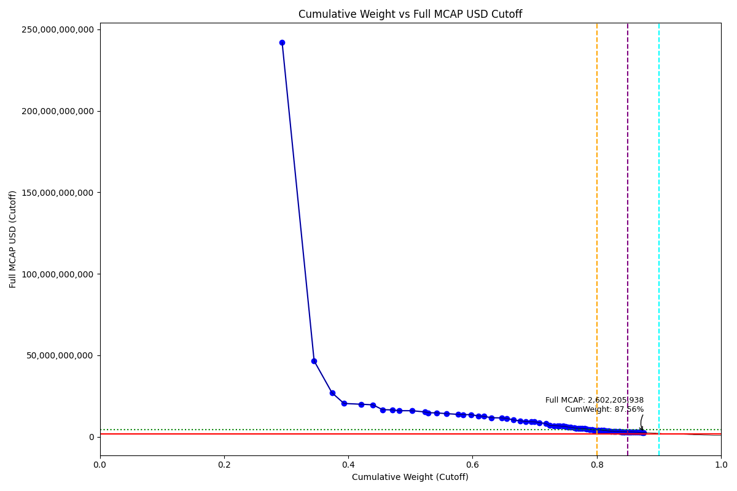
Date | ENTITY_QID | Country | Internal_Number | Instrument_Name | Free_Float_MCAP_USD_Cutoff_Company | Full_MCAP_USD_Cutoff_Company | Weight_Cutoff | CumWeight_Cutoff | Size | Case | Shadow_Company
2019-09-23 | E004YRA1J | KR | KR002D | Samsung Electronics Co Ltd | 2.1187741446E+11 | 2.4186550878E+11 | 0.29350670756 | 0.29350670756 | Standard | Inside
2019-09-23 | E004YRBCK | KR | KR00EP | SK HYNIX INC | 37179116316 | 46514595666 | 0.051502988405 | 0.34500969597 | Standard | Inside
2019-09-23 | E004YR9Z4 | KR | KR004F | Hyundai Motor Co | 20754645758 | 26942237963 | 0.028750717761 | 0.37376041373 | Standard | Inside
2019-09-23 | E004YMVY2 | KR | KR18K4 | LG CHEM 1PF | 13971946697 | 20393057367 | 0.019354871229 | 0.39311528496 | Standard | Inside
2019-09-23 | E004YQLMC | KR | KR00NY | NAVER CORP | 19931759099 | 19931759099 | 0.027610800349 | 0.42072608531 | Standard | Inside
2019-09-23 | E004YMUS3 | KR | KR007I | Hyundai Mobis | 13660168002 | 19550834409 | 0.018922974613 | 0.43964905992 | Standard | Inside
2019-09-23 | E004YM5UC | KR | KR063K | Celltrion | 11206899356 | 16583159746 | 0.015524543474 | 0.45517360339 | Standard | Inside
2019-09-23 | E004YNLDW | KR | KR05Q6 | LG H&H | 11286194719 | 16458952588 | 0.015634388693 | 0.47080799209 | Standard | Inside
2019-09-23 | E004YRC5Y | KR | KR048N | SK TELECOM | 7822338136.8 | 15963954455 | 0.010836023829 | 0.48164401592 | Standard | Inside
2019-09-23 | E004YRBW7 | KR | KR00AL | Shinhan Financial Group Co Ltd | 15142855030 | 15951601211 | 0.020976891446 | 0.50262090736 | Standard | Inside
2019-09-23 | E004YRDSS | KR | KR003E | POSCO | 15186191324 | 15186191324 | 0.021036923768 | 0.52365783113 | Standard | Inside
2019-09-23 | E004YNP4A | KR | KR70EW | SAMSUNG BIOLOGICS | 3683413115 | 14692513422 | 0.0051025091973 | 0.52876034033 | Standard | Inside
2019-09-23 | E004YPZDH | KR | KR00GR | Kia Motors Corp | 9668837434.4 | 14623166114 | 0.013393917651 | 0.54215425798 | Standard | Inside
2019-09-23 | E004YRAIG | KR | KR00OZ | Samsung SDI Co Ltd | 11389760632 | 14162845849 | 0.015777855093 | 0.55793211307 | Standard | Inside
2019-09-23 | E004YMD23 | KR | KR008J | KB Financial Group Inc | 13702447833 | 13702447833 | 0.018981543451 | 0.57691365652 | Standard | Inside
2019-09-23 | E004YRDHG | KR | KR009K | Korea Electric Power Corp | 5415980802.7 | 13539952173 | 0.0075025773638 | 0.58441623389 | Standard | Inside
2019-09-23 | E004YNK41 | KR | KR507N | SAMSUNG C&T CORP | 9707238099.9 | 13529251707 | 0.013447112811 | 0.5978633467 | Standard | Inside
2019-09-23 | E004YRDLT | KR | KR80Q9 | SK INNOVATION PREFERRED | 8510031492.6 | 12716580310 | 0.011788662473 | 0.60965200917 | Standard | Inside
2019-09-23 | E004YN6Y7 | KR | KR503J | SAMSUNG SDS | 6402486509.9 | 12519527786 | 0.0088691507801 | 0.61852115995 | Standard | Inside
2019-09-23 | E004YQLKO | KR | KR053J | SK HOLDINGS | 8678644429.7 | 11616442819 | 0.012022236344 | 0.63054339629 | Standard | Inside
2019-09-23 | E004YQUWE | KR | KR00S3 | KT&G Corp | 11560123528 | 11560123528 | 0.016013853126 | 0.64655724942 | Standard | Inside
2019-09-23 | E004YM8OF | KR | KR00BM | Samsung Life Insurance Co Ltd | 6082532659 | 11259779080 | 0.0084259293939 | 0.65498317881 | Standard | Inside
2019-09-23 | E004YO9SG | KR | KR00DO | LG Corp | 7960818896.3 | 10265106754 | 0.011027856602 | 0.66601103542 | Standard | Inside
2019-09-23 | E004YQNUI | KR | KR05BR | NCsoft | 7693165833.8 | 9720957586.3 | 0.010657085751 | 0.67666812117 | Standard | Inside
2019-09-23 | E004YR81J | KR | KR00JU | Samsung Fire & Marine Insuranc | 6694158167.8 | 9377280780.4 | 0.0092731937887 | 0.68594131496 | Standard | Inside
2019-09-23 | E004YNJQ0 | KR | KR056M | KAKAO CORP | 6150304233.5 | 9258323398.3 | 0.008519811093 | 0.69446112605 | Standard | Inside
2019-09-23 | E004YRBGO | KR | KR03N1 | S-Oil | 3462860578.7 | 9178221514.1 | 0.0047969851331 | 0.69925811118 | Standard | Inside
2019-09-23 | E004YPU7R | KR | KR18N7 | LG ELECTRONICS PF. | 5859563829.4 | 8647798342.2 | 0.0081170581193 | 0.7073751693 | Standard | Inside
2019-09-23 | E004YR9JS | KR | KR06L2 | Hana Financial G | 8055089947.3 | 8055089947.3 | 0.011158447141 | 0.71853361644 | Standard | Inside
2019-09-23 | E004YMTGJ | KR | KR17RA | AMOREPACIFIC PF. | 4009390884.7 | 6902706050.3 | 0.0055540753171 | 0.72408769176 | Standard | Inside
2019-09-23 | E004YQFR7 | KR | KR03JX | Korea Zinc | 4952615566 | 6776050849.7 | 0.0068606929734 | 0.73094838473 | Standard | Inside
2019-09-23 | E004YRS86 | KR | KR00IT | WOORI FINANCIAL GROUP | 4603947438.7 | 6640628066.8 | 0.0063776946589 | 0.73732607939 | Standard | Inside
2019-09-23 | E004YRR5G | KR | KR718R | NETMARBLE CORP | 1956241491.7 | 6611157457.7 | 0.0027099160187 | 0.74003599541 | Standard | Inside
2019-09-23 | E004YRDQK | KR | KR006H | KOREA SHIPBUILDING & OFFSHORE | 4013367637.3 | 6426529443.3 | 0.0055595841797 | 0.74559557959 | Standard | Inside
2019-09-23 | E004YNK5N | KR | KR03Q4 | LOTTE CHEMICAL CORPORATION | 3021402079.8 | 6366207500.6 | 0.0041854474151 | 0.749781027 | Standard | Inside
2019-09-23 | E004YR9YX | KR | KR001C | Industrial Bank of Korea | 2762524341.8 | 5885224417.9 | 0.0038268327287 | 0.75360785973 | Standard | Inside
2019-09-23 | E004YRDSX | KR | KR04VA | KT Corp | 2851686997.5 | 5819769382.6 | 0.0039503467784 | 0.75755820651 | Standard | Inside
2019-09-23 | E004YMCFN | KR | KR00KV | Samsung Electro-Mechanics Co L | 4192360366.9 | 5493854497.3 | 0.0058075368313 | 0.76336574334 | Standard | Inside
2019-09-23 | E004YTOAD | KR | KR71EX | CELLTRION HEALTHCARE | 2163877961.4 | 5258512664.5 | 0.0029975478871 | 0.76636329123 | Standard | Inside
2019-09-23 | E004YMY3K | KR | KR04IX | WOONGJIN COWAY | 3422967970.6 | 5129578856 | 0.0047417232352 | 0.77110501447 | Standard | Inside
2019-09-23 | E004YNK42 | KR | KR04DS | HANON SYSTEMS | 1533974193.5 | 5111543463.8 | 0.0021249632301 | 0.7732299777 | Standard | Inside
2019-09-23 | E004YSJFY | KR | KR055L | Kangwon Land | 2662711786.7 | 4989154556.2 | 0.0036885657289 | 0.77691854342 | Standard | Inside
2019-09-23 | E004YOW20 | KR | KR06K1 | HYUNDAI GLOVIS CO LTD | 2870748367.2 | 4952982000 | 0.0039767518574 | 0.78089529528 | Standard | Inside
2019-09-23 | E004YQBMC | KR | KR04YD | LG Uplus | 1990811498.6 | 4757562066.5 | 0.0027578046949 | 0.78365309998 | Standard | Inside
2019-09-23 | E004YMXTQ | KR | KR1J61 | MIRAE ASSET SECURITIES 2PREF | 3404794178.7 | 4515860140.5 | 0.0047165476881 | 0.78836964766 | Standard | Inside
2019-09-23 | E004YOXDC | KR | KR70SA | HYUNDAI HEAVY INDUSTRIES HLDS | 3079696808.3 | 4456869476.5 | 0.004266201156 | 0.79263584882 | Standard | Inside
2019-09-23 | E004YNAXW | KR | KR50EU | AMOREPACIFIC GROUP PF 1P | 1980667494 | 4145329133.8 | 0.002743752544 | 0.79537960136 | Standard | Inside
2019-09-23 | E004YP8J8 | KR | KR00FQ | LG Display Co Ltd | 2558825673.2 | 4120492227.3 | 0.0035446557646 | 0.79892425713 | Standard | Inside
2019-09-23 | E004YOZBR | KR | KR00LW | HYUNDAI STEEL CO | 2631772387.3 | 4108934250.2 | 0.003645706412 | 0.80256996354 | Standard | Inside
2019-09-23 | E004YMCFI | KR | KR03KY | Samsung Heavy In | 3386416943.9 | 4030489102.5 | 0.0046910903183 | 0.80726105386 | Standard | Inside
2019-09-23 | E004YNAZX | KR | KR01AM | Hyundai Eng&Con | 2473724117.7 | 3801051195 | 0.0034267674215 | 0.81068782128 | Standard | Inside
2019-09-23 | E004YNP8D | KR | KR06EV | GS Holdings | 3488009949.7 | 3681665558.1 | 0.004831823717 | 0.815519645 | Standard | Inside
2019-09-23 | E004YR7YF | KR | KR068P | Kr Inv Holdings | 2680586432.4 | 3531688980.5 | 0.0037133268787 | 0.81923297188 | Standard | Inside
2019-09-23 | E004YPAU2 | KR | KR06M3 | MACQUARIE KOREA INFR.FD. | 3028441939.5 | 3327958175.2 | 0.0041951994976 | 0.82342817137 | Standard | Inside
2019-09-23 | E004YPXP3 | KR | KR209M | HELIXMITH | 2800907548 | 3212786818.1 | 0.0038800037026 | 0.82730817508 | Standard | Inside
2019-09-23 | E004YMS6W | KR | KR04T8 | Samsung Card | 891228866.73 | 3170504684.2 | 0.0012345895905 | 0.82854276467 | Standard | Inside | TRUE
2019-09-23 | E004YSJDN | KR | KR03ZD | S-1 Corporation | 1836915954.1 | 3168188951.6 | 0.0025446183358 | 0.831087383 | Standard | Inside
2019-09-23 | E004YNLX5 | KR | KR19UF | KOREA AEROSPACE INDS. | 3162290550.2 | 3162290550.2 | 0.0043806155089 | 0.83546799851 | Standard | Inside
2019-09-23 | E004YMWXF | KR | KR00U5 | Lotte Shopping Co Ltd | 1341807662 | 3157194498.8 | 0.0018587613506 | 0.83732675986 | Standard | Inside
2019-09-23 | E004YOR8Y | KR | KR02ZC | NH INV&SEC | 1591174363.5 | 2994402723.2 | 0.0022042007156 | 0.83953096058 | Standard | Inside
2019-09-23 | E004YMH7B | KR | KR20LY | HANKOOK TIRE & TECHNOLOGY | 1905349867.4 | 2980835211.9 | 0.0026394175508 | 0.84217037813 | Standard | Inside
2019-09-23 | E004YRAEB | KR | KR058O | Korea Gas | 892731016.97 | 2975770283.1 | 0.0012366704691 | 0.8434070486 | Standard | Inside | TRUE
2019-09-23 | E004YP3G8 | KR | KR70VD | DOOSAN BOBCAT | 1303306709 | 2966780580.4 | 0.0018054272659 | 0.84521247586 | Standard | Inside
2019-09-23 | E004YR8PS | KR | KR06XE | CJ CheilJedang | 1690164380 | 2954766089 | 0.0023413282803 | 0.84755380414 | Standard | Inside
2019-09-23 | E004YPQMA | KR | KR70ZH | ORION KR | 1582190091.9 | 2940327247.5 | 0.0021917551042 | 0.84974555925 | Standard | Inside
2019-09-23 | E004YM7P3 | KR | KR057N | CJ ENM | 1427035121.2 | 2912316421.8 | 0.001976824104 | 0.85172238335 | Standard | Inside
2019-09-23 | E004YU4RW | KR | KR71H0 | BGF RETAIL | 1664005875.2 | 2903517493 | 0.002305091777 | 0.85402747513 | Standard | Inside
2019-09-23 | E004YN6Y2 | KR | KR02O1 | LOTTE CORP | 1144299049.5 | 2888185384.9 | 0.0015851592646 | 0.85561263439 | Standard | Inside | TRUE
2019-09-23 | E004YNC2M | KR | KR10BN | Fila Korea | 2306008863.8 | 2885757557 | 0.0031944370802 | 0.85880707147 | Standard | Inside
2019-09-23 | E004YQKSO | KR | KR012E | Daelim Ind | 2198454255.9 | 2806656780.1 | 0.0030454452732 | 0.86185251675 | Standard | Inside
2019-09-23 | E004YMV0L | KR | KR02XA | DB Insurance | 2241019351.1 | 2799524486 | 0.0031044092783 | 0.86495692603 | Standard | Inside
2019-09-23 | E004YOZBB | KR | KR00ZA | CJ LOGISTICS | 1611435895.6 | 2692907579.5 | 0.0022322683395 | 0.86718919437 | Standard | Inside
2019-09-23 | E004YNZZK | KR | KR10EQ | HanmiPharm | 1369138163.4 | 2689858867.2 | 0.0018966213816 | 0.86908581575 | Standard | Inside
2019-09-23 | E004YOMJ4 | KR | KR17P8 | E-MART | 1769494200.1 | 2669322975 | 0.0024512212312 | 0.87153703698 | Standard | Inside
2019-09-23 | E004YNHIC | KR | KR108K | POSCO CHEMICAL | 1111430813.6 | 2653212732.4 | 0.0015396279949 | 0.87307666497 | Standard | Inside | TRUE
2019-09-23 | E004YP39I | KR | KR043I | Samsung Sec | 1837417612.9 | 2602205938.1 | 0.0025453132669 | 0.87562197824 | Standard | Inside

2019-12-23_KR
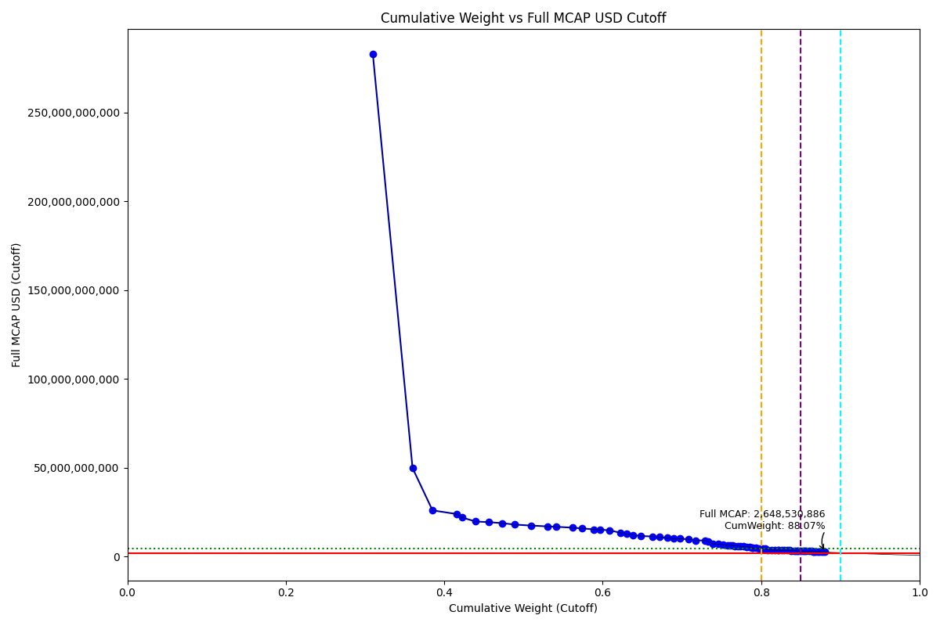
Date | ENTITY_QID | Country | Internal_Number | Instrument_Name | Free_Float_MCAP_USD_Cutoff_Company | Full_MCAP_USD_Cutoff_Company | Weight_Cutoff | CumWeight_Cutoff | Size | Case | Shadow_Company
2019-12-23 | E004YRA1J | KR | KR002D | Samsung Electronics Co Ltd | 2.4662060437E+11 | 2.8266758011E+11 | 0.30990801213 | 0.30990801213 | Standard | Inside
2019-12-23 | E004YRBCK | KR | KR00EP | SK HYNIX INC | 39852652373 | 49859442478 | 0.050079579956 | 0.35998759209 | Standard | Inside
2019-12-23 | E004YR9Z4 | KR | KR18H1 | HYUNDAI MOTOR PF.2 | 20055191436 | 26031305094 | 0.025201724433 | 0.38518931652 | Standard | Inside
2019-12-23 | E004YQLMC | KR | KR00NY | NAVER CORP | 23998663630 | 23998663630 | 0.030157164518 | 0.41534648104 | Standard | Inside
2019-12-23 | E004YNP4A | KR | KR70EW | SAMSUNG BIOLOGICS | 5525778771.9 | 22041399170 | 0.0069437957915 | 0.42229027683 | Standard | Inside
2019-12-23 | E004YMUS3 | KR | KR007I | Hyundai Mobis | 13811674628 | 19767675151 | 0.017356005753 | 0.43964628259 | Standard | Inside
2019-12-23 | E004YMVY2 | KR | KR005G | LG Chem Ltd | 13288671036 | 19395556533 | 0.016698789768 | 0.45634507235 | Standard | Inside
2019-12-23 | E004YM5UC | KR | KR063K | Celltrion | 13280368501 | 18848096084 | 0.016688356649 | 0.473033429 | Standard | Inside
2019-12-23 | E004YNLDW | KR | KR17VE | LG HOUSEHOLD 1PF | 12356526202 | 18048324183 | 0.015527439331 | 0.48856086833 | Standard | Inside
2019-12-23 | E004YRBW7 | KR | KR00AL | Shinhan Financial Group Co Ltd | 16591347110 | 17482979041 | 0.020848993597 | 0.50940986193 | Standard | Inside
2019-12-23 | E004YRDSS | KR | KR003E | POSCO | 17013276036 | 17013276036 | 0.021379197289 | 0.53078905922 | Standard | Inside
2019-12-23 | E004YRC5Y | KR | KR048N | SK TELECOM | 8239802107.9 | 16815921694 | 0.010354287705 | 0.54114334693 | Standard | Inside
2019-12-23 | E004YMD23 | KR | KR008J | KB Financial Group Inc | 16300010793 | 16300010793 | 0.020482894994 | 0.56162624192 | Standard | Inside
2019-12-23 | E004YNK41 | KR | KR507N | SAMSUNG C&T CORP | 9970759572.5 | 15882063671 | 0.012529440865 | 0.57415568278 | Standard | Inside
2019-12-23 | E004YQLKO | KR | KR053J | SK HOLDINGS | 11459079698 | 15338080175 | 0.014399691459 | 0.58855537424 | Standard | Inside
2019-12-23 | E004YRDHG | KR | KR009K | Korea Electric Power Corp | 6065142680.8 | 15162856888 | 0.0076215704537 | 0.5961769447 | Standard | Inside
2019-12-23 | E004YPZDH | KR | KR00GR | Kia Motors Corp | 9813626840.2 | 14842145856 | 0.012331984968 | 0.60850892967 | Standard | Inside
2019-12-23 | E004YRAIG | KR | KR00OZ | Samsung SDI Co Ltd | 10814504702 | 13447531338 | 0.013589706599 | 0.62209863626 | Standard | Inside
2019-12-23 | E004YN6Y7 | KR | KR503J | SAMSUNG SDS | 6549225880.3 | 12806464373 | 0.0082298783542 | 0.63032851462 | Standard | Inside
2019-12-23 | E004YM8OF | KR | KR00BM | Samsung Life Insurance Co Ltd | 6548829807.2 | 12122972616 | 0.0082293806414 | 0.63855789526 | Standard | Inside
2019-12-23 | E004YRDLT | KR | KR00HS | SK INNOVATION | 7754933431.8 | 11585210768 | 0.0097449927603 | 0.64830288802 | Standard | Inside
2019-12-23 | E004YQUWE | KR | KR00S3 | KT&G Corp | 11367154550 | 11367154550 | 0.014284176617 | 0.66258706464 | Standard | Inside
2019-12-23 | E004YNJQ0 | KR | KR056M | KAKAO CORP | 7397526321.8 | 10977187004 | 0.0092958683763 | 0.67188293301 | Standard | Inside
2019-12-23 | E004YO9SG | KR | KR60S9 | LG PF. | 8147274670.7 | 10503765171 | 0.010238016016 | 0.68212094903 | Standard | Inside
2019-12-23 | E004YMTGJ | KR | KR06O5 | Amorepacific | 5712139911 | 10138286300 | 0.0071779806452 | 0.68929892967 | Standard | Inside
2019-12-23 | E004YPU7R | KR | KR18N7 | LG ELECTRONICS PF. | 6829302287 | 10089895399 | 0.0085818275463 | 0.69788075722 | Standard | Inside
2019-12-23 | E004YR81J | KR | KR17UD | SAMSUNG FIRE & MAR.IN.PF | 8380525543.2 | 9777371790.8 | 0.010531123376 | 0.7084118806 | Standard | Inside
2019-12-23 | E004YQNUI | KR | KR05BR | NCsoft | 7244079501.5 | 9152343021.5 | 0.0091030442644 | 0.71751492486 | Standard | Inside
2019-12-23 | E004YR9JS | KR | KR06L2 | Hana Financial G | 9086856848.8 | 9086856848.8 | 0.011418712357 | 0.72893363722 | Standard | Inside
2019-12-23 | E004YRBGO | KR | KR17TC | S-OIL PF. | 3275127219.8 | 8681762697.1 | 0.0041155854304 | 0.73304922265 | Standard | Inside
2019-12-23 | E004YRDQK | KR | KR006H | KOREA SHIPBUILDING & OFFSHORE | 4490018310.6 | 7189781121.9 | 0.0056422400418 | 0.73869146269 | Standard | Inside
2019-12-23 | E004YMCFN | KR | KR00KV | Samsung Electro-Mechanics Co L | 5356171672.6 | 7018964320 | 0.006730664374 | 0.74542212706 | Standard | Inside
2019-12-23 | E004YRS86 | KR | KR00IT | WOORI FINANCIAL GROUP | 4738576098.2 | 6695741272 | 0.0059545823541 | 0.75137670942 | Standard | Inside
2019-12-23 | E004YQFR7 | KR | KR03JX | Korea Zinc | 4740476541.7 | 6485807281.1 | 0.0059569704867 | 0.75733367991 | Standard | Inside
2019-12-23 | E004YNK5N | KR | KR03Q4 | LOTTE CHEMICAL CORPORATION | 3029697673.4 | 6383686627.6 | 0.0038071741238 | 0.76114085403 | Standard | Inside
2019-12-23 | E004YRR5G | KR | KR718R | NETMARBLE CORP | 1876052256.6 | 6333734829.8 | 0.0023574819589 | 0.76349833599 | Standard | Inside
2019-12-23 | E004YTOAD | KR | KR71EX | CELLTRION HEALTHCARE | 2651766614.1 | 5975138833 | 0.0033322589656 | 0.76683059495 | Standard | Inside
2019-12-23 | E004YRDSX | KR | KR04VA | KT Corp | 2759707574.9 | 5957326290.8 | 0.0034678995731 | 0.77029849453 | Standard | Inside
2019-12-23 | E004YNAXW | KR | KR01ZB | AMOREG | 2764962264.7 | 5846723018.4 | 0.0034745027135 | 0.77377299724 | Standard | Inside
2019-12-23 | E004YR9YX | KR | KR001C | Industrial Bank of Korea | 2674264252.3 | 5719127998.9 | 0.0033605299138 | 0.77713352715 | Standard | Inside
2019-12-23 | E004YMY3K | KR | KR04IX | WOONGJIN COWAY | 3735505330.1 | 5597939952.1 | 0.0046941050774 | 0.78182763223 | Standard | Inside
2019-12-23 | E004YSJFY | KR | KR055L | Kangwon Land | 2846601628 | 5315782685.3 | 0.0035770922471 | 0.78540472448 | Standard | Inside
2019-12-23 | E004YQBMC | KR | KR04YD | LG Uplus | 2072581486.9 | 4952972729.1 | 0.0026044442241 | 0.7880091687 | Standard | Inside
2019-12-23 | E004YNK42 | KR | KR04DS | HANON SYSTEMS | 1464651924.4 | 4880546232.6 | 0.0018405086936 | 0.7898496774 | Standard | Inside
2019-12-23 | E004YOW20 | KR | KR06K1 | HYUNDAI GLOVIS CO LTD | 2769250550 | 4777864993.1 | 0.0034798914521 | 0.79332956885 | Standard | Inside
2019-12-23 | E004YOXDC | KR | KR70SA | HYUNDAI HEAVY INDUSTRIES HLDS | 3296485242.6 | 4770600929.9 | 0.0041424243168 | 0.79747199317 | Standard | Inside
2019-12-23 | E004YMXTQ | KR | KR1J61 | MIRAE ASSET SECURITIES 2PREF | 3427603065.4 | 4534878873.6 | 0.0043071893977 | 0.80177918256 | Standard | Inside
2019-12-23 | E004YP8J8 | KR | KR00FQ | LG Display Co Ltd | 2765250206.6 | 4452898883.4 | 0.0034748645466 | 0.80525404711 | Standard | Inside
2019-12-23 | E004YNAZX | KR | KR01AM | Hyundai Eng&Con | 2512350698.4 | 3860403654.6 | 0.0031570663479 | 0.80841111346 | Standard | Inside
2019-12-23 | E004YMWXC | KR | KR508O | HLB | 3434858959.1 | 3810159688.4 | 0.0043163072879 | 0.81272742075 | Standard | Inside
2019-12-23 | E004YNP8D | KR | KR06EV | GS Holdings | 3565898906.5 | 3763878938.6 | 0.004480974509 | 0.81720839525 | Standard | Inside
2019-12-23 | E004YMCFI | KR | KR03KY | Samsung Heavy In | 3118879332.2 | 3712067760.2 | 0.0039192414454 | 0.8211276367 | Standard | Inside
2019-12-23 | E004YMS6W | KR | KR04T8 | Samsung Card | 1023256941 | 3638893815.9 | 0.0012858435949 | 0.8224134803 | Standard | Inside | TRUE
2019-12-23 | E004YR7YF | KR | KR068P | Kr Inv Holdings | 2734172955 | 3599765198.3 | 0.0034358122975 | 0.82584929259 | Standard | Inside
2019-12-23 | E004YOZBR | KR | KR00LW | HYUNDAI STEEL CO | 2297385261.9 | 3586862235.6 | 0.002886936805 | 0.8287362294 | Standard | Inside
2019-12-23 | E004YPAU2 | KR | KR06M3 | MACQUARIE KOREA INFR.FD. | 3248644693.5 | 3531135536.4 | 0.0040823069982 | 0.8328185364 | Standard | Inside
2019-12-23 | E004YMH7B | KR | KR20LY | HANKOOK TIRE & TECHNOLOGY | 2219771645.1 | 3486917444.4 | 0.0027894060989 | 0.83560794249 | Standard | Inside
2019-12-23 | E004YPQMA | KR | KR70ZH | ORION KR | 2158942723.8 | 3447138310.5 | 0.0027129673515 | 0.83832090985 | Standard | Inside
2019-12-23 | E004YMV0L | KR | KR02XA | DB Insurance | 2672488809.1 | 3338524433.6 | 0.0033582988591 | 0.84167920871 | Standard | Inside
2019-12-23 | E004YR8PS | KR | KR06XE | CJ CheilJedang | 1868830422 | 3276399921.8 | 0.0023484068681 | 0.84402761557 | Standard | Inside
2019-12-23 | E004YN6Y2 | KR | KR02O1 | LOTTE CORP | 1254451398.5 | 3166207467.2 | 0.0015763668256 | 0.8456039824 | Standard | Inside | TRUE
2019-12-23 | E004YMWXF | KR | KR00U5 | Lotte Shopping Co Ltd | 1302803647.6 | 3154488250.9 | 0.001637127156 | 0.84724110955 | Standard | Inside | TRUE
2019-12-23 | E004YNZZK | KR | KR10EQ | HanmiPharm | 1604035013.6 | 3142086216.7 | 0.0020156600611 | 0.84925676962 | Standard | Inside
2019-12-23 | E004YQVQO | KR | KR04O3 | Samsung Eng | 2537372302.5 | 3119464350.2 | 0.0031885089582 | 0.85244527857 | Standard | Inside
2019-12-23 | E004YOR8Y | KR | KR02ZC | NH INV&SEC | 1649041413.7 | 3099801284 | 0.0020722159357 | 0.85451749451 | Standard | Inside
2019-12-23 | E004YOMJ4 | KR | KR17P8 | E-MART | 2049335469.5 | 3091470009.8 | 0.0025752328488 | 0.85709272736 | Standard | Inside
2019-12-23 | E004YNLX5 | KR | KR19UF | KOREA AEROSPACE INDS. | 3078000305.4 | 3078000305.4 | 0.0038678721044 | 0.86096059946 | Standard | Inside
2019-12-23 | E004YOZBB | KR | KR00ZA | CJ LOGISTICS | 1820154111.8 | 3041701390 | 0.0022872393165 | 0.86324783878 | Standard | Inside
2019-12-23 | E004YSJDN | KR | KR03ZD | S-1 Corporation | 1745799512.9 | 3011037448.9 | 0.0021938039525 | 0.86544164273 | Standard | Inside
2019-12-23 | E004YRAEB | KR | KR058O | Korea Gas | 876842910.6 | 2922809924.5 | 0.0011018570167 | 0.86654349975 | Standard | Inside | TRUE
2019-12-23 | E004YM7P3 | KR | KR057N | CJ ENM | 1387981757.7 | 2832615684.2 | 0.0017441635443 | 0.86828766329 | Standard | Inside
2019-12-23 | E004YPW5X | KR | KR03ES | Hotel Shilla | 2465033993.1 | 2814287011.2 | 0.003097607301 | 0.87138527059 | Standard | Inside
2019-12-23 | E004YP39I | KR | KR043I | Samsung Sec | 1923493231.3 | 2729133415.6 | 0.0024170971651 | 0.87380236776 | Standard | Inside
2019-12-23 | E004YNC2M | KR | KR10BN | Fila Korea | 2133365423.6 | 2669710203.5 | 0.002680826443 | 0.8764831942 | Standard | Inside
2019-12-23 | E004YP3G8 | KR | KR70VD | DOOSAN BOBCAT | 1300301034.8 | 2656386179.4 | 0.0016339823264 | 0.87811717653 | Standard | Inside | TRUE
2019-12-23 | E004YQKSO | KR | KR012E | Daelim Ind | 2074594243.1 | 2648530886.1 | 0.0026069734907 | 0.88072415002 | Standard | Inside

2020-03-23_KR
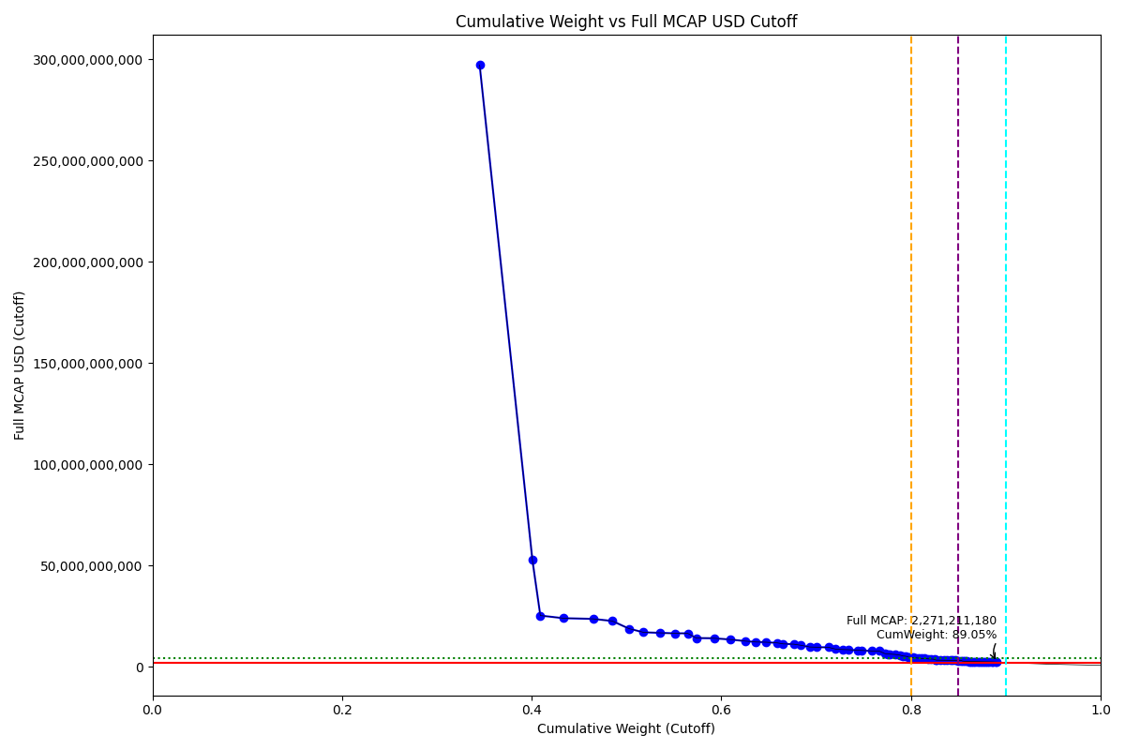
Date | ENTITY_QID | Country | Internal_Number | Instrument_Name | Free_Float_MCAP_USD_Cutoff_Company | Full_MCAP_USD_Cutoff_Company | Weight_Cutoff | CumWeight_Cutoff | Size | Case | Shadow_Company
2020-03-23 | E004YRA1J | KR | KR18G0 | SAMSUNG ELTN.PF. | 2.6126346951E+11 | 2.9728352279E+11 | 0.34513704514 | 0.34513704514 | Standard | Inside
2020-03-23 | E004YRBCK | KR | KR00EP | SK HYNIX INC | 42115439652 | 52690403668 | 0.055635785681 | 0.40077283082 | Standard | Inside
2020-03-23 | E004YNP4A | KR | KR70EW | SAMSUNG BIOLOGICS | 6330561756.2 | 25251542705 | 0.0083628659708 | 0.40913569679 | Standard | Inside
2020-03-23 | E004YR9Z4 | KR | KR185P | HYUNDAI MOTOR 3RD PF. | 18422309857 | 23943008136 | 0.024336435555 | 0.43347213235 | Standard | Inside
2020-03-23 | E004YQLMC | KR | KR00NY | NAVER CORP | 23613024316 | 23613024316 | 0.031193528335 | 0.46466566068 | Standard | Inside
2020-03-23 | E004YMVY2 | KR | KR18K4 | LG CHEM 1PF | 15433387959 | 22564887709 | 0.020387978184 | 0.48505363886 | Standard | Inside
2020-03-23 | E004YM5UC | KR | KR063K | Celltrion | 13226374929 | 18806163699 | 0.017472446376 | 0.50252608524 | Standard | Inside
2020-03-23 | E004YNLDW | KR | KR05Q6 | LG H&H | 11625917755 | 16969326170 | 0.01535819343 | 0.51788427867 | Standard | Inside
2020-03-23 | E004YRAIG | KR | KR00OZ | Samsung SDI Co Ltd | 13432610573 | 16703072088 | 0.017744889978 | 0.53562916865 | Standard | Inside
2020-03-23 | E004YMUS3 | KR | KR007I | Hyundai Mobis | 11514452791 | 16479823659 | 0.015210944798 | 0.55084011345 | Standard | Inside
2020-03-23 | E004YNK41 | KR | KR507N | SAMSUNG C&T CORP | 10344944535 | 16478089415 | 0.013665988573 | 0.56450610202 | Standard | Inside
2020-03-23 | E004YRC5Y | KR | KR048N | SK TELECOM | 6922841096.8 | 14128246317 | 0.0091452851199 | 0.57365138714 | Standard | Inside
2020-03-23 | E004YRDSS | KR | KR003E | POSCO | 14034842223 | 14034842223 | 0.018540456432 | 0.59219184357 | Standard | Inside
2020-03-23 | E004YMD23 | KR | KR008J | KB Financial Group Inc | 13392190336 | 13392190336 | 0.017691493607 | 0.60988333718 | Standard | Inside
2020-03-23 | E004YRBW7 | KR | KR00AL | Shinhan Financial Group Co Ltd | 11965978833 | 12611697758 | 0.01580742453 | 0.62569076171 | Standard | Inside
2020-03-23 | E004YNJQ0 | KR | KR056M | KAKAO CORP | 8216191308.6 | 12190194820 | 0.010853840362 | 0.63654460207 | Standard | Inside
2020-03-23 | E004YPZDH | KR | KR00GR | Kia Motors Corp | 8000095908.1 | 12099358603 | 0.01056837172 | 0.64711297379 | Standard | Inside
2020-03-23 | E004YQNUI | KR | KR05BR | NCsoft | 9272887402.1 | 11718548467 | 0.012249768266 | 0.65936274205 | Standard | Inside
2020-03-23 | E004YRDHG | KR | KR009K | Korea Electric Power Corp | 4503603795.7 | 11259009627 | 0.0059493985493 | 0.6653121406 | Standard | Inside
2020-03-23 | E004YQLKO | KR | KR053J | SK HOLDINGS | 8310315071.6 | 11123430694 | 0.010978180736 | 0.67629032134 | Standard | Inside
2020-03-23 | E004YN6Y7 | KR | KR503J | SAMSUNG SDS | 5425018203.5 | 10608170128 | 0.007166615203 | 0.68345693654 | Standard | Inside
2020-03-23 | E004YO9SG | KR | KR00DO | LG Corp | 7538541156.6 | 9717529323.6 | 0.0099586437564 | 0.6934155803 | Standard | Inside
2020-03-23 | E004YM8OF | KR | KR00BM | Samsung Life Insurance Co Ltd | 5204155947.4 | 9633757770 | 0.006874849398 | 0.7002904297 | Standard | Inside
2020-03-23 | E004YQUWE | KR | KR00S3 | KT&G Corp | 9575028485.4 | 9575028485.4 | 0.012648905891 | 0.71293933559 | Standard | Inside
2020-03-23 | E004YRDLT | KR | KR00HS | SK INNOVATION | 5804264504.2 | 8677788273.2 | 0.0076676111817 | 0.72060694677 | Standard | Inside
2020-03-23 | E004YPU7R | KR | KR00CN | LG Electronics Inc | 5735923442.5 | 8476236145.5 | 0.007577330546 | 0.72818427732 | Standard | Inside
2020-03-23 | E004YMTGJ | KR | KR17RA | AMOREPACIFIC PF. | 4676577903.2 | 8387760156.5 | 0.0061779026432 | 0.73436217996 | Standard | Inside
2020-03-23 | E004YR81J | KR | KR17UD | SAMSUNG FIRE & MAR.IN.PF | 6925411305.2 | 8082414592.5 | 0.009148680444 | 0.7435108604 | Standard | Inside
2020-03-23 | E004YTOAD | KR | KR71EX | CELLTRION HEALTHCARE | 3543102789.7 | 8028784930.3 | 0.0046805473025 | 0.74819140771 | Standard | Inside
2020-03-23 | E004YR9JS | KR | KR06L2 | Hana Financial G | 7762668542.5 | 7762668542.5 | 0.010254722898 | 0.7584461306 | Standard | Inside
2020-03-23 | E004YMCFN | KR | KR00KV | Samsung Electro-Mechanics Co L | 5913516446.1 | 7749333568.4 | 0.007811936343 | 0.76625806695 | Standard | Inside
2020-03-23 | E004YQFR7 | KR | KR03JX | Korea Zinc | 4707217411.5 | 6440302929.9 | 0.0062183783721 | 0.77247644532 | Standard | Inside
2020-03-23 | E004YRBGO | KR | KR03N1 | S-Oil | 2375518036 | 6301514431.7 | 0.0031381320823 | 0.7756145774 | Standard | Inside
2020-03-23 | E004YRR5G | KR | KR718R | NETMARBLE CORP | 1799915385.5 | 6202327310.4 | 0.0023777433516 | 0.77799232075 | Standard | Inside
2020-03-23 | E004YRDQK | KR | KR006H | KOREA SHIPBUILDING & OFFSHORE | 3784808929.6 | 6060542721.5 | 0.0049998485162 | 0.78299216927 | Standard | Inside
2020-03-23 | E004YRS86 | KR | KR00IT | WOORI FINANCIAL GROUP | 4041217907.2 | 5715199982 | 0.0053385726289 | 0.7883307419 | Standard | Inside
2020-03-23 | E004YNK5N | KR | KR03Q4 | LOTTE CHEMICAL CORPORATION | 2312465925.6 | 5291684040.2 | 0.0030548383133 | 0.79138558021 | Standard | Inside
2020-03-23 | E004YRDSX | KR | KR04VA | KT Corp | 2517852739.2 | 5138475301.6 | 0.0033261605847 | 0.7947117408 | Standard | Inside
2020-03-23 | E004YQBMC | KR | KR04YD | LG Uplus | 2057581628 | 4745465539.1 | 0.0027181283497 | 0.79742986914 | Standard | Inside
2020-03-23 | E004YNK42 | KR | KR04DS | HANON SYSTEMS | 1391575855.8 | 4637040506 | 0.0018383143264 | 0.79926818347 | Standard | Inside
2020-03-23 | E004YR9YX | KR | KR001C | Industrial Bank of Korea | 2113288703.2 | 4519436918.7 | 0.0027917191022 | 0.80205990257 | Standard | Inside
2020-03-23 | E004YNAXW | KR | KR01ZB | AMOREG | 2057545683.3 | 4339803436.8 | 0.0027180808657 | 0.80477798344 | Standard | Inside
2020-03-23 | E004YMY3K | KR | KR04IX | COWAY | 2793857987.3 | 4186809511.9 | 0.0036907719708 | 0.80846875541 | Standard | Inside
2020-03-23 | E004YSJFY | KR | KR055L | Kangwon Land | 2150785941.9 | 4016406987.7 | 0.002841254103 | 0.81131000951 | Standard | Inside
2020-03-23 | E004YP8J8 | KR | KR00FQ | LG Display Co Ltd | 2488282936.7 | 4006896838.4 | 0.0032870979698 | 0.81459710748 | Standard | Inside
2020-03-23 | E004YMXTQ | KR | KR039N | MIRAE ASSET DAEWOO | 2911853787.4 | 3856241931.9 | 0.0038466480367 | 0.81844375552 | Standard | Inside
2020-03-23 | E004YOW20 | KR | KR06K1 | HYUNDAI GLOVIS CO LTD | 2201276597.5 | 3797923736.2 | 0.0029079538055 | 0.82135170932 | Standard | Inside
2020-03-23 | E004YOXDC | KR | KR70SA | HYUNDAI HEAVY INDUSTRIES HLDS | 2506605919 | 3627504947.9 | 0.0033113031907 | 0.82466301252 | Standard | Inside
2020-03-23 | E004YMO7M | KR | KR30BP | HANJIN KAL | 1116447899.8 | 3274040629 | 0.0014748618699 | 0.82613787439 | Standard | Inside | TRUE
2020-03-23 | E004YMS6W | KR | KR04T8 | Samsung Card | 904676317.61 | 3214912287.2 | 0.0011951051238 | 0.82733297951 | Standard | Inside | TRUE
2020-03-23 | E004YPAU2 | KR | KR06M3 | MACQUARIE KOREA INFR.FD. | 2934952268.8 | 3190165509.6 | 0.0038771618381 | 0.83121014135 | Standard | Inside
2020-03-23 | E004YMWXC | KR | KR508O | HLB | 2890973488.1 | 3182139227.5 | 0.0038190645219 | 0.83502920587 | Standard | Inside
2020-03-23 | E004YNAZX | KR | KR01AM | Hyundai Eng&Con | 2070616094.6 | 3181647348.8 | 0.0027353472793 | 0.83776455315 | Standard | Inside
2020-03-23 | E004YNP8D | KR | KR06EV | GS Holdings | 2989887116.8 | 3155886760.4 | 0.0039497324548 | 0.8417142856 | Standard | Inside
2020-03-23 | E004YR8PS | KR | KR06XE | CJ CheilJedang | 1790122259 | 3137677797.2 | 0.0023648063316 | 0.84407909193 | Standard | Inside
2020-03-23 | E004YPQMA | KR | KR70ZH | ORION KR | 1922468989.6 | 3069565686.8 | 0.0025396404162 | 0.84661873235 | Standard | Inside
2020-03-23 | E004YR7YF | KR | KR068P | Kr Inv Holdings | 2318060448.7 | 3055451051 | 0.0030622288497 | 0.8496809612 | Standard | Inside
2020-03-23 | E004YMCFI | KR | KR03KY | Samsung Heavy In | 2540982312.2 | 3024258881.5 | 0.003356715459 | 0.85303767666 | Standard | Inside
2020-03-23 | E004YNHIC | KR | KR108K | POSCO CHEMICAL | 1068040643.1 | 2756945387.4 | 0.0014109144012 | 0.85444859106 | Standard | Inside | TRUE
2020-03-23 | E004YOZBR | KR | KR00LW | HYUNDAI STEEL CO | 1678503452 | 2620614288.9 | 0.0022173544689 | 0.85666594553 | Standard | Inside
2020-03-23 | E004YMH7B | KR | KR20LY | HANKOOK TIRE & TECHNOLOGY | 1655772192.5 | 2600961659.5 | 0.0021873257788 | 0.85885327131 | Standard | Inside
2020-03-23 | E004YPW5X | KR | KR03ES | Hotel Shilla | 2272996682.8 | 2595041309.3 | 0.0030026982347 | 0.86185596954 | Standard | Inside
2020-03-23 | E004YSJDN | KR | KR03ZD | S-1 Corporation | 1491193806.2 | 2571910669.5 | 0.0019699126898 | 0.86382588223 | Standard | Inside
2020-03-23 | E004YNZZK | KR | KR10EQ | HanmiPharm | 1300461567.5 | 2546429542.7 | 0.0017179495608 | 0.86554383179 | Standard | Inside
2020-03-23 | E004YNZNW | KR | KR03O2 | LG Innotek | 1500007560.9 | 2533368621.7 | 0.0019815559298 | 0.86752538772 | Standard | Inside
2020-03-23 | E004YMV0L | KR | KR02XA | DB Insurance | 2020655842.1 | 2524242151.3 | 0.0026693482556 | 0.87019473598 | Standard | Inside
2020-03-23 | E004YN6Y2 | KR | KR02O1 | LOTTE CORP | 1810029519.9 | 2509399029.5 | 0.002391104433 | 0.87258584041 | Standard | Inside
2020-03-23 | E004YOZBB | KR | KR00ZA | CJ LOGISTICS | 1500557434.9 | 2507616034.3 | 0.0019822823302 | 0.87456812274 | Standard | Inside
2020-03-23 | E004YOR8Y | KR | KR02ZC | NH INV&SEC | 1300040552.9 | 2435700069.2 | 0.0017173933876 | 0.87628551613 | Standard | Inside
2020-03-23 | E004YP39I | KR | KR043I | Samsung Sec | 1715359723.2 | 2433824805.9 | 0.002266042732 | 0.87855155886 | Standard | Inside
2020-03-23 | E004YOMJ4 | KR | KR17P8 | E-MART | 1597624877.5 | 2410054122.1 | 0.0021105113949 | 0.88066207026 | Standard | Inside
2020-03-23 | E004YOD2O | KR | KR03HV | HANWHA SOLUTIONS | 1498069294.1 | 2373367069.3 | 0.00197899542 | 0.88264106568 | Standard | Inside
2020-03-23 | E004YQ12X | KR | KR00Y9 | Yuhan | 1822636614.2 | 2363990420.4 | 0.0024077587906 | 0.88504882447 | Standard | Inside
2020-03-23 | E004YP3G8 | KR | KR70VD | DOOSAN BOBCAT | 1147523703 | 2344277227.8 | 0.0015159139578 | 0.88656473843 | Standard | Inside
2020-03-23 | E004YQVQO | KR | KR04O3 | Samsung Eng | 1850926667.4 | 2275542989.2 | 0.0024451308173 | 0.88900986924 | Standard | Inside
2020-03-23 | E004YM7P3 | KR | KR057N | CJ ENM | 1112893465.5 | 2271211180 | 0.0014701663533 | 0.8904800356 | Standard | Inside | TRUE

2020-06-22_KR

Date | ENTITY_QID | Country | Internal_Number | Instrument_Name | Free_Float_MCAP_USD_Cutoff_Company | Full_MCAP_USD_Cutoff_Company | Weight_Cutoff | CumWeight_Cutoff | Size | Case | Shadow_Company
2020-06-22 | E004YRA1J | KR | KR18G0 | SAMSUNG ELTN.PF. | 2.3906292145E+11 | 2.7286216075E+11 | 0.31491239818 | 0.31491239818 | Standard | Inside
2020-06-22 | E004YRBCK | KR | KR00EP | SK HYNIX INC | 38292920161 | 47908069762 | 0.050442432679 | 0.36535483086 | Standard | Inside
2020-06-22 | E004YNP4A | KR | KR70EW | SAMSUNG BIOLOGICS | 8330888268.2 | 33230507651 | 0.010974098315 | 0.37632892918 | Standard | Inside
2020-06-22 | E004YQLMC | KR | KR00NY | NAVER CORP | 30075940644 | 30075940644 | 0.03961838389 | 0.41594731307 | Standard | Inside
2020-06-22 | E004YMVY2 | KR | KR18K4 | LG CHEM 1PF | 15927872495 | 23348873744 | 0.020981440764 | 0.43692875383 | Standard | Inside
2020-06-22 | E004YM5UC | KR | KR063K | Celltrion | 16761626406 | 23161014793 | 0.022079726697 | 0.45900848053 | Standard | Inside
2020-06-22 | E004YRAIG | KR | KR00OZ | Samsung SDI Co Ltd | 16030285997 | 19933208153 | 0.021116347848 | 0.48012482838 | Standard | Inside
2020-06-22 | E004YR9Z4 | KR | KR004F | Hyundai Motor Co | 15284101866 | 19897289624 | 0.020133415687 | 0.50025824406 | Standard | Inside
2020-06-22 | E004YNLDW | KR | KR05Q6 | LG H&H | 12609892368 | 18489274486 | 0.016610737552 | 0.51686898161 | Standard | Inside
2020-06-22 | E004YNJQ0 | KR | KR056M | KAKAO CORP | 12407392826 | 18313494946 | 0.016343989299 | 0.53321297091 | Standard | Inside
2020-06-22 | E004YMUS3 | KR | KR007I | Hyundai Mobis | 10635607271 | 15237259700 | 0.01401005464 | 0.54722302555 | Standard | Inside
2020-06-22 | E004YNK41 | KR | KR507N | SAMSUNG C&T CORP | 9529229251.4 | 15178765931 | 0.012552646886 | 0.55977567244 | Standard | Inside
2020-06-22 | E004YRC5Y | KR | KR048N | SK TELECOM | 6900611757.1 | 14082880320 | 0.0090900261078 | 0.56886569855 | Standard | Inside
2020-06-22 | E004YQNUI | KR | KR05BR | NCsoft | 11071731575 | 13988290050 | 0.01458455172 | 0.58345025027 | Standard | Inside
2020-06-22 | E004YQLKO | KR | KR053J | SK HOLDINGS | 10144311481 | 13578251212 | 0.013362881358 | 0.59681313162 | Standard | Inside
2020-06-22 | E004YRDSS | KR | KR003E | POSCO | 12742298122 | 12742298122 | 0.016785152777 | 0.6135982844 | Standard | Inside
2020-06-22 | E004YN6Y7 | KR | KR503J | SAMSUNG SDS | 6086818554.5 | 11902265457 | 0.0080180339832 | 0.62161631839 | Standard | Inside
2020-06-22 | E004YRBW7 | KR | KR00AL | Shinhan Financial Group Co Ltd | 10953210606 | 11544277620 | 0.01442842662 | 0.63604474501 | Standard | Inside
2020-06-22 | E004YMD23 | KR | KR008J | KB Financial Group Inc | 11478611116 | 11478611116 | 0.01512052531 | 0.65116527032 | Standard | Inside
2020-06-22 | E004YPZDH | KR | KR00GR | Kia Motors Corp | 7412354342.3 | 11210457263 | 0.0097641335092 | 0.66092940382 | Standard | Inside
2020-06-22 | E004YRDHG | KR | KR009K | Korea Electric Power Corp | 4478604767.3 | 11196512055 | 0.0058995688634 | 0.66682897269 | Standard | Inside
2020-06-22 | E004YTOAD | KR | KR71EX | CELLTRION HEALTHCARE | 5575763166.2 | 11032376664 | 0.0073448318114 | 0.6741738045 | Standard | Inside
2020-06-22 | E004YQUWE | KR | KR00S3 | KT&G Corp | 9300944202.7 | 9300944202.7 | 0.012251931945 | 0.68642573644 | Standard | Inside
2020-06-22 | E004YRDLT | KR | KR80Q9 | SK INNOVATION PREFERRED | 5972420752.5 | 8927459055.5 | 0.0078673402415 | 0.69429307669 | Standard | Inside
2020-06-22 | E004YO9SG | KR | KR00DO | LG Corp | 6911976058.3 | 8909485643.9 | 0.0091049960551 | 0.70339807274 | Standard | Inside
2020-06-22 | E004YMTGJ | KR | KR06O5 | Amorepacific | 4433934195.9 | 8185913713.5 | 0.0058407252892 | 0.70923879803 | Standard | Inside
2020-06-22 | E004YPU7R | KR | KR00CN | LG Electronics Inc | 5495837787.2 | 8134150636 | 0.0072395478442 | 0.71647834587 | Standard | Inside
2020-06-22 | E004YMCFN | KR | KR00KV | Samsung Electro-Mechanics Co L | 5752990948.2 | 7538973854.3 | 0.0075782901224 | 0.724056636 | Standard | Inside
2020-06-22 | E004YM8OF | KR | KR00BM | Samsung Life Insurance Co Ltd | 3986750432 | 7380137786 | 0.005251659822 | 0.72930829582 | Standard | Inside
2020-06-22 | E004YR81J | KR | KR00JU | Samsung Fire & Marine Insuranc | 6266595120.1 | 7312375970.9 | 0.0082548497516 | 0.73756314557 | Standard | Inside
2020-06-22 | E004YR9JS | KR | KR06L2 | Hana Financial G | 7212349743.4 | 7212349743.4 | 0.0095006717917 | 0.74706381736 | Standard | Inside
2020-06-22 | E004YRBGO | KR | KR17TC | S-OIL PF. | 2466934477.3 | 6553349472.3 | 0.0032496392486 | 0.75031345661 | Standard | Inside
2020-06-22 | E004YRR5G | KR | KR718R | NETMARBLE CORP | 1879326427.1 | 6336232053.7 | 0.0024755959166 | 0.75278905253 | Standard | Inside
2020-06-22 | E004YQFR7 | KR | KR03JX | Korea Zinc | 4209591329.8 | 5759462758 | 0.0055452033006 | 0.75833425583 | Standard | Inside
2020-06-22 | E004YRS86 | KR | KR00IT | WOORI FINANCIAL GROUP | 4106866319.4 | 5324603033.1 | 0.0054098858738 | 0.7637441417 | Standard | Inside
2020-06-22 | E004YNK5N | KR | KR03Q4 | LOTTE CHEMICAL CORPORATION | 2259689281.1 | 5203060744 | 0.0029766396493 | 0.76672078135 | Standard | Inside
2020-06-22 | E004YRDQK | KR | KR006H | KOREA SHIPBUILDING & OFFSHORE | 3240446702.5 | 5188865816.7 | 0.0042685701157 | 0.77098935147 | Standard | Inside
2020-06-22 | E004YRDSX | KR | KR04VA | KT Corp | 2515589680.8 | 5133856814.7 | 0.0033137316922 | 0.77430308316 | Standard | Inside
2020-06-22 | E004YQBMC | KR | KR04YD | LG Uplus | 1992496246.3 | 4635953374.3 | 0.0026246720634 | 0.77692775522 | Standard | Inside
2020-06-22 | E004YMWXC | KR | KR508O | HLB | 3926319985.4 | 4320334491 | 0.0051720561062 | 0.78209981133 | Standard | Inside
2020-06-22 | E004YPQMA | KR | KR70ZH | ORION KR | 2638942913.2 | 4213544488.5 | 0.0034762222281 | 0.78557603356 | Standard | Inside
2020-06-22 | E004YNK42 | KR | KR04DS | HANON SYSTEMS | 1259858574.6 | 4198129205.5 | 0.0016595843583 | 0.78723561792 | Standard | Inside
2020-06-22 | E004YSJFY | KR | KR055L | Kangwon Land | 2238649600.7 | 4180484781.8 | 0.0029489245349 | 0.79018454245 | Standard | Inside
2020-06-22 | E004YMO7M | KR | KR30BP | HANJIN KAL | 716501737.38 | 4123196200.1 | 0.00094383218885 | 0.79112837464 | Standard | Inside | TRUE
2020-06-22 | E004YMY3K | KR | KR04IX | COWAY | 2648303461.2 | 3968684941 | 0.0034885526748 | 0.79461692731 | Standard | Inside
2020-06-22 | E004YNAXW | KR | KR01ZB | AMOREG | 1864734227.9 | 3949336154.9 | 0.0024563739292 | 0.79707330124 | Standard | Inside
2020-06-22 | E004YR9YX | KR | KR001C | Industrial Bank of Korea | 1223212259 | 3858713750.7 | 0.0016113109621 | 0.7986846122 | Standard | Inside
2020-06-22 | E004YR8PS | KR | KR51IZ | CJ CHEIL JEDANG 1P | 2134598894.5 | 3742379495.7 | 0.0028118607978 | 0.801496473 | Standard | Inside
2020-06-22 | E004YMXTQ | KR | KR1J61 | MIRAE ASSET SECURITIES 2PREF | 2681807007.4 | 3647687549.6 | 0.0035326861693 | 0.80502915917 | Standard | Inside
2020-06-22 | E004YOXDC | KR | KR70SA | HYUNDAI HEAVY INDUSTRIES HLDS | 2458071292.2 | 3557266703.6 | 0.0032379639672 | 0.80826712314 | Standard | Inside
2020-06-22 | E004YOW20 | KR | KR06K1 | HYUNDAI GLOVIS CO LTD | 1983153644.4 | 3421590138.8 | 0.0026123652566 | 0.8108794884 | Standard | Inside
2020-06-22 | E004YPAU2 | KR | KR06M3 | MACQUARIE KOREA INFR.FD. | 3172784725.3 | 3339773395.1 | 0.0041794404617 | 0.81505892886 | Standard | Inside
2020-06-22 | E004YNAZX | KR | KR01AM | Hyundai Eng&Con | 2001265140.2 | 3075084726.8 | 0.0026362231369 | 0.81769515199 | Standard | Inside
2020-06-22 | E004YOZBB | KR | KR00ZA | CJ LOGISTICS | 1774621125.6 | 2965610169.9 | 0.0023376698953 | 0.82003282189 | Standard | Inside
2020-06-22 | E004YP8J8 | KR | KR00FQ | LG Display Co Ltd | 1830077319 | 2946984410.7 | 0.0024107211353 | 0.82244354302 | Standard | Inside
2020-06-22 | E004YN6Y2 | KR | KR02O1 | LOTTE CORP | 2094600237.2 | 2905535077.3 | 0.0027591714346 | 0.82520271446 | Standard | Inside
2020-06-22 | E004YSJEG | KR | KR10KW | DOUZONE BIZON | 1833179088.8 | 2875124041.3 | 0.0024148070292 | 0.82761752149 | Standard | Inside
2020-06-22 | E004YSJDN | KR | KR03ZD | S-1 Corporation | 1810711646.4 | 2859620414.4 | 0.002385211155 | 0.83000273264 | Standard | Inside
2020-06-22 | E004YNP8D | KR | KR06EV | GS Holdings | 2679665612 | 2828441642.4 | 0.0035298653555 | 0.833532598 | Standard | Inside
2020-06-22 | E004YNZNW | KR | KR03O2 | LG Innotek | 1668977685.1 | 2818742923.6 | 0.0021985080837 | 0.83573110608 | Standard | Inside
2020-06-22 | E004YQ12X | KR | KR00Y9 | Yuhan | 2159598360.4 | 2801762273.4 | 0.0028447920516 | 0.83857589813 | Standard | Inside
2020-06-22 | E004YMS6W | KR | KR04T8 | Samsung Card | 777356873.59 | 2764427004.2 | 0.0010239953391 | 0.83959989347 | Standard | Inside | TRUE
2020-06-22 | E004YNHIC | KR | KR108K | POSCO CHEMICAL | 1058807068.9 | 2733110658 | 0.0013947435732 | 0.84099463705 | Standard | Inside | TRUE
2020-06-22 | E004YTXMC | KR | KR60N4 | ALTEOGEN | 2153469724.5 | 2700614151.6 | 0.0028367189326 | 0.84383135598 | Standard | Inside
2020-06-22 | E004YQVQS | KR | KR20DQ | GS RETAIL | 907150145.32 | 2648613563 | 0.0011949691991 | 0.84502632518 | Standard | Inside | TRUE
2020-06-22 | E004YMKLS | KR | KR15O5 | Celltrion Pharm | 1186245910.2 | 2634930942.3 | 0.0015626159932 | 0.84658894117 | Standard | Inside
2020-06-22 | E004YQKSO | KR | KR012E | Daelim Ind | 2031549206.4 | 2593577437 | 0.0026761156801 | 0.84926505685 | Standard | Inside
2020-06-22 | E004YOMJ4 | KR | KR17P8 | E-MART | 1825340983.8 | 2554710964 | 0.0024044820636 | 0.85166953892 | Standard | Inside
2020-06-22 | E004YR7YF | KR | KR068P | Kr Inv Holdings | 1908492983.5 | 2526454043.2 | 0.0025140163883 | 0.8541835553 | Standard | Inside
2020-06-22 | E004YPW5X | KR | KR03ES | Hotel Shilla | 2253418870.3 | 2509934139.3 | 0.0029683797732 | 0.85715193508 | Standard | Inside
2020-06-22 | E004YMV0L | KR | KR02XA | DB Insurance | 1986106797.7 | 2481082820.3 | 0.0026162553813 | 0.85976819046 | Standard | Inside
2020-06-22 | E004YPMP3 | KR | KR116J | Seegene | 2027568170.2 | 2476267916.7 | 0.0026708715475 | 0.86243906201 | Standard | Inside
2020-06-22 | E004YMCFI | KR | KR03KY | Samsung Heavy In | 2057964090.6 | 2449374066.4 | 0.0027109114338 | 0.86514997344 | Standard | Inside
2020-06-22 | E004YP194 | KR | KR91L6 | CJ PREFERENCE SHARES | 1376198671.5 | 2381225904 | 0.0018128366432 | 0.86696281008 | Standard | Inside
2020-06-22 | E004YOZBR | KR | KR00LW | HYUNDAI STEEL CO | 1507973503.1 | 2354369247.7 | 0.001986420769 | 0.86894923085 | Standard | Inside
2020-06-22 | E004YMH7B | KR | KR20LY | HANKOOK TIRE & TECHNOLOGY | 1493178283.9 | 2345551812.5 | 0.0019669313478 | 0.8709161622 | Standard | Inside

2020-09-21_KR

Date | ENTITY_QID | Country | Internal_Number | Instrument_Name | Free_Float_MCAP_USD_Cutoff_Company | Full_MCAP_USD_Cutoff_Company | Weight_Cutoff | CumWeight_Cutoff | Size | Case | Shadow_Company
2020-09-21 | E004YRA1J | KR | KR18G0 | SAMSUNG ELTN.PF. | 2.6675197255E+11 | 3.0428368997E+11 | 0.30004597751 | 0.30004597751 | Standard | Inside
2020-09-21 | E004YMVY2 | KR | KR005G | LG Chem Ltd | 31722581302 | 46384097942 | 0.035681958882 | 0.3357279364 | Standard | Inside
2020-09-21 | E004YRBCK | KR | KR00EP | SK HYNIX INC | 36788029487 | 46025309004 | 0.041379638782 | 0.37710757518 | Standard | Inside
2020-09-21 | E004YQLMC | KR | KR00NY | NAVER CORP | 44745174929 | 44745174929 | 0.050329936167 | 0.42743751134 | Standard | Inside
2020-09-21 | E004YNP4A | KR | KR70EW | SAMSUNG BIOLOGICS | 10863911862 | 43334311376 | 0.012219864855 | 0.4396573762 | Standard | Inside
2020-09-21 | E004YR9Z4 | KR | KR18H1 | HYUNDAI MOTOR PF.2 | 27607955659 | 36246455057 | 0.031053776149 | 0.47071115235 | Standard | Inside
2020-09-21 | E004YM5UC | KR | KR063K | Celltrion | 24309746940 | 33590917424 | 0.027343909453 | 0.4980550618 | Standard | Inside
2020-09-21 | E004YNJQ0 | KR | KR056M | KAKAO CORP | 20185202786 | 29793657249 | 0.022704570255 | 0.52075963206 | Standard | Inside
2020-09-21 | E004YNLDW | KR | KR05Q6 | LG H&H | 14015348901 | 20605867321 | 0.015764640918 | 0.53652427297 | Standard | Inside
2020-09-21 | E004YMUS3 | KR | KR007I | Hyundai Mobis | 12544427092 | 17971958584 | 0.014110129545 | 0.55063440252 | Standard | Inside
2020-09-21 | E004YNK41 | KR | KR507N | SAMSUNG C&T CORP | 10827135890 | 17246154652 | 0.012178498779 | 0.5628129013 | Standard | Inside
2020-09-21 | E004YRC5Y | KR | KR048N | SK TELECOM | 8260212782.3 | 16857576129 | 0.0092911913456 | 0.57210409264 | Standard | Inside
2020-09-21 | E004YQNUI | KR | KR05BR | NCsoft | 12054469898 | 15229905114 | 0.013559019524 | 0.58566311217 | Standard | Inside
2020-09-21 | E004YPZDH | KR | KR00GR | Kia Motors Corp | 9578091960.1 | 14485922505 | 0.010773558439 | 0.59643667061 | Standard | Inside
2020-09-21 | E004YRDSS | KR | KR003E | POSCO | 13541640147 | 13541640147 | 0.015231807346 | 0.61166847795 | Standard | Inside
2020-09-21 | E004YMD23 | KR | KR008J | KB Financial Group Inc | 12970407751 | 12970407751 | 0.014589277954 | 0.62625775591 | Standard | Inside
2020-09-21 | E004YTOAD | KR | KR71EX | CELLTRION HEALTHCARE | 6408527598 | 12680110008 | 0.0072083925349 | 0.63346614844 | Standard | Inside
2020-09-21 | E004YQLKO | KR | KR053J | SK HOLDINGS | 9469873104.5 | 12675509443 | 0.010651832507 | 0.64411798095 | Standard | Inside
2020-09-21 | E004YPU7R | KR | KR18N7 | LG ELECTRONICS PF. | 8162825158.6 | 12068439907 | 0.0091816485202 | 0.65329962947 | Standard | Inside
2020-09-21 | E004YRBW7 | KR | KR00AL | Shinhan Financial Group Co Ltd | 11425097380 | 12041628773 | 0.012851093392 | 0.66615072286 | Standard | Inside
2020-09-21 | E004YO9SG | KR | KR00DO | LG Corp | 9283880039.6 | 12013302329 | 0.010442625166 | 0.67659334803 | Standard | Inside
2020-09-21 | E004YRR5G | KR | KR718R | NETMARBLE CORP | 3534438824.2 | 11916516602 | 0.0039755812931 | 0.68056892932 | Standard | Inside
2020-09-21 | E004YRDLT | KR | KR00HS | SK INNOVATION | 7517029250.6 | 11286830707 | 0.0084552491514 | 0.68902417847 | Standard | Inside
2020-09-21 | E004YRDHG | KR | KR009K | Korea Electric Power Corp | 4431477609.7 | 11078694160 | 0.0049845818142 | 0.69400876028 | Standard | Inside
2020-09-21 | E004YM8OF | KR | KR00BM | Samsung Life Insurance Co Ltd | 5566215078.2 | 10303989408 | 0.0062609488067 | 0.70026970909 | Standard | Inside
2020-09-21 | E004YN6Y7 | KR | KR503J | SAMSUNG SDS | 5246644583 | 10259375407 | 0.0059014918899 | 0.70617120098 | Standard | Inside
2020-09-21 | E004YQUWE | KR | KR00S3 | KT&G Corp | 9604434815.3 | 9604434815.3 | 0.010803189214 | 0.7169743902 | Standard | Inside
2020-09-21 | E004YMTGJ | KR | KR17RA | AMOREPACIFIC PF. | 4766244485 | 8798233738.2 | 0.0053611318107 | 0.72233552201 | Standard | Inside
2020-09-21 | E004YMCFN | KR | KR00KV | Samsung Electro-Mechanics Co L | 5973910895.2 | 7828477126.4 | 0.0067195301951 | 0.7290550522 | Standard | Inside
2020-09-21 | E004YR81J | KR | KR17UD | SAMSUNG FIRE & MAR.IN.PF | 6692671916.4 | 7809857015.3 | 0.0075280016421 | 0.73658305384 | Standard | Inside
2020-09-21 | E004YR9JS | KR | KR06L2 | Hana Financial G | 7127621483 | 7127621483 | 0.0080172383912 | 0.74460029223 | Standard | Inside
2020-09-21 | E004YQFR7 | KR | KR03JX | Korea Zinc | 4626815412 | 6330298826.1 | 0.0052043002337 | 0.74980459247 | Standard | Inside
2020-09-21 | E004YM5UT | KR | KR204H | SHIN POONG PHARM. | 3359019134.7 | 6088488553 | 0.0037782670176 | 0.75358285949 | Standard | Inside
2020-09-21 | E004YPMP3 | KR | KR116J | Seegene | 4755787198.8 | 5808240350.2 | 0.0053493693234 | 0.75893222881 | Standard | Inside
2020-09-21 | E004YNK42 | KR | KR04DS | HANON SYSTEMS | 1739635497.6 | 5796852707.8 | 0.0019567639122 | 0.76088899272 | Standard | Inside
2020-09-21 | E004YMXTQ | KR | KR1J61 | MIRAE ASSET SECURITIES 2PREF | 4173547546.7 | 5691390760 | 0.0046944588315 | 0.76558345155 | Standard | Inside
2020-09-21 | E004YNK5N | KR | KR03Q4 | LOTTE CHEMICAL CORPORATION | 2374683868.1 | 5467842201.4 | 0.0026710743155 | 0.76825452587 | Standard | Inside
2020-09-21 | E004YOD2O | KR | KR03HV | HANWHA SOLUTIONS | 3427871954.7 | 5430722361.6 | 0.0038557135365 | 0.77211023941 | Standard | Inside
2020-09-21 | E004YRBGO | KR | KR03N1 | S-Oil | 1959326705.1 | 5354814717.4 | 0.0022038753486 | 0.77431411475 | Standard | Inside
2020-09-21 | E004YRDSX | KR | KR04VA | KT Corp | 2574212834.8 | 5253495912.1 | 0.0028955070097 | 0.77720962176 | Standard | Inside
2020-09-21 | E004YR8PS | KR | KR06XE | CJ CheilJedang | 2859066769.2 | 5156116806.5 | 0.0032159143018 | 0.78042553607 | Standard | Inside
2020-09-21 | E004YRS86 | KR | KR00IT | WOORI FINANCIAL GROUP | 3967490207.3 | 5143900178 | 0.0044626829416 | 0.78488821901 | Standard | Inside
2020-09-21 | E004YRDQK | KR | KR006H | KOREA SHIPBUILDING & OFFSHORE | 3207244074.7 | 5135699078.8 | 0.0036075485191 | 0.78849576753 | Standard | Inside
2020-09-21 | E004YMY3K | KR | KR04IX | COWAY | 3308278950.8 | 4957708603 | 0.0037211938199 | 0.79221696135 | Standard | Inside
2020-09-21 | E004YTXMC | KR | KR60N4 | ALTEOGEN | 3882791884.1 | 4869315129.3 | 0.0043674132012 | 0.79658437455 | Standard | Inside
2020-09-21 | E004YPQMA | KR | KR70ZH | ORION KR | 2928451932.3 | 4675797433 | 0.0032939596069 | 0.79987833415 | Standard | Inside
2020-09-21 | E004YOW20 | KR | KR06K1 | HYUNDAI GLOVIS CO LTD | 2662236439.8 | 4593230572.5 | 0.0029945170689 | 0.80287285122 | Standard | Inside
2020-09-21 | E004YNHIC | KR | KR108K | POSCO CHEMICAL | 1770188712 | 4569408136.2 | 0.0019911305525 | 0.80486398178 | Standard | Inside
2020-09-21 | E004YP8J8 | KR | KR00FQ | LG Display Co Ltd | 2731038572.6 | 4397807685.4 | 0.0030719065742 | 0.80793588835 | Standard | Inside
2020-09-21 | E004YQBMC | KR | KR04YD | LG Uplus | 2152201904.7 | 4392248703.3 | 0.0024208238018 | 0.81035671215 | Standard | Inside
2020-09-21 | E004YR9YX | KR | KR001C | Industrial Bank of Korea | 1246022030.9 | 3930668867.1 | 0.0014015412695 | 0.81175825342 | Standard | Inside | TRUE
2020-09-21 | E004YRGAV | KR | KR801K | SK CHEMICALS | 2587652665.5 | 3889452375.6 | 0.0029106243005 | 0.81466887772 | Standard | Inside
2020-09-21 | E004YMWXC | KR | KR508O | HLB | 3472389122.8 | 3820850707.3 | 0.0039057870077 | 0.81857466473 | Standard | Inside
2020-09-21 | E004YMO7M | KR | KR30BP | HANJIN KAL | 923243698.62 | 3780686726.5 | 0.0010384761372 | 0.81961314087 | Standard | Inside | TRUE
2020-09-21 | E004YQ12X | KR | KR00Y9 | Yuhan | 2906605863.5 | 3770894996.7 | 0.0032693868736 | 0.82288252774 | Standard | Inside
2020-09-21 | E004YSJFY | KR | KR055L | Kangwon Land | 1991574346.1 | 3719093083.2 | 0.0022401479013 | 0.82512267564 | Standard | Inside
2020-09-21 | E004YOLH1 | KR | KR51HY | GENEXINE | 2692722808.6 | 3596531065.3 | 0.0030288085204 | 0.82815148416 | Standard | Inside
2020-09-21 | E004YNAXW | KR | KR01ZB | AMOREG | 1632032609.8 | 3540200888.8 | 0.0018357308291 | 0.82998721499 | Standard | Inside
2020-09-21 | E004YQTYZ | KR | KR00Q1 | Doosan Heavy Industries and Co | 1718896384.9 | 3430930908 | 0.0019334362971 | 0.83192065129 | Standard | Inside
2020-09-21 | E004YMKLS | KR | KR15O5 | Celltrion Pharm | 1498391024.1 | 3328278596.5 | 0.0016854090909 | 0.83360606038 | Standard | Inside
2020-09-21 | E004YO1NM | KR | KR03FT | HANMI SCIENCE | 1745435013.6 | 3256408607.4 | 0.0019632872808 | 0.83556934766 | Standard | Inside
2020-09-21 | E004YPAU2 | KR | KR06M3 | MACQUARIE KOREA INFR.FD. | 3070581664.5 | 3232191225.8 | 0.0034538289193 | 0.83902317658 | Standard | Inside
2020-09-21 | E004YOXDC | KR | KR70SA | HYUNDAI HEAVY INDUSTRIES HLDS | 2141121713.8 | 3098584245.7 | 0.0024083606635 | 0.84143153724 | Standard | Inside
2020-09-21 | E004YR7YF | KR | KR518P | KOREA INVESTMENT 1P | 2352336162.1 | 3096851240.9 | 0.0026459373344 | 0.84407747458 | Standard | Inside
2020-09-21 | E004YMH7B | KR | KR20LY | HANKOOK TIRE & TECHNOLOGY | 1958378106.9 | 3076308682 | 0.0022028083535 | 0.84628028293 | Standard | Inside
2020-09-21 | E004YNZZK | KR | KR10EQ | HanmiPharm | 1560743401 | 3057283841.3 | 0.0017555438294 | 0.84803582676 | Standard | Inside
2020-09-21 | E004YNAZX | KR | KR01AM | Hyundai Eng&Con | 1967496438.2 | 3023196739.7 | 0.0022130647673 | 0.85024889153 | Standard | Inside
2020-09-21 | E004YQKSP | KR | KR03U8 | SKC | 1724443626.6 | 2922785807.7 | 0.0019396759044 | 0.85218856743 | Standard | Inside
2020-09-21 | E004YOZBB | KR | KR00ZA | CJ LOGISTICS | 1740997371.4 | 2909420740.9 | 0.001958295765 | 0.8541468632 | Standard | Inside
2020-09-21 | E004YNZNW | KR | KR03O2 | LG Innotek | 1710536017.9 | 2888930954.1 | 0.0019240324511 | 0.85607089565 | Standard | Inside
2020-09-21 | E004YOZBR | KR | KR00LW | HYUNDAI STEEL CO | 1806016451.5 | 2819697816.6 | 0.002031430045 | 0.85810232569 | Standard | Inside
2020-09-21 | E004YOMJ4 | KR | KR17P8 | E-MART | 2012033006.7 | 2816001409 | 0.0022631600604 | 0.86036548575 | Standard | Inside
2020-09-21 | E004YMS6W | KR | KR04T8 | Samsung Card | 788508752.28 | 2804085178.8 | 0.00088692457303 | 0.86125241033 | Standard | Inside | TRUE
2020-09-21 | E004YSJDN | KR | KR03ZD | S-1 Corporation | 1766263844.2 | 2789424896.1 | 0.0019867158118 | 0.86323912614 | Standard | Inside
2020-09-21 | E004YMCFI | KR | KR03KY | Samsung Heavy In | 2299306748.9 | 2736618363.4 | 0.0025862891828 | 0.86582541532 | Standard | Inside
2020-09-21 | E004YO4L9 | KR | KR91EZ | ECOPRO BM | 982310257.29 | 2735478299.3 | 0.0011049149461 | 0.86693033027 | Standard | Inside | TRUE

2020-12-21_KR
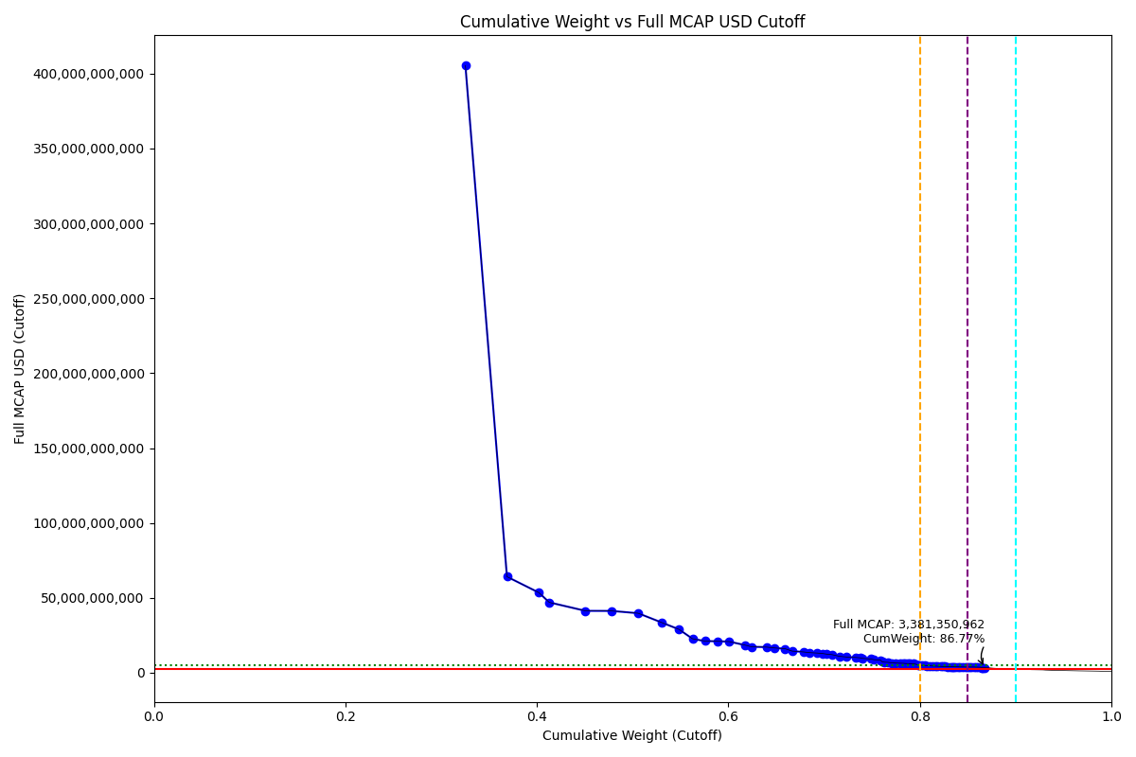
Date | ENTITY_QID | Country | Internal_Number | Instrument_Name | Free_Float_MCAP_USD_Cutoff_Company | Full_MCAP_USD_Cutoff_Company | Weight_Cutoff | CumWeight_Cutoff | Size | Case | Shadow_Company
2020-12-21 | E004YRA1J | KR | KR002D | Samsung Electronics Co Ltd | 3.5552156729E+11 | 4.0528894901E+11 | 0.32537556953 | 0.32537556953 | Standard | Inside
2020-12-21 | E004YRBCK | KR | KR00EP | SK HYNIX INC | 47398144341 | 64146899907 | 0.043379079158 | 0.36875464869 | Standard | Inside
2020-12-21 | E004YMVY2 | KR | KR18K4 | LG CHEM 1PF | 36479201359 | 53494965060 | 0.033385994017 | 0.40214064271 | Standard | Inside
2020-12-21 | E004YNP4A | KR | KR70EW | SAMSUNG BIOLOGICS | 11782663193 | 46999055419 | 0.010783567299 | 0.41292421 | Standard | Inside
2020-12-21 | E004YQLMC | KR | KR00NY | NAVER CORP | 41332698464 | 41332698464 | 0.037827945026 | 0.45075215503 | Standard | Inside
2020-12-21 | E004YM5UC | KR | KR063K | Celltrion | 29875637872 | 41281798911 | 0.027342371271 | 0.4780945263 | Standard | Inside
2020-12-21 | E004YR9Z4 | KR | KR004F | Hyundai Motor Co | 30225003194 | 39751769384 | 0.027662112607 | 0.50575663891 | Standard | Inside
2020-12-21 | E004YRAIG | KR | KR19QB | SAMSUNG SDI NON VTG.PF. | 27044740226 | 33530227959 | 0.02475151598 | 0.53050815489 | Standard | Inside
2020-12-21 | E004YNJQ0 | KR | KR056M | KAKAO CORP | 19618334889 | 28956951866 | 0.01795482321 | 0.5484629781 | Standard | Inside
2020-12-21 | E004YNLDW | KR | KR05Q6 | LG H&H | 15416283458 | 22688335655 | 0.014109079368 | 0.56257205747 | Standard | Inside
2020-12-21 | E004YPZDH | KR | KR00GR | Kia Motors Corp | 14000496174 | 21174374129 | 0.012813341962 | 0.57538539943 | Standard | Inside
2020-12-21 | E004YMUS3 | KR | KR007I | Hyundai Mobis | 14683927830 | 21016069601 | 0.013438822902 | 0.58882422233 | Standard | Inside
2020-12-21 | E004YNK41 | KR | KR507N | SAMSUNG C&T CORP | 12965216500 | 20834350795 | 0.011865847507 | 0.60069006984 | Standard | Inside
2020-12-21 | E004YRDSS | KR | KR003E | POSCO | 18437627503 | 18437627503 | 0.0168742324 | 0.61756430224 | Standard | Inside
2020-12-21 | E004YRC5Y | KR | KR048N | SK TELECOM | 7333493413 | 17330909074 | 0.0067116591944 | 0.62427596143 | Standard | Inside
2020-12-21 | E004YMD23 | KR | KR008J | KB Financial Group Inc | 17135931184 | 17135931184 | 0.015682911759 | 0.63995887319 | Standard | Inside
2020-12-21 | E004YTOAD | KR | KR71EX | CELLTRION HEALTHCARE | 8391780706.4 | 16604235667 | 0.0076802103668 | 0.64763908356 | Standard | Inside
2020-12-21 | E004YQNUI | KR | KR05BR | NCsoft | 12705549955 | 16052495206 | 0.011628199056 | 0.65926728261 | Standard | Inside
2020-12-21 | E004YRDLT | KR | KR00HS | SK INNOVATION | 8043619424.5 | 14456541022 | 0.0073615709767 | 0.66662885359 | Standard | Inside
2020-12-21 | E004YRBW7 | KR | KR00AL | Shinhan Financial Group Co Ltd | 13180999693 | 13892284668 | 0.012063333639 | 0.67869218723 | Standard | Inside
2020-12-21 | E004YQLKO | KR | KR053J | SK HOLDINGS | 6596526541.4 | 13448576027 | 0.0060371824886 | 0.68472936972 | Standard | Inside
2020-12-21 | E004YPU7R | KR | KR00CN | LG Electronics Inc | 8897555694.4 | 13155085591 | 0.0081430988099 | 0.69287246853 | Standard | Inside
2020-12-21 | E004YM8OF | KR | KR00BM | Samsung Life Insurance Co Ltd | 5645872228.8 | 12887176966 | 0.0051671376956 | 0.69803960622 | Standard | Inside
2020-12-21 | E004YRDHG | KR | KR009K | Korea Electric Power Corp | 4977786617.5 | 12444466696 | 0.0045557015515 | 0.70259530777 | Standard | Inside
2020-12-21 | E004YN6Y7 | KR | KR503J | SAMSUNG SDS | 6186734391.3 | 12097642533 | 0.005662138141 | 0.70825744591 | Standard | Inside
2020-12-21 | E004YO9SG | KR | KR00DO | LG Corp | 8403711634.8 | 11009709989 | 0.0076911296273 | 0.71594857554 | Standard | Inside
2020-12-21 | E004YMCFN | KR | KR00KV | Samsung Electro-Mechanics Co L | 8035784257.7 | 10530447199 | 0.0073544001829 | 0.72330297572 | Standard | Inside
2020-12-21 | E004YQUWE | KR | KR00S3 | KT&G Corp | 10236206042 | 10236206042 | 0.009368240009 | 0.73267121573 | Standard | Inside
2020-12-21 | E004YMTGJ | KR | KR17RA | AMOREPACIFIC PF. | 5372349487 | 9970966742.5 | 0.0049168079658 | 0.7375880237 | Standard | Inside
2020-12-21 | E004YRR5G | KR | KR718R | NETMARBLE CORP | 2848593803.4 | 9604159822.6 | 0.0026070509258 | 0.74019507463 | Standard | Inside
2020-12-21 | E004YR9JS | KR | KR06L2 | Hana Financial G | 9184773984.8 | 9184773984.8 | 0.0084059627918 | 0.74860103742 | Standard | Inside
2020-12-21 | E004YNK5N | KR | KR03Q4 | LOTTE CHEMICAL CORPORATION | 3793673727.7 | 8735145585.3 | 0.0034719940036 | 0.75207303142 | Standard | Inside
2020-12-21 | E004YR81J | KR | KR00JU | Samsung Fire & Marine Insuranc | 7275158227.9 | 8488952786.6 | 0.0066582704669 | 0.75873130189 | Standard | Inside
2020-12-21 | E004YNK42 | KR | KR04DS | HANON SYSTEMS | 2178809858 | 7260279433.4 | 0.0019940604556 | 0.76072536234 | Standard | Inside
2020-12-21 | E004YRBGO | KR | KR03N1 | S-Oil | 2591086613.5 | 7081406432.2 | 0.0023713787296 | 0.76309674107 | Standard | Inside
2020-12-21 | E004YOD2O | KR | KR03HV | HANWHA SOLUTIONS | 4377390172.8 | 6947135649.6 | 0.0040062149573 | 0.76710295603 | Standard | Inside
2020-12-21 | E004YRDQK | KR | KR006H | KOREA SHIPBUILDING & OFFSHORE | 4114113334.2 | 6587851616 | 0.0037652623424 | 0.77086821837 | Standard | Inside
2020-12-21 | E004YQFR7 | KR | KR03JX | Korea Zinc | 4314203699.7 | 6463226516.3 | 0.0039483863006 | 0.77481660467 | Standard | Inside
2020-12-21 | E004YRS86 | KR | KR00IT | WOORI FINANCIAL GROUP | 4948952657 | 6416378396.2 | 0.0045293125299 | 0.7793459172 | Standard | Inside
2020-12-21 | E004YM5UT | KR | KR204H | SHIN POONG PHARM. | 3487129200.8 | 6320698207.1 | 0.0031914425288 | 0.78253735973 | Standard | Inside
2020-12-21 | E004YR9YX | KR | KR001C | Industrial Bank of Korea | 1968011458.2 | 6208238038.6 | 0.0018011364372 | 0.78433849617 | Standard | Inside
2020-12-21 | E004YMXTQ | KR | KR1J61 | MIRAE ASSET SECURITIES 2PREF | 3189006142.1 | 6116980629.8 | 0.0029185984345 | 0.7872570946 | Standard | Inside
2020-12-21 | E004YMKLS | KR | KR15O5 | Celltrion Pharm | 2740791500.4 | 6087942026.6 | 0.0025083895815 | 0.78976548418 | Standard | Inside
2020-12-21 | E004YOW20 | KR | KR06K1 | HYUNDAI GLOVIS CO LTD | 3512058472.5 | 6032391742.5 | 0.0032142579547 | 0.79297974214 | Standard | Inside
2020-12-21 | E004YRDSX | KR | KR04VA | KT Corp | 2803964909.5 | 5722377726.6 | 0.002566206282 | 0.79554594842 | Standard | Inside
2020-12-21 | E004YQTYZ | KR | KR00Q1 | Doosan Heavy Industries and Co | 2656950608.8 | 5303294628.3 | 0.0024316578714 | 0.79797760629 | Standard | Inside
2020-12-21 | E004YNHIC | KR | KR108K | POSCO CHEMICAL | 1953731755.3 | 5043189869.2 | 0.0017880675635 | 0.79976567386 | Standard | Inside
2020-12-21 | E004YP8J8 | KR | KR00FQ | LG Display Co Ltd | 3062380163.3 | 4931369023 | 0.002802709544 | 0.8025683834 | Standard | Inside
2020-12-21 | E004YR8PS | KR | KR06XE | CJ CheilJedang | 2725183804.2 | 4916442006.6 | 0.0024941053201 | 0.80506248872 | Standard | Inside
2020-12-21 | E004YQBMC | KR | KR04YD | LG Uplus | 2272183169.3 | 4715211788.3 | 0.0020795162961 | 0.80714200502 | Standard | Inside
2020-12-21 | E004YMY3K | KR | KR04IX | COWAY | 3088680468.3 | 4628623510.2 | 0.0028267797483 | 0.80996878476 | Standard | Inside
2020-12-21 | E004YRGAV | KR | KR801K | SK CHEMICALS | 3007357963.9 | 4520303568.2 | 0.0027523528818 | 0.81272113765 | Standard | Inside
2020-12-21 | E004YPMP3 | KR | KR116J | Seegene | 3647604359.9 | 4454817244.7 | 0.0033383104015 | 0.81605944805 | Standard | Inside
2020-12-21 | E004YSJFY | KR | KR055L | Kangwon Land | 2324379806.2 | 4340578536.4 | 0.0021272869858 | 0.81818673503 | Standard | Inside
2020-12-21 | E004YMWXC | KR | KR508O | HLB | 3939693489.1 | 4335050054.1 | 0.0036056322056 | 0.82179236724 | Standard | Inside
2020-12-21 | E004YPQMA | KR | KR70ZH | ORION KR | 2651516945.5 | 4233621180.7 | 0.0024266849486 | 0.82421905219 | Standard | Inside
2020-12-21 | E004YO1NM | KR | KR03FT | HANMI SCIENCE | 2247893200.6 | 4193830598.2 | 0.0020572859643 | 0.82627633815 | Standard | Inside
2020-12-21 | E004YR7YF | KR | KR068P | Kr Inv Holdings | 3107100678.6 | 4079598628.3 | 0.0028436380403 | 0.82911997619 | Standard | Inside
2020-12-21 | E004YTXMC | KR | KR60N4 | ALTEOGEN | 3241624849 | 4065243101.3 | 0.0029667554053 | 0.8320867316 | Standard | Inside
2020-12-21 | E004YQKQ8 | KR | KR029M | KOREAN AIR LINES | 2006937944.1 | 4014678872.1 | 0.0018367622014 | 0.8339234938 | Standard | Inside
2020-12-21 | E004YMO7M | KR | KR30BP | HANJIN KAL | 1142607078.7 | 4010554856.6 | 0.001045721169 | 0.83496921497 | Standard | Inside | TRUE
2020-12-21 | E004YOXDC | KR | KR70SA | HYUNDAI HEAVY INDUSTRIES HLDS | 2298590636.2 | 3990608743.4 | 0.0021036845755 | 0.83707289954 | Standard | Inside
2020-12-21 | E004YP8FY | KR | KR03R5 | HMM | 3123153382.6 | 3941882345.8 | 0.0028583295758 | 0.83993122912 | Standard | Inside
2020-12-21 | E004YNAXW | KR | KR01ZB | AMOREG | 1807002199.6 | 3919744467.6 | 0.0016537797533 | 0.84158500887 | Standard | Inside
2020-12-21 | E004YQ12X | KR | KR00Y9 | Yuhan | 2999241874.6 | 3891076640.6 | 0.002744924986 | 0.84432993386 | Standard | Inside
2020-12-21 | E004YMCFI | KR | KR03KY | Samsung Heavy In | 3267248724.5 | 3888655944.4 | 0.0029902065369 | 0.8473201404 | Standard | Inside
2020-12-21 | E004YOMJ4 | KR | KR17P8 | E-MART | 2771584152.4 | 3879597077.8 | 0.0025365712099 | 0.84985671161 | Standard | Inside
2020-12-21 | E004YNZZK | KR | KR10EQ | HanmiPharm | 1954776539 | 3838917005.1 | 0.0017890237561 | 0.85164573536 | Standard | Inside
2020-12-21 | E004YOZBR | KR | KR00LW | HYUNDAI STEEL CO | 2456345096.5 | 3835043085.8 | 0.0022480624476 | 0.85389379781 | Standard | Inside
2020-12-21 | E004YP1ER | KR | KR03T7 | Kumho | 2914106917.7 | 3827300916.3 | 0.0026670089392 | 0.85656080675 | Standard | Inside
2020-12-21 | E004YQN60 | KR | KR033H | Green Cross | 1885596339.7 | 3775723547.6 | 0.0017257096035 | 0.85828651635 | Standard | Inside
2020-12-21 | E004YMH7B | KR | KR20LY | HANKOOK TIRE & TECHNOLOGY | 2330432686.8 | 3660748801.1 | 0.00213282662 | 0.86041934297 | Standard | Inside
2020-12-21 | E004YPAU2 | KR | KR06M3 | MACQUARIE KOREA INFR.FD. | 3451065655.3 | 3632700689.8 | 0.0031584369456 | 0.86357777992 | Standard | Inside
2020-12-21 | E004YMS6W | KR | KR04T8 | Samsung Card | 973872152.56 | 3465737197.7 | 0.00089129390575 | 0.86446907382 | Standard | Inside | TRUE
2020-12-21 | E004YOZBB | KR | KR00ZA | CJ LOGISTICS | 1349065035.8 | 3422285732.6 | 0.0012346727871 | 0.86570374661 | Standard | Inside | TRUE
2020-12-21 | E004YNAZX | KR | KR01AM | Hyundai Eng&Con | 2200583205.8 | 3381350961.5 | 0.0020139875601 | 0.86771773417 | Standard | Inside

2021-03-22_KR

Date | ENTITY_QID | Country | Internal_Number | Instrument_Name | Free_Float_MCAP_USD_Cutoff_Company | Full_MCAP_USD_Cutoff_Company | Weight_Cutoff | CumWeight_Cutoff | Size | Case | Shadow_Company
2021-03-22 | E004YRA1J | KR | KR18G0 | SAMSUNG ELTN.PF. | 4.3106504407E+11 | 4.9169167565E+11 | 0.34245928787 | 0.34245928787 | Standard | Inside
2021-03-22 | E004YRBCK | KR | KR00EP | SK HYNIX INC | 67749125730 | 91689167317 | 0.053823240067 | 0.39628252793 | Standard | Inside
2021-03-22 | E004YQLMC | KR | KR00NY | NAVER CORP | 49405724043 | 55011384081 | 0.039250338911 | 0.43553286684 | Standard | Inside
2021-03-22 | E004YMVY2 | KR | KR18K4 | LG CHEM 1PF | 37450728642 | 54858894448 | 0.029752702144 | 0.46528556899 | Standard | Inside
2021-03-22 | E004YR9Z4 | KR | KR18J3 | HYUNDAI MOTOR PF. | 38398009880 | 50640157760 | 0.030505268984 | 0.49579083797 | Standard | Inside
2021-03-22 | E004YNP4A | KR | KR70EW | SAMSUNG BIOLOGICS | 11073189005 | 44169082588 | 0.0087970863636 | 0.50458792434 | Standard | Inside
2021-03-22 | E004YRAIG | KR | KR19QB | SAMSUNG SDI NON VTG.PF. | 33883989569 | 41961283027 | 0.026919109071 | 0.53150703341 | Standard | Inside
2021-03-22 | E004YNJQ0 | KR | KR056M | KAKAO CORP | 25622687448 | 37819464867 | 0.020355924047 | 0.55186295745 | Standard | Inside
2021-03-22 | E004YM5UC | KR | KR063K | Celltrion | 29131626533 | 36287526823 | 0.023143597966 | 0.57500655542 | Standard | Inside
2021-03-22 | E004YPZDH | KR | KR00GR | Kia Motors Corp | 18942034494 | 28647965054 | 0.015048484522 | 0.59005503994 | Standard | Inside
2021-03-22 | E004YMUS3 | KR | KR007I | Hyundai Mobis | 17959141629 | 25703651966 | 0.014267626052 | 0.60432266599 | Standard | Inside
2021-03-22 | E004YPU7R | KR | KR18N7 | LG ELECTRONICS PF. | 15246441005 | 22431324794 | 0.012112523158 | 0.61643518915 | Standard | Inside
2021-03-22 | E004YNLDW | KR | KR05Q6 | LG H&H | 15192959639 | 22350446711 | 0.012070034929 | 0.62850522408 | Standard | Inside
2021-03-22 | E004YRDSS | KR | KR003E | POSCO | 21845304883 | 21845304883 | 0.017354985416 | 0.6458602095 | Standard | Inside
2021-03-22 | E004YRDLT | KR | KR00HS | SK INNOVATION | 11928989893 | 21439593624 | 0.009476976711 | 0.65533718621 | Standard | Inside
2021-03-22 | E004YNK41 | KR | KR507N | SAMSUNG C&T CORP | 12686728674 | 20386837015 | 0.010078961695 | 0.6654161479 | Standard | Inside
2021-03-22 | E004YQNUI | KR | KR05BR | NCsoft | 14460217649 | 18269384269 | 0.011487908627 | 0.67690405653 | Standard | Inside
2021-03-22 | E004YRC5Y | KR | KR048N | SK TELECOM | 8716046625.1 | 17787850263 | 0.0069244564395 | 0.68382851297 | Standard | Inside
2021-03-22 | E004YTOAD | KR | KR71EX | CELLTRION HEALTHCARE | 8840145673.9 | 17158667845 | 0.007023046832 | 0.6908515598 | Standard | Inside
2021-03-22 | E004YQLKO | KR | KR053J | SK HOLDINGS | 8063522128.2 | 16439392718 | 0.0064060588622 | 0.69725761866 | Standard | Inside
2021-03-22 | E004YMD23 | KR | KR008J | KB Financial Group Inc | 16300279842 | 16300279842 | 0.0129497446 | 0.71020736326 | Standard | Inside
2021-03-22 | E004YRBW7 | KR | KR00AL | Shinhan Financial Group Co Ltd | 14373144204 | 15148760755 | 0.011418733196 | 0.72162609646 | Standard | Inside
2021-03-22 | E004YO9SG | KR | KR00DO | LG Corp | 11008358507 | 14422060142 | 0.008745581825 | 0.73037167828 | Standard | Inside
2021-03-22 | E004YN6Y7 | KR | KR503J | SAMSUNG SDS | 6850551029.5 | 13395680543 | 0.0054424149193 | 0.7358140932 | Standard | Inside
2021-03-22 | E004YM8OF | KR | KR00BM | Samsung Life Insurance Co Ltd | 5849157434.2 | 13351192500 | 0.0046468585591 | 0.74046095176 | Standard | Inside
2021-03-22 | E004YRDHG | KR | KR009K | Korea Electric Power Corp | 5188303443.7 | 12970758768 | 0.004121843622 | 0.74458279539 | Standard | Inside
2021-03-22 | E004YMTGJ | KR | KR17RA | AMOREPACIFIC PF. | 6973553911.9 | 12913984932 | 0.0055401344633 | 0.75012292985 | Standard | Inside
2021-03-22 | E004YMCFN | KR | KR00KV | Samsung Electro-Mechanics Co L | 9613984470.1 | 12598590578 | 0.0076378224598 | 0.75776075231 | Standard | Inside
2021-03-22 | E004YNHIC | KR | KR108K | POSCO CHEMICAL | 4220277882 | 10893851012 | 0.00335279647 | 0.76111354878 | Standard | Inside
2021-03-22 | E004YR9JS | KR | KR06L2 | Hana Financial G | 9901216228.9 | 9901216228.9 | 0.0078660135064 | 0.76897956228 | Standard | Inside
2021-03-22 | E004YNK5N | KR | KR03Q4 | LOTTE CHEMICAL CORPORATION | 4213359540.1 | 9701495602.2 | 0.0033473001986 | 0.77232686248 | Standard | Inside
2021-03-22 | E004YQUWE | KR | KR00S3 | KT&G Corp | 9568356863.6 | 9568356863.6 | 0.0076015736434 | 0.77992843613 | Standard | Inside
2021-03-22 | E004YRR5G | KR | KR718R | NETMARBLE CORP | 2771902828.9 | 9345592814.8 | 0.0022021360393 | 0.78213057217 | Standard | Inside
2021-03-22 | E004YRBGO | KR | KR03N1 | S-Oil | 3116607766.5 | 8517648993 | 0.002475986608 | 0.78460655877 | Standard | Inside
2021-03-22 | E004YQKQ8 | KR | KR029M | KOREAN AIR LINES | 3910651920.7 | 7822869020.5 | 0.0031068143667 | 0.78771337314 | Standard | Inside
2021-03-22 | E004YR81J | KR | KR00JU | Samsung Fire & Marine Insuranc | 6581270167 | 7681349414.6 | 0.0052284849483 | 0.79294185809 | Standard | Inside
2021-03-22 | E004YOD2O | KR | KR03HV | HANWHA SOLUTIONS | 4704036427.3 | 7465539481.5 | 0.0037371180687 | 0.79667897616 | Standard | Inside
2021-03-22 | E004YNK42 | KR | KR04DS | HANON SYSTEMS | 2202935833.2 | 7340672553.2 | 0.0017501206536 | 0.79842909681 | Standard | Inside
2021-03-22 | E004YP8J8 | KR | KR00FQ | LG Display Co Ltd | 4469801431.8 | 7197747877.3 | 0.0035510302593 | 0.80198012707 | Standard | Inside
2021-03-22 | E004YRDQK | KR | KR006H | KOREA SHIPBUILDING & OFFSHORE | 4406031332 | 7055294366.7 | 0.0035003681533 | 0.80548049522 | Standard | Inside
2021-03-22 | E004YQFR7 | KR | KR03JX | Korea Zinc | 4523717832.2 | 6777105366.6 | 0.0035938641016 | 0.80907435933 | Standard | Inside
2021-03-22 | E004YOW20 | KR | KR06K1 | HYUNDAI GLOVIS CO LTD | 3800750724.9 | 6441950381.2 | 0.0030195034474 | 0.81209386277 | Standard | Inside
2021-03-22 | E004YRS86 | KR | KR00IT | WOORI FINANCIAL GROUP | 4781036697.4 | 6158748805.1 | 0.0037982908732 | 0.81589215365 | Standard | Inside
2021-03-22 | E004YRDSX | KR | KR04VA | KT Corp | 2960906621.6 | 6042666955.2 | 0.0023522899549 | 0.8182444436 | Standard | Inside
2021-03-22 | E004YMXTQ | KR | KR039N | MIRAE ASSET DAEWOO | 3062515342.5 | 5903679708.2 | 0.002433012924 | 0.82067745652 | Standard | Inside
2021-03-22 | E004YP1ER | KR | KR03T7 | Kumho | 4356760321.9 | 5722038773.2 | 0.0034612248378 | 0.82413868136 | Standard | Inside
2021-03-22 | E004YP8FY | KR | KR03R5 | HMM | 4377802659.2 | 5525435642 | 0.0034779419063 | 0.82761662327 | Standard | Inside
2021-03-22 | E004YR9YX | KR | KR001C | Industrial Bank of Korea | 1736121867.8 | 5476725135.1 | 0.0013792606631 | 0.82899588393 | Standard | Inside
2021-03-22 | E004YR8PS | KR | KR06XE | CJ CheilJedang | 3018134428.4 | 5444947552.6 | 0.0023977545414 | 0.83139363847 | Standard | Inside
2021-03-22 | E004YMH7B | KR | KR20LY | HANKOOK TIRE & TECHNOLOGY | 3344585074 | 5253825124.1 | 0.002657103002 | 0.83405074148 | Standard | Inside
2021-03-22 | E004YMKLS | KR | KR15O5 | Celltrion Pharm | 2289208714.4 | 4965745584.3 | 0.0018186600767 | 0.83586940155 | Standard | Inside
2021-03-22 | E004YNAXW | KR | KR01ZB | AMOREG | 2189110830.4 | 4748613515 | 0.0017391373909 | 0.83760853894 | Standard | Inside
2021-03-22 | E004YOZBR | KR | KR00LW | HYUNDAI STEEL CO | 3039272056.6 | 4745155435.7 | 0.0024145473136 | 0.84002308626 | Standard | Inside
2021-03-22 | E004YR7YF | KR | KR068P | Kr Inv Holdings | 3518727494.2 | 4647159152.9 | 0.0027954503118 | 0.84281853657 | Standard | Inside
2021-03-22 | E004YSJFY | KR | KR055L | Kangwon Land | 2467724348.7 | 4608262089.1 | 0.0019604816831 | 0.84477901825 | Standard | Inside
2021-03-22 | E004YQBMC | KR | KR04YD | LG Uplus | 2246994053.3 | 4585702098.3 | 0.0017851226722 | 0.84656414092 | Standard | Inside
2021-03-22 | E004YPQMA | KR | KR70ZH | ORION KR | 2540658750.7 | 4521549654.2 | 0.0020184243618 | 0.84858256529 | Standard | Inside
2021-03-22 | E004YMY3K | KR | KR04IX | COWAY | 2836013696.1 | 4249983060.3 | 0.0022530688677 | 0.85083563415 | Standard | Inside
2021-03-22 | E004YOMJ4 | KR | KR17P8 | E-MART | 2995605264 | 4193176461.4 | 0.0023798562643 | 0.85321549042 | Standard | Inside
2021-03-22 | E004YNZNW | KR | KR03O2 | LG Innotek | 2482116207.3 | 4192055746.2 | 0.0019719152839 | 0.8551874057 | Standard | Inside
2021-03-22 | E004YM5UT | KR | KR204H | SHIN POONG PHARM. | 2180362268.7 | 3952079515.5 | 0.0017321871029 | 0.8569195928 | Standard | Inside
2021-03-22 | E004YNAZX | KR | KR01AM | Hyundai Eng&Con | 2567273398.6 | 3944796248.6 | 0.0020395683481 | 0.85895916115 | Standard | Inside
2021-03-22 | E004YRGAV | KR | KR801K | SK CHEMICALS | 2621243750 | 3939942507.1 | 0.0020824450516 | 0.8610416062 | Standard | Inside
2021-03-22 | E004YQN60 | KR | KR033H | Green Cross | 1966206357.7 | 3937137280.1 | 0.0015620511065 | 0.86260365731 | Standard | Inside
2021-03-22 | E004YQKSP | KR | KR03U8 | SKC | 2095053604.5 | 3925526708.8 | 0.0016644137011 | 0.86426807101 | Standard | Inside
2021-03-22 | E004YQ12X | KR | KR00Y9 | Yuhan | 3028276643.4 | 3873962701.1 | 0.0024058120162 | 0.86667388303 | Standard | Inside
2021-03-22 | E004YO1NM | KR | KR03FT | HANMI SCIENCE | 2107085473.1 | 3865502610.7 | 0.0016739724098 | 0.86834785544 | Standard | Inside
2021-03-22 | E004YOXDC | KR | KR70SA | HYUNDAI HEAVY INDUSTRIES HLDS | 2190976009.9 | 3803777795 | 0.0017406191813 | 0.87008847462 | Standard | Inside
2021-03-22 | E004YPAU2 | KR | KR06M3 | MACQUARIE KOREA INFR.FD. | 3509092896.2 | 3693781996 | 0.002787796113 | 0.87287627073 | Standard | Inside
2021-03-22 | E004YNZZK | KR | KR10EQ | HanmiPharm | 1914274993.5 | 3689813017.6 | 0.0015207942747 | 0.87439706501 | Standard | Inside
2021-03-22 | E004YMCFI | KR | KR03KY | Samsung Heavy In | 3090692972.5 | 3678520557.6 | 0.0024553986201 | 0.87685246363 | Standard | Inside
2021-03-22 | E004YQFV0 | KR | KR04N2 | Dong suh | 1816024484.6 | 3576259323.8 | 0.0014427392346 | 0.87829520286 | Standard | Inside
2021-03-22 | E004YQTYZ | KR | KR00Q1 | Doosan Heavy Industries and Co | 1770853006.6 | 3534636739.7 | 0.0014068527891 | 0.87970205565 | Standard | Inside
2021-03-22 | E004YMS6W | KR | KR04T8 | Samsung Card | 954816476.32 | 3397923403.3 | 0.0007585532045 | 0.88046060885 | Standard | Inside | TRUE
2021-03-22 | E004YU1DB | KR | KR812M | PEARLABYSS | 1763839027.4 | 3354581642.1 | 0.0014012805389 | 0.88186188939 | Standard | Inside
2021-03-22 | E004YOZBB | KR | KR00ZA | CJ LOGISTICS | 1312680937.5 | 3329987157.6 | 0.0010428583464 | 0.88290474774 | Standard | Inside | TRUE

2021-06-21_KR

Date | ENTITY_QID | Country | Internal_Number | Instrument_Name | Free_Float_MCAP_USD_Cutoff_Company | Full_MCAP_USD_Cutoff_Company | Weight_Cutoff | CumWeight_Cutoff | Size | Case | Shadow_Company
2021-06-21 | E004YRA1J | KR | KR002D | Samsung Electronics Co Ltd | 4.2684120577E+11 | 4.8657045528E+11 | 0.31866823663 | 0.31866823663 | Standard | Inside
2021-06-21 | E004YRBCK | KR | KR00EP | SK HYNIX INC | 61500507592 | 83209995389 | 0.045914635328 | 0.36458287195 | Standard | Inside
2021-06-21 | E004YMVY2 | KR | KR005G | LG Chem Ltd | 37023739171 | 54587336009 | 0.027640934182 | 0.39222380614 | Standard | Inside
2021-06-21 | E004YQLMC | KR | KR00NY | NAVER CORP | 48726314174 | 53769933981 | 0.036377763921 | 0.42860157006 | Standard | Inside
2021-06-21 | E004YR9Z4 | KR | KR004F | Hyundai Motor Co | 38968283040 | 51301371728 | 0.029092678666 | 0.45769424872 | Standard | Inside
2021-06-21 | E004YNP4A | KR | KR70EW | SAMSUNG BIOLOGICS | 12619773050 | 50318074361 | 0.0094215852876 | 0.46711583401 | Standard | Inside
2021-06-21 | E004YNJQ0 | KR | KR056M | KAKAO CORP | 36664972645 | 48192655948 | 0.027373088683 | 0.49448892269 | Standard | Inside
2021-06-21 | E004YRAIG | KR | KR00OZ | Samsung SDI Co Ltd | 31190418046 | 38638928081 | 0.02328593253 | 0.51777485522 | Standard | Inside
2021-06-21 | E004YM5UC | KR | KR063K | Celltrion | 24724313253 | 33855009247 | 0.018458511502 | 0.53623336673 | Standard | Inside
2021-06-21 | E004YPZDH | KR | KR00GR | KIA CORPORATION | 20651697327 | 31228938949 | 0.015418005295 | 0.55165137202 | Standard | Inside
2021-06-21 | E004YRDSS | KR | KR003E | POSCO | 27855967838 | 27855967838 | 0.02079652112 | 0.57244789314 | Standard | Inside
2021-06-21 | E004YMUS3 | KR | KR007I | Hyundai Mobis | 16744716599 | 24017092081 | 0.0125011579 | 0.58494905104 | Standard | Inside
2021-06-21 | E004YNK41 | KR | KR507N | SAMSUNG C&T CORP | 14552399697 | 23498142575 | 0.010864432692 | 0.59581348373 | Standard | Inside
2021-06-21 | E004YPU7R | KR | KR18N7 | LG ELECTRONICS PF. | 15961979034 | 23497389167 | 0.011916786953 | 0.60773027069 | Standard | Inside
2021-06-21 | E004YNLDW | KR | KR17VE | LG HOUSEHOLD 1PF | 15819261424 | 23274307085 | 0.011810237799 | 0.61954050848 | Standard | Inside
2021-06-21 | E004YRC5Y | KR | KR048N | SK TELECOM | 11291487028 | 23036564495 | 0.008429922443 | 0.62797043093 | Standard | Inside
2021-06-21 | E004YMD23 | KR | KR008J | KB Financial Group Inc | 22126283068 | 22126283068 | 0.0165188916 | 0.64448932253 | Standard | Inside
2021-06-21 | E004YRDLT | KR | KR00HS | SK INNOVATION | 12272415555 | 22052858139 | 0.0091622574651 | 0.65365157999 | Standard | Inside
2021-06-21 | E004YRBW7 | KR | KR00AL | Shinhan Financial Group Co Ltd | 18725353161 | 19733747667 | 0.013979848224 | 0.66763142822 | Standard | Inside
2021-06-21 | E004YQNUI | KR | KR05BR | NCsoft | 13565890843 | 17130813035 | 0.010127931546 | 0.67775935976 | Standard | Inside
2021-06-21 | E004YQLKO | KR | KR053J | SK | 8232657890.9 | 16780794723 | 0.0061462823584 | 0.68390564212 | Standard | Inside
2021-06-21 | E004YTOAD | KR | KR71EX | CELLTRION HEALTHCARE | 8693133321.4 | 16714349782 | 0.0064900610083 | 0.69039570313 | Standard | Inside
2021-06-21 | E004YMTGJ | KR | KR17RA | AMOREPACIFIC PF. | 8716264742 | 16078408393 | 0.0065073303087 | 0.69690303344 | Standard | Inside
2021-06-21 | E004YM8OF | KR | KR00BM | Samsung Life Insurance Co Ltd | 8011047421 | 15083877652 | 0.0059808339043 | 0.70288386734 | Standard | Inside
2021-06-21 | E004YRDHG | KR | KR009K | Korea Electric Power Corp | 5962513911.1 | 14906284960 | 0.0044514535341 | 0.70733532088 | Standard | Inside
2021-06-21 | E004YO9SG | KR | KR00DO | LG Corp | 10916938562 | 14298544286 | 0.0081502945685 | 0.71548561544 | Standard | Inside
2021-06-21 | E004YP8FY | KR | KR03R5 | HMM | 11401854077 | 14085057538 | 0.0085123195323 | 0.72399793498 | Standard | Inside
2021-06-21 | E004YN6Y7 | KR | KR503J | SAMSUNG SDS | 6467663419.1 | 12639561108 | 0.0048285846564 | 0.72882651963 | Standard | Inside
2021-06-21 | E004YR9JS | KR | KR06L2 | Hana Financial G | 12578539161 | 12578539161 | 0.0093908011681 | 0.7382173208 | Standard | Inside
2021-06-21 | E004YMCFN | KR | KR00KV | Samsung Electro-Mechanics Co L | 8747534854.6 | 11461654684 | 0.0065306757391 | 0.74474799654 | Standard | Inside
2021-06-21 | E004YRR5G | KR | KR718R | NETMARBLE CORP | 3248076471.5 | 10673928595 | 0.0024249270867 | 0.74717292363 | Standard | Inside
2021-06-21 | E004YQUWE | KR | KR00S3 | KT&G Corp | 10416297259 | 10416297259 | 0.0077765291515 | 0.75494945278 | Standard | Inside
2021-06-21 | E004YNHIC | KR | KR108K | POSCO CHEMICAL | 3917186433.4 | 10108868215 | 0.0029244667019 | 0.75787391948 | Standard | Inside
2021-06-21 | E004YQKQ8 | KR | KR029M | KOREAN AIR LINES | 4255584403 | 10001506699 | 0.0031771055822 | 0.76105102506 | Standard | Inside
2021-06-21 | E004YR81J | KR | KR17UD | SAMSUNG FIRE & MAR.IN.PF | 8087449876.2 | 9487426068.8 | 0.0060378739354 | 0.767088899 | Standard | Inside
2021-06-21 | E004YRBGO | KR | KR03N1 | S-Oil | 3471106474.9 | 9483897472.5 | 0.0025914353267 | 0.76968033432 | Standard | Inside
2021-06-21 | E004YRDQK | KR | KR006H | KOREA SHIPBUILDING & OFFSHORE | 5670138592.2 | 9076578505.3 | 0.004233173935 | 0.77391350826 | Standard | Inside
2021-06-21 | E004YNK5N | KR | KR03Q4 | LOTTE CHEMICAL CORPORATION | 3740379642.3 | 8606487902.2 | 0.0027924674769 | 0.77670597574 | Standard | Inside
2021-06-21 | E004YNK42 | KR | KR04DS | HANON SYSTEMS | 2443730190.4 | 8143052950.3 | 0.0018244236499 | 0.77853039939 | Standard | Inside
2021-06-21 | E004YRDSX | KR | KR04VA | KT Corp | 3938524874.6 | 8036956261.1 | 0.0029403974119 | 0.7814707968 | Standard | Inside
2021-06-21 | E004YTYNR | KR | KR09G0 | SK BIOPHARMACEUTICALS | 2879068133 | 7999633601.1 | 0.0021494353232 | 0.78362023212 | Standard | Inside
2021-06-21 | E004YOD2O | KR | KR03HV | HANWHA SOLUTIONS | 4881980608.2 | 7746716293.5 | 0.0036447562481 | 0.78726498837 | Standard | Inside
2021-06-21 | E004YP8J8 | KR | KR00FQ | LG Display Co Ltd | 4800330619.1 | 7728756430.7 | 0.0035837985484 | 0.79084878692 | Standard | Inside
2021-06-21 | E004YQFR7 | KR | KR03JX | Korea Zinc | 5118231338.9 | 7667762305.4 | 0.0038211347297 | 0.79466992165 | Standard | Inside
2021-06-21 | E004YRS86 | KR | KR00IT | WOORI FINANCIAL GROUP | 5530870513.5 | 7247897409.9 | 0.0041292001094 | 0.79879912176 | Standard | Inside
2021-06-21 | E004YR9YX | KR | KR001C | Industrial Bank of Korea | 2276701687.6 | 7179759342.9 | 0.0016997246337 | 0.80049884639 | Standard | Inside
2021-06-21 | E004YQTYZ | KR | KR00Q1 | Doosan Heavy Industries and Co | 4213682711.8 | 6709685846.8 | 0.0031458228993 | 0.80364466929 | Standard | Inside
2021-06-21 | E004YR8PS | KR | KR06XE | CJ CheilJedang | 3668676836.4 | 6616189064.8 | 0.0027389360784 | 0.80638360537 | Standard | Inside
2021-06-21 | E004YOZBR | KR | KR00LW | HYUNDAI STEEL CO | 4109676222.6 | 6413352407.3 | 0.0030681744341 | 0.8094517798 | Standard | Inside
2021-06-21 | E004YOW20 | KR | KR06K1 | HYUNDAI GLOVIS CO LTD | 3763431974.1 | 6378698261.2 | 0.0028096777318 | 0.81226145753 | Standard | Inside
2021-06-21 | E004YMXTQ | KR | KR1J61 | MIRAE ASSET SECURITIES 2PREF | 3131718651.8 | 6360187868.3 | 0.0023380574483 | 0.81459951498 | Standard | Inside
2021-06-21 | E004YP1ER | KR | KR03T7 | Kumho | 4835189283.8 | 6347891931 | 0.0036098230958 | 0.81820933808 | Standard | Inside
2021-06-21 | E004YQBMC | KR | KR04YD | LG Uplus | 2907881544.4 | 5933500268.3 | 0.0021709466461 | 0.82038028472 | Standard | Inside
2021-06-21 | E004YNAXW | KR | KR01ZB | AMOREG | 2658819607 | 5766253756.3 | 0.00198500366 | 0.82236528838 | Standard | Inside
2021-06-21 | E004YNAZX | KR | KR01AM | Hyundai Eng&Con | 3745512755.1 | 5752592159.6 | 0.0027962997218 | 0.82516158811 | Standard | Inside
2021-06-21 | E004YR7YF | KR | KR068P | Kr Inv Holdings | 4286354120.3 | 5698860839.2 | 0.0032000774307 | 0.82836166554 | Standard | Inside
2021-06-21 | E004YSJFY | KR | KR055L | Kangwon Land | 2966009594.6 | 5535665536.7 | 0.0022143434949 | 0.83057600903 | Standard | Inside
2021-06-21 | E004YMY3K | KR | KR04IX | COWAY | 3688652157.4 | 5526070647.8 | 0.0027538491192 | 0.83332985815 | Standard | Inside
2021-06-21 | E004YMH7B | KR | KR20LY | HANKOOK TIRE & TECHNOLOGY | 3471641010.7 | 5451697567 | 0.0025918343968 | 0.83592169255 | Standard | Inside
2021-06-21 | E004YOXDC | KR | KR70SA | HYUNDAI HEAVY INDUSTRIES HLDS | 2887955073.6 | 5012070589.5 | 0.0021560700756 | 0.83807776262 | Standard | Inside
2021-06-21 | E004YP3G8 | KR | KR70VD | DOOSAN BOBCAT | 2266097174.9 | 4628466451.9 | 0.0016918075879 | 0.83976957021 | Standard | Inside
2021-06-21 | E004YMKLS | KR | KR15O5 | Celltrion Pharm | 2113314404.6 | 4550633946.3 | 0.0015777440549 | 0.84134731427 | Standard | Inside
2021-06-21 | E004YNZNW | KR | KR03O2 | LG Innotek | 2579561440.6 | 4355895711.9 | 0.0019258316312 | 0.8432731459 | Standard | Inside
2021-06-21 | E004YQKSP | KR | KR03U8 | SKC | 2153527625.5 | 4307055251 | 0.0016077661708 | 0.84488091207 | Standard | Inside
2021-06-21 | E004YPQMA | KR | KR70ZH | ORION KR | 2389453513.8 | 4251696643.7 | 0.0017839021337 | 0.8466648142 | Standard | Inside
2021-06-21 | E004YO1NM | KR | KR03FT | HANMI SCIENCE | 2643894043.5 | 4247901740.9 | 0.0019738606332 | 0.84863867484 | Standard | Inside
2021-06-21 | E004YPAU2 | KR | KR06M3 | MACQUARIE KOREA INFR.FD. | 4187131437.4 | 4187131437.4 | 0.0031260004275 | 0.85176467526 | Standard | Inside
2021-06-21 | E004YQ12X | KR | KR00Y9 | Yuhan | 3242245834.9 | 4150871636 | 0.0024205740893 | 0.85418524935 | Standard | Inside
2021-06-21 | E004YOMJ4 | KR | KR17P8 | E-MART | 2850537501.6 | 3988997343.4 | 0.0021281351163 | 0.85631338447 | Standard | Inside
2021-06-21 | E004YMO7M | KR | KR30BP | HANJIN KAL | 1362809544.1 | 3947870271.2 | 0.0010174371837 | 0.85733082165 | Standard | Inside | TRUE
2021-06-21 | E004YN6Y2 | KR | KR02O1 | LOTTE CORP | 2791851344.4 | 3871119446 | 0.0020843215998 | 0.85941514325 | Standard | Inside
2021-06-21 | E004YNZZK | KR | KR10EQ | HanmiPharm | 2005360906.5 | 3866874096.7 | 0.0014971488583 | 0.86091229211 | Standard | Inside
2021-06-21 | E004YNP8D | KR | KR06EV | GS Holdings | 3652638806.8 | 3855027764.4 | 0.0027269625141 | 0.86363925462 | Standard | Inside
2021-06-21 | E004YP39I | KR | KR043I | Samsung Sec | 2686628762.5 | 3813525567.8 | 0.0020057652323 | 0.86564501986 | Standard | Inside
2021-06-21 | E004YQN60 | KR | KR033H | Green Cross | 1794118246 | 3591828320.3 | 0.0013394407335 | 0.86698446059 | Standard | Inside
2021-06-21 | E004YPW5X | KR | KR03ES | Hotel Shilla | 3207756075.3 | 3585286772.5 | 0.0023948249565 | 0.86937928555 | Standard | Inside

2021-09-20_KR
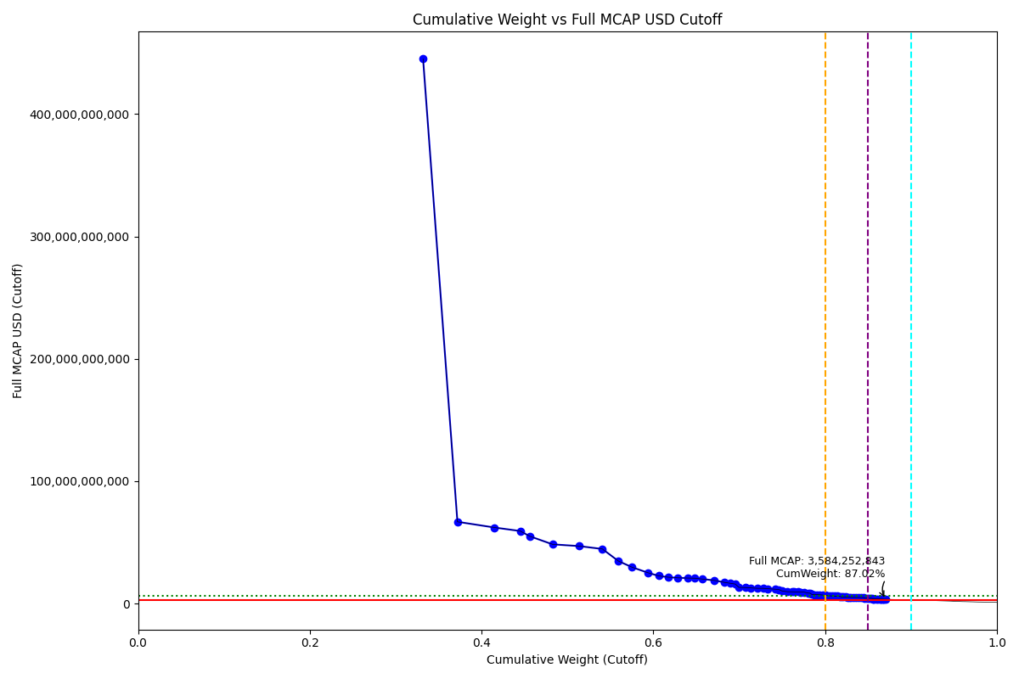
Date | ENTITY_QID | Country | Internal_Number | Instrument_Name | Free_Float_MCAP_USD_Cutoff_Company | Full_MCAP_USD_Cutoff_Company | Weight_Cutoff | CumWeight_Cutoff | Size | Case | Shadow_Company
2021-09-20 | E004YRA1J | KR | KR18G0 | SAMSUNG ELTN.PF. | 4.1038973683E+11 | 4.4514045848E+11 | 0.33189173094 | 0.33189173094 | Standard | Inside
2021-09-20 | E004YRBCK | KR | KR00EP | SK HYNIX INC | 49434527062 | 66866667202 | 0.039978852497 | 0.37187058344 | Standard | Inside
2021-09-20 | E004YQLMC | KR | KR00NY | NAVER CORP | 53236115546 | 62191723769 | 0.043053285576 | 0.41492386902 | Standard | Inside
2021-09-20 | E004YNJQ0 | KR | KR056M | KAKAO CORP | 37065829894 | 59333808058 | 0.029975999247 | 0.44489986826 | Standard | Inside
2021-09-20 | E004YNP4A | KR | KR70EW | SAMSUNG BIOLOGICS | 13810533060 | 55065921291 | 0.01116889949 | 0.45606876775 | Standard | Inside
2021-09-20 | E004YMVY2 | KR | KR005G | LG Chem Ltd | 32867700398 | 48442489284 | 0.026580874223 | 0.48264964198 | Standard | Inside
2021-09-20 | E004YRAIG | KR | KR00OZ | Samsung SDI Co Ltd | 37830058049 | 47028913537 | 0.030594048342 | 0.51324369032 | Standard | Inside
2021-09-20 | E004YR9Z4 | KR | KR18J3 | HYUNDAI MOTOR PF. | 33953909156 | 44637325842 | 0.027459316524 | 0.54070300684 | Standard | Inside
2021-09-20 | E004YM5UC | KR | KR063K | Celltrion | 22920670348 | 34796827611 | 0.01853647953 | 0.55923948637 | Standard | Inside
2021-09-20 | E004YPZDH | KR | KR00GR | KIA CORPORATION | 19677300019 | 29750982792 | 0.015913490464 | 0.57515297683 | Standard | Inside
2021-09-20 | E004YRDSS | KR | KR003E | POSCO | 22355024300 | 25340086488 | 0.018079028407 | 0.59323200524 | Standard | Inside
2021-09-20 | E004YMUS3 | KR | KR007I | Hyundai Mobis | 15823814297 | 22686472111 | 0.012797086881 | 0.60602909212 | Standard | Inside
2021-09-20 | E004YNK41 | KR | KR507N | SAMSUNG C&T CORP | 13442467432 | 21617771487 | 0.010871236251 | 0.61690032837 | Standard | Inside
2021-09-20 | E004YPU7R | KR | KR00CN | LG Electronics Inc | 14333446864 | 21077343432 | 0.011591792053 | 0.62849212043 | Standard | Inside
2021-09-20 | E004YNLDW | KR | KR05Q6 | LG H&H | 14230390605 | 20923301203 | 0.011508448058 | 0.64000056848 | Standard | Inside
2021-09-20 | E004YRC5Y | KR | KR048N | SK TELECOM | 10168551767 | 20752145637 | 0.0082235444607 | 0.64822411295 | Standard | Inside
2021-09-20 | E004YRDLT | KR | KR00HS | SK INNOVATION | 11229032345 | 20062901806 | 0.0090811797846 | 0.65730529273 | Standard | Inside
2021-09-20 | E004YMD23 | KR | KR008J | KB Financial Group Inc | 17080917499 | 18970365948 | 0.013813735496 | 0.67111902823 | Standard | Inside
2021-09-20 | E004YRBW7 | KR | KR00AL | Shinhan Financial Group Co Ltd | 14712661911 | 17309014013 | 0.011898472087 | 0.68301750031 | Standard | Inside
2021-09-20 | E004YTOAD | KR | KR71EX | CELLTRION HEALTHCARE | 8603875244.3 | 16533196088 | 0.0069581541431 | 0.68997565446 | Standard | Inside
2021-09-20 | E004YQLKO | KR | KR053J | SK | 6578090595.2 | 15989525025 | 0.0053198549525 | 0.69529550941 | Standard | Inside
2021-09-20 | E004YRDHG | KR | KR009K | Korea Electric Power Corp | 5315073142.2 | 13287682663 | 0.0042984233447 | 0.69959393275 | Standard | Inside
2021-09-20 | E004YO9SG | KR | KR00DO | LG Corp | 10052604263 | 13107633466 | 0.008129775016 | 0.70772370777 | Standard | Inside
2021-09-20 | E004YM8OF | KR | KR00BM | Samsung Life Insurance Co Ltd | 6824798748.8 | 12850308320 | 0.0055193735778 | 0.71324308135 | Standard | Inside
2021-09-20 | E004YQNUI | KR | KR05BR | NCsoft | 9898407372.8 | 12496411277 | 0.0080050724023 | 0.72124815375 | Standard | Inside
2021-09-20 | E004YP8FY | KR | KR03R5 | HMM | 7963452026 | 12493649241 | 0.0064402289823 | 0.72768838273 | Standard | Inside
2021-09-20 | E004YMTGJ | KR | KR06O5 | Amorepacific | 6606535639.9 | 12193695478 | 0.0053428591221 | 0.73303124185 | Standard | Inside
2021-09-20 | E004YR9JS | KR | KR06L2 | Hana Financial G | 10513879129 | 11665238133 | 0.0085028187354 | 0.74153406059 | Standard | Inside
2021-09-20 | E004YN6Y7 | KR | KR503J | SAMSUNG SDS | 5893899383.5 | 11511522233 | 0.0047665335968 | 0.74630059419 | Standard | Inside
2021-09-20 | E004YNHIC | KR | KR108K | POSCO CHEMICAL | 4026586072.8 | 10388508960 | 0.0032563938655 | 0.74955698805 | Standard | Inside
2021-09-20 | E004YR81J | KR | KR00JU | Samsung Fire & Marine Insuranc | 8275453036.5 | 9707361939.6 | 0.0066925514605 | 0.75624953951 | Standard | Inside
2021-09-20 | E004YQUWE | KR | KR00S3 | KT&G Corp | 7183650832.4 | 9661937905 | 0.0058095856091 | 0.76205912512 | Standard | Inside
2021-09-20 | E004YRR5G | KR | KR718R | NETMARBLE CORP | 2372139831.2 | 9561224631.9 | 0.0019184046869 | 0.76397752981 | Standard | Inside
2021-09-20 | E004YQTYZ | KR | KR00Q1 | Doosan Heavy Industries and Co | 5901881813.9 | 9536083073.1 | 0.004772989174 | 0.76875051898 | Standard | Inside
2021-09-20 | E004YRBGO | KR | KR03N1 | S-Oil | 3555262838 | 9425256040.1 | 0.0028752237966 | 0.77162574278 | Standard | Inside
2021-09-20 | E004YQKQ8 | KR | KR029M | KOREAN AIR LINES | 4693646125.9 | 9389169901.7 | 0.0037958608545 | 0.77542160363 | Standard | Inside
2021-09-20 | E004YQFR7 | KR | KR03JX | Korea Zinc | 5779124917.7 | 8657865045.3 | 0.0046737128152 | 0.78009531645 | Standard | Inside
2021-09-20 | E004YTYNR | KR | KR09G0 | SK BIOPHARMACEUTICALS | 3051467533.9 | 8476298705.3 | 0.0024677928097 | 0.78256310926 | Standard | Inside
2021-09-20 | E004YNK42 | KR | KR04DS | HANON SYSTEMS | 2272677156.2 | 7573066165.2 | 0.0018379669069 | 0.78440107617 | Standard | Inside
2021-09-20 | E004YNK5N | KR | KR03Q4 | LOTTE CHEMICAL CORPORATION | 3213952607 | 7390095670.3 | 0.0025991982698 | 0.78700027444 | Standard | Inside
2021-09-20 | E004YRDSX | KR | KR04VA | KT Corp | 3619292704.3 | 7386311774 | 0.0029270062397 | 0.78992728067 | Standard | Inside
2021-09-20 | E004YRDQK | KR | KR006H | KOREA SHIPBUILDING & OFFSHORE | 4519854678.2 | 7232924753.2 | 0.0036553116663 | 0.79358259234 | Standard | Inside
2021-09-20 | E004YRS86 | KR | KR00IT | WOORI FINANCIAL GROUP | 4639123932.5 | 7007740079.3 | 0.0037517674879 | 0.79733435983 | Standard | Inside
2021-09-20 | E004YOD2O | KR | KR03HV | HANWHA SOLUTIONS | 4237096452.2 | 6722348805.6 | 0.0034266385084 | 0.80076099834 | Standard | Inside
2021-09-20 | E004YR9YX | KR | KR001C | Industrial Bank of Korea | 2080692450.4 | 6561628667.2 | 0.0016827044074 | 0.80244370274 | Standard | Inside
2021-09-20 | E004YP8J8 | KR | KR00FQ | LG Display Co Ltd | 3929813859.3 | 6326165259.6 | 0.0031781319243 | 0.80562183467 | Standard | Inside
2021-09-20 | E004YOW20 | KR | KR06K1 | HYUNDAI GLOVIS CO LTD | 3701794354.8 | 6274227720 | 0.0029937272445 | 0.80861556191 | Standard | Inside
2021-09-20 | E004YR8PS | KR | KR06XE | CJ CheilJedang | 3484519357.4 | 6118601948.6 | 0.0028180118976 | 0.81143357381 | Standard | Inside
2021-09-20 | E004YO4L9 | KR | KR91EZ | ECOPRO BM | 3067815280.5 | 6056890978.4 | 0.0024810136129 | 0.81391458742 | Standard | Inside
2021-09-20 | E004YOZBR | KR | KR00LW | HYUNDAI STEEL CO | 3762946928.9 | 5869516345.2 | 0.0030431827543 | 0.81695777018 | Standard | Inside
2021-09-20 | E004YMKLS | KR | KR15O5 | Celltrion Pharm | 2531081029.4 | 5446699008.9 | 0.0020469441329 | 0.81900471431 | Standard | Inside
2021-09-20 | E004YU1DB | KR | KR812M | PEARLABYSS | 2772863330.9 | 5382110502.5 | 0.002242479107 | 0.82124719342 | Standard | Inside
2021-09-20 | E004YNAZX | KR | KR01AM | Hyundai Eng&Con | 3472008043.8 | 5330070684.4 | 0.0028078937071 | 0.82405508713 | Standard | Inside
2021-09-20 | E004YQBMC | KR | KR04YD | LG Uplus | 2592356435.6 | 5290523355.6 | 0.0020964989799 | 0.8261515861 | Standard | Inside
2021-09-20 | E004YTW5B | KR | KR1AG2 | KAKAO GAMES | 2863434352.4 | 5221433903 | 0.0023157259998 | 0.8284673121 | Standard | Inside
2021-09-20 | E004YQKSP | KR | KR03U8 | SKC | 2266484932.7 | 5209112692.9 | 0.0018329591117 | 0.83030027122 | Standard | Inside
2021-09-20 | E004YSJFY | KR | KR055L | Kangwon Land | 2739970343.8 | 5110931437.8 | 0.0022158777828 | 0.832516149 | Standard | Inside
2021-09-20 | E004YMWXC | KR | KR508O | HLB | 4618172180.2 | 5077146196.3 | 0.0037348233182 | 0.83625097232 | Standard | Inside
2021-09-20 | E004YMH7B | KR | KR20LY | HANKOOK TIRE & TECHNOLOGY | 3171294234 | 4978483883.8 | 0.0025646994508 | 0.83881567177 | Standard | Inside
2021-09-20 | E004YMY3K | KR | KR04IX | COWAY | 3323299854.3 | 4977235067.1 | 0.0026876299334 | 0.8415033017 | Standard | Inside
2021-09-20 | E004YR7YF | KR | KR518P | KOREA INVESTMENT 1P | 3708125365.5 | 4940366004.4 | 0.0029988472802 | 0.84450214898 | Standard | Inside
2021-09-20 | E004YOXDC | KR | KR70SA | HYUNDAI HEAVY INDUSTRIES HLDS | 2090871745 | 4448663287.3 | 0.0016909366399 | 0.84619308562 | Standard | Inside
2021-09-20 | E004YNZNW | KR | KR03O2 | LG Innotek | 2599277493.1 | 4388447565.7 | 0.0021020962002 | 0.84829518182 | Standard | Inside
2021-09-20 | E004YPQMA | KR | KR70ZH | ORION KR | 2424518868.7 | 4313323018.6 | 0.0019607648336 | 0.85025594666 | Standard | Inside
2021-09-20 | E004YOMJ4 | KR | KR17P8 | E-MART | 3076043623.9 | 4303362652.3 | 0.0024876680656 | 0.85274361472 | Standard | Inside
2021-09-20 | E004YO1NM | KR | KR03FT | HANMI SCIENCE | 1859740744.3 | 4260574442.9 | 0.0015040156206 | 0.85424763034 | Standard | Inside
2021-09-20 | E004YQN60 | KR | KR033H | Green Cross | 1938636183.2 | 3880376667.8 | 0.0015678201981 | 0.85581545054 | Standard | Inside
2021-09-20 | E004YNCQT | KR | KR04R6 | PANOCEAN | 1507569095.6 | 3831179404.4 | 0.0012192062124 | 0.85703465675 | Standard | Inside | TRUE
2021-09-20 | E004YP39I | KR | KR043I | Samsung Sec | 2683033107.8 | 3808421728.6 | 0.002169831315 | 0.85920448807 | Standard | Inside
2021-09-20 | E004YQVQO | KR | KR04O3 | Samsung Eng | 3073017591.5 | 3777990646.1 | 0.0024852208428 | 0.86168970891 | Standard | Inside
2021-09-20 | E004YQ12X | KR | KR00Y9 | Yuhan | 2946831888.2 | 3771703427.9 | 0.0023831715279 | 0.86407288044 | Standard | Inside
2021-09-20 | E004YMO7M | KR | KR30BP | HANJIN KAL | 1140347964 | 3766010449 | 0.00092222593713 | 0.86499510638 | Standard | Inside | TRUE
2021-09-20 | E004YP3G8 | KR | KR70VD | DOOSAN BOBCAT | 1835385319.4 | 3747979006.4 | 0.0014843188217 | 0.8664794252 | Standard | Inside
2021-09-20 | E004YNQ9U | KR | KR059P | SK MATERIALS | 1319142227 | 3679615695.9 | 0.0010668210186 | 0.86754624622 | Standard | Inside | TRUE
2021-09-20 | E004YMCFS | KR | KR025I | SSANGYONG C&E | 817999636.04 | 3663231688.5 | 0.0006615353425 | 0.86820778156 | Standard | Inside | TRUE
2021-09-20 | E004YMV0L | KR | KR02XA | DB Insurance | 2503959036.3 | 3584252843.3 | 0.0020250099459 | 0.8702327915 | Standard | Inside

2021-12-20_KR
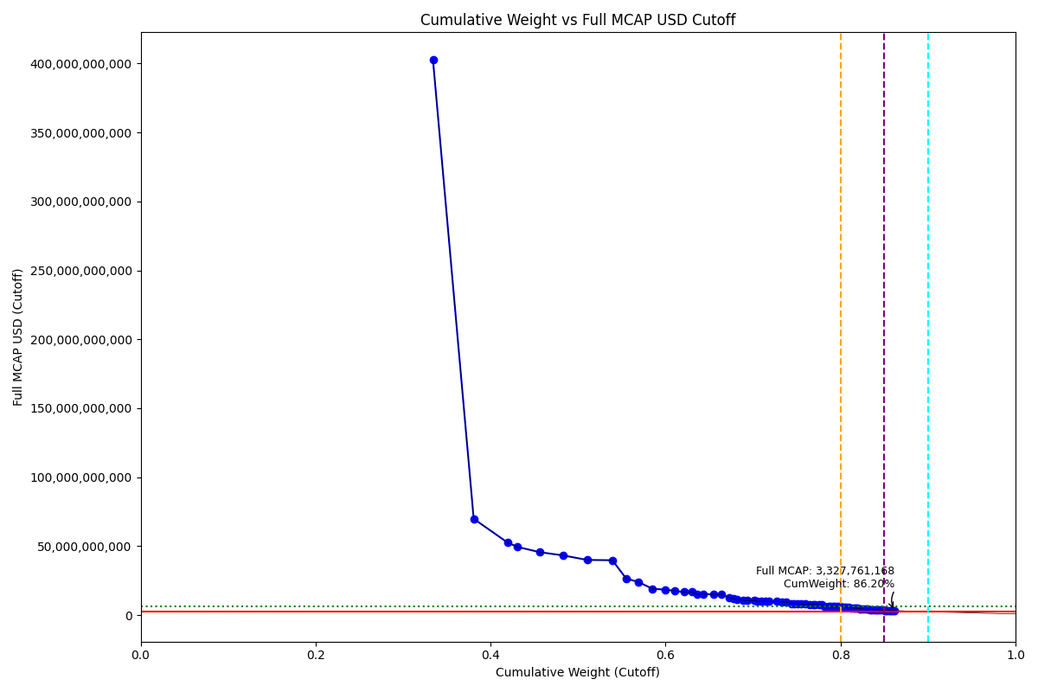
Date | ENTITY_QID | Country | Internal_Number | Instrument_Name | Free_Float_MCAP_USD_Cutoff_Company | Full_MCAP_USD_Cutoff_Company | Weight_Cutoff | CumWeight_Cutoff | Size | Case | Shadow_Company
2021-12-20 | E004YRA1J | KR | KR002D | Samsung Electronics Co Ltd | 3.7104335277E+11 | 4.0253580452E+11 | 0.33420628273 | 0.33420628273 | Standard | Inside
2021-12-20 | E004YRBCK | KR | KR00EP | SK HYNIX INC | 51658926303 | 69856560248 | 0.046530243975 | 0.38073652671 | Standard | Inside
2021-12-20 | E004YQLMC | KR | KR00NY | NAVER CORP | 42927899999 | 52678733586 | 0.03866603128 | 0.41940255799 | Standard | Inside
2021-12-20 | E004YNP4A | KR | KR70EW | SAMSUNG BIOLOGICS | 12417299765 | 49510764615 | 0.011184514061 | 0.43058707205 | Standard | Inside
2021-12-20 | E004YNJQ0 | KR | KR056M | KAKAO CORP | 28676711861 | 45641750534 | 0.02582969672 | 0.45641676877 | Standard | Inside
2021-12-20 | E004YMVY2 | KR | KR005G | LG Chem Ltd | 29410931388 | 43327364205 | 0.026491023158 | 0.48290779193 | Standard | Inside
2021-12-20 | E004YR9Z4 | KR | KR185P | HYUNDAI MOTOR 3RD PF. | 30472033788 | 40050348002 | 0.027446779638 | 0.51035457157 | Standard | Inside
2021-12-20 | E004YRAIG | KR | KR00OZ | Samsung SDI Co Ltd | 32036755089 | 39821945419 | 0.02885615589 | 0.53921072746 | Standard | Inside
2021-12-20 | E004YPZDH | KR | KR00GR | KIA CORPORATION | 17559958220 | 26545666243 | 0.015816610964 | 0.55502733842 | Standard | Inside
2021-12-20 | E004YM5UC | KR | KR063K | Celltrion | 15732530278 | 24030136365 | 0.014170609507 | 0.56919794793 | Standard | Inside
2021-12-20 | E004YRDSS | KR | KR003E | POSCO | 17290375212 | 19154065816 | 0.015573792074 | 0.58477174 | Standard | Inside
2021-12-20 | E004YMD23 | KR | KR008J | KB Financial Group Inc | 16641020379 | 18479756112 | 0.01498890499 | 0.59976064499 | Standard | Inside
2021-12-20 | E004YMUS3 | KR | KR007I | Hyundai Mobis | 12276817874 | 17593605436 | 0.011057979168 | 0.61081862416 | Standard | Inside
2021-12-20 | E004YPU7R | KR | KR00CN | LG Electronics Inc | 11406816822 | 16758836917 | 0.010274351554 | 0.62109297571 | Standard | Inside
2021-12-20 | E004YNK41 | KR | KR60EV | SAMSUNG C&T 1P PF. | 10410425872 | 16732491866 | 0.0093768819906 | 0.6304698577 | Standard | Inside
2021-12-20 | E004YQLKO | KR | KR053J | SK | 6322646035.3 | 15368609711 | 0.00569493568 | 0.63616479338 | Standard | Inside
2021-12-20 | E004YRDLT | KR | KR80Q9 | SK INNOVATION PREFERRED | 7290275944.4 | 15260445485 | 0.006566499589 | 0.64273129297 | Standard | Inside
2021-12-20 | E004YRBW7 | KR | KR00AL | Shinhan Financial Group Co Ltd | 13679330344 | 15067001150 | 0.012321250631 | 0.6550525436 | Standard | Inside
2021-12-20 | E004YNLDW | KR | KR17VE | LG HOUSEHOLD 1PF | 10198376513 | 14909451098 | 0.0091858848273 | 0.66423842843 | Standard | Inside
2021-12-20 | E004YQNUI | KR | KR05BR | NCsoft | 9970579908.8 | 12584349247 | 0.0089807037996 | 0.67321913223 | Standard | Inside
2021-12-20 | E004YSX1U | KR | KR1AM8 | HYBE | 4870322976.8 | 11981114334 | 0.0043867988084 | 0.67760593104 | Standard | Inside
2021-12-20 | E004YRDHG | KR | KR009K | Korea Electric Power Corp | 4486791592.5 | 11212394847 | 0.004041344302 | 0.68164727534 | Standard | Inside
2021-12-20 | E004YMCFN | KR | KR00KV | Samsung Electro-Mechanics Co L | 8201394588.1 | 10699327026 | 0.0073871626538 | 0.68903443799 | Standard | Inside
2021-12-20 | E004YTOAD | KR | KR71EX | CELLTRION HEALTHCARE | 5501764410.1 | 10566092587 | 0.0049555509303 | 0.69398998893 | Standard | Inside
2021-12-20 | E004YO9SG | KR | KR00DO | LG Corp | 8081481355.7 | 10532310688 | 0.0072791543703 | 0.7012691433 | Standard | Inside
2021-12-20 | E004YNHIC | KR | KR108K | POSCO CHEMICAL | 3981451782.2 | 10269413934 | 0.0035861744728 | 0.70485531777 | Standard | Inside
2021-12-20 | E004YM8OF | KR | KR00BM | Samsung Life Insurance Co Ltd | 5346591906.6 | 10067015452 | 0.0048157839052 | 0.70967110167 | Standard | Inside
2021-12-20 | E004YRC5Y | KR | KR048N | SK TELECOM | 4920537141.6 | 10038738833 | 0.0044320277263 | 0.7141031294 | Standard | Inside
2021-12-20 | E004YO4L9 | KR | KR91EZ | ECOPRO BM | 5079071712.9 | 10025802828 | 0.0045748230341 | 0.71867795243 | Standard | Inside
2021-12-20 | E004YR9JS | KR | KR06L2 | Hana Financial G | 8998202012.4 | 9982473943.2 | 0.0081048632819 | 0.72678281572 | Standard | Inside
2021-12-20 | E004YQUWE | KR | KR00S3 | KT&G Corp | 7225242315.2 | 9464556346.8 | 0.0065079224786 | 0.73329073819 | Standard | Inside
2021-12-20 | E004YN6Y7 | KR | KR503J | SAMSUNG SDS | 4788088733.8 | 9346259484.3 | 0.0043127287558 | 0.73760346695 | Standard | Inside
2021-12-20 | E004YR81J | KR | KR00JU | Samsung Fire & Marine Insuranc | 7259741251.9 | 8511810612 | 0.0065389963714 | 0.74414246332 | Standard | Inside
2021-12-20 | E004YRR5G | KR | KR718R | NETMARBLE CORP | 2524216680.2 | 8464844668.6 | 0.0022736132239 | 0.74641607655 | Standard | Inside
2021-12-20 | E004YMTGJ | KR | KR06O5 | Amorepacific | 4505714228.3 | 8274528490.6 | 0.0040583883044 | 0.75047446485 | Standard | Inside
2021-12-20 | E004YQTYZ | KR | KR00Q1 | Doosan Heavy Industries and Co | 5084852373.8 | 8090457237.5 | 0.0045800297928 | 0.75505449464 | Standard | Inside
2021-12-20 | E004YP8FY | KR | KR03R5 | HMM | 5555759010.4 | 8052991753 | 0.0050041849632 | 0.76005867961 | Standard | Inside
2021-12-20 | E004YQFR7 | KR | KR03JX | Korea Zinc | 5232146344 | 7838421489.1 | 0.0047127004629 | 0.76477138007 | Standard | Inside
2021-12-20 | E004YQKQ8 | KR | KR029M | KOREAN AIR LINES | 3877877846.1 | 7758379341.5 | 0.0034928833253 | 0.76826426339 | Standard | Inside
2021-12-20 | E004YRBGO | KR | KR17TC | S-OIL PF. | 2935902029.7 | 7750358526 | 0.0026444265784 | 0.77090868997 | Standard | Inside
2021-12-20 | E004YRS86 | KR | KR00IT | WOORI FINANCIAL GROUP | 5092479562.9 | 7660167814.2 | 0.0045868997569 | 0.77549558973 | Standard | Inside
2021-12-20 | E004YU1DB | KR | KR812M | PEARLABYSS | 3784277834.6 | 7340985130.1 | 0.0034085758941 | 0.77890416562 | Standard | Inside
2021-12-20 | E004YRDSX | KR | KR04VA | KT Corp | 3003283210.4 | 6659455113.4 | 0.0027051181762 | 0.7816092838 | Standard | Inside
2021-12-20 | E004YME77 | KR | KR060H | L&F Co Ltd | 5474077252.8 | 6528416520.9 | 0.0049306125454 | 0.78653989635 | Standard | Inside
2021-12-20 | E004YR9YX | KR | KR001C | Industrial Bank of Korea | 2046860854.8 | 6452903073.2 | 0.0018436491382 | 0.78838354548 | Standard | Inside
2021-12-20 | E004YQKSP | KR | KR03U8 | SKC | 2818572761.7 | 6311179493.2 | 0.0025387457241 | 0.79092229121 | Standard | Inside
2021-12-20 | E004YTYNR | KR | KR09G0 | SK BIOPHARMACEUTICALS | 2261518811.2 | 6281996697.7 | 0.0020369959186 | 0.79295928713 | Standard | Inside
2021-12-20 | E004YTW5B | KR | KR1AG2 | KAKAO GAMES | 3399325031.9 | 6197493221.4 | 0.0030618410874 | 0.79602112821 | Standard | Inside
2021-12-20 | E004YNZNW | KR | KR03O2 | LG Innotek | 3593495262.4 | 6065994703.6 | 0.0032367341571 | 0.79925786237 | Standard | Inside
2021-12-20 | E004YP8J8 | KR | KR00FQ | LG Display Co Ltd | 3722575832.8 | 5993520902.9 | 0.0033529996482 | 0.80261086202 | Standard | Inside
2021-12-20 | E004YNK42 | KR | KR04DS | HANON SYSTEMS | 1746159410.7 | 5818591838.2 | 0.001572801241 | 0.80418366326 | Standard | Inside
2021-12-20 | E004YNK5N | KR | KR03Q4 | LOTTE CHEMICAL CORPORATION | 2529975207.1 | 5813362148.7 | 0.0022788000461 | 0.80646246331 | Standard | Inside
2021-12-20 | E004YTAYS | KR | KR12AO | WEMADE | 3006401643.1 | 5571537515 | 0.0027079270119 | 0.80917039032 | Standard | Inside
2021-12-20 | E004YOD2O | KR | KR03HV | HANWHA SOLUTIONS | 3349391011.5 | 5313120259.4 | 0.0030168645013 | 0.81218725482 | Standard | Inside
2021-12-20 | E004YRDQK | KR | KR006H | KOREA SHIPBUILDING & OFFSHORE | 3258332682.8 | 5212498292.8 | 0.0029348464154 | 0.81512210123 | Standard | Inside
2021-12-20 | E004YQNAY | KR | KR18O8 | ILJIN MATERIALS | 2330121161.7 | 4987416870 | 0.0020987874488 | 0.81722088868 | Standard | Inside
2021-12-20 | E004YQBMC | KR | KR04YD | LG Uplus | 2440448229.2 | 4979708064.8 | 0.002198161279 | 0.81941904996 | Standard | Inside
2021-12-20 | E004YR8PS | KR | KR06XE | CJ CheilJedang | 2681515450.8 | 4678997063.9 | 0.0024152954209 | 0.82183434538 | Standard | Inside
2021-12-20 | E004YMXTQ | KR | KR809S | MIRAE ASSET SEC PF. | 1765656536.3 | 4652582385.5 | 0.001590362698 | 0.82342470808 | Standard | Inside
2021-12-20 | E004YOW20 | KR | KR06K1 | HYUNDAI GLOVIS CO LTD | 2709666413.5 | 4592654938.1 | 0.0024406515647 | 0.82586535965 | Standard | Inside
2021-12-20 | E004YP1ER | KR | KR03T7 | Kumho | 3308838968.9 | 4253704438.4 | 0.0029803384529 | 0.8288456981 | Standard | Inside
2021-12-20 | E004YMY3K | KR | KR04IX | COWAY | 2808819214.9 | 4205448742.2 | 0.0025299605065 | 0.83137565861 | Standard | Inside
2021-12-20 | E004YOZBR | KR | KR00LW | HYUNDAI STEEL CO | 2672866584.2 | 4167238204.3 | 0.0024075052112 | 0.83378316382 | Standard | Inside
2021-12-20 | E004YNAZX | KR | KR01AM | Hyundai Eng&Con | 2699928428.4 | 4142900764.7 | 0.0024318803637 | 0.83621504418 | Standard | Inside
2021-12-20 | E004YMH7B | KR | KR20LY | HANKOOK TIRE & TECHNOLOGY | 2551293699 | 4003913526.4 | 0.0022980020446 | 0.83851304622 | Standard | Inside
2021-12-20 | E004YSJFY | KR | KR055L | Kangwon Land | 2124677602.7 | 3961733363.3 | 0.0019137402633 | 0.84042678649 | Standard | Inside
2021-12-20 | E004YQCU2 | KR | KR51M3 | MERITZ FINANCIAL GROUP | 1203480752.9 | 3874696564.5 | 0.0010839995536 | 0.84151078604 | Standard | Inside | TRUE
2021-12-20 | E004YR7YF | KR | KR518P | KOREA INVESTMENT 1P | 2929275738 | 3847599216.6 | 0.002638458143 | 0.84414924418 | Standard | Inside
2021-12-20 | E004YMKLS | KR | KR15O5 | Celltrion Pharm | 1715770494.3 | 3691416726.2 | 0.001545429327 | 0.84569467351 | Standard | Inside
2021-12-20 | E004YMCFI | KR | KR03KY | Samsung Heavy In | 3169187132 | 3578576255.6 | 0.0028545512075 | 0.84854922472 | Standard | Inside
2021-12-20 | E004YOXDC | KR | KR70SA | HYUNDAI HEAVY INDUSTRIES HLDS | 2025987614.9 | 3517339609.2 | 0.0018248481871 | 0.85037407291 | Standard | Inside
2021-12-20 | E004YQVQO | KR | KR04O3 | Samsung Eng | 2784504320.2 | 3423290287.9 | 0.002508059587 | 0.85288213249 | Standard | Inside
2021-12-20 | E004YQ12X | KR | KR00Y9 | Yuhan | 2660459278.9 | 3404298501.5 | 0.0023963296993 | 0.85527846219 | Standard | Inside
2021-12-20 | E004YOMJ4 | KR | KR17P8 | E-MART | 2399049841.6 | 3355314463.8 | 0.0021608729106 | 0.8574393351 | Standard | Inside
2021-12-20 | E004YP39I | KR | KR043I | Samsung Sec | 2348527425.2 | 3333608836.3 | 0.0021153663441 | 0.85955470145 | Standard | Inside
2021-12-20 | E004YPMP3 | KR | KR116J | Seegene | 2722774187.5 | 3327761167.8 | 0.0024524580029 | 0.86200715945 | Standard | Inside

2022-03-21_KR
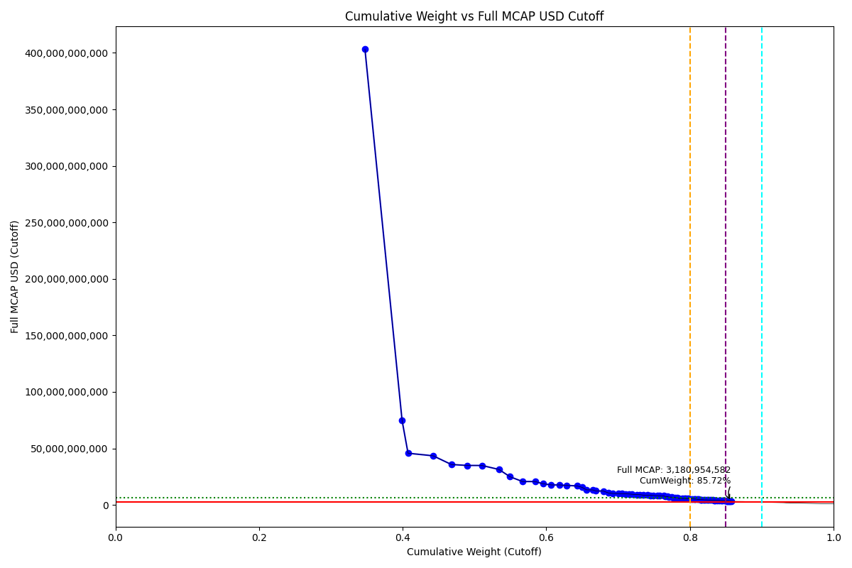
Date | ENTITY_QID | Country | Internal_Number | Instrument_Name | Free_Float_MCAP_USD_Cutoff_Company | Full_MCAP_USD_Cutoff_Company | Weight_Cutoff | CumWeight_Cutoff | Size | Case | Shadow_Company
2022-03-21 | E004YRA1J | KR | KR002D | Samsung Electronics Co Ltd | 3.7176657856E+11 | 4.0323426469E+11 | 0.34750443012 | 0.34750443012 | Standard | Inside
2022-03-21 | E004YRBCK | KR | KR00EP | SK HYNIX INC | 55299357283 | 74779387806 | 0.051690422826 | 0.39919485294 | Standard | Inside
2022-03-21 | E004YNP4A | KR | KR70EW | SAMSUNG BIOLOGICS | 8867668124.4 | 45709629507 | 0.0082889483233 | 0.40748380127 | Standard | Inside
2022-03-21 | E004YQLMC | KR | KR00NY | NAVER CORP | 37367928206 | 43446027446 | 0.034929230719 | 0.44241303199 | Standard | Inside
2022-03-21 | E004YR9Z4 | KR | KR18H1 | HYUNDAI MOTOR PF.2 | 27234751815 | 35719781737 | 0.025457363449 | 0.46787039544 | Standard | Inside
2022-03-21 | E004YMVY2 | KR | KR005G | LG Chem Ltd | 23703811907 | 34903111971 | 0.022156858963 | 0.4900272544 | Standard | Inside
2022-03-21 | E004YNJQ0 | KR | KR056M | KAKAO CORP | 21963105928 | 34856540118 | 0.020529754554 | 0.51055700895 | Standard | Inside
2022-03-21 | E004YRAIG | KR | KR00OZ | Samsung SDI Co Ltd | 25214667380 | 31342035277 | 0.02356911332 | 0.53412612227 | Standard | Inside
2022-03-21 | E004YPZDH | KR | KR00GR | KIA CORPORATION | 16459356245 | 24881868851 | 0.015385189368 | 0.54951131164 | Standard | Inside
2022-03-21 | E004YRDSS | KR | KR003E | POSCO HOLDINGS | 18656121977 | 20667023349 | 0.01743859026 | 0.5669499019 | Standard | Inside
2022-03-21 | E004YMD23 | KR | KR008J | KB Financial Group Inc | 18592293352 | 20646633372 | 0.017378927204 | 0.58432882911 | Standard | Inside
2022-03-21 | E004YM5UC | KR | KR063K | Celltrion | 12161794939 | 18664510343 | 0.011368094561 | 0.59569692367 | Standard | Inside
2022-03-21 | E004YPU7R | KR | KR18N7 | LG ELECTRONICS PF. | 12006828761 | 17661603519 | 0.011223241751 | 0.60692016542 | Standard | Inside
2022-03-21 | E004YMUS3 | KR | KR007I | Hyundai Mobis | 12307712395 | 17660657763 | 0.011504489184 | 0.6184246546 | Standard | Inside
2022-03-21 | E004YNK41 | KR | KR507N | SAMSUNG C&T CORP | 10728227325 | 17236411793 | 0.01002808412 | 0.62845273872 | Standard | Inside
2022-03-21 | E004YRBW7 | KR | KR00AL | Shinhan Financial Group Co Ltd | 15233343628 | 16778658033 | 0.014239188517 | 0.64269192724 | Standard | Inside
2022-03-21 | E004YRDLT | KR | KR00HS | SK INNOVATION | 7403246089.4 | 15546401534 | 0.0069200970762 | 0.64961202431 | Standard | Inside
2022-03-21 | E004YQLKO | KR | KR053J | SK | 6875075253.3 | 13313468732 | 0.0064263956086 | 0.65603841992 | Standard | Inside
2022-03-21 | E004YNLDW | KR | KR05Q6 | LG H&H | 9061652774.8 | 13257460483 | 0.0084702731903 | 0.66450869311 | Standard | Inside
2022-03-21 | E004YRDHG | KR | KR009K | Korea Electric Power Corp | 4954967831.7 | 12387420179 | 0.0046315978141 | 0.66914029093 | Standard | Inside
2022-03-21 | E004YR9JS | KR | KR06L2 | Hana Financial G | 10962262734 | 12161374233 | 0.010246845962 | 0.67938713689 | Standard | Inside
2022-03-21 | E004YMCFN | KR | KR82J4 | SAMSUNG ELTO.MECH.PF. | 8073274943.2 | 10533490400 | 0.0075463986547 | 0.68693353554 | Standard | Inside
2022-03-21 | E004YQTYZ | KR | KR00Q1 | Doosan Heavy Industries and Co | 6357370259.4 | 10115147589 | 0.0059424769639 | 0.69287601251 | Standard | Inside
2022-03-21 | E004YO9SG | KR | KR60S9 | LG PF. | 7668726769.5 | 9991610378.8 | 0.0071682520147 | 0.70004426452 | Standard | Inside
2022-03-21 | E004YM8OF | KR | KR00BM | Samsung Life Insurance Co Ltd | 5283109823.1 | 9947486016 | 0.0049383246752 | 0.7049825892 | Standard | Inside
2022-03-21 | E004YP8FY | KR | KR03R5 | HMM | 5773303572.6 | 9727554461 | 0.0053965275083 | 0.7103791167 | Standard | Inside
2022-03-21 | E004YMTGJ | KR | KR06O5 | Amorepacific | 5252779555.3 | 9625151885.2 | 0.0049099738147 | 0.71528909052 | Standard | Inside
2022-03-21 | E004YSX1U | KR | KR1AM8 | HYBE | 4410646967.6 | 9370399336.3 | 0.0041228002981 | 0.71941189082 | Standard | Inside
2022-03-21 | E004YQUWE | KR | KR00S3 | KT&G Corp | 6683019963.1 | 9112380642.3 | 0.0062468741884 | 0.72565876501 | Standard | Inside
2022-03-21 | E004YN6Y7 | KR | KR503J | SAMSUNG SDS | 4615841919.2 | 9010036930 | 0.0043146038621 | 0.72997336887 | Standard | Inside
2022-03-21 | E004YRS86 | KR | KR00IT | WOORI FINANCIAL GROUP | 5756741186.1 | 8659357981.5 | 0.0053810460127 | 0.73535441488 | Standard | Inside
2022-03-21 | E004YQFR7 | KR | KR03JX | Korea Zinc | 5761930523.8 | 8632105653.6 | 0.0053858966849 | 0.74074031156 | Standard | Inside
2022-03-21 | E004YQKQ8 | KR | KR029M | KOREAN AIR LINES | 4237292998.6 | 8476281256.5 | 0.0039607597176 | 0.74470107128 | Standard | Inside
2022-03-21 | E004YTOAD | KR | KR71EX | CELLTRION HEALTHCARE | 4267390226.8 | 8351057195.3 | 0.0039888927472 | 0.74868996403 | Standard | Inside
2022-03-21 | E004YQNUI | KR | KR05BR | NCsoft | 6416224227.5 | 8098225706.8 | 0.0059974900173 | 0.75468745405 | Standard | Inside
2022-03-21 | E004YRBGO | KR | KR17TC | S-OIL PF. | 3053281966.9 | 8083051169.6 | 0.0028540193527 | 0.7575414734 | Standard | Inside
2022-03-21 | E004YR81J | KR | KR00JU | Samsung Fire & Marine Insuranc | 6752250732.5 | 7917788367.3 | 0.0063115868347 | 0.76385306023 | Standard | Inside
2022-03-21 | E004YRR5G | KR | KR718R | NETMARBLE CORP | 1777707871.3 | 7327732363.3 | 0.0016616914924 | 0.76551475173 | Standard | Inside
2022-03-21 | E004YNHIC | KR | KR108K | POSCO CHEMICAL | 2835106423.7 | 7312629413.8 | 0.0026500823337 | 0.76816483406 | Standard | Inside
2022-03-21 | E004YRDSX | KR | KR04VA | KT Corp | 3057815851.9 | 6949581427.9 | 0.0028582573483 | 0.77102309141 | Standard | Inside
2022-03-21 | E004YO4L9 | KR | KR91EZ | ECOPRO BM | 3465294446 | 6840296971.9 | 0.0032391431642 | 0.77426223457 | Standard | Inside
2022-03-21 | E004YR9YX | KR | KR001C | Industrial Bank of Korea | 2110921882.9 | 6654860917.2 | 0.0019731593646 | 0.77623539394 | Standard | Inside
2022-03-21 | E004YNZNW | KR | KR03O2 | LG Innotek | 3813204829.6 | 6436875134.3 | 0.0035643482971 | 0.77979974223 | Standard | Inside
2022-03-21 | E004YNK5N | KR | KR03Q4 | LOTTE CHEMICAL CORPORATION | 2729458513.9 | 6271733717.6 | 0.0025513291945 | 0.78235107143 | Standard | Inside
2022-03-21 | E004YULQI | KR | KR1AOA | F&F | 2633742809.9 | 5671280813.7 | 0.0024618600676 | 0.7848129315 | Standard | Inside
2022-03-21 | E004YME77 | KR | KR060H | L&F Co Ltd | 4733988002.2 | 5645781755.8 | 0.0044250395215 | 0.78923797102 | Standard | Inside
2022-03-21 | E004YP8J8 | KR | KR00FQ | LG Display Co Ltd | 3456564662.9 | 5565230498.9 | 0.0032309831023 | 0.79246895412 | Standard | Inside
2022-03-21 | E004YTYNR | KR | KR09G0 | SK BIOPHARMACEUTICALS | 1983765207.2 | 5510458909 | 0.0018543011599 | 0.79432325528 | Standard | Inside
2022-03-21 | E004YOW20 | KR | KR06K1 | HYUNDAI GLOVIS CO LTD | 3238755062.4 | 5489415360 | 0.0030273881439 | 0.79735064342 | Standard | Inside
2022-03-21 | E004YOD2O | KR | KR03HV | HANWHA SOLUTIONS | 3394870291.3 | 5385263787 | 0.0031733150152 | 0.80052395844 | Standard | Inside
2022-03-21 | E004YU1DB | KR | KR812M | PEARLABYSS | 2700165338.7 | 5237954100.3 | 0.002523947744 | 0.80304790618 | Standard | Inside
2022-03-21 | E004YRDQK | KR | KR006H | KOREA SHIPBUILDING & OFFSHORE | 3245402443.6 | 5191813219.7 | 0.0030336017053 | 0.80608150789 | Standard | Inside
2022-03-21 | E004YNK42 | KR | KR04DS | HANON SYSTEMS | 1538894001.3 | 5127937358.5 | 0.0014384630404 | 0.80751997093 | Standard | Inside | TRUE
2022-03-21 | E004YR8PS | KR | KR51IZ | CJ CHEIL JEDANG 1P | 2808798595.3 | 4919165726.7 | 0.0026254914009 | 0.81014546233 | Standard | Inside
2022-03-21 | E004YQBMC | KR | KR04YD | LG Uplus | 2339909239.2 | 4775325093.2 | 0.0021872025986 | 0.81233266493 | Standard | Inside
2022-03-21 | E004YSJFY | KR | KR055L | Kangwon Land | 2521338887.5 | 4715427132 | 0.0023567918252 | 0.81468945675 | Standard | Inside
2022-03-21 | E004YMXTQ | KR | KR809S | MIRAE ASSET SEC PF. | 1765745325 | 4707721582.5 | 0.0016505096431 | 0.8163399664 | Standard | Inside
2022-03-21 | E004YTW5B | KR | KR1AG2 | KAKAO GAMES | 2505270799.2 | 4565829777.9 | 0.0023417723689 | 0.81868173877 | Standard | Inside
2022-03-21 | E004YMY3K | KR | KR04IX | COWAY | 2955854045.1 | 4425593719.3 | 0.0027629497505 | 0.82144468852 | Standard | Inside
2022-03-21 | E004YOZBR | KR | KR00LW | HYUNDAI STEEL CO | 2826223353.9 | 4406335132.4 | 0.0026417789888 | 0.82408646751 | Standard | Inside
2022-03-21 | E004YQKSP | KR | KR03U8 | SKC | 1936267303 | 4330725347.9 | 0.0018099030534 | 0.82589637056 | Standard | Inside
2022-03-21 | E004YP1ER | KR | KR03T7 | Kumho | 3303307830.9 | 4276184776.8 | 0.0030877280839 | 0.82898409864 | Standard | Inside
2022-03-21 | E004YMCFI | KR | KR03KY | Samsung Heavy In | 3611020862.9 | 4259786319.4 | 0.0033753592159 | 0.83235945786 | Standard | Inside
2022-03-21 | E004YMECQ | KR | KR00V6 | Meritz Fire Ins | 1811021629.8 | 4123455441.3 | 0.0016928311357 | 0.83405228899 | Standard | Inside
2022-03-21 | E004YQCU2 | KR | KR51M3 | MERITZ FINANCIAL GROUP | 1275740967 | 4107343744.3 | 0.0011924838414 | 0.83524477284 | Standard | Inside | TRUE
2022-03-21 | E004YNAZX | KR | KR01AM | Hyundai Eng&Con | 2613548000.7 | 4010354458.7 | 0.0024429832076 | 0.83768775604 | Standard | Inside
2022-03-21 | E004YR7YF | KR | KR068P | Kr Inv Holdings | 3031669179.2 | 3986086902.5 | 0.002833817054 | 0.8405215731 | Standard | Inside
2022-03-21 | E004YQVQO | KR | KR04O3 | Samsung Eng | 3076312016.9 | 3782040837.1 | 0.0028755464207 | 0.84339711952 | Standard | Inside
2022-03-21 | E004YMV0L | KR | KR02XA | DB Insurance | 1992816589.5 | 3639182961 | 0.0018627618328 | 0.84525988135 | Standard | Inside
2022-03-21 | E004YMH7B | KR | KR20LY | HANKOOK TIRE & TECHNOLOGY | 2310917799.3 | 3626675767.9 | 0.0021601031917 | 0.84741998454 | Standard | Inside
2022-03-21 | E004YQ12X | KR | KR00Y9 | Yuhan | 2444808470 | 3550404400.2 | 0.0022852559189 | 0.84970524046 | Standard | Inside
2022-03-21 | E004YQNAY | KR | KR18O8 | ILJIN MATERIALS | 1628740372.8 | 3486173743.2 | 0.0015224458779 | 0.85122768634 | Standard | Inside
2022-03-21 | E004YNAXW | KR | KR01ZB | AMOREG | 1627892892.2 | 3440368788.1 | 0.0015216537053 | 0.85274934004 | Standard | Inside
2022-03-21 | E004YOXDC | KR | KR70SA | HYUNDAI HEAVY INDUSTRIES HLDS | 1655755647.4 | 3377025591.3 | 0.0015476980876 | 0.85429703813 | Standard | Inside
2022-03-21 | E004YR6M8 | KR | KR03DR | MERITZ SEC | 1513827058.9 | 3322710840.4 | 0.0014150320113 | 0.85571207014 | Standard | Inside | TRUE
2022-03-21 | E004YP3G8 | KR | KR70VD | DOOSAN BOBCAT | 1558031554.2 | 3180954581.8 | 0.0014563516426 | 0.85716842179 | Standard | Inside | TRUE

2022-06-20_KR

Date | ENTITY_QID | Country | Internal_Number | Instrument_Name | Free_Float_MCAP_USD_Cutoff_Company | Full_MCAP_USD_Cutoff_Company | Weight_Cutoff | CumWeight_Cutoff | Size | Case | Shadow_Company
2022-06-20 | E004YRA1J | KR | KR18G0 | SAMSUNG ELTN.PF. | 1.6043422439E+11 | 3.6558529565E+11 | 0.32448611634 | 0.32448611634 | Standard | Inside
2022-06-20 | E004YRBCK | KR | KR00EP | SK HYNIX INC | 23497128608 | 63548691300 | 0.047524099276 | 0.37201021561 | Standard | Inside
2022-06-20 | E004YNP4A | KR | KR70EW | SAMSUNG BIOLOGICS | 6266078315.3 | 48725336822 | 0.012673451846 | 0.38468366746 | Standard | Inside
2022-06-20 | E004YQLMC | KR | KR00NY | NAVER CORP | 16412803762 | 38187072504 | 0.033195703543 | 0.417879371 | Standard | Inside
2022-06-20 | E004YR9Z4 | KR | KR18J3 | HYUNDAI MOTOR PF. | 14262398567 | 37450260925 | 0.028846403179 | 0.44672577418 | Standard | Inside
2022-06-20 | E004YMVY2 | KR | KR005G | LG Chem Ltd | 11958996765 | 35192891506 | 0.024187659649 | 0.47091343383 | Standard | Inside
2022-06-20 | E004YRAIG | KR | KR00OZ | Samsung SDI Co Ltd | 12855188287 | 31958205810 | 0.026000251118 | 0.49691368495 | Standard | Inside
2022-06-20 | E004YNJQ0 | KR | KR056M | KAKAO CORP | 9698990631.8 | 30620333486 | 0.019616685994 | 0.51653037094 | Standard | Inside
2022-06-20 | E004YPZDH | KR | KR00GR | KIA CORPORATION | 9286995124.9 | 28078594482 | 0.0187834048 | 0.53531377574 | Standard | Inside
2022-06-20 | E004YRDSS | KR | KR003E | POSCO HOLDINGS | 9240925284.9 | 20365675559 | 0.018690226281 | 0.55400400202 | Standard | Inside
2022-06-20 | E004YMD23 | KR | KR008J | KB Financial Group Inc | 9131612759 | 20299239211 | 0.018469136316 | 0.57247313834 | Standard | Inside
2022-06-20 | E004YNK41 | KR | KR507N | SAMSUNG C&T CORP | 5739915347.1 | 18423419755 | 0.011609261342 | 0.58408239968 | Standard | Inside
2022-06-20 | E004YM5UC | KR | KR063K | Celltrion | 6105809120 | 18250811897 | 0.012349299509 | 0.59643169919 | Standard | Inside
2022-06-20 | E004YRBW7 | KR | KR00AL | Shinhan Financial Group Co Ltd | 8159908121.4 | 17975345570 | 0.016503815854 | 0.61293551504 | Standard | Inside
2022-06-20 | E004YMUS3 | KR | KR007I | Hyundai Mobis | 5819820275 | 16702024035 | 0.011770872992 | 0.62470638804 | Standard | Inside
2022-06-20 | E004YRDLT | KR | KR80Q9 | SK INNOVATION PREFERRED | 4633344986.4 | 16238811508 | 0.0093711683153 | 0.63407755635 | Standard | Inside
2022-06-20 | E004YQLKO | KR | KR053J | SK | 3841364409.2 | 14863085352 | 0.007769348612 | 0.64184690496 | Standard | Inside
2022-06-20 | E004YPU7R | KR | KR00CN | LG Electronics Inc | 4988054191.9 | 14648137710 | 0.010088585144 | 0.65193549011 | Standard | Inside
2022-06-20 | E004YP8FY | KR | KR03R5 | HMM | 3480475074.2 | 12826515844 | 0.0070394321669 | 0.65897492227 | Standard | Inside
2022-06-20 | E004YRDHG | KR | KR009K | Korea Electric Power Corp | 2423135228.8 | 12115676731 | 0.0049009102812 | 0.66387583255 | Standard | Inside
2022-06-20 | E004YR9JS | KR | KR06L2 | Hana Financial G | 5413951447.4 | 12012317389 | 0.010949983309 | 0.67482581586 | Standard | Inside
2022-06-20 | E004YM8OF | KR | KR00BM | Samsung Life Insurance Co Ltd | 2923300621.8 | 11008475322 | 0.0059125194094 | 0.68073833527 | Standard | Inside
2022-06-20 | E004YRBGO | KR | KR03N1 | S-Oil | 2030352165.9 | 10769430296 | 0.0041064872013 | 0.68484482247 | Standard | Inside
2022-06-20 | E004YO9SG | KR | KR00DO | LG Corp | 3973846966 | 10355114048 | 0.0080373011047 | 0.69288212358 | Standard | Inside
2022-06-20 | E004YQTYZ | KR | KR00Q1 | DOOSAN ENERBILITY | 3189093112.7 | 10148267662 | 0.0064500978061 | 0.69933222139 | Standard | Inside
2022-06-20 | E004YNLDW | KR | KR05Q6 | LG H&H | 3400061803.3 | 9950452809.8 | 0.0068767923681 | 0.70620901375 | Standard | Inside
2022-06-20 | E004YO4L9 | KR | KR91EZ | ECOPRO BM | 2331908653.7 | 9883062740.8 | 0.0047164000423 | 0.7109254138 | Standard | Inside
2022-06-20 | E004YMCFN | KR | KR00KV | Samsung Electro-Mechanics Co L | 3663431284.2 | 9533735050.7 | 0.0074094701079 | 0.7183348839 | Standard | Inside
2022-06-20 | E004YQUWE | KR | KR00S3 | KT&G Corp | 3794598473.7 | 9432260685.4 | 0.0076747622054 | 0.72600964611 | Standard | Inside
2022-06-20 | E004YN6Y7 | KR | KR503J | SAMSUNG SDS | 2378960642.9 | 9287373191.1 | 0.0048115650066 | 0.73082121112 | Standard | Inside
2022-06-20 | E004YQFR7 | KR | KR03JX | Korea Zinc | 3028727535.1 | 9074839056.5 | 0.0061257505314 | 0.73694696165 | Standard | Inside
2022-06-20 | E004YRS86 | KR | KR00IT | WOORI FINANCIAL GROUP | 3726866647.4 | 8768066456.7 | 0.0075377712526 | 0.7444847329 | Standard | Inside
2022-06-20 | E004YRLSP | KR | KR1JOJ | SK BIOSCIENCE | 1332971842.8 | 8378201400.1 | 0.0026960011686 | 0.74718073407 | Standard | Inside | TRUE
2022-06-20 | E004YMTGJ | KR | KR17RA | AMOREPACIFIC PF. | 2264790576.9 | 8304131056.1 | 0.0045806504281 | 0.7517613845 | Standard | Inside
2022-06-20 | E004YNHIC | KR | KR108K | POSCO CHEMICAL | 1583878736.5 | 8170640889.7 | 0.0032034727123 | 0.75496485721 | Standard | Inside | TRUE
2022-06-20 | E004YQKQ8 | KR | KR029M | KOREAN AIR LINES | 2041291015.8 | 8166797425.5 | 0.0041286115636 | 0.75909346877 | Standard | Inside
2022-06-20 | E004YQNUI | KR | KR05BR | NCsoft | 3198417975.8 | 8073754829.6 | 0.0064689578008 | 0.76556242657 | Standard | Inside
2022-06-20 | E004YR81J | KR | KR00JU | Samsung Fire & Marine Insuranc | 3446186178.6 | 8039171529 | 0.0069700811875 | 0.77253250776 | Standard | Inside
2022-06-20 | E004YRDSX | KR | KR04VA | KT Corp | 1774766824.9 | 7998633311.8 | 0.0035895532677 | 0.77612206103 | Standard | Inside
2022-06-20 | E004YTOAD | KR | KR71EX | CELLTRION HEALTHCARE | 2018044581 | 7896867857.6 | 0.004081594505 | 0.78020365553 | Standard | Inside
2022-06-20 | E004YSX1U | KR | KR1AM8 | HYBE | 1817135587.5 | 7720992511.2 | 0.0036752461758 | 0.78387890171 | Standard | Inside
2022-06-20 | E004YNZNW | KR | KR03O2 | LG Innotek | 2181428704.6 | 7364715410.5 | 0.0044120469377 | 0.78829094865 | Standard | Inside
2022-06-20 | E004YME77 | KR | KR060H | L&F Co Ltd | 3063390798.2 | 7306835535.3 | 0.0061958586873 | 0.79448680733 | Standard | Inside
2022-06-20 | E004YUKFO | KR | KR1KVR | SK IE TECHNOLOGY | 1408630874 | 7260983886.8 | 0.0028490252838 | 0.79733583262 | Standard | Inside | TRUE
2022-06-20 | E004YR9YX | KR | KR001C | Industrial Bank of Korea | 1073381566 | 6767853505.6 | 0.0021709670553 | 0.79950679967 | Standard | Inside | TRUE
2022-06-20 | E004YOW20 | KR | KR06K1 | HYUNDAI GLOVIS CO LTD | 1895567309 | 6425651895 | 0.0038338781934 | 0.80334067787 | Standard | Inside
2022-06-20 | E004YOD2O | KR | KR03HV | HANWHA SOLUTIONS | 1902932849.5 | 6037223507.4 | 0.0038487753617 | 0.80718945323 | Standard | Inside
2022-06-20 | E004YNK5N | KR | KR03Q4 | LOTTE CHEMICAL CORPORATION | 1232778471.5 | 5665342240.2 | 0.0024933551431 | 0.80968280837 | Standard | Inside | TRUE
2022-06-20 | E004YTYNR | KR | KR09G0 | SK BIOPHARMACEUTICALS | 987817954.85 | 5487877526.9 | 0.0019979104399 | 0.81168071881 | Standard | Inside | TRUE
2022-06-20 | E004YRDQK | KR | KR006H | KOREA SHIPBUILDING & OFFSHORE | 1634120513.1 | 5228349106.2 | 0.0033050891788 | 0.81498580799 | Standard | Inside | TRUE
2022-06-20 | E004YP8J8 | KR | KR00FQ | LG Display Co Ltd | 1558011078.9 | 5017749046.4 | 0.0031511541015 | 0.81813696209 | Standard | Inside | TRUE
2022-06-20 | E004YR8PS | KR | KR51IZ | CJ CHEIL JEDANG 1P | 1423434349.7 | 4978954977.3 | 0.0028789660421 | 0.82101592813 | Standard | Inside | TRUE
2022-06-20 | E004YNK42 | KR | KR04DS | HANON SYSTEMS | 741259242.55 | 4940081589.8 | 0.0014992333072 | 0.82251516144 | Standard | Inside | TRUE
2022-06-20 | E004YQKSP | KR | KR03U8 | SKC | 1126491590 | 4927784733.3 | 0.0022783846933 | 0.82479354613 | Standard | Inside | TRUE
2022-06-20 | E004YQBMC | KR | KR04YD | LG Uplus | 1197459806.9 | 4887591166.8 | 0.0024219214055 | 0.82721546754 | Standard | Inside | TRUE
2022-06-20 | E004YSJFY | KR | KR055L | Kangwon Land | 1299061106.8 | 4859027891.4 | 0.0026274150358 | 0.82984288258 | Standard | Inside | TRUE
2022-06-20 | E004YULQI | KR | KR1AOA | F&F | 1050101123.6 | 4520452533.8 | 0.0021238812146 | 0.83196676379 | Standard | Inside | TRUE
2022-06-20 | E004YOZBR | KR | KR00LW | HYUNDAI STEEL CO | 1426848421.7 | 4449168761.3 | 0.0028858711708 | 0.83485263496 | Standard | Inside | TRUE
2022-06-20 | E004YMY3K | KR | KR04IX | COWAY | 1424267862.7 | 4264913498.1 | 0.0028806518631 | 0.83773328682 | Standard | Inside | TRUE
2022-06-20 | E004YMXTQ | KR | KR039N | MIRAE ASSET SECURITIES | 887526861.93 | 4252274544.6 | 0.0017950667675 | 0.83952835359 | Standard | Inside | TRUE
2022-06-20 | E004YMCFI | KR | KR03KY | Samsung Heavy In | 1787720493.2 | 4217814069 | 0.0036157526995 | 0.84314410629 | Standard | Inside
2022-06-20 | E004YP1ER | KR | KR03T7 | Kumho | 1609501482.9 | 4156164121.8 | 0.0032552959782 | 0.84639940227 | Standard | Inside | TRUE
2022-06-20 | E004YNLX5 | KR | KR19UF | KOREA AEROSPACE INDS. | 1522333875.9 | 4136214851 | 0.0030789952022 | 0.84947839747 | Standard | Inside | TRUE
2022-06-20 | E004YOXDC | KR | KR70SA | HD HYUNDAI | 1149242414.3 | 3990425049.7 | 0.0023243993554 | 0.85180279683 | Standard | Inside | TRUE
2022-06-20 | E004YMWXC | KR | KR508O | HLB | 1784098323.2 | 3920664373.5 | 0.0036084266824 | 0.85541122351 | Standard | Inside
2022-06-20 | E004YTW5B | KR | KR1AG2 | KAKAO GAMES | 1086356981.1 | 3912684967.1 | 0.0021972104711 | 0.85760843398 | Standard | Inside | TRUE
2022-06-20 | E004YNAZX | KR | KR01AM | Hyundai Eng&Con | 1269896695.6 | 3897181818.6 | 0.0025684285785 | 0.86017686256 | Standard | Inside | TRUE
2022-06-20 | E004YQVQO | KR | KR04O3 | Samsung Eng | 1581728011.6 | 3889176325.6 | 0.0031991227654 | 0.86337598532 | Standard | Inside | TRUE
2022-06-20 | E004YMECQ | KR | KR00V6 | Meritz Fire Ins | 827502331.34 | 3768225552.5 | 0.0016736641996 | 0.86504964952 | Standard | Inside | TRUE
2022-06-20 | E004YMV0L | KR | KR02XA | DB Insurance | 1206267504.6 | 3719603776.2 | 0.0024397354076 | 0.86748938493 | Standard | Inside | TRUE
2022-06-20 | E004YQ12X | KR | KR00Y9 | Yuhan | 1230897287 | 3575071992.6 | 0.002489550355 | 0.86997893529 | Standard | Inside | TRUE
2022-06-20 | E004YMH7B | KR | KR20LY | HANKOOK TIRE & TECHNOLOGY | 1137206362 | 3569385944.9 | 0.0023000558472 | 0.87227899113 | Standard | Inside | TRUE
2022-06-20 | E004YR7YF | KR | KR518P | KOREA INVESTMENT 1P | 1346402324 | 3531287613.9 | 0.0027231649781 | 0.87500215611 | Standard | Inside | TRUE
2022-06-20 | E004YNP8D | KR | KR06EV | GS Holdings | 1615602072 | 3409522152.5 | 0.0032676347199 | 0.87826979083 | Standard | Inside | TRUE
2022-06-20 | E004YU1DB | KR | KR812M | PEARLABYSS | 874655459.47 | 3393425643 | 0.0017690337224 | 0.88003882455 | Standard | Inside | TRUE
2022-06-20 | E004YR6M8 | KR | KR03DR | MERITZ SEC | 764423188.39 | 3355676858.6 | 0.0015460835279 | 0.88158490808 | Standard | Inside | TRUE

2022-09-19_KR
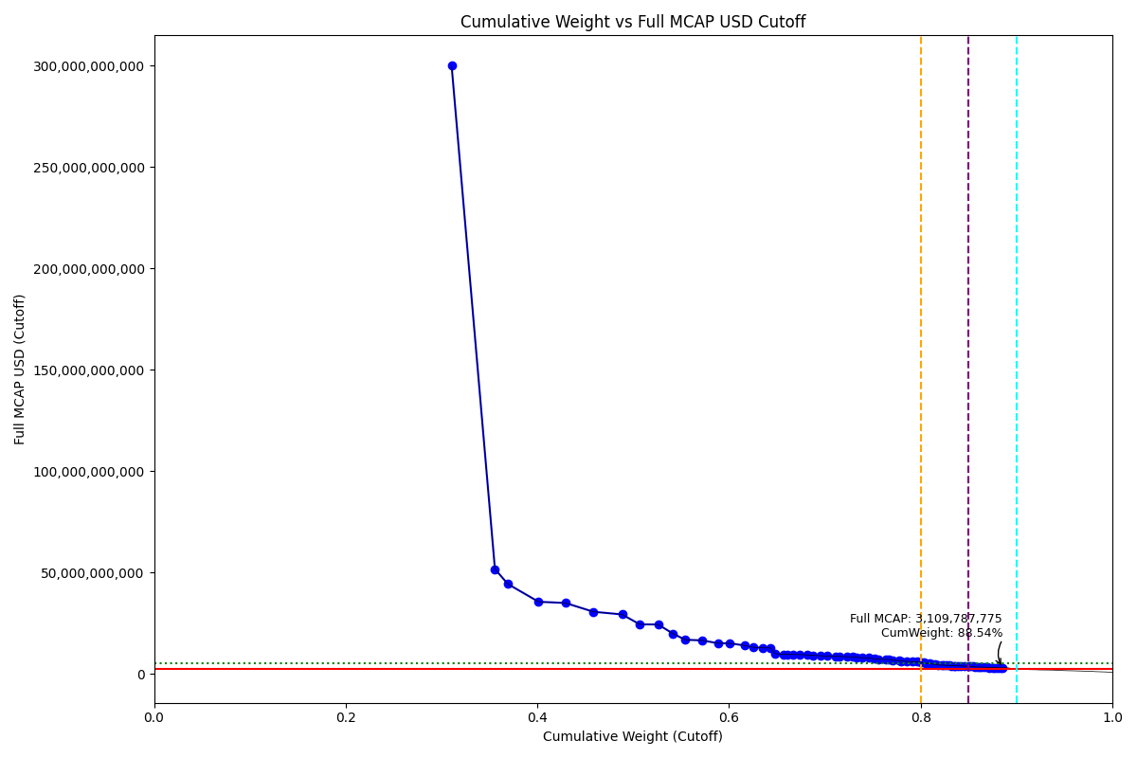
Date | ENTITY_QID | Country | Internal_Number | Instrument_Name | Free_Float_MCAP_USD_Cutoff_Company | Full_MCAP_USD_Cutoff_Company | Weight_Cutoff | CumWeight_Cutoff | Size | Case | Shadow_Company
2022-09-19 | E004YRA1J | KR | KR18G0 | SAMSUNG ELTN.PF. | 1.3167154696E+11 | 2.9998011634E+11 | 0.31055937878 | 0.31055937878 | Standard | Inside
2022-09-19 | E004YRBCK | KR | KR00EP | SK HYNIX INC | 19158546169 | 51814864554 | 0.045187182301 | 0.35574656108 | Standard | Inside
2022-09-19 | E004YNP4A | KR | KR70EW | SAMSUNG BIOLOGICS | 5718353839.4 | 44431653764 | 0.013487260209 | 0.36923382128 | Standard | Inside
2022-09-19 | E004YR9Z4 | KR | KR004F | Hyundai Motor Co | 13572854501 | 35675322968 | 0.03201281795 | 0.40124663923 | Standard | Inside
2022-09-19 | E004YMVY2 | KR | KR18K4 | LG CHEM 1PF | 11912648938 | 35085127244 | 0.02809707138 | 0.42934371061 | Standard | Inside
2022-09-19 | E004YRAIG | KR | KR00OZ | Samsung SDI Co Ltd | 12366486975 | 30743286451 | 0.029167489873 | 0.45851120049 | Standard | Inside
2022-09-19 | E004YQLMC | KR | KR00NY | NAVER CORP | 12664573296 | 29435382442 | 0.029870553706 | 0.48838175419 | Standard | Inside
2022-09-19 | E004YNJQ0 | KR | KR056M | KAKAO CORP | 7838005732 | 24547465493 | 0.018486652941 | 0.50686840714 | Standard | Inside
2022-09-19 | E004YPZDH | KR | KR00GR | KIA CORPORATION | 8099166357.3 | 24487275457 | 0.019102624147 | 0.52597103128 | Standard | Inside
2022-09-19 | E004YM5UC | KR | KR063K | Celltrion | 6668251385.6 | 19932002348 | 0.015727680396 | 0.54169871168 | Standard | Inside
2022-09-19 | E004YNK41 | KR | KR507N | SAMSUNG C&T CORP | 5287999214.4 | 16965437551 | 0.01247222949 | 0.55417094117 | Standard | Inside
2022-09-19 | E004YRDSS | KR | KR003E | POSCO HOLDINGS | 7542101272.1 | 16621710793 | 0.017788735226 | 0.57195967639 | Standard | Inside
2022-09-19 | E004YMD23 | KR | KR008J | KB Financial Group Inc | 6997328061.3 | 15244723445 | 0.016503837814 | 0.58846351421 | Standard | Inside
2022-09-19 | E004YMUS3 | KR | KR007I | Hyundai Mobis | 5297014415.6 | 15201648488 | 0.012493492666 | 0.60095700687 | Standard | Inside
2022-09-19 | E004YRBW7 | KR | KR00AL | Shinhan Financial Group Co Ltd | 6416936791.5 | 14135778812 | 0.015134931954 | 0.61609193883 | Standard | Inside
2022-09-19 | E004YRDLT | KR | KR00HS | SK INNOVATION | 3779862542.9 | 13245711772 | 0.0089151513008 | 0.62500709013 | Standard | Inside
2022-09-19 | E004YPU7R | KR | KR00CN | LG Electronics Inc | 4403954258.7 | 12964833604 | 0.010387128657 | 0.63539421879 | Standard | Inside
2022-09-19 | E004YQLKO | KR | KR053J | SK | 3339583580.6 | 12916587045 | 0.0078767131249 | 0.64327093191 | Standard | Inside
2022-09-19 | E004YRDHG | KR | KR009K | Korea Electric Power Corp | 2010987435.3 | 10054937664 | 0.0047430976777 | 0.64801402959 | Standard | Inside
2022-09-19 | E004YO9SG | KR | KR60S9 | LG PF. | 3755358096.3 | 9787521695.2 | 0.0088573553235 | 0.65687138491 | Standard | Inside
2022-09-19 | E004YNHIC | KR | KR108K | POSCO CHEMICAL | 1886058944.8 | 9729476114.6 | 0.004448442414 | 0.66131982733 | Standard | Inside
2022-09-19 | E004YUPCM | KR | KR1KUQ | KAKAOBANK | 2411349612.1 | 9719264861.3 | 0.0056873884663 | 0.66700721579 | Standard | Inside
2022-09-19 | E004YQTYZ | KR | KR00Q1 | DOOSAN ENERBILITY | 3021972502.1 | 9616459831.8 | 0.0071275983657 | 0.67413481416 | Standard | Inside
2022-09-19 | E004YQFR7 | KR | KR03JX | Korea Zinc | 3164077236.5 | 9480381232.9 | 0.0074627653705 | 0.68159757953 | Standard | Inside
2022-09-19 | E004YM8OF | KR | KR00BM | Samsung Life Insurance Co Ltd | 2461799162.4 | 9270567360 | 0.0058063783421 | 0.68740395787 | Standard | Inside
2022-09-19 | E004YRR6K | KR | KR1KRN | KRAFTON | 3261984187.8 | 9043482638.8 | 0.0076936878643 | 0.69509764573 | Standard | Inside
2022-09-19 | E004YNLDW | KR | KR05Q6 | LG H&H | 3031192208 | 8889050030.3 | 0.0071493438846 | 0.70224698962 | Standard | Inside
2022-09-19 | E004YR9JS | KR | KR06L2 | Hana Financial G | 3970849086.7 | 8810404008.7 | 0.0093656105212 | 0.71161260014 | Standard | Inside
2022-09-19 | E004YRBGO | KR | KR17TC | S-OIL PF. | 1653068210.4 | 8737787902.3 | 0.0038989124707 | 0.71551151261 | Standard | Inside
2022-09-19 | E004YQUWE | KR | KR00S3 | KT&G Corp | 3436471376 | 8539938807.2 | 0.0081052318464 | 0.72361674446 | Standard | Inside
2022-09-19 | E004YTOAD | KR | KR71EX | CELLTRION HEALTHCARE | 2179489934.9 | 8523621176.7 | 0.0051405262248 | 0.72875727068 | Standard | Inside
2022-09-19 | E004YO4L9 | KR | KR91EZ | ECOPRO BM | 2033041851.2 | 8230938668.8 | 0.0047951150335 | 0.73355238572 | Standard | Inside
2022-09-19 | E004YP8FY | KR | KR03R5 | HMM | 2210691451.9 | 8135019142.2 | 0.0052141178546 | 0.73876650357 | Standard | Inside
2022-09-19 | E004YMCFN | KR | KR00KV | Samsung Electro-Mechanics Co L | 3064876620.2 | 7979496078.2 | 0.0072287916496 | 0.74599529522 | Standard | Inside
2022-09-19 | E004YOD2O | KR | KR03HV | HANWHA SOLUTIONS | 2370951838.8 | 7522055326.2 | 0.0055921066255 | 0.75158740185 | Standard | Inside
2022-09-19 | E004YN6Y7 | KR | KR503J | SAMSUNG SDS | 1905253377.8 | 7433684657.9 | 0.0044937142387 | 0.75608111608 | Standard | Inside
2022-09-19 | E004YR81J | KR | KR17UD | SAMSUNG FIRE & MAR.IN.PF | 3123913619.7 | 7287276916.5 | 0.0073680358091 | 0.76344915189 | Standard | Inside
2022-09-19 | E004YRDSX | KR | KR04VA | KT Corp | 1391950845.8 | 7261963813.7 | 0.0032830432992 | 0.76673219519 | Standard | Inside | TRUE
2022-09-19 | E004YQKQ8 | KR | KR029M | KOREAN AIR LINES | 1745169605.3 | 6982074838.8 | 0.0041161420291 | 0.77084833722 | Standard | Inside
2022-09-19 | E004YRS86 | KR | KR00IT | WOORI FINANCIAL GROUP | 2822617167.8 | 6640670904.2 | 0.0066574005879 | 0.77750573781 | Standard | Inside
2022-09-19 | E004YRLSP | KR | KR1JOJ | SK BIOSCIENCE | 1032382675.2 | 6486853127.4 | 0.0024349689031 | 0.77994070671 | Standard | Inside | TRUE
2022-09-19 | E004YQNUI | KR | KR05BR | NCsoft | 2461071707.8 | 6212474335 | 0.0058046625739 | 0.78574536929 | Standard | Inside
2022-09-19 | E004YME77 | KR | KR060H | L&F Co Ltd | 2595859635.3 | 6191674741.3 | 0.0061225722209 | 0.79186794151 | Standard | Inside
2022-09-19 | E004YNZNW | KR | KR03O2 | LG Innotek | 1802906895.2 | 6086788977.7 | 0.0042523207046 | 0.79612026221 | Standard | Inside
2022-09-19 | E004YMTGJ | KR | KR17RA | AMOREPACIFIC PF. | 1565559638.9 | 5754206899.3 | 0.0036925155063 | 0.79981277772 | Standard | Inside
2022-09-19 | E004YSX1U | KR | KR1AM8 | HYBE | 1321207524.9 | 5611414418.9 | 0.0031161887107 | 0.80292896643 | Standard | Inside | TRUE
2022-09-19 | E004YR9YX | KR | KR001C | Industrial Bank of Korea | 844594231.56 | 5325310413.4 | 0.0019920526941 | 0.80492101912 | Standard | Inside | TRUE
2022-09-19 | E004YRDQK | KR | KR006H | KOREA SHIPBUILDING & OFFSHORE | 1670456733 | 5143031813.4 | 0.0039399248906 | 0.80886094401 | Standard | Inside
2022-09-19 | E004YOW20 | KR | KR06K1 | HYUNDAI GLOVIS CO LTD | 1459763909.3 | 4948352235 | 0.0034429866079 | 0.81230393062 | Standard | Inside | TRUE
2022-09-19 | E004YR8PS | KR | KR06XE | CJ CheilJedang | 1355394595.1 | 4753101779.7 | 0.0031968220406 | 0.81550075266 | Standard | Inside | TRUE
2022-09-19 | E004YNK5N | KR | KR03Q4 | LOTTE CHEMICAL CORPORATION | 975807925.04 | 4484411420.2 | 0.0023015321836 | 0.81780228485 | Standard | Inside | TRUE
2022-09-19 | E004YNLX5 | KR | KR19UF | KOREA AEROSPACE INDS. | 1636341714.2 | 4445372763.5 | 0.0038594615007 | 0.82166174635 | Standard | Inside
2022-09-19 | E004YUKFO | KR | KR1KVR | SK IE TECHNOLOGY | 860590334.91 | 4434889641.4 | 0.002029780966 | 0.82369152731 | Standard | Inside | TRUE
2022-09-19 | E004YUW7O | KR | KR1JWR | SK SQUARE | 1499217327.4 | 4283478078.4 | 0.0035360411007 | 0.82722756841 | Standard | Inside | TRUE
2022-09-19 | E004YSJFY | KR | KR055L | Kangwon Land | 1135330614.8 | 4246607872.8 | 0.0026777810283 | 0.82990534944 | Standard | Inside | TRUE
2022-09-19 | E004YTYNR | KR | KR09G0 | SK BIOPHARMACEUTICALS | 754580197.25 | 4192112207 | 0.0017797463666 | 0.83168509581 | Standard | Inside | TRUE
2022-09-19 | E004YP8J8 | KR | KR00FQ | LG Display Co Ltd | 1295776871.4 | 4173194433 | 0.0030562081901 | 0.834741304 | Standard | Inside | TRUE
2022-09-19 | E004YNK42 | KR | KR04DS | HANON SYSTEMS | 616788719.97 | 4110554614.9 | 0.0014547525728 | 0.83619605657 | Standard | Inside | TRUE
2022-09-19 | E004YULQI | KR | KR1AOA | F&F | 948450366.56 | 4081111732.2 | 0.0022370068814 | 0.83843306345 | Standard | Inside | TRUE
2022-09-19 | E004YNAZX | KR | KR01AM | Hyundai Eng&Con | 1307561419.9 | 4012770967.8 | 0.0030840031247 | 0.84151706658 | Standard | Inside | TRUE
2022-09-19 | E004YMWXC | KR | KR508O | HLB | 1788677341.1 | 3929431768.8 | 0.0042187590007 | 0.84573582558 | Standard | Inside
2022-09-19 | E004YMCFI | KR | KR03KY | Samsung Heavy In | 1664768383.8 | 3927730055 | 0.0039265083992 | 0.84966233398 | Standard | Inside
2022-09-19 | E004YQBMC | KR | KR04YD | LG Uplus | 919694470.01 | 3753855070.3 | 0.002169183471 | 0.85183151745 | Standard | Inside | TRUE
2022-09-19 | E004YOXDC | KR | KR70SA | HD HYUNDAI | 1075310880.8 | 3732422356.2 | 0.0025362189998 | 0.85436773645 | Standard | Inside | TRUE
2022-09-19 | E004YMH7B | KR | KR20LY | HANKOOK TIRE & TECHNOLOGY | 1120114403.4 | 3514635718.1 | 0.0026418922029 | 0.85700962865 | Standard | Inside | TRUE
2022-09-19 | E004YMY3K | KR | KR04IX | COWAY | 1173706821.1 | 3514618419.3 | 0.0027682948187 | 0.85977792347 | Standard | Inside | TRUE
2022-09-19 | E004YMECQ | KR | KR00V6 | Meritz Fire Ins | 759485801.33 | 3458496363.1 | 0.0017913166822 | 0.86156924015 | Standard | Inside | TRUE
2022-09-19 | E004YQKSP | KR | KR03U8 | SKC | 758138030.79 | 3439827725.9 | 0.0017881378422 | 0.86335737799 | Standard | Inside | TRUE
2022-09-19 | E004YQVQO | KR | KR04O3 | Samsung Eng | 1397518995 | 3436240459.7 | 0.003296176288 | 0.86665355428 | Standard | Inside | TRUE
2022-09-19 | E004YOZBR | KR | KR00LW | HYUNDAI STEEL CO | 1052650854.5 | 3282353771.4 | 0.0024827732564 | 0.86913632754 | Standard | Inside | TRUE
2022-09-19 | E004YN6Y2 | KR | KR02O1 | LOTTE CORP | 1151357351 | 3251044334.4 | 0.0027155815507 | 0.87185190909 | Standard | Inside | TRUE
2022-09-19 | E004YNP8D | KR | KR06EV | GS Holdings | 1515802944 | 3198908819.2 | 0.0035751597933 | 0.87542706888 | Standard | Inside | TRUE
2022-09-19 | E004YMP5B | KR | KR03M0 | Hyundai Mipo Dk | 920540906.2 | 3195213142 | 0.0021711798681 | 0.87759824875 | Standard | Inside | TRUE
2022-09-19 | E004YMV0L | KR | KR02XA | DB Insurance | 1024800116.6 | 3160037362.5 | 0.0024170847456 | 0.8800153335 | Standard | Inside | TRUE
2022-09-19 | E004YP1ER | KR | KR03T7 | Kumho | 1225083797.1 | 3154491147.9 | 0.0028894721126 | 0.88290480561 | Standard | Inside | TRUE
2022-09-19 | E004YQ12X | KR | KR00Y9 | Yuhan | 1070699930.9 | 3109787774.9 | 0.0025253436529 | 0.88543014926 | Standard | Inside | TRUE

2022-12-19_KR

Date | ENTITY_QID | Country | Internal_Number | Instrument_Name | Free_Float_MCAP_USD_Cutoff_Company | Full_MCAP_USD_Cutoff_Company | Weight_Cutoff | CumWeight_Cutoff | Size | Case | Shadow_Company
2022-12-19 | E004YRA1J | KR | KR18G0 | SAMSUNG ELTN.PF. | 1.3888484409E+11 | 3.1642621762E+11 | 0.32827518599 | 0.32827518599 | Standard | Inside
2022-12-19 | E004YNP4A | KR | KR70EW | SAMSUNG BIOLOGICS | 6160656114.3 | 47868345876 | 0.0145616359 | 0.34283682189 | Standard | Inside
2022-12-19 | E004YRBCK | KR | KR00EP | SK HYNIX INC | 17353247682 | 46919690908 | 0.041017006914 | 0.3838538288 | Standard | Inside
2022-12-19 | E004YMVY2 | KR | KR18K4 | LG CHEM 1PF | 14101902033 | 41561916959 | 0.033331963203 | 0.417185792 | Standard | Inside
2022-12-19 | E004YRAIG | KR | KR00OZ | Samsung SDI Co Ltd | 15291337238 | 38009786821 | 0.036143371933 | 0.45332916394 | Standard | Inside
2022-12-19 | E004YR9Z4 | KR | KR18J3 | HYUNDAI MOTOR PF. | 11942278332 | 31347649909 | 0.028227368265 | 0.4815565322 | Standard | Inside
2022-12-19 | E004YQLMC | KR | KR00NY | NAVER CORP | 10010151555 | 23260489265 | 0.023660496471 | 0.50521702867 | Standard | Inside
2022-12-19 | E004YPZDH | KR | KR00GR | KIA CORPORATION | 6974892530 | 21084923005 | 0.016486205946 | 0.52170323462 | Standard | Inside
2022-12-19 | E004YRDSS | KR | KR003E | POSCO HOLDINGS | 8956240775.2 | 19799360617 | 0.021169420072 | 0.54287265469 | Standard | Inside
2022-12-19 | E004YNJQ0 | KR | KR056M | KAKAO CORP | 6079431033.4 | 19027953156 | 0.014369648224 | 0.55724230292 | Standard | Inside
2022-12-19 | E004YM5UC | KR | KR063K | Celltrion | 6288400023.9 | 18785362282 | 0.014863577814 | 0.57210588073 | Standard | Inside
2022-12-19 | E004YNK41 | KR | KR507N | SAMSUNG C&T CORP | 5431751446.8 | 17424265420 | 0.012838760256 | 0.58494464099 | Standard | Inside
2022-12-19 | E004YMD23 | KR | KR008J | KB Financial Group Inc | 7529395250.4 | 16414639744 | 0.017796856398 | 0.60274149738 | Standard | Inside
2022-12-19 | E004YMUS3 | KR | KR007I | Hyundai Mobis | 5316089274 | 15273924074 | 0.01256537534 | 0.61530687272 | Standard | Inside
2022-12-19 | E004YRBW7 | KR | KR00AL | Shinhan Financial Group Co Ltd | 6722192047.6 | 14818013992 | 0.015888910407 | 0.63119578313 | Standard | Inside
2022-12-19 | E004YNHIC | KR | KR108K | POSCO CHEMICAL | 2488446011 | 12833656581 | 0.0058818158483 | 0.63707759898 | Standard | Inside
2022-12-19 | E004YPU7R | KR | KR18N7 | LG ELECTRONICS PF. | 4317618055.1 | 12708010189 | 0.01020533867 | 0.64728293765 | Standard | Inside
2022-12-19 | E004YRDLT | KR | KR80Q9 | SK INNOVATION PREFERRED | 3610864481.3 | 12652023369 | 0.0085348204616 | 0.65581775811 | Standard | Inside
2022-12-19 | E004YQLKO | KR | KR053J | SK | 3174840432.1 | 12312741641 | 0.0075042121415 | 0.66332197025 | Standard | Inside
2022-12-19 | E004YM8OF | KR | KR00BM | Samsung Life Insurance Co Ltd | 2955805057.6 | 11130879524 | 0.0069864891404 | 0.67030845939 | Standard | Inside
2022-12-19 | E004YQUWE | KR | KR00S3 | KT&G Corp | 4184790206.4 | 10399578048 | 0.009891380102 | 0.68019983949 | Standard | Inside
2022-12-19 | E004YO9SG | KR | KR60S9 | LG PF. | 3903822549.6 | 10173885295 | 0.009227270851 | 0.68942711035 | Standard | Inside
2022-12-19 | E004YRDHG | KR | KR009K | Korea Electric Power Corp | 2015183104.4 | 10075915079 | 0.0047631878966 | 0.69419029824 | Standard | Inside
2022-12-19 | E004YR9JS | KR | KR06L2 | Hana Financial G | 4497940597.7 | 9995423550.4 | 0.010631558079 | 0.70482185632 | Standard | Inside
2022-12-19 | E004YUPCM | KR | KR1KUQ | KAKAOBANK | 2245768474.7 | 9046398689.5 | 0.0053082110472 | 0.71013006737 | Standard | Inside
2022-12-19 | E004YQFR7 | KR | KR03JX | Korea Zinc | 3083677488.7 | 9013965181.8 | 0.0072887348345 | 0.7174188022 | Standard | Inside
2022-12-19 | E004YRR6K | KR | KR1KRN | KRAFTON | 3046558928.8 | 8446240445.7 | 0.0072009995438 | 0.72461980175 | Standard | Inside
2022-12-19 | E004YO4L9 | KR | KR91EZ | ECOPRO BM | 2084430718.8 | 8438990764.5 | 0.0049268650324 | 0.72954666678 | Standard | Inside
2022-12-19 | E004YP8FY | KR | KR03R5 | HMM | 2247096780.9 | 8268985394.3 | 0.0053113506984 | 0.73485801748 | Standard | Inside
2022-12-19 | E004YNLDW | KR | KR17VE | LG H&H 1PF | 2786489988.1 | 8213499159.9 | 0.0065862875469 | 0.74144430502 | Standard | Inside
2022-12-19 | E004YMCFN | KR | KR82J4 | SAMSUNG ELTO.MECH.PF. | 3124318953.9 | 8137227682.9 | 0.0073847970409 | 0.74882910206 | Standard | Inside
2022-12-19 | E004YQTYZ | KR | KR00Q1 | DOOSAN ENERBILITY | 2562554105.3 | 8106782996.8 | 0.0060569814583 | 0.75488608352 | Standard | Inside
2022-12-19 | E004YRV4S | KR | KR21FT | HYUNDAI HEAVY INDUSTRIES | 809198916.31 | 7976332344.1 | 0.0019126631598 | 0.75679874668 | Standard | Inside | TRUE
2022-12-19 | E004YQNUI | KR | KR05BR | NCsoft | 3103461946.8 | 7832080622.8 | 0.0073354983723 | 0.76413424506 | Standard | Inside
2022-12-19 | E004YTOAD | KR | KR71EX | CELLTRION HEALTHCARE | 1993524464.4 | 7793293449.7 | 0.0047119944484 | 0.7688462395 | Standard | Inside
2022-12-19 | E004YR81J | KR | KR17UD | SAMSUNG FIRE & MAR.IN.PF | 3334862095.3 | 7779948718.3 | 0.0078824473738 | 0.77672868688 | Standard | Inside
2022-12-19 | E004YRBGO | KR | KR03N1 | S-Oil | 1444762617.7 | 7622151962.7 | 0.0034149134136 | 0.78014360029 | Standard | Inside
2022-12-19 | E004YN6Y7 | KR | KR503J | SAMSUNG SDS | 1917249332.6 | 7480489007.4 | 0.0045317067197 | 0.78467530701 | Standard | Inside
2022-12-19 | E004YOD2O | KR | KR03HV | HANWHA SOLUTIONS | 2345535646.2 | 7440239956.4 | 0.0055440257397 | 0.79021933275 | Standard | Inside
2022-12-19 | E004YRS86 | KR | KR00IT | WOORI FINANCIAL GROUP | 3051100135 | 7176526249.5 | 0.0072117333667 | 0.79743106612 | Standard | Inside
2022-12-19 | E004YQKQ8 | KR | KR029M | KOREAN AIR LINES | 1135243658.3 | 6733355411.9 | 0.0026833188711 | 0.80011438499 | Standard | Inside | TRUE
2022-12-19 | E004YR9YX | KR | KR001C | Industrial Bank of Korea | 1002789752.3 | 6320767427.2 | 0.0023702441732 | 0.80248462916 | Standard | Inside | TRUE
2022-12-19 | E004YMTGJ | KR | KR06O5 | Amorepacific | 1683302191.1 | 6187298622 | 0.0039787375179 | 0.80646336668 | Standard | Inside
2022-12-19 | E004YME77 | KR | KR060H | L&F Co Ltd | 2514206282.2 | 5996199098.9 | 0.0059427041177 | 0.8124060708 | Standard | Inside
2022-12-19 | E004YNZNW | KR | KR03O2 | LG Innotek | 1650701570 | 5571988422 | 0.0039016810541 | 0.81630775185 | Standard | Inside
2022-12-19 | E004YOW20 | KR | KR06K1 | HYUNDAI GLOVIS CO LTD | 1480476165.6 | 5018563273.1 | 0.0034993277472 | 0.8198070796 | Standard | Inside
2022-12-19 | E004YRLSP | KR | KR1JOJ | SK BIOSCIENCE | 767204955.03 | 4820640622.2 | 0.0018134041259 | 0.82162048372 | Standard | Inside | TRUE
2022-12-19 | E004YNK5N | KR | KR03Q4 | LOTTE CHEMICAL CORPORATION | 1038437663.6 | 4768944494 | 0.0024545033648 | 0.82407498709 | Standard | Inside | TRUE
2022-12-19 | E004YR8PS | KR | KR06XE | CJ CheilJedang | 1336788183.2 | 4680879467.2 | 0.0031596996227 | 0.82723468671 | Standard | Inside | TRUE
2022-12-19 | E004YSX1U | KR | KR1AM8 | HYBE | 1055721204.4 | 4483844571.6 | 0.002495355609 | 0.82973004232 | Standard | Inside | TRUE
2022-12-19 | E004YULQI | KR | KR1AOA | F&F | 1022659777.9 | 4400429336.9 | 0.0024172099626 | 0.83214725228 | Standard | Inside | TRUE
2022-12-19 | E004YTYNR | KR | KR09G0 | SK BIOPHARMACEUTICALS | 786663488.32 | 4370352712.9 | 0.0018593972915 | 0.83400664957 | Standard | Inside | TRUE
2022-12-19 | E004YRDQK | KR | KR006H | KOREA SHIPBUILDING & OFFSHORE | 1364528671.6 | 4201781898.6 | 0.0032252684328 | 0.83723191801 | Standard | Inside | TRUE
2022-12-19 | E004YMECQ | KR | KR00V6 | Meritz Fire Ins | 864483915.18 | 4073911004.6 | 0.002043337557 | 0.83927525556 | Standard | Inside | TRUE
2022-12-19 | E004YSJFY | KR | KR055L | Kangwon Land | 1086996009.1 | 4063536482.7 | 0.0025692783068 | 0.84184453387 | Standard | Inside | TRUE
2022-12-19 | E004YUW7O | KR | KR1JWR | SK SQUARE | 1405983388.9 | 4017095396.9 | 0.0033232528826 | 0.84516778675 | Standard | Inside | TRUE
2022-12-19 | E004YP8J8 | KR | KR00FQ | LG Display Co Ltd | 1217481020.3 | 3920402577 | 0.0028776992262 | 0.84804548598 | Standard | Inside | TRUE
2022-12-19 | E004YOXDC | KR | KR70SA | HD HYUNDAI | 1113000795.2 | 3863244689.9 | 0.0026307445238 | 0.8506762305 | Standard | Inside | TRUE
2022-12-19 | E004YP1ER | KR | KR188S | KUMHO PETRO CHEMICAL PF. | 1400788073.3 | 3650171052.7 | 0.003310972974 | 0.85398720348 | Standard | Inside | TRUE
2022-12-19 | E004YQVQO | KR | KR04O3 | Samsung Eng | 1483833483 | 3648471804.7 | 0.0035072632711 | 0.85749446675 | Standard | Inside
2022-12-19 | E004YNLX5 | KR | KR19UF | KOREA AEROSPACE INDS. | 1319485746.6 | 3584585021.9 | 0.0031188027152 | 0.86061326946 | Standard | Inside | TRUE
2022-12-19 | E004YUKFO | KR | KR1KVR | SK IE TECHNOLOGY | 691317181.26 | 3562572436.3 | 0.0016340319762 | 0.86224730144 | Standard | Inside | TRUE
2022-12-19 | E004YPQMA | KR | KR70ZH | ORION KR | 990315460.27 | 3522374036.2 | 0.0023407593106 | 0.86458806075 | Standard | Inside | TRUE
2022-12-19 | E004YNK42 | KR | KR04DS | HANON SYSTEMS | 528368901.77 | 3521285583.3 | 0.0012488792469 | 0.86583694 | Standard | Inside | TRUE
2022-12-19 | E004YMCFI | KR | KR03KY | Samsung Heavy In | 1473452057.4 | 3476352618.6 | 0.0034827252127 | 0.86931966521 | Standard | Inside
2022-12-19 | E004YNAZX | KR | KR01AM | Hyundai Eng&Con | 1128541643.2 | 3461784181.6 | 0.0026674776519 | 0.87198714286 | Standard | Inside | TRUE
2022-12-19 | E004YOZBR | KR | KR00LW | HYUNDAI STEEL CO | 1100550636.2 | 3430109509.7 | 0.0026013167034 | 0.87458845957 | Standard | Inside | TRUE
2022-12-19 | E004YNP8D | KR | KR06EV | GS Holdings | 1622609456 | 3423949052.6 | 0.003835281124 | 0.87842374069 | Standard | Inside
2022-12-19 | E004YMV0L | KR | KR02XA | DB Insurance | 1164466154.2 | 3333713582.1 | 0.0027523906287 | 0.88117613132 | Standard | Inside | TRUE
2022-12-19 | E004YQ12X | KR | KR00Y9 | Yuhan | 1116966763.2 | 3242754429.5 | 0.0026401186849 | 0.88381625 | Standard | Inside | TRUE
2022-12-19 | E004YMY3K | KR | KR04IX | COWAY | 1076692048.7 | 3223146381.3 | 0.0025449233488 | 0.88636117335 | Standard | Inside | TRUE
2022-12-19 | E004YQKSP | KR | KR03U8 | SKC | 734984974.81 | 3215860751.7 | 0.001737247364 | 0.88809842072 | Standard | Inside | TRUE
2022-12-19 | E004YMH7B | KR | KR20LY | HANKOOK TIRE & TECHNOLOGY | 1017766885.8 | 3193495091.8 | 0.0024056448772 | 0.89050406559 | Standard | Inside | TRUE
...

2023-03-20_KR
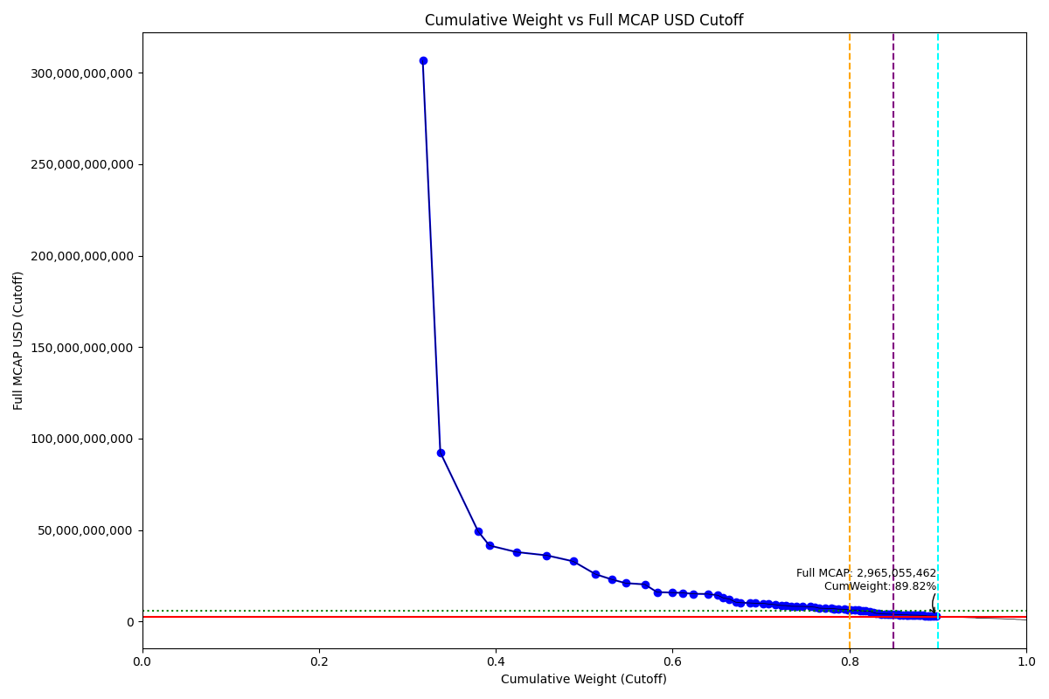
CumWeight_Cutoff | Size | Case | Shadow_Company
0.31744246756 | Standard | Inside
0.3372577144 | Standard | Inside
0.38018090768 | Standard | Inside
0.39280719031 | Standard | Inside
0.42336950633 | Standard | Inside
0.45770314585 | Standard | Inside
0.48758531188 | Standard | Inside
0.51297646207 | Standard | Inside
0.53098179044 | Standard | Inside
0.54681303816 | Standard | Inside
0.56850607998 | Standard | Inside
0.58245332195 | Standard | Inside
0.59961090831 | Standard | Inside
0.61113990863 | Standard | Inside
0.62357473435 | Standard | Inside
0.63969490476 | Standard | Inside
0.65119118496 | Standard | Inside
0.65711036733 | Standard | Inside
0.66427394736 | Standard | Inside
0.67140162296 | Standard | Inside
0.67701433996 | Standard | Inside
0.68779423482 | Standard | Inside
0.69388095653 | Standard | Inside
0.70286298159 | Standard | Inside
0.70803520177 | Standard | Inside
0.7164802952 | Standard | Inside
0.72355666158 | Standard | Inside
0.72768917278 | Standard | Inside
0.73436479507 | Standard | Inside
0.73970670158 | Standard | Inside
0.74720688307 | Standard | Inside
0.75536126491 | Standard | Inside
0.76121147468 | Standard | Inside
0.76564258076 | Standard | Inside
0.77238272581 | Standard | Inside
0.77942114002 | Standard | Inside
0.78255303125 | Standard | Inside | TRUE
0.78782135157 | Standard | Inside
0.79455523517 | Standard | Inside
0.79869452293 | Standard | Inside
0.8012765159 | Standard | Inside | TRUE
0.80663589005 | Standard | Inside
0.81013365923 | Standard | Inside | TRUE
0.8123193156 | Standard | Inside | TRUE
0.81553306709 | Standard | Inside | TRUE
0.81849282526 | Standard | Inside | TRUE
0.82342025336 | Standard | Inside
0.82688346788 | Standard | Inside | TRUE
0.83001208602 | Standard | Inside | TRUE
...

2023-06-19_KR

CumWeight_Cutoff | Size | Case | Shadow_Company
0.33350545518 | Standard | Inside
0.35391485396 | Standard | Inside
0.40080590008 | Standard | Inside
0.41232232464 | Standard | Inside
0.44071092404 | Standard | Inside
0.47118251527 | Standard | Inside
0.50303480366 | Standard | Inside
0.52150641683 | Standard | Inside
0.54322649357 | Standard | Inside
0.56531169811 | Standard | Inside
0.57374199913 | Standard | Inside
0.58980725842 | Standard | Inside
0.60392517813 | Standard | Inside
0.61357107927 | Standard | Inside
0.62530629893 | Standard | Inside
0.63674057299 | Standard | Inside
0.64715368178 | Standard | Inside
0.66159097102 | Standard | Inside
0.67466990113 | Standard | Inside
0.68274418051 | Standard | Inside
0.69155191943 | Standard | Inside
0.69999792312 | Standard | Inside
0.70501729314 | Standard | Inside
0.70959109191 | Standard | Inside
0.71373426236 | Standard | Inside
0.72258519017 | Standard | Inside
0.72651363624 | Standard | Inside
0.7329417302 | Standard | Inside
0.74009882661 | Standard | Inside
0.74437703591 | Standard | Inside
0.75129016414 | Standard | Inside
0.75899812237 | Standard | Inside
0.76067486891 | Standard | Inside | TRUE
0.76544087945 | Standard | Inside
0.77064374417 | Standard | Inside
0.77718277995 | Standard | Inside
0.78113587991 | Standard | Inside
0.78637184143 | Standard | Inside
0.79175743401 | Standard | Inside
0.79770402658 | Standard | Inside
0.80244254613 | Standard | Inside
0.8062239554 | Standard | Inside
0.80876677199 | Standard | Inside | TRUE
0.81083814266 | Standard | Inside | TRUE
0.81312380569 | Standard | Inside | TRUE
0.81657558954 | Standard | Inside
0.81906852167 | Standard | Inside | TRUE
0.8235465835 | Standard | Inside
0.82709222019 | Standard | Inside
...

2023-09-18_KR

CumWeight_Cutoff | Size | Case | Shadow_Company
0.30870599432 | Standard | Inside
0.32705230556 | Standard | Inside
0.37910627503 | Standard | Inside
0.389821852 | Standard | Inside
0.4249798354 | Standard | Inside
0.45328127258 | Standard | Inside
0.47697112987 | Standard | Inside
0.50393182181 | Standard | Inside
0.52952662144 | Standard | Inside
0.54024307787 | Standard | Inside
0.56017107384 | Standard | Inside
0.57716879074 | Standard | Inside
0.5896112042 | Standard | Inside
0.60550507259 | Standard | Inside
0.6175372661 | Standard | Inside
0.62951038961 | Standard | Inside
0.64287124754 | Standard | Inside
0.65254844942 | Standard | Inside
0.66548541817 | Standard | Inside
0.6723755843 | Standard | Inside
0.681505148 | Standard | Inside
0.685610878 | Standard | Inside
0.69067645414 | Standard | Inside
0.69865635774 | Standard | Inside
0.70241313963 | Standard | Inside
0.71074670881 | Standard | Inside
0.71816912668 | Standard | Inside
0.72652818239 | Standard | Inside
0.73238392006 | Standard | Inside
0.73425369533 | Standard | Inside | TRUE
0.7378852835 | Standard | Inside
0.7431062468 | Standard | Inside
0.7475761846 | Standard | Inside
0.75313942918 | Standard | Inside
0.75742894298 | Standard | Inside
0.76082462682 | Standard | Inside
0.76650870625 | Standard | Inside
0.77278866745 | Standard | Inside
0.77689420626 | Standard | Inside
0.78212775936 | Standard | Inside
0.78428844119 | Standard | Inside | TRUE
0.78663457284 | Standard | Inside | TRUE
0.78916932433 | Standard | Inside | TRUE
0.79140138458 | Standard | Inside | TRUE
0.79493183248 | Standard | Inside
0.7984448215 | Standard | Inside
0.80366059736 | Standard | Inside
0.80882063001 | Standard | Inside
0.81293977537 | Standard | Inside
...

2023-12-18_KR
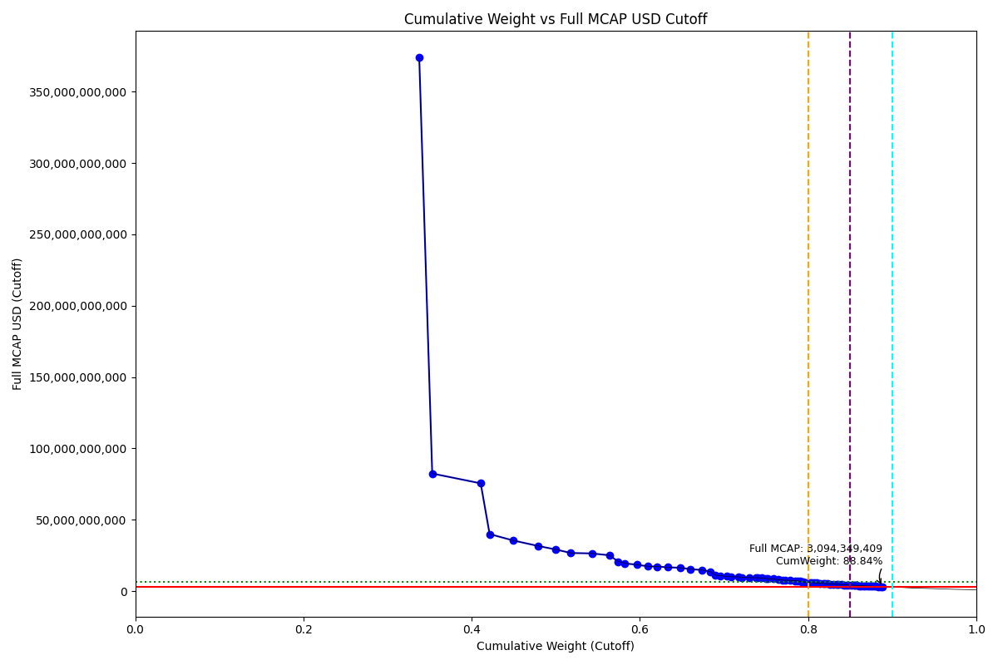
CumWeight_Cutoff | Size | Case | Shadow_Company
0.33769539518 | Standard | Inside
0.35312970556 | Standard | Inside
0.41075201047 | Standard | Inside
0.42136626661 | Standard | Inside
0.44955584718 | Standard | Inside
0.47908806129 | Standard | Inside
0.49967438753 | Standard | Inside
0.51785641038 | Standard | Inside
0.54284784901 | Standard | Inside
0.5637171617 | Standard | Inside
0.57429614606 | Standard | Inside
0.58208618614 | Standard | Inside
0.59711079962 | Standard | Inside
0.6097273608 | Standard | Inside
0.62082339809 | Standard | Inside
0.63283419421 | Standard | Inside
0.64833545843 | Standard | Inside
0.66027625863 | Standard | Inside
0.67414444297 | Standard | Inside
0.68370122337 | Standard | Inside
0.68982372638 | Standard | Inside
0.69510554735 | Standard | Inside
0.7033336565 | Standard | Inside
0.70867141237 | Standard | Inside
0.71751566343 | Standard | Inside
0.72127698217 | Standard | Inside
0.7301291528 | Standard | Inside
0.73759876526 | Standard | Inside
0.74012080124 | Standard | Inside | TRUE
0.74501100558 | Standard | Inside
0.75034508874 | Standard | Inside
0.7521472327 | Standard | Inside | TRUE
0.75894483089 | Standard | Inside
0.76484232813 | Standard | Inside
0.76995554026 | Standard | Inside
0.77294136779 | Standard | Inside | TRUE
0.77827934272 | Standard | Inside
0.78470017124 | Standard | Inside
0.78709220209 | Standard | Inside | TRUE
0.79001092909 | Standard | Inside | TRUE
0.79242387522 | Standard | Inside | TRUE
0.79465542078 | Standard | Inside | TRUE
0.79807306597 | Standard | Inside
0.8018060585 | Standard | Inside
0.80420021315 | Standard | Inside | TRUE
0.80675000869 | Standard | Inside | TRUE
0.81030325348 | Standard | Inside
0.81378686272 | Standard | Inside
0.81854404056 | Standard | Inside
...

2024-03-18_KR
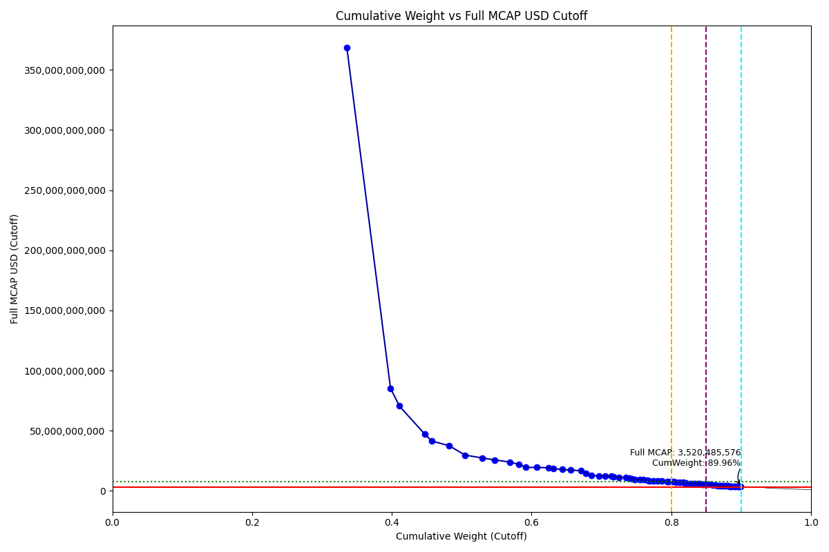
CumWeight_Cutoff | Case | Size | Shadow_Company
0.33572930894 | Below - Companies in between Upper and Lower GMSR | Deletion
0.39816980544 | Below - Companies in between Upper and Lower GMSR | Deletion
0.41083506693 | Below - Companies in between Upper and Lower GMSR | Deletion
0.44696688064 | Below - Companies in between Upper and Lower GMSR | Deletion
0.45749298779 | Below - Companies in between Upper and Lower GMSR | Deletion
0.48197198686 | Below - Companies in between Upper and Lower GMSR | Deletion
0.50493422419 | Below - Companies in between Upper and Lower GMSR | Deletion
0.52944205913 | Below - Companies in between Upper and Lower GMSR | Deletion
0.54684030649 | Below - Companies in between Upper and Lower GMSR | Deletion
0.5685852632 | Below - Companies in between Upper and Lower GMSR | Deletion
0.58212378237 | Below - Companies in between Upper and Lower GMSR | Deletion
0.59168175747 | Below - Companies in between Upper and Lower GMSR | Deletion
0.60716574335 | Below - Companies in between Upper and Lower GMSR | Deletion
0.62461531725 | Below - Companies in between Upper and Lower GMSR | Deletion
0.63168434232 | Below - Companies in between Upper and Lower GMSR | Deletion
0.64406354367 | Below - Companies in between Upper and Lower GMSR | Deletion
0.65584261796 | Below - Companies in between Upper and Lower GMSR | Deletion
0.67095485576 | Below - Companies in between Upper and Lower GMSR | Deletion
0.67791353422 | Below - Companies in between Upper and Lower GMSR | Deletion
0.68533249529 | Below - Companies in between Upper and Lower GMSR | Deletion
0.69665921783 | Below - Companies in between Upper and Lower GMSR | Deletion
0.70582343933 | Below - Companies in between Upper and Lower GMSR | Deletion
0.71403497596 | Below - Companies in between Upper and Lower GMSR | Deletion
0.71703921734 | Below - Companies in between Upper and Lower GMSR | Deletion | TRUE
0.72554457076 | Below - Companies in between Upper and Lower GMSR | Deletion
0.73498743603 | Below - Companies in between Upper and Lower GMSR | Deletion
0.74024632407 | Below - Companies in between Upper and Lower GMSR | Deletion
0.74404232966 | Below - Companies in between Upper and Lower GMSR | Deletion
0.74797844608 | Below - Companies in between Upper and Lower GMSR | Deletion
0.75510976778 | Below - Companies in between Upper and Lower GMSR | Deletion
0.75982075441 | Below - Companies in between Upper and Lower GMSR | Deletion
0.76563428651 | Below - Companies in between Upper and Lower GMSR | Deletion
0.76826386015 | Below - Companies in between Upper and Lower GMSR | Deletion | TRUE
0.77410219861 | Below - Companies in between Upper and Lower GMSR | Deletion
0.78084731865 | Below - Companies in between Upper and Lower GMSR | Deletion
0.78692471104 | Below - Companies in between Upper and Lower GMSR | Deletion
0.79403882848 | Below - Companies in between Upper and Lower GMSR | Deletion
0.79561525679 | Below - Companies in between Upper and Lower GMSR | Deletion | TRUE
0.80049725952 | Below - Companies in between Upper and Lower GMSR | Deletion
0.80321749699 | Below - Companies in between Upper and Lower GMSR | Deletion | TRUE
0.80757472564 | Below - Companies in between Upper and Lower GMSR | Deletion
0.81222928883 | Below - Companies in between Upper and Lower GMSR | Deletion
0.81698152181 | Below - Companies in between Upper and Lower GMSR | Deletion
0.81945623835 | Below - Companies in between Upper and Lower GMSR | Deletion | TRUE
0.82153404137 | Below - Companies in between Upper and Lower GMSR | Deletion | TRUE
0.82669261631 | Below - Companies in between Upper and Lower GMSR | Deletion
0.82982114182 | Below - Companies in between Upper and Lower GMSR | Deletion | TRUE
0.83325191066 | Below - Companies in between Upper and Lower GMSR | Deletion | TRUE
0.83536815367 | Below - Companies in between Upper and Lower GMSR | Deletion | TRUE
...

2024-06-24_KR
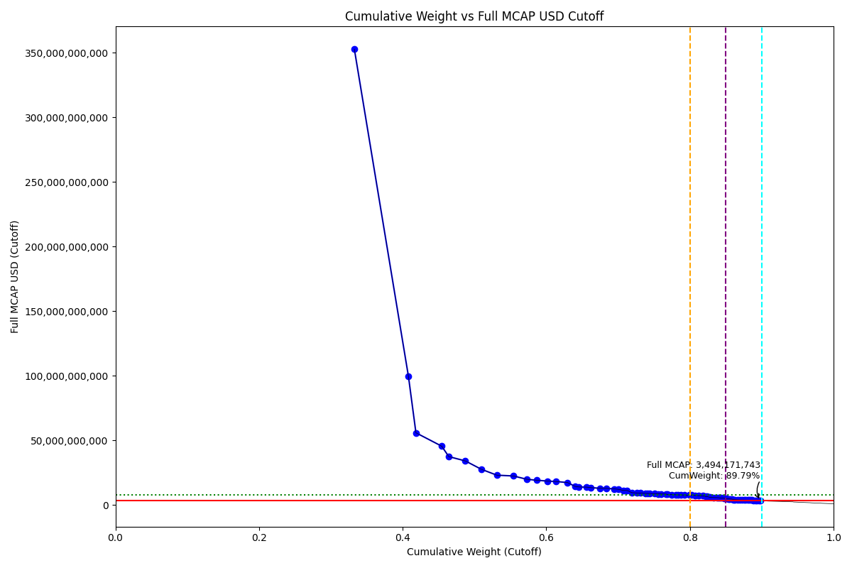
CumWeight_Cutoff | Size | Case | Shadow_Company
0.33276547987 | Standard | Inside
0.4080914782 | Standard | Inside
0.41849056135 | Standard | Inside
0.45436105508 | Standard | Inside
0.46424859232 | Standard | Inside
0.48729690904 | Standard | Inside
0.50945725708 | Standard | Inside
0.53118777361 | Standard | Inside
0.55425972715 | Standard | Inside
0.57297331808 | Standard | Inside
0.58644054926 | Standard | Inside
0.601759594 | Standard | Inside
0.61337721114 | Standard | Inside
0.62957496522 | Standard | Inside
0.63988246956 | Standard | Inside
0.64544594834 | Standard | Inside
0.65547294966 | Standard | Inside
0.66230611764 | Standard | Inside
0.67460346501 | Standard | Inside
0.68361548881 | Standard | Inside
0.6946113851 | Standard | Inside
0.70064071452 | Standard | Inside
0.70715615933 | Standard | Inside
0.71279289564 | Standard | Inside
0.71902039618 | Standard | Inside
0.72638205743 | Standard | Inside
0.73116600628 | Standard | Inside
0.73813688533 | Standard | Inside
0.74047980449 | Standard | Inside | TRUE
0.74434205412 | Standard | Inside
0.75074614639 | Standard | Inside
0.75550025205 | Standard | Inside
0.75999276255 | Standard | Inside
0.76668809586 | Standard | Inside
0.76840196403 | Standard | Inside | TRUE
0.77495073524 | Standard | Inside
0.78052456558 | Standard | Inside
0.78309859901 | Standard | Inside | TRUE
0.78744160927 | Standard | Inside
0.79216036593 | Standard | Inside
0.79882245122 | Standard | Inside
0.80177984169 | Standard | Inside | TRUE
0.80684823099 | Standard | Inside
0.81179291645 | Standard | Inside
0.81788253223 | Standard | Inside
0.82191429764 | Standard | Inside
0.8243716757 | Standard | Inside | TRUE
0.82750162197 | Standard | Inside | TRUE
0.8325535329 | Standard | Inside
...

