2019-03-18_GR
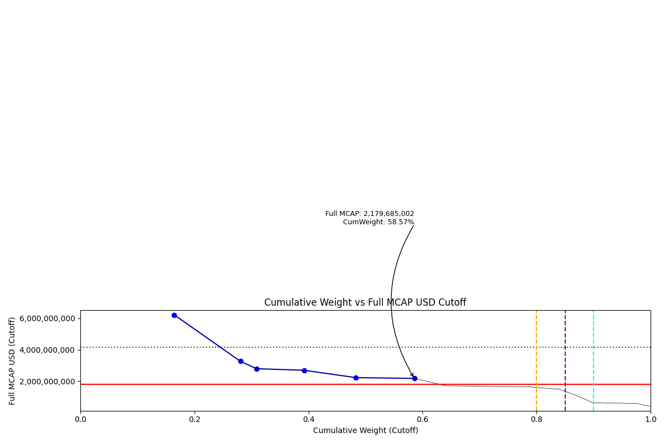
Date | Internal_Number | Instrument_Name | ENTITY_QID | Country | Free_Float_MCAP_USD_Cutoff_Company | Full_MCAP_USD_Cutoff_Company | Weight_Cutoff | CumWeight_Cutoff | Size | Case
2019-03-18 | 505160 | OTE | E004YP6K6 | GR | 3,111,598,432.35 | 6,223,196,864.69 | 0.16 | 0.16 | Standard | Below
2019-03-18 | 710725 | OPAP | E004YN1BP | GR | 2,190,369,159.00 | 3,269,207,700.00 | 0.12 | 0.28 | Standard | Below
2019-03-18 | 547565 | HELLENIC PETROLEUM | E004YPK5G | GR | 533,044,784.69 | 2,798,135,352.68 | 0.03 | 0.31 | Standard | Below
2019-03-18 | 599623 | MOTOR OIL (HELLAS) | E004YN28R | GR | 1,578,444,190.70 | 2,699,579,597.58 | 0.08 | 0.39 | Standard | Below
2019-03-18 | 724353 | JUMBO | E004YOJAI | GR | 1,712,972,485.32 | 2,231,013,916.80 | 0.09 | 0.48 | Standard | Below
2019-03-18 | 423586 | ALPHA BANK | E004YNFGV | GR | 1,939,701,682.91 | 2,179,685,001.58 | 0.10 | 0.59 | Standard | Below

2019-06-24_GR
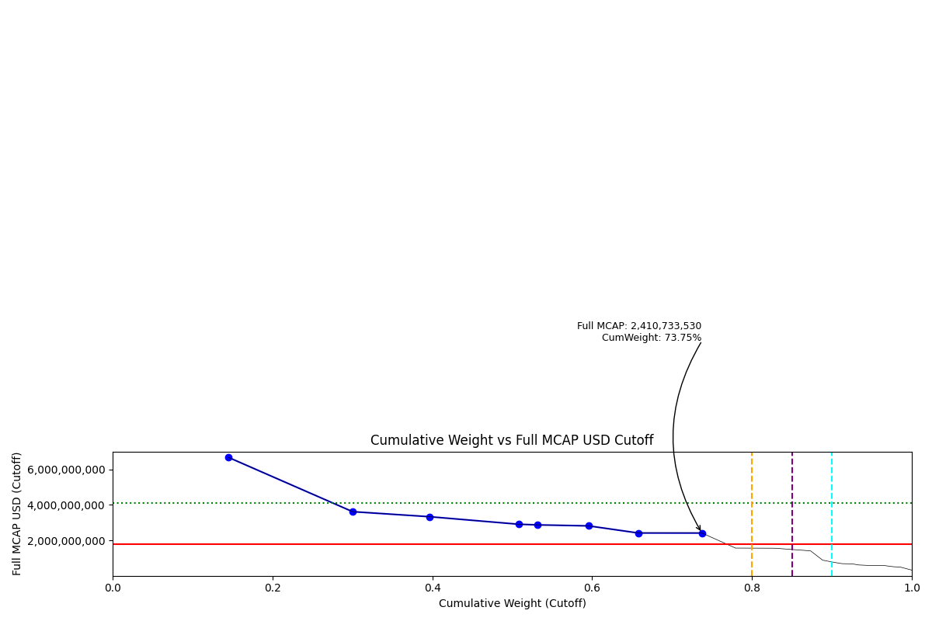
Date | ENTITY_QID | Country | Internal_Number | Instrument_Name | Free_Float_MCAP_USD_Cutoff_Company | Full_MCAP_USD_Cutoff_Company | Weight_Cutoff | CumWeight_Cutoff | Size | Case | Shadow_Company
2019-06-24 | E004YP6K6 | GR | 505160 | OTE | 3,345,469,401.64 | 6,690,938,803.28 | 0.14 | 0.14 | Addition | Above - Companies in between Upper and Lower GMSR
2019-06-24 | E004YR9QE | GR | 565431 | EUROBANK ERGASIAS | 3,616,641,446.05 | 3,616,641,446.05 | 0.16 | 0.30 | Addition | Above - Companies in between Upper and Lower GMSR
2019-06-24 | E004YN1BP | GR | 710725 | OPAP | 2,232,843,989.06 | 3,332,602,968.75 | 0.10 | 0.40 | Addition | Above - Companies in between Upper and Lower GMSR
2019-06-24 | E004YNFGV | GR | 423586 | ALPHA BANK | 2,587,094,298.17 | 2,907,174,174.82 | 0.11 | 0.51 | Addition | Above - Companies in between Upper and Lower GMSR
2019-06-24 | E004YPK5G | GR | 547565 | HELLENIC PETROLEUM | 546,949,867.17 | 2,871,127,911.65 | 0.02 | 0.53 | Addition | Above - Companies in between Upper and Lower GMSR | TRUE
2019-06-24 | E004YN28R | GR | 599623 | MOTOR OIL (HELLAS) | 1,479,678,912.92 | 2,814,683,113.80 | 0.06 | 0.60 | Addition | Above - Companies in between Upper and Lower GMSR
2019-06-24 | E004YRDK6 | GR | 462595 | NATIONAL BANK OF GREECE | 1,438,826,110.50 | 2,413,732,780.57 | 0.06 | 0.66 | Addition | Above - Companies in between Upper and Lower GMSR
2019-06-24 | E004YOJAI | GR | 724353 | JUMBO | 1,850,961,204.26 | 2,410,733,529.90 | 0.08 | 0.74 | Addition | Above - Companies in between Upper and Lower GMSR

2019-09-23_GR
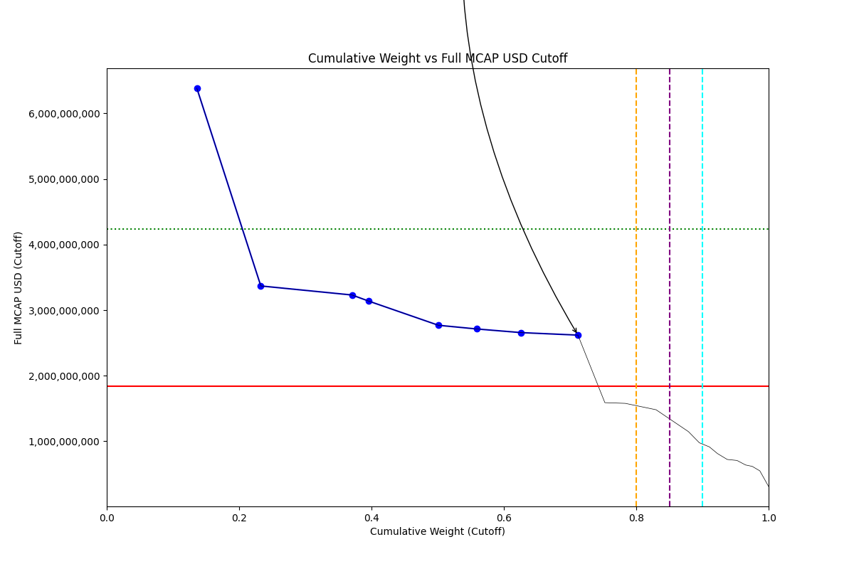
Date | ENTITY_QID | Country | Internal_Number | Instrument_Name | Free_Float_MCAP_USD_Cutoff_Company | Full_MCAP_USD_Cutoff_Company | Weight_Cutoff | CumWeight_Cutoff | Size | Case | Shadow_Company
2019-09-23 | E004YP6K6 | GR | 505160 | OTE | 3,192,340,377.29 | 6,384,680,754.59 | 0.14 | 0.14 | Addition | Above - No Companies in between Upper and Lower GMSR
2019-09-23 | E004YN1BP | GR | 710725 | OPAP | 2,266,296,036.91 | 3,368,955,012.50 | 0.10 | 0.23 | Addition | Above - No Companies in between Upper and Lower GMSR
2019-09-23 | E004YR9QE | GR | 565431 | EUROBANK ERGASIAS | 3,231,009,161.21 | 3,231,009,161.21 | 0.14 | 0.37 | Addition | Above - No Companies in between Upper and Lower GMSR
2019-09-23 | E004YPK5G | GR | 547565 | HELLENIC PETROLEUM | 597,585,653.92 | 3,136,932,566.53 | 0.03 | 0.40 | Addition | Above - No Companies in between Upper and Lower GMSR | TRUE
2019-09-23 | E004YNFGV | GR | 423586 | ALPHA BANK | 2,464,398,538.20 | 2,769,298,278.68 | 0.11 | 0.50 | Addition | Above - No Companies in between Upper and Lower GMSR
2019-09-23 | E004YN28R | GR | 599623 | MOTOR OIL (HELLAS) | 1,348,226,143.55 | 2,713,274,589.56 | 0.06 | 0.56 | Addition | Above - No Companies in between Upper and Lower GMSR
2019-09-23 | E004YRDK6 | GR | 462595 | NATIONAL BANK OF GREECE | 1,584,038,409.37 | 2,657,336,704.19 | 0.07 | 0.63 | Addition | Above - No Companies in between Upper and Lower GMSR
2019-09-23 | E004YOJAI | GR | 724353 | JUMBO | 2,010,967,976.98 | 2,619,129,951.79 | 0.09 | 0.71 | Addition | Above - No Companies in between Upper and Lower GMSR

2019-12-23_GR
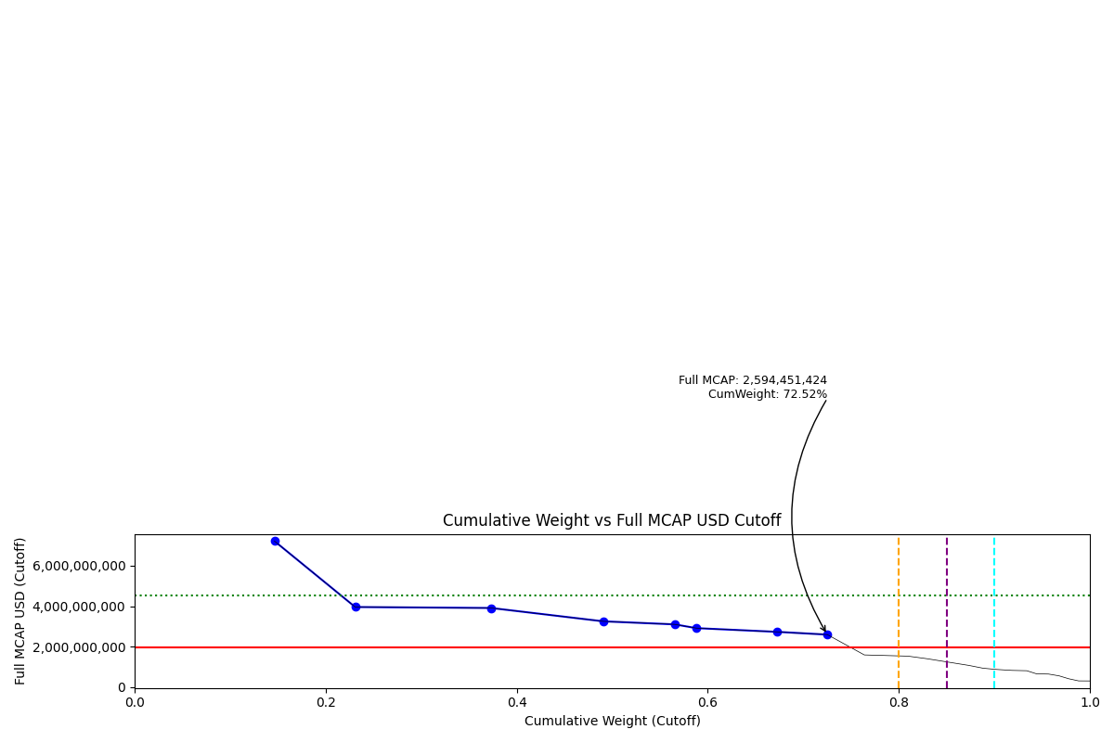
Date | ENTITY_QID | Country | Internal_Number | Instrument_Name | Free_Float_MCAP_USD_Cutoff_Company | Full_MCAP_USD_Cutoff_Company | Weight_Cutoff | CumWeight_Cutoff | Size | Case | Shadow_Company
2019-12-23 | E004YP6K6 | GR | 505160 | OTE | 3,609,015,055.14 | 7,218,030,110.29 | 0.15 | 0.15 | Addition | Above - No Companies in between Upper and Lower GMSR
2019-12-23 | E004YN1BP | GR | 710725 | OPAP | 2,086,832,784.06 | 3,957,581,612.09 | 0.08 | 0.23 | Addition | Above - No Companies in between Upper and Lower GMSR
2019-12-23 | E004YR9QE | GR | 565431 | EUROBANK ERGASIAS | 3,511,368,115.85 | 3,909,774,096.26 | 0.14 | 0.37 | Addition | Above - No Companies in between Upper and Lower GMSR
2019-12-23 | E004YNFGV | GR | 423586 | ALPHA BANK | 2,893,045,687.60 | 3,250,978,410.61 | 0.12 | 0.49 | Addition | Above - No Companies in between Upper and Lower GMSR
2019-12-23 | E004YRDK6 | GR | 462595 | NATIONAL BANK OF GREECE | 1,848,105,871.15 | 3,100,328,587.74 | 0.07 | 0.57 | Addition | Above - No Companies in between Upper and Lower GMSR
2019-12-23 | E004YPK5G | GR | 547565 | HELLENIC PETROLEUM | 555,306,075.17 | 2,914,992,520.59 | 0.02 | 0.59 | Addition | Above - No Companies in between Upper and Lower GMSR | TRUE
2019-12-23 | E004YOJAI | GR | 724353 | JUMBO | 2,096,366,356.30 | 2,730,354,722.98 | 0.08 | 0.67 | Addition | Above - No Companies in between Upper and Lower GMSR
2019-12-23 | E004YN28R | GR | 599623 | MOTOR OIL (HELLAS) | 1,289,182,912.59 | 2,594,451,424.01 | 0.05 | 0.73 | Addition | Above - No Companies in between Upper and Lower GMSR | TRUE

2020-03-23_GR
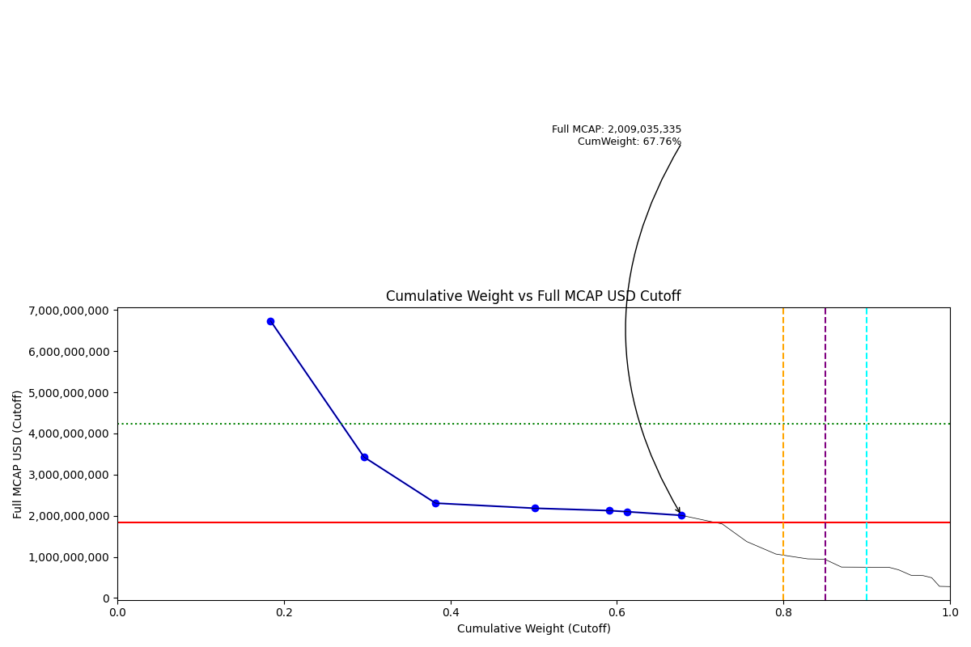
Date | ENTITY_QID | Country | Internal_Number | Instrument_Name | Free_Float_MCAP_USD_Cutoff_Company | Full_MCAP_USD_Cutoff_Company | Weight_Cutoff | CumWeight_Cutoff | Case | Size | Shadow_Company
2020-03-23 | E004YP6K6 | GR | 505160 | OTE | 3,368,739,914.27 | 6,737,479,828.53 | 0.18 | 0.18 | Below - Companies in between Upper and Lower GMSR | Deletion
2020-03-23 | E004YN1BP | GR | 710725 | OPAP | 2,056,817,294.31 | 3,426,886,528.34 | 0.11 | 0.30 | Below - Companies in between Upper and Lower GMSR | Deletion
2020-03-23 | E004YR9QE | GR | 565431 | EUROBANK ERGASIAS | 1,574,815,285.88 | 2,306,070,121.36 | 0.09 | 0.38 | Below - Companies in between Upper and Lower GMSR | Deletion
2020-03-23 | E004YNFGV | GR | 423586 | ALPHA BANK | 2,182,335,764.97 | 2,182,335,764.97 | 0.12 | 0.50 | Below - Companies in between Upper and Lower GMSR | Deletion
2020-03-23 | E004YOJAI | GR | 724353 | JUMBO | 1,631,765,304.70 | 2,125,247,857.13 | 0.09 | 0.59 | Below - Companies in between Upper and Lower GMSR | Deletion
2020-03-23 | E004YPK5G | GR | 547565 | HELLENIC PETROLEUM | 399,722,541.17 | 2,098,281,056.02 | 0.02 | 0.61 | Below - Companies in between Upper and Lower GMSR | Deletion | TRUE
2020-03-23 | E004YRDK6 | GR | 462595 | NATIONAL BANK OF GREECE | 1,197,585,963.31 | 2,009,035,335.20 | 0.07 | 0.68 | Below - Companies in between Upper and Lower GMSR | Deletion

2020-06-22_GR
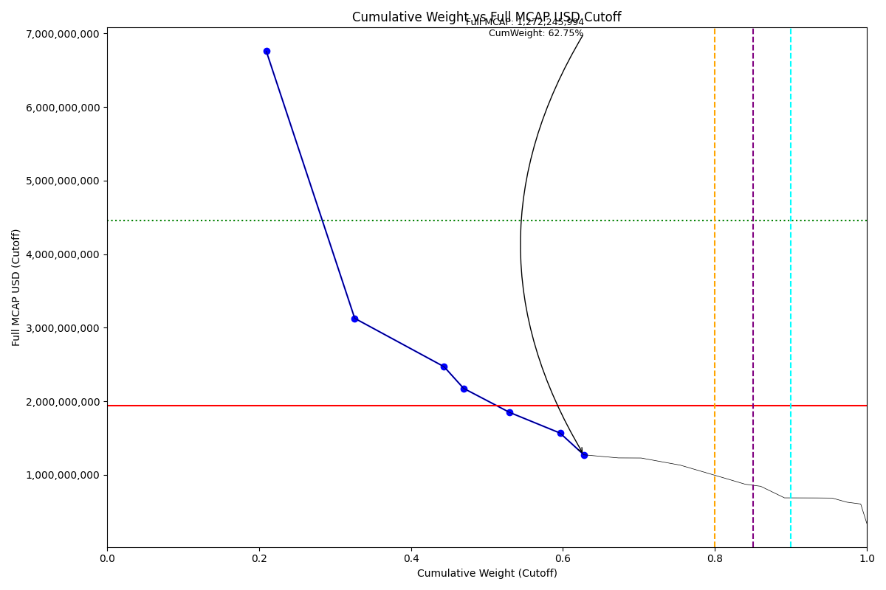
Date | ENTITY_QID | Country | Internal_Number | Instrument_Name | Free_Float_MCAP_USD_Cutoff_Company | Full_MCAP_USD_Cutoff_Company | Weight_Cutoff | CumWeight_Cutoff | Case | Size | Shadow_Company
2020-06-22 | E004YP6K6 | GR | 505160 | OTE | 3,379,336,974.43 | 6,758,673,948.86 | 0.21 | 0.21 | Below - Companies in between Upper and Lower GMSR | Deletion
2020-06-22 | E004YN1BP | GR | 710725 | OPAP | 1,877,079,169.76 | 3,127,422,808.67 | 0.12 | 0.33 | Below - Companies in between Upper and Lower GMSR | Deletion | TRUE
2020-06-22 | E004YOJAI | GR | 724353 | JUMBO | 1,896,441,361.39 | 2,469,967,910.11 | 0.12 | 0.44 | Below - Companies in between Upper and Lower GMSR | Deletion | TRUE
2020-06-22 | E004YPK5G | GR | 547565 | HELLENIC PETROLEUM | 414,495,444.96 | 2,175,829,107.42 | 0.03 | 0.47 | Below - Companies in between Upper and Lower GMSR | Deletion | TRUE
2020-06-22 | E004YN28R | GR | 599623 | MOTOR OIL (HELLAS) | 977,271,135.80 | 1,848,441,717.05 | 0.06 | 0.53 | Below - Companies in between Upper and Lower GMSR | Deletion | TRUE
2020-06-22 | E004YR9QE | GR | 565431 | EUROBANK ERGASIAS SRV & HLDG | 1,070,675,717.06 | 1,567,836,750.71 | 0.07 | 0.60 | Below - Companies in between Upper and Lower GMSR | Deletion | TRUE
2020-06-22 | E004YQUNV | GR | B28XVV | TERNA ENERGY | 504,699,985.71 | 1,272,245,993.73 | 0.03 | 0.63 | Below - Companies in between Upper and Lower GMSR | Deletion | TRUE

2020-09-21_GR
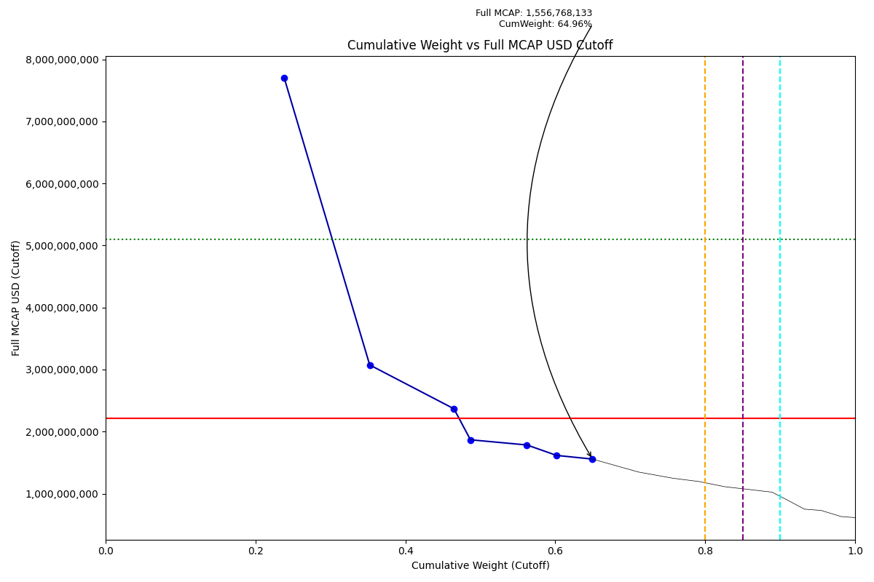
Date | ENTITY_QID | Country | Internal_Number | Instrument_Name | Free_Float_MCAP_USD_Cutoff_Company | Full_MCAP_USD_Cutoff_Company | Weight_Cutoff | CumWeight_Cutoff | Case | Size | Shadow_Company
2020-09-21 | E004YP6K6 | GR | 505160 | OTE | 3,851,791,196.55 | 7,703,582,393.09 | 0.24 | 0.24 | Below - Companies in between Upper and Lower GMSR | Deletion
2020-09-21 | E004YN1BP | GR | 710725 | OPAP | 1,845,168,739.50 | 3,074,256,480.35 | 0.11 | 0.35 | Below - Companies in between Upper and Lower GMSR | Deletion | TRUE
2020-09-21 | E004YOJAI | GR | 724353 | JUMBO | 1,817,832,324.02 | 2,367,585,730.69 | 0.11 | 0.46 | Below - Companies in between Upper and Lower GMSR | Deletion | TRUE
2020-09-21 | E004YPK5G | GR | 547565 | HELLENIC PETROLEUM | 355,821,554.32 | 1,867,829,681.45 | 0.02 | 0.49 | Below - Companies in between Upper and Lower GMSR | Deletion | TRUE
2020-09-21 | E004YR9QE | GR | 565431 | EUROBANK ERGASIAS SRV & HLDG | 1,218,394,659.24 | 1,784,147,985.42 | 0.08 | 0.56 | Below - Companies in between Upper and Lower GMSR | Deletion | TRUE
2020-09-21 | E004YQUNV | GR | B28XVV | TERNA ENERGY | 640,996,757.54 | 1,615,822,428.90 | 0.04 | 0.60 | Below - Companies in between Upper and Lower GMSR | Deletion | TRUE
2020-09-21 | E004YN28R | GR | 599623 | MOTOR OIL (HELLAS) | 773,558,085.26 | 1,556,768,132.94 | 0.05 | 0.65 | Below - Companies in between Upper and Lower GMSR | Deletion | TRUE

2020-12-21_GR
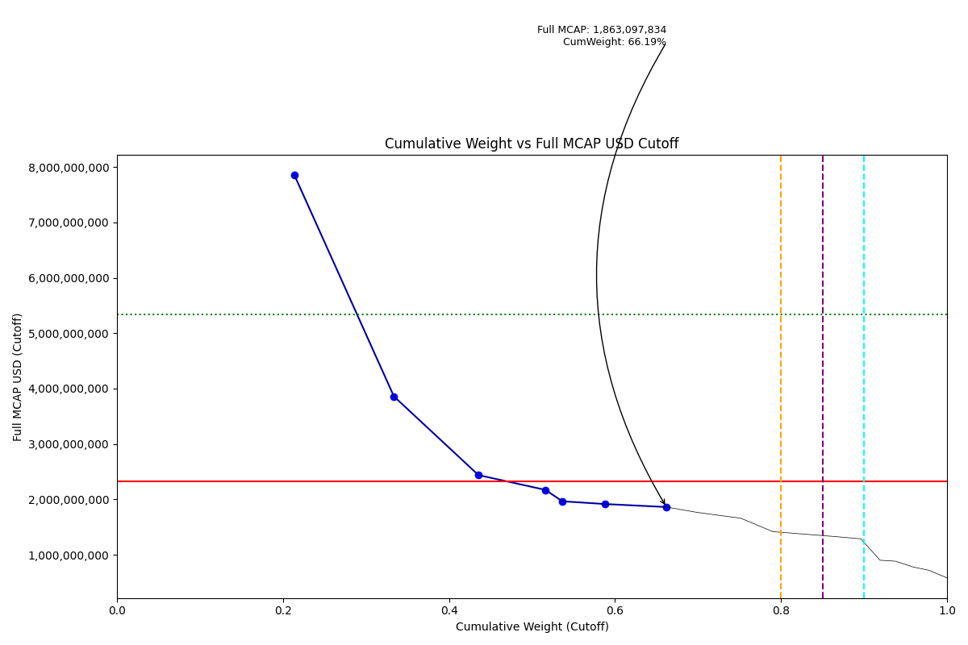
Date | ENTITY_QID | Country | Internal_Number | Instrument_Name | Free_Float_MCAP_USD_Cutoff_Company | Full_MCAP_USD_Cutoff_Company | Weight_Cutoff | CumWeight_Cutoff | Case | Size | Shadow_Company
2020-12-21 | E004YP6K6 | GR | 505160 | OTE | 3,928,523,452.26 | 7,857,046,904.52 | 0.21 | 0.21 | Below - Companies in between Upper and Lower GMSR | Deletion
2020-12-21 | E004YN1BP | GR | 710725 | OPAP | 2,206,870,452.30 | 3,859,514,607.02 | 0.12 | 0.33 | Below - Companies in between Upper and Lower GMSR | Deletion | TRUE
2020-12-21 | E004YOJAI | GR | 724353 | JUMBO | 1,873,196,061.89 | 2,439,692,708.90 | 0.10 | 0.44 | Below - Companies in between Upper and Lower GMSR | Deletion | TRUE
2020-12-21 | E004YR9QE | GR | 565431 | EUROBANK ERGASIAS SRV & HLDG | 1,483,770,729.01 | 2,172,749,639.79 | 0.08 | 0.52 | Below - Companies in between Upper and Lower GMSR | Deletion | TRUE
2020-12-21 | E004YPK5G | GR | 547565 | HELLENIC PETROLEUM | 374,700,612.42 | 1,966,932,348.64 | 0.02 | 0.54 | Below - Companies in between Upper and Lower GMSR | Deletion | TRUE
2020-12-21 | E004YRBZV | GR | 726829 | PUBLIC POWER | 937,348,367.99 | 1,917,652,144.00 | 0.05 | 0.59 | Below - Companies in between Upper and Lower GMSR | Deletion | TRUE
2020-12-21 | E004YNILG | GR | 589866 | MYTILINEOS | 1,368,631,668.85 | 1,863,097,833.99 | 0.07 | 0.66 | Below - Companies in between Upper and Lower GMSR | Deletion | TRUE

2021-03-22_GR
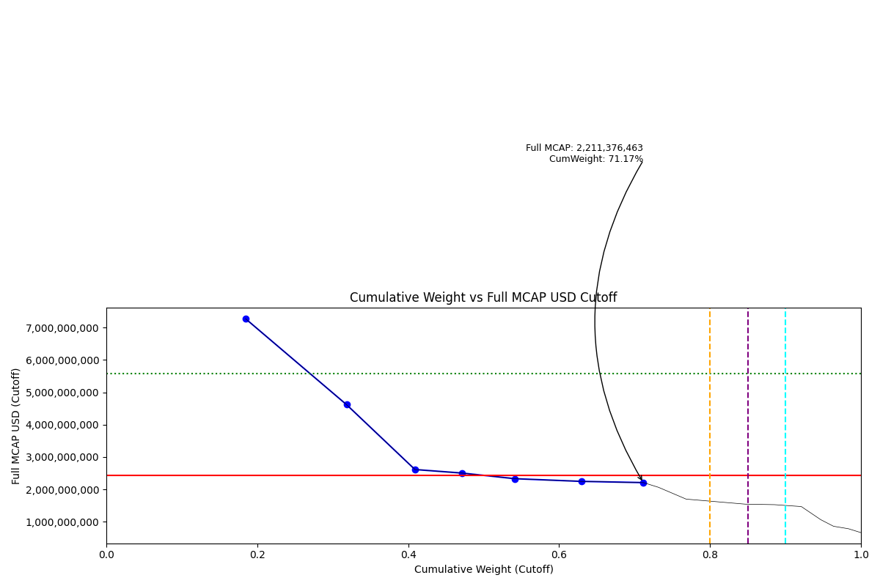
Date | ENTITY_QID | Country | Internal_Number | Instrument_Name | Free_Float_MCAP_USD_Cutoff_Company | Full_MCAP_USD_Cutoff_Company | Weight_Cutoff | CumWeight_Cutoff | Case | Size | Shadow_Company
2021-03-22 | E004YP6K6 | GR | 505160 | OTE | 3,635,345,625.22 | 7,270,691,250.44 | 0.18 | 0.18 | Below - Companies in between Upper and Lower GMSR | Deletion
2021-03-22 | E004YN1BP | GR | 710725 | OPAP | 2,639,815,395.55 | 4,616,676,102.74 | 0.13 | 0.32 | Below - Companies in between Upper and Lower GMSR | Deletion
2021-03-22 | E004YR9QE | GR | 565431 | EUROBANK ERGASIAS SRV & HLDG | 1,785,692,349.91 | 2,614,866,524.98 | 0.09 | 0.41 | Below - Companies in between Upper and Lower GMSR | Deletion | TRUE
2021-03-22 | E004YRBZV | GR | 726829 | PUBLIC POWER | 1,225,057,072.51 | 2,506,254,240.00 | 0.06 | 0.47 | Below - Companies in between Upper and Lower GMSR | Deletion | TRUE
2021-03-22 | E004YRDK6 | GR | 462595 | NATIONAL BANK OF GREECE | 1,389,861,174.96 | 2,331,590,630.69 | 0.07 | 0.54 | Below - Companies in between Upper and Lower GMSR | Deletion | TRUE
2021-03-22 | E004YOJAI | GR | 724353 | JUMBO | 1,727,038,606.16 | 2,249,333,949.16 | 0.09 | 0.63 | Below - Companies in between Upper and Lower GMSR | Deletion | TRUE
2021-03-22 | E004YNILG | GR | 589866 | MYTILINEOS | 1,624,477,149.78 | 2,211,376,463.08 | 0.08 | 0.71 | Below - Companies in between Upper and Lower GMSR | Deletion | TRUE

2021-06-21_GR
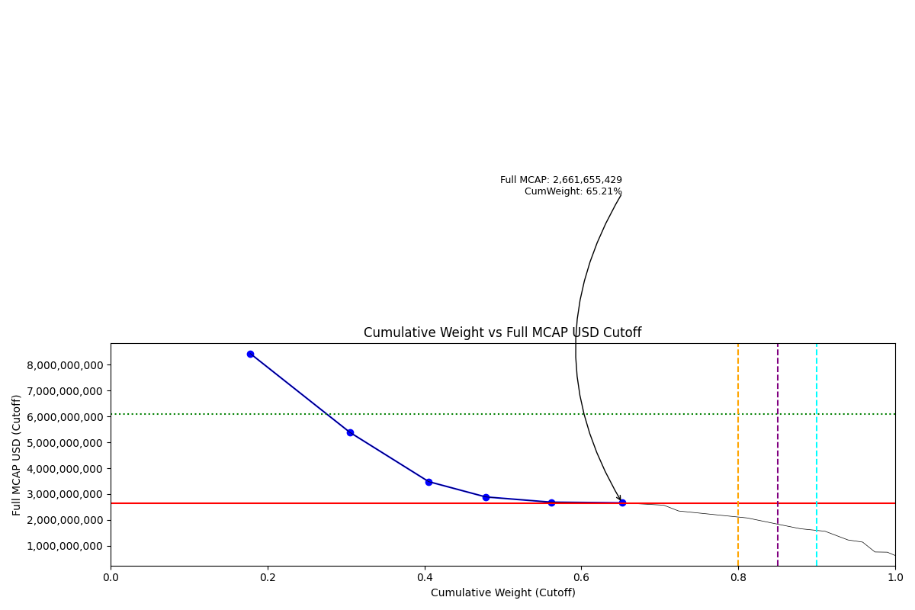
Date | ENTITY_QID | Country | Internal_Number | Instrument_Name | Free_Float_MCAP_USD_Cutoff_Company | Full_MCAP_USD_Cutoff_Company | Weight_Cutoff | CumWeight_Cutoff | Case | Size | Shadow_Company
2021-06-21 | E004YP6K6 | GR | 505160 | OTE | 4,217,315,777.72 | 8,434,631,555.45 | 0.18 | 0.18 | Below - Companies in between Upper and Lower GMSR | Deletion
2021-06-21 | E004YN1BP | GR | 710725 | OPAP | 3,009,698,934.05 | 5,385,040,139.65 | 0.13 | 0.31 | Below - Companies in between Upper and Lower GMSR | Deletion
2021-06-21 | E004YR9QE | GR | 565431 | EUROBANK ERGASIAS SRV & HLDG | 2,377,223,503.60 | 3,481,071,172.36 | 0.10 | 0.41 | Below - Companies in between Upper and Lower GMSR | Deletion
2021-06-21 | E004YRDK6 | GR | 462595 | NATIONAL BANK OF GREECE | 1,722,660,346.57 | 2,889,884,829.01 | 0.07 | 0.48 | Below - Companies in between Upper and Lower GMSR | Deletion
2021-06-21 | E004YNILG | GR | 589866 | MYTILINEOS | 1,973,852,866.08 | 2,686,976,403.59 | 0.08 | 0.56 | Below - Companies in between Upper and Lower GMSR | Deletion
2021-06-21 | E004YOJAI | GR | 724353 | JUMBO | 2,146,358,938.32 | 2,661,655,429.46 | 0.09 | 0.65 | Below - Companies in between Upper and Lower GMSR | Deletion

2021-09-20_GR
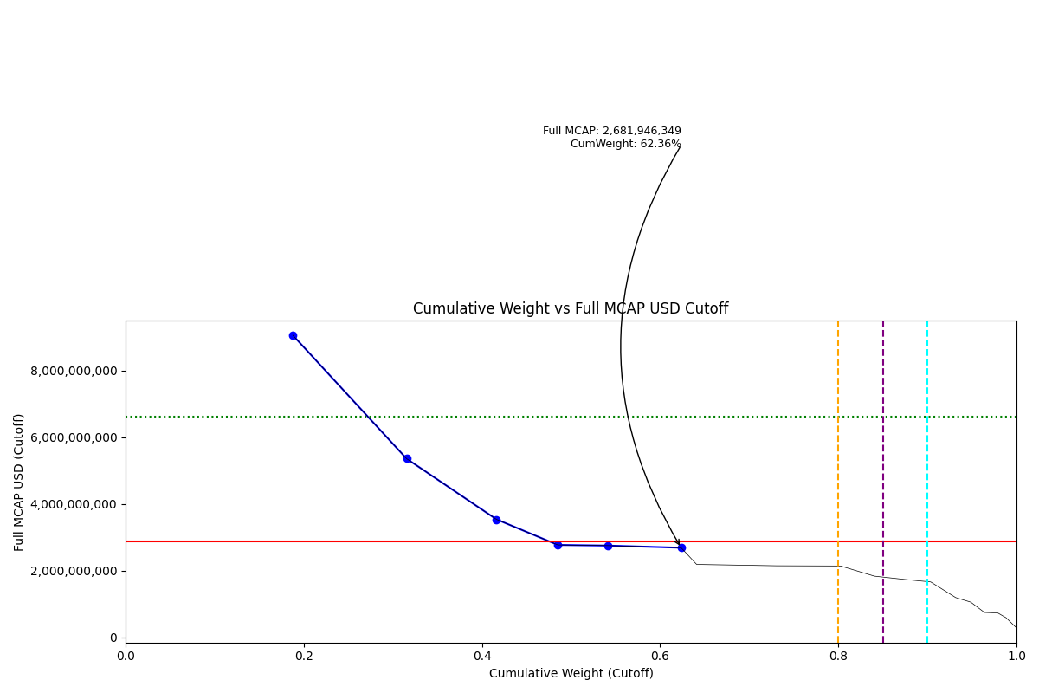
Date | ENTITY_QID | Country | Internal_Number | Instrument_Name | Free_Float_MCAP_USD_Cutoff_Company | Full_MCAP_USD_Cutoff_Company | Weight_Cutoff | CumWeight_Cutoff | Case | Size | Shadow_Company
2021-09-20 | E004YP6K6 | GR | 505160 | OTE | 4,492,255,235.06 | 9,053,315,669.21 | 0.19 | 0.19 | Below - Companies in between Upper and Lower GMSR | Deletion
2021-09-20 | E004YN1BP | GR | 710725 | OPAP | 3,056,714,760.05 | 5,352,328,418.93 | 0.13 | 0.32 | Below - Companies in between Upper and Lower GMSR | Deletion
2021-09-20 | E004YR9QE | GR | 565431 | EUROBANK ERGASIAS SRV & HLDG | 2,412,981,701.17 | 3,533,433,447.31 | 0.10 | 0.42 | Below - Companies in between Upper and Lower GMSR | Deletion | TRUE
2021-09-20 | E004YRDK6 | GR | 462595 | NATIONAL BANK OF GREECE | 1,649,042,001.36 | 2,766,384,837.04 | 0.07 | 0.49 | Below - Companies in between Upper and Lower GMSR | Deletion | TRUE
2021-09-20 | E004YRBZV | GR | 726829 | PUBLIC POWER | 1,342,665,134.76 | 2,746,859,932.00 | 0.06 | 0.54 | Below - Companies in between Upper and Lower GMSR | Deletion | TRUE
2021-09-20 | E004YNILG | GR | 589866 | MYTILINEOS | 1,970,157,787.93 | 2,681,946,348.94 | 0.08 | 0.62 | Below - Companies in between Upper and Lower GMSR | Deletion | TRUE

2021-12-20_GR
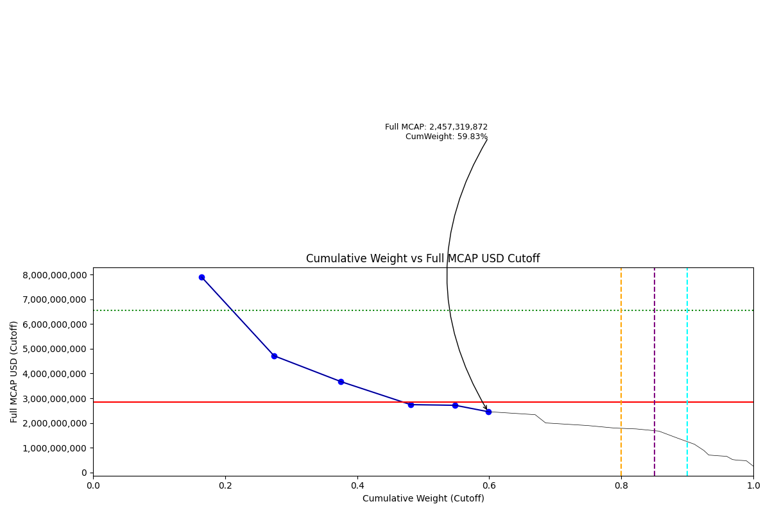
Date | ENTITY_QID | Country | Internal_Number | Instrument_Name | Free_Float_MCAP_USD_Cutoff_Company | Full_MCAP_USD_Cutoff_Company | Weight_Cutoff | CumWeight_Cutoff | Case | Size | Shadow_Company
2021-12-20 | E004YP6K6 | GR | 505160 | OTE | 3,951,127,549.93 | 7,902,255,099.86 | 0.16 | 0.16 | Below - Companies in between Upper and Lower GMSR | Deletion
2021-12-20 | E004YN1BP | GR | 710725 | OPAP | 2,645,383,197.61 | 4,715,478,070.61 | 0.11 | 0.27 | Below - Companies in between Upper and Lower GMSR | Deletion | TRUE
2021-12-20 | E004YR9QE | GR | 565431 | EUROBANK ERGASIAS SRV & HLDG | 2,441,553,625.60 | 3,669,853,638.36 | 0.10 | 0.38 | Below - Companies in between Upper and Lower GMSR | Deletion | TRUE
2021-12-20 | E004YNFGV | GR | 423586 | ALPHA SERVICES AND HOLDINGS | 2,540,340,730.23 | 2,740,980,503.05 | 0.11 | 0.48 | Below - Companies in between Upper and Lower GMSR | Deletion | TRUE
2021-12-20 | E004YRDK6 | GR | 462595 | NATIONAL BANK OF GREECE | 1,618,449,711.85 | 2,715,064,103.08 | 0.07 | 0.55 | Below - Companies in between Upper and Lower GMSR | Deletion | TRUE
2021-12-20 | E004YRBZV | GR | 726829 | PUBLIC POWER | 1,201,137,953.43 | 2,457,319,872.00 | 0.05 | 0.60 | Below - Companies in between Upper and Lower GMSR | Deletion | TRUE

2022-03-21_GR
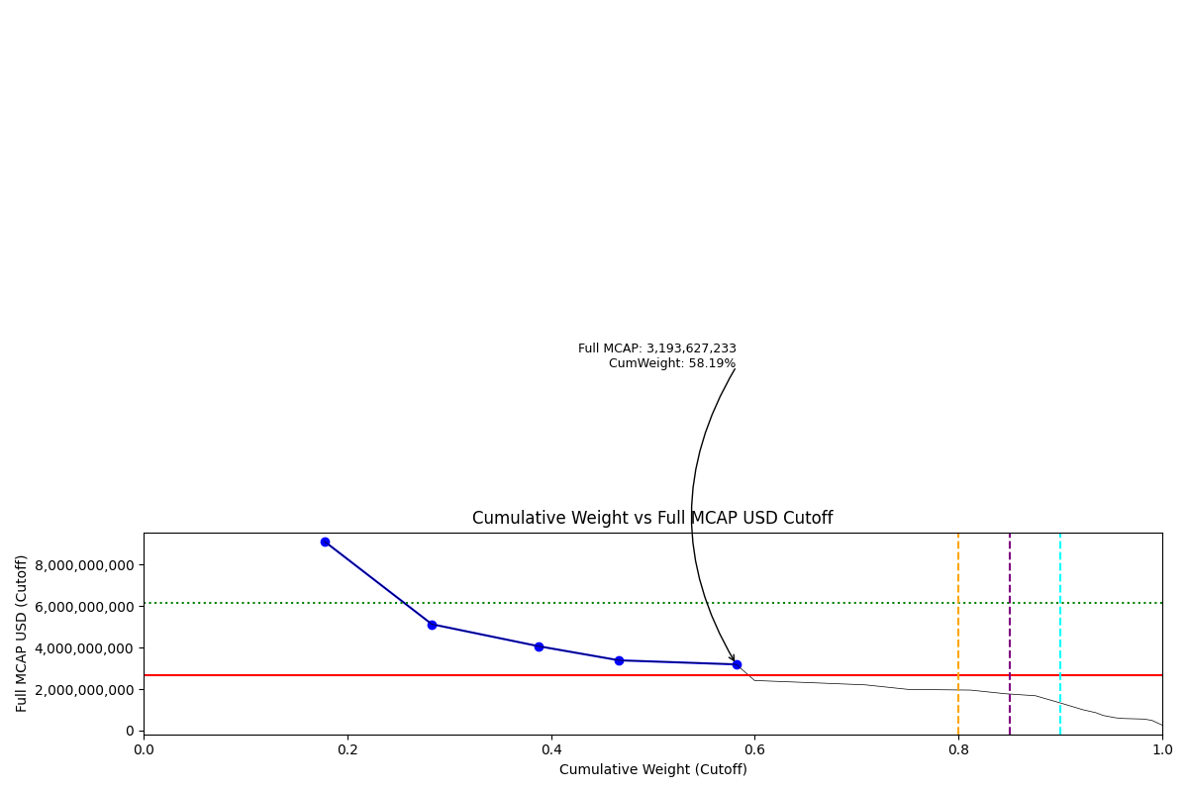
Date | ENTITY_QID | Country | Internal_Number | Instrument_Name | Free_Float_MCAP_USD_Cutoff_Company | Full_MCAP_USD_Cutoff_Company | Weight_Cutoff | CumWeight_Cutoff | Case | Size | Shadow_Company
2022-03-21 | E004YP6K6 | GR | 505160 | OTE | 4,565,783,478.30 | 9,131,566,956.60 | 0.18 | 0.18 | Below - Companies in between Upper and Lower GMSR | Deletion
2022-03-21 | E004YN1BP | GR | 710725 | OPAP | 2,713,526,289.19 | 5,132,449,951.18 | 0.11 | 0.28 | Below - Companies in between Upper and Lower GMSR | Deletion
2022-03-21 | E004YR9QE | GR | 565431 | EUROBANK ERGASIAS SRV & HLDG | 2,705,759,587.91 | 4,066,976,684.07 | 0.11 | 0.39 | Below - Companies in between Upper and Lower GMSR | Deletion
2022-03-21 | E004YRDK6 | GR | 462595 | NATIONAL BANK OF GREECE | 2,021,045,216.77 | 3,390,446,597.50 | 0.08 | 0.47 | Below - Companies in between Upper and Lower GMSR | Deletion
2022-03-21 | E004YNFGV | GR | 423586 | ALPHA SERVICES AND HOLDINGS | 2,959,853,719.91 | 3,193,627,233.40 | 0.12 | 0.58 | Below - Companies in between Upper and Lower GMSR | Deletion

2022-06-20_GR
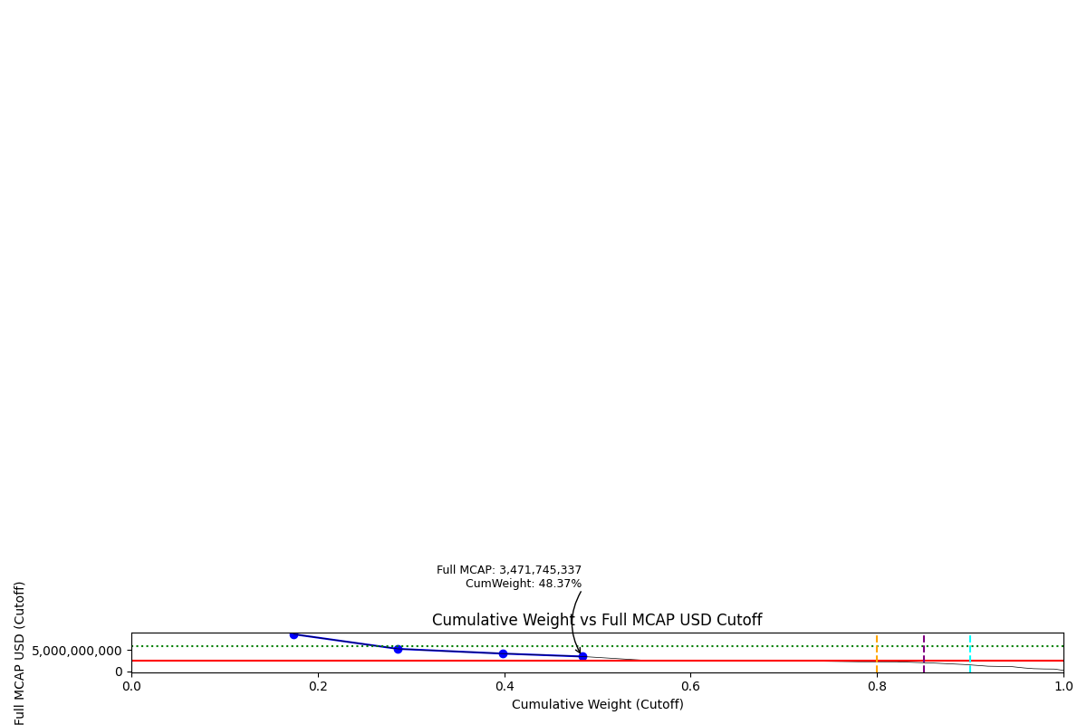
Date | ENTITY_QID | Country | Internal_Number | Instrument_Name | Free_Float_MCAP_USD_Cutoff_Company | Full_MCAP_USD_Cutoff_Company | Weight_Cutoff | CumWeight_Cutoff | Case | Size | Shadow_Company
2022-06-20 | E004YP6K6 | GR | 505160 | OTE | 2,121,870,017.79 | 8,655,394,728.89 | 0.17 | 0.17 | Below - Companies in between Upper and Lower GMSR | Deletion
2022-06-20 | E004YN1BP | GR | 710725 | OPAP | 1,362,736,767.90 | 5,250,382,461.56 | 0.11 | 0.29 | Below - Companies in between Upper and Lower GMSR | Deletion | TRUE
2022-06-20 | E004YR9QE | GR | 565431 | EUROBANK ERGASIAS SRV & HLDG | 1,377,939,693.74 | 4,142,310,818.40 | 0.11 | 0.40 | Below - Companies in between Upper and Lower GMSR | Deletion | TRUE
2022-06-20 | E004YRDK6 | GR | 462595 | NATIONAL BANK OF GREECE | 1,034,753,697.67 | 3,471,745,336.91 | 0.08 | 0.48 | Below - Companies in between Upper and Lower GMSR | Deletion | TRUE

2022-09-19_GR
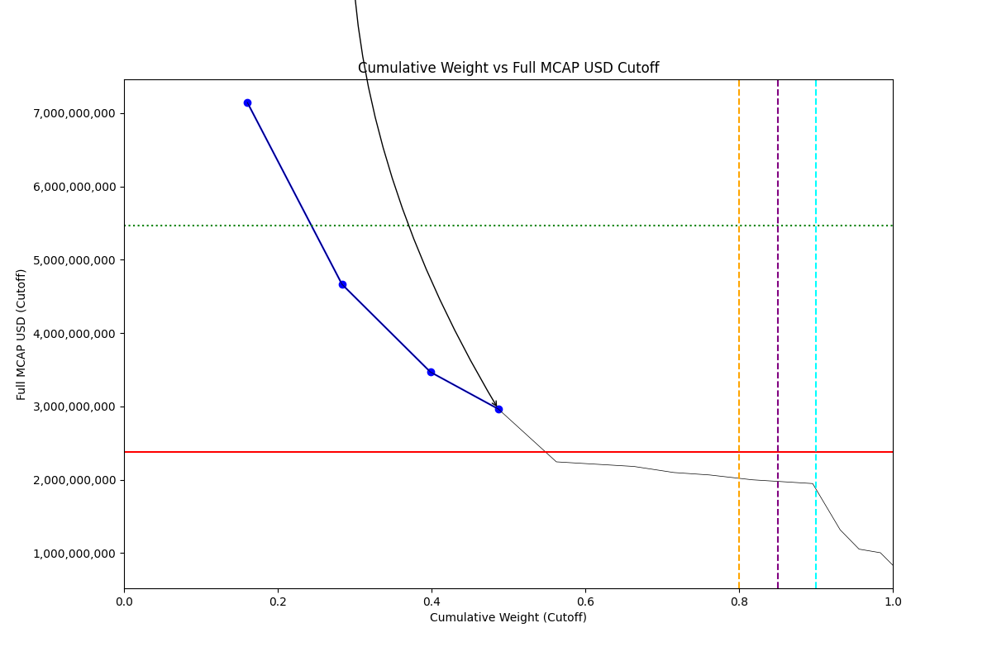
Date | ENTITY_QID | Country | Internal_Number | Instrument_Name | Free_Float_MCAP_USD_Cutoff_Company | Full_MCAP_USD_Cutoff_Company | Weight_Cutoff | CumWeight_Cutoff | Size | Case | Shadow_Company
2022-09-19 | E004YP6K6 | GR | 505160 | OTE | 1,607,921,730.61 | 7,146,318,802.70 | 0.16 | 0.16 | Addition | Above - No Companies in between Upper and Lower GMSR
2022-09-19 | E004YN1BP | GR | 710725 | OPAP | 1,234,107,408.37 | 4,665,812,508.02 | 0.12 | 0.28 | Addition | Above - No Companies in between Upper and Lower GMSR | TRUE
2022-09-19 | E004YR9QE | GR | 565431 | EUROBANK ERGASIAS SRV & HLDG | 1,153,851,532.42 | 3,468,665,361.26 | 0.12 | 0.40 | Addition | Above - No Companies in between Upper and Lower GMSR | TRUE
2022-09-19 | E004YRDK6 | GR | 462595 | NATIONAL BANK OF GREECE | 883,840,103.11 | 2,965,408,834.45 | 0.09 | 0.49 | Addition | Above - No Companies in between Upper and Lower GMSR | TRUE

2022-12-19_GR
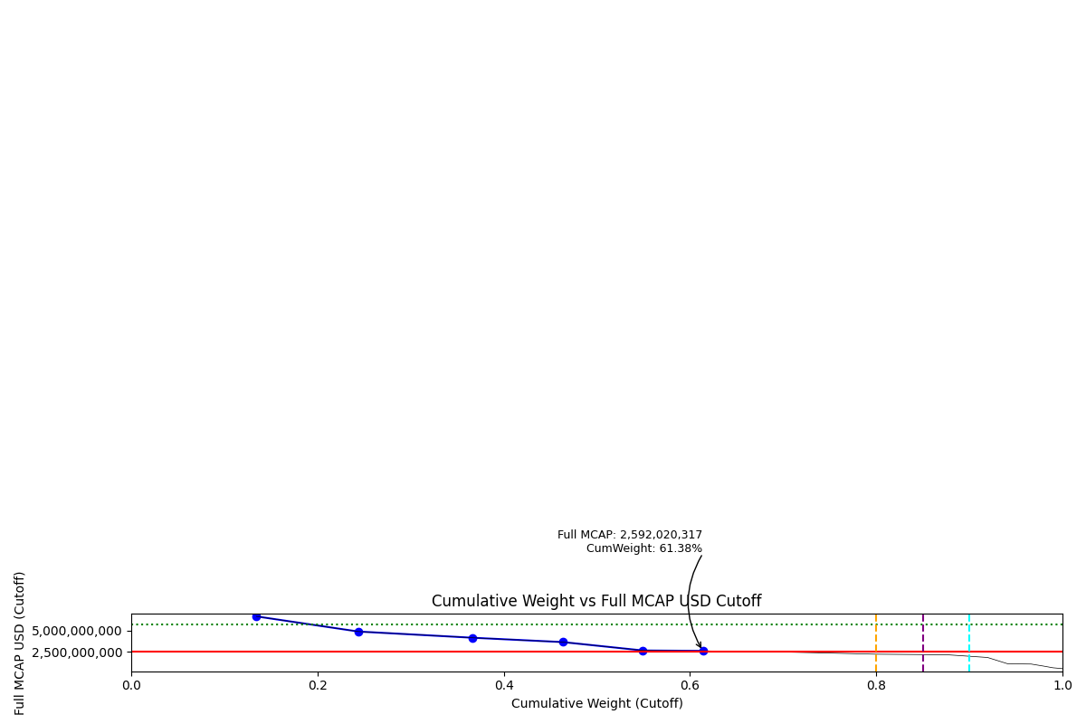
Date | ENTITY_QID | Country | Internal_Number | Instrument_Name | Free_Float_MCAP_USD_Cutoff_Company | Full_MCAP_USD_Cutoff_Company | Weight_Cutoff | CumWeight_Cutoff | Size | Case | Shadow_Company
2022-12-19 | E004YP6K6 | GR | 505160 | OTE | 1,512,032,312.27 | 6,720,143,610.08 | 0.13 | 0.13 | Addition | Above - Companies in between Upper and Lower GMSR
2022-12-19 | E004YN1BP | GR | 710725 | OPAP | 1,230,883,925.13 | 4,907,830,642.46 | 0.11 | 0.24 | Addition | Above - Companies in between Upper and Lower GMSR | TRUE
2022-12-19 | E004YR9QE | GR | 565431 | EUROBANK ERGASIAS SRV & HLDG | 1,384,775,700.34 | 4,162,860,965.99 | 0.12 | 0.37 | Addition | Above - Companies in between Upper and Lower GMSR
2022-12-19 | E004YRDK6 | GR | 462595 | NATIONAL BANK OF GREECE | 1,086,364,558.08 | 3,644,907,089.70 | 0.10 | 0.46 | Addition | Above - Companies in between Upper and Lower GMSR | TRUE
2022-12-19 | E004YNILG | GR | 589866 | MYTILINEOS | 969,478,887.47 | 2,639,474,237.59 | 0.09 | 0.55 | Addition | Above - Companies in between Upper and Lower GMSR | TRUE
2022-12-19 | E004YRBZV | GR | 726829 | PUBLIC POWER | 724,210,476.57 | 2,592,020,317.00 | 0.06 | 0.61 | Addition | Above - Companies in between Upper and Lower GMSR | TRUE

2023-03-20_GR
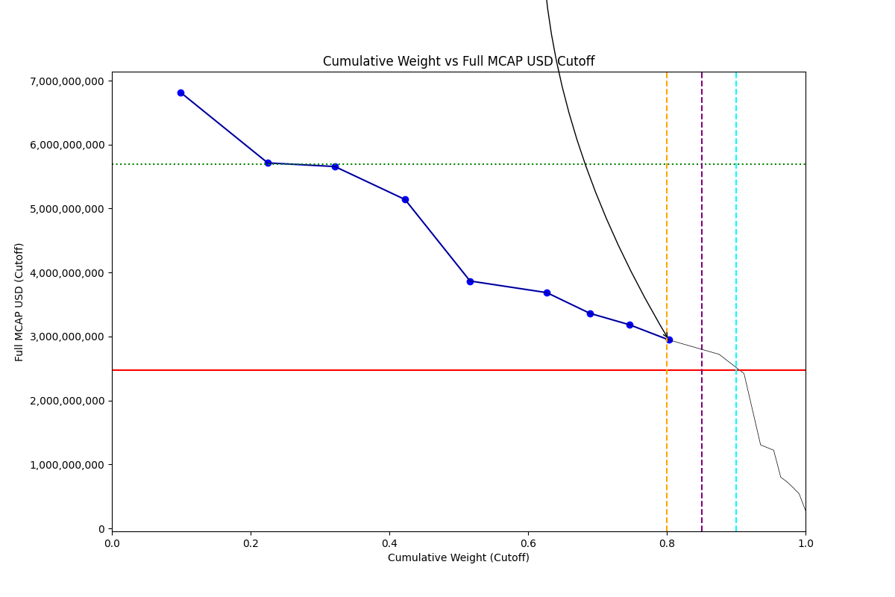
Date | ENTITY_QID | Country | Internal_Number | Instrument_Name | Free_Float_MCAP_USD_Cutoff_Company | Full_MCAP_USD_Cutoff_Company | Weight_Cutoff | CumWeight_Cutoff | Size | Case | Shadow_Company
2023-03-20 | E004YP6K6 | GR | 505160 | OTE | 1,503,753,088.39 | 6,813,561,796.08 | 0.10 | 0.10 | Addition | Above - Companies in between Upper and Lower GMSR
2023-03-20 | E004YR9QE | GR | 565431 | EUROBANK ERGASIAS SRV & HLDG | 1,900,719,493.52 | 5,713,871,917.98 | 0.13 | 0.22 | Addition | Above - Companies in between Upper and Lower GMSR
2023-03-20 | E004YN1BP | GR | 710725 | OPAP | 1,468,159,350.86 | 5,656,556,928.77 | 0.10 | 0.32 | Addition | Above - Companies in between Upper and Lower GMSR | TRUE
2023-03-20 | E004YRDK6 | GR | 462595 | NATIONAL BANK OF GREECE | 1,532,362,594.65 | 5,141,293,724.71 | 0.10 | 0.42 | Addition | Above - Companies in between Upper and Lower GMSR
2023-03-20 | E004YNILG | GR | 589866 | MYTILINEOS | 1,420,422,804.50 | 3,867,200,665.66 | 0.09 | 0.52 | Addition | Above - Companies in between Upper and Lower GMSR | TRUE
2023-03-20 | E004YNFGV | GR | 423586 | ALPHA SERVICES AND HOLDINGS | 1,676,950,750.61 | 3,685,606,045.30 | 0.11 | 0.63 | Addition | Above - Companies in between Upper and Lower GMSR
2023-03-20 | E004YRBZV | GR | 726829 | PUBLIC POWER | 939,460,511.22 | 3,362,421,300.00 | 0.06 | 0.69 | Addition | Above - Companies in between Upper and Lower GMSR | TRUE
2023-03-20 | E004YRANC | GR | 412267 | Piraeus Financial Holdings | 865,664,526.29 | 3,183,760,670.42 | 0.06 | 0.75 | Addition | Above - Companies in between Upper and Lower GMSR | TRUE
2023-03-20 | E004YN28R | GR | 599623 | MOTOR OIL (HELLAS) | 861,418,801.30 | 2,946,532,585.27 | 0.06 | 0.80 | Addition | Above - Companies in between Upper and Lower GMSR | TRUE

2023-06-19_GR
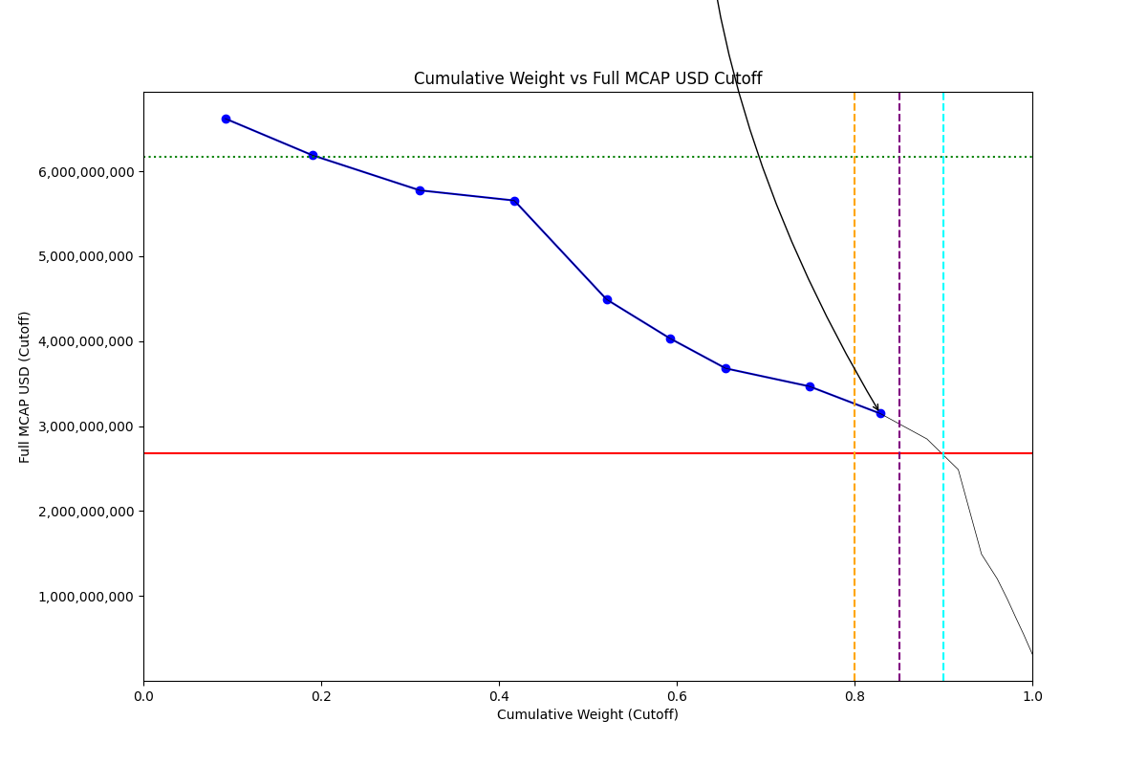
Date | ENTITY_QID | Country | Internal_Number | Instrument_Name | Free_Float_MCAP_USD_Cutoff_Company | Full_MCAP_USD_Cutoff_Company | Weight_Cutoff | CumWeight_Cutoff | Size | Case | Shadow_Company
2023-06-19 | E004YP6K6 | GR | 505160 | OTE | 1,461,158,277.36 | 6,620,563,105.39 | 0.09 | 0.09 | Standard | Inside | TRUE
2023-06-19 | E004YN1BP | GR | 710725 | OPAP | 1,552,450,224.08 | 6,189,992,918.96 | 0.10 | 0.19 | Standard | Inside | TRUE
2023-06-19 | E004YR9QE | GR | 565431 | EUROBANK ERGASIAS SRV & HLDG | 1,921,283,879.02 | 5,775,691,805.27 | 0.12 | 0.31 | Standard | Inside
2023-06-19 | E004YRDK6 | GR | 462595 | NATIONAL BANK OF GREECE | 1,685,780,153.63 | 5,656,031,382.76 | 0.11 | 0.42 | Standard | Inside
2023-06-19 | E004YNILG | GR | 589866 | MYTILINEOS | 1,649,497,705.63 | 4,490,873,143.56 | 0.10 | 0.52 | Standard | Inside
2023-06-19 | E004YRBZV | GR | 726829 | PUBLIC POWER | 1,127,047,416.74 | 4,033,813,231.00 | 0.07 | 0.59 | Standard | Inside | TRUE
2023-06-19 | E004YRANC | GR | 412267 | Piraeus Financial Holdings | 1,000,354,231.65 | 3,679,125,530.18 | 0.06 | 0.66 | Standard | Inside | TRUE
2023-06-19 | E004YNFGV | GR | 423586 | ALPHA SERVICES AND HOLDINGS | 1,488,677,793.61 | 3,468,494,393.31 | 0.09 | 0.75 | Standard | Inside | TRUE
2023-06-19 | E004YOJAI | GR | 724353 | JUMBO | 1,269,135,224.51 | 3,147,656,806.82 | 0.08 | 0.83 | Standard | Inside | TRUE

2023-09-18_GR
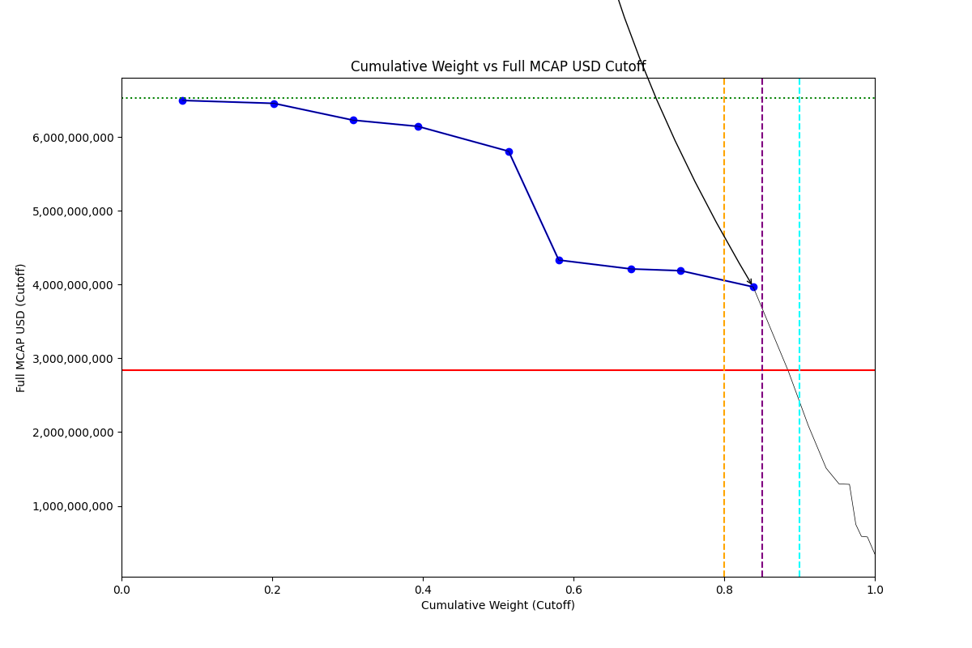
Date | ENTITY_QID | Country | Internal_Number | Instrument_Name | Free_Float_MCAP_USD_Cutoff_Company | Full_MCAP_USD_Cutoff_Company | Weight_Cutoff | CumWeight_Cutoff | Size | Case | Shadow_Company
2023-09-18 | E004YP6K6 | GR | 505160 | OTE | 1,433,524,759.32 | 6,495,354,595.91 | 0.08 | 0.08 | Standard | Inside | TRUE
2023-09-18 | E004YR9QE | GR | 565431 | EUROBANK ERGASIAS SRV & HLDG | 2,147,553,899.14 | 6,455,896,284.79 | 0.12 | 0.20 | Standard | Inside
2023-09-18 | E004YRDK6 | GR | 462595 | NATIONAL BANK OF GREECE | 1,856,475,938.18 | 6,228,739,936.87 | 0.10 | 0.31 | Standard | Inside | TRUE
2023-09-18 | E004YN1BP | GR | 710725 | OPAP | 1,530,475,653.58 | 6,144,021,090.25 | 0.09 | 0.39 | Standard | Inside | TRUE
2023-09-18 | E004YNILG | GR | 589866 | MYTILINEOS | 2,132,710,680.69 | 5,806,454,344.38 | 0.12 | 0.51 | Standard | Inside
2023-09-18 | E004YRANC | GR | 412267 | Piraeus Financial Holdings | 1,177,821,510.25 | 4,331,818,721.02 | 0.07 | 0.58 | Standard | Inside | TRUE
2023-09-18 | E004YOJAI | GR | 724353 | JUMBO | 1,698,124,596.52 | 4,211,618,542.96 | 0.10 | 0.68 | Standard | Inside | TRUE
2023-09-18 | E004YRBZV | GR | 726829 | PUBLIC POWER | 1,169,986,765.18 | 4,187,497,370.00 | 0.07 | 0.74 | Standard | Inside | TRUE
2023-09-18 | E004YNFGV | GR | 423586 | ALPHA SERVICES AND HOLDINGS | 1,703,118,085.53 | 3,968,122,286.89 | 0.10 | 0.84 | Standard | Inside | TRUE

2023-12-18_GR
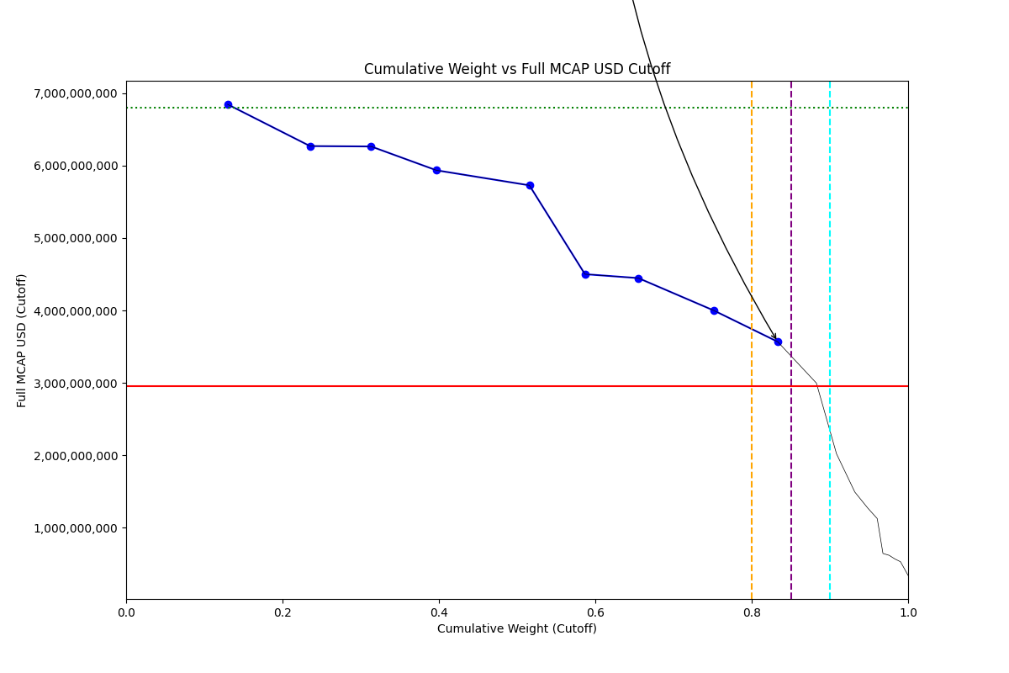
Date | ENTITY_QID | Country | Internal_Number | Instrument_Name | Free_Float_MCAP_USD_Cutoff_Company | Full_MCAP_USD_Cutoff_Company | Weight_Cutoff | CumWeight_Cutoff | Size | Case | Shadow_Company
2023-12-18 | E004YR9QE | GR | 565431 | EUROBANK ERGASIAS SRV & HLDG | 2,295,935,513.98 | 6,846,385,907.20 | 0.13 | 0.13 | Standard | Inside
2023-12-18 | E004YRDK6 | GR | 462595 | NATIONAL BANK OF GREECE | 1,868,690,972.64 | 6,269,723,109.00 | 0.11 | 0.24 | Standard | Inside
2023-12-18 | E004YP6K6 | GR | 505160 | OTE | 1,382,599,442.28 | 6,264,610,069.22 | 0.08 | 0.31 | Standard | Inside | TRUE
2023-12-18 | E004YN1BP | GR | 710725 | OPAP | 1,478,532,854.10 | 5,935,499,213.56 | 0.08 | 0.40 | Standard | Inside | TRUE
2023-12-18 | E004YNILG | GR | 589866 | MYTILINEOS | 2,103,923,773.53 | 5,728,079,971.48 | 0.12 | 0.52 | Standard | Inside
2023-12-18 | E004YRBZV | GR | 726829 | PUBLIC POWER | 1,257,702,939.50 | 4,501,442,160.00 | 0.07 | 0.59 | Standard | Inside | TRUE
2023-12-18 | E004YRANC | GR | 412267 | Piraeus Financial Holdings | 1,209,285,774.45 | 4,447,538,707.07 | 0.07 | 0.66 | Standard | Inside | TRUE
2023-12-18 | E004YNFGV | GR | 423586 | ALPHA SERVICES AND HOLDINGS | 1,715,990,895.52 | 3,998,114,854.43 | 0.10 | 0.75 | Standard | Inside | TRUE
2023-12-18 | E004YOJAI | GR | 724353 | JUMBO | 1,438,961,717.17 | 3,568,853,465.20 | 0.08 | 0.83 | Standard | Inside | TRUE

2024-03-18_GR
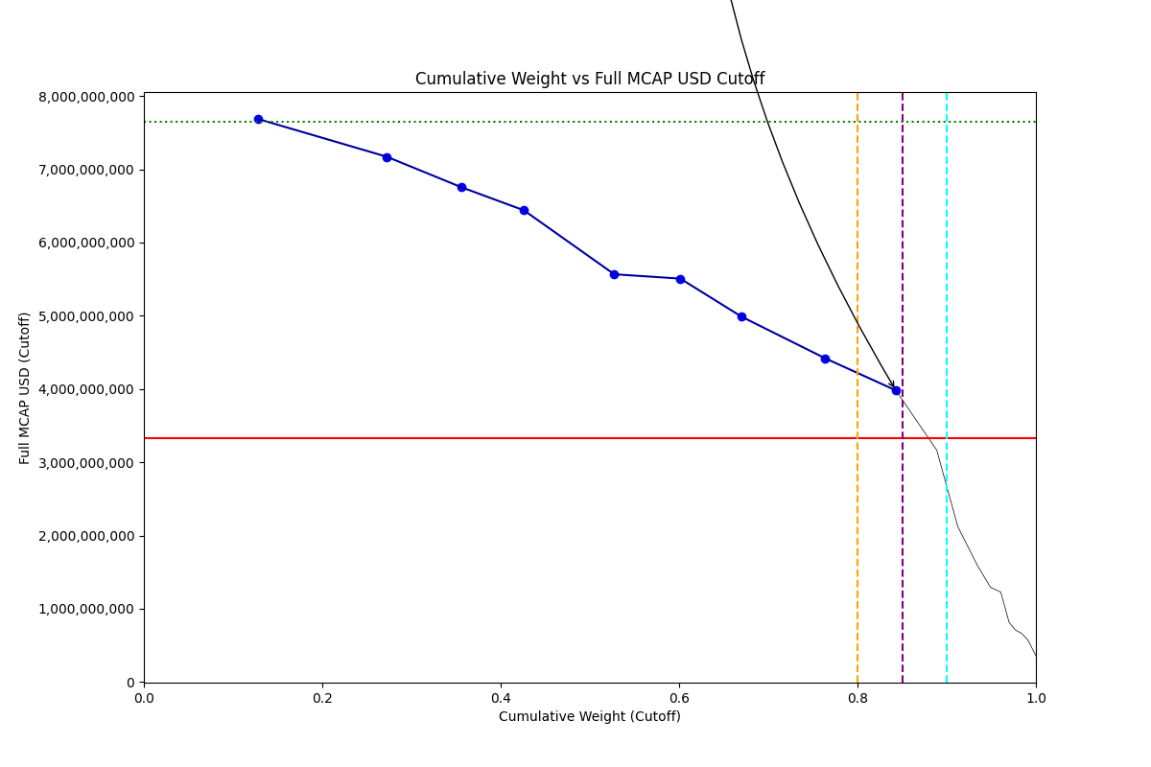
Date | ENTITY_QID | Country | Internal_Number | Instrument_Name | Free_Float_MCAP_USD_Cutoff_Company | Full_MCAP_USD_Cutoff_Company | Weight_Cutoff | CumWeight_Cutoff | Size | Case | Shadow_Company
2024-03-18 | E004YR9QE | GR | 565431 | EUROBANK ERGASIAS SRV & HLDG | 2,578,053,055.63 | 7,687,648,891.09 | 0.13 | 0.13 | Standard | Inside
2024-03-18 | E004YRDK6 | GR | 462595 | NATIONAL BANK OF GREECE | 2,925,938,282.43 | 7,170,538,616.42 | 0.14 | 0.27 | Standard | Inside
2024-03-18 | E004YN1BP | GR | 710725 | OPAP | 1,682,874,133.41 | 6,755,817,476.57 | 0.08 | 0.36 | Standard | Inside | TRUE
2024-03-18 | E004YP6K6 | GR | 505160 | OTE | 1,421,140,799.99 | 6,439,242,410.49 | 0.07 | 0.43 | Standard | Inside | TRUE
2024-03-18 | E004YNILG | GR | 589866 | MYTILINEOS | 2,044,637,198.84 | 5,566,668,115.54 | 0.10 | 0.53 | Standard | Inside
2024-03-18 | E004YRANC | GR | 412267 | Piraeus Financial Holdings | 1,497,368,391.48 | 5,507,055,503.80 | 0.07 | 0.60 | Standard | Inside | TRUE
2024-03-18 | E004YRBZV | GR | 726829 | PUBLIC POWER | 1,392,914,746.75 | 4,985,378,478.00 | 0.07 | 0.67 | Standard | Inside | TRUE
2024-03-18 | E004YNFGV | GR | 423586 | ALPHA SERVICES AND HOLDINGS | 1,883,563,671.18 | 4,420,473,295.43 | 0.09 | 0.76 | Standard | Inside | TRUE
2024-03-18 | E004YOJAI | GR | 724353 | JUMBO | 1,605,256,258.71 | 3,981,290,324.18 | 0.08 | 0.84 | Standard | Inside | TRUE

2024-06-24_GR
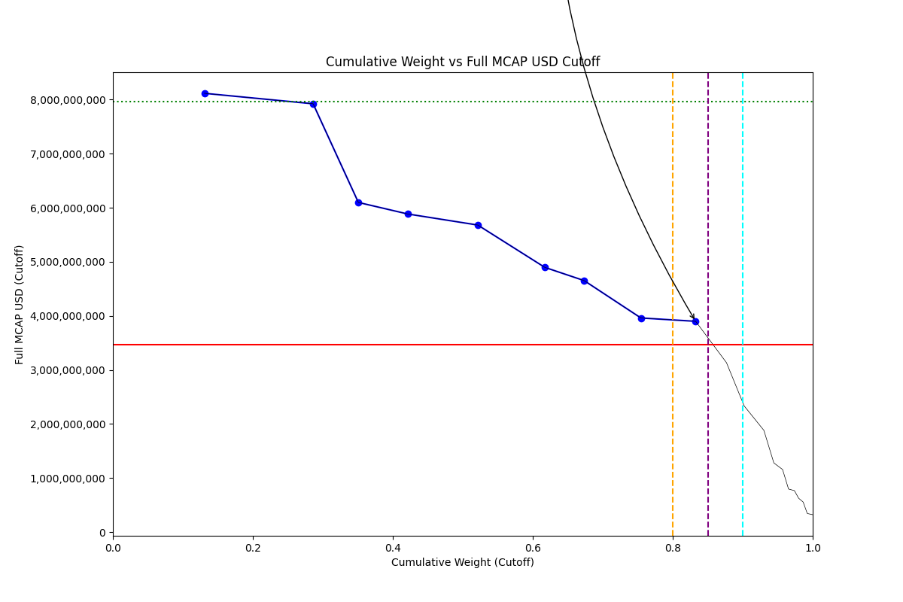
Date | ENTITY_QID | Country | Internal_Number | Instrument_Name | Free_Float_MCAP_USD_Cutoff_Company | Full_MCAP_USD_Cutoff_Company | Weight_Cutoff | CumWeight_Cutoff | Size | Case | Shadow_Company
2024-06-24 | E004YR9QE | GR | 565431 | EUROBANK ERGASIAS SRV & HLDG | 2,722,249,305.43 | 8,117,636,217.17 | 0.13 | 0.13 | Standard | Inside
2024-06-24 | E004YRDK6 | GR | 462595 | NATIONAL BANK OF GREECE | 3,233,493,421.97 | 7,924,257,865.37 | 0.16 | 0.29 | Standard | Inside
2024-06-24 | E004YP6K6 | GR | 505160 | OTE | 1,346,014,721.30 | 6,098,843,322.60 | 0.06 | 0.35 | Standard | Inside | TRUE
2024-06-24 | E004YN1BP | GR | 710725 | OPAP | 1,466,076,215.47 | 5,885,492,635.37 | 0.07 | 0.42 | Standard | Inside | TRUE
2024-06-24 | E004YNILG | GR | 589866 | METLEN ENERGY & METALS | 2,086,481,161.44 | 5,680,591,237.25 | 0.10 | 0.52 | Standard | Inside
2024-06-24 | E004YRANC | GR | 412267 | Piraeus Financial Holdings | 1,992,790,453.25 | 4,897,494,355.50 | 0.10 | 0.62 | Standard | Inside
2024-06-24 | E004YRBZV | GR | 726829 | PUBLIC POWER | 1,170,210,643.54 | 4,652,925,024.00 | 0.06 | 0.67 | Standard | Inside | TRUE
2024-06-24 | E004YNFGV | GR | 423586 | ALPHA SERVICES AND HOLDINGS | 1,688,050,774.85 | 3,961,630,544.12 | 0.08 | 0.75 | Standard | Inside | TRUE
2024-06-24 | E004YOJAI | GR | 724353 | JUMBO | 1,629,580,540.88 | 3,899,450,923.38 | 0.08 | 0.83 | Standard | Inside | TRUE

