2019-03-18_RU
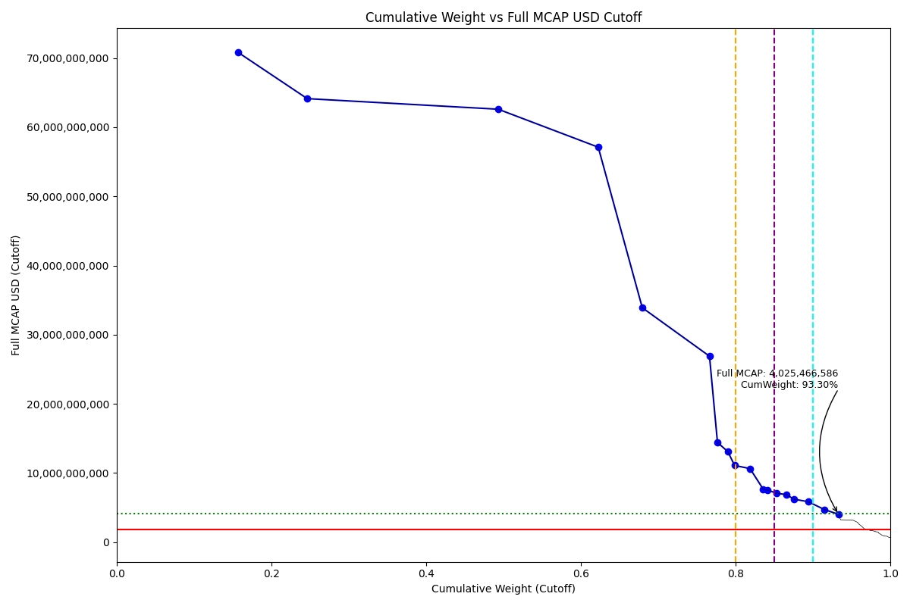
Date | Internal_Number | Instrument_Name | ENTITY_QID | Country | Free_Float_MCAP_USD_Cutoff_Company | Full_MCAP_USD_Cutoff_Company | Weight_Cutoff | CumWeight_Cutoff | Size | Case
2019-03-18 | EV012 | SBERBANK PREF. | E004YMS4V | RU | 35,191,334,877.08 | 70,807,425,056.02 | 0.16 | 0.16 | Standard | Above - Companies in between Upper and Lower GMSR
2019-03-18 | EV021 | ROSNEFT | E004YRDMO | RU | 19,928,257,357.41 | 64,139,869,190.24 | 0.09 | 0.25 | Standard | Above - Companies in between Upper and Lower GMSR
2019-03-18 | EV020 | LUKOIL | E004YN01L | RU | 55,209,615,326.73 | 62,610,133,053.68 | 0.25 | 0.49 | Standard | Above - Companies in between Upper and Lower GMSR
2019-03-18 | EV019 | GAZPROM | E004YOLT9 | RU | 28,936,061,620.77 | 57,118,163,483.55 | 0.13 | 0.62 | Standard | Above - Companies in between Upper and Lower GMSR
2019-03-18 | EV022 | MMC NORILSK NICKEL | E004YRASX | RU | 12,737,374,274.04 | 33,894,024,145.93 | 0.06 | 0.68 | Standard | Above - Companies in between Upper and Lower GMSR
2019-03-18 | EV015 | TATNEFT | E004YP3A5 | RU | 19,428,389,946.38 | 26,887,723,251.48 | 0.09 | 0.77 | Standard | Above - Companies in between Upper and Lower GMSR
2019-03-18 | EV009 | NLMK | E004YMXDH | RU | 2,305,617,604.52 | 14,410,110,028.26 | 0.01 | 0.78 | Standard | Above - Companies in between Upper and Lower GMSR
2019-03-18 | EV013 | SEVERSTAL | E004YRC2B | RU | 3,004,220,868.06 | 13,078,889,281.94 | 0.01 | 0.79 | Standard | Above - Companies in between Upper and Lower GMSR
2019-03-18 | EV010 | POLYUS | E004YP510 | RU | 1,946,854,992.86 | 11,086,873,535.65 | 0.01 | 0.80 | Standard | Above - Companies in between Upper and Lower GMSR
2019-03-18 | RU501R | ALROSA | E004YOI32 | RU | 4,460,996,977.45 | 10,629,013,527.40 | 0.02 | 0.82 | Standard | Above - Companies in between Upper and Lower GMSR
2019-03-18 | 715033 | MTS | E004YRA44 | RU | 3,784,109,755.63 | 7,672,566,414.49 | 0.02 | 0.84 | Standard | Above - Companies in between Upper and Lower GMSR
2019-03-18 | EV048 | MMK | E004YRAMH | RU | 1,187,757,961.50 | 7,546,111,572.40 | 0.01 | 0.84 | Standard | Above - Companies in between Upper and Lower GMSR
2019-03-18 | EV017 | VTB BANK | E004YR98B | RU | 2,758,688,851.17 | 7,060,887,768.54 | 0.01 | 0.85 | Standard | Above - Companies in between Upper and Lower GMSR
2019-03-18 | NL0019 | X5 RETAIL GROUP NV GDR | E004YRDKM | RU | 2,797,100,099.64 | 6,870,793,661.60 | 0.01 | 0.87 | Standard | Above - Companies in between Upper and Lower GMSR
2019-03-18 | EV060 | INTER RAO UES | E004YN76G | RU | 2,170,911,042.81 | 6,202,602,979.46 | 0.01 | 0.88 | Standard | Above - Companies in between Upper and Lower GMSR
2019-03-18 | EV050 | MAGNIT | E004YOEEN | RU | 4,145,372,667.26 | 5,845,963,428.65 | 0.02 | 0.89 | Standard | Above - Companies in between Upper and Lower GMSR
2019-03-18 | 50058A | SURGUTNEFTEGAS PREF. | E004YOSHE | RU | 4,695,707,306.40 | 4,695,707,306.40 | 0.02 | 0.91 | Standard | Above - Companies in between Upper and Lower GMSR
2019-03-18 | EV059 | TRANSNEFT PFD. | E004YQGYG | RU | 4,025,466,585.66 | 4,025,466,585.66 | 0.02 | 0.93 | Standard | Above - Companies in between Upper and Lower GMSR

2019-06-24_RU
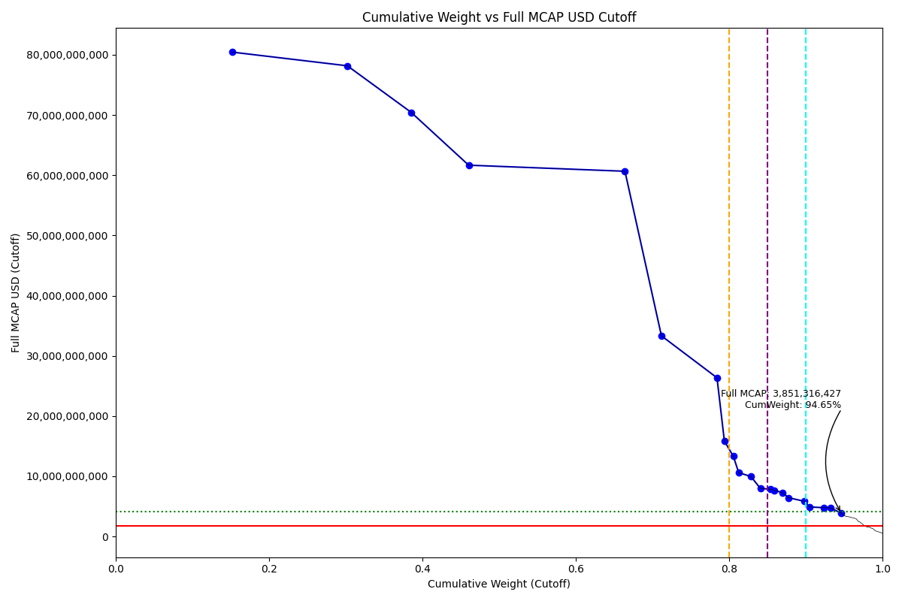
Date | ENTITY_QID | Country | Internal_Number | Instrument_Name | Free_Float_MCAP_USD_Cutoff_Company | Full_MCAP_USD_Cutoff_Company | Weight_Cutoff | CumWeight_Cutoff | Size | Case | Shadow_Company
2019-06-24 | E004YMS4V | RU | EV023 | SBERBANK | 40,008,048,839.82 | 80,447,640,808.03 | 0.15 | 0.15 | Standard | Above - Companies in between Upper and Lower GMSR
2019-06-24 | E004YOLT9 | RU | EV019 | GAZPROM | 39,601,629,359.32 | 78,171,396,287.65 | 0.15 | 0.30 | Standard | Above - Companies in between Upper and Lower GMSR
2019-06-24 | E004YRDMO | RU | EV021 | ROSNEFT | 21,887,950,757.54 | 70,447,218,402.12 | 0.08 | 0.39 | Standard | Above - Companies in between Upper and Lower GMSR
2019-06-24 | E004YQI1N | RU | B058LB | NOVATEK | 19,764,151,184.61 | 61,666,618,360.72 | 0.08 | 0.46 | Standard | Above - Companies in between Upper and Lower GMSR
2019-06-24 | E004YN01L | RU | EV020 | LUKOIL | 53,670,805,494.64 | 60,658,686,137.70 | 0.20 | 0.66 | Standard | Above - Companies in between Upper and Lower GMSR
2019-06-24 | E004YRASX | RU | EV022 | MMC NORILSK NICKEL | 12,533,437,119.39 | 33,324,746,395.63 | 0.05 | 0.71 | Standard | Above - Companies in between Upper and Lower GMSR
2019-06-24 | E004YP3A5 | RU | EV015 | TATNEFT | 19,080,035,111.26 | 26,357,450,545.98 | 0.07 | 0.78 | Standard | Above - Companies in between Upper and Lower GMSR
2019-06-24 | E004YMXDH | RU | EV009 | NLMK | 2,536,653,599.74 | 15,854,084,998.40 | 0.01 | 0.79 | Standard | Above - Companies in between Upper and Lower GMSR
2019-06-24 | E004YRC2B | RU | EV013 | SEVERSTAL | 3,061,479,392.07 | 13,328,164,527.95 | 0.01 | 0.81 | Standard | Above - Companies in between Upper and Lower GMSR
2019-06-24 | E004YP510 | RU | EV010 | POLYUS | 1,861,580,643.44 | 10,601,256,511.64 | 0.01 | 0.81 | Standard | Above - Companies in between Upper and Lower GMSR | TRUE
2019-06-24 | E004YOI32 | RU | RU501R | ALROSA | 4,182,893,062.83 | 9,966,388,045.81 | 0.02 | 0.83 | Standard | Above - Companies in between Upper and Lower GMSR
2019-06-24 | E004YRDKM | RU | NL0019 | X5 RETAIL GROUP NV GDR | 3,252,596,242.35 | 7,989,673,894.24 | 0.01 | 0.84 | Standard | Above - Companies in between Upper and Lower GMSR
2019-06-24 | E004YRA44 | RU | 715033 | MTS | 3,480,305,218.38 | 7,847,362,386.42 | 0.01 | 0.85 | Standard | Above - Companies in between Upper and Lower GMSR
2019-06-24 | E004YRAMH | RU | EV048 | MMK | 1,205,705,011.42 | 7,660,133,490.57 | 0.00 | 0.86 | Standard | Above - Companies in between Upper and Lower GMSR | TRUE
2019-06-24 | E004YR98B | RU | EV017 | VTB BANK | 2,853,228,364.13 | 7,302,862,462.58 | 0.01 | 0.87 | Standard | Above - Companies in between Upper and Lower GMSR
2019-06-24 | E004YN76G | RU | EV060 | INTER RAO UES | 2,170,539,514.71 | 6,433,134,305.59 | 0.01 | 0.88 | Standard | Above - Companies in between Upper and Lower GMSR
2019-06-24 | E004YOEEN | RU | EV050 | MAGNIT | 5,397,247,058.31 | 5,848,772,278.19 | 0.02 | 0.90 | Standard | Above - Companies in between Upper and Lower GMSR
2019-06-24 | E004YQWXO | RU | RU201O | PHOSAGRO | 1,815,599,026.38 | 4,908,350,976.96 | 0.01 | 0.91 | Standard | Above - Companies in between Upper and Lower GMSR | TRUE
2019-06-24 | E004YOSHE | RU | 50058A | SURGUTNEFTEGAS PREF. | 4,784,402,526.03 | 4,784,402,526.03 | 0.02 | 0.92 | Addition | Above - Companies in between Upper and Lower GMSR
2019-06-24 | E004YS8HL | RU | RU10DZ | MAIL RU GROUP GDR | 2,288,729,437.82 | 4,768,186,328.78 | 0.01 | 0.93 | Addition | Above - Companies in between Upper and Lower GMSR
2019-06-24 | E004YQGYG | RU | EV059 | TRANSNEFT PFD. | 3,851,316,427.33 | 3,851,316,427.33 | 0.01 | 0.95 | Addition | Above - Companies in between Upper and Lower GMSR

2019-09-23_RU
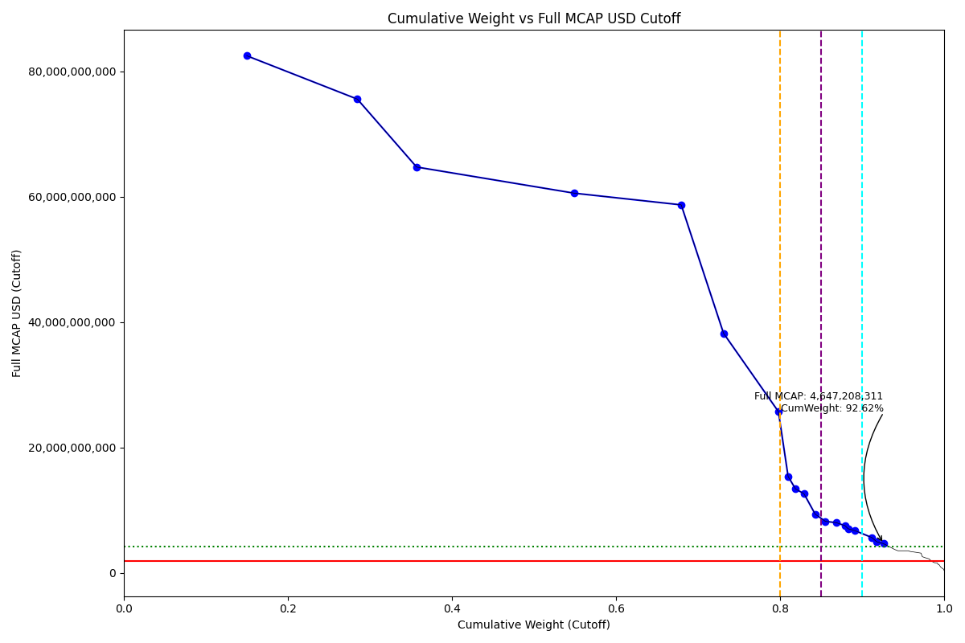
Date | ENTITY_QID | Country | Internal_Number | Instrument_Name | Free_Float_MCAP_USD_Cutoff_Company | Full_MCAP_USD_Cutoff_Company | Weight_Cutoff | CumWeight_Cutoff | Case | Size | Shadow_Company
2019-09-23 | E004YOLT9 | RU | EV019 | GAZPROM | 41,797,321,603.83 | 82,505,569,687.77 | 0.15 | 0.15 | Below - Companies in between Upper and Lower GMSR | Deletion
2019-09-23 | E004YMS4V | RU | EV023 | SBERBANK | 37,568,736,786.23 | 75,582,989,793.83 | 0.13 | 0.28 | Below - Companies in between Upper and Lower GMSR | Deletion
2019-09-23 | E004YRDMO | RU | EV021 | ROSNEFT | 20,117,100,236.93 | 64,747,667,321.95 | 0.07 | 0.36 | Below - Companies in between Upper and Lower GMSR | Deletion
2019-09-23 | E004YN01L | RU | EV020 | LUKOIL | 53,592,024,230.00 | 60,569,647,637.89 | 0.19 | 0.55 | Below - Companies in between Upper and Lower GMSR | Deletion
2019-09-23 | E004YQI1N | RU | B058LB | NOVATEK | 36,277,008,598.90 | 58,710,161,189.34 | 0.13 | 0.68 | Below - Companies in between Upper and Lower GMSR | Deletion
2019-09-23 | E004YRASX | RU | EV022 | MMC NORILSK NICKEL | 14,374,361,608.59 | 38,219,520,363.17 | 0.05 | 0.73 | Below - Companies in between Upper and Lower GMSR | Deletion
2019-09-23 | E004YP3A5 | RU | EV015 | TATNEFT | 18,645,685,866.58 | 25,711,134,519.69 | 0.07 | 0.80 | Below - Companies in between Upper and Lower GMSR | Deletion
2019-09-23 | E004YP510 | RU | EV010 | POLYUS | 3,288,954,409.55 | 15,368,945,839.02 | 0.01 | 0.81 | Below - Companies in between Upper and Lower GMSR | Deletion
2019-09-23 | E004YMXDH | RU | EV009 | NLMK | 2,490,836,506.62 | 13,391,594,121.64 | 0.01 | 0.82 | Below - Companies in between Upper and Lower GMSR | Deletion
2019-09-23 | E004YRC2B | RU | EV013 | SEVERSTAL | 2,896,845,823.95 | 12,611,431,536.57 | 0.01 | 0.83 | Below - Companies in between Upper and Lower GMSR | Deletion
2019-09-23 | E004YRDKM | RU | NL0019 | X5 RETAIL GROUP NV GDR | 3,805,382,823.30 | 9,347,538,254.24 | 0.01 | 0.84 | Below - Companies in between Upper and Lower GMSR | Deletion
2019-09-23 | E004YOI32 | RU | RU501R | ALROSA | 3,446,009,818.34 | 8,210,650,031.79 | 0.01 | 0.86 | Below - Companies in between Upper and Lower GMSR | Deletion
2019-09-23 | E004YRA44 | RU | 715033 | MTS | 3,699,678,458.98 | 7,990,666,218.10 | 0.01 | 0.87 | Below - Companies in between Upper and Lower GMSR | Deletion
2019-09-23 | E004YR98B | RU | EV017 | VTB BANK | 2,940,389,682.19 | 7,525,952,603.51 | 0.01 | 0.88 | Below - Companies in between Upper and Lower GMSR | Deletion
2019-09-23 | E004YRAMH | RU | EV048 | MMK | 1,104,764,648.12 | 7,018,835,121.49 | 0.00 | 0.88 | Below - Companies in between Upper and Lower GMSR | Deletion | TRUE
2019-09-23 | E004YN76G | RU | EV060 | INTER RAO UES | 2,302,201,957.18 | 6,723,720,669.32 | 0.01 | 0.89 | Below - Companies in between Upper and Lower GMSR | Deletion
2019-09-23 | E004YOEEN | RU | EV050 | MAGNIT | 5,645,479,231.20 | 5,645,479,231.20 | 0.02 | 0.91 | Below - Companies in between Upper and Lower GMSR | Deletion
2019-09-23 | E004YQWXO | RU | RU201O | PHOSAGRO | 1,751,593,481.68 | 4,953,601,475.35 | 0.01 | 0.92 | Below - Companies in between Upper and Lower GMSR | Deletion | TRUE
2019-09-23 | E004YS8HL | RU | RU10DZ | MAIL RU GROUP GDR | 2,323,604,155.51 | 4,647,208,311.02 | 0.01 | 0.93 | Below - Companies in between Upper and Lower GMSR | Deletion

2019-12-23_RU
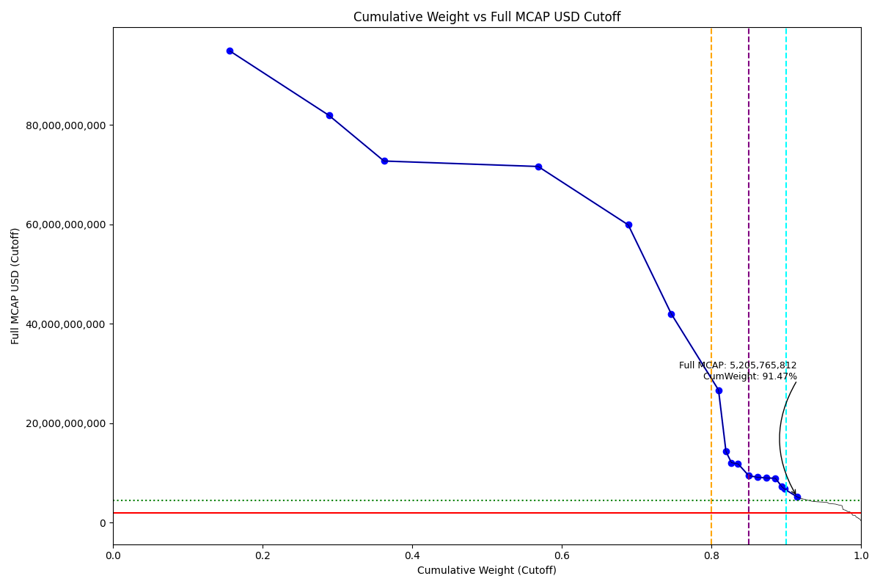
Date | ENTITY_QID | Country | Internal_Number | Instrument_Name | Free_Float_MCAP_USD_Cutoff_Company | Full_MCAP_USD_Cutoff_Company | Weight_Cutoff | CumWeight_Cutoff | Case | Size | Shadow_Company
2019-12-23 | E004YOLT9 | RU | EV019 | GAZPROM | 48,057,785,259.62 | 94,863,373,982.67 | 0.16 | 0.16 | Below - Companies in between Upper and Lower GMSR | Deletion
2019-12-23 | E004YMS4V | RU | EV023 | SBERBANK | 40,777,542,089.44 | 81,895,248,908.06 | 0.13 | 0.29 | Below - Companies in between Upper and Lower GMSR | Deletion
2019-12-23 | E004YRDMO | RU | EV021 | ROSNEFT | 22,594,472,825.80 | 72,721,187,080.13 | 0.07 | 0.36 | Below - Companies in between Upper and Lower GMSR | Deletion
2019-12-23 | E004YN01L | RU | EV020 | LUKOIL | 63,370,779,715.02 | 71,621,586,477.19 | 0.21 | 0.57 | Below - Companies in between Upper and Lower GMSR | Deletion
2019-12-23 | E004YQI1N | RU | B058LB | NOVATEK | 37,003,016,703.91 | 59,885,121,708.87 | 0.12 | 0.69 | Below - Companies in between Upper and Lower GMSR | Deletion
2019-12-23 | E004YRASX | RU | EV022 | MMC NORILSK NICKEL | 17,711,584,129.15 | 41,970,578,505.10 | 0.06 | 0.75 | Below - Companies in between Upper and Lower GMSR | Deletion
2019-12-23 | E004YP3A5 | RU | EV015 | TATNEFT | 19,386,000,598.43 | 26,682,225,118.34 | 0.06 | 0.81 | Below - Companies in between Upper and Lower GMSR | Deletion
2019-12-23 | E004YP510 | RU | EV010 | POLYUS | 3,064,553,732.67 | 14,320,344,545.19 | 0.01 | 0.82 | Below - Companies in between Upper and Lower GMSR | Deletion
2019-12-23 | E004YMXDH | RU | EV009 | NLMK | 2,244,741,070.98 | 12,068,500,381.62 | 0.01 | 0.83 | Below - Companies in between Upper and Lower GMSR | Deletion | TRUE
2019-12-23 | E004YRC2B | RU | EV013 | SEVERSTAL | 2,719,726,484.90 | 11,835,189,229.33 | 0.01 | 0.84 | Below - Companies in between Upper and Lower GMSR | Deletion
2019-12-23 | E004YRA44 | RU | 715033 | MTS | 4,383,670,200.00 | 9,467,970,194.39 | 0.01 | 0.85 | Below - Companies in between Upper and Lower GMSR | Deletion
2019-12-23 | E004YR98B | RU | EV017 | VTB BANK | 3,571,440,671.86 | 9,141,133,022.43 | 0.01 | 0.86 | Below - Companies in between Upper and Lower GMSR | Deletion
2019-12-23 | E004YRDKM | RU | NL0019 | X5 RETAIL GROUP NV GDR | 3,670,502,897.55 | 9,016,219,350.40 | 0.01 | 0.87 | Below - Companies in between Upper and Lower GMSR | Deletion
2019-12-23 | E004YOI32 | RU | RU501R | ALROSA | 3,746,608,547.56 | 8,926,872,879.58 | 0.01 | 0.89 | Below - Companies in between Upper and Lower GMSR | Deletion
2019-12-23 | E004YN76G | RU | EV060 | INTER RAO UES | 2,620,151,141.06 | 7,243,989,884.05 | 0.01 | 0.89 | Below - Companies in between Upper and Lower GMSR | Deletion
2019-12-23 | E004YRAMH | RU | EV048 | MMK | 1,066,878,412.54 | 6,778,134,768.39 | 0.00 | 0.90 | Below - Companies in between Upper and Lower GMSR | Deletion | TRUE
2019-12-23 | E004YOEEN | RU | EV050 | MAGNIT | 5,205,765,811.97 | 5,205,765,811.97 | 0.02 | 0.91 | Below - Companies in between Upper and Lower GMSR | Deletion

2020-03-23_RU
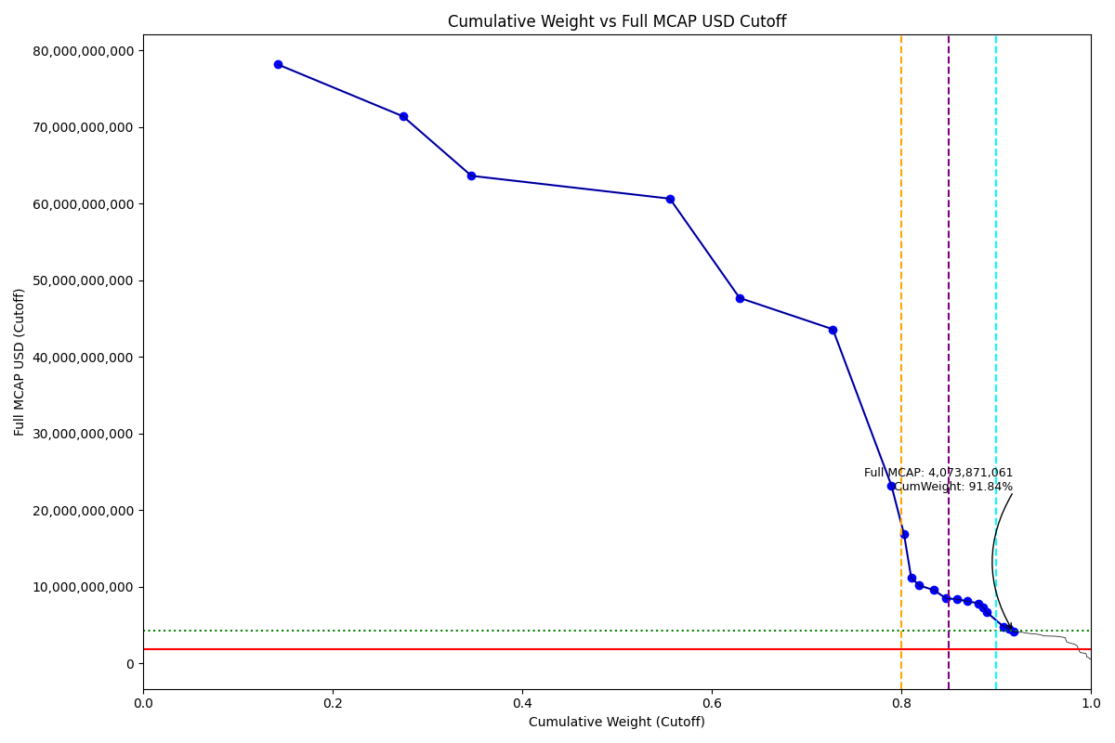
Date | ENTITY_QID | Country | Internal_Number | Instrument_Name | Free_Float_MCAP_USD_Cutoff_Company | Full_MCAP_USD_Cutoff_Company | Weight_Cutoff | CumWeight_Cutoff | Size | Case | Shadow_Company
2020-03-23 | E004YMS4V | RU | EV012 | SBERBANK PREF. | 38,944,320,562.74 | 78,165,300,347.11 | 0.14 | 0.14 | Standard | Above - Companies in between Upper and Lower GMSR
2020-03-23 | E004YOLT9 | RU | EV019 | GAZPROM | 36,166,588,331.54 | 71,390,817,867.23 | 0.13 | 0.27 | Standard | Above - Companies in between Upper and Lower GMSR
2020-03-23 | E004YRDMO | RU | EV021 | ROSNEFT | 19,767,028,609.16 | 63,620,948,211.00 | 0.07 | 0.35 | Standard | Above - Companies in between Upper and Lower GMSR
2020-03-23 | E004YN01L | RU | EV020 | LUKOIL | 57,294,868,399.72 | 60,642,324,724.52 | 0.21 | 0.56 | Standard | Above - Companies in between Upper and Lower GMSR
2020-03-23 | E004YRASX | RU | EV022 | MMC NORILSK NICKEL | 20,123,421,475.76 | 47,685,832,880.94 | 0.07 | 0.63 | Standard | Above - Companies in between Upper and Lower GMSR
2020-03-23 | E004YQI1N | RU | B058LB | NOVATEK | 26,936,059,929.00 | 43,592,911,359.44 | 0.10 | 0.73 | Standard | Above - Companies in between Upper and Lower GMSR
2020-03-23 | E004YP3A5 | RU | EV075 | TATNEFT PREF | 16,894,844,954.19 | 23,224,562,644.81 | 0.06 | 0.79 | Standard | Above - Companies in between Upper and Lower GMSR
2020-03-23 | E004YP510 | RU | EV010 | POLYUS | 3,668,972,115.57 | 16,822,430,607.83 | 0.01 | 0.80 | Standard | Above - Companies in between Upper and Lower GMSR
2020-03-23 | E004YMXDH | RU | EV009 | NLMK | 2,072,565,346.53 | 11,142,824,443.70 | 0.01 | 0.81 | Standard | Above - Companies in between Upper and Lower GMSR
2020-03-23 | E004YRC2B | RU | EV013 | SEVERSTAL | 2,333,595,944.16 | 10,154,899,669.97 | 0.01 | 0.82 | Standard | Above - Companies in between Upper and Lower GMSR
2020-03-23 | E004YRA44 | RU | 715033 | MTS | 4,264,179,444.57 | 9,531,022,450.99 | 0.02 | 0.83 | Standard | Above - Companies in between Upper and Lower GMSR
2020-03-23 | E004YRDKM | RU | NL0019 | X5 RETAIL GROUP NV GDR | 3,443,860,399.36 | 8,459,494,962.80 | 0.01 | 0.85 | Standard | Above - Companies in between Upper and Lower GMSR
2020-03-23 | E004YR98B | RU | EV017 | VTB BANK | 3,265,038,327.10 | 8,356,893,593.82 | 0.01 | 0.86 | Standard | Above - Companies in between Upper and Lower GMSR
2020-03-23 | E004YN76G | RU | EV060 | INTER RAO UES | 2,924,282,579.90 | 8,084,828,808.13 | 0.01 | 0.87 | Standard | Above - Companies in between Upper and Lower GMSR
2020-03-23 | E004YOI32 | RU | RU501R | ALROSA | 3,283,825,851.52 | 7,824,221,709.60 | 0.01 | 0.88 | Standard | Above - Companies in between Upper and Lower GMSR
2020-03-23 | E004YR9O7 | RU | HK00OP | UNITED COMPANY RUSAL | 1,246,162,016.74 | 7,330,364,804.34 | 0.00 | 0.89 | Standard | Above - Companies in between Upper and Lower GMSR | TRUE
2020-03-23 | E004YRAMH | RU | EV048 | MMK | 1,046,541,278.98 | 6,648,928,074.87 | 0.00 | 0.89 | Standard | Above - Companies in between Upper and Lower GMSR | TRUE
2020-03-23 | E004YOEEN | RU | EV050 | MAGNIT | 4,793,043,962.78 | 4,793,043,962.78 | 0.02 | 0.91 | Addition | Above - Companies in between Upper and Lower GMSR
2020-03-23 | E004YQWXO | RU | RU201O | PHOSAGRO | 1,578,850,832.28 | 4,465,075,883.13 | 0.01 | 0.91 | Addition | Above - Companies in between Upper and Lower GMSR | TRUE
2020-03-23 | E004YQ00O | RU | EV005 | RUSHYDRO | 1,338,266,643.46 | 4,073,871,060.76 | 0.00 | 0.92 | Addition | Above - Companies in between Upper and Lower GMSR | TRUE

2020-06-22_RU
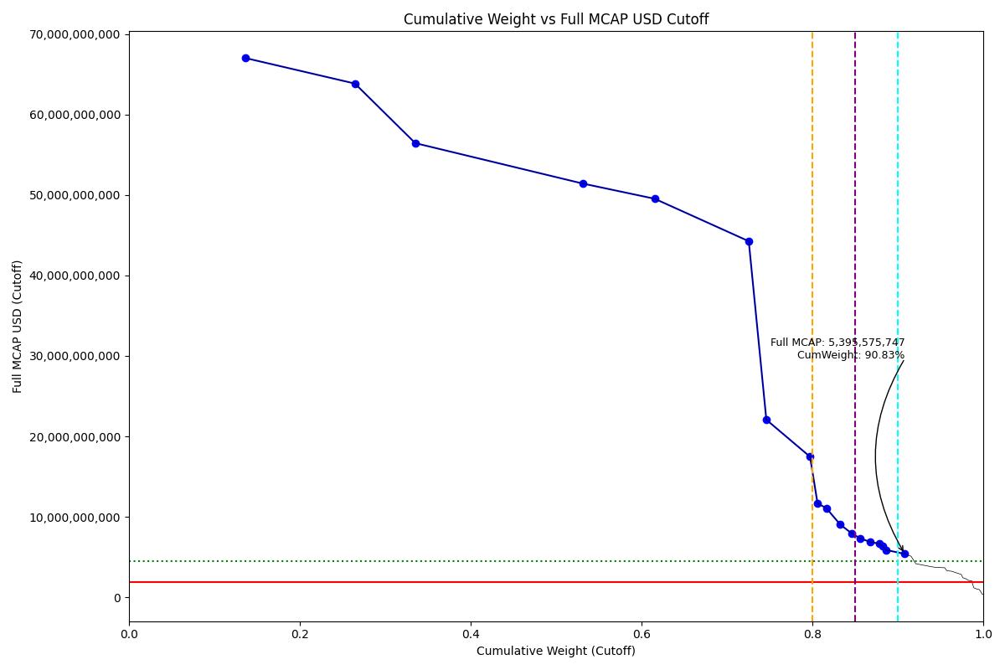
Date | ENTITY_QID | Country | Internal_Number | Instrument_Name | Free_Float_MCAP_USD_Cutoff_Company | Full_MCAP_USD_Cutoff_Company | Weight_Cutoff | CumWeight_Cutoff | Case | Size | Shadow_Company
2020-06-22 | E004YOLT9 | RU | EV019 | GAZPROM | 33,946,336,903.32 | 67,008,166,015.24 | 0.14 | 0.14 | Below - Companies in between Upper and Lower GMSR | Deletion
2020-06-22 | E004YMS4V | RU | EV012 | SBERBANK PREF. | 31,784,375,053.87 | 63,840,939,271.89 | 0.13 | 0.26 | Below - Companies in between Upper and Lower GMSR | Deletion
2020-06-22 | E004YRDMO | RU | EV021 | ROSNEFT | 17,536,174,647.03 | 56,440,858,213.80 | 0.07 | 0.34 | Below - Companies in between Upper and Lower GMSR | Deletion
2020-06-22 | E004YN01L | RU | EV020 | LUKOIL | 48,653,501,352.94 | 51,419,891,516.53 | 0.20 | 0.53 | Below - Companies in between Upper and Lower GMSR | Deletion
2020-06-22 | E004YRASX | RU | EV022 | MMC NORILSK NICKEL | 20,931,153,087.22 | 49,529,467,788.03 | 0.08 | 0.62 | Below - Companies in between Upper and Lower GMSR | Deletion
2020-06-22 | E004YQI1N | RU | B058LB | NOVATEK | 27,344,871,233.42 | 44,254,525,381.82 | 0.11 | 0.73 | Below - Companies in between Upper and Lower GMSR | Deletion
2020-06-22 | E004YP510 | RU | EV010 | POLYUS | 5,111,456,925.37 | 22,070,193,978.27 | 0.02 | 0.75 | Below - Companies in between Upper and Lower GMSR | Deletion
2020-06-22 | E004YP3A5 | RU | EV075 | TATNEFT PREF | 12,700,931,070.33 | 17,470,683,735.81 | 0.05 | 0.80 | Below - Companies in between Upper and Lower GMSR | Deletion
2020-06-22 | E004YMXDH | RU | EV009 | NLMK | 2,173,904,386.39 | 11,687,657,991.32 | 0.01 | 0.81 | Below - Companies in between Upper and Lower GMSR | Deletion | TRUE
2020-06-22 | E004YRC2B | RU | EV013 | SEVERSTAL | 2,545,825,176.11 | 11,083,261,541.61 | 0.01 | 0.82 | Below - Companies in between Upper and Lower GMSR | Deletion
2020-06-22 | E004YRA44 | RU | 715033 | MTS | 4,050,120,929.58 | 9,052,572,484.54 | 0.02 | 0.83 | Below - Companies in between Upper and Lower GMSR | Deletion
2020-06-22 | E004YRDKM | RU | NL0019 | X5 RETAIL GROUP NV GDR | 3,245,962,803.37 | 7,973,379,521.92 | 0.01 | 0.85 | Below - Companies in between Upper and Lower GMSR | Deletion
2020-06-22 | E004YN76G | RU | EV060 | INTER RAO UES | 2,642,841,301.73 | 7,306,721,873.73 | 0.01 | 0.86 | Below - Companies in between Upper and Lower GMSR | Deletion
2020-06-22 | E004YOI32 | RU | RU501R | ALROSA | 2,888,000,372.78 | 6,881,106,439.80 | 0.01 | 0.87 | Below - Companies in between Upper and Lower GMSR | Deletion
2020-06-22 | E004YR98B | RU | EV017 | VTB BANK | 2,602,773,746.38 | 6,661,821,720.96 | 0.01 | 0.88 | Below - Companies in between Upper and Lower GMSR | Deletion
2020-06-22 | E004YRAMH | RU | EV048 | MMK | 1,006,887,579.11 | 6,396,998,596.62 | 0.00 | 0.88 | Below - Companies in between Upper and Lower GMSR | Deletion | TRUE
2020-06-22 | E004YR9O7 | RU | HK00OP | UNITED COMPANY RUSAL | 999,672,551.72 | 5,880,426,774.84 | 0.00 | 0.89 | Below - Companies in between Upper and Lower GMSR | Deletion | TRUE
2020-06-22 | E004YOEEN | RU | EV050 | MAGNIT | 5,395,575,747.38 | 5,395,575,747.38 | 0.02 | 0.91 | Below - Companies in between Upper and Lower GMSR | Deletion

2020-09-21_RU
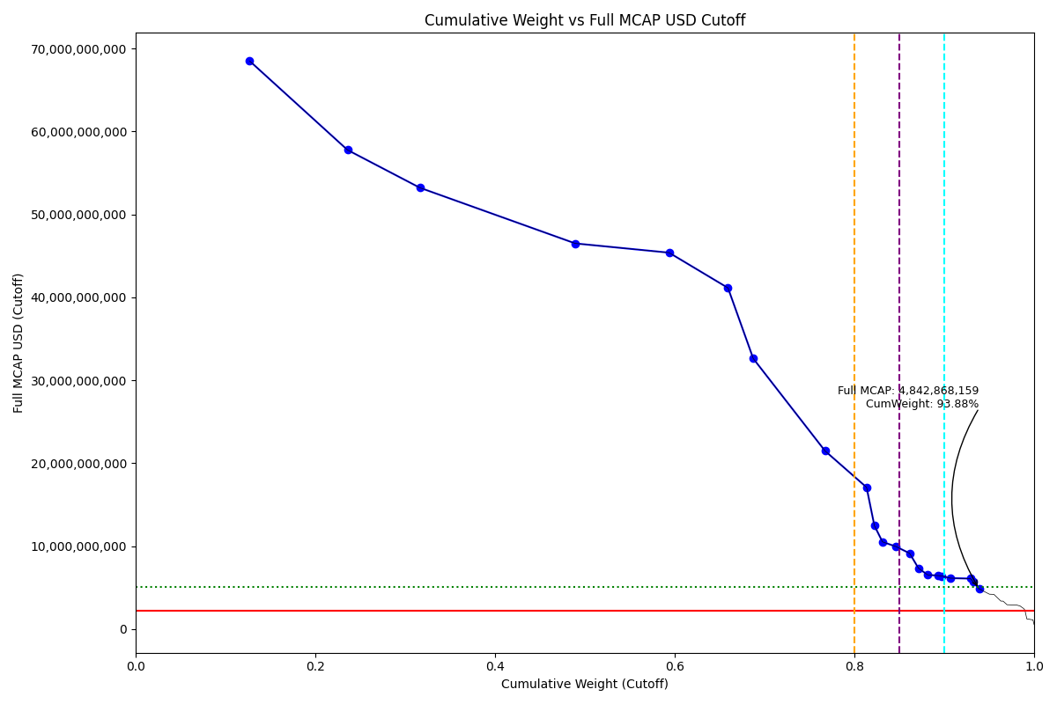
Date | ENTITY_QID | Country | Internal_Number | Instrument_Name | Free_Float_MCAP_USD_Cutoff_Company | Full_MCAP_USD_Cutoff_Company | Weight_Cutoff | CumWeight_Cutoff | Size | Case | Shadow_Company
2020-09-21 | E004YMS4V | RU | EV012 | SBERBANK PREF. | 34,174,581,889.71 | 68,482,519,169.04 | 0.13 | 0.13 | Standard | Above - Companies in between Upper and Lower GMSR
2020-09-21 | E004YOLT9 | RU | EV019 | GAZPROM | 29,260,868,975.29 | 57,759,314,992.67 | 0.11 | 0.24 | Standard | Above - Companies in between Upper and Lower GMSR
2020-09-21 | E004YRDMO | RU | EV021 | ROSNEFT | 21,638,456,001.92 | 53,204,956,975.47 | 0.08 | 0.32 | Standard | Above - Companies in between Upper and Lower GMSR
2020-09-21 | E004YN01L | RU | EV020 | LUKOIL | 46,489,898,559.34 | 46,489,898,559.34 | 0.17 | 0.49 | Standard | Above - Companies in between Upper and Lower GMSR
2020-09-21 | E004YQI1N | RU | B058LB | NOVATEK | 28,039,125,373.12 | 45,378,095,764.87 | 0.10 | 0.59 | Standard | Above - Companies in between Upper and Lower GMSR
2020-09-21 | E004YRASX | RU | EV022 | MMC NORILSK NICKEL | 17,638,887,558.56 | 41,125,874,466.22 | 0.07 | 0.66 | Standard | Above - Companies in between Upper and Lower GMSR
2020-09-21 | E004YP510 | RU | EV010 | POLYUS | 7,553,030,795.24 | 32,612,395,488.93 | 0.03 | 0.69 | Standard | Above - Companies in between Upper and Lower GMSR
2020-09-21 | E004YOSHE | RU | 50058A | SURGUTNEFTEGAS PREF. | 21,475,063,428.55 | 21,475,063,428.55 | 0.08 | 0.77 | Standard | Above - Companies in between Upper and Lower GMSR
2020-09-21 | E004YP3A5 | RU | EV075 | TATNEFT PREF | 12,426,376,250.22 | 17,082,147,177.73 | 0.05 | 0.81 | Standard | Above - Companies in between Upper and Lower GMSR
2020-09-21 | E004YMXDH | RU | EV009 | NLMK | 2,321,561,134.93 | 12,481,511,478.13 | 0.01 | 0.82 | Standard | Above - Companies in between Upper and Lower GMSR | TRUE
2020-09-21 | E004YRC2B | RU | EV013 | SEVERSTAL | 2,432,828,498.16 | 10,508,978,393.77 | 0.01 | 0.83 | Standard | Above - Companies in between Upper and Lower GMSR
2020-09-21 | E004YRDKM | RU | NL0019 | X5 RETAIL GROUP NV GDR | 4,046,397,772.60 | 9,939,567,115.20 | 0.02 | 0.85 | Standard | Above - Companies in between Upper and Lower GMSR
2020-09-21 | E004YRA44 | RU | 715033 | MTS | 4,068,244,650.58 | 9,129,812,950.13 | 0.02 | 0.86 | Standard | Above - Companies in between Upper and Lower GMSR
2020-09-21 | E004YN76G | RU | EV060 | INTER RAO UES | 2,650,973,947.45 | 7,329,206,379.46 | 0.01 | 0.87 | Standard | Above - Companies in between Upper and Lower GMSR
2020-09-21 | E004YOI32 | RU | RU501R | ALROSA | 2,739,665,449.29 | 6,527,675,599.94 | 0.01 | 0.88 | Standard | Above - Companies in between Upper and Lower GMSR
2020-09-21 | E004YS8HL | RU | RU10DZ | MAIL RU GROUP GDR | 3,217,379,159.79 | 6,434,758,319.57 | 0.01 | 0.89 | Standard | Above - Companies in between Upper and Lower GMSR
2020-09-21 | E004YR9O7 | RU | HK00OP | UNITED COMPANY RUSAL | 1,086,426,326.76 | 6,390,743,098.59 | 0.00 | 0.90 | Standard | Above - Companies in between Upper and Lower GMSR | TRUE
2020-09-21 | E004YR98B | RU | EV017 | VTB BANK | 2,396,456,956.45 | 6,133,752,128.10 | 0.01 | 0.91 | Standard | Above - Companies in between Upper and Lower GMSR | TRUE
2020-09-21 | E004YOEEN | RU | EV050 | MAGNIT | 6,082,009,294.58 | 6,082,009,294.58 | 0.02 | 0.93 | Addition | Above - Companies in between Upper and Lower GMSR
2020-09-21 | E004YRAMH | RU | EV048 | MMK | 891,639,440.74 | 5,664,799,496.42 | 0.00 | 0.93 | Addition | Above - Companies in between Upper and Lower GMSR | TRUE
2020-09-21 | E004YQWXO | RU | RU201O | PHOSAGRO | 1,711,469,607.55 | 4,842,868,159.46 | 0.01 | 0.94 | Addition | Above - Companies in between Upper and Lower GMSR | TRUE

2020-12-21_RU
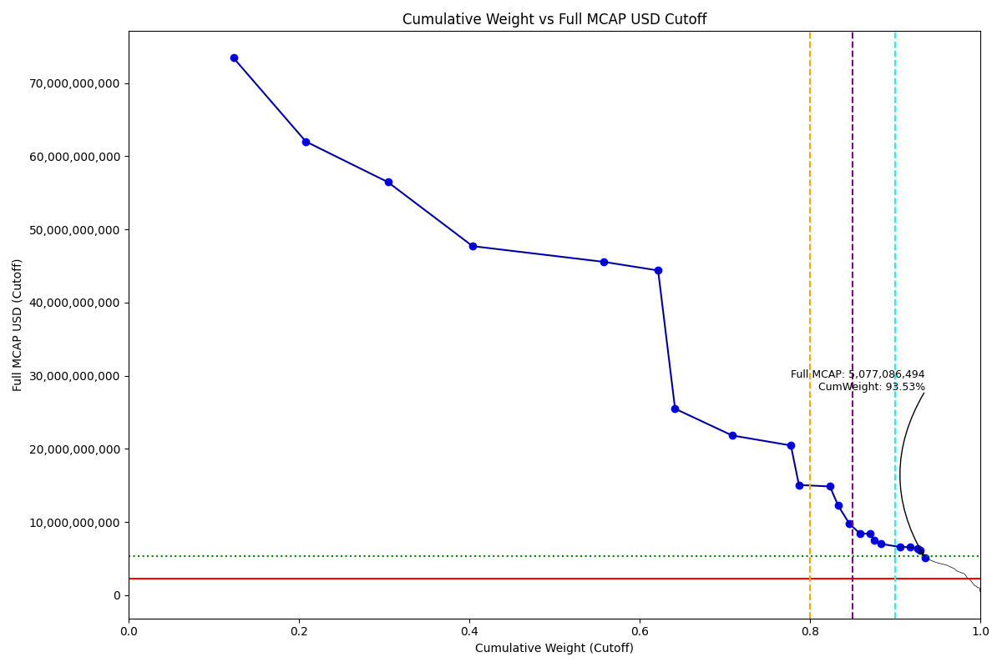
Date | ENTITY_QID | Country | Internal_Number | Instrument_Name | Free_Float_MCAP_USD_Cutoff_Company | Full_MCAP_USD_Cutoff_Company | Weight_Cutoff | CumWeight_Cutoff | Size | Case | Shadow_Company
2020-12-21 | E004YMS4V | RU | EV012 | SBERBANK PREF. | 36,589,589,458.78 | 73,449,890,603.54 | 0.12 | 0.12 | Standard | Above - Companies in between Upper and Lower GMSR
2020-12-21 | E004YRDMO | RU | EV021 | ROSNEFT | 25,218,268,460.92 | 62,007,053,014.30 | 0.08 | 0.21 | Standard | Above - Companies in between Upper and Lower GMSR
2020-12-21 | E004YOLT9 | RU | EV019 | GAZPROM | 28,601,741,616.69 | 56,458,234,537.48 | 0.10 | 0.30 | Standard | Above - Companies in between Upper and Lower GMSR
2020-12-21 | E004YQI1N | RU | B058LB | NOVATEK | 29,480,614,283.99 | 47,710,979,582.45 | 0.10 | 0.40 | Standard | Above - Companies in between Upper and Lower GMSR
2020-12-21 | E004YN01L | RU | EV020 | LUKOIL | 45,569,235,902.38 | 45,569,235,902.38 | 0.15 | 0.56 | Standard | Above - Companies in between Upper and Lower GMSR
2020-12-21 | E004YRASX | RU | EV022 | MMC NORILSK NICKEL | 19,037,259,844.70 | 44,386,243,517.61 | 0.06 | 0.62 | Standard | Above - Companies in between Upper and Lower GMSR
2020-12-21 | E004YP510 | RU | EV010 | POLYUS | 5,903,348,434.72 | 25,489,414,657.68 | 0.02 | 0.64 | Standard | Above - Companies in between Upper and Lower GMSR
2020-12-21 | E004YO2MH | RU | US3CFG | YANDEX | 19,872,540,969.67 | 21,837,957,109.53 | 0.07 | 0.71 | Standard | Above - Companies in between Upper and Lower GMSR
2020-12-21 | E004YOSHE | RU | EV014 | SURGUTNEFTEGAS | 20,468,195,271.24 | 20,468,195,271.24 | 0.07 | 0.78 | Standard | Above - Companies in between Upper and Lower GMSR
2020-12-21 | E004YMXDH | RU | EV009 | NLMK | 2,803,508,888.43 | 15,072,628,432.41 | 0.01 | 0.79 | Standard | Above - Companies in between Upper and Lower GMSR
2020-12-21 | E004YP3A5 | RU | EV015 | TATNEFT | 10,805,099,265.17 | 14,862,099,373.78 | 0.04 | 0.82 | Standard | Above - Companies in between Upper and Lower GMSR
2020-12-21 | E004YRC2B | RU | EV013 | SEVERSTAL | 2,838,444,471.06 | 12,261,099,227.05 | 0.01 | 0.83 | Standard | Above - Companies in between Upper and Lower GMSR
2020-12-21 | E004YRDKM | RU | NL0019 | X5 RETAIL GROUP NV GDR | 3,969,007,651.26 | 9,749,466,104.80 | 0.01 | 0.85 | Standard | Above - Companies in between Upper and Lower GMSR
2020-12-21 | E004YOI32 | RU | RU501R | ALROSA | 3,553,970,883.32 | 8,467,883,924.98 | 0.01 | 0.86 | Standard | Above - Companies in between Upper and Lower GMSR
2020-12-21 | E004YRA44 | RU | 715033 | MTS | 3,692,329,606.97 | 8,385,940,510.94 | 0.01 | 0.87 | Standard | Above - Companies in between Upper and Lower GMSR
2020-12-21 | E004YR9O7 | RU | HK00OP | UNITED COMPANY RUSAL | 1,272,664,950.31 | 7,486,264,413.61 | 0.00 | 0.88 | Standard | Above - Companies in between Upper and Lower GMSR | TRUE
2020-12-21 | E004YN76G | RU | EV060 | INTER RAO UES | 2,535,375,856.92 | 7,009,609,778.59 | 0.01 | 0.88 | Standard | Above - Companies in between Upper and Lower GMSR | TRUE
2020-12-21 | E004YOEEN | RU | EV050 | MAGNIT | 6,590,719,283.70 | 6,590,719,283.70 | 0.02 | 0.91 | Standard | Above - Companies in between Upper and Lower GMSR
2020-12-21 | E004YS8HL | RU | RU10DZ | MAIL RU GROUP GDR | 3,484,322,615.49 | 6,574,193,614.12 | 0.01 | 0.92 | Standard | Above - Companies in between Upper and Lower GMSR
2020-12-21 | E004YR98B | RU | EV017 | VTB BANK | 2,475,748,262.66 | 6,336,698,906.22 | 0.01 | 0.93 | Standard | Above - Companies in between Upper and Lower GMSR | TRUE
2020-12-21 | E004YRAMH | RU | EV048 | MMK | 965,703,575.04 | 6,135,346,728.31 | 0.00 | 0.93 | Standard | Above - Companies in between Upper and Lower GMSR | TRUE
2020-12-21 | E004YQWXO | RU | RU201O | PHOSAGRO | 1,794,242,366.83 | 5,077,086,493.58 | 0.01 | 0.94 | Addition | Above - Companies in between Upper and Lower GMSR | TRUE

2021-03-22_RU
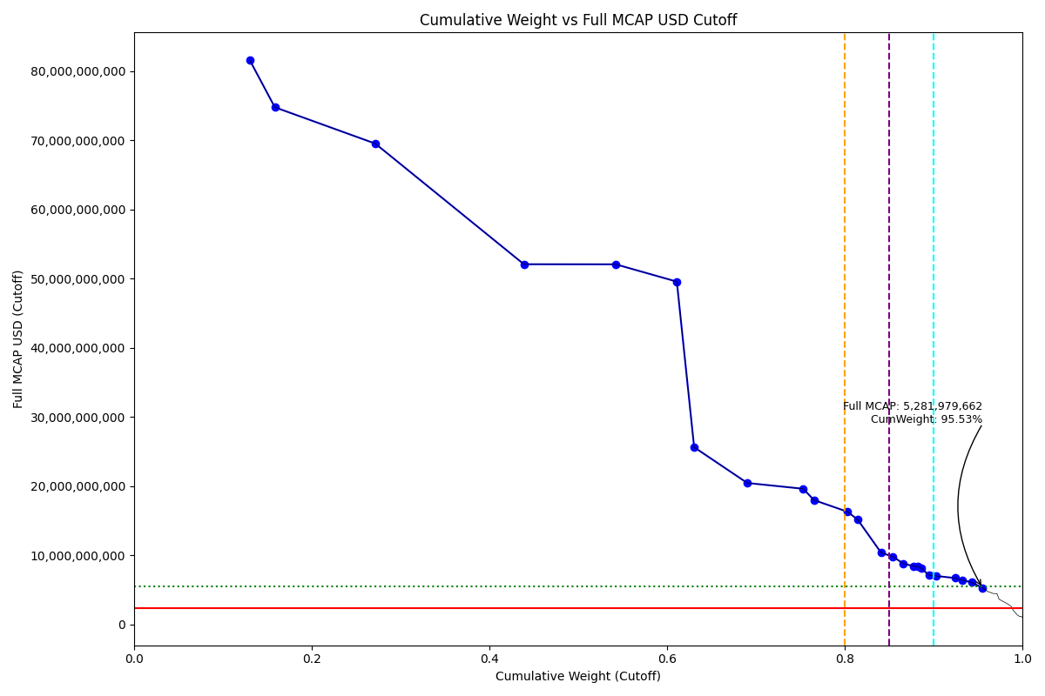
Date | ENTITY_QID | Country | Internal_Number | Instrument_Name | Free_Float_MCAP_USD_Cutoff_Company | Full_MCAP_USD_Cutoff_Company | Weight_Cutoff | CumWeight_Cutoff | Size | Case | Shadow_Company
2021-03-22 | E004YMS4V | RU | EV012 | SBERBANK PREF. | 40,641,837,244.92 | 81,558,320,591.03 | 0.13 | 0.13 | Standard | Above - Companies in between Upper and Lower GMSR
2021-03-22 | E004YRDMO | RU | EV021 | ROSNEFT | 8,763,736,024.17 | 74,775,904,643.13 | 0.03 | 0.16 | Standard | Above - Companies in between Upper and Lower GMSR
2021-03-22 | E004YOLT9 | RU | EV019 | GAZPROM | 35,220,941,225.44 | 69,524,163,492.78 | 0.11 | 0.27 | Standard | Above - Companies in between Upper and Lower GMSR
2021-03-22 | E004YN01L | RU | EV020 | LUKOIL | 52,087,771,914.47 | 52,087,771,914.47 | 0.17 | 0.44 | Standard | Above - Companies in between Upper and Lower GMSR
2021-03-22 | E004YQI1N | RU | B058LB | NOVATEK | 32,177,907,443.41 | 52,076,237,972.83 | 0.10 | 0.54 | Standard | Above - Companies in between Upper and Lower GMSR
2021-03-22 | E004YRASX | RU | EV022 | MMC NORILSK NICKEL | 21,440,336,782.30 | 49,573,033,022.66 | 0.07 | 0.61 | Standard | Above - Companies in between Upper and Lower GMSR
2021-03-22 | E004YP510 | RU | EV010 | POLYUS | 6,066,305,208.25 | 25,639,497,921.61 | 0.02 | 0.63 | Standard | Above - Companies in between Upper and Lower GMSR
2021-03-22 | E004YO2MH | RU | US3CFG | YANDEX | 18,627,783,499.34 | 20,470,091,757.52 | 0.06 | 0.69 | Standard | Above - Companies in between Upper and Lower GMSR
2021-03-22 | E004YOSHE | RU | EV014 | SURGUTNEFTEGAS | 19,633,703,585.33 | 19,633,703,585.33 | 0.06 | 0.75 | Standard | Above - Companies in between Upper and Lower GMSR
2021-03-22 | E004YMXDH | RU | EV009 | NLMK | 3,735,265,247.53 | 18,001,278,301.37 | 0.01 | 0.77 | Standard | Above - Companies in between Upper and Lower GMSR
2021-03-22 | E004YP3A5 | RU | EV015 | TATNEFT | 11,847,494,472.21 | 16,304,194,536.28 | 0.04 | 0.80 | Standard | Above - Companies in between Upper and Lower GMSR
2021-03-22 | E004YRC2B | RU | EV013 | SEVERSTAL | 3,509,849,039.02 | 15,161,334,941.75 | 0.01 | 0.81 | Standard | Above - Companies in between Upper and Lower GMSR
2021-03-22 | E004YMYM2 | RU | US3FZ3 | TCS GROUP HOLDING | 8,203,219,057.79 | 10,383,821,592.14 | 0.03 | 0.84 | Standard | Above - Companies in between Upper and Lower GMSR
2021-03-22 | E004YOI32 | RU | RU501R | ALROSA | 4,126,293,137.45 | 9,831,529,991.53 | 0.01 | 0.85 | Standard | Above - Companies in between Upper and Lower GMSR
2021-03-22 | E004YRDKM | RU | NL0019 | X5 RETAIL GROUP NV GDR | 3,593,112,776.21 | 8,826,118,340.00 | 0.01 | 0.87 | Standard | Above - Companies in between Upper and Lower GMSR
2021-03-22 | E004YRA44 | RU | 715033 | MTS | 3,718,475,798.89 | 8,445,323,186.22 | 0.01 | 0.88 | Standard | Above - Companies in between Upper and Lower GMSR
2021-03-22 | E004YR9O7 | RU | HK00OP | UNITED COMPANY RUSAL | 1,421,693,320.56 | 8,362,901,885.67 | 0.00 | 0.88 | Standard | Above - Companies in between Upper and Lower GMSR | TRUE
2021-03-22 | E004YRAMH | RU | EV048 | MMK | 1,280,717,536.14 | 8,136,706,074.58 | 0.00 | 0.89 | Standard | Above - Companies in between Upper and Lower GMSR | TRUE
2021-03-22 | E004YN76G | RU | EV060 | INTER RAO UES | 2,586,259,250.33 | 7,150,288,223.21 | 0.01 | 0.89 | Standard | Above - Companies in between Upper and Lower GMSR | TRUE
2021-03-22 | E004YQWXO | RU | RU201O | PHOSAGRO | 2,488,080,062.46 | 7,036,425,516.02 | 0.01 | 0.90 | Standard | Above - Companies in between Upper and Lower GMSR | TRUE
2021-03-22 | E004YOEEN | RU | EV050 | MAGNIT | 6,728,951,042.97 | 6,728,951,042.97 | 0.02 | 0.92 | Standard | Above - Companies in between Upper and Lower GMSR
2021-03-22 | E004YR98B | RU | EV017 | VTB BANK | 2,512,237,897.93 | 6,430,094,440.57 | 0.01 | 0.93 | Standard | Above - Companies in between Upper and Lower GMSR | TRUE
2021-03-22 | E004YS8HL | RU | RU10DZ | MAIL RU GROUP GDR | 3,242,775,179.09 | 6,118,443,734.12 | 0.01 | 0.94 | Addition | Above - Companies in between Upper and Lower GMSR
2021-03-22 | E004YR3T0 | RU | RU504U | MOSCOW EXCHANGE | 3,895,460,000.53 | 5,281,979,661.73 | 0.01 | 0.96 | Addition | Above - Companies in between Upper and Lower GMSR

2021-06-21_RU
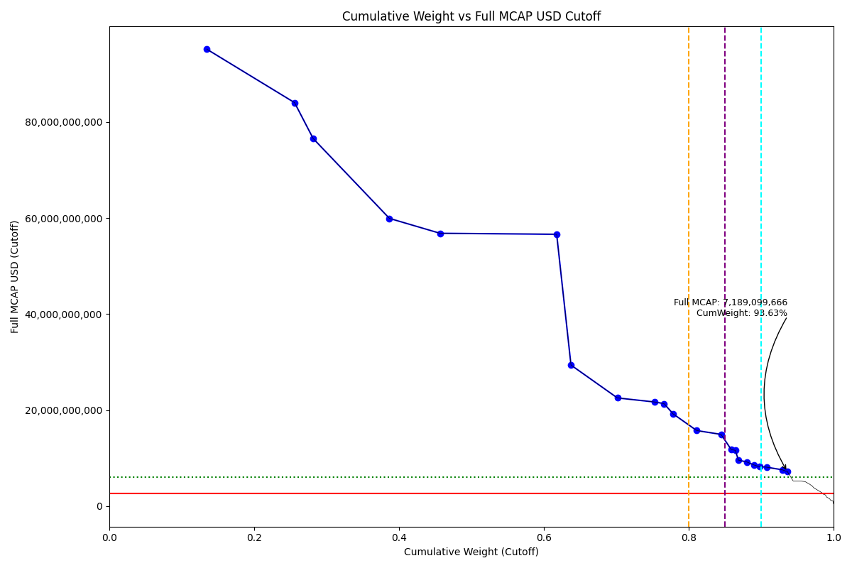
Date | ENTITY_QID | Country | Internal_Number | Instrument_Name | Free_Float_MCAP_USD_Cutoff_Company | Full_MCAP_USD_Cutoff_Company | Weight_Cutoff | CumWeight_Cutoff | Case | Size | Shadow_Company
2021-06-21 | E004YMS4V | RU | EV023 | SBERBANK | 47,460,758,707.55 | 95,175,021,618.64 | 0.13 | 0.13 | Below - Companies in between Upper and Lower GMSR | Deletion
2021-06-21 | E004YOLT9 | RU | EV019 | GAZPROM | 42,580,024,126.96 | 84,050,580,590.13 | 0.12 | 0.26 | Below - Companies in between Upper and Lower GMSR | Deletion
2021-06-21 | E004YRDMO | RU | EV021 | ROSNEFT | 9,028,497,753.71 | 76,577,589,090.02 | 0.03 | 0.28 | Below - Companies in between Upper and Lower GMSR | Deletion
2021-06-21 | E004YQI1N | RU | B058LB | NOVATEK | 37,037,863,318.09 | 59,941,516,941.40 | 0.11 | 0.39 | Below - Companies in between Upper and Lower GMSR | Deletion
2021-06-21 | E004YRASX | RU | EV022 | MMC NORILSK NICKEL | 24,593,452,556.55 | 56,837,191,025.09 | 0.07 | 0.46 | Below - Companies in between Upper and Lower GMSR | Deletion
2021-06-21 | E004YN01L | RU | EV020 | LUKOIL | 56,632,322,683.09 | 56,632,322,683.09 | 0.16 | 0.62 | Below - Companies in between Upper and Lower GMSR | Deletion
2021-06-21 | E004YP510 | RU | EV010 | POLYUS | 6,952,904,764.34 | 29,386,748,792.64 | 0.02 | 0.64 | Below - Companies in between Upper and Lower GMSR | Deletion
2021-06-21 | E004YOSHE | RU | EV014 | SURGUTNEFTEGAS | 22,541,883,257.74 | 22,541,883,257.74 | 0.06 | 0.70 | Below - Companies in between Upper and Lower GMSR | Deletion
2021-06-21 | E004YO2MH | RU | US3CFG | YANDEX | 18,220,198,262.35 | 21,690,712,217.08 | 0.05 | 0.75 | Below - Companies in between Upper and Lower GMSR | Deletion
2021-06-21 | E004YMXDH | RU | EV009 | NLMK | 4,430,692,558.65 | 21,352,735,222.40 | 0.01 | 0.77 | Below - Companies in between Upper and Lower GMSR | Deletion
2021-06-21 | E004YRC2B | RU | EV013 | SEVERSTAL | 4,446,607,792.19 | 19,207,809,037.53 | 0.01 | 0.78 | Below - Companies in between Upper and Lower GMSR | Deletion
2021-06-21 | E004YP3A5 | RU | EV015 | TATNEFT | 11,444,821,435.37 | 15,745,240,728.66 | 0.03 | 0.81 | Below - Companies in between Upper and Lower GMSR | Deletion
2021-06-21 | E004YMYM2 | RU | US3FZ3 | TCS GROUP HOLDING | 11,808,855,022.50 | 14,947,917,750.00 | 0.03 | 0.84 | Below - Companies in between Upper and Lower GMSR | Deletion
2021-06-21 | E004YOI32 | RU | RU501R | ALROSA | 4,943,088,396.94 | 11,777,670,709.89 | 0.01 | 0.86 | Below - Companies in between Upper and Lower GMSR | Deletion
2021-06-21 | E004YR9O7 | RU | HK00OP | UNITED COMPANY RUSAL | 1,976,719,161.32 | 11,627,759,772.49 | 0.01 | 0.86 | Below - Companies in between Upper and Lower GMSR | Deletion | TRUE
2021-06-21 | E004YRAMH | RU | EV048 | MMK | 1,507,262,135.54 | 9,575,998,319.84 | 0.00 | 0.87 | Below - Companies in between Upper and Lower GMSR | Deletion | TRUE
2021-06-21 | E004YRA44 | RU | 715033 | MTS | 4,054,084,772.49 | 9,211,735,452.14 | 0.01 | 0.88 | Below - Companies in between Upper and Lower GMSR | Deletion
2021-06-21 | E004YR98B | RU | EV017 | VTB BANK | 3,357,827,712.39 | 8,594,388,821.06 | 0.01 | 0.89 | Below - Companies in between Upper and Lower GMSR | Deletion
2021-06-21 | E004YQWXO | RU | RU201O | PHOSAGRO | 2,903,233,809.57 | 8,210,502,855.13 | 0.01 | 0.90 | Below - Companies in between Upper and Lower GMSR | Deletion | TRUE
2021-06-21 | E004YRDKM | RU | NL0019 | X5 RETAIL GROUP NV GDR | 3,305,663,754.12 | 8,120,028,872.80 | 0.01 | 0.91 | Below - Companies in between Upper and Lower GMSR | Deletion
2021-06-21 | E004YOEEN | RU | EV050 | MAGNIT | 7,580,369,647.90 | 7,580,369,647.90 | 0.02 | 0.93 | Below - Companies in between Upper and Lower GMSR | Deletion
2021-06-21 | E004YN76G | RU | EV060 | INTER RAO UES | 2,600,297,349.34 | 7,189,099,666.41 | 0.01 | 0.94 | Below - Companies in between Upper and Lower GMSR | Deletion | TRUE

2021-09-20_RU
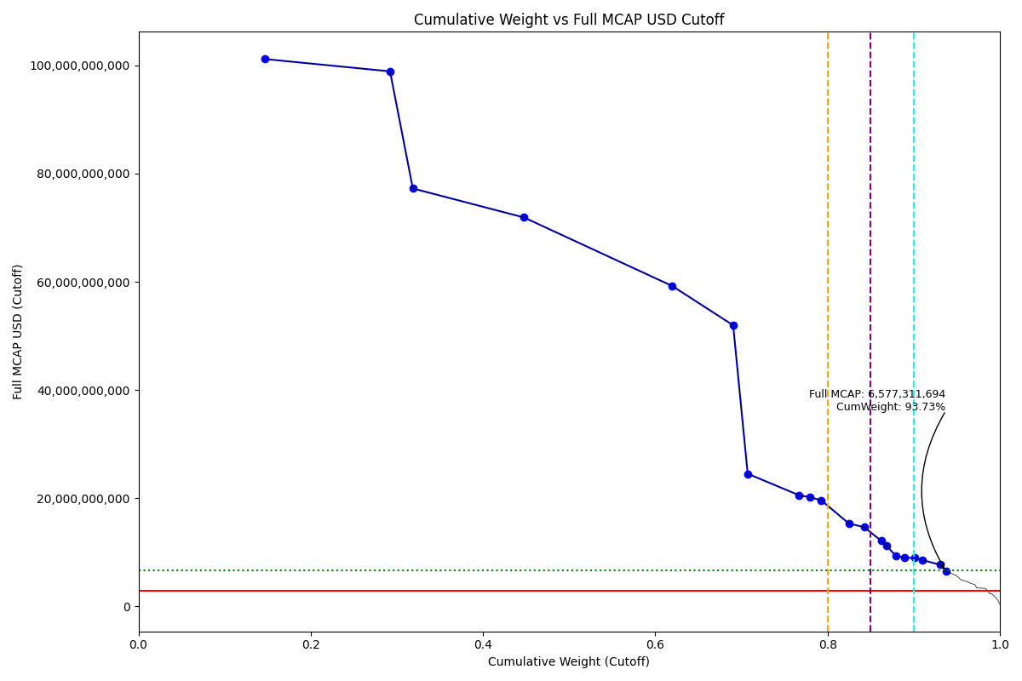
Date | ENTITY_QID | Country | Internal_Number | Instrument_Name | Free_Float_MCAP_USD_Cutoff_Company | Full_MCAP_USD_Cutoff_Company | Weight_Cutoff | CumWeight_Cutoff | Case | Size | Shadow_Company
2021-09-20 | E004YMS4V | RU | EV023 | SBERBANK | 50,450,754,645.37 | 101,166,887,217.37 | 0.15 | 0.15 | Below - Companies in between Upper and Lower GMSR | Deletion
2021-09-20 | E004YOLT9 | RU | EV019 | GAZPROM | 50,097,472,943.32 | 98,889,603,125.38 | 0.15 | 0.29 | Below - Companies in between Upper and Lower GMSR | Deletion
2021-09-20 | E004YRDMO | RU | EV021 | ROSNEFT | 9,108,108,637.88 | 77,252,829,837.80 | 0.03 | 0.32 | Below - Companies in between Upper and Lower GMSR | Deletion
2021-09-20 | E004YQI1N | RU | B058LB | NOVATEK | 44,420,780,912.72 | 71,889,918,939.51 | 0.13 | 0.45 | Below - Companies in between Upper and Lower GMSR | Deletion
2021-09-20 | E004YN01L | RU | EV020 | LUKOIL | 59,231,231,229.95 | 59,231,231,229.95 | 0.17 | 0.62 | Below - Companies in between Upper and Lower GMSR | Deletion
2021-09-20 | E004YRASX | RU | EV022 | MMC NORILSK NICKEL | 24,352,534,550.77 | 51,968,703,693.49 | 0.07 | 0.69 | Below - Companies in between Upper and Lower GMSR | Deletion
2021-09-20 | E004YP510 | RU | EV010 | POLYUS | 5,804,126,775.30 | 24,531,389,582.85 | 0.02 | 0.71 | Below - Companies in between Upper and Lower GMSR | Deletion
2021-09-20 | E004YOSHE | RU | EV014 | SURGUTNEFTEGAS | 20,560,497,692.35 | 20,560,497,692.35 | 0.06 | 0.77 | Below - Companies in between Upper and Lower GMSR | Deletion
2021-09-20 | E004YMXDH | RU | EV009 | NLMK | 4,191,339,543.05 | 20,199,226,713.50 | 0.01 | 0.78 | Below - Companies in between Upper and Lower GMSR | Deletion
2021-09-20 | E004YRC2B | RU | EV013 | SEVERSTAL | 4,550,375,814.53 | 19,656,051,034.68 | 0.01 | 0.79 | Below - Companies in between Upper and Lower GMSR | Deletion
2021-09-20 | E004YP3A5 | RU | EV015 | TATNEFT | 11,143,321,124.22 | 15,332,777,446.41 | 0.03 | 0.82 | Below - Companies in between Upper and Lower GMSR | Deletion
2021-09-20 | E004YOI32 | RU | RU501R | ALROSA | 6,153,050,675.90 | 14,660,592,508.69 | 0.02 | 0.84 | Below - Companies in between Upper and Lower GMSR | Deletion
2021-09-20 | E004YN2FZ | RU | EV007 | PIK SHB | 6,737,183,405.68 | 12,136,882,373.77 | 0.02 | 0.86 | Below - Companies in between Upper and Lower GMSR | Deletion
2021-09-20 | E004YRAMH | RU | EV048 | MMK | 2,115,660,965.66 | 11,289,546,241.54 | 0.01 | 0.87 | Below - Companies in between Upper and Lower GMSR | Deletion | TRUE
2021-09-20 | E004YR98B | RU | EV017 | VTB BANK | 3,663,049,316.54 | 9,375,606,133.97 | 0.01 | 0.88 | Below - Companies in between Upper and Lower GMSR | Deletion
2021-09-20 | E004YRDKM | RU | NL0019 | X5 RETAIL GROUP NV GDR | 3,662,763,885.41 | 8,997,209,249.36 | 0.01 | 0.89 | Below - Companies in between Upper and Lower GMSR | Deletion
2021-09-20 | E004YRA44 | RU | 715033 | MTS | 3,814,929,522.20 | 8,976,304,758.12 | 0.01 | 0.90 | Below - Companies in between Upper and Lower GMSR | Deletion
2021-09-20 | E004YQWXO | RU | RU201O | PHOSAGRO | 3,041,502,260.75 | 8,601,533,542.85 | 0.01 | 0.91 | Below - Companies in between Upper and Lower GMSR | Deletion | TRUE
2021-09-20 | E004YOEEN | RU | EV050 | MAGNIT | 7,212,742,668.03 | 7,720,769,287.12 | 0.02 | 0.93 | Below - Companies in between Upper and Lower GMSR | Deletion
2021-09-20 | E004YN76G | RU | EV060 | INTER RAO UES | 2,334,945,651.33 | 6,577,311,693.87 | 0.01 | 0.94 | Below - Companies in between Upper and Lower GMSR | Deletion | TRUE

2021-12-20_RU
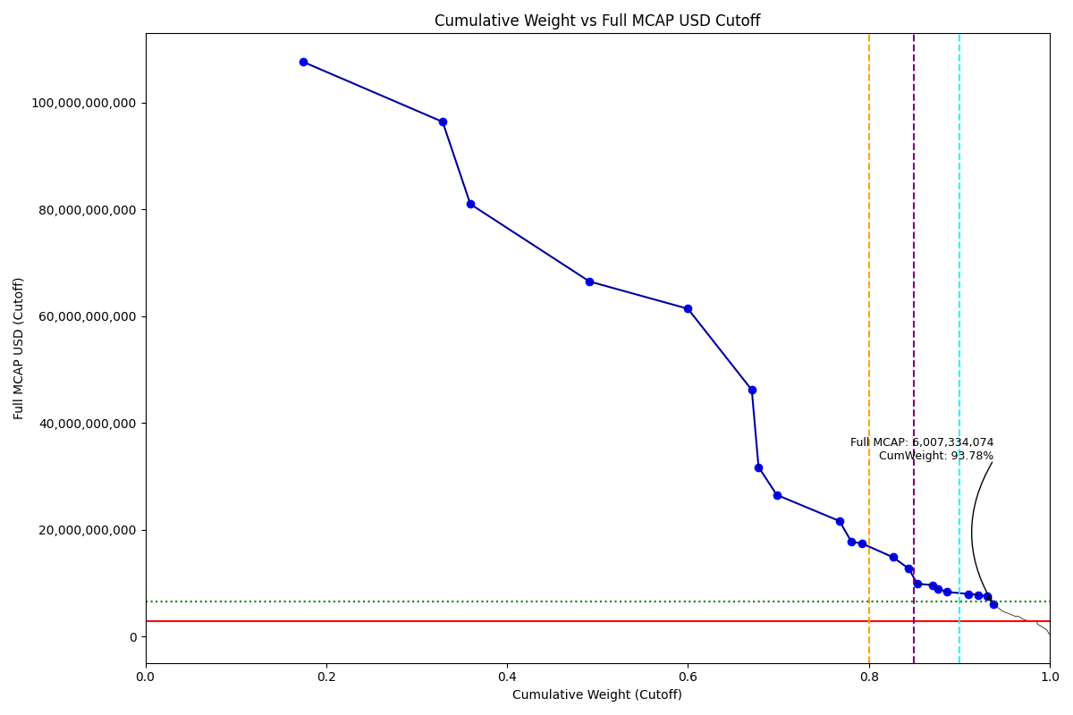
Date | ENTITY_QID | Country | Internal_Number | Instrument_Name | Free_Float_MCAP_USD_Cutoff_Company | Full_MCAP_USD_Cutoff_Company | Weight_Cutoff | CumWeight_Cutoff | Size | Case | Shadow_Company
2021-12-20 | E004YOLT9 | RU | EV019 | GAZPROM | 54,517,542,361.44 | 107,614,572,367.62 | 0.17 | 0.17 | Standard | Above - Companies in between Upper and Lower GMSR
2021-12-20 | E004YMS4V | RU | EV023 | SBERBANK | 48,029,076,429.60 | 96,403,411,127.37 | 0.15 | 0.33 | Standard | Above - Companies in between Upper and Lower GMSR
2021-12-20 | E004YRDMO | RU | EV021 | ROSNEFT | 9,550,211,563.12 | 81,002,642,604.92 | 0.03 | 0.36 | Standard | Above - Companies in between Upper and Lower GMSR
2021-12-20 | E004YQI1N | RU | B058LB | NOVATEK | 41,088,693,653.68 | 66,497,319,394.21 | 0.13 | 0.49 | Standard | Above - Companies in between Upper and Lower GMSR
2021-12-20 | E004YN01L | RU | EV020 | LUKOIL | 33,951,820,068.31 | 61,395,696,326.05 | 0.11 | 0.60 | Standard | Above - Companies in between Upper and Lower GMSR
2021-12-20 | E004YRASX | RU | EV022 | MMC NORILSK NICKEL | 22,041,444,485.55 | 46,179,435,335.33 | 0.07 | 0.67 | Standard | Above - Companies in between Upper and Lower GMSR
2021-12-20 | E004YPZ6D | RU | EV024 | GAZPROM NEFT | 2,330,023,610.18 | 31,744,190,874.32 | 0.01 | 0.68 | Standard | Above - Companies in between Upper and Lower GMSR | TRUE
2021-12-20 | E004YP510 | RU | EV010 | POLYUS | 6,275,968,119.47 | 26,525,647,165.96 | 0.02 | 0.70 | Standard | Above - Companies in between Upper and Lower GMSR
2021-12-20 | E004YOSHE | RU | 50058A | SURGUTNEFTEGAS PREF. | 21,627,774,227.73 | 21,627,774,227.73 | 0.07 | 0.77 | Standard | Above - Companies in between Upper and Lower GMSR
2021-12-20 | E004YRC2B | RU | EV013 | SEVERSTAL | 4,110,628,447.67 | 17,756,494,374.38 | 0.01 | 0.78 | Standard | Above - Companies in between Upper and Lower GMSR
2021-12-20 | E004YMXDH | RU | EV009 | NLMK | 3,616,704,583.89 | 17,429,901,609.11 | 0.01 | 0.79 | Standard | Above - Companies in between Upper and Lower GMSR
2021-12-20 | E004YP3A5 | RU | EV015 | TATNEFT | 10,782,072,126.67 | 14,842,814,621.31 | 0.03 | 0.83 | Standard | Above - Companies in between Upper and Lower GMSR
2021-12-20 | E004YOI32 | RU | RU501R | ALROSA | 5,344,267,386.15 | 12,733,541,544.31 | 0.02 | 0.84 | Standard | Above - Companies in between Upper and Lower GMSR
2021-12-20 | E004YQWXO | RU | RU201O | PHOSAGRO | 3,016,401,174.46 | 9,876,886,622.33 | 0.01 | 0.85 | Standard | Above - Companies in between Upper and Lower GMSR
2021-12-20 | E004YN2FZ | RU | EV007 | PIK SHB | 5,338,365,141.97 | 9,616,943,148.93 | 0.02 | 0.87 | Standard | Above - Companies in between Upper and Lower GMSR
2021-12-20 | E004YRAMH | RU | EV048 | MMK | 1,681,453,084.62 | 8,972,535,136.69 | 0.01 | 0.88 | Standard | Above - Companies in between Upper and Lower GMSR | TRUE
2021-12-20 | E004YR98B | RU | EV017 | VTB BANK | 3,256,831,128.12 | 8,335,887,197.65 | 0.01 | 0.89 | Standard | Above - Companies in between Upper and Lower GMSR
2021-12-20 | E004YOEEN | RU | EV050 | MAGNIT | 7,439,188,460.53 | 7,963,164,697.63 | 0.02 | 0.91 | Standard | Above - Companies in between Upper and Lower GMSR
2021-12-20 | E004YRA44 | RU | 715033 | MTS | 3,315,428,967.01 | 7,801,009,334.15 | 0.01 | 0.92 | Standard | Above - Companies in between Upper and Lower GMSR
2021-12-20 | E004YRDKM | RU | NL0019 | X5 RETAIL GROUP GDR | 3,088,706,902.40 | 7,533,431,469.28 | 0.01 | 0.93 | Standard | Above - Companies in between Upper and Lower GMSR
2021-12-20 | E004YN76G | RU | EV060 | INTER RAO UES | 2,132,603,596.32 | 6,007,334,074.13 | 0.01 | 0.94 | Addition | Above - Companies in between Upper and Lower GMSR | TRUE

