2019-03-18_KR
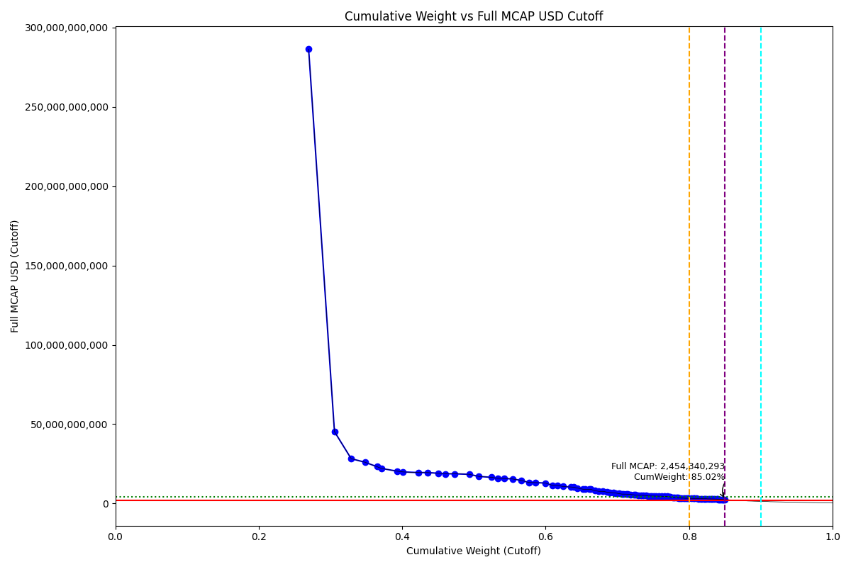
Date | Internal_Number | Instrument_Name | ENTITY_QID | Country | Free_Float_MCAP_USD_Cutoff_Company | Full_MCAP_USD_Cutoff_Company | Weight_Cutoff | CumWeight_Cutoff | Size | Case
2019-03-18 | KR18G0 | SAMSUNG ELTN.PF. | E004YRA1J | KR | 2.5062482987E+11 | 2.863267432E+11 | 0.26959445581 | 0.26959445581 | Standard | Inside
2019-03-18 | KR00EP | SK HYNIX INC | E004YRBCK | KR | 33464880487 | 45308530310 | 0.035997814935 | 0.30559227075 | Standard | Inside
2019-03-18 | KR004F | Hyundai Motor Co | E004YR9Z4 | KR | 21676887079 | 28235536742 | 0.023317596181 | 0.32890986693 | Standard | Inside
2019-03-18 | KR005G | LG Chem Ltd | E004YMVY2 | KR | 17830008875 | 26001350640 | 0.019179550336 | 0.34808941726 | Standard | Inside
2019-03-18 | KR063K | Celltrion | E004YM5UC | KR | 15596283835 | 23198399279 | 0.01677675614 | 0.3648661734 | Standard | Inside
2019-03-18 | KR70EW | SAMSUNG BIOLOGICS | E004YNP4A | KR | 5529747682.5 | 22118990730 | 0.0059482905904 | 0.37081446399 | Standard | Inside
2019-03-18 | KR003E | POSCO | E004YRDSS | KR | 20387116554 | 20387116554 | 0.021930203787 | 0.39274466778 | Standard | Inside
2019-03-18 | KR009K | Korea Electric Power Corp | E004YRDHG | KR | 7956510492 | 19891276474 | 0.0085587334558 | 0.40130340123 | Standard | Inside
2019-03-18 | KR00NY | NAVER CORP | E004YQLMC | KR | 19489167642 | 19489167642 | 0.020964289721 | 0.42226769096 | Standard | Inside
2019-03-18 | KR507N | SAMSUNG C&T CORP | E004YNK41 | KR | 12229169808 | 19479403963 | 0.013154787501 | 0.43542247846 | Standard | Inside
2019-03-18 | KR007I | Hyundai Mobis | E004YMUS3 | KR | 13454124199 | 19083864112 | 0.014472457871 | 0.44989493633 | Standard | Inside
2019-03-18 | KR048N | SK TELECOM | E004YRC5Y | KR | 9163733293.2 | 18701495432 | 0.0098573301444 | 0.45975226647 | Standard | Inside
2019-03-18 | KR17VE | LG HOUSEHOLD 1PF | E004YNLDW | KR | 12812434970 | 18700329648 | 0.013782199614 | 0.47353446609 | Standard | Inside
2019-03-18 | KR00AL | Shinhan Financial Group Co Ltd | E004YRBW7 | KR | 18403251628 | 18403251628 | 0.01979618145 | 0.49333064754 | Standard | Inside
2019-03-18 | KR053J | SK HOLDINGS | E004YQLKO | KR | 12664080830 | 17046817648 | 0.013622616648 | 0.50695326418 | Standard | Inside
2019-03-18 | KR008J | KB Financial Group Inc | E004YMD23 | KR | 16486744981 | 16486744981 | 0.017734615695 | 0.52468787988 | Standard | Inside
2019-03-18 | KR503J | SAMSUNG SDS | E004YN6Y7 | KR | 8109557845.9 | 15857563250 | 0.0087233648617 | 0.53341124474 | Standard | Inside
2019-03-18 | KR00BM | Samsung Life Insurance Co Ltd | E004YM8OF | KR | 8520348137.4 | 15772580780 | 0.0091652475959 | 0.54257649234 | Standard | Inside
2019-03-18 | KR00HS | SK INNOVATION | E004YRDLT | KR | 10293456802 | 15455640844 | 0.011072561671 | 0.55364905401 | Standard | Inside
2019-03-18 | KR00OZ | Samsung SDI Co Ltd | E004YRAIG | KR | 11677269584 | 14520355116 | 0.012561114318 | 0.56621016833 | Standard | Inside
2019-03-18 | KR00JU | Samsung Fire & Marine Insuranc | E004YR81J | KR | 9445251522.3 | 13250000413 | 0.0101601563 | 0.57637032463 | Standard | Inside
2019-03-18 | KR00GR | Kia Motors Corp | E004YPZDH | KR | 8709913625.5 | 13172888121 | 0.0093691611692 | 0.5857394858 | Standard | Inside
2019-03-18 | KR00S3 | KT&G Corp | E004YQUWE | KR | 12877999630 | 12877999630 | 0.013852726819 | 0.59959221261 | Standard | Inside
2019-03-18 | KR00DO | LG Corp | E004YO9SG | KR | 8892224793.9 | 11506502063 | 0.0095652713482 | 0.60915748396 | Standard | Inside
2019-03-18 | KR06O5 | Amorepacific | E004YMTGJ | KR | 6647498138.9 | 11441696867 | 0.0071506428322 | 0.61630812679 | Standard | Inside
2019-03-18 | KR18N7 | LG ELECTRONICS PF. | E004YPU7R | KR | 7239388944.2 | 10693144421 | 0.0077873334571 | 0.62409546025 | Standard | Inside
2019-03-18 | KR06L2 | Hana Financial G | E004YR9JS | KR | 10370786700 | 10370786700 | 0.011155744617 | 0.63525120487 | Standard | Inside
2019-03-18 | KR17TC | S-OIL PF. | E004YRBGO | KR | 3890984630.1 | 10260014088 | 0.0041854906574 | 0.63943669553 | Standard | Inside
2019-03-18 | KR03Q4 | LOTTE CHEMICAL CORPORATION | E004YNK5N | KR | 4613710439.2 | 9721260933.9 | 0.0049629191002 | 0.64439961463 | Standard | Inside
2019-03-18 | KR05BR | NCsoft | E004YQNUI | KR | 7112307077 | 8988129757.3 | 0.0076506328483 | 0.65205024747 | Standard | Inside
2019-03-18 | KR718R | NETMARBLE CORP | E004YRR5G | KR | 2607180302.2 | 8919535758.4 | 0.0028045160375 | 0.65485476351 | Standard | Inside
2019-03-18 | KR00IT | WOORI FINANCIAL GROUP | E004YRS86 | KR | 5346037837 | 8895237665.6 | 0.0057506758695 | 0.66060543938 | Standard | Inside
2019-03-18 | KR71EX | CELLTRION HEALTHCARE | E004YTOAD | KR | 2373994903.8 | 8894698028.5 | 0.0025536809921 | 0.66315912037 | Standard | Inside
2019-03-18 | KR006H | Hyundai Heavy Industries Co Lt | E004YRDQK | KR | 5050058354.9 | 8086562618 | 0.0054322938981 | 0.66859141427 | Standard | Inside
2019-03-18 | KR056M | KAKAO CORP | E004YNJQ0 | KR | 5090489254.6 | 7673333214.6 | 0.0054757849856 | 0.67406719926 | Standard | Inside
2019-03-18 | KR03JX | Korea Zinc | E004YQFR7 | KR | 5597831076.1 | 7658819368 | 0.0060215271706 | 0.68008872643 | Standard | Inside
2019-03-18 | KR00KV | Samsung Electro-Mechanics Co L | E004YMCFN | KR | 5422484582.2 | 7105863690.5 | 0.0058329088178 | 0.68592163525 | Standard | Inside
2019-03-18 | KR001C | Industrial Bank of Korea | E004YR9YX | KR | 3346970433.8 | 6945363008.5 | 0.00360030039 | 0.68952193564 | Standard | Inside
2019-03-18 | KR00FQ | LG Display Co Ltd | E004YP8J8 | KR | 4198160825.3 | 6760323390.2 | 0.0045159168136 | 0.69403785245 | Standard | Inside
2019-03-18 | KR04VA | KT Corp | E004YRDSX | KR | 3236339005.6 | 6604773480.7 | 0.0034812953429 | 0.69751914779 | Standard | Inside
2019-03-18 | KR04IX | COWAY CO | E004YMY3K | KR | 4374821083 | 6207180878.2 | 0.0047059483681 | 0.70222509616 | Standard | Inside
2019-03-18 | KR00LW | HYUNDAI STEEL CO | E004YOZBR | KR | 3788247125.4 | 5914515418.2 | 0.0040749770196 | 0.70630007318 | Standard | Inside
2019-03-18 | KR04DS | HANON SYSTEMS | E004YNK42 | KR | 1773221797 | 5908769733.6 | 0.0019074357703 | 0.70820750895 | Standard | Inside
2019-03-18 | KR055L | Kangwon Land | E004YSJFY | KR | 3431935412.2 | 5877608172.9 | 0.0036916963108 | 0.71189920526 | Standard | Inside
2019-03-18 | KR04YD | LG Uplus | E004YQBMC | KR | 2438183657.6 | 5822847768.5 | 0.0026227281498 | 0.71452193341 | Standard | Inside
2019-03-18 | KR01AM | Hyundai Eng&Con | E004YNAZX | KR | 3685576445.8 | 5663147581.2 | 0.0039645352649 | 0.71848646868 | Standard | Inside
2019-03-18 | KR02O1 | LOTTE CORP | E004YN6Y2 | KR | 3969468636.8 | 5503214524.9 | 0.0042699150662 | 0.72275638374 | Standard | Inside
2019-03-18 | KR01ZB | AMOREG | E004YNAXW | KR | 2477352405.8 | 5373866390 | 0.0026648615544 | 0.7254212453 | Standard | Inside
2019-03-18 | KR70SA | HYUNDAI HEAVY INDUSTRIES HLDS | E004YOXDC | KR | 3612145848.8 | 5227418015.7 | 0.003885546755 | 0.72930679205 | Standard | Inside
2019-03-18 | KR03KY | Samsung Heavy In | E004YMCFI | KR | 3898895655.3 | 5130800967.6 | 0.0041940004628 | 0.73350079251 | Standard | Inside
2019-03-18 | KR10EQ | HanmiPharm | E004YNZZK | KR | 2597018270.9 | 5102196995.8 | 0.0027935848489 | 0.73629437736 | Standard | Inside
2019-03-18 | KR1J61 | MIRAE ASSET SECURITIES 2PREF | E004YMXTQ | KR | 3713934976.8 | 4886096815.7 | 0.0039950402341 | 0.7402894176 | Standard | Inside
2019-03-18 | KR00U5 | Lotte Shopping Co Ltd | E004YMWXF | KR | 2029637002.2 | 4775616475.7 | 0.002183258871 | 0.74247267647 | Standard | Inside
2019-03-18 | KR20LY | HANKOOK TIRE | E004YMH7B | KR | 3019467873.9 | 4708354707.5 | 0.0032480093802 | 0.74572068585 | Standard | Inside
2019-03-18 | KR03FT | HANMI SCIENCE | E004YO1NM | KR | 2212983070.9 | 4690510960 | 0.0023804822812 | 0.74810116813 | Standard | Inside
2019-03-18 | KR06K1 | HYUNDAI GLOVIS CO LTD | E004YOW20 | KR | 2695770999.7 | 4651088681.2 | 0.0028998121057 | 0.75100098024 | Standard | Inside
2019-03-18 | KR057N | CJ ENM | E004YM7P3 | KR | 2276335655.4 | 4645582776.7 | 0.0024486299805 | 0.75344961022 | Standard | Inside
2019-03-18 | KR70UC | SILLAJEN | E004YMLZB | KR | 4365369835.7 | 4603849225.6 | 0.0046957817623 | 0.75814539198 | Standard | Inside
2019-03-18 | KR02XA | DB Insurance | E004YMV0L | KR | 3653269788.3 | 4563734901 | 0.003929783338 | 0.76207517532 | Standard | Inside
2019-03-18 | KR17P8 | E-MART | E004YOMJ4 | KR | 3209815605.5 | 4461175268.2 | 0.0034527644043 | 0.76552793972 | Standard | Inside
2019-03-18 | KR06EV | GS Holdings | E004YNP8D | KR | 4195028474 | 4427938013.5 | 0.0045125473767 | 0.7700404871 | Standard | Inside
2019-03-18 | KR06XE | CJ CheilJedang | E004YR8PS | KR | 2388971228.2 | 4308334045.5 | 0.0025697908645 | 0.77261027796 | Standard | Inside
2019-03-18 | KR058O | Korea Gas | E004YRAEB | KR | 1233590332.8 | 4111968089.2 | 0.001326959961 | 0.77393723792 | Standard | Inside
2019-03-18 | KR209M | VIROMED | E004YPXP3 | KR | 3536702714.7 | 3941054952.8 | 0.0038043933805 | 0.7777416313 | Standard | Inside
2019-03-18 | KR70ZH | ORION KR | E004YPQMA | KR | 2108833939.3 | 3919037240.9 | 0.0022684501714 | 0.78001008147 | Standard | Inside
2019-03-18 | KR00ZA | CJ LOGISTICS | E004YOZBB | KR | 2306026228.4 | 3853653456.5 | 0.0024805678131 | 0.78249064929 | Standard | Inside
2019-03-18 | KR108K | POSCO CHEMTECH | E004YNHIC | KR | 1447422531.8 | 3618556329.5 | 0.0015569769763 | 0.78404762626 | Standard | Inside
2019-03-18 | KR04T8 | Samsung Card | E004YMS6W | KR | 986304340.97 | 3507483431.6 | 0.0010609570576 | 0.78510858332 | Standard | Inside
2019-03-18 | KR03ZD | S-1 Corporation | E004YSJDN | KR | 1998028734.3 | 3446065426.6 | 0.0021492581944 | 0.78725784152 | Standard | Inside
2019-03-18 | KR03HV | HANWHA CHEMICAL | E004YOD2O | KR | 2154527124.9 | 3393490510.2 | 0.0023176018437 | 0.78957544336 | Standard | Inside
2019-03-18 | KR518P | KOREA INVESTMENT 1P | E004YR7YF | KR | 2570380059.3 | 3388160941.7 | 0.0027649304089 | 0.79234037377 | Standard | Inside
2019-03-18 | KR71H0 | BGF RETAIL | E004YU4RW | KR | 1693883885.5 | 3273205575.9 | 0.0018220928252 | 0.79416246659 | Standard | Inside
2019-03-18 | KR02ZC | NH INV&SEC | E004YOR8Y | KR | 1661613132.2 | 3265107353.5 | 0.0017873795202 | 0.79594984611 | Standard | Inside
2019-03-18 | KR01DP | CJ Corp | E004YP194 | KR | 1878272652.3 | 3242314262.5 | 0.0020204378545 | 0.79797028397 | Standard | Inside
2019-03-18 | KR101D | HANWHA LIFE | E004YO4LE | KR | 1505721065.5 | 3220104930.6 | 0.0016196880871 | 0.79958997206 | Standard | Inside
2019-03-18 | KR19UF | KOREA AEROSPACE INDS. | E004YNLX5 | KR | 3189265567.7 | 3189265567.7 | 0.0034306589479 | 0.803020631 | Standard | Inside
2019-03-18 | KR508O | HLB | E004YMWXC | KR | 2806953558.5 | 3121959246.5 | 0.0030194099982 | 0.806040041 | Standard | Inside
2019-03-18 | KR029M | KOREAN AIR LINES | E004YQKQ8 | KR | 1520567804.7 | 3103199727.6 | 0.0016356585661 | 0.80767569957 | Standard | Inside
2019-03-18 | KR06M3 | MACQUARIE KOREA INFR.FD. | E004YPAU2 | KR | 2663535646.7 | 3097134472.9 | 0.0028651368804 | 0.81054083645 | Standard | Inside
2019-03-18 | KR10BN | Fila Korea | E004YNC2M | KR | 2414200750.7 | 3021149731.8 | 0.0025969299927 | 0.81313776644 | Standard | Inside
2019-03-18 | KR035J | GS E&C | E004YQVQC | KR | 2734922010.1 | 3016347204.3 | 0.00294192643 | 0.81607969287 | Standard | Inside
2019-03-18 | KR01W8 | KCC | E004YRC7I | KR | 1875719132.3 | 2998751610.4 | 0.0020176910604 | 0.81809738393 | Standard | Inside
2019-03-18 | KR01MY | Hyundai Mar&Fire | E004YMP3W | KR | 2340340497.3 | 2996594746.9 | 0.0025174793061 | 0.82061486324 | Standard | Inside
2019-03-18 | KR05IY | DAEWOO SHIPBLDG.& MAR. ENGR. | E004YMB0V | KR | 1074865364.6 | 2996558027.9 | 0.001156221206 | 0.82177108444 | Standard | Inside
2019-03-18 | KR00Y9 | Yuhan | E004YQ12X | KR | 2306931438.3 | 2990189809.9 | 0.0024815415377 | 0.82425262598 | Standard | Inside
2019-03-18 | KR012E | Daelim Ind | E004YQKSO | KR | 2268466468.4 | 2896037876.2 | 0.0024401651799 | 0.82669279116 | Standard | Inside
2019-03-18 | KR03ES | Hotel Shilla | E004YPW5X | KR | 2506319270.7 | 2861421704.2 | 0.002696020902 | 0.82938881206 | Standard | Inside
2019-03-18 | KR70VD | DOOSAN BOBCAT | E004YP3G8 | KR | 1269811672.5 | 2843286324.5 | 0.0013659228697 | 0.83075473493 | Standard | Inside
2019-03-18 | KR025I | Ssangyong Cem | E004YMCFS | KR | 633931199.13 | 2840193544.5 | 0.0006819130281 | 0.83143664796 | Standard | Inside
2019-03-18 | KR160I | Medy-Tox | E004YS4JG | KR | 2290095674.6 | 2828326138.9 | 0.0024634314864 | 0.83390007945 | Standard | Inside
2019-03-18 | KR043I | Samsung Sec | E004YP39I | KR | 1938413748.9 | 2751083946.8 | 0.0020851309906 | 0.83598521044 | Standard | Inside
2019-03-18 | KR04O3 | Samsung Eng | E004YQVQO | KR | 2225404883.2 | 2735929288.4 | 0.0023938442921 | 0.83837905473 | Standard | Inside
2019-03-18 | KR20DQ | GS RETAIL | E004YQVQS | KR | 907426401.48 | 2649420150.3 | 0.0009761088996 | 0.83935516363 | Standard | Inside
2019-03-18 | KR714N | ORANGE LIFE INSURANCE | E004YP7U5 | KR | 1063220334.9 | 2602742557.8 | 0.0011436947717 | 0.8404988584 | Standard | Inside
2019-03-18 | KR03T7 | Kumho | E004YP1ER | KR | 1973847052.6 | 2592391716 | 0.0021232462174 | 0.84262210462 | Standard | Inside
2019-03-18 | KR04U9 | Cheil Worldwide | E004YQLKP | KR | 1915489013.3 | 2562184341 | 0.0020604710971 | 0.84468257572 | Standard | Inside
2019-03-18 | KR00T4 | SHINSEGAE | E004YM730 | KR | 1798083105.9 | 2499073114.5 | 0.001934178815 | 0.84661675453 | Standard | Inside
2019-03-18 | KR03DR | MERITZ SEC | E004YR6M8 | KR | 1372486704.1 | 2474286468.6 | 0.0014763693059 | 0.84809312384 | Standard | Inside
2019-03-18 | KR701J | HANWHA 3PB | E004YQVR3 | KR | 1969028798.5 | 2454340292.6 | 0.0021180632728 | 0.85021118711 | Standard | Inside

2019-06-24_KR
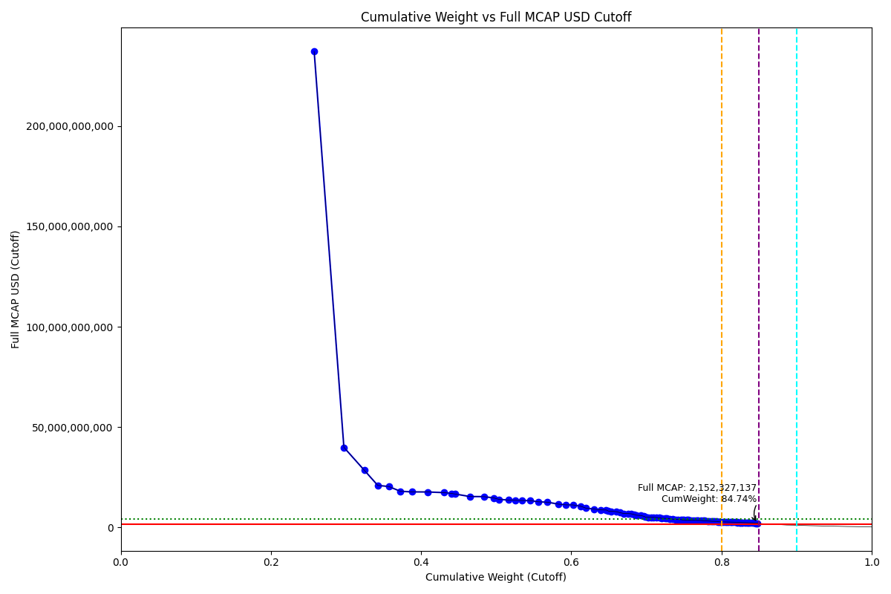
Date | ENTITY_QID | Country | Internal_Number | Instrument_Name | Free_Float_MCAP_USD_Cutoff_Company | Full_MCAP_USD_Cutoff_Company | Weight_Cutoff | CumWeight_Cutoff | Size | Case | Shadow_Company
2019-06-24 | E004YRA1J | KR | KR002D | Samsung Electronics Co Ltd | 2.0761779205E+11 | 2.3708062365E+11 | 0.25763377691 | 0.25763377691 | Standard | Inside
2019-06-24 | E004YRBCK | KR | KR00EP | SK HYNIX INC | 31905139331 | 39916350971 | 0.039591219364 | 0.29722499628 | Standard | Inside
2019-06-24 | E004YR9Z4 | KR | KR18J3 | HYUNDAI MOTOR PF. | 21924330084 | 28510093656 | 0.027205991886 | 0.32443098816 | Standard | Inside
2019-06-24 | E004YMVY2 | KR | KR005G | LG Chem Ltd | 14400168007 | 20980870947 | 0.017869228042 | 0.34230021621 | Standard | Inside
2019-06-24 | E004YM5UC | KR | KR063K | Celltrion | 11849849068 | 20413176689 | 0.014704526723 | 0.35700474293 | Standard | Inside
2019-06-24 | E004YNLDW | KR | KR17VE | LG HOUSEHOLD 1PF | 12341637692 | 18044968473 | 0.01531478926 | 0.37231953219 | Standard | Inside
2019-06-24 | E004YMUS3 | KR | KR007I | Hyundai Mobis | 12392642317 | 17736714351 | 0.015378081111 | 0.3876976133 | Standard | Inside
2019-06-24 | E004YRBW7 | KR | KR00AL | Shinhan Financial Group Co Ltd | 16801237798 | 17698554512 | 0.020848725478 | 0.40854633878 | Standard | Inside
2019-06-24 | E004YRDSS | KR | KR003E | POSCO | 17386789154 | 17386789154 | 0.021575338578 | 0.43012167735 | Standard | Inside
2019-06-24 | E004YRC5Y | KR | KR048N | SK TELECOM | 8322008587 | 16983690009 | 0.010326814878 | 0.44044849223 | Standard | Inside
2019-06-24 | E004YNP4A | KR | KR70EW | SAMSUNG BIOLOGICS | 4178388010.2 | 16666884764 | 0.0051849789648 | 0.4456334712 | Standard | Inside
2019-06-24 | E004YQLMC | KR | KR00NY | NAVER CORP | 15430224117 | 15430224117 | 0.01914742893 | 0.46478090013 | Standard | Inside
2019-06-24 | E004YMD23 | KR | KR008J | KB Financial Group Inc | 15376982598 | 15376982598 | 0.019081361309 | 0.48386226144 | Standard | Inside
2019-06-24 | E004YNK41 | KR | KR507N | SAMSUNG C&T CORP | 10548069983 | 14701142834 | 0.013089143672 | 0.49695140511 | Standard | Inside
2019-06-24 | E004YRDHG | KR | KR009K | Korea Electric Power Corp | 5605946149.4 | 14014865545 | 0.0069564417644 | 0.50390784687 | Standard | Inside
2019-06-24 | E004YQLKO | KR | KR053J | SK HOLDINGS | 10160471894 | 13676769274 | 0.0126081716 | 0.51651601847 | Standard | Inside
2019-06-24 | E004YM8OF | KR | KR00BM | Samsung Life Insurance Co Ltd | 7329946375.1 | 13568949232 | 0.0090957607755 | 0.52561177925 | Standard | Inside
2019-06-24 | E004YN6Y7 | KR | KR503J | SAMSUNG SDS | 6877843792 | 13449049261 | 0.0085347448101 | 0.53414652406 | Standard | Inside
2019-06-24 | E004YPZDH | KR | KR00GR | Kia Motors Corp | 8855782056.7 | 13393499783 | 0.010989176584 | 0.54513570064 | Standard | Inside
2019-06-24 | E004YRDLT | KR | KR00HS | SK INNOVATION | 8531846976.4 | 12810581046 | 0.010587204203 | 0.55572290484 | Standard | Inside
2019-06-24 | E004YRAIG | KR | KR00OZ | Samsung SDI Co Ltd | 10145766200 | 12615973887 | 0.012589923243 | 0.56831282809 | Standard | Inside
2019-06-24 | E004YQUWE | KR | KR00S3 | KT&G Corp | 11643218261 | 11643218261 | 0.014448117699 | 0.58276094579 | Standard | Inside
2019-06-24 | E004YR81J | KR | KR00JU | Samsung Fire & Marine Insuranc | 8058264772.6 | 11287975974 | 0.0099995340874 | 0.59276047987 | Standard | Inside
2019-06-24 | E004YPU7R | KR | KR00CN | LG Electronics Inc | 7622756503 | 11259232556 | 0.0094591100743 | 0.60221958995 | Standard | Inside
2019-06-24 | E004YO9SG | KR | KR00DO | LG Corp | 8207461620.7 | 10620421352 | 0.010184673073 | 0.61240426302 | Standard | Inside
2019-06-24 | E004YMTGJ | KR | KR06O5 | Amorepacific | 5617008125 | 9669244623.7 | 0.0069701686157 | 0.61937443164 | Standard | Inside
2019-06-24 | E004YR9JS | KR | KR06L2 | Hana Financial G | 9151304793.7 | 9151304793.7 | 0.011355891971 | 0.63073032361 | Standard | Inside
2019-06-24 | E004YQNUI | KR | KR05BR | NCsoft | 6949981829.6 | 8782992328.6 | 0.0086242611993 | 0.63935458481 | Standard | Inside
2019-06-24 | E004YNJQ0 | KR | KR056M | KAKAO CORP | 5783752536.5 | 8717034719.7 | 0.0071770824457 | 0.64653166725 | Standard | Inside
2019-06-24 | E004YRR5G | KR | KR718R | NETMARBLE CORP | 2400630906.7 | 8173751810.5 | 0.0029789528218 | 0.64951062007 | Standard | Inside
2019-06-24 | E004YRBGO | KR | KR17TC | S-OIL PF. | 3074337180.1 | 8097360737.1 | 0.0038149577231 | 0.6533255778 | Standard | Inside
2019-06-24 | E004YRS86 | KR | KR00IT | WOORI FINANCIAL GROUP | 5470002911.8 | 7889806594.3 | 0.0067877492386 | 0.66011332704 | Standard | Inside
2019-06-24 | E004YNK5N | KR | KR03Q4 | LOTTE CHEMICAL CORPORATION | 3523993295.6 | 7425186042.2 | 0.0043729378567 | 0.66448626489 | Standard | Inside
2019-06-24 | E004YRDQK | KR | KR006H | KOREA SHIPBUILDING & OFFSHORE | 4360572259.2 | 6982501616 | 0.0054110521529 | 0.66989731705 | Standard | Inside
2019-06-24 | E004YQFR7 | KR | KR03JX | Korea Zinc | 5060764873.2 | 6924018160.1 | 0.0062799240638 | 0.67617724111 | Standard | Inside
2019-06-24 | E004YTOAD | KR | KR71EX | CELLTRION HEALTHCARE | 2660013313.2 | 6846881115.1 | 0.0033008215229 | 0.67947806263 | Standard | Inside
2019-06-24 | E004YR9YX | KR | KR001C | Industrial Bank of Korea | 3056816134.4 | 6512177533.9 | 0.003793215785 | 0.68327127842 | Standard | Inside
2019-06-24 | E004YRDSX | KR | KR04VA | KT Corp | 3002681479.9 | 6127921387.5 | 0.0037260398683 | 0.68699731829 | Standard | Inside
2019-06-24 | E004YMCFN | KR | KR00KV | Samsung Electro-Mechanics Co L | 4556246508.2 | 5970706995.4 | 0.0056538651379 | 0.69265118342 | Standard | Inside
2019-06-24 | E004YSJFY | KR | KR055L | Kangwon Land | 3256851428.8 | 5577755486.8 | 0.0040414404091 | 0.69669262383 | Standard | Inside
2019-06-24 | E004YNK42 | KR | KR04DS | HANON SYSTEMS | 1560297509.3 | 5199258611.4 | 0.0019361796331 | 0.69862880347 | Standard | Inside
2019-06-24 | E004YP8J8 | KR | KR00FQ | LG Display Co Ltd | 3190450155.6 | 5137600894.7 | 0.0039590427946 | 0.70258784626 | Standard | Inside
2019-06-24 | E004YOW20 | KR | KR06K1 | HYUNDAI GLOVIS CO LTD | 2965636177.5 | 5116694578.1 | 0.0036800701993 | 0.70626791646 | Standard | Inside
2019-06-24 | E004YQBMC | KR | KR04YD | LG Uplus | 2141435908.5 | 5114157525.5 | 0.0026573166764 | 0.70892523314 | Standard | Inside
2019-06-24 | E004YMY3K | KR | KR04IX | WOONGJIN COWAY | 3312170019.5 | 4963539666.6 | 0.0041100854772 | 0.71303531861 | Standard | Inside
2019-06-24 | E004YNAZX | KR | KR01AM | Hyundai Eng&Con | 3127722614.4 | 4805965910.2 | 0.0038812039293 | 0.71691652254 | Standard | Inside
2019-06-24 | E004YOZBR | KR | KR00LW | HYUNDAI STEEL CO | 2928120998.5 | 4571617484 | 0.0036335174585 | 0.72055004 | Standard | Inside
2019-06-24 | E004YMXTQ | KR | KR1J61 | MIRAE ASSET SECURITIES 2PREF | 3473857582.8 | 4566203844 | 0.0043107242433 | 0.72486076424 | Standard | Inside
2019-06-24 | E004YNAXW | KR | KR01ZB | AMOREG | 2068304787.9 | 4486561362 | 0.0025665679663 | 0.72742733221 | Standard | Inside
2019-06-24 | E004YOXDC | KR | KR70SA | HYUNDAI HEAVY INDUSTRIES HLDS | 2986076121.6 | 4321383678.1 | 0.0037054342104 | 0.73113276642 | Standard | Inside
2019-06-24 | E004YMCFI | KR | KR03KY | Samsung Heavy In | 3155524175.8 | 4152551882.8 | 0.0039157030018 | 0.73504846942 | Standard | Inside
2019-06-24 | E004YNC2M | KR | KR10BN | Fila Korea | 3198518802.1 | 4002651485.6 | 0.0039690552115 | 0.73901752463 | Standard | Inside
2019-06-24 | E004YNZZK | KR | KR10EQ | HanmiPharm | 2028130206 | 3984538715.1 | 0.0025167151615 | 0.7415342398 | Standard | Inside
2019-06-24 | E004YNP8D | KR | KR06EV | GS Holdings | 3703084015.5 | 3908680615.9 | 0.0045951722717 | 0.74612941207 | Standard | Inside
2019-06-24 | E004YMWXF | KR | KR00U5 | Lotte Shopping Co Ltd | 1605686306.1 | 3778085426.2 | 0.0019925027788 | 0.74812191485 | Standard | Inside
2019-06-24 | E004YO1NM | KR | KR03FT | HANMI SCIENCE | 1771179121.9 | 3754088855.2 | 0.0021978634984 | 0.75031977834 | Standard | Inside
2019-06-24 | E004YN6Y2 | KR | KR02O1 | LOTTE CORP | 2681309659.3 | 3717329348.8 | 0.0033272482468 | 0.75364702659 | Standard | Inside
2019-06-24 | E004YR8PS | KR | KR51IZ | CJ CHEIL JEDANG 1P | 2104691360.7 | 3683719201.4 | 0.002611720215 | 0.75625874681 | Standard | Inside
2019-06-24 | E004YMV0L | KR | KR02XA | DB Insurance | 2926675492.3 | 3656059328.3 | 0.0036317237239 | 0.75989047053 | Standard | Inside
2019-06-24 | E004YMH7B | KR | KR20LY | HANKOOK TIRE & TECHNOLOGY | 2330989497.1 | 3640464621.5 | 0.0028925345086 | 0.76278300504 | Standard | Inside
2019-06-24 | E004YR7YF | KR | KR068P | Kr Inv Holdings | 2732035155.4 | 3598940182.7 | 0.0033901937247 | 0.76617319876 | Standard | Inside
2019-06-24 | E004YMS6W | KR | KR04T8 | Samsung Card | 1006693729 | 3579991923.9 | 0.0012492104123 | 0.76742240918 | Standard | Inside | TRUE
2019-06-24 | E004YM7P3 | KR | KR057N | CJ ENM | 1171010589.3 | 3527502917.1 | 0.0014531118839 | 0.76887552106 | Standard | Inside
2019-06-24 | E004YPAU2 | KR | KR06M3 | MACQUARIE KOREA INFR.FD. | 3187091519.9 | 3502298373.6 | 0.0039548750497 | 0.77283039611 | Standard | Inside
2019-06-24 | E004YOMJ4 | KR | KR17P8 | E-MART | 2408225897 | 3370505104.3 | 0.0029883774766 | 0.77581877359 | Standard | Inside
2019-06-24 | E004YOR8Y | KR | KR02ZC | NH INV&SEC | 1766420342.3 | 3332977958.1 | 0.0021919583091 | 0.7780107319 | Standard | Inside
2019-06-24 | E004YMLZB | KR | KR70UC | SILLAJEN | 3052083666.9 | 3218479032.8 | 0.0037873432464 | 0.78179807514 | Standard | Inside
2019-06-24 | E004YRAEB | KR | KR058O | Korea Gas | 960370916.09 | 3201236630.7 | 0.0011917282421 | 0.78298980338 | Standard | Inside | TRUE
2019-06-24 | E004YPW5X | KR | KR03ES | Hotel Shilla | 2730671097.7 | 3117560335.3 | 0.0033885010599 | 0.78637830444 | Standard | Inside
2019-06-24 | E004YSJDN | KR | KR03ZD | S-1 Corporation | 1775940892 | 3063023270.1 | 0.0022037723987 | 0.78858207684 | Standard | Inside
2019-06-24 | E004YOZBB | KR | KR00ZA | CJ LOGISTICS | 1828214063 | 3055170559.8 | 0.0022686383928 | 0.79085071524 | Standard | Inside
2019-06-24 | E004YQKSO | KR | KR012E | Daelim Ind | 2368931928.5 | 3024297112.9 | 0.0029396174286 | 0.79379033266 | Standard | Inside
2019-06-24 | E004YPQMA | KR | KR70ZH | ORION KR | 1536107758.2 | 2854688270.2 | 0.0019061624709 | 0.79569649513 | Standard | Inside
2019-06-24 | E004YP3G8 | KR | KR70VD | DOOSAN BOBCAT | 1246168397.8 | 2836713857.9 | 0.0015463755193 | 0.79724287065 | Standard | Inside
2019-06-24 | E004YOD2O | KR | KR03HV | HANWHA CHEMICAL | 1785145190.1 | 2828176790.5 | 0.0022151940503 | 0.7994580647 | Standard | Inside
2019-06-24 | E004YQVQO | KR | KR04O3 | Samsung Eng | 2235535504.6 | 2748383949.6 | 0.0027740852545 | 0.80223214996 | Standard | Inside
2019-06-24 | E004YNLX5 | KR | KR19UF | KOREA AEROSPACE INDS. | 2713201912.1 | 2713201912.1 | 0.0033668234752 | 0.80559897343 | Standard | Inside
2019-06-24 | E004YU4RW | KR | KR71H0 | BGF RETAIL | 1400678896.8 | 2706625887.5 | 0.0017381082366 | 0.80733708167 | Standard | Inside
2019-06-24 | E004YNHIC | KR | KR108K | POSCO CHEMICAL | 1130267115 | 2698178837.5 | 0.0014025531381 | 0.80873963481 | Standard | Inside
2019-06-24 | E004YQVQC | KR | KR035J | GS E&C | 2435384845.3 | 2684507104.6 | 0.0030220791279 | 0.81176171394 | Standard | Inside
2019-06-24 | E004YMB0V | KR | KR05IY | DAEWOO SHIPBLDG.& MAR. ENGR. | 957279958.27 | 2668748141.3 | 0.0011878926598 | 0.8129496066 | Standard | Inside | TRUE
2019-06-24 | E004YQ12X | KR | KR00Y9 | Yuhan | 2048560518.8 | 2655295552.6 | 0.0025420672212 | 0.81549167382 | Standard | Inside
2019-06-24 | E004YP39I | KR | KR043I | Samsung Sec | 1867884462.9 | 2650609426.5 | 0.002317865556 | 0.81780953937 | Standard | Inside
2019-06-24 | E004YPXP3 | KR | KR209M | HELIXMITH | 2342129925.9 | 2609906313.7 | 0.0029063587127 | 0.82071589809 | Standard | Inside
2019-06-24 | E004YMCFS | KR | KR025I | Ssangyong Cem | 569411057.81 | 2551124811 | 0.00070658453687 | 0.82142248262 | Standard | Inside | TRUE
2019-06-24 | E004YQLKP | KR | KR04U9 | Cheil Worldwide | 1906477035.3 | 2550129795.7 | 0.0023657552388 | 0.82378823786 | Standard | Inside
2019-06-24 | E004YQKQ8 | KR | KR029M | KOREAN AIR LINES | 1231155903.8 | 2512563171.2 | 0.0015277464535 | 0.82531598432 | Standard | Inside
2019-06-24 | E004YP7U5 | KR | KR714N | ORANGE LIFE INSURANCE | 1020980387.1 | 2499339992.8 | 0.0012669387854 | 0.8265829231 | Standard | Inside | TRUE
2019-06-24 | E004YP194 | KR | KR01DP | CJ Corp | 1440357773.2 | 2486376269.9 | 0.0017873459184 | 0.82837026902 | Standard | Inside
2019-06-24 | E004YM730 | KR | KR00T4 | SHINSEGAE | 1772456675.2 | 2463456115.6 | 0.0021994488196 | 0.83056971784 | Standard | Inside
2019-06-24 | E004YP1ER | KR | KR03T7 | Kumho | 1866047889.3 | 2450811517.3 | 0.0023155865443 | 0.83288530438 | Standard | Inside
2019-06-24 | E004YR6M8 | KR | KR03DR | MERITZ SEC | 1334398872.7 | 2390110823.4 | 0.0016558610806 | 0.83454116546 | Standard | Inside
2019-06-24 | E004YO4LE | KR | KR101D | HANWHA LIFE | 1094634722.4 | 2340963905.9 | 0.0013583367547 | 0.83589950222 | Standard | Inside
2019-06-24 | E004YMP3W | KR | KR01MY | Hyundai Mar&Fire | 1802762576.2 | 2308274745.4 | 0.0022370555375 | 0.83813655776 | Standard | Inside
2019-06-24 | E004YMWXC | KR | KR508O | HLB | 2073217609.4 | 2304855596.9 | 0.0025726643069 | 0.84070922206 | Standard | Inside
2019-06-24 | E004YRC7I | KR | KR01W8 | KCC | 1430448965.5 | 2286888833.7 | 0.001775050038 | 0.8424842721 | Standard | Inside
2019-06-24 | E004YQVQS | KR | KR20DQ | GS RETAIL | 752896154.9 | 2198236948.6 | 0.00093427195279 | 0.84341854405 | Standard | Inside | TRUE
2019-06-24 | E004YS4JG | KR | KR160I | Medy-Tox | 1783335236.4 | 2188409910.8 | 0.0022129480711 | 0.84563149212 | Standard | Inside
2019-06-24 | E004YMKTX | KR | KR03AO | Ottogi | 1395138450.1 | 2152327136.9 | 0.0017312330734 | 0.8473627252 | Standard | Inside

2019-09-23_KR

Date | ENTITY_QID | Country | Internal_Number | Instrument_Name | Free_Float_MCAP_USD_Cutoff_Company | Full_MCAP_USD_Cutoff_Company | Weight_Cutoff | CumWeight_Cutoff | Case | Size | Shadow_Company
2019-09-23 | E004YRA1J | KR | KR002D | Samsung Electronics Co Ltd | 2.1187741446E+11 | 2.4186550878E+11 | 0.27718075065 | 0.27718075065 | Below - Companies in between Upper and Lower GMSR | Deletion
2019-09-23 | E004YRBCK | KR | KR00EP | SK HYNIX INC | 37179116316 | 46514595666 | 0.048638196738 | 0.32581894739 | Below - Companies in between Upper and Lower GMSR | Deletion
2019-09-23 | E004YR9Z4 | KR | KR18J3 | HYUNDAI MOTOR PF. | 20754645758 | 26942237963 | 0.027151493732 | 0.35297044112 | Below - Companies in between Upper and Lower GMSR | Deletion
2019-09-23 | E004YMVY2 | KR | KR18K4 | LG CHEM 1PF | 13971946697 | 20393057367 | 0.018278279841 | 0.37124872096 | Below - Companies in between Upper and Lower GMSR | Deletion
2019-09-23 | E004YQLMC | KR | KR00NY | NAVER CORP | 19931759099 | 19931759099 | 0.026074982852 | 0.39732370381 | Below - Companies in between Upper and Lower GMSR | Deletion
2019-09-23 | E004YMUS3 | KR | KR007I | Hyundai Mobis | 13660168002 | 19550834409 | 0.017870406954 | 0.41519411076 | Below - Companies in between Upper and Lower GMSR | Deletion
2019-09-23 | E004YM5UC | KR | KR063K | Celltrion | 11206899356 | 16583159746 | 0.014661009451 | 0.42985512022 | Below - Companies in between Upper and Lower GMSR | Deletion
2019-09-23 | E004YNLDW | KR | KR05Q6 | LG H&H | 11286194719 | 16458952588 | 0.014764744662 | 0.44461986488 | Below - Companies in between Upper and Lower GMSR | Deletion
2019-09-23 | E004YRC5Y | KR | KR048N | SK TELECOM | 7822338136.8 | 15963954455 | 0.010233283062 | 0.45485314794 | Below - Companies in between Upper and Lower GMSR | Deletion
2019-09-23 | E004YRBW7 | KR | KR00AL | Shinhan Financial Group Co Ltd | 15142855030 | 15951601211 | 0.019810077137 | 0.47466322508 | Below - Companies in between Upper and Lower GMSR | Deletion
2019-09-23 | E004YRDSS | KR | KR003E | POSCO | 15186191324 | 15186191324 | 0.019866770234 | 0.49452999531 | Below - Companies in between Upper and Lower GMSR | Deletion
2019-09-23 | E004YNP4A | KR | KR70EW | SAMSUNG BIOLOGICS | 3683413115 | 14692513422 | 0.004818688272 | 0.49934868358 | Below - Companies in between Upper and Lower GMSR | Deletion
2019-09-23 | E004YPZDH | KR | KR00GR | Kia Motors Corp | 9668837434.4 | 14623166114 | 0.012648897122 | 0.5119975807 | Below - Companies in between Upper and Lower GMSR | Deletion
2019-09-23 | E004YRAIG | KR | KR00OZ | Samsung SDI Co Ltd | 11389760632 | 14162845849 | 0.014900230917 | 0.52689781162 | Below - Companies in between Upper and Lower GMSR | Deletion
2019-09-23 | E004YMD23 | KR | KR008J | KB Financial Group Inc | 13702447833 | 13702447833 | 0.017925717971 | 0.54482352959 | Below - Companies in between Upper and Lower GMSR | Deletion
2019-09-23 | E004YRDHG | KR | KR009K | Korea Electric Power Corp | 5415980802.7 | 13539952173 | 0.007085255539 | 0.55190878513 | Below - Companies in between Upper and Lower GMSR | Deletion
2019-09-23 | E004YNK41 | KR | KR507N | SAMSUNG C&T CORP | 9707238099.9 | 13529251707 | 0.012699133365 | 0.5646079185 | Below - Companies in between Upper and Lower GMSR | Deletion
2019-09-23 | E004YRDLT | KR | KR00HS | SK INNOVATION | 8387908720.4 | 12594457538 | 0.010973169752 | 0.57558108825 | Below - Companies in between Upper and Lower GMSR | Deletion
2019-09-23 | E004YN6Y7 | KR | KR503J | SAMSUNG SDS | 6402486509.9 | 12519527786 | 0.0083758149558 | 0.5839569032 | Below - Companies in between Upper and Lower GMSR | Deletion
2019-09-23 | E004YQLKO | KR | KR053J | SK HOLDINGS | 8678644429.7 | 11616442819 | 0.011353513935 | 0.59531041714 | Below - Companies in between Upper and Lower GMSR | Deletion
2019-09-23 | E004YQUWE | KR | KR00S3 | KT&G Corp | 11560123528 | 11560123528 | 0.015123101843 | 0.61043351898 | Below - Companies in between Upper and Lower GMSR | Deletion
2019-09-23 | E004YM8OF | KR | KR00BM | Samsung Life Insurance Co Ltd | 6082532659 | 11259779080 | 0.0079572472251 | 0.61839076621 | Below - Companies in between Upper and Lower GMSR | Deletion
2019-09-23 | E004YO9SG | KR | KR00DO | LG Corp | 7837824192.7 | 10142112051 | 0.010253542119 | 0.62864430833 | Below - Companies in between Upper and Lower GMSR | Deletion
2019-09-23 | E004YQNUI | KR | KR05BR | NCsoft | 7693165833.8 | 9720957586.3 | 0.010064298199 | 0.63870860652 | Below - Companies in between Upper and Lower GMSR | Deletion
2019-09-23 | E004YR81J | KR | KR00JU | Samsung Fire & Marine Insuranc | 6694158167.8 | 9377280780.4 | 0.008757383559 | 0.64746599008 | Below - Companies in between Upper and Lower GMSR | Deletion
2019-09-23 | E004YNJQ0 | KR | KR056M | KAKAO CORP | 6150304233.5 | 9258323398.3 | 0.0080459068678 | 0.65551189695 | Below - Companies in between Upper and Lower GMSR | Deletion
2019-09-23 | E004YRBGO | KR | KR17TC | S-OIL PF. | 3462860578.7 | 9178221514.1 | 0.0045301586157 | 0.66004205557 | Below - Companies in between Upper and Lower GMSR | Deletion
2019-09-23 | E004YPU7R | KR | KR00CN | LG Electronics Inc | 5859563829.4 | 8647798342.2 | 0.0076655565429 | 0.66770761211 | Below - Companies in between Upper and Lower GMSR | Deletion
2019-09-23 | E004YR9JS | KR | KR06L2 | Hana Financial G | 8055089947.3 | 8055089947.3 | 0.010537771965 | 0.67824538408 | Below - Companies in between Upper and Lower GMSR | Deletion
2019-09-23 | E004YMTGJ | KR | KR06O5 | Amorepacific | 4009390884.7 | 6902706050.3 | 0.0052451365706 | 0.68349052065 | Below - Companies in between Upper and Lower GMSR | Deletion
2019-09-23 | E004YQFR7 | KR | KR03JX | Korea Zinc | 4952615566 | 6776050849.7 | 0.0064790751943 | 0.68996959584 | Below - Companies in between Upper and Lower GMSR | Deletion
2019-09-23 | E004YRS86 | KR | KR00IT | WOORI FINANCIAL GROUP | 4603947438.7 | 6640628066.8 | 0.0060229430789 | 0.69599253892 | Below - Companies in between Upper and Lower GMSR | Deletion
2019-09-23 | E004YRR5G | KR | KR718R | NETMARBLE CORP | 1956241491.7 | 6611157457.7 | 0.0025591802057 | 0.69855171912 | Below - Companies in between Upper and Lower GMSR | Deletion
2019-09-23 | E004YRDQK | KR | KR006H | KOREA SHIPBUILDING & OFFSHORE | 4013367637.3 | 6426529443.3 | 0.0052503390093 | 0.70380205813 | Below - Companies in between Upper and Lower GMSR | Deletion
2019-09-23 | E004YNK5N | KR | KR03Q4 | LOTTE CHEMICAL CORPORATION | 3021402079.8 | 6366207500.6 | 0.0039526369463 | 0.70775469508 | Below - Companies in between Upper and Lower GMSR | Deletion
2019-09-23 | E004YR9YX | KR | KR001C | Industrial Bank of Korea | 2762524341.8 | 5885224417.9 | 0.0036139697697 | 0.71136866485 | Below - Companies in between Upper and Lower GMSR | Deletion
2019-09-23 | E004YRDSX | KR | KR04VA | KT Corp | 2851686997.5 | 5819769382.6 | 0.0037306134992 | 0.71509927835 | Below - Companies in between Upper and Lower GMSR | Deletion
2019-09-23 | E004YMCFN | KR | KR00KV | Samsung Electro-Mechanics Co L | 4192360366.9 | 5493854497.3 | 0.0054844995935 | 0.72058377794 | Below - Companies in between Upper and Lower GMSR | Deletion
2019-09-23 | E004YTOAD | KR | KR71EX | CELLTRION HEALTHCARE | 2163877961.4 | 5258512664.5 | 0.0028308128981 | 0.72341459084 | Below - Companies in between Upper and Lower GMSR | Deletion
2019-09-23 | E004YMY3K | KR | KR04IX | WOONGJIN COWAY | 3422967970.6 | 5129578856 | 0.0044779705943 | 0.72789256144 | Below - Companies in between Upper and Lower GMSR | Deletion
2019-09-23 | E004YNK42 | KR | KR04DS | HANON SYSTEMS | 1533974193.5 | 5111543463.8 | 0.0020067647111 | 0.72989932615 | Below - Companies in between Upper and Lower GMSR | Deletion
2019-09-23 | E004YSJFY | KR | KR055L | Kangwon Land | 2662711786.7 | 4989154556.2 | 0.0034833937051 | 0.73338271985 | Below - Companies in between Upper and Lower GMSR | Deletion
2019-09-23 | E004YOW20 | KR | KR06K1 | HYUNDAI GLOVIS CO LTD | 2870748367.2 | 4952982000 | 0.0037555498276 | 0.73713826968 | Below - Companies in between Upper and Lower GMSR | Deletion
2019-09-23 | E004YQBMC | KR | KR04YD | LG Uplus | 1990811498.6 | 4757562066.5 | 0.002604405132 | 0.73974267481 | Below - Companies in between Upper and Lower GMSR | Deletion
2019-09-23 | E004YMXTQ | KR | KR1J61 | MIRAE ASSET SECURITIES 2PREF | 3404794178.7 | 4515860140.5 | 0.0044541954067 | 0.74419687022 | Below - Companies in between Upper and Lower GMSR | Deletion
2019-09-23 | E004YOXDC | KR | KR70SA | HYUNDAI HEAVY INDUSTRIES HLDS | 3079696808.3 | 4456869476.5 | 0.0040288988577 | 0.74822576908 | Below - Companies in between Upper and Lower GMSR | Deletion
2019-09-23 | E004YP8J8 | KR | KR00FQ | LG Display Co Ltd | 2558825673.2 | 4120492227.3 | 0.0033474885592 | 0.75157325763 | Below - Companies in between Upper and Lower GMSR | Deletion
2019-09-23 | E004YOZBR | KR | KR00LW | HYUNDAI STEEL CO | 2631772387.3 | 4108934250.2 | 0.0034429183861 | 0.75501617602 | Below - Companies in between Upper and Lower GMSR | Deletion
2019-09-23 | E004YMCFI | KR | KR03KY | Samsung Heavy In | 3386416943.9 | 4030489102.5 | 0.0044301540724 | 0.75944633009 | Below - Companies in between Upper and Lower GMSR | Deletion
2019-09-23 | E004YNAXW | KR | KR01ZB | AMOREG | 1851408192.9 | 4016069832.7 | 0.0024220359398 | 0.76186836603 | Below - Companies in between Upper and Lower GMSR | Deletion
2019-09-23 | E004YNAZX | KR | KR01AM | Hyundai Eng&Con | 2473724117.7 | 3801051195 | 0.0032361576131 | 0.76510452365 | Below - Companies in between Upper and Lower GMSR | Deletion
2019-09-23 | E004YNP8D | KR | KR06EV | GS Holdings | 3488009949.7 | 3681665558.1 | 0.0045630593454 | 0.76966758299 | Below - Companies in between Upper and Lower GMSR | Deletion
2019-09-23 | E004YR7YF | KR | KR518P | KOREA INVESTMENT 1P | 2680586432.4 | 3531688980.5 | 0.0035067775459 | 0.77317436054 | Below - Companies in between Upper and Lower GMSR | Deletion
2019-09-23 | E004YPAU2 | KR | KR06M3 | MACQUARIE KOREA INFR.FD. | 3028441939.5 | 3327958175.2 | 0.003961846581 | 0.77713620712 | Below - Companies in between Upper and Lower GMSR | Deletion
2019-09-23 | E004YPXP3 | KR | KR209M | HELIXMITH | 2800907548 | 3212786818.1 | 0.0036641831722 | 0.78080039029 | Below - Companies in between Upper and Lower GMSR | Deletion
2019-09-23 | E004YMS6W | KR | KR04T8 | Samsung Card | 891228866.73 | 3170504684.2 | 0.0011659170323 | 0.78196630732 | Below - Companies in between Upper and Lower GMSR | Deletion | TRUE
2019-09-23 | E004YSJDN | KR | KR03ZD | S-1 Corporation | 1836915954.1 | 3168188951.6 | 0.0024030770072 | 0.78436938433 | Below - Companies in between Upper and Lower GMSR | Deletion
2019-09-23 | E004YNLX5 | KR | KR19UF | KOREA AEROSPACE INDS. | 3162290550.2 | 3162290550.2 | 0.0041369490501 | 0.78850633338 | Below - Companies in between Upper and Lower GMSR | Deletion
2019-09-23 | E004YMWXF | KR | KR00U5 | Lotte Shopping Co Ltd | 1341807662 | 3157194498.8 | 0.0017553699903 | 0.79026170337 | Below - Companies in between Upper and Lower GMSR | Deletion
2019-09-23 | E004YMH7B | KR | KR20LY | HANKOOK TIRE & TECHNOLOGY | 1905349867.4 | 2980835211.9 | 0.0024926031302 | 0.7927543065 | Below - Companies in between Upper and Lower GMSR | Deletion
2019-09-23 | E004YRAEB | KR | KR058O | Korea Gas | 892731016.97 | 2975770283.1 | 0.0011678821645 | 0.79392218867 | Below - Companies in between Upper and Lower GMSR | Deletion | TRUE
2019-09-23 | E004YP3G8 | KR | KR70VD | DOOSAN BOBCAT | 1303306709 | 2966780580.4 | 0.0017050025499 | 0.79562719121 | Below - Companies in between Upper and Lower GMSR | Deletion
2019-09-23 | E004YPQMA | KR | KR70ZH | ORION KR | 1582190091.9 | 2940327247.5 | 0.0020698413677 | 0.79769703258 | Below - Companies in between Upper and Lower GMSR | Deletion
2019-09-23 | E004YM7P3 | KR | KR057N | CJ ENM | 1427035121.2 | 2912316421.8 | 0.0018668656454 | 0.79956389823 | Below - Companies in between Upper and Lower GMSR | Deletion
2019-09-23 | E004YU4RW | KR | KR71H0 | BGF RETAIL | 1664005875.2 | 2903517493 | 0.0021768738247 | 0.80174077205 | Below - Companies in between Upper and Lower GMSR | Deletion
2019-09-23 | E004YN6Y2 | KR | KR02O1 | LOTTE CORP | 1144299049.5 | 2888185384.9 | 0.0014969866907 | 0.80323775874 | Below - Companies in between Upper and Lower GMSR | Deletion
2019-09-23 | E004YNC2M | KR | KR10BN | Fila Korea | 2306008863.8 | 2885757557 | 0.0030167503671 | 0.80625450911 | Below - Companies in between Upper and Lower GMSR | Deletion
2019-09-23 | E004YOR8Y | KR | KR02ZC | NH INV&SEC | 1454088601.7 | 2857316961.5 | 0.0019022573555 | 0.80815676647 | Below - Companies in between Upper and Lower GMSR | Deletion
2019-09-23 | E004YR8PS | KR | KR06XE | CJ CheilJedang | 1574010432.3 | 2838612141.3 | 0.0020591406322 | 0.8102159071 | Below - Companies in between Upper and Lower GMSR | Deletion
2019-09-23 | E004YQKSO | KR | KR012E | Daelim Ind | 2198454255.9 | 2806656780.1 | 0.0028760460498 | 0.81309195315 | Below - Companies in between Upper and Lower GMSR | Deletion
2019-09-23 | E004YMV0L | KR | KR02XA | DB Insurance | 2241019351.1 | 2799524486 | 0.0029317302532 | 0.8160236834 | Below - Companies in between Upper and Lower GMSR | Deletion
2019-09-23 | E004YOZBB | KR | KR00ZA | CJ LOGISTICS | 1611435895.6 | 2692907579.5 | 0.0021081011032 | 0.8181317845 | Below - Companies in between Upper and Lower GMSR | Deletion
2019-09-23 | E004YNZZK | KR | KR10EQ | HanmiPharm | 1369138163.4 | 2689858867.2 | 0.0017911241028 | 0.81992290861 | Below - Companies in between Upper and Lower GMSR | Deletion
2019-09-23 | E004YOMJ4 | KR | KR17P8 | E-MART | 1769494200.1 | 2669322975 | 0.0023148750041 | 0.82223778361 | Below - Companies in between Upper and Lower GMSR | Deletion
2019-09-23 | E004YNHIC | KR | KR108K | POSCO CHEMICAL | 1111430813.6 | 2653212732.4 | 0.001453988043 | 0.82369177165 | Below - Companies in between Upper and Lower GMSR | Deletion
2019-09-23 | E004YP39I | KR | KR043I | Samsung Sec | 1837417612.9 | 2602205938.1 | 0.0024037332837 | 0.82609550494 | Below - Companies in between Upper and Lower GMSR | Deletion
2019-09-23 | E004YPW5X | KR | KR03ES | Hotel Shilla | 2236223015.1 | 2553057443.9 | 0.002925455625 | 0.82902096056 | Below - Companies in between Upper and Lower GMSR | Deletion
2019-09-23 | E004YQVQO | KR | KR04O3 | Samsung Eng | 2039893231.3 | 2507859886 | 0.0026686144841 | 0.83168957505 | Below - Companies in between Upper and Lower GMSR | Deletion
2019-09-23 | E004YQLKP | KR | KR04U9 | Cheil Worldwide | 1874313427.5 | 2507107313.4 | 0.0024520008615 | 0.83414157591 | Below - Companies in between Upper and Lower GMSR | Deletion
2019-09-23 | E004YQVQS | KR | KR20DQ | GS RETAIL | 842515239.78 | 2459898510.3 | 0.0011021892408 | 0.83524376515 | Below - Companies in between Upper and Lower GMSR | Deletion | TRUE
2019-09-23 | E004YQ12X | KR | KR00Y9 | Yuhan | 1867527145.5 | 2420644388.2 | 0.0024431229604 | 0.83768688811 | Below - Companies in between Upper and Lower GMSR | Deletion
2019-09-23 | E004YMCFS | KR | KR025I | Ssangyong Cem | 538452275.18 | 2412420587.7 | 0.00070441017134 | 0.83839129828 | Below - Companies in between Upper and Lower GMSR | Deletion | TRUE
2019-09-23 | E004YMB0V | KR | KR05IY | DAEWOO SHIPBLDG.& MAR. ENGR. | 862176115.7 | 2403613369.7 | 0.0011279098508 | 0.83951920813 | Below - Companies in between Upper and Lower GMSR | Deletion | TRUE
2019-09-23 | E004YR6M8 | KR | KR03DR | MERITZ SEC | 1338649460.8 | 2377285492.5 | 0.0017512383911 | 0.84127044652 | Below - Companies in between Upper and Lower GMSR | Deletion
2019-09-23 | E004YOD2O | KR | KR03HV | HANWHA CHEMICAL | 1455611318.3 | 2306101581.6 | 0.0019042493929 | 0.84317469592 | Below - Companies in between Upper and Lower GMSR | Deletion
2019-09-23 | E004YO1NM | KR | KR03FT | HANMI SCIENCE | 1033658805.2 | 2190883436.2 | 0.0013522457043 | 0.84452694162 | Below - Companies in between Upper and Lower GMSR | Deletion
2019-09-23 | E004YNCQT | KR | KR04R6 | PANOCEAN | 967454179.37 | 2135660440.1 | 0.0012656359638 | 0.84579257758 | Below - Companies in between Upper and Lower GMSR | Deletion
2019-09-23 | E004YQVQC | KR | KR035J | GS E&C | 1932349002.5 | 2129779568.5 | 0.002527923745 | 0.84832050133 | Below - Companies in between Upper and Lower GMSR | Deletion
2019-09-23 | E004YU1DB | KR | KR812M | PEARLABYSS | 1227764846.4 | 2092662086.9 | 0.0016061777165 | 0.84992667905 | Below - Companies in between Upper and Lower GMSR | Deletion
2019-09-23 | E004YQRDQ | KR | KR308M | KMW | 1423728618.4 | 2065170609.8 | 0.0018625400361 | 0.85178921908 | Below - Companies in between Upper and Lower GMSR | Deletion
2019-09-23 | E004YRC7I | KR | KR01W8 | KCC | 1227591968.3 | 1965090392.6 | 0.0016059515551 | 0.85339517064 | Below - Companies in between Upper and Lower GMSR | Deletion
2019-09-23 | E004YP194 | KR | KR01DP | CJ Corp | 1137031732.9 | 1962768397.9 | 0.0014874794939 | 0.85488265013 | Below - Companies in between Upper and Lower GMSR | Deletion
2019-09-23 | E004YNZNW | KR | KR03O2 | LG Innotek | 1139441321.9 | 1924406894 | 0.0014906317492 | 0.85637328188 | Below - Companies in between Upper and Lower GMSR | Deletion
2019-09-23 | E004YM730 | KR | KR00T4 | SHINSEGAE | 1350771790.8 | 1877375664.8 | 0.0017670969786 | 0.85814037886 | Below - Companies in between Upper and Lower GMSR | Deletion
2019-09-23 | E004YNNDG | KR | KR05O4 | POSCO INTERNATIONAL | 693351034.19 | 1868870712.1 | 0.00090705071426 | 0.85904742957 | Below - Companies in between Upper and Lower GMSR | Deletion | TRUE

2019-12-23_KR
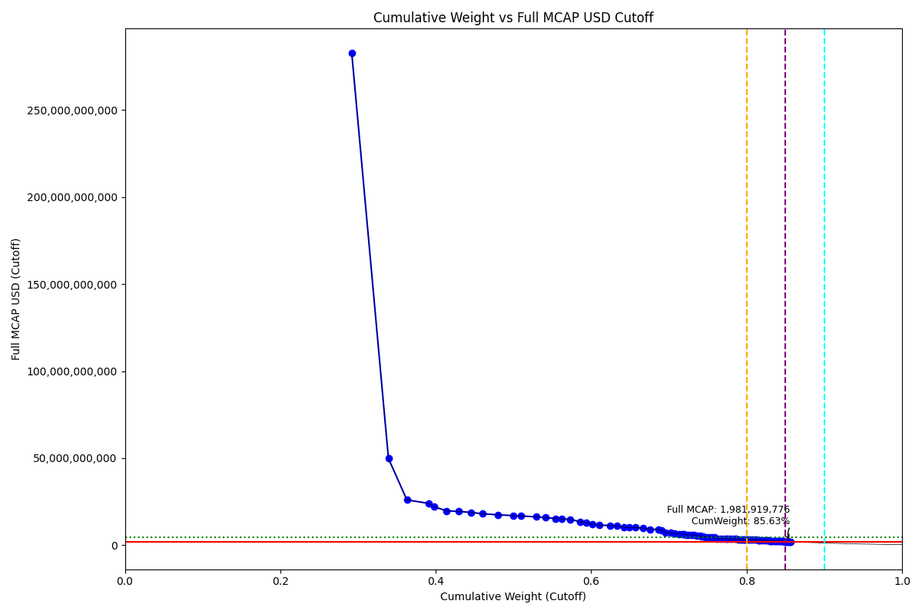
Date | ENTITY_QID | Country | Internal_Number | Instrument_Name | Free_Float_MCAP_USD_Cutoff_Company | Full_MCAP_USD_Cutoff_Company | Weight_Cutoff | CumWeight_Cutoff | Case | Size | Shadow_Company
2019-12-23 | E004YRA1J | KR | KR002D | Samsung Electronics Co Ltd | 2.4662060437E+11 | 2.8266758011E+11 | 0.29195606693 | 0.29195606693 | Below - Companies in between Upper and Lower GMSR | Deletion
2019-12-23 | E004YRBCK | KR | KR00EP | SK HYNIX INC | 39852652373 | 49859442478 | 0.047178635675 | 0.3391347026 | Below - Companies in between Upper and Lower GMSR | Deletion
2019-12-23 | E004YR9Z4 | KR | KR18H1 | HYUNDAI MOTOR PF.2 | 20055191436 | 26031305094 | 0.023741871966 | 0.36287657457 | Below - Companies in between Upper and Lower GMSR | Deletion
2019-12-23 | E004YQLMC | KR | KR00NY | NAVER CORP | 23998663630 | 23998663630 | 0.028410259812 | 0.39128683438 | Below - Companies in between Upper and Lower GMSR | Deletion
2019-12-23 | E004YNP4A | KR | KR70EW | SAMSUNG BIOLOGICS | 5525778771.9 | 22041399170 | 0.0065415646884 | 0.39782839907 | Below - Companies in between Upper and Lower GMSR | Deletion
2019-12-23 | E004YMUS3 | KR | KR007I | Hyundai Mobis | 13811674628 | 19767675151 | 0.016350629796 | 0.41417902887 | Below - Companies in between Upper and Lower GMSR | Deletion
2019-12-23 | E004YMVY2 | KR | KR005G | LG Chem Ltd | 13288671036 | 19395556533 | 0.015731484157 | 0.42991051302 | Below - Companies in between Upper and Lower GMSR | Deletion
2019-12-23 | E004YM5UC | KR | KR063K | Celltrion | 13280368501 | 18848096084 | 0.015721655394 | 0.44563216842 | Below - Companies in between Upper and Lower GMSR | Deletion
2019-12-23 | E004YNLDW | KR | KR05Q6 | LG H&H | 12356526202 | 18048324183 | 0.014627986174 | 0.46026015459 | Below - Companies in between Upper and Lower GMSR | Deletion
2019-12-23 | E004YRBW7 | KR | KR00AL | Shinhan Financial Group Co Ltd | 16591347110 | 17482979041 | 0.019641280418 | 0.47990143501 | Below - Companies in between Upper and Lower GMSR | Deletion
2019-12-23 | E004YRDSS | KR | KR003E | POSCO | 17013276036 | 17013276036 | 0.020140771165 | 0.50004220617 | Below - Companies in between Upper and Lower GMSR | Deletion
2019-12-23 | E004YRC5Y | KR | KR048N | SK TELECOM | 8239802107.9 | 16815921694 | 0.0097544980958 | 0.50979670427 | Below - Companies in between Upper and Lower GMSR | Deletion
2019-12-23 | E004YMD23 | KR | KR008J | KB Financial Group Inc | 16300010793 | 16300010793 | 0.019296388695 | 0.52909309296 | Below - Companies in between Upper and Lower GMSR | Deletion
2019-12-23 | E004YNK41 | KR | KR507N | SAMSUNG C&T CORP | 9970759572.5 | 15882063671 | 0.011803651834 | 0.5408967448 | Below - Companies in between Upper and Lower GMSR | Deletion
2019-12-23 | E004YQLKO | KR | KR053J | SK HOLDINGS | 11459079698 | 15338080175 | 0.013565565002 | 0.5544623098 | Below - Companies in between Upper and Lower GMSR | Deletion
2019-12-23 | E004YRDHG | KR | KR009K | Korea Electric Power Corp | 6065142680.8 | 15162856888 | 0.0071800781082 | 0.56164238791 | Below - Companies in between Upper and Lower GMSR | Deletion
2019-12-23 | E004YPZDH | KR | KR00GR | Kia Motors Corp | 9813626840.2 | 14842145856 | 0.011617633903 | 0.57326002181 | Below - Companies in between Upper and Lower GMSR | Deletion
2019-12-23 | E004YRAIG | KR | KR00OZ | Samsung SDI Co Ltd | 10814504702 | 13447531338 | 0.012802499884 | 0.5860625217 | Below - Companies in between Upper and Lower GMSR | Deletion
2019-12-23 | E004YN6Y7 | KR | KR503J | SAMSUNG SDS | 6549225880.3 | 12806464373 | 0.0077531487458 | 0.59381567044 | Below - Companies in between Upper and Lower GMSR | Deletion
2019-12-23 | E004YM8OF | KR | KR00BM | Samsung Life Insurance Co Ltd | 6548829807.2 | 12122972616 | 0.0077526798638 | 0.60156835031 | Below - Companies in between Upper and Lower GMSR | Deletion
2019-12-23 | E004YRDLT | KR | KR00HS | SK INNOVATION | 7637618878.9 | 11467896215 | 0.0090416174849 | 0.61060996779 | Below - Companies in between Upper and Lower GMSR | Deletion
2019-12-23 | E004YQUWE | KR | KR00S3 | KT&G Corp | 11367154550 | 11367154550 | 0.013456741553 | 0.62406670934 | Below - Companies in between Upper and Lower GMSR | Deletion
2019-12-23 | E004YNJQ0 | KR | KR056M | KAKAO CORP | 7397526321.8 | 10977187004 | 0.0087573894948 | 0.63282409884 | Below - Companies in between Upper and Lower GMSR | Deletion
2019-12-23 | E004YO9SG | KR | KR00DO | LG Corp | 8015386702.1 | 10371877203 | 0.0094888291368 | 0.64231292797 | Below - Companies in between Upper and Lower GMSR | Deletion
2019-12-23 | E004YMTGJ | KR | KR06O5 | Amorepacific | 5712139911 | 10138286300 | 0.0067621839888 | 0.64907511196 | Below - Companies in between Upper and Lower GMSR | Deletion
2019-12-23 | E004YPU7R | KR | KR00CN | LG Electronics Inc | 6829302287 | 10089895399 | 0.0080847106863 | 0.65715982265 | Below - Companies in between Upper and Lower GMSR | Deletion
2019-12-23 | E004YR81J | KR | KR17UD | SAMSUNG FIRE & MAR.IN.PF | 8380525543.2 | 9777371790.8 | 0.0099210902619 | 0.66708091291 | Below - Companies in between Upper and Lower GMSR | Deletion
2019-12-23 | E004YQNUI | KR | KR05BR | NCsoft | 7244079501.5 | 9152343021.5 | 0.0085757350454 | 0.67565664796 | Below - Companies in between Upper and Lower GMSR | Deletion
2019-12-23 | E004YR9JS | KR | KR06L2 | Hana Financial G | 9086856848.8 | 9086856848.8 | 0.010757264151 | 0.68641391211 | Below - Companies in between Upper and Lower GMSR | Deletion
2019-12-23 | E004YRBGO | KR | KR17TC | S-OIL PF. | 3275127219.8 | 8681762697.1 | 0.0038771831909 | 0.6902910953 | Below - Companies in between Upper and Lower GMSR | Deletion
2019-12-23 | E004YRDQK | KR | KR006H | KOREA SHIPBUILDING & OFFSHORE | 4490018310.6 | 7189781121.9 | 0.0053154037546 | 0.69560649905 | Below - Companies in between Upper and Lower GMSR | Deletion
2019-12-23 | E004YMCFN | KR | KR00KV | Samsung Electro-Mechanics Co L | 5356171672.6 | 7018964320 | 0.0063407792684 | 0.70194727832 | Below - Companies in between Upper and Lower GMSR | Deletion
2019-12-23 | E004YRS86 | KR | KR00IT | WOORI FINANCIAL GROUP | 4738576098.2 | 6695741272 | 0.0056096531107 | 0.70755693143 | Below - Companies in between Upper and Lower GMSR | Deletion
2019-12-23 | E004YQFR7 | KR | KR03JX | Korea Zinc | 4740476541.7 | 6485807281.1 | 0.0056119029067 | 0.71316883434 | Below - Companies in between Upper and Lower GMSR | Deletion
2019-12-23 | E004YNK5N | KR | KR03Q4 | LOTTE CHEMICAL CORPORATION | 3029697673.4 | 6383686627.6 | 0.0035866371303 | 0.71675547147 | Below - Companies in between Upper and Lower GMSR | Deletion
2019-12-23 | E004YRR5G | KR | KR718R | NETMARBLE CORP | 1876052256.6 | 6333734829.8 | 0.0022209208334 | 0.7189763923 | Below - Companies in between Upper and Lower GMSR | Deletion
2019-12-23 | E004YTOAD | KR | KR71EX | CELLTRION HEALTHCARE | 2651766614.1 | 5975138833 | 0.003139232235 | 0.72211562454 | Below - Companies in between Upper and Lower GMSR | Deletion
2019-12-23 | E004YRDSX | KR | KR04VA | KT Corp | 2759707574.9 | 5957326290.8 | 0.0032670156312 | 0.72538264017 | Below - Companies in between Upper and Lower GMSR | Deletion
2019-12-23 | E004YNAXW | KR | KR50EU | AMOREPACIFIC GROUP PF 1P | 2764962264.7 | 5846723018.4 | 0.0032732362735 | 0.72865587644 | Below - Companies in between Upper and Lower GMSR | Deletion
2019-12-23 | E004YR9YX | KR | KR001C | Industrial Bank of Korea | 2674264252.3 | 5719127998.9 | 0.0031658655408 | 0.73182174198 | Below - Companies in between Upper and Lower GMSR | Deletion
2019-12-23 | E004YMY3K | KR | KR04IX | WOONGJIN COWAY | 3735505330.1 | 5597939952.1 | 0.0044221911099 | 0.73624393309 | Below - Companies in between Upper and Lower GMSR | Deletion
2019-12-23 | E004YSJFY | KR | KR055L | Kangwon Land | 2846601628 | 5315782685.3 | 0.0033698831351 | 0.73961381623 | Below - Companies in between Upper and Lower GMSR | Deletion
2019-12-23 | E004YQBMC | KR | KR04YD | LG Uplus | 2072581486.9 | 4952972729.1 | 0.0024535773921 | 0.74206739362 | Below - Companies in between Upper and Lower GMSR | Deletion
2019-12-23 | E004YNK42 | KR | KR04DS | HANON SYSTEMS | 1464651924.4 | 4880546232.6 | 0.0017338941179 | 0.74380128774 | Below - Companies in between Upper and Lower GMSR | Deletion
2019-12-23 | E004YOW20 | KR | KR06K1 | HYUNDAI GLOVIS CO LTD | 2769250550 | 4777864993.1 | 0.0032783128603 | 0.7470796006 | Below - Companies in between Upper and Lower GMSR | Deletion
2019-12-23 | E004YOXDC | KR | KR70SA | HYUNDAI HEAVY INDUSTRIES HLDS | 3296485242.6 | 4770600929.9 | 0.0039024673895 | 0.75098206799 | Below - Companies in between Upper and Lower GMSR | Deletion
2019-12-23 | E004YMXTQ | KR | KR1J61 | MIRAE ASSET SECURITIES 2PREF | 3427603065.4 | 4534878873.6 | 0.0040576881747 | 0.75503975616 | Below - Companies in between Upper and Lower GMSR | Deletion
2019-12-23 | E004YP8J8 | KR | KR00FQ | LG Display Co Ltd | 2765250206.6 | 4452898883.4 | 0.0032735771468 | 0.75831333331 | Below - Companies in between Upper and Lower GMSR | Deletion
2019-12-23 | E004YNAZX | KR | KR01AM | Hyundai Eng&Con | 2512350698.4 | 3860403654.6 | 0.0029741879457 | 0.76128752126 | Below - Companies in between Upper and Lower GMSR | Deletion
2019-12-23 | E004YMWXC | KR | KR508O | HLB | 3434858959.1 | 3810159688.4 | 0.0040662778956 | 0.76535379915 | Below - Companies in between Upper and Lower GMSR | Deletion
2019-12-23 | E004YNP8D | KR | KR06EV | GS Holdings | 3565898906.5 | 3763878938.6 | 0.0042214064898 | 0.76957520564 | Below - Companies in between Upper and Lower GMSR | Deletion
2019-12-23 | E004YMCFI | KR | KR03KY | Samsung Heavy In | 3118879332.2 | 3712067760.2 | 0.0036922127629 | 0.7732674184 | Below - Companies in between Upper and Lower GMSR | Deletion
2019-12-23 | E004YMS6W | KR | KR04T8 | Samsung Card | 1023256941 | 3638893815.9 | 0.0012113589322 | 0.77447877734 | Below - Companies in between Upper and Lower GMSR | Deletion
2019-12-23 | E004YR7YF | KR | KR068P | Kr Inv Holdings | 2734172955 | 3599765198.3 | 0.0032367870652 | 0.7777155644 | Below - Companies in between Upper and Lower GMSR | Deletion
2019-12-23 | E004YOZBR | KR | KR00LW | HYUNDAI STEEL CO | 2297385261.9 | 3586862235.6 | 0.002719706113 | 0.78043527051 | Below - Companies in between Upper and Lower GMSR | Deletion
2019-12-23 | E004YPAU2 | KR | KR06M3 | MACQUARIE KOREA INFR.FD. | 3248644693.5 | 3531135536.4 | 0.0038458324681 | 0.78428110298 | Below - Companies in between Upper and Lower GMSR | Deletion
2019-12-23 | E004YMH7B | KR | KR20LY | HANKOOK TIRE & TECHNOLOGY | 2219771645.1 | 3486917444.4 | 0.0026278250378 | 0.78690892802 | Below - Companies in between Upper and Lower GMSR | Deletion
2019-12-23 | E004YPQMA | KR | KR70ZH | ORION KR | 2158942723.8 | 3447138310.5 | 0.002555814134 | 0.78946474215 | Below - Companies in between Upper and Lower GMSR | Deletion
2019-12-23 | E004YMV0L | KR | KR02XA | DB Insurance | 2672488809.1 | 3338524433.6 | 0.0031637637237 | 0.79262850588 | Below - Companies in between Upper and Lower GMSR | Deletion
2019-12-23 | E004YN6Y2 | KR | KR02O1 | LOTTE CORP | 1254451398.5 | 3166207467.2 | 0.0014850531139 | 0.79411355899 | Below - Companies in between Upper and Lower GMSR | Deletion
2019-12-23 | E004YR8PS | KR | KR06XE | CJ CheilJedang | 1751957997 | 3159527496.8 | 0.0020740147302 | 0.79618757372 | Below - Companies in between Upper and Lower GMSR | Deletion
2019-12-23 | E004YMWXF | KR | KR00U5 | Lotte Shopping Co Ltd | 1302803647.6 | 3154488250.9 | 0.0015422937995 | 0.79772986752 | Below - Companies in between Upper and Lower GMSR | Deletion
2019-12-23 | E004YNZZK | KR | KR10EQ | HanmiPharm | 1604035013.6 | 3142086216.7 | 0.0018988995465 | 0.79962876707 | Below - Companies in between Upper and Lower GMSR | Deletion
2019-12-23 | E004YQVQO | KR | KR04O3 | Samsung Eng | 2537372302.5 | 3119464350.2 | 0.0030038091897 | 0.80263257626 | Below - Companies in between Upper and Lower GMSR | Deletion
2019-12-23 | E004YOR8Y | KR | KR189T | NH INVESTMENT & SECURITIES.PF. | 1649041413.7 | 3099801284 | 0.0019521793265 | 0.80458475558 | Below - Companies in between Upper and Lower GMSR | Deletion
2019-12-23 | E004YOMJ4 | KR | KR17P8 | E-MART | 2049335469.5 | 3091470009.8 | 0.002426058135 | 0.80701081372 | Below - Companies in between Upper and Lower GMSR | Deletion
2019-12-23 | E004YNLX5 | KR | KR19UF | KOREA AEROSPACE INDS. | 3078000305.4 | 3078000305.4 | 0.0036438190778 | 0.8106546328 | Below - Companies in between Upper and Lower GMSR | Deletion
2019-12-23 | E004YOZBB | KR | KR00ZA | CJ LOGISTICS | 1820154111.8 | 3041701390 | 0.0021547471147 | 0.81280937991 | Below - Companies in between Upper and Lower GMSR | Deletion
2019-12-23 | E004YSJDN | KR | KR03ZD | S-1 Corporation | 1745799512.9 | 3011037448.9 | 0.002066724152 | 0.81487610406 | Below - Companies in between Upper and Lower GMSR | Deletion
2019-12-23 | E004YRAEB | KR | KR058O | Korea Gas | 876842910.6 | 2922809924.5 | 0.0010380300873 | 0.81591413415 | Below - Companies in between Upper and Lower GMSR | Deletion | TRUE
2019-12-23 | E004YM7P3 | KR | KR057N | CJ ENM | 1387981757.7 | 2832615684.2 | 0.0016431299241 | 0.81755726407 | Below - Companies in between Upper and Lower GMSR | Deletion
2019-12-23 | E004YPW5X | KR | KR03ES | Hotel Shilla | 2465033993.1 | 2814287011.2 | 0.0029181731645 | 0.82047543724 | Below - Companies in between Upper and Lower GMSR | Deletion
2019-12-23 | E004YP39I | KR | KR043I | Samsung Sec | 1923493231.3 | 2729133415.6 | 0.002277082728 | 0.82275251997 | Below - Companies in between Upper and Lower GMSR | Deletion
2019-12-23 | E004YNC2M | KR | KR10BN | Fila Korea | 2133365423.6 | 2669710203.5 | 0.0025255350419 | 0.82527805501 | Below - Companies in between Upper and Lower GMSR | Deletion
2019-12-23 | E004YP3G8 | KR | KR70VD | DOOSAN BOBCAT | 1300301034.8 | 2656386179.4 | 0.0015393311395 | 0.82681738615 | Below - Companies in between Upper and Lower GMSR | Deletion
2019-12-23 | E004YQKSO | KR | KR012E | Daelim Ind | 2074594243.1 | 2648530886.1 | 0.0024559601467 | 0.8292733463 | Below - Companies in between Upper and Lower GMSR | Deletion
2019-12-23 | E004YQVQS | KR | KR20DQ | GS RETAIL | 850633305.27 | 2483600891.3 | 0.0010070024556 | 0.83028034875 | Below - Companies in between Upper and Lower GMSR | Deletion | TRUE
2019-12-23 | E004YNHIC | KR | KR108K | POSCO CHEMICAL | 962092340.64 | 2483459836.5 | 0.0011389506425 | 0.83141929939 | Below - Companies in between Upper and Lower GMSR | Deletion | TRUE
2019-12-23 | E004YU4RW | KR | KR71H0 | BGF RETAIL | 1408803203.2 | 2458215325.7 | 0.0016677789081 | 0.8330870783 | Below - Companies in between Upper and Lower GMSR | Deletion
2019-12-23 | E004YNZNW | KR | KR03O2 | LG Innotek | 1447325361.1 | 2444393448.8 | 0.0017133824689 | 0.83480046077 | Below - Companies in between Upper and Lower GMSR | Deletion
2019-12-23 | E004YOD2O | KR | KR03HV | HANWHA CHEMICAL | 1514352742.5 | 2399164674.5 | 0.0017927312756 | 0.83659319205 | Below - Companies in between Upper and Lower GMSR | Deletion
2019-12-23 | E004YMB0V | KR | KR05IY | DAEWOO SHIPBLDG.& MAR. ENGR. | 853423440.29 | 2379212267.3 | 0.0010103054921 | 0.83760349754 | Below - Companies in between Upper and Lower GMSR | Deletion | TRUE
2019-12-23 | E004YM730 | KR | KR00T4 | SHINSEGAE | 1688103259.9 | 2346217178.4 | 0.0019984217847 | 0.83960191932 | Below - Companies in between Upper and Lower GMSR | Deletion
2019-12-23 | E004YQ12X | KR | KR00Y9 | Yuhan | 1802555276 | 2336429392.1 | 0.0021339131423 | 0.84173583247 | Below - Companies in between Upper and Lower GMSR | Deletion
2019-12-23 | E004YMCFS | KR | KR025I | Ssangyong Cem | 519831355.99 | 2328993530.4 | 0.00061539026129 | 0.84235122273 | Below - Companies in between Upper and Lower GMSR | Deletion | TRUE
2019-12-23 | E004YQLKP | KR | KR04U9 | Cheil Worldwide | 1721948036.5 | 2303301279.5 | 0.0020384881364 | 0.84438971086 | Below - Companies in between Upper and Lower GMSR | Deletion
2019-12-23 | E004YP194 | KR | KR01DP | CJ Corp | 1317726299.3 | 2274687207.6 | 0.0015599596337 | 0.8459496705 | Below - Companies in between Upper and Lower GMSR | Deletion
2019-12-23 | E004YR6M8 | KR | KR03DR | MERITZ SEC | 1250674712.9 | 2221052589.1 | 0.0014805821725 | 0.84743025267 | Below - Companies in between Upper and Lower GMSR | Deletion
2019-12-23 | E004YO1NM | KR | KR03FT | HANMI SCIENCE | 1009513124.2 | 2139705647 | 0.0011950886343 | 0.8486253413 | Below - Companies in between Upper and Lower GMSR | Deletion
2019-12-23 | E004YMP3W | KR | KR01MY | Hyundai Mar&Fire | 1655055989.2 | 2119149794.2 | 0.0019592995419 | 0.85058464085 | Below - Companies in between Upper and Lower GMSR | Deletion
2019-12-23 | E004YU1DB | KR | KR812M | PEARLABYSS | 1198326791.4 | 2042486435 | 0.001418611303 | 0.85200325215 | Below - Companies in between Upper and Lower GMSR | Deletion
2019-12-23 | E004YQVQC | KR | KR035J | GS E&C | 1834900076.2 | 2022374160.9 | 0.0021722037817 | 0.85417545593 | Below - Companies in between Upper and Lower GMSR | Deletion
2019-12-23 | E004YQKQ8 | KR | KR029M | KOREAN AIR LINES | 1048775531 | 1987257178.3 | 0.0012415685215 | 0.85541702445 | Below - Companies in between Upper and Lower GMSR | Deletion
2019-12-23 | E004YP7U5 | KR | KR714N | ORANGE LIFE INSURANCE | 710121855.72 | 1981919775.9 | 0.00084066124388 | 0.8562576857 | Below - Companies in between Upper and Lower GMSR | Deletion | TRUE

2020-03-23_KR
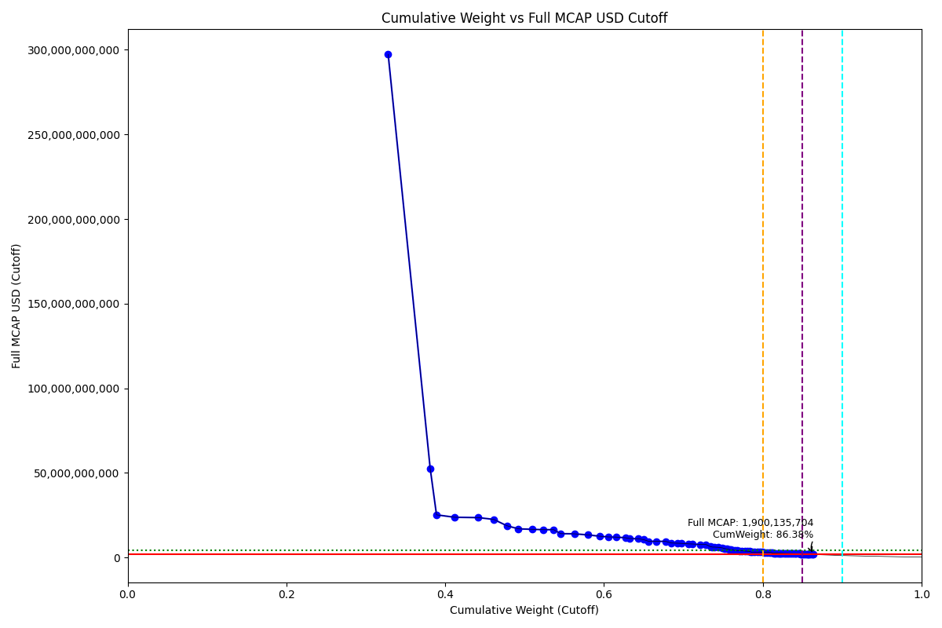
Date | ENTITY_QID | Country | Internal_Number | Instrument_Name | Free_Float_MCAP_USD_Cutoff_Company | Full_MCAP_USD_Cutoff_Company | Weight_Cutoff | CumWeight_Cutoff | Case | Size | Shadow_Company
2020-03-23 | E004YRA1J | KR | KR18G0 | SAMSUNG ELTN.PF. | 2.6126346951E+11 | 2.9728352279E+11 | 0.32820527066 | 0.32820527066 | Below - Companies in between Upper and Lower GMSR | Deletion
2020-03-23 | E004YRBCK | KR | KR00EP | SK HYNIX INC | 42115439652 | 52690403668 | 0.052906398646 | 0.3811116693 | Below - Companies in between Upper and Lower GMSR | Deletion
2020-03-23 | E004YNP4A | KR | KR70EW | SAMSUNG BIOLOGICS | 6330561756.2 | 25251542705 | 0.0079525994908 | 0.3890642688 | Below - Companies in between Upper and Lower GMSR | Deletion
2020-03-23 | E004YR9Z4 | KR | KR004F | Hyundai Motor Co | 18291521905 | 23812220183 | 0.022978236907 | 0.4120425057 | Below - Companies in between Upper and Lower GMSR | Deletion
2020-03-23 | E004YQLMC | KR | KR00NY | NAVER CORP | 23613024316 | 23613024316 | 0.029663232487 | 0.44170573819 | Below - Companies in between Upper and Lower GMSR | Deletion
2020-03-23 | E004YMVY2 | KR | KR18K4 | LG CHEM 1PF | 15433387959 | 22564887709 | 0.019387782309 | 0.4610935205 | Below - Companies in between Upper and Lower GMSR | Deletion
2020-03-23 | E004YM5UC | KR | KR063K | Celltrion | 13226374929 | 18806163699 | 0.01661528101 | 0.47770880151 | Below - Companies in between Upper and Lower GMSR | Deletion
2020-03-23 | E004YNLDW | KR | KR05Q6 | LG H&H | 11625917755 | 16969326170 | 0.014604749338 | 0.49231355085 | Below - Companies in between Upper and Lower GMSR | Deletion
2020-03-23 | E004YRAIG | KR | KR00OZ | Samsung SDI Co Ltd | 13432610573 | 16703072088 | 0.016874359041 | 0.50918790989 | Below - Companies in between Upper and Lower GMSR | Deletion
2020-03-23 | E004YMUS3 | KR | KR007I | Hyundai Mobis | 11514452791 | 16479823659 | 0.014464724447 | 0.52365263434 | Below - Companies in between Upper and Lower GMSR | Deletion
2020-03-23 | E004YNK41 | KR | KR507N | SAMSUNG C&T CORP | 10344944535 | 16478089415 | 0.012995560869 | 0.5366481952 | Below - Companies in between Upper and Lower GMSR | Deletion
2020-03-23 | E004YRC5Y | KR | KR048N | SK TELECOM | 6922841096.8 | 14128246317 | 0.0086966346276 | 0.54534482983 | Below - Companies in between Upper and Lower GMSR | Deletion
2020-03-23 | E004YRDSS | KR | KR003E | POSCO | 14034842223 | 14034842223 | 0.0176308965 | 0.56297572633 | Below - Companies in between Upper and Lower GMSR | Deletion
2020-03-23 | E004YMD23 | KR | KR008J | KB Financial Group Inc | 13392190336 | 13392190336 | 0.016823582196 | 0.57979930853 | Below - Companies in between Upper and Lower GMSR | Deletion
2020-03-23 | E004YRBW7 | KR | KR00AL | Shinhan Financial Group Co Ltd | 11965978833 | 12611697758 | 0.015031942004 | 0.59483125053 | Below - Companies in between Upper and Lower GMSR | Deletion
2020-03-23 | E004YNJQ0 | KR | KR056M | KAKAO CORP | 8216191308.6 | 12190194820 | 0.010321371362 | 0.6051526219 | Below - Companies in between Upper and Lower GMSR | Deletion
2020-03-23 | E004YPZDH | KR | KR00GR | Kia Motors Corp | 8000095908.1 | 12099358603 | 0.010049907274 | 0.61520252917 | Below - Companies in between Upper and Lower GMSR | Deletion
2020-03-23 | E004YQNUI | KR | KR05BR | NCsoft | 9272887402.1 | 11718548467 | 0.011648817668 | 0.62685134684 | Below - Companies in between Upper and Lower GMSR | Deletion
2020-03-23 | E004YRDHG | KR | KR009K | Korea Electric Power Corp | 4503603795.7 | 11259009627 | 0.005657532243 | 0.63250887908 | Below - Companies in between Upper and Lower GMSR | Deletion
2020-03-23 | E004YQLKO | KR | KR053J | SK HOLDINGS | 8310315071.6 | 11123430694 | 0.010439611831 | 0.64294849091 | Below - Companies in between Upper and Lower GMSR | Deletion
2020-03-23 | E004YN6Y7 | KR | KR503J | SAMSUNG SDS | 5425018203.5 | 10608170128 | 0.0068150345363 | 0.64976352545 | Below - Companies in between Upper and Lower GMSR | Deletion
2020-03-23 | E004YM8OF | KR | KR00BM | Samsung Life Insurance Co Ltd | 5204155947.4 | 9633757770 | 0.0065375822132 | 0.65630110766 | Below - Companies in between Upper and Lower GMSR | Deletion
2020-03-23 | E004YO9SG | KR | KR00DO | LG Corp | 7411628765 | 9590616932 | 0.0093106611092 | 0.66561176877 | Below - Companies in between Upper and Lower GMSR | Deletion
2020-03-23 | E004YQUWE | KR | KR00S3 | KT&G Corp | 9575028485.4 | 9575028485.4 | 0.012028374351 | 0.67764014312 | Below - Companies in between Upper and Lower GMSR | Deletion
2020-03-23 | E004YRDLT | KR | KR00HS | SK INNOVATION | 5729840808.7 | 8603364577.6 | 0.0071979598103 | 0.68483810293 | Below - Companies in between Upper and Lower GMSR | Deletion
2020-03-23 | E004YPU7R | KR | KR00CN | LG Electronics Inc | 5735923442.5 | 8476236145.5 | 0.0072056009569 | 0.69204370389 | Below - Companies in between Upper and Lower GMSR | Deletion
2020-03-23 | E004YMTGJ | KR | KR06O5 | Amorepacific | 4676577903.2 | 8387760156.5 | 0.0058748263557 | 0.69791853024 | Below - Companies in between Upper and Lower GMSR | Deletion
2020-03-23 | E004YR81J | KR | KR00JU | Samsung Fire & Marine Insuranc | 6925411305.2 | 8082414592.5 | 0.0086998633835 | 0.70661839363 | Below - Companies in between Upper and Lower GMSR | Deletion
2020-03-23 | E004YTOAD | KR | KR71EX | CELLTRION HEALTHCARE | 3543102789.7 | 8028784930.3 | 0.0044509284526 | 0.71106932208 | Below - Companies in between Upper and Lower GMSR | Deletion
2020-03-23 | E004YR9JS | KR | KR06L2 | Hana Financial G | 7762668542.5 | 7762668542.5 | 0.0097516454741 | 0.72082096755 | Below - Companies in between Upper and Lower GMSR | Deletion
2020-03-23 | E004YMCFN | KR | KR00KV | Samsung Electro-Mechanics Co L | 5913516446.1 | 7749333568.4 | 0.0074286974346 | 0.72824966499 | Below - Companies in between Upper and Lower GMSR | Deletion
2020-03-23 | E004YQFR7 | KR | KR03JX | Korea Zinc | 4707217411.5 | 6440302929.9 | 0.0059133164214 | 0.73416298141 | Below - Companies in between Upper and Lower GMSR | Deletion
2020-03-23 | E004YRR5G | KR | KR718R | NETMARBLE CORP | 1799915385.5 | 6202327310.4 | 0.0022610957336 | 0.73642407714 | Below - Companies in between Upper and Lower GMSR | Deletion
2020-03-23 | E004YRBGO | KR | KR03N1 | S-Oil | 2259011875.2 | 6173850437.9 | 0.0028378234635 | 0.73926190061 | Below - Companies in between Upper and Lower GMSR | Deletion
2020-03-23 | E004YRDQK | KR | KR006H | KOREA SHIPBUILDING & OFFSHORE | 3784808929.6 | 6060542721.5 | 0.0047545653491 | 0.74401646596 | Below - Companies in between Upper and Lower GMSR | Deletion
2020-03-23 | E004YRS86 | KR | KR00IT | WOORI FINANCIAL GROUP | 4041217907.2 | 5715199982 | 0.0050766722937 | 0.74909313825 | Below - Companies in between Upper and Lower GMSR | Deletion
2020-03-23 | E004YNK5N | KR | KR03Q4 | LOTTE CHEMICAL CORPORATION | 2312465925.6 | 5291684040.2 | 0.0029049736896 | 0.75199811194 | Below - Companies in between Upper and Lower GMSR | Deletion
2020-03-23 | E004YRDSX | KR | KR04VA | KT Corp | 2517852739.2 | 5138475301.6 | 0.0031629854005 | 0.75516109734 | Below - Companies in between Upper and Lower GMSR | Deletion
2020-03-23 | E004YQBMC | KR | KR04YD | LG Uplus | 2057581628 | 4745465539.1 | 0.0025847820837 | 0.75774587942 | Below - Companies in between Upper and Lower GMSR | Deletion
2020-03-23 | E004YNK42 | KR | KR04DS | HANON SYSTEMS | 1391575855.8 | 4637040506 | 0.0017481300821 | 0.75949400951 | Below - Companies in between Upper and Lower GMSR | Deletion
2020-03-23 | E004YR9YX | KR | KR001C | Industrial Bank of Korea | 2113288703.2 | 4519436918.7 | 0.0026547626123 | 0.76214877212 | Below - Companies in between Upper and Lower GMSR | Deletion
2020-03-23 | E004YNAXW | KR | KR01ZB | AMOREG | 1940600863.6 | 4209546342 | 0.0024378281161 | 0.76458660023 | Below - Companies in between Upper and Lower GMSR | Deletion
2020-03-23 | E004YMY3K | KR | KR04IX | COWAY | 2793857987.3 | 4186809511.9 | 0.0035097096376 | 0.76809630987 | Below - Companies in between Upper and Lower GMSR | Deletion
2020-03-23 | E004YSJFY | KR | KR055L | Kangwon Land | 2150785941.9 | 4016406987.7 | 0.002701867519 | 0.77079817739 | Below - Companies in between Upper and Lower GMSR | Deletion
2020-03-23 | E004YP8J8 | KR | KR00FQ | LG Display Co Ltd | 2488282936.7 | 4006896838.4 | 0.0031258391241 | 0.77392401652 | Below - Companies in between Upper and Lower GMSR | Deletion
2020-03-23 | E004YMXTQ | KR | KR039N | MIRAE ASSET DAEWOO | 2911853787.4 | 3856241931.9 | 0.0036579387168 | 0.77758195523 | Below - Companies in between Upper and Lower GMSR | Deletion
2020-03-23 | E004YOW20 | KR | KR06K1 | HYUNDAI GLOVIS CO LTD | 2201276597.5 | 3797923736.2 | 0.0027652950596 | 0.78034725029 | Below - Companies in between Upper and Lower GMSR | Deletion
2020-03-23 | E004YOXDC | KR | KR70SA | HYUNDAI HEAVY INDUSTRIES HLDS | 2506605919 | 3627504947.9 | 0.0031488568824 | 0.78349610717 | Below - Companies in between Upper and Lower GMSR | Deletion
2020-03-23 | E004YMO7M | KR | KR30BP | HANJIN KAL | 1116447899.8 | 3274040629 | 0.0014025079197 | 0.78489861509 | Below - Companies in between Upper and Lower GMSR | Deletion
2020-03-23 | E004YMS6W | KR | KR04T8 | Samsung Card | 904676317.61 | 3214912287.2 | 0.0011364755135 | 0.78603509061 | Below - Companies in between Upper and Lower GMSR | Deletion | TRUE
2020-03-23 | E004YPAU2 | KR | KR06M3 | MACQUARIE KOREA INFR.FD. | 2934952268.8 | 3190165509.6 | 0.0036869555685 | 0.78972204618 | Below - Companies in between Upper and Lower GMSR | Deletion
2020-03-23 | E004YMWXC | KR | KR508O | HLB | 2890973488.1 | 3182139227.5 | 0.0036317083973 | 0.79335375457 | Below - Companies in between Upper and Lower GMSR | Deletion
2020-03-23 | E004YNAZX | KR | KR01AM | Hyundai Eng&Con | 2070616094.6 | 3181647348.8 | 0.002601156285 | 0.79595491086 | Below - Companies in between Upper and Lower GMSR | Deletion
2020-03-23 | E004YNP8D | KR | KR06EV | GS Holdings | 2989887116.8 | 3155886760.4 | 0.0037559660072 | 0.79971087687 | Below - Companies in between Upper and Lower GMSR | Deletion
2020-03-23 | E004YPQMA | KR | KR70ZH | ORION KR | 1922468989.6 | 3069565686.8 | 0.0024150504326 | 0.8021259273 | Below - Companies in between Upper and Lower GMSR | Deletion
2020-03-23 | E004YR7YF | KR | KR518P | KOREA INVESTMENT 1P | 2318060448.7 | 3055451051 | 0.0029120016602 | 0.80503792896 | Below - Companies in between Upper and Lower GMSR | Deletion
2020-03-23 | E004YMCFI | KR | KR03KY | Samsung Heavy In | 2540982312.2 | 3024258881.5 | 0.0031920413102 | 0.80822997027 | Below - Companies in between Upper and Lower GMSR | Deletion
2020-03-23 | E004YR8PS | KR | KR06XE | CJ CheilJedang | 1675903151.9 | 3023458690 | 0.0021053086702 | 0.81033527894 | Below - Companies in between Upper and Lower GMSR | Deletion
2020-03-23 | E004YNHIC | KR | KR108K | POSCO CHEMICAL | 1068040643.1 | 2756945387.4 | 0.0013416975936 | 0.81167697653 | Below - Companies in between Upper and Lower GMSR | Deletion
2020-03-23 | E004YOZBR | KR | KR00LW | HYUNDAI STEEL CO | 1678503452 | 2620614288.9 | 0.0021085752279 | 0.81378555176 | Below - Companies in between Upper and Lower GMSR | Deletion
2020-03-23 | E004YMH7B | KR | KR20LY | HANKOOK TIRE & TECHNOLOGY | 1655772192.5 | 2600961659.5 | 0.0020800196889 | 0.81586557145 | Below - Companies in between Upper and Lower GMSR | Deletion
2020-03-23 | E004YPW5X | KR | KR03ES | Hotel Shilla | 2272996682.8 | 2595041309.3 | 0.0028553915053 | 0.81872096295 | Below - Companies in between Upper and Lower GMSR | Deletion
2020-03-23 | E004YSJDN | KR | KR03ZD | S-1 Corporation | 1491193806.2 | 2571910669.5 | 0.0018732724773 | 0.82059423543 | Below - Companies in between Upper and Lower GMSR | Deletion
2020-03-23 | E004YNZZK | KR | KR10EQ | HanmiPharm | 1300461567.5 | 2546429542.7 | 0.0016336701856 | 0.82222790562 | Below - Companies in between Upper and Lower GMSR | Deletion
2020-03-23 | E004YNZNW | KR | KR03O2 | LG Innotek | 1500007560.9 | 2533368621.7 | 0.0018843445218 | 0.82411225014 | Below - Companies in between Upper and Lower GMSR | Deletion
2020-03-23 | E004YMV0L | KR | KR02XA | DB Insurance | 2020655842.1 | 2524242151.3 | 0.0025383950493 | 0.82665064519 | Below - Companies in between Upper and Lower GMSR | Deletion
2020-03-23 | E004YN6Y2 | KR | KR02O1 | LOTTE CORP | 1810029519.9 | 2509399029.5 | 0.0022738013454 | 0.82892444653 | Below - Companies in between Upper and Lower GMSR | Deletion
2020-03-23 | E004YOZBB | KR | KR00ZA | CJ LOGISTICS | 1500557434.9 | 2507616034.3 | 0.0018850352863 | 0.83080948182 | Below - Companies in between Upper and Lower GMSR | Deletion
2020-03-23 | E004YP39I | KR | KR043I | Samsung Sec | 1715359723.2 | 2433824805.9 | 0.0021548749363 | 0.83296435676 | Below - Companies in between Upper and Lower GMSR | Deletion
2020-03-23 | E004YOMJ4 | KR | KR17P8 | E-MART | 1597624877.5 | 2410054122.1 | 0.0020069736742 | 0.83497133043 | Below - Companies in between Upper and Lower GMSR | Deletion
2020-03-23 | E004YOD2O | KR | KR03HV | HANWHA SOLUTIONS | 1498069294.1 | 2373367069.3 | 0.0018819096258 | 0.83685324006 | Below - Companies in between Upper and Lower GMSR | Deletion
2020-03-23 | E004YQ12X | KR | KR00Y9 | Yuhan | 1822636614.2 | 2363990420.4 | 0.0022896386716 | 0.83914287873 | Below - Companies in between Upper and Lower GMSR | Deletion
2020-03-23 | E004YP3G8 | KR | KR70VD | DOOSAN BOBCAT | 1147523703 | 2344277227.8 | 0.0014415460693 | 0.8405844248 | Below - Companies in between Upper and Lower GMSR | Deletion
2020-03-23 | E004YOR8Y | KR | KR02ZC | NH INV&SEC | 1176821681.6 | 2312481197.9 | 0.0014783508741 | 0.84206277567 | Below - Companies in between Upper and Lower GMSR | Deletion
2020-03-23 | E004YQVQO | KR | KR04O3 | Samsung Eng | 1850926667.4 | 2275542989.2 | 0.002325177297 | 0.84438795297 | Below - Companies in between Upper and Lower GMSR | Deletion
2020-03-23 | E004YM7P3 | KR | KR057N | CJ ENM | 1112893465.5 | 2271211180 | 0.0013980427564 | 0.84578599572 | Below - Companies in between Upper and Lower GMSR | Deletion
2020-03-23 | E004YQVQS | KR | KR20DQ | GS RETAIL | 767627596.97 | 2241248458.3 | 0.00096431171069 | 0.84675030744 | Below - Companies in between Upper and Lower GMSR | Deletion | TRUE
2020-03-23 | E004YMWXF | KR | KR00U5 | Lotte Shopping Co Ltd | 902488292.97 | 2204416934.5 | 0.0011337268659 | 0.8478840343 | Below - Companies in between Upper and Lower GMSR | Deletion | TRUE
2020-03-23 | E004YU4RW | KR | KR71H0 | BGF RETAIL | 688439762.23 | 2156090705.4 | 0.00086483410374 | 0.84874886841 | Below - Companies in between Upper and Lower GMSR | Deletion | TRUE
2020-03-23 | E004YRAEB | KR | KR058O | Korea Gas | 640767191.64 | 2135890801.4 | 0.00080494670746 | 0.84955381511 | Below - Companies in between Upper and Lower GMSR | Deletion | TRUE
2020-03-23 | E004YSJEG | KR | KR10KW | DOUZONE BIZON | 1339718905.3 | 2101190253 | 0.00168298617 | 0.85123680128 | Below - Companies in between Upper and Lower GMSR | Deletion
2020-03-23 | E004YQKSO | KR | KR012E | Daelim Ind | 1627253587.2 | 2077433406.3 | 0.002044193951 | 0.85328099523 | Below - Companies in between Upper and Lower GMSR | Deletion
2020-03-23 | E004YNLX5 | KR | KR19UF | KOREA AEROSPACE INDS. | 2058689979.2 | 2058689979.2 | 0.0025861744203 | 0.85586716965 | Below - Companies in between Upper and Lower GMSR | Deletion
2020-03-23 | E004YMCFS | KR | KR025I | Ssangyong Cem | 456983733.04 | 2047418158.8 | 0.00057407363559 | 0.85644124329 | Below - Companies in between Upper and Lower GMSR | Deletion | TRUE
2020-03-23 | E004YMB0V | KR | KR05IY | DAEWOO SHIPBLDG.& MAR. ENGR. | 691333304.54 | 1945225955.4 | 0.00086846903914 | 0.85730971233 | Below - Companies in between Upper and Lower GMSR | Deletion | TRUE
2020-03-23 | E004YP194 | KR | KR01DP | CJ Corp | 1120031515.2 | 1933756069.1 | 0.0014070097411 | 0.85871672207 | Below - Companies in between Upper and Lower GMSR | Deletion
2020-03-23 | E004YNC2M | KR | KR10BN | FILA HOLDINGS | 1544153709.6 | 1932366048.7 | 0.0019398019445 | 0.86065652401 | Below - Companies in between Upper and Lower GMSR | Deletion
2020-03-23 | E004YM730 | KR | KR00T4 | SHINSEGAE | 1376500478.4 | 1913134785.8 | 0.0017291920409 | 0.86238571606 | Below - Companies in between Upper and Lower GMSR | Deletion
2020-03-23 | E004YU1DB | KR | KR812M | PEARLABYSS | 1114809617.8 | 1900135704.5 | 0.0014004498716 | 0.86378616593 | Below - Companies in between Upper and Lower GMSR | Deletion

2020-06-22_KR
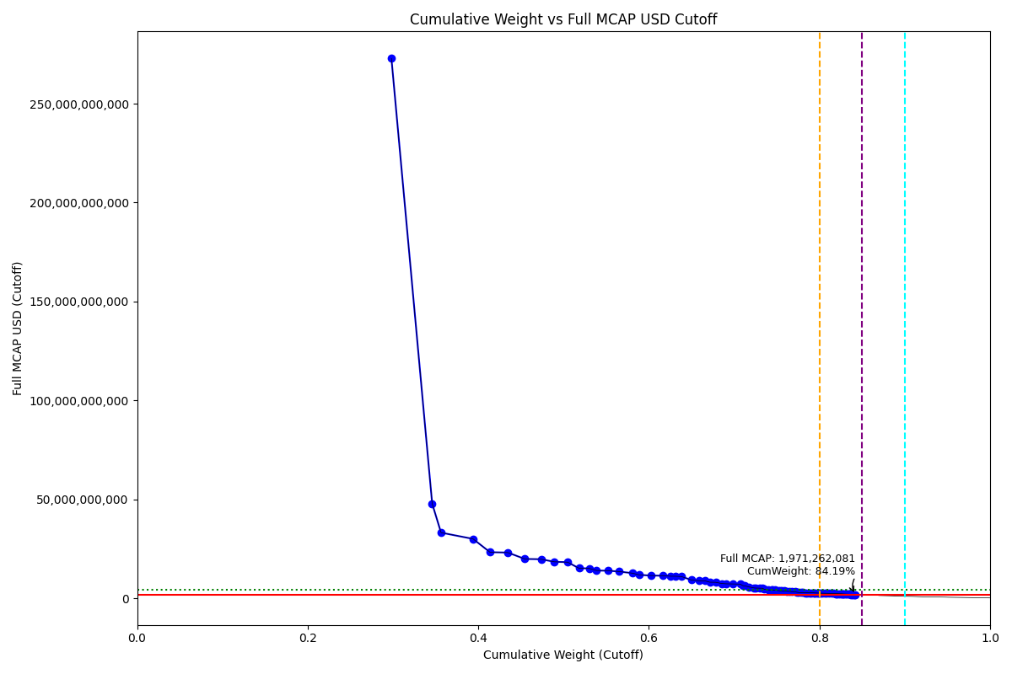
Date | ENTITY_QID | Country | Internal_Number | Instrument_Name | Free_Float_MCAP_USD_Cutoff_Company | Full_MCAP_USD_Cutoff_Company | Weight_Cutoff | CumWeight_Cutoff | Size | Case | Shadow_Company
2020-06-22 | E004YRA1J | KR | KR002D | Samsung Electronics Co Ltd | 2.3906292145E+11 | 2.7286216075E+11 | 0.29819693967 | 0.29819693967 | Standard | Inside
2020-06-22 | E004YRBCK | KR | KR00EP | SK HYNIX INC | 38292920161 | 47908069762 | 0.047764963022 | 0.34596190269 | Standard | Inside
2020-06-22 | E004YNP4A | KR | KR70EW | SAMSUNG BIOLOGICS | 8330888268.2 | 33230507651 | 0.010391596368 | 0.35635349906 | Standard | Inside
2020-06-22 | E004YQLMC | KR | KR00NY | NAVER CORP | 30075940644 | 30075940644 | 0.037515451594 | 0.39386895065 | Standard | Inside
2020-06-22 | E004YMVY2 | KR | KR005G | LG Chem Ltd | 15927872495 | 23348873744 | 0.01986775199 | 0.41373670264 | Standard | Inside
2020-06-22 | E004YM5UC | KR | KR063K | Celltrion | 16761626406 | 23161014793 | 0.020907741225 | 0.43464444387 | Standard | Inside
2020-06-22 | E004YRAIG | KR | KR00OZ | Samsung SDI Co Ltd | 16030285997 | 19933208153 | 0.019995498245 | 0.45463994211 | Standard | Inside
2020-06-22 | E004YR9Z4 | KR | KR18H1 | HYUNDAI MOTOR PF.2 | 15175261151 | 19788448908 | 0.018928976549 | 0.47356891866 | Standard | Inside
2020-06-22 | E004YNLDW | KR | KR05Q6 | LG H&H | 12609892368 | 18489274486 | 0.015729044433 | 0.48929796309 | Standard | Inside
2020-06-22 | E004YNJQ0 | KR | KR056M | KAKAO CORP | 12407392826 | 18313494946 | 0.0154764551 | 0.50477441819 | Standard | Inside
2020-06-22 | E004YMUS3 | KR | KR007I | Hyundai Mobis | 10635607271 | 15237259700 | 0.013266405014 | 0.51804082321 | Standard | Inside
2020-06-22 | E004YNK41 | KR | KR507N | SAMSUNG C&T CORP | 9529229251.4 | 15178765931 | 0.01188635604 | 0.52992717925 | Standard | Inside
2020-06-22 | E004YRC5Y | KR | KR048N | SK TELECOM | 6900611757.1 | 14082880320 | 0.0086075301655 | 0.53853470941 | Standard | Inside
2020-06-22 | E004YQNUI | KR | KR05BR | NCsoft | 11071731575 | 13988290050 | 0.013810407956 | 0.55234511737 | Standard | Inside
2020-06-22 | E004YQLKO | KR | KR053J | SK HOLDINGS | 10144311481 | 13578251212 | 0.012653583501 | 0.56499870087 | Standard | Inside
2020-06-22 | E004YRDSS | KR | KR003E | POSCO | 12742298122 | 12742298122 | 0.015894201749 | 0.58089290262 | Standard | Inside
2020-06-22 | E004YN6Y7 | KR | KR503J | SAMSUNG SDS | 6086818554.5 | 11902265457 | 0.0075924390711 | 0.58848534169 | Standard | Inside
2020-06-22 | E004YRBW7 | KR | KR00AL | Shinhan Financial Group Co Ltd | 10953210606 | 11544277620 | 0.013662569931 | 0.60214791162 | Standard | Inside
2020-06-22 | E004YMD23 | KR | KR008J | KB Financial Group Inc | 11478611116 | 11478611116 | 0.014317932224 | 0.61646584384 | Standard | Inside
2020-06-22 | E004YPZDH | KR | KR00GR | Kia Motors Corp | 7412354342.3 | 11210457263 | 0.009245856142 | 0.62571169999 | Standard | Inside
2020-06-22 | E004YRDHG | KR | KR009K | Korea Electric Power Corp | 4478604767.3 | 11196512055 | 0.0055864214638 | 0.63129812145 | Standard | Inside
2020-06-22 | E004YTOAD | KR | KR71EX | CELLTRION HEALTHCARE | 5575763166.2 | 11032376664 | 0.0069549702748 | 0.63825309173 | Standard | Inside
2020-06-22 | E004YQUWE | KR | KR00S3 | KT&G Corp | 9300944202.7 | 9300944202.7 | 0.011601602961 | 0.64985469469 | Standard | Inside
2020-06-22 | E004YO9SG | KR | KR60S9 | LG PF. | 6911976058.3 | 8909485643.9 | 0.0086217055124 | 0.6584764002 | Standard | Inside
2020-06-22 | E004YRDLT | KR | KR00HS | SK INNOVATION | 5892381765.9 | 8847420068.9 | 0.0073499068751 | 0.66582630707 | Standard | Inside
2020-06-22 | E004YMTGJ | KR | KR17RA | AMOREPACIFIC PF. | 4433934195.9 | 8185913713.5 | 0.0055307012894 | 0.67135700836 | Standard | Inside
2020-06-22 | E004YPU7R | KR | KR00CN | LG Electronics Inc | 5495837787.2 | 8134150636 | 0.00685527475 | 0.67821228311 | Standard | Inside
2020-06-22 | E004YMCFN | KR | KR00KV | Samsung Electro-Mechanics Co L | 5752990948.2 | 7538973854.3 | 0.0071760366865 | 0.6853883198 | Standard | Inside
2020-06-22 | E004YM8OF | KR | KR00BM | Samsung Life Insurance Co Ltd | 3986750432 | 7380137786 | 0.0049729032459 | 0.69036122305 | Standard | Inside
2020-06-22 | E004YR81J | KR | KR00JU | Samsung Fire & Marine Insuranc | 6266595120.1 | 7312375970.9 | 0.0078166847274 | 0.69817790777 | Standard | Inside
2020-06-22 | E004YR9JS | KR | KR06L2 | Hana Financial G | 7212349743.4 | 7212349743.4 | 0.0089963788959 | 0.70717428667 | Standard | Inside
2020-06-22 | E004YRBGO | KR | KR03N1 | S-Oil | 2351646897.1 | 6427020762.9 | 0.0029333445089 | 0.71010763118 | Standard | Inside
2020-06-22 | E004YRR5G | KR | KR718R | NETMARBLE CORP | 1879326427.1 | 6336232053.7 | 0.0023441920052 | 0.71245182318 | Standard | Inside
2020-06-22 | E004YQFR7 | KR | KR03JX | Korea Zinc | 4209591329.8 | 5759462758 | 0.005250865522 | 0.71770268871 | Standard | Inside
2020-06-22 | E004YRS86 | KR | KR00IT | WOORI FINANCIAL GROUP | 4106866319.4 | 5324603033.1 | 0.0051227307048 | 0.72282541941 | Standard | Inside
2020-06-22 | E004YNK5N | KR | KR03Q4 | LOTTE CHEMICAL CORPORATION | 2259689281.1 | 5203060744 | 0.0028186404824 | 0.72564405989 | Standard | Inside
2020-06-22 | E004YRDQK | KR | KR006H | KOREA SHIPBUILDING & OFFSHORE | 3240446702.5 | 5188865816.7 | 0.0040419956554 | 0.72968605555 | Standard | Inside
2020-06-22 | E004YRDSX | KR | KR04VA | KT Corp | 2515589680.8 | 5133856814.7 | 0.0031378397776 | 0.73282389533 | Standard | Inside
2020-06-22 | E004YQBMC | KR | KR04YD | LG Uplus | 1992496246.3 | 4635953374.3 | 0.0024853552335 | 0.73530925056 | Standard | Inside
2020-06-22 | E004YMWXC | KR | KR508O | HLB | 3926319985.4 | 4320334491 | 0.0048975248722 | 0.74020677543 | Standard | Inside
2020-06-22 | E004YPQMA | KR | KR70ZH | ORION KR | 2638942913.2 | 4213544488.5 | 0.0032917053632 | 0.74349848079 | Standard | Inside
2020-06-22 | E004YNK42 | KR | KR04DS | HANON SYSTEMS | 1259858574.6 | 4198129205.5 | 0.0015714941032 | 0.7450699749 | Standard | Inside
2020-06-22 | E004YSJFY | KR | KR055L | Kangwon Land | 2238649600.7 | 4180484781.8 | 0.0027923964782 | 0.74786237138 | Standard | Inside
2020-06-22 | E004YMO7M | KR | KR30BP | HANJIN KAL | 716501737.38 | 4123196200.1 | 0.00089373385074 | 0.74875610523 | Standard | Inside | TRUE
2020-06-22 | E004YMY3K | KR | KR04IX | COWAY | 2648303461.2 | 3968684941 | 0.0033033813134 | 0.75205948654 | Standard | Inside
2020-06-22 | E004YR9YX | KR | KR001C | Industrial Bank of Korea | 1223212259 | 3858713750.7 | 0.0015257830448 | 0.75358526958 | Standard | Inside
2020-06-22 | E004YNAXW | KR | KR01ZB | AMOREG | 1774110977.3 | 3848396913.9 | 0.0022129507197 | 0.7557982203 | Standard | Inside
2020-06-22 | E004YR8PS | KR | KR51IZ | CJ CHEIL JEDANG 1P | 2134598894.5 | 3742379495.7 | 0.0026626080444 | 0.75846082835 | Standard | Inside
2020-06-22 | E004YMXTQ | KR | KR1J61 | MIRAE ASSET SECURITIES 2PREF | 2681807007.4 | 3647687549.6 | 0.0033451722147 | 0.76180600056 | Standard | Inside
2020-06-22 | E004YOXDC | KR | KR70SA | HYUNDAI HEAVY INDUSTRIES HLDS | 2458071292.2 | 3557266703.6 | 0.0030660937815 | 0.76487209434 | Standard | Inside
2020-06-22 | E004YOW20 | KR | KR06K1 | HYUNDAI GLOVIS CO LTD | 1983153644.4 | 3421590138.8 | 0.0024737016685 | 0.76734579601 | Standard | Inside
2020-06-22 | E004YPAU2 | KR | KR06M3 | MACQUARIE KOREA INFR.FD. | 3172784725.3 | 3339773395.1 | 0.0039575969774 | 0.77130339299 | Standard | Inside
2020-06-22 | E004YNAZX | KR | KR01AM | Hyundai Eng&Con | 2001265140.2 | 3075084726.8 | 0.0024962931794 | 0.77379968617 | Standard | Inside
2020-06-22 | E004YOZBB | KR | KR00ZA | CJ LOGISTICS | 1774621125.6 | 2965610169.9 | 0.0022135870571 | 0.77601327323 | Standard | Inside
2020-06-22 | E004YP8J8 | KR | KR00FQ | LG Display Co Ltd | 1830077319 | 2946984410.7 | 0.0022827607585 | 0.77829603399 | Standard | Inside
2020-06-22 | E004YN6Y2 | KR | KR02O1 | LOTTE CORP | 2094600237.2 | 2905535077.3 | 0.0026127154173 | 0.7809087494 | Standard | Inside
2020-06-22 | E004YSJEG | KR | KR10KW | DOUZONE BIZON | 1833179088.8 | 2875124041.3 | 0.0022866297744 | 0.78319537918 | Standard | Inside
2020-06-22 | E004YSJDN | KR | KR03ZD | S-1 Corporation | 1810711646.4 | 2859620414.4 | 0.0022586048406 | 0.78545398402 | Standard | Inside
2020-06-22 | E004YNP8D | KR | KR06EV | GS Holdings | 2679665612 | 2828441642.4 | 0.003342501129 | 0.78879648515 | Standard | Inside
2020-06-22 | E004YNZNW | KR | KR03O2 | LG Innotek | 1668977685.1 | 2818742923.6 | 0.002081811914 | 0.79087829706 | Standard | Inside
2020-06-22 | E004YQ12X | KR | KR00Y9 | Yuhan | 2159598360.4 | 2801762273.4 | 0.0026937913168 | 0.79357208838 | Standard | Inside
2020-06-22 | E004YMS6W | KR | KR04T8 | Samsung Card | 777356873.59 | 2764427004.2 | 0.00096964196426 | 0.79454173034 | Standard | Inside | TRUE
2020-06-22 | E004YNHIC | KR | KR108K | POSCO CHEMICAL | 1058807068.9 | 2733110658 | 0.00132071099 | 0.79586244133 | Standard | Inside
2020-06-22 | E004YTXMC | KR | KR60N4 | ALTEOGEN | 2153469724.5 | 2700614151.6 | 0.0026861467166 | 0.79854858805 | Standard | Inside
2020-06-22 | E004YQVQS | KR | KR20DQ | GS RETAIL | 907150145.32 | 2648613563 | 0.0011315405815 | 0.79968012863 | Standard | Inside | TRUE
2020-06-22 | E004YMKLS | KR | KR15O5 | Celltrion Pharm | 1186245910.2 | 2634930942.3 | 0.0014796727907 | 0.80115980142 | Standard | Inside
2020-06-22 | E004YQKSO | KR | KR012E | Daelim Ind | 2031549206.4 | 2593577437 | 0.002534068238 | 0.80369386966 | Standard | Inside
2020-06-22 | E004YOMJ4 | KR | KR17P8 | E-MART | 1825340983.8 | 2554710964 | 0.002276852855 | 0.80597072251 | Standard | Inside
2020-06-22 | E004YR7YF | KR | KR068P | Kr Inv Holdings | 1908492983.5 | 2526454043.2 | 0.0023805731295 | 0.80835129564 | Standard | Inside
2020-06-22 | E004YPW5X | KR | KR03ES | Hotel Shilla | 2253418870.3 | 2509934139.3 | 0.0028108190381 | 0.81116211468 | Standard | Inside
2020-06-22 | E004YMV0L | KR | KR02XA | DB Insurance | 1986106797.7 | 2481082820.3 | 0.0024773853065 | 0.81363949999 | Standard | Inside
2020-06-22 | E004YPMP3 | KR | KR116J | Seegene | 2027568170.2 | 2476267916.7 | 0.0025291024625 | 0.81616860245 | Standard | Inside
2020-06-22 | E004YMCFI | KR | KR03KY | Samsung Heavy In | 2057964090.6 | 2449374066.4 | 0.0025670170432 | 0.81873561949 | Standard | Inside
2020-06-22 | E004YP194 | KR | KR91L6 | CJ PREFERENCE SHARES | 1376198671.5 | 2381225904 | 0.0017166118013 | 0.82045223129 | Standard | Inside
2020-06-22 | E004YOZBR | KR | KR00LW | HYUNDAI STEEL CO | 1507973503.1 | 2354369247.7 | 0.0018809821323 | 0.82233321343 | Standard | Inside
2020-06-22 | E004YMH7B | KR | KR20LY | HANKOOK TIRE & TECHNOLOGY | 1493178283.9 | 2345551812.5 | 0.0018625272039 | 0.82419574063 | Standard | Inside
2020-06-22 | E004YU4RW | KR | KR71H0 | BGF RETAIL | 1218936181.7 | 2330661915.4 | 0.0015204492476 | 0.82571618988 | Standard | Inside
2020-06-22 | E004YNZZK | KR | KR10EQ | HanmiPharm | 1157560405.1 | 2267503242.1 | 0.0014438917093 | 0.82716008159 | Standard | Inside
2020-06-22 | E004YRAEB | KR | KR058O | Korea Gas | 667492970.55 | 2224976737.9 | 0.00083260239548 | 0.82799268398 | Standard | Inside | TRUE
2020-06-22 | E004YOR8Y | KR | KR02ZC | NH INV&SEC | 1125126552.6 | 2210899101.2 | 0.0014034350986 | 0.82939611908 | Standard | Inside
2020-06-22 | E004YU1DB | KR | KR812M | PEARLABYSS | 1265520237.2 | 2150416715.8 | 0.0015785562209 | 0.8309746753 | Standard | Inside
2020-06-22 | E004YM7P3 | KR | KR057N | CJ ENM | 1049878902.2 | 2142252510.2 | 0.0013095743738 | 0.83228424968 | Standard | Inside
2020-06-22 | E004YOD2O | KR | KR03HV | HANWHA SOLUTIONS | 1329151918.4 | 2105753989.9 | 0.0016579276788 | 0.83394217736 | Standard | Inside
2020-06-22 | E004YMCFS | KR | KR025I | Ssangyong Cem | 460394320.24 | 2062698567.4 | 0.00057427633071 | 0.83451645369 | Standard | Inside | TRUE
2020-06-22 | E004YQ1I0 | KR | KR00X8 | HITEJINRO | 1001802537.7 | 2038670202.8 | 0.0012496059576 | 0.83576605964 | Standard | Inside
2020-06-22 | E004YMWXF | KR | KR00U5 | Lotte Shopping Co Ltd | 827376247.81 | 2020948333.7 | 0.0010320340083 | 0.83679809365 | Standard | Inside | TRUE
2020-06-22 | E004YP39I | KR | KR043I | Samsung Sec | 1419414488.3 | 2015354945.8 | 0.0017705173767 | 0.83856861103 | Standard | Inside
2020-06-22 | E004YNLX5 | KR | KR19UF | KOREA AEROSPACE INDS. | 1995216182.9 | 1995216182.9 | 0.0024887479669 | 0.841057359 | Standard | Inside
2020-06-22 | E004YO4L9 | KR | KR91EZ | ECOPRO BM | 707880213.36 | 1971262081.2 | 0.00088297972767 | 0.84194033872 | Standard | Inside | TRUE

2020-09-21_KR
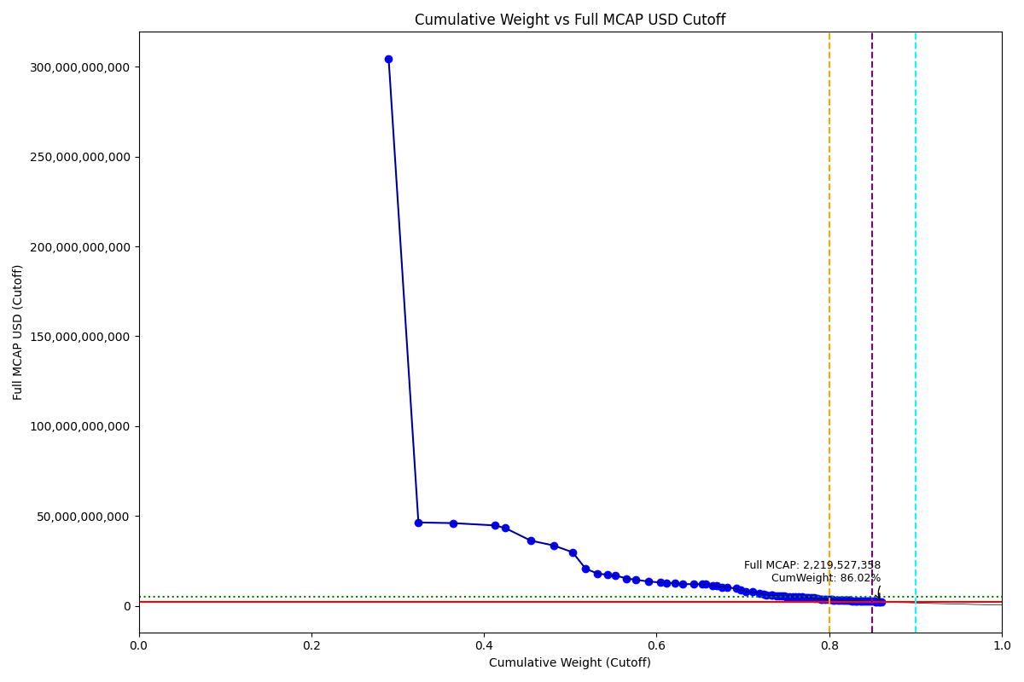
Date | ENTITY_QID | Country | Internal_Number | Instrument_Name | Free_Float_MCAP_USD_Cutoff_Company | Full_MCAP_USD_Cutoff_Company | Weight_Cutoff | CumWeight_Cutoff | Size | Case | Shadow_Company
2020-09-21 | E004YRA1J | KR | KR002D | Samsung Electronics Co Ltd | 2.6675197255E+11 | 3.0428368997E+11 | 0.28963507486 | 0.28963507486 | Standard | Inside
2020-09-21 | E004YMVY2 | KR | KR18K4 | LG CHEM 1PF | 31722581302 | 46384097942 | 0.034443877294 | 0.32407895216 | Standard | Inside
2020-09-21 | E004YRBCK | KR | KR00EP | SK HYNIX INC | 36788029487 | 46025309004 | 0.039943860857 | 0.36402281301 | Standard | Inside
2020-09-21 | E004YQLMC | KR | KR00NY | NAVER CORP | 44745174929 | 44745174929 | 0.048583603588 | 0.4126064166 | Standard | Inside
2020-09-21 | E004YNP4A | KR | KR70EW | SAMSUNG BIOLOGICS | 10863911862 | 43334311376 | 0.011795863759 | 0.42440228036 | Standard | Inside
2020-09-21 | E004YR9Z4 | KR | KR18H1 | HYUNDAI MOTOR PF.2 | 27607955659 | 36246455057 | 0.029976281816 | 0.45437856218 | Standard | Inside
2020-09-21 | E004YM5UC | KR | KR063K | Celltrion | 24309746940 | 33590917424 | 0.026395138929 | 0.48077370111 | Standard | Inside
2020-09-21 | E004YNJQ0 | KR | KR056M | KAKAO CORP | 20185202786 | 29793657249 | 0.021916774089 | 0.5026904752 | Standard | Inside
2020-09-21 | E004YNLDW | KR | KR05Q6 | LG H&H | 14015348901 | 20605867321 | 0.015217644276 | 0.51790811947 | Standard | Inside
2020-09-21 | E004YMUS3 | KR | KR007I | Hyundai Mobis | 12544427092 | 17971958584 | 0.013620540629 | 0.5315286601 | Standard | Inside
2020-09-21 | E004YNK41 | KR | KR507N | SAMSUNG C&T CORP | 10827135890 | 17246154652 | 0.01175593299 | 0.54328459309 | Standard | Inside
2020-09-21 | E004YRC5Y | KR | KR048N | SK TELECOM | 8260212782.3 | 16857576129 | 0.0089688084582 | 0.55225340155 | Standard | Inside
2020-09-21 | E004YQNUI | KR | KR05BR | NCsoft | 12054469898 | 15229905114 | 0.013088552853 | 0.5653419544 | Standard | Inside
2020-09-21 | E004YPZDH | KR | KR00GR | Kia Motors Corp | 9578091960.1 | 14485922505 | 0.010399740836 | 0.57574169524 | Standard | Inside
2020-09-21 | E004YRDSS | KR | KR003E | POSCO | 13541640147 | 13541640147 | 0.014703298799 | 0.59044499404 | Standard | Inside
2020-09-21 | E004YMD23 | KR | KR008J | KB Financial Group Inc | 12970407751 | 12970407751 | 0.014083063694 | 0.60452805773 | Standard | Inside
2020-09-21 | E004YTOAD | KR | KR71EX | CELLTRION HEALTHCARE | 6408527598 | 12680110008 | 0.0069582779573 | 0.61148633569 | Standard | Inside
2020-09-21 | E004YQLKO | KR | KR053J | SK HOLDINGS | 9469873104.5 | 12675509443 | 0.010282238513 | 0.6217685742 | Standard | Inside
2020-09-21 | E004YPU7R | KR | KR18N7 | LG ELECTRONICS PF. | 8162825158.6 | 12068439907 | 0.0088630665159 | 0.63063164072 | Standard | Inside
2020-09-21 | E004YRBW7 | KR | KR00AL | Shinhan Financial Group Co Ltd | 11425097380 | 12041628773 | 0.012405190123 | 0.64303683084 | Standard | Inside
2020-09-21 | E004YO9SG | KR | KR00DO | LG Corp | 9283880039.6 | 12013302329 | 0.010080290184 | 0.65311712102 | Standard | Inside
2020-09-21 | E004YRR5G | KR | KR718R | NETMARBLE CORP | 3534438824.2 | 11916516602 | 0.0038376378014 | 0.65695475882 | Standard | Inside
2020-09-21 | E004YRDLT | KR | KR00HS | SK INNOVATION | 7517029250.6 | 11286830707 | 0.008161871528 | 0.66511663035 | Standard | Inside
2020-09-21 | E004YRDHG | KR | KR009K | Korea Electric Power Corp | 4431477609.7 | 11078694160 | 0.004811628334 | 0.66992825869 | Standard | Inside
2020-09-21 | E004YM8OF | KR | KR00BM | Samsung Life Insurance Co Ltd | 5566215078.2 | 10303989408 | 0.0060437083389 | 0.67597196703 | Standard | Inside
2020-09-21 | E004YN6Y7 | KR | KR503J | SAMSUNG SDS | 5246644583 | 10259375407 | 0.0056967237471 | 0.68166869077 | Standard | Inside
2020-09-21 | E004YQUWE | KR | KR00S3 | KT&G Corp | 9604434815.3 | 9604434815.3 | 0.010428343492 | 0.69209703426 | Standard | Inside
2020-09-21 | E004YMTGJ | KR | KR17RA | AMOREPACIFIC PF. | 4766244485 | 8798233738.2 | 0.005175112915 | 0.69727214718 | Standard | Inside
2020-09-21 | E004YMCFN | KR | KR00KV | Samsung Electro-Mechanics Co L | 5973910895.2 | 7828477126.4 | 0.0064863780119 | 0.70375852519 | Standard | Inside
2020-09-21 | E004YR81J | KR | KR17UD | SAMSUNG FIRE & MAR.IN.PF | 6692671916.4 | 7809857015.3 | 0.0072667973663 | 0.71102532256 | Standard | Inside
2020-09-21 | E004YR9JS | KR | KR06L2 | Hana Financial G | 7127621483 | 7127621483 | 0.0077390587299 | 0.71876438129 | Standard | Inside
2020-09-21 | E004YQFR7 | KR | KR03JX | Korea Zinc | 4626815412 | 6330298826.1 | 0.0050237230317 | 0.72378810432 | Standard | Inside
2020-09-21 | E004YM5UT | KR | KR204H | SHIN POONG PHARM. | 3359019134.7 | 6088488553 | 0.0036471698757 | 0.72743527419 | Standard | Inside
2020-09-21 | E004YPMP3 | KR | KR116J | Seegene | 4755787198.8 | 5808240350.2 | 0.005163758559 | 0.73259903275 | Standard | Inside
2020-09-21 | E004YNK42 | KR | KR04DS | HANON SYSTEMS | 1739635497.6 | 5796852707.8 | 0.0018888687224 | 0.73448790148 | Standard | Inside
2020-09-21 | E004YMXTQ | KR | KR1J61 | MIRAE ASSET SECURITIES 2PREF | 4173547546.7 | 5691390760 | 0.004531571949 | 0.73901947343 | Standard | Inside
2020-09-21 | E004YNK5N | KR | KR03Q4 | LOTTE CHEMICAL CORPORATION | 2374683868.1 | 5467842201.4 | 0.002578394204 | 0.74159786763 | Standard | Inside
2020-09-21 | E004YOD2O | KR | KR03HV | HANWHA SOLUTIONS | 3427871954.7 | 5430722361.6 | 0.0037219291791 | 0.74531979681 | Standard | Inside
2020-09-21 | E004YRBGO | KR | KR03N1 | S-Oil | 1959326705.1 | 5354814717.4 | 0.0021274059625 | 0.74744720277 | Standard | Inside
2020-09-21 | E004YRDSX | KR | KR04VA | KT Corp | 2574212834.8 | 5253495912.1 | 0.0027950396018 | 0.75024224237 | Standard | Inside
2020-09-21 | E004YR8PS | KR | KR06XE | CJ CheilJedang | 2859066769.2 | 5156116806.5 | 0.0031043295007 | 0.75334657187 | Standard | Inside
2020-09-21 | E004YRS86 | KR | KR00IT | WOORI FINANCIAL GROUP | 3967490207.3 | 5143900178 | 0.0043078381473 | 0.75765441002 | Standard | Inside
2020-09-21 | E004YRDQK | KR | KR006H | KOREA SHIPBUILDING & OFFSHORE | 3207244074.7 | 5135699078.8 | 0.0034823749149 | 0.76113678494 | Standard | Inside
2020-09-21 | E004YMY3K | KR | KR04IX | COWAY | 3308278950.8 | 4957708603 | 0.0035920769861 | 0.76472886192 | Standard | Inside
2020-09-21 | E004YTXMC | KR | KR60N4 | ALTEOGEN | 3882791884.1 | 4869315129.3 | 0.004215874047 | 0.76894473597 | Standard | Inside
2020-09-21 | E004YPQMA | KR | KR70ZH | ORION KR | 2928451932.3 | 4675797433 | 0.0031796668139 | 0.77212440278 | Standard | Inside
2020-09-21 | E004YOW20 | KR | KR06K1 | HYUNDAI GLOVIS CO LTD | 2662236439.8 | 4593230572.5 | 0.0028906142406 | 0.77501501702 | Standard | Inside
2020-09-21 | E004YNHIC | KR | KR108K | POSCO CHEMICAL | 1770188712 | 4569408136.2 | 0.0019220429196 | 0.77693705994 | Standard | Inside
2020-09-21 | E004YP8J8 | KR | KR00FQ | LG Display Co Ltd | 2731038572.6 | 4397807685.4 | 0.0029653185088 | 0.77990237845 | Standard | Inside
2020-09-21 | E004YQBMC | KR | KR04YD | LG Uplus | 2152201904.7 | 4392248703.3 | 0.0023368268053 | 0.78223920526 | Standard | Inside
2020-09-21 | E004YR9YX | KR | KR001C | Industrial Bank of Korea | 1246022030.9 | 3930668867.1 | 0.0013529110235 | 0.78359211628 | Standard | Inside
2020-09-21 | E004YRGAV | KR | KR801K | SK CHEMICALS | 2587652665.5 | 3889452375.6 | 0.0028096323575 | 0.78640174864 | Standard | Inside
2020-09-21 | E004YMWXC | KR | KR508O | HLB | 3472389122.8 | 3820850707.3 | 0.0037702652165 | 0.79017201385 | Standard | Inside
2020-09-21 | E004YMO7M | KR | KR30BP | HANJIN KAL | 923243698.62 | 3780686726.5 | 0.0010024434129 | 0.79117445727 | Standard | Inside | TRUE
2020-09-21 | E004YQ12X | KR | KR00Y9 | Yuhan | 2906605863.5 | 3770894996.7 | 0.0031559466978 | 0.79433040397 | Standard | Inside
2020-09-21 | E004YSJFY | KR | KR055L | Kangwon Land | 1991574346.1 | 3719093083.2 | 0.0021624199413 | 0.79649282391 | Standard | Inside
2020-09-21 | E004YOLH1 | KR | KR51HY | GENEXINE | 2692722808.6 | 3596531065.3 | 0.0029237158579 | 0.79941653976 | Standard | Inside
2020-09-21 | E004YNAXW | KR | KR01ZB | AMOREG | 1632032609.8 | 3540200888.8 | 0.0017720352078 | 0.80118857497 | Standard | Inside
2020-09-21 | E004YQTYZ | KR | KR00Q1 | Doosan Heavy Industries and Co | 1718896384.9 | 3430930908 | 0.0018663505217 | 0.80305492549 | Standard | Inside
2020-09-21 | E004YMKLS | KR | KR15O5 | Celltrion Pharm | 1498391024.1 | 3328278596.5 | 0.0016269292868 | 0.80468185478 | Standard | Inside
2020-09-21 | E004YO1NM | KR | KR03FT | HANMI SCIENCE | 1745435013.6 | 3256408607.4 | 0.0018951657452 | 0.80657702053 | Standard | Inside
2020-09-21 | E004YPAU2 | KR | KR06M3 | MACQUARIE KOREA INFR.FD. | 3070581664.5 | 3232191225.8 | 0.0033339890302 | 0.80991100956 | Standard | Inside
2020-09-21 | E004YOXDC | KR | KR70SA | HYUNDAI HEAVY INDUSTRIES HLDS | 2141121713.8 | 3098584245.7 | 0.0023247961091 | 0.81223580567 | Standard | Inside
2020-09-21 | E004YR7YF | KR | KR518P | KOREA INVESTMENT 1P | 2352336162.1 | 3096851240.9 | 0.0025541294181 | 0.81478993508 | Standard | Inside
2020-09-21 | E004YMH7B | KR | KR20LY | HANKOOK TIRE & TECHNOLOGY | 1958378106.9 | 3076308682 | 0.0021263759897 | 0.81691631107 | Standard | Inside
2020-09-21 | E004YNZZK | KR | KR10EQ | HanmiPharm | 1560743401 | 3057283841.3 | 0.0016946305119 | 0.81861094158 | Standard | Inside
2020-09-21 | E004YNAZX | KR | KR01AM | Hyundai Eng&Con | 1967496438.2 | 3023196739.7 | 0.0021362765296 | 0.82074721811 | Standard | Inside
2020-09-21 | E004YQKSP | KR | KR03U8 | SKC | 1724443626.6 | 2922785807.7 | 0.001872373629 | 0.82261959174 | Standard | Inside
2020-09-21 | E004YOZBB | KR | KR00ZA | CJ LOGISTICS | 1740997371.4 | 2909420740.9 | 0.0018903474234 | 0.82450993917 | Standard | Inside
2020-09-21 | E004YNZNW | KR | KR03O2 | LG Innotek | 1710536017.9 | 2888930954.1 | 0.0018572729674 | 0.82636721213 | Standard | Inside
2020-09-21 | E004YOZBR | KR | KR00LW | HYUNDAI STEEL CO | 1806016451.5 | 2819697816.6 | 0.0019609441128 | 0.82832815625 | Standard | Inside
2020-09-21 | E004YOMJ4 | KR | KR17P8 | E-MART | 2012033006.7 | 2816001409 | 0.0021846336316 | 0.83051278988 | Standard | Inside
2020-09-21 | E004YMS6W | KR | KR04T8 | Samsung Card | 788508752.28 | 2804085178.8 | 0.00085615033815 | 0.83136894022 | Standard | Inside | TRUE
2020-09-21 | E004YSJDN | KR | KR03ZD | S-1 Corporation | 1766263844.2 | 2789424896.1 | 0.0019177813602 | 0.83328672158 | Standard | Inside
2020-09-21 | E004YMCFI | KR | KR03KY | Samsung Heavy In | 2299306748.9 | 2736618363.4 | 0.0024965509196 | 0.8357832725 | Standard | Inside
2020-09-21 | E004YO4L9 | KR | KR91EZ | ECOPRO BM | 982310257.29 | 2735478299.3 | 0.0010665769486 | 0.83684984945 | Standard | Inside | TRUE
2020-09-21 | E004YN6Y2 | KR | KR02O1 | LOTTE CORP | 1910002758.4 | 2649469771.7 | 0.002073850801 | 0.83892370025 | Standard | Inside
2020-09-21 | E004YQN60 | KR | KR033H | Green Cross | 1304436446.8 | 2612007302.3 | 0.0014163364728 | 0.84034003672 | Standard | Inside
2020-09-21 | E004YMV0L | KR | KR02XA | DB Insurance | 2082585439.9 | 2601605796.3 | 0.0022612383483 | 0.84260127507 | Standard | Inside
2020-09-21 | E004YP1ER | KR | KR03T7 | Kumho | 1962648209.3 | 2577683490 | 0.0021310123993 | 0.84473228747 | Standard | Inside
2020-09-21 | E004YQRDQ | KR | KR308M | KMW | 1765360541.5 | 2559977583.4 | 0.0019168005684 | 0.84664908804 | Standard | Inside
2020-09-21 | E004YQKSO | KR | KR012E | Daelim Ind | 1994119281.2 | 2545792520.3 | 0.0021651831916 | 0.84881427123 | Standard | Inside
2020-09-21 | E004YNP8D | KR | KR06EV | GS Holdings | 2408398373.2 | 2542113545.7 | 0.0026150008807 | 0.85142927211 | Standard | Inside
2020-09-21 | E004YSJEG | KR | KR10KW | DOUZONE BIZON | 1608609887.1 | 2522913875.6 | 0.0017466031858 | 0.85317587529 | Standard | Inside
2020-09-21 | E004YMCFS | KR | KR025I | Ssangyong Cem | 533957650.31 | 2392283379.5 | 0.00057976277568 | 0.85375563807 | Standard | Inside | TRUE
2020-09-21 | E004YQKQ8 | KR | KR029M | KOREAN AIR LINES | 1170611542.3 | 2341691451 | 0.0012710315071 | 0.85502666958 | Standard | Inside
2020-09-21 | E004YPW5X | KR | KR03ES | Hotel Shilla | 2085344359.4 | 2322727065.5 | 0.0022642339395 | 0.85729090352 | Standard | Inside
2020-09-21 | E004YP39I | KR | KR043I | Samsung Sec | 1596321818.2 | 2266536728.9 | 0.0017332609949 | 0.85902416451 | Standard | Inside
2020-09-21 | E004YP3G8 | KR | KR70VD | DOOSAN BOBCAT | 1086458641.8 | 2219527358.1 | 0.0011796596181 | 0.86020382413 | Standard | Inside | TRUE

2020-12-21_KR
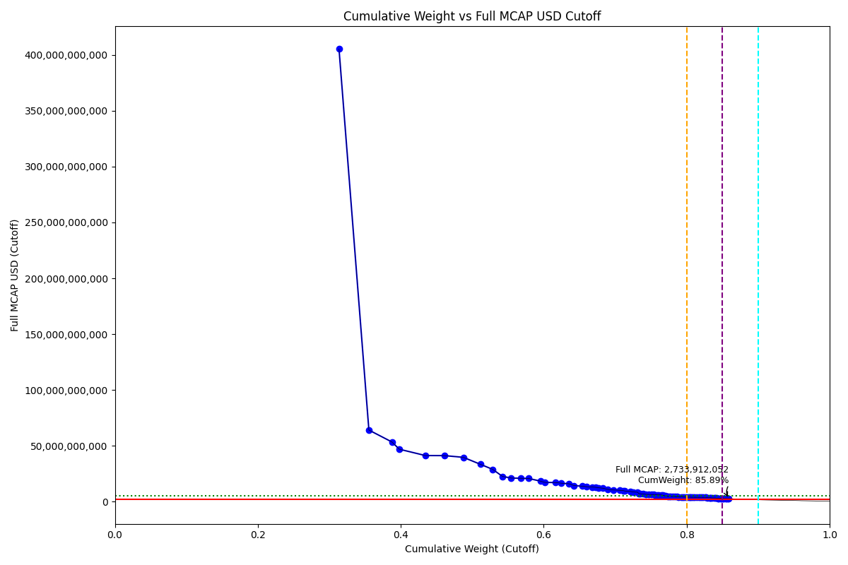
Date | ENTITY_QID | Country | Internal_Number | Instrument_Name | Free_Float_MCAP_USD_Cutoff_Company | Full_MCAP_USD_Cutoff_Company | Weight_Cutoff | CumWeight_Cutoff | Size | Case | Shadow_Company
2020-12-21 | E004YRA1J | KR | KR002D | Samsung Electronics Co Ltd | 3.5552156729E+11 | 4.0528894901E+11 | 0.31360345565 | 0.31360345565 | Standard | Inside
2020-12-21 | E004YRBCK | KR | KR00EP | SK HYNIX INC | 47398144341 | 64146899907 | 0.041809620637 | 0.35541307628 | Standard | Inside
2020-12-21 | E004YMVY2 | KR | KR18K4 | LG CHEM 1PF | 36479201359 | 53494965060 | 0.032178086108 | 0.38759116239 | Standard | Inside
2020-12-21 | E004YNP4A | KR | KR70EW | SAMSUNG BIOLOGICS | 11782663193 | 46999055419 | 0.01039341698 | 0.39798457937 | Standard | Inside
2020-12-21 | E004YQLMC | KR | KR00NY | NAVER CORP | 41332698464 | 41332698464 | 0.036459326978 | 0.43444390635 | Standard | Inside
2020-12-21 | E004YM5UC | KR | KR063K | Celltrion | 29875637872 | 41281798911 | 0.026353122112 | 0.46079702846 | Standard | Inside
2020-12-21 | E004YR9Z4 | KR | KR004F | Hyundai Motor Co | 30225003194 | 39751769384 | 0.026661295181 | 0.48745832364 | Standard | Inside
2020-12-21 | E004YRAIG | KR | KR00OZ | Samsung SDI Co Ltd | 27044740226 | 33530227959 | 0.02385600417 | 0.51131432781 | Standard | Inside
2020-12-21 | E004YNJQ0 | KR | KR056M | KAKAO CORP | 19618334889 | 28956951866 | 0.017305216283 | 0.52861954409 | Standard | Inside
2020-12-21 | E004YNLDW | KR | KR05Q6 | LG H&H | 15416283458 | 22688335655 | 0.013598611759 | 0.54221815585 | Standard | Inside
2020-12-21 | E004YPZDH | KR | KR00GR | Kia Motors Corp | 14000496174 | 21174374129 | 0.012349754234 | 0.55456791009 | Standard | Inside
2020-12-21 | E004YMUS3 | KR | KR007I | Hyundai Mobis | 14683927830 | 21016069601 | 0.012952605225 | 0.56752051531 | Standard | Inside
2020-12-21 | E004YNK41 | KR | KR507N | SAMSUNG C&T CORP | 12965216500 | 20834350795 | 0.011436540204 | 0.57895705552 | Standard | Inside
2020-12-21 | E004YRDSS | KR | KR003E | POSCO | 18437627503 | 18437627503 | 0.016263721334 | 0.59522077685 | Standard | Inside
2020-12-21 | E004YRC5Y | KR | KR048N | SK TELECOM | 7333493413 | 17330909074 | 0.006468830833 | 0.60168960768 | Standard | Inside
2020-12-21 | E004YMD23 | KR | KR008J | KB Financial Group Inc | 17135931184 | 17135931184 | 0.015115502769 | 0.61680511045 | Standard | Inside
2020-12-21 | E004YTOAD | KR | KR71EX | CELLTRION HEALTHCARE | 8391780706.4 | 16604235667 | 0.0074023397472 | 0.6242074502 | Standard | Inside
2020-12-21 | E004YQNUI | KR | KR05BR | NCsoft | 12705549955 | 16052495206 | 0.011207489892 | 0.63541494009 | Standard | Inside
2020-12-21 | E004YRDLT | KR | KR00HS | SK INNOVATION | 8043619424.5 | 14456541022 | 0.0070952287555 | 0.64251016885 | Standard | Inside
2020-12-21 | E004YRBW7 | KR | KR00AL | Shinhan Financial Group Co Ltd | 13180999693 | 13892284668 | 0.011626881272 | 0.65413705012 | Standard | Inside
2020-12-21 | E004YQLKO | KR | KR053J | SK HOLDINGS | 6596526541.4 | 13448576027 | 0.0058187567478 | 0.65995580687 | Standard | Inside
2020-12-21 | E004YPU7R | KR | KR18N7 | LG ELECTRONICS PF. | 8897555694.4 | 13155085591 | 0.0078484808498 | 0.66780428772 | Standard | Inside
2020-12-21 | E004YM8OF | KR | KR00BM | Samsung Life Insurance Co Ltd | 5645872228.8 | 12887176966 | 0.0049801902444 | 0.67278447796 | Standard | Inside
2020-12-21 | E004YRDHG | KR | KR009K | Korea Electric Power Corp | 4977786617.5 | 12444466696 | 0.0043908759084 | 0.67717535387 | Standard | Inside
2020-12-21 | E004YN6Y7 | KR | KR503J | SAMSUNG SDS | 6186734391.3 | 12097642533 | 0.0054572815345 | 0.6826326354 | Standard | Inside
2020-12-21 | E004YO9SG | KR | KR00DO | LG Corp | 8403711634.8 | 11009709989 | 0.0074128639481 | 0.69004549935 | Standard | Inside
2020-12-21 | E004YMCFN | KR | KR00KV | Samsung Electro-Mechanics Co L | 8035784257.7 | 10530447199 | 0.0070883174016 | 0.69713381675 | Standard | Inside
2020-12-21 | E004YQUWE | KR | KR00S3 | KT&G Corp | 10236206042 | 10236206042 | 0.0090292963432 | 0.7061631131 | Standard | Inside
2020-12-21 | E004YMTGJ | KR | KR17RA | AMOREPACIFIC PF. | 5372349487 | 9970966742.5 | 0.004738917464 | 0.71090203056 | Standard | Inside
2020-12-21 | E004YRR5G | KR | KR718R | NETMARBLE CORP | 2848593803.4 | 9604159822.6 | 0.0025127276167 | 0.71341475818 | Standard | Inside
2020-12-21 | E004YR9JS | KR | KR06L2 | Hana Financial G | 9184773984.8 | 9184773984.8 | 0.008101834392 | 0.72151659257 | Standard | Inside
2020-12-21 | E004YNK5N | KR | KR03Q4 | LOTTE CHEMICAL CORPORATION | 3793673727.7 | 8735145585.3 | 0.0033463769854 | 0.72486296956 | Standard | Inside
2020-12-21 | E004YR81J | KR | KR00JU | Samsung Fire & Marine Insuranc | 7275158227.9 | 8488952786.6 | 0.0064173737138 | 0.73128034327 | Standard | Inside
2020-12-21 | E004YNK42 | KR | KR04DS | HANON SYSTEMS | 2178809858 | 7260279433.4 | 0.0019219151903 | 0.73320225846 | Standard | Inside
2020-12-21 | E004YRBGO | KR | KR03N1 | S-Oil | 2591086613.5 | 7081406432.2 | 0.0022855820593 | 0.73548784052 | Standard | Inside
2020-12-21 | E004YOD2O | KR | KR03HV | HANWHA SOLUTIONS | 4377390172.8 | 6947135649.6 | 0.0038612697828 | 0.7393491103 | Standard | Inside
2020-12-21 | E004YRDQK | KR | KR006H | KOREA SHIPBUILDING & OFFSHORE | 4114113334.2 | 6587851616 | 0.0036290348525 | 0.74297814515 | Standard | Inside
2020-12-21 | E004YQFR7 | KR | KR03JX | Korea Zinc | 4314203699.7 | 6463226516.3 | 0.0038055333714 | 0.74678367853 | Standard | Inside
2020-12-21 | E004YRS86 | KR | KR00IT | WOORI FINANCIAL GROUP | 4948952657 | 6416378396.2 | 0.0043654416437 | 0.75114912017 | Standard | Inside
2020-12-21 | E004YM5UT | KR | KR204H | SHIN POONG PHARM. | 3487129200.8 | 6320698207.1 | 0.0030759758852 | 0.75422509605 | Standard | Inside
2020-12-21 | E004YR9YX | KR | KR001C | Industrial Bank of Korea | 1968011458.2 | 6208238038.6 | 0.0017359711782 | 0.75596106723 | Standard | Inside
2020-12-21 | E004YMXTQ | KR | KR1J61 | MIRAE ASSET SECURITIES 2PREF | 3189006142.1 | 6116980629.8 | 0.0028130033119 | 0.75877407054 | Standard | Inside
2020-12-21 | E004YMKLS | KR | KR15O5 | Celltrion Pharm | 2740791500.4 | 6087942026.6 | 0.0024176358477 | 0.76119170639 | Standard | Inside
2020-12-21 | E004YOW20 | KR | KR06K1 | HYUNDAI GLOVIS CO LTD | 3512058472.5 | 6032391742.5 | 0.0030979658472 | 0.76428967224 | Standard | Inside
2020-12-21 | E004YRDSX | KR | KR04VA | KT Corp | 2803964909.5 | 5722377726.6 | 0.0024733607354 | 0.76676303298 | Standard | Inside
2020-12-21 | E004YQTYZ | KR | KR00Q1 | Doosan Heavy Industries and Co | 2656950608.8 | 5303294628.3 | 0.0023436802969 | 0.76910671327 | Standard | Inside
2020-12-21 | E004YNHIC | KR | KR108K | POSCO CHEMICAL | 1953731755.3 | 5043189869.2 | 0.0017233751374 | 0.77083008841 | Standard | Inside
2020-12-21 | E004YP8J8 | KR | KR00FQ | LG Display Co Ltd | 3062380163.3 | 4931369023 | 0.0027013072907 | 0.7735313957 | Standard | Inside
2020-12-21 | E004YR8PS | KR | KR06XE | CJ CheilJedang | 2725183804.2 | 4916442006.6 | 0.002403868392 | 0.77593526409 | Standard | Inside
2020-12-21 | E004YQBMC | KR | KR04YD | LG Uplus | 2272183169.3 | 4715211788.3 | 0.0020042792317 | 0.77793954332 | Standard | Inside
2020-12-21 | E004YMY3K | KR | KR04IX | COWAY | 3088680468.3 | 4628623510.2 | 0.002724506633 | 0.78066404996 | Standard | Inside
2020-12-21 | E004YRGAV | KR | KR801K | SK CHEMICALS | 3007357963.9 | 4520303568.2 | 0.0026527725365 | 0.78331682249 | Standard | Inside
2020-12-21 | E004YPMP3 | KR | KR116J | Seegene | 3647604359.9 | 4454817244.7 | 0.0032175300667 | 0.78653435256 | Standard | Inside
2020-12-21 | E004YSJFY | KR | KR055L | Kangwon Land | 2324379806.2 | 4340578536.4 | 0.0020503215741 | 0.78858467413 | Standard | Inside
2020-12-21 | E004YMWXC | KR | KR508O | HLB | 3939693489.1 | 4335050054.1 | 0.0034751801467 | 0.79205985428 | Standard | Inside
2020-12-21 | E004YPQMA | KR | KR70ZH | ORION KR | 2651516945.5 | 4233621180.7 | 0.0023388872949 | 0.79439874158 | Standard | Inside
2020-12-21 | E004YO1NM | KR | KR03FT | HANMI SCIENCE | 2247893200.6 | 4193830598.2 | 0.0019828531951 | 0.79638159477 | Standard | Inside
2020-12-21 | E004YR7YF | KR | KR518P | KOREA INVESTMENT 1P | 3107100678.6 | 4079598628.3 | 0.0027407549907 | 0.79912234976 | Standard | Inside
2020-12-21 | E004YTXMC | KR | KR60N4 | ALTEOGEN | 3241624849 | 4065243101.3 | 0.0028594179596 | 0.80198176772 | Standard | Inside
2020-12-21 | E004YQKQ8 | KR | KR029M | KOREAN AIR LINES | 2006937944.1 | 4014678872.1 | 0.0017703079994 | 0.80375207572 | Standard | Inside
2020-12-21 | E004YMO7M | KR | KR30BP | HANJIN KAL | 1142607078.7 | 4010554856.6 | 0.0010078868943 | 0.80475996262 | Standard | Inside | TRUE
2020-12-21 | E004YOXDC | KR | KR70SA | HYUNDAI HEAVY INDUSTRIES HLDS | 2298590636.2 | 3990608743.4 | 0.0020275731009 | 0.80678753572 | Standard | Inside
2020-12-21 | E004YP8FY | KR | KR03R5 | HMM | 3123153382.6 | 3941882345.8 | 0.0027549149852 | 0.8095424507 | Standard | Inside
2020-12-21 | E004YNAXW | KR | KR01ZB | AMOREG | 1807002199.6 | 3919744467.6 | 0.0015939458708 | 0.81113639657 | Standard | Inside
2020-12-21 | E004YQ12X | KR | KR00Y9 | Yuhan | 2999241874.6 | 3891076640.6 | 0.0026456133825 | 0.81378200995 | Standard | Inside
2020-12-21 | E004YMCFI | KR | KR03KY | Samsung Heavy In | 3267248724.5 | 3888655944.4 | 0.0028820206275 | 0.81666403058 | Standard | Inside
2020-12-21 | E004YOMJ4 | KR | KR17P8 | E-MART | 2771584152.4 | 3879597077.8 | 0.0024447978625 | 0.81910882844 | Standard | Inside
2020-12-21 | E004YNZZK | KR | KR10EQ | HanmiPharm | 1954776539 | 3838917005.1 | 0.0017242967349 | 0.82083312518 | Standard | Inside
2020-12-21 | E004YOZBR | KR | KR00LW | HYUNDAI STEEL CO | 2456345096.5 | 3835043085.8 | 0.0021667273701 | 0.82299985255 | Standard | Inside
2020-12-21 | E004YP1ER | KR | KR03T7 | Kumho | 2914106917.7 | 3827300916.3 | 0.0025705163444 | 0.82557036889 | Standard | Inside
2020-12-21 | E004YQN60 | KR | KR033H | Green Cross | 1885596339.7 | 3775723547.6 | 0.0016632732933 | 0.82723364219 | Standard | Inside
2020-12-21 | E004YMH7B | KR | KR20LY | HANKOOK TIRE & TECHNOLOGY | 2330432686.8 | 3660748801.1 | 0.0020556607839 | 0.82928930297 | Standard | Inside
2020-12-21 | E004YPAU2 | KR | KR06M3 | MACQUARIE KOREA INFR.FD. | 3451065655.3 | 3632700689.8 | 0.0030441644466 | 0.83233346742 | Standard | Inside
2020-12-21 | E004YMS6W | KR | KR04T8 | Samsung Card | 973872152.56 | 3465737197.7 | 0.00085904682162 | 0.83319251424 | Standard | Inside | TRUE
2020-12-21 | E004YOZBB | KR | KR00ZA | CJ LOGISTICS | 1349065035.8 | 3422285732.6 | 0.0011900022278 | 0.83438251647 | Standard | Inside | TRUE
2020-12-21 | E004YNAZX | KR | KR01AM | Hyundai Eng&Con | 2200583205.8 | 3381350961.5 | 0.0019411213306 | 0.8363236378 | Standard | Inside
2020-12-21 | E004YN6Y2 | KR | KR02O1 | LOTTE CORP | 2419525940.8 | 3356257373.9 | 0.0021342494124 | 0.83845788721 | Standard | Inside
2020-12-21 | E004YNZNW | KR | KR03O2 | LG Innotek | 1962954351.7 | 3315241262.9 | 0.0017315103347 | 0.84018939754 | Standard | Inside
2020-12-21 | E004YP39I | KR | KR043I | Samsung Sec | 2242940384.9 | 3183733690.5 | 0.0019784843459 | 0.84216788189 | Standard | Inside
2020-12-21 | E004YQFV0 | KR | KR04N2 | Dong suh | 1555625446.6 | 3063460903.2 | 0.0013722079352 | 0.84354008983 | Standard | Inside
2020-12-21 | E004YQKSP | KR | KR03U8 | SKC | 1623899634.1 | 3042719943.9 | 0.001432432189 | 0.84497252202 | Standard | Inside
2020-12-21 | E004YNP8D | KR | KR06EV | GS Holdings | 2788349878.1 | 2943160099.3 | 0.0024595868093 | 0.84743210882 | Standard | Inside
2020-12-21 | E004YO4L9 | KR | KR91EZ | ECOPRO BM | 1030047226.2 | 2868413328.3 | 0.00090859851929 | 0.84834070734 | Standard | Inside | TRUE
2020-12-21 | E004YPW5X | KR | KR03ES | Hotel Shilla | 2538209518.5 | 2837573525.4 | 0.0022389394889 | 0.85057964683 | Standard | Inside
2020-12-21 | E004YSJEG | KR | KR10KW | DOUZONE BIZON | 1803832056 | 2829096700.1 | 0.001591149506 | 0.85217079634 | Standard | Inside
2020-12-21 | E004YRXVN | KR | KR91I3 | DOOSAN FUEL CELL | 2298345561.7 | 2816945167 | 0.0020273569222 | 0.85419815326 | Standard | Inside
2020-12-21 | E004YMV0L | KR | KR02XA | DB Insurance | 1826001564.4 | 2815296892.3 | 0.0016107050972 | 0.85580885836 | Standard | Inside
2020-12-21 | E004YOLH1 | KR | KR51HY | GENEXINE | 2078677793.6 | 2757232781 | 0.0018335892931 | 0.85764244765 | Standard | Inside
2020-12-21 | E004YOR8Y | KR | KR02ZC | NH INV&SEC | 1391287843.2 | 2733912051.9 | 0.0012272467146 | 0.85886969437 | Standard | Inside

2021-03-22_KR
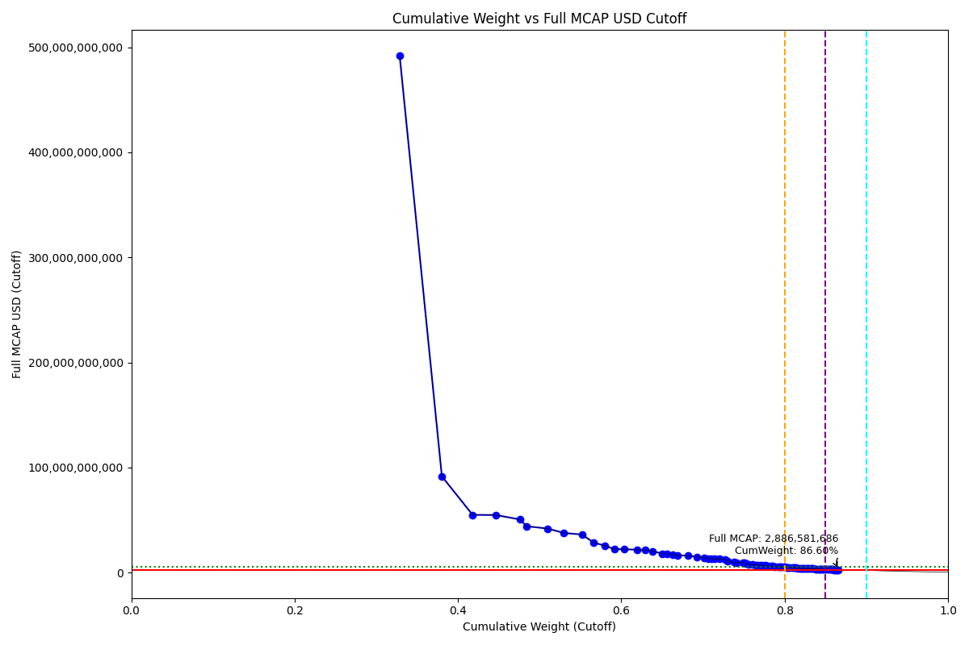
Date | ENTITY_QID | Country | Internal_Number | Instrument_Name | Free_Float_MCAP_USD_Cutoff_Company | Full_MCAP_USD_Cutoff_Company | Weight_Cutoff | CumWeight_Cutoff | Size | Case | Shadow_Company
2021-03-22 | E004YRA1J | KR | KR002D | Samsung Electronics Co Ltd | 4.3106504407E+11 | 4.9169167565E+11 | 0.3286577617 | 0.3286577617 | Standard | Inside
2021-03-22 | E004YRBCK | KR | KR00EP | SK HYNIX INC | 67749125730 | 91689167317 | 0.051654097974 | 0.38031185967 | Standard | Inside
2021-03-22 | E004YQLMC | KR | KR00NY | NAVER CORP | 49405724043 | 55011384081 | 0.037668502474 | 0.41798036214 | Standard | Inside
2021-03-22 | E004YMVY2 | KR | KR18K4 | LG CHEM 1PF | 37450728642 | 54858894448 | 0.02855363203 | 0.44653399417 | Standard | Inside
2021-03-22 | E004YR9Z4 | KR | KR18H1 | HYUNDAI MOTOR PF.2 | 38398009880 | 50640157760 | 0.029275869511 | 0.47580986368 | Standard | Inside
2021-03-22 | E004YNP4A | KR | KR70EW | SAMSUNG BIOLOGICS | 11073189005 | 44169082588 | 0.0084425530746 | 0.48425241676 | Standard | Inside
2021-03-22 | E004YRAIG | KR | KR19QB | SAMSUNG SDI NON VTG.PF. | 33883989569 | 41961283027 | 0.025834236207 | 0.51008665297 | Standard | Inside
2021-03-22 | E004YNJQ0 | KR | KR056M | KAKAO CORP | 25622687448 | 37819464867 | 0.019535555529 | 0.5296222085 | Standard | Inside
2021-03-22 | E004YM5UC | KR | KR063K | Celltrion | 29131626533 | 36287526823 | 0.022210882795 | 0.55183309129 | Standard | Inside
2021-03-22 | E004YPZDH | KR | KR00GR | Kia Motors Corp | 18942034494 | 28647965054 | 0.014442012277 | 0.56627510357 | Standard | Inside
2021-03-22 | E004YMUS3 | KR | KR007I | Hyundai Mobis | 17959141629 | 25703651966 | 0.013692623354 | 0.57996772692 | Standard | Inside
2021-03-22 | E004YPU7R | KR | KR00CN | LG Electronics Inc | 15246441005 | 22431324794 | 0.011624373731 | 0.59159210065 | Standard | Inside
2021-03-22 | E004YNLDW | KR | KR05Q6 | LG H&H | 15192959639 | 22350446711 | 0.011583597829 | 0.60317569848 | Standard | Inside
2021-03-22 | E004YRDSS | KR | KR003E | POSCO | 21845304883 | 21845304883 | 0.016655558378 | 0.61983125686 | Standard | Inside
2021-03-22 | E004YRDLT | KR | KR00HS | SK INNOVATION | 11928989893 | 21439593624 | 0.0090950430134 | 0.62892629987 | Standard | Inside
2021-03-22 | E004YNK41 | KR | KR507N | SAMSUNG C&T CORP | 12686728674 | 20386837015 | 0.0096727672697 | 0.63859906714 | Standard | Inside
2021-03-22 | E004YQNUI | KR | KR05BR | NCsoft | 14460217649 | 18269384269 | 0.011024931925 | 0.64962399907 | Standard | Inside
2021-03-22 | E004YRC5Y | KR | KR048N | SK TELECOM | 8716046625.1 | 17787850263 | 0.006645392416 | 0.65626939148 | Standard | Inside
2021-03-22 | E004YTOAD | KR | KR71EX | CELLTRION HEALTHCARE | 8840145673.9 | 17158667845 | 0.0067400094956 | 0.66300940098 | Standard | Inside
2021-03-22 | E004YQLKO | KR | KR053J | SK HOLDINGS | 8063522128.2 | 16439392718 | 0.006147886892 | 0.66915728787 | Standard | Inside
2021-03-22 | E004YMD23 | KR | KR008J | KB Financial Group Inc | 16300279842 | 16300279842 | 0.012427854129 | 0.681585142 | Standard | Inside
2021-03-22 | E004YRBW7 | KR | KR00AL | Shinhan Financial Group Co Ltd | 14373144204 | 15148760755 | 0.010958544349 | 0.69254368635 | Standard | Inside
2021-03-22 | E004YO9SG | KR | KR00DO | LG Corp | 11008358507 | 14422060142 | 0.0083931242316 | 0.70093681058 | Standard | Inside
2021-03-22 | E004YN6Y7 | KR | KR503J | SAMSUNG SDS | 6850551029.5 | 13395680543 | 0.0052230789731 | 0.70615988955 | Standard | Inside
2021-03-22 | E004YM8OF | KR | KR00BM | Samsung Life Insurance Co Ltd | 5849157434.2 | 13351192500 | 0.0044595845026 | 0.71061947406 | Standard | Inside
2021-03-22 | E004YRDHG | KR | KR009K | Korea Electric Power Corp | 5188303443.7 | 12970758768 | 0.0039557283066 | 0.71457520236 | Standard | Inside
2021-03-22 | E004YMTGJ | KR | KR17RA | AMOREPACIFIC PF. | 6973553911.9 | 12913984932 | 0.0053168603005 | 0.71989206266 | Standard | Inside
2021-03-22 | E004YMCFN | KR | KR00KV | Samsung Electro-Mechanics Co L | 9613984470.1 | 12598590578 | 0.0073300089172 | 0.72722207158 | Standard | Inside
2021-03-22 | E004YNHIC | KR | KR108K | POSCO CHEMICAL | 4220277882 | 10893851012 | 0.0032176746909 | 0.73043974627 | Standard | Inside
2021-03-22 | E004YR9JS | KR | KR06L2 | Hana Financial G | 9901216228.9 | 9901216228.9 | 0.0075490035869 | 0.73798874986 | Standard | Inside
2021-03-22 | E004YNK5N | KR | KR03Q4 | LOTTE CHEMICAL CORPORATION | 4213359540.1 | 9701495602.2 | 0.003212399926 | 0.74120114979 | Standard | Inside
2021-03-22 | E004YQUWE | KR | KR00S3 | KT&G Corp | 9568356863.6 | 9568356863.6 | 0.0072952209723 | 0.74849637076 | Standard | Inside
2021-03-22 | E004YRR5G | KR | KR718R | NETMARBLE CORP | 2771902828.9 | 9345592814.8 | 0.0021133872763 | 0.75060975803 | Standard | Inside
2021-03-22 | E004YRBGO | KR | KR03N1 | S-Oil | 3116607766.5 | 8517648993 | 0.0023762013337 | 0.75298595937 | Standard | Inside
2021-03-22 | E004YQKQ8 | KR | KR029M | KOREAN AIR LINES | 3910651920.7 | 7822869020.5 | 0.0029816059658 | 0.75596756533 | Standard | Inside
2021-03-22 | E004YR81J | KR | KR00JU | Samsung Fire & Marine Insuranc | 6581270167 | 7681349414.6 | 0.0050177706404 | 0.76098533597 | Standard | Inside
2021-03-22 | E004YOD2O | KR | KR03HV | HANWHA SOLUTIONS | 4704036427.3 | 7465539481.5 | 0.0035865076614 | 0.76457184364 | Standard | Inside
2021-03-22 | E004YNK42 | KR | KR04DS | HANON SYSTEMS | 2202935833.2 | 7340672553.2 | 0.0016795886608 | 0.7662514323 | Standard | Inside
2021-03-22 | E004YP8J8 | KR | KR00FQ | LG Display Co Ltd | 4469801431.8 | 7197747877.3 | 0.0034079194173 | 0.76965935171 | Standard | Inside
2021-03-22 | E004YRDQK | KR | KR006H | KOREA SHIPBUILDING & OFFSHORE | 4406031332 | 7055294366.7 | 0.0033592990558 | 0.77301865077 | Standard | Inside
2021-03-22 | E004YQFR7 | KR | KR03JX | Korea Zinc | 4523717832.2 | 6777105366.6 | 0.0034490270035 | 0.77646767777 | Standard | Inside
2021-03-22 | E004YOW20 | KR | KR06K1 | HYUNDAI GLOVIS CO LTD | 3800750724.9 | 6441950381.2 | 0.0028978137829 | 0.77936549156 | Standard | Inside
2021-03-22 | E004YRS86 | KR | KR00IT | WOORI FINANCIAL GROUP | 4781036697.4 | 6158748805.1 | 0.0036452151274 | 0.78301070668 | Standard | Inside
2021-03-22 | E004YRDSX | KR | KR04VA | KT Corp | 2960906621.6 | 6042666955.2 | 0.0022574898063 | 0.78526819649 | Standard | Inside
2021-03-22 | E004YMXTQ | KR | KR1J61 | MIRAE ASSET SECURITIES 2PREF | 3062515342.5 | 5903679708.2 | 0.0023349595415 | 0.78760315603 | Standard | Inside
2021-03-22 | E004YP1ER | KR | KR03T7 | Kumho | 4356760321.9 | 5722038773.2 | 0.0033217332636 | 0.79092488929 | Standard | Inside
2021-03-22 | E004YP8FY | KR | KR03R5 | HMM | 4377802659.2 | 5525435642 | 0.0033377766138 | 0.79426266591 | Standard | Inside
2021-03-22 | E004YR9YX | KR | KR001C | Industrial Bank of Korea | 1736121867.8 | 5476725135.1 | 0.0013236747794 | 0.79558634069 | Standard | Inside
2021-03-22 | E004YR8PS | KR | KR06XE | CJ CheilJedang | 3018134428.4 | 5444947552.6 | 0.0023011221146 | 0.7978874628 | Standard | Inside
2021-03-22 | E004YMH7B | KR | KR20LY | HANKOOK TIRE & TECHNOLOGY | 3344585074 | 5253825124.1 | 0.0025500185166 | 0.80043748132 | Standard | Inside
2021-03-22 | E004YMKLS | KR | KR15O5 | Celltrion Pharm | 2289208714.4 | 4965745584.3 | 0.0017453658618 | 0.80218284718 | Standard | Inside
2021-03-22 | E004YNAXW | KR | KR01ZB | AMOREG | 2189110830.4 | 4748613515 | 0.001669048037 | 0.80385189522 | Standard | Inside
2021-03-22 | E004YOZBR | KR | KR00LW | HYUNDAI STEEL CO | 3039272056.6 | 4745155435.7 | 0.0023172381176 | 0.80616913334 | Standard | Inside
2021-03-22 | E004YR7YF | KR | KR068P | Kr Inv Holdings | 3518727494.2 | 4647159152.9 | 0.0026827902614 | 0.8088519236 | Standard | Inside
2021-03-22 | E004YSJFY | KR | KR055L | Kangwon Land | 2467724348.7 | 4608262089.1 | 0.0018814718848 | 0.81073339548 | Standard | Inside
2021-03-22 | E004YQBMC | KR | KR04YD | LG Uplus | 2246994053.3 | 4585702098.3 | 0.0017131800555 | 0.81244657554 | Standard | Inside
2021-03-22 | E004YPQMA | KR | KR70ZH | ORION KR | 2540658750.7 | 4521549654.2 | 0.001937079403 | 0.81438365494 | Standard | Inside
2021-03-22 | E004YMY3K | KR | KR04IX | COWAY | 2836013696.1 | 4249983060.3 | 0.0021622674497 | 0.81654592239 | Standard | Inside
2021-03-22 | E004YOMJ4 | KR | KR17P8 | E-MART | 2995605264 | 4193176461.4 | 0.0022839451599 | 0.81882986755 | Standard | Inside
2021-03-22 | E004YNZNW | KR | KR03O2 | LG Innotek | 2482116207.3 | 4192055746.2 | 0.0018924446976 | 0.82072231225 | Standard | Inside
2021-03-22 | E004YM5UT | KR | KR204H | SHIN POONG PHARM. | 2180362268.7 | 3952079515.5 | 0.001662377854 | 0.8223846901 | Standard | Inside
2021-03-22 | E004YNAZX | KR | KR01AM | Hyundai Eng&Con | 2567273398.6 | 3944796248.6 | 0.0019573712609 | 0.82434206136 | Standard | Inside
2021-03-22 | E004YRGAV | KR | KR801K | SK CHEMICALS | 2621243750 | 3939942507.1 | 0.0019985199811 | 0.82634058134 | Standard | Inside
2021-03-22 | E004YQN60 | KR | KR033H | Green Cross | 1966206357.7 | 3937137280.1 | 0.0014990985454 | 0.82783967989 | Standard | Inside
2021-03-22 | E004YQKSP | KR | KR03U8 | SKC | 2095053604.5 | 3925526708.8 | 0.0015973358029 | 0.82943701569 | Standard | Inside
2021-03-22 | E004YQ12X | KR | KR00Y9 | Yuhan | 3028276643.4 | 3873962701.1 | 0.0023088548634 | 0.83174587056 | Standard | Inside
2021-03-22 | E004YO1NM | KR | KR03FT | HANMI SCIENCE | 2107085473.1 | 3865502610.7 | 0.001606509284 | 0.83335237984 | Standard | Inside
2021-03-22 | E004YOXDC | KR | KR70SA | HYUNDAI HEAVY INDUSTRIES HLDS | 2190976009.9 | 3803777795 | 0.0016704701094 | 0.83502284995 | Standard | Inside
2021-03-22 | E004YPAU2 | KR | KR06M3 | MACQUARIE KOREA INFR.FD. | 3509092896.2 | 3693781996 | 0.0026754445361 | 0.83769829448 | Standard | Inside
2021-03-22 | E004YNZZK | KR | KR10EQ | HanmiPharm | 1914274993.5 | 3689813017.6 | 0.0014595044142 | 0.8391577989 | Standard | Inside
2021-03-22 | E004YMCFI | KR | KR03KY | Samsung Heavy In | 3090692972.5 | 3678520557.6 | 0.0023564430668 | 0.84151424197 | Standard | Inside
2021-03-22 | E004YQFV0 | KR | KR04N2 | Dong suh | 1816024484.6 | 3576259323.8 | 0.0013845950873 | 0.84289883705 | Standard | Inside
2021-03-22 | E004YQTYZ | KR | KR00Q1 | Doosan Heavy Industries and Co | 1770853006.6 | 3534636739.7 | 0.0013501549092 | 0.84424899196 | Standard | Inside
2021-03-22 | E004YMS6W | KR | KR04T8 | Samsung Card | 954816476.32 | 3397923403.3 | 0.00072798258698 | 0.84497697455 | Standard | Inside | TRUE
2021-03-22 | E004YU1DB | KR | KR812M | PEARLABYSS | 1763839027.4 | 3354581642.1 | 0.0013448072274 | 0.84632178178 | Standard | Inside
2021-03-22 | E004YOZBB | KR | KR00ZA | CJ LOGISTICS | 1312680937.5 | 3329987157.6 | 0.0010008298856 | 0.84732261166 | Standard | Inside | TRUE
2021-03-22 | E004YTXMC | KR | KR60N4 | ALTEOGEN | 2582740425.5 | 3238952126.3 | 0.0019691638164 | 0.84929177548 | Standard | Inside
2021-03-22 | E004YNP8D | KR | KR06EV | GS Holdings | 3055725821.6 | 3225380854.5 | 0.0023297829938 | 0.85162155847 | Standard | Inside
2021-03-22 | E004YMWXC | KR | KR508O | HLB | 2921855306.2 | 3215069659.1 | 0.0022277158358 | 0.85384927431 | Standard | Inside
2021-03-22 | E004YMO7M | KR | KR30BP | HANJIN KAL | 1139229670.3 | 3191584547.3 | 0.00086858509787 | 0.85471785941 | Standard | Inside | TRUE
2021-03-22 | E004YN6Y2 | KR | KR02O1 | LOTTE CORP | 2261813698.3 | 3137486056.8 | 0.0017244790263 | 0.85644233843 | Standard | Inside
2021-03-22 | E004YO4L9 | KR | KR91EZ | ECOPRO BM | 1087527664.9 | 3028481383.7 | 0.00082916583713 | 0.85727150427 | Standard | Inside | TRUE
2021-03-22 | E004YMCFS | KR | KR025I | SSANGYONG C&E | 656119066.02 | 2982359391 | 0.00050024613828 | 0.85777175041 | Standard | Inside | TRUE
2021-03-22 | E004YMWXF | KR | KR00U5 | Lotte Shopping Co Ltd | 1214344519.3 | 2966156617.6 | 0.00092585505858 | 0.85869760547 | Standard | Inside | TRUE
2021-03-22 | E004YRXVN | KR | KR91I3 | DOOSAN FUEL CELL | 1932466748.8 | 2914731144.6 | 0.0014733743897 | 0.86017097986 | Standard | Inside
2021-03-22 | E004YPMP3 | KR | KR116J | Seegene | 2380350055.7 | 2907120243.9 | 0.0018148549323 | 0.86198583479 | Standard | Inside
2021-03-22 | E004YSJEG | KR | KR10KW | DOUZONE BIZON | 1852366243 | 2905216817.8 | 0.0014123032049 | 0.86339813799 | Standard | Inside
2021-03-22 | E004YP39I | KR | KR043I | Samsung Sec | 2046673829.1 | 2905143831.2 | 0.0015604495165 | 0.86495858751 | Standard | Inside
2021-03-22 | E004YP3G8 | KR | KR70VD | DOOSAN BOBCAT | 1412981735.4 | 2886581686.2 | 0.0010773024184 | 0.86603588993 | Standard | Inside | TRUE

2021-06-21_KR
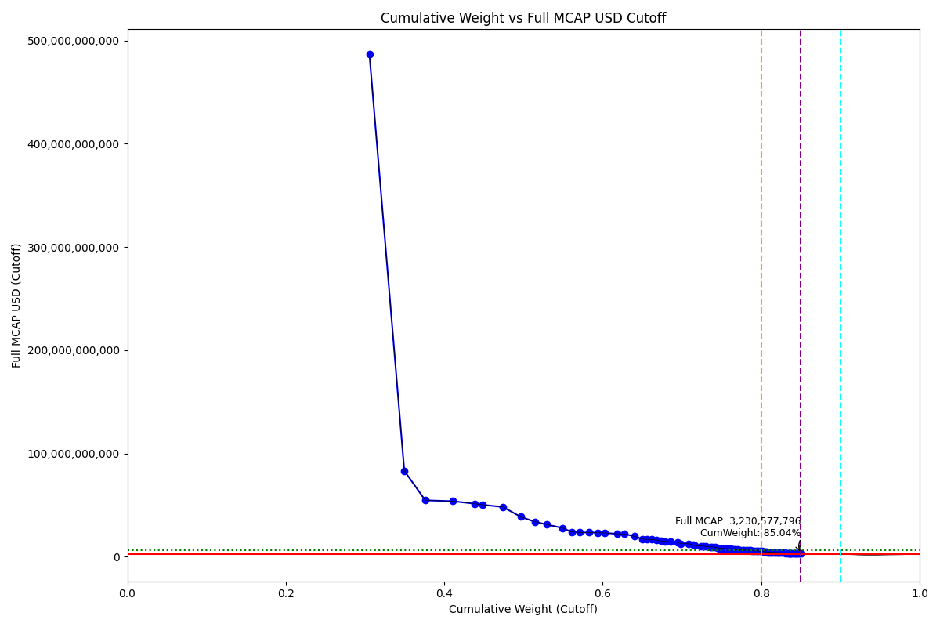
Date | ENTITY_QID | Country | Internal_Number | Instrument_Name | Free_Float_MCAP_USD_Cutoff_Company | Full_MCAP_USD_Cutoff_Company | Weight_Cutoff | CumWeight_Cutoff | Size | Case | Shadow_Company
2021-06-21 | E004YRA1J | KR | KR002D | Samsung Electronics Co Ltd | 4.2684120577E+11 | 4.8657045528E+11 | 0.30557839004 | 0.30557839004 | Standard | Inside
2021-06-21 | E004YRBCK | KR | KR00EP | SK HYNIX INC | 61500507592 | 83209995389 | 0.044028612614 | 0.34960700265 | Standard | Inside
2021-06-21 | E004YMVY2 | KR | KR18K4 | LG CHEM 1PF | 37023739171 | 54587336009 | 0.026505535211 | 0.37611253786 | Standard | Inside
2021-06-21 | E004YQLMC | KR | KR00NY | NAVER CORP | 48726314174 | 53769933981 | 0.034883484623 | 0.41099602249 | Standard | Inside
2021-06-21 | E004YR9Z4 | KR | KR18J3 | HYUNDAI MOTOR PF. | 38968283040 | 51301371728 | 0.02789764679 | 0.43889366928 | Standard | Inside
2021-06-21 | E004YNP4A | KR | KR70EW | SAMSUNG BIOLOGICS | 12619773050 | 50318074361 | 0.0090345774473 | 0.44792824672 | Standard | Inside
2021-06-21 | E004YNJQ0 | KR | KR056M | KAKAO CORP | 36664972645 | 48192655948 | 0.026248691926 | 0.47417693865 | Standard | Inside
2021-06-21 | E004YRAIG | KR | KR19QB | SAMSUNG SDI NON VTG.PF. | 31190418046 | 38638928081 | 0.022329422751 | 0.4965063614 | Standard | Inside
2021-06-21 | E004YM5UC | KR | KR063K | Celltrion | 24724313253 | 33855009247 | 0.017700296355 | 0.51420665776 | Standard | Inside
2021-06-21 | E004YPZDH | KR | KR00GR | KIA CORPORATION | 20651697327 | 31228938949 | 0.014784684177 | 0.52899134193 | Standard | Inside
2021-06-21 | E004YRDSS | KR | KR003E | POSCO | 27855967838 | 27855967838 | 0.019942268201 | 0.54893361013 | Standard | Inside
2021-06-21 | E004YMUS3 | KR | KR007I | Hyundai Mobis | 16744716599 | 24017092081 | 0.011987651311 | 0.56092126145 | Standard | Inside
2021-06-21 | E004YNK41 | KR | KR507N | SAMSUNG C&T CORP | 14552399697 | 23498142575 | 0.01041815741 | 0.57133941885 | Standard | Inside
2021-06-21 | E004YPU7R | KR | KR18N7 | LG ELECTRONICS PF. | 15961979034 | 23497389167 | 0.011427284407 | 0.58276670326 | Standard | Inside
2021-06-21 | E004YNLDW | KR | KR05Q6 | LG H&H | 15819261424 | 23274307085 | 0.011325111944 | 0.59409181521 | Standard | Inside
2021-06-21 | E004YRC5Y | KR | KR048N | SK TELECOM | 11291487028 | 23036564495 | 0.0080836488618 | 0.60217546407 | Standard | Inside
2021-06-21 | E004YMD23 | KR | KR008J | KB Financial Group Inc | 22126283068 | 22126283068 | 0.015840349681 | 0.61801581375 | Standard | Inside
2021-06-21 | E004YRDLT | KR | KR00HS | SK INNOVATION | 12272415555 | 22052858139 | 0.0087859019616 | 0.62680171571 | Standard | Inside
2021-06-21 | E004YRBW7 | KR | KR00AL | Shinhan Financial Group Co Ltd | 18725353161 | 19733747667 | 0.013405601884 | 0.64020731759 | Standard | Inside
2021-06-21 | E004YQNUI | KR | KR05BR | NCsoft | 13565890843 | 17130813035 | 0.009711909317 | 0.64991922691 | Standard | Inside
2021-06-21 | E004YQLKO | KR | KR053J | SK | 8232657890.9 | 16780794723 | 0.0058938132262 | 0.65581304014 | Standard | Inside
2021-06-21 | E004YTOAD | KR | KR71EX | CELLTRION HEALTHCARE | 8693133321.4 | 16714349782 | 0.0062234705761 | 0.66203651071 | Standard | Inside
2021-06-21 | E004YMTGJ | KR | KR06O5 | Amorepacific | 8716264742 | 16078408393 | 0.0062400305102 | 0.66827654122 | Standard | Inside
2021-06-21 | E004YM8OF | KR | KR00BM | Samsung Life Insurance Co Ltd | 8011047421 | 15083877652 | 0.0057351608522 | 0.67401170207 | Standard | Inside
2021-06-21 | E004YRDHG | KR | KR009K | Korea Electric Power Corp | 5962513911.1 | 14906284960 | 0.0042686024145 | 0.67828030449 | Standard | Inside
2021-06-21 | E004YO9SG | KR | KR00DO | LG Corp | 10916938562 | 14298544286 | 0.0078155071837 | 0.68609581167 | Standard | Inside
2021-06-21 | E004YP8FY | KR | KR03R5 | HMM | 11401854077 | 14085057538 | 0.0081626613487 | 0.69425847302 | Standard | Inside
2021-06-21 | E004YN6Y7 | KR | KR503J | SAMSUNG SDS | 6467663419.1 | 12639561108 | 0.0046302422264 | 0.69888871525 | Standard | Inside
2021-06-21 | E004YR9JS | KR | KR06L2 | Hana Financial G | 12578539161 | 12578539161 | 0.0090050578385 | 0.70789377309 | Standard | Inside
2021-06-21 | E004YMCFN | KR | KR00KV | Samsung Electro-Mechanics Co L | 8747534854.6 | 11461654684 | 0.0062624169868 | 0.71415619007 | Standard | Inside
2021-06-21 | E004YRR5G | KR | KR718R | NETMARBLE CORP | 3248076471.5 | 10673928595 | 0.0023253190307 | 0.7164815091 | Standard | Inside
2021-06-21 | E004YQUWE | KR | KR00S3 | KT&G Corp | 10416297259 | 10416297259 | 0.0074570948249 | 0.72393860393 | Standard | Inside
2021-06-21 | E004YNHIC | KR | KR108K | POSCO CHEMICAL | 3917186433.4 | 10108868215 | 0.002804339196 | 0.72674294313 | Standard | Inside
2021-06-21 | E004YQKQ8 | KR | KR029M | KOREAN AIR LINES | 4255584403 | 10001506699 | 0.0030466004992 | 0.72978954362 | Standard | Inside
2021-06-21 | E004YR81J | KR | KR00JU | Samsung Fire & Marine Insuranc | 8087449876.2 | 9487426068.8 | 0.0057898578659 | 0.73557940149 | Standard | Inside
2021-06-21 | E004YRBGO | KR | KR03N1 | S-Oil | 3471106474.9 | 9483897472.5 | 0.002484987658 | 0.73806438915 | Standard | Inside
2021-06-21 | E004YRDQK | KR | KR006H | KOREA SHIPBUILDING & OFFSHORE | 5670138592.2 | 9076578505.3 | 0.0040592890258 | 0.74212367817 | Standard | Inside
2021-06-21 | E004YNK5N | KR | KR03Q4 | LOTTE CHEMICAL CORPORATION | 3740379642.3 | 8606487902.2 | 0.0026777620665 | 0.74480144024 | Standard | Inside
2021-06-21 | E004YNK42 | KR | KR04DS | HANON SYSTEMS | 2443730190.4 | 8143052950.3 | 0.0017494823067 | 0.74655092255 | Standard | Inside
2021-06-21 | E004YRDSX | KR | KR04VA | KT Corp | 3938524874.6 | 8036956261.1 | 0.0028196155246 | 0.74937053807 | Standard | Inside
2021-06-21 | E004YTYNR | KR | KR09G0 | SK BIOPHARMACEUTICALS | 2879068133 | 7999633601.1 | 0.0020611435658 | 0.75143168164 | Standard | Inside
2021-06-21 | E004YOD2O | KR | KR03HV | HANWHA SOLUTIONS | 4881980608.2 | 7746716293.5 | 0.0034950416087 | 0.75492672325 | Standard | Inside
2021-06-21 | E004YP8J8 | KR | KR00FQ | LG Display Co Ltd | 4800330619.1 | 7728756430.7 | 0.0034365878515 | 0.7583633111 | Standard | Inside
2021-06-21 | E004YQFR7 | KR | KR03JX | Korea Zinc | 5118231338.9 | 7667762305.4 | 0.0036641750404 | 0.76202748614 | Standard | Inside
2021-06-21 | E004YRS86 | KR | KR00IT | WOORI FINANCIAL GROUP | 5530870513.5 | 7247897409.9 | 0.0039595861041 | 0.76598707224 | Standard | Inside
2021-06-21 | E004YR9YX | KR | KR001C | Industrial Bank of Korea | 2276701687.6 | 7179759342.9 | 0.0016299055173 | 0.76761697776 | Standard | Inside
2021-06-21 | E004YQTYZ | KR | KR00Q1 | Doosan Heavy Industries and Co | 4213682711.8 | 6709685846.8 | 0.0030166028064 | 0.77063358057 | Standard | Inside
2021-06-21 | E004YR8PS | KR | KR06XE | CJ CheilJedang | 3668676836.4 | 6616189064.8 | 0.0026264295623 | 0.77326001013 | Standard | Inside
2021-06-21 | E004YOZBR | KR | KR00LW | HYUNDAI STEEL CO | 4109676222.6 | 6413352407.3 | 0.0029421438856 | 0.77620215401 | Standard | Inside
2021-06-21 | E004YOW20 | KR | KR06K1 | HYUNDAI GLOVIS CO LTD | 3763431974.1 | 6378698261.2 | 0.0026942653805 | 0.77889641939 | Standard | Inside
...

2021-09-20_KR
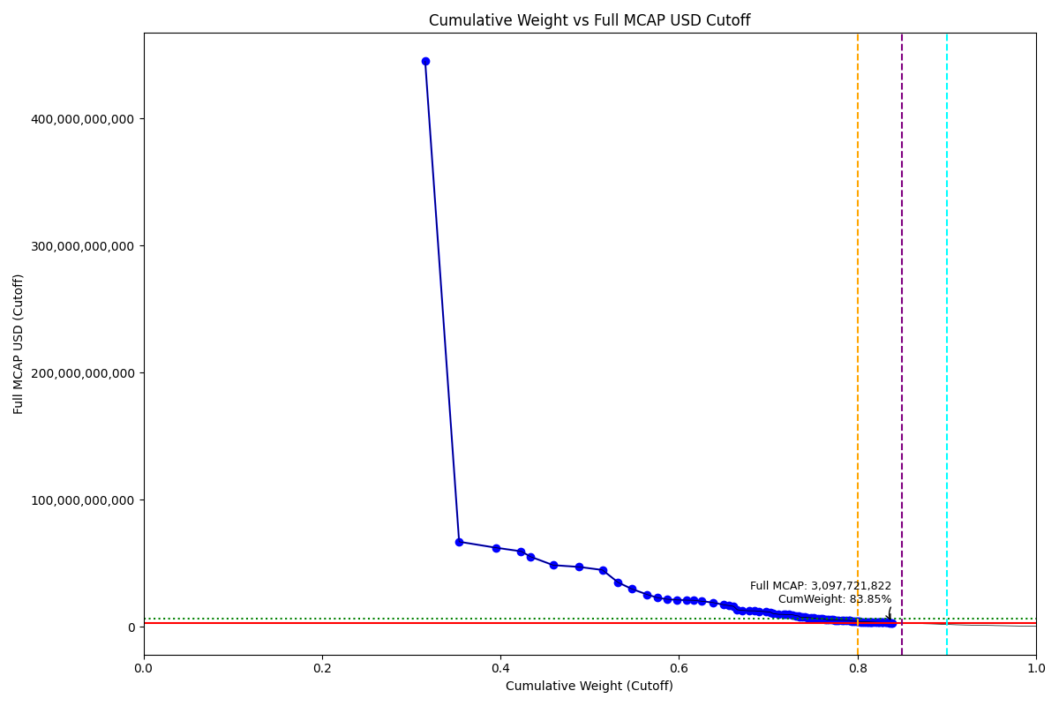
CumWeight_Cutoff | Size | Case | Shadow_Company
0.31563894947 | Standard | Inside
0.35366003233 | Standard | Inside
0.39460499288 | Standard | Inside
0.42311306352 | Standard | Inside
0.43373502054 | Standard | Inside
0.45901422588 | Standard | Inside
0.48811007967 | Standard | Inside
0.51422470987 | Standard | Inside
0.53185345558 | Standard | Inside
0.54698766033 | Standard | Inside
0.56418135635 | Standard | Inside
0.57635176821 | Standard | Inside
0.5866906386 | Standard | Inside
0.59771477908 | Standard | Inside
0.60865965694 | Standard | Inside
0.61648049335 | Standard | Inside
0.62511696657 | Standard | Inside
0.63825424163 | Standard | Inside
0.64957004399 | Standard | Inside
0.65618745641 | Standard | Inside
0.66124679737 | Standard | Inside
0.66533472636 | Standard | Inside
0.67058381549 | Standard | Inside
0.67819687845 | Standard | Inside
0.68432172858 | Standard | Inside
0.68940294719 | Standard | Inside
0.69748938178 | Standard | Inside
0.7020224976 | Standard | Inside
0.70511942544 | Standard | Inside
0.71148424178 | Standard | Inside
0.71700933122 | Standard | Inside
0.71883379138 | Standard | Inside
0.72337304665 | Standard | Inside
0.7269830237 | Standard | Inside
0.73142786419 | Standard | Inside
0.73377480886 | Standard | Inside
0.73552277029 | Standard | Inside
0.73799468548 | Standard | Inside
0.74077835584 | Standard | Inside
0.74425466641 | Standard | Inside
0.74782270936 | Standard | Inside
0.75108154493 | Standard | Inside
0.75268184708 | Standard | Inside
0.75570434547 | Standard | Inside
0.7585514695 | Standard | Inside
0.76091098755 | Standard | Inside
0.76380514525 | Standard | Inside
0.76575185026 | Standard | Inside
0.76788451487 | Standard | Inside
...

2021-12-20_KR
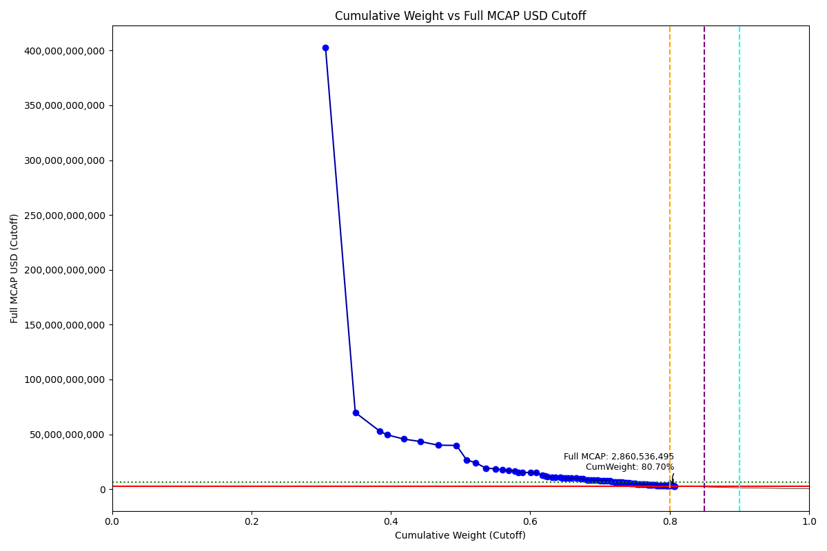
CumWeight_Cutoff | Size | Case | Shadow_Company
0.30632921865 | Standard | Inside
0.34897824716 | Standard | Inside
0.38441903856 | Standard | Inside
0.39467062158 | Standard | Inside
0.41834579234 | Standard | Inside
0.44262712649 | Standard | Inside
0.46778449484 | Standard | Inside
0.4942336795 | Standard | Inside
0.5087309835 | Standard | Inside
0.52171958354 | Standard | Inside
0.53599432284 | Standard | Inside
0.54973296209 | Standard | Inside
0.55986856484 | Standard | Inside
0.56928590451 | Standard | Inside
0.57778214496 | Standard | Inside
0.58300205041 | Standard | Inside
0.58902082023 | Standard | Inside
0.6003143215 | Standard | Inside
0.60873398645 | Standard | Inside
0.61696558507 | Standard | Inside
0.62098646894 | Standard | Inside
0.62469071361 | Standard | Inside
0.63146169274 | Standard | Inside
0.63600388755 | Standard | Inside
0.64267586766 | Standard | Inside
0.64596290947 | Standard | Inside
0.65037699561 | Standard | Inside
0.65443933573 | Standard | Inside
0.65863256021 | Standard | Inside
0.66606137458 | Standard | Inside
0.67202645337 | Standard | Inside
0.67597944557 | Standard | Inside
0.6819730063 | Standard | Inside
0.68405697119 | Standard | Inside
0.68777683818 | Standard | Inside
0.69197483511 | Standard | Inside
0.69656160726 | Standard | Inside
0.70088120843 | Standard | Inside
0.70408274076 | Standard | Inside
0.70650658846 | Standard | Inside
0.7107108823 | Standard | Inside
0.71383513952 | Standard | Inside
0.71631461636 | Standard | Inside
0.72083395297 | Standard | Inside
0.72252381827 | Standard | Inside
0.72485080024 | Standard | Inside
0.72671788473 | Standard | Inside
0.72952432924 | Standard | Inside
0.73249107851 | Standard | Inside
...

2022-03-21_KR

CumWeight_Cutoff | Size | Case | Shadow_Company
0.31829825346 | Standard | Inside
0.36564432989 | Standard | Inside
0.37323662957 | Standard | Inside
0.40523021632 | Standard | Inside
0.42854800344 | Standard | Inside
0.44884267855 | Standard | Inside
0.46764700003 | Standard | Inside
0.48923523591 | Standard | Inside
0.50332736965 | Standard | Inside
0.51930032522 | Standard | Inside
0.53521863214 | Standard | Inside
0.54563128974 | Standard | Inside
0.55591126875 | Standard | Inside
0.56644885761 | Standard | Inside
0.57563412659 | Standard | Inside
0.58867657567 | Standard | Inside
0.59501506987 | Standard | Inside
0.60090135597 | Standard | Inside
0.60865974098 | Standard | Inside
0.61290207394 | Standard | Inside
0.62228771881 | Standard | Inside
0.62919987677 | Standard | Inside
0.6346429154 | Standard | Inside
0.64120870824 | Standard | Inside
0.64573198904 | Standard | Inside
0.65067496281 | Standard | Inside
0.65517227551 | Standard | Inside
0.65894857308 | Standard | Inside
0.66467042573 | Standard | Inside
0.66862240664 | Standard | Inside
0.67355120006 | Standard | Inside
0.67848443647 | Standard | Inside
0.68211231223 | Standard | Inside
0.68576595658 | Standard | Inside
0.69125938467 | Standard | Inside
0.69387353659 | Standard | Inside
0.69965466308 | Standard | Inside
0.70117669691 | Standard | Inside
0.70360405181 | Standard | Inside
0.70622208554 | Standard | Inside
0.70918899336 | Standard | Inside
0.7109963176 | Standard | Inside
0.71426109854 | Standard | Inside
0.71659800004 | Standard | Inside
0.7188529519 | Standard | Inside
0.72290608685 | Standard | Inside
0.72586552043 | Standard | Inside
0.72756397596 | Standard | Inside
0.73033692581 | Standard | Inside
...

2022-06-20_KR
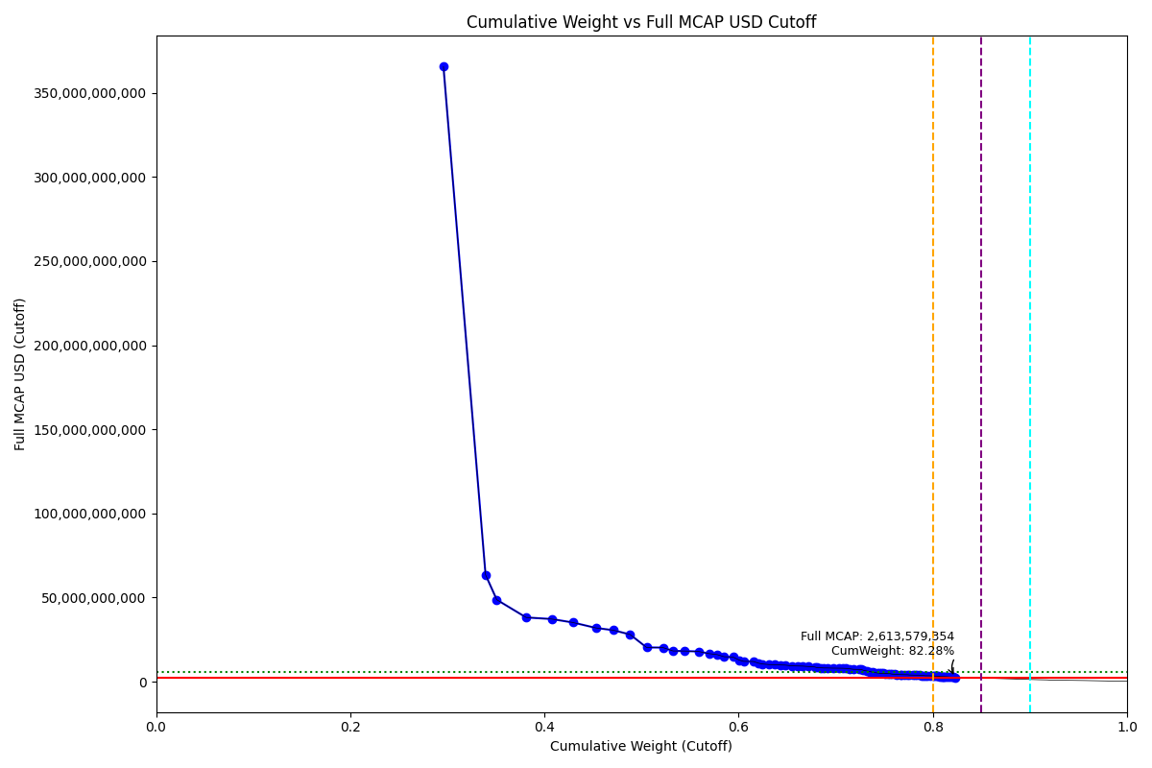
CumWeight_Cutoff | Size | Case | Shadow_Company
0.29600864432 | Standard | Inside
0.3393619451 | Standard | Inside
0.35092315253 | Standard | Inside
0.38120554277 | Standard | Inside
0.4073534685 | Standard | Inside
0.42941837661 | Standard | Inside
0.45313679999 | Standard | Inside
0.47103189113 | Standard | Inside
0.48816683131 | Standard | Inside
0.50521677047 | Standard | Inside
0.52206502292 | Standard | Inside
0.53252074009 | Standard | Inside
0.54378624337 | Standard | Inside
0.55884165533 | Standard | Inside
0.56957949581 | Standard | Inside
0.57800535874 | Standard | Inside
0.58509285566 | Standard | Inside
0.59429604883 | Standard | Inside
0.60071768806 | Standard | Inside
0.60518848584 | Standard | Inside
0.61517747936 | Standard | Inside
0.62057110567 | Standard | Inside
0.6241370601 | Standard | Inside
0.63132277178 | Standard | Inside
0.63720679766 | Standard | Inside
0.64348007064 | Standard | Inside
0.64778255113 | Standard | Inside
0.65478376271 | Standard | Inside
0.66135265338 | Standard | Inside
0.66574194699 | Standard | Inside
0.67133009088 | Standard | Inside
0.67820633408 | Standard | Inside
0.68066572944 | Standard | Inside
0.68484437394 | Standard | Inside
0.68776670425 | Standard | Inside
0.69153298161 | Standard | Inside
0.6974342123 | Standard | Inside
0.70379258691 | Standard | Inside
0.70706711467 | Standard | Inside
0.71079050127 | Standard | Inside
0.71414320138 | Standard | Inside
0.71816803932 | Standard | Inside
0.72382013856 | Standard | Inside
0.72641912837 | Standard | Inside
0.72839956754 | Standard | Inside | TRUE
0.73189697785 | Standard | Inside
0.73540797792 | Standard | Inside
0.73768251183 | Standard | Inside | TRUE
0.73950508213 | Standard | Inside | TRUE
...

2022-09-19_KR
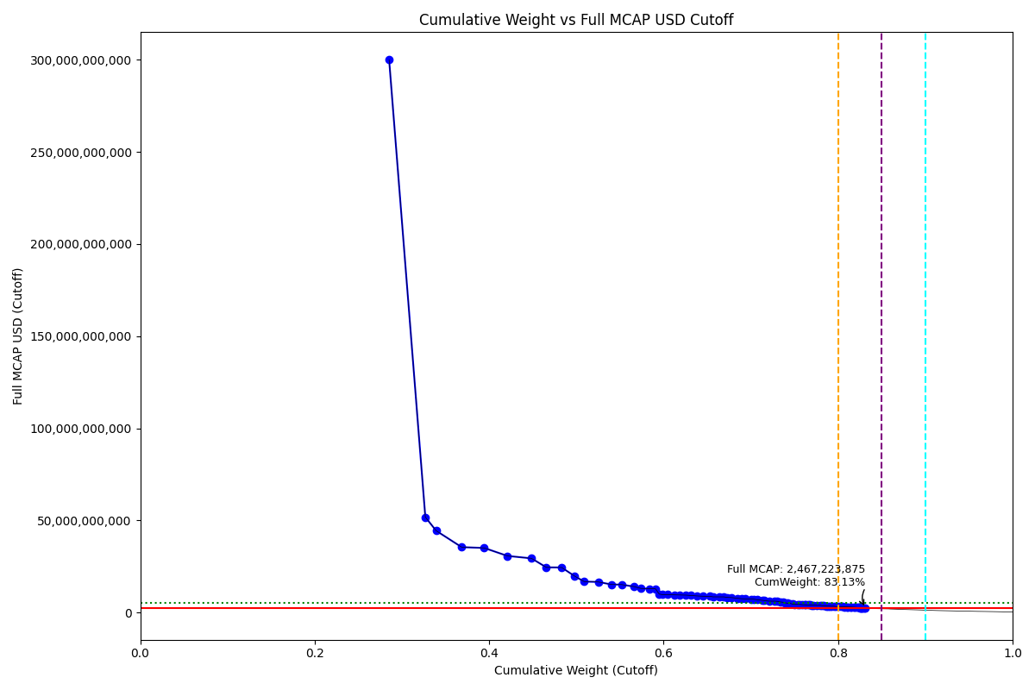
CumWeight_Cutoff | Size | Case | Shadow_Company
0.28535385036 | Standard | Inside
0.32687356395 | Standard | Inside
0.33926617513 | Standard | Inside
0.36850763351 | Standard | Inside
0.3943242987 | Standard | Inside
0.42112450539 | Standard | Inside
0.44857071405 | Standard | Inside
0.46555695874 | Standard | Inside
0.48310918135 | Standard | Inside
0.49756037641 | Standard | Inside
0.50888058803 | Standard | Inside
0.52522555919 | Standard | Inside
0.5403899174 | Standard | Inside
0.55186941691 | Standard | Inside
0.56577597199 | Standard | Inside
0.57384720162 | Standard | Inside
0.58339129322 | Standard | Inside
0.59062871888 | Standard | Inside
0.59498685867 | Standard | Inside
0.59907425792 | Standard | Inside
0.60430004824 | Standard | Inside
0.61228235215 | Standard | Inside
0.61883146249 | Standard | Inside
0.62568853711 | Standard | Inside
0.63102365989 | Standard | Inside
0.63809291493 | Standard | Inside
0.64466200588 | Standard | Inside
0.6532674875 | Standard | Inside
0.65665751193 | Standard | Inside
0.66410490935 | Standard | Inside
0.66882822171 | Standard | Inside
0.67323415703 | Standard | Inside
0.6780250882 | Standard | Inside
0.68449220304 | Standard | Inside
0.68963044476 | Standard | Inside
0.69375944149 | Standard | Inside
0.70052947496 | Standard | Inside
0.70354606087 | Standard | Inside
0.7073281298 | Standard | Inside
0.71344520441 | Standard | Inside
0.71568254709 | Standard | Inside | TRUE
0.72101609336 | Standard | Inside
0.72664174718 | Standard | Inside
0.73054894229 | Standard | Inside
0.73394176695 | Standard | Inside
0.73680504047 | Standard | Inside
0.73863541477 | Standard | Inside | TRUE
0.74225556865 | Standard | Inside
0.74541911659 | Standard | Inside
...

2022-12-19_KR
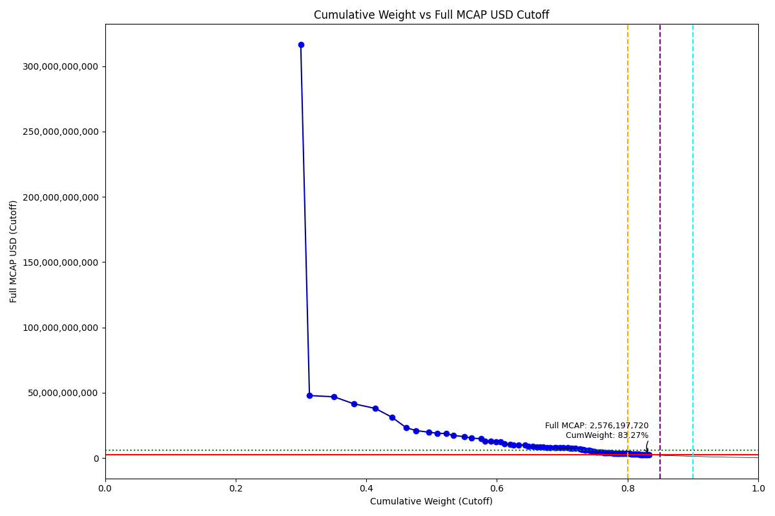
CumWeight_Cutoff | Case | Size | Shadow_Company
0.29973165616 | Below - Companies in between Upper and Lower GMSR | Deletion
0.31302715771 | Below - Companies in between Upper and Lower GMSR | Deletion
0.35047773557 | Below - Companies in between Upper and Lower GMSR | Deletion
0.38091148433 | Below - Companies in between Upper and Lower GMSR | Deletion
0.41391218981 | Below - Companies in between Upper and Lower GMSR | Deletion
0.43952740824 | Below - Companies in between Upper and Lower GMSR | Deletion
0.46113062437 | Below - Companies in between Upper and Lower GMSR | Deletion
0.47618335459 | Below - Companies in between Upper and Lower GMSR | Deletion
0.49551209343 | Below - Companies in between Upper and Lower GMSR | Deletion
0.50863230064 | Below - Companies in between Upper and Lower GMSR | Deletion
0.52220349025 | Below - Companies in between Upper and Lower GMSR | Deletion
0.53377878573 | Below - Companies in between Upper and Lower GMSR | Deletion
0.55002820534 | Below - Companies in between Upper and Lower GMSR | Deletion
0.5615010212 | Below - Companies in between Upper and Lower GMSR | Deletion
0.57600839073 | Below - Companies in between Upper and Lower GMSR | Deletion
0.58137878265 | Below - Companies in between Upper and Lower GMSR | Deletion
0.59069676704 | Below - Companies in between Upper and Lower GMSR | Deletion
0.598379169 | Below - Companies in between Upper and Lower GMSR | Deletion
0.60523088984 | Below - Companies in between Upper and Lower GMSR | Deletion
0.6116099037 | Below - Companies in between Upper and Lower GMSR | Deletion
0.62064122822 | Below - Companies in between Upper and Lower GMSR | Deletion
0.6249902569 | Below - Companies in between Upper and Lower GMSR | Deletion
0.63326070134 | Below - Companies in between Upper and Lower GMSR | Deletion
0.64296784536 | Below - Companies in between Upper and Lower GMSR | Deletion
0.64781450742 | Below - Companies in between Upper and Lower GMSR | Deletion
0.65446948671 | Below - Companies in between Upper and Lower GMSR | Deletion
0.66104435929 | Below - Companies in between Upper and Lower GMSR | Deletion
0.66554283337 | Below - Companies in between Upper and Lower GMSR | Deletion
0.67039236209 | Below - Companies in between Upper and Lower GMSR | Deletion
0.67640597188 | Below - Companies in between Upper and Lower GMSR | Deletion
0.68193629876 | Below - Companies in between Upper and Lower GMSR | Deletion
0.68851535036 | Below - Companies in between Upper and Lower GMSR | Deletion
0.69026170744 | Below - Companies in between Upper and Lower GMSR | Deletion | TRUE
0.69695938418 | Below - Companies in between Upper and Lower GMSR | Deletion
0.70126167067 | Below - Companies in between Upper and Lower GMSR | Deletion
0.70845873919 | Below - Companies in between Upper and Lower GMSR | Deletion
0.71259641398 | Below - Companies in between Upper and Lower GMSR | Deletion
0.71553864389 | Below - Companies in between Upper and Lower GMSR | Deletion
0.72060061655 | Below - Companies in between Upper and Lower GMSR | Deletion
0.72718528965 | Below - Companies in between Upper and Lower GMSR | Deletion
0.72963529393 | Below - Companies in between Upper and Lower GMSR | Deletion | TRUE
0.73179944535 | Below - Companies in between Upper and Lower GMSR | Deletion | TRUE
0.73543223161 | Below - Companies in between Upper and Lower GMSR | Deletion
0.74085821756 | Below - Companies in between Upper and Lower GMSR | Deletion
0.74442064742 | Below - Companies in between Upper and Lower GMSR | Deletion
0.7476157086 | Below - Companies in between Upper and Lower GMSR | Deletion
0.74927143722 | Below - Companies in between Upper and Lower GMSR | Deletion | TRUE
0.7515125215 | Below - Companies in between Upper and Lower GMSR | Deletion | TRUE
0.75421176469 | Below - Companies in between Upper and Lower GMSR | Deletion | TRUE
...

2023-03-20_KR
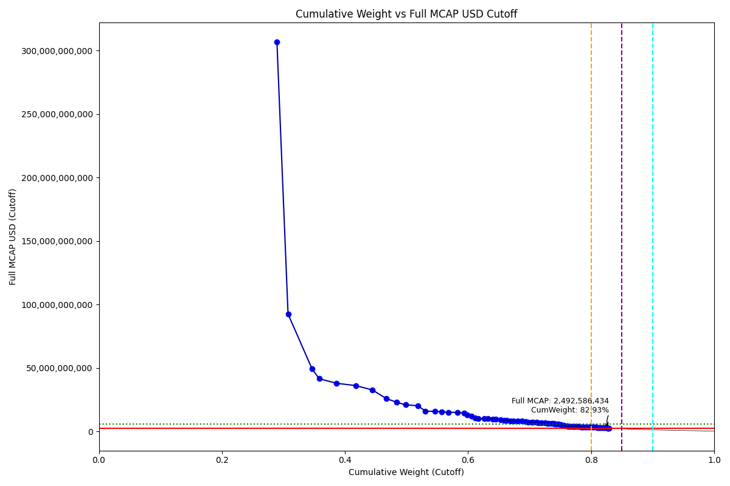
CumWeight_Cutoff | Case | Size | Shadow_Company
0.28939000875 | Below - Companies in between Upper and Lower GMSR | Deletion
0.30745417798 | Below - Companies in between Upper and Lower GMSR | Deletion
0.34658423948 | Below - Companies in between Upper and Lower GMSR | Deletion
0.35809473481 | Below - Companies in between Upper and Lower GMSR | Deletion
0.38595625242 | Below - Companies in between Upper and Lower GMSR | Deletion
0.41725582087 | Below - Companies in between Upper and Lower GMSR | Deletion
0.44432081074 | Below - Companies in between Upper and Lower GMSR | Deletion
0.46746813956 | Below - Companies in between Upper and Lower GMSR | Deletion
0.4838823332 | Below - Companies in between Upper and Lower GMSR | Deletion
0.49831457017 | Below - Companies in between Upper and Lower GMSR | Deletion
0.51809059324 | Below - Companies in between Upper and Lower GMSR | Deletion
0.53080531445 | Below - Companies in between Upper and Lower GMSR | Deletion
0.54644668123 | Below - Companies in between Upper and Lower GMSR | Deletion
0.55682418712 | Below - Companies in between Upper and Lower GMSR | Deletion
0.56816014462 | Below - Companies in between Upper and Lower GMSR | Deletion
0.58285577212 | Below - Companies in between Upper and Lower GMSR | Deletion
0.59333612358 | Below - Companies in between Upper and Lower GMSR | Deletion
0.59873222654 | Below - Companies in between Upper and Lower GMSR | Deletion
0.60526275947 | Below - Companies in between Upper and Lower GMSR | Deletion
0.61166243715 | Below - Companies in between Upper and Lower GMSR | Deletion
0.61677915715 | Below - Companies in between Upper and Lower GMSR | Deletion
0.6266064304 | Below - Companies in between Upper and Lower GMSR | Deletion
0.63215526721 | Below - Companies in between Upper and Lower GMSR | Deletion
0.64019545332 | Below - Companies in between Upper and Lower GMSR | Deletion
0.6449106033 | Below - Companies in between Upper and Lower GMSR | Deletion
0.65260940201 | Below - Companies in between Upper and Lower GMSR | Deletion
0.65906042838 | Below - Companies in between Upper and Lower GMSR | Deletion
0.66282774868 | Below - Companies in between Upper and Lower GMSR | Deletion
0.6689134448 | Below - Companies in between Upper and Lower GMSR | Deletion
0.67378328588 | Below - Companies in between Upper and Lower GMSR | Deletion
0.68045811399 | Below - Companies in between Upper and Lower GMSR | Deletion
0.68789189136 | Below - Companies in between Upper and Lower GMSR | Deletion
0.69322511684 | Below - Companies in between Upper and Lower GMSR | Deletion
0.69726464513 | Below - Companies in between Upper and Lower GMSR | Deletion
0.70340916212 | Below - Companies in between Upper and Lower GMSR | Deletion
0.70496688336 | Below - Companies in between Upper and Lower GMSR | Deletion | TRUE
0.7113833114 | Below - Companies in between Upper and Lower GMSR | Deletion
0.71408831016 | Below - Companies in between Upper and Lower GMSR | Deletion
0.71889106789 | Below - Companies in between Upper and Lower GMSR | Deletion
0.72502987675 | Below - Companies in between Upper and Lower GMSR | Deletion
0.72880337476 | Below - Companies in between Upper and Lower GMSR | Deletion
0.73115719647 | Below - Companies in between Upper and Lower GMSR | Deletion | TRUE
0.73604296157 | Below - Companies in between Upper and Lower GMSR | Deletion
0.73923163214 | Below - Companies in between Upper and Lower GMSR | Deletion
0.74122414159 | Below - Companies in between Upper and Lower GMSR | Deletion | TRUE
0.74415389318 | Below - Companies in between Upper and Lower GMSR | Deletion
0.74685209688 | Below - Companies in between Upper and Lower GMSR | Deletion
0.7513440871 | Below - Companies in between Upper and Lower GMSR | Deletion
0.75450125662 | Below - Companies in between Upper and Lower GMSR | Deletion
...

2023-06-19_KR

CumWeight_Cutoff | Case | Size | Shadow_Company
0.30899657285 | Below - Companies in between Upper and Lower GMSR | Deletion
0.32790611146 | Below - Companies in between Upper and Lower GMSR | Deletion
0.37135119556 | Below - Companies in between Upper and Lower GMSR | Deletion
0.38202129305 | Below - Companies in between Upper and Lower GMSR | Deletion
0.40832365118 | Below - Companies in between Upper and Lower GMSR | Deletion
0.4378351563 | Below - Companies in between Upper and Lower GMSR | Deletion
0.46587816155 | Below - Companies in between Upper and Lower GMSR | Deletion
0.48299231989 | Below - Companies in between Upper and Lower GMSR | Deletion
0.50311621642 | Below - Companies in between Upper and Lower GMSR | Deletion
0.52357840799 | Below - Companies in between Upper and Lower GMSR | Deletion
0.53138917716 | Below - Companies in between Upper and Lower GMSR | Deletion
0.54627382142 | Below - Companies in between Upper and Lower GMSR | Deletion
0.55935423357 | Below - Companies in between Upper and Lower GMSR | Deletion
0.56829126998 | Below - Companies in between Upper and Lower GMSR | Deletion
0.57916408359 | Below - Companies in between Upper and Lower GMSR | Deletion
0.58975806772 | Below - Companies in between Upper and Lower GMSR | Deletion
0.59928599868 | Below - Companies in between Upper and Lower GMSR | Deletion
0.61266231031 | Below - Companies in between Upper and Lower GMSR | Deletion
0.62478008685 | Below - Companies in between Upper and Lower GMSR | Deletion
0.63214905609 | Below - Companies in between Upper and Lower GMSR | Deletion
0.64030952572 | Below - Companies in between Upper and Lower GMSR | Deletion
0.64798848781 | Below - Companies in between Upper and Lower GMSR | Deletion
0.65263899085 | Below - Companies in between Upper and Lower GMSR | Deletion
0.65687666709 | Below - Companies in between Upper and Lower GMSR | Deletion
0.66071536134 | Below - Companies in between Upper and Lower GMSR | Deletion
0.66891584597 | Below - Companies in between Upper and Lower GMSR | Deletion
0.67255559564 | Below - Companies in between Upper and Lower GMSR | Deletion
0.67851129733 | Below - Companies in between Upper and Lower GMSR | Deletion
0.68514242804 | Below - Companies in between Upper and Lower GMSR | Deletion
0.68910623729 | Below - Companies in between Upper and Lower GMSR | Deletion
0.69624774769 | Below - Companies in between Upper and Lower GMSR | Deletion
0.70249670301 | Below - Companies in between Upper and Lower GMSR | Deletion
0.70405022763 | Below - Companies in between Upper and Lower GMSR | Deletion | TRUE
0.70846599025 | Below - Companies in between Upper and Lower GMSR | Deletion
0.71328650321 | Below - Companies in between Upper and Lower GMSR | Deletion
0.71934499375 | Below - Companies in between Upper and Lower GMSR | Deletion
0.72300758553 | Below - Companies in between Upper and Lower GMSR | Deletion
0.72785876305 | Below - Companies in between Upper and Lower GMSR | Deletion
0.73284857543 | Below - Companies in between Upper and Lower GMSR | Deletion
0.73835816064 | Below - Companies in between Upper and Lower GMSR | Deletion
0.74274845255 | Below - Companies in between Upper and Lower GMSR | Deletion
0.74625197098 | Below - Companies in between Upper and Lower GMSR | Deletion
0.74817111931 | Below - Companies in between Upper and Lower GMSR | Deletion | TRUE
0.75028881193 | Below - Companies in between Upper and Lower GMSR | Deletion | TRUE
0.75250072747 | Below - Companies in between Upper and Lower GMSR | Deletion | TRUE
0.75569884421 | Below - Companies in between Upper and Lower GMSR | Deletion
0.758008574 | Below - Companies in between Upper and Lower GMSR | Deletion | TRUE
0.76215754889 | Below - Companies in between Upper and Lower GMSR | Deletion
0.76544262135 | Below - Companies in between Upper and Lower GMSR | Deletion
...

2023-09-18_KR
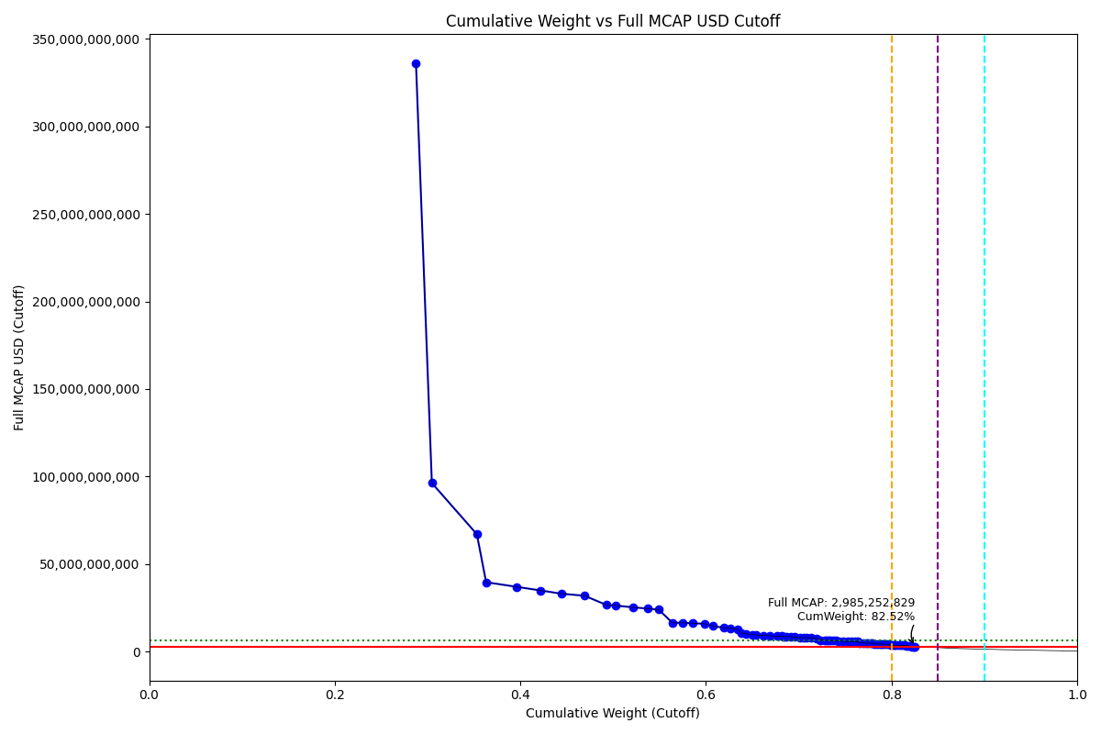
CumWeight_Cutoff | Case | Size | Shadow_Company
0.28757671597 | Below - Companies in between Upper and Lower GMSR | Deletion
0.30466732009 | Below - Companies in between Upper and Lower GMSR | Deletion
0.35315847305 | Below - Companies in between Upper and Lower GMSR | Deletion
0.36314062595 | Below - Companies in between Upper and Lower GMSR | Deletion
0.39589223296 | Below - Companies in between Upper and Lower GMSR | Deletion
0.42207740231 | Below - Companies in between Upper and Lower GMSR | Deletion
0.44414581525 | Below - Companies in between Upper and Lower GMSR | Deletion
0.46926119166 | Below - Companies in between Upper and Lower GMSR | Deletion
0.49310416381 | Below - Companies in between Upper and Lower GMSR | Deletion
0.50308713596 | Below - Companies in between Upper and Lower GMSR | Deletion
0.52165116693 | Below - Companies in between Upper and Lower GMSR | Deletion
0.53748548079 | Below - Companies in between Upper and Lower GMSR | Deletion
0.54907627743 | Below - Companies in between Upper and Lower GMSR | Deletion
0.56388229532 | Below - Companies in between Upper and Lower GMSR | Deletion
0.57509094938 | Below - Companies in between Upper and Lower GMSR | Deletion
0.58624457647 | Below - Companies in between Upper and Lower GMSR | Deletion
0.59869095495 | Below - Companies in between Upper and Lower GMSR | Deletion
0.60760497816 | Below - Companies in between Upper and Lower GMSR | Deletion
0.61965648042 | Below - Companies in between Upper and Lower GMSR | Deletion
0.62597047844 | Below - Companies in between Upper and Lower GMSR | Deletion
0.63447517222 | Below - Companies in between Upper and Lower GMSR | Deletion
0.6382998869 | Below - Companies in between Upper and Lower GMSR | Deletion
0.64301875138 | Below - Companies in between Upper and Lower GMSR | Deletion
0.6503141938 | Below - Companies in between Upper and Lower GMSR | Deletion
0.65381384402 | Below - Companies in between Upper and Lower GMSR | Deletion
0.66157702485 | Below - Companies in between Upper and Lower GMSR | Deletion
0.66849141781 | Below - Companies in between Upper and Lower GMSR | Deletion
0.67627834076 | Below - Companies in between Upper and Lower GMSR | Deletion
0.68173328442 | Below - Companies in between Upper and Lower GMSR | Deletion
0.68347508355 | Below - Companies in between Upper and Lower GMSR | Deletion | TRUE
0.68685810888 | Below - Companies in between Upper and Lower GMSR | Deletion
0.69172172511 | Below - Companies in between Upper and Lower GMSR | Deletion
0.69588571951 | Below - Companies in between Upper and Lower GMSR | Deletion
0.70106818967 | Below - Companies in between Upper and Lower GMSR | Deletion
0.70506410914 | Below - Companies in between Upper and Lower GMSR | Deletion
0.70822737654 | Below - Companies in between Upper and Lower GMSR | Deletion
0.71352241105 | Below - Companies in between Upper and Lower GMSR | Deletion
0.71923112746 | Below - Companies in between Upper and Lower GMSR | Deletion
0.72305566404 | Below - Companies in between Upper and Lower GMSR | Deletion
0.72793100835 | Below - Companies in between Upper and Lower GMSR | Deletion
0.72994380304 | Below - Companies in between Upper and Lower GMSR | Deletion | TRUE
0.7321293545 | Below - Companies in between Upper and Lower GMSR | Deletion | TRUE
0.73420864214 | Below - Companies in between Upper and Lower GMSR | Deletion | TRUE
0.73749744971 | Below - Companies in between Upper and Lower GMSR | Deletion
0.73972310861 | Below - Companies in between Upper and Lower GMSR | Deletion | TRUE
0.74299565228 | Below - Companies in between Upper and Lower GMSR | Deletion
0.7478544361 | Below - Companies in between Upper and Lower GMSR | Deletion
0.75266129205 | Below - Companies in between Upper and Lower GMSR | Deletion
0.75649850388 | Below - Companies in between Upper and Lower GMSR | Deletion
...

2023-12-18_KR

CumWeight_Cutoff | Size | Case | Shadow_Company
0.31368619264 | Standard | Inside
0.32802316651 | Standard | Inside
0.38154868595 | Standard | Inside
0.39140829802 | Standard | Inside
0.41740198254 | Standard | Inside
0.44483453843 | Standard | Inside
0.46395723419 | Standard | Inside
0.48084656582 | Standard | Inside
0.50406118274 | Standard | Inside
0.52344674539 | Standard | Inside
0.53327359341 | Standard | Inside
0.54050978332 | Standard | Inside
0.55446618861 | Standard | Inside
0.56618574741 | Standard | Inside
0.57638416085 | Standard | Inside
0.58754102279 | Standard | Inside
0.60194019028 | Standard | Inside
0.61303203283 | Standard | Inside
0.62591422786 | Standard | Inside
0.63479154778 | Standard | Inside
0.6403932204 | Standard | Inside
0.6452995186 | Standard | Inside
0.6528031167 | Standard | Inside
0.65776137299 | Standard | Inside
0.66597682241 | Standard | Inside
0.66947072187 | Standard | Inside
0.67769352781 | Standard | Inside
0.68463207162 | Standard | Inside
0.68697479785 | Standard | Inside | TRUE
0.69151732228 | Standard | Inside
0.69647216698 | Standard | Inside
0.69814618352 | Standard | Inside | TRUE
0.70431418469 | Standard | Inside
0.70979238629 | Standard | Inside
0.71454206328 | Standard | Inside
0.71731560678 | Standard | Inside | TRUE
0.72227406655 | Standard | Inside
0.72823839203 | Standard | Inside
0.73046035615 | Standard | Inside | TRUE
0.73317156979 | Standard | Inside | TRUE
0.73541296216 | Standard | Inside | TRUE
0.73748585104 | Standard | Inside | TRUE
0.74066051118 | Standard | Inside
0.74412809833 | Standard | Inside
0.74555034083 | Standard | Inside | TRUE
0.74763812314 | Standard | Inside | TRUE
0.7500066353 | Standard | Inside | TRUE
0.75330725429 | Standard | Inside
0.75654318861 | Standard | Inside
...

2024-03-18_KR
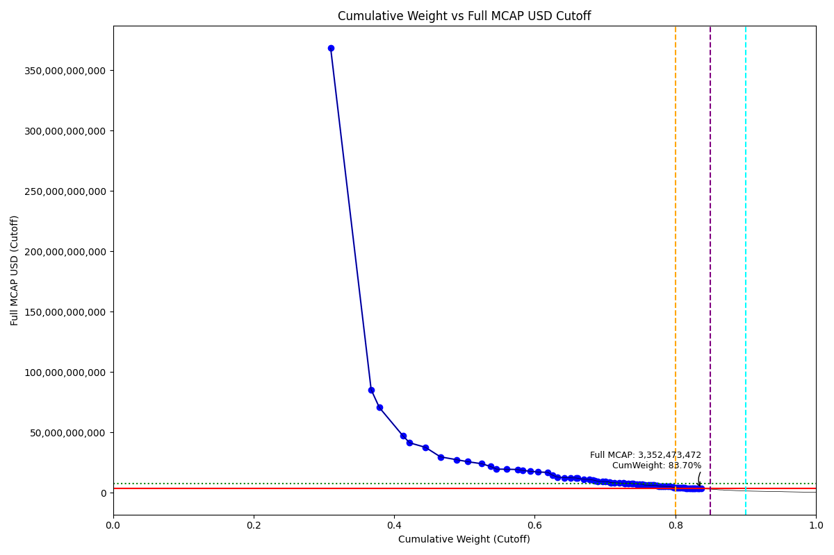
CumWeight_Cutoff | Size | Case | Shadow_Company
0.30968969929 | Standard | Inside
0.36728722822 | Standard | Inside
0.37897015526 | Standard | Inside
0.41229953767 | Standard | Inside
0.42200922601 | Standard | Inside
0.44458960151 | Standard | Inside
0.46577085731 | Standard | Inside
0.48837783213 | Standard | Inside
0.5044266484 | Standard | Inside
0.52448503747 | Standard | Inside
0.53684177083 | Standard | Inside
0.54565841672 | Standard | Inside
0.55994144416 | Standard | Inside
0.576037606 | Standard | Inside
0.58255834813 | Standard | Inside
0.59397740224 | Standard | Inside
0.60484287594 | Standard | Inside
0.61878298857 | Standard | Inside
0.62520194271 | Standard | Inside
0.63204547934 | Standard | Inside
0.64249368629 | Standard | Inside
0.65094711864 | Standard | Inside
0.65852175761 | Standard | Inside
0.66129298606 | Standard | Inside | TRUE
0.67000345019 | Standard | Inside
0.6777152486 | Standard | Inside
0.68256625032 | Standard | Inside
0.68606783269 | Standard | Inside
0.68969865871 | Standard | Inside
0.69627686566 | Standard | Inside
0.70062246192 | Standard | Inside
0.70591302371 | Standard | Inside
0.70833864414 | Standard | Inside | TRUE
0.71372415334 | Standard | Inside
0.71994611294 | Standard | Inside
0.72650845001 | Standard | Inside
0.72796260845 | Standard | Inside | TRUE
0.73342968859 | Standard | Inside
0.73793303673 | Standard | Inside
0.74044228898 | Standard | Inside | TRUE
0.74446156521 | Standard | Inside
0.74875511432 | Standard | Inside
0.75313875782 | Standard | Inside
0.75529618777 | Standard | Inside | TRUE
0.75721283365 | Standard | Inside | TRUE
0.76197130268 | Standard | Inside
0.76485717561 | Standard | Inside | TRUE
0.76802184948 | Standard | Inside
0.76997395388 | Standard | Inside | TRUE
...

2024-06-24_KR

CumWeight_Cutoff | Case | Size | Shadow_Company
0.30235561923 | Below - Companies in between Upper and Lower GMSR | Deletion
0.37079793146 | Below - Companies in between Upper and Lower GMSR | Deletion
0.38024669166 | Below - Companies in between Upper and Lower GMSR | Deletion
0.41283915092 | Below - Companies in between Upper and Lower GMSR | Deletion
0.42182311297 | Below - Companies in between Upper and Lower GMSR | Deletion
0.44276515322 | Below - Companies in between Upper and Lower GMSR | Deletion
0.46290037205 | Below - Companies in between Upper and Lower GMSR | Deletion
0.48264503963 | Below - Companies in between Upper and Lower GMSR | Deletion
0.50360855664 | Below - Companies in between Upper and Lower GMSR | Deletion
0.52061200116 | Below - Companies in between Upper and Lower GMSR | Deletion
0.53284852589 | Below - Companies in between Upper and Lower GMSR | Deletion
0.54676763571 | Below - Companies in between Upper and Lower GMSR | Deletion
0.55721894612 | Below - Companies in between Upper and Lower GMSR | Deletion
0.57193646419 | Below - Companies in between Upper and Lower GMSR | Deletion
0.58130201455 | Below - Companies in between Upper and Lower GMSR | Deletion
0.58635707336 | Below - Companies in between Upper and Lower GMSR | Deletion
0.59546775453 | Below - Companies in between Upper and Lower GMSR | Deletion
0.60167647167 | Below - Companies in between Upper and Lower GMSR | Deletion
0.61285002272 | Below - Companies in between Upper and Lower GMSR | Deletion
0.62103848037 | Below - Companies in between Upper and Lower GMSR | Deletion
0.63102951379 | Below - Companies in between Upper and Lower GMSR | Deletion
0.63650785136 | Below - Companies in between Upper and Lower GMSR | Deletion
0.64242788054 | Below - Companies in between Upper and Lower GMSR | Deletion
0.64754950222 | Below - Companies in between Upper and Lower GMSR | Deletion
0.65320790099 | Below - Companies in between Upper and Lower GMSR | Deletion
0.65755466742 | Below - Companies in between Upper and Lower GMSR | Deletion
0.66411895111 | Below - Companies in between Upper and Lower GMSR | Deletion
0.67045279455 | Below - Companies in between Upper and Lower GMSR | Deletion
0.67258160543 | Below - Companies in between Upper and Lower GMSR | Deletion | TRUE
0.67609090236 | Below - Companies in between Upper and Lower GMSR | Deletion
0.68190975498 | Below - Companies in between Upper and Lower GMSR | Deletion
0.68622940545 | Below - Companies in between Upper and Lower GMSR | Deletion
0.6903113667 | Below - Companies in between Upper and Lower GMSR | Deletion
0.69624936161 | Below - Companies in between Upper and Lower GMSR | Deletion
0.69780660749 | Below - Companies in between Upper and Lower GMSR | Deletion | TRUE
0.70375691753 | Below - Companies in between Upper and Lower GMSR | Deletion
0.70882138193 | Below - Companies in between Upper and Lower GMSR | Deletion
0.71116018663 | Below - Companies in between Upper and Lower GMSR | Deletion | TRUE
0.71510630976 | Below - Companies in between Upper and Lower GMSR | Deletion
0.71939384161 | Below - Companies in between Upper and Lower GMSR | Deletion
0.72544711049 | Below - Companies in between Upper and Lower GMSR | Deletion
0.72813423905 | Below - Companies in between Upper and Lower GMSR | Deletion | TRUE
0.73273945227 | Below - Companies in between Upper and Lower GMSR | Deletion
0.73717171621 | Below - Companies in between Upper and Lower GMSR | Deletion
0.74270483086 | Below - Companies in between Upper and Lower GMSR | Deletion
0.74636815233 | Below - Companies in between Upper and Lower GMSR | Deletion
0.74860096225 | Below - Companies in between Upper and Lower GMSR | Deletion | TRUE
0.75144487756 | Below - Companies in between Upper and Lower GMSR | Deletion | TRUE
0.75603511828 | Below - Companies in between Upper and Lower GMSR | Deletion
...

