2019-03-18_PK
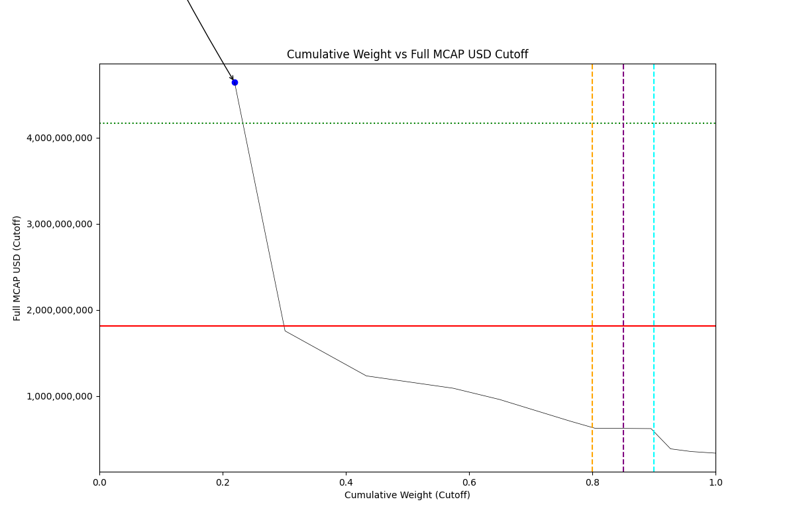
Date | Internal_Number | Instrument_Name | ENTITY_QID | Country | Free_Float_MCAP_USD_Cutoff_Company | Full_MCAP_USD_Cutoff_Company | Weight_Cutoff | CumWeight_Cutoff | Size | Case
2019-03-18 | PK20Q1 | OIL & GAS DEVELOPMENT | E004YSKIO | PK | 1161488831.1 | 4642241531.1 | 0.21937523449 | 0.21937523449 | Standard | Below

2019-06-24_PK
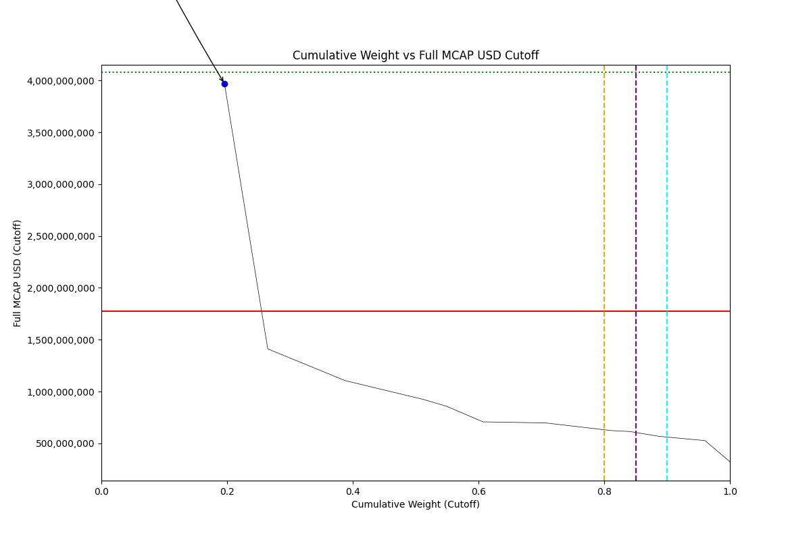
Date | ENTITY_QID | Country | Internal_Number | Instrument_Name | Free_Float_MCAP_USD_Cutoff_Company | Full_MCAP_USD_Cutoff_Company | Weight_Cutoff | CumWeight_Cutoff | Size | Case | Shadow_Company
2019-06-24 | E004YSKIO | PK | PK20Q1 | OIL & GAS DEVELOPMENT | 993383540.8 | 3970357876.9 | 0.19587758962 | 0.19587758962 | Addition | Above - No Companies in between Upper and Lower GMSR | TRUE

2019-09-23_PK
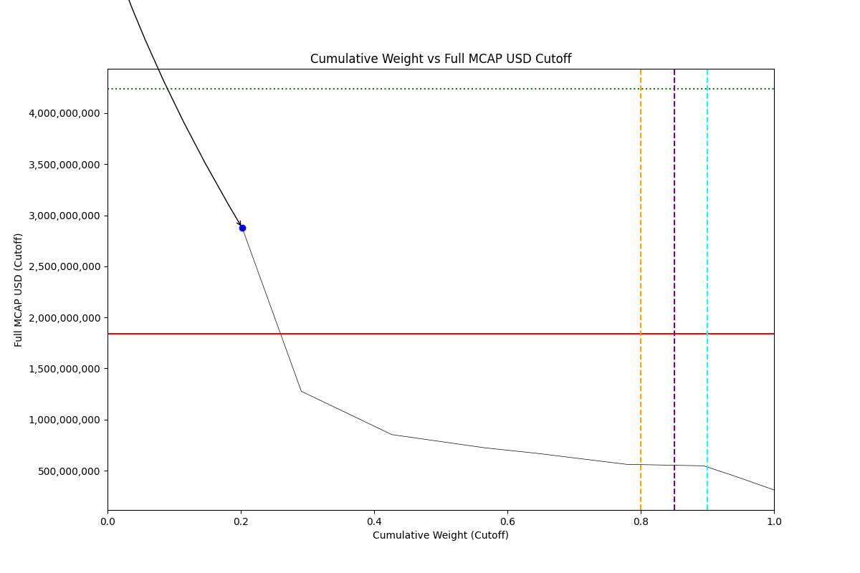
Date | ENTITY_QID | Country | Internal_Number | Instrument_Name | Free_Float_MCAP_USD_Cutoff_Company | Full_MCAP_USD_Cutoff_Company | Weight_Cutoff | CumWeight_Cutoff | Size | Case | Shadow_Company
2019-09-23 | E004YSKIO | PK | PK20Q1 | OIL & GAS DEVELOPMENT | 719412609.28 | 2875350157 | 0.20213250319 | 0.20213250319 | Addition | Above - No Companies in between Upper and Lower GMSR | TRUE

2019-12-23_PK
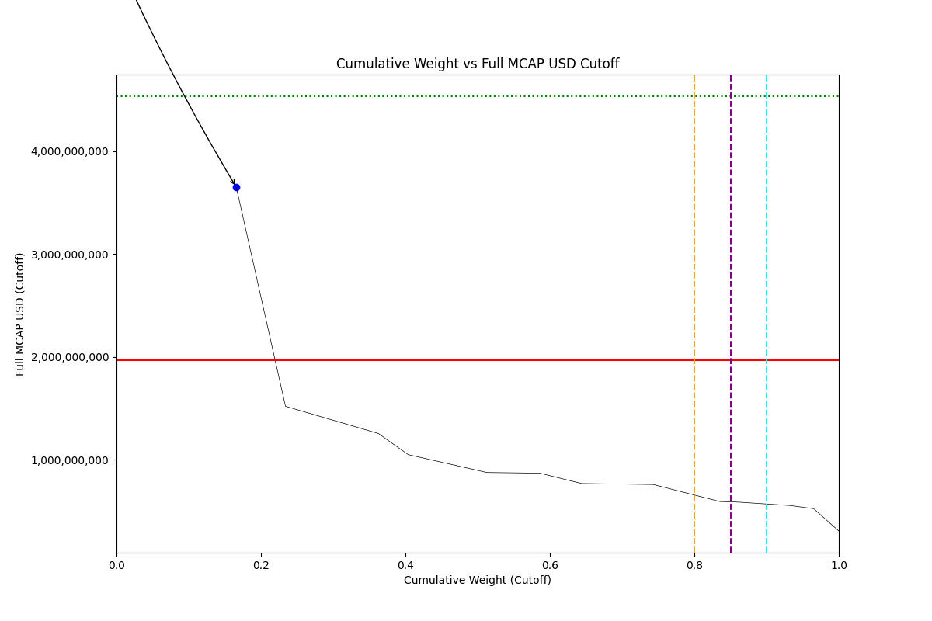
Date | ENTITY_QID | Country | Internal_Number | Instrument_Name | Free_Float_MCAP_USD_Cutoff_Company | Full_MCAP_USD_Cutoff_Company | Weight_Cutoff | CumWeight_Cutoff | Size | Case | Shadow_Company
2019-12-23 | E004YSKIO | PK | PK20Q1 | OIL & GAS DEVELOPMENT | 913228975.68 | 3649995906 | 0.16576691342 | 0.16576691342 | Addition | Above - No Companies in between Upper and Lower GMSR | TRUE

2020-03-23_PK
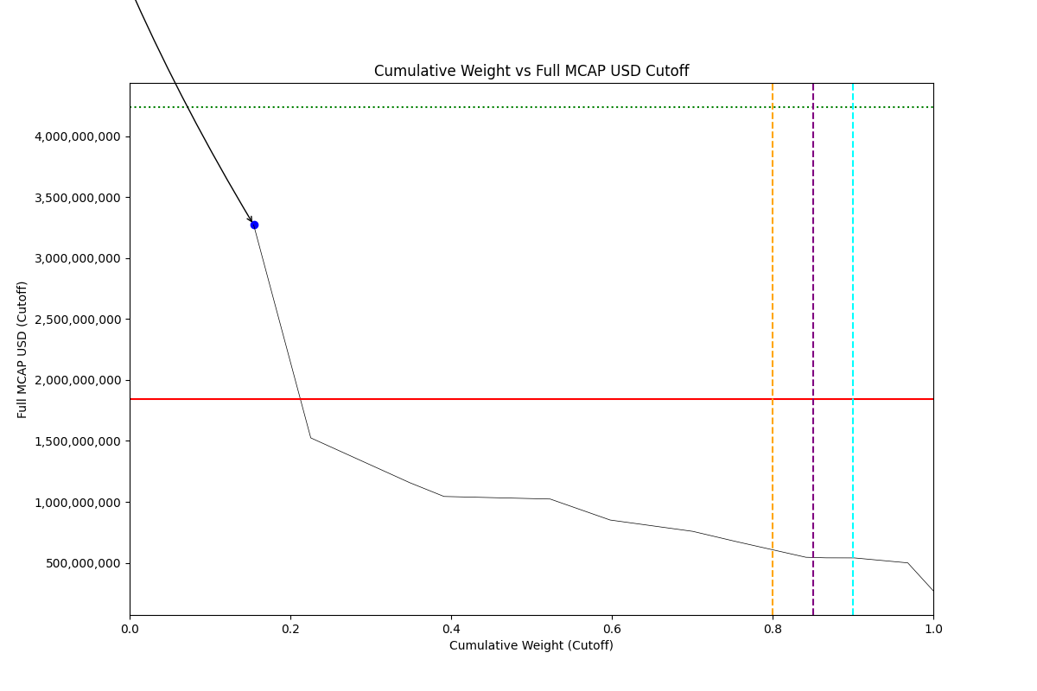
Date | ENTITY_QID | Country | Internal_Number | Instrument_Name | Free_Float_MCAP_USD_Cutoff_Company | Full_MCAP_USD_Cutoff_Company | Weight_Cutoff | CumWeight_Cutoff | Size | Case | Shadow_Company
2020-03-23 | E004YSKIO | PK | PK20Q1 | OIL & GAS DEVELOPMENT | 818933049.93 | 3273113708.7 | 0.1543153182 | 0.1543153182 | Addition | Above - No Companies in between Upper and Lower GMSR | TRUE

2020-06-22_PK
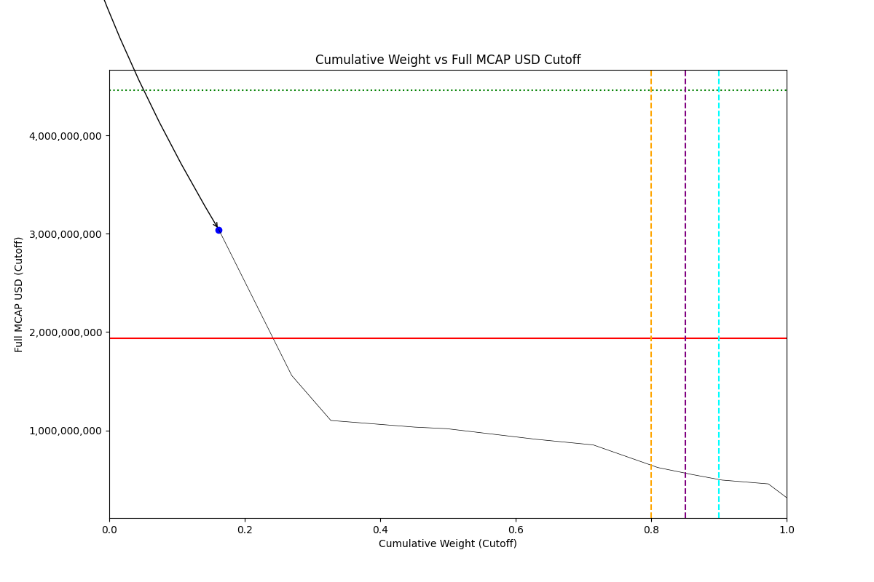
Date | ENTITY_QID | Country | Internal_Number | Instrument_Name | Free_Float_MCAP_USD_Cutoff_Company | Full_MCAP_USD_Cutoff_Company | Weight_Cutoff | CumWeight_Cutoff | Size | Case | Shadow_Company
2020-06-22 | E004YSKIO | PK | PK20Q1 | OIL & GAS DEVELOPMENT | 760951279.98 | 3041372022.3 | 0.16172397127 | 0.16172397127 | Addition | Above - No Companies in between Upper and Lower GMSR | TRUE

2020-09-21_PK
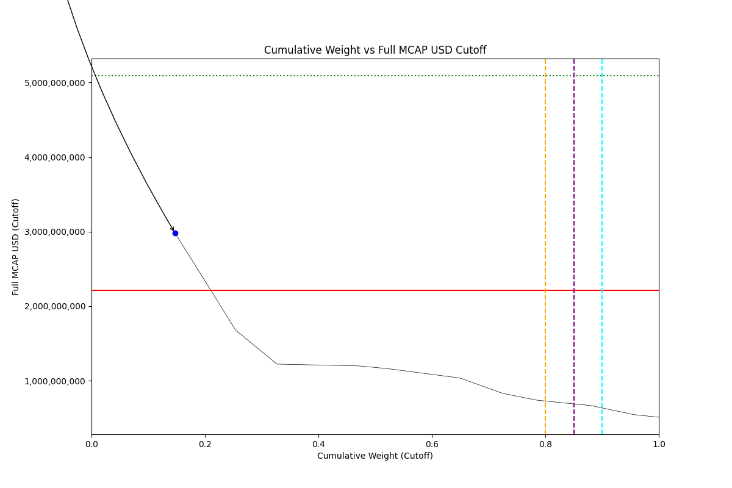
Date | ENTITY_QID | Country | Internal_Number | Instrument_Name | Free_Float_MCAP_USD_Cutoff_Company | Full_MCAP_USD_Cutoff_Company | Weight_Cutoff | CumWeight_Cutoff | Size | Case | Shadow_Company
2020-09-21 | E004YSKIO | PK | PK20Q1 | OIL & GAS DEVELOPMENT | 746980792.85 | 2985534743.6 | 0.14695921916 | 0.14695921916 | Addition | Above - No Companies in between Upper and Lower GMSR | TRUE

2020-12-21_PK
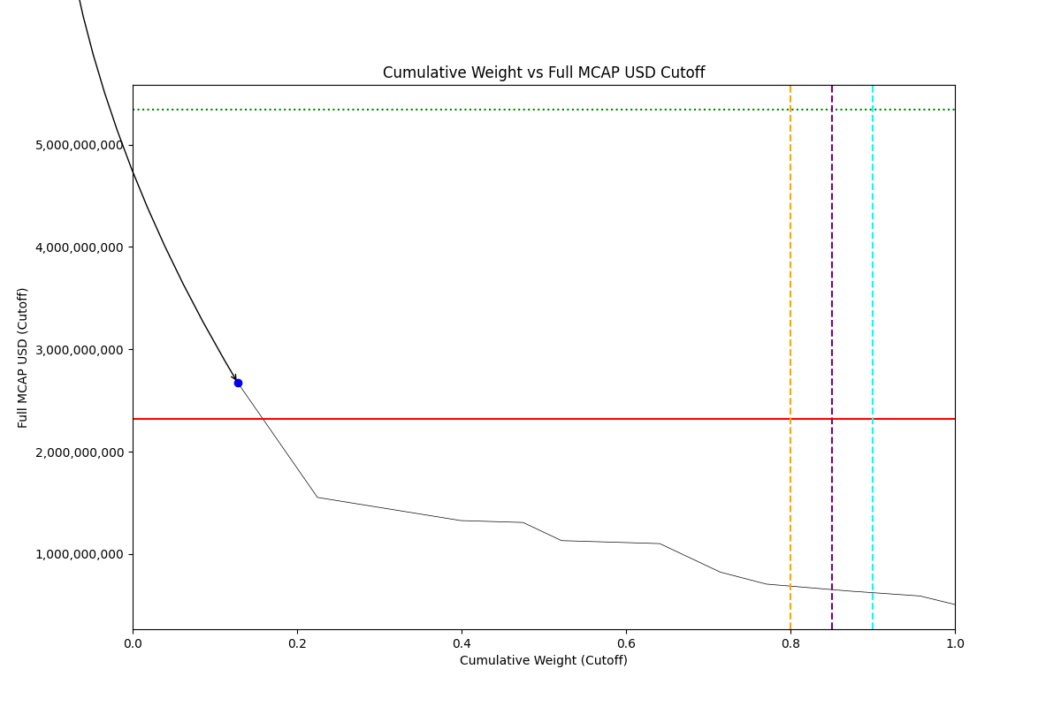
Date | ENTITY_QID | Country | Internal_Number | Instrument_Name | Free_Float_MCAP_USD_Cutoff_Company | Full_MCAP_USD_Cutoff_Company | Weight_Cutoff | CumWeight_Cutoff | Size | Case | Shadow_Company
2020-12-21 | E004YSKIO | PK | PK20Q1 | OIL & GAS DEVELOPMENT | 668332530.35 | 2671193166.9 | 0.12806716865 | 0.12806716865 | Addition | Above - No Companies in between Upper and Lower GMSR | TRUE

2021-03-22_PK
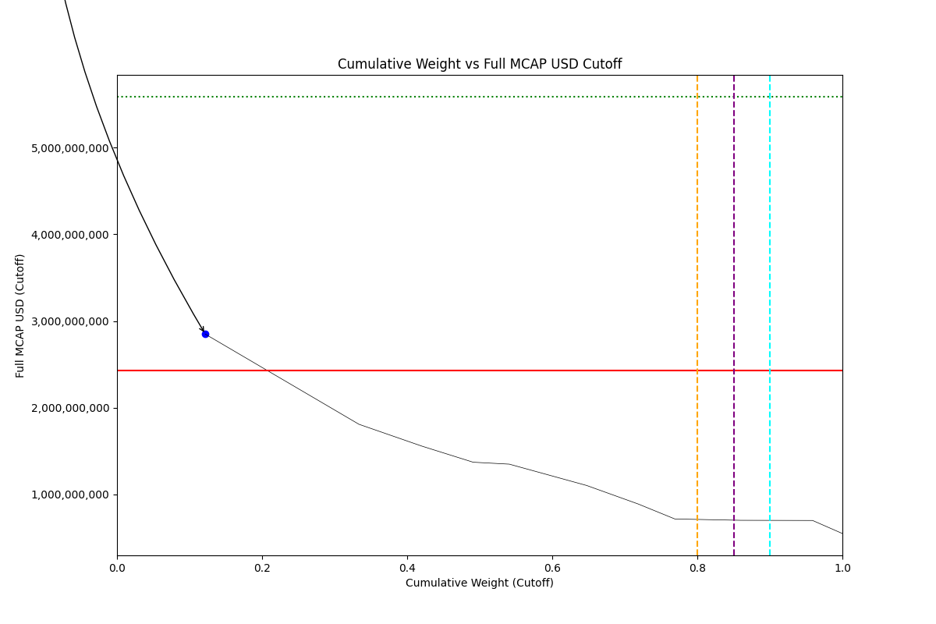
Date | ENTITY_QID | Country | Internal_Number | Instrument_Name | Free_Float_MCAP_USD_Cutoff_Company | Full_MCAP_USD_Cutoff_Company | Weight_Cutoff | CumWeight_Cutoff | Size | Case | Shadow_Company
2021-03-22 | E004YSKIO | PK | PK20Q1 | OIL & GAS DEVELOPMENT | 712766628.35 | 2848787483.4 | 0.12178701832 | 0.12178701832 | Addition | Above - No Companies in between Upper and Lower GMSR | TRUE

2021-06-21_PK
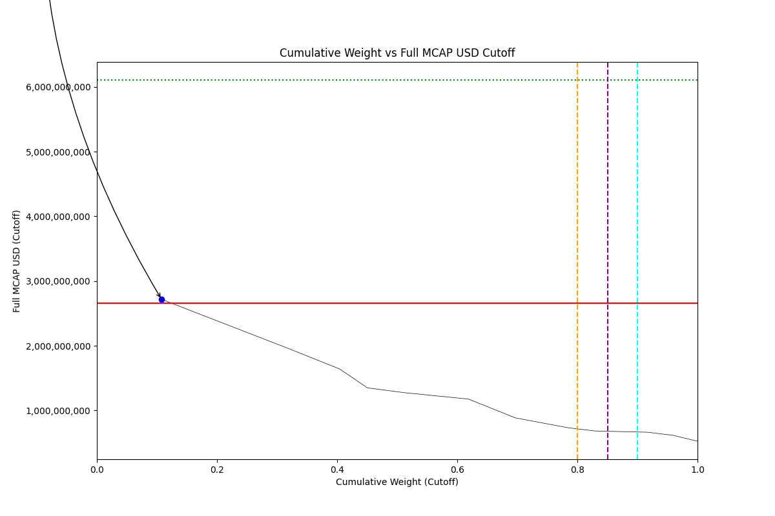
Date | ENTITY_QID | Country | Internal_Number | Instrument_Name | Free_Float_MCAP_USD_Cutoff_Company | Full_MCAP_USD_Cutoff_Company | Weight_Cutoff | CumWeight_Cutoff | Size | Case | Shadow_Company
2021-06-21 | E004YSKIO | PK | PK20Q1 | OIL & GAS DEVELOPMENT | 680041108.74 | 2717990042.9 | 0.10767197285 | 0.10767197285 | Addition | Above - No Companies in between Upper and Lower GMSR | TRUE

2021-09-20_PK
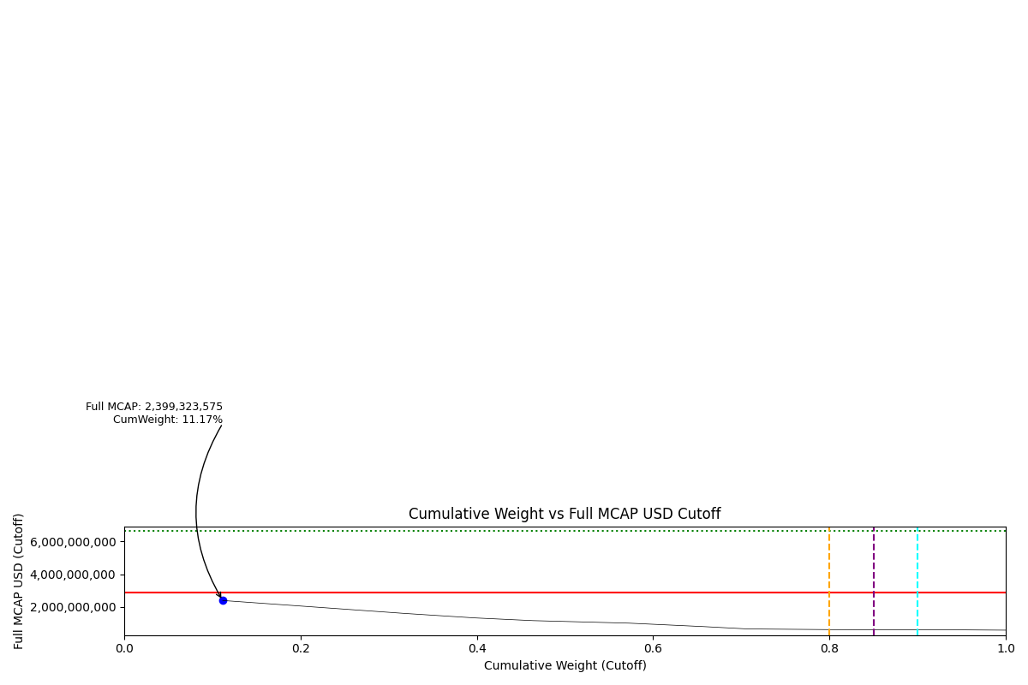
Date | ENTITY_QID | Country | Internal_Number | Instrument_Name | Free_Float_MCAP_USD_Cutoff_Company | Full_MCAP_USD_Cutoff_Company | Weight_Cutoff | CumWeight_Cutoff | Case | Size | Shadow_Company
2021-09-20 | E004YSKIO | PK | PK20Q1 | OIL & GAS DEVELOPMENT | 600310758.45 | 2399323574.9 | 0.11170213208 | 0.11170213208 | Number of Companies equal to 1 - No Deletion | Deletion | TRUE

2021-12-20_PK
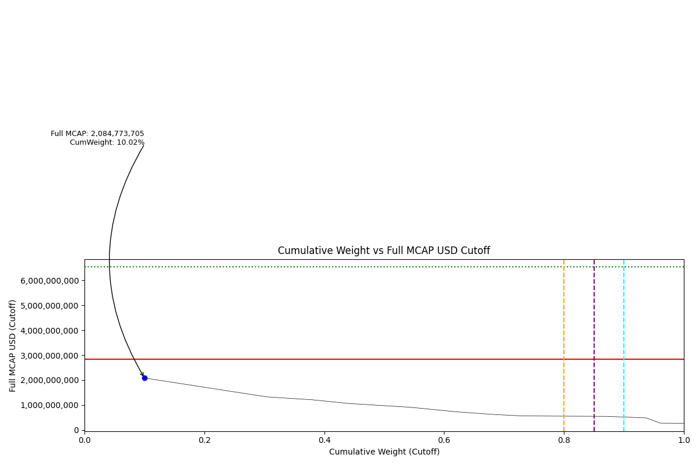
Date | ENTITY_QID | Country | Internal_Number | Instrument_Name | Free_Float_MCAP_USD_Cutoff_Company | Full_MCAP_USD_Cutoff_Company | Weight_Cutoff | CumWeight_Cutoff | Case | Size | Shadow_Company
2021-12-20 | E004YSKIO | PK | PK20Q1 | OIL & GAS DEVELOPMENT | 521610381.04 | 2084773705.2 | 0.10023930816 | 0.10023930816 | Number of Companies equal to 1 - No Deletion | Deletion | TRUE

2022-03-21_PK
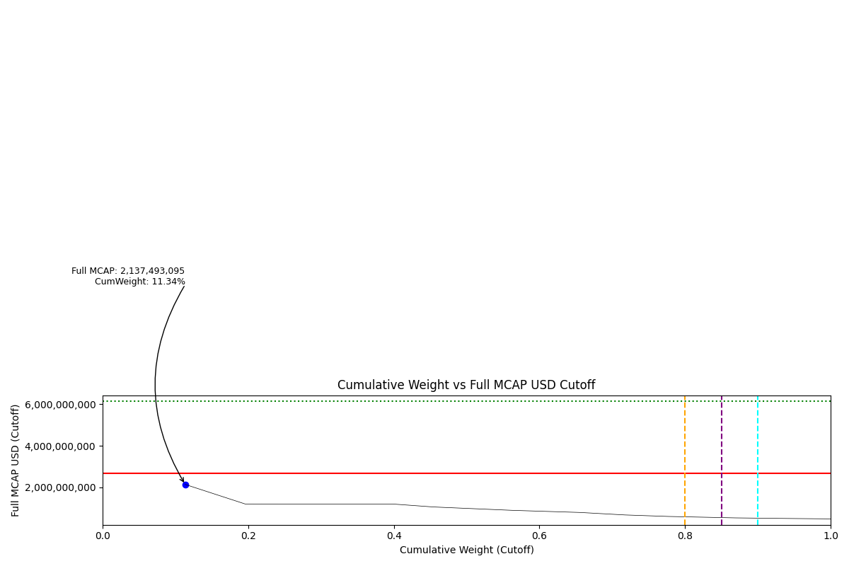
Date | ENTITY_QID | Country | Internal_Number | Instrument_Name | Free_Float_MCAP_USD_Cutoff_Company | Full_MCAP_USD_Cutoff_Company | Weight_Cutoff | CumWeight_Cutoff | Case | Size | Shadow_Company
2022-03-21 | E004YSKIO | PK | PK20Q1 | OIL & GAS DEVELOPMENT | 534800772.35 | 2137493094.9 | 0.11338049975 | 0.11338049975 | Number of Companies equal to 1 - No Deletion | Deletion | TRUE

2022-06-20_PK
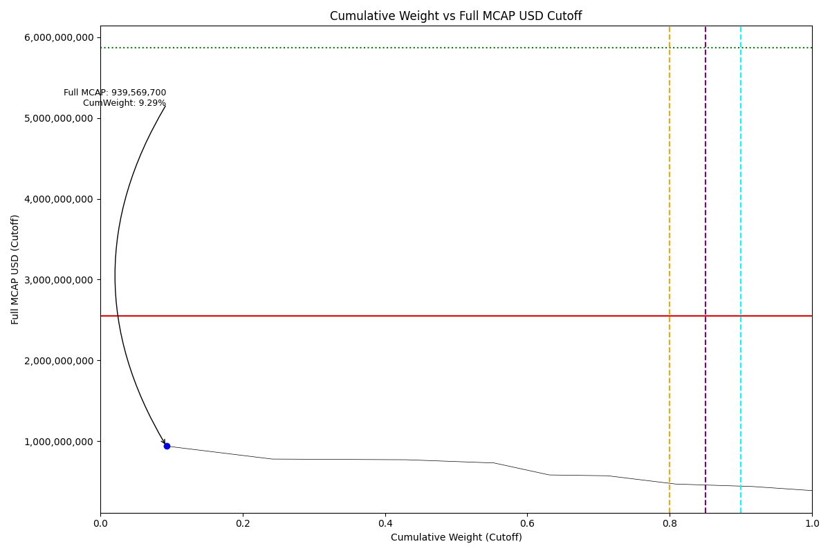
Date | ENTITY_QID | Country | Internal_Number | Instrument_Name | Free_Float_MCAP_USD_Cutoff_Company | Full_MCAP_USD_Cutoff_Company | Weight_Cutoff | CumWeight_Cutoff | Case | Size | Shadow_Company
2022-06-20 | E004YSKH9 | PK | PK20S3 | PAKISTAN PETROLEUM | 152633097.74 | 939569699.85 | 0.092850823471 | 0.092850823471 | Number of Companies equal to 1 - No Deletion | Deletion | TRUE

