EG
Date | ENTITY_QID | Country | Internal_Number | Instrument_Name | CumWeight_Cutoff | Full_MCAP_USD_Cutoff_Company
2018-09-24 | E004YSFIP | EG | EG2051 | EASTERN TOBACCO | 0.17 | 2,617,991,058.78 | UpperGMSR | 3,672,979,065.95
2018-09-24 | E004YRWO1 | EG | EG2040 | ELSWEDY ELECTRIC | 0.29 | 2,388,769,826.79 | LowerGMSR | 1,596,947,419.98
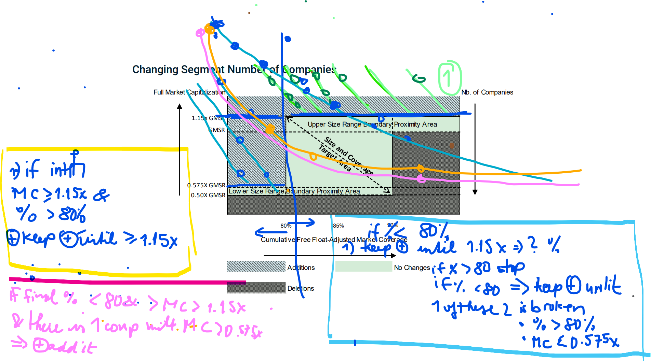
2018-09-24 | E004YSFJD | EG | EG20EA | ABOU KIR FERTILIZERS | 0.52 | 2,335,494,757.82
2018-09-24 | E004YSFJ7 | EG | EG005Z | Talaat Moustafa Group | 0.61 | 1,354,112,387.58 | Left | 0.84473684211
2018-09-24 | E004YM8LP | EG | EG0060 | TELECOM EGYPT | 0.66 | 1,321,241,148.70 | Right | 0.94473684211
2018-09-24 | E004YM84E | EG | EG003X | Global Telecom Holding | 0.74 | 1,125,344,207.97
2018-09-24 | E004YSFJM | EG | EG00B5 | ALEXANDRIA MRL.OILS | 0.78 | 818,510,248.02
2018-09-24 | E004YQNG2 | EG | EG0071 | EFG-HERMES | 0.85 | 776,382,354.76
2018-09-24 | E004YSFJI | EG | EG2062 | SIDI KERIR PETROCHEM. | 0.90 | 709,622,885.72
2018-09-24 | E004YP5M7 | EG | EG00C6 | JUHAYNA FOOD INDS. | 0.94 | 638,871,001.79
2018-09-24 | E004YSFIQ | EG | EG20KG | MEDINET NASR HOUSING | 1.00 | 595,718,522.59

Deletion
