2019-03-18_BR
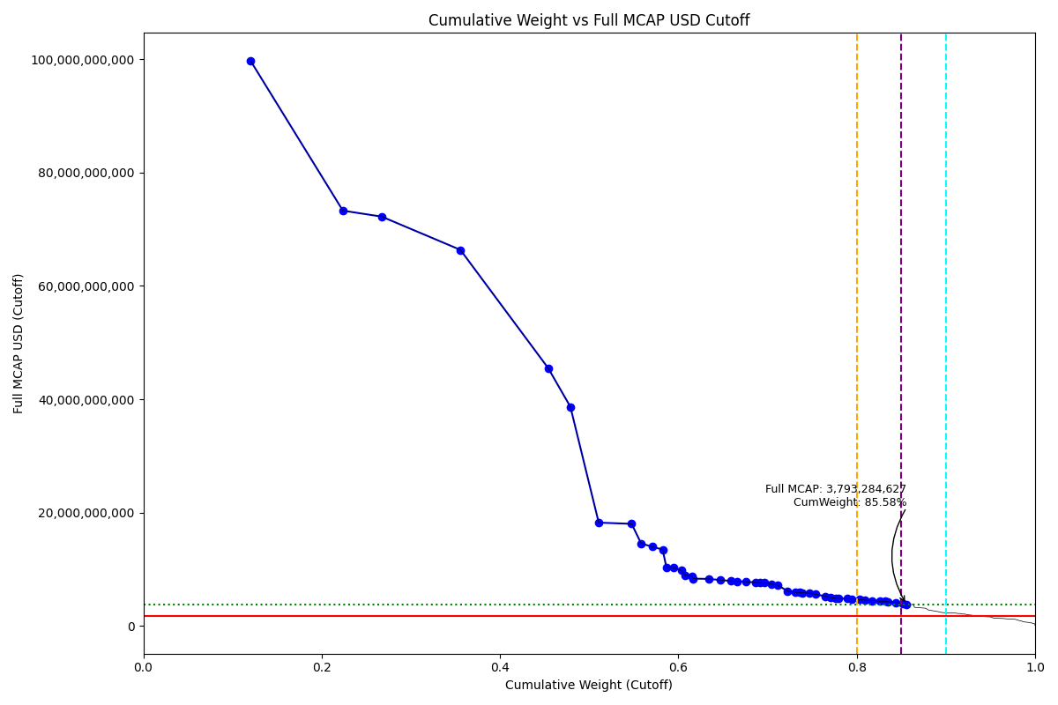
Date | Internal_Number | Instrument_Name | Country | Free_Float_MCAP_USD_Cutoff_Company | Full_MCAP_USD_Cutoff_Company | Weight_Cutoff | CumWeight_Cutoff | Size | Case
2019-03-18 | BR0013 | Petroleo Brasileiro SA | BR | 55,783,397,829.18 | 99,679,744,865.70 | 0.12 | 0.12 | Standard | Above - Companies in between Upper and Lower GMSR
2019-03-18 | BR10KN | BANCO BRADESCO SA | BR | 47,835,008,381.16 | 73,286,563,268.95 | 0.10 | 0.22 | Standard | Above - Companies in between Upper and Lower GMSR
2019-03-18 | BR01UX | AMBEV | BR | 20,153,119,927.92 | 72,233,404,759.58 | 0.04 | 0.27 | Standard | Above - Companies in between Upper and Lower GMSR
2019-03-18 | BR0024 | Vale SA | BR | 40,843,333,093.08 | 66,368,757,057.33 | 0.09 | 0.36 | Standard | Above - Companies in between Upper and Lower GMSR
2019-03-18 | BR0035 | ITAU UNIBANCO HOLDING SA -PREF | BR | 45,522,185,927.51 | 45,522,185,927.51 | 0.10 | 0.45 | Standard | Above - Companies in between Upper and Lower GMSR
2019-03-18 | BR0046 | Banco do Brasil SA | BR | 11,598,466,580.33 | 38,661,553,463.57 | 0.03 | 0.48 | Standard | Above - Companies in between Upper and Lower GMSR
2019-03-18 | BR00AC | ITAUSA - PREF | BR | 14,697,744,945.75 | 18,221,850,912.16 | 0.03 | 0.51 | Standard | Above - Companies in between Upper and Lower GMSR
2019-03-18 | BR00BD | B3 SA - Brasil Bolsa Balcao | BR | 17,091,154,559.43 | 18,003,955,082.09 | 0.04 | 0.55 | Standard | Above - Companies in between Upper and Lower GMSR
2019-03-18 | BR306B | BBSEGURIDADE ON NM | BR | 4,913,685,627.46 | 14,559,068,525.82 | 0.01 | 0.56 | Standard | Above - Companies in between Upper and Lower GMSR
2019-03-18 | BR00PR | TELEFONICA BRASIL PREF. | BR | 5,660,214,557.89 | 13,965,493,604.46 | 0.01 | 0.57 | Standard | Above - Companies in between Upper and Lower GMSR
2019-03-18 | BR10RU | ELETROBRAS - PREF | BR | 5,493,548,251.00 | 13,477,323,151.72 | 0.01 | 0.58 | Standard | Above - Companies in between Upper and Lower GMSR
2019-03-18 | BR708H | ATACADAO DISTRIBUICAO | BR | 1,993,772,420.69 | 10,319,733,026.37 | 0.00 | 0.59 | Standard | Above - Companies in between Upper and Lower GMSR
2019-03-18 | BR00SU | Weg SA | BR | 3,655,200,313.21 | 10,307,953,505.95 | 0.01 | 0.59 | Standard | Above - Companies in between Upper and Lower GMSR
2019-03-18 | BR00IK | JBS SA | BR | 4,070,008,373.07 | 9,771,928,866.92 | 0.01 | 0.60 | Standard | Above - Companies in between Upper and Lower GMSR
2019-03-18 | BR00MO | Engie Brasil Energia SA | BR | 1,906,530,132.10 | 8,955,049,939.39 | 0.00 | 0.61 | Standard | Above - Companies in between Upper and Lower GMSR
2019-03-18 | BR704D | MAGAZINE LUIZA ON | BR | 3,746,559,771.46 | 8,815,434,756.37 | 0.01 | 0.62 | Standard | Above - Companies in between Upper and Lower GMSR
2019-03-18 | BR00HJ | CPFL Energia SA | BR | 436,496,261.76 | 8,330,081,331.26 | 0.00 | 0.62 | Standard | Above - Companies in between Upper and Lower GMSR
2019-03-18 | BR03X2 | LOJAS RENNER | BR | 8,285,754,075.36 | 8,285,754,075.36 | 0.02 | 0.63 | Standard | Above - Companies in between Upper and Lower GMSR
2019-03-18 | BR01RU | RUMO S.A. | BR | 5,786,587,870.21 | 8,089,735,593.75 | 0.01 | 0.65 | Standard | Above - Companies in between Upper and Lower GMSR
2019-03-18 | BR05IP | ULTRAPAR PARTICIPACOES SA | BR | 5,608,738,378.53 | 7,924,185,332.76 | 0.01 | 0.66 | Standard | Above - Companies in between Upper and Lower GMSR
2019-03-18 | BR00EG | Cielo SA | BR | 3,362,470,189.29 | 7,874,637,445.64 | 0.01 | 0.67 | Standard | Above - Companies in between Upper and Lower GMSR
2019-03-18 | BR03SX | Lojas Americanas | BR | 4,566,258,264.51 | 7,790,940,796.97 | 0.01 | 0.68 | Standard | Above - Companies in between Upper and Lower GMSR
2019-03-18 | BR00KM | CCR - CIA DE CONCESSOES ROD. | BR | 4,731,441,708.58 | 7,664,736,284.75 | 0.01 | 0.69 | Standard | Above - Companies in between Upper and Lower GMSR
2019-03-18 | BR1025 | TIM PARTICIPACOES SA | BR | 2,550,148,583.85 | 7,630,606,175.50 | 0.01 | 0.69 | Standard | Above - Companies in between Upper and Lower GMSR
2019-03-18 | BR805F | PETROBRAS DISTRIBUIDORA ON | BR | 2,183,652,792.15 | 7,595,314,059.64 | 0.00 | 0.70 | Standard | Above - Companies in between Upper and Lower GMSR
2019-03-18 | BR709I | IRB BRASIL RESSEGUROS ON | BR | 3,458,560,804.85 | 7,404,326,278.85 | 0.01 | 0.70 | Standard | Above - Companies in between Upper and Lower GMSR
2019-03-18 | BR04U0 | CIA DE SANEAMENTO BASICO SP | BR | 3,567,272,243.70 | 7,171,838,045.24 | 0.01 | 0.71 | Standard | Above - Companies in between Upper and Lower GMSR
2019-03-18 | BR04NT | Localiza Rnt Car | BR | 4,822,981,853.20 | 6,146,274,822.48 | 0.01 | 0.72 | Standard | Above - Companies in between Upper and Lower GMSR
2019-03-18 | BR2015 | CMPH.ENGT.MINASGR. ON | BR | 4,316,753,138.64 | 5,906,803,056.09 | 0.01 | 0.73 | Standard | Above - Companies in between Upper and Lower GMSR
2019-03-18 | BR02AE | B2W DIGITAL | BR | 2,269,092,577.04 | 5,895,278,194.45 | 0.00 | 0.74 | Standard | Above - Companies in between Upper and Lower GMSR
2019-03-18 | BR808I | HAPVIDA PARTP.E INVMS.ON | BR | 1,268,900,397.32 | 5,839,394,373.33 | 0.00 | 0.74 | Standard | Above - Companies in between Upper and Lower GMSR
2019-03-18 | BR206A | RAIA DROGASIL | BR | 3,746,741,215.00 | 5,762,444,194.10 | 0.01 | 0.75 | Standard | Above - Companies in between Upper and Lower GMSR
2019-03-18 | BR00JL | Natura Cosmeticos SA | BR | 3,097,592,857.55 | 5,563,205,563.13 | 0.01 | 0.75 | Standard | Above - Companies in between Upper and Lower GMSR
2019-03-18 | BR15V3 | KLABIN UNITS | BR | 5,204,618,807.63 | 5,204,618,807.63 | 0.01 | 0.77 | Standard | Above - Companies in between Upper and Lower GMSR
2019-03-18 | BR027B | Braskem | BR | 2,760,367,591.70 | 5,005,199,622.31 | 0.01 | 0.77 | Standard | Above - Companies in between Upper and Lower GMSR
2019-03-18 | BR008A | Cia Siderurgica Nacional SA | BR | 2,457,918,185.52 | 4,839,374,257.76 | 0.01 | 0.78 | Standard | Above - Companies in between Upper and Lower GMSR
2019-03-18 | BR04KQ | Porto Seguro | BR | 1,409,680,535.66 | 4,830,981,959.08 | 0.00 | 0.78 | Standard | Above - Companies in between Upper and Lower GMSR
2019-03-18 | BR3038 | KROTON ON | BR | 4,809,666,367.79 | 4,809,666,367.79 | 0.01 | 0.79 | Standard | Above - Companies in between Upper and Lower GMSR
2019-03-18 | BR02KO | COSAN SA INDUSTRIA E COMERCIO | BR | 2,011,529,395.01 | 4,753,141,292.55 | 0.00 | 0.79 | Standard | Above - Companies in between Upper and Lower GMSR
2019-03-18 | BR00DF | Gerdau SA | BR | 4,228,725,324.40 | 4,626,614,140.48 | 0.01 | 0.80 | Standard | Above - Companies in between Upper and Lower GMSR
2019-03-18 | BR00RT | HYPERA | BR | 2,893,760,661.17 | 4,534,964,208.07 | 0.01 | 0.81 | Standard | Above - Companies in between Upper and Lower GMSR
2019-03-18 | BR00FH | BRF SA | BR | 3,472,873,659.93 | 4,456,401,462.76 | 0.01 | 0.82 | Standard | Above - Companies in between Upper and Lower GMSR
2019-03-18 | BR305A | EQUATORIAL ON | BR | 4,353,043,325.37 | 4,353,043,325.37 | 0.01 | 0.83 | Standard | Above - Companies in between Upper and Lower GMSR
2019-03-18 | BR807H | NODM.INTMDCA.PARTP. ON | BR | 2,324,818,489.40 | 4,325,243,701.21 | 0.01 | 0.83 | Standard | Above - Companies in between Upper and Lower GMSR
2019-03-18 | BR0406 | M Dias Branco | BR | 1,557,697,005.75 | 4,246,720,299.22 | 0.00 | 0.83 | Standard | Above - Companies in between Upper and Lower GMSR
2019-03-18 | BR04DJ | CIA BRAS DE DISTRIBUICAO | BR | 3,915,181,477.12 | 4,149,196,139.38 | 0.01 | 0.84 | Standard | Above - Companies in between Upper and Lower GMSR
2019-03-18 | BR15EM | ENERGISA UNITS | BR | 3,899,848,611.08 | 3,899,848,611.08 | 0.01 | 0.85 | Standard | Above - Companies in between Upper and Lower GMSR
2019-03-18 | BR046C | MULTIPLAN | BR | 1,884,124,474.42 | 3,793,284,627.37 | 0.00 | 0.86 | Standard | Above - Companies in between Upper and Lower GMSR

2019-03-18_CL
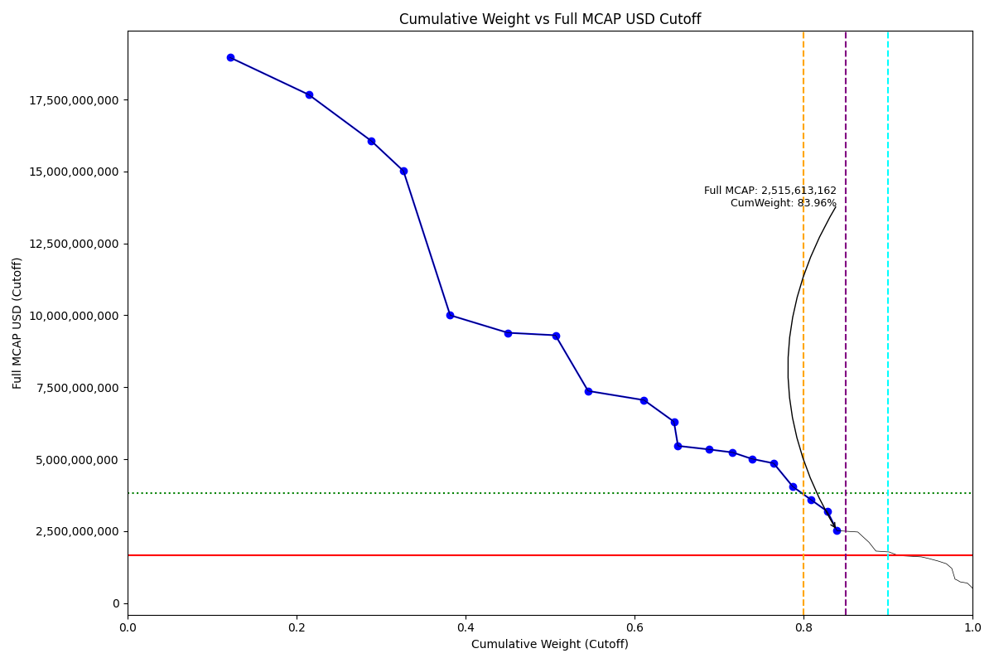
Date | Internal_Number | Instrument_Name | Country | Free_Float_MCAP_USD_Cutoff_Company | Full_MCAP_USD_Cutoff_Company | Weight_Cutoff | CumWeight_Cutoff | Size | Case
2019-03-18 | CL001Y | SACI Falabella | CL | 9,017,498,261.07 | 18,960,257,067.02 | 0.12 | 0.12146288859 | Standard | Inside
2019-03-18 | CL002Z | Empresas COPEC SA | CL | 6,921,806,496.81 | 17,666,683,248.61 | 0.09 | 0.21469746286 | Standard | Inside
2019-03-18 | CL00DA | Banco de Chile | CL | 5,496,563,012.66 | 16,057,735,941.17 | 0.07 | 0.28873445199 | Standard | Inside
2019-03-18 | CL0085 | Banco Santander Chile | CL | 2,818,345,956.85 | 15,015,162,263.44 | 0.04 | 0.32669669286 | Standard | Inside
2019-03-18 | CL0030 | ENEL AMERICAS | CL | 4,101,805,975.97 | 10,001,965,315.71 | 0.06 | 0.3819467398 | Standard | Inside
2019-03-18 | CL0063 | Empresas CMPC SA | CL | 5,074,351,821.66 | 9,391,730,190.00 | 0.07 | 0.45029667591 | Standard | Inside
2019-03-18 | CL00A7 | Banco de Credito e Inversiones | CL | 4,174,476,938.59 | 9,305,566,069.08 | 0.06 | 0.50652557805 | Standard | Inside
2019-03-18 | CL6025 | Enel Chile SA | CL | 2,869,769,975.98 | 7,369,722,588.54 | 0.04 | 0.54518048441 | Standard | Inside
2019-03-18 | CL0074 | LATAM AIRLINES GROUP | CL | 4,910,146,865.99 | 7,051,769,159.83 | 0.07 | 0.61131863098 | Standard | Inside
2019-03-18 | CL00NK | Sociedad Matriz Banco de Chile | CL | 2,631,934,596.94 | 6,302,525,375.80 | 0.04 | 0.64676996898 | Standard | Inside
2019-03-18 | CL0041 | Enel Generacion Chile SA | CL | 352,227,666.35 | 5,460,894,051.96 | 0.00 | 0.65151436577 | Standard | Inside
2019-03-18 | CL0052 | Cencosud SA | CL | 2,705,600,967.25 | 5,338,597,015.10 | 0.04 | 0.68795796679 | Standard | Inside
2019-03-18 | CL00GD | Cia Cervecerias Unidas SA | CL | 2,093,448,202.00 | 5,233,620,505.01 | 0.03 | 0.71615606102 | Standard | Inside
2019-03-18 | CL00B8 | Sociedad Quimica y Minera de C | CL | 1,691,653,741.73 | 5,009,338,885.79 | 0.02 | 0.73894210922 | Standard | Inside
2019-03-18 | CL00KH | ITAU CORPBANCA | CL | 1,917,914,084.49 | 4,855,478,694.91 | 0.03 | 0.76477581364 | Standard | Inside
2019-03-18 | CL00C9 | Colbun SA | CL | 1,670,110,191.03 | 4,048,751,978.25 | 0.02 | 0.78727167693 | Standard | Inside
2019-03-18 | CL00WT | AGUAS ANDINAS A | CL | 1,611,113,131.79 | 3,588,225,237.84 | 0.02 | 0.80897286823 | Standard | Inside
2019-03-18 | CL00FC | ENTEL Chile SA | CL | 1,436,523,347.81 | 3,182,373,389.04 | 0.02 | 0.82832238961 | Standard | Inside
2019-03-18 | CL00EB | AES Gener SA | CL | 837,699,182.91 | 2,515,613,161.88 | 0.01 | 0.83960593628 | Standard | Inside

2019-03-18_CN
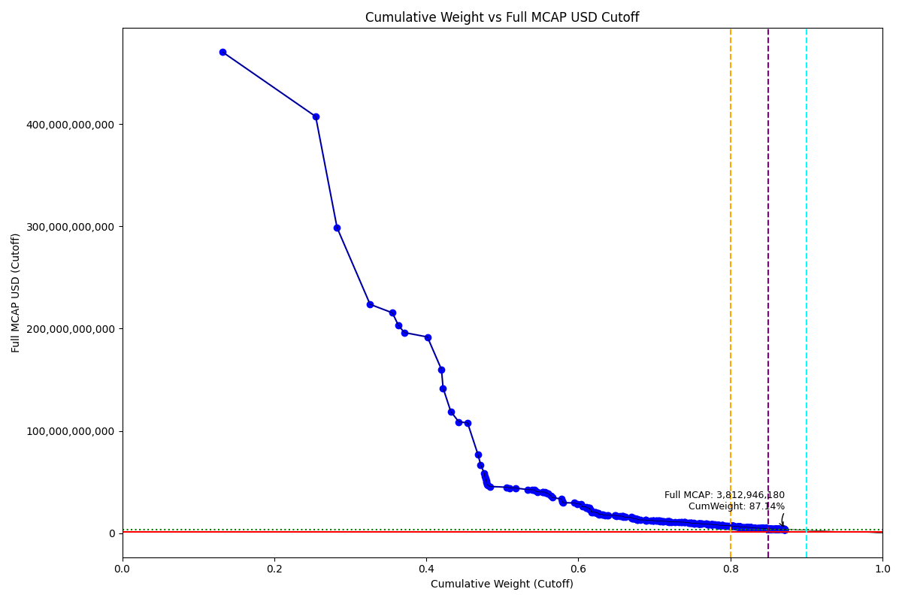
Date | Internal_Number | Instrument_Name | Country | Free_Float_MCAP_USD_Cutoff_Company | Full_MCAP_USD_Cutoff_Company | Weight_Cutoff | CumWeight_Cutoff | Size | Case
2019-03-18 | CN72PX | ALIBABA GROUP ADR | CN | 265,150,331,059.78 | 470,291,470,485.60 | 0.13 | 0.13214700928 | Standard | Above - Companies in between Upper and Lower GMSR
2019-03-18 | CN89O4 | TENCENT HOLDINGS | CN | 245,574,652,479.05 | 407,322,362,711.97 | 0.12 | 0.25453778945 | Standard | Above - Companies in between Upper and Lower GMSR
2019-03-18 | CN2067 | INDSTRL & COML.BK.OF CHINA 'A' | CN | 56,429,057,838.65 | 298,645,167,758.62 | 0.03 | 0.28266119853 | Standard | Above - Companies in between Upper and Lower GMSR
2019-03-18 | CN0010 | CHINA CONSTRUCTION BANK CORP H | CN | 87,143,983,769.65 | 223,708,259,630.98 | 0.04 | 0.32609247311 | Standard | Above - Companies in between Upper and Lower GMSR
2019-03-18 | 607355 | China Mobile Ltd. | CN | 58,775,807,734.12 | 215,453,840,667.61 | 0.03 | 0.35538546769 | Standard | Above - Companies in between Upper and Lower GMSR
2019-03-18 | CN038A | PETROCHINA 'A' | CN | 15,445,897,376.86 | 203,572,347,962.65 | 0.01 | 0.36308347483 | Standard | Above - Companies in between Upper and Lower GMSR
2019-03-18 | CN2045 | AGRICULTURAL BANK OF CHINA 'A' | CN | 15,932,446,268.71 | 196,161,760,728.68 | 0.01 | 0.37102397077 | Standard | Above - Companies in between Upper and Lower GMSR
2019-03-18 | CN2034 | PING AN INSUR GP CO. OF CN 'A' | CN | 61,108,247,863.42 | 191,842,068,776.86 | 0.03 | 0.40147941906 | Standard | Above - Companies in between Upper and Lower GMSR
2019-03-18 | CN20DE | BANK OF CHINA 'A' | CN | 37,154,536,887.18 | 160,035,798,977.12 | 0.02 | 0.41999669155 | Standard | Above - Companies in between Upper and Lower GMSR
2019-03-18 | CN10RR | Moutai 'A' | CN | 4,255,534,787.06 | 141,851,174,699.56 | 0.00 | 0.42211758724 | Standard | Above - Companies in between Upper and Lower GMSR
2019-03-18 | CN2023 | CHINA MERCHANTS BANK 'A' | CN | 20,292,884,235.94 | 118,982,114,748.82 | 0.01 | 0.43223126106 | Standard | Above - Companies in between Upper and Lower GMSR
2019-03-18 | CN20CD | CHINA LIFE INSURANCE 'A' | CN | 21,111,924,625.30 | 108,862,650,338.64 | 0.01 | 0.44275313251 | Standard | Above - Companies in between Upper and Lower GMSR
2019-03-18 | CN0098 | China Petroleum & Chemical 'H' | CN | 23,137,463,391.61 | 107,930,274,859.79 | 0.01 | 0.45428450258 | Standard | Above - Companies in between Upper and Lower GMSR
2019-03-18 | 617994 | CNOOC Ltd. | CN | 27,385,279,279.81 | 77,011,471,540.51 | 0.01 | 0.46793292135 | Standard | Above - Companies in between Upper and Lower GMSR
2019-03-18 | CN0054 | Bank of Communications Co 'H' | CN | 7,237,886,387.75 | 66,963,663,195.19 | 0.00 | 0.47154017703 | Standard | Above - Companies in between Upper and Lower GMSR
2019-03-18 | CN00A9 | CHINA SHENHUA EN. 'H' | CN | 9,200,637,313.76 | 58,795,900,557.67 | 0.00 | 0.4761256388 | Standard | Above - Companies in between Upper and Lower GMSR
2019-03-18 | CN01CC | Ind Bank 'A' | CN | 1,664,749,613.22 | 55,491,667,313.98 | 0.00 | 0.47695532542 | Standard | Above - Companies in between Upper and Lower GMSR
2019-03-18 | CN04RU | CHINA YANGTZE PWR. 'A' | CN | 1,608,990,696.40 | 53,633,049,314.68 | 0.00 | 0.47775722262 | Standard | Above - Companies in between Upper and Lower GMSR
2019-03-18 | CN0Q9Y | Pudong Dev 'A' | CN | 1,546,144,830.82 | 51,538,193,238.82 | 0.00 | 0.47852779837 | Standard | Above - Companies in between Upper and Lower GMSR
2019-03-18 | CN0SE5 | SAIC Motor 'A' | CN | 1,423,232,530.67 | 49,486,527,491.92 | 0.00 | 0.47923711644 | Standard | Above - Companies in between Upper and Lower GMSR
2019-03-18 | CN0O5S | HIK Vision Digi 'A' | CN | 1,428,354,041.88 | 47,611,794,492.42 | 0.00 | 0.47994898701 | Standard | Above - Companies in between Upper and Lower GMSR
2019-03-18 | CN40AD | MIDEA GROUP 'A' | CN | 1,408,048,451.90 | 46,934,972,427.23 | 0.00 | 0.48065073756 | Standard | Above - Companies in between Upper and Lower GMSR
2019-03-18 | CN06IN | CHINA VANKE 'A' | CN | 5,913,139,735.34 | 45,699,829,246.91 | 0.00 | 0.48359775908 | Standard | Above - Companies in between Upper and Lower GMSR
2019-03-18 | KY00GY | Baidu Inc/China ADR | CN | 44,950,115,170.80 | 44,950,115,170.80 | 0.02 | 0.50600023266 | Standard | Above - Companies in between Upper and Lower GMSR
2019-03-18 | 619615 | CITIC LTD. | CN | 7,464,609,468.73 | 44,247,833,246.78 | 0.00 | 0.50972048378 | Standard | Above - Companies in between Upper and Lower GMSR
2019-03-18 | 653611 | BOC Hong Kong (Holdings) Ltd. | CN | 14,993,910,974.34 | 44,177,698,804.79 | 0.01 | 0.51719322758 | Standard | Above - Companies in between Upper and Lower GMSR
2019-03-18 | CN90QY | MEITUAN DIANPING | CN | 33,170,132,500.35 | 42,613,222,636.63 | 0.02 | 0.53372473177 | Standard | Above - Companies in between Upper and Lower GMSR
2019-03-18 | CN00CB | CHINA PAC.IN.(GROUP) 'H' | CN | 10,883,590,279.66 | 42,434,804,410.76 | 0.01 | 0.53914895243 | Standard | Above - Companies in between Upper and Lower GMSR
2019-03-18 | CN1I6O | CHINA MINSHENG BANKING H | CN | 5,985,040,530.54 | 42,411,322,359.50 | 0.00 | 0.54213180825 | Standard | Above - Companies in between Upper and Lower GMSR
2019-03-18 | CN0EGT | Wuliangye 'A' | CN | 1,245,263,442.61 | 41,508,775,401.56 | 0.00 | 0.54275242916 | Standard | Above - Companies in between Upper and Lower GMSR
2019-03-18 | CN8D4O | CHINA EVERGRANDE | CN | 6,482,187,625.49 | 40,437,851,687.39 | 0.00 | 0.54598305574 | Standard | Above - Companies in between Upper and Lower GMSR
2019-03-18 | 619215 | China Overseas Land & Investme | CN | 13,718,433,642.56 | 40,336,470,575.00 | 0.01 | 0.55282012048 | Standard | Above - Companies in between Upper and Lower GMSR
2019-03-18 | CN0BHR | GREE ELECT.APP. 'A' | CN | 1,209,231,448.11 | 40,307,755,688.22 | 0.00 | 0.55342278357 | Standard | Above - Companies in between Upper and Lower GMSR
2019-03-18 | CN2012 | CITIC SECURITIES 'H' | CN | 6,124,838,803.98 | 40,114,869,772.96 | 0.00 | 0.55647531278 | Standard | Above - Companies in between Upper and Lower GMSR
2019-03-18 | CN0W4Z | Hengrui Medi 'A' | CN | 1,187,858,966.23 | 39,595,331,065.22 | 0.00 | 0.55706732415 | Standard | Above - Companies in between Upper and Lower GMSR
2019-03-18 | CN1I8Q | CRRC H | CN | 5,620,942,783.72 | 39,008,747,931.52 | 0.00 | 0.55986871902 | Standard | Above - Companies in between Upper and Lower GMSR
2019-03-18 | CN06AF | China State Con 'A' | CN | 1,158,549,664.02 | 38,618,311,578.32 | 0.00 | 0.56044612306 | Standard | Above - Companies in between Upper and Lower GMSR
2019-03-18 | 626383 | China Unicom (Hong Kong) Ltd. | CN | 7,283,362,043.28 | 36,289,795,930.66 | 0.00 | 0.56407604315 | Standard | Above - Companies in between Upper and Lower GMSR
2019-03-18 | CN40IL | CHINA EVERBRIGHT BK.'H' | CN | 3,083,714,066.40 | 34,934,724,777.96 | 0.00 | 0.5656129207 | Standard | Above - Companies in between Upper and Lower GMSR
2019-03-18 | CN86ZC | JD.COM 'A' ADR | CN | 25,435,595,983.81 | 33,362,534,081.60 | 0.01 | 0.5782896461 | Standard | Above - Companies in between Upper and Lower GMSR
2019-03-18 | CN06HM | PING AN BANK 'A' | CN | 952,232,233.99 | 31,741,056,278.83 | 0.00 | 0.57876422459 | Standard | Above - Companies in between Upper and Lower GMSR
2019-03-18 | CN40MP | FOSHAN HAI TIAN FLFD.'A' | CN | 837,661,999.33 | 30,978,624,235.58 | 0.00 | 0.57918170296 | Standard | Above - Companies in between Upper and Lower GMSR
2019-03-18 | CN0R4U | CHINA UTD.NET.COMMS.'A' | CN | 895,169,589.06 | 29,839,004,105.90 | 0.00 | 0.57962784226 | Standard | Above - Companies in between Upper and Lower GMSR
2019-03-18 | KY00HZ | Netease.com ADR | CN | 29,599,152,361.76 | 29,599,152,361.76 | 0.01 | 0.59437962268 | Standard | Above - Companies in between Upper and Lower GMSR
2019-03-18 | 608039 | ANHUI CONCH CEMENT H | CN | 8,069,737,493.45 | 28,639,907,453.91 | 0.00 | 0.59840146067 | Standard | Above - Companies in between Upper and Lower GMSR
2019-03-18 | CN8BP7 | COUNTRY GARDEN HOLDINGS | CN | 9,625,032,620.43 | 28,510,167,714.55 | 0.00 | 0.60319843479 | Standard | Above - Companies in between Upper and Lower GMSR
2019-03-18 | CN57T4 | HUATAI SECURITIES 'H' | CN | 3,868,089,535.19 | 25,962,944,230.54 | 0.00 | 0.60512623349 | Standard | Above - Companies in between Upper and Lower GMSR
2019-03-18 | 619376 | China Resources Land Ltd. | CN | 10,019,528,156.92 | 25,870,199,217.44 | 0.00 | 0.61011981836 | Standard | Above - Companies in between Upper and Lower GMSR
2019-03-18 | CN0NWI | Yanghe Brewery 'A' | CN | 712,336,924.72 | 25,029,407,052.64 | 0.00 | 0.61047483656 | Standard | Above - Companies in between Upper and Lower GMSR
2019-03-18 | CN0QNC | Baosteel 'A' | CN | 749,356,120.99 | 24,978,529,189.98 | 0.00 | 0.61084830458 | Standard | Above - Companies in between Upper and Lower GMSR
2019-03-18 | CN0616 | CHINA RAILWAY GROUP 'A' | CN | 4,785,418,299.22 | 24,685,080,294.81 | 0.00 | 0.61323328639 | Standard | Above - Companies in between Upper and Lower GMSR
2019-03-18 | CN805C | GUOTAI JUNAN SECS.'H' | CN | 1,871,211,709.87 | 24,613,307,343.49 | 0.00 | 0.61416587068 | Standard | Above - Companies in between Upper and Lower GMSR
2019-03-18 | CN00WV | Yili Company 'A' | CN | 737,428,087.82 | 24,580,952,369.52 | 0.00 | 0.61453339394 | Standard | Above - Companies in between Upper and Lower GMSR
2019-03-18 | CN0R3T | POLY DEV. & HOLDINGS 'A' | CN | 704,872,527.36 | 23,495,764,421.97 | 0.00 | 0.614884692 | Standard | Above - Companies in between Upper and Lower GMSR
2019-03-18 | CN1I9R | CHINA RAILWAY CONSTRUCTION H | CN | 3,305,580,545.48 | 22,602,029,249.14 | 0.00 | 0.61653214453 | Standard | Above - Companies in between Upper and Lower GMSR
2019-03-18 | CN0CGR | BOE Tech 'A' | CN | 989,253,629.69 | 20,983,481,016.85 | 0.00 | 0.61702517393 | Standard | Above - Companies in between Upper and Lower GMSR
2019-03-18 | CN0QMB | SH Intl Port 'A' | CN | 589,500,109.38 | 20,691,474,530.89 | 0.00 | 0.61731897208 | Standard | Above - Companies in between Upper and Lower GMSR
2019-03-18 | CN268F | NEW CHINA LIFE INSURANCE 'H' | CN | 5,098,382,570.60 | 20,651,043,503.76 | 0.00 | 0.61985993066 | Standard | Above - Companies in between Upper and Lower GMSR
2019-03-18 | CN0OTG | BYD 'H' | CN | 4,856,049,462.43 | 20,633,373,307.22 | 0.00 | 0.622280114 | Standard | Above - Companies in between Upper and Lower GMSR
2019-03-18 | CN0313 | BOB 'A' | CN | 344,504,693.02 | 20,301,284,579.83 | 0.00 | 0.62245181005 | Standard | Above - Companies in between Upper and Lower GMSR
2019-03-18 | CN71FM | BANK OF SHAI. 'A' | CN | 472,361,920.25 | 20,103,512,138.22 | 0.00 | 0.62268722825 | Standard | Above - Companies in between Upper and Lower GMSR
2019-03-18 | CN03TV | Haitong Sec 'A' | CN | 4,113,899,334.36 | 19,908,556,276.78 | 0.00 | 0.62473753493 | Standard | Above - Companies in between Upper and Lower GMSR
2019-03-18 | CN04IL | Daqin Railway 'A' | CN | 595,678,972.41 | 19,855,961,113.80 | 0.00 | 0.62503441253 | Standard | Above - Companies in between Upper and Lower GMSR
2019-03-18 | CN02WX | AIR CHINA LIMITED 'A' | CN | 2,328,694,638.74 | 19,649,771,250.67 | 0.00 | 0.62619499955 | Standard | Above - Companies in between Upper and Lower GMSR
2019-03-18 | CN8GK7 | CSC FINANCIAL 'A' | CN | 267,085,597.03 | 19,214,791,153.15 | 0.00 | 0.62632811107 | Standard | Above - Companies in between Upper and Lower GMSR
2019-03-18 | CN0WWR | WANHUA CHEMICAL GP.'A' | CN | 575,761,951.79 | 19,192,053,448.44 | 0.00 | 0.62661506232 | Standard | Above - Companies in between Upper and Lower GMSR
2019-03-18 | CN71DK | SHENWAN HONGYUAN GROUP 'A' | CN | 556,137,546.06 | 18,537,905,305.82 | 0.00 | 0.62689223306 | Standard | Above - Companies in between Upper and Lower GMSR
2019-03-18 | CN8DTD | SUNAC CHINA HOLDINGS | CN | 9,650,427,719.52 | 18,434,436,904.52 | 0.00 | 0.63170186372 | Standard | Above - Companies in between Upper and Lower GMSR
2019-03-18 | CN0346 | CHINA SHIPBUILDING IND. 'A' | CN | 534,851,459.86 | 17,828,385,786.99 | 0.00 | 0.63196842579 | Standard | Above - Companies in between Upper and Lower GMSR
2019-03-18 | CN8GWJ | PINDUODUO ADR | CN | 7,232,351,675.27 | 17,639,882,134.80 | 0.00 | 0.63557292306 | Standard | Above - Companies in between Upper and Lower GMSR
2019-03-18 | CN8D8S | LONGFOR GROUP HOLDINGS | CN | 4,680,739,820.65 | 17,603,384,056.60 | 0.00 | 0.63790573466 | Standard | Above - Companies in between Upper and Lower GMSR
2019-03-18 | CN20BC | ZTE 'A' | CN | 2,716,512,835.60 | 17,576,249,047.89 | 0.00 | 0.63925960454 | Standard | Above - Companies in between Upper and Lower GMSR
2019-03-18 | KY001J | Ctrip.com International ADR | CN | 17,516,993,692.48 | 17,516,993,692.48 | 0.01 | 0.64798981551 | Standard | Above - Companies in between Upper and Lower GMSR
2019-03-18 | CN533A | GF SECURITIES 'H' | CN | 2,695,493,385.15 | 17,469,000,996.44 | 0.00 | 0.6493332096 | Standard | Above - Companies in between Upper and Lower GMSR
2019-03-18 | CN0HN3 | SUNING.COM 'A' | CN | 511,300,602.87 | 17,043,357,547.76 | 0.00 | 0.64958803427 | Standard | Above - Companies in between Upper and Lower GMSR
2019-03-18 | CN88T8 | GEELY AUTOMOBILE HDG. | CN | 10,414,380,800.87 | 16,859,933,302.36 | 0.01 | 0.65477840786 | Standard | Above - Companies in between Upper and Lower GMSR
2019-03-18 | CN88N2 | CHINA GAS HOLDINGS | CN | 6,709,022,972.20 | 16,668,380,055.16 | 0.00 | 0.65812208583 | Standard | Above - Companies in between Upper and Lower GMSR
2019-03-18 | CN0QF4 | SH Airport 'A' | CN | 491,935,171.27 | 16,502,353,950.56 | 0.00 | 0.65836725906 | Standard | Above - Companies in between Upper and Lower GMSR
2019-03-18 | CN01UU | China Mer Sec 'A' | CN | 1,058,191,562.83 | 16,422,669,649.89 | 0.00 | 0.65889464611 | Standard | Above - Companies in between Upper and Lower GMSR
2019-03-18 | CN0QJ8 | Hua Xia Bank 'A' | CN | 478,680,336.14 | 15,956,019,565.67 | 0.00 | 0.65913321332 | Standard | Above - Companies in between Upper and Lower GMSR
2019-03-18 | CN8BWE | ANTA SPORTS PRODUCTS | CN | 6,065,249,721.65 | 15,733,462,312.96 | 0.00 | 0.66215604421 | Standard | Above - Companies in between Upper and Lower GMSR
2019-03-18 | CN876K | ZTO EXPRESS (CAYMAN) 'A' ADR | CN | 14,795,956,962.25 | 15,648,817,516.92 | 0.01 | 0.66953013065 | Standard | Above - Companies in between Upper and Lower GMSR
2019-03-18 | CN0K2L | Bank of Ningbo 'A' | CN | 173,380,863.77 | 15,034,765,477.49 | 0.00 | 0.66961654111 | Standard | Above - Companies in between Upper and Lower GMSR
2019-03-18 | CN14CG | Qingdao Haier 'A' | CN | 450,864,156.38 | 15,028,799,561.99 | 0.00 | 0.66984124515 | Standard | Above - Companies in between Upper and Lower GMSR
2019-03-18 | CN90OW | HAIDILAO INTERNATIONAL HOLDING | CN | 2,224,493,424.24 | 14,820,076,110.87 | 0.00 | 0.67094989982 | Standard | Above - Companies in between Upper and Lower GMSR
2019-03-18 | CN6016 | FOCUS MEDIA INFO TECH 'A' | CN | 443,880,716.07 | 14,796,038,132.33 | 0.00 | 0.67117112342 | Standard | Above - Companies in between Upper and Lower GMSR
2019-03-18 | HK0067 | CHINA MOLYBDENUM 'H' | CN | 2,116,319,109.25 | 14,460,655,912.82 | 0.00 | 0.67222586561 | Standard | Above - Companies in between Upper and Lower GMSR
2019-03-18 | 609967 | HUANENG POWER INTERNATIONAL H | CN | 2,947,151,641.93 | 14,231,104,143.59 | 0.00 | 0.67369468246 | Standard | Above - Companies in between Upper and Lower GMSR
2019-03-18 | CN1FWB | CHINA FORTUNE LAND A | CN | 426,085,518.32 | 14,202,859,890.01 | 0.00 | 0.67390703719 | Standard | Above - Companies in between Upper and Lower GMSR
2019-03-18 | CN8C0J | FOSUN INTERNATIONAL | CN | 4,079,534,995.52 | 14,067,362,053.51 | 0.00 | 0.67594021719 | Standard | Above - Companies in between Upper and Lower GMSR
2019-03-18 | CN84KV | WUXI APPTEC 'A' | CN | 336,397,595.65 | 14,007,059,287.19 | 0.00 | 0.67610787278 | Standard | Above - Companies in between Upper and Lower GMSR
2019-03-18 | CN40KN | MUYUAN FOODSTUFF 'A' | CN | 419,062,941.11 | 13,968,768,195.99 | 0.00 | 0.67631672756 | Standard | Above - Companies in between Upper and Lower GMSR
2019-03-18 | CN52TZ | GUOSEN SECURITIES 'A' | CN | 418,696,921.25 | 13,956,557,807.72 | 0.00 | 0.67652539992 | Standard | Above - Companies in between Upper and Lower GMSR
2019-03-18 | CN537E | CHINA NAT.NRR.'A' | CN | 412,764,045.64 | 13,944,731,271.66 | 0.00 | 0.67673111543 | Standard | Above - Companies in between Upper and Lower GMSR
2019-03-18 | CN0QUJ | CHINA SOUTHERN AIRLINES 'A' | CN | 1,580,883,540.21 | 13,734,917,968.83 | 0.00 | 0.67751900444 | Standard | Above - Companies in between Upper and Lower GMSR
2019-03-18 | CN40WZ | SHAANXI COAL IND.'A' | CN | 400,677,270.46 | 13,355,915,515.34 | 0.00 | 0.67771869607 | Standard | Above - Companies in between Upper and Lower GMSR
2019-03-18 | CN09LT | YUNNAN BAIYAO GROUP 'A' | CN | 397,547,158.91 | 13,251,567,988.28 | 0.00 | 0.67791682771 | Standard | Above - Companies in between Upper and Lower GMSR
2019-03-18 | CN8BR9 | SUNNY OPTICAL TECH.(GP.) | CN | 8,385,563,297.95 | 12,994,829,223.53 | 0.00 | 0.68209606862 | Standard | Above - Companies in between Upper and Lower GMSR
2019-03-18 | KY00I0 | New Oriental Educ & Tech ADR | CN | 12,922,061,807.82 | 12,922,061,807.82 | 0.01 | 0.68853623339 | Standard | Above - Companies in between Upper and Lower GMSR
2019-03-18 | CN20HI | POWER CONSTRUCTION CORP. 'A' | CN | 386,470,032.26 | 12,882,336,465.39 | 0.00 | 0.68872884435 | Standard | Above - Companies in between Upper and Lower GMSR
2019-03-18 | CN0YYV | NARI TECH.DEV. 'A' | CN | 380,065,369.16 | 12,668,843,104.83 | 0.00 | 0.68891826331 | Standard | Above - Companies in between Upper and Lower GMSR
2019-03-18 | CN1F8N | GREENLAND HOLDINGS GROUP 'A' | CN | 310,328,912.52 | 12,666,486,225.40 | 0.00 | 0.68907292666 | Standard | Above - Companies in between Upper and Lower GMSR
2019-03-18 | CN86N0 | TAL EDUCATION GROUP CL.A ADR | CN | 12,660,043,520.00 | 12,660,043,520.00 | 0.01 | 0.69538250539 | Standard | Above - Companies in between Upper and Lower GMSR
2019-03-18 | 691316 | Guangdong Investment Ltd. | CN | 5,457,417,133.73 | 12,542,903,088.33 | 0.00 | 0.69810240149 | Standard | Above - Companies in between Upper and Lower GMSR
2019-03-18 | CN1AS2 | YONGHUI SUPERSTORES A | CN | 123,938,260.95 | 12,381,441,780.96 | 0.00 | 0.69816417049 | Standard | Above - Companies in between Upper and Lower GMSR
2019-03-18 | CN7208 | BANK OF JIANGSU 'A' | CN | 367,768,701.60 | 12,258,964,859.85 | 0.00 | 0.69834746098 | Standard | Above - Companies in between Upper and Lower GMSR
2019-03-18 | B01B1L | China Mengniu Dairy Co. Ltd. | CN | 7,392,196,872.86 | 12,118,355,529.28 | 0.00 | 0.70203162274 | Standard | Above - Companies in between Upper and Lower GMSR
2019-03-18 | CN0QWL | Sany 'A' | CN | 363,373,377.53 | 12,112,435,912.78 | 0.00 | 0.70221272266 | Standard | Above - Companies in between Upper and Lower GMSR
2019-03-18 | 697245 | CHINA RESOURCES BEER (HLDG) | CN | 5,813,333,196.01 | 12,088,444,990.67 | 0.00 | 0.70511000207 | Standard | Above - Companies in between Upper and Lower GMSR
2019-03-18 | CN0QG5 | Baotou Steel 'A' | CN | 362,025,141.38 | 12,067,512,041.60 | 0.00 | 0.70529043006 | Standard | Above - Companies in between Upper and Lower GMSR
2019-03-18 | CN882H | ALIBABA HLTH.INFO.TECH. | CN | 4,461,995,997.14 | 11,975,297,898.92 | 0.00 | 0.70751422297 | Standard | Above - Companies in between Upper and Lower GMSR
2019-03-18 | CN1AKU | HENAN SHUANGHUI INV. & DEV. A | CN | 190,869,019.28 | 11,917,773,947.92 | 0.00 | 0.70760934927 | Standard | Above - Companies in between Upper and Lower GMSR
2019-03-18 | CN70LR | POSTAL SAVINGS BOC.'H' | CN | 6,360,439,069.63 | 11,888,671,158.18 | 0.00 | 0.71077929817 | Standard | Above - Companies in between Upper and Lower GMSR
2019-03-18 | CN67BN | DFZQ 'H' | CN | 1,057,311,532.40 | 11,864,020,094.69 | 0.00 | 0.71130624662 | Standard | Above - Companies in between Upper and Lower GMSR
2019-03-18 | 672529 | ZIJIN MINING GROUP H | CN | 2,733,409,452.94 | 11,715,541,001.52 | 0.00 | 0.71266853753 | Standard | Above - Companies in between Upper and Lower GMSR
2019-03-18 | CN89HX | ENN ENERGY HOLDINGS | CN | 7,803,857,509.99 | 11,612,883,199.39 | 0.00 | 0.71655786487 | Standard | Above - Companies in between Upper and Lower GMSR
2019-03-18 | CN1BMX | CHINA EASTERN AIRL.'H' | CN | 1,257,030,401.81 | 11,540,743,851.74 | 0.00 | 0.71718435025 | Standard | Above - Companies in between Upper and Lower GMSR
2019-03-18 | CN70PV | XINCHENG HLDG.GP.'A' | CN | 342,791,531.35 | 11,426,388,819.34 | 0.00 | 0.71735519249 | Standard | Above - Companies in between Upper and Lower GMSR
2019-03-18 | CN083A | WEICHAI POWER 'A' | CN | 2,957,731,079.17 | 11,354,428,256.05 | 0.00 | 0.71882928198 | Standard | Above - Companies in between Upper and Lower GMSR
2019-03-18 | CN27DL | LONGI GREEN ENERGY TECH.'A' | CN | 339,440,523.45 | 11,314,684,024.46 | 0.00 | 0.71899845413 | Standard | Above - Companies in between Upper and Lower GMSR
2019-03-18 | CN60UZ | HENGLI PETRO 'A' . 'A' | CN | 295,719,712.53 | 11,282,705,552.64 | 0.00 | 0.71914583646 | Standard | Above - Companies in between Upper and Lower GMSR
2019-03-18 | CN0A7G | LUZHOU LAO JIAO 'A' | CN | 336,757,217.24 | 11,225,238,217.41 | 0.00 | 0.71931367129 | Standard | Above - Companies in between Upper and Lower GMSR
2019-03-18 | CN0LYI | IFLYTEK 'A' | CN | 335,278,257.74 | 11,175,934,548.54 | 0.00 | 0.71948076902 | Standard | Above - Companies in between Upper and Lower GMSR
2019-03-18 | 626404 | China Taiping Insurance Holdin | CN | 4,490,325,087.50 | 11,125,681,584.49 | 0.00 | 0.72171868073 | Standard | Above - Companies in between Upper and Lower GMSR
2019-03-18 | CN8GNA | CHINA TOWER 'H' | CN | 10,397,914,159.30 | 11,056,905,741.49 | 0.01 | 0.72690084759 | Standard | Above - Companies in between Upper and Lower GMSR
2019-03-18 | CN86W9 | AUTOHOME CL.A ADR | CN | 11,017,111,050.00 | 11,017,111,050.00 | 0.01 | 0.73239161304 | Standard | Above - Companies in between Upper and Lower GMSR
2019-03-18 | CN8B2K | SINO BIOPHM. | CN | 5,624,393,220.96 | 10,963,729,475.56 | 0.00 | 0.73519472756 | Standard | Above - Companies in between Upper and Lower GMSR
2019-03-18 | CN1AW6 | SHANGHAI ELECTRIC GROUP H | CN | 1,247,413,032.14 | 10,910,032,113.57 | 0.00 | 0.73581641979 | Standard | Above - Companies in between Upper and Lower GMSR
2019-03-18 | 650882 | Lenovo Group Ltd. | CN | 6,295,778,111.16 | 10,821,206,791.27 | 0.00 | 0.73895414263 | Standard | Above - Companies in between Upper and Lower GMSR
2019-03-18 | CN409C | SHAI.FOSUN PHARM.(GROUP) 'H' | CN | 2,217,911,140.18 | 10,615,178,036.18 | 0.00 | 0.74005951679 | Standard | Above - Companies in between Upper and Lower GMSR
2019-03-18 | CN1066 | RONGSHENG PETRO 'A' | CN | 307,568,928.82 | 10,547,631,303.84 | 0.00 | 0.7402128046 | Standard | Above - Companies in between Upper and Lower GMSR
2019-03-18 | CN86KX | HUAZHU GROUP ADR | CN | 9,659,604,592.05 | 10,220,722,243.20 | 0.00 | 0.74502700887 | Standard | Above - Companies in between Upper and Lower GMSR
2019-03-18 | CN065A | METALLURG.CORP.OF CHINA 'A' | CN | 1,119,959,632.40 | 10,133,079,142.19 | 0.00 | 0.74558518022 | Standard | Above - Companies in between Upper and Lower GMSR
2019-03-18 | CN8CGZ | WANT WANT CHINA HOLDINGS | CN | 4,960,243,735.09 | 10,038,947,045.32 | 0.00 | 0.74805729244 | Standard | Above - Companies in between Upper and Lower GMSR
2019-03-18 | CN11CD | SHANDONG GOLD-MINING 'A' | CN | 608,196,094.12 | 10,016,389,972.80 | 0.00 | 0.74836040839 | Standard | Above - Companies in between Upper and Lower GMSR
2019-03-18 | CN03JL | Huayu Automotive 'A' | CN | 293,526,764.59 | 9,784,221,050.95 | 0.00 | 0.7485066978 | Standard | Above - Companies in between Upper and Lower GMSR
2019-03-18 | CN88YD | HENGAN INTL.GP. | CN | 5,899,873,853.89 | 9,748,634,920.51 | 0.00 | 0.7514471078 | Standard | Above - Companies in between Upper and Lower GMSR
2019-03-18 | CN40NQ | ZHEJIANG ZHENENG E 'A' | CN | 291,697,227.04 | 9,723,240,823.47 | 0.00 | 0.75159248539 | Standard | Above - Companies in between Upper and Lower GMSR
2019-03-18 | CN8EF0 | SUN ART RETAIL GROUP | CN | 2,228,578,157.59 | 9,697,903,209.68 | 0.00 | 0.75270317583 | Standard | Above - Companies in between Upper and Lower GMSR
2019-03-18 | CN00DC | CHINA CITIC BANK 'H' | CN | 8,111,225,336.22 | 9,668,882,269.90 | 0.00 | 0.75674569075 | Standard | Above - Companies in between Upper and Lower GMSR
2019-03-18 | HK00UV | CHINA RESOURCES GAS GP. | CN | 3,482,867,752.31 | 9,661,214,292.12 | 0.00 | 0.7584815006 | Standard | Above - Companies in between Upper and Lower GMSR
2019-03-18 | CN0ZEC | Pientzehuang 'A' | CN | 286,753,213.53 | 9,558,437,188.44 | 0.00 | 0.75862441417 | Standard | Above - Companies in between Upper and Lower GMSR
2019-03-18 | CN03LN | Bank of Nanjing 'A' | CN | 142,784,366.27 | 9,438,523,310.12 | 0.00 | 0.75869557579 | Standard | Above - Companies in between Upper and Lower GMSR
2019-03-18 | HK2069 | CHOW TAI FOOK JEWELLERY GP. | CN | 1,036,965,785.46 | 9,426,961,686.03 | 0.00 | 0.75921238422 | Standard | Above - Companies in between Upper and Lower GMSR
2019-03-18 | CN813B | HUANENG LANCANG RIVER HYDROP A | CN | 94,224,263.99 | 9,422,426,399.40 | 0.00 | 0.75925934421 | Standard | Above - Companies in between Upper and Lower GMSR
2019-03-18 | CN0P2Q | GREAT WALL MOTOR 'H' | CN | 2,377,832,254.36 | 9,365,385,887.30 | 0.00 | 0.76044442069 | Standard | Above - Companies in between Upper and Lower GMSR
2019-03-18 | CN90NV | DALI FOODS GROUP CO. | CN | 1,399,971,294.59 | 9,333,141,963.92 | 0.00 | 0.7611421457 | Standard | Above - Companies in between Upper and Lower GMSR
2019-03-18 | CN20FG | FOUNDER SECURITIES 'A' | CN | 274,806,464.02 | 9,160,218,875.09 | 0.00 | 0.76127910519 | Standard | Above - Companies in between Upper and Lower GMSR
2019-03-18 | 671156 | China Resources Power Holdings | CN | 3,377,399,117.42 | 9,113,327,354.08 | 0.00 | 0.76296235103 | Standard | Above - Companies in between Upper and Lower GMSR
2019-03-18 | CN86V8 | 58 COM CL.A ADR | CN | 8,566,519,145.76 | 9,084,325,711.30 | 0.00 | 0.76723177766 | Standard | Above - Companies in between Upper and Lower GMSR
2019-03-18 | CN13RU | Fuyao Glass 'A' | CN | 1,883,066,136.03 | 9,071,390,011.46 | 0.00 | 0.76817027002 | Standard | Above - Companies in between Upper and Lower GMSR
2019-03-18 | 634007 | Kunlun Energy Co. Ltd. | CN | 3,697,342,199.01 | 8,864,402,299.24 | 0.00 | 0.77001297077 | Standard | Above - Companies in between Upper and Lower GMSR
2019-03-18 | CN00FE | CHINA COAL ENERGY 'H' | CN | 1,028,539,492.17 | 8,819,556,770.69 | 0.00 | 0.77052557966 | Standard | Above - Companies in between Upper and Lower GMSR
2019-03-18 | CN14MQ | Sanan Optoelec 'A' | CN | 263,510,818.21 | 8,783,693,419.33 | 0.00 | 0.77065690956 | Standard | Above - Companies in between Upper and Lower GMSR
2019-03-18 | CN86XA | WEIBO CLASS 'A' ADR | CN | 764,685,577.96 | 8,769,330,022.50 | 0.00 | 0.77103801756 | Standard | Above - Companies in between Upper and Lower GMSR
2019-03-18 | CN0XGC | GUANGZHOU BAIYUNSHAN PHARM A | CN | 996,548,123.87 | 8,765,403,813.13 | 0.00 | 0.77153468243 | Standard | Above - Companies in between Upper and Lower GMSR
2019-03-18 | CN87AO | IQIYI ADS | CN | 6,132,131,200.50 | 8,712,888,889.60 | 0.00 | 0.77459084606 | Standard | Above - Companies in between Upper and Lower GMSR
2019-03-18 | CN128A | UFIDA NETWORK TECHNOLOGY 'A' | CN | 260,247,877.34 | 8,674,932,980.71 | 0.00 | 0.77472054976 | Standard | Above - Companies in between Upper and Lower GMSR
2019-03-18 | CN608D | UNISPLENDOUR 'A' | CN | 258,489,396.47 | 8,616,312,445.96 | 0.00 | 0.77484937706 | Standard | Above - Companies in between Upper and Lower GMSR
2019-03-18 | CN03NP | ALUMINUM CORP.OF CHINA 'A' | CN | 1,827,302,825.80 | 8,600,713,997.21 | 0.00 | 0.7757600778 | Standard | Above - Companies in between Upper and Lower GMSR
2019-03-18 | CN0133 | AECC AVIATION POWER 'A' | CN | 254,791,768.24 | 8,493,057,174.65 | 0.00 | 0.77588706225 | Standard | Above - Companies in between Upper and Lower GMSR
2019-03-18 | CN07MS | Chinese Town 'A' | CN | 254,779,469.73 | 8,492,644,603.07 | 0.00 | 0.77601404058 | Standard | Above - Companies in between Upper and Lower GMSR
2019-03-18 | CN1TSL | EVERBRIGHT SECURITIES 'H' | CN | 357,381,709.63 | 8,491,731,480.14 | 0.00 | 0.77619215434 | Standard | Above - Companies in between Upper and Lower GMSR
2019-03-18 | CN70TZ | CHINA RES.PHARM.GP. | CN | 2,487,925,937.02 | 8,422,227,274.93 | 0.00 | 0.77743209989 | Standard | Above - Companies in between Upper and Lower GMSR
2019-03-18 | CN90RZ | HAIER ELECTRONICS GP. | CN | 3,593,236,988.43 | 8,356,365,089.37 | 0.00 | 0.77922291614 | Standard | Above - Companies in between Upper and Lower GMSR
2019-03-18 | CN0P1P | PICC P&C 'H' | CN | 8,261,759,241.27 | 8,261,759,241.27 | 0.00 | 0.78334045494 | Standard | Above - Companies in between Upper and Lower GMSR
2019-03-18 | CN04X0 | Huajing 'A' | CN | 246,019,956.25 | 8,200,662,042.80 | 0.00 | 0.78346306765 | Standard | Above - Companies in between Upper and Lower GMSR
2019-03-18 | CN0RE4 | SDIC CAPITAL 'A' | CN | 243,720,674.47 | 8,124,018,582.92 | 0.00 | 0.78358453443 | Standard | Above - Companies in between Upper and Lower GMSR
2019-03-18 | CN1I5N | MEINIAN ONEHEALTH HLTHCR'A' | CN | 242,304,962.15 | 8,076,830,375.57 | 0.00 | 0.78370529565 | Standard | Above - Companies in between Upper and Lower GMSR
2019-03-18 | CN10BB | ZHEJIANG CHINT ELECTRICS 'A' | CN | 241,725,541.02 | 8,057,522,309.72 | 0.00 | 0.78382576809 | Standard | Above - Companies in between Upper and Lower GMSR
2019-03-18 | CN11TU | Hundsun Tech 'A' | CN | 239,585,162.15 | 7,986,164,703.08 | 0.00 | 0.7839451738 | Standard | Above - Companies in between Upper and Lower GMSR
2019-03-18 | CN05AE | DATANG INTL.PWR.GNRTN. 'A' | CN | 888,289,105.77 | 7,907,859,705.06 | 0.00 | 0.78438788397 | Standard | Above - Companies in between Upper and Lower GMSR
2019-03-18 | CN10QQ | Kangmei Pharm 'A' | CN | 237,007,385.35 | 7,900,242,536.16 | 0.00 | 0.78450600495 | Standard | Above - Companies in between Upper and Lower GMSR
2019-03-18 | CN0W1W | AISINO 'A' | CN | 235,416,665.53 | 7,847,216,905.86 | 0.00 | 0.78462333314 | Standard | Above - Companies in between Upper and Lower GMSR
2019-03-18 | CN30KM | AVIC CAPITAL HDG. 'A' | CN | 234,403,819.21 | 7,813,467,219.16 | 0.00 | 0.78474015654 | Standard | Above - Companies in between Upper and Lower GMSR
2019-03-18 | CN890G | SHIMAO PROPERTY HOLDINGS | CN | 2,374,573,031.58 | 7,811,095,498.61 | 0.00 | 0.78592360867 | Standard | Above - Companies in between Upper and Lower GMSR
2019-03-18 | CN8AVC | TINGYI CYMN.ISLE.HLDG. | CN | 5,185,874,666.84 | 7,800,653,830.98 | 0.00 | 0.78850817202 | Standard | Above - Companies in between Upper and Lower GMSR
2019-03-18 | CN14BF | SINOPEC SHAI.PETROCH.'A' | CN | 1,818,505,532.66 | 7,791,992,617.43 | 0.00 | 0.78941448832 | Standard | Above - Companies in between Upper and Lower GMSR
2019-03-18 | CN06DI | GD PWR.DEV. 'A' | CN | 233,647,440.56 | 7,788,241,788.03 | 0.00 | 0.78953093476 | Standard | Above - Companies in between Upper and Lower GMSR
2019-03-18 | CN0YIF | Gemdale 'A' | CN | 229,051,133.95 | 7,635,033,339.48 | 0.00 | 0.78964509046 | Standard | Above - Companies in between Upper and Lower GMSR
2019-03-18 | CN00ED | China Telecom Corp Ltd 'H' | CN | 7,513,415,204.30 | 7,513,415,204.30 | 0.00 | 0.79338966564 | Standard | Above - Companies in between Upper and Lower GMSR
2019-03-18 | PH227 | CHINA RESOURCES CMT.HDG. | CN | 2,332,915,511.11 | 7,436,772,429.42 | 0.00 | 0.79455235628 | Standard | Above - Companies in between Upper and Lower GMSR
2019-03-18 | 608169 | Beijing Enterprises Holdings L | CN | 2,816,581,217.03 | 7,404,261,874.42 | 0.00 | 0.79595609876 | Standard | Above - Companies in between Upper and Lower GMSR
2019-03-18 | CN91R0 | NIO ADR 1:1 | CN | 5,985,335,436.77 | 7,389,303,008.36 | 0.00 | 0.79893910155 | Standard | Above - Companies in between Upper and Lower GMSR
2019-03-18 | CN01QQ | SHANGHAI PHARM HDG.'A' | CN | 2,006,464,482.10 | 7,363,116,975.73 | 0.00 | 0.79993909382 | Standard | Above - Companies in between Upper and Lower GMSR
2019-03-18 | CN0MI3 | SHANGHAI RAAS BLOOD PRDS.'A' | CN | 217,401,596.86 | 7,246,716,996.66 | 0.00 | 0.80004744356 | Standard | Above - Companies in between Upper and Lower GMSR
2019-03-18 | CN1AU4 | JIANGSU EXPRESSWAY H | CN | 1,754,639,117.51 | 7,225,793,845.79 | 0.00 | 0.80092192979 | Standard | Above - Companies in between Upper and Lower GMSR
2019-03-18 | CN64CL | ZHEJIANG CENTURY HUATONG 'A' | CN | 213,810,125.56 | 7,126,999,930.62 | 0.00 | 0.8010284896 | Standard | Above - Companies in between Upper and Lower GMSR
2019-03-18 | CN24EJ | SHAI.LJZ.FN&T.ZONE DEV. 'B' | CN | 1,425,899,809.45 | 7,087,422,728.62 | 0.00 | 0.801739137 | Standard | Above - Companies in between Upper and Lower GMSR
2019-03-18 | CN02XY | AVIC Shenyang 'A' | CN | 195,577,872.34 | 7,040,240,184.85 | 0.00 | 0.80183661013 | Standard | Above - Companies in between Upper and Lower GMSR
2019-03-18 | 641613 | China Merchants Port Holdings | CN | 2,649,235,357.04 | 6,988,223,046.80 | 0.00 | 0.80315694991 | Standard | Above - Companies in between Upper and Lower GMSR
2019-03-18 | CN0GCR | Huadong Med 'A' | CN | 207,401,726.74 | 6,913,389,133.11 | 0.00 | 0.80326031586 | Standard | Above - Companies in between Upper and Lower GMSR
2019-03-18 | CN0ZFD | TONGWEI 'A' | CN | 207,294,467.16 | 6,909,813,671.85 | 0.00 | 0.80336362836 | Standard | Above - Companies in between Upper and Lower GMSR
2019-03-18 | CN0M2N | Dahua Tech 'A' | CN | 205,936,903.68 | 6,864,564,057.89 | 0.00 | 0.80346626428 | Standard | Above - Companies in between Upper and Lower GMSR
2019-03-18 | CN1AIS | INDUSTRIAL SECURITIES A | CN | 205,521,889.60 | 6,850,737,303.26 | 0.00 | 0.80356869335 | Standard | Above - Companies in between Upper and Lower GMSR
2019-03-18 | B0B8Z1 | COSCO SHIPPING.'H' | CN | 1,295,956,078.15 | 6,845,778,045.85 | 0.00 | 0.80421457872 | Standard | Above - Companies in between Upper and Lower GMSR
2019-03-18 | CN870E | MOMO ADR CL A | CN | 6,782,866,230.26 | 6,782,866,230.26 | 0.00 | 0.80759505908 | Standard | Above - Companies in between Upper and Lower GMSR
2019-03-18 | CN12IK | TSINGTAO BREWERY 'A' | CN | 2,735,853,744.79 | 6,763,167,013.49 | 0.00 | 0.80895856819 | Standard | Above - Companies in between Upper and Lower GMSR
2019-03-18 | CN72AI | BANK OF HGZO.'A' | CN | 81,143,533.11 | 6,759,778,190.87 | 0.00 | 0.80899900892 | Standard | Above - Companies in between Upper and Lower GMSR
2019-03-18 | CN0L8S | XINJIANG GOLDWIND SCTC. 'A' | CN | 873,343,268.55 | 6,752,164,407.15 | 0.00 | 0.80943427031 | Standard | Above - Companies in between Upper and Lower GMSR
2019-03-18 | CN0Y1Y | JIANGXI CPR. 'A' | CN | 1,717,281,999.51 | 6,721,185,512.94 | 0.00 | 0.8102901383 | Standard | Above - Companies in between Upper and Lower GMSR
2019-03-18 | CN0D5H | AVIC AIRCRAFT 'A' | CN | 201,493,656.48 | 6,716,458,547.47 | 0.00 | 0.81039055976 | Standard | Above - Companies in between Upper and Lower GMSR
2019-03-18 | CN0EO1 | NEW HOPE LIUHE 'A' | CN | 200,517,256.21 | 6,683,904,220.37 | 0.00 | 0.8104904946 | Standard | Above - Companies in between Upper and Lower GMSR
2019-03-18 | CN0YUR | HLA CORP 'A' | CN | 35,389,406.41 | 6,618,681,056.54 | 0.00 | 0.81050813216 | Standard | Above - Companies in between Upper and Lower GMSR
2019-03-18 | CN0U92 | YANZHOU COAL MINING 'A' | CN | 1,770,731,531.90 | 6,612,098,675.42 | 0.00 | 0.8113906386 | Standard | Above - Companies in between Upper and Lower GMSR
2019-03-18 | CN72LT | GZH.SHIYUAN ELT.TECH.'A' | CN | 198,350,171.11 | 6,611,671,735.76 | 0.00 | 0.8114894934 | Standard | Above - Companies in between Upper and Lower GMSR
2019-03-18 | CN644D | GIANT NETWORK GROUP 'A' | CN | 134,252,279.97 | 6,600,407,078.07 | 0.00 | 0.81155640275 | Standard | Above - Companies in between Upper and Lower GMSR
2019-03-18 | CN07U0 | TCL 'A' | CN | 195,866,745.89 | 6,528,897,927.90 | 0.00 | 0.81165401985 | Standard | Above - Companies in between Upper and Lower GMSR
2019-03-18 | CN0ZZX | FENGFAN CO 'A' | CN | 195,087,940.55 | 6,502,935,708.70 | 0.00 | 0.8117512488 | Standard | Above - Companies in between Upper and Lower GMSR
2019-03-18 | CN00QP | Shanxi Fenjiu 'A' | CN | 119,113,835.78 | 6,421,819,641.78 | 0.00 | 0.81181061337 | Standard | Above - Companies in between Upper and Lower GMSR
2019-03-18 | CN0H9P | Han's Laser Tech 'A' | CN | 190,283,222.47 | 6,342,772,796.87 | 0.00 | 0.81190544772 | Standard | Above - Companies in between Upper and Lower GMSR
2019-03-18 | CN12UW | TIANQI LITH.INDS.'A' | CN | 190,160,633.95 | 6,338,687,785.64 | 0.00 | 0.81200022097 | Standard | Above - Companies in between Upper and Lower GMSR
2019-03-18 | CN0O3Q | Haid Group 'A' | CN | 187,654,688.78 | 6,255,159,253.34 | 0.00 | 0.8120937453 | Standard | Above - Companies in between Upper and Lower GMSR
2019-03-18 | CN0K4N | RiseSun Real Est 'A' | CN | 186,317,177.01 | 6,210,570,227.77 | 0.00 | 0.81218660303 | Standard | Above - Companies in between Upper and Lower GMSR
2019-03-18 | CN1B2D | ANXIN TRUST A | CN | 185,271,735.21 | 6,175,726,170.30 | 0.00 | 0.81227893972 | Standard | Above - Companies in between Upper and Lower GMSR
2019-03-18 | 656099 | CHINA OILFIELD SERVICES H | CN | 1,675,617,315.23 | 6,145,179,786.77 | 0.00 | 0.81311404265 | Standard | Above - Companies in between Upper and Lower GMSR
2019-03-18 | CN16AG | HT OPTICELECTRIC 'A' | CN | 184,156,705.61 | 6,138,556,196.75 | 0.00 | 0.81320582363 | Standard | Above - Companies in between Upper and Lower GMSR
2019-03-18 | CN1T1U | RED STAR MACALLINE GROUP 'H' | CN | 590,380,940.50 | 6,063,784,957.29 | 0.00 | 0.81350006077 | Standard | Above - Companies in between Upper and Lower GMSR
2019-03-18 | CN1404 | Chuantou Ener 'A' | CN | 181,716,863.80 | 6,057,228,110.92 | 0.00 | 0.81359062578 | Standard | Above - Companies in between Upper and Lower GMSR
2019-03-18 | CN0QSH | HUADIAN POWER INTL.'A' | CN | 758,401,066.37 | 6,048,532,580.95 | 0.00 | 0.81396860167 | Standard | Above - Companies in between Upper and Lower GMSR
2019-03-18 | CN8FF1 | CHINA CONCH VET.HOLDINGS | CN | 5,570,054,583.65 | 6,023,634,242.08 | 0.00 | 0.81674463461 | Standard | Above - Companies in between Upper and Lower GMSR
2019-03-18 | CN0F5J | ANGANG STEEL 'A' | CN | 916,363,398.98 | 6,022,269,747.35 | 0.00 | 0.8172013366 | Standard | Above - Companies in between Upper and Lower GMSR
2019-03-18 | CN8ECX | ZALL SMART COMMERCE GROUP | CN | 2,092,823,547.89 | 6,012,133,145.34 | 0.00 | 0.81824436895 | Standard | Above - Companies in between Upper and Lower GMSR
2019-03-18 | 663094 | CHINA EVERBRIGHT INTL. | CN | 3,187,143,776.40 | 6,010,076,893.08 | 0.00 | 0.81983279434 | Standard | Above - Companies in between Upper and Lower GMSR
2019-03-18 | CN0WMH | CHINA GRAND AUTO 'A' | CN | 180,154,208.47 | 6,005,143,677.21 | 0.00 | 0.81992258054 | Standard | Above - Companies in between Upper and Lower GMSR
2019-03-18 | CN67CO | BOC AVIATION | CN | 1,800,930,719.40 | 6,003,102,398.01 | 0.00 | 0.82082013781 | Standard | Above - Companies in between Upper and Lower GMSR
2019-03-18 | CN0RYO | Tongrentang 'A' | CN | 179,931,450.62 | 5,997,716,969.87 | 0.00 | 0.82090981299 | Standard | Above - Companies in between Upper and Lower GMSR
2019-03-18 | CN10OO | Fangda Carbon 'A' | CN | 178,500,111.35 | 5,950,006,065.98 | 0.00 | 0.82099877481 | Standard | Above - Companies in between Upper and Lower GMSR
2019-03-18 | CN20NO | BBMG 'A' | CN | 929,790,930.82 | 5,871,811,473.23 | 0.00 | 0.82146216888 | Standard | Above - Companies in between Upper and Lower GMSR
2019-03-18 | CN64EN | PERFECT WORLD. 'A' | CN | 175,538,792.42 | 5,851,295,261.17 | 0.00 | 0.82154965482 | Standard | Above - Companies in between Upper and Lower GMSR
2019-03-18 | CN0DBN | Changjiang Sec 'A' | CN | 174,414,246.98 | 5,813,810,248.15 | 0.00 | 0.8216365803 | Standard | Above - Companies in between Upper and Lower GMSR
2019-03-18 | CN1B6H | Shanghai Oriental Pearl 'A' | CN | 174,346,282.40 | 5,811,545,051.92 | 0.00 | 0.82172347192 | Standard | Above - Companies in between Upper and Lower GMSR
2019-03-18 | CN8E7S | CHINA HONGQIAO GROUP | CN | 1,195,822,087.51 | 5,802,145,014.59 | 0.00 | 0.82231945198 | Standard | Above - Companies in between Upper and Lower GMSR
2019-03-18 | CN0SLC | Rare-Earth 'A' | CN | 173,769,818.78 | 5,792,321,998.48 | 0.00 | 0.8224060563 | Standard | Above - Companies in between Upper and Lower GMSR
2019-03-18 | CN0BMW | Changchun High 'A' | CN | 172,537,643.95 | 5,751,251,278.51 | 0.00 | 0.82249204651 | Standard | Above - Companies in between Upper and Lower GMSR
2019-03-18 | CN634C | CHINA HUARONG ASTMGMT. 'H' | CN | 2,038,647,047.41 | 5,742,667,739.18 | 0.00 | 0.82350807809 | Standard | Above - Companies in between Upper and Lower GMSR
2019-03-18 | CN0TZR | CHINA JUSHI 'A' | CN | 172,229,723.58 | 5,740,992,133.29 | 0.00 | 0.82359391484 | Standard | Above - Companies in between Upper and Lower GMSR
2019-03-18 | CN16HN | Fiberhome Tele 'A' | CN | 171,892,168.00 | 5,729,733,639.19 | 0.00 | 0.82367958336 | Standard | Above - Companies in between Upper and Lower GMSR
2019-03-18 | CN0H2I | Zhejiang NHU 'A' | CN | 170,545,071.52 | 5,684,839,412.43 | 0.00 | 0.8237645805 | Standard | Above - Companies in between Upper and Lower GMSR
2019-03-18 | HK0157 | BEIJING ENTS.WATER GROUP | CN | 3,244,327,992.74 | 5,635,449,005.98 | 0.00 | 0.82538150566 | Standard | Above - Companies in between Upper and Lower GMSR
2019-03-18 | CN21JL | O-FILM TECH 'A' | CN | 168,638,119.85 | 5,621,272,584.18 | 0.00 | 0.82546555241 | Standard | Above - Companies in between Upper and Lower GMSR
2019-03-18 | PH047 | CHINA JINMAO HOLDINGS GROUP | CN | 2,536,917,734.28 | 5,618,865,413.68 | 0.00 | 0.82672991475 | Standard | Above - Companies in between Upper and Lower GMSR
2019-03-18 | CN81CK | CAITONG SECURITIES 'A' | CN | 165,542,539.12 | 5,518,089,971.62 | 0.00 | 0.8268124187 | Standard | Above - Companies in between Upper and Lower GMSR
2019-03-18 | CN0B5F | CHONGQING CHANGAN AUTMB. 'A' | CN | 556,683,346.60 | 5,491,110,413.27 | 0.00 | 0.82708986146 | Standard | Above - Companies in between Upper and Lower GMSR
2019-03-18 | CN52Z5 | DONGXING SECS.'A' | CN | 162,478,631.19 | 5,415,954,373.15 | 0.00 | 0.82717083841 | Standard | Above - Companies in between Upper and Lower GMSR
2019-03-18 | CN0H8O | Hualan Biolog 'A' | CN | 161,544,022.25 | 5,384,796,153.90 | 0.00 | 0.82725134957 | Standard | Above - Companies in between Upper and Lower GMSR
2019-03-18 | CN0C8J | HESTEEL 'A' | CN | 161,514,166.35 | 5,383,807,027.29 | 0.00 | 0.82733184584 | Standard | Above - Companies in between Upper and Lower GMSR
2019-03-18 | CN278G | WESTERN SECURITIES 'A' | CN | 160,894,082.11 | 5,363,131,372.17 | 0.00 | 0.82741203308 | Standard | Above - Companies in between Upper and Lower GMSR
2019-03-18 | HK0102 | CHINA STE.CON.INTL.HDG. | CN | 1,886,702,929.74 | 5,338,717,967.58 | 0.00 | 0.82835233795 | Standard | Above - Companies in between Upper and Lower GMSR
2019-03-18 | CN0VC6 | GUANGXI GUIGUAN ELEC. PWR.'A' | CN | 119,417,358.34 | 5,305,080,335.11 | 0.00 | 0.8284118538 | Standard | Above - Companies in between Upper and Lower GMSR
2019-03-18 | CN0OQD | Sinopharm Group 'H' | CN | 5,303,187,808.89 | 5,303,187,808.89 | 0.00 | 0.83105488429 | Standard | Above - Companies in between Upper and Lower GMSR
2019-03-18 | CN0XTP | Longsheng 'A' | CN | 158,526,342.25 | 5,284,213,981.59 | 0.00 | 0.83113389148 | Standard | Above - Companies in between Upper and Lower GMSR
2019-03-18 | CN8DH1 | ZHONGSHENG GP.HDG. | CN | 1,177,647,211.44 | 5,278,562,131.08 | 0.00 | 0.83172081346 | Standard | Above - Companies in between Upper and Lower GMSR
2019-03-18 | CN8GI5 | NANJING SECURITIES 'A' | CN | 157,881,630.77 | 5,262,716,736.51 | 0.00 | 0.83179949933 | Standard | Above - Companies in between Upper and Lower GMSR
2019-03-18 | CN24FK | ANHUI GUJING DIST. 'B' | CN | 766,324,776.20 | 5,188,152,121.93 | 0.00 | 0.83218142428 | Standard | Above - Companies in between Upper and Lower GMSR
2019-03-18 | CN84FQ | INMONG.JUZHG.E&C.GP.'A' | CN | 155,227,189.67 | 5,174,238,905.36 | 0.00 | 0.83225878722 | Standard | Above - Companies in between Upper and Lower GMSR
2019-03-18 | CN0B6G | Biocause 'A' | CN | 154,954,071.37 | 5,165,134,532.87 | 0.00 | 0.83233601404 | Standard | Above - Companies in between Upper and Lower GMSR
2019-03-18 | CN0O6T | Kelun Pharm 'A' | CN | 153,967,891.14 | 5,132,261,053.66 | 0.00 | 0.83241274936 | Standard | Above - Companies in between Upper and Lower GMSR
2019-03-18 | CN0KAT | BEIJING SHIJI INFO.TECH. 'A' | CN | 153,408,705.27 | 5,113,622,527.12 | 0.00 | 0.832489206 | Standard | Above - Companies in between Upper and Lower GMSR
2019-03-18 | CN8EXI | FUTURE LAND DEVELOPMENT HDG. | CN | 1,463,502,915.94 | 5,086,906,207.64 | 0.00 | 0.83321859424 | Standard | Above - Companies in between Upper and Lower GMSR
2019-03-18 | CN8EWH | CIFI HOLDINGS (GROUP) | CN | 2,357,352,183.32 | 5,067,395,063.02 | 0.00 | 0.83439346375 | Standard | Above - Companies in between Upper and Lower GMSR
2019-03-18 | 674347 | Semiconductor Manufacturing In | CN | 3,026,110,305.53 | 5,057,847,744.48 | 0.00 | 0.83590163244 | Standard | Above - Companies in between Upper and Lower GMSR
2019-03-18 | PH122 | SINOTRUK (HONG KONG) | CN | 1,205,437,916.55 | 5,022,657,985.62 | 0.00 | 0.83650240489 | Standard | Above - Companies in between Upper and Lower GMSR
2019-03-18 | CN1IO6 | Lingyi iTech (GUANGDONG) 'A' | CN | 150,670,662.36 | 5,022,356,557.10 | 0.00 | 0.83657749693 | Standard | Above - Companies in between Upper and Lower GMSR
2019-03-18 | CN808F | ZHESHANG SECURITIES 'A' | CN | 150,310,143.84 | 5,010,337,947.51 | 0.00 | 0.83665240928 | Standard | Above - Companies in between Upper and Lower GMSR
2019-03-18 | HK00RS | BRILLIANCE CHINA AUTV. HDG. | CN | 4,631,901,865.25 | 4,934,905,034.36 | 0.00 | 0.83896088077 | Standard | Above - Companies in between Upper and Lower GMSR
2019-03-18 | CN13OR | SHAI.YUYUAN TOUR.MART 'A' | CN | 147,842,702.15 | 4,928,095,446.42 | 0.00 | 0.83903456339 | Standard | Above - Companies in between Upper and Lower GMSR
2019-03-18 | CN25PV | WUXI LITTLE SWAN 'B' | CN | 749,876,428.67 | 4,917,515,170.15 | 0.00 | 0.83940829073 | Standard | Above - Companies in between Upper and Lower GMSR
2019-03-18 | CN8BDV | AGILE GROUP HDG. | CN | 1,829,322,274.52 | 4,895,162,629.16 | 0.00 | 0.84031999793 | Standard | Above - Companies in between Upper and Lower GMSR
2019-03-18 | CN0RKA | Gezhouba 'A' | CN | 146,486,645.19 | 4,882,891,581.17 | 0.00 | 0.84039300471 | Standard | Above - Companies in between Upper and Lower GMSR
2019-03-18 | CN0NRD | Fj Sunner Deve 'A' | CN | 146,431,410.98 | 4,881,044,510.63 | 0.00 | 0.84046598397 | Standard | Above - Companies in between Upper and Lower GMSR
2019-03-18 | CN91PY | CHINA LITERATURE | CN | 1,512,306,695.00 | 4,878,408,693.55 | 0.00 | 0.84121969529 | Standard | Above - Companies in between Upper and Lower GMSR
2019-03-18 | CN1AFP | STO EXPRESS 'A' | CN | 146,299,239.02 | 4,876,642,012.49 | 0.00 | 0.84129260867 | Standard | Above - Companies in between Upper and Lower GMSR
2019-03-18 | CN0CJU | Guoyuan Sec 'A' | CN | 145,718,033.92 | 4,857,270,381.41 | 0.00 | 0.84136523239 | Standard | Above - Companies in between Upper and Lower GMSR
2019-03-18 | CN85JV | SHENNAN CIRCUITS 'A' | CN | 145,482,213.90 | 4,849,408,786.89 | 0.00 | 0.84143773857 | Standard | Above - Companies in between Upper and Lower GMSR
2019-03-18 | CN0KUD | AVIC JONHON OPTRONIC TECH 'A' | CN | 145,480,602.85 | 4,849,356,729.02 | 0.00 | 0.84151024396 | Standard | Above - Companies in between Upper and Lower GMSR
2019-03-18 | CN887M | NINE DRAGONS PAPER HDG. | CN | 1,744,437,427.90 | 4,847,005,912.48 | 0.00 | 0.84237964581 | Standard | Above - Companies in between Upper and Lower GMSR
2019-03-18 | CN50IM | SPRING AIRLINES 'A' | CN | 145,224,325.45 | 4,840,807,348.30 | 0.00 | 0.84245202347 | Standard | Above - Companies in between Upper and Lower GMSR
2019-03-18 | CN1ECQ | JINKE PROPERTY GROUP 'A' | CN | 144,569,240.51 | 4,818,974,491.03 | 0.00 | 0.84252407464 | Standard | Above - Companies in between Upper and Lower GMSR
2019-03-18 | CN07CI | TIANMA MICROELS.'A' | CN | 144,553,348.93 | 4,818,445,735.38 | 0.00 | 0.8425961179 | Standard | Above - Companies in between Upper and Lower GMSR
2019-03-18 | CN82HQ | OCEANWIDE HOLDINGS 'A' | CN | 144,084,725.08 | 4,802,823,122.36 | 0.00 | 0.8426679276 | Standard | Above - Companies in between Upper and Lower GMSR
2019-03-18 | CN82JS | HENGYI PETROCHEMICAL 'A' | CN | 143,931,217.07 | 4,797,710,785.90 | 0.00 | 0.84273966079 | Standard | Above - Companies in between Upper and Lower GMSR
2019-03-18 | CN8108 | BANK OF CHENGDU 'A' | CN | 57,532,149.24 | 4,792,076,961.49 | 0.00 | 0.84276833396 | Standard | Above - Companies in between Upper and Lower GMSR
2019-03-18 | CN0OUH | China Communictn 'H' | CN | 4,771,654,307.46 | 4,771,654,307.46 | 0.00 | 0.845146456 | Standard | Above - Companies in between Upper and Lower GMSR
2019-03-18 | CN25V1 | DONGXU 'B' | CN | 255,028,230.63 | 4,762,960,480.71 | 0.00 | 0.84527355831 | Standard | Above - Companies in between Upper and Lower GMSR
2019-03-18 | CN54AI | ZHEJIANG HUAYOU COB.'A' | CN | 30,479,279.11 | 4,743,061,179.58 | 0.00 | 0.84528874873 | Standard | Above - Companies in between Upper and Lower GMSR
2019-03-18 | CN8B8Q | ALIBABA PICTURES GROUP | CN | 2,401,122,063.21 | 4,708,082,476.88 | 0.00 | 0.84648543251 | Standard | Above - Companies in between Upper and Lower GMSR
2019-03-18 | CN0UPI | Xinhu Zhongbao 'A' | CN | 141,217,824.08 | 4,707,264,356.78 | 0.00 | 0.84655581338 | Standard | Above - Companies in between Upper and Lower GMSR
2019-03-18 | CN1145 | Tianjin Tasly 'A' | CN | 140,901,070.19 | 4,696,698,312.88 | 0.00 | 0.8466260364 | Standard | Above - Companies in between Upper and Lower GMSR
2019-03-18 | CN60EJ | BEIJING NEW BLDG.MATS PUBLIC A | CN | 140,696,020.67 | 4,689,865,503.30 | 0.00 | 0.84669615722 | Standard | Above - Companies in between Upper and Lower GMSR
2019-03-18 | CN0I3K | SANHUA INTELLIGENT 'A' | CN | 140,230,219.50 | 4,674,341,622.13 | 0.00 | 0.84676604589 | Standard | Above - Companies in between Upper and Lower GMSR
2019-03-18 | CN0RI8 | Yutong Bus 'A' | CN | 139,865,902.92 | 4,662,196,280.81 | 0.00 | 0.84683575299 | Standard | Above - Companies in between Upper and Lower GMSR
2019-03-18 | CN07Z5 | Zoomlion 'A' | CN | 743,213,852.75 | 4,646,401,037.89 | 0.00 | 0.84720615979 | Standard | Above - Companies in between Upper and Lower GMSR
2019-03-18 | CN08LS | XZ Construction 'A' | CN | 138,485,686.87 | 4,616,189,317.82 | 0.00 | 0.84727517902 | Standard | Above - Companies in between Upper and Lower GMSR
2019-03-18 | CN1CEQ | YANAN BICON PHARMACEUTICAL 'A' | CN | 92,081,335.77 | 4,604,066,788.25 | 0.00 | 0.84732107099 | Standard | Above - Companies in between Upper and Lower GMSR
2019-03-18 | CN0U0T | Youngor Group 'A' | CN | 136,912,137.55 | 4,563,734,495.57 | 0.00 | 0.84738930598 | Standard | Above - Companies in between Upper and Lower GMSR
2019-03-18 | CN1B7I | NAVINFO A 'A' | CN | 136,427,207.72 | 4,547,579,484.45 | 0.00 | 0.84745729929 | Standard | Above - Companies in between Upper and Lower GMSR
2019-03-18 | CN16Z5 | Zhongtian Tech 'A' | CN | 136,057,454.72 | 4,535,246,729.37 | 0.00 | 0.84752510831 | Standard | Above - Companies in between Upper and Lower GMSR
2019-03-18 | CN1088 | CN Chemical 'A' | CN | 135,901,196.31 | 4,530,036,391.90 | 0.00 | 0.84759283946 | Standard | Above - Companies in between Upper and Lower GMSR
2019-03-18 | CN1055 | Zhongjin Gold 'A' | CN | 134,562,952.19 | 4,485,431,249.36 | 0.00 | 0.84765990365 | Standard | Above - Companies in between Upper and Lower GMSR
2019-03-18 | CN19EN | Ganfeng Lithium 'A' | CN | 134,393,928.85 | 4,479,799,644.29 | 0.00 | 0.8477268836 | Standard | Above - Companies in between Upper and Lower GMSR
2019-03-18 | CN08KR | Dong-E E-Jiao 'A' | CN | 134,224,326.95 | 4,474,148,705.86 | 0.00 | 0.84779377902 | Standard | Above - Companies in between Upper and Lower GMSR
2019-03-18 | CN86HU | 51JOB SPN.ADR 1:1 | CN | 1,609,583,844.68 | 4,471,066,235.23 | 0.00 | 0.84859597184 | Standard | Above - Companies in between Upper and Lower GMSR
2019-03-18 | CN02JK | Dongbao Medic 'A' | CN | 134,041,845.74 | 4,468,062,798.15 | 0.00 | 0.84866277632 | Standard | Above - Companies in between Upper and Lower GMSR
2019-03-18 | CN0S2T | TBEA 'A' | CN | 133,776,954.38 | 4,459,230,621.96 | 0.00 | 0.84872944878 | Standard | Above - Companies in between Upper and Lower GMSR
2019-03-18 | CN71W3 | BANK OF GUIYANG 'A' | CN | 133,765,849.23 | 4,458,862,216.03 | 0.00 | 0.8487961157 | Standard | Above - Companies in between Upper and Lower GMSR
2019-03-18 | CN178F | Glodon 'A' | CN | 133,747,369.51 | 4,458,244,746.87 | 0.00 | 0.84886277341 | Standard | Above - Companies in between Upper and Lower GMSR
2019-03-18 | CN0SJA | Sinolink Sec 'A' | CN | 133,527,888.42 | 4,450,929,231.07 | 0.00 | 0.84892932174 | Standard | Above - Companies in between Upper and Lower GMSR
2019-03-18 | CN52GM | DAWNING INFO.IND.'A' | CN | 133,525,318.50 | 4,450,847,528.35 | 0.00 | 0.84899586879 | Standard | Above - Companies in between Upper and Lower GMSR
2019-03-18 | HK11JM | FAR EAST HORIZON | CN | 2,688,709,316.13 | 4,408,442,885.93 | 0.00 | 0.8503358818 | Standard | Above - Companies in between Upper and Lower GMSR
2019-03-18 | CN72DL | CHINA FILM 'A' | CN | 131,937,576.32 | 4,397,917,521.92 | 0.00 | 0.85040163754 | Standard | Above - Companies in between Upper and Lower GMSR
2019-03-18 | CN0GAP | Zhongnan Cons 'A' | CN | 131,664,720.31 | 4,388,821,049.30 | 0.00 | 0.8504672573 | Standard | Above - Companies in between Upper and Lower GMSR
2019-03-18 | CN83FP | GUANGHUI ENERGY 'A' | CN | 131,494,113.36 | 4,383,133,170.23 | 0.00 | 0.85053279202 | Standard | Above - Companies in between Upper and Lower GMSR
2019-03-18 | CN6319 | CHINA MERCHANTS PORT GR.'B' | CN | 280,776,786.12 | 4,372,185,594.86 | 0.00 | 0.85067272702 | Standard | Above - Companies in between Upper and Lower GMSR
2019-03-18 | CN0E0D | SHANXI TAIGANG STL. 'A' | CN | 131,114,264.72 | 4,370,473,014.00 | 0.00 | 0.85073807244 | Standard | Above - Companies in between Upper and Lower GMSR
2019-03-18 | HK00WX | SHENZHEN INTL.HDG. | CN | 2,002,849,306.18 | 4,353,073,910.42 | 0.00 | 0.85173626295 | Standard | Above - Companies in between Upper and Lower GMSR
2019-03-18 | CN0Y96 | CHINA AVIONICS SYSTEMS 'A' | CN | 107,336,663.10 | 4,343,855,244.65 | 0.00 | 0.85178975796 | Standard | Above - Companies in between Upper and Lower GMSR
2019-03-18 | CN0O4R | SHENZHEN HEPALINK PHARM. 'A' | CN | 126,996,377.37 | 4,338,789,797.37 | 0.00 | 0.85185305108 | Standard | Above - Companies in between Upper and Lower GMSR
2019-03-18 | CN10GG | Jointown Pharm 'A' | CN | 130,163,510.21 | 4,338,785,409.25 | 0.00 | 0.85191792265 | Standard | Above - Companies in between Upper and Lower GMSR
2019-03-18 | CN06BG | MAANSHAN IRON & STL. 'A' | CN | 930,875,487.50 | 4,333,368,156.66 | 0.00 | 0.85238185725 | Standard | Above - Companies in between Upper and Lower GMSR
2019-03-18 | CN53JQ | WUHU SHUNRONG SANQI INTACT A | CN | 129,948,555.57 | 4,331,621,262.23 | 0.00 | 0.85244662169 | Standard | Above - Companies in between Upper and Lower GMSR
2019-03-18 | CN00ZY | DONGFANG ELECTRIC 'A' | CN | 385,040,465.34 | 4,319,910,729.61 | 0.00 | 0.85263852017 | Standard | Above - Companies in between Upper and Lower GMSR
2019-03-18 | CN0MZK | Oriental Yuhong 'A' | CN | 129,404,701.83 | 4,313,489,931.59 | 0.00 | 0.85270301356 | Standard | Above - Companies in between Upper and Lower GMSR
2019-03-18 | CN0M7S | GoerTek 'A' | CN | 129,296,027.50 | 4,309,866,152.43 | 0.00 | 0.85276745279 | Standard | Above - Companies in between Upper and Lower GMSR
2019-03-18 | CN1IN5 | LOMON BILLIONS GP.'A' | CN | 129,193,665.95 | 4,306,458,066.61 | 0.00 | 0.85283184101 | Standard | Above - Companies in between Upper and Lower GMSR
2019-03-18 | CN0ITA | Gold Mantis 'A' | CN | 128,445,875.04 | 4,281,525,594.22 | 0.00 | 0.85289585654 | Standard | Above - Companies in between Upper and Lower GMSR
2019-03-18 | CN08CJ | BOHAI LEASING 'A' | CN | 128,200,946.02 | 4,273,367,750.31 | 0.00 | 0.85295974999 | Standard | Above - Companies in between Upper and Lower GMSR
2019-03-18 | CN4036 | HUBEI JUMPCAN PHARMA 'A' | CN | 127,288,993.81 | 4,242,967,204.18 | 0.00 | 0.85302318895 | Standard | Above - Companies in between Upper and Lower GMSR
2019-03-18 | CN85MY | HUAXI SECURITIES 'A' | CN | 127,202,675.49 | 4,240,091,879.73 | 0.00 | 0.85308658488 | Standard | Above - Companies in between Upper and Lower GMSR
2019-03-18 | CN0P6U | AVICHINA IND.& TECH.'H' | CN | 1,860,994,273.52 | 4,233,380,967.96 | 0.00 | 0.85401407695 | Standard | Above - Companies in between Upper and Lower GMSR
2019-03-18 | CN52KQ | SHANGHAI M&G STNERY.'A' | CN | 126,520,747.56 | 4,217,358,406.51 | 0.00 | 0.85407713302 | Standard | Above - Companies in between Upper and Lower GMSR
2019-03-18 | CN8FVH | 3SBIO | CN | 2,434,510,686.50 | 4,206,134,565.48 | 0.00 | 0.85529045719 | Standard | Above - Companies in between Upper and Lower GMSR
2019-03-18 | CN0GR6 | GUANGZHOU YUEXIU FIN 'A' | CN | 126,112,186.19 | 4,203,741,256.22 | 0.00 | 0.85535330964 | Standard | Above - Companies in between Upper and Lower GMSR
2019-03-18 | CN0GM1 | Inspur Elec Info 'A' | CN | 125,434,708.79 | 4,181,154,333.77 | 0.00 | 0.85541582445 | Standard | Above - Companies in between Upper and Lower GMSR
2019-03-18 | CN86T6 | VIPSHOP HOLDINGS ADR | CN | 4,167,355,647.00 | 4,167,355,647.00 | 0.00 | 0.85749277296 | Standard | Above - Companies in between Upper and Lower GMSR
2019-03-18 | CN0BR1 | YANGO GROUP 'A' | CN | 124,422,839.10 | 4,147,425,459.56 | 0.00 | 0.85755478347 | Standard | Above - Companies in between Upper and Lower GMSR
2019-03-18 | CN20KL | SOOCHOW SECURITES 'A' | CN | 123,972,060.44 | 4,132,407,006.59 | 0.00 | 0.85761656931 | Standard | Above - Companies in between Upper and Lower GMSR
2019-03-18 | CN8E4P | H & H INTL. HDG. | CN | 1,344,157,660.70 | 4,130,785,681.33 | 0.00 | 0.85828647764 | Standard | Above - Companies in between Upper and Lower GMSR
2019-03-18 | CN8GYL | COUNTRY GARDEN SERVICES HOLDIN | CN | 1,887,020,475.47 | 4,114,741,551.39 | 0.00 | 0.85922694078 | Standard | Above - Companies in between Upper and Lower GMSR
2019-03-18 | CN0R1R | AVIC HELICOPTER 'A' | CN | 123,358,436.40 | 4,111,945,988.45 | 0.00 | 0.8592884208 | Standard | Above - Companies in between Upper and Lower GMSR
2019-03-18 | CN138B | AVIC ERML.SYSTEMS 'A' | CN | 122,407,510.51 | 4,080,249,840.18 | 0.00 | 0.85934942689 | Standard | Above - Companies in between Upper and Lower GMSR
2019-03-18 | CN0X40 | YANGTZE OPTC.FRE.& CABLE JOINT STOCK 'H' | CN | 624,849,559.00 | 4,076,509,240.51 | 0.00 | 0.85966084269 | Standard | Above - Companies in between Upper and Lower GMSR
2019-03-18 | CN1AT3 | ZHEJIANG SEMIR GRMT.A | CN | 102,509,734.97 | 4,050,167,324.16 | 0.00 | 0.85971193202 | Standard | Above - Companies in between Upper and Lower GMSR
2019-03-18 | CN1F2H | ADAMA 'A' | CN | 155,625,504.80 | 4,047,469,081.70 | 0.00 | 0.85978949348 | Standard | Above - Companies in between Upper and Lower GMSR
2019-03-18 | B018L7 | COSCO SHIPPING DEVELOPMENT 'H' | CN | 603,374,169.24 | 4,044,136,538.84 | 0.00 | 0.86009020625 | Standard | Above - Companies in between Upper and Lower GMSR
2019-03-18 | CN1099 | Yunnan Chihong 'A' | CN | 121,301,364.16 | 4,043,381,263.66 | 0.00 | 0.86015066106 | Standard | Above - Companies in between Upper and Lower GMSR
2019-03-18 | 669377 | LEE & MAN PAPER MNFG. | CN | 1,169,904,185.19 | 4,034,152,362.72 | 0.00 | 0.86073372403 | Standard | Above - Companies in between Upper and Lower GMSR
2019-03-18 | CN83U4 | TIANJIN ZHONGHUAN SEMICON.'A' | CN | 120,967,431.86 | 4,032,247,310.73 | 0.00 | 0.86079401241 | Standard | Above - Companies in between Upper and Lower GMSR
2019-03-18 | CN0KEX | Zhengbang Techno 'A' | CN | 120,912,688.58 | 4,030,424,468.09 | 0.00 | 0.86085427351 | Standard | Above - Companies in between Upper and Lower GMSR
2019-03-18 | CN53HO | ANHUI KOUZI DSTL.'A' | CN | 120,607,031.86 | 4,020,235,263.74 | 0.00 | 0.86091438227 | Standard | Above - Companies in between Upper and Lower GMSR
2019-03-18 | CN636E | CHINA INTL.CAP.'H' | CN | 2,529,166,282.09 | 4,014,549,654.11 | 0.00 | 0.8621748814 | Standard | Above - Companies in between Upper and Lower GMSR
2019-03-18 | CN1235 | Offshore Oil 'A' | CN | 120,416,950.55 | 4,013,897,356.27 | 0.00 | 0.86223489543 | Standard | Above - Companies in between Upper and Lower GMSR
2019-03-18 | CN0JGY | SANSTEEL MINGUANG 'A' | CN | 119,605,699.59 | 3,986,853,795.60 | 0.00 | 0.86229450514 | Standard | Above - Companies in between Upper and Lower GMSR
2019-03-18 | CN03FH | Pacific Sec 'A' | CN | 119,583,273.79 | 3,986,104,693.77 | 0.00 | 0.86235410368 | Standard | Above - Companies in between Upper and Lower GMSR
2019-03-18 | CN8AYF | CHINA INVESTMENT FUND COMPANY | CN | 2,869,891,334.95 | 3,985,960,187.43 | 0.00 | 0.86378441514 | Standard | Above - Companies in between Upper and Lower GMSR
2019-03-18 | CN0EU7 | HUBEI ENERGY GROUP 'A' | CN | 119,420,077.38 | 3,980,671,302.59 | 0.00 | 0.86384393234 | Standard | Above - Companies in between Upper and Lower GMSR
2019-03-18 | CN10ZZ | China Railway 'A' | CN | 119,314,803.90 | 3,977,157,202.78 | 0.00 | 0.86390339708 | Standard | Above - Companies in between Upper and Lower GMSR
2019-03-18 | CN542A | YUNNAN CHUANGXIN NMT.'A' | CN | 119,080,384.64 | 3,969,343,373.56 | 0.00 | 0.86396274498 | Standard | Above - Companies in between Upper and Lower GMSR
2019-03-18 | CN0SQH | China Spacesat 'A' | CN | 118,847,118.45 | 3,961,570,432.93 | 0.00 | 0.86402197663 | Standard | Above - Companies in between Upper and Lower GMSR
2019-03-18 | HK30CG | PEOPLE'S INSURANCE CO. (GP.)OF CHIN.'H' | CN | 3,403,419,420.28 | 3,957,464,442.19 | 0.00 | 0.86571819061 | Standard | Above - Companies in between Upper and Lower GMSR
2019-03-18 | CN60RW | JONJEE HI-TECH INDL. & COM. A | CN | 118,491,594.37 | 3,949,720,065.18 | 0.00 | 0.86577724507 | Standard | Above - Companies in between Upper and Lower GMSR
2019-03-18 | CN40HK | CHINA CINDA ASSET MAN. 'H' | CN | 2,544,143,071.12 | 3,940,742,055.63 | 0.00 | 0.86704520841 | Standard | Above - Companies in between Upper and Lower GMSR
2019-03-18 | CN6027 | GCL SY.INTG.TECH.'A' | CN | 117,967,561.30 | 3,932,254,329.39 | 0.00 | 0.8671040017 | Standard | Above - Companies in between Upper and Lower GMSR
2019-03-18 | CN13Z2 | GUANGDONG HEC TECHNOLOGY HOL A | CN | 117,920,157.87 | 3,930,674,965.98 | 0.00 | 0.86716277136 | Standard | Above - Companies in between Upper and Lower GMSR
2019-03-18 | CN1044 | Weigao Group 'H' | CN | 2,052,532,564.40 | 3,929,043,959.42 | 0.00 | 0.86818572328 | Standard | Above - Companies in between Upper and Lower GMSR
2019-03-18 | CN877L | GDS HOLDINGS ADR | CN | 3,667,557,335.68 | 3,907,060,121.10 | 0.00 | 0.87001357969 | Standard | Above - Companies in between Upper and Lower GMSR
2019-03-18 | CN859L | GIGA DEVICE SEMICON.BEJ. 'A' | CN | 117,114,236.07 | 3,903,806,243.71 | 0.00 | 0.8700719477 | Standard | Above - Companies in between Upper and Lower GMSR
2019-03-18 | CN507B | JIANGSU KINGS LUCK BRJST.'A' | CN | 116,966,071.17 | 3,898,866,933.60 | 0.00 | 0.87013024186 | Standard | Above - Companies in between Upper and Lower GMSR
2019-03-18 | CN60CH | NANJI E-COMMERCE A | CN | 116,755,613.55 | 3,891,854,894.27 | 0.00 | 0.87018843114 | Standard | Above - Companies in between Upper and Lower GMSR
2019-03-18 | CN069E | GUANGSHEN RAILWAY 'A' | CN | 657,226,287.15 | 3,876,405,962.80 | 0.00 | 0.87051598301 | Standard | Above - Companies in between Upper and Lower GMSR
2019-03-18 | CN843E | SUZHOU DONGSHAN PRECN. MFG.'A' | CN | 115,479,799.70 | 3,849,329,062.47 | 0.00 | 0.87057353644 | Standard | Above - Companies in between Upper and Lower GMSR
2019-03-18 | CN908G | BANK OF ZHENGZHOU 'A' | CN | 115,397,633.00 | 3,846,587,766.71 | 0.00 | 0.87063104891 | Standard | Above - Companies in between Upper and Lower GMSR
2019-03-18 | CN8CDW | UNI-PRESIDENT CHINA HDG. | CN | 1,131,557,049.89 | 3,846,217,028.86 | 0.00 | 0.87119500024 | Standard | Above - Companies in between Upper and Lower GMSR
2019-03-18 | CN0IGX | DHC SOFTWARE 'A' | CN | 115,238,407.04 | 3,841,278,295.96 | 0.00 | 0.87125243336 | Standard | Above - Companies in between Upper and Lower GMSR
2019-03-18 | CN53U1 | KUANG-CHI TECHNOLOGIES 'A' D | CN | 114,944,785.95 | 3,831,495,041.24 | 0.00 | 0.87130972014 | Standard | Above - Companies in between Upper and Lower GMSR
2019-03-18 | CN0QAZ | Baiyun Airport 'A' | CN | 114,388,333.93 | 3,812,946,180.25 | 0.00 | 0.8713667296 | Standard | Above - Companies in between Upper and Lower GMSR

2019-03-18_CO
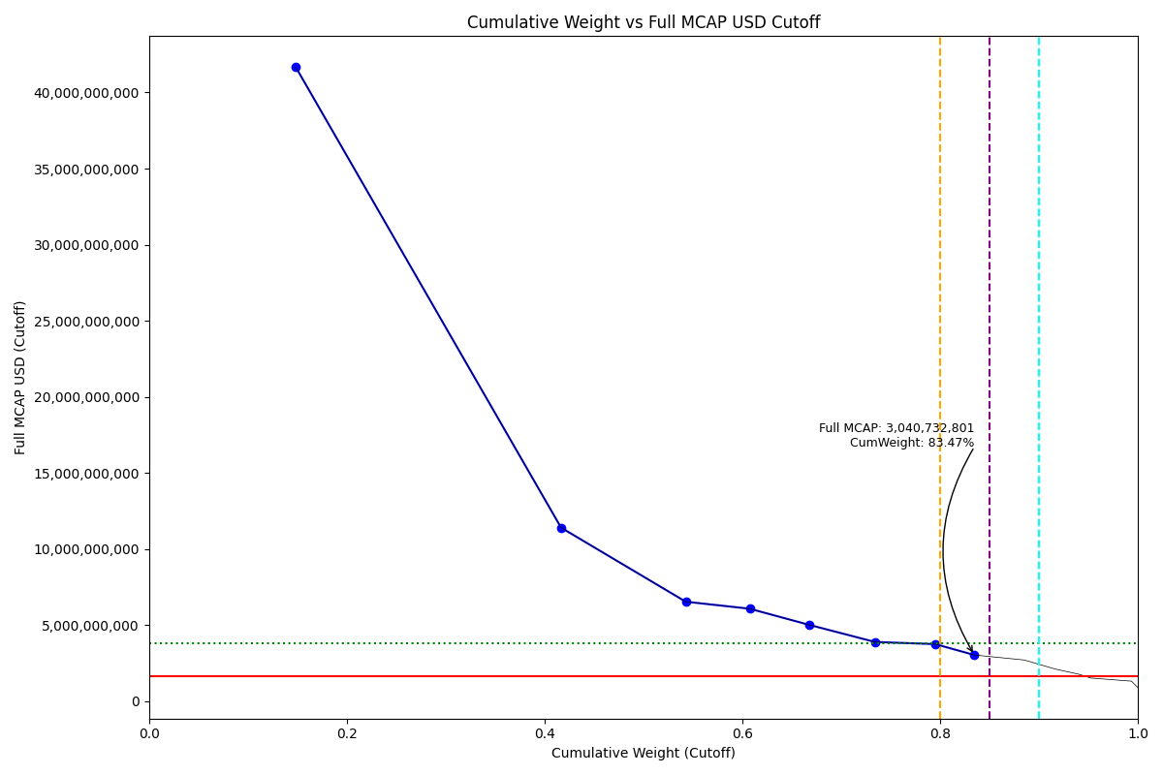
Date | Internal_Number | Instrument_Name | Country | Free_Float_MCAP_USD_Cutoff_Company | Full_MCAP_USD_Cutoff_Company | Weight_Cutoff | CumWeight_Cutoff | Size | Case
2019-03-18 | CO0022 | Ecopetrol SA | CO | 4,795,201,937.62 | 41,661,181,039.23 | 0.15 | 0.14842996953 | Standard | Inside
2019-03-18 | CO0055 | BanColombia SA | CO | 8,668,236,713.23 | 11,406,107,768.95 | 0.27 | 0.41674528305 | Standard | Inside
2019-03-18 | CO2013 | GRUPOSURA - Pref | CO | 4,073,162,455.24 | 6,543,159,746.77 | 0.13 | 0.54282534954 | Standard | Inside
2019-03-18 | CO0167 | GRUPO ENERGIA BOGOTA S.A. | CO | 2,087,538,990.15 | 6,082,572,815.12 | 0.06 | 0.60744272181 | Standard | Inside
2019-03-18 | CO0044 | Interconexion Electrica SA | CO | 1,932,132,068.82 | 5,028,974,671.58 | 0.06 | 0.66724965128 | Standard | Inside
2019-03-18 | CO0088 | GRUPO NUTRESA SA | CO | 2,157,525,026.79 | 3,900,081,393.32 | 0.07 | 0.73403336095 | Standard | Inside
2019-03-18 | CO0077 | GRUPO ARGOS | CO | 1,976,032,378.68 | 3,756,001,480.09 | 0.06 | 0.79519917411 | Standard | Inside
2019-03-18 | CO0066 | Cementos Argos SA | CO | 1,277,715,923.16 | 3,040,732,801.42 | 0.04 | 0.83474940327 | Standard | Inside

2019-03-18_CZ
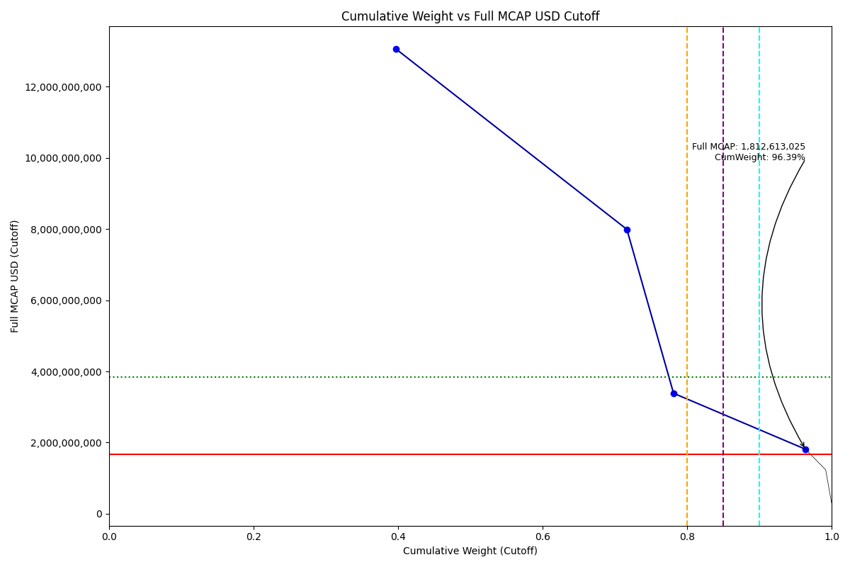
Date | Internal_Number | Instrument_Name | Country | Free_Float_MCAP_USD_Cutoff_Company | Full_MCAP_USD_Cutoff_Company | Weight_Cutoff | CumWeight_Cutoff | Size | Case
2019-03-18 | 562403 | CEZ | CZ | 3,945,866,760.33 | 13,057,136,864.09 | 0.40 | 0.39751286594 | Standard | Inside
2019-03-18 | 451944 | KOMERCNI BANKA | CZ | 3,168,705,050.05 | 7,991,689,911.86 | 0.32 | 0.7167332305 | Standard | Inside
2019-03-18 | CZ502I | O2 CZECH REPUBLIC | CZ | 641,183,960.07 | 3,385,342,978.18 | 0.06 | 0.78132711799 | Standard | Inside
2019-03-18 | CZ602J | MONETA MONEY BANK | CZ | 1,812,613,025.44 | 1,812,613,025.44 | 0.18 | 0.96393262454 | Standard | Inside

2019-03-18_EG
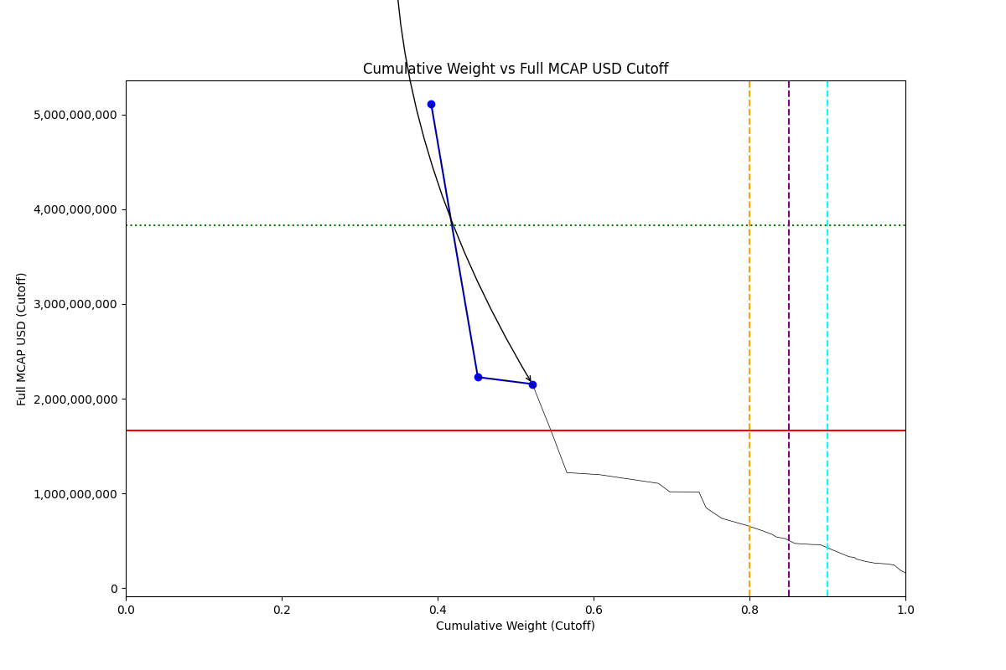
Date | Internal_Number | Instrument_Name | Country | Free_Float_MCAP_USD_Cutoff_Company | Full_MCAP_USD_Cutoff_Company | Weight_Cutoff | CumWeight_Cutoff | Size | Case
2019-03-18 | EG004Y | Commercial International Bank | EG | 4,709,529,591.24 | 5,112,940,604.98 | 0.39 | 0.39172174596 | Standard | Below
2019-03-18 | EG2040 | ELSWEDY ELECTRIC | EG | 720,037,256.67 | 2,227,838,046.61 | 0.06 | 0.45161185724 | Standard | Below
2019-03-18 | EG2051 | EASTERN TOBACCO | EG | 840,445,816.13 | 2,154,989,272.12 | 0.07 | 0.52151711978 | Standard | Below

2019-03-18_GR
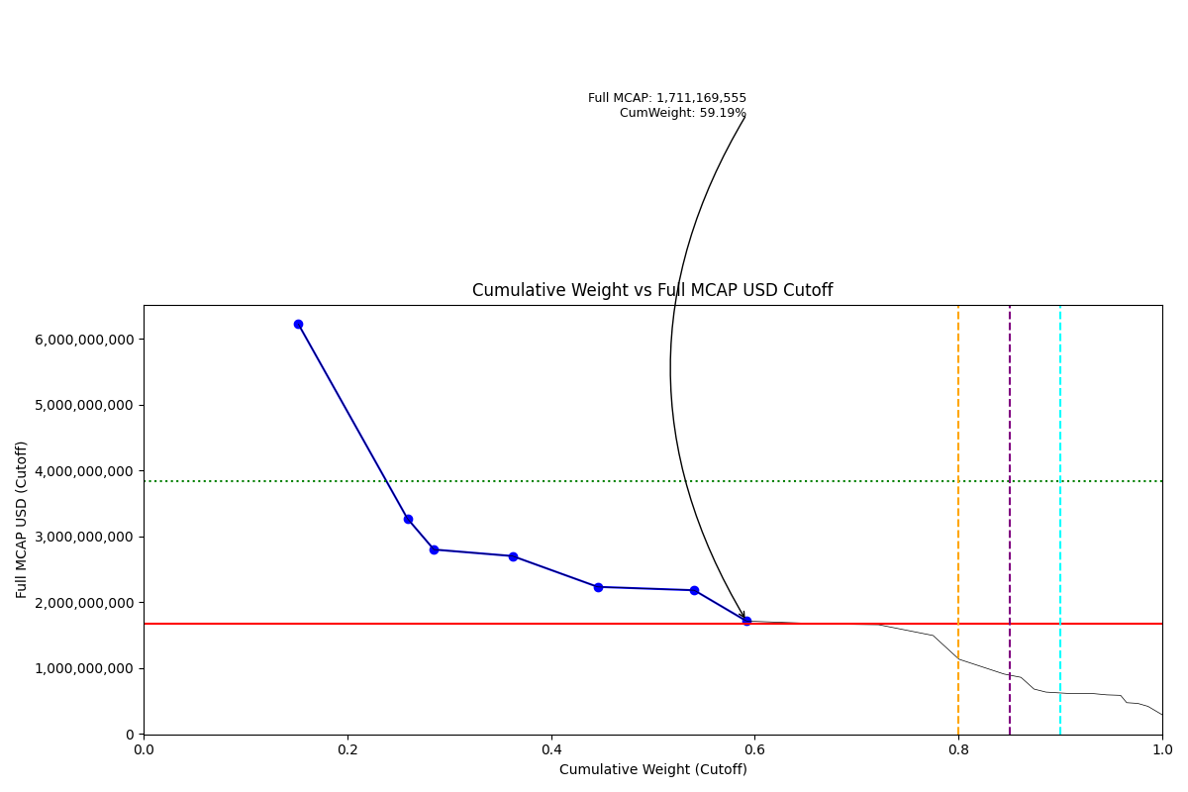
Date | Internal_Number | Instrument_Name | Country | Free_Float_MCAP_USD_Cutoff_Company | Full_MCAP_USD_Cutoff_Company | Weight_Cutoff | CumWeight_Cutoff | Size | Case
2019-03-18 | 505160 | OTE | GR | 3,111,598,432.35 | 6,223,196,864.69 | 0.15 | 0.15199080438 | Standard | Below
2019-03-18 | 710725 | OPAP | GR | 2,190,369,159.00 | 3,269,207,700.00 | 0.11 | 0.25898275004 | Standard | Below
2019-03-18 | 547565 | HELLENIC PETROLEUM | GR | 533,044,784.69 | 2,798,135,352.68 | 0.03 | 0.28502014123 | Standard | Below
2019-03-18 | 599623 | MOTOR OIL (HELLAS) | GR | 1,578,444,190.70 | 2,699,579,597.58 | 0.08 | 0.36212167198 | Standard | Below
2019-03-18 | 724353 | JUMBO | GR | 1,712,972,485.32 | 2,231,013,916.80 | 0.08 | 0.4457944439 | Standard | Below
2019-03-18 | 423586 | ALPHA BANK | GR | 1,939,701,682.91 | 2,179,685,001.58 | 0.09 | 0.54054215169 | Standard | Below
2019-03-18 | 488828 | TITAN CEMENT COMPANY | GR | 1,051,684,808.62 | 1,711,169,555.19 | 0.05 | 0.5919133114 | Standard | Below

2019-03-18_HU
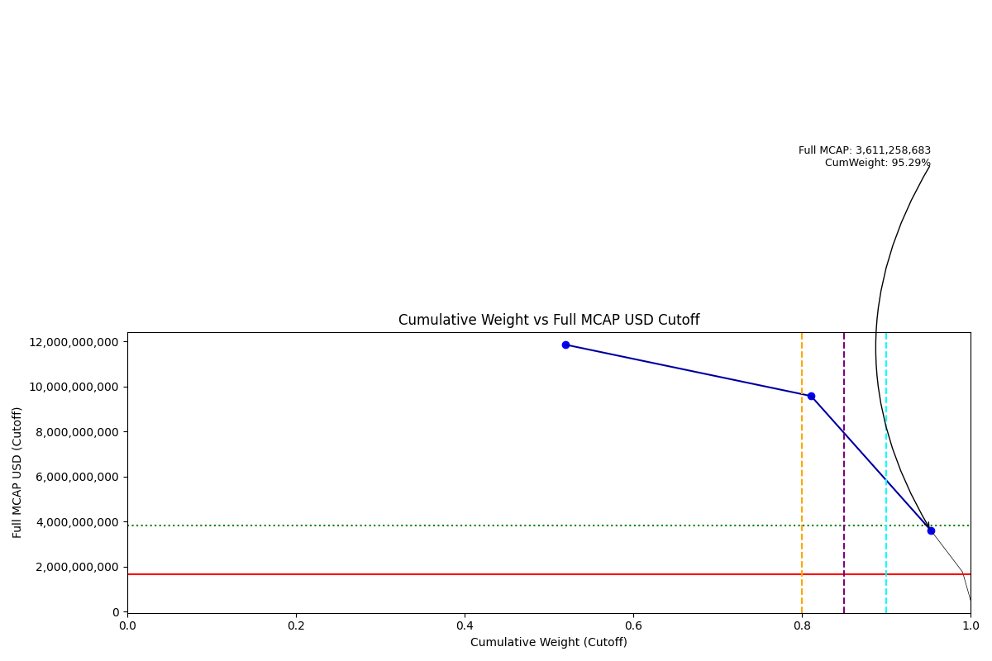
Date | Internal_Number | Instrument_Name | Country | Free_Float_MCAP_USD_Cutoff_Company | Full_MCAP_USD_Cutoff_Company | Weight_Cutoff | CumWeight_Cutoff | Size | Case
2019-03-18 | 732015 | OTP BANK | HU | 9,894,763,525.34 | 11,850,016,198.01 | 0.52 | 0.52001783445 | Standard | Inside
2019-03-18 | 474249 | MOL Hungarian Oil and Gas | HU | 5,537,648,125.69 | 9,570,771,043.36 | 0.29 | 0.81104811314 | Standard | Inside
2019-03-18 | 404238 | RICHTER GEDEON | HU | 2,699,415,865.32 | 3,611,258,682.70 | 0.14 | 0.95291551492 | Standard | Inside

2019-03-18_ID
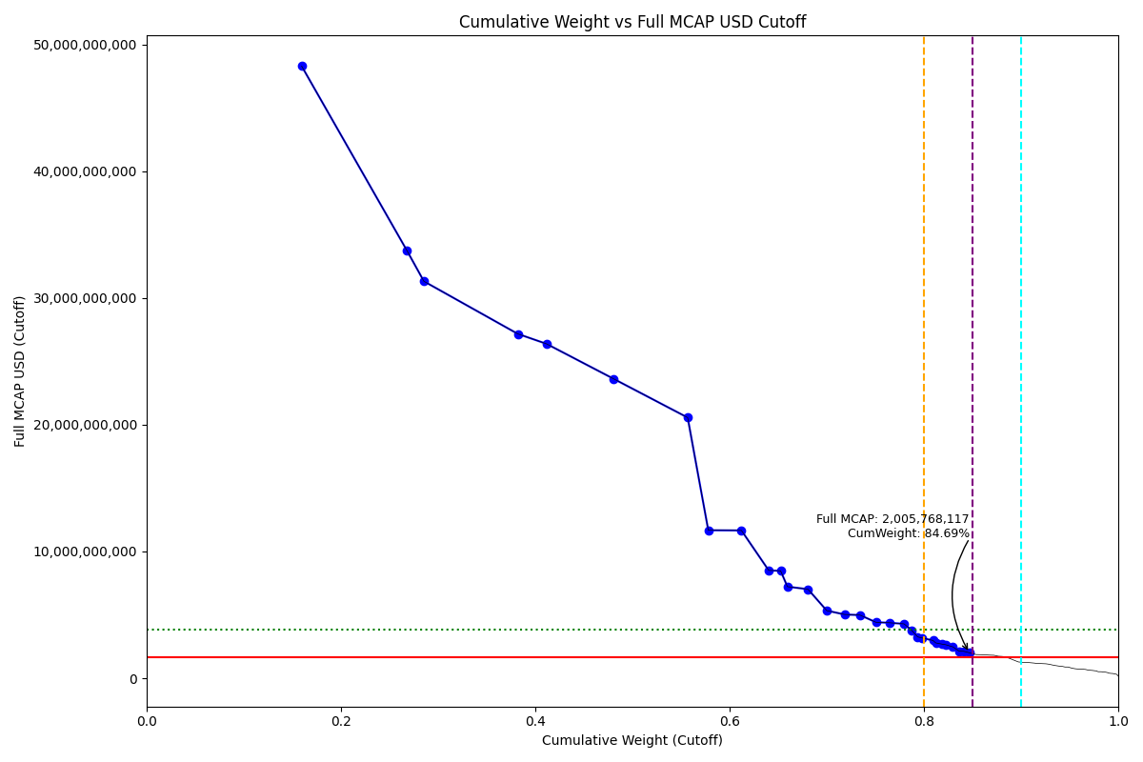
Date | Internal_Number | Instrument_Name | Country | Free_Float_MCAP_USD_Cutoff_Company | Full_MCAP_USD_Cutoff_Company | Weight_Cutoff | CumWeight_Cutoff | Size | Case
2019-03-18 | ID0072 | Bank Central Asia Tbk PT | ID | 21,496,846,120.36 | 48,307,519,371.60 | 0.16 | 0.1596596915 | Standard | Inside
2019-03-18 | ID0050 | Bank Rakyat Indonesia | ID | 14,593,717,805.05 | 33,742,700,127.29 | 0.11 | 0.26804900915 | Standard | Inside
2019-03-18 | ID20LI | HM SAMPOERNA | ID | 2,349,074,994.00 | 31,320,999,920.00 | 0.02 | 0.28549587493 | Standard | Inside
2019-03-18 | ID003Y | Telekomunikasi Indonesia Tbk P | ID | 13,017,139,215.57 | 27,169,983,751.96 | 0.10 | 0.38217575158 | Standard | Inside
2019-03-18 | ID00D8 | Unilever Indonesia Tbk PT | ID | 3,961,003,470.92 | 26,389,097,074.73 | 0.03 | 0.41159460627 | Standard | Inside
2019-03-18 | ID004Z | Bank Mandiri Tbk PT | ID | 9,306,184,598.94 | 23,625,754,249.66 | 0.07 | 0.4807127715 | Standard | Inside
2019-03-18 | ID002X | Astra International Tbk PT | ID | 10,261,059,377.87 | 20,567,366,963.05 | 0.08 | 0.55692290789 | Standard | Inside
2019-03-18 | ID00FA | Gudang Garam Tbk PT | ID | 2,854,668,598.17 | 11,675,536,188.82 | 0.02 | 0.57812487887 | Standard | Inside
2019-03-18 | ID00B6 | BNI Tbk PT | ID | 4,593,145,827.97 | 11,660,690,093.87 | 0.03 | 0.61223873175 | Standard | Inside
2019-03-18 | ID00RM | Charoen Pokphand Indonesia Tbk | ID | 3,782,464,879.21 | 8,505,655,226.46 | 0.03 | 0.64033155859 | Standard | Inside
2019-03-18 | ID20OL | INDOFOOD CBP SUKSES MKM. | ID | 1,649,654,179.76 | 8,472,800,101.51 | 0.01 | 0.65258374089 | Standard | Inside
2019-03-18 | ID1264 | CHANDRA ASRI PETROCH. | ID | 938,964,703.27 | 7,222,805,409.79 | 0.01 | 0.65955754598 | Standard | Inside
2019-03-18 | ID0094 | United Tractors Tbk PT | ID | 2,844,588,798.42 | 7,023,676,045.49 | 0.02 | 0.68068465306 | Standard | Inside
2019-03-18 | ID00A5 | SEMEN INDONESIA PERSERO TBK PT | ID | 2,611,908,728.03 | 5,331,514,039.67 | 0.02 | 0.70008361696 | Standard | Inside
2019-03-18 | ID00C7 | Indocement Tunggal Prakarsa Tb | ID | 2,464,050,555.74 | 5,028,674,603.54 | 0.02 | 0.71838442022 | Standard | Inside
2019-03-18 | ID00MH | Kalbe Farma Tbk PT | ID | 2,142,638,890.38 | 4,979,407,135.45 | 0.02 | 0.73429805994 | Standard | Inside
2019-03-18 | ID00ID | Indofood Sukses Makmur Tbk PT | ID | 2,203,929,279.71 | 4,414,038,212.92 | 0.02 | 0.75066691083 | Standard | Inside
2019-03-18 | ID0061 | Perusahaan Gas Negara PT | ID | 1,883,040,444.44 | 4,375,093,969.42 | 0.01 | 0.76465248131 | Standard | Inside
2019-03-18 | ID00YT | INDAH KIAT PULP & PAPER | ID | 2,014,353,579.90 | 4,285,858,680.63 | 0.01 | 0.77961333042 | Standard | Inside
2019-03-18 | ID011X | BARITO PACIFIC | ID | 1,023,984,212.08 | 3,792,534,118.82 | 0.01 | 0.78721858574 | Standard | Inside
2019-03-18 | ID00HC | BUKIT ASAM TBK PT | ID | 862,399,264.60 | 3,258,025,177.95 | 0.01 | 0.79362373 | Standard | Inside
2019-03-18 | ID80NQ | TRANSCOAL PACIFIC | ID | 634,164,982.50 | 3,170,824,912.50 | 0.00 | 0.79833375048 | Standard | Inside
2019-03-18 | ID0083 | Adaro Energy Tbk PT | ID | 1,485,977,778.76 | 2,977,314,724.02 | 0.01 | 0.80937028823 | Standard | Inside
2019-03-18 | ID20SP | BANK PAN INDONESIA | ID | 396,607,829.46 | 2,781,261,076.14 | 0.00 | 0.81231594284 | Standard | Inside
2019-03-18 | ID00PK | Jasa Marga PT | ID | 808,371,212.08 | 2,694,570,706.92 | 0.01 | 0.81831981418 | Standard | Inside
2019-03-18 | ID00E9 | INCO | ID | 559,265,434.23 | 2,640,535,572.39 | 0.00 | 0.8224735466 | Standard | Inside
2019-03-18 | ID00XS | PABRIK KERTAS TJIWIKIMIA | ID | 988,806,980.66 | 2,472,017,451.64 | 0.01 | 0.82981753635 | Standard | Inside
2019-03-18 | ID20FC | ACE HARDWARE INDONESIA | ID | 856,092,846.01 | 2,138,628,143.93 | 0.01 | 0.83617584207 | Standard | Inside
2019-03-18 | ID0140 | PAKUWON JATI | ID | 657,703,432.07 | 2,121,623,974.43 | 0.00 | 0.84106068548 | Standard | Inside
2019-03-18 | ID5099 | MITRA KELUARGA KARYASEHAT | ID | 790,874,368.66 | 2,005,768,117.33 | 0.01 | 0.84693460563 | Standard | Inside

2019-03-18_IN
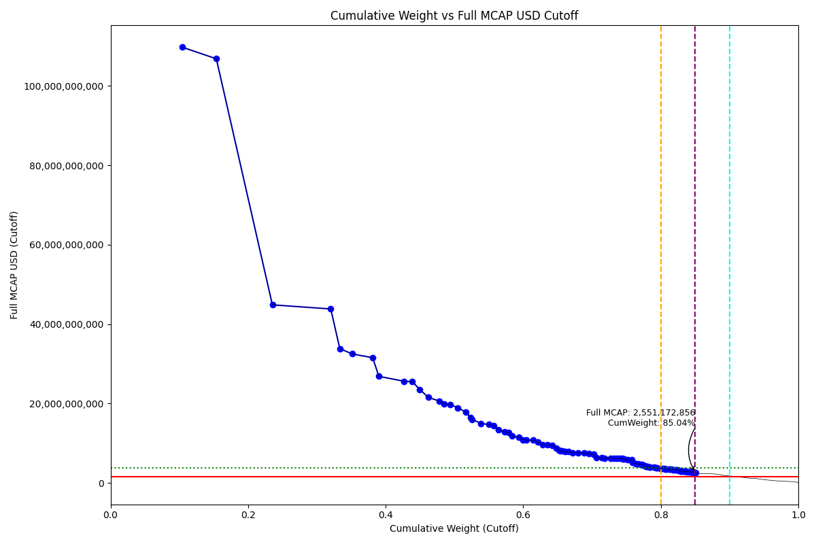
Date | Internal_Number | Instrument_Name | Country | Free_Float_MCAP_USD_Cutoff_Company | Full_MCAP_USD_Cutoff_Company | Weight_Cutoff | CumWeight_Cutoff | Size | Case
2019-03-18 | IN0027 | Reliance Industries Ltd | IN | 53,769,946,586.15 | 109,734,586,759.83 | 0.10 | 0.10417737281 | Standard | Inside
2019-03-18 | IN005A | Tata Consultancy Services Ltd | IN | 25,633,951,552.95 | 106,808,136,410.48 | 0.05 | 0.15384224877 | Standard | Inside
2019-03-18 | IN006B | Infosys Ltd | IN | 42,050,708,905.75 | 44,849,305,573.54 | 0.08 | 0.23531401239 | Standard | Inside
2019-03-18 | IN00EJ | Housing Development Finance Co | IN | 43,818,557,719.82 | 43,818,557,719.82 | 0.08 | 0.32021092067 | Standard | Inside
2019-03-18 | IN0049 | State Bank of India | IN | 6,769,402,978.93 | 33,847,015,141.72 | 0.01 | 0.33332639991 | Standard | Inside
2019-03-18 | IN06Q1 | Kotak Mah Bk | IN | 9,203,302,144.07 | 32,492,831,043.39 | 0.02 | 0.35115747283 | Standard | Inside
2019-03-18 | IN00BG | ICICI Bank Ltd | IN | 15,457,435,176.55 | 31,545,784,704.60 | 0.03 | 0.38110570766 | Standard | Inside
2019-03-18 | IN0038 | Oil & Natural Gas Corp Ltd | IN | 4,668,844,774.72 | 26,847,871,044.98 | 0.01 | 0.39015142954 | Standard | Inside
2019-03-18 | IN00MR | AXIS BANK | IN | 18,951,735,521.26 | 25,610,453,990.62 | 0.04 | 0.4268697479 | Standard | Inside
2019-03-18 | IN00AF | Larsen & Toubro Ltd | IN | 6,122,766,049.19 | 25,511,526,667.60 | 0.01 | 0.43873239092 | Standard | Inside
2019-03-18 | IN00GL | Wipro Ltd | IN | 5,648,208,118.73 | 23,534,200,651.59 | 0.01 | 0.4496755947 | Standard | Inside
2019-03-18 | IN10V1 | BAJAJ FINANCE | IN | 6,460,140,409.95 | 21,533,802,624.09 | 0.01 | 0.46219188862 | Standard | Inside
2019-03-18 | IN050A | HCL Technologies | IN | 8,377,116,345.21 | 20,618,056,473.56 | 0.02 | 0.47842225573 | Standard | Inside
2019-03-18 | IN036E | Coal India | IN | 3,489,540,994.97 | 19,928,846,344.79 | 0.01 | 0.48518311819 | Standard | Inside
2019-03-18 | IN00DI | Indian Oil Corp Ltd | IN | 4,486,152,169.41 | 19,771,494,796.86 | 0.01 | 0.49387487961 | Standard | Inside
2019-03-18 | IN01Y4 | Asian Paints | IN | 5,684,496,169.44 | 18,948,320,307.75 | 0.01 | 0.50488839021 | Standard | Inside
2019-03-18 | IN009E | Bharti Airtel Ltd | IN | 5,868,273,758.92 | 17,869,286,720.23 | 0.01 | 0.5162579634 | Standard | Inside
2019-03-18 | IN00PU | NTPC Ltd | IN | 3,939,675,129.73 | 16,415,312,055.64 | 0.01 | 0.52389094484 | Standard | Inside
2019-03-18 | IN00TY | Hindustan Zinc Ltd | IN | 885,632,884.22 | 15,986,153,144.77 | 0.00 | 0.52560682728 | Standard | Inside
2019-03-18 | IN1017 | SUN PHARMA INDUSTRIES | IN | 6,681,499,317.68 | 15,024,734,242.58 | 0.01 | 0.53855199628 | Standard | Inside
2019-03-18 | IN0AR6 | UltraTech Cement | IN | 5,841,861,621.27 | 14,696,507,223.32 | 0.01 | 0.54987039688 | Standard | Inside
2019-03-18 | IN02EL | Bajaj Finserv | IN | 3,472,361,900.73 | 14,468,175,269.98 | 0.01 | 0.55659797545 | Standard | Inside
2019-03-18 | IN00UZ | Power Grid Corp of India Ltd | IN | 4,028,167,645.26 | 13,427,225,351.73 | 0.01 | 0.56440240802 | Standard | Inside
2019-03-18 | IN0ACR | Titan Co Ltd | IN | 4,486,384,198.42 | 12,818,241,170.47 | 0.01 | 0.57309461899 | Standard | Inside
2019-03-18 | IN70EQ | AVENUE SUPERMARTS | IN | 2,709,110,415.53 | 12,772,797,810.13 | 0.01 | 0.57834342475 | Standard | Inside
2019-03-18 | IN00SX | Bajaj Auto Ltd | IN | 2,828,115,141.51 | 11,783,812,851.02 | 0.01 | 0.58382279797 | Standard | Inside
2019-03-18 | IN0A6L | Tech Mahindra | IN | 4,892,927,528.21 | 11,469,161,334.01 | 0.01 | 0.59330267228 | Standard | Inside
2019-03-18 | IN03EM | Dabur India | IN | 3,266,760,741.99 | 10,889,202,827.21 | 0.01 | 0.59963190587 | Standard | Inside
2019-03-18 | IN00KP | GAIL India Ltd | IN | 2,591,332,479.21 | 10,797,217,763.61 | 0.01 | 0.60465252104 | Standard | Inside
2019-03-18 | IN06W7 | Mahindra | IN | 5,282,099,110.88 | 10,779,793,420.10 | 0.01 | 0.61488640155 | Standard | Inside
2019-03-18 | IN02MT | Bharat Petroleum | IN | 3,220,698,764.08 | 10,296,351,547.58 | 0.01 | 0.62112639168 | Standard | Inside
2019-03-18 | IN04QZ | Godrej Cp | IN | 3,859,448,463.69 | 9,648,621,046.10 | 0.01 | 0.62860393679 | Standard | Inside
2019-03-18 | IN06CN | Jsw Steel | IN | 3,237,671,159.42 | 9,549,779,558.11 | 0.01 | 0.63487681034 | Standard | Inside
2019-03-18 | IN07AM | ADANI PORTS SEZ | IN | 3,887,483,894.10 | 9,468,712,263.30 | 0.01 | 0.64240867311 | Standard | Inside
2019-03-18 | IN09FT | Vedanta | IN | 3,023,824,373.73 | 8,853,188,487.27 | 0.01 | 0.64826722606 | Standard | Inside
2019-03-18 | IN088L | Pidilite Inds | IN | 1,974,292,291.40 | 8,226,217,174.73 | 0.00 | 0.65209234765 | Standard | Inside
2019-03-18 | IN09GU | Shree Cement Ltd | IN | 1,102,308,147.78 | 8,065,943,593.68 | 0.00 | 0.65422803077 | Standard | Inside
2019-03-18 | IN827M | BANDHAN BANK | IN | 1,424,244,163.29 | 8,032,962,003.89 | 0.00 | 0.65698745354 | Standard | Inside
2019-03-18 | IN00QV | Tata Steel Ltd | IN | 1,883,931,847.06 | 7,849,715,464.22 | 0.00 | 0.66063750497 | Standard | Inside
2019-03-18 | IN12KS | TATA MOTORS A | IN | 2,705,272,504.68 | 7,845,700,040.21 | 0.01 | 0.66587887492 | Standard | Inside
2019-03-18 | IN309H | BHARTI INFRATEL | IN | 3,249,857,245.55 | 7,632,356,142.67 | 0.01 | 0.67217535858 | Standard | Inside
2019-03-18 | IN03RZ | Eicher Motors | IN | 3,737,974,338.21 | 7,628,519,015.54 | 0.01 | 0.67941755186 | Standard | Inside
2019-03-18 | IN0B8O | Yes Bank | IN | 4,498,142,661.48 | 7,496,904,616.72 | 0.01 | 0.68813254443 | Standard | Inside
2019-03-18 | IN057H | HERO METOCORP | IN | 3,625,204,833.49 | 7,398,377,389.37 | 0.01 | 0.69515625079 | Standard | Inside
2019-03-18 | IN04T2 | GRASIM INDUSTRIES | IN | 3,520,620,104.99 | 7,184,938,617.32 | 0.01 | 0.70197732792 | Standard | Inside
2019-03-18 | IN079L | Motherson Sumi | IN | 352,011,825.04 | 7,183,769,146.63 | 0.00 | 0.7026593384 | Standard | Inside
2019-03-18 | IN032A | Cipla Ltd | IN | 2,142,540,020.80 | 6,305,779,637.30 | 0.00 | 0.70681043403 | Standard | Inside
2019-03-18 | IN0B9P | Zee Entrtainment | IN | 3,789,491,977.60 | 6,300,069,788.20 | 0.01 | 0.71415244093 | Standard | Inside
2019-03-18 | IN05AK | Havells India | IN | 2,181,462,904.51 | 6,283,648,700.33 | 0.00 | 0.71837894827 | Standard | Inside
2019-03-18 | IN0AT8 | UPL Ltd | IN | 4,634,352,209.43 | 6,262,637,833.11 | 0.01 | 0.72735784203 | Standard | Inside
2019-03-18 | IN04Y7 | Hindalco | IN | 2,474,263,050.73 | 6,185,657,265.57 | 0.00 | 0.73215163932 | Standard | Inside
2019-03-18 | IN03JR | Divis Lab | IN | 1,849,255,225.59 | 6,164,184,397.63 | 0.00 | 0.73573450602 | Standard | Inside
2019-03-18 | IN07BN | Marico | IN | 2,157,183,593.65 | 6,163,381,827.16 | 0.00 | 0.73991397306 | Standard | Inside
2019-03-18 | IN08T6 | Dr Reddys Lab | IN | 2,173,858,944.31 | 6,151,252,352.02 | 0.00 | 0.74412574801 | Standard | Inside
2019-03-18 | IN703F | INTERGLOBE AVIATION | IN | 566,066,328.12 | 6,072,044,560.67 | 0.00 | 0.74522248153 | Standard | Inside
2019-03-18 | IN80U7 | ICICI LOMBARD GENERAL INSURANC | IN | 1,082,855,385.40 | 5,968,578,515.30 | 0.00 | 0.7473204756 | Standard | Inside
2019-03-18 | IN08AN | PIRAMAL ENTERPRISES | IN | 2,518,920,764.10 | 5,910,517,462.23 | 0.00 | 0.75220079563 | Standard | Inside
2019-03-18 | IN01U0 | Aurobindo Pharm | IN | 2,874,410,553.11 | 5,866,143,815.47 | 0.01 | 0.75776986458 | Standard | Inside
2019-03-18 | IN80KX | GENERAL INSURANCE COR OF INDIA | IN | 296,640,673.49 | 5,335,263,911.72 | 0.00 | 0.75834459541 | Standard | Inside
2019-03-18 | IN02CJ | Biocon | IN | 206,882,630.69 | 5,243,641,898.54 | 0.00 | 0.7587454232 | Standard | Inside
2019-03-18 | IN06U5 | Lupin Ltd | IN | 2,382,096,252.00 | 4,861,421,147.87 | 0.00 | 0.76336065057 | Standard | Inside
2019-03-18 | IN056G | HPCL | IN | 1,917,039,926.23 | 4,792,599,953.59 | 0.00 | 0.76707484774 | Standard | Inside
2019-03-18 | IN08CP | Petronet Lng | IN | 1,884,117,578.42 | 4,710,293,946.06 | 0.00 | 0.77072525901 | Standard | Inside
2019-03-18 | IN02T0 | Cadila Health | IN | 1,100,917,695.32 | 4,587,157,034.40 | 0.00 | 0.77285824817 | Standard | Inside
2019-03-18 | IN00V0 | NMDC Ltd | IN | 676,056,412.05 | 4,477,194,781.77 | 0.00 | 0.7741680836 | Standard | Inside
2019-03-18 | IN0AFU | Torrent Pharm | IN | 1,035,433,743.56 | 4,314,307,309.77 | 0.00 | 0.77617419991 | Standard | Inside
2019-03-18 | IN02OV | Berger Paints | IN | 1,005,700,988.62 | 4,190,420,796.38 | 0.00 | 0.77812271007 | Standard | Inside
2019-03-18 | IN00NS | DLF Ltd | IN | 689,007,909.51 | 4,166,916,282.69 | 0.00 | 0.77945763856 | Standard | Inside
2019-03-18 | IN08N0 | Power Fncs | IN | 775,141,475.69 | 4,164,673,355.83 | 0.00 | 0.7809594478 | Standard | Inside
2019-03-18 | IN02Y5 | Container Corp | IN | 1,371,967,579.67 | 4,035,198,706.77 | 0.00 | 0.78361758654 | Standard | Inside
2019-03-18 | IN80JW | NEW INDIA ASSURANCE | IN | 234,049,326.27 | 3,973,672,772.06 | 0.00 | 0.78407104884 | Standard | Inside
2019-03-18 | IN30FN | INDIABULLS HOUSING FIN | IN | 3,257,110,754.29 | 3,928,489,632.48 | 0.01 | 0.79038158592 | Standard | Inside
2019-03-18 | IN098M | REC | IN | 1,326,540,609.58 | 3,790,115,879.02 | 0.00 | 0.79295171151 | Standard | Inside
2019-03-18 | IN02IP | Bank of Baroda | IN | 751,705,126.53 | 3,758,525,497.37 | 0.00 | 0.79440811364 | Standard | Inside
2019-03-18 | IN09U8 | Shriram Transprt | IN | 2,346,068,825.06 | 3,668,025,054.82 | 0.00 | 0.79895353915 | Standard | Inside
...

2019-03-18_KR
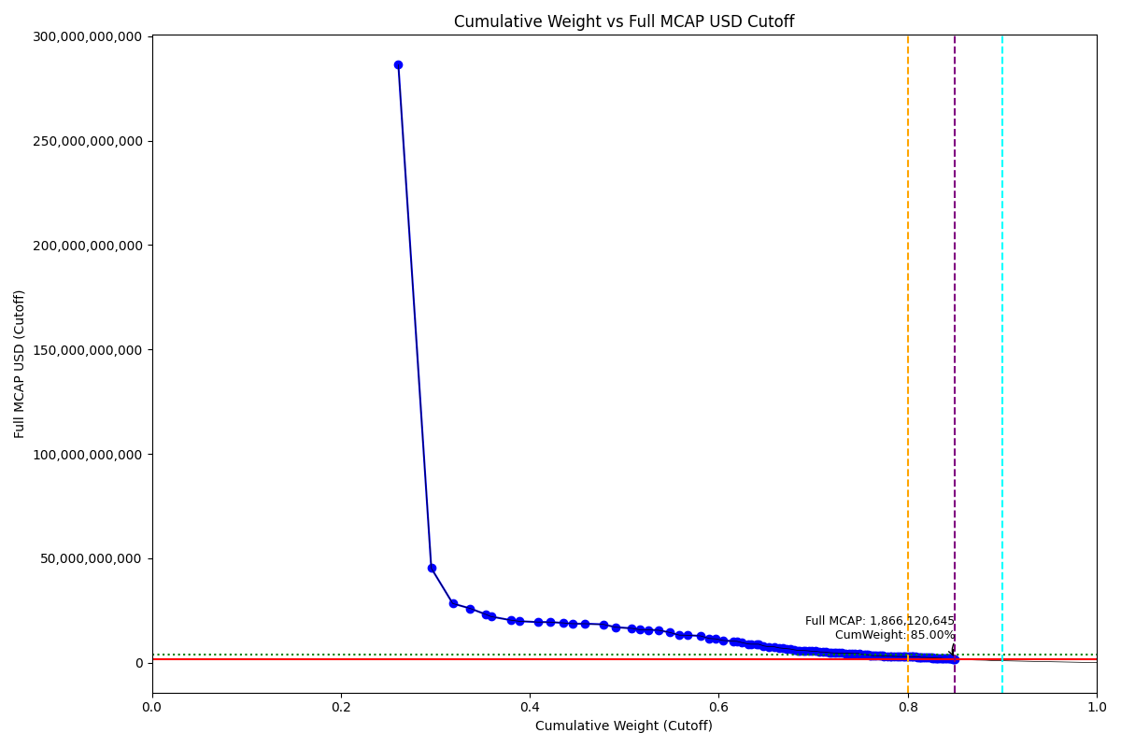
Free_Float_MCAP_USD_Cutoff_Company | Full_MCAP_USD_Cutoff_Company | Weight_Cutoff | CumWeight_Cutoff | Size | Case
250,624,829,867.06 | 286,326,743,197.56 | 0.26 | 0.26090806023 | Standard | Inside
33,464,880,486.97 | 45,308,530,310.01 | 0.03 | 0.29574601726 | Standard | Inside
21,827,395,934.86 | 28,386,045,598.34 | 0.02 | 0.3184689994 | Standard | Inside
17,830,008,875.49 | 26,001,350,640.41 | 0.02 | 0.3370305802 | Standard | Inside
15,596,283,835.14 | 23,198,399,278.81 | 0.02 | 0.35326678539 | Standard | Inside
5,529,747,682.47 | 22,118,990,729.88 | 0.01 | 0.35902342068 | Standard | Inside
20,387,116,554.19 | 20,387,116,554.19 | 0.02 | 0.38024702824 | Standard | Inside
7,956,510,491.99 | 19,891,276,473.65 | 0.01 | 0.38852999733 | Standard | Inside
19,489,167,642.22 | 19,489,167,642.22 | 0.02 | 0.4088188128 | Standard | Inside
12,229,169,807.73 | 19,479,403,962.62 | 0.01 | 0.42154975001 | Standard | Inside
13,454,124,198.86 | 19,083,864,111.86 | 0.01 | 0.43555590195 | Standard | Inside
9,163,733,293.21 | 18,701,495,432.08 | 0.01 | 0.44509562664 | Standard | Inside
12,812,434,969.98 | 18,700,329,647.65 | 0.01 | 0.4584337606 | Standard | Inside
18,403,251,628.36 | 18,403,251,628.36 | 0.02 | 0.47759210452 | Standard | Inside
12,664,080,830.36 | 17,046,817,647.54 | 0.01 | 0.49077579732 | Standard | Inside
16,486,744,980.96 | 16,486,744,980.96 | 0.02 | 0.5079389996 | Standard | Inside
8,109,557,845.87 | 15,857,563,249.64 | 0.01 | 0.51638129563 | Standard | Inside
8,520,348,137.36 | 15,772,580,780.00 | 0.01 | 0.52525123684 | Standard | Inside
10,433,868,236.55 | 15,596,052,278.61 | 0.01 | 0.53611321058 | Standard | Inside
11,677,269,584.07 | 14,520,355,115.73 | 0.01 | 0.5482696029 | Standard | Inside
9,445,251,522.29 | 13,250,000,412.89 | 0.01 | 0.55810239662 | Standard | Inside
8,709,913,625.50 | 13,172,888,120.85 | 0.01 | 0.56716968125 | Standard | Inside
12,877,999,630.15 | 12,877,999,630.15 | 0.01 | 0.58057607002 | Standard | Inside
9,020,422,311.83 | 11,634,699,580.44 | 0.01 | 0.58996660363 | Standard | Inside
6,647,498,138.90 | 11,441,696,866.92 | 0.01 | 0.5968868511 | Standard | Inside
7,239,388,944.18 | 10,693,144,421.10 | 0.01 | 0.60442327487 | Standard | Inside
10,370,786,699.83 | 10,370,786,699.83 | 0.01 | 0.61521957882 | Standard | Inside
3,890,984,630.12 | 10,260,014,087.98 | 0.00 | 0.619270212 | Standard | Inside
4,613,710,439.24 | 9,721,260,933.92 | 0.00 | 0.62407322471 | Standard | Inside
7,112,307,076.96 | 8,988,129,757.31 | 0.01 | 0.6314773524 | Standard | Inside
2,607,180,302.18 | 8,919,535,758.39 | 0.00 | 0.63419150628 | Standard | Inside
5,346,037,837.03 | 8,895,237,665.60 | 0.01 | 0.63975689405 | Standard | Inside
2,373,994,903.82 | 8,894,698,028.53 | 0.00 | 0.64222829485 | Standard | Inside
5,050,058,354.93 | 8,086,562,617.98 | 0.01 | 0.64748555898 | Standard | Inside
5,090,489,254.58 | 7,673,333,214.63 | 0.01 | 0.65278491291 | Standard | Inside
5,597,831,076.10 | 7,658,819,368.04 | 0.01 | 0.65861242509 | Standard | Inside
5,422,484,582.20 | 7,105,863,690.48 | 0.01 | 0.66425739624 | Standard | Inside
3,346,970,433.79 | 6,945,363,008.50 | 0.00 | 0.66774169412 | Standard | Inside
4,198,160,825.34 | 6,760,323,390.24 | 0.00 | 0.67211210705 | Standard | Inside
3,236,339,005.56 | 6,604,773,480.73 | 0.00 | 0.67548123426 | Standard | Inside
4,374,821,082.95 | 6,207,180,878.19 | 0.00 | 0.68003555588 | Standard | Inside
3,788,247,125.38 | 5,914,515,418.24 | 0.00 | 0.6839792362 | Standard | Inside
1,773,221,797.04 | 5,908,769,733.57 | 0.00 | 0.68582521395 | Standard | Inside
3,431,935,412.16 | 5,877,608,172.91 | 0.00 | 0.68939796295 | Standard | Inside
2,438,183,657.61 | 5,822,847,768.47 | 0.00 | 0.6919361862 | Standard | Inside
3,685,576,445.84 | 5,663,147,581.19 | 0.00 | 0.69577298322 | Standard | Inside
2,666,127,455.95 | 5,562,641,440.14 | 0.00 | 0.69854850288 | Standard | Inside
3,969,468,636.82 | 5,503,214,524.92 | 0.00 | 0.7026808403 | Standard | Inside
...

2019-03-18_MX
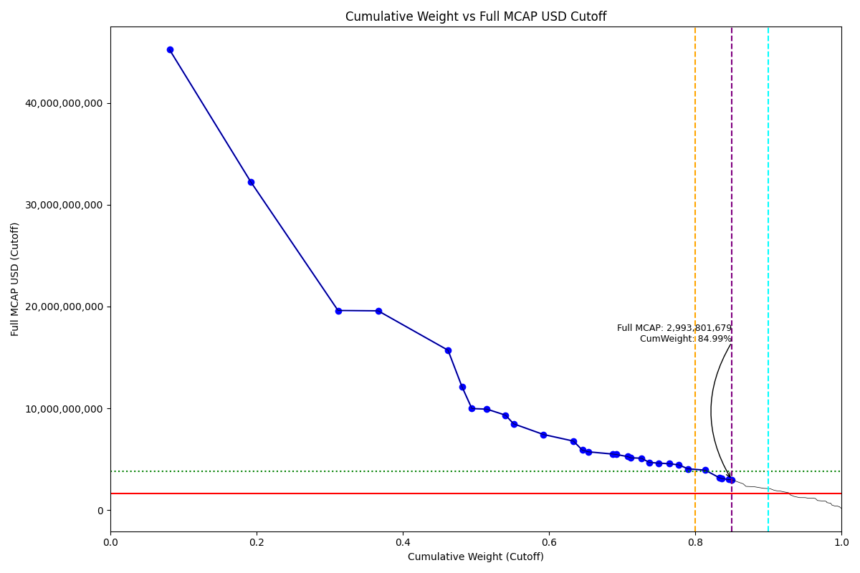
Free_Float_MCAP_USD_Cutoff_Company | Full_MCAP_USD_Cutoff_Company | Weight_Cutoff | CumWeight_Cutoff | Size | Case
13,334,686,779.46 | 45,217,656,084.98 | 0.08 | 0.081145531515 | Standard | Inside
18,258,874,247.89 | 32,242,405,523.39 | 0.11 | 0.19225620702 | Standard | Inside
19,610,311,964.10 | 19,610,311,964.10 | 0.12 | 0.31159078261 | Standard | Inside
9,015,712,111.63 | 19,578,093,619.17 | 0.05 | 0.36645406987 | Standard | Inside
15,708,993,528.54 | 15,708,993,528.54 | 0.10 | 0.46204796349 | Standard | Inside
3,161,520,749.32 | 12,099,199,193.71 | 0.02 | 0.48128675671 | Standard | Inside
2,195,764,111.43 | 9,980,745,961.05 | 0.01 | 0.49464863381 | Standard | Inside
3,381,852,346.85 | 9,926,188,279.57 | 0.02 | 0.51522821028 | Standard | Inside
4,198,928,403.96 | 9,330,952,008.80 | 0.03 | 0.54077993734 | Standard | Inside
1,782,782,927.29 | 8,489,442,510.88 | 0.01 | 0.55162870122 | Standard | Inside
6,696,002,805.17 | 7,440,003,116.86 | 0.04 | 0.59237586804 | Standard | Inside
6,787,864,669.52 | 6,787,864,669.52 | 0.04 | 0.63368204159 | Standard | Inside
1,980,562,855.21 | 5,899,799,985.73 | 0.01 | 0.6457343551 | Standard | Inside
1,319,708,607.23 | 5,737,863,509.71 | 0.01 | 0.65376517413 | Standard | Inside
5,515,946,120.32 | 5,515,946,120.32 | 0.03 | 0.68733134536 | Standard | Inside
736,464,361.99 | 5,479,645,550.52 | 0.00 | 0.69181294985 | Standard | Inside
2,581,302,942.97 | 5,267,965,189.73 | 0.02 | 0.7075209453 | Standard | Inside
772,258,554.20 | 5,148,390,361.36 | 0.00 | 0.71222036809 | Standard | Inside
2,355,236,969.94 | 5,110,082,382.16 | 0.01 | 0.72655268492 | Standard | Inside
1,743,264,803.47 | 4,697,738,449.43 | 0.01 | 0.73716096927 | Standard | Inside
2,177,104,594.20 | 4,627,214,865.46 | 0.01 | 0.75040929766 | Standard | Inside
2,335,050,498.78 | 4,565,996,282.33 | 0.01 | 0.76461877381 | Standard | Inside
2,181,531,855.86 | 4,452,105,680.55 | 0.01 | 0.77789404341 | Standard | Inside
1,993,610,949.41 | 4,068,593,836.25 | 0.01 | 0.79002575845 | Standard | Inside
3,932,016,496.87 | 3,932,016,496.87 | 0.02 | 0.81395324725 | Standard | Inside
3,182,665,825.40 | 3,182,665,825.40 | 0.02 | 0.83332071454 | Standard | Inside
556,359,650.05 | 3,106,419,039.90 | 0.00 | 0.83670632833 | Standard | Inside
1,477,548,262.98 | 3,015,404,618.33 | 0.01 | 0.84569764857 | Standard | Inside
698,154,551.46 | 2,993,801,678.65 | 0.00 | 0.84994612648 | Standard | Inside

2019-03-18_MY
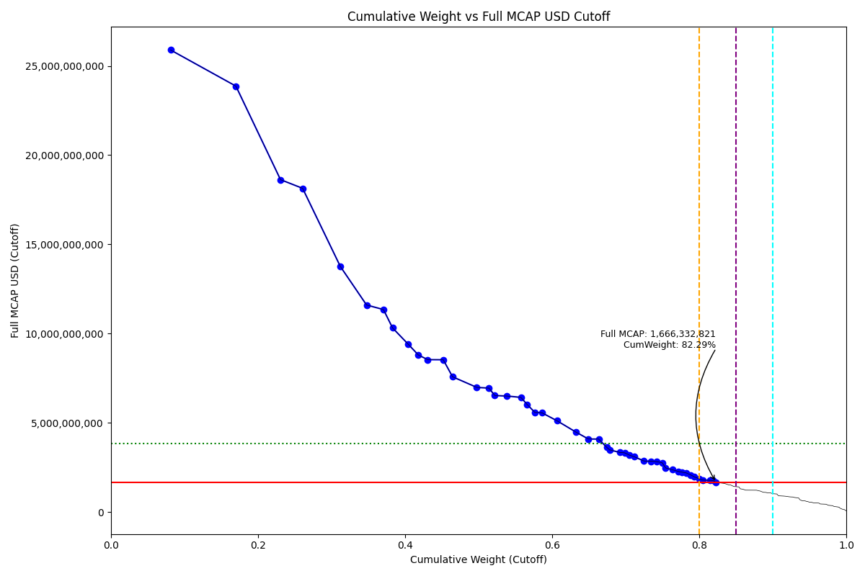
Free_Float_MCAP_USD_Cutoff_Company | Full_MCAP_USD_Cutoff_Company | Weight_Cutoff | CumWeight_Cutoff | Size | Case
10,663,768,171.74 | 25,895,503,088.25 | 0.08 | 0.081112900641 | Standard | Below
11,694,691,076.04 | 23,866,715,209.47 | 0.09 | 0.17006741466 | Standard | Below
7,971,407,360.57 | 18,624,783,552.73 | 0.06 | 0.23070113838 | Standard | Below
3,952,389,822.73 | 18,138,548,979.95 | 0.03 | 0.26076460167 | Standard | Below
6,742,081,730.78 | 13,759,350,344.06 | 0.05 | 0.31204758127 | Standard | Below
4,689,499,396.84 | 11,599,058,612.01 | 0.04 | 0.34771779582 | Standard | Below
3,018,568,064.05 | 11,343,735,678.50 | 0.02 | 0.37067823603 | Standard | Below
1,629,642,839.86 | 10,314,195,189.00 | 0.01 | 0.38307395353 | Standard | Below
2,779,610,788.43 | 9,406,466,289.11 | 0.02 | 0.40421678879 | Standard | Below
1,828,153,094.72 | 8,797,656,856.19 | 0.01 | 0.41812245496 | Standard | Below
1,683,034,843.18 | 8,534,659,448.19 | 0.01 | 0.43092429346 | Standard | Below
2,769,469,690.44 | 8,529,318,418.34 | 0.02 | 0.45198999146 | Standard | Below
1,667,073,792.48 | 7,574,165,345.21 | 0.01 | 0.46467042381 | Standard | Below
4,335,826,200.46 | 6,980,882,628.34 | 0.03 | 0.49765045809 | Standard | Below
2,176,757,477.95 | 6,938,978,252.94 | 0.02 | 0.51420774911 | Standard | Below
1,038,445,530.69 | 6,522,899,062.14 | 0.01 | 0.5221065826 | Standard | Below
2,185,426,427.11 | 6,494,580,764.06 | 0.02 | 0.53872981313 | Standard | Below
2,470,280,964.61 | 6,422,987,427.48 | 0.02 | 0.5575197616 | Standard | Below
1,101,793,532.09 | 6,030,615,939.22 | 0.01 | 0.56590044541 | Standard | Below
1,391,456,574.75 | 5,581,454,371.22 | 0.01 | 0.57648442258 | Standard | Below
1,261,366,935.68 | 5,559,131,492.64 | 0.01 | 0.58607888575 | Standard | Below
2,704,661,833.81 | 5,110,850,026.10 | 0.02 | 0.60665162918 | Standard | Below
3,355,934,950.14 | 4,481,152,290.22 | 0.03 | 0.63217821732 | Standard | Below
2,252,081,672.37 | 4,087,262,563.28 | 0.02 | 0.6493084544 | Standard | Below
1,841,338,540.93 | 4,082,790,556.39 | 0.01 | 0.66331441437 | Standard | Below
1,423,349,243.84 | 3,629,141,366.24 | 0.01 | 0.67414097998 | Standard | Below
517,566,318.32 | 3,480,607,386.13 | 0.00 | 0.67807779712 | Standard | Below
1,866,092,574.41 | 3,333,498,703.84 | 0.01 | 0.6922720462 | Standard | Below
835,534,734.07 | 3,313,286,866.07 | 0.01 | 0.69862745874 | Standard | Below
880,668,345.46 | 3,183,905,804.27 | 0.01 | 0.70532617563 | Standard | Below
834,223,206.75 | 3,094,299,728.31 | 0.01 | 0.71167161216 | Standard | Below
1,722,689,478.91 | 2,856,864,807.49 | 0.01 | 0.72477507974 | Standard | Below
1,285,786,985.36 | 2,844,032,261.36 | 0.01 | 0.7345552916 | Standard | Below
1,029,909,964.23 | 2,818,582,277.57 | 0.01 | 0.74238920015 | Standard | Below
968,489,103.55 | 2,752,953,676.95 | 0.01 | 0.74975591697 | Standard | Below
618,956,918.32 | 2,463,019,969.45 | 0.00 | 0.75446395172 | Standard | Below
1,183,132,228.18 | 2,366,264,456.36 | 0.01 | 0.7634633303 | Standard | Below
1,024,417,552.72 | 2,276,483,360.84 | 0.01 | 0.77125546135 | Standard | Below
733,336,319.71 | 2,228,308,476.79 | 0.01 | 0.77683351173 | Standard | Below
701,217,800.92 | 2,189,253,203.00 | 0.01 | 0.78216725576 | Standard | Below
853,200,339.98 | 2,073,390,862.66 | 0.01 | 0.78865703998 | Standard | Below
637,377,528.41 | 1,961,765,245.94 | 0.00 | 0.79350518927 | Standard | Below
909,503,730.36 | 1,856,130,061.96 | 0.01 | 0.80042323967 | Standard | Below
566,894,186.23 | 1,785,493,499.94 | 0.00 | 0.80473526438 | Standard | Below
1,264,747,002.18 | 1,771,850,661.50 | 0.01 | 0.81435543769 | Standard | Below
592,135,388.08 | 1,756,036,144.95 | 0.00 | 0.8188594571 | Standard | Below
531,893,436.60 | 1,666,332,821.44 | 0.00 | 0.82290525206 | Standard | Below

2019-03-18_PH
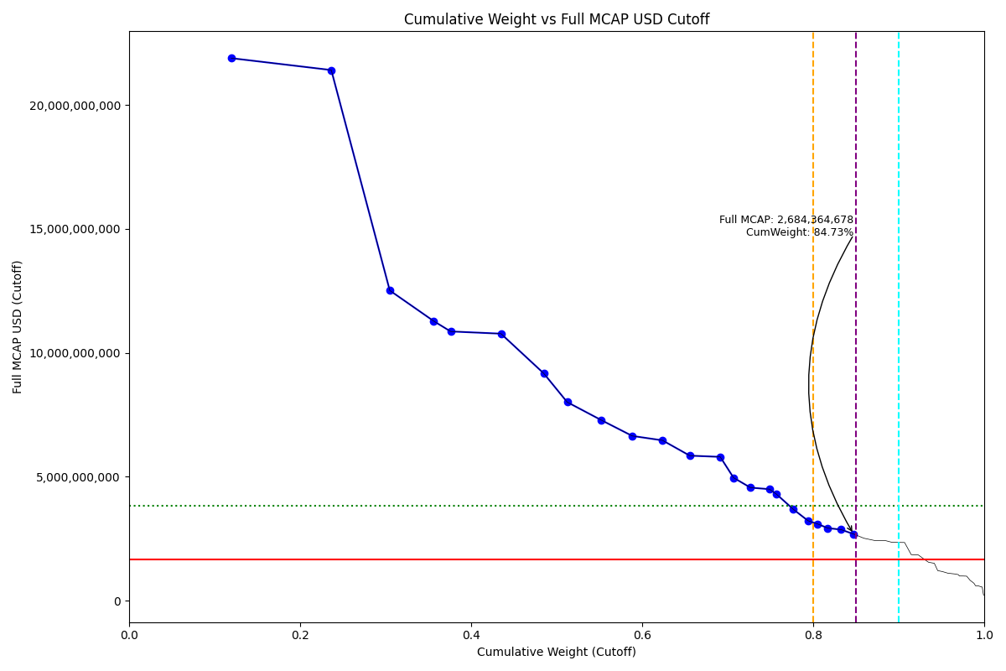
Full_MCAP_USD_Cutoff_Company | Weight_Cutoff | CumWeight_Cutoff | Size | Case
21,893,062,373.85 | 0.12 | 0.1196104787 | Standard | Inside
21,413,758,248.58 | 0.12 | 0.23660233074 | Standard | Inside
12,516,601,748.60 | 0.07 | 0.30498548834 | Standard | Inside
11,278,634,362.43 | 0.05 | 0.35645900539 | Standard | Inside
10,862,903,817.98 | 0.02 | 0.37613298468 | Standard | Inside
10,772,676,132.43 | 0.06 | 0.43498839268 | Standard | Inside
9,168,224,351.48 | 0.05 | 0.48507804124 | Standard | Inside
8,010,863,755.83 | 0.03 | 0.51241023755 | Standard | Inside
7,285,311,383.77 | 0.04 | 0.55221278347 | Standard | Inside
6,644,657,174.11 | 0.04 | 0.58851518089 | Standard | Inside
6,466,913,437.03 | 0.04 | 0.62384649713 | Standard | Inside
5,848,442,132.47 | 0.03 | 0.65579885773 | Standard | Inside
5,800,207,119.97 | 0.04 | 0.69134580609 | Standard | Inside
4,958,383,626.82 | 0.02 | 0.70693588077 | Standard | Inside
4,559,169,062.45 | 0.02 | 0.72669383869 | Standard | Inside
4,495,875,674.43 | 0.02 | 0.7488187382 | Standard | Inside
4,302,738,929.86 | 0.01 | 0.75682535695 | Standard | Inside
3,680,733,882.44 | 0.02 | 0.77693466606 | Standard | Inside
3,222,700,925.14 | 0.02 | 0.79397813934 | Standard | Inside
3,096,610,713.78 | 0.01 | 0.80482258569 | Standard | Inside
2,926,591,266.30 | 0.01 | 0.81704227777 | Standard | Inside
2,862,911,433.32 | 0.02 | 0.8326834993 | Standard | Inside
2,684,364,677.65 | 0.01 | 0.84734924898 | Standard | Inside

2019-03-18_PK
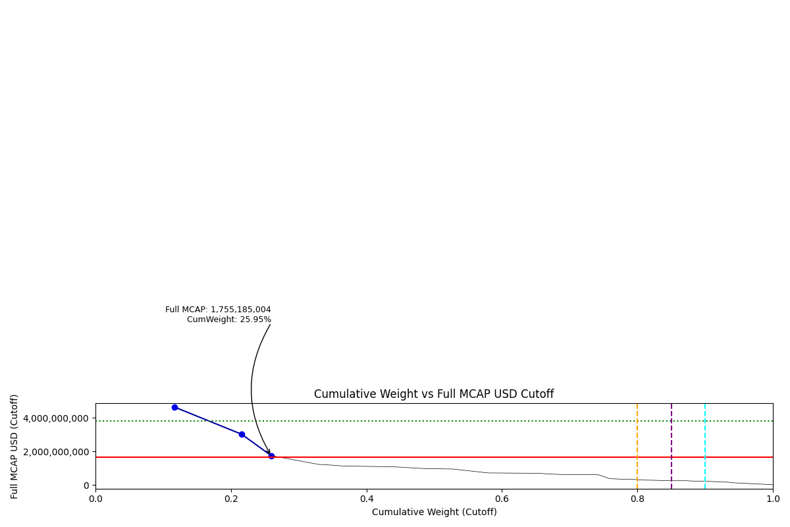
Free_Float_MCAP_USD_Cutoff_Company | Full_MCAP_USD_Cutoff_Company | Weight_Cutoff | CumWeight_Cutoff | Size | Case
1,161,488,831.07 | 4,642,241,531.06 | 0.12 | 0.11683614086 | Standard | Below
983,730,323.75 | 3,027,794,163.57 | 0.10 | 0.21579125055 | Standard | Below
434,037,903.40 | 1,755,185,003.78 | 0.04 | 0.25945186292 | Standard | Below

2019-03-18_PL
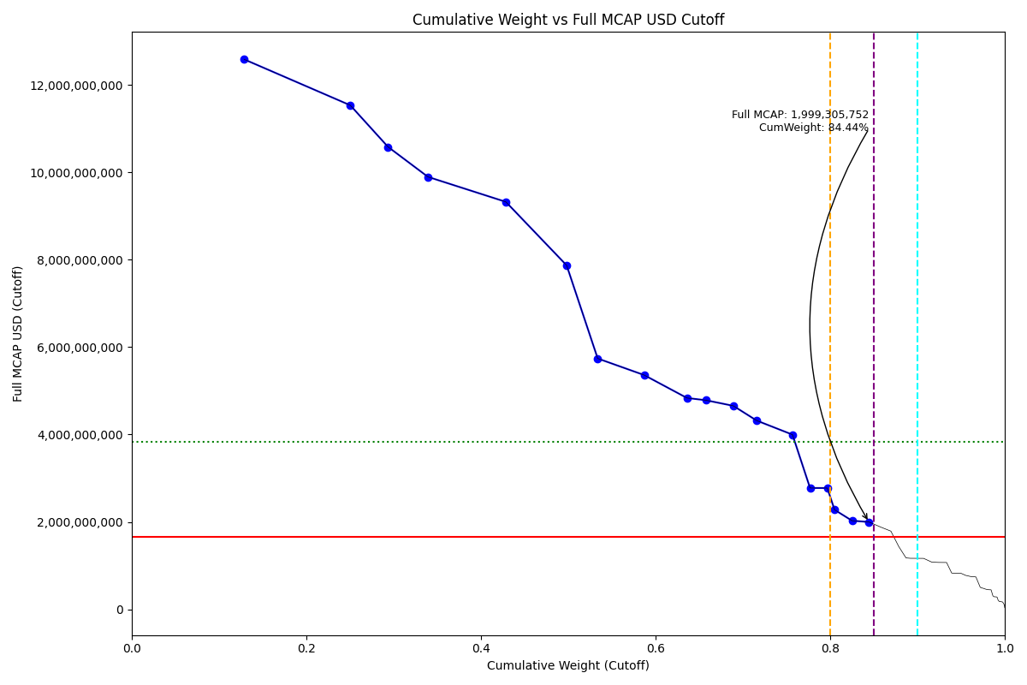
Full_MCAP_USD_Cutoff_Company | Weight_Cutoff | CumWeight_Cutoff | Size | Case
12,584,440,140.78 | 0.13 | 0.12900090414 | Standard | Inside
11,534,692,278.16 | 0.12 | 0.25044123312 | Standard | Inside
10,582,558,431.82 | 0.04 | 0.29366720125 | Standard | Inside
9,895,292,762.38 | 0.05 | 0.33947605752 | Standard | Inside
9,324,326,034.71 | 0.09 | 0.42861101854 | Standard | Inside
7,870,331,320.77 | 0.07 | 0.49827915643 | Standard | Inside
5,740,205,288.53 | 0.04 | 0.53380772384 | Standard | Inside
5,361,950,730.86 | 0.05 | 0.58693402821 | Standard | Inside
4,835,921,662.29 | 0.05 | 0.63615499184 | Standard | Inside
4,786,110,289.35 | 0.02 | 0.65747734909 | Standard | Inside
4,656,969,757.71 | 0.03 | 0.68914244416 | Standard | Inside
4,319,523,548.68 | 0.03 | 0.71590918133 | Standard | Inside
3,998,043,435.48 | 0.04 | 0.75688081336 | Standard | Inside
2,777,167,629.09 | 0.02 | 0.77701070224 | Standard | Inside
2,776,325,987.80 | 0.02 | 0.7967715365 | Standard | Inside
2,278,820,496.31 | 0.01 | 0.80504693399 | Standard | Inside
2,028,203,986.17 | 0.02 | 0.82510706216 | Standard | Inside
1,999,305,752.26 | 0.02 | 0.84443413186 | Standard | Inside

2019-03-18_RU
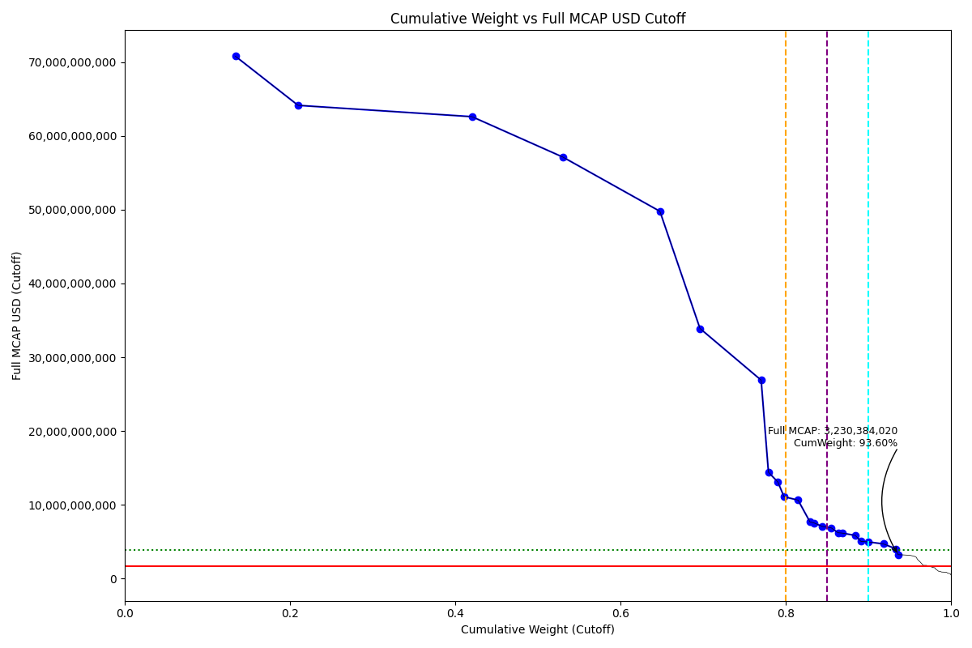
Free_Float_MCAP_USD_Cutoff_Company | Full_MCAP_USD_Cutoff_Company | Weight_Cutoff | CumWeight_Cutoff | Size | Case
35,191,334,877.08 | 70,807,425,056.02 | 0.13 | 0.134080805 | Standard | Above - Companies in between Upper and Lower GMSR
19,928,257,357.41 | 64,139,869,190.24 | 0.08 | 0.21000849567 | Standard | Above - Companies in between Upper and Lower GMSR
55,209,615,326.73 | 62,610,133,053.68 | 0.21 | 0.42035998398 | Standard | Above - Companies in between Upper and Lower GMSR
28,936,061,620.77 | 57,118,163,483.55 | 0.11 | 0.53060787453 | Standard | Above - Companies in between Upper and Lower GMSR
30,760,261,762.07 | 49,781,941,676.75 | 0.12 | 0.64780606191 | Standard | Above - Companies in between Upper and Lower GMSR
12,737,374,274.04 | 33,894,024,145.93 | 0.05 | 0.69633611632 | Standard | Above - Companies in between Upper and Lower GMSR
19,428,389,946.38 | 26,887,723,251.48 | 0.07 | 0.77035928631 | Standard | Above - Companies in between Upper and Lower GMSR
2,305,617,604.52 | 14,410,110,028.26 | 0.01 | 0.77914380857 | Standard | Above - Companies in between Upper and Lower GMSR
3,004,220,868.06 | 13,078,889,281.94 | 0.01 | 0.79059004537 | Standard | Above - Companies in between Upper and Lower GMSR
1,946,854,992.86 | 11,086,873,535.65 | 0.01 | 0.79800766353 | Standard | Above - Companies in between Upper and Lower GMSR
4,460,996,977.45 | 10,629,013,527.40 | 0.02 | 0.81500429262 | Standard | Above - Companies in between Upper and Lower GMSR
3,784,109,755.63 | 7,672,566,414.49 | 0.01 | 0.82942194639 | Standard | Above - Companies in between Upper and Lower GMSR
1,187,757,961.50 | 7,546,111,572.40 | 0.00 | 0.83394736563 | Standard | Above - Companies in between Upper and Lower GMSR
2,758,688,851.17 | 7,060,887,768.54 | 0.01 | 0.84445811275 | Standard | Above - Companies in between Upper and Lower GMSR
2,797,100,099.64 | 6,870,793,661.60 | 0.01 | 0.85511520872 | Standard | Above - Companies in between Upper and Lower GMSR
2,170,911,042.81 | 6,202,602,979.46 | 0.01 | 0.86338649201 | Standard | Above - Companies in between Upper and Lower GMSR
1,303,640,193.25 | 6,160,870,478.48 | 0.00 | 0.86835342854 | Standard | Above - Companies in between Upper and Lower GMSR
4,145,372,667.26 | 5,845,963,428.65 | 0.02 | 0.88414751268 | Standard | Above - Companies in between Upper and Lower GMSR
1,857,319,945.45 | 5,021,140,701.40 | 0.01 | 0.89122399768 | Standard | Above - Companies in between Upper and Lower GMSR
2,381,044,058.74 | 4,960,508,455.70 | 0.01 | 0.90029589863 | Standard | Above - Companies in between Upper and Lower GMSR
4,695,707,306.40 | 4,695,707,306.40 | 0.02 | 0.9181867862 | Standard | Above - Companies in between Upper and Lower GMSR
4,025,466,585.66 | 4,025,466,585.66 | 0.02 | 0.93352402198 | Standard | Above - Companies in between Upper and Lower GMSR
641,877,304.69 | 3,230,384,019.56 | 0.00 | 0.93596960769 | Standard | Above - Companies in between Upper and Lower GMSR

2019-03-18_TH
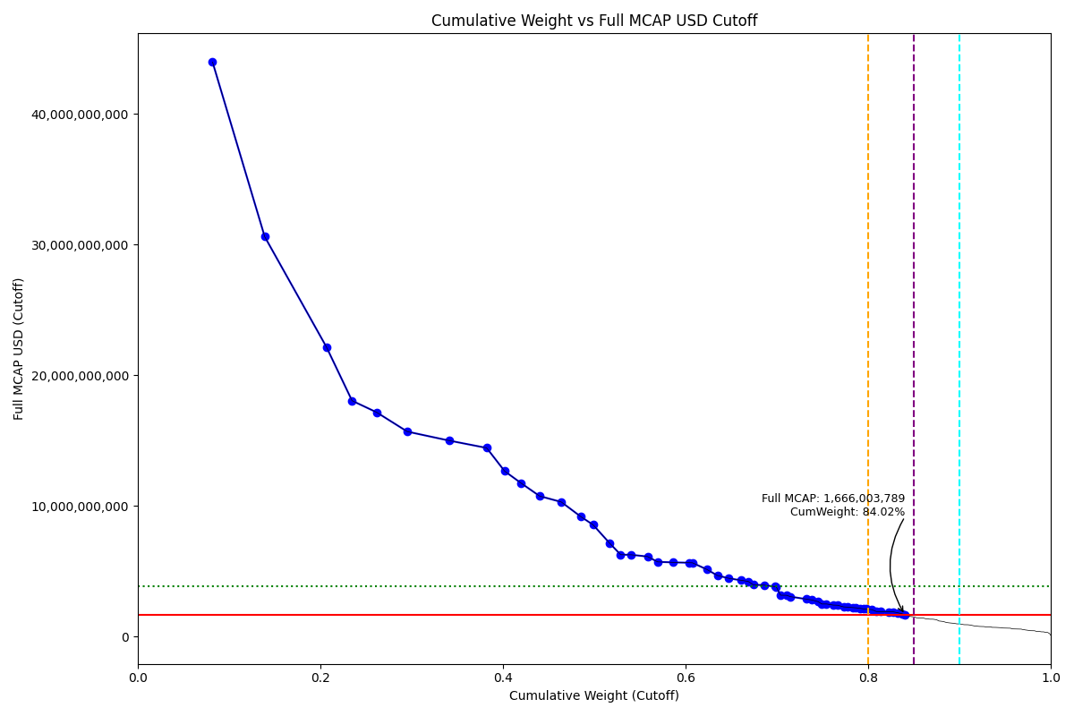
Full_MCAP_USD_Cutoff_Company | Weight_Cutoff | CumWeight_Cutoff | Size | Case
43,960,455,401.37 | 0.08 | 0.082056105888 | Standard | Below
30,600,038,989.22 | 0.06 | 0.13917380608 | Standard | Below
22,163,756,923.02 | 0.07 | 0.2067458342 | Standard | Below
18,049,961,048.40 | 0.03 | 0.2348223856 | Standard | Below
17,171,052,024.86 | 0.03 | 0.26150925908 | Standard | Below
15,684,653,987.65 | 0.03 | 0.29538252207 | Standard | Below
14,999,393,493.87 | 0.05 | 0.3410934434 | Standard | Below
14,437,761,917.84 | 0.04 | 0.38224513269 | Standard | Below
12,659,983,888.54 | 0.02 | 0.40193762272 | Standard | Below
11,732,121,307.61 | 0.02 | 0.4201868304 | Standard | Below
10,752,674,053.24 | 0.02 | 0.44025765717 | Standard | Below
10,301,841,890.50 | 0.02 | 0.46397380021 | Standard | Below
9,175,695,898.46 | 0.02 | 0.48542283159 | Standard | Below
8,559,704,765.52 | 0.01 | 0.49873737484 | Standard | Below
7,173,181,219.63 | 0.02 | 0.51658988475 | Standard | Below
6,267,649,351.91 | 0.01 | 0.52897925935 | Standard | Below
6,259,984,496.07 | 0.01 | 0.54066407828 | Standard | Below
6,126,567,092.76 | 0.02 | 0.55843909784 | Standard | Below
5,717,986,950.37 | 0.01 | 0.56946792904 | Standard | Below
5,679,737,856.43 | 0.02 | 0.58678409823 | Standard | Below
5,651,957,520.09 | 0.02 | 0.60401557298 | Standard | Below
5,647,160,283.68 | 0.00 | 0.60763522319 | Standard | Below
5,141,478,092.52 | 0.02 | 0.62331036699 | Standard | Below
4,677,250,542.15 | 0.01 | 0.63495104017 | Standard | Below
4,460,642,796.19 | 0.01 | 0.64738897596 | Standard | Below
4,312,328,530.55 | 0.01 | 0.660536241 | Standard | Below
4,224,373,730.62 | 0.01 | 0.66865533781 | Standard | Below
3,962,937,921.78 | 0.01 | 0.67418383985 | Standard | Below
3,938,837,393.93 | 0.01 | 0.68619241926 | Standard | Below
3,825,876,901.33 | 0.01 | 0.69785660796 | Standard | Below
3,813,289,360.48 | 0.00 | 0.69937021731 | Standard | Below
3,169,558,064.52 | 0.00 | 0.70409965827 | Standard | Below
3,161,916,524.02 | 0.01 | 0.7105033272 | Standard | Below
3,054,842,504.94 | 0.00 | 0.71525320634 | Standard | Below
2,869,815,826.35 | 0.02 | 0.73211988012 | Standard | Below
2,801,380,187.96 | 0.01 | 0.73869320175 | Standard | Below
2,670,029,251.11 | 0.01 | 0.74533833136 | Standard | Below
2,496,229,010.14 | 0.00 | 0.74922119336 | Standard | Below
2,495,489,277.01 | 0.01 | 0.75446460854 | Standard | Below
2,412,628,603.11 | 0.01 | 0.76178261132 | Standard | Below
2,399,048,629.14 | 0.00 | 0.76665770213 | Standard | Below
2,273,306,376.87 | 0.01 | 0.77318818542 | Standard | Below
2,253,547,791.58 | 0.00 | 0.77795689509 | Standard | Below
2,223,128,572.71 | 0.01 | 0.78335144918 | Standard | Below
2,203,624,087.22 | 0.00 | 0.78628968845 | Standard | Below
2,170,088,701.88 | 0.00 | 0.79074406862 | Standard | Below
2,117,954,274.41 | 0.00 | 0.7949398912 | Standard | Below
2,108,811,714.94 | 0.00 | 0.79801814485 | Standard | Below
...

2019-03-18_TR
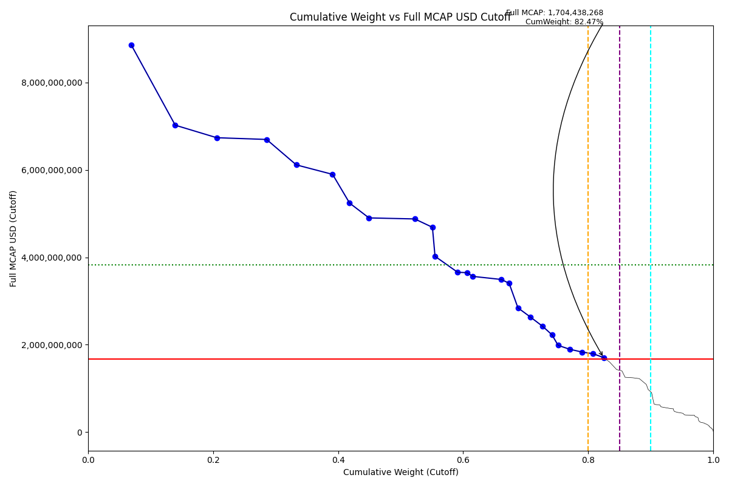
Full_MCAP_USD_Cutoff_Company | Weight_Cutoff | CumWeight_Cutoff | Size | Case
8,861,830,336.22 | 0.07 | 0.068985210237 | Standard | Below
7,023,601,744.40 | 0.07 | 0.13937703981 | Standard | Below
6,736,980,000.75 | 0.07 | 0.20574501235 | Standard | Below
6,697,393,463.51 | 0.08 | 0.28552452539 | Standard | Below
6,115,467,886.57 | 0.05 | 0.33303222702 | Standard | Below
5,897,995,699.31 | 0.06 | 0.39113511831 | Standard | Below
5,240,479,789.69 | 0.03 | 0.41832806476 | Standard | Below
4,901,560,634.41 | 0.03 | 0.44931039861 | Standard | Below
4,877,848,666.96 | 0.07 | 0.52257670053 | Standard | Below
4,686,900,587.50 | 0.03 | 0.55083587172 | Standard | Below
4,023,235,464.31 | 0.00 | 0.55498531687 | Standard | Below
3,658,257,141.76 | 0.04 | 0.59102388398 | Standard | Below
3,647,900,872.48 | 0.02 | 0.60606589496 | Standard | Below
3,562,981,826.62 | 0.01 | 0.61560735958 | Standard | Below
3,492,469,823.85 | 0.05 | 0.66113476293 | Standard | Below
3,404,781,972.77 | 0.01 | 0.6735245857 | Standard | Below
2,843,073,896.38 | 0.01 | 0.68762573497 | Standard | Below
2,637,536,663.01 | 0.02 | 0.70710779467 | Standard | Below
2,418,440,703.15 | 0.02 | 0.72731022809 | Standard | Below
2,226,771,136.43 | 0.01 | 0.74206145742 | Standard | Below
1,985,371,088.87 | 0.01 | 0.75186065247 | Standard | Below
1,894,723,502.19 | 0.02 | 0.7704575642 | Standard | Below
1,831,265,797.55 | 0.02 | 0.79032402652 | Standard | Below
1,792,739,474.72 | 0.02 | 0.80794518394 | Standard | Below
1,704,438,267.65 | 0.02 | 0.8247361069 | Standard | Below

2019-03-18_TW
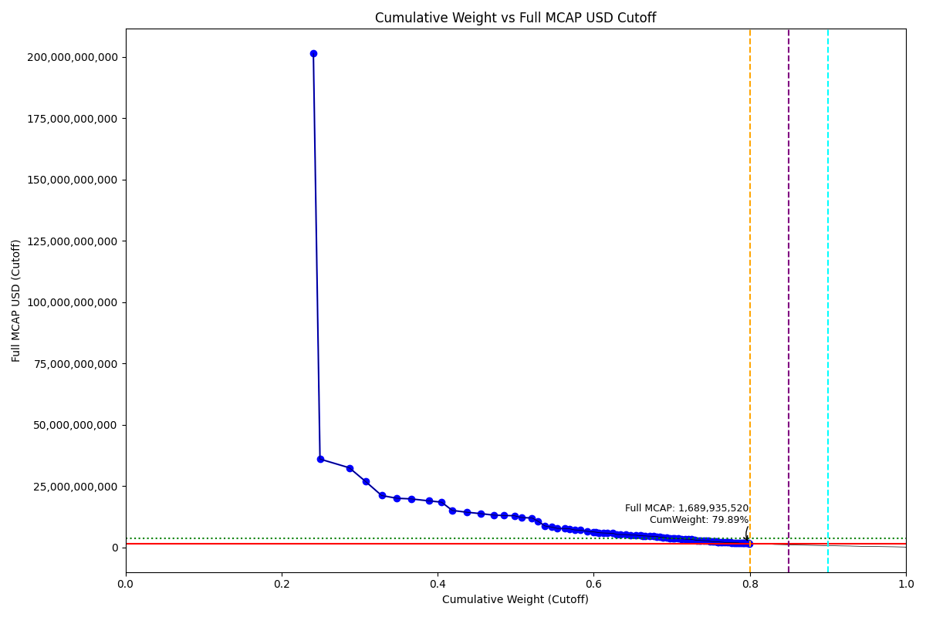
Full_MCAP_USD_Cutoff_Company | Weight_Cutoff | CumWeight_Cutoff | Size | Case
201,369,410,798.83 | 0.24 | 0.24081913959 | Standard | Below
36,059,174,030.92 | 0.01 | 0.24928997743 | Standard | Below
32,507,786,606.41 | 0.04 | 0.28684991274 | Standard | Below
26,970,169,515.87 | 0.02 | 0.30752102189 | Standard | Below
21,200,881,787.73 | 0.02 | 0.32827947311 | Standard | Below
20,091,811,459.99 | 0.02 | 0.3475464854 | Standard | Below
19,816,439,663.05 | 0.02 | 0.36624313534 | Standard | Below
19,003,191,642.92 | 0.02 | 0.38929447226 | Standard | Below
18,491,831,824.18 | 0.02 | 0.40505242305 | Standard | Below
15,129,379,380.27 | 0.01 | 0.41871808945 | Standard | Below
14,393,831,610.80 | 0.02 | 0.43710485261 | Standard | Below
13,846,652,106.19 | 0.02 | 0.45479264553 | Standard | Below
13,208,537,331.60 | 0.02 | 0.47166530697 | Standard | Below
13,068,903,310.08 | 0.01 | 0.48501239354 | Standard | Below
12,955,443,653.63 | 0.01 | 0.49846702169 | Standard | Below
12,226,598,252.91 | 0.01 | 0.50783801728 | Standard | Below
12,041,508,691.04 | 0.01 | 0.52098799706 | Standard | Below
10,758,856,470.33 | 0.01 | 0.52849190713 | Standard | Below
8,825,842,416.32 | 0.01 | 0.5373026802 | Standard | Below
8,338,901,114.88 | 0.01 | 0.54593732123 | Standard | Below
7,800,236,396.21 | 0.01 | 0.5533047522 | Standard | Below
7,762,081,263.50 | 0.01 | 0.56322007938 | Standard | Below
7,633,684,489.67 | 0.01 | 0.56896945318 | Standard | Below
7,178,432,154.80 | 0.01 | 0.57579359635 | Standard | Below
7,088,995,191.00 | 0.01 | 0.58292663195 | Standard | Below
6,625,994,353.30 | 0.01 | 0.59139071519 | Standard | Below
6,373,358,029.10 | 0.01 | 0.59953207934 | Standard | Below
6,268,044,374.18 | 0.00 | 0.60260590363 | Standard | Below
6,034,923,256.39 | 0.00 | 0.60700005964 | Standard | Below
5,936,252,639.79 | 0.01 | 0.61224598126 | Standard | Below
5,884,563,705.50 | 0.00 | 0.61715155945 | Standard | Below
5,812,061,811.36 | 0.01 | 0.62457592059 | Standard | Below
5,304,788,445.89 | 0.01 | 0.62974154532 | Standard | Below
5,302,076,008.69 | 0.00 | 0.63393600374 | Standard | Below
5,297,418,759.92 | 0.01 | 0.64070295689 | Standard | Below
5,069,822,341.76 | 0.01 | 0.64717917706 | Standard | Below
5,055,640,096.38 | 0.01 | 0.65363728075 | Standard | Below
4,850,818,000.52 | 0.01 | 0.65983374353 | Standard | Below
4,759,437,795.29 | 0.00 | 0.66281281278 | Standard | Below
4,736,527,679.35 | 0.00 | 0.66606009877 | Standard | Below
4,622,311,182.42 | 0.01 | 0.67196466562 | Standard | Below
4,607,802,712.18 | 0.00 | 0.67625676136 | Standard | Below
4,484,723,364.04 | 0.00 | 0.68100193582 | Standard | Below
4,237,787,041.50 | 0.00 | 0.68457259699 | Standard | Below
4,199,520,231.79 | 0.00 | 0.68841679142 | Standard | Below
3,936,897,503.11 | 0.01 | 0.6934458069 | Standard | Below
3,749,308,112.65 | 0.00 | 0.69702204271 | Standard | Below
3,715,023,895.88 | 0.00 | 0.70116067424 | Standard | Below
...

2019-03-18_ZA
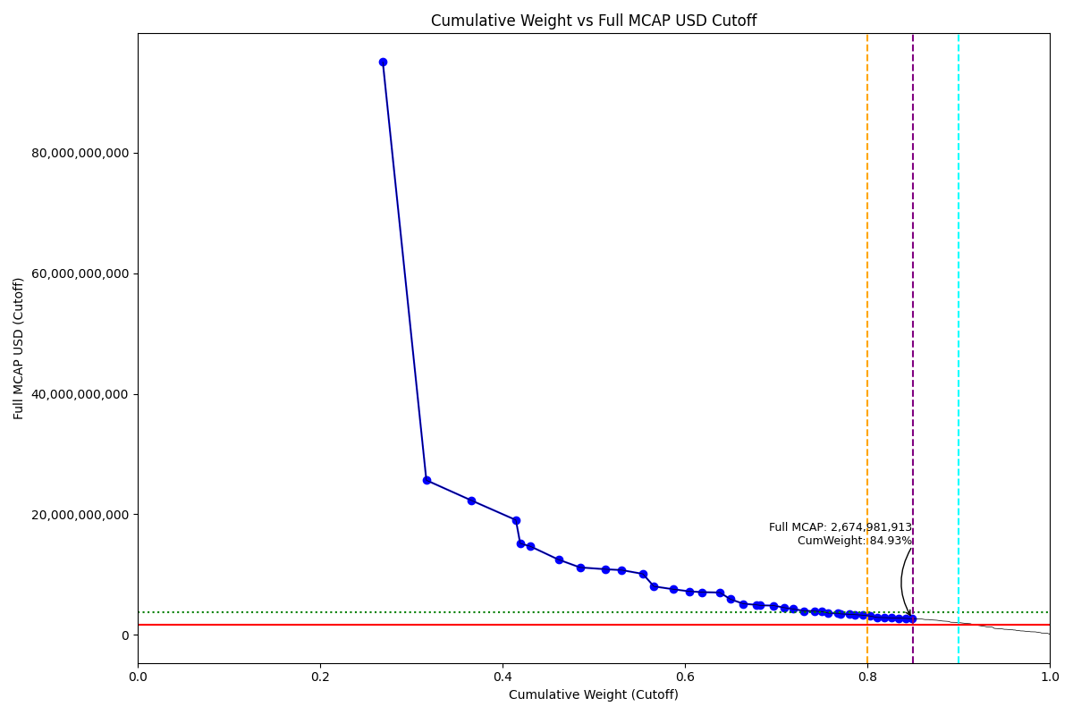
Full_MCAP_USD_Cutoff_Company | Weight_Cutoff | CumWeight_Cutoff | Size | Case
95,012,888,671.06 | 0.27 | 0.26889876806 | Standard | Inside
25,653,679,733.47 | 0.05 | 0.31663615097 | Standard | Inside
22,298,549,185.61 | 0.05 | 0.36605887518 | Standard | Inside
19,053,292,149.91 | 0.05 | 0.41478232282 | Standard | Inside
15,162,235,314.40 | 0.00 | 0.41950895881 | Standard | Inside
14,704,211,103.63 | 0.01 | 0.43046733513 | Standard | Inside
12,491,859,089.82 | 0.03 | 0.46142834942 | Standard | Inside
11,193,065,258.86 | 0.02 | 0.48504719905 | Standard | Inside
10,889,335,148.04 | 0.03 | 0.51310793088 | Standard | Inside
10,742,063,135.66 | 0.02 | 0.5309407577 | Standard | Inside
10,118,657,008.69 | 0.02 | 0.55398519957 | Standard | Inside
8,044,514,107.19 | 0.01 | 0.56603366896 | Standard | Inside
7,573,161,893.93 | 0.02 | 0.58725803049 | Standard | Inside
7,221,408,690.14 | 0.02 | 0.60494780869 | Standard | Inside
7,088,624,349.11 | 0.01 | 0.61888963732 | Standard | Inside
7,029,426,714.89 | 0.02 | 0.63836186843 | Standard | Inside
5,922,755,352.01 | 0.01 | 0.64985249978 | Standard | Inside
5,160,134,816.88 | 0.01 | 0.6642363095 | Standard | Inside
4,994,030,007.15 | 0.01 | 0.67817839982 | Standard | Inside
4,902,640,530.72 | 0.00 | 0.68284042292 | Standard | Inside
4,864,055,458.58 | 0.01 | 0.69742481667 | Standard | Inside
4,526,864,800.28 | 0.01 | 0.70865947877 | Standard | Inside
4,286,122,813.01 | 0.01 | 0.71900564777 | Standard | Inside
3,981,935,841.66 | 0.01 | 0.73046965656 | Standard | Inside
3,943,081,844.23 | 0.01 | 0.74180887057 | Standard | Inside
3,870,519,275.56 | 0.01 | 0.74988476781 | Standard | Inside
3,603,197,758.60 | 0.01 | 0.75734498108 | Standard | Inside
3,595,090,618.68 | 0.01 | 0.76778252549 | Standard | Inside
3,484,720,207.02 | 0.00 | 0.77048354543 | Standard | Inside
3,414,854,652.17 | 0.01 | 0.7801099415 | Standard | Inside
3,360,343,687.57 | 0.01 | 0.78618076714 | Standard | Inside
3,263,043,601.85 | 0.01 | 0.79550444038 | Standard | Inside
3,146,069,638.86 | 0.01 | 0.80261157558 | Standard | Inside
2,892,951,274.10 | 0.01 | 0.81074111684 | Standard | Inside
2,863,297,255.09 | 0.01 | 0.8187638465 | Standard | Inside
2,824,078,294.75 | 0.01 | 0.82664889742 | Standard | Inside
2,787,091,891.94 | 0.01 | 0.83472505597 | Standard | Inside
2,735,615,968.92 | 0.01 | 0.84225722833 | Standard | Inside
2,674,981,913.17 | 0.01 | 0.84926837921 | Standard | Inside

