2019-03-18_BR
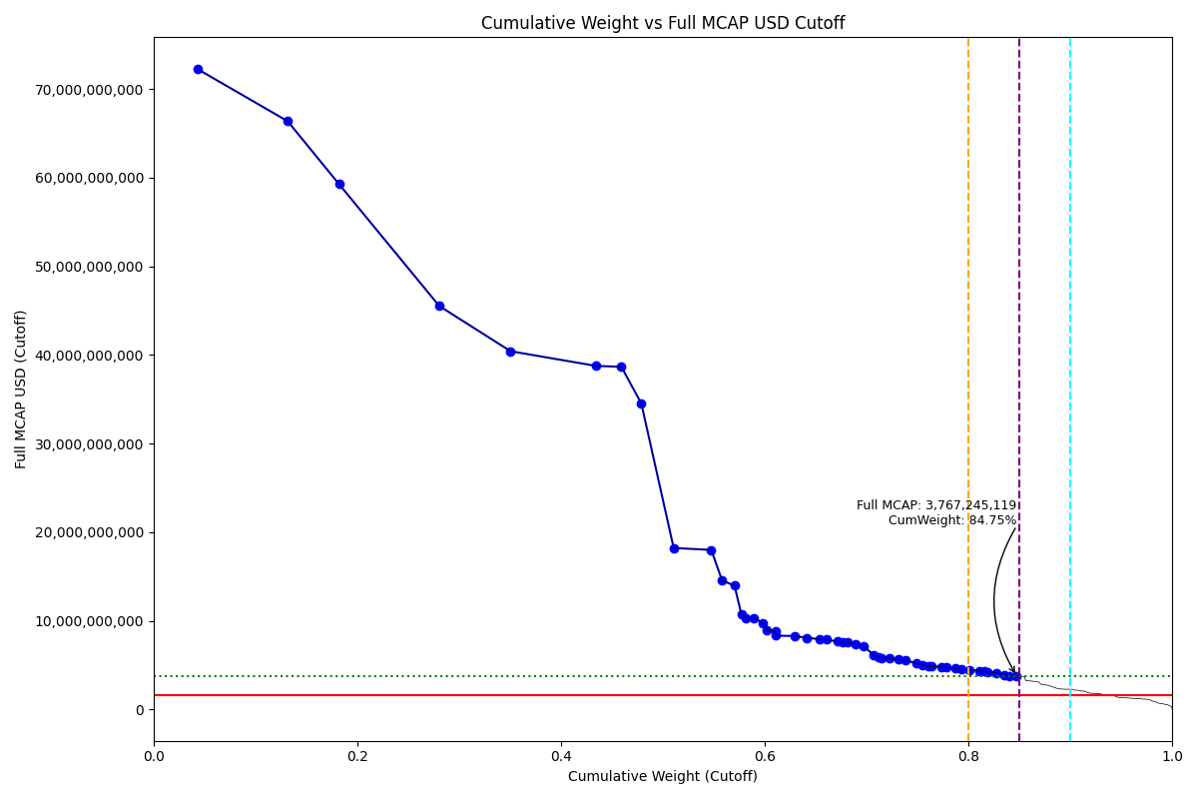
Date | Internal_Number | Instrument_Name | Country | Full_MCAP_USD_Cutoff | Weight_Cutoff | CumWeight_Cutoff | Size | Case
2019-03-18 | BR01UX | AMBEV | BR | 72,233,404,759.58 | 0.04 | 0.04 | Standard | Inside
2019-03-18 | BR0024 | Vale SA | BR | 66,368,757,057.33 | 0.09 | 0.13 | Standard | Inside
2019-03-18 | BR0013 | Petroleo Brasileiro SA | BR | 59,257,990,249.63 | 0.05 | 0.18 | Standard | Inside
2019-03-18 | BR0035 | ITAU UNIBANCO HOLDING SA -PREF | BR | 45,522,185,927.51 | 0.10 | 0.28 | Standard | Inside
2019-03-18 | BR10IL | PETROLEO BRASILEIRO S.A. -PREF | BR | 40,421,754,616.06 | 0.07 | 0.35 | Standard | Inside
2019-03-18 | BR0079 | BANCO BRADESCO SA - PREF | BR | 38,766,619,029.44 | 0.08 | 0.43 | Standard | Inside
2019-03-18 | BR0046 | Banco do Brasil SA | BR | 38,661,553,463.57 | 0.03 | 0.46 | Standard | Inside
2019-03-18 | BR10KN | BANCO BRADESCO SA | BR | 34,519,944,239.51 | 0.02 | 0.48 | Standard | Inside
2019-03-18 | BR00AC | ITAUSA - PREF | BR | 18,221,850,912.16 | 0.03 | 0.51 | Standard | Inside
2019-03-18 | BR00BD | B3 SA - Brasil Bolsa Balcao | BR | 18,003,955,082.09 | 0.04 | 0.55 | Standard | Inside
2019-03-18 | BR306B | BBSEGURIDADE ON NM | BR | 14,559,068,525.82 | 0.01 | 0.56 | Standard | Inside
2019-03-18 | BR00PR | TELEFONICA BRASIL PREF. | BR | 13,965,493,604.46 | 0.01 | 0.57 | Standard | Inside
2019-03-18 | BR00GI | Eletrobras SA | BR | 10,719,079,533.17 | 0.01 | 0.58 | Standard | Inside
2019-03-18 | BR708H | ATACADAO DISTRIBUICAO | BR | 10,319,733,026.37 | 0.00 | 0.58 | Standard | Inside
2019-03-18 | BR00SU | Weg SA | BR | 10,307,953,505.95 | 0.01 | 0.59 | Standard | Inside
2019-03-18 | BR00IK | JBS SA | BR | 9,771,928,866.92 | 0.01 | 0.60 | Standard | Inside
2019-03-18 | BR00MO | Engie Brasil Energia SA | BR | 8,955,049,939.39 | 0.00 | 0.60 | Standard | Inside
2019-03-18 | BR704D | MAGAZINE LUIZA ON | BR | 8,815,434,756.37 | 0.01 | 0.61 | Standard | Inside
2019-03-18 | BR00HJ | CPFL Energia SA | BR | 8,330,081,331.26 | 0.00 | 0.61 | Standard | Inside
2019-03-18 | BR03X2 | LOJAS RENNER | BR | 8,285,754,075.36 | 0.02 | 0.63 | Standard | Inside
2019-03-18 | BR01RU | RUMO S.A. | BR | 8,089,735,593.75 | 0.01 | 0.64 | Standard | Inside
2019-03-18 | BR05IP | ULTRAPAR PARTICIPACOES SA | BR | 7,924,185,332.76 | 0.01 | 0.65 | Standard | Inside
2019-03-18 | BR00EG | Cielo SA | BR | 7,874,637,445.64 | 0.01 | 0.66 | Standard | Inside
2019-03-18 | BR00KM | CCR - CIA DE CONCESSOES ROD. | BR | 7,664,736,284.75 | 0.01 | 0.67 | Standard | Inside
2019-03-18 | BR1025 | TIM PARTICIPACOES SA | BR | 7,630,606,175.50 | 0.01 | 0.68 | Standard | Inside
2019-03-18 | BR805F | PETROBRAS DISTRIBUIDORA ON | BR | 7,595,314,059.64 | 0.00 | 0.68 | Standard | Inside
2019-03-18 | BR709I | IRB BRASIL RESSEGUROS ON | BR | 7,404,326,278.85 | 0.01 | 0.69 | Standard | Inside
2019-03-18 | BR04U0 | CIA DE SANEAMENTO BASICO SP | BR | 7,171,838,045.24 | 0.01 | 0.70 | Standard | Inside
2019-03-18 | BR04NT | Localiza Rnt Car | BR | 6,146,274,822.48 | 0.01 | 0.71 | Standard | Inside
2019-03-18 | BR02AE | B2W DIGITAL | BR | 5,895,278,194.45 | 0.00 | 0.71 | Standard | Inside
2019-03-18 | BR808I | HAPVIDA PARTP.E INVMS.ON | BR | 5,839,394,373.33 | 0.00 | 0.71 | Standard | Inside
2019-03-18 | BR206A | RAIA DROGASIL | BR | 5,762,444,194.10 | 0.01 | 0.72 | Standard | Inside
2019-03-18 | BR03SX | Lojas Americanas | BR | 5,631,304,448.27 | 0.01 | 0.73 | Standard | Inside
2019-03-18 | BR00JL | Natura Cosmeticos SA | BR | 5,563,205,563.13 | 0.01 | 0.74 | Standard | Inside
2019-03-18 | BR15V3 | KLABIN UNITS | BR | 5,204,618,807.63 | 0.01 | 0.75 | Standard | Inside
2019-03-18 | BR027B | Braskem | BR | 5,005,199,622.31 | 0.01 | 0.76 | Standard | Inside
2019-03-18 | BR008A | Cia Siderurgica Nacional SA | BR | 4,839,374,257.76 | 0.01 | 0.76 | Standard | Inside
2019-03-18 | BR04KQ | Porto Seguro | BR | 4,830,981,959.08 | 0.00 | 0.76 | Standard | Inside
2019-03-18 | BR3038 | KROTON ON | BR | 4,809,666,367.79 | 0.01 | 0.77 | Standard | Inside
2019-03-18 | BR02KO | COSAN SA INDUSTRIA E COMERCIO | BR | 4753141292.6 | 0.0043448620838 | 0.77817571895 | Standard | Inside
2019-03-18 | BR00DF | Gerdau SA | BR | 4626614140.5 | 0.0091339596481 | 0.7873096786 | Standard | Inside
2019-03-18 | BR00RT | HYPERA | BR | 4534964208.1 | 0.0062504634571 | 0.79356014206 | Standard | Inside
2019-03-18 | BR00FH | BRF SA | BR | 4456401462.8 | 0.0075013356128 | 0.80106147767 | Standard | Inside
2019-03-18 | BR305A | EQUATORIAL ON | BR | 4353043325.4 | 0.009402483971 | 0.81046396164 | Standard | Inside
2019-03-18 | BR807H | NODM.INTMDCA.PARTP. ON | BR | 4325243701.2 | 0.0050215600784 | 0.81548552172 | Standard | Inside
2019-03-18 | BR0406 | M Dias Branco | BR | 4246720299.2 | 0.0033645934657 | 0.81885011519 | Standard | Inside
2019-03-18 | BR04DJ | CIA BRAS DE DISTRIBUICAO | BR | 4149196139.4 | 0.0084567113926 | 0.82730682658 | Standard | Inside
2019-03-18 | BR15EM | ENERGISA UNITS | BR | 3899848611.1 | 0.0084235927176 | 0.8357304193 | Standard | Inside
2019-03-18 | BR046C | MULTIPLAN | BR | 3793284627.4 | 0.0040696700781 | 0.83980008937 | Standard | Inside
2019-03-18 | BR02Y2 | Embraer | BR | 3767245119.4 | 0.0077002057741 | 0.84750029515 | Standard | Inside

2019-03-18_CL
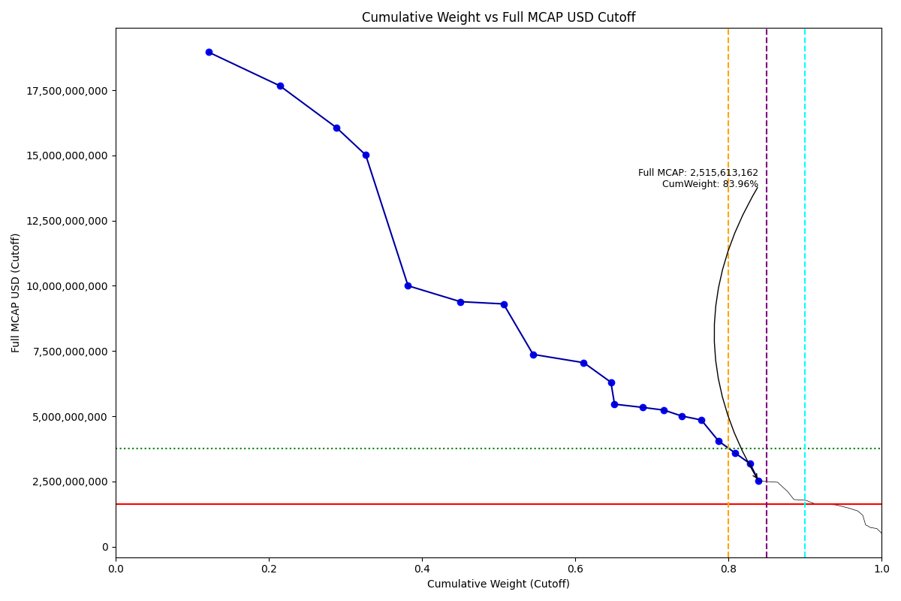
Date | Internal_Number | Instrument_Name | Country | Full_MCAP_USD_Cutoff | Weight_Cutoff | CumWeight_Cutoff | Size | Case
2019-03-18 | CL001Y | SACI Falabella | CL | 18,960,257,067.02 | 0.12 | 0.12 | Standard | Inside
2019-03-18 | CL002Z | Empresas COPEC SA | CL | 17,666,683,248.61 | 0.09 | 0.21 | Standard | Inside
2019-03-18 | CL00DA | Banco de Chile | CL | 16,057,735,941.17 | 0.07 | 0.29 | Standard | Inside
2019-03-18 | CL0085 | Banco Santander Chile | CL | 15,015,162,263.44 | 0.04 | 0.33 | Standard | Inside
2019-03-18 | CL0030 | ENEL AMERICAS | CL | 10,001,965,315.71 | 0.06 | 0.38 | Standard | Inside
2019-03-18 | CL0063 | Empresas CMPC SA | CL | 9,391,730,190.00 | 0.07 | 0.45 | Standard | Inside
2019-03-18 | CL00A7 | Banco de Credito e Inversiones | CL | 9,305,566,069.08 | 0.06 | 0.51 | Standard | Inside
2019-03-18 | CL6025 | Enel Chile SA | CL | 7,369,722,588.54 | 0.04 | 0.55 | Standard | Inside
2019-03-18 | CL0074 | LATAM AIRLINES GROUP | CL | 7,051,769,159.83 | 0.07 | 0.61 | Standard | Inside
2019-03-18 | CL00NK | Sociedad Matriz Banco de Chile | CL | 6,302,525,375.80 | 0.04 | 0.65 | Standard | Inside
2019-03-18 | CL0041 | Enel Generacion Chile SA | CL | 5,460,894,051.96 | 0.00 | 0.65 | Standard | Inside
2019-03-18 | CL0052 | Cencosud SA | CL | 5,338,597,015.10 | 0.04 | 0.69 | Standard | Inside
2019-03-18 | CL00GD | Cia Cervecerias Unidas SA | CL | 5,233,620,505.01 | 0.03 | 0.72 | Standard | Inside
2019-03-18 | CL00B8 | Sociedad Quimica y Minera de C | CL | 5,009,338,885.79 | 0.02 | 0.74 | Standard | Inside
2019-03-18 | CL00KH | ITAU CORPBANCA | CL | 4,855,478,694.91 | 0.03 | 0.76 | Standard | Inside
2019-03-18 | CL00C9 | Colbun SA | CL | 4,048,751,978.25 | 0.02 | 0.79 | Standard | Inside
2019-03-18 | CL00WT | AGUAS ANDINAS A | CL | 3,588,225,237.84 | 0.02 | 0.81 | Standard | Inside
2019-03-18 | CL00FC | ENTEL Chile SA | CL | 3,182,373,389.04 | 0.02 | 0.83 | Standard | Inside
2019-03-18 | CL00EB | AES Gener SA | CL | 2,515,613,161.88 | 0.01 | 0.84 | Standard | Inside

2019-03-18_CN
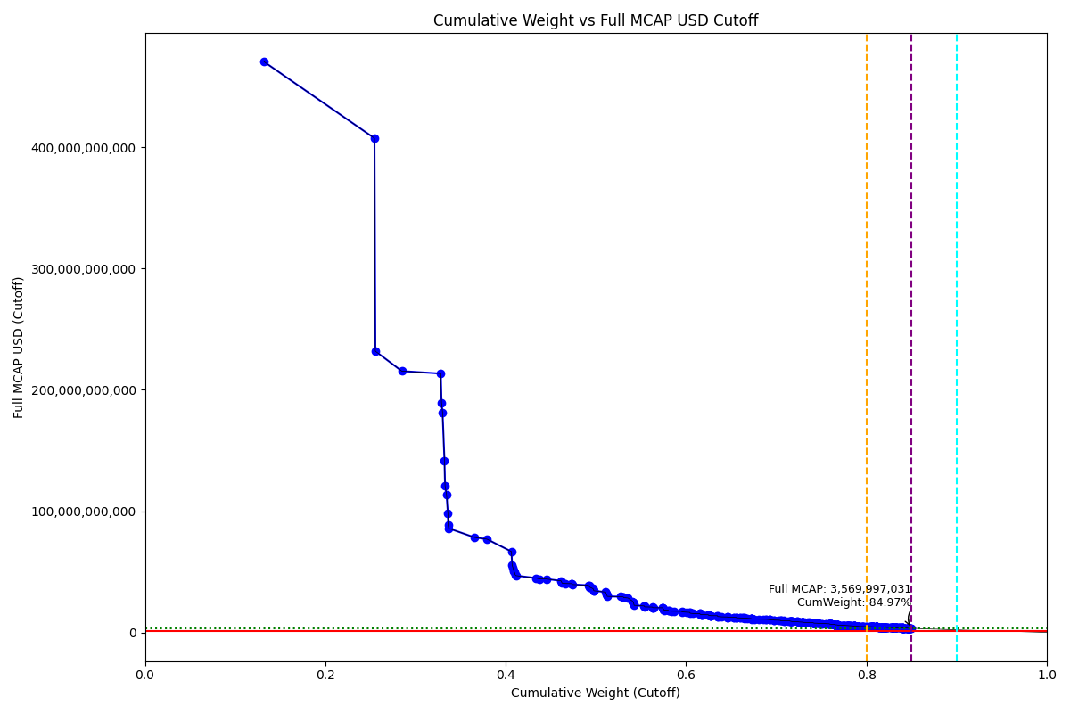
Date | Internal_Number | Instrument_Name | Country | Full_MCAP_USD_Cutoff | Weight_Cutoff | CumWeight_Cutoff | Size | Case
2019-03-18 | CN72PX | ALIBABA GROUP ADR | CN | 470,291,470,485.60 | 0.13 | 0.13 | Standard | Inside
2019-03-18 | CN89O4 | TENCENT HOLDINGS | CN | 407,322,362,711.97 | 0.12 | 0.25 | Standard | Inside
2019-03-18 | CN2067 | INDSTRL & COML.BK.OF CHINA 'A' | CN | 231,862,016,935.11 | 0.00 | 0.26 | Standard | Inside
2019-03-18 | 607355 | China Mobile Ltd. | CN | 215,453,840,667.61 | 0.03 | 0.28 | Standard | Inside
2019-03-18 | CN0010 | CHINA CONSTRUCTION BANK CORP H | CN | 213,406,038,603.36 | 0.04 | 0.33 | Standard | Inside
2019-03-18 | CN038A | PETROCHINA 'A' | CN | 189,622,572,684.27 | 0.00 | 0.33 | Standard | Inside
2019-03-18 | CN2045 | AGRICULTURAL BANK OF CHINA 'A' | CN | 181,438,123,096.99 | 0.00 | 0.33 | Standard | Inside
2019-03-18 | CN10RR | Moutai 'A' | CN | 141,851,174,699.56 | 0.00 | 0.33 | Standard | Inside
2019-03-18 | CN20DE | BANK OF CHINA 'A' | CN | 121,046,707,880.72 | 0.00 | 0.33 | Standard | Inside
2019-03-18 | CN2034 | PING AN INSUR GP CO. OF CN 'A' | CN | 113,427,294,853.42 | 0.00 | 0.33 | Standard | Inside
2019-03-18 | CN2023 | CHINA MERCHANTS BANK 'A' | CN | 97,927,830,377.70 | 0.00 | 0.34 | Standard | Inside
2019-03-18 | CN20CD | CHINA LIFE INSURANCE 'A' | CN | 88,387,112,926.41 | 0.00 | 0.34 | Standard | Inside
2019-03-18 | CN20AB | CHINA PTL.& CHM.'A' | CN | 85,893,972,191.68 | 0.00 | 0.34 | Standard | Inside
2019-03-18 | CN0076 | PING AN INSUR GP CO. OF CN 'H' | CN | 78,414,773,923.45 | 0.03 | 0.37 | Standard | Inside
2019-03-18 | 617994 | CNOOC Ltd. | CN | 77,011,471,540.51 | 0.01 | 0.38 | Standard | Inside
2019-03-18 | CN0021 | ICBC H | CN | 66,783,150,823.51 | 0.03 | 0.41 | Standard | Inside
2019-03-18 | CN01CC | Ind Bank 'A' | CN | 55,491,667,313.98 | 0.00 | 0.41 | Standard | Inside
2019-03-18 | CN04RU | CHINA YANGTZE PWR. 'A' | CN | 53,633,049,314.68 | 0.00 | 0.41 | Standard | Inside
2019-03-18 | CN0Q9Y | Pudong Dev 'A' | CN | 51,538,193,238.82 | 0.00 | 0.41 | Standard | Inside
2019-03-18 | CN2089 | CHINA SHENHUA EN.'A' | CN | 50,413,986,382.77 | 0.00 | 0.41 | Standard | Inside
2019-03-18 | CN0SE5 | SAIC Motor 'A' | CN | 49,486,527,491.92 | 0.00 | 0.41 | Standard | Inside
2019-03-18 | CN0O5S | HIK Vision Digi 'A' | CN | 47,611,794,492.42 | 0.00 | 0.41 | Standard | Inside
2019-03-18 | CN40AD | MIDEA GROUP 'A' | CN | 46,934,972,427.23 | 0.00 | 0.41 | Standard | Inside
2019-03-18 | KY00GY | Baidu Inc/China ADR | CN | 44,950,115,170.80 | 0.02 | 0.43 | Standard | Inside
2019-03-18 | 619615 | CITIC LTD. | CN | 44,247,833,246.78 | 0.00 | 0.44 | Standard | Inside
2019-03-18 | 653611 | BOC Hong Kong (Holdings) Ltd. | CN | 44,177,698,804.79 | 0.01 | 0.44 | Standard | Inside
2019-03-18 | CN90QY | MEITUAN DIANPING | CN | 42,613,222,636.63 | 0.02 | 0.46 | Standard | Inside
2019-03-18 | CN0EGT | Wuliangye 'A' | CN | 41,508,775,401.56 | 0.00 | 0.46 | Standard | Inside
2019-03-18 | CN06IN | CHINA VANKE 'A' | CN | 40,707,912,321.47 | 0.00 | 0.46 | Standard | Inside
2019-03-18 | CN8D4O | CHINA EVERGRANDE | CN | 40,437,851,687.39 | 0.00 | 0.47 | Standard | Inside
2019-03-18 | 619215 | China Overseas Land & Investme | CN | 40,336,470,575.00 | 0.01 | 0.47 | Standard | Inside
2019-03-18 | CN0BHR | GREE ELECT.APP. 'A' | CN | 40,307,755,688.22 | 0.00 | 0.47 | Standard | Inside
2019-03-18 | CN0W4Z | Hengrui Medi 'A' | CN | 39,595,331,065.22 | 0.00 | 0.47 | Standard | Inside
2019-03-18 | CN0032 | BANK OF CHINA 'H' | CN | 38,989,091,096.40 | 0.02 | 0.49 | Standard | Inside
2019-03-18 | CN06AF | China State Con 'A' | CN | 38,618,311,578.32 | 0.00 | 0.49 | Standard | Inside
2019-03-18 | CN2056 | BANK OF COMMS.'A' | CN | 37,570,882,772.74 | 0.00 | 0.49 | Standard | Inside
2019-03-18 | 626383 | China Unicom (Hong Kong) Ltd. | CN | 36,289,795,930.66 | 0.00 | 0.50 | Standard | Inside
2019-03-18 | CN0QK9 | CHINA MINSHENG BANKING 'A' | CN | 35,988,122,967.63 | 0.00 | 0.50 | Standard | Inside
2019-03-18 | CN0QVK | CITIC Securities 'A' | CN | 34,594,518,130.99 | 0.00 | 0.50 | Standard | Inside
2019-03-18 | CN04UX | CRRC 'A' | CN | 34420418205 | 0.0005146390982 | 0.49812732212 | Standard | Inside
2019-03-18 | CN86ZC | JD.COM 'A' ADR | CN | 33362534082 | 0.012676725407 | 0.51080404753 | Standard | Inside
2019-03-18 | CN2078 | CHINA PAC.IN.(GROUP) 'A' | CN | 31987422744 | 0.00047826164984 | 0.51128230918 | Standard | Inside
2019-03-18 | CN06HM | PING AN BANK 'A' | CN | 31741056279 | 0.00047457848293 | 0.51175688766 | Standard | Inside
2019-03-18 | CN40MP | FOSHAN HAI TIAN FLFD.'A' | CN | 30978624236 | 0.00041747836994 | 0.51217436603 | Standard | Inside
2019-03-18 | CN0R4U | CHINA UTD.NET.COMMS.'A' | CN | 29839004106 | 0.00044613930339 | 0.51262050534 | Standard | Inside
2019-03-18 | KY00HZ | Netease.com ADR | CN | 29599152362 | 0.014751780419 | 0.52737228575 | Standard | Inside
2019-03-18 | CN0054 | Bank of Communications Co 'H' | CN | 29392780422 | 0.0030455120672 | 0.53041779782 | Standard | Inside
2019-03-18 | CN0649 | Everbright Bank 'A' | CN | 28861717150 | 0.00043152769085 | 0.53084932551 | Standard | Inside
2019-03-18 | CN8BP7 | COUNTRY GARDEN HOLDINGS | CN | 28510167715 | 0.0047969741162 | 0.53564629963 | Standard | Inside
2019-03-18 | 619376 | China Resources Land Ltd. | CN | 25870199217 | 0.0049935848658 | 0.54063988449 | Standard | Inside
2019-03-18 | CN0NWI | Yanghe Brewery 'A' | CN | 25029407053 | 0.00035501820354 | 0.5409949027 | Standard | Inside
2019-03-18 | CN0QNC | Baosteel 'A' | CN | 24978529190 | 0.00037346802426 | 0.54136837072 | Standard | Inside
2019-03-18 | CN00WV | Yili Company 'A' | CN | 24580952370 | 0.00036752326869 | 0.54173589399 | Standard | Inside
2019-03-18 | CN0R3T | POLY DEV. & HOLDINGS 'A' | CN | 23495764422 | 0.00035129805813 | 0.54208719205 | Standard | Inside
2019-03-18 | CN02NO | Huatai Security 'A' | CN | 22480977786 | 0.00033612590856 | 0.54242331796 | Standard | Inside
2019-03-18 | CN0098 | China Petroleum & Chemical 'H' | CN | 22036302668 | 0.010982567819 | 0.55340588578 | Standard | Inside
2019-03-18 | CN536D | GUOTAI JUNAN SECS.'A' | CN | 21945984210 | 0.00032812680975 | 0.55373401259 | Standard | Inside
2019-03-18 | CN1257 | ANHUI CONCH CMT. 'A' | CN | 21206360593 | 0.00031706801621 | 0.5540510806 | Standard | Inside
2019-03-18 | CN00BA | China Merchants Bank Co Ltd'H' | CN | 21054284371 | 0.0086494989309 | 0.56270057953 | Standard | Inside
2019-03-18 | CN0QMB | SH Intl Port 'A' | CN | 20691474531 | 0.00029379814882 | 0.56299437768 | Standard | Inside
2019-03-18 | CN0CGR | BOE Tech 'A' | CN | 20612604845 | 0.00030819019277 | 0.56330256788 | Standard | Inside
2019-03-18 | CN0616 | CHINA RAILWAY GROUP 'A' | CN | 20515115319 | 0.0003067328476 | 0.56360930072 | Standard | Inside
2019-03-18 | CN0043 | China Life Insurance Co 'H' | CN | 20475537412 | 0.010204705465 | 0.57381400619 | Standard | Inside
2019-03-18 | CN0313 | BOB 'A' | CN | 20301284580 | 0.00017169605138 | 0.57398570224 | Standard | Inside
2019-03-18 | CN71FM | BANK OF SHAI. 'A' | CN | 20103512138 | 0.00023541820525 | 0.57422112044 | Standard | Inside
2019-03-18 | CN04IL | Daqin Railway 'A' | CN | 19855961114 | 0.0002968776029 | 0.57451799805 | Standard | Inside
2019-03-18 | CN0537 | CHINA RAILWAY CON.'A' | CN | 19613154262 | 0.00029324702698 | 0.57481124507 | Standard | Inside
2019-03-18 | CN8GK7 | CSC FINANCIAL 'A' | CN | 19214791153 | 0.00013311151726 | 0.57494435659 | Standard | Inside
2019-03-18 | CN0WWR | WANHUA CHEMICAL GP.'A' | CN | 19192053448 | 0.00028695125396 | 0.57523130785 | Standard | Inside
2019-03-18 | CN71DK | SHENWAN HONGYUAN GROUP 'A' | CN | 18537905306 | 0.00027717073996 | 0.57550847859 | Standard | Inside
2019-03-18 | CN8DTD | SUNAC CHINA HOLDINGS | CN | 18434436905 | 0.0048096306586 | 0.58031810924 | Standard | Inside
2019-03-18 | CN0346 | CHINA SHIPBUILDING IND. 'A' | CN | 17828385787 | 0.00026656206895 | 0.58058467131 | Standard | Inside
2019-03-18 | CN8GWJ | PINDUODUO ADR | CN | 17639882135 | 0.0036044972681 | 0.58418916858 | Standard | Inside
2019-03-18 | CN8D8S | LONGFOR GROUP HOLDINGS | CN | 17603384057 | 0.0023328116018 | 0.58652198018 | Standard | Inside
2019-03-18 | KY001J | Ctrip.com International ADR | CN | 17516993692 | 0.0087302109667 | 0.59525219115 | Standard | Inside
2019-03-18 | CN0HN3 | SUNING.COM 'A' | CN | 17043357548 | 0.00025482466962 | 0.59550701582 | Standard | Inside
2019-03-18 | CN88T8 | GEELY AUTOMOBILE HDG. | CN | 16859933302 | 0.0051903735923 | 0.60069738941 | Standard | Inside
2019-03-18 | CN88N2 | CHINA GAS HOLDINGS | CN | 16668380055 | 0.003343677971 | 0.60404106738 | Standard | Inside
2019-03-18 | CN0QF4 | SH Airport 'A' | CN | 16502353951 | 0.0002451732245 | 0.60428624061 | Standard | Inside
2019-03-18 | CN0QJ8 | Hua Xia Bank 'A' | CN | 15956019566 | 0.00023856721042 | 0.60452480782 | Standard | Inside
2019-03-18 | CN8BWE | ANTA SPORTS PRODUCTS | CN | 15733462313 | 0.0030228308901 | 0.60754763871 | Standard | Inside
2019-03-18 | CN876K | ZTO EXPRESS (CAYMAN) 'A' ADR | CN | 15648817517 | 0.0073740864444 | 0.61492172515 | Standard | Inside
2019-03-18 | CN20EF | NEW CHINA LIFE IN.'A' | CN | 15645062196 | 0.00023391793381 | 0.61515564309 | Standard | Inside
2019-03-18 | CN03TV | Haitong Sec 'A' | CN | 15382632665 | 0.00022999430853 | 0.61538563739 | Standard | Inside
2019-03-18 | CN20BC | ZTE 'A' | CN | 15319315291 | 0.00022904742601 | 0.61561468482 | Standard | Inside
2019-03-18 | CN0K2L | Bank of Ningbo 'A' | CN | 15034765477 | 8.6410462026E-05 | 0.61570109528 | Standard | Inside
2019-03-18 | CN14CG | Qingdao Haier 'A' | CN | 15028799562 | 0.00022470403721 | 0.61592579932 | Standard | Inside
2019-03-18 | CN01UU | China Mer Sec 'A' | CN | 15011360008 | 0.00022444305461 | 0.61615024237 | Standard | Inside
2019-03-18 | CN90OW | HAIDILAO INTERNATIONAL HOLDING | CN | 14820076111 | 0.0011086546715 | 0.61725889705 | Standard | Inside
2019-03-18 | CN6016 | FOCUS MEDIA INFO TECH 'A' | CN | 14796038132 | 0.00022122359369 | 0.61748012064 | Standard | Inside
2019-03-18 | CN20JK | BYD 'A' | CN | 14781905082 | 0.00022101255625 | 0.6177011332 | Standard | Inside
2019-03-18 | CN0087 | AGRICULTURAL BANK OF CHINA 'H' | CN | 14723637632 | 0.0067532014865 | 0.62445433468 | Standard | Inside
2019-03-18 | CN02WX | AIR CHINA LIMITED 'A' | CN | 14720800701 | 0.00012196776971 | 0.62457630245 | Standard | Inside
2019-03-18 | CN0D6I | GF Securities 'A' | CN | 14598646249 | 0.00021827248544 | 0.62479457494 | Standard | Inside
2019-03-18 | CN1FWB | CHINA FORTUNE LAND A | CN | 14202859890 | 0.00021235472993 | 0.62500692967 | Standard | Inside
2019-03-18 | CN8C0J | FOSUN INTERNATIONAL | CN | 14067362054 | 0.0020331799955 | 0.62704010966 | Standard | Inside
2019-03-18 | CN84KV | WUXI APPTEC 'A' | CN | 14007059287 | 0.00016765559378 | 0.62720776526 | Standard | Inside
2019-03-18 | CN40KN | MUYUAN FOODSTUFF 'A' | CN | 13968768196 | 0.00020885478116 | 0.62741662004 | Standard | Inside
2019-03-18 | CN52TZ | GUOSEN SECURITIES 'A' | CN | 13956557808 | 0.00020867236227 | 0.6276252924 | Standard | Inside
2019-03-18 | CN0065 | PetroChina Co Ltd 'H' | CN | 13949775278 | 0.0069523619895 | 0.63457765439 | Standard | Inside
2019-03-18 | CN537E | CHINA NAT.NRR.'A' | CN | 13944731272 | 0.00020571550468 | 0.63478336989 | Standard | Inside
2019-03-18 | CN40WZ | SHAANXI COAL IND.'A' | CN | 13355915515 | 0.00019969163443 | 0.63498306153 | Standard | Inside
2019-03-18 | CN09LT | YUNNAN BAIYAO GROUP 'A' | CN | 13251567988 | 0.00019813163305 | 0.63518119316 | Standard | Inside
2019-03-18 | CN8BR9 | SUNNY OPTICAL TECH.(GP.) | CN | 12994829224 | 0.0041792409103 | 0.63936043407 | Standard | Inside
2019-03-18 | KY00I0 | New Oriental Educ & Tech ADR | CN | 12922061808 | 0.006440164773 | 0.64580059884 | Standard | Inside
2019-03-18 | CN20HI | POWER CONSTRUCTION CORP. 'A' | CN | 12882336465 | 0.00019261095672 | 0.6459932098 | Standard | Inside
2019-03-18 | CN0YYV | NARI TECH.DEV. 'A' | CN | 12668843105 | 0.00018941896721 | 0.64618262877 | Standard | Inside
2019-03-18 | CN1F8N | GREENLAND HOLDINGS GROUP 'A' | CN | 12666486225 | 0.00015466334709 | 0.64633729212 | Standard | Inside
2019-03-18 | CN86N0 | TAL EDUCATION GROUP CL.A ADR | CN | 12660043520 | 0.0063095787278 | 0.65264687084 | Standard | Inside
2019-03-18 | CN52BH | CHINA MOLY.LUOYANG 'A' | CN | 12576557836 | 0.00018803904591 | 0.65283490989 | Standard | Inside
2019-03-18 | 691316 | Guangdong Investment Ltd. | CN | 12542903088 | 0.0027198961047 | 0.65555480599 | Standard | Inside
2019-03-18 | CN1AS2 | YONGHUI SUPERSTORES A | CN | 12381441781 | 6.1768998948E-05 | 0.65561657499 | Standard | Inside
2019-03-18 | CN7208 | BANK OF JIANGSU 'A' | CN | 12258964860 | 0.00018329048969 | 0.65579986548 | Standard | Inside
2019-03-18 | B01B1L | China Mengniu Dairy Co. Ltd. | CN | 12118355529 | 0.003684161754 | 0.65948402724 | Standard | Inside
2019-03-18 | CN0QWL | Sany 'A' | CN | 12112435913 | 0.00018109992509 | 0.65966512716 | Standard | Inside
2019-03-18 | 697245 | CHINA RESOURCES BEER (HLDG) | CN | 12088444991 | 0.002897279414 | 0.66256240658 | Standard | Inside
2019-03-18 | CN0QG5 | Baotou Steel 'A' | CN | 12067512042 | 0.0001804279841 | 0.66274283456 | Standard | Inside
2019-03-18 | CN882H | ALIBABA HLTH.INFO.TECH. | CN | 11975297899 | 0.0022237929105 | 0.66496662747 | Standard | Inside
2019-03-18 | CN1AKU | HENAN SHUANGHUI INV. & DEV. A | CN | 11917773948 | 9.5126300469E-05 | 0.66506175377 | Standard | Inside
2019-03-18 | CN70LR | POSTAL SAVINGS BOC.'H' | CN | 11888671158 | 0.0031699489018 | 0.66823170267 | Standard | Inside
2019-03-18 | CN89HX | ENN ENERGY HOLDINGS | CN | 11612883199 | 0.0038893273362 | 0.67212103001 | Standard | Inside
2019-03-18 | CN70PV | XINCHENG HLDG.GP.'A' | CN | 11426388819 | 0.0001708422369 | 0.67229187225 | Standard | Inside
2019-03-18 | CN0QH6 | HUANENG POWER INTL.'A' | CN | 11332968628 | 0.00016944546285 | 0.67246131771 | Standard | Inside
2019-03-18 | CN27DL | LONGI GREEN ENERGY TECH.'A' | CN | 11314684024 | 0.00016917214405 | 0.67263048985 | Standard | Inside
2019-03-18 | CN60UZ | HENGLI PETRO 'A' . 'A' | CN | 11282705553 | 0.00014738233756 | 0.67277787219 | Standard | Inside
2019-03-18 | CN0A7G | LUZHOU LAO JIAO 'A' | CN | 11225238217 | 0.00016783482387 | 0.67294570701 | Standard | Inside
2019-03-18 | CN0LYI | IFLYTEK 'A' | CN | 11175934549 | 0.00016709773229 | 0.67311280475 | Standard | Inside
2019-03-18 | 626404 | China Taiping Insurance Holdin | CN | 11125681584 | 0.0022379117108 | 0.67535071646 | Standard | Inside
2019-03-18 | CN8GNA | CHINA TOWER 'H' | CN | 11056905741 | 0.0051821668614 | 0.68053288332 | Standard | Inside
2019-03-18 | CN86W9 | AUTOHOME CL.A ADR | CN | 11017111050 | 0.0054907654474 | 0.68602364877 | Standard | Inside
2019-03-18 | CN8B2K | SINO BIOPHM. | CN | 10963729476 | 0.0028031145207 | 0.68882676329 | Standard | Inside
2019-03-18 | CN52Y4 | ORIENT SECS.'A' | CN | 10949440541 | 0.00016371111913 | 0.68899047441 | Standard | Inside
2019-03-18 | 650882 | Lenovo Group Ltd. | CN | 10821206791 | 0.003137722835 | 0.69212819724 | Standard | Inside
2019-03-18 | CN0QUJ | CHINA SOUTHERN AIRLINES 'A' | CN | 10740973498 | 0.00016059431692 | 0.69228879156 | Standard | Inside
2019-03-18 | CN1066 | RONGSHENG PETRO 'A' | CN | 10547631304 | 0.00015328781197 | 0.69244207937 | Standard | Inside
2019-03-18 | CN00CB | CHINA PAC.IN.(GROUP) 'H' | CN | 10447381666 | 0.0049459590175 | 0.69738803839 | Standard | Inside
2019-03-18 | CN209A | CHINA CON.BANK 'A' | CN | 10302221028 | 0.00015403426004 | 0.69754207265 | Standard | Inside
2019-03-18 | CN86KX | HUAZHU GROUP ADR | CN | 10220722243 | 0.0048142042763 | 0.70235627692 | Standard | Inside
2019-03-18 | CN8CGZ | WANT WANT CHINA HOLDINGS | CN | 10038947045 | 0.0024721122251 | 0.70482838915 | Standard | Inside
2019-03-18 | CN20MN | SHANGHAI ELECTRIC GP.'A' | CN | 9807947135.3 | 0.00012850909568 | 0.70495689824 | Standard | Inside
2019-03-18 | CN03JL | Huayu Automotive 'A' | CN | 9784221051 | 0.00014628940469 | 0.70510318765 | Standard | Inside
2019-03-18 | CN88YD | HENGAN INTL.GP. | CN | 9748634920.5 | 0.0029404099999 | 0.70804359765 | Standard | Inside
2019-03-18 | CN40NQ | ZHEJIANG ZHENENG E 'A' | CN | 9723240823.5 | 0.00014537759019 | 0.70818897524 | Standard | Inside
2019-03-18 | CN8EF0 | SUN ART RETAIL GROUP | CN | 9697903209.7 | 0.0011106904423 | 0.70929966568 | Standard | Inside
2019-03-18 | CN00DC | CHINA CITIC BANK 'H' | CN | 9668882269.9 | 0.0040425149216 | 0.7133421806 | Standard | Inside
2019-03-18 | HK00UV | CHINA RESOURCES GAS GP. | CN | 9661214292.1 | 0.001735809853 | 0.71507799046 | Standard | Inside
2019-03-18 | CN0ZEC | Pientzehuang 'A' | CN | 9558437188.4 | 0.00014291356687 | 0.71522090402 | Standard | Inside
2019-03-18 | CN03LN | Bank of Nanjing 'A' | CN | 9438523310.1 | 7.116161952E-05 | 0.71529206564 | Standard | Inside
2019-03-18 | HK2069 | CHOW TAI FOOK JEWELLERY GP. | CN | 9426961686 | 0.00051680843364 | 0.71580887408 | Standard | Inside
2019-03-18 | CN813B | HUANENG LANCANG RIVER HYDROP A | CN | 9422426399.4 | 4.6959981678E-05 | 0.71585583406 | Standard | Inside
2019-03-18 | CN90NV | DALI FOODS GROUP CO. | CN | 9333141963.9 | 0.00069772501855 | 0.71655355908 | Standard | Inside
2019-03-18 | CN065A | METALLURG.CORP.OF CHINA 'A' | CN | 9291875647.3 | 0.00013892794227 | 0.71669248702 | Standard | Inside
2019-03-18 | CN04JM | ZIJIN MINING GROUP 'A' | CN | 9259929691 | 0.00013845049168 | 0.71683093751 | Standard | Inside
2019-03-18 | CN20FG | FOUNDER SECURITIES 'A' | CN | 9160218875.1 | 0.00013695948335 | 0.71696789699 | Standard | Inside
2019-03-18 | 671156 | China Resources Power Holdings | CN | 9113327354.1 | 0.0016832458429 | 0.71865114284 | Standard | Inside
2019-03-18 | CN86V8 | 58 COM CL.A ADR | CN | 9084325711.3 | 0.0042694266325 | 0.72292056947 | Standard | Inside
2019-03-18 | CN11CD | SHANDONG GOLD-MINING 'A' | CN | 9054813151.5 | 0.00013538346098 | 0.72305595293 | Standard | Inside
2019-03-18 | 634007 | Kunlun Energy Co. Ltd. | CN | 8864402299.2 | 0.0018427007499 | 0.72489865368 | Standard | Inside
2019-03-18 | CN14MQ | Sanan Optoelec 'A' | CN | 8783693419.3 | 0.00013132990029 | 0.72502998358 | Standard | Inside
2019-03-18 | CN86XA | WEIBO CLASS 'A' ADR | CN | 8769330022.5 | 0.00038110799924 | 0.72541109158 | Standard | Inside
2019-03-18 | CN87AO | IQIYI ADS | CN | 8712888889.6 | 0.0030561636315 | 0.72846725521 | Standard | Inside
2019-03-18 | CN128A | UFIDA NETWORK TECHNOLOGY 'A' | CN | 8674932980.7 | 0.00012970369875 | 0.72859695891 | Standard | Inside
2019-03-18 | CN0UG9 | Fosun Pharm 'A' | CN | 8656975981 | 0.0001294351726 | 0.72872639408 | Standard | Inside
2019-03-18 | CN083A | WEICHAI POWER 'A' | CN | 8656388908.6 | 0.000129426524 | 0.72885582061 | Standard | Inside
2019-03-18 | CN608D | UNISPLENDOUR 'A' | CN | 8616312446 | 0.00012882729785 | 0.7289846479 | Standard | Inside
2019-03-18 | CN0SNE | CHINA EASTERN AIRL. 'A' | CN | 8567162683.5 | 0.0001280925078 | 0.72911274041 | Standard | Inside
2019-03-18 | CN0133 | AECC AVIATION POWER 'A' | CN | 8493057174.7 | 0.00012698445454 | 0.72923972487 | Standard | Inside
2019-03-18 | CN07MS | Chinese Town 'A' | CN | 8492644603.1 | 0.00012697832515 | 0.72936670319 | Standard | Inside
2019-03-18 | CN70TZ | CHINA RES.PHARM.GP. | CN | 8422227274.9 | 0.0012399455455 | 0.73060664874 | Standard | Inside
2019-03-18 | CN00A9 | CHINA SHENHUA EN. 'H' | CN | 8381914174.9 | 0.0041774222413 | 0.73478407098 | Standard | Inside
2019-03-18 | CN90RZ | HAIER ELECTRONICS GP. | CN | 8356365089.4 | 0.0017908162504 | 0.73657488723 | Standard | Inside
2019-03-18 | CN0P1P | PICC P&C 'H' | CN | 8261759241.3 | 0.0041175387968 | 0.74069242603 | Standard | Inside
2019-03-18 | CN04X0 | Huajing 'A' | CN | 8200662042.8 | 0.00012261271299 | 0.74081503874 | Standard | Inside
2019-03-18 | CN0RE4 | SDIC CAPITAL 'A' | CN | 8124018582.9 | 0.00012146678491 | 0.74093650552 | Standard | Inside
2019-03-18 | CN1I5N | MEINIAN ONEHEALTH HLTHCR'A' | CN | 8076830375.6 | 0.00012076121479 | 0.74105726674 | Standard | Inside
2019-03-18 | CN10BB | ZHEJIANG CHINT ELECTRICS 'A' | CN | 8057522309.7 | 0.00012047243986 | 0.74117773918 | Standard | Inside
2019-03-18 | CN11TU | Hundsun Tech 'A' | CN | 7986164703.1 | 0.00011940570664 | 0.74129714488 | Standard | Inside
2019-03-18 | CN0XGC | GUANGZHOU BAIYUNSHAN PHARM A | CN | 7912396781.6 | 0.00011830263242 | 0.74141544752 | Standard | Inside
2019-03-18 | CN10QQ | Kangmei Pharm 'A' | CN | 7900242536.2 | 0.00011812098075 | 0.7415335685 | Standard | Inside
2019-03-18 | CN0W1W | AISINO 'A' | CN | 7847216905.9 | 0.00011732818949 | 0.74165089669 | Standard | Inside
2019-03-18 | CN30KM | AVIC CAPITAL HDG. 'A' | CN | 7813467219.2 | 0.00011682340183 | 0.74176772009 | Standard | Inside
2019-03-18 | CN890G | SHIMAO PROPERTY HOLDINGS | CN | 7811095498.6 | 0.0011834521314 | 0.74295117222 | Standard | Inside
2019-03-18 | CN8AVC | TINGYI CYMN.ISLE.HLDG. | CN | 7800653831 | 0.0025845633493 | 0.74553573557 | Standard | Inside
2019-03-18 | CN06DI | GD PWR.DEV. 'A' | CN | 7788241788 | 0.00011644643389 | 0.745652182 | Standard | Inside
2019-03-18 | CN02FG | Everbright Secu. 'A' | CN | 7730222277.8 | 1.8713291262E-05 | 0.7456708953 | Standard | Inside
2019-03-18 | CN0YIF | Gemdale 'A' | CN | 7635033339.5 | 0.00011415570255 | 0.745785051 | Standard | Inside
2019-03-18 | CN00ED | China Telecom Corp Ltd 'H' | CN | 7513415204.3 | 0.0037445751803 | 0.74952962618 | Standard | Inside
2019-03-18 | PH227 | CHINA RESOURCES CMT.HDG. | CN | 7436772429.4 | 0.0011626906384 | 0.75069231682 | Standard | Inside
2019-03-18 | 608039 | ANHUI CONCH CEMENT H | CN | 7433546860.6 | 0.0037047699772 | 0.75439708679 | Standard | Inside
2019-03-18 | 608169 | Beijing Enterprises Holdings L | CN | 7404261874.4 | 0.0014037424835 | 0.75580082928 | Standard | Inside
2019-03-18 | CN91R0 | NIO ADR 1:1 | CN | 7389303008.4 | 0.0029830027907 | 0.75878383207 | Standard | Inside
2019-03-18 | CN13RU | Fuyao Glass 'A' | CN | 7264603791.1 | 3.8016783461E-05 | 0.75882184885 | Standard | Inside
2019-03-18 | CN0MI3 | SHANGHAI RAAS BLOOD PRDS.'A' | CN | 7246716996.7 | 0.0001083497453 | 0.7589301986 | Standard | Inside
2019-03-18 | CN64CL | ZHEJIANG CENTURY HUATONG 'A' | CN | 7126999930.6 | 0.00010655980905 | 0.75903675841 | Standard | Inside
2019-03-18 | CN20QR | GREAT WALL MOTOR 'A' | CN | 7094971501.5 | 5.3535479337E-05 | 0.75909029389 | Standard | Inside
2019-03-18 | CN02XY | AVIC Shenyang 'A' | CN | 7040240184.9 | 9.7473123292E-05 | 0.75918776701 | Standard | Inside
2019-03-18 | CN20GH | CHINA COAL ENERGY 'A' | CN | 7035603458.8 | 5.9258850578E-05 | 0.75924702586 | Standard | Inside
2019-03-18 | 641613 | China Merchants Port Holdings | CN | 6988223046.8 | 0.0013203397782 | 0.76056736564 | Standard | Inside
2019-03-18 | CN03NP | ALUMINUM CORP.OF CHINA 'A' | CN | 6982898205.3 | 0.00010440524399 | 0.76067177088 | Standard | Inside
2019-03-18 | CN0GCR | Huadong Med 'A' | CN | 6913389133.1 | 0.00010336595772 | 0.76077513684 | Standard | Inside
2019-03-18 | CN0ZFD | TONGWEI 'A' | CN | 6909813671.8 | 0.00010331250112 | 0.76087844934 | Standard | Inside
2019-03-18 | CN0M2N | Dahua Tech 'A' | CN | 6864564057.9 | 0.00010263591153 | 0.76098108525 | Standard | Inside
2019-03-18 | CN1AIS | INDUSTRIAL SECURITIES A | CN | 6850737303.3 | 0.00010242907464 | 0.76108351433 | Standard | Inside
2019-03-18 | CN870E | MOMO ADR CL A | CN | 6782866230.3 | 0.0033804803603 | 0.76446399469 | Standard | Inside
2019-03-18 | CN72AI | BANK OF HGZO.'A' | CN | 6759778190.9 | 4.0440738579E-05 | 0.76450443543 | Standard | Inside
2019-03-18 | CN0D5H | AVIC AIRCRAFT 'A' | CN | 6716458547.5 | 0.00010042146275 | 0.76460485689 | Standard | Inside
2019-03-18 | CN0EO1 | NEW HOPE LIUHE 'A' | CN | 6683904220.4 | 9.9934839272E-05 | 0.76470479173 | Standard | Inside
2019-03-18 | CN0YUR | HLA CORP 'A' | CN | 6618681056.5 | 1.7637557529E-05 | 0.76472242928 | Standard | Inside
2019-03-18 | CN72LT | GZH.SHIYUAN ELT.TECH.'A' | CN | 6611671735.8 | 9.8854796063E-05 | 0.76482128408 | Standard | Inside
2019-03-18 | CN644D | GIANT NETWORK GROUP 'A' | CN | 6600407078.1 | 6.6909353708E-05 | 0.76488819343 | Standard | Inside
2019-03-18 | CN07U0 | TCL 'A' | CN | 6528897927.9 | 9.7617093605E-05 | 0.76498581053 | Standard | Inside
2019-03-18 | CN0ZZX | FENGFAN CO 'A' | CN | 6502935708.7 | 9.7228948527E-05 | 0.76508303948 | Standard | Inside
2019-03-18 | CN1I6O | CHINA MINSHENG BANKING H | CN | 6423199391.9 | 0.0024447776094 | 0.76752781709 | Standard | Inside
2019-03-18 | CN00QP | Shanxi Fenjiu 'A' | CN | 6421819641.8 | 5.9364576691E-05 | 0.76758718166 | Standard | Inside
2019-03-18 | CN0H9P | Han's Laser Tech 'A' | CN | 6342772796.9 | 9.4834347991E-05 | 0.76768201601 | Standard | Inside
2019-03-18 | CN12UW | TIANQI LITH.INDS.'A' | CN | 6338687785.6 | 9.4773251682E-05 | 0.76777678926 | Standard | Inside
2019-03-18 | CN0O3Q | Haid Group 'A' | CN | 6255159253.3 | 9.3524325616E-05 | 0.76787031359 | Standard | Inside
2019-03-18 | CN05AE | DATANG INTL.PWR.GNRTN. 'A' | CN | 6210859440.6 | 5.0362168148E-05 | 0.76792067576 | Standard | Inside
2019-03-18 | CN0K4N | RiseSun Real Est 'A' | CN | 6210570227.8 | 9.2857729505E-05 | 0.76801353349 | Standard | Inside
2019-03-18 | CN1B2D | ANXIN TRUST A | CN | 6175726170.3 | 9.2336696749E-05 | 0.76810587018 | Standard | Inside
2019-03-18 | CN16AG | HT OPTICELECTRIC 'A' | CN | 6138556196.7 | 9.1780982462E-05 | 0.76819765116 | Standard | Inside
2019-03-18 | CN40IL | CHINA EVERBRIGHT BK.'H' | CN | 6073007627.7 | 0.0011053498598 | 0.76930300102 | Standard | Inside
2019-03-18 | CN1404 | Chuantou Ener 'A' | CN | 6057228110.9 | 9.0565001337E-05 | 0.76939356603 | Standard | Inside
2019-03-18 | CN8FF1 | CHINA CONCH VET.HOLDINGS | CN | 6023634242.1 | 0.0027760329463 | 0.77216959897 | Standard | Inside
2019-03-18 | CN14BF | SINOPEC SHAI.PETROCH.'A' | CN | 6019965792.2 | 7.6506682235E-05 | 0.77224610565 | Standard | Inside
2019-03-18 | CN8ECX | ZALL SMART COMMERCE GROUP | CN | 6012133145.3 | 0.0010430323496 | 0.773289138 | Standard | Inside
2019-03-18 | 663094 | CHINA EVERBRIGHT INTL. | CN | 6010076893.1 | 0.0015884253907 | 0.77487756339 | Standard | Inside
2019-03-18 | CN0L8S | XINJIANG GOLDWIND SCTC. 'A' | CN | 6006854979 | 8.9811760138E-05 | 0.77496737515 | Standard | Inside
2019-03-18 | CN0WMH | CHINA GRAND AUTO 'A' | CN | 6005143677.2 | 8.9786196997E-05 | 0.77505716135 | Standard | Inside
2019-03-18 | CN67CO | BOC AVIATION | CN | 6003102398 | 0.00089755727454 | 0.77595471863 | Standard | Inside
2019-03-18 | CN0RYO | Tongrentang 'A' | CN | 5997716969.9 | 8.9675177774E-05 | 0.7760443938 | Standard | Inside
2019-03-18 | CN10OO | Fangda Carbon 'A' | CN | 5950006066 | 8.8961819422E-05 | 0.77613335562 | Standard | Inside
2019-03-18 | CN0OTG | BYD 'H' | CN | 5851468225.4 | 0.002199170782 | 0.77833252641 | Standard | Inside
2019-03-18 | CN64EN | PERFECT WORLD. 'A' | CN | 5851295261.2 | 8.7485941797E-05 | 0.77842001235 | Standard | Inside
2019-03-18 | CN0DBN | Changjiang Sec 'A' | CN | 5813810248.1 | 8.6925484958E-05 | 0.77850693783 | Standard | Inside
2019-03-18 | CN1B6H | Shanghai Oriental Pearl 'A' | CN | 5811545051.9 | 8.6891612415E-05 | 0.77859382944 | Standard | Inside
2019-03-18 | CN8E7S | CHINA HONGQIAO GROUP | CN | 5802145014.6 | 0.0005959800686 | 0.77918980951 | Standard | Inside
2019-03-18 | CN0SLC | Rare-Earth 'A' | CN | 5792321998.5 | 8.660431146E-05 | 0.77927641382 | Standard | Inside
2019-03-18 | CN13TW | SHAI.LJZ.FN&T.ZONE DEV. 'A' | CN | 5791306088.6 | 6.4682015024E-05 | 0.77934109584 | Standard | Inside
2019-03-18 | CN0BMW | Changchun High 'A' | CN | 5751251278.5 | 8.5990213721E-05 | 0.77942708605 | Standard | Inside
2019-03-18 | CN634C | CHINA HUARONG ASTMGMT. 'H' | CN | 5742667739.2 | 0.0010160315818 | 0.78044311764 | Standard | Inside
2019-03-18 | CN0TZR | CHINA JUSHI 'A' | CN | 5740992133.3 | 8.5836750757E-05 | 0.78052895439 | Standard | Inside
2019-03-18 | CN16HN | Fiberhome Tele 'A' | CN | 5729733639.2 | 8.5668518042E-05 | 0.7806146229 | Standard | Inside
2019-03-18 | CN03XZ | COSCO SHIPPING HDG.'A' | CN | 5721466064.3 | 8.5544882941E-05 | 0.78070016779 | Standard | Inside
2019-03-18 | CN0H2I | Zhejiang NHU 'A' | CN | 5684839412.4 | 8.4997145048E-05 | 0.78078516493 | Standard | Inside
2019-03-18 | HK0157 | BEIJING ENTS.WATER GROUP | CN | 5635449006 | 0.0016169251596 | 0.78240209009 | Standard | Inside
2019-03-18 | CN21JL | O-FILM TECH 'A' | CN | 5621272584.2 | 8.4046748498E-05 | 0.78248613684 | Standard | Inside
2019-03-18 | PH047 | CHINA JINMAO HOLDINGS GROUP | CN | 5618865413.7 | 0.0012643623337 | 0.78375049917 | Standard | Inside
2019-03-18 | CN0YC9 | JIANGSU EXPRESSWAY 'A' | CN | 5541419933 | 3.5019140376E-05 | 0.78378551831 | Standard | Inside
2019-03-18 | CN2012 | CITIC SECURITIES 'H' | CN | 5520351642 | 0.0025352876881 | 0.786320806 | Standard | Inside
2019-03-18 | CN81CK | CAITONG SECURITIES 'A' | CN | 5518089971.6 | 8.2503956779E-05 | 0.78640330996 | Standard | Inside
2019-03-18 | CN0QSH | HUADIAN POWER INTL.'A' | CN | 5421418357.4 | 8.1058647007E-05 | 0.78648436861 | Standard | Inside
2019-03-18 | CN52Z5 | DONGXING SECS.'A' | CN | 5415954373.2 | 8.0976950315E-05 | 0.78656534556 | Standard | Inside
2019-03-18 | CN80Y5 | RED STAR MACALLINE GROUP 'A' | CN | 5394166185.4 | 8.0651153547E-05 | 0.78664599671 | Standard | Inside
2019-03-18 | CN0H8O | Hualan Biolog 'A' | CN | 5384796153.9 | 8.051115502E-05 | 0.78672650787 | Standard | Inside
2019-03-18 | CN0C8J | HESTEEL 'A' | CN | 5383807027.3 | 8.0496275279E-05 | 0.78680700414 | Standard | Inside
2019-03-18 | CN278G | WESTERN SECURITIES 'A' | CN | 5363131372.2 | 8.0187234451E-05 | 0.78688719137 | Standard | Inside
2019-03-18 | HK0102 | CHINA STE.CON.INTL.HDG. | CN | 5338717967.6 | 0.00094030487749 | 0.78782749625 | Standard | Inside
2019-03-18 | CN0VC6 | GUANGXI GUIGUAN ELEC. PWR.'A' | CN | 5305080335.1 | 5.9515847852E-05 | 0.7878870121 | Standard | Inside
2019-03-18 | CN0OQD | Sinopharm Group 'H' | CN | 5303187808.9 | 0.0026430304869 | 0.79053004259 | Standard | Inside
2019-03-18 | CN01QQ | SHANGHAI PHARM HDG.'A' | CN | 5297791564 | 4.868762043E-05 | 0.79057873021 | Standard | Inside
2019-03-18 | CN0XTP | Longsheng 'A' | CN | 5284213981.6 | 7.900718787E-05 | 0.7906577374 | Standard | Inside
2019-03-18 | CN8DH1 | ZHONGSHENG GP.HDG. | CN | 5278562131.1 | 0.00058692197878 | 0.79124465937 | Standard | Inside
2019-03-18 | CN8GI5 | NANJING SECURITIES 'A' | CN | 5262716736.5 | 7.8685873191E-05 | 0.79132334525 | Standard | Inside
2019-03-18 | CN0F5J | ANGANG STEEL 'A' | CN | 5214471648.1 | 5.4107342093E-05 | 0.79137745259 | Standard | Inside
2019-03-18 | CN84FQ | INMONG.JUZHG.E&C.GP.'A' | CN | 5174238905.4 | 7.7362938947E-05 | 0.79145481553 | Standard | Inside
2019-03-18 | CN0B6G | Biocause 'A' | CN | 5165134532.9 | 7.7226820819E-05 | 0.79153204235 | Standard | Inside
2019-03-18 | CN0O6T | Kelun Pharm 'A' | CN | 5132261053.7 | 7.673532316E-05 | 0.79160877767 | Standard | Inside
2019-03-18 | CN0KAT | BEIJING SHIJI INFO.TECH. 'A' | CN | 5113622527.1 | 7.6456633177E-05 | 0.79168523431 | Standard | Inside
2019-03-18 | CN8EXI | FUTURE LAND DEVELOPMENT HDG. | CN | 5086906207.6 | 0.0007293882404 | 0.79241462255 | Standard | Inside
2019-03-18 | CN8EWH | CIFI HOLDINGS (GROUP) | CN | 5067395063 | 0.001174869515 | 0.79358949206 | Standard | Inside
2019-03-18 | 674347 | Semiconductor Manufacturing In | CN | 5057847744.5 | 0.0015081686869 | 0.79509766075 | Standard | Inside
2019-03-18 | PH122 | SINOTRUK (HONG KONG) | CN | 5022657985.6 | 0.00060077245579 | 0.7956984332 | Standard | Inside
2019-03-18 | CN1IO6 | Lingyi iTech (GUANGDONG) 'A' | CN | 5022356557.1 | 7.5092033027E-05 | 0.79577352524 | Standard | Inside
2019-03-18 | CN20NO | BBMG 'A' | CN | 5013748643.2 | 7.4963349932E-05 | 0.79584848859 | Standard | Inside
2019-03-18 | CN808F | ZHESHANG SECURITIES 'A' | CN | 5010337947.5 | 7.4912355919E-05 | 0.79592340094 | Standard | Inside
2019-03-18 | CN268F | NEW CHINA LIFE INSURANCE 'H' | CN | 5005981307.4 | 0.0023070406468 | 0.79823044159 | Standard | Inside
2019-03-18 | CN40UX | CHINA VANKE 'H' | CN | 4991916925.4 | 0.0023383750251 | 0.80056881661 | Standard | Inside
2019-03-18 | CN0B5F | CHONGQING CHANGAN AUTMB. 'A' | CN | 4976334854.1 | 7.440391589E-05 | 0.80064322053 | Standard | Inside
2019-03-18 | HK00RS | BRILLIANCE CHINA AUTV. HDG. | CN | 4934905034.4 | 0.0023084714861 | 0.80295169202 | Standard | Inside
2019-03-18 | B04KNF | AIR CHINA H | CN | 4928970549.4 | 0.0010386192482 | 0.80399031126 | Standard | Inside
2019-03-18 | CN13OR | SHAI.YUYUAN TOUR.MART 'A' | CN | 4928095446.4 | 7.3682619419E-05 | 0.80406399388 | Standard | Inside
2019-03-18 | CN8BDV | AGILE GROUP HDG. | CN | 4895162629.2 | 0.00091170720632 | 0.80497570109 | Standard | Inside
2019-03-18 | CN0RKA | Gezhouba 'A' | CN | 4882891581.2 | 7.3006780657E-05 | 0.80504870787 | Standard | Inside
2019-03-18 | CN0NRD | Fj Sunner Deve 'A' | CN | 4881044510.6 | 7.2979252742E-05 | 0.80512168712 | Standard | Inside
2019-03-18 | CN91PY | CHINA LITERATURE | CN | 4878408693.6 | 0.00075371132315 | 0.80587539845 | Standard | Inside
2019-03-18 | CN1AFP | STO EXPRESS 'A' | CN | 4876642012.5 | 7.2913380189E-05 | 0.80594831183 | Standard | Inside
2019-03-18 | CN0CJU | Guoyuan Sec 'A' | CN | 4857270381.4 | 7.2623716153E-05 | 0.80602093554 | Standard | Inside
2019-03-18 | CN85JV | SHENNAN CIRCUITS 'A' | CN | 4849408786.9 | 7.2506186937E-05 | 0.80609344173 | Standard | Inside
2019-03-18 | CN0KUD | AVIC JONHON OPTRONIC TECH 'A' | CN | 4849356729 | 7.2505384012E-05 | 0.80616594711 | Standard | Inside
2019-03-18 | CN887M | NINE DRAGONS PAPER HDG. | CN | 4847005912.5 | 0.00086940185234 | 0.80703534897 | Standard | Inside
2019-03-18 | CN50IM | SPRING AIRLINES 'A' | CN | 4840807348.3 | 7.237765914E-05 | 0.80710772663 | Standard | Inside
2019-03-18 | CN0Y1Y | JIANGXI CPR. 'A' | CN | 4826390718.7 | 7.216209472E-05 | 0.80717988872 | Standard | Inside
2019-03-18 | CN1ECQ | JINKE PROPERTY GROUP 'A' | CN | 4818974491 | 7.2051174484E-05 | 0.80725193989 | Standard | Inside
2019-03-18 | CN07CI | TIANMA MICROELS.'A' | CN | 4818445735.4 | 7.2043254355E-05 | 0.80732398315 | Standard | Inside
2019-03-18 | CN82HQ | OCEANWIDE HOLDINGS 'A' | CN | 4802823122.4 | 7.1809699148E-05 | 0.80739579285 | Standard | Inside
2019-03-18 | CN82JS | HENGYI PETROCHEMICAL 'A' | CN | 4797710785.9 | 7.1733193021E-05 | 0.80746752604 | Standard | Inside
2019-03-18 | CN8108 | BANK OF CHENGDU 'A' | CN | 4792076961.5 | 2.8673173553E-05 | 0.80749619922 | Standard | Inside
2019-03-18 | CN0OUH | China Communictn 'H' | CN | 4771654307.5 | 0.0023781220394 | 0.80987432125 | Standard | Inside
2019-03-18 | CN54AI | ZHEJIANG HUAYOU COB.'A' | CN | 4743061179.6 | 1.5190422591E-05 | 0.80988951168 | Standard | Inside
2019-03-18 | CN8B8Q | ALIBABA PICTURES GROUP | CN | 4708082476.9 | 0.0011966837767 | 0.81108619545 | Standard | Inside
2019-03-18 | CN0UPI | Xinhu Zhongbao 'A' | CN | 4707264356.8 | 7.0380878029E-05 | 0.81115657633 | Standard | Inside
2019-03-18 | CN1145 | Tianjin Tasly 'A' | CN | 4696698312.9 | 7.0223012564E-05 | 0.81122679934 | Standard | Inside
2019-03-18 | CN60EJ | BEIJING NEW BLDG.MATS PUBLIC A | CN | 4689865503.3 | 7.0120818915E-05 | 0.81129692016 | Standard | Inside
2019-03-18 | CN0U92 | YANZHOU COAL MINING 'A' | CN | 4674959292.4 | 5.4543677029E-05 | 0.81135146384 | Standard | Inside
2019-03-18 | CN0I3K | SANHUA INTELLIGENT 'A' | CN | 4674341622.1 | 6.9888670487E-05 | 0.81142135251 | Standard | Inside
2019-03-18 | CN0RI8 | Yutong Bus 'A' | CN | 4662196280.8 | 6.9707100488E-05 | 0.81149105961 | Standard | Inside
2019-03-18 | CN08BI | DONGXU 'A' | CN | 4647352804 | 6.9485145117E-05 | 0.81156054476 | Standard | Inside
2019-03-18 | CN08LS | XZ Construction 'A' | CN | 4616189317.8 | 6.9019221192E-05 | 0.81162956398 | Standard | Inside
2019-03-18 | CN1CEQ | YANAN BICON PHARMACEUTICAL 'A' | CN | 4604066788.3 | 4.5891977895E-05 | 0.81167545596 | Standard | Inside
2019-03-18 | CN1I8Q | CRRC H | CN | 4588329726.4 | 0.0022867557755 | 0.81396221173 | Standard | Inside
2019-03-18 | CN0U0T | Youngor Group 'A' | CN | 4563734495.6 | 6.8234987447E-05 | 0.81403044672 | Standard | Inside
2019-03-18 | CN1B7I | NAVINFO A 'A' | CN | 4547579484.4 | 6.7993305582E-05 | 0.81409844002 | Standard | Inside
2019-03-18 | CN16Z5 | Zhongtian Tech 'A' | CN | 4535246729.4 | 6.7809026144E-05 | 0.81416624905 | Standard | Inside
2019-03-18 | CN1088 | CN Chemical 'A' | CN | 4530036391.9 | 6.7731149262E-05 | 0.8142339802 | Standard | Inside
2019-03-18 | CN26Z6 | HAITONG SECURITIES CO. 'H' | CN | 4525923611.4 | 0.001820312366 | 0.81605429257 | Standard | Inside
2019-03-18 | CN1055 | Zhongjin Gold 'A' | CN | 4485431249.4 | 6.7064188157E-05 | 0.81612135675 | Standard | Inside
2019-03-18 | CN19EN | Ganfeng Lithium 'A' | CN | 4479799644.3 | 6.697994942E-05 | 0.8161883367 | Standard | Inside
2019-03-18 | CN08KR | Dong-E E-Jiao 'A' | CN | 4474148705.9 | 6.6895422338E-05 | 0.81625523213 | Standard | Inside
2019-03-18 | CN86HU | 51JOB SPN.ADR 1:1 | CN | 4471066235.2 | 0.00080219281797 | 0.81705742494 | Standard | Inside
2019-03-18 | CN02JK | Dongbao Medic 'A' | CN | 4468062798.1 | 6.6804476398E-05 | 0.81712422942 | Standard | Inside
2019-03-18 | CN0ANW | Gujing Distill 'A' | CN | 4463549956.5 | 6.5068595892E-05 | 0.81718929802 | Standard | Inside
2019-03-18 | CN0S2T | TBEA 'A' | CN | 4459230622 | 6.6672458453E-05 | 0.81725597047 | Standard | Inside
2019-03-18 | CN71W3 | BANK OF GUIYANG 'A' | CN | 4458862216 | 6.666692381E-05 | 0.8173226374 | Standard | Inside
2019-03-18 | CN178F | Glodon 'A' | CN | 4458244746.9 | 6.6657713794E-05 | 0.81738929511 | Standard | Inside
2019-03-18 | CN0SJA | Sinolink Sec 'A' | CN | 4450929231.1 | 6.6548327656E-05 | 0.81745584344 | Standard | Inside
2019-03-18 | CN52GM | DAWNING INFO.IND.'A' | CN | 4450847528.3 | 6.6547046846E-05 | 0.81752239049 | Standard | Inside
2019-03-18 | HK11JM | FAR EAST HORIZON | CN | 4408442885.9 | 0.0013400130165 | 0.8188624035 | Standard | Inside
2019-03-18 | CN72DL | CHINA FILM 'A' | CN | 4397917521.9 | 6.5755739594E-05 | 0.81892815924 | Standard | Inside
2019-03-18 | CN0GAP | Zhongnan Cons 'A' | CN | 4388821049.3 | 6.5619752187E-05 | 0.81899377899 | Standard | Inside
2019-03-18 | CN83FP | GUANGHUI ENERGY 'A' | CN | 4383133170.2 | 6.5534724205E-05 | 0.81905931372 | Standard | Inside
2019-03-18 | CN0E0D | SHANXI TAIGANG STL. 'A' | CN | 4370473014 | 6.534541325E-05 | 0.81912465913 | Standard | Inside
2019-03-18 | HK00WX | SHENZHEN INTL.HDG. | CN | 4353073910.4 | 0.00099819051627 | 0.82012284965 | Standard | Inside
2019-03-18 | CN01GG | CHINA OILFIELD SVS.'A' | CN | 4352473075.6 | 4.0282198203E-05 | 0.82016313185 | Standard | Inside
2019-03-18 | CN0Y96 | CHINA AVIONICS SYSTEMS 'A' | CN | 4343855244.6 | 5.3495007747E-05 | 0.82021662685 | Standard | Inside
2019-03-18 | CN0O4R | SHENZHEN HEPALINK PHARM. 'A' | CN | 4338789797.4 | 6.3293119008E-05 | 0.82027991997 | Standard | Inside
2019-03-18 | CN10GG | Jointown Pharm 'A' | CN | 4338785409.2 | 6.4871571244E-05 | 0.82034479154 | Standard | Inside
2019-03-18 | CN53JQ | WUHU SHUNRONG SANQI INTACT A | CN | 4331621262.2 | 6.4764441023E-05 | 0.82040955599 | Standard | Inside
2019-03-18 | CN0MZK | Oriental Yuhong 'A' | CN | 4313489931.6 | 6.4493392353E-05 | 0.82047404938 | Standard | Inside
2019-03-18 | CN0M7S | GoerTek 'A' | CN | 4309866152.4 | 6.4439230671E-05 | 0.82053848861 | Standard | Inside
2019-03-18 | CN1IN5 | LOMON BILLIONS GP.'A' | CN | 4306458066.6 | 6.4388215185E-05 | 0.82060287682 | Standard | Inside
2019-03-18 | CN0ITA | Gold Mantis 'A' | CN | 4281525594.2 | 6.4015527239E-05 | 0.82066689235 | Standard | Inside
2019-03-18 | CN08CJ | BOHAI LEASING 'A' | CN | 4273367750.3 | 6.3893458232E-05 | 0.82073078581 | Standard | Inside
2019-03-18 | CN4036 | HUBEI JUMPCAN PHARMA 'A' | CN | 4242967204.2 | 6.3438954719E-05 | 0.82079422476 | Standard | Inside
2019-03-18 | CN85MY | HUAXI SECURITIES 'A' | CN | 4240091879.7 | 6.3395934945E-05 | 0.8208576207 | Standard | Inside
2019-03-18 | CN0P6U | AVICHINA IND.& TECH.'H' | CN | 4233380968 | 0.00092749206289 | 0.82178511276 | Standard | Inside
2019-03-18 | CN52KQ | SHANGHAI M&G STNERY.'A' | CN | 4217358406.5 | 6.3056072133E-05 | 0.82184816883 | Standard | Inside
2019-03-18 | CN8FVH | 3SBIO | CN | 4206134565.5 | 0.0012133241735 | 0.82306149301 | Standard | Inside
2019-03-18 | CN0GR6 | GUANGZHOU YUEXIU FIN 'A' | CN | 4203741256.2 | 6.2852451182E-05 | 0.82312434546 | Standard | Inside
2019-03-18 | CN0GM1 | Inspur Elec Info 'A' | CN | 4181154333.8 | 6.2514806448E-05 | 0.82318686026 | Standard | Inside
2019-03-18 | CN1I7P | CHINA RAILWAY GROUP H | CN | 4169964975.4 | 0.002078248962 | 0.82526510923 | Standard | Inside
2019-03-18 | CN86T6 | VIPSHOP HOLDINGS ADR | CN | 4167355647 | 0.0020769485113 | 0.82734205774 | Standard | Inside
2019-03-18 | CN0BR1 | YANGO GROUP 'A' | CN | 4147425459.6 | 6.2010505542E-05 | 0.82740406824 | Standard | Inside
2019-03-18 | CN06SX | CHINA MERCHANTS PORT GROUP 'A' | CN | 4146288957.9 | 6.1993413542E-05 | 0.82746606166 | Standard | Inside
2019-03-18 | CN20KL | SOOCHOW SECURITES 'A' | CN | 4132407006.6 | 6.1785844113E-05 | 0.8275278475 | Standard | Inside
2019-03-18 | CN8E4P | H & H INTL. HDG. | CN | 4130785681.3 | 0.00066990832767 | 0.82819775583 | Standard | Inside
2019-03-18 | CN8GYL | COUNTRY GARDEN SERVICES HOLDIN | CN | 4114741551.4 | 0.00094046313759 | 0.82913821897 | Standard | Inside
2019-03-18 | CN0R1R | AVIC HELICOPTER 'A' | CN | 4111945988.4 | 6.1480022953E-05 | 0.82919969899 | Standard | Inside
2019-03-18 | CN138B | AVIC ERML.SYSTEMS 'A' | CN | 4080249840.2 | 6.1006095531E-05 | 0.82926070509 | Standard | Inside
2019-03-18 | CN00ZY | DONGFANG ELECTRIC 'A' | CN | 4056567217.1 | 6.0651964076E-05 | 0.82932135705 | Standard | Inside
2019-03-18 | CN1AT3 | ZHEJIANG SEMIR GRMT.A | CN | 4050167324.2 | 5.1089338055E-05 | 0.82937244639 | Standard | Inside
2019-03-18 | CN1099 | Yunnan Chihong 'A' | CN | 4043381263.7 | 6.0454808527E-05 | 0.8294329012 | Standard | Inside
2019-03-18 | 669377 | LEE & MAN PAPER MNFG. | CN | 4034152362.7 | 0.00058306296884 | 0.83001596416 | Standard | Inside
2019-03-18 | CN83U4 | TIANJIN ZHONGHUAN SEMICON.'A' | CN | 4032247310.7 | 6.0288381602E-05 | 0.83007625255 | Standard | Inside
2019-03-18 | CN0KEX | Zhengbang Techno 'A' | CN | 4030424468.1 | 6.0261098358E-05 | 0.83013651364 | Standard | Inside
2019-03-18 | CN07Z5 | Zoomlion 'A' | CN | 4023904349.7 | 6.0163652061E-05 | 0.8301966773 | Standard | Inside
2019-03-18 | CN53HO | ANHUI KOUZI DSTL.'A' | CN | 4020235263.7 | 6.0108763564E-05 | 0.83025678606 | Standard | Inside
2019-03-18 | CN636E | CHINA INTL.CAP.'H' | CN | 4014549654.1 | 0.0012604991245 | 0.83151728518 | Standard | Inside
2019-03-18 | CN1235 | Offshore Oil 'A' | CN | 4013897356.3 | 6.0014029846E-05 | 0.83157729921 | Standard | Inside
2019-03-18 | CN0JGY | SANSTEEL MINGUANG 'A' | CN | 3986853795.6 | 5.9609714345E-05 | 0.83163690893 | Standard | Inside
2019-03-18 | CN03FH | Pacific Sec 'A' | CN | 3986104693.8 | 5.959853766E-05 | 0.83169650747 | Standard | Inside
2019-03-18 | CN8AYF | CHINA INVESTMENT FUND COMPANY | CN | 3985960187.4 | 0.001430311459 | 0.83312681893 | Standard | Inside
2019-03-18 | CN12IK | TSINGTAO BREWERY 'A' | CN | 3984276481.6 | 5.9571144036E-05 | 0.83318639007 | Standard | Inside
2019-03-18 | CN0EU7 | HUBEI ENERGY GROUP 'A' | CN | 3980671302.6 | 5.9517202978E-05 | 0.83324590727 | Standard | Inside
2019-03-18 | CN10ZZ | China Railway 'A' | CN | 3977157202.8 | 5.9464736231E-05 | 0.83330537201 | Standard | Inside
2019-03-18 | CN542A | YUNNAN CHUANGXIN NMT.'A' | CN | 3969343373.6 | 5.9347905135E-05 | 0.83336471991 | Standard | Inside
2019-03-18 | CN0SQH | China Spacesat 'A' | CN | 3961570432.9 | 5.9231648712E-05 | 0.83342395156 | Standard | Inside
2019-03-18 | HK30CG | PEOPLE'S INSURANCE CO. (GP.)OF CHIN.'H' | CN | 3957464442.2 | 0.0016962139776 | 0.83512016554 | Standard | Inside
2019-03-18 | CN60RW | JONJEE HI-TECH INDL. & COM. A | CN | 3949720065.2 | 5.905446076E-05 | 0.83517922 | Standard | Inside
2019-03-18 | CN40HK | CHINA CINDA ASSET MAN. 'H' | CN | 3940742055.6 | 0.0012679633349 | 0.83644718334 | Standard | Inside
2019-03-18 | CN6027 | GCL SY.INTG.TECH.'A' | CN | 3932254329.4 | 5.8793290417E-05 | 0.83650597663 | Standard | Inside
2019-03-18 | CN13Z2 | GUANGDONG HEC TECHNOLOGY HOL A | CN | 3930674966 | 5.8769665244E-05 | 0.83656474629 | Standard | Inside
2019-03-18 | CN1044 | Weigao Group 'H' | CN | 3929043959.4 | 0.0010229519184 | 0.83758769821 | Standard | Inside
2019-03-18 | CN877L | GDS HOLDINGS ADR | CN | 3907060121.1 | 0.0018278564139 | 0.83941555462 | Standard | Inside
2019-03-18 | CN859L | GIGA DEVICE SEMICON.BEJ. 'A' | CN | 3903806243.7 | 5.8368005723E-05 | 0.83947392263 | Standard | Inside
2019-03-18 | CN507B | JIANGSU KINGS LUCK BRJST.'A' | CN | 3898866933.6 | 5.8294162525E-05 | 0.83953221679 | Standard | Inside
2019-03-18 | CN1F2H | ADAMA 'A' | CN | 3893397204.9 | 2.9707702661E-05 | 0.83956192449 | Standard | Inside
2019-03-18 | CN60CH | NANJI E-COMMERCE A | CN | 3891854894.3 | 5.8189273556E-05 | 0.83962011377 | Standard | Inside
2019-03-18 | CN843E | SUZHOU DONGSHAN PRECN. MFG.'A' | CN | 3849329062.5 | 5.7553426773E-05 | 0.8396776672 | Standard | Inside
2019-03-18 | CN908G | BANK OF ZHENGZHOU 'A' | CN | 3846587766.7 | 5.7512476104E-05 | 0.83973517967 | Standard | Inside
2019-03-18 | CN8CDW | UNI-PRESIDENT CHINA HDG. | CN | 3846217028.9 | 0.00056395132291 | 0.84029913099 | Standard | Inside
2019-03-18 | CN0IGX | DHC SOFTWARE 'A' | CN | 3841278296 | 5.7433120234E-05 | 0.84035656411 | Standard | Inside
2019-03-18 | CN53U1 | KUANG-CHI TECHNOLOGIES 'A' D | CN | 3831495041.2 | 5.7286783821E-05 | 0.8404138509 | Standard | Inside
2019-03-18 | CN0QAZ | Baiyun Airport 'A' | CN | 3812946180.3 | 5.7009456354E-05 | 0.84047086035 | Standard | Inside
2019-03-18 | CN0NM8 | Salubris Pharm 'A' | CN | 3812554504.6 | 5.7003611159E-05 | 0.84052786397 | Standard | Inside
2019-03-18 | HK01IK | MMG | CN | 3811000953.7 | 0.00052004109765 | 0.84104790506 | Standard | Inside
2019-03-18 | CN1101 | KINGENTA EENG.GROUP 'A' | CN | 3809265629.4 | 5.6954481659E-05 | 0.84110485954 | Standard | Inside
2019-03-18 | CN1022 | Ggzhou Auto Grp 'H' | CN | 3809217015.7 | 0.0017194329635 | 0.84282429251 | Standard | Inside
2019-03-18 | CN667I | FIRST CAPITAL SECS.'A' | CN | 3797746350.9 | 5.6782261549E-05 | 0.84288107477 | Standard | Inside
2019-03-18 | CN8AM3 | KINGBOARD HOLDINGS | CN | 3794569613.1 | 0.0011571992481 | 0.84403827402 | Standard | Inside
2019-03-18 | CN8B5N | KINGBOARD LAMINATES HDG. | CN | 3775779156.4 | 0.00056416141282 | 0.84460243543 | Standard | Inside
2019-03-18 | CN8FE0 | XINYI SOLAR HOLDINGS | CN | 3766438939.5 | 0.0010966237538 | 0.84569905918 | Standard | Inside
2019-03-18 | CN6049 | TONGLING NONFR.MTLS.GP. 'A' | CN | 3731263496 | 5.5788169096E-05 | 0.84575484735 | Standard | Inside
2019-03-18 | CN13DG | Shenergy 'A' | CN | 3730857588.6 | 5.5782172724E-05 | 0.84581062953 | Standard | Inside
2019-03-18 | CN85LX | XIAMEN INTRETECH 'A' | CN | 3718244882.4 | 5.5593545989E-05 | 0.84586622307 | Standard | Inside
2019-03-18 | CN71U1 | SHDG.BUCHANG PHARMS.'A' | CN | 3717068485 | 5.5576003997E-05 | 0.84592179908 | Standard | Inside
2019-03-18 | CN0U4X | Shengyi Tech 'A' | CN | 3690468470.3 | 5.5178254627E-05 | 0.84597697733 | Standard | Inside
2019-03-18 | CN1GWC | NINGBO JOYSON ELECTRONIC 'A' | CN | 3690004810.1 | 5.5171304529E-05 | 0.84603214864 | Standard | Inside
2019-03-18 | CN0GZE | CR Sanjiu 'A' | CN | 3680660887.4 | 5.5031622657E-05 | 0.84608718026 | Standard | Inside
2019-03-18 | CN879N | BILIBILI ADS | CN | 3665379070.6 | 0.0018267707987 | 0.84791395106 | Standard | Inside
2019-03-18 | CN00RQ | SHIANXI LUAN ENVIRONMENTAL 'A' | CN | 3655275250 | 5.4652073256E-05 | 0.84796860313 | Standard | Inside
2019-03-18 | CN08FM | WUXI LITTLE SWAN 'A' | CN | 3654459994.5 | 5.4639846995E-05 | 0.84802324298 | Standard | Inside
2019-03-18 | CN219B | JIANGSU HENGLI HIP.OIL CYLD A | CN | 3650059538.6 | 5.2827702767E-05 | 0.84807607068 | Standard | Inside
2019-03-18 | CN10DD | China South 'A' | CN | 3631660381.5 | 5.4298974311E-05 | 0.84813036965 | Standard | Inside
2019-03-18 | CN06W1 | Sz Energy 'A' | CN | 3622854698.9 | 4.9039478922E-05 | 0.84817940913 | Standard | Inside
2019-03-18 | CN53KR | JUNEYAO AIRL.'A' | CN | 3612208474.8 | 5.4008139187E-05 | 0.84823341727 | Standard | Inside
2019-03-18 | CN0TH9 | XIAMEN C & D 'A' | CN | 3608573419.3 | 5.3953774593E-05 | 0.84828737105 | Standard | Inside
2019-03-18 | CN0EIV | Shunxin 'A' | CN | 3604709439.5 | 5.3895978958E-05 | 0.84834126703 | Standard | Inside
2019-03-18 | CN086D | Financial St 'A' | CN | 3576250420.5 | 5.3470498952E-05 | 0.84839473753 | Standard | Inside
2019-03-18 | CN88ZE | KINGDEE INT L SOFTWARE GP -100 | CN | 3569997031 | 0.0013548865378 | 0.84974962406 | Standard | Inside

2019-03-18_CO
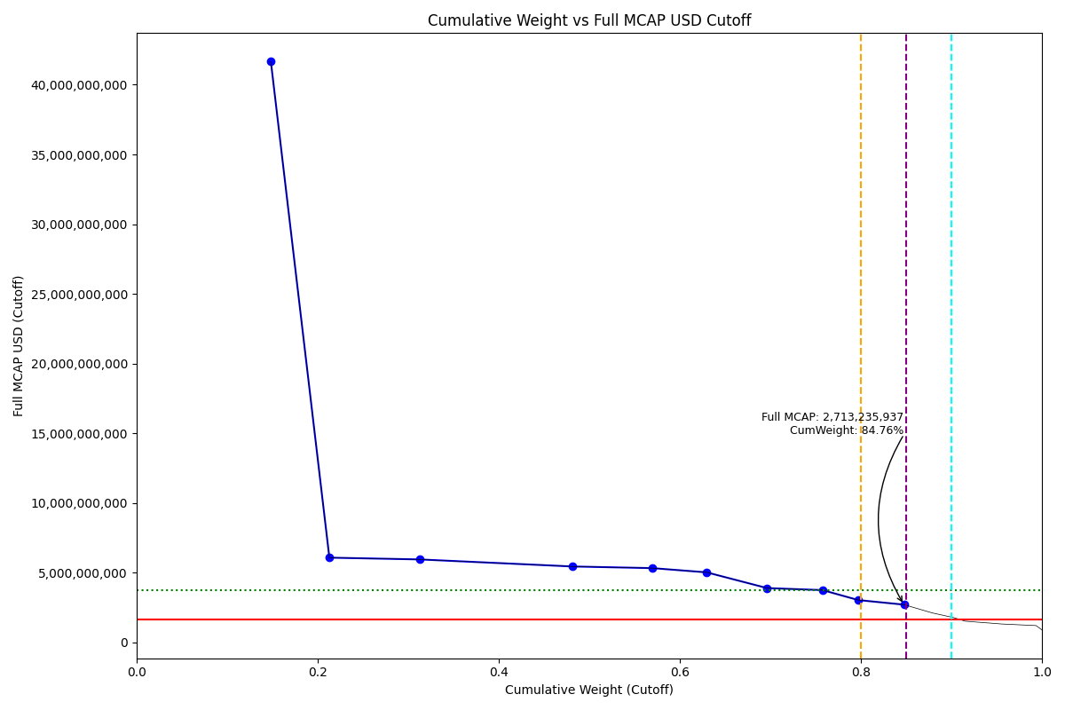
Date | Internal_Number | Instrument_Name | Country | Full_MCAP_USD_Cutoff | Weight_Cutoff | CumWeight_Cutoff | Size | Case
2019-03-18 | CO0022 | Ecopetrol SA | CO | 41,661,181,039.23 | 0.15 | 0.15 | Standard | Inside
2019-03-18 | CO0167 | GRUPO ENERGIA BOGOTA S.A. | CO | 6,082,572,815.12 | 0.06 | 0.21 | Standard | Inside
2019-03-18 | CO0055 | BanColombia SA | CO | 5,955,777,802.30 | 0.10 | 0.31 | Standard | Inside
2019-03-18 | CO1012 | BANCOLOMBIA S.A. - PREF | CO | 5,450,329,966.65 | 0.17 | 0.48 | Standard | Inside
2019-03-18 | CO0033 | Grupo de Inversiones Surameric | CO | 5,331,312,953.86 | 0.09 | 0.57 | Standard | Inside
2019-03-18 | CO0044 | Interconexion Electrica SA | CO | 5,028,974,671.58 | 0.06 | 0.63 | Standard | Inside
2019-03-18 | CO0088 | GRUPO NUTRESA SA | CO | 3,900,081,393.32 | 0.07 | 0.70 | Standard | Inside
2019-03-18 | CO0077 | GRUPO ARGOS | CO | 3,756,001,480.09 | 0.06 | 0.76 | Standard | Inside
2019-03-18 | CO0066 | Cementos Argos SA | CO | 3,040,732,801.42 | 0.04 | 0.80 | Standard | Inside
2019-03-18 | CO1023 | GRUPO AVAL ACCIONES Y VALORES PREF. | CO | 2,713,235,936.59 | 0.05 | 0.85 | Standard | Inside

2019-03-18_CZ
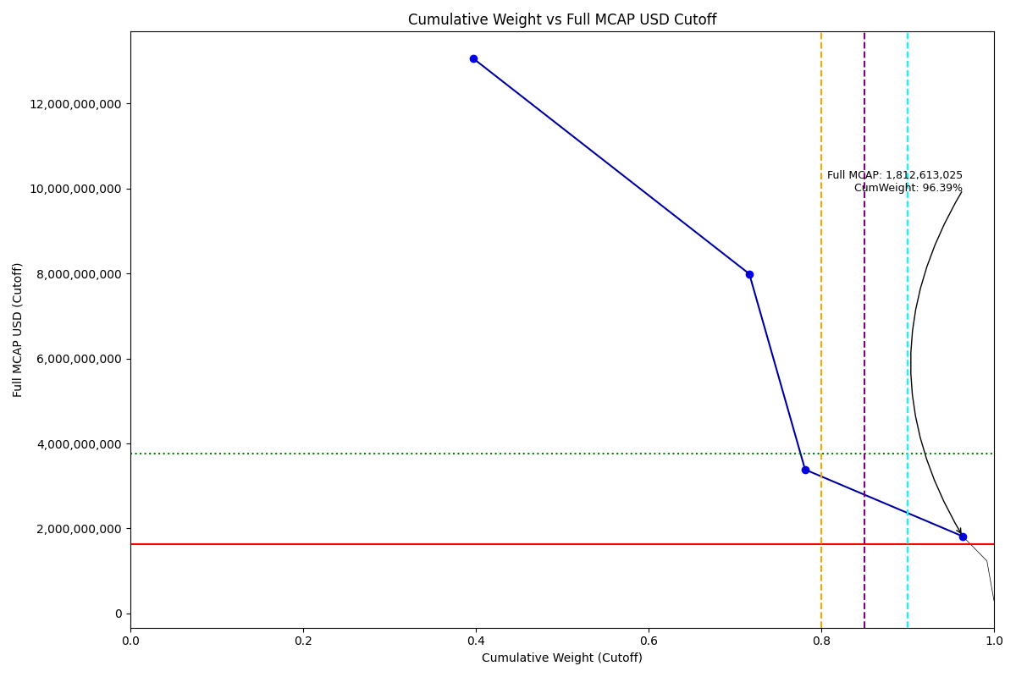
Date | Internal_Number | Instrument_Name | Country | Full_MCAP_USD_Cutoff | Weight_Cutoff | CumWeight_Cutoff | Size | Case
2019-03-18 | 562403 | CEZ | CZ | 13,057,136,864.09 | 0.40 | 0.40 | Standard | Inside
2019-03-18 | 451944 | KOMERCNI BANKA | CZ | 7,991,689,911.86 | 0.32 | 0.72 | Standard | Inside
2019-03-18 | CZ502I | O2 CZECH REPUBLIC | CZ | 3,385,342,978.18 | 0.06 | 0.78 | Standard | Inside
2019-03-18 | CZ602J | MONETA MONEY BANK | CZ | 1,812,613,025.44 | 0.18 | 0.96 | Standard | Inside

2019-03-18_EG
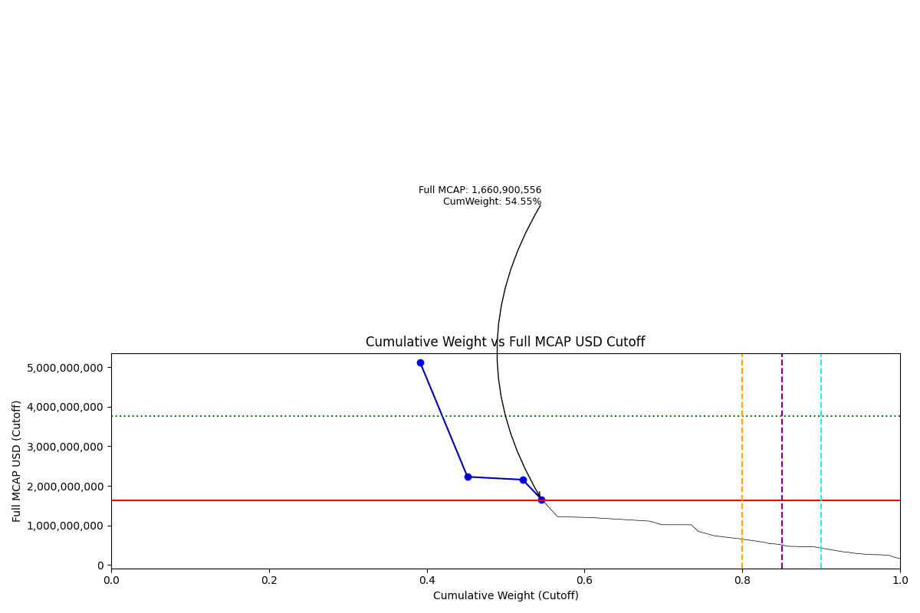
Date | Internal_Number | Instrument_Name | Country | Full_MCAP_USD_Cutoff | Weight_Cutoff | CumWeight_Cutoff | Size | Case
2019-03-18 | EG004Y | Commercial International Bank | EG | 5,112,940,604.98 | 0.39 | 0.39 | Standard | Below
2019-03-18 | EG2040 | ELSWEDY ELECTRIC | EG | 2,227,838,046.61 | 0.06 | 0.45 | Standard | Below
2019-03-18 | EG2051 | EASTERN TOBACCO | EG | 2,154,989,272.12 | 0.07 | 0.52 | Standard | Below
2019-03-18 | EG20EA | ABOU KIR FERTILIZERS | EG | 1,660,900,556.12 | 0.02 | 0.55 | Standard | Below

2019-03-18_GR
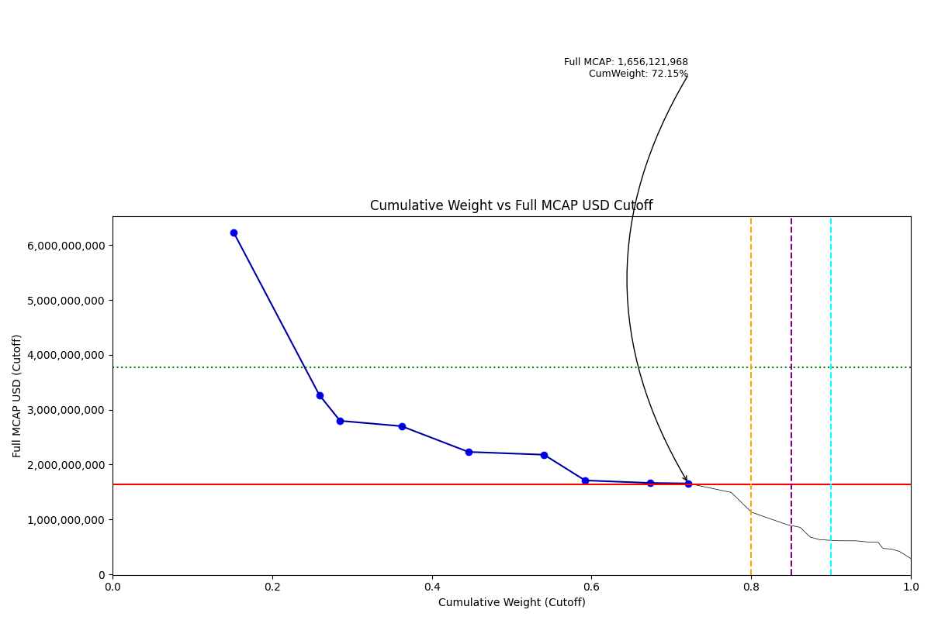
Date | Internal_Number | Instrument_Name | Country | Full_MCAP_USD_Cutoff | Weight_Cutoff | CumWeight_Cutoff | Size | Case
2019-03-18 | 505160 | OTE | GR | 6,223,196,864.69 | 0.15 | 0.15 | Standard | Below
2019-03-18 | 710725 | OPAP | GR | 3,269,207,700.00 | 0.11 | 0.26 | Standard | Below
2019-03-18 | 547565 | HELLENIC PETROLEUM | GR | 2,798,135,352.68 | 0.03 | 0.29 | Standard | Below
2019-03-18 | 599623 | MOTOR OIL (HELLAS) | GR | 2,699,579,597.58 | 0.08 | 0.36 | Standard | Below
2019-03-18 | 724353 | JUMBO | GR | 2,231,013,916.80 | 0.08 | 0.45 | Standard | Below
2019-03-18 | 423586 | ALPHA BANK | GR | 2,179,685,001.58 | 0.09 | 0.54 | Standard | Below
2019-03-18 | 488828 | TITAN CEMENT COMPANY | GR | 1,711,169,555.19 | 0.05 | 0.59 | Standard | Below
2019-03-18 | 565431 | EUROBANK ERGASIAS | GR | 1,665,272,654.99 | 0.08 | 0.67 | Standard | Below
2019-03-18 | 462595 | NATIONAL BANK OF GREECE | GR | 1,656,121,968.30 | 0.05 | 0.72 | Standard | Below

2019-03-18_HU
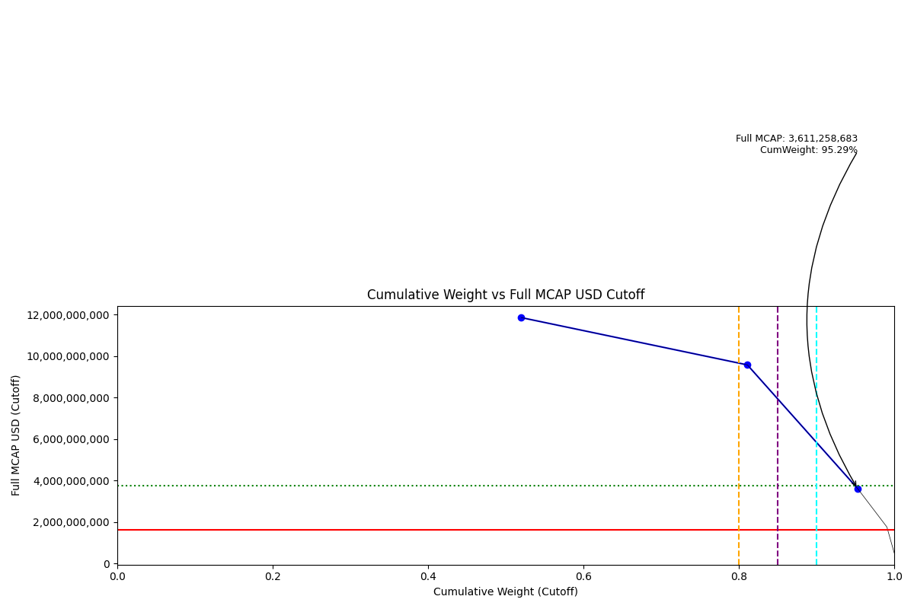
Date | Internal_Number | Instrument_Name | Country | Full_MCAP_USD_Cutoff | Weight_Cutoff | CumWeight_Cutoff | Size | Case
2019-03-18 | 732015 | OTP BANK | HU | 11,850,016,198.01 | 0.52 | 0.52 | Standard | Inside
2019-03-18 | 474249 | MOL Hungarian Oil and Gas | HU | 9,570,771,043.36 | 0.29 | 0.81 | Standard | Inside
2019-03-18 | 404238 | RICHTER GEDEON | HU | 3,611,258,682.70 | 0.14 | 0.95 | Standard | Inside

2019-03-18_ID
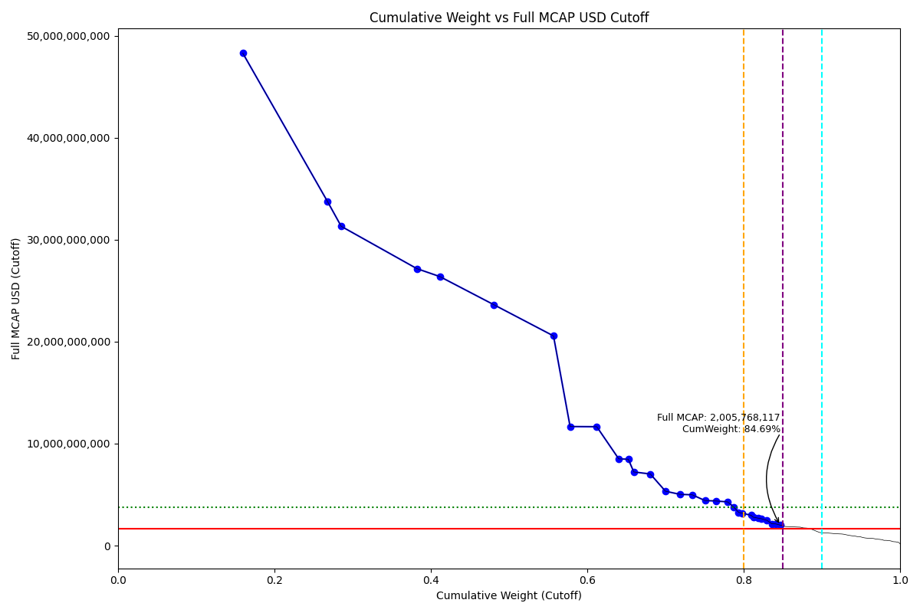
Date | Internal_Number | Instrument_Name | Country | Full_MCAP_USD_Cutoff | Weight_Cutoff | CumWeight_Cutoff | Size | Case
2019-03-18 | ID0072 | Bank Central Asia Tbk PT | ID | 48,307,519,371.60 | 0.16 | 0.16 | Standard | Inside
2019-03-18 | ID0050 | Bank Rakyat Indonesia | ID | 33,742,700,127.29 | 0.11 | 0.27 | Standard | Inside
2019-03-18 | ID20LI | HM SAMPOERNA | ID | 31,320,999,920.00 | 0.02 | 0.29 | Standard | Inside
2019-03-18 | ID003Y | Telekomunikasi Indonesia Tbk P | ID | 27,169,983,751.96 | 0.10 | 0.38 | Standard | Inside
2019-03-18 | ID00D8 | Unilever Indonesia Tbk PT | ID | 26,389,097,074.73 | 0.03 | 0.41 | Standard | Inside
2019-03-18 | ID004Z | Bank Mandiri Tbk PT | ID | 23,625,754,249.66 | 0.07 | 0.48 | Standard | Inside
2019-03-18 | ID002X | Astra International Tbk PT | ID | 20,567,366,963.05 | 0.08 | 0.56 | Standard | Inside
2019-03-18 | ID00FA | Gudang Garam Tbk PT | ID | 11,675,536,188.82 | 0.02 | 0.58 | Standard | Inside
2019-03-18 | ID00B6 | BNI Tbk PT | ID | 11,660,690,093.87 | 0.03 | 0.61 | Standard | Inside
2019-03-18 | ID00RM | Charoen Pokphand Indonesia Tbk | ID | 8,505,655,226.46 | 0.03 | 0.64 | Standard | Inside
2019-03-18 | ID20OL | INDOFOOD CBP SUKSES MKM. | ID | 8,472,800,101.51 | 0.01 | 0.65 | Standard | Inside
2019-03-18 | ID1264 | CHANDRA ASRI PETROCH. | ID | 7,222,805,409.79 | 0.01 | 0.66 | Standard | Inside
2019-03-18 | ID0094 | United Tractors Tbk PT | ID | 7,023,676,045.49 | 0.02 | 0.68 | Standard | Inside
2019-03-18 | ID00A5 | SEMEN INDONESIA PERSERO TBK PT | ID | 5,331,514,039.67 | 0.02 | 0.70 | Standard | Inside
2019-03-18 | ID00C7 | Indocement Tunggal Prakarsa Tb | ID | 5,028,674,603.54 | 0.02 | 0.72 | Standard | Inside
2019-03-18 | ID00MH | Kalbe Farma Tbk PT | ID | 4,979,407,135.45 | 0.02 | 0.73 | Standard | Inside
2019-03-18 | ID00ID | Indofood Sukses Makmur Tbk PT | ID | 4,414,038,212.92 | 0.02 | 0.75 | Standard | Inside
2019-03-18 | ID0061 | Perusahaan Gas Negara PT | ID | 4,375,093,969.42 | 0.01 | 0.76 | Standard | Inside
2019-03-18 | ID00YT | INDAH KIAT PULP & PAPER | ID | 4,285,858,680.63 | 0.01 | 0.78 | Standard | Inside
2019-03-18 | ID011X | BARITO PACIFIC | ID | 3,792,534,118.82 | 0.01 | 0.79 | Standard | Inside
2019-03-18 | ID00HC | BUKIT ASAM TBK PT | ID | 3,258,025,177.95 | 0.01 | 0.79 | Standard | Inside
2019-03-18 | ID80NQ | TRANSCOAL PACIFIC | ID | 3,170,824,912.50 | 0.00 | 0.80 | Standard | Inside
2019-03-18 | ID0083 | Adaro Energy Tbk PT | ID | 2,977,314,724.02 | 0.01 | 0.81 | Standard | Inside
2019-03-18 | ID20SP | BANK PAN INDONESIA | ID | 2,781,261,076.14 | 0.00 | 0.81 | Standard | Inside
2019-03-18 | ID00PK | Jasa Marga PT | ID | 2,694,570,706.92 | 0.01 | 0.82 | Standard | Inside
2019-03-18 | ID00E9 | INCO | ID | 2,640,535,572.39 | 0.00 | 0.82 | Standard | Inside
2019-03-18 | ID00XS | PABRIK KERTAS TJIWIKIMIA | ID | 2,472,017,451.64 | 0.01 | 0.83 | Standard | Inside
2019-03-18 | ID20FC | ACE HARDWARE INDONESIA | ID | 2,138,628,143.93 | 0.01 | 0.84 | Standard | Inside
2019-03-18 | ID0140 | PAKUWON JATI | ID | 2,121,623,974.43 | 0.00 | 0.84 | Standard | Inside
2019-03-18 | ID5099 | MITRA KELUARGA KARYASEHAT | ID | 2,005,768,117.33 | 0.01 | 0.85 | Standard | Inside

2019-03-18_IN
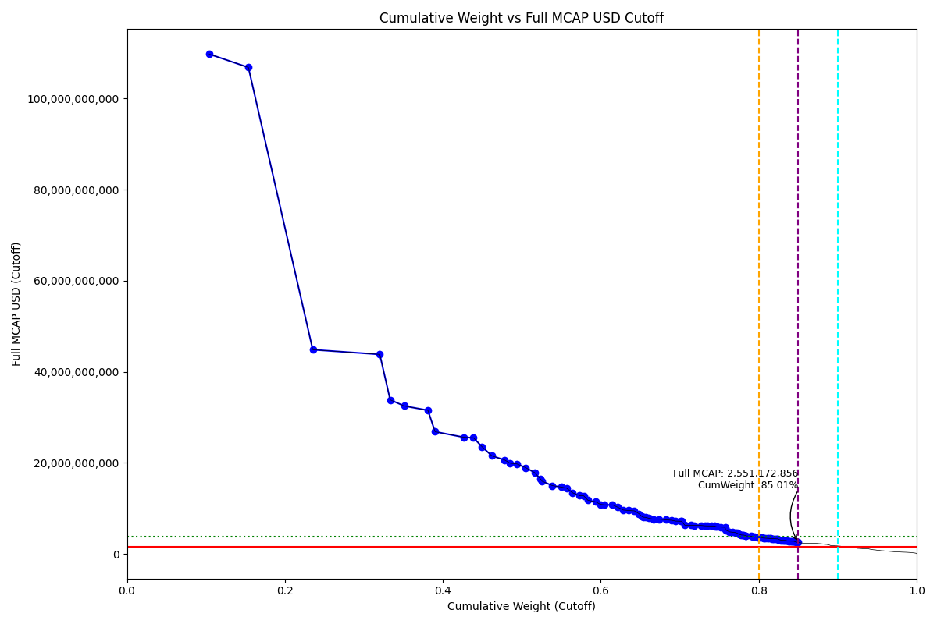
Date | Internal_Number | Instrument_Name | Country | Full_MCAP_USD_Cutoff | Weight_Cutoff | CumWeight_Cutoff | Size | Case
2019-03-18 | IN0027 | Reliance Industries Ltd | IN | 109,734,586,759.83 | 0.10 | 0.10 | Standard | Inside
2019-03-18 | IN005A | Tata Consultancy Services Ltd | IN | 106,808,136,410.48 | 0.05 | 0.15 | Standard | Inside
2019-03-18 | IN006B | Infosys Ltd | IN | 44,849,305,573.54 | 0.08 | 0.24 | Standard | Inside
2019-03-18 | IN00EJ | Housing Development Finance Co | IN | 43,818,557,719.82 | 0.08 | 0.32 | Standard | Inside
2019-03-18 | IN0049 | State Bank of India | IN | 33,847,015,141.72 | 0.01 | 0.33 | Standard | Inside
2019-03-18 | IN06Q1 | Kotak Mah Bk | IN | 32,492,831,043.39 | 0.02 | 0.35 | Standard | Inside
2019-03-18 | IN00BG | ICICI Bank Ltd | IN | 31,545,784,704.60 | 0.03 | 0.38 | Standard | Inside
2019-03-18 | IN0038 | Oil & Natural Gas Corp Ltd | IN | 26,847,871,044.98 | 0.01 | 0.39 | Standard | Inside
2019-03-18 | IN00MR | AXIS BANK | IN | 25,610,453,990.62 | 0.04 | 0.43 | Standard | Inside
2019-03-18 | IN00AF | Larsen & Toubro Ltd | IN | 25,511,526,667.60 | 0.01 | 0.44 | Standard | Inside
2019-03-18 | IN00GL | Wipro Ltd | IN | 23,534,200,651.59 | 0.01 | 0.45 | Standard | Inside
2019-03-18 | IN10V1 | BAJAJ FINANCE | IN | 21,533,802,624.09 | 0.01 | 0.46 | Standard | Inside
2019-03-18 | IN050A | HCL Technologies | IN | 20,618,056,473.56 | 0.02 | 0.48 | Standard | Inside
2019-03-18 | IN036E | Coal India | IN | 19,928,846,344.79 | 0.01 | 0.49 | Standard | Inside
2019-03-18 | IN00DI | Indian Oil Corp Ltd | IN | 19,771,494,796.86 | 0.01 | 0.49 | Standard | Inside
2019-03-18 | IN01Y4 | Asian Paints | IN | 18,948,320,307.75 | 0.01 | 0.50 | Standard | Inside
2019-03-18 | IN009E | Bharti Airtel Ltd | IN | 17,869,286,720.23 | 0.01 | 0.52 | Standard | Inside
2019-03-18 | IN00PU | NTPC Ltd | IN | 16,415,312,055.64 | 0.01 | 0.52 | Standard | Inside
2019-03-18 | IN00TY | Hindustan Zinc Ltd | IN | 15,986,153,144.77 | 0.00 | 0.53 | Standard | Inside
2019-03-18 | IN1017 | SUN PHARMA INDUSTRIES | IN | 15,024,734,242.58 | 0.01 | 0.54 | Standard | Inside
2019-03-18 | IN0AR6 | UltraTech Cement | IN | 14,696,507,223.32 | 0.01 | 0.55 | Standard | Inside
2019-03-18 | IN02EL | Bajaj Finserv | IN | 14,468,175,269.98 | 0.01 | 0.56 | Standard | Inside
2019-03-18 | IN00UZ | Power Grid Corp of India Ltd | IN | 13,427,225,351.73 | 0.01 | 0.56 | Standard | Inside
2019-03-18 | IN0ACR | Titan Co Ltd | IN | 12,818,241,170.47 | 0.01 | 0.57 | Standard | Inside
2019-03-18 | IN70EQ | AVENUE SUPERMARTS | IN | 12,772,797,810.13 | 0.01 | 0.58 | Standard | Inside
2019-03-18 | IN00SX | Bajaj Auto Ltd | IN | 11,783,812,851.02 | 0.01 | 0.58 | Standard | Inside
2019-03-18 | IN0A6L | Tech Mahindra | IN | 11,469,161,334.01 | 0.01 | 0.59 | Standard | Inside
2019-03-18 | IN03EM | Dabur India | IN | 10,889,202,827.21 | 0.01 | 0.60 | Standard | Inside
2019-03-18 | IN00KP | GAIL India Ltd | IN | 10,797,217,763.61 | 0.01 | 0.60 | Standard | Inside
2019-03-18 | IN06W7 | Mahindra | IN | 10,779,793,420.10 | 0.01 | 0.61 | Standard | Inside
2019-03-18 | IN02MT | Bharat Petroleum | IN | 10,296,351,547.58 | 0.01 | 0.62 | Standard | Inside
2019-03-18 | IN04QZ | Godrej Cp | IN | 9,648,621,046.10 | 0.01 | 0.63 | Standard | Inside
2019-03-18 | IN06CN | Jsw Steel | IN | 9,549,779,558.11 | 0.01 | 0.63 | Standard | Inside
2019-03-18 | IN07AM | ADANI PORTS SEZ | IN | 9,468,712,263.30 | 0.01 | 0.64 | Standard | Inside
2019-03-18 | IN09FT | Vedanta | IN | 8,853,188,487.27 | 0.01 | 0.65 | Standard | Inside
2019-03-18 | IN088L | Pidilite Inds | IN | 8,226,217,174.73 | 0.00 | 0.65 | Standard | Inside
2019-03-18 | IN09GU | Shree Cement Ltd | IN | 8,065,943,593.68 | 0.00 | 0.65 | Standard | Inside
2019-03-18 | IN827M | BANDHAN BANK | IN | 8,032,962,003.89 | 0.00 | 0.66 | Standard | Inside
2019-03-18 | IN00QV | Tata Steel Ltd | IN | 7,849,715,464.22 | 0.00 | 0.66 | Standard | Inside
2019-03-18 | IN309H | BHARTI INFRATEL | IN | 7632356142.7 | 0.0062964836556 | 0.66693398863 | Standard | Inside
2019-03-18 | IN03RZ | Eicher Motors | IN | 7628519015.5 | 0.0072421932865 | 0.67417618191 | Standard | Inside
2019-03-18 | IN0B8O | Yes Bank | IN | 7496904616.7 | 0.0087149925701 | 0.68289117448 | Standard | Inside
2019-03-18 | IN057H | HERO METOCORP | IN | 7398377389.4 | 0.0070237063532 | 0.68991488083 | Standard | Inside
2019-03-18 | IN00OT | Tata Motors Ltd | IN | 7219778494.2 | 0.0048958229286 | 0.69481070376 | Standard | Inside
2019-03-18 | IN04T2 | GRASIM INDUSTRIES | IN | 7184938617.3 | 0.0068210771347 | 0.7016317809 | Standard | Inside
2019-03-18 | IN079L | Motherson Sumi | IN | 7183769146.6 | 0.00068201048093 | 0.70231379138 | Standard | Inside
2019-03-18 | IN032A | Cipla Ltd | IN | 6305779637.3 | 0.0041510956338 | 0.70646488701 | Standard | Inside
2019-03-18 | IN0B9P | Zee Entrtainment | IN | 6300069788.2 | 0.0073420068936 | 0.71380689391 | Standard | Inside
2019-03-18 | IN05AK | Havells India | IN | 6283648700.3 | 0.0042265073466 | 0.71803340125 | Standard | Inside
2019-03-18 | IN0AT8 | UPL Ltd | IN | 6262637833.1 | 0.0089788937595 | 0.72701229501 | Standard | Inside
2019-03-18 | IN04Y7 | Hindalco | IN | 6185657265.6 | 0.0047937972906 | 0.7318060923 | Standard | Inside
2019-03-18 | IN03JR | Divis Lab | IN | 6164184397.6 | 0.0035828666995 | 0.735388959 | Standard | Inside
2019-03-18 | IN07BN | Marico | IN | 6163381827.2 | 0.0041794670391 | 0.73956842604 | Standard | Inside
2019-03-18 | IN08T6 | Dr Reddys Lab | IN | 6151252352 | 0.0042117749422 | 0.74378020098 | Standard | Inside
2019-03-18 | IN703F | INTERGLOBE AVIATION | IN | 6072044560.7 | 0.001096733522 | 0.74487693451 | Standard | Inside
2019-03-18 | IN80U7 | ICICI LOMBARD GENERAL INSURANC | IN | 5968578515.3 | 0.0020979940719 | 0.74697492858 | Standard | Inside
2019-03-18 | IN08AN | PIRAMAL ENTERPRISES | IN | 5910517462.2 | 0.0048803200334 | 0.75185524861 | Standard | Inside
2019-03-18 | IN01U0 | Aurobindo Pharm | IN | 5866143815.5 | 0.0055690689467 | 0.75742431756 | Standard | Inside
2019-03-18 | IN80KX | GENERAL INSURANCE COR OF INDIA | IN | 5335263911.7 | 0.00057473083004 | 0.75799904839 | Standard | Inside
2019-03-18 | IN02CJ | Biocon | IN | 5243641898.5 | 0.0004008277916 | 0.75839987618 | Standard | Inside
2019-03-18 | IN06U5 | Lupin Ltd | IN | 4861421147.9 | 0.0046152273727 | 0.76301510355 | Standard | Inside
2019-03-18 | IN056G | HPCL | IN | 4792599953.6 | 0.0037141971633 | 0.76672930072 | Standard | Inside
2019-03-18 | IN08CP | Petronet Lng | IN | 4710293946.1 | 0.003650411277 | 0.77037971199 | Standard | Inside
2019-03-18 | IN02T0 | Cadila Health | IN | 4587157034.4 | 0.0021329891595 | 0.77251270115 | Standard | Inside
2019-03-18 | IN00V0 | NMDC Ltd | IN | 4477194781.8 | 0.0013098354257 | 0.77382253658 | Standard | Inside
2019-03-18 | IN0AFU | Torrent Pharm | IN | 4314307309.8 | 0.0020061163153 | 0.77582865289 | Standard | Inside
2019-03-18 | IN02OV | Berger Paints | IN | 4190420796.4 | 0.0019485101525 | 0.77777716305 | Standard | Inside
2019-03-18 | IN00NS | DLF Ltd | IN | 4166916282.7 | 0.0013349284947 | 0.77911209154 | Standard | Inside
2019-03-18 | IN08N0 | Power Fncs | IN | 4164673355.8 | 0.0015018092377 | 0.78061390078 | Standard | Inside
2019-03-18 | IN02Y5 | Container Corp | IN | 4035198706.8 | 0.0026581387393 | 0.78327203952 | Standard | Inside
2019-03-18 | IN80JW | NEW INDIA ASSURANCE | IN | 3973672772.1 | 0.000453462305 | 0.78372550182 | Standard | Inside
2019-03-18 | IN30FN | INDIABULLS HOUSING FIN | IN | 3928489632.5 | 0.0063105370727 | 0.79003603889 | Standard | Inside
2019-03-18 | IN098M | REC | IN | 3790115879 | 0.0025701255888 | 0.79260616448 | Standard | Inside
2019-03-18 | IN02IP | Bank of Baroda | IN | 3758525497.4 | 0.0014564021388 | 0.79406256662 | Standard | Inside
2019-03-18 | IN09U8 | Shriram Transprt | IN | 3668025054.8 | 0.0045454255052 | 0.79860799213 | Standard | Inside
2019-03-18 | IN05FP | Vodafone Idea | IN | 3659795953.3 | 0.0031511183795 | 0.80175911051 | Standard | Inside
2019-03-18 | IN01X3 | Ashok Leyland | IN | 3563605667 | 0.0027617441629 | 0.80452085467 | Standard | Inside
2019-03-18 | IN2018 | L&T FINANCE HOLDINGS | IN | 3487643942.2 | 0.0016217249828 | 0.80614257965 | Standard | Inside
2019-03-18 | IN11SZ | PAGE INDUSTRIES | IN | 3482971734.2 | 0.0021029751929 | 0.80824555485 | Standard | Inside
2019-03-18 | IN073F | M&M Fin Services | IN | 3431200576.1 | 0.0032281862262 | 0.81147374107 | Standard | Inside
2019-03-18 | IN706I | RBL BANK | IN | 3426553996.6 | 0.0015933187154 | 0.81306705979 | Standard | Inside
2019-03-18 | IN07DP | MRF | IN | 3383086983 | 0.0015731067211 | 0.81464016651 | Standard | Inside
2019-03-18 | IN06S3 | LIC Housing | IN | 3374536110.2 | 0.0027312549441 | 0.81737142145 | Standard | Inside
2019-03-18 | IN0A1G | Sun TV network | IN | 3367326454.2 | 0.0015657782638 | 0.81893719972 | Standard | Inside
2019-03-18 | IN028F | Bharat Forge | IN | 3350875299.8 | 0.0025968809301 | 0.82153408065 | Standard | Inside
2019-03-18 | IN07R3 | NHPC | IN | 3331972028 | 0.0011975097463 | 0.82273159039 | Standard | Inside
2019-03-18 | IN008D | Bharat Heavy Electricals Ltd | IN | 3331951866.7 | 0.0015493293656 | 0.82428091976 | Standard | Inside
2019-03-18 | IN70Q2 | ADANI TRANSMISSIONS LTD | IN | 3191524323.8 | 0.0011506936005 | 0.82543161336 | Standard | Inside
2019-03-18 | IN05OY | Info Edge | IN | 3035813748.8 | 0.0029408909819 | 0.82837250434 | Standard | Inside
2019-03-18 | IN0AN2 | TVS Motor | IN | 3013456880.3 | 0.0014012319565 | 0.8297737363 | Standard | Inside
2019-03-18 | IN904I | IDFC FIRST BANK | IN | 3008457706.1 | 0.0021062065155 | 0.83187994281 | Standard | Inside
2019-03-18 | IN705H | FUTURE RETAIL | IN | 2995193329.2 | 0.001392739595 | 0.83327268241 | Standard | Inside
2019-03-18 | IN12MU | MUTHOOT FINANCE | IN | 2976801448.6 | 0.0013841873553 | 0.83465686976 | Standard | Inside
2019-03-18 | IN05IS | INDRAGAS | IN | 2875247243.7 | 0.0016712069235 | 0.83632807669 | Standard | Inside
2019-03-18 | IN82AP | ADITYA BIRLA FIN. SERVICES | IN | 2845878864.8 | 0.0013233096104 | 0.8376513863 | Standard | Inside
2019-03-18 | IN06ZA | Mphasis | IN | 2843038986.6 | 0.0026280040351 | 0.84027939033 | Standard | Inside
2019-03-18 | IN023A | Bharat Electroni | IN | 2822805549.3 | 0.0013125807584 | 0.84159197109 | Standard | Inside
2019-03-18 | IN08DQ | Punjab Nat Bk | IN | 2806133560.4 | 0.0010873569559 | 0.84267932805 | Standard | Inside
2019-03-18 | IN00FK | Steel Authority of India Ltd | IN | 2804937476.2 | 0.00083853830645 | 0.84351786635 | Standard | Inside
2019-03-18 | IN07U6 | OIL INDIA Ltd | IN | 2793135317 | 0.0012987842252 | 0.84481665058 | Standard | Inside
2019-03-18 | IN10Z5 | Cholamandalam | IN | 2699298783.2 | 0.00098979124351 | 0.84580644182 | Standard | Inside
2019-03-18 | IN0B2I | Voltas Ltd | IN | 2633544505.9 | 0.0015307198193 | 0.84733716164 | Standard | Inside
2019-03-18 | IN01FL | Adani Power | IN | 2608307126.9 | 0.00068077249107 | 0.84801793413 | Standard | Inside
2019-03-18 | IN128G | GRUH Finance | IN | 2564241125.6 | 0.0011923503014 | 0.84921028443 | Standard | Inside
2019-03-18 | IN70O0 | ENDURANCE TECHNOLOGIES | IN | 2551172855.8 | 0.00086499128139 | 0.85007527571 | Standard | Inside

2019-03-18_KR
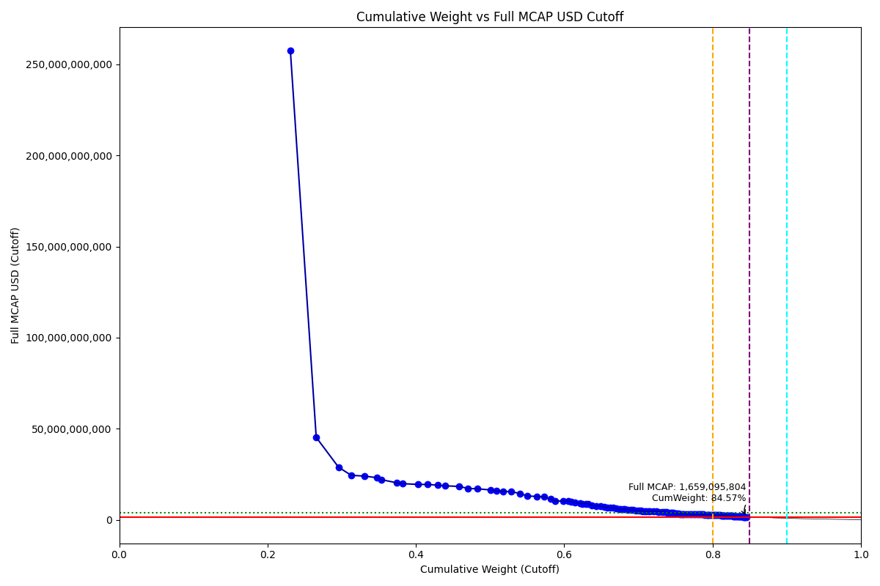
Date | Internal_Number | Instrument_Name | Country | Full_MCAP_USD_Cutoff | Weight_Cutoff | CumWeight_Cutoff | Size | Case
2019-03-18 | KR002D | Samsung Electronics Co Ltd | KR | 257,403,845,209.10 | 0.23 | 0.23 | Standard | Below
2019-03-18 | KR00EP | SK HYNIX INC | KR | 45,308,530,310.01 | 0.03 | 0.27 | Standard | Below
2019-03-18 | KR18G0 | SAMSUNG ELTN.PF. | KR | 28,922,897,988.47 | 0.03 | 0.30 | Standard | Below
2019-03-18 | KR005G | LG Chem Ltd | KR | 24,509,123,470.06 | 0.02 | 0.31 | Standard | Below
2019-03-18 | KR004F | Hyundai Motor Co | KR | 24,031,425,623.23 | 0.02 | 0.33 | Standard | Below
2019-03-18 | KR063K | Celltrion | KR | 23,198,399,278.81 | 0.02 | 0.35 | Standard | Below
2019-03-18 | KR70EW | SAMSUNG BIOLOGICS | KR | 22,118,990,729.88 | 0.01 | 0.35 | Standard | Below
2019-03-18 | KR003E | POSCO | KR | 20,387,116,554.19 | 0.02 | 0.37 | Standard | Below
2019-03-18 | KR009K | Korea Electric Power Corp | KR | 19,891,276,473.65 | 0.01 | 0.38 | Standard | Below
2019-03-18 | KR00NY | NAVER CORP | KR | 19,489,167,642.22 | 0.02 | 0.40 | Standard | Below
2019-03-18 | KR507N | SAMSUNG C&T CORP | KR | 19,479,403,962.62 | 0.01 | 0.42 | Standard | Below
2019-03-18 | KR007I | Hyundai Mobis | KR | 19,083,864,111.86 | 0.01 | 0.43 | Standard | Below
2019-03-18 | KR048N | SK TELECOM | KR | 18,701,495,432.08 | 0.01 | 0.44 | Standard | Below
2019-03-18 | KR00AL | Shinhan Financial Group Co Ltd | KR | 18,403,251,628.36 | 0.02 | 0.46 | Standard | Below
2019-03-18 | KR05Q6 | LG H&H | KR | 17,302,070,754.24 | 0.01 | 0.47 | Standard | Below
2019-03-18 | KR053J | SK HOLDINGS | KR | 17,046,817,647.54 | 0.01 | 0.48 | Standard | Below
2019-03-18 | KR008J | KB Financial Group Inc | KR | 16,486,744,980.96 | 0.02 | 0.50 | Standard | Below
2019-03-18 | KR503J | SAMSUNG SDS | KR | 15,857,563,249.64 | 0.01 | 0.51 | Standard | Below
2019-03-18 | KR00BM | Samsung Life Insurance Co Ltd | KR | 15,772,580,780.00 | 0.01 | 0.52 | Standard | Below
2019-03-18 | KR00HS | SK INNOVATION | KR | 15,455,640,844.47 | 0.01 | 0.53 | Standard | Below
2019-03-18 | KR00OZ | Samsung SDI Co Ltd | KR | 14,520,355,115.73 | 0.01 | 0.54 | Standard | Below
2019-03-18 | KR00GR | Kia Motors Corp | KR | 13,172,888,120.85 | 0.01 | 0.55 | Standard | Below
2019-03-18 | KR00S3 | KT&G Corp | KR | 12,877,999,630.15 | 0.01 | 0.56 | Standard | Below
2019-03-18 | KR00JU | Samsung Fire & Marine Insuranc | KR | 12,699,428,873.83 | 0.01 | 0.57 | Standard | Below
2019-03-18 | KR00DO | LG Corp | KR | 11,506,502,062.55 | 0.01 | 0.58 | Standard | Below
2019-03-18 | KR06O5 | Amorepacific | KR | 10,395,053,616.71 | 0.01 | 0.59 | Standard | Below
2019-03-18 | KR06L2 | Hana Financial G | KR | 10,370,786,699.83 | 0.01 | 0.60 | Standard | Below
2019-03-18 | KR00CN | LG Electronics Inc | KR | 10,257,664,024.12 | 0.01 | 0.61 | Standard | Below
2019-03-18 | KR03N1 | S-Oil | KR | 10,009,702,261.88 | 0.00 | 0.61 | Standard | Below
2019-03-18 | KR03Q4 | LOTTE CHEMICAL CORPORATION | KR | 9,721,260,933.92 | 0.00 | 0.61 | Standard | Below
2019-03-18 | KR05BR | NCsoft | KR | 8,988,129,757.31 | 0.01 | 0.62 | Standard | Below
2019-03-18 | KR718R | NETMARBLE CORP | KR | 8,919,535,758.39 | 0.00 | 0.62 | Standard | Below
2019-03-18 | KR00IT | WOORI FINANCIAL GROUP | KR | 8,895,237,665.60 | 0.01 | 0.63 | Standard | Below
2019-03-18 | KR71EX | CELLTRION HEALTHCARE | KR | 8,894,698,028.53 | 0.00 | 0.63 | Standard | Below
2019-03-18 | KR006H | Hyundai Heavy Industries Co Lt | KR | 8,086,562,617.98 | 0.01 | 0.64 | Standard | Below
2019-03-18 | KR056M | KAKAO CORP | KR | 7,673,333,214.63 | 0.01 | 0.64 | Standard | Below
2019-03-18 | KR03JX | Korea Zinc | KR | 7,658,819,368.04 | 0.01 | 0.65 | Standard | Below
2019-03-18 | KR00KV | Samsung Electro-Mechanics Co L | KR | 7,105,863,690.48 | 0.01 | 0.65 | Standard | Below
2019-03-18 | KR001C | Industrial Bank of Korea | KR | 6,945,363,008.50 | 0.00 | 0.66 | Standard | Below
2019-03-18 | KR00FQ | LG Display Co Ltd | KR | 6760323390.2 | 0.0043704129318 | 0.66206928227 | Standard | Below
2019-03-18 | KR04VA | KT Corp | KR | 6604773480.7 | 0.0033691272036 | 0.66543840947 | Standard | Below
2019-03-18 | KR04IX | COWAY CO | KR | 6207180878.2 | 0.0045543216257 | 0.6699927311 | Standard | Below
2019-03-18 | KR00LW | HYUNDAI STEEL CO | KR | 5914515418.2 | 0.0039436803196 | 0.67393641142 | Standard | Below
2019-03-18 | KR04DS | HANON SYSTEMS | KR | 5908769733.6 | 0.0018459777496 | 0.67578238917 | Standard | Below
2019-03-18 | KR055L | Kangwon Land | KR | 5877608172.9 | 0.0035727490038 | 0.67935513817 | Standard | Below
2019-03-18 | KR04YD | LG Uplus | KR | 5822847768.5 | 0.0025382232436 | 0.68189336141 | Standard | Below
2019-03-18 | KR01AM | Hyundai Eng&Con | KR | 5663147581.2 | 0.0038367970238 | 0.68573015844 | Standard | Below
2019-03-18 | KR02O1 | LOTTE CORP | KR | 5503214524.9 | 0.0041323374174 | 0.68986249586 | Standard | Below
2019-03-18 | KR01ZB | AMOREG | KR | 5373866390 | 0.0025789991001 | 0.69244149496 | Standard | Below
2019-03-18 | KR70SA | HYUNDAI HEAVY INDUSTRIES HLDS | KR | 5227418015.7 | 0.0037603535419 | 0.6962018485 | Standard | Below
2019-03-18 | KR03KY | Samsung Heavy In | KR | 5130800967.6 | 0.0040588688 | 0.7002607173 | Standard | Below
2019-03-18 | KR10EQ | HanmiPharm | KR | 5102196995.8 | 0.0027035749004 | 0.7029642922 | Standard | Below
2019-03-18 | KR00U5 | Lotte Shopping Co Ltd | KR | 4775616475.7 | 0.0021129137663 | 0.70507720596 | Standard | Below
2019-03-18 | KR20LY | HANKOOK TIRE | KR | 4708354707.5 | 0.0031433577684 | 0.70822056373 | Standard | Below
2019-03-18 | KR03FT | HANMI SCIENCE | KR | 4690510960 | 0.0023037825928 | 0.71052434633 | Standard | Below
2019-03-18 | KR06K1 | HYUNDAI GLOVIS CO LTD | KR | 4651088681.2 | 0.0028063794905 | 0.71333072582 | Standard | Below
2019-03-18 | KR057N | CJ ENM | KR | 4645582776.7 | 0.0023697345575 | 0.71570046037 | Standard | Below
2019-03-18 | KR70UC | SILLAJEN | KR | 4603849225.6 | 0.0045444825903 | 0.72024494296 | Standard | Below
2019-03-18 | KR02XA | DB Insurance | KR | 4563734901 | 0.003803164812 | 0.72404810778 | Standard | Below
2019-03-18 | KR17P8 | E-MART | KR | 4461175268.2 | 0.0033415155384 | 0.72738962331 | Standard | Below
2019-03-18 | KR06EV | GS Holdings | KR | 4427938013.5 | 0.0043671520589 | 0.73175677537 | Standard | Below
2019-03-18 | KR039N | MIRAE ASSET DAEWOO | KR | 4424922004.1 | 0.0033862221295 | 0.7351429975 | Standard | Below
2019-03-18 | KR06XE | CJ CheilJedang | KR | 4308334045.5 | 0.0024869916099 | 0.73762998911 | Standard | Below
2019-03-18 | KR058O | Korea Gas | KR | 4111968089.2 | 0.0012842050049 | 0.73891419412 | Standard | Below
2019-03-18 | KR209M | VIROMED | KR | 3941054952.8 | 0.0036818149478 | 0.74259600907 | Standard | Below
2019-03-18 | KR70ZH | ORION KR | KR | 3919037240.9 | 0.0021953601834 | 0.74479136925 | Standard | Below
2019-03-18 | KR00ZA | CJ LOGISTICS | KR | 3853653456.5 | 0.0024006433457 | 0.74719201259 | Standard | Below
2019-03-18 | KR108K | POSCO CHEMTECH | KR | 3618556329.5 | 0.0015068108188 | 0.74869882341 | Standard | Below
2019-03-18 | KR04T8 | Samsung Card | KR | 3507483431.6 | 0.0010267727764 | 0.74972559619 | Standard | Below
2019-03-18 | KR03ZD | S-1 Corporation | KR | 3446065426.6 | 0.0020800085994 | 0.75180560479 | Standard | Below
2019-03-18 | KR03HV | HANWHA CHEMICAL | KR | 3393490510.2 | 0.0022429281775 | 0.75404853297 | Standard | Below
2019-03-18 | KR71H0 | BGF RETAIL | KR | 3273205575.9 | 0.0017633845739 | 0.75581191754 | Standard | Below
2019-03-18 | KR02ZC | NH INV&SEC | KR | 3265107353.5 | 0.0017297897395 | 0.75754170728 | Standard | Below
2019-03-18 | KR01DP | CJ Corp | KR | 3242314262.5 | 0.0019553388806 | 0.75949704616 | Standard | Below
2019-03-18 | KR101D | HANWHA LIFE | KR | 3220104930.6 | 0.0015675013632 | 0.76106454752 | Standard | Below
2019-03-18 | KR068P | Kr Inv Holdings | KR | 3195704893.9 | 0.0024754911218 | 0.76354003865 | Standard | Below
2019-03-18 | KR19UF | KOREA AEROSPACE INDS. | KR | 3189265567.7 | 0.0033201223249 | 0.76686016097 | Standard | Below
2019-03-18 | KR508O | HLB | KR | 3121959246.5 | 0.0029221239113 | 0.76978228488 | Standard | Below
2019-03-18 | KR029M | KOREAN AIR LINES | KR | 3103199727.6 | 0.0015829572696 | 0.77136524215 | Standard | Below
2019-03-18 | KR06M3 | MACQUARIE KOREA INFR.FD. | KR | 3097134472.9 | 0.002772821509 | 0.77413806366 | Standard | Below
2019-03-18 | KR10BN | Fila Korea | KR | 3021149731.8 | 0.002513256309 | 0.77665131997 | Standard | Below
2019-03-18 | KR035J | GS E&C | KR | 3016347204.3 | 0.0028471368815 | 0.77949845685 | Standard | Below
2019-03-18 | KR01W8 | KCC | KR | 2998751610.4 | 0.0019526805888 | 0.78145113744 | Standard | Below
2019-03-18 | KR01MY | Hyundai Mar&Fire | KR | 2996594746.9 | 0.0024363655419 | 0.78388750298 | Standard | Below
2019-03-18 | KR05IY | DAEWOO SHIPBLDG.& MAR. ENGR. | KR | 2996558027.9 | 0.0011189674919 | 0.78500647047 | Standard | Below
2019-03-18 | KR00Y9 | Yuhan | KR | 2990189809.9 | 0.0024015856967 | 0.78740805617 | Standard | Below
2019-03-18 | KR012E | Daelim Ind | KR | 2896037876.2 | 0.0023615424947 | 0.78976959866 | Standard | Below
2019-03-18 | KR03ES | Hotel Shilla | KR | 2861421704.2 | 0.0026091544864 | 0.79237875315 | Standard | Below
2019-03-18 | KR70VD | DOOSAN BOBCAT | KR | 2843286324.5 | 0.0013219125197 | 0.79370066567 | Standard | Below
2019-03-18 | KR025I | Ssangyong Cem | KR | 2840193544.5 | 0.00065994163297 | 0.7943606073 | Standard | Below
2019-03-18 | KR160I | Medy-Tox | KR | 2828326138.9 | 0.0023840591554 | 0.79674466646 | Standard | Below
2019-03-18 | KR043I | Samsung Sec | KR | 2751083946.8 | 0.0020179475889 | 0.79876261405 | Standard | Below
2019-03-18 | KR04O3 | Samsung Eng | KR | 2735929288.4 | 0.0023167140766 | 0.80107932812 | Standard | Below
2019-03-18 | KR20DQ | GS RETAIL | KR | 2649420150.3 | 0.00094465844561 | 0.80202398657 | Standard | Below
2019-03-18 | KR18H1 | HYUNDAI MOTOR PF.2 | KR | 2608104044.2 | 0.0027151155272 | 0.8047391021 | Standard | Below
2019-03-18 | KR714N | ORANGE LIFE INSURANCE | KR | 2602742557.8 | 0.0011068446623 | 0.80584594676 | Standard | Below
2019-03-18 | KR03T7 | Kumho | KR | 2592391716 | 0.0020548347343 | 0.80790078149 | Standard | Below
2019-03-18 | KR04U9 | Cheil Worldwide | KR | 2562184341 | 0.0019940822429 | 0.80989486374 | Standard | Below
2019-03-18 | KR00T4 | SHINSEGAE | KR | 2499073114.5 | 0.0018718591272 | 0.81176672286 | Standard | Below
2019-03-18 | KR03DR | MERITZ SEC | KR | 2474286468.6 | 0.0014288003461 | 0.81319552321 | Standard | Below
2019-03-18 | KR03AO | Ottogi | KR | 2448929726.4 | 0.0016525277095 | 0.81484805092 | Standard | Below
2019-03-18 | KR82BW | STUDIO DRAGON | KR | 2345708424 | 0.00070084071667 | 0.81554889164 | Standard | Below
2019-03-18 | KR049O | Hyundai Elevator | KR | 2301145518.3 | 0.0015195052165 | 0.81706839685 | Standard | Below
2019-03-18 | KR00P0 | OCI Co Ltd | KR | 2290075654.5 | 0.002014750779 | 0.81908314763 | Standard | Below
2019-03-18 | KR03O2 | LG Innotek | KR | 2272574213.9 | 0.0014008013012 | 0.82048394893 | Standard | Below
2019-03-18 | KR00V6 | Meritz Fire Ins | KR | 2233703287.8 | 0.001083614483 | 0.82156756342 | Standard | Below
2019-03-18 | KR03M0 | Hyundai Mipo Dk | KR | 2212073336 | 0.0013264332659 | 0.82289399668 | Standard | Below
2019-03-18 | KR1J50 | KOLON TISSUEGENE KDR | KR | 2186295982.3 | 0.0021622004968 | 0.82505619718 | Standard | Below
2019-03-18 | KR01BN | Hanwha | KR | 2142655603.2 | 0.0017253455568 | 0.82678154274 | Standard | Below
2019-03-18 | KR05O4 | POSCO DAEWOO | KR | 2078672398.4 | 0.00080282956929 | 0.82758437231 | Standard | Below
2019-03-18 | KR812M | PEARLABYSS | KR | 2061867199.4 | 0.0012537510129 | 0.82883812332 | Standard | Below
2019-03-18 | KR02T6 | BNK FINANCIAL GROUP | KR | 2054597270.3 | 0.0021388981636 | 0.83097702148 | Standard | Below
2019-03-18 | KR04R6 | PANOCEAN | KR | 2046989859.2 | 0.00096533331375 | 0.8319423548 | Standard | Below
2019-03-18 | KR067O | Hyundai Dept | KR | 2014121480.3 | 0.0014857652958 | 0.83342812009 | Standard | Below
2019-03-18 | KR066N | Daewoong Pharma | KR | 1998508280.1 | 0.0010537772114 | 0.8344818973 | Standard | Below
2019-03-18 | KR401G | HYUNDAI ROTEM | KR | 1957347045.5 | 0.00091429702154 | 0.83539619432 | Standard | Below
2019-03-18 | KR82DY | HDC Hyundai Development | KR | 1880996058.3 | 0.0013121724169 | 0.83670836674 | Standard | Below
2019-03-18 | KR11HU | Hansem | KR | 1878970241.5 | 0.0015458782424 | 0.83825424498 | Standard | Below
2019-03-18 | KR05N3 | Daewoo Eng&Const | KR | 1866120644.9 | 0.0009567739739 | 0.83921101896 | Standard | Below
2019-03-18 | KR15O5 | Celltrion Pharm | KR | 1826056022.6 | 0.00085487060849 | 0.84006588957 | Standard | Below
2019-03-18 | KR04N2 | Dong suh | KR | 1750698675.3 | 0.00022909208331 | 0.84029498165 | Standard | Below
2019-03-18 | KR032G | Ls | KR | 1732049865.7 | 0.0018031165185 | 0.84209809817 | Standard | Below
2019-03-18 | KR12N1 | Han All Biopharm | KR | 1727828196.3 | 0.0011565780097 | 0.84325467618 | Standard | Below
2019-03-18 | KR18O8 | ILJIN MATERIALS | KR | 1666612326.5 | 0.00081024222259 | 0.8440649184 | Standard | Below
2019-03-18 | KR011D | Doosan | KR | 1659095804.1 | 0.0016005676277 | 0.84566548603 | Standard | Below

2019-03-18_MX
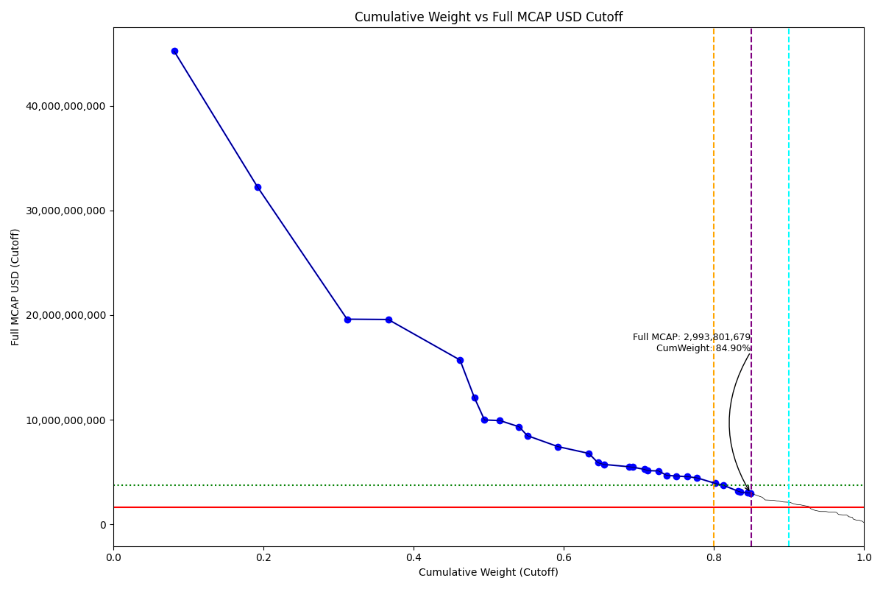
Date | Internal_Number | Instrument_Name | Country | Full_MCAP_USD_Cutoff | Weight_Cutoff | CumWeight_Cutoff | Size | Case
2019-03-18 | MX002L | Wal-Mart de Mexico SAB de CV | MX | 45,217,656,084.98 | 0.08 | 0.08 | Standard | Inside
2019-03-18 | MX001K | America Movil SAB de CV | MX | 32,242,405,523.39 | 0.11 | 0.19 | Standard | Inside
2019-03-18 | MX01O8 | Fomento Economico Mexicano | MX | 19,610,311,964.10 | 0.12 | 0.31 | Standard | Inside
2019-03-18 | MX003M | Grupo Mexico SAB de CV | MX | 19,578,093,619.17 | 0.05 | 0.37 | Standard | Inside
2019-03-18 | MX008R | Grupo Financiero Banorte SAB d | MX | 15,708,993,528.54 | 0.10 | 0.46 | Standard | Inside
2019-03-18 | MX005O | GRUPO ELEKTRA SAB DE CV | MX | 12,099,199,193.71 | 0.02 | 0.48 | Standard | Inside
2019-03-18 | MX00J2 | ARCA CONTINENTAL | MX | 9,980,745,961.05 | 0.01 | 0.49 | Standard | Inside
2019-03-18 | MX00AT | Grupo Financiero Inbursa SA | MX | 9,926,188,279.57 | 0.02 | 0.52 | Standard | Inside
2019-03-18 | MX00BU | GRUPO BIMBO 'A' | MX | 9,330,952,008.80 | 0.03 | 0.54 | Standard | Inside
2019-03-18 | MX00CV | Grupo Carso SAB de CV | MX | 8,489,442,510.88 | 0.01 | 0.55 | Standard | Inside
2019-03-18 | MX01J3 | CEMEX CPO | MX | 7,440,003,116.86 | 0.04 | 0.59 | Standard | Inside
2019-03-18 | MX004N | GRUPO TELEVISA | MX | 6,787,864,669.52 | 0.04 | 0.63 | Standard | Inside
2019-03-18 | MX401O | IENOVA | MX | 5,899,799,985.73 | 0.01 | 0.65 | Standard | Inside
2019-03-18 | MX00EX | ALFA 'A' | MX | 5,737,863,509.71 | 0.01 | 0.65 | Standard | Inside
2019-03-18 | MX203O | Fibra Uno Administracion | MX | 5,515,946,120.32 | 0.03 | 0.69 | Standard | Inside
2019-03-18 | MX801S | GMEXICO TRANSPORTES SAB DE CV | MX | 5,479,645,550.52 | 0.00 | 0.69 | Standard | Inside
2019-03-18 | MX007Q | Industrias Penoles SAB de CV | MX | 5,267,965,189.73 | 0.02 | 0.71 | Standard | Inside
2019-03-18 | MX701R | BECLE DE CV | MX | 5,148,390,361.36 | 0.00 | 0.71 | Standard | Inside
2019-03-18 | MX00DW | Mexichem SAB de CV | MX | 5,110,082,382.16 | 0.01 | 0.73 | Standard | Inside
2019-03-18 | MX016Q | GRUPO AERO. DEL SURESTE | MX | 4,697,738,449.43 | 0.01 | 0.74 | Standard | Inside
2019-03-18 | MX01XH | GRUMA 'B' | MX | 4,627,214,865.46 | 0.01 | 0.75 | Standard | Inside
2019-03-18 | MX301N | BANCO SANTANDER MEXICO 'B' | MX | 4,565,996,282.33 | 0.01 | 0.76 | Standard | Inside
2019-03-18 | MX01QA | GRUPO AERO. PACIFICO | MX | 4,452,105,680.55 | 0.01 | 0.78 | Standard | Inside
2019-03-18 | MX00O7 | MEGACABLE HOLDINGS CPO | MX | 3,932,016,496.87 | 0.02 | 0.80 | Standard | Inside
2019-03-18 | MX024P | Promotora y Opr | MX | 3,742,932,680.86 | 0.01 | 0.81 | Standard | Inside
2019-03-18 | MX00TC | Coca-Cola Femsa SAB de CV | MX | 3,182,665,825.40 | 0.02 | 0.83 | Standard | Inside
2019-03-18 | MX803U | ALPEK DE CV | MX | 3,106,419,039.90 | 0.00 | 0.84 | Standard | Inside
2019-03-18 | MX602R | TELESITES B-1 | MX | 3,015,404,618.33 | 0.01 | 0.84 | Standard | Inside
2019-03-18 | MX402P | GRUPO LALA | MX | 2,993,801,678.65 | 0.00 | 0.85 | Standard | Inside

2019-03-18_MY
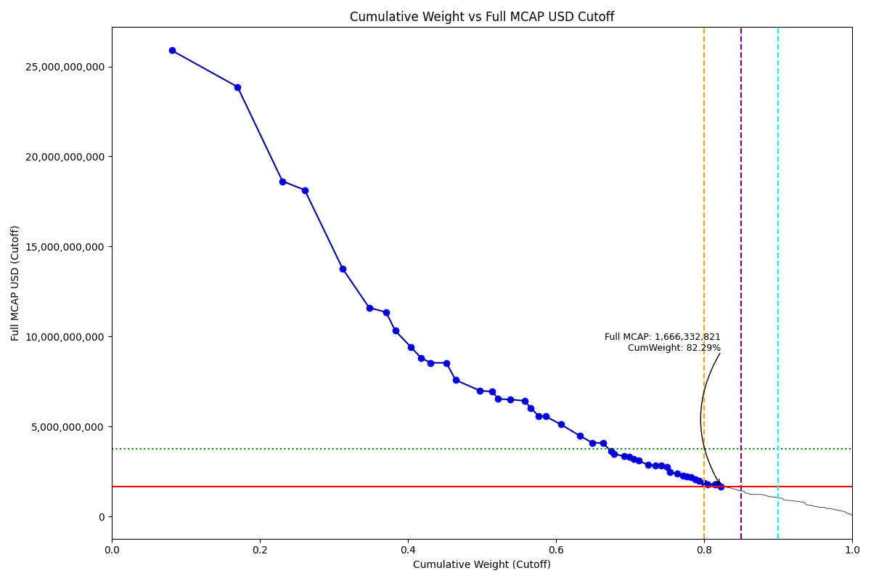
Date | Internal_Number | Instrument_Name | Country | Full_MCAP_USD_Cutoff | Weight_Cutoff | CumWeight_Cutoff | Size | Case
2019-03-18 | MY001L | Malayan Banking Bhd | MY | 25,895,503,088.25 | 0.08 | 0.08 | Standard | Below
2019-03-18 | MY004O | Public Bank Bhd | MY | 23,866,715,209.47 | 0.09 | 0.17 | Standard | Below
2019-03-18 | MY005P | Tenaga Nasional Bhd | MY | 18,624,783,552.73 | 0.06 | 0.23 | Standard | Below
2019-03-18 | MY102N | PETRONAS CHEMICALS GP. | MY | 18,138,548,979.95 | 0.03 | 0.26 | Standard | Below
2019-03-18 | MY002M | CIMB Group Holdings Bhd | MY | 13,759,350,344.06 | 0.05 | 0.31 | Standard | Below
2019-03-18 | MY24G6 | IHH HEALTHCARE | MY | 11,599,058,612.01 | 0.04 | 0.35 | Standard | Below
2019-03-18 | MY101M | HONG LEONG BANK | MY | 11,343,735,678.50 | 0.02 | 0.37 | Standard | Below
2019-03-18 | MY009T | Maxis Bhd | MY | 10,314,195,189.00 | 0.01 | 0.38 | Standard | Below
2019-03-18 | MY006Q | Axiata Group Bhd | MY | 9,406,466,289.11 | 0.02 | 0.40 | Standard | Below
2019-03-18 | MY00N7 | Petronas Gas BHD | MY | 8,797,656,856.19 | 0.01 | 0.42 | Standard | Below
2019-03-18 | MY223R | NESTLE (MALAYSIA) | MY | 8,534,659,448.19 | 0.01 | 0.43 | Standard | Below
2019-03-18 | MY70G7 | SIME DARBY PLANTATION | MY | 8,529,318,418.34 | 0.02 | 0.45 | Standard | Below
2019-03-18 | MY00I2 | MISC Bhd | MY | 7,574,165,345.21 | 0.01 | 0.46 | Standard | Below
2019-03-18 | MY008S | Genting Bhd | MY | 6,980,882,628.34 | 0.03 | 0.50 | Standard | Below
2019-03-18 | MY007R | IOI Corp Bhd | MY | 6,938,978,252.94 | 0.02 | 0.51 | Standard | Below
2019-03-18 | MY21K7 | PETRONAS DAGANGAN | MY | 6,522,899,062.14 | 0.01 | 0.52 | Standard | Below
2019-03-18 | MY00CW | Kuala Lumpur Kepong Bhd | MY | 6,494,580,764.06 | 0.02 | 0.54 | Standard | Below
2019-03-18 | MY00EY | PPB Group Bhd | MY | 6,422,987,427.48 | 0.02 | 0.56 | Standard | Below
2019-03-18 | MY245V | HAP SENG CONSOLIDATED | MY | 6,030,615,939.22 | 0.01 | 0.57 | Standard | Below
2019-03-18 | MY00J3 | RHB BANK BHD | MY | 5,581,454,371.22 | 0.01 | 0.58 | Standard | Below
2019-03-18 | MY21OB | HONG LEONG FINL.GP. | MY | 5,559,131,492.64 | 0.01 | 0.59 | Standard | Below
2019-03-18 | MY00DX | Genting Malaysia BHD | MY | 5,110,850,026.10 | 0.02 | 0.61 | Standard | Below
2019-03-18 | MY23K9 | DIALOG GROUP | MY | 4,481,152,290.22 | 0.03 | 0.63 | Standard | Below
2019-03-18 | MY21D0 | PRESS METAL ALUMINIUM HOLDINGS | MY | 4,087,262,563.28 | 0.02 | 0.65 | Standard | Below
2019-03-18 | MY22AY | HARTALEGA HOLDINGS | MY | 4,082,790,556.39 | 0.01 | 0.66 | Standard | Below
2019-03-18 | MY003N | Sime Darby Bhd | MY | 3,629,141,366.24 | 0.01 | 0.67 | Standard | Below
2019-03-18 | MY20SE | KLCC PROPERTY HOLDINGS | MY | 3,480,607,386.13 | 0.00 | 0.68 | Standard | Below
2019-03-18 | MY22MA | MALAYSIA AIRPORTS HDG. | MY | 3,333,498,703.84 | 0.01 | 0.69 | Standard | Below
2019-03-18 | MY00FZ | AMMB Holdings Bhd | MY | 3,313,286,866.07 | 0.01 | 0.70 | Standard | Below
2019-03-18 | MY242S | FRASER & NEAVE HDG. | MY | 3,183,905,804.27 | 0.01 | 0.71 | Standard | Below
2019-03-18 | MY501Q | WESTPORTS HOLDINGS | MY | 3,094,299,728.31 | 0.01 | 0.71 | Standard | Below
2019-03-18 | MY208U | TOP GLOVE | MY | 2,856,864,807.49 | 0.01 | 0.72 | Standard | Below
2019-03-18 | MY104P | YTL | MY | 2,844,032,261.36 | 0.01 | 0.73 | Standard | Below
2019-03-18 | MY00G0 | Telekom Malaysia Bhd | MY | 2,818,582,277.57 | 0.01 | 0.74 | Standard | Below
2019-03-18 | MY20L7 | QL RESOURCES | MY | 2,752,953,676.95 | 0.01 | 0.75 | Standard | Below
2019-03-18 | MY70E5 | LOTTE CHEMICAL TITAN | MY | 2,463,019,969.45 | 0.00 | 0.75 | Standard | Below
2019-03-18 | MY22ZN | BRIT.AMER.TOB.(MALAYSIA) | MY | 2,366,264,456.36 | 0.01 | 0.76 | Standard | Below
2019-03-18 | MY103O | AIRASIA GROUP | MY | 2,276,483,360.84 | 0.01 | 0.77 | Standard | Below
2019-03-18 | MY21BY | SP SETIA | MY | 2,228,308,476.79 | 0.01 | 0.78 | Standard | Below
2019-03-18 | MY407V | IOI PROPERTIES GROUP | MY | 2189253203 | 0.0053337440291 | 0.78216725576 | Standard | Below
2019-03-18 | MY00UE | Genting Plantations Bhd | MY | 2073390862.7 | 0.0064897842198 | 0.78865703998 | Standard | Below
2019-03-18 | MY23AZ | SUNWAY | MY | 1961765245.9 | 0.0048481492939 | 0.79350518927 | Standard | Below
2019-03-18 | MY23F4 | CARLSBERG BREWERY MAL. | MY | 1856130062 | 0.0069180504044 | 0.80042323967 | Standard | Below
2019-03-18 | MY00H1 | YTL Power International Bhd | MY | 1785493499.9 | 0.0043120247047 | 0.80473526438 | Standard | Below
2019-03-18 | MY00L5 | Gamuda Bhd | MY | 1771850661.5 | 0.0096201733076 | 0.81435543769 | Standard | Below
2019-03-18 | MY70H8 | SIME DARBY PROPERTY | MY | 1756036145 | 0.0045040194166 | 0.8188594571 | Standard | Below
2019-03-18 | MY00K4 | UMW Holdings Bhd | MY | 1666332821.4 | 0.0040457949554 | 0.82290525206 | Standard | Below

2019-03-18_PH
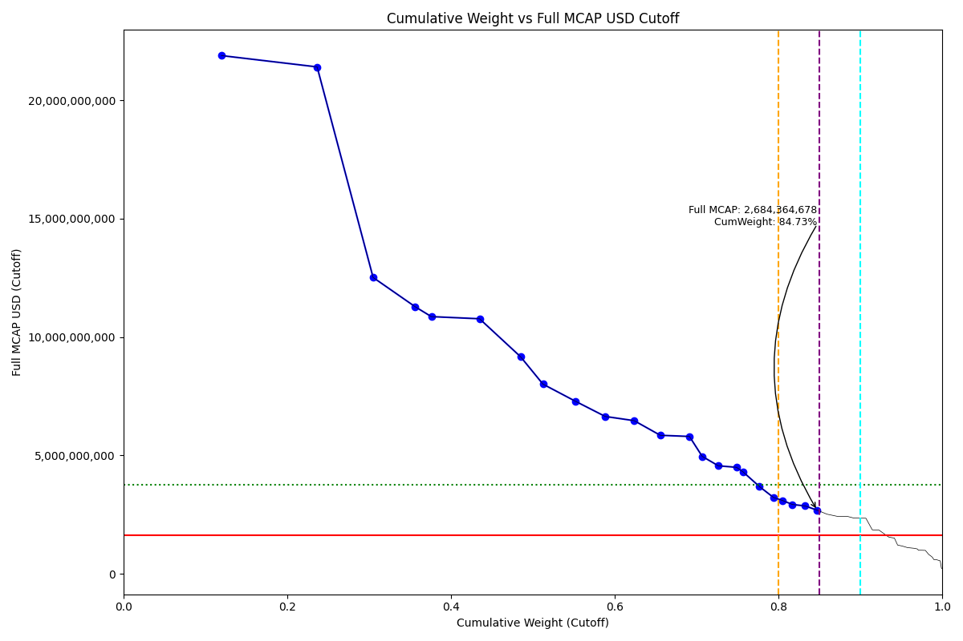
Date | Internal_Number | Instrument_Name | Country | Full_MCAP_USD_Cutoff | Weight_Cutoff | CumWeight_Cutoff | Size | Case
2019-03-18 | PH045F | SM Investments Corp | PH | 21,893,062,373.85 | 0.12 | 0.12 | Standard | Inside
2019-03-18 | PH046G | SM Prime Holdings Inc | PH | 21,413,758,248.58 | 0.12 | 0.24 | Standard | Inside
2019-03-18 | PH044E | Ayala Land Inc | PH | 12,516,601,748.60 | 0.07 | 0.30 | Standard | Inside
2019-03-18 | PH048I | Ayala Corp | PH | 11,278,634,362.43 | 0.05 | 0.36 | Standard | Inside
2019-03-18 | PH104B | SAN MIGUEL | PH | 10,862,903,817.98 | 0.02 | 0.38 | Standard | Inside
2019-03-18 | PH049J | Banco de Oro Unibank Inc | PH | 10,772,676,132.43 | 0.06 | 0.43 | Standard | Inside
2019-03-18 | PH204C | JG SUMMIT HDG. | PH | 9,168,224,351.48 | 0.05 | 0.49 | Standard | Inside
2019-03-18 | PH202A | MANILA ELECTRIC | PH | 8,010,863,755.83 | 0.03 | 0.51 | Standard | Inside
2019-03-18 | PH04BL | Bank of the Philippine Islands | PH | 7,285,311,383.77 | 0.04 | 0.55 | Standard | Inside
2019-03-18 | PH04CM | Aboitiz Equity Ventures Inc | PH | 6,644,657,174.11 | 0.04 | 0.59 | Standard | Inside
2019-03-18 | PH205D | JOLLIBEE FOODS | PH | 6,466,913,437.03 | 0.04 | 0.62 | Standard | Inside
2019-03-18 | PH04AK | Metropolitan Bank & Trust | PH | 5,848,442,132.47 | 0.03 | 0.66 | Standard | Inside
2019-03-18 | PH04EO | Universal Robina Corp | PH | 5,800,207,119.97 | 0.04 | 0.69 | Standard | Inside
2019-03-18 | PH047H | Aboitiz Power Corp | PH | 4,958,383,626.82 | 0.02 | 0.71 | Standard | Inside
2019-03-18 | PH04GQ | ICTSI | PH | 4,559,169,062.45 | 0.02 | 0.73 | Standard | Inside
2019-03-18 | PH806K | GOLDEN BRIA | PH | 4,495,875,674.43 | 0.02 | 0.75 | Standard | Inside
2019-03-18 | PH043D | PLDT | PH | 4,302,738,929.86 | 0.01 | 0.76 | Standard | Inside
2019-03-18 | PH20IQ | GT CAPITAL HOLDINGS | PH | 3,680,733,882.44 | 0.02 | 0.78 | Standard | Inside
2019-03-18 | PH04KU | Megaworld Corp | PH | 3,222,700,925.14 | 0.02 | 0.79 | Standard | Inside
2019-03-18 | PH30AJ | LT GROUP | PH | 3,096,610,713.78 | 0.01 | 0.80 | Standard | Inside
2019-03-18 | PH04JT | DMCI Holdings Inc | PH | 2,926,591,266.30 | 0.01 | 0.82 | Standard | Inside
2019-03-18 | PH04IS | Metro Pacific Investments Corp | PH | 2,862,911,433.32 | 0.02 | 0.83 | Standard | Inside
2019-03-18 | PH04HR | Alliance Global Group Inc | PH | 2,684,364,677.65 | 0.01 | 0.85 | Standard | Inside

2019-03-18_PK
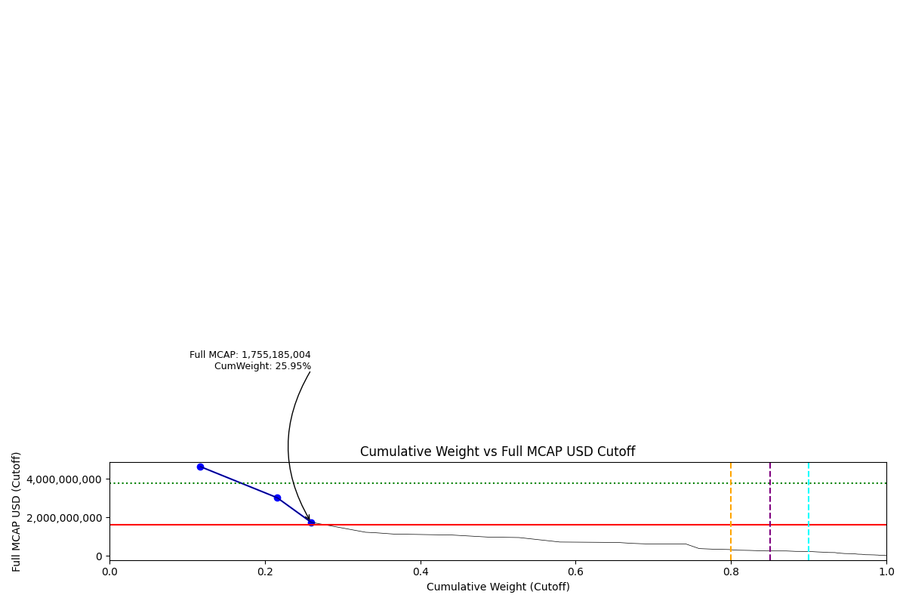
Date | Internal_Number | Instrument_Name | Country | Full_MCAP_USD_Cutoff | Weight_Cutoff | CumWeight_Cutoff | Size | Case
2019-03-18 | PK20Q1 | OIL & GAS DEVELOPMENT | PK | 4,642,241,531.06 | 0.12 | 0.12 | Standard | Below
2019-03-18 | PK20S3 | PAKISTAN PETROLEUM | PK | 3,027,794,163.57 | 0.10 | 0.22 | Standard | Below
2019-03-18 | PK219L | MCB BANK | PK | 1,755,185,003.78 | 0.04 | 0.26 | Standard | Below

2019-03-18_PL
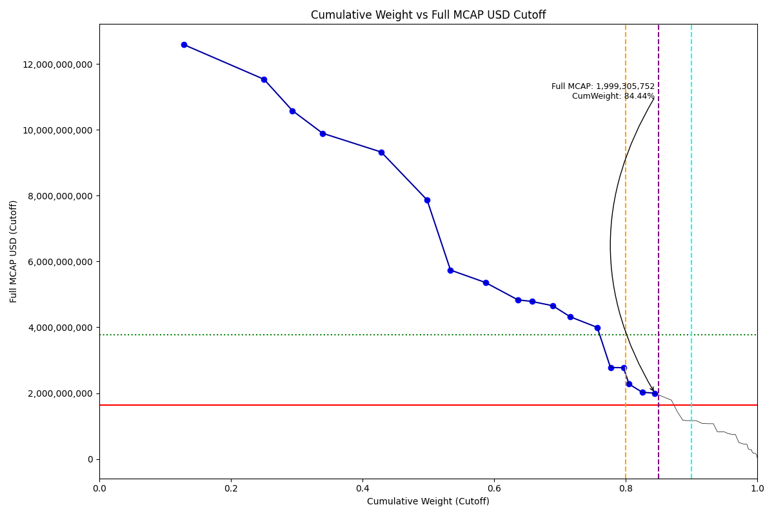
Date | Internal_Number | Instrument_Name | Country | Full_MCAP_USD_Cutoff | Weight_Cutoff | CumWeight_Cutoff | Size | Case
2019-03-18 | B03NGS | PKO BANK | PL | 12,584,440,140.78 | 0.13 | 0.13 | Standard | Inside
2019-03-18 | 581006 | PKNORLEN | PL | 11,534,692,278.16 | 0.12 | 0.25 | Standard | Inside
2019-03-18 | B0L911 | POLISH OIL AND GAS | PL | 10,582,558,431.82 | 0.04 | 0.29 | Standard | Inside
2019-03-18 | 715363 | SANTANDER BANK POLSKA | PL | 9,895,292,762.38 | 0.05 | 0.34 | Standard | Inside
2019-03-18 | PL001B | PZU GROUP | PL | 9,324,326,034.71 | 0.09 | 0.43 | Standard | Inside
2019-03-18 | 547311 | PEKAO | PL | 7,870,331,320.77 | 0.07 | 0.50 | Standard | Inside
2019-03-18 | EW059 | PGE | PL | 5,740,205,288.53 | 0.04 | 0.53 | Standard | Inside
2019-03-18 | 526325 | KGHM | PL | 5,361,950,730.86 | 0.05 | 0.59 | Standard | Inside
2019-03-18 | PL106H | CD PROJECT SA | PL | 4,835,921,662.29 | 0.05 | 0.64 | Standard | Inside
2019-03-18 | 414305 | MBANK | PL | 4,786,110,289.35 | 0.02 | 0.66 | Standard | Inside
2019-03-18 | B0B8Z4 | GRUPA LOTOS | PL | 4,656,969,757.71 | 0.03 | 0.69 | Standard | Inside
2019-03-18 | EW041 | CYFROWY POLSAT | PL | 4,319,523,548.68 | 0.03 | 0.72 | Standard | Inside
2019-03-18 | 712797 | LPP | PL | 3,998,043,435.48 | 0.04 | 0.76 | Standard | Inside
2019-03-18 | 407732 | BANK MILLENNIUM | PL | 2,777,167,629.09 | 0.02 | 0.78 | Standard | Inside
2019-03-18 | PL704L | DINO POLSKA SA | PL | 2,776,325,987.80 | 0.02 | 0.80 | Standard | Inside
2019-03-18 | 525606 | HANDLOWY | PL | 2,278,820,496.31 | 0.01 | 0.81 | Standard | Inside
2019-03-18 | PL303G | ALIOR BANK | PL | 2,028,203,986.17 | 0.02 | 0.83 | Standard | Inside
2019-03-18 | B04QR1 | CCC SA | PL | 1,999,305,752.26 | 0.02 | 0.84 | Standard | Inside

2019-03-18_RU
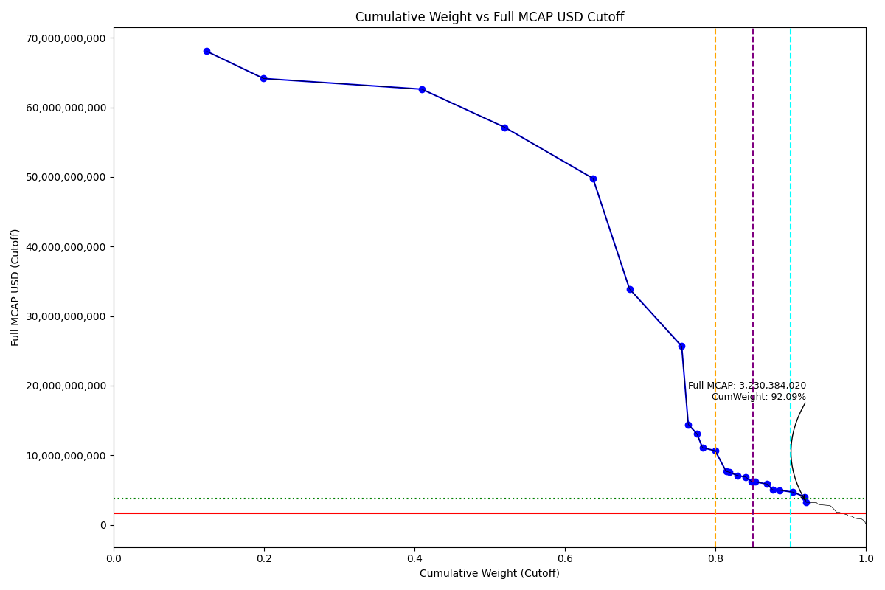
Date | Internal_Number | Instrument_Name | Country | Full_MCAP_USD_Cutoff | Weight_Cutoff | CumWeight_Cutoff | Size | Case
2019-03-18 | EV023 | SBERBANK | RU | 68,073,566,855.79 | 0.12 | 0.12 | Standard | Above - Companies in between Upper and Lower GMSR
2019-03-18 | EV021 | ROSNEFT | RU | 64,139,869,190.24 | 0.08 | 0.20 | Standard | Above - Companies in between Upper and Lower GMSR
2019-03-18 | EV020 | LUKOIL | RU | 62,610,133,053.68 | 0.21 | 0.41 | Standard | Above - Companies in between Upper and Lower GMSR
2019-03-18 | EV019 | GAZPROM | RU | 57,118,163,483.55 | 0.11 | 0.52 | Standard | Above - Companies in between Upper and Lower GMSR
2019-03-18 | B058LB | NOVATEK | RU | 49,781,941,676.75 | 0.12 | 0.64 | Standard | Above - Companies in between Upper and Lower GMSR
2019-03-18 | EV022 | MMC NORILSK NICKEL | RU | 33,894,024,145.93 | 0.05 | 0.69 | Standard | Above - Companies in between Upper and Lower GMSR
2019-03-18 | EV015 | TATNEFT | RU | 25,659,901,290.35 | 0.07 | 0.76 | Standard | Above - Companies in between Upper and Lower GMSR
2019-03-18 | EV009 | NLMK | RU | 14,410,110,028.26 | 0.01 | 0.76 | Standard | Above - Companies in between Upper and Lower GMSR
2019-03-18 | EV013 | SEVERSTAL | RU | 13,078,889,281.94 | 0.01 | 0.78 | Standard | Above - Companies in between Upper and Lower GMSR
2019-03-18 | EV010 | POLYUS | RU | 11,086,873,535.65 | 0.01 | 0.78 | Standard | Above - Companies in between Upper and Lower GMSR
2019-03-18 | RU501R | ALROSA | RU | 10,629,013,527.40 | 0.02 | 0.80 | Standard | Above - Companies in between Upper and Lower GMSR
2019-03-18 | 715033 | MTS | RU | 7,672,566,414.49 | 0.01 | 0.81 | Standard | Above - Companies in between Upper and Lower GMSR
2019-03-18 | EV048 | MMK | RU | 7,546,111,572.40 | 0.00 | 0.82 | Standard | Above - Companies in between Upper and Lower GMSR
2019-03-18 | EV017 | VTB BANK | RU | 7,060,887,768.54 | 0.01 | 0.83 | Standard | Above - Companies in between Upper and Lower GMSR
2019-03-18 | NL0019 | X5 RETAIL GROUP NV GDR | RU | 6,870,793,661.60 | 0.01 | 0.84 | Standard | Above - Companies in between Upper and Lower GMSR
2019-03-18 | EV060 | INTER RAO UES | RU | 6,202,602,979.46 | 0.01 | 0.85 | Standard | Above - Companies in between Upper and Lower GMSR
2019-03-18 | RU505V | MEGAFON | RU | 6,160,870,478.48 | 0.00 | 0.85 | Standard | Above - Companies in between Upper and Lower GMSR
2019-03-18 | EV050 | MAGNIT | RU | 5,845,963,428.65 | 0.02 | 0.87 | Standard | Above - Companies in between Upper and Lower GMSR
2019-03-18 | RU201O | PHOSAGRO | RU | 5,021,140,701.40 | 0.01 | 0.88 | Standard | Above - Companies in between Upper and Lower GMSR
2019-03-18 | RU10DZ | MAIL RU GROUP GDR | RU | 4,960,508,455.70 | 0.01 | 0.89 | Standard | Above - Companies in between Upper and Lower GMSR
2019-03-18 | 50058A | SURGUTNEFTEGAS PREF. | RU | 4,695,707,306.40 | 0.02 | 0.90 | Standard | Above - Companies in between Upper and Lower GMSR
2019-03-18 | EV059 | TRANSNEFT PFD. | RU | 4,025,466,585.66 | 0.02 | 0.92 | Standard | Above - Companies in between Upper and Lower GMSR
2019-03-18 | EV052 | FED.GRID CO.OF UNG.SY. | RU | 3,230,384,019.56 | 0.00 | 0.92 | Standard | Above - Companies in between Upper and Lower GMSR

2019-03-18_TH
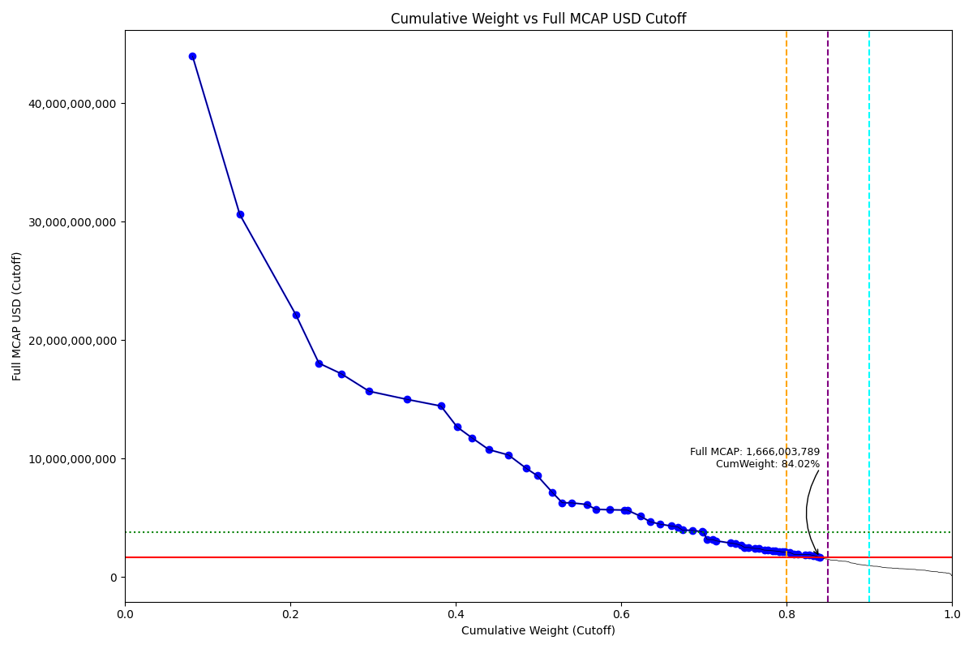
Date | Internal_Number | Instrument_Name | Country | Full_MCAP_USD_Cutoff | Weight_Cutoff | CumWeight_Cutoff | Size | Case
2019-03-18 | TH002C | PTT PCL | TH | 43,960,455,401.37 | 0.08 | 0.08 | Standard | Below
2019-03-18 | TH00R1 | AIRPORTS OF THAILAND | TH | 30,600,038,989.22 | 0.06 | 0.14 | Standard | Below
2019-03-18 | TH00DN | CP ALL PCL | TH | 22,163,756,923.02 | 0.07 | 0.21 | Standard | Below
2019-03-18 | TH008I | Siam Cement PCL | TH | 18,049,961,048.40 | 0.03 | 0.23 | Standard | Below
2019-03-18 | TH007H | ADVANCED INFO SERVICE PCL | TH | 17,171,052,024.86 | 0.03 | 0.26 | Standard | Below
2019-03-18 | TH003D | PTT Exploration & Production P | TH | 15,684,653,987.65 | 0.03 | 0.30 | Standard | Below
2019-03-18 | TH006G | Kasikornbank PCL | TH | 14,999,393,493.87 | 0.05 | 0.34 | Standard | Below
2019-03-18 | TH004E | Siam Commercial Bank PCL | TH | 14,437,761,917.84 | 0.04 | 0.38 | Standard | Below
2019-03-18 | TH005F | Bangkok Bank PCL | TH | 12,659,983,888.54 | 0.02 | 0.40 | Standard | Below
2019-03-18 | TH101C | BGK.DUSIT MED.SVS. | TH | 11,732,121,307.61 | 0.02 | 0.42 | Standard | Below
2019-03-18 | TH00S2 | Central Pattana PCL | TH | 10,752,674,053.24 | 0.02 | 0.44 | Standard | Below
2019-03-18 | TH00BL | PTT GLOBAL CHEMICAL PCL | TH | 10,301,841,890.50 | 0.02 | 0.46 | Standard | Below
2019-03-18 | TH00GQ | Indorama Ventures PCL | TH | 9,175,695,898.46 | 0.02 | 0.49 | Standard | Below
2019-03-18 | TH00CM | Krung Thai Bank PCL | TH | 8,559,704,765.52 | 0.01 | 0.50 | Standard | Below
2019-03-18 | TH009J | Charoen Pokphand Foods PCL | TH | 7,173,181,219.63 | 0.02 | 0.52 | Standard | Below
2019-03-18 | TH222G | BERLI JUCKER | TH | 6,267,649,351.91 | 0.01 | 0.53 | Standard | Below
2019-03-18 | TH20EQ | HOME PRODUCT CENTER | TH | 6,259,984,496.07 | 0.01 | 0.54 | Standard | Below
2019-03-18 | TH80FX | GULF ENERGY DEVELOPMENT | TH | 6,126,567,092.76 | 0.02 | 0.56 | Standard | Below
2019-03-18 | TH103E | TRUE CORPORATION | TH | 5,717,986,950.37 | 0.01 | 0.57 | Standard | Below
2019-03-18 | TH224I | MINOR INTERNATIONAL | TH | 5,679,737,856.43 | 0.02 | 0.59 | Standard | Below
2019-03-18 | TH702J | ENERGY ABSOLUTE | TH | 5,651,957,520.09 | 0.02 | 0.60 | Standard | Below
2019-03-18 | TH21P2 | INTOUCH HOLDINGS | TH | 5,647,160,283.68 | 0.00 | 0.61 | Standard | Below
2019-03-18 | TH20BN | BANGKOK EXPRESSWAY AND METRO | TH | 5,141,478,092.52 | 0.02 | 0.62 | Standard | Below
2019-03-18 | TH00IS | Thai Oil PCL | TH | 4,677,250,542.15 | 0.01 | 0.63 | Standard | Below
2019-03-18 | TH207J | ELECTRICITY GENERATING | TH | 4,460,642,796.19 | 0.01 | 0.65 | Standard | Below
2019-03-18 | TH21HU | BUMRUNGRAD HOSPITAL | TH | 4,312,328,530.55 | 0.01 | 0.66 | Standard | Below
2019-03-18 | TH00T3 | Glow Energy PCL | TH | 4,224,373,730.62 | 0.01 | 0.67 | Standard | Below
2019-03-18 | TH00MW | Land and Houses PCL | TH | 3,962,937,921.78 | 0.01 | 0.67 | Standard | Below
2019-03-18 | TH00Q0 | BTS Group Holdings PCL | TH | 3,938,837,393.93 | 0.01 | 0.69 | Standard | Below
2019-03-18 | TH00JT | IRPC PCL | TH | 3,825,876,901.33 | 0.01 | 0.70 | Standard | Below
2019-03-18 | TH00FP | Total Access Communication PCL | TH | 3,813,289,360.48 | 0.00 | 0.70 | Standard | Below
2019-03-18 | TH00HR | TMB Bank PCL | TH | 3,169,558,064.52 | 0.00 | 0.70 | Standard | Below
2019-03-18 | TH510G | MUANGTHAI CAPITAL | TH | 3,161,916,524.02 | 0.01 | 0.71 | Standard | Below
2019-03-18 | TH515L | GLOBAL POWER SYNERGY | TH | 3,054,842,504.94 | 0.00 | 0.72 | Standard | Below
2019-03-18 | TH20T5 | DELTA ELECTRONICS | TH | 2,869,815,826.35 | 0.02 | 0.73 | Standard | Below
2019-03-18 | TH00PZ | THAI UNION GROUP | TH | 2,801,380,187.96 | 0.01 | 0.74 | Standard | Below
2019-03-18 | TH00AK | Banpu PCL | TH | 2,670,029,251.11 | 0.01 | 0.75 | Standard | Below
2019-03-18 | TH001B | Ratchaburi Electricity Generat | TH | 2,496,229,010.14 | 0.00 | 0.75 | Standard | Below
2019-03-18 | TH50HW | KRUNGTHAI CARD | TH | 2,495,489,277.01 | 0.01 | 0.75 | Standard | Below
2019-03-18 | TH21T6 | SIAM GLOBAL HOUSE | TH | 2412628603.1 | 0.007318002783 | 0.76178261132 | Standard | Below
2019-03-18 | TH70CT | B GRIMM POWER | TH | 2399048629.1 | 0.0048750908073 | 0.76665770213 | Standard | Below
2019-03-18 | TH20ZB | ROBINSON | TH | 2273306376.9 | 0.0065304832921 | 0.77318818542 | Standard | Below
2019-03-18 | TH806O | TOA PAINT THAILAND | TH | 2253547791.6 | 0.004768709672 | 0.77795689509 | Standard | Below
2019-03-18 | TH21YB | TISCO FINANCIAL GROUP | TH | 2223128572.7 | 0.0053945540879 | 0.78335144918 | Standard | Below
2019-03-18 | TH704L | BANPU POWER | TH | 2203624087.2 | 0.0029382392769 | 0.78628968845 | Standard | Below
2019-03-18 | TH403H | MK RESTAURANT GROUP | TH | 2170088701.9 | 0.0044543801616 | 0.79074406862 | Standard | Below
2019-03-18 | TH302F | VGI GLOBAL MEDIA | TH | 2117954274.4 | 0.0041958225884 | 0.7949398912 | Standard | Below
2019-03-18 | TH22BP | SIAM CITY CEMENT | TH | 2108811714.9 | 0.003078253648 | 0.79801814485 | Standard | Below
2019-03-18 | TH21W9 | THANACHART CAPITAL | TH | 2061251102 | 0.0062842647994 | 0.80430240965 | Standard | Below
2019-03-18 | TH21IV | CENTRAL PLAZA HOTEL | TH | 1917094359.8 | 0.0047712363025 | 0.80907364595 | Standard | Below
2019-03-18 | TH303G | WHA CORPORATION | TH | 1908897854.3 | 0.0046974494606 | 0.81377109542 | Standard | Below
2019-03-18 | TH90AT | CPN RETAIL GROWTH LEASEHOLD REIT | TH | 1895654570.3 | 0.0086101266622 | 0.82238122208 | Standard | Below
2019-03-18 | TH223H | KIATNAKIN BANK | TH | 1894355889.1 | 0.0051861100325 | 0.82756733211 | Standard | Below
...

2019-03-18_TR
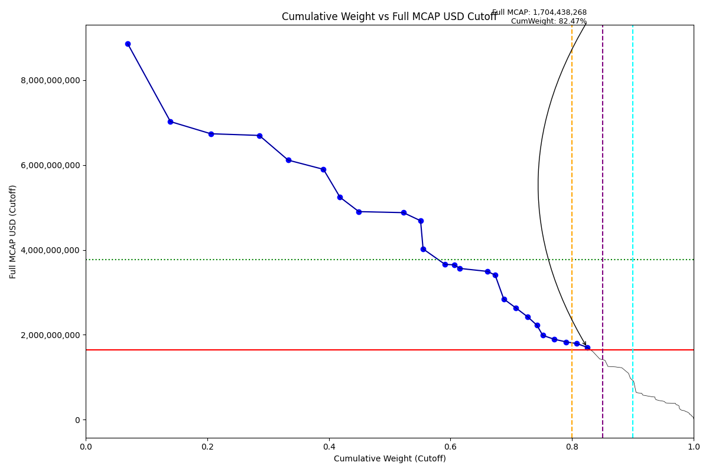
Full_MCAP_USD_Cutoff | Weight_Cutoff | CumWeight_Cutoff | Size | Case
8,861,830,336.22 | 0.07 | 0.07 | Standard | Below
7,023,601,744.40 | 0.07 | 0.14 | Standard | Below
6,736,980,000.75 | 0.07 | 0.21 | Standard | Below
6,697,393,463.51 | 0.08 | 0.29 | Standard | Below
6,115,467,886.57 | 0.05 | 0.33 | Standard | Below
5,897,995,699.31 | 0.06 | 0.39 | Standard | Below
5,240,479,789.69 | 0.03 | 0.42 | Standard | Below
4,901,560,634.41 | 0.03 | 0.45 | Standard | Below
4,877,848,666.96 | 0.07 | 0.52 | Standard | Below
4,686,900,587.50 | 0.03 | 0.55 | Standard | Below
4,023,235,464.31 | 0.00 | 0.55 | Standard | Below
3,658,257,141.76 | 0.04 | 0.59 | Standard | Below
3,647,900,872.48 | 0.02 | 0.61 | Standard | Below
3,562,981,826.62 | 0.01 | 0.62 | Standard | Below
3,492,469,823.85 | 0.05 | 0.66 | Standard | Below
3,404,781,972.77 | 0.01 | 0.67 | Standard | Below
2,843,073,896.38 | 0.01 | 0.69 | Standard | Below
2,637,536,663.01 | 0.02 | 0.71 | Standard | Below
2,418,440,703.15 | 0.02 | 0.73 | Standard | Below
2,226,771,136.43 | 0.01 | 0.74 | Standard | Below
1,985,371,088.87 | 0.01 | 0.75 | Standard | Below
1,894,723,502.19 | 0.02 | 0.77 | Standard | Below
1,831,265,797.55 | 0.02 | 0.79 | Standard | Below
1,792,739,474.72 | 0.02 | 0.81 | Standard | Below
1,704,438,267.65 | 0.02 | 0.82 | Standard | Below

2019-03-18_TW
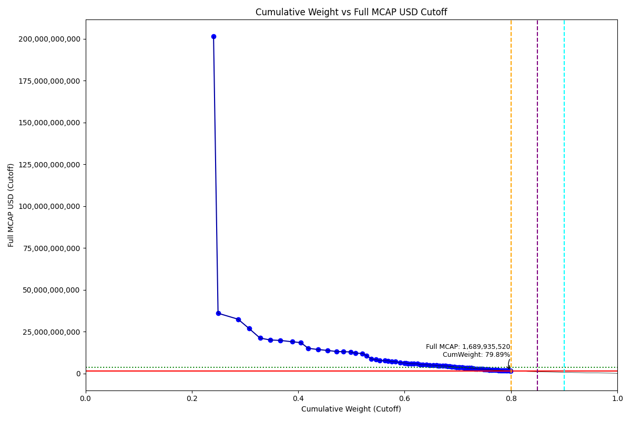
Full_MCAP_USD_Cutoff | Weight_Cutoff | CumWeight_Cutoff | Size | Case
201,369,410,798.83 | 0.24 | 0.24 | Standard | Below
36,059,174,030.92 | 0.01 | 0.25 | Standard | Below
32,507,786,606.41 | 0.04 | 0.29 | Standard | Below
26,970,169,515.87 | 0.02 | 0.31 | Standard | Below
21,200,881,787.73 | 0.02 | 0.33 | Standard | Below
20,091,811,459.99 | 0.02 | 0.35 | Standard | Below
19,816,439,663.05 | 0.02 | 0.37 | Standard | Below
19,003,191,642.92 | 0.02 | 0.39 | Standard | Below
18,491,831,824.18 | 0.02 | 0.41 | Standard | Below
15,129,379,380.27 | 0.01 | 0.42 | Standard | Below
14,393,831,610.80 | 0.02 | 0.44 | Standard | Below
13,846,652,106.19 | 0.02 | 0.45 | Standard | Below
13,208,537,331.60 | 0.02 | 0.47 | Standard | Below
13,068,903,310.08 | 0.01 | 0.49 | Standard | Below
12,955,443,653.63 | 0.01 | 0.50 | Standard | Below
12,226,598,252.91 | 0.01 | 0.51 | Standard | Below
12,041,508,691.04 | 0.01 | 0.52 | Standard | Below
10,758,856,470.33 | 0.01 | 0.53 | Standard | Below
8,825,842,416.32 | 0.01 | 0.54 | Standard | Below
8,338,901,114.88 | 0.01 | 0.55 | Standard | Below
7,800,236,396.21 | 0.01 | 0.55 | Standard | Below
7,762,081,263.50 | 0.01 | 0.56 | Standard | Below
7,633,684,489.67 | 0.01 | 0.57 | Standard | Below
7,178,432,154.80 | 0.01 | 0.58 | Standard | Below
7,088,995,191.00 | 0.01 | 0.58 | Standard | Below
6,625,994,353.30 | 0.01 | 0.59 | Standard | Below
6,373,358,029.10 | 0.01 | 0.60 | Standard | Below
6,268,044,374.18 | 0.00 | 0.60 | Standard | Below
6,034,923,256.39 | 0.00 | 0.61 | Standard | Below
5,936,252,639.79 | 0.01 | 0.61 | Standard | Below
5,884,563,705.50 | 0.00 | 0.62 | Standard | Below
5,812,061,811.36 | 0.01 | 0.62 | Standard | Below
5,304,788,445.89 | 0.01 | 0.63 | Standard | Below
5,302,076,008.69 | 0.00 | 0.63 | Standard | Below
5,297,418,759.92 | 0.01 | 0.64 | Standard | Below
5,069,822,341.76 | 0.01 | 0.65 | Standard | Below
5,055,640,096.38 | 0.01 | 0.65 | Standard | Below
4,850,818,000.52 | 0.01 | 0.66 | Standard | Below
4,759,437,795.29 | 0.00 | 0.66 | Standard | Below
4736527679.3 | 0.0032472859922 | 0.66606009877 | Standard | Below
4622311182.4 | 0.0059045668493 | 0.67196466562 | Standard | Below
4607802712.2 | 0.0042920957347 | 0.67625676136 | Standard | Below
4484723364 | 0.004745174466 | 0.68100193582 | Standard | Below
4237787041.5 | 0.0035706611628 | 0.68457259699 | Standard | Below
4199520231.8 | 0.0038441944376 | 0.68841679142 | Standard | Below
3936897503.1 | 0.0050290154791 | 0.6934458069 | Standard | Below
3749308112.7 | 0.0035762358064 | 0.69702204271 | Standard | Below
3715023895.9 | 0.0041386315324 | 0.70116067424 | Standard | Below
...

2019-03-18_ZA
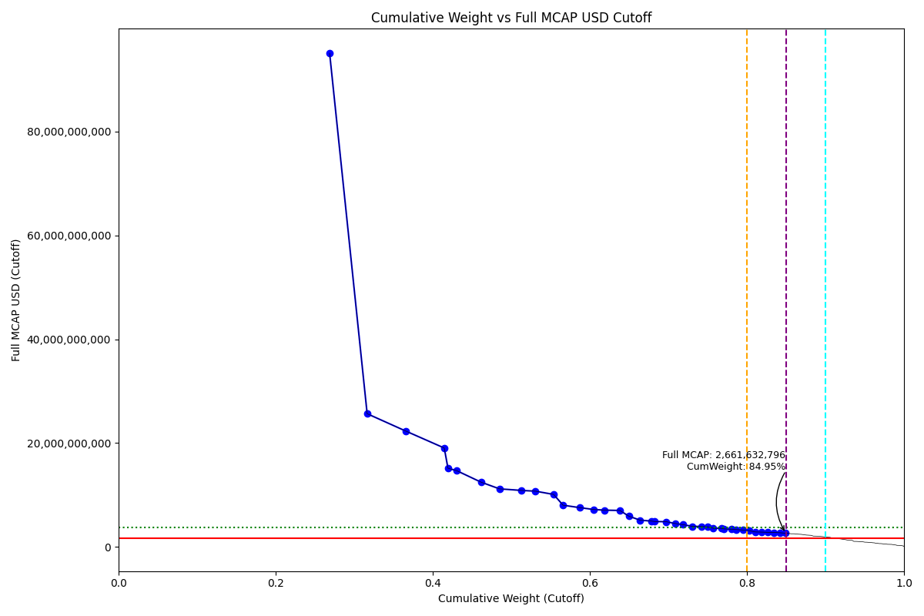
Full_MCAP_USD_Cutoff | Weight_Cutoff | CumWeight_Cutoff | Size | Case
95,012,888,671.06 | 0.27 | 0.27 | Standard | Inside
25,653,679,733.47 | 0.05 | 0.32 | Standard | Inside
22,298,549,185.61 | 0.05 | 0.37 | Standard | Inside
19,053,292,149.91 | 0.05 | 0.41 | Standard | Inside
15,162,235,314.40 | 0.00 | 0.42 | Standard | Inside
14,704,211,103.63 | 0.01 | 0.43 | Standard | Inside
12,491,859,089.82 | 0.03 | 0.46 | Standard | Inside
11,193,065,258.86 | 0.02 | 0.49 | Standard | Inside
10,889,335,148.04 | 0.03 | 0.51 | Standard | Inside
10,742,063,135.66 | 0.02 | 0.53 | Standard | Inside
10,118,657,008.69 | 0.02 | 0.55 | Standard | Inside
8,044,514,107.19 | 0.01 | 0.57 | Standard | Inside
7,573,161,893.93 | 0.02 | 0.59 | Standard | Inside
7,221,408,690.14 | 0.02 | 0.60 | Standard | Inside
7,088,624,349.11 | 0.01 | 0.62 | Standard | Inside
7,029,426,714.89 | 0.02 | 0.64 | Standard | Inside
5,922,755,352.01 | 0.01 | 0.65 | Standard | Inside
5,160,134,816.88 | 0.01 | 0.66 | Standard | Inside
4,994,030,007.15 | 0.01 | 0.68 | Standard | Inside
4,902,640,530.72 | 0.00 | 0.68 | Standard | Inside
4,864,055,458.58 | 0.01 | 0.70 | Standard | Inside
4,526,864,800.28 | 0.01 | 0.71 | Standard | Inside
4,286,122,813.01 | 0.01 | 0.72 | Standard | Inside
3,981,935,841.66 | 0.01 | 0.73 | Standard | Inside
3,943,081,844.23 | 0.01 | 0.74 | Standard | Inside
3,870,519,275.56 | 0.01 | 0.75 | Standard | Inside
3,603,197,758.60 | 0.01 | 0.76 | Standard | Inside
3,595,090,618.68 | 0.01 | 0.77 | Standard | Inside
3,484,720,207.02 | 0.00 | 0.77 | Standard | Inside
3,414,854,652.17 | 0.01 | 0.78 | Standard | Inside
3,360,343,687.57 | 0.01 | 0.79 | Standard | Inside
3,263,043,601.85 | 0.01 | 0.80 | Standard | Inside
3,146,069,638.86 | 0.01 | 0.80 | Standard | Inside
2,892,951,274.10 | 0.01 | 0.81 | Standard | Inside
2,863,297,255.09 | 0.01 | 0.82 | Standard | Inside
2,824,078,294.75 | 0.01 | 0.83 | Standard | Inside
2,787,091,891.94 | 0.01 | 0.83 | Standard | Inside
2,735,615,968.92 | 0.01 | 0.84 | Standard | Inside
2,661,632,795.73 | 0.01 | 0.85 | Standard | Inside

