Sheet1
LeNet5 Training - [lr 0.1, bs 128]
 | Loss | Training accuracy | Validation Accuracy
1 | 2.306631047 | 10.391% | 11.000%
2 | 2.305539821 | 10.251% | 9.860%
3 | 2.304715242 | 11.235% | 11.260%
4 | 2.30409292 | 9.945% | 9.760%
5 | 2.303851811 | 10.391% | 11.000%
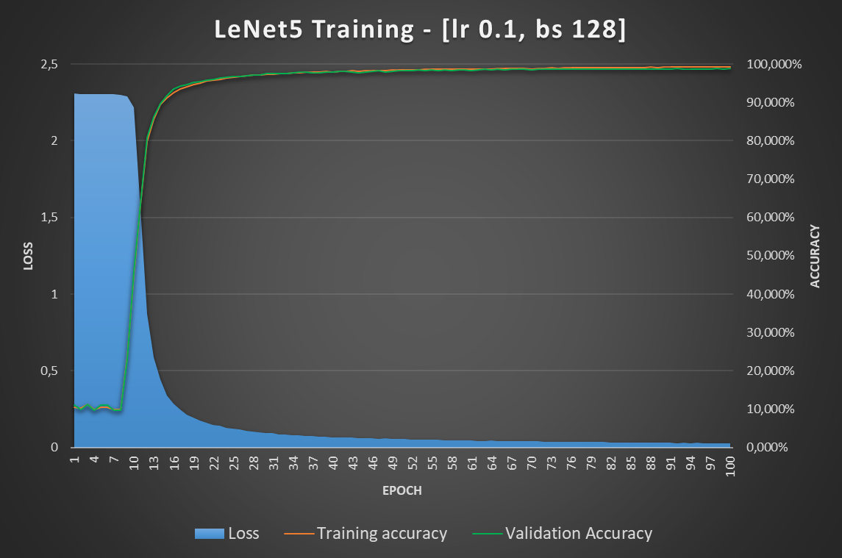
6 | 2.302999963 | 10.391% | 11.000%
7 | 2.301510114 | 9.945% | 9.760%
8 | 2.298957096 | 9.945% | 9.760%
9 | 2.290840972 | 23.744% | 23.080%
10 | 2.217125939 | 45.135% | 45.980%
11 | 1.55786424 | 63.400% | 63.560%
12 | 0.869937158 | 79.955% | 80.900%
13 | 0.587728509 | 85.653% | 86.280%
14 | 0.442426659 | 89.376% | 89.680%
15 | 0.339899377 | 91.262% | 91.840%
16 | 0.284057041 | 92.544% | 93.500%
17 | 0.246779823 | 93.407% | 94.320%
18 | 0.213511055 | 94.040% | 94.680%
19 | 0.193927778 | 94.685% | 95.140%
20 | 0.175255372 | 95.049% | 95.460%
21 | 0.162582722 | 95.522% | 95.720%
22 | 0.147062424 | 95.782% | 95.960%
23 | 0.14340114 | 96.045% | 96.360%
24 | 0.127880746 | 96.325% | 96.600%
25 | 0.122923835 | 96.569% | 96.640%
26 | 0.116992221 | 96.664% | 96.680%
27 | 0.110676361 | 96.887% | 96.880%
28 | 0.105750041 | 97.038% | 97.160%
29 | 0.100782192 | 97.111% | 97.120%
30 | 0.093881377 | 97.255% | 97.500%
31 | 0.094529159 | 97.355% | 97.440%
32 | 0.086472801 | 97.460% | 97.480%
33 | 0.086841481 | 97.507% | 97.500%
34 | 0.082052249 | 97.651% | 97.620%
35 | 0.08144598 | 97.756% | 97.800%
36 | 0.076425658 | 97.789% | 97.880%
37 | 0.075406765 | 97.831% | 97.620%
38 | 0.071945635 | 97.787% | 97.760%
39 | 0.072156838 | 97.987% | 97.880%
40 | 0.067399871 | 97.975% | 97.860%
41 | 0.066895949 | 98.065% | 98.080%
42 | 0.065822107 | 98.071% | 98.020%
43 | 0.064373688 | 98.178% | 97.900%
44 | 0.061473853 | 98.116% | 97.740%
45 | 0.060343402 | 98.195% | 97.940%
46 | 0.060677404 | 98.275% | 98.060%
47 | 0.057433997 | 98.316% | 98.180%
48 | 0.058747132 | 98.244% | 97.800%
49 | 0.055160534 | 98.387% | 98.120%
50 | 0.053796961 | 98.433% | 98.200%
51 | 0.05484331 | 98.427% | 98.340%
52 | 0.052881928 | 98.502% | 98.280%
53 | 0.052524625 | 98.473% | 98.400%
54 | 0.049642457 | 98.575% | 98.280%
55 | 0.051047719 | 98.582% | 98.420%
56 | 0.049000237 | 98.565% | 98.320%
57 | 0.047842143 | 98.600% | 98.420%
58 | 0.048208271 | 98.585% | 98.240%
59 | 0.048406639 | 98.675% | 98.480%
60 | 0.045644873 | 98.705% | 98.520%
61 | 0.045256516 | 98.651% | 98.340%
62 | 0.04386834 | 98.722% | 98.440%
63 | 0.043714555 | 98.736% | 98.620%
64 | 0.044404055 | 98.707% | 98.420%
65 | 0.042454557 | 98.800% | 98.560%
66 | 0.041678178 | 98.791% | 98.480%
67 | 0.040897159 | 98.847% | 98.620%
68 | 0.041794721 | 98.893% | 98.660%
69 | 0.040252054 | 98.867% | 98.600%
70 | 0.039880601 | 98.742% | 98.500%
71 | 0.039827537 | 98.927% | 98.580%
72 | 0.03858412 | 98.904% | 98.660%
73 | 0.038074038 | 98.947% | 98.640%
74 | 0.037141427 | 98.858% | 98.620%
75 | 0.037215871 | 98.940% | 98.660%
76 | 0.037616341 | 98.987% | 98.660%
77 | 0.034986995 | 98.984% | 98.580%
78 | 0.036369161 | 98.938% | 98.580%
79 | 0.03524624 | 98.980% | 98.580%
80 | 0.034594428 | 99.025% | 98.640%
81 | 0.034820716 | 99.036% | 98.640%
82 | 0.033643226 | 99.095% | 98.640%
83 | 0.034329354 | 99.065% | 98.740%
84 | 0.03340785 | 99.085% | 98.740%
85 | 0.032714229 | 99.109% | 98.660%
86 | 0.033154654 | 99.122% | 98.700%
87 | 0.030976301 | 99.104% | 98.720%
88 | 0.031782167 | 99.144% | 98.660%
89 | 0.031738917 | 99.125% | 98.660%
90 | 0.030860026 | 99.165% | 98.700%
91 | 0.031554804 | 99.138% | 98.740%
92 | 0.028973189 | 99.189% | 98.760%
93 | 0.030849772 | 99.131% | 98.720%
94 | 0.029520935 | 99.236% | 98.740%
95 | 0.03001034 | 99.144% | 98.740%
96 | 0.029015477 | 99.231% | 98.640%
97 | 0.027510516 | 99.211% | 98.700%
98 | 0.028949183 | 99.269% | 98.760%
99 | 0.026873244 | 99.182% | 98.740%
100 | 0.02850981 | 99.273% | 98.760%

