Grafici
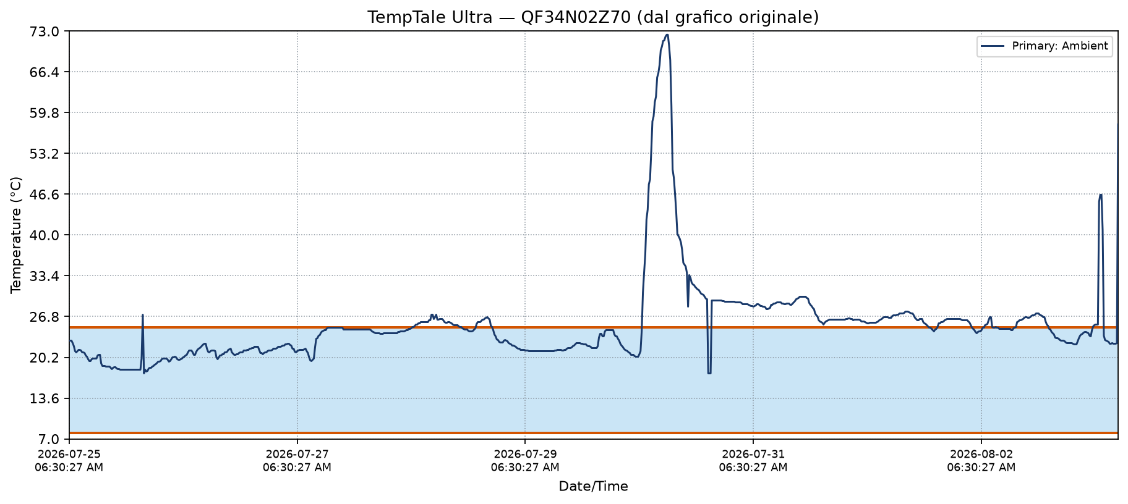
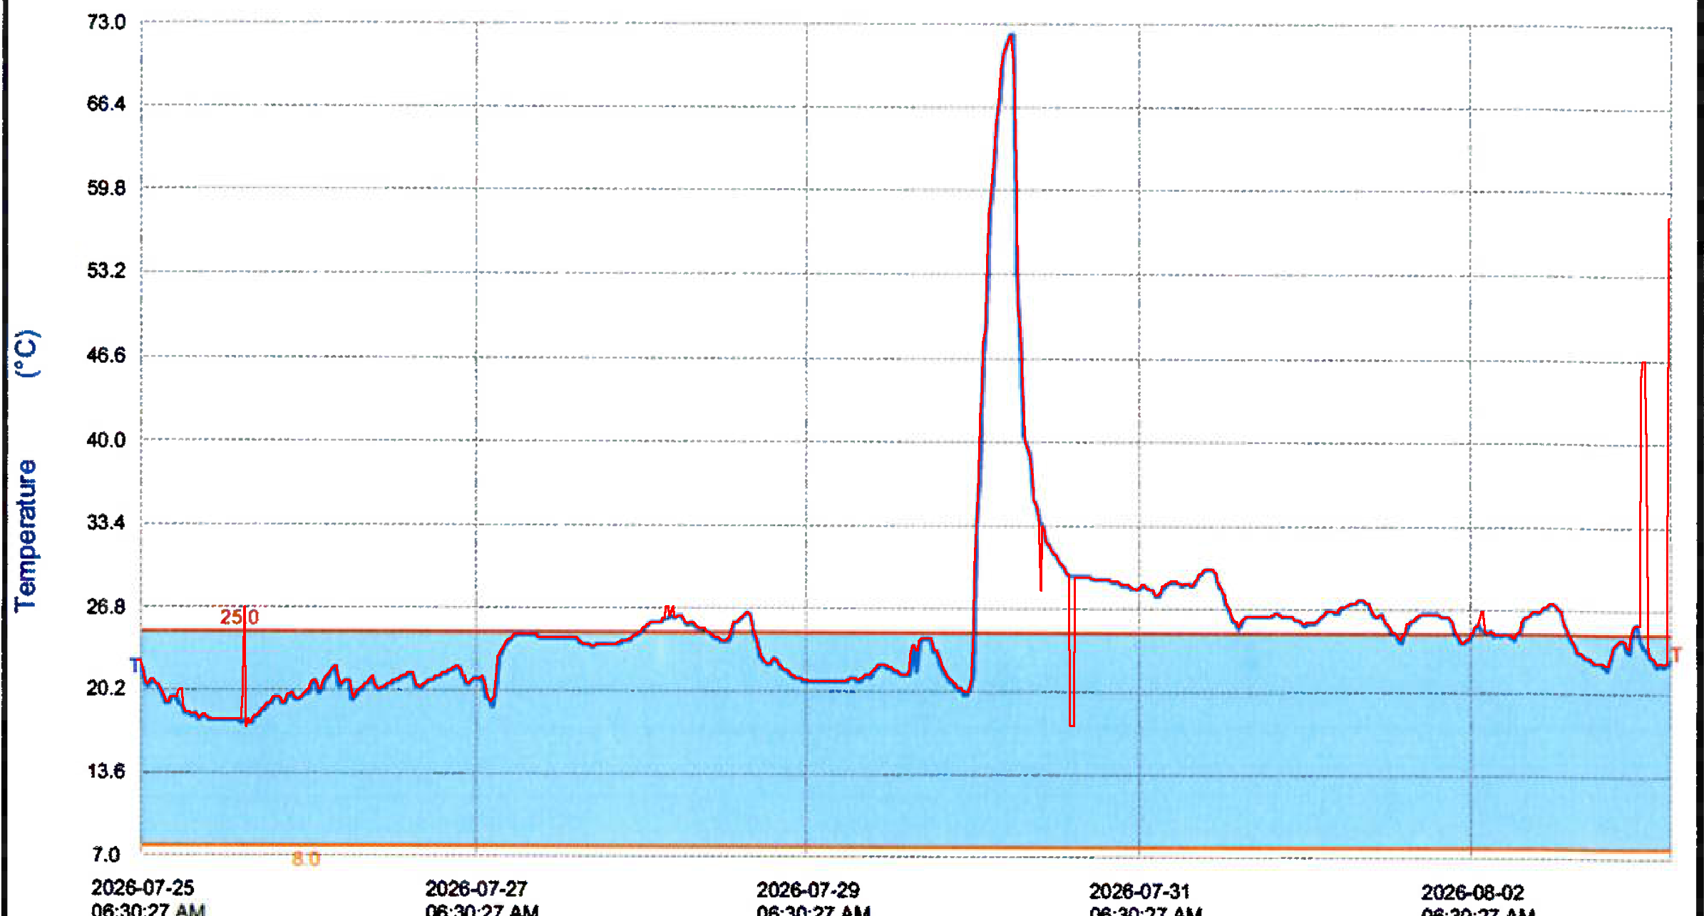
Grafico ricostruito + overlay rosso sull'originale (devono coincidere)

QEN4N02R90 (MAE 0.08°C)
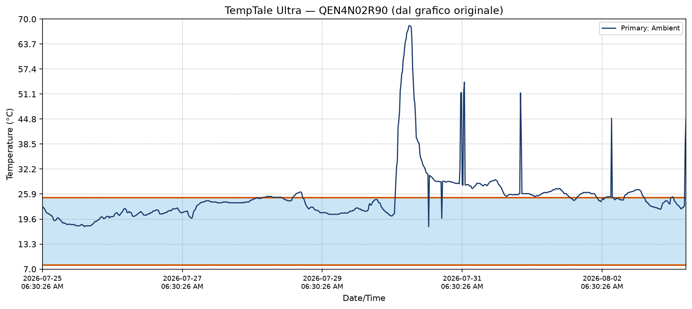

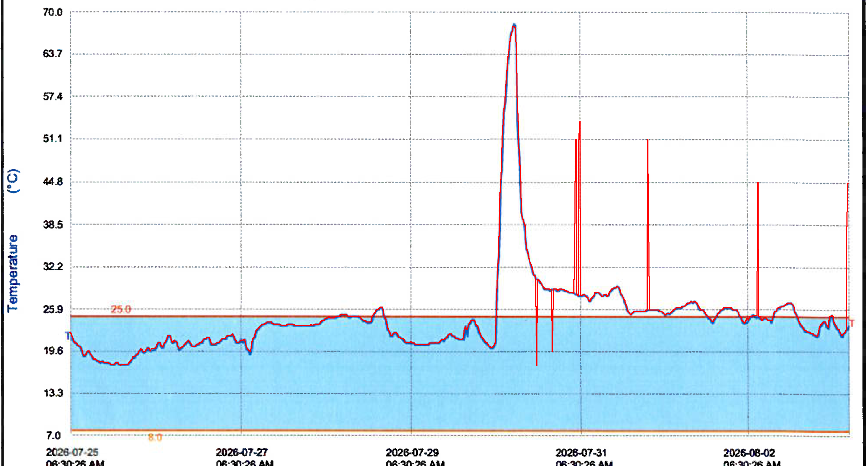

QEN4N17F60 (MAE 0.06°C)
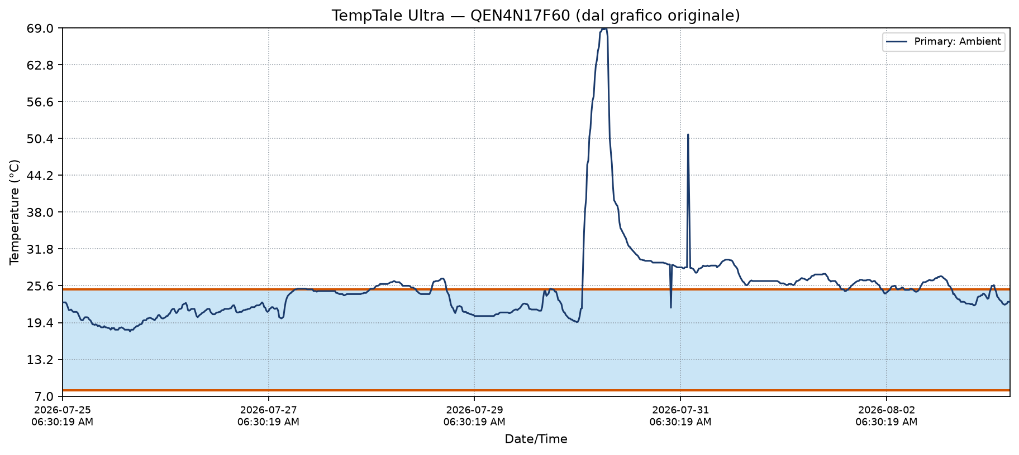

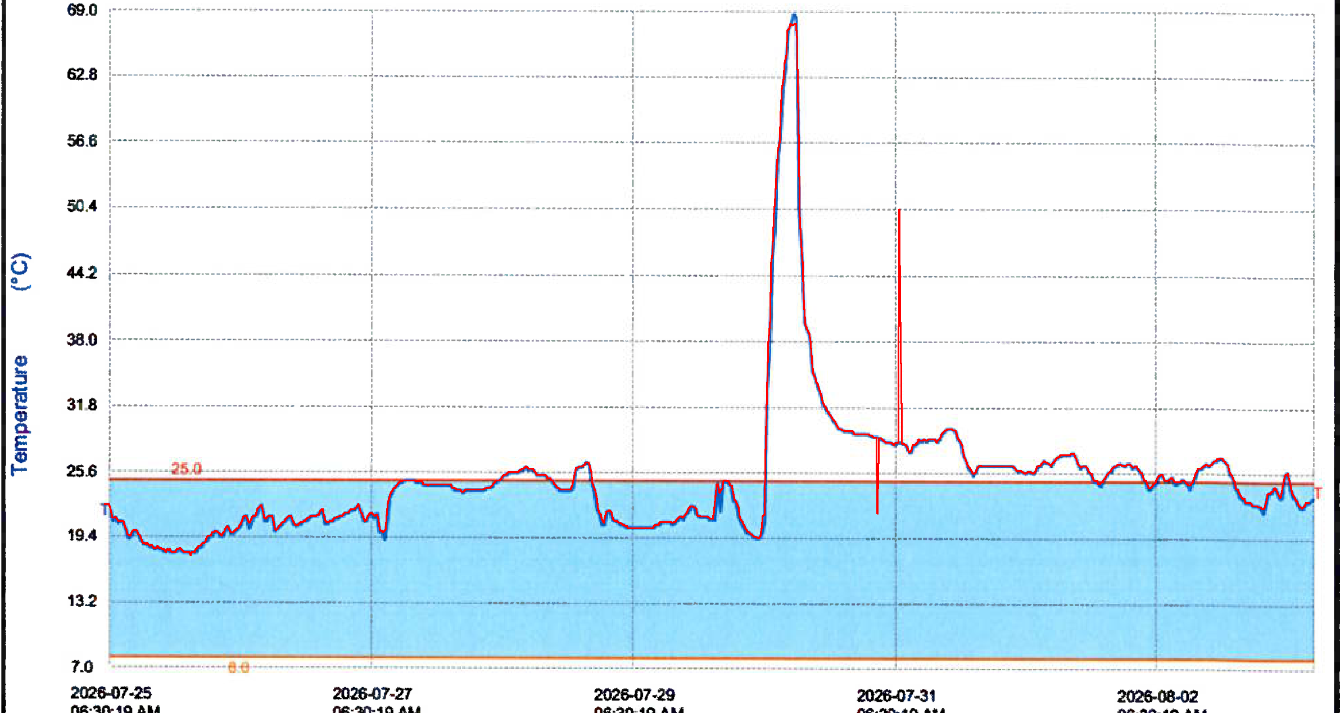

QF34N06P10 (MAE 0.05°C)
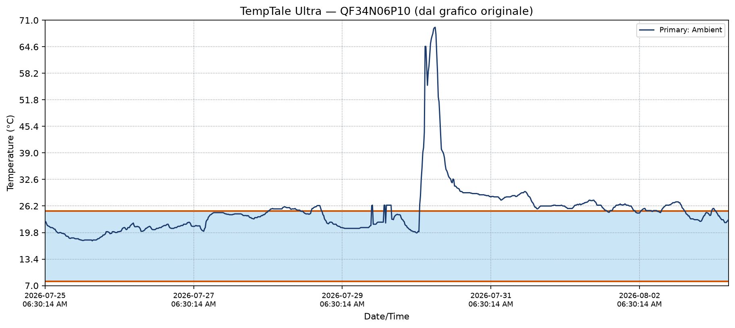

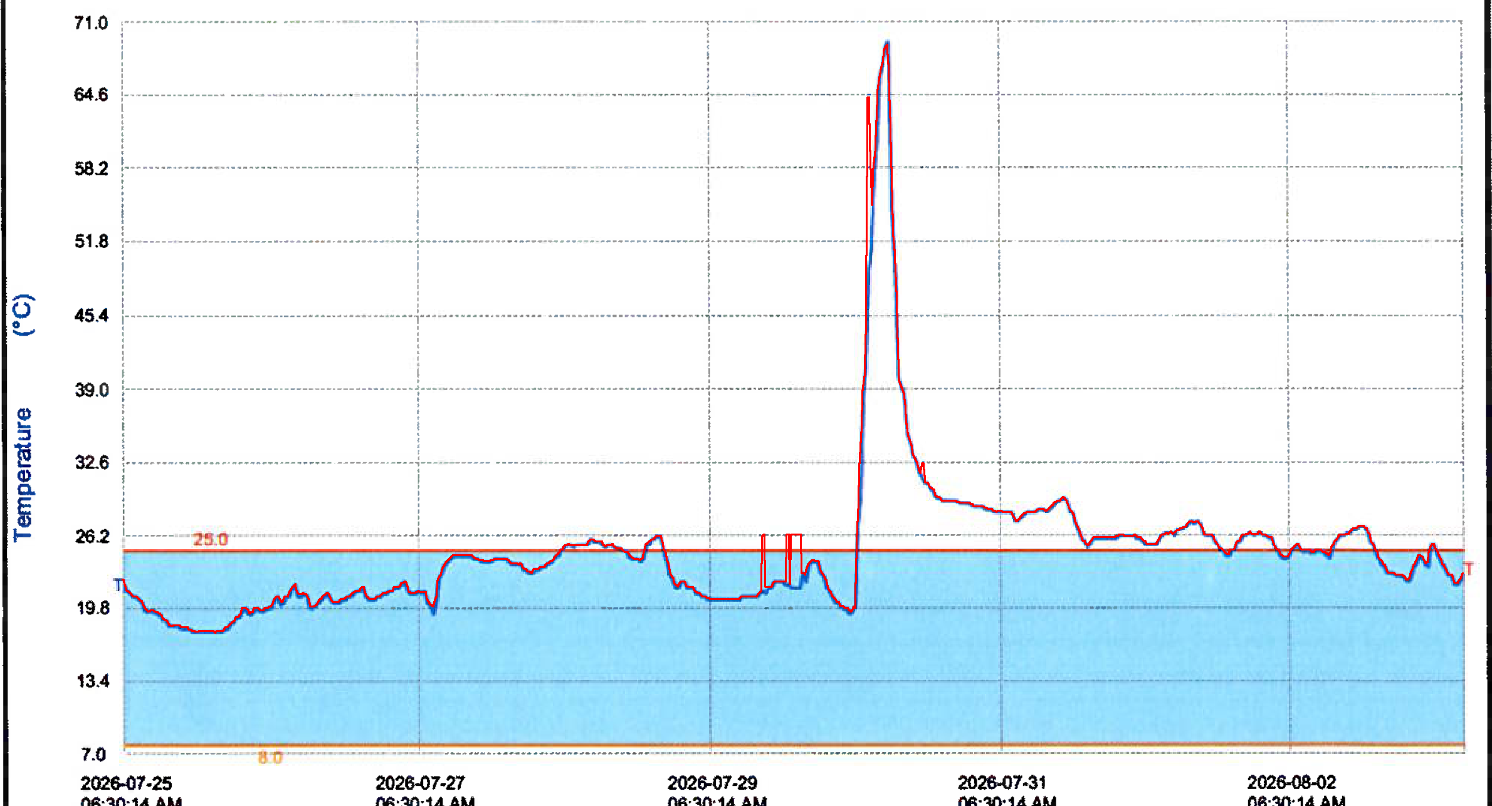

QEN4N17MP0 (MAE 0.06°C)
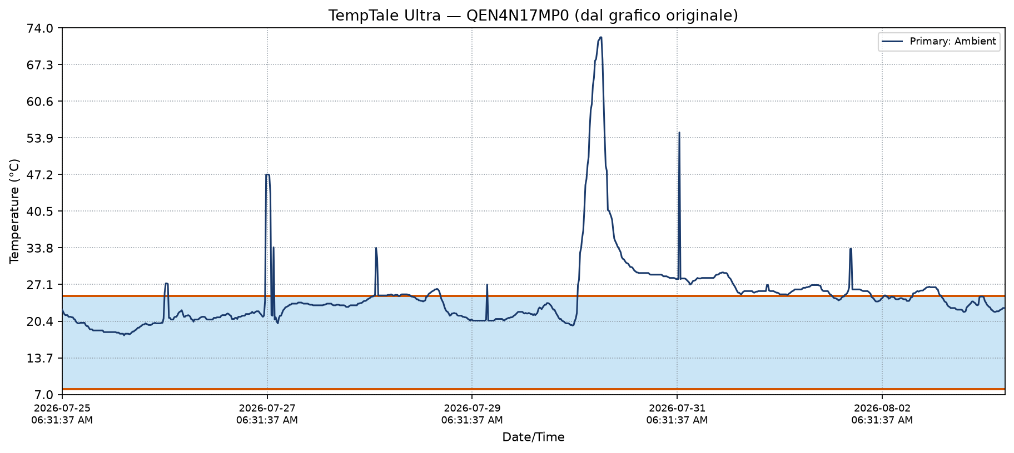

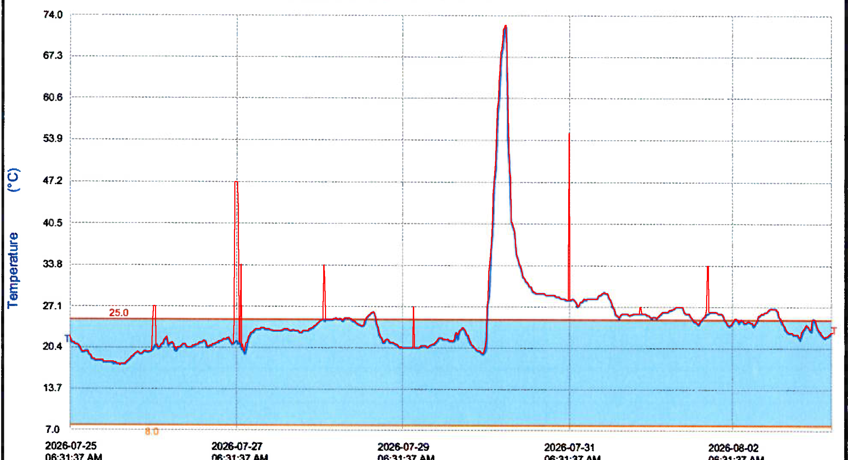

QEN4N17PA0 (MAE 0.06°C)
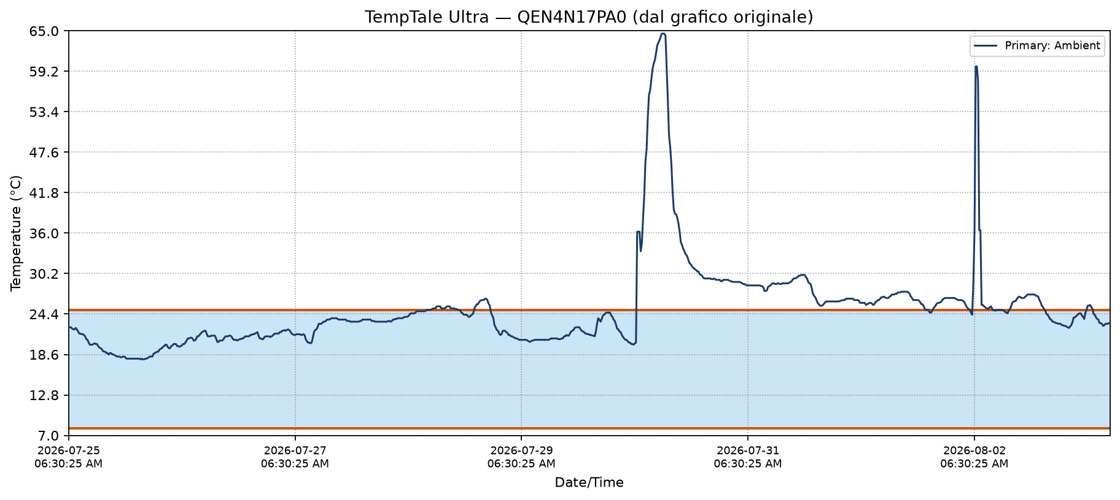

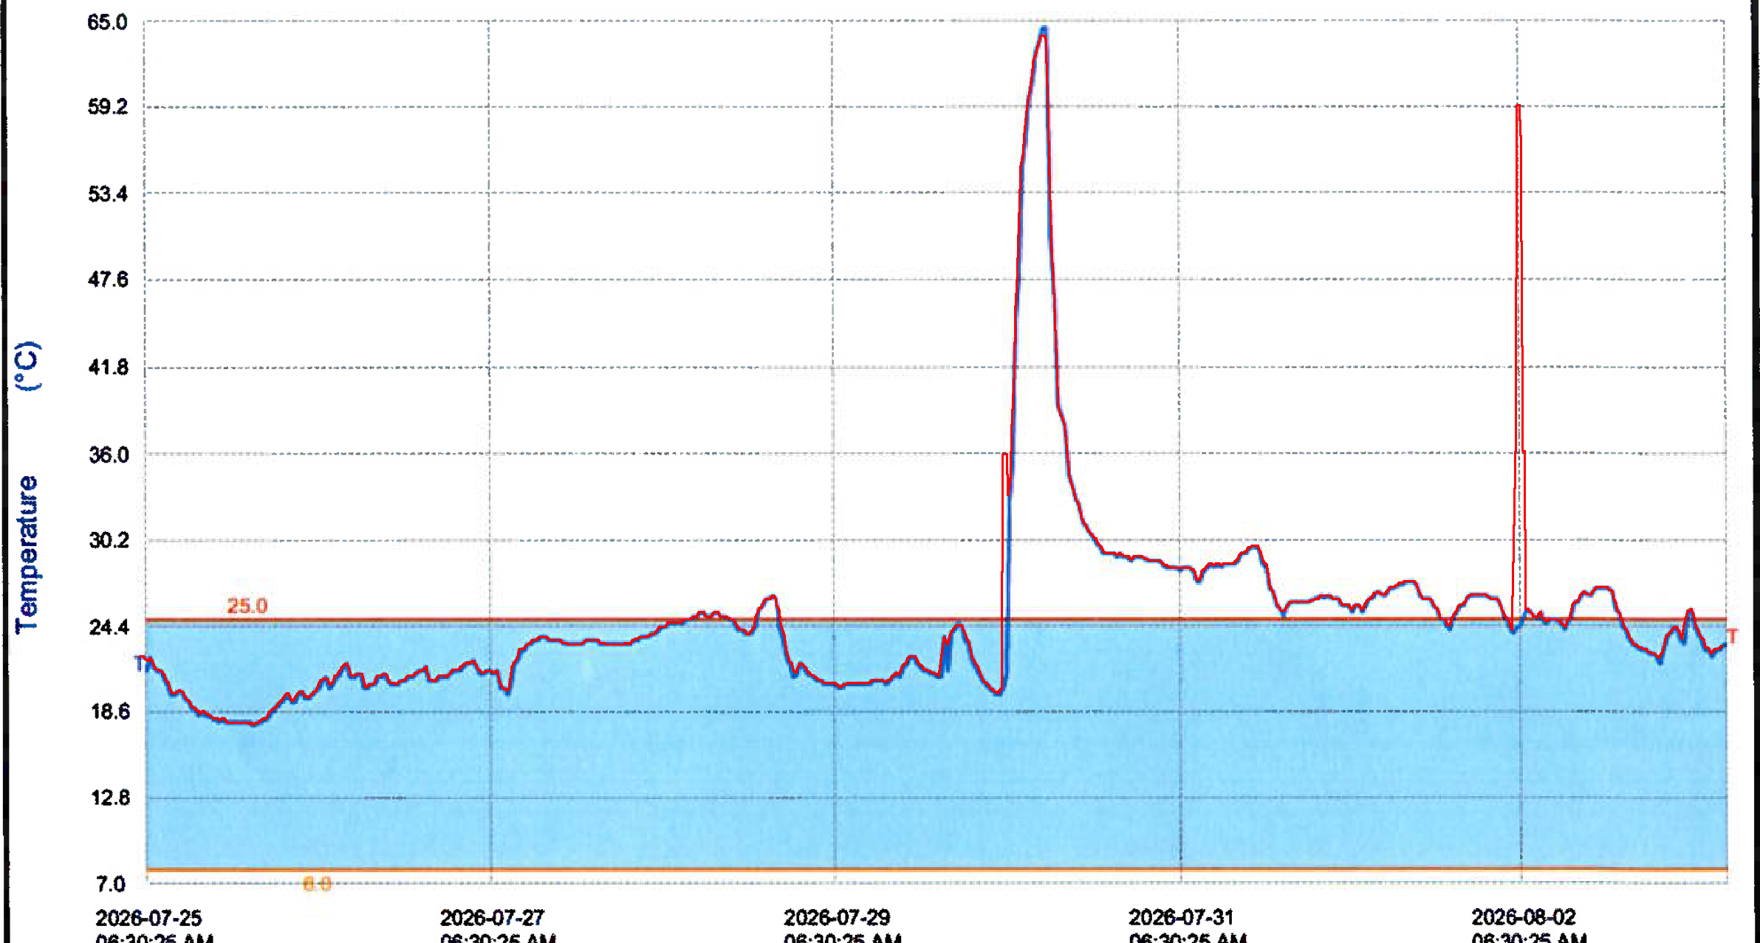

QF34N02Z70 (MAE 0.11°C)

QEN4N02R90
Temperature digitalizzate dal grafico originale — dati e grafici allineati

Serial # | QEN4N02R90
First Point (GMT) | 2026-07-25 06:30:26
Stop Time (GMT) | 2026-08-03 11:25:33
Interval | 15 min
Points | 884
Low Extreme | 17.7 °C @ 2026-07-25 21:00:26
High Extreme | 68.3 °C @ 2026-07-30 12:15:26
Mean ± SD (report) | 24.8 ± 6.7 °C
MKT | 31.0 °C
MAE overlay | 0.079 °C
Metodo | Curva blu digitalizzata; calibrazione X bloccata sul picco del report; falsi spike rimossi.

A) Grafico dalla serie digitalizzata

B) Overlay rosso sul grafico ORIGINALE (verifica sovrapposizione)

Index | Timestamp (GMT) | Temperature (°C) | Soglia 25°C | Soglia 8°C
1 | 2026-07-25 06:30:26 | 22.6 | 25 | 8
2 | 2026-07-25 06:45:26 | 22.6 | 25 | 8
3 | 2026-07-25 07:00:26 | 22.4 | 25 | 8
4 | 2026-07-25 07:15:26 | 22.1 | 25 | 8
5 | 2026-07-25 07:30:26 | 21.8 | 25 | 8
6 | 2026-07-25 07:45:26 | 21.4 | 25 | 8
7 | 2026-07-25 08:00:26 | 21.1 | 25 | 8
8 | 2026-07-25 08:15:26 | 21.1 | 25 | 8
9 | 2026-07-25 08:30:26 | 21 | 25 | 8
10 | 2026-07-25 08:45:26 | 20.9 | 25 | 8
11 | 2026-07-25 09:00:26 | 20.7 | 25 | 8
12 | 2026-07-25 09:15:26 | 20.6 | 25 | 8
13 | 2026-07-25 09:30:26 | 20.6 | 25 | 8
14 | 2026-07-25 09:45:26 | 20.3 | 25 | 8
15 | 2026-07-25 10:00:26 | 20.2 | 25 | 8
16 | 2026-07-25 10:15:26 | 19.6 | 25 | 8
17 | 2026-07-25 10:30:26 | 19.2 | 25 | 8
18 | 2026-07-25 10:45:26 | 19.2 | 25 | 8
19 | 2026-07-25 11:00:26 | 19.3 | 25 | 8
20 | 2026-07-25 11:15:26 | 19.4 | 25 | 8
21 | 2026-07-25 11:30:26 | 19.8 | 25 | 8
22 | 2026-07-25 11:45:26 | 19.9 | 25 | 8
23 | 2026-07-25 12:00:26 | 19.9 | 25 | 8
24 | 2026-07-25 12:15:26 | 19.6 | 25 | 8
25 | 2026-07-25 12:30:26 | 19.5 | 25 | 8
26 | 2026-07-25 12:45:26 | 19.2 | 25 | 8
27 | 2026-07-25 13:00:26 | 19.1 | 25 | 8
28 | 2026-07-25 13:15:26 | 18.8 | 25 | 8
29 | 2026-07-25 13:30:26 | 18.6 | 25 | 8
30 | 2026-07-25 13:45:26 | 18.7 | 25 | 8
31 | 2026-07-25 14:00:26 | 18.6 | 25 | 8
32 | 2026-07-25 14:15:26 | 18.5 | 25 | 8
33 | 2026-07-25 14:30:26 | 18.5 | 25 | 8
34 | 2026-07-25 14:45:26 | 18.3 | 25 | 8
35 | 2026-07-25 15:00:26 | 18.2 | 25 | 8
36 | 2026-07-25 15:15:26 | 18.3 | 25 | 8
37 | 2026-07-25 15:30:26 | 18.3 | 25 | 8
38 | 2026-07-25 15:45:26 | 18.3 | 25 | 8
39 | 2026-07-25 16:00:26 | 18.3 | 25 | 8
40 | 2026-07-25 16:15:26 | 18.2 | 25 | 8
41 | 2026-07-25 16:30:26 | 18.2 | 25 | 8
42 | 2026-07-25 16:45:26 | 18.2 | 25 | 8
43 | 2026-07-25 17:00:26 | 18.2 | 25 | 8
44 | 2026-07-25 17:15:26 | 18.2 | 25 | 8
45 | 2026-07-25 17:30:26 | 18.2 | 25 | 8
46 | 2026-07-25 17:45:26 | 18 | 25 | 8
47 | 2026-07-25 18:00:26 | 18 | 25 | 8
48 | 2026-07-25 18:15:26 | 17.9 | 25 | 8
49 | 2026-07-25 18:30:26 | 17.9 | 25 | 8
50 | 2026-07-25 18:45:26 | 17.9 | 25 | 8
51 | 2026-07-25 19:00:26 | 17.9 | 25 | 8
52 | 2026-07-25 19:15:26 | 17.9 | 25 | 8
53 | 2026-07-25 19:30:26 | 18 | 25 | 8
54 | 2026-07-25 19:45:26 | 18.2 | 25 | 8
55 | 2026-07-25 20:00:26 | 18.2 | 25 | 8
56 | 2026-07-25 20:15:26 | 18.2 | 25 | 8
57 | 2026-07-25 20:30:26 | 17.9 | 25 | 8
58 | 2026-07-25 20:45:26 | 17.9 | 25 | 8
59 | 2026-07-25 21:00:26 | 17.7 | 25 | 8
60 | 2026-07-25 21:15:26 | 17.9 | 25 | 8
61 | 2026-07-25 21:30:26 | 17.9 | 25 | 8
62 | 2026-07-25 21:45:26 | 17.9 | 25 | 8
63 | 2026-07-25 22:00:26 | 17.9 | 25 | 8
64 | 2026-07-25 22:15:26 | 17.9 | 25 | 8
65 | 2026-07-25 22:30:26 | 17.9 | 25 | 8
66 | 2026-07-25 22:45:26 | 17.9 | 25 | 8
67 | 2026-07-25 23:00:26 | 17.9 | 25 | 8
68 | 2026-07-25 23:15:26 | 18 | 25 | 8
69 | 2026-07-25 23:30:26 | 18.2 | 25 | 8
70 | 2026-07-25 23:45:26 | 18.3 | 25 | 8
71 | 2026-07-26 00:00:26 | 18.5 | 25 | 8
72 | 2026-07-26 00:15:26 | 18.7 | 25 | 8
73 | 2026-07-26 00:30:26 | 19 | 25 | 8
74 | 2026-07-26 00:45:26 | 19 | 25 | 8
75 | 2026-07-26 01:00:26 | 19 | 25 | 8
76 | 2026-07-26 01:15:26 | 19.2 | 25 | 8
77 | 2026-07-26 01:30:26 | 19.3 | 25 | 8
78 | 2026-07-26 01:45:26 | 19.4 | 25 | 8
79 | 2026-07-26 02:00:26 | 19.5 | 25 | 8
80 | 2026-07-26 02:15:26 | 19.9 | 25 | 8
81 | 2026-07-26 02:30:26 | 20 | 25 | 8
82 | 2026-07-26 02:45:26 | 20.2 | 25 | 8
83 | 2026-07-26 03:00:26 | 20.1 | 25 | 8
84 | 2026-07-26 03:15:26 | 20 | 25 | 8
85 | 2026-07-26 03:30:26 | 19.7 | 25 | 8
86 | 2026-07-26 03:45:26 | 19.8 | 25 | 8
87 | 2026-07-26 04:00:26 | 19.8 | 25 | 8
88 | 2026-07-26 04:15:26 | 20.1 | 25 | 8
89 | 2026-07-26 04:30:26 | 20.2 | 25 | 8
90 | 2026-07-26 04:45:26 | 20.3 | 25 | 8
91 | 2026-07-26 05:00:26 | 20.3 | 25 | 8
92 | 2026-07-26 05:15:26 | 20.1 | 25 | 8
93 | 2026-07-26 05:30:26 | 19.9 | 25 | 8
94 | 2026-07-26 05:45:26 | 20.2 | 25 | 8
95 | 2026-07-26 06:00:26 | 20.2 | 25 | 8
96 | 2026-07-26 06:15:26 | 20.2 | 25 | 8
97 | 2026-07-26 06:30:26 | 20.2 | 25 | 8
98 | 2026-07-26 06:45:26 | 20.3 | 25 | 8
99 | 2026-07-26 07:00:26 | 20.3 | 25 | 8
100 | 2026-07-26 07:15:26 | 20.8 | 25 | 8
101 | 2026-07-26 07:30:26 | 21 | 25 | 8
102 | 2026-07-26 07:45:26 | 21.1 | 25 | 8
103 | 2026-07-26 08:00:26 | 21.2 | 25 | 8
104 | 2026-07-26 08:15:26 | 21.1 | 25 | 8
105 | 2026-07-26 08:30:26 | 20.7 | 25 | 8
106 | 2026-07-26 08:45:26 | 20.6 | 25 | 8
107 | 2026-07-26 09:00:26 | 20.5 | 25 | 8
108 | 2026-07-26 09:15:26 | 20.9 | 25 | 8
109 | 2026-07-26 09:30:26 | 21.1 | 25 | 8
110 | 2026-07-26 09:45:26 | 21.3 | 25 | 8
111 | 2026-07-26 10:00:26 | 21.5 | 25 | 8
112 | 2026-07-26 10:15:26 | 21.9 | 25 | 8
113 | 2026-07-26 10:30:26 | 22.2 | 25 | 8
114 | 2026-07-26 10:45:26 | 22.2 | 25 | 8
115 | 2026-07-26 11:00:26 | 22.2 | 25 | 8
116 | 2026-07-26 11:15:26 | 21.9 | 25 | 8
117 | 2026-07-26 11:30:26 | 21.3 | 25 | 8
118 | 2026-07-26 11:45:26 | 21.2 | 25 | 8
119 | 2026-07-26 12:00:26 | 21.3 | 25 | 8
120 | 2026-07-26 12:15:26 | 21.5 | 25 | 8
121 | 2026-07-26 12:30:26 | 21.3 | 25 | 8
122 | 2026-07-26 12:45:26 | 21.3 | 25 | 8
123 | 2026-07-26 13:00:26 | 21.2 | 25 | 8
124 | 2026-07-26 13:15:26 | 20.6 | 25 | 8
125 | 2026-07-26 13:30:26 | 20.3 | 25 | 8
126 | 2026-07-26 13:45:26 | 20.3 | 25 | 8
127 | 2026-07-26 14:00:26 | 20.3 | 25 | 8
128 | 2026-07-26 14:15:26 | 20.4 | 25 | 8
129 | 2026-07-26 14:30:26 | 20.5 | 25 | 8
130 | 2026-07-26 14:45:26 | 20.6 | 25 | 8
131 | 2026-07-26 15:00:26 | 20.8 | 25 | 8
132 | 2026-07-26 15:15:26 | 20.9 | 25 | 8
133 | 2026-07-26 15:30:26 | 21.1 | 25 | 8
134 | 2026-07-26 15:45:26 | 21.2 | 25 | 8
135 | 2026-07-26 16:00:26 | 21.3 | 25 | 8
136 | 2026-07-26 16:15:26 | 21.5 | 25 | 8
137 | 2026-07-26 16:30:26 | 21.3 | 25 | 8
138 | 2026-07-26 16:45:26 | 21.1 | 25 | 8
139 | 2026-07-26 17:00:26 | 20.9 | 25 | 8
140 | 2026-07-26 17:15:26 | 20.6 | 25 | 8
141 | 2026-07-26 17:30:26 | 20.6 | 25 | 8
142 | 2026-07-26 17:45:26 | 20.6 | 25 | 8
143 | 2026-07-26 18:00:26 | 20.6 | 25 | 8
144 | 2026-07-26 18:15:26 | 20.6 | 25 | 8
145 | 2026-07-26 18:30:26 | 20.8 | 25 | 8
146 | 2026-07-26 18:45:26 | 20.9 | 25 | 8
147 | 2026-07-26 19:00:26 | 20.9 | 25 | 8
148 | 2026-07-26 19:15:26 | 20.9 | 25 | 8
149 | 2026-07-26 19:30:26 | 21.2 | 25 | 8
150 | 2026-07-26 19:45:26 | 21.2 | 25 | 8
151 | 2026-07-26 20:00:26 | 21.2 | 25 | 8
152 | 2026-07-26 20:15:26 | 21.4 | 25 | 8
153 | 2026-07-26 20:30:26 | 21.6 | 25 | 8
154 | 2026-07-26 20:45:26 | 21.7 | 25 | 8
155 | 2026-07-26 21:00:26 | 21.7 | 25 | 8
156 | 2026-07-26 21:15:26 | 21.7 | 25 | 8
157 | 2026-07-26 21:30:26 | 21.9 | 25 | 8
158 | 2026-07-26 21:45:26 | 21.9 | 25 | 8
159 | 2026-07-26 22:00:26 | 21.9 | 25 | 8
160 | 2026-07-26 22:15:26 | 21.8 | 25 | 8
161 | 2026-07-26 22:30:26 | 21.4 | 25 | 8
162 | 2026-07-26 22:45:26 | 20.9 | 25 | 8
163 | 2026-07-26 23:00:26 | 20.9 | 25 | 8
164 | 2026-07-26 23:15:26 | 20.9 | 25 | 8
165 | 2026-07-26 23:30:26 | 20.9 | 25 | 8
166 | 2026-07-26 23:45:26 | 20.9 | 25 | 8
167 | 2026-07-27 00:00:26 | 21 | 25 | 8
168 | 2026-07-27 00:15:26 | 21.1 | 25 | 8
169 | 2026-07-27 00:30:26 | 21.2 | 25 | 8
170 | 2026-07-27 00:45:26 | 21.2 | 25 | 8
171 | 2026-07-27 01:00:26 | 21.2 | 25 | 8
172 | 2026-07-27 01:15:26 | 21.4 | 25 | 8
173 | 2026-07-27 01:30:26 | 21.5 | 25 | 8
174 | 2026-07-27 01:45:26 | 21.7 | 25 | 8
175 | 2026-07-27 02:00:26 | 21.7 | 25 | 8
176 | 2026-07-27 02:15:26 | 21.7 | 25 | 8
177 | 2026-07-27 02:30:26 | 21.7 | 25 | 8
178 | 2026-07-27 02:45:26 | 21.7 | 25 | 8
179 | 2026-07-27 03:00:26 | 22.1 | 25 | 8
180 | 2026-07-27 03:15:26 | 22.1 | 25 | 8
181 | 2026-07-27 03:30:26 | 22.2 | 25 | 8
182 | 2026-07-27 03:45:26 | 22.2 | 25 | 8
183 | 2026-07-27 04:00:26 | 22.2 | 25 | 8
184 | 2026-07-27 04:15:26 | 22.2 | 25 | 8
185 | 2026-07-27 04:30:26 | 22.3 | 25 | 8
186 | 2026-07-27 04:45:26 | 22.4 | 25 | 8
187 | 2026-07-27 05:00:26 | 22.2 | 25 | 8
188 | 2026-07-27 05:15:26 | 21.9 | 25 | 8
189 | 2026-07-27 05:30:26 | 21.6 | 25 | 8
190 | 2026-07-27 05:45:26 | 21.4 | 25 | 8
191 | 2026-07-27 06:00:26 | 21.2 | 25 | 8
192 | 2026-07-27 06:15:26 | 21.2 | 25 | 8
193 | 2026-07-27 06:30:26 | 21.2 | 25 | 8
194 | 2026-07-27 06:45:26 | 21.3 | 25 | 8
195 | 2026-07-27 07:00:26 | 21.4 | 25 | 8
196 | 2026-07-27 07:15:26 | 21.5 | 25 | 8
197 | 2026-07-27 07:30:26 | 21.5 | 25 | 8
198 | 2026-07-27 07:45:26 | 21.5 | 25 | 8
199 | 2026-07-27 08:00:26 | 21.6 | 25 | 8
200 | 2026-07-27 08:15:26 | 21.6 | 25 | 8
201 | 2026-07-27 08:30:26 | 20.9 | 25 | 8
202 | 2026-07-27 08:45:26 | 20.4 | 25 | 8
203 | 2026-07-27 09:00:26 | 20.2 | 25 | 8
204 | 2026-07-27 09:15:26 | 20 | 25 | 8
205 | 2026-07-27 09:30:26 | 19.9 | 25 | 8
206 | 2026-07-27 09:45:26 | 19.8 | 25 | 8
207 | 2026-07-27 10:00:26 | 20.2 | 25 | 8
208 | 2026-07-27 10:15:26 | 21.1 | 25 | 8
209 | 2026-07-27 10:30:26 | 21.7 | 25 | 8
210 | 2026-07-27 10:45:26 | 21.8 | 25 | 8
211 | 2026-07-27 11:00:26 | 22.1 | 25 | 8
212 | 2026-07-27 11:15:26 | 22.6 | 25 | 8
213 | 2026-07-27 11:30:26 | 23 | 25 | 8
214 | 2026-07-27 11:45:26 | 23.1 | 25 | 8
215 | 2026-07-27 12:00:26 | 23.2 | 25 | 8
216 | 2026-07-27 12:15:26 | 23.4 | 25 | 8
217 | 2026-07-27 12:30:26 | 23.5 | 25 | 8
218 | 2026-07-27 12:45:26 | 23.7 | 25 | 8
219 | 2026-07-27 13:00:26 | 23.8 | 25 | 8
220 | 2026-07-27 13:15:26 | 23.8 | 25 | 8
221 | 2026-07-27 13:30:26 | 23.9 | 25 | 8
222 | 2026-07-27 13:45:26 | 23.9 | 25 | 8
223 | 2026-07-27 14:00:26 | 24 | 25 | 8
224 | 2026-07-27 14:15:26 | 24 | 25 | 8
225 | 2026-07-27 14:30:26 | 24.2 | 25 | 8
226 | 2026-07-27 14:45:26 | 24.2 | 25 | 8
227 | 2026-07-27 15:00:26 | 24.2 | 25 | 8
228 | 2026-07-27 15:15:26 | 24.2 | 25 | 8
229 | 2026-07-27 15:30:26 | 24.2 | 25 | 8
230 | 2026-07-27 15:45:26 | 24.2 | 25 | 8
231 | 2026-07-27 16:00:26 | 24 | 25 | 8
232 | 2026-07-27 16:15:26 | 24 | 25 | 8
233 | 2026-07-27 16:30:26 | 23.9 | 25 | 8
234 | 2026-07-27 16:45:26 | 23.9 | 25 | 8
235 | 2026-07-27 17:00:26 | 23.9 | 25 | 8
236 | 2026-07-27 17:15:26 | 23.9 | 25 | 8
237 | 2026-07-27 17:30:26 | 23.9 | 25 | 8
238 | 2026-07-27 17:45:26 | 23.9 | 25 | 8
239 | 2026-07-27 18:00:26 | 23.9 | 25 | 8
240 | 2026-07-27 18:15:26 | 23.8 | 25 | 8
241 | 2026-07-27 18:30:26 | 23.7 | 25 | 8
242 | 2026-07-27 18:45:26 | 23.7 | 25 | 8
243 | 2026-07-27 19:00:26 | 23.7 | 25 | 8
244 | 2026-07-27 19:15:26 | 23.7 | 25 | 8
245 | 2026-07-27 19:30:26 | 23.7 | 25 | 8
246 | 2026-07-27 19:45:26 | 23.7 | 25 | 8
247 | 2026-07-27 20:00:26 | 23.7 | 25 | 8
248 | 2026-07-27 20:15:26 | 23.8 | 25 | 8
249 | 2026-07-27 20:30:26 | 23.9 | 25 | 8
250 | 2026-07-27 20:45:26 | 23.9 | 25 | 8
251 | 2026-07-27 21:00:26 | 23.9 | 25 | 8
252 | 2026-07-27 21:15:26 | 23.9 | 25 | 8
253 | 2026-07-27 21:30:26 | 23.9 | 25 | 8
254 | 2026-07-27 21:45:26 | 23.9 | 25 | 8
255 | 2026-07-27 22:00:26 | 23.8 | 25 | 8
256 | 2026-07-27 22:15:26 | 23.8 | 25 | 8
257 | 2026-07-27 22:30:26 | 23.7 | 25 | 8
258 | 2026-07-27 22:45:26 | 23.7 | 25 | 8
259 | 2026-07-27 23:00:26 | 23.7 | 25 | 8
260 | 2026-07-27 23:15:26 | 23.7 | 25 | 8
261 | 2026-07-27 23:30:26 | 23.7 | 25 | 8
262 | 2026-07-27 23:45:26 | 23.7 | 25 | 8
263 | 2026-07-28 00:00:26 | 23.7 | 25 | 8
264 | 2026-07-28 00:15:26 | 23.7 | 25 | 8
265 | 2026-07-28 00:30:26 | 23.7 | 25 | 8
266 | 2026-07-28 00:45:26 | 23.7 | 25 | 8
267 | 2026-07-28 01:00:26 | 23.7 | 25 | 8
268 | 2026-07-28 01:15:26 | 23.7 | 25 | 8
269 | 2026-07-28 01:30:26 | 23.7 | 25 | 8
270 | 2026-07-28 01:45:26 | 23.7 | 25 | 8
271 | 2026-07-28 02:00:26 | 23.7 | 25 | 8
272 | 2026-07-28 02:15:26 | 23.7 | 25 | 8
273 | 2026-07-28 02:30:26 | 23.7 | 25 | 8
274 | 2026-07-28 02:45:26 | 23.7 | 25 | 8
275 | 2026-07-28 03:00:26 | 23.8 | 25 | 8
276 | 2026-07-28 03:15:26 | 23.7 | 25 | 8
277 | 2026-07-28 03:30:26 | 23.7 | 25 | 8
278 | 2026-07-28 03:45:26 | 23.8 | 25 | 8
279 | 2026-07-28 04:00:26 | 23.8 | 25 | 8
280 | 2026-07-28 04:15:26 | 23.9 | 25 | 8
281 | 2026-07-28 04:30:26 | 23.9 | 25 | 8
282 | 2026-07-28 04:45:26 | 23.9 | 25 | 8
283 | 2026-07-28 05:00:26 | 23.9 | 25 | 8
284 | 2026-07-28 05:15:26 | 23.9 | 25 | 8
285 | 2026-07-28 05:30:26 | 24 | 25 | 8
286 | 2026-07-28 05:45:26 | 24.3 | 25 | 8
287 | 2026-07-28 06:00:26 | 24.3 | 25 | 8
288 | 2026-07-28 06:15:26 | 24.4 | 25 | 8
289 | 2026-07-28 06:30:26 | 24.5 | 25 | 8
290 | 2026-07-28 06:45:26 | 24.5 | 25 | 8
291 | 2026-07-28 07:00:26 | 24.7 | 25 | 8
292 | 2026-07-28 07:15:26 | 24.7 | 25 | 8
293 | 2026-07-28 07:30:26 | 24.8 | 25 | 8
294 | 2026-07-28 07:45:26 | 24.8 | 25 | 8
295 | 2026-07-28 08:00:26 | 25 | 25 | 8
296 | 2026-07-28 08:15:26 | 25 | 25 | 8
297 | 2026-07-28 08:30:26 | 24.8 | 25 | 8
298 | 2026-07-28 08:45:26 | 24.8 | 25 | 8
299 | 2026-07-28 09:00:26 | 24.8 | 25 | 8
300 | 2026-07-28 09:15:26 | 24.8 | 25 | 8
301 | 2026-07-28 09:30:26 | 24.8 | 25 | 8
302 | 2026-07-28 09:45:26 | 25 | 25 | 8
303 | 2026-07-28 10:00:26 | 25 | 25 | 8
304 | 2026-07-28 10:15:26 | 25 | 25 | 8
305 | 2026-07-28 10:30:26 | 25.1 | 25 | 8
306 | 2026-07-28 10:45:26 | 25.1 | 25 | 8
307 | 2026-07-28 11:00:26 | 25.1 | 25 | 8
308 | 2026-07-28 11:15:26 | 25.2 | 25 | 8
309 | 2026-07-28 11:30:26 | 25.3 | 25 | 8
310 | 2026-07-28 11:45:26 | 25.3 | 25 | 8
311 | 2026-07-28 12:00:26 | 25.3 | 25 | 8
312 | 2026-07-28 12:15:26 | 25.3 | 25 | 8
313 | 2026-07-28 12:30:26 | 25.3 | 25 | 8
314 | 2026-07-28 12:45:26 | 25.3 | 25 | 8
315 | 2026-07-28 13:00:26 | 25.3 | 25 | 8
316 | 2026-07-28 13:15:26 | 25.2 | 25 | 8
317 | 2026-07-28 13:30:26 | 25.1 | 25 | 8
318 | 2026-07-28 13:45:26 | 25.1 | 25 | 8
319 | 2026-07-28 14:00:26 | 25.1 | 25 | 8
320 | 2026-07-28 14:15:26 | 25.1 | 25 | 8
321 | 2026-07-28 14:30:26 | 25.1 | 25 | 8
322 | 2026-07-28 14:45:26 | 25.1 | 25 | 8
323 | 2026-07-28 15:00:26 | 25.1 | 25 | 8
324 | 2026-07-28 15:15:26 | 25.1 | 25 | 8
325 | 2026-07-28 15:30:26 | 25.1 | 25 | 8
326 | 2026-07-28 15:45:26 | 25.1 | 25 | 8
327 | 2026-07-28 16:00:26 | 25.1 | 25 | 8
328 | 2026-07-28 16:15:26 | 25.1 | 25 | 8
329 | 2026-07-28 16:30:26 | 25 | 25 | 8
330 | 2026-07-28 16:45:26 | 25 | 25 | 8
331 | 2026-07-28 17:00:26 | 24.9 | 25 | 8
332 | 2026-07-28 17:15:26 | 24.7 | 25 | 8
333 | 2026-07-28 17:30:26 | 24.6 | 25 | 8
334 | 2026-07-28 17:45:26 | 24.5 | 25 | 8
335 | 2026-07-28 18:00:26 | 24.4 | 25 | 8
336 | 2026-07-28 18:15:26 | 24.4 | 25 | 8
337 | 2026-07-28 18:30:26 | 24.3 | 25 | 8
338 | 2026-07-28 18:45:26 | 24.2 | 25 | 8
339 | 2026-07-28 19:00:26 | 24.2 | 25 | 8
340 | 2026-07-28 19:15:26 | 24.2 | 25 | 8
341 | 2026-07-28 19:30:26 | 24.2 | 25 | 8
342 | 2026-07-28 19:45:26 | 24.2 | 25 | 8
343 | 2026-07-28 20:00:26 | 24.3 | 25 | 8
344 | 2026-07-28 20:15:26 | 25 | 25 | 8
345 | 2026-07-28 20:30:26 | 25.1 | 25 | 8
346 | 2026-07-28 20:45:26 | 25.4 | 25 | 8
347 | 2026-07-28 21:00:26 | 25.5 | 25 | 8
348 | 2026-07-28 21:15:26 | 25.7 | 25 | 8
349 | 2026-07-28 21:30:26 | 26 | 25 | 8
350 | 2026-07-28 21:45:26 | 26.1 | 25 | 8
351 | 2026-07-28 22:00:26 | 26.1 | 25 | 8
352 | 2026-07-28 22:15:26 | 26.2 | 25 | 8
353 | 2026-07-28 22:30:26 | 26.3 | 25 | 8
354 | 2026-07-28 22:45:26 | 26.4 | 25 | 8
355 | 2026-07-28 23:00:26 | 26.4 | 25 | 8
356 | 2026-07-28 23:15:26 | 26.4 | 25 | 8
357 | 2026-07-28 23:30:26 | 26 | 25 | 8
358 | 2026-07-28 23:45:26 | 25.1 | 25 | 8
359 | 2026-07-29 00:00:26 | 24.8 | 25 | 8
360 | 2026-07-29 00:15:26 | 24.6 | 25 | 8
361 | 2026-07-29 00:30:26 | 24 | 25 | 8
362 | 2026-07-29 00:45:26 | 23.4 | 25 | 8
363 | 2026-07-29 01:00:26 | 23 | 25 | 8
364 | 2026-07-29 01:15:26 | 22.7 | 25 | 8
365 | 2026-07-29 01:30:26 | 22.5 | 25 | 8
366 | 2026-07-29 01:45:26 | 22.2 | 25 | 8
367 | 2026-07-29 02:00:26 | 22.2 | 25 | 8
368 | 2026-07-29 02:15:26 | 22.4 | 25 | 8
369 | 2026-07-29 02:30:26 | 22.6 | 25 | 8
370 | 2026-07-29 02:45:26 | 22.6 | 25 | 8
371 | 2026-07-29 03:00:26 | 22.6 | 25 | 8
372 | 2026-07-29 03:15:26 | 22.6 | 25 | 8
373 | 2026-07-29 03:30:26 | 22.4 | 25 | 8
374 | 2026-07-29 03:45:26 | 22.1 | 25 | 8
375 | 2026-07-29 04:00:26 | 21.9 | 25 | 8
376 | 2026-07-29 04:15:26 | 21.9 | 25 | 8
377 | 2026-07-29 04:30:26 | 21.8 | 25 | 8
378 | 2026-07-29 04:45:26 | 21.8 | 25 | 8
379 | 2026-07-29 05:00:26 | 21.7 | 25 | 8
380 | 2026-07-29 05:15:26 | 21.6 | 25 | 8
381 | 2026-07-29 05:30:26 | 21.5 | 25 | 8
382 | 2026-07-29 05:45:26 | 21.2 | 25 | 8
383 | 2026-07-29 06:00:26 | 21.2 | 25 | 8
384 | 2026-07-29 06:15:26 | 21.2 | 25 | 8
385 | 2026-07-29 06:30:26 | 21.2 | 25 | 8
386 | 2026-07-29 06:45:26 | 21.2 | 25 | 8
387 | 2026-07-29 07:00:26 | 21.2 | 25 | 8
388 | 2026-07-29 07:15:26 | 21.3 | 25 | 8
389 | 2026-07-29 07:30:26 | 21.2 | 25 | 8
390 | 2026-07-29 07:45:26 | 21.1 | 25 | 8
391 | 2026-07-29 08:00:26 | 21.1 | 25 | 8
392 | 2026-07-29 08:15:26 | 21.1 | 25 | 8
393 | 2026-07-29 08:30:26 | 20.9 | 25 | 8
394 | 2026-07-29 08:45:26 | 20.8 | 25 | 8
395 | 2026-07-29 09:00:26 | 20.8 | 25 | 8
396 | 2026-07-29 09:15:26 | 20.8 | 25 | 8
397 | 2026-07-29 09:30:26 | 20.8 | 25 | 8
398 | 2026-07-29 09:45:26 | 20.8 | 25 | 8
399 | 2026-07-29 10:00:26 | 20.8 | 25 | 8
400 | 2026-07-29 10:15:26 | 20.8 | 25 | 8
401 | 2026-07-29 10:30:26 | 20.8 | 25 | 8
402 | 2026-07-29 10:45:26 | 20.8 | 25 | 8
403 | 2026-07-29 11:00:26 | 20.8 | 25 | 8
404 | 2026-07-29 11:15:26 | 20.8 | 25 | 8
405 | 2026-07-29 11:30:26 | 20.8 | 25 | 8
406 | 2026-07-29 11:45:26 | 20.8 | 25 | 8
407 | 2026-07-29 12:00:26 | 20.8 | 25 | 8
408 | 2026-07-29 12:15:26 | 20.9 | 25 | 8
409 | 2026-07-29 12:30:26 | 20.9 | 25 | 8
410 | 2026-07-29 12:45:26 | 21.1 | 25 | 8
411 | 2026-07-29 13:00:26 | 21.1 | 25 | 8
412 | 2026-07-29 13:15:26 | 21.1 | 25 | 8
413 | 2026-07-29 13:30:26 | 21.1 | 25 | 8
414 | 2026-07-29 13:45:26 | 21.1 | 25 | 8
415 | 2026-07-29 14:00:26 | 21.1 | 25 | 8
416 | 2026-07-29 14:15:26 | 21.2 | 25 | 8
417 | 2026-07-29 14:30:26 | 21.1 | 25 | 8
418 | 2026-07-29 14:45:26 | 21.1 | 25 | 8
419 | 2026-07-29 15:00:26 | 21.1 | 25 | 8
420 | 2026-07-29 15:15:26 | 21.2 | 25 | 8
421 | 2026-07-29 15:30:26 | 21.2 | 25 | 8
422 | 2026-07-29 15:45:26 | 21.4 | 25 | 8
423 | 2026-07-29 16:00:26 | 21.6 | 25 | 8
424 | 2026-07-29 16:15:26 | 21.6 | 25 | 8
425 | 2026-07-29 16:30:26 | 21.6 | 25 | 8
426 | 2026-07-29 16:45:26 | 21.6 | 25 | 8
427 | 2026-07-29 17:00:26 | 21.8 | 25 | 8
428 | 2026-07-29 17:15:26 | 21.8 | 25 | 8
429 | 2026-07-29 17:30:26 | 21.9 | 25 | 8
430 | 2026-07-29 17:45:26 | 22.2 | 25 | 8
431 | 2026-07-29 18:00:26 | 22.3 | 25 | 8
432 | 2026-07-29 18:15:26 | 22.4 | 25 | 8
433 | 2026-07-29 18:30:26 | 22.4 | 25 | 8
434 | 2026-07-29 18:45:26 | 22.4 | 25 | 8
435 | 2026-07-29 19:00:26 | 22.2 | 25 | 8
436 | 2026-07-29 19:15:26 | 22.1 | 25 | 8
437 | 2026-07-29 19:30:26 | 22.1 | 25 | 8
438 | 2026-07-29 19:45:26 | 22.1 | 25 | 8
439 | 2026-07-29 20:00:26 | 21.8 | 25 | 8
440 | 2026-07-29 20:15:26 | 21.8 | 25 | 8
441 | 2026-07-29 20:30:26 | 21.8 | 25 | 8
442 | 2026-07-29 20:45:26 | 21.7 | 25 | 8
443 | 2026-07-29 21:00:26 | 21.6 | 25 | 8
444 | 2026-07-29 21:15:26 | 21.6 | 25 | 8
445 | 2026-07-29 21:30:26 | 21.6 | 25 | 8
446 | 2026-07-29 21:45:26 | 21.6 | 25 | 8
447 | 2026-07-29 22:00:26 | 21.7 | 25 | 8
448 | 2026-07-29 22:15:26 | 21.9 | 25 | 8
449 | 2026-07-29 22:30:26 | 23 | 25 | 8
450 | 2026-07-29 22:45:26 | 23.5 | 25 | 8
451 | 2026-07-29 23:00:26 | 23.2 | 25 | 8
452 | 2026-07-29 23:15:26 | 23.1 | 25 | 8
453 | 2026-07-29 23:30:26 | 23.4 | 25 | 8
454 | 2026-07-29 23:45:26 | 23.9 | 25 | 8
455 | 2026-07-30 00:00:26 | 24 | 25 | 8
456 | 2026-07-30 00:15:26 | 24.3 | 25 | 8
457 | 2026-07-30 00:30:26 | 24.4 | 25 | 8
458 | 2026-07-30 00:45:26 | 24.5 | 25 | 8
459 | 2026-07-30 01:00:26 | 24.5 | 25 | 8
460 | 2026-07-30 01:15:26 | 24.5 | 25 | 8
461 | 2026-07-30 01:30:26 | 24.4 | 25 | 8
462 | 2026-07-30 01:45:26 | 23.8 | 25 | 8
463 | 2026-07-30 02:00:26 | 23.7 | 25 | 8
464 | 2026-07-30 02:15:26 | 23.7 | 25 | 8
465 | 2026-07-30 02:30:26 | 23.2 | 25 | 8
466 | 2026-07-30 02:45:26 | 22.7 | 25 | 8
467 | 2026-07-30 03:00:26 | 22.5 | 25 | 8
468 | 2026-07-30 03:15:26 | 22.2 | 25 | 8
469 | 2026-07-30 03:30:26 | 21.9 | 25 | 8
470 | 2026-07-30 03:45:26 | 21.8 | 25 | 8
471 | 2026-07-30 04:00:26 | 21.6 | 25 | 8
472 | 2026-07-30 04:15:26 | 21.4 | 25 | 8
473 | 2026-07-30 04:30:26 | 21.2 | 25 | 8
474 | 2026-07-30 04:45:26 | 21.2 | 25 | 8
475 | 2026-07-30 05:00:26 | 21.1 | 25 | 8
476 | 2026-07-30 05:15:26 | 20.8 | 25 | 8
477 | 2026-07-30 05:30:26 | 20.6 | 25 | 8
478 | 2026-07-30 05:45:26 | 20.6 | 25 | 8
479 | 2026-07-30 06:00:26 | 20.4 | 25 | 8
480 | 2026-07-30 06:15:26 | 20.4 | 25 | 8
481 | 2026-07-30 06:30:26 | 20.4 | 25 | 8
482 | 2026-07-30 06:45:26 | 20.7 | 25 | 8
483 | 2026-07-30 07:00:26 | 20.8 | 25 | 8
484 | 2026-07-30 07:15:26 | 21 | 25 | 8
485 | 2026-07-30 07:30:26 | 25.1 | 25 | 8
486 | 2026-07-30 07:45:26 | 29.2 | 25 | 8
487 | 2026-07-30 08:00:26 | 32.9 | 25 | 8
488 | 2026-07-30 08:15:26 | 34.1 | 25 | 8
489 | 2026-07-30 08:30:26 | 42.7 | 25 | 8
490 | 2026-07-30 08:45:26 | 44.4 | 25 | 8
491 | 2026-07-30 09:00:26 | 46.5 | 25 | 8
492 | 2026-07-30 09:15:26 | 52 | 25 | 8
493 | 2026-07-30 09:30:26 | 53.6 | 25 | 8
494 | 2026-07-30 09:45:26 | 56.1 | 25 | 8
495 | 2026-07-30 10:00:26 | 56.7 | 25 | 8
496 | 2026-07-30 10:15:26 | 59.7 | 25 | 8
497 | 2026-07-30 10:30:26 | 60.7 | 25 | 8
498 | 2026-07-30 10:45:26 | 62.8 | 25 | 8
499 | 2026-07-30 11:00:26 | 64.3 | 25 | 8
500 | 2026-07-30 11:15:26 | 64.9 | 25 | 8
501 | 2026-07-30 11:30:26 | 66.6 | 25 | 8
502 | 2026-07-30 11:45:26 | 66.9 | 25 | 8
503 | 2026-07-30 12:00:26 | 67.5 | 25 | 8
504 | 2026-07-30 12:15:26 | 68.3 | 25 | 8
505 | 2026-07-30 12:30:26 | 68.3 | 25 | 8
506 | 2026-07-30 12:45:26 | 68.2 | 25 | 8
507 | 2026-07-30 13:00:26 | 68 | 25 | 8
508 | 2026-07-30 13:15:26 | 64.9 | 25 | 8
509 | 2026-07-30 13:30:26 | 57.6 | 25 | 8
510 | 2026-07-30 13:45:26 | 54.1 | 25 | 8
511 | 2026-07-30 14:00:26 | 50 | 25 | 8
512 | 2026-07-30 14:15:26 | 48.8 | 25 | 8
513 | 2026-07-30 14:30:26 | 45.2 | 25 | 8
514 | 2026-07-30 14:45:26 | 40.1 | 25 | 8
515 | 2026-07-30 15:00:26 | 39.8 | 25 | 8
516 | 2026-07-30 15:15:26 | 39.2 | 25 | 8
517 | 2026-07-30 15:30:26 | 38.9 | 25 | 8
518 | 2026-07-30 15:45:26 | 38.6 | 25 | 8
519 | 2026-07-30 16:00:26 | 36 | 25 | 8
520 | 2026-07-30 16:15:26 | 35 | 25 | 8
521 | 2026-07-30 16:30:26 | 34.6 | 25 | 8
522 | 2026-07-30 16:45:26 | 34 | 25 | 8
523 | 2026-07-30 17:00:26 | 33.3 | 25 | 8
524 | 2026-07-30 17:15:26 | 32.9 | 25 | 8
525 | 2026-07-30 17:30:26 | 32.7 | 25 | 8
526 | 2026-07-30 17:45:26 | 32.3 | 25 | 8
527 | 2026-07-30 18:00:26 | 31.6 | 25 | 8
528 | 2026-07-30 18:15:26 | 31.2 | 25 | 8
529 | 2026-07-30 18:30:26 | 31.1 | 25 | 8
530 | 2026-07-30 18:45:26 | 30.9 | 25 | 8
531 | 2026-07-30 19:00:26 | 17.7 | 25 | 8
532 | 2026-07-30 19:15:26 | 30.6 | 25 | 8
533 | 2026-07-30 19:30:26 | 30.5 | 25 | 8
534 | 2026-07-30 19:45:26 | 30.3 | 25 | 8
535 | 2026-07-30 20:00:26 | 30.2 | 25 | 8
536 | 2026-07-30 20:15:26 | 30 | 25 | 8
537 | 2026-07-30 20:30:26 | 29.8 | 25 | 8
538 | 2026-07-30 20:45:26 | 29.5 | 25 | 8
539 | 2026-07-30 21:00:26 | 29.3 | 25 | 8
540 | 2026-07-30 21:15:26 | 29.2 | 25 | 8
541 | 2026-07-30 21:30:26 | 29.1 | 25 | 8
542 | 2026-07-30 21:45:26 | 29.1 | 25 | 8
543 | 2026-07-30 22:00:26 | 29.1 | 25 | 8
544 | 2026-07-30 22:15:26 | 29.1 | 25 | 8
545 | 2026-07-30 22:30:26 | 29.1 | 25 | 8
546 | 2026-07-30 22:45:26 | 29 | 25 | 8
547 | 2026-07-30 23:00:26 | 29 | 25 | 8
548 | 2026-07-30 23:15:26 | 29 | 25 | 8
549 | 2026-07-30 23:30:26 | 19.8 | 25 | 8
550 | 2026-07-30 23:45:26 | 29.1 | 25 | 8
551 | 2026-07-31 00:00:26 | 29.1 | 25 | 8
552 | 2026-07-31 00:15:26 | 29.1 | 25 | 8
553 | 2026-07-31 00:30:26 | 29.1 | 25 | 8
554 | 2026-07-31 00:45:26 | 29 | 25 | 8
555 | 2026-07-31 01:00:26 | 28.9 | 25 | 8
556 | 2026-07-31 01:15:26 | 29 | 25 | 8
557 | 2026-07-31 01:30:26 | 29.1 | 25 | 8
558 | 2026-07-31 01:45:26 | 29.1 | 25 | 8
559 | 2026-07-31 02:00:26 | 29.1 | 25 | 8
560 | 2026-07-31 02:15:26 | 29 | 25 | 8
561 | 2026-07-31 02:30:26 | 29 | 25 | 8
562 | 2026-07-31 02:45:26 | 29 | 25 | 8
563 | 2026-07-31 03:00:26 | 28.9 | 25 | 8
564 | 2026-07-31 03:15:26 | 28.9 | 25 | 8
565 | 2026-07-31 03:30:26 | 28.8 | 25 | 8
566 | 2026-07-31 03:45:26 | 28.7 | 25 | 8
567 | 2026-07-31 04:00:26 | 28.7 | 25 | 8
568 | 2026-07-31 04:15:26 | 28.6 | 25 | 8
569 | 2026-07-31 04:30:26 | 28.6 | 25 | 8
570 | 2026-07-31 04:45:26 | 28.6 | 25 | 8
571 | 2026-07-31 05:00:26 | 28.6 | 25 | 8
572 | 2026-07-31 05:15:26 | 28.6 | 25 | 8
573 | 2026-07-31 05:30:26 | 28.5 | 25 | 8
574 | 2026-07-31 05:45:26 | 32.7 | 25 | 8
575 | 2026-07-31 06:00:26 | 51.4 | 25 | 8
576 | 2026-07-31 06:15:26 | 51.4 | 25 | 8
577 | 2026-07-31 06:30:26 | 28.3 | 25 | 8
578 | 2026-07-31 06:45:26 | 28.1 | 25 | 8
579 | 2026-07-31 07:00:26 | 51.4 | 25 | 8
580 | 2026-07-31 07:15:26 | 54.1 | 25 | 8
581 | 2026-07-31 07:30:26 | 28.2 | 25 | 8
582 | 2026-07-31 07:45:26 | 28.2 | 25 | 8
583 | 2026-07-31 08:00:26 | 28.2 | 25 | 8
584 | 2026-07-31 08:15:26 | 28.3 | 25 | 8
585 | 2026-07-31 08:30:26 | 28.3 | 25 | 8
586 | 2026-07-31 08:45:26 | 28.2 | 25 | 8
587 | 2026-07-31 09:00:26 | 28 | 25 | 8
588 | 2026-07-31 09:15:26 | 27.9 | 25 | 8
589 | 2026-07-31 09:30:26 | 27.9 | 25 | 8
590 | 2026-07-31 09:45:26 | 27.4 | 25 | 8
591 | 2026-07-31 10:00:26 | 27.3 | 25 | 8
592 | 2026-07-31 10:15:26 | 27.4 | 25 | 8
593 | 2026-07-31 10:30:26 | 27.7 | 25 | 8
594 | 2026-07-31 10:45:26 | 27.9 | 25 | 8
595 | 2026-07-31 11:00:26 | 28 | 25 | 8
596 | 2026-07-31 11:15:26 | 28.2 | 25 | 8
597 | 2026-07-31 11:30:26 | 28.6 | 25 | 8
598 | 2026-07-31 11:45:26 | 28.6 | 25 | 8
599 | 2026-07-31 12:00:26 | 28.6 | 25 | 8
600 | 2026-07-31 12:15:26 | 28.6 | 25 | 8
601 | 2026-07-31 12:30:26 | 28.6 | 25 | 8
602 | 2026-07-31 12:45:26 | 28.5 | 25 | 8
603 | 2026-07-31 13:00:26 | 28.3 | 25 | 8
604 | 2026-07-31 13:15:26 | 28.2 | 25 | 8
605 | 2026-07-31 13:30:26 | 28 | 25 | 8
606 | 2026-07-31 13:45:26 | 28 | 25 | 8
607 | 2026-07-31 14:00:26 | 28.2 | 25 | 8
608 | 2026-07-31 14:15:26 | 28.3 | 25 | 8
609 | 2026-07-31 14:30:26 | 28.3 | 25 | 8
610 | 2026-07-31 14:45:26 | 28.2 | 25 | 8
611 | 2026-07-31 15:00:26 | 28 | 25 | 8
612 | 2026-07-31 15:15:26 | 28.2 | 25 | 8
613 | 2026-07-31 15:30:26 | 28.5 | 25 | 8
614 | 2026-07-31 15:45:26 | 28.7 | 25 | 8
615 | 2026-07-31 16:00:26 | 28.9 | 25 | 8
616 | 2026-07-31 16:15:26 | 29.1 | 25 | 8
617 | 2026-07-31 16:30:26 | 29.1 | 25 | 8
618 | 2026-07-31 16:45:26 | 29.2 | 25 | 8
619 | 2026-07-31 17:00:26 | 29.3 | 25 | 8
620 | 2026-07-31 17:15:26 | 29.3 | 25 | 8
621 | 2026-07-31 17:30:26 | 29.3 | 25 | 8
622 | 2026-07-31 17:45:26 | 29.5 | 25 | 8
623 | 2026-07-31 18:00:26 | 29.5 | 25 | 8
624 | 2026-07-31 18:15:26 | 29.3 | 25 | 8
625 | 2026-07-31 18:30:26 | 29.2 | 25 | 8
626 | 2026-07-31 18:45:26 | 28.7 | 25 | 8
627 | 2026-07-31 19:00:26 | 28.3 | 25 | 8
628 | 2026-07-31 19:15:26 | 28.2 | 25 | 8
629 | 2026-07-31 19:30:26 | 27.9 | 25 | 8
630 | 2026-07-31 19:45:26 | 27.6 | 25 | 8
631 | 2026-07-31 20:00:26 | 27.4 | 25 | 8
632 | 2026-07-31 20:15:26 | 26.9 | 25 | 8
633 | 2026-07-31 20:30:26 | 26.5 | 25 | 8
634 | 2026-07-31 20:45:26 | 26.1 | 25 | 8
635 | 2026-07-31 21:00:26 | 25.7 | 25 | 8
636 | 2026-07-31 21:15:26 | 25.6 | 25 | 8
637 | 2026-07-31 21:30:26 | 25.4 | 25 | 8
638 | 2026-07-31 21:45:26 | 25.3 | 25 | 8
639 | 2026-07-31 22:00:26 | 25.5 | 25 | 8
640 | 2026-07-31 22:15:26 | 25.6 | 25 | 8
641 | 2026-07-31 22:30:26 | 25.7 | 25 | 8
642 | 2026-07-31 22:45:26 | 25.8 | 25 | 8
643 | 2026-07-31 23:00:26 | 25.8 | 25 | 8
644 | 2026-07-31 23:15:26 | 25.8 | 25 | 8
645 | 2026-07-31 23:30:26 | 25.8 | 25 | 8
646 | 2026-07-31 23:45:26 | 25.7 | 25 | 8
647 | 2026-08-01 00:00:26 | 25.7 | 25 | 8
648 | 2026-08-01 00:15:26 | 25.7 | 25 | 8
649 | 2026-08-01 00:30:26 | 25.8 | 25 | 8
650 | 2026-08-01 00:45:26 | 25.7 | 25 | 8
651 | 2026-08-01 01:00:26 | 25.8 | 25 | 8
652 | 2026-08-01 01:15:26 | 25.8 | 25 | 8
653 | 2026-08-01 01:30:26 | 25.7 | 25 | 8
654 | 2026-08-01 01:45:26 | 25.8 | 25 | 8
655 | 2026-08-01 02:00:26 | 26 | 25 | 8
656 | 2026-08-01 02:15:26 | 26 | 25 | 8
657 | 2026-08-01 02:30:26 | 51.4 | 25 | 8
658 | 2026-08-01 02:45:26 | 41.2 | 25 | 8
659 | 2026-08-01 03:00:26 | 26 | 25 | 8
660 | 2026-08-01 03:15:26 | 26 | 25 | 8
661 | 2026-08-01 03:30:26 | 26 | 25 | 8
662 | 2026-08-01 03:45:26 | 26 | 25 | 8
663 | 2026-08-01 04:00:26 | 26 | 25 | 8
664 | 2026-08-01 04:15:26 | 26 | 25 | 8
665 | 2026-08-01 04:30:26 | 26 | 25 | 8
666 | 2026-08-01 04:45:26 | 26 | 25 | 8
667 | 2026-08-01 05:00:26 | 26 | 25 | 8
668 | 2026-08-01 05:15:26 | 26 | 25 | 8
669 | 2026-08-01 05:30:26 | 26 | 25 | 8
670 | 2026-08-01 05:45:26 | 25.9 | 25 | 8
671 | 2026-08-01 06:00:26 | 25.7 | 25 | 8
672 | 2026-08-01 06:15:26 | 25.7 | 25 | 8
673 | 2026-08-01 06:30:26 | 25.7 | 25 | 8
674 | 2026-08-01 06:45:26 | 25.6 | 25 | 8
675 | 2026-08-01 07:00:26 | 25.5 | 25 | 8
676 | 2026-08-01 07:15:26 | 25.3 | 25 | 8
677 | 2026-08-01 07:30:26 | 25.3 | 25 | 8
678 | 2026-08-01 07:45:26 | 25.4 | 25 | 8
679 | 2026-08-01 08:00:26 | 25.5 | 25 | 8
680 | 2026-08-01 08:15:26 | 25.5 | 25 | 8
681 | 2026-08-01 08:30:26 | 25.5 | 25 | 8
682 | 2026-08-01 08:45:26 | 25.5 | 25 | 8
683 | 2026-08-01 09:00:26 | 25.6 | 25 | 8
684 | 2026-08-01 09:15:26 | 25.7 | 25 | 8
685 | 2026-08-01 09:30:26 | 25.8 | 25 | 8
686 | 2026-08-01 09:45:26 | 26 | 25 | 8
687 | 2026-08-01 10:00:26 | 26.1 | 25 | 8
688 | 2026-08-01 10:15:26 | 26.1 | 25 | 8
689 | 2026-08-01 10:30:26 | 26.3 | 25 | 8
690 | 2026-08-01 10:45:26 | 26.3 | 25 | 8
691 | 2026-08-01 11:00:26 | 26.3 | 25 | 8
692 | 2026-08-01 11:15:26 | 26.3 | 25 | 8
693 | 2026-08-01 11:30:26 | 26.3 | 25 | 8
694 | 2026-08-01 11:45:26 | 26.3 | 25 | 8
695 | 2026-08-01 12:00:26 | 26.4 | 25 | 8
696 | 2026-08-01 12:15:26 | 26.5 | 25 | 8
697 | 2026-08-01 12:30:26 | 26.5 | 25 | 8
698 | 2026-08-01 12:45:26 | 26.5 | 25 | 8
699 | 2026-08-01 13:00:26 | 26.6 | 25 | 8
700 | 2026-08-01 13:15:26 | 26.7 | 25 | 8
701 | 2026-08-01 13:30:26 | 26.9 | 25 | 8
702 | 2026-08-01 13:45:26 | 27 | 25 | 8
703 | 2026-08-01 14:00:26 | 27 | 25 | 8
704 | 2026-08-01 14:15:26 | 27 | 25 | 8
705 | 2026-08-01 14:30:26 | 27.2 | 25 | 8
706 | 2026-08-01 14:45:26 | 27.3 | 25 | 8
707 | 2026-08-01 15:00:26 | 27.2 | 25 | 8
708 | 2026-08-01 15:15:26 | 27.2 | 25 | 8
709 | 2026-08-01 15:30:26 | 27.2 | 25 | 8
710 | 2026-08-01 15:45:26 | 27.3 | 25 | 8
711 | 2026-08-01 16:00:26 | 27.3 | 25 | 8
712 | 2026-08-01 16:15:26 | 27 | 25 | 8
713 | 2026-08-01 16:30:26 | 27 | 25 | 8
714 | 2026-08-01 16:45:26 | 26.7 | 25 | 8
715 | 2026-08-01 17:00:26 | 26.5 | 25 | 8
716 | 2026-08-01 17:15:26 | 26.3 | 25 | 8
717 | 2026-08-01 17:30:26 | 26 | 25 | 8
718 | 2026-08-01 17:45:26 | 26 | 25 | 8
719 | 2026-08-01 18:00:26 | 26 | 25 | 8
720 | 2026-08-01 18:15:26 | 26 | 25 | 8
721 | 2026-08-01 18:30:26 | 25.7 | 25 | 8
722 | 2026-08-01 18:45:26 | 25.6 | 25 | 8
723 | 2026-08-01 19:00:26 | 25.3 | 25 | 8
724 | 2026-08-01 19:15:26 | 25.2 | 25 | 8
725 | 2026-08-01 19:30:26 | 25 | 25 | 8
726 | 2026-08-01 19:45:26 | 25 | 25 | 8
727 | 2026-08-01 20:00:26 | 24.8 | 25 | 8
728 | 2026-08-01 20:15:26 | 24.6 | 25 | 8
729 | 2026-08-01 20:30:26 | 24.5 | 25 | 8
730 | 2026-08-01 20:45:26 | 24.3 | 25 | 8
731 | 2026-08-01 21:00:26 | 24.3 | 25 | 8
732 | 2026-08-01 21:15:26 | 24.5 | 25 | 8
733 | 2026-08-01 21:30:26 | 24.7 | 25 | 8
734 | 2026-08-01 21:45:26 | 24.8 | 25 | 8
735 | 2026-08-01 22:00:26 | 25.2 | 25 | 8
736 | 2026-08-01 22:15:26 | 25.3 | 25 | 8
737 | 2026-08-01 22:30:26 | 25.5 | 25 | 8
738 | 2026-08-01 22:45:26 | 25.7 | 25 | 8
739 | 2026-08-01 23:00:26 | 25.8 | 25 | 8
740 | 2026-08-01 23:15:26 | 26 | 25 | 8
741 | 2026-08-01 23:30:26 | 26 | 25 | 8
742 | 2026-08-01 23:45:26 | 26.1 | 25 | 8
743 | 2026-08-02 00:00:26 | 26.3 | 25 | 8
744 | 2026-08-02 00:15:26 | 26.3 | 25 | 8
745 | 2026-08-02 00:30:26 | 26.3 | 25 | 8
746 | 2026-08-02 00:45:26 | 26.3 | 25 | 8
747 | 2026-08-02 01:00:26 | 26.3 | 25 | 8
748 | 2026-08-02 01:15:26 | 26.3 | 25 | 8
749 | 2026-08-02 01:30:26 | 26.3 | 25 | 8
750 | 2026-08-02 01:45:26 | 26.3 | 25 | 8
751 | 2026-08-02 02:00:26 | 26.3 | 25 | 8
752 | 2026-08-02 02:15:26 | 26.3 | 25 | 8
753 | 2026-08-02 02:30:26 | 26.1 | 25 | 8
754 | 2026-08-02 02:45:26 | 26 | 25 | 8
755 | 2026-08-02 03:00:26 | 26 | 25 | 8
756 | 2026-08-02 03:15:26 | 26 | 25 | 8
757 | 2026-08-02 03:30:26 | 26 | 25 | 8
758 | 2026-08-02 03:45:26 | 26 | 25 | 8
759 | 2026-08-02 04:00:26 | 25.8 | 25 | 8
760 | 2026-08-02 04:15:26 | 25.6 | 25 | 8
761 | 2026-08-02 04:30:26 | 25.1 | 25 | 8
762 | 2026-08-02 04:45:26 | 25.1 | 25 | 8
763 | 2026-08-02 05:00:26 | 24.8 | 25 | 8
764 | 2026-08-02 05:15:26 | 24.4 | 25 | 8
765 | 2026-08-02 05:30:26 | 24.2 | 25 | 8
766 | 2026-08-02 05:45:26 | 24.2 | 25 | 8
767 | 2026-08-02 06:00:26 | 24 | 25 | 8
768 | 2026-08-02 06:15:26 | 24.2 | 25 | 8
769 | 2026-08-02 06:30:26 | 24.6 | 25 | 8
770 | 2026-08-02 06:45:26 | 24.8 | 25 | 8
771 | 2026-08-02 07:00:26 | 24.5 | 25 | 8
772 | 2026-08-02 07:15:26 | 24.8 | 25 | 8
773 | 2026-08-02 07:30:26 | 25 | 25 | 8
774 | 2026-08-02 07:45:26 | 25.1 | 25 | 8
775 | 2026-08-02 08:00:26 | 25.1 | 25 | 8
776 | 2026-08-02 08:15:26 | 25.2 | 25 | 8
777 | 2026-08-02 08:30:26 | 25.2 | 25 | 8
778 | 2026-08-02 08:45:26 | 25.2 | 25 | 8
779 | 2026-08-02 09:00:26 | 25.2 | 25 | 8
780 | 2026-08-02 09:15:26 | 25.2 | 25 | 8
781 | 2026-08-02 09:30:26 | 25.2 | 25 | 8
782 | 2026-08-02 09:45:26 | 45 | 25 | 8
783 | 2026-08-02 10:00:26 | 25 | 25 | 8
784 | 2026-08-02 10:15:26 | 25 | 25 | 8
785 | 2026-08-02 10:30:26 | 24.9 | 25 | 8
786 | 2026-08-02 10:45:26 | 24.5 | 25 | 8
787 | 2026-08-02 11:00:26 | 24.5 | 25 | 8
788 | 2026-08-02 11:15:26 | 24.7 | 25 | 8
789 | 2026-08-02 11:30:26 | 24.8 | 25 | 8
790 | 2026-08-02 11:45:26 | 24.8 | 25 | 8
791 | 2026-08-02 12:00:26 | 24.8 | 25 | 8
792 | 2026-08-02 12:15:26 | 24.7 | 25 | 8
793 | 2026-08-02 12:30:26 | 24.5 | 25 | 8
794 | 2026-08-02 12:45:26 | 24.5 | 25 | 8
795 | 2026-08-02 13:00:26 | 24.5 | 25 | 8
796 | 2026-08-02 13:15:26 | 24.4 | 25 | 8
797 | 2026-08-02 13:30:26 | 24.4 | 25 | 8
798 | 2026-08-02 13:45:26 | 24.4 | 25 | 8
799 | 2026-08-02 14:00:26 | 24.9 | 25 | 8
800 | 2026-08-02 14:15:26 | 25.5 | 25 | 8
801 | 2026-08-02 14:30:26 | 25.7 | 25 | 8
802 | 2026-08-02 14:45:26 | 25.8 | 25 | 8
803 | 2026-08-02 15:00:26 | 25.8 | 25 | 8
804 | 2026-08-02 15:15:26 | 26.2 | 25 | 8
805 | 2026-08-02 15:30:26 | 26.3 | 25 | 8
806 | 2026-08-02 15:45:26 | 26.3 | 25 | 8
807 | 2026-08-02 16:00:26 | 26.4 | 25 | 8
808 | 2026-08-02 16:15:26 | 26.4 | 25 | 8
809 | 2026-08-02 16:30:26 | 26.5 | 25 | 8
810 | 2026-08-02 16:45:26 | 26.5 | 25 | 8
811 | 2026-08-02 17:00:26 | 26.6 | 25 | 8
812 | 2026-08-02 17:15:26 | 26.6 | 25 | 8
813 | 2026-08-02 17:30:26 | 26.7 | 25 | 8
814 | 2026-08-02 17:45:26 | 26.9 | 25 | 8
815 | 2026-08-02 18:00:26 | 26.9 | 25 | 8
816 | 2026-08-02 18:15:26 | 27 | 25 | 8
817 | 2026-08-02 18:30:26 | 27 | 25 | 8
818 | 2026-08-02 18:45:26 | 27 | 25 | 8
819 | 2026-08-02 19:00:26 | 27 | 25 | 8
820 | 2026-08-02 19:15:26 | 27 | 25 | 8
821 | 2026-08-02 19:30:26 | 26.8 | 25 | 8
822 | 2026-08-02 19:45:26 | 26.7 | 25 | 8
823 | 2026-08-02 20:00:26 | 26.3 | 25 | 8
824 | 2026-08-02 20:15:26 | 25.6 | 25 | 8
825 | 2026-08-02 20:30:26 | 25.5 | 25 | 8
826 | 2026-08-02 20:45:26 | 25.1 | 25 | 8
827 | 2026-08-02 21:00:26 | 25 | 25 | 8
828 | 2026-08-02 21:15:26 | 24.6 | 25 | 8
829 | 2026-08-02 21:30:26 | 24 | 25 | 8
830 | 2026-08-02 21:45:26 | 24 | 25 | 8
831 | 2026-08-02 22:00:26 | 23.7 | 25 | 8
832 | 2026-08-02 22:15:26 | 23.6 | 25 | 8
833 | 2026-08-02 22:30:26 | 23.4 | 25 | 8
834 | 2026-08-02 22:45:26 | 23.1 | 25 | 8
835 | 2026-08-02 23:00:26 | 22.9 | 25 | 8
836 | 2026-08-02 23:15:26 | 22.9 | 25 | 8
837 | 2026-08-02 23:30:26 | 22.8 | 25 | 8
838 | 2026-08-02 23:45:26 | 22.7 | 25 | 8
839 | 2026-08-03 00:00:26 | 22.7 | 25 | 8
840 | 2026-08-03 00:15:26 | 22.6 | 25 | 8
841 | 2026-08-03 00:30:26 | 22.6 | 25 | 8
842 | 2026-08-03 00:45:26 | 22.5 | 25 | 8
843 | 2026-08-03 01:00:26 | 22.5 | 25 | 8
844 | 2026-08-03 01:15:26 | 22.4 | 25 | 8
845 | 2026-08-03 01:30:26 | 22.4 | 25 | 8
846 | 2026-08-03 01:45:26 | 22.2 | 25 | 8
847 | 2026-08-03 02:00:26 | 22.2 | 25 | 8
848 | 2026-08-03 02:15:26 | 22.1 | 25 | 8
849 | 2026-08-03 02:30:26 | 22.1 | 25 | 8
850 | 2026-08-03 02:45:26 | 22.2 | 25 | 8
851 | 2026-08-03 03:00:26 | 23 | 25 | 8
852 | 2026-08-03 03:15:26 | 23.5 | 25 | 8
853 | 2026-08-03 03:30:26 | 23.7 | 25 | 8
854 | 2026-08-03 03:45:26 | 23.8 | 25 | 8
855 | 2026-08-03 04:00:26 | 24 | 25 | 8
856 | 2026-08-03 04:15:26 | 24.2 | 25 | 8
857 | 2026-08-03 04:30:26 | 24.2 | 25 | 8
858 | 2026-08-03 04:45:26 | 24.2 | 25 | 8
859 | 2026-08-03 05:00:26 | 24 | 25 | 8
860 | 2026-08-03 05:15:26 | 23.7 | 25 | 8
861 | 2026-08-03 05:30:26 | 23.5 | 25 | 8
862 | 2026-08-03 05:45:26 | 23.4 | 25 | 8
863 | 2026-08-03 06:00:26 | 25 | 25 | 8
864 | 2026-08-03 06:15:26 | 25 | 25 | 8
865 | 2026-08-03 06:30:26 | 25.1 | 25 | 8
866 | 2026-08-03 06:45:26 | 25.2 | 25 | 8
867 | 2026-08-03 07:00:26 | 25 | 25 | 8
868 | 2026-08-03 07:15:26 | 24.2 | 25 | 8
869 | 2026-08-03 07:30:26 | 24 | 25 | 8
870 | 2026-08-03 07:45:26 | 23.8 | 25 | 8
871 | 2026-08-03 08:00:26 | 23.5 | 25 | 8
872 | 2026-08-03 08:15:26 | 23.2 | 25 | 8
873 | 2026-08-03 08:30:26 | 23.1 | 25 | 8
874 | 2026-08-03 08:45:26 | 23 | 25 | 8
875 | 2026-08-03 09:00:26 | 22.7 | 25 | 8
876 | 2026-08-03 09:15:26 | 22.5 | 25 | 8
877 | 2026-08-03 09:30:26 | 22.2 | 25 | 8
878 | 2026-08-03 09:45:26 | 22.2 | 25 | 8
879 | 2026-08-03 10:00:26 | 22.5 | 25 | 8
880 | 2026-08-03 10:15:26 | 22.5 | 25 | 8
881 | 2026-08-03 10:30:26 | 22.7 | 25 | 8
882 | 2026-08-03 10:45:26 | 23 | 25 | 8
883 | 2026-08-03 11:00:26 | 38.5 | 25 | 8
884 | 2026-08-03 11:15:26 | 44.9 | 25 | 8

Temperature — QEN4N02R90

QEN4N17F60
Temperature digitalizzate dal grafico originale — dati e grafici allineati

Serial # | QEN4N17F60
First Point (GMT) | 2026-07-25 06:30:19
Stop Time (GMT) | 2026-08-03 11:25:25
Interval | 15 min
Points | 884
Low Extreme | 17.9 °C @ 2026-07-25 22:15:19
High Extreme | 68.9 °C @ 2026-07-30 12:15:19
Mean ± SD (report) | 25.1 ± 6.7 °C
MKT | 31.3 °C
MAE overlay | 0.061 °C
Metodo | Curva blu digitalizzata; calibrazione X bloccata sul picco del report; falsi spike rimossi.

A) Grafico dalla serie digitalizzata

B) Overlay rosso sul grafico ORIGINALE (verifica sovrapposizione)

Index | Timestamp (GMT) | Temperature (°C) | Soglia 25°C | Soglia 8°C
1 | 2026-07-25 06:30:19 | 22.8 | 25 | 8
2 | 2026-07-25 06:45:19 | 22.8 | 25 | 8
3 | 2026-07-25 07:00:19 | 22.8 | 25 | 8
4 | 2026-07-25 07:15:19 | 22.8 | 25 | 8
5 | 2026-07-25 07:30:19 | 22.5 | 25 | 8
6 | 2026-07-25 07:45:19 | 22 | 25 | 8
7 | 2026-07-25 08:00:19 | 21.5 | 25 | 8
8 | 2026-07-25 08:15:19 | 21.5 | 25 | 8
9 | 2026-07-25 08:30:19 | 21.6 | 25 | 8
10 | 2026-07-25 08:45:19 | 21.4 | 25 | 8
11 | 2026-07-25 09:00:19 | 21.2 | 25 | 8
12 | 2026-07-25 09:15:19 | 21.2 | 25 | 8
13 | 2026-07-25 09:30:19 | 21.2 | 25 | 8
14 | 2026-07-25 09:45:19 | 21.2 | 25 | 8
15 | 2026-07-25 10:00:19 | 21.1 | 25 | 8
16 | 2026-07-25 10:15:19 | 20.7 | 25 | 8
17 | 2026-07-25 10:30:19 | 20.3 | 25 | 8
18 | 2026-07-25 10:45:19 | 19.9 | 25 | 8
19 | 2026-07-25 11:00:19 | 19.8 | 25 | 8
20 | 2026-07-25 11:15:19 | 19.8 | 25 | 8
21 | 2026-07-25 11:30:19 | 20.1 | 25 | 8
22 | 2026-07-25 11:45:19 | 20.3 | 25 | 8
23 | 2026-07-25 12:00:19 | 20.3 | 25 | 8
24 | 2026-07-25 12:15:19 | 20.3 | 25 | 8
25 | 2026-07-25 12:30:19 | 20.2 | 25 | 8
26 | 2026-07-25 12:45:19 | 19.9 | 25 | 8
27 | 2026-07-25 13:00:19 | 19.8 | 25 | 8
28 | 2026-07-25 13:15:19 | 19.5 | 25 | 8
29 | 2026-07-25 13:30:19 | 19.1 | 25 | 8
30 | 2026-07-25 13:45:19 | 19.1 | 25 | 8
31 | 2026-07-25 14:00:19 | 19 | 25 | 8
32 | 2026-07-25 14:15:19 | 19.1 | 25 | 8
33 | 2026-07-25 14:30:19 | 19 | 25 | 8
34 | 2026-07-25 14:45:19 | 18.8 | 25 | 8
35 | 2026-07-25 15:00:19 | 18.9 | 25 | 8
36 | 2026-07-25 15:15:19 | 18.8 | 25 | 8
37 | 2026-07-25 15:30:19 | 18.6 | 25 | 8
38 | 2026-07-25 15:45:19 | 18.6 | 25 | 8
39 | 2026-07-25 16:00:19 | 18.6 | 25 | 8
40 | 2026-07-25 16:15:19 | 18.8 | 25 | 8
41 | 2026-07-25 16:30:19 | 18.6 | 25 | 8
42 | 2026-07-25 16:45:19 | 18.6 | 25 | 8
43 | 2026-07-25 17:00:19 | 18.5 | 25 | 8
44 | 2026-07-25 17:15:19 | 18.5 | 25 | 8
45 | 2026-07-25 17:30:19 | 18.4 | 25 | 8
46 | 2026-07-25 17:45:19 | 18.2 | 25 | 8
47 | 2026-07-25 18:00:19 | 18.5 | 25 | 8
48 | 2026-07-25 18:15:19 | 18.4 | 25 | 8
49 | 2026-07-25 18:30:19 | 18.5 | 25 | 8
50 | 2026-07-25 18:45:19 | 18.2 | 25 | 8
51 | 2026-07-25 19:00:19 | 18.2 | 25 | 8
52 | 2026-07-25 19:15:19 | 18.2 | 25 | 8
53 | 2026-07-25 19:30:19 | 18.2 | 25 | 8
54 | 2026-07-25 19:45:19 | 18.5 | 25 | 8
55 | 2026-07-25 20:00:19 | 18.5 | 25 | 8
56 | 2026-07-25 20:15:19 | 18.6 | 25 | 8
57 | 2026-07-25 20:30:19 | 18.5 | 25 | 8
58 | 2026-07-25 20:45:19 | 18.4 | 25 | 8
59 | 2026-07-25 21:00:19 | 18.2 | 25 | 8
60 | 2026-07-25 21:15:19 | 18.2 | 25 | 8
61 | 2026-07-25 21:30:19 | 18.2 | 25 | 8
62 | 2026-07-25 21:45:19 | 18.2 | 25 | 8
63 | 2026-07-25 22:00:19 | 18.2 | 25 | 8
64 | 2026-07-25 22:15:19 | 17.9 | 25 | 8
65 | 2026-07-25 22:30:19 | 18.2 | 25 | 8
66 | 2026-07-25 22:45:19 | 18.2 | 25 | 8
67 | 2026-07-25 23:00:19 | 18.2 | 25 | 8
68 | 2026-07-25 23:15:19 | 18.5 | 25 | 8
69 | 2026-07-25 23:30:19 | 18.6 | 25 | 8
70 | 2026-07-25 23:45:19 | 18.8 | 25 | 8
71 | 2026-07-26 00:00:19 | 18.8 | 25 | 8
72 | 2026-07-26 00:15:19 | 18.9 | 25 | 8
73 | 2026-07-26 00:30:19 | 19.1 | 25 | 8
74 | 2026-07-26 00:45:19 | 19.1 | 25 | 8
75 | 2026-07-26 01:00:19 | 19.2 | 25 | 8
76 | 2026-07-26 01:15:19 | 19.7 | 25 | 8
77 | 2026-07-26 01:30:19 | 19.8 | 25 | 8
78 | 2026-07-26 01:45:19 | 19.8 | 25 | 8
79 | 2026-07-26 02:00:19 | 19.8 | 25 | 8
80 | 2026-07-26 02:15:19 | 20.1 | 25 | 8
81 | 2026-07-26 02:30:19 | 20.1 | 25 | 8
82 | 2026-07-26 02:45:19 | 20.2 | 25 | 8
83 | 2026-07-26 03:00:19 | 20.2 | 25 | 8
84 | 2026-07-26 03:15:19 | 20.1 | 25 | 8
85 | 2026-07-26 03:30:19 | 20 | 25 | 8
86 | 2026-07-26 03:45:19 | 19.9 | 25 | 8
87 | 2026-07-26 04:00:19 | 19.8 | 25 | 8
88 | 2026-07-26 04:15:19 | 20.1 | 25 | 8
89 | 2026-07-26 04:30:19 | 20.2 | 25 | 8
90 | 2026-07-26 04:45:19 | 20.6 | 25 | 8
91 | 2026-07-26 05:00:19 | 20.7 | 25 | 8
92 | 2026-07-26 05:15:19 | 20.5 | 25 | 8
93 | 2026-07-26 05:30:19 | 20.2 | 25 | 8
94 | 2026-07-26 05:45:19 | 20.1 | 25 | 8
95 | 2026-07-26 06:00:19 | 20.1 | 25 | 8
96 | 2026-07-26 06:15:19 | 20.2 | 25 | 8
97 | 2026-07-26 06:30:19 | 20.3 | 25 | 8
98 | 2026-07-26 06:45:19 | 20.5 | 25 | 8
99 | 2026-07-26 07:00:19 | 20.5 | 25 | 8
100 | 2026-07-26 07:15:19 | 20.8 | 25 | 8
101 | 2026-07-26 07:30:19 | 20.9 | 25 | 8
102 | 2026-07-26 07:45:19 | 21.3 | 25 | 8
103 | 2026-07-26 08:00:19 | 21.6 | 25 | 8
104 | 2026-07-26 08:15:19 | 21.7 | 25 | 8
105 | 2026-07-26 08:30:19 | 21.7 | 25 | 8
106 | 2026-07-26 08:45:19 | 21.3 | 25 | 8
107 | 2026-07-26 09:00:19 | 21 | 25 | 8
108 | 2026-07-26 09:15:19 | 21.1 | 25 | 8
109 | 2026-07-26 09:30:19 | 21.5 | 25 | 8
110 | 2026-07-26 09:45:19 | 21.7 | 25 | 8
111 | 2026-07-26 10:00:19 | 21.7 | 25 | 8
112 | 2026-07-26 10:15:19 | 21.8 | 25 | 8
113 | 2026-07-26 10:30:19 | 22.4 | 25 | 8
114 | 2026-07-26 10:45:19 | 22.5 | 25 | 8
115 | 2026-07-26 11:00:19 | 22.6 | 25 | 8
116 | 2026-07-26 11:15:19 | 22.7 | 25 | 8
117 | 2026-07-26 11:30:19 | 22.3 | 25 | 8
118 | 2026-07-26 11:45:19 | 21.5 | 25 | 8
119 | 2026-07-26 12:00:19 | 21.4 | 25 | 8
120 | 2026-07-26 12:15:19 | 21.5 | 25 | 8
121 | 2026-07-26 12:30:19 | 21.7 | 25 | 8
122 | 2026-07-26 12:45:19 | 21.7 | 25 | 8
123 | 2026-07-26 13:00:19 | 21.7 | 25 | 8
124 | 2026-07-26 13:15:19 | 21.7 | 25 | 8
125 | 2026-07-26 13:30:19 | 21.1 | 25 | 8
126 | 2026-07-26 13:45:19 | 20.5 | 25 | 8
127 | 2026-07-26 14:00:19 | 20.3 | 25 | 8
128 | 2026-07-26 14:15:19 | 20.5 | 25 | 8
129 | 2026-07-26 14:30:19 | 20.7 | 25 | 8
130 | 2026-07-26 14:45:19 | 20.8 | 25 | 8
131 | 2026-07-26 15:00:19 | 21 | 25 | 8
132 | 2026-07-26 15:15:19 | 21.1 | 25 | 8
133 | 2026-07-26 15:30:19 | 21.2 | 25 | 8
134 | 2026-07-26 15:45:19 | 21.4 | 25 | 8
135 | 2026-07-26 16:00:19 | 21.5 | 25 | 8
136 | 2026-07-26 16:15:19 | 21.7 | 25 | 8
137 | 2026-07-26 16:30:19 | 21.7 | 25 | 8
138 | 2026-07-26 16:45:19 | 21.7 | 25 | 8
139 | 2026-07-26 17:00:19 | 21.2 | 25 | 8
140 | 2026-07-26 17:15:19 | 21 | 25 | 8
141 | 2026-07-26 17:30:19 | 20.8 | 25 | 8
142 | 2026-07-26 17:45:19 | 20.8 | 25 | 8
143 | 2026-07-26 18:00:19 | 20.8 | 25 | 8
144 | 2026-07-26 18:15:19 | 21 | 25 | 8
145 | 2026-07-26 18:30:19 | 21.1 | 25 | 8
146 | 2026-07-26 18:45:19 | 21.1 | 25 | 8
147 | 2026-07-26 19:00:19 | 21.2 | 25 | 8
148 | 2026-07-26 19:15:19 | 21.2 | 25 | 8
149 | 2026-07-26 19:30:19 | 21.4 | 25 | 8
150 | 2026-07-26 19:45:19 | 21.5 | 25 | 8
151 | 2026-07-26 20:00:19 | 21.5 | 25 | 8
152 | 2026-07-26 20:15:19 | 21.7 | 25 | 8
153 | 2026-07-26 20:30:19 | 21.7 | 25 | 8
154 | 2026-07-26 20:45:19 | 21.7 | 25 | 8
155 | 2026-07-26 21:00:19 | 21.7 | 25 | 8
156 | 2026-07-26 21:15:19 | 21.7 | 25 | 8
157 | 2026-07-26 21:30:19 | 21.8 | 25 | 8
158 | 2026-07-26 21:45:19 | 21.8 | 25 | 8
159 | 2026-07-26 22:00:19 | 22.1 | 25 | 8
160 | 2026-07-26 22:15:19 | 22.3 | 25 | 8
161 | 2026-07-26 22:30:19 | 22.3 | 25 | 8
162 | 2026-07-26 22:45:19 | 21.8 | 25 | 8
163 | 2026-07-26 23:00:19 | 21.2 | 25 | 8
164 | 2026-07-26 23:15:19 | 21.1 | 25 | 8
165 | 2026-07-26 23:30:19 | 21.1 | 25 | 8
166 | 2026-07-26 23:45:19 | 21.2 | 25 | 8
167 | 2026-07-27 00:00:19 | 21.2 | 25 | 8
168 | 2026-07-27 00:15:19 | 21.2 | 25 | 8
169 | 2026-07-27 00:30:19 | 21.4 | 25 | 8
170 | 2026-07-27 00:45:19 | 21.5 | 25 | 8
171 | 2026-07-27 01:00:19 | 21.5 | 25 | 8
172 | 2026-07-27 01:15:19 | 21.6 | 25 | 8
173 | 2026-07-27 01:30:19 | 21.6 | 25 | 8
174 | 2026-07-27 01:45:19 | 21.7 | 25 | 8
175 | 2026-07-27 02:00:19 | 21.7 | 25 | 8
176 | 2026-07-27 02:15:19 | 21.8 | 25 | 8
177 | 2026-07-27 02:30:19 | 22 | 25 | 8
178 | 2026-07-27 02:45:19 | 22 | 25 | 8
179 | 2026-07-27 03:00:19 | 22 | 25 | 8
180 | 2026-07-27 03:15:19 | 22 | 25 | 8
181 | 2026-07-27 03:30:19 | 22.2 | 25 | 8
182 | 2026-07-27 03:45:19 | 22.3 | 25 | 8
183 | 2026-07-27 04:00:19 | 22.3 | 25 | 8
184 | 2026-07-27 04:15:19 | 22.3 | 25 | 8
185 | 2026-07-27 04:30:19 | 22.4 | 25 | 8
186 | 2026-07-27 04:45:19 | 22.6 | 25 | 8
187 | 2026-07-27 05:00:19 | 22.8 | 25 | 8
188 | 2026-07-27 05:15:19 | 22.6 | 25 | 8
189 | 2026-07-27 05:30:19 | 22 | 25 | 8
190 | 2026-07-27 05:45:19 | 21.9 | 25 | 8
191 | 2026-07-27 06:00:19 | 21.4 | 25 | 8
192 | 2026-07-27 06:15:19 | 21.2 | 25 | 8
193 | 2026-07-27 06:30:19 | 21.3 | 25 | 8
194 | 2026-07-27 06:45:19 | 21.7 | 25 | 8
195 | 2026-07-27 07:00:19 | 21.8 | 25 | 8
196 | 2026-07-27 07:15:19 | 22 | 25 | 8
197 | 2026-07-27 07:30:19 | 22 | 25 | 8
198 | 2026-07-27 07:45:19 | 21.8 | 25 | 8
199 | 2026-07-27 08:00:19 | 21.7 | 25 | 8
200 | 2026-07-27 08:15:19 | 21.8 | 25 | 8
201 | 2026-07-27 08:30:19 | 21.8 | 25 | 8
202 | 2026-07-27 08:45:19 | 21.4 | 25 | 8
203 | 2026-07-27 09:00:19 | 20.3 | 25 | 8
204 | 2026-07-27 09:15:19 | 20.2 | 25 | 8
205 | 2026-07-27 09:30:19 | 20.1 | 25 | 8
206 | 2026-07-27 09:45:19 | 20.2 | 25 | 8
207 | 2026-07-27 10:00:19 | 20.4 | 25 | 8
208 | 2026-07-27 10:15:19 | 21.8 | 25 | 8
209 | 2026-07-27 10:30:19 | 22.9 | 25 | 8
210 | 2026-07-27 10:45:19 | 23.5 | 25 | 8
211 | 2026-07-27 11:00:19 | 23.9 | 25 | 8
212 | 2026-07-27 11:15:19 | 24.1 | 25 | 8
213 | 2026-07-27 11:30:19 | 24.3 | 25 | 8
214 | 2026-07-27 11:45:19 | 24.4 | 25 | 8
215 | 2026-07-27 12:00:19 | 24.6 | 25 | 8
216 | 2026-07-27 12:15:19 | 24.7 | 25 | 8
217 | 2026-07-27 12:30:19 | 24.9 | 25 | 8
218 | 2026-07-27 12:45:19 | 25 | 25 | 8
219 | 2026-07-27 13:00:19 | 25 | 25 | 8
220 | 2026-07-27 13:15:19 | 25.1 | 25 | 8
221 | 2026-07-27 13:30:19 | 25.1 | 25 | 8
222 | 2026-07-27 13:45:19 | 25.1 | 25 | 8
223 | 2026-07-27 14:00:19 | 25.1 | 25 | 8
224 | 2026-07-27 14:15:19 | 25.1 | 25 | 8
225 | 2026-07-27 14:30:19 | 25.1 | 25 | 8
226 | 2026-07-27 14:45:19 | 25.1 | 25 | 8
227 | 2026-07-27 15:00:19 | 25.1 | 25 | 8
228 | 2026-07-27 15:15:19 | 25.1 | 25 | 8
229 | 2026-07-27 15:30:19 | 25 | 25 | 8
230 | 2026-07-27 15:45:19 | 25 | 25 | 8
231 | 2026-07-27 16:00:19 | 25 | 25 | 8
232 | 2026-07-27 16:15:19 | 25 | 25 | 8
233 | 2026-07-27 16:30:19 | 25 | 25 | 8
234 | 2026-07-27 16:45:19 | 25 | 25 | 8
235 | 2026-07-27 17:00:19 | 24.7 | 25 | 8
236 | 2026-07-27 17:15:19 | 24.7 | 25 | 8
237 | 2026-07-27 17:30:19 | 24.7 | 25 | 8
238 | 2026-07-27 17:45:19 | 24.6 | 25 | 8
239 | 2026-07-27 18:00:19 | 24.7 | 25 | 8
240 | 2026-07-27 18:15:19 | 24.7 | 25 | 8
241 | 2026-07-27 18:30:19 | 24.7 | 25 | 8
242 | 2026-07-27 18:45:19 | 24.7 | 25 | 8
243 | 2026-07-27 19:00:19 | 24.7 | 25 | 8
244 | 2026-07-27 19:15:19 | 24.7 | 25 | 8
245 | 2026-07-27 19:30:19 | 24.7 | 25 | 8
246 | 2026-07-27 19:45:19 | 24.7 | 25 | 8
247 | 2026-07-27 20:00:19 | 24.7 | 25 | 8
248 | 2026-07-27 20:15:19 | 24.7 | 25 | 8
249 | 2026-07-27 20:30:19 | 24.7 | 25 | 8
250 | 2026-07-27 20:45:19 | 24.7 | 25 | 8
251 | 2026-07-27 21:00:19 | 24.7 | 25 | 8
252 | 2026-07-27 21:15:19 | 24.7 | 25 | 8
253 | 2026-07-27 21:30:19 | 24.7 | 25 | 8
254 | 2026-07-27 21:45:19 | 24.7 | 25 | 8
255 | 2026-07-27 22:00:19 | 24.7 | 25 | 8
256 | 2026-07-27 22:15:19 | 24.4 | 25 | 8
257 | 2026-07-27 22:30:19 | 24.4 | 25 | 8
258 | 2026-07-27 22:45:19 | 24.3 | 25 | 8
259 | 2026-07-27 23:00:19 | 24.2 | 25 | 8
260 | 2026-07-27 23:15:19 | 24.2 | 25 | 8
261 | 2026-07-27 23:30:19 | 24.2 | 25 | 8
262 | 2026-07-27 23:45:19 | 24.2 | 25 | 8
263 | 2026-07-28 00:00:19 | 24 | 25 | 8
264 | 2026-07-28 00:15:19 | 24 | 25 | 8
265 | 2026-07-28 00:30:19 | 24.1 | 25 | 8
266 | 2026-07-28 00:45:19 | 24.2 | 25 | 8
267 | 2026-07-28 01:00:19 | 24.2 | 25 | 8
268 | 2026-07-28 01:15:19 | 24.2 | 25 | 8
269 | 2026-07-28 01:30:19 | 24.2 | 25 | 8
270 | 2026-07-28 01:45:19 | 24.2 | 25 | 8
271 | 2026-07-28 02:00:19 | 24.2 | 25 | 8
272 | 2026-07-28 02:15:19 | 24.2 | 25 | 8
273 | 2026-07-28 02:30:19 | 24.2 | 25 | 8
274 | 2026-07-28 02:45:19 | 24.2 | 25 | 8
275 | 2026-07-28 03:00:19 | 24.2 | 25 | 8
276 | 2026-07-28 03:15:19 | 24.2 | 25 | 8
277 | 2026-07-28 03:30:19 | 24.2 | 25 | 8
278 | 2026-07-28 03:45:19 | 24.2 | 25 | 8
279 | 2026-07-28 04:00:19 | 24.2 | 25 | 8
280 | 2026-07-28 04:15:19 | 24.3 | 25 | 8
281 | 2026-07-28 04:30:19 | 24.3 | 25 | 8
282 | 2026-07-28 04:45:19 | 24.4 | 25 | 8
283 | 2026-07-28 05:00:19 | 24.4 | 25 | 8
284 | 2026-07-28 05:15:19 | 24.4 | 25 | 8
285 | 2026-07-28 05:30:19 | 24.6 | 25 | 8
286 | 2026-07-28 05:45:19 | 24.7 | 25 | 8
287 | 2026-07-28 06:00:19 | 24.9 | 25 | 8
288 | 2026-07-28 06:15:19 | 25.1 | 25 | 8
289 | 2026-07-28 06:30:19 | 25.1 | 25 | 8
290 | 2026-07-28 06:45:19 | 25.1 | 25 | 8
291 | 2026-07-28 07:00:19 | 25.1 | 25 | 8
292 | 2026-07-28 07:15:19 | 25.3 | 25 | 8
293 | 2026-07-28 07:30:19 | 25.5 | 25 | 8
294 | 2026-07-28 07:45:19 | 25.6 | 25 | 8
295 | 2026-07-28 08:00:19 | 25.6 | 25 | 8
296 | 2026-07-28 08:15:19 | 25.7 | 25 | 8
297 | 2026-07-28 08:30:19 | 25.9 | 25 | 8
298 | 2026-07-28 08:45:19 | 25.9 | 25 | 8
299 | 2026-07-28 09:00:19 | 25.9 | 25 | 8
300 | 2026-07-28 09:15:19 | 25.9 | 25 | 8
301 | 2026-07-28 09:30:19 | 25.9 | 25 | 8
302 | 2026-07-28 09:45:19 | 25.9 | 25 | 8
303 | 2026-07-28 10:00:19 | 25.9 | 25 | 8
304 | 2026-07-28 10:15:19 | 25.9 | 25 | 8
305 | 2026-07-28 10:30:19 | 26 | 25 | 8
306 | 2026-07-28 10:45:19 | 26.1 | 25 | 8
307 | 2026-07-28 11:00:19 | 26.2 | 25 | 8
308 | 2026-07-28 11:15:19 | 26.2 | 25 | 8
309 | 2026-07-28 11:30:19 | 26.3 | 25 | 8
310 | 2026-07-28 11:45:19 | 26.4 | 25 | 8
311 | 2026-07-28 12:00:19 | 26.3 | 25 | 8
312 | 2026-07-28 12:15:19 | 26.2 | 25 | 8
313 | 2026-07-28 12:30:19 | 26.2 | 25 | 8
314 | 2026-07-28 12:45:19 | 26.2 | 25 | 8
315 | 2026-07-28 13:00:19 | 26.2 | 25 | 8
316 | 2026-07-28 13:15:19 | 26 | 25 | 8
317 | 2026-07-28 13:30:19 | 25.9 | 25 | 8
318 | 2026-07-28 13:45:19 | 25.6 | 25 | 8
319 | 2026-07-28 14:00:19 | 25.6 | 25 | 8
320 | 2026-07-28 14:15:19 | 25.6 | 25 | 8
321 | 2026-07-28 14:30:19 | 25.6 | 25 | 8
322 | 2026-07-28 14:45:19 | 25.6 | 25 | 8
323 | 2026-07-28 15:00:19 | 25.6 | 25 | 8
324 | 2026-07-28 15:15:19 | 25.6 | 25 | 8
325 | 2026-07-28 15:30:19 | 25.5 | 25 | 8
326 | 2026-07-28 15:45:19 | 25.3 | 25 | 8
327 | 2026-07-28 16:00:19 | 25.3 | 25 | 8
328 | 2026-07-28 16:15:19 | 25.3 | 25 | 8
329 | 2026-07-28 16:30:19 | 25.1 | 25 | 8
330 | 2026-07-28 16:45:19 | 25.1 | 25 | 8
331 | 2026-07-28 17:00:19 | 24.7 | 25 | 8
332 | 2026-07-28 17:15:19 | 24.6 | 25 | 8
333 | 2026-07-28 17:30:19 | 24.4 | 25 | 8
334 | 2026-07-28 17:45:19 | 24.3 | 25 | 8
335 | 2026-07-28 18:00:19 | 24.2 | 25 | 8
336 | 2026-07-28 18:15:19 | 24.2 | 25 | 8
337 | 2026-07-28 18:30:19 | 24.2 | 25 | 8
338 | 2026-07-28 18:45:19 | 24.2 | 25 | 8
339 | 2026-07-28 19:00:19 | 24.2 | 25 | 8
340 | 2026-07-28 19:15:19 | 24.2 | 25 | 8
341 | 2026-07-28 19:30:19 | 24.2 | 25 | 8
342 | 2026-07-28 19:45:19 | 24.2 | 25 | 8
343 | 2026-07-28 20:00:19 | 24.2 | 25 | 8
344 | 2026-07-28 20:15:19 | 24.6 | 25 | 8
345 | 2026-07-28 20:30:19 | 25.1 | 25 | 8
346 | 2026-07-28 20:45:19 | 25.9 | 25 | 8
347 | 2026-07-28 21:00:19 | 26.3 | 25 | 8
348 | 2026-07-28 21:15:19 | 26.3 | 25 | 8
349 | 2026-07-28 21:30:19 | 26.4 | 25 | 8
350 | 2026-07-28 21:45:19 | 26.4 | 25 | 8
351 | 2026-07-28 22:00:19 | 26.4 | 25 | 8
352 | 2026-07-28 22:15:19 | 26.5 | 25 | 8
353 | 2026-07-28 22:30:19 | 26.6 | 25 | 8
354 | 2026-07-28 22:45:19 | 26.8 | 25 | 8
355 | 2026-07-28 23:00:19 | 26.8 | 25 | 8
356 | 2026-07-28 23:15:19 | 26.8 | 25 | 8
357 | 2026-07-28 23:30:19 | 26.5 | 25 | 8
358 | 2026-07-28 23:45:19 | 25.9 | 25 | 8
359 | 2026-07-29 00:00:19 | 24.8 | 25 | 8
360 | 2026-07-29 00:15:19 | 24.4 | 25 | 8
361 | 2026-07-29 00:30:19 | 24.1 | 25 | 8
362 | 2026-07-29 00:45:19 | 23.3 | 25 | 8
363 | 2026-07-29 01:00:19 | 22.4 | 25 | 8
364 | 2026-07-29 01:15:19 | 22 | 25 | 8
365 | 2026-07-29 01:30:19 | 21.8 | 25 | 8
366 | 2026-07-29 01:45:19 | 21.3 | 25 | 8
367 | 2026-07-29 02:00:19 | 21 | 25 | 8
368 | 2026-07-29 02:15:19 | 21.5 | 25 | 8
369 | 2026-07-29 02:30:19 | 22.1 | 25 | 8
370 | 2026-07-29 02:45:19 | 22.1 | 25 | 8
371 | 2026-07-29 03:00:19 | 22.2 | 25 | 8
372 | 2026-07-29 03:15:19 | 22.1 | 25 | 8
373 | 2026-07-29 03:30:19 | 22 | 25 | 8
374 | 2026-07-29 03:45:19 | 21.3 | 25 | 8
375 | 2026-07-29 04:00:19 | 21.2 | 25 | 8
376 | 2026-07-29 04:15:19 | 21.2 | 25 | 8
377 | 2026-07-29 04:30:19 | 21.2 | 25 | 8
378 | 2026-07-29 04:45:19 | 21 | 25 | 8
379 | 2026-07-29 05:00:19 | 21 | 25 | 8
380 | 2026-07-29 05:15:19 | 20.9 | 25 | 8
381 | 2026-07-29 05:30:19 | 20.8 | 25 | 8
382 | 2026-07-29 05:45:19 | 20.8 | 25 | 8
383 | 2026-07-29 06:00:19 | 20.7 | 25 | 8
384 | 2026-07-29 06:15:19 | 20.7 | 25 | 8
385 | 2026-07-29 06:30:19 | 20.5 | 25 | 8
386 | 2026-07-29 06:45:19 | 20.5 | 25 | 8
387 | 2026-07-29 07:00:19 | 20.5 | 25 | 8
388 | 2026-07-29 07:15:19 | 20.5 | 25 | 8
389 | 2026-07-29 07:30:19 | 20.5 | 25 | 8
390 | 2026-07-29 07:45:19 | 20.5 | 25 | 8
391 | 2026-07-29 08:00:19 | 20.5 | 25 | 8
392 | 2026-07-29 08:15:19 | 20.5 | 25 | 8
393 | 2026-07-29 08:30:19 | 20.5 | 25 | 8
394 | 2026-07-29 08:45:19 | 20.5 | 25 | 8
395 | 2026-07-29 09:00:19 | 20.5 | 25 | 8
396 | 2026-07-29 09:15:19 | 20.5 | 25 | 8
397 | 2026-07-29 09:30:19 | 20.5 | 25 | 8
398 | 2026-07-29 09:45:19 | 20.5 | 25 | 8
399 | 2026-07-29 10:00:19 | 20.5 | 25 | 8
400 | 2026-07-29 10:15:19 | 20.5 | 25 | 8
401 | 2026-07-29 10:30:19 | 20.5 | 25 | 8
402 | 2026-07-29 10:45:19 | 20.5 | 25 | 8
403 | 2026-07-29 11:00:19 | 20.5 | 25 | 8
404 | 2026-07-29 11:15:19 | 20.7 | 25 | 8
405 | 2026-07-29 11:30:19 | 20.8 | 25 | 8
406 | 2026-07-29 11:45:19 | 20.8 | 25 | 8
407 | 2026-07-29 12:00:19 | 20.8 | 25 | 8
408 | 2026-07-29 12:15:19 | 21 | 25 | 8
409 | 2026-07-29 12:30:19 | 21.1 | 25 | 8
410 | 2026-07-29 12:45:19 | 21.1 | 25 | 8
411 | 2026-07-29 13:00:19 | 21.1 | 25 | 8
412 | 2026-07-29 13:15:19 | 21.1 | 25 | 8
413 | 2026-07-29 13:30:19 | 21.1 | 25 | 8
414 | 2026-07-29 13:45:19 | 21.1 | 25 | 8
415 | 2026-07-29 14:00:19 | 21.1 | 25 | 8
416 | 2026-07-29 14:15:19 | 21.1 | 25 | 8
417 | 2026-07-29 14:30:19 | 21 | 25 | 8
418 | 2026-07-29 14:45:19 | 21 | 25 | 8
419 | 2026-07-29 15:00:19 | 21.1 | 25 | 8
420 | 2026-07-29 15:15:19 | 21.2 | 25 | 8
421 | 2026-07-29 15:30:19 | 21.4 | 25 | 8
422 | 2026-07-29 15:45:19 | 21.5 | 25 | 8
423 | 2026-07-29 16:00:19 | 21.6 | 25 | 8
424 | 2026-07-29 16:15:19 | 21.6 | 25 | 8
425 | 2026-07-29 16:30:19 | 21.5 | 25 | 8
426 | 2026-07-29 16:45:19 | 21.7 | 25 | 8
427 | 2026-07-29 17:00:19 | 21.8 | 25 | 8
428 | 2026-07-29 17:15:19 | 22 | 25 | 8
429 | 2026-07-29 17:30:19 | 22.3 | 25 | 8
430 | 2026-07-29 17:45:19 | 22.5 | 25 | 8
431 | 2026-07-29 18:00:19 | 22.6 | 25 | 8
432 | 2026-07-29 18:15:19 | 22.6 | 25 | 8
433 | 2026-07-29 18:30:19 | 22.5 | 25 | 8
434 | 2026-07-29 18:45:19 | 22.5 | 25 | 8
435 | 2026-07-29 19:00:19 | 22.3 | 25 | 8
436 | 2026-07-29 19:15:19 | 21.7 | 25 | 8
437 | 2026-07-29 19:30:19 | 21.7 | 25 | 8
438 | 2026-07-29 19:45:19 | 21.6 | 25 | 8
439 | 2026-07-29 20:00:19 | 21.6 | 25 | 8
440 | 2026-07-29 20:15:19 | 21.6 | 25 | 8
441 | 2026-07-29 20:30:19 | 21.6 | 25 | 8
442 | 2026-07-29 20:45:19 | 21.6 | 25 | 8
443 | 2026-07-29 21:00:19 | 21.6 | 25 | 8
444 | 2026-07-29 21:15:19 | 21.5 | 25 | 8
445 | 2026-07-29 21:30:19 | 21.4 | 25 | 8
446 | 2026-07-29 21:45:19 | 21.4 | 25 | 8
447 | 2026-07-29 22:00:19 | 21.4 | 25 | 8
448 | 2026-07-29 22:15:19 | 22 | 25 | 8
449 | 2026-07-29 22:30:19 | 23.6 | 25 | 8
450 | 2026-07-29 22:45:19 | 24.7 | 25 | 8
451 | 2026-07-29 23:00:19 | 24.7 | 25 | 8
452 | 2026-07-29 23:15:19 | 23.9 | 25 | 8
453 | 2026-07-29 23:30:19 | 24.1 | 25 | 8
454 | 2026-07-29 23:45:19 | 24.3 | 25 | 8
455 | 2026-07-30 00:00:19 | 25 | 25 | 8
456 | 2026-07-30 00:15:19 | 25.1 | 25 | 8
457 | 2026-07-30 00:30:19 | 25 | 25 | 8
458 | 2026-07-30 00:45:19 | 25 | 25 | 8
459 | 2026-07-30 01:00:19 | 24.9 | 25 | 8
460 | 2026-07-30 01:15:19 | 24.6 | 25 | 8
461 | 2026-07-30 01:30:19 | 24.6 | 25 | 8
462 | 2026-07-30 01:45:19 | 24 | 25 | 8
463 | 2026-07-30 02:00:19 | 23.2 | 25 | 8
464 | 2026-07-30 02:15:19 | 23.1 | 25 | 8
465 | 2026-07-30 02:30:19 | 22.8 | 25 | 8
466 | 2026-07-30 02:45:19 | 22.5 | 25 | 8
467 | 2026-07-30 03:00:19 | 21.6 | 25 | 8
468 | 2026-07-30 03:15:19 | 21.2 | 25 | 8
469 | 2026-07-30 03:30:19 | 21.1 | 25 | 8
...
Index | Timestamp (GMT) | Temperature (°C) | Soglia 25°C | Soglia 8°C
877 | 2026-08-03 09:30:19 | 22.6 | 25 | 8
878 | 2026-08-03 09:45:19 | 22.5 | 25 | 8
879 | 2026-08-03 10:00:19 | 22.4 | 25 | 8
880 | 2026-08-03 10:15:19 | 22.5 | 25 | 8
881 | 2026-08-03 10:30:19 | 22.6 | 25 | 8
882 | 2026-08-03 10:45:19 | 22.9 | 25 | 8
883 | 2026-08-03 11:00:19 | 22.9 | 25 | 8
884 | 2026-08-03 11:15:19 | 22.9 | 25 | 8

Temperature — QEN4N17F60

QF34N06P10
...
Index | Timestamp (GMT) | Temperature (°C) | Soglia 25°C | Soglia 8°C
877 | 2026-08-03 09:30:14 | 22.9 | 25 | 8
878 | 2026-08-03 09:45:14 | 22.6 | 25 | 8
879 | 2026-08-03 10:00:14 | 22.2 | 25 | 8
880 | 2026-08-03 10:15:14 | 22.2 | 25 | 8
881 | 2026-08-03 10:30:14 | 22.2 | 25 | 8
882 | 2026-08-03 10:45:14 | 22.5 | 25 | 8
883 | 2026-08-03 11:00:14 | 22.6 | 25 | 8
884 | 2026-08-03 11:15:14 | 23 | 25 | 8

Temperature — QF34N06P10

QEN4N17MP0
...
Index | Timestamp (GMT) | Temperature (°C) | Soglia 25°C | Soglia 8°C
877 | 2026-08-03 09:31:37 | 22.2 | 25 | 8
878 | 2026-08-03 09:46:37 | 22.2 | 25 | 8
879 | 2026-08-03 10:01:37 | 22.4 | 25 | 8
880 | 2026-08-03 10:16:37 | 22.5 | 25 | 8
881 | 2026-08-03 10:31:37 | 22.6 | 25 | 8
882 | 2026-08-03 10:46:37 | 22.8 | 25 | 8
883 | 2026-08-03 11:01:37 | 22.8 | 25 | 8
884 | 2026-08-03 11:16:37 | 22.8 | 25 | 8

Temperature — QEN4N17MP0

QEN4N17PA0
...
Index | Timestamp (GMT) | Temperature (°C) | Soglia 25°C | Soglia 8°C
877 | 2026-08-03 09:30:25 | 23 | 25 | 8
878 | 2026-08-03 09:45:25 | 22.7 | 25 | 8
879 | 2026-08-03 10:00:25 | 22.8 | 25 | 8
880 | 2026-08-03 10:15:25 | 23 | 25 | 8
881 | 2026-08-03 10:30:25 | 23 | 25 | 8
882 | 2026-08-03 10:45:25 | 23 | 25 | 8
883 | 2026-08-03 11:00:25 | 23.1 | 25 | 8
884 | 2026-08-03 11:15:25 | 23.2 | 25 | 8

Temperature — QEN4N17PA0

QF34N02Z70
...
Index | Timestamp (GMT) | Temperature (°C) | Soglia 25°C | Soglia 8°C
877 | 2026-08-03 09:30:27 | 22.4 | 25 | 8
878 | 2026-08-03 09:45:27 | 22.4 | 25 | 8
879 | 2026-08-03 10:00:27 | 22.5 | 25 | 8
880 | 2026-08-03 10:15:27 | 22.4 | 25 | 8
881 | 2026-08-03 10:30:27 | 22.4 | 25 | 8
882 | 2026-08-03 10:45:27 | 22.4 | 25 | 8
883 | 2026-08-03 11:00:27 | 22.5 | 25 | 8
884 | 2026-08-03 11:15:27 | 57.9 | 25 | 8

Temperature — QF34N02Z70

