Exercise
Exercise - Multiplication table with $ sign
- Build a multiplication table that looks like the one below
- Write the formula in B2 and copy it to B2:M13
- Use the $ sign
 | 1 | 2 | 3 | 4 | 5 | 6 | 7 | 8 | 9 | 10 | 11 | 12
1
2
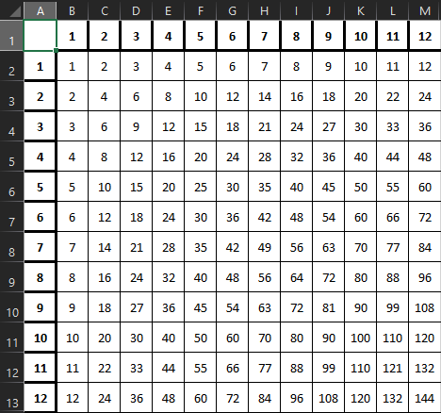
3
4
5
6
7
8
9
10
11
12

