Description
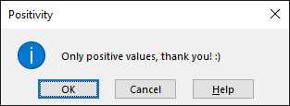
Exercise 1 - The boring example
Create a data validation that looks like this.

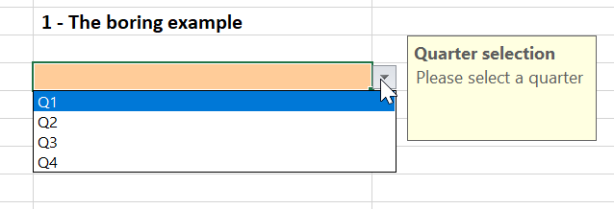

Exercise 2 - The answer
Create a data validation such that only 42 is accepted.

Exercise 3 - The monthly planning
Create a data validation to select the months from January to December 2019.

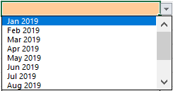

Exercise 4 - The positive result
Create a data validation such that:
- only positive values are allowed,
- if zero or a negative value is entered, the following error message is shown.

