Dashboard
Eoghan's Super Cool Widgets Company
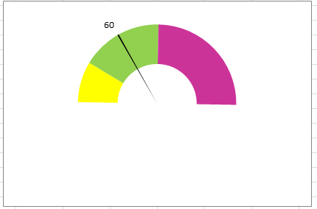
Sales: Meeting Targets
Revenue - Current YTD |  |  |  |  | Employees
$3,332 |  |  |  |  | 8 Total, 3 Women
Revenue Target
Previous Yr. | % Change | Trend
$10,296 | -67.6%
 |  |  | Number of widgets

$1,000 | Cash in Bank
$400 | Accounts Receivable |  | Quick Ratio: | 8.6 to 1
$130 | Accounts Payable | 30/60/90 | Current Ratio: | 11.1 to 1 |  | Orders
Business Fundamentals Improvement
 | Leadership | Organization/Staff | Product/Service & Processing | Sales & Marketing | Financial Management | Environmental & Social
First Score | 0.19 | 0.12 | 0.35 | 0.42 | 0.29 | 0.19
Improvement | 0.12 | 0.18 | 0.12 | 0.09 | 0.09 | 0.12
missing | 0.69 | 0.7 | 0.53 | 0.49 | 0.62 | 0.69

Employees: | 8

2017 Sales Concentration
Customer A | $75,000
Customer B | $69,000
Customer C | $67,000
Customer D | $54,000
Customer E | $19,000
All Other Customers | $716,000
Gross and Net Margins
2015 | 38.4% | 4.2%
2016 | 40.6% | 6.6%
2017 | 41.7% | 11.0%

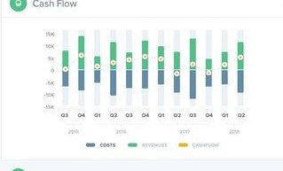

Sales Concentration in Top 5 Customers
FY 2017 | 49%
FY 2016 | 47%
FY 2015 | 49%

19. Financial Ratios
Financial Ratios
Financial Ratios is the quantitative analysis of financial information from statements which provides input for evaluating and comparing a company to its peers or industry benchmark.
Liquidity - measures the availabiity of cash to pay debt
Activity - effectiveness of convertion on non-cash assets to cash assets
Leverage - quantify the ability to repay long term debt
Shareholder/Market - investor response to owning a company's stock
Profitability = use of assets & control of expenses to generate profit

RATIOS | FORMULAR | VALUE

Profitability Ratios
Return on Assets | Profit before taxes/ Total Asset | 0.4
Return on Equity | Net income/Shareholder's Equity | 0.5
Return on capital | (Net income - Dividends)/(Debt + Equity) | 0.4
Return on capital employed | Net operating profit/(Total assets - Current liabilities) | 0.5
Cash flow return on investment | Cash flow/ Market value of capital employed | 0.5
Efficiency ratio | Non-interest expense/ revenue
Gross profit margin | Gross income/Sales | 61.00%
Operating profit margin | Operating income/ Sales | 15.70%
Net profit margin | Net income/ Sales | -4.00%

Liquidity Ratios
Current Ratio | Current assets/Current liabilities | 1.4
Quick Ratio | (Current assets-Inventory)/ Current liabilities | 1.2
Net working capital to sales ratio | (Current assets - Current liabilities)/ Sales | 0.8
Net Operating cycle | Accounts receivable days+ Inventory days - Accounts payable days | 49 Days
Operating cycle | Inventory days + Account receivable days

Activitiy Ratios
Inventory turnover | Cost of goods sold/ Inventory | 19x
Accounts Receivable Turnover Ratio | Sales on credit/Accounts receivable | 0
Inventory Days on Hand | Inventory/Average day's cost of goods sold | 19 Days
Accounts Receivable Days | 365days/Account receivable turnover ratio | 0 Days
Account Payable Turnover Ratio | Cost of Goods sold/Inventory | 12x
Accounts Payable Days on Hand | 365days/ Accounts payable turnover ratio | 30 Days
Total asset turnover | Sales/Total assets | 2.5
Fixed asset turnover | Sales/Fixed assets | 2.7

Financial Leverage ratios
Total debt to asset ratio | Total debt/ Total assets | 0.4
Long-term debt to assets ratio | Long-term debt/ Total assets | 0.4
Total debt to equity ratio | Total debts/ Total shareholders' equity | 0.6
Equity to debt | Market Value of Equity/ Total Liabilities | 1.6

Coverage Financial Leverage ratios
Times -interest-coverage ration | Earnings before interest and taxes/ Interest | 2.7
Fixed-chareg coverage ratio | (Earnings before interest and taxes + Lease payment) / (Interest + Lease payment) | 0

Shareholder ratios
Earnings per share | Net income available to shareholders/ Number of shares outstanding
Price-earning ratio | Market price per share/ Earnings per share
Dividend payout ratio | Dividends/Earnings
Retention ratio | (Earnings - Dividend)/ Earnings
Dividend yield | Dividends per share/ Market per share
Retained Earnings to Total Assets | Retained earnings/ Total assets | 0.3

Solvency Ratios
Working Capital | Total current asset - Total current liabilities | 46,968
Net Sales to Working Capital | Net sales/ Net working capital | 121.8

Other Ratios
Working capital to Total Assets | Working capital/Total assets | 0.2
Operating leverage | Contribution margin/ Fixed costs | 1
Fincnacial leverage | Total capital employed/Shareholder's equity
Total leverage | Operating leverage X Financial leverage | -4

Z-Score
 | Weighting Factor
Return on Assets | 3.3 | 1.32
Sales to Total Assets | 0.999 | 2.4975
Equity to Debt | 0.6 | 0.96
Working Capital to Total Assets | 1.2 | 0.24
Retained Earnings to Total Assets | 1.4 | 0.42
Z-Score |  | 5.4375

