Calc BS
 | Fiscal Year Ending

Receivables
Total Inventory
Leave it in local currency
 | Dec-17 | Dec-16 | Dec-15
Cash & Equivalents | $5,000 | $5,000 | $5,000
Accounts Receivable | $4,000 | $3,000 | $5,000
Fixed Assets | $40,000 | $40,000 | $40,000
Current Liabilities/Debt (ask how to phrase) | $9,000 | $15,000 | $20,000

Inventory of Product A (in local currency) | $40,000 | $40,000 | $40,000
Inventory of Product B (in local currency) | $40,000 | $40,000 | $40,000
Inventory of Product C (in local currency) | $40,000 | $40,000 | $40,000
Inventory of Product D (in local currency) | $40,000 | $40,000 | $40,000
Inventory of Product E (in local currency) | $40,000 | $40,000 | $40,000
All other inventory (in local currency) | $5,000 | $5,000 | $5,000
Total Inventory | $205,000 | $205,000 | $205,000

Inventory of Product A (#Units) | 100 | 100 | 100
Inventory of Product B (#Units) | 100 | 100 | 100
Inventory of Product C (#Units) | 100 | 100 | 100
Inventory of Product D (#Units) | 100 | 100 | 100
Inventory of Product E (#Units) | 100 | 100 | 100

Valuation of other assets (besides cash/equiv. and inventories)
ST Debt | $500 | $500 | $500
LT Debt | $15,000 | $15,000 | $15,000
% of Equity the Owner has | 20% | 20% | 20%
Total Equity | $80,000 | $80,000 | $80,000

CALCULATED FIELDS
current ratio (annual for 3 years) (=Current Assets/Current Liabilities) | 23.78x | 14.20x | 10.75x
3 year trend of cash generated from operations? (NI + D+A ?????) | $365,000 | $336,000 | $357,000
Assets Employed (3 years of data) = Fixed assets + Current Assets - Current Liabilities | $40,000 | $33,000 | $30,000
debt/equity ratio | 19% | 19% | 19%

LENDABILITY - Hector from Argentina

Quick ratio = (cash and equivalents + marketable securities + accounts receivable) / current liabilities | 1.00 to 1 | 0.53 to 1 | 0.50 to 1

Dashboard
Eoghan's Super Cool Widgets Company
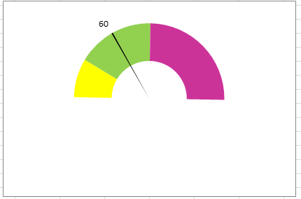
Revenue - Current yr. |  |  |  |  | Employees
$800 | $000's |  |  |  | 8 Total, 3 Women
Sales: Meeting Targets
Previous Yr. | % Change | Trend
$650 | 23.1%

 |  |  | Quick Ratio: | 1.9 : 1
 |  |  | Current Ratio: | 1.1 : 1

Management Improvement
 | Leadership | Organization/Staff | Product/Service & Processing | Sales & Marketing | Financial Management | Environmental & Social
First Score | 19.00% | 12.00% | 35.00% | 42.00% | 29.00% | 19.00%
Improvement | 12.00% | 18.00% | 12.00% | 9.00% | 9.00% | 12.00%
missing | 69.00% | 70.00% | 53.00% | 49.00% | 62.00% | 69.00%

Employees: | 8
Gross and Net Profit Margin
 | Gross Margin | Net Margin
2015 | 57.0% | 35.7%
2016 | 55.0% | 33.6%
2017 | 58.0% | 36.5%
2018E | 60.0% | 38.8%
2017 Sales Concentration
Danny | $75,000
Deborah | $69,000
Cassie | $67,000
Alison | $54,000
Shaun and Shawna | $19,000
All Other Customers | $716,000

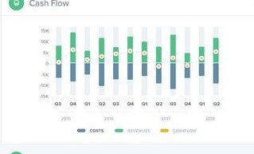

Sales Concentration in Top 5 Customers
2017 | 27%
2016 | 34%
2015 | 38%

