XGT Export
250611_PDE-064_224.85 | PDE-064_224.85 | Sum Spectrum 1
 |  |  | Measurement conditions
 |  |  |  | Measured : | 06/11/2025 14:33:29
 |  |  |  | Voltage[kV] | 30
 |  |  |  | Current[μA] | 800
 |  |  |  | Measurement time[s] | 1253
 |  |  |  | Pixel Time(ms) : | 3
 |  |  |  | Processing time | Process 3
 |  |  |  | Dead Time Correction : | 20
 |  |  |  | Repeating Times : | 1
 |  |  |  | Filter : | None
 |  |  |  | Capillary : | 100um
 |  |  |  | Count rate[cps] | 81158.6
 |  |  |  | Vacuum : | Whole Vacuumed
 |  |  |  | Detail Image Position X[mm] : | -25.704
 |  |  |  | Detail Image Position Y[mm] : | 2.600
 |  |  |  | Measurement Position X[mm] : | -25.704
 |  |  |  | Measurement Position Y[mm] : | 2.600
 |  |  |  | Mapping Width[mm] : | 45.056
 |  |  |  | Mapping Height[mm] : | 17.952
 |  |  |  | Mapping Width X[pixel] : | 1024
 |  |  |  | Mapping Height Y[pixel] : | 408
 |  |  |  | Stage Position Z[mm] : | -8.200
 |  |  |  | Focus Position : | 0.96
 |  |  |  | Total Elapsed Time | 00.00:51:35

 |  |  | Whole image
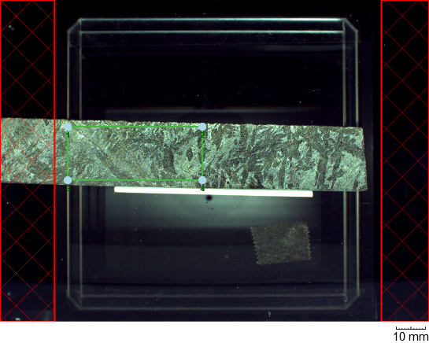

 |  |  | Detail image
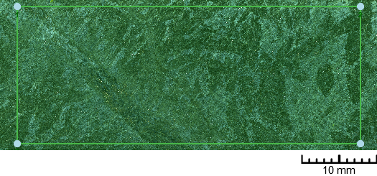

 |  |  | Analysis 1
 |  |  |  | Element Map (ROI)
 |  |  |  |  | Elements
 |  |  |  |  | Al
 |  |  |  |  | Si
 |  |  |  |  | S
 |  |  |  |  | K
 |  |  |  |  | Ca
 |  |  |  |  | Ti
 |  |  |  |  | Mn
 |  |  |  |  | Fe
 |  |  |  |  | Zn
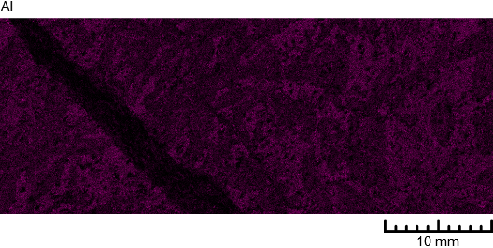
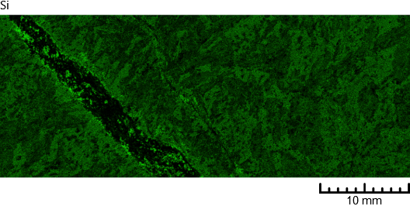
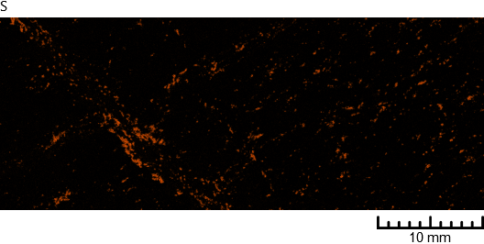
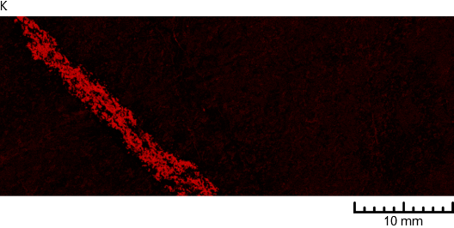

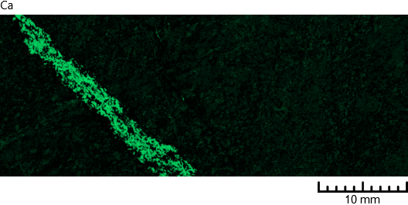
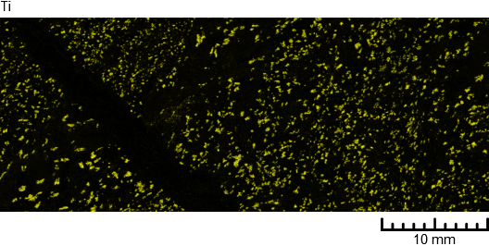
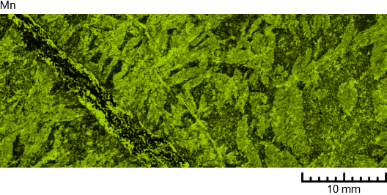
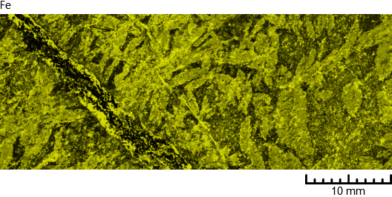



 |  |  |  | SumSpectrum
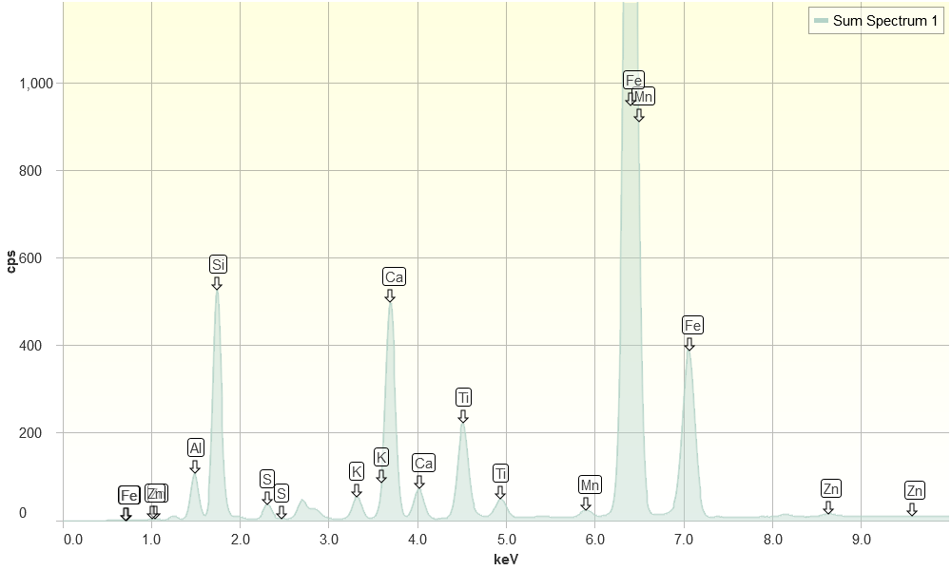

 |  |  |  | Quantitative Results
 |  |  |  |  | Quantitated(yyyymmddHHSSMM) : | 06/11/2025 15:25:57
 |  |  |  |  | Measurement : | Sum Spectrum 1
 |  |  |  |  | Measured : | 06/11/2025 14:33:29

 |  |  |  |  | Other Elements | Concentration | Unit | Three Sigma | Judgment | Analysis method | Intensity(cps/mA) | Line
 |  |  |  |  | Fe | 35.2234 | wt% | 0.0193 | --- | --- | FPM | 47606.7666 | Kα
 |  |  |  |  | Si | 29.2840 | wt% | 0.0256 | --- | --- | FPM | 6894.0189 | Kα
 |  |  |  |  | Ca | 16.3770 | wt% | 0.0161 | --- | --- | FPM | 8014.2256 | Kα
 |  |  |  |  | Al | 11.0774 | wt% | 0.0252 | --- | --- | FPM | 1360.2844 | Kα
 |  |  |  |  | Ti | 4.5279 | wt% | 0.0070 | --- | --- | FPM | 3663.0767 | Kα
 |  |  |  |  | K | 2.3705 | wt% | 0.0077 | --- | --- | FPM | 805.0465 | Kα
 |  |  |  |  | S | 0.7992 | wt% | 0.0034 | --- | --- | FPM | 475.3859 | Kα
 |  |  |  |  | Mn | 0.2129 | wt% | 0.0012 | --- | --- | FPM | 275.6584 | Kα
 |  |  |  |  | Zn | 0.1276 | wt% | 0.0010 | --- | --- | FPM | 153.4013 | Kα

