Sheet2
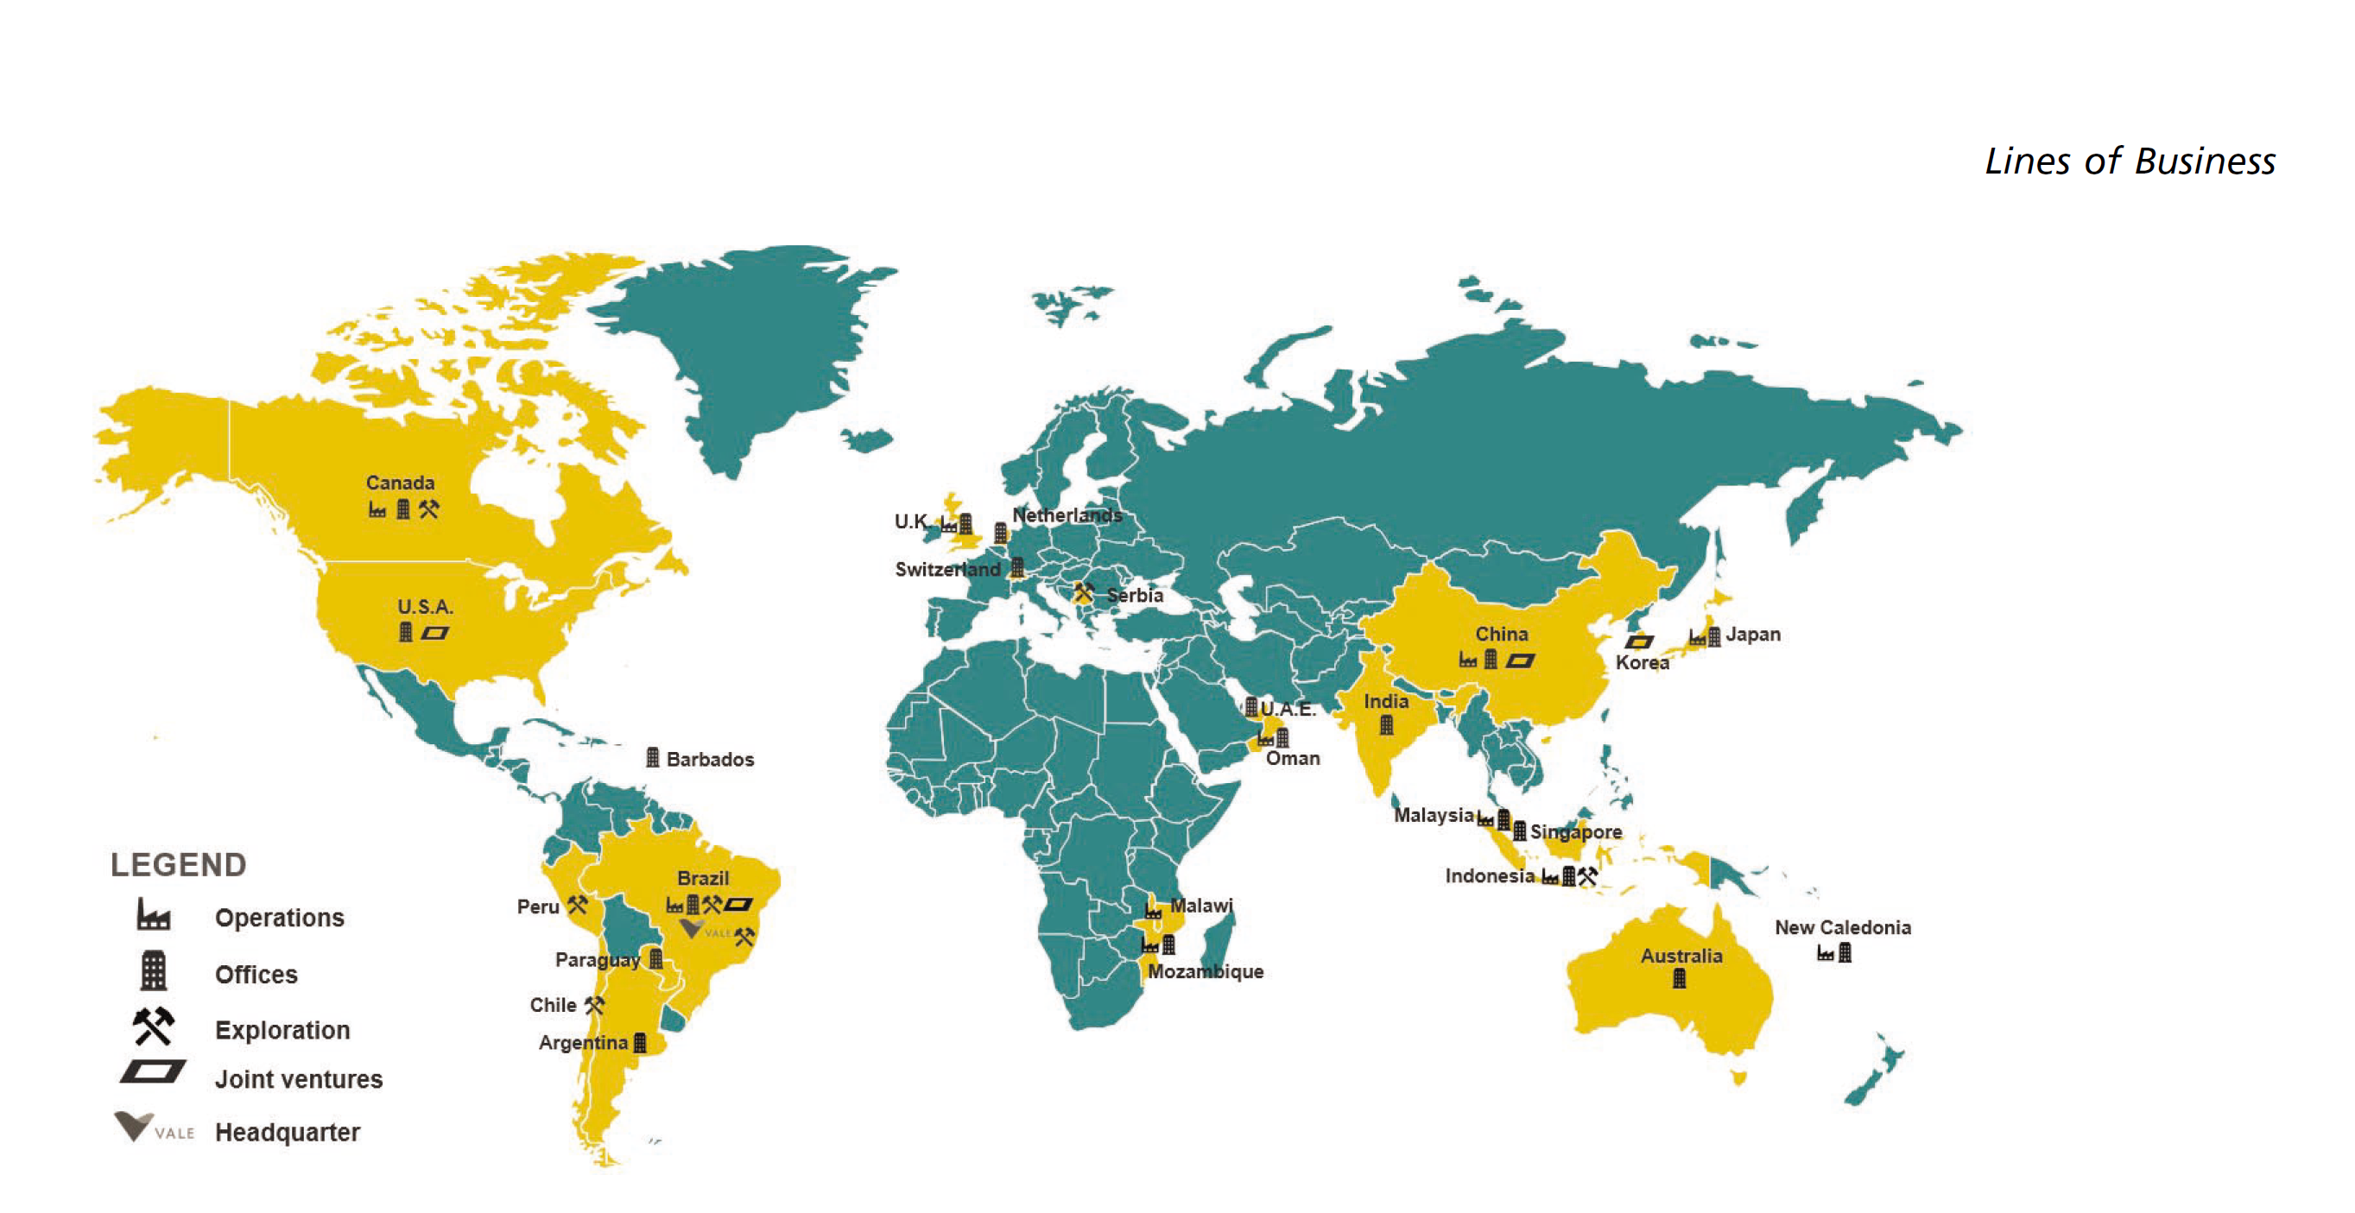
Costs of fuel oil, gas and electricity are a significant component of our cost of production, representing
9.0% of our total cost of goods sold in 2020. To fulfill our energy needs, we rely on the following sources:
oil byproducts, which represented 36% of total energy needs in 2020, electricity (31%), natural gas (13%),
coal (16%) and other energy sources (4%).
Electricity costs represented 3.8% of our total cost of goods sold in 2020

