graficos
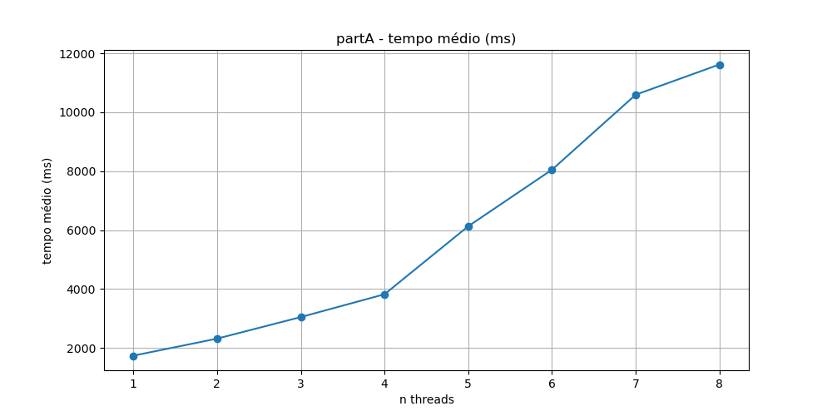
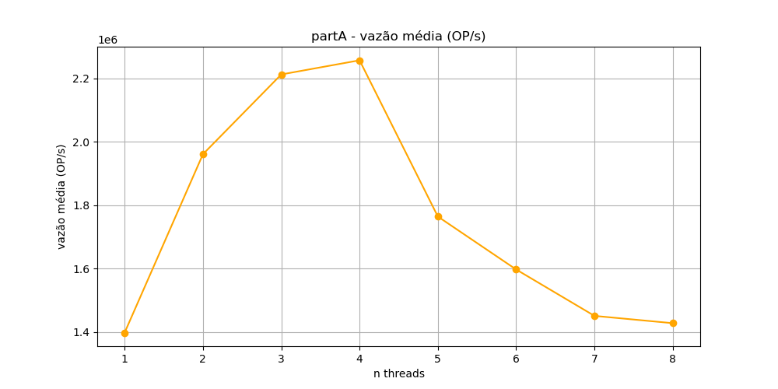
 | partA rodando no j22
 | Executando 10 vezes com elementos do tipo long long |  |  |  |  |  | total elements: | 16000000 | query_size: | 100000

 | 1 threads: | 2 threads: | 3 threads: | 4 threads: | 5 threads: | 6 threads: | 7 threads: | 8 threads:
 | 1.650857 | 2.345526 | 3.056635 | 3.823605 | 6.079159 | 8.042575 | 9.685092 | 11.497524
 | 1.704935 | 2.344611 | 3.031003 | 3.83039 | 6.097448 | 8.086301 | 18.71779 | 11.901627
 | 1.659785 | 2.271119 | 3.082674 | 3.784493 | 6.097238 | 8.072393 | 9.703547 | 11.563055
 | 1.824066 | 2.315667 | 3.032553 | 3.84368 | 6.192861 | 8.049991 | 9.709634 | 11.577001
 | 1.814752 | 2.32011 | 3.075601 | 3.85278 | 6.159178 | 8.140678 | 9.702658 | 11.675905
 | 1.725976 | 2.316771 | 3.045452 | 3.852149 | 6.095704 | 8.026661 | 9.859747 | 11.463875
 | 1.859889 | 2.318196 | 3.041667 | 3.83256 | 6.172515 | 7.94223 | 9.592574 | 11.54693
 | 1.721646 | 2.300125 | 3.047681 | 3.772956 | 6.160605 | 8.176114 | 9.696197 | 11.521905
 | 1.730217 | 2.304697 | 3.032851 | 3.80861 | 6.208847 | 7.971188 | 9.649201 | 11.671061
 | 1.673627 | 2.314831 | 3.027899 | 3.819913 | 6.049285 | 8.011507 | 9.66445 | 11.817825

 | Tempo médio
threads: | 1 | 2 | 3 | 4 | 5 | 6 | 7 | 8
tempo médio(ms) | 1736.6 | 2315.2 | 3047.4 | 3822.1 | 6131.3 | 8052 | 1059.8 | 1162.4

 | Vazão média
threads: | 1 | 2 | 3 | 4 | 5 | 6 | 7 | 8
vazão média(OP/s) | 1398079.4 | 1960653.6 | 2212061.3 | 2256709 | 1763972.8 | 1597041.4 | 1450799.2 | 1427768.8

topologia-processador
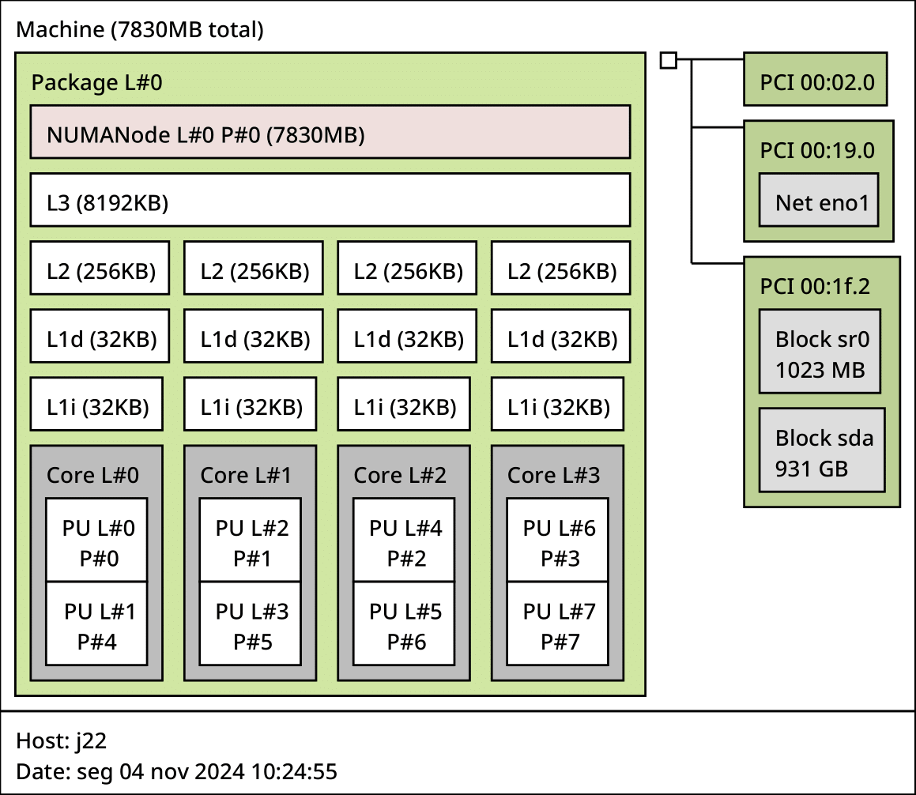
Topologia do processador obtida com lstopo

