graficos
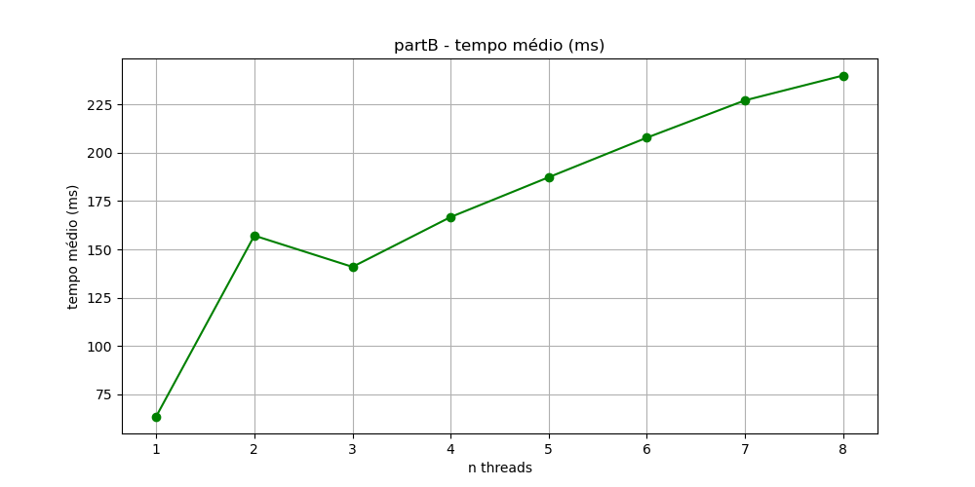
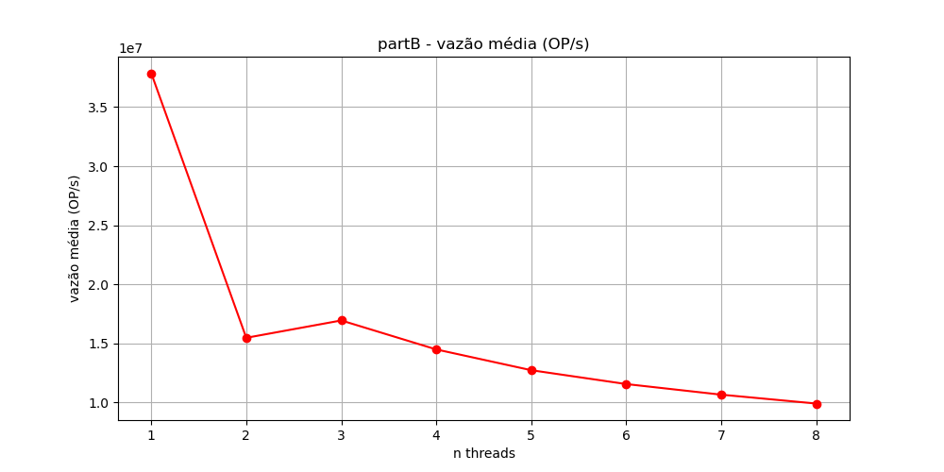
 | partB rodando no j22
 | Executando 10 vezes com elementos do tipo long long |  |  |  |  |  | total elements: | 16000000 | query_size: | 100000

 | 1 threads: | 2 threads: | 3 threads: | 4 threads: | 5 threads: | 6 threads: | 7 threads: | 8 threads:
 | 0.06451 | 0.124262 | 0.142615 | 0.168154 | 0.192936 | 0.209785 | 0.232353 | 0.238969
 | 0.063691 | 0.154434 | 0.142387 | 0.167351 | 0.185808 | 0.214108 | 0.219543 | 0.222307
 | 0.063304 | 0.161621 | 0.145709 | 0.170232 | 0.185066 | 0.209905 | 0.219344 | 0.238056
 | 0.061399 | 0.168519 | 0.141192 | 0.173206 | 0.187903 | 0.201665 | 0.234852 | 0.23792
 | 0.064533 | 0.156255 | 0.144005 | 0.161305 | 0.181839 | 0.210954 | 0.224815 | 0.246616
 | 0.061375 | 0.156073 | 0.139304 | 0.168552 | 0.188902 | 0.207021 | 0.231476 | 0.246327
 | 0.064546 | 0.157384 | 0.141411 | 0.161124 | 0.191455 | 0.205562 | 0.226416 | 0.247544
 | 0.064869 | 0.173742 | 0.140683 | 0.169302 | 0.184271 | 0.208535 | 0.229932 | 0.239521
 | 0.064025 | 0.156249 | 0.138233 | 0.160036 | 0.186269 | 0.207297 | 0.225682 | 0.236167
 | 0.063409 | 0.16286 | 0.134039 | 0.168243 | 0.189167 | 0.203493 | 0.227124 | 0.246796

 | Tempo médio
threads: | 1 | 2 | 3 | 4 | 5 | 6 | 7 | 8
tempo médio(ms) | 63.5 | 157.1 | 140.9 | 166.7 | 187.3 | 207.8 | 227.1 | 240

 | Vazão média
threads: | 1 | 2 | 3 | 4 | 5 | 6 | 7 | 8
vazão média(OP/s) | 37866979.6 | 15482529.9 | 16950127.8 | 14497935.6 | 12740472.2 | 11568749.6 | 10671746.8 | 9920108.6

topologia-processador
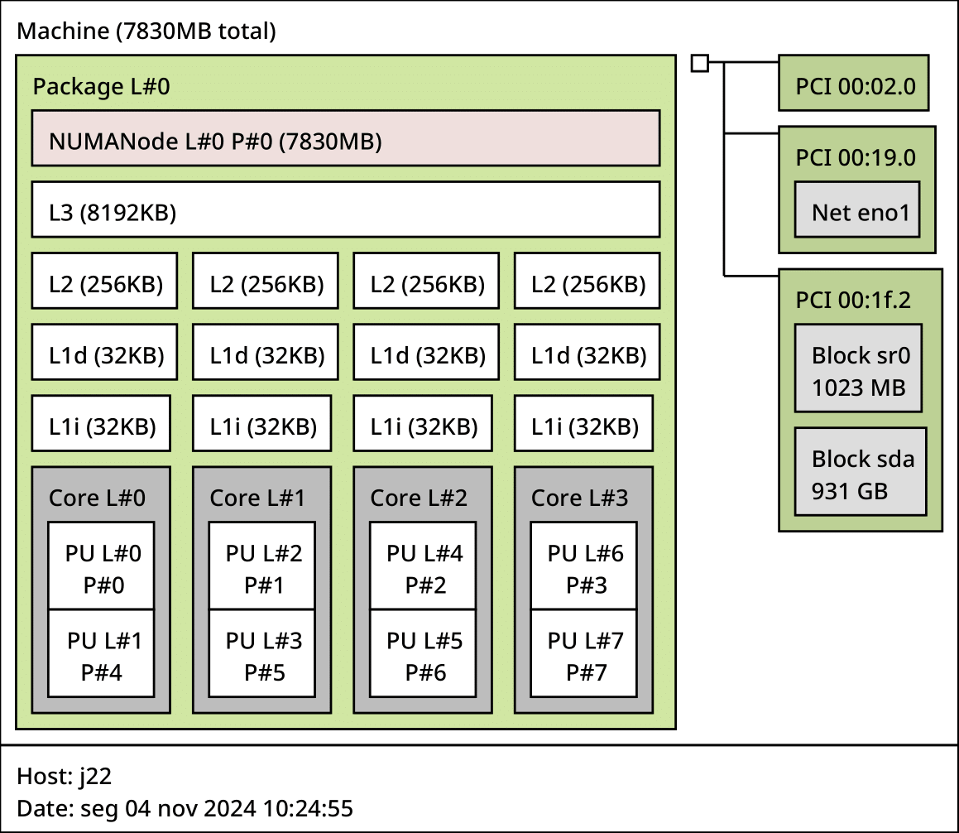
Topologia do processador obtida com lstopo

