Planilha1
BUG REPORT

BUG ID |  |  |  | BUG OVERVIEW |  |  | ENVIRONMENT |  | BUG DETAILS |  |  |  |  | BUG TRACKING
BUG ID | TITLE | REPORTED BY | DATE REPORTED | SUMMARY | URL | SCREENSHOT | PLATFORM | BROWSER | STEPS TO REPRODUCE | EXPECTED RESULT | ACTUAL RESULT | Notes | REPRODUCIBILITY | CRITICALY | ASSIGNED TO | STATUS
1 | User fill date of birth with date greater than current date | Brito, Lucas | 08/28/2021 | When user fill form with a date greater than the current date the system does not alert | https://forms.liferay.com/web/forms/shared/-/form/122548 | 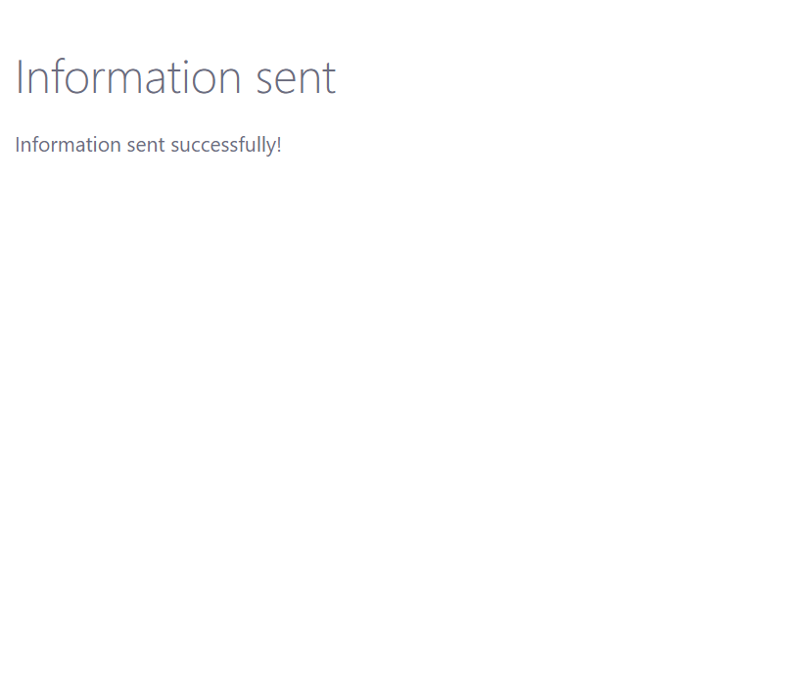 | Windows | Google Chrome Version: 91.0.4472.77 | 1. Access page https://forms.liferay.com/web/forms/shared/-/form/122548; 2. Type “Lucas Florêncio de Brito” in What is your name field; 3. Type “Because...” in Why did you join the test area field; 4. Click on Calendar Icon ; 5. Selected a date greater than the current date. 6. Click on Submit button. | At step 6 when user click on submit button a notification indicating that the date is not valid must appear. | At step 6 when user click on submit button system goes to Information sent successfully page. |  | Always | Major defects |  | Open
2 | Numbers appears on notification text | Brito, Lucas | 08/28/2021 | When user fill form missing obrigatory fields the notification text appears with a number. | https://forms.liferay.com/web/forms/shared/-/form/122549 | 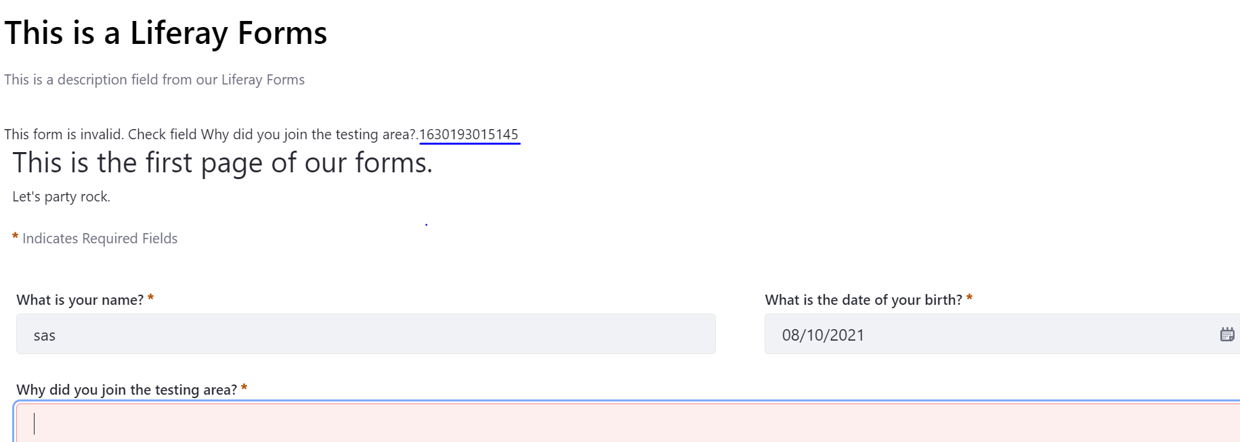 | Linux | Firefox Version: 88.0 | 1. Access page https://forms.liferay.com/web/forms/shared/-/form/122548; 2. Type “sas” in What is your name field; 3. Select date. 4. Click on Submit button. | When user do not fill all obrigatory field Why did you join the testing, area and click on submit button the notification text "This form is invalid. Check field <field name>" | When user do not fill all obrigatory field Why did you join the testing area, and click on submit button the notification text appears with a number. | This issue was also reproduced with What is the date of your birth field, and What is the date of your birth field. | Always | Minor defects |  | Open
3 | Translantion to portugue is not complete | Brito, Lucas | 08/28/2021 | When user choose Brazilian Portuguese Language "Let's party rock" is not translated. | https://forms.liferay.com/web/forms/shared/-/form/122550 | 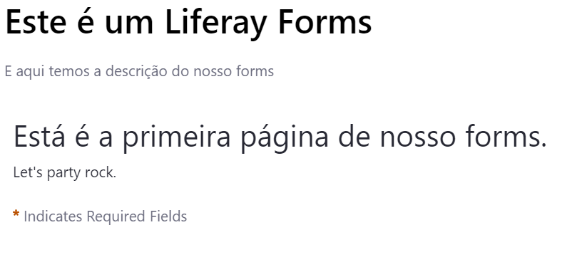 | MacOS | Safari Version 5.1.7 | 1. Access page https://forms.liferay.com/web/forms/shared/-/form/122548; 2. Click on USA Flag Icon. 3. Select Português-Brasil. | When selectecting Brazilian Portuguese all text must be translated. | "Let's party rock" is not translated. |  | Always | Trivial defect |  | Open
4 | English text notification appears when website is in Brazilian Portuguese language | Brito, Lucas | 08/28/2021 | When user is using the form with Brazilian Portuguese language notifiation text is not translated | https://forms.liferay.com/web/forms/shared/-/form/122551 | 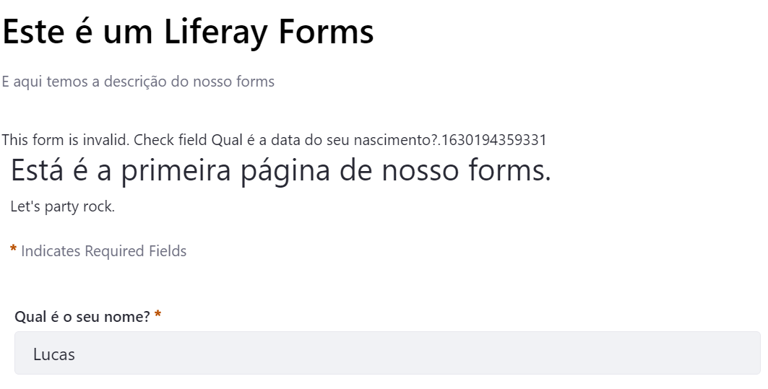 | Windows | Opera Version: 76.0.4017.123 | 1. Access page https://forms.liferay.com/web/forms/shared/-/form/122548; 2. Click on USA Flag Icon. 3. Select Português-Brasil. 4. Type “Lucas Florêncio de Brito” in Qual é o seu nome field; 5. Type “Because...” in Porque você ingressou na área de testes field; 4. Click on Calendar Icon ; 6. Click on Submit button. | When using the form with Brazilian Portuguese language the notification text must be in Brazilian Portuguese | Notification text is not translated | This issue was also reproduced with What is the date of your birth field, and What is the date of your birth field. | Always | Trivial defect |  | Open

