Dashboard
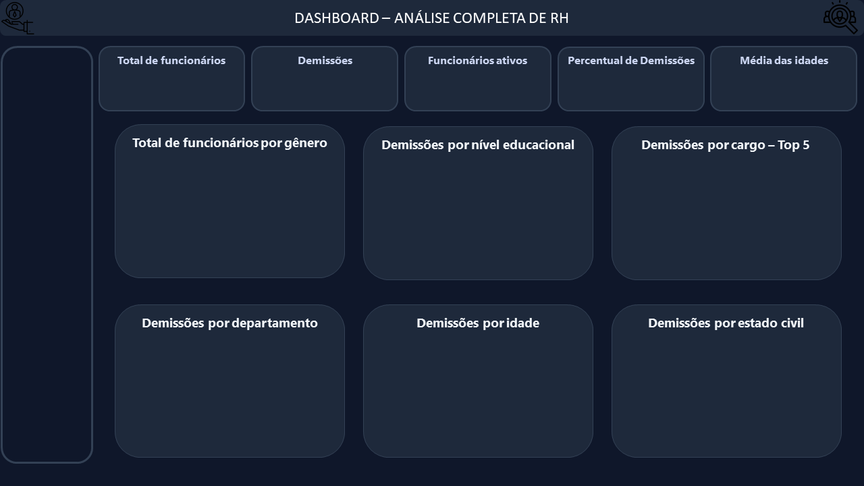

1470
237
1233
16,12%
36,9

Técnico de Laboratório | 62
Executivo de Vendas | 57
Cientista de Pesquisa | 47
Representante Comercial | 33
Recursos Humanos (RH) | 12
Ensino médio | 31
Faculdade | 44
Graduado | 99
Mestrado | 58
Doutorado | 5
588
882

 | 40%
 | 60%
 | 40%
 | 60%

 | Demissões
Menos de 25 | 38
25-34 | 112
35-44 | 505
45-54 | 25
55-64 | 11
 | Demissões
Recursos Humanos (RH) | 5.06%
Pesquisa e Desenvolvimento (P&D) | 56.12%
Vendas | 38.82%

