Sheet1
T-1N4W128069A-BOM
7 | CC0603JRNPO9BN221 | C_0603_1608Metric | 200pF『 』『 』50V | C10 | 1 | 16 |  | The component is 220PF instead of 200PF, should we solder as it is? Yes, please solder as it is. (C10) | 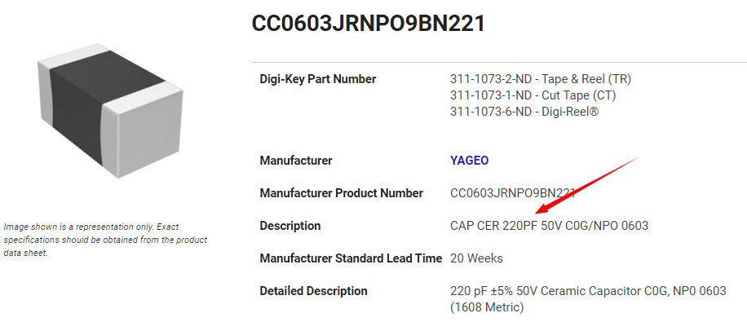
9 | CC0603JRNPO9BN332 | C_0603_1608Metric | 4.7nF『 』0.05『 』50V | C12 | 1 | 16 |  | The component is 3.3NF instead of 4.7nF, should we solder as it is? Yes, please solder as it is. (C12) | 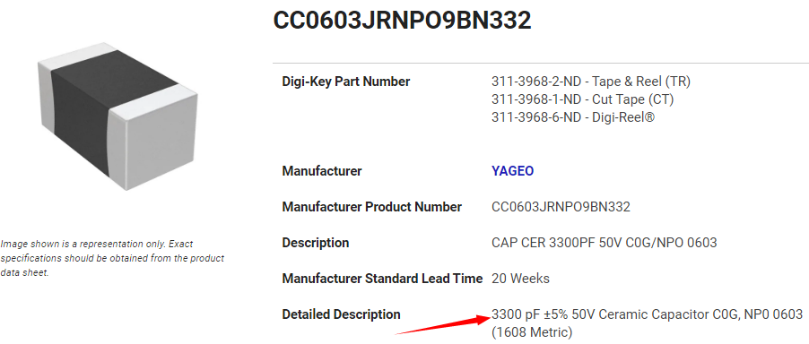
20 | DAC101C081CIMK/NOPB | Package_TO_SOT_SMD:TSOT-23-6_HandSoldering | DAC101C081CIMK_NOPB『 』『 』 | IC1 | 1 | 16 | Brand : TI 2017. | The component is smaller than the pads on the board, it can be soldered, should we solder as it is？ Yes, please solder as it is. (IC1) | 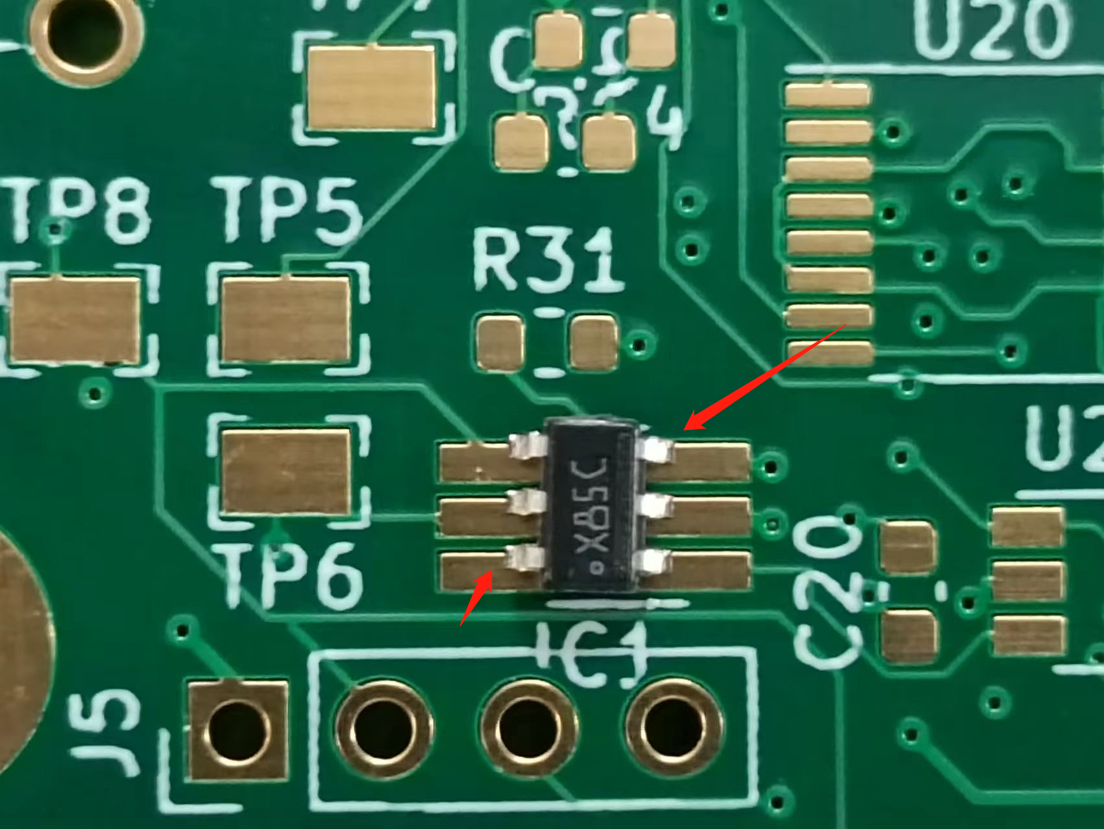 | 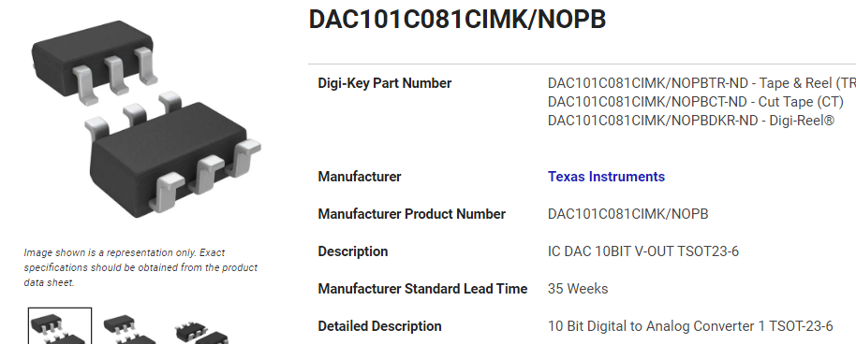
40 | RC0603FR-0773K2L | R_0603_1608Metric | 2k『 』0.01『 』 | R21 | 1 | 16 |  | The component is 73.2k instead of 2k, should we solder as it is? No. If you can, please replace with a resistor as close as possible to 2.2k (from 1.5 k - 2.5 k). If this is not possible DNI (do not install). (R21) | 