Sheet1
2 | CL10C050CB81PNC | C_0603_1608Metric | 5p,50,0.25pF | C11,C178,C195,C196,C197,C198,C199,C200,C201,C202,C203,C204,C205,C206,C207,C208,C209,C210 | 18 | 36 | There are two values in the BOM, 5p and 0.25pF, the components we got is 5pF, should we solder as it is? Yes solder 5 pF. (0.25pF is the tolerance)
11 | CC0603CRNPO9BN2R0 | C_0603_1608Metric | 2p,50V,0.25pF | C119,C128,C137,C146,C155,C164 | 6 | 12 | There are two values in the BOM, 5p and 0.25pF, the components we got is 2pF, should we solder as it is? Yes solder 2 pF. (0.25pF is the tolerance) | 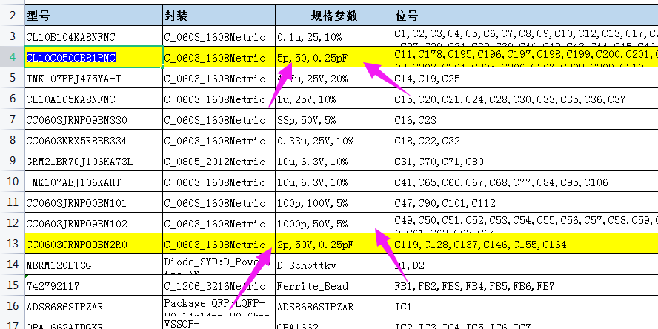
30 | RC0603FR-0710KL | R_0603_1608Metric | 10k | R1,R2,R3,R4,R15,R16,R17,R18,R34,R84,R85,R90,R91,R111,R112,R162,R179,R196,R213,R230,R247,R254,R255,R285 | 24 | 48
36 | RC0603FR-0710KL | R_0603_1608Metric | 470k | R33,R284 | 2 | 4 | This component is the same as upper green marked item30, but the value is 470K, this component we got is 10k, we will solder as it is ok? If you have an 0603 resistor available with a value between 200k and 500k please solder that and let me know the value used. Otherwise solder 10k.
65 | 24AA025UIDT-I/SN | SOIC-8_3.9x4.9mm_P1.27mm | 24AA025UID | U21 | 1 | 2 | The component can not match with the pads on the board, pls advise. U21 has a manufacturing part number of 24AA025UIDT-I/SN. This is an 8-SOIC package. The part you ordered must be incorrect (12 pin package). Please check. If you cannot find the correct part please just set U21 as do not install (DNI) and continue. | 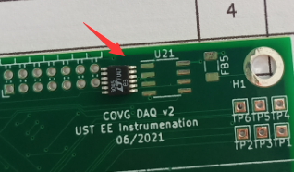 | 