comment
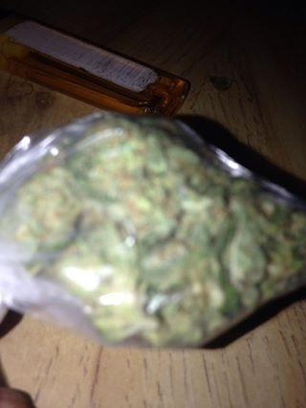
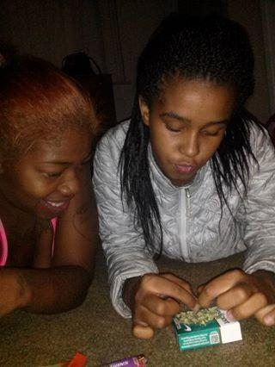
Posting Profile
 | Friend
 |  | Poster
 |  |  | PosterLink
 |  |  |  | Action
 |  |  |  |  | Message
 |  |  |  |  |  | PostTime_FB
 |  |  |  |  |  |  | PostTime
 |  |  |  |  |  |  |  | Privacy
 |  |  |  |  |  |  |  |  | Likes
 |  |  |  |  |  |  |  |  |  | Likers
 |  |  |  |  |  |  |  |  |  |  | Post Link
 |  |  |  |  |  |  |  |  |  |  |  | Comments
 |  |  |  |  |  |  |  |  |  |  |  |  | First Seen
 |  |  |  |  |  |  |  |  |  |  |  |  |  | Last Seen
 |  |  |  |  |  |  |  |  |  |  |  |  |  |  | Tag
 |  |  |  |  |  |  |  |  |  |  |  |  |  |  |  | Picture

