Scenario 2. Loc 1
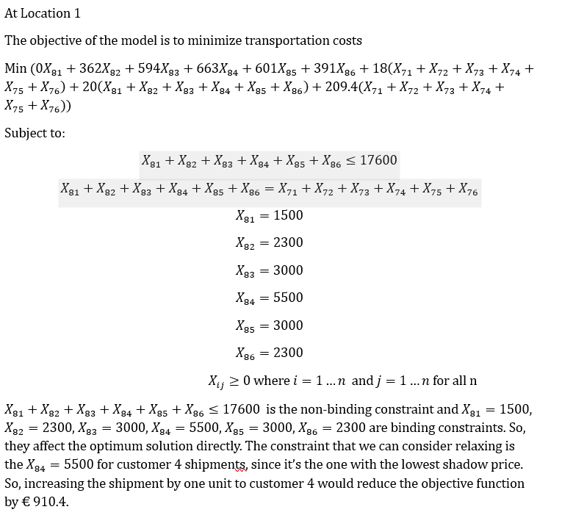
Lavazza Corporation |  |  |  |  |  |  |  |  | A visual representation of the model is shown here
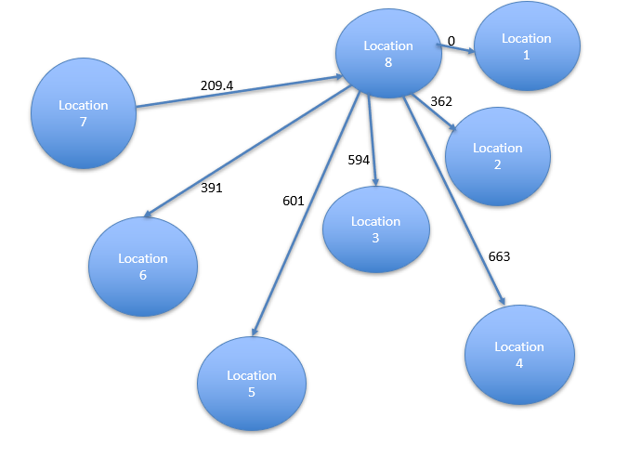
Arc | Cost | Xij | Optimization Model
Warehouse 8- customer 1 | 0 | 1500 |  | Units Shipped |  | Net
Warehouse 8 - customer 2 | 362 | 2300 | Node | In | Out | Shipments |  | Supply
Warehouse 8- customer 3 | 594 | 3000 | Location 7 |  | 17600 | 17600 | <= | 17600
Warehouse 8- customer 4 | 663 | 5500 | Customer 1 | 1500 | 16100 | 14600 | <= | 14600
Warehouse 8- customer 5 | 601 | 3000 | Customer 2 | 2300 |  | -2300 | = | -2300
Warehouse 8-customer 6 | 391 | 2300 | Customer 3 | 3000 |  | -3000 | = | -3000
Handling cost at warehouse 7 | 18 | 0 | Customer 4 | 5500 |  | -5500 | = | -5500
Handling cost at warehouse 8 | 20 | 0 | Customer 5 | 3000 |  | -3000 | = | -3000
Transport from warehouse 7 to warehouse 8/location 1 | 209.4 | 0 | Customer 6 | 2300 |  | -2300 | = | -2300

 |  |  |  |  | Minimize Total Cost | € 13,317,640.00


Here we have a scenario where the satelite warehouse 8 is supplying all the customers and it gets its supply from the first warehouse 7.
Assumptions made
1.The satelite warehouse is at customer 1 location.
2.Warehouse handling cost was independent of the quantity managed at the warehouse itself and the goods don’t delay at the warehouse.
3.Location 8 is the same as location 1.

Scenario 2. Loc 2
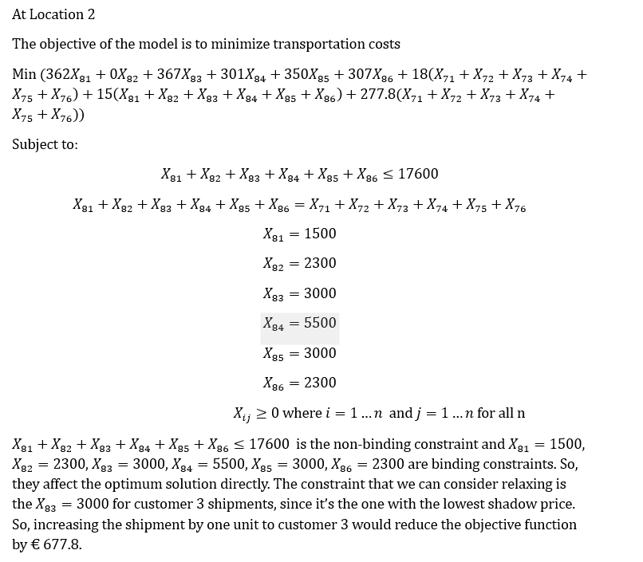
Lavazza Corporation |  |  |  |  |  |  |  |  | A visual representation of the model is shown here
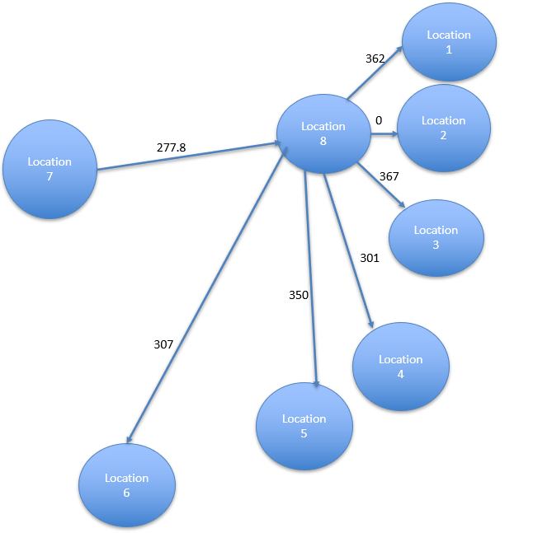
Arc | Cost | Xij | Optimization Model
Warehouse 8- customer 1 | 362 | 1500 |  | Units Shipped |  | Net
Warehouse 8 - customer 2 | 0 | 2300 | Node | In | Out | Shipments |  | Supply
Warehouse 8- customer 3 | 367 | 3000 | Location 7 |  | 17600 | 17600 | <= | 17600
Warehouse 8- customer 4 | 301 | 5500 | Customer 1 | 1500 |  | -1500 | = | -1500
Warehouse 8- customer 5 | 350 | 3000 | Customer 2 | 2300 | 15300 | 13000 | <= | 13000
Warehouse 8-customer 6 | 307 | 2300 | Customer 3 | 3000 |  | -3000 | = | -3000
Handling cost at warehouse 7 | 18 | 0 | Customer 4 | 5500 |  | -5500 | = | -5500
Handling cost at warehouse 8 | 15 | 0 | Customer 5 | 3000 |  | -3000 | = | -3000
Transport from warehouse 7 to warehouse 8/location 2 | 277.8 | 0 | Customer 6 | 2300 |  | -2300 | = | -2300

 |  |  |  |  | Minimize Total Cost | € 10,525,680.00

Here we have a scenario where the satelite warehouse 8 is supplying all the customers and it gets its supply from the first warehouse 7.
Assumptions made
1.The satelite warehouse is at customer 2 location.
2.Warehouse handling cost was independent of the quantity managed at the warehouse itself and the goods don’t delay at the warehouse.
3.Location 8 is the same as location 2.

Scenario 2. Loc 3
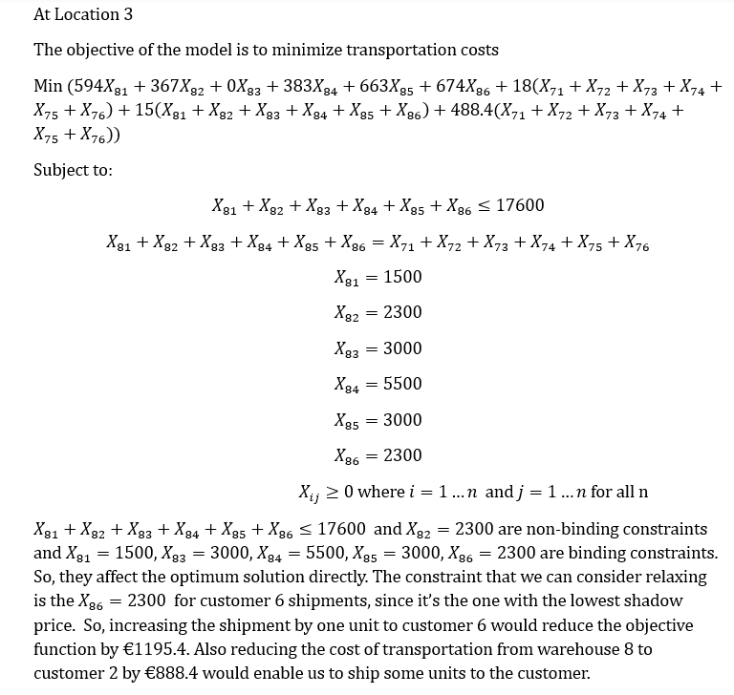
Lavazza Corporation |  |  |  |  |  |  |  |  | A visual representation of the model is shown here
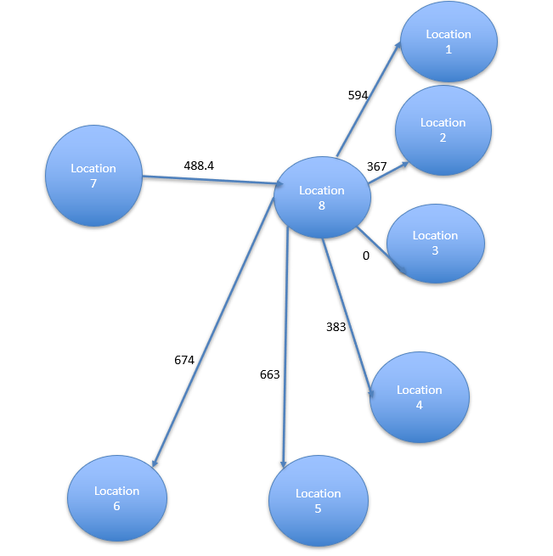
Arc | Cost | Xij | Optimization Model
Warehouse 8- customer 1 | 594 | 1500 |  | Units Shipped |  | Net
Warehouse 8 - customer 2 | 367 | 2300.000001 | Node | In | Out | Shipments |  | Supply
Warehouse 8- customer 3 | 0 | 3000 | Location 7 |  | 17600.000001 | 17600.000001 | <= | 17600
Warehouse 8- customer 4 | 383 | 5500 | Customer 1 | 1500 |  | -1500 | = | -1500
Warehouse 8- customer 5 | 663 | 3000 | Customer 2 | 2300.000001 |  | -2300.000001 | = | -2300
Warehouse 8-customer 6 | 674 | 2300 | Customer 3 | 3000 | 14600 | 11600 | <= | 11600
Handling cost at warehouse 7 | 18 |  | Customer 4 | 5500 |  | -5500 | = | -5500
Handling cost at warehouse 8 | 15 |  | Customer 5 | 3000 |  | -3000 | = | -3000
Transport from warehouse 7 to warehouse 8/location 3 | 488.4 |  | Customer 6 | 2300 |  | -2300 | = | -2300

 |  |  |  |  | Minimize Total Cost | € 16,557,440.00

Here we have a scenario where the satelite warehouse 8 is supplying all the customers and it gets its supply from the first warehouse 7.
Assumptions made
1.The satelite warehouse is at customer 3 location.
2.Warehouse handling cost was independent of the quantity managed at the warehouse itself and the goods don’t delay at the warehouse.
3.Location 8 is the same as location 3.

Scenario 2. Loc 4
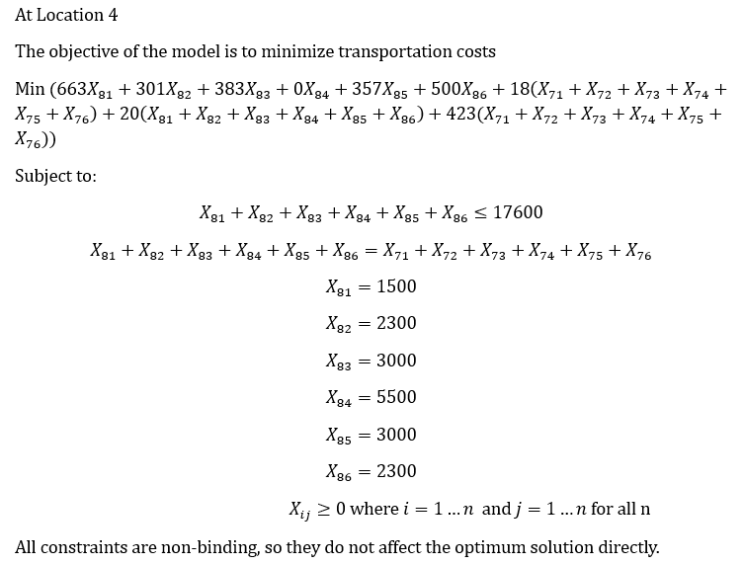
Lavazza Corporation |  |  |  |  |  |  |  |  | A visual representation of the model is shown here
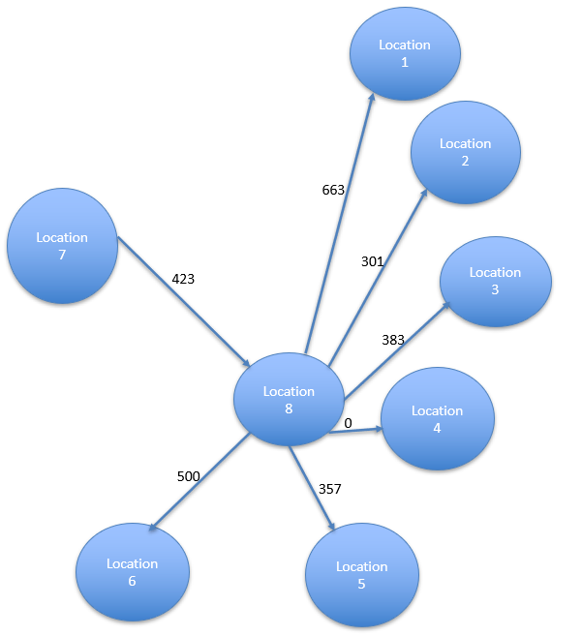
Arc | Cost | Xij | Optimization Model
Warehouse 8- customer 1 | 663 | 1500 |  | Units Shipped |  | Net
Warehouse 8 - customer 2 | 301 | 2300 | Node | In | Out | Shipments |  | Supply
Warehouse 8- customer 3 | 383 | 3000 | Location 7 |  | 17600 | 17600 | <= | 17600
Warehouse 8- customer 4 | 0 | 5500 | Customer 1 | 1500 |  | -1500 | = | -1500
Warehouse 8- customer 5 | 357 | 3000 | Customer 2 | 2300 |  | -2300 | = | -2300
Warehouse 8-customer 6 | 500 | 2300 | Customer 3 | 3000 |  | -3000 | = | -3000
Handling cost at warehouse 7 | 18 |  | Customer 4 | 5500 | 12100 | 6600 | <= | 6600
Handling cost at warehouse 8 | 20 |  | Customer 5 | 3000 |  | -3000 | = | -3000
Transport from warehouse 7 to warehouse 8/location 4 | 423 |  | Customer 6 | 2300 |  | -2300 | = | -2300

 |  |  |  |  | Minimize Total Cost | € 13,170,400.00

Here we have a scenario where the satelite warehouse 8 is supplying all the customers and it gets its supply from the first warehouse 7.
Assumptions made
1.The satelite warehouse is at customer 4 location.
2.Warehouse handling cost was independent of the quantity managed at the warehouse itself and the goods don’t delay at the warehouse.
3.Location 8 is the same as location 4.

Scenario 2. Loc 5
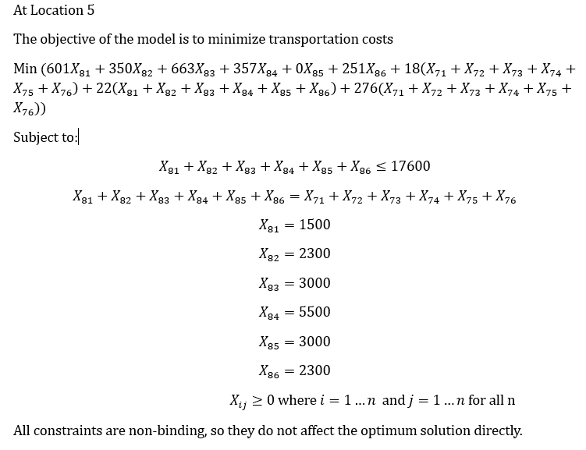
Lavazza Corporation |  |  |  |  |  |  |  |  | A visual representation of the model is shown here

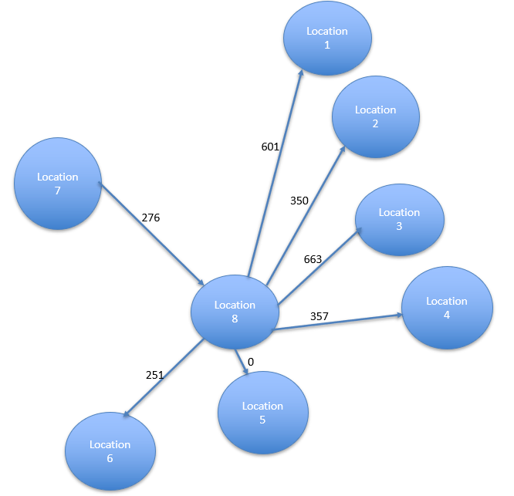
Arc | Cost | Xij | Optimization Model
Warehouse 8- customer 1 | 601 | 1500 |  | Units Shipped |  | Net
Warehouse 8 - customer 2 | 350 | 2300 | Node | In | Out | Shipments |  | Supply
Warehouse 8- customer 3 | 663 | 3000 | Location 7 |  | 17600 | 17600 | <= | 17600
Warehouse 8- customer 4 | 357 | 5500 | Customer 1 | 1500 |  | -1500 | = | -1500
Warehouse 8- customer 5 | 0 | 3000 | Customer 2 | 2300 |  | -2300 | = | -2300
Warehouse 8-customer 6 | 251 | 2300 | Customer 3 | 3000 |  | -3000 | = | -3000
Handling cost at warehouse 7 | 18 |  | Customer 4 | 5500 |  | -5500 | = | -5500
Handling cost at warehouse 8 | 22 |  | Customer 5 | 3000 | 14600 | 11600 | <= | 11600
Transport from warehouse 7 to warehouse 8/location 5 | 276 |  | Customer 6 | 2300 |  | -2300 | = | -2300

 |  |  |  |  | Minimize Total Cost | € 11,797,900.00

Here we have a scenario where the satelite warehouse 8 is supplying all the customers and it gets its supply from the first warehouse 7.
Assumptions made:
1.The satelite warehouse is at customer 5 location.
2.Warehouse handling cost was independent of the quantity managed at the warehouse itself and the goods don’t delay at the warehouse.
3.Location 8 is the same as location 5.

Scenario 2. Loc 6 (BEST)
Lavazza Corporation |  |  |  |  |  |  |  |  | A visual representation of the model is shown here
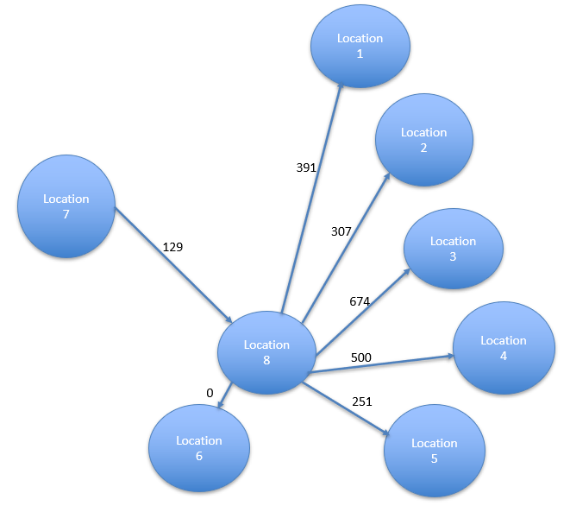
Arc | Cost | Xij | Optimization Model
Warehouse 8- customer 1 | 391 | 1500 |  | Units Shipped |  | Net
Warehouse 8 - customer 2 | 307 | 2300 | Node | In | Out | Shipments |  | Supply
Warehouse 8- customer 3 | 674 | 3000 | Location 7 |  | 17600 | 17600 | <= | 17600
Warehouse 8- customer 4 | 500 | 5500 | Customer 1 | 1500 |  | -1500 | = | -1500
Warehouse 8- customer 5 | 251 | 3000 | Customer 2 | 2300 |  | -2300 | = | -2300
Warehouse 8-customer 6 | 0 | 2300 | Customer 3 | 3000 |  | -3000 | = | -3000
Handling cost at warehouse 7 | 18 |  | Customer 4 | 5500 |  | -5500 | = | -5500
Handling cost at warehouse 8 | 20 |  | Customer 5 | 3000 |  | -3000 | = | -3000
Transport from warehouse 7 to warehouse 8/location 6 | 129 |  | Customer 6 | 2300 | 15300 | 13000 | <= | 13000

Location 6 is the best loaction for the satelite warehouse as this model has the lowest costs.
 |  |  |  |  | Minimize Total Cost | € 9,756,800.00

Here we have a scenario where the satelite warehouse 8 is supplying all the customers and it gets its supply from the first warehouse 7.
Assumptions made:
1.The satelite warehouse is at customer 6 location.
2.Warehouse handling cost was independent of the quantity managed at the warehouse itself and the goods don’t delay at the warehouse.
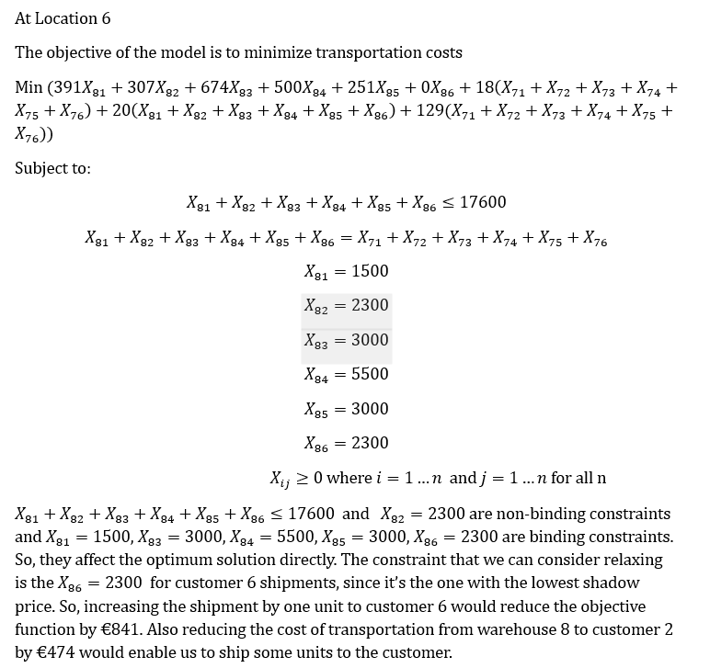
3.Location 8 is the same as location 6.

