Start

English
Pokémon Trading Card Game
Checklist | v9.3

 |  | Created By JaB2004 (2013-2014) - All information/images in this document of property of the copywrite holder.
 |  | 4.0+ Updates By MasterEmerald (2015-2023)
 |  | Donations accepted at: | www.paypal.me/nick7757

User Guide
User Guide |  | GO HERE FOR CARD IMAGES: |  | https://mega.nz/folder/r80kmCha#I3yaPYPzCLOdme2cAiA7tQ

 | This is pretty simple to use. From the expansion set page you can select the set you wish to update (Fig. 1). From there, once you are on the set simply find the card you have and place an "X" in the box for the card type (Fig. 2). This will then automatically update card counts on this page and the expansion set check list page. |  |  |  |  | NOTE: All functions below take time to execute. Be patient when running them.

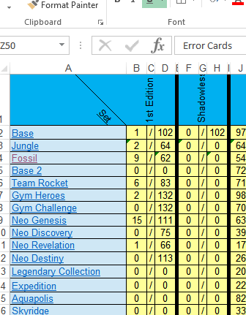
Fig. 1
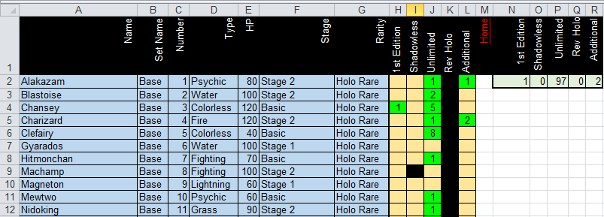
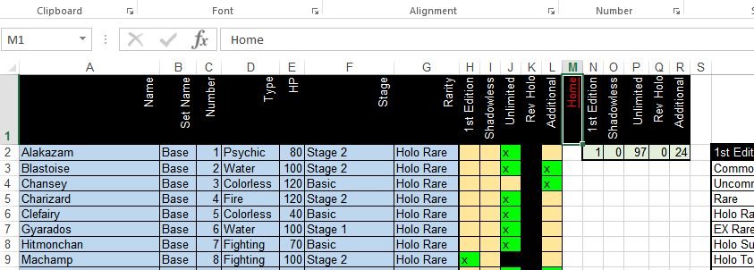
 |  |  | Fig. 2

 | Copying Data from Previous Version |  |  |  | Change Card Tracking Method
 | Click on the button to the right to choose your old workbook with |  |  |  | The radio buttons below change how the card collection is tracked. You can track using "X" or track cards numerically. See User Guide and Fig 2 above depending on which radio button is clicked. Click the "Update Card Tracking" button to apply changes. Note: Reset Conditional Formatting is automaticaly run after changing tracking method.
 | your already filled-in data. This function will copy the checklist
 | from the selected workbook to this one.
 | Note: This will not work perfectly for some sets. For example,
 | sets such as "Additional Cards" and "Blister Pack Exclusives"
 | updated regularly and the order of cards shown changes. I have
 | added a check that will only copy promos from v5.5 and up.

 | Conditional Formatting Fix
 | Click the button to the right in order to reset condtional formatting. When copying data from previous workbooks or changing the card tracking method, formatting can get messed up. This fixes it.

 |  |  |  |  |  | Any issues? Message me on Reddit at MasterEmerald

